RMSE_Trials_Random Forest
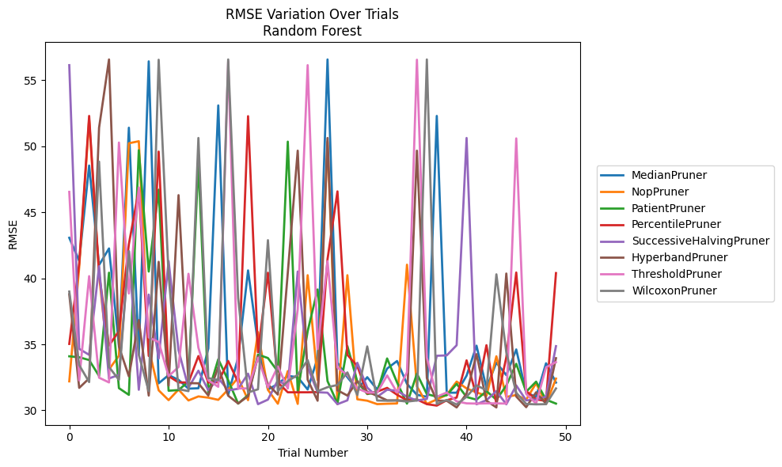
Trial | MedianPruner | NopPruner | PatientPruner | PercentilePruner | SuccessiveHalvingPruner | HyperbandPruner | ThresholdPruner | WilcoxonPruner
1 | 43.065245516 | 32.198097469 | 34.095615863 | 35.031118153 | 56.130217528 | 38.790105527 | 46.53925322 | 38.995582513
2 | 41.326297079 | 40.833443573 | 34.023095971 | 41.127666821 | 34.660751557 | 31.706000589 | 32.27689105 | 33.428685163
3 | 48.532554086 | 52.040003664 | 33.81264624 | 52.287900015 | 34.203784714 | 32.422918117 | 40.160466649 | 32.145447772
4 | 41.005810403 | 40.262390447 | 32.606762261 | 40.347306541 | 40.914691437 | 51.395549626 | 32.477332199 | 48.828130871
5 | 42.256670326 | 33.104361453 | 40.421605226 | 34.90681848 | 32.420169123 | 56.562133705 | 32.116554281 | 33.28692898
6 | 34.923314742 | 34.137273587 | 31.685442757 | 36.002911943 | 32.686448576 | 34.827956891 | 50.272749231 | 32.31388657
7 | 51.395549626 | 50.2191908 | 31.175891639 | 42.583656682 | 42.049460419 | 32.578874882 | 38.849221939 | 42.049460419
8 | 34.25954824 | 50.373875355 | 49.692021098 | 46.691283218 | 31.561513556 | 36.83444485 | 46.869348893 | 34.200647455
9 | 56.417271399 | 34.672686126 | 40.509613801 | 34.119855097 | 38.767692801 | 31.12460444 | 35.523724941 | 31.459723593
10 | 32.050215661 | 31.520187829 | 46.707196258 | 49.588392089 | 33.921594088 | 41.246204164 | 35.17985708 | 56.540697282
11 | 32.673335365 | 30.776772334 | 31.48917988 | 32.59483533 | 41.298549616 | 31.872113393 | 32.594115817 | 40.232828928
12 | 32.312690642 | 31.57801249 | 31.540327873 | 32.116380284 | 34.548993274 | 46.291691618 | 33.284561823 | 31.608588628
13 | 31.646253453 | 30.753730718 | 32.180502349 | 32.116554281 | 31.716445751 | 32.064441438 | 40.339872716 | 31.459733751
14 | 31.676745584 | 31.05837016 | 48.776326269 | 34.113621055 | 33.005176405 | 32.05131132 | 34.745261988 | 50.619144275
15 | 34.690738828 | 30.964388843 | 31.362864002 | 32.116794798 | 31.522049171 | 31.125157758 | 32.27689105 | 32.447295188
16 | 53.080697365 | 30.79910084 | 33.873628871 | 32.13133759 | 32.437884941 | 33.297302272 | 31.788285697 | 32.290429683
17 | 31.176721344 | 31.578295502 | 32.27615571 | 33.739139958 | 31.522049171 | 31.113750688 | 56.417271399 | 56.562133705
18 | 34.009764661 | 32.477433575 | 30.512644311 | 32.133353506 | 31.634862132 | 30.524771456 | 31.660354971 | 38.520081666
19 | 40.595141428 | 30.776772334 | 31.155318012 | 52.26881804 | 32.779350516 | 31.07616754 | 31.664918595 | 31.360274595
20 | 35.039036673 | 35.928989919 | 34.222187273 | 34.402536604 | 30.472823454 | 34.090192102 | 33.990953074 | 31.59653856
21 | 31.583320752 | 31.556727705 | 33.96291823 | 40.421605226 | 30.816503865 | 31.969637154 | 31.75030054 | 42.882983275
22 | 32.000571952 | 30.504740408 | 32.939974312 | 32.116938276 | 32.28946433 | 31.197805171 | 33.330252427 | 31.460931906
23 | 32.614120575 | 32.974736177 | 50.341466336 | 31.371100231 | 31.81273764 | 40.421605226 | 31.661058482 | 32.217002237
24 | 32.512769824 | 30.493179211 | 31.402551065 | 31.371100231 | 40.509613801 | 49.658255302 | 37.662129535 | 32.689226546
25 | 31.583320752 | 40.232828928 | 35.99457176 | 31.371100231 | 33.263877834 | 32.324232754 | 56.130217528 | 33.81264624
26 | 33.973094238 | 32.290669077 | 39.153761975 | 31.385486847 | 31.374247901 | 30.733474172 | 34.640349629 | 31.459721871
27 | 56.562133705 | 50.341466336 | 32.220859303 | 41.441988598 | 31.33985508 | 50.619144275 | 41.298549616 | 31.755927458
28 | 33.611094192 | 30.469550608 | 30.514249306 | 46.576950014 | 30.472758536 | 31.522738008 | 33.247848536 | 31.924819609
29 | 32.512765425 | 40.232828928 | 34.862372921 | 34.203784197 | 30.762306974 | 31.123127431 | 32.666669116 | 32.87446212
30 | 31.580799044 | 30.842302029 | 32.18050425 | 33.358156582 | 33.603909823 | 32.217002237 | 31.660346844 | 31.161998325
31 | 32.512700459 | 30.733474172 | 31.237891619 | 31.282726456 | 31.724200372 | 31.407488831 | 31.353165773 | 34.841419321
32 | 31.580799044 | 30.474545177 | 31.364176753 | 31.423149373 | 31.033498181 | 31.111938528 | 31.353165773 | 30.749513038
33 | 33.166561286 | 30.504740408 | 33.929460521 | 31.704540556 | 31.565068565 | 30.760246079 | 32.646432345 | 30.733474172
34 | 33.736582437 | 30.524771456 | 32.114984039 | 31.183052955 | 31.48688536 | 30.760246079 | 31.353165773 | 30.749513038
35 | 32.010713727 | 41.027723969 | 30.512644311 | 30.771567272 | 31.030992718 | 30.733474172 | 32.886892384 | 30.666699077
36 | 31.180166516 | 31.820966871 | 32.779248096 | 30.829106668 | 30.74918849 | 49.658255302 | 56.540697282 | 30.749513038
37 | 31.03122551 | 30.489211324 | 31.230882248 | 30.474781431 | 30.866731465 | 32.447634286 | 33.990953074 | 56.562133705
38 | 52.287900015 | 30.830911299 | 31.042010556 | 30.363066391 | 34.135151806 | 30.733474172 | 31.033499663 | 30.479249378
39 | 31.339439382 | 31.173274588 | 31.148379095 | 30.771567272 | 34.164361408 | 30.733474172 | 31.353165773 | 30.792205426
40 | 31.339439382 | 32.181785713 | 32.007541434 | 30.971311306 | 34.933380148 | 30.224890753 | 30.683035755 | 30.445580841
41 | 32.630839017 | 31.663509274 | 31.014072567 | 33.787499113 | 50.619144275 | 31.278232924 | 30.533049997 | 31.032518572
42 | 34.897627727 | 31.364189182 | 30.812944066 | 31.087739814 | 30.463871251 | 34.256330095 | 30.515287174 | 31.893087968
43 | 31.692500642 | 31.103570686 | 31.459723593 | 34.935291718 | 30.77251897 | 30.733474172 | 30.533049997 | 31.529376388
44 | 33.617871404 | 34.095615863 | 30.812944066 | 30.474781431 | 31.456282867 | 30.224890753 | 30.533049997 | 40.29907527
45 | 32.669075977 | 31.020913064 | 31.879039934 | 34.018867209 | 30.462928373 | 40.358706651 | 30.515287174 | 34.394753826
46 | 34.612323283 | 31.164482383 | 33.526971419 | 40.436009451 | 31.893270392 | 31.054114159 | 50.587478411 | 31.337221582
47 | 31.338166282 | 30.815160749 | 31.413340319 | 31.466314063 | 30.760246079 | 30.244300755 | 31.247581824 | 30.487152419
48 | 31.03122551 | 32.059096512 | 32.174212088 | 30.836264541 | 30.815718961 | 31.37031588 | 30.515287174 | 30.45939191
49 | 33.568344379 | 30.479848594 | 30.811230507 | 30.712835271 | 31.04613757 | 30.504505411 | 33.263632953 | 30.472299991
50 | 32.10684297 | 32.407410171 | 30.514249306 | 40.3923841 | 34.862372921 | 33.951871725 | 33.655281936 | 31.661510621

RMSE_Trials_Gradient Boosting
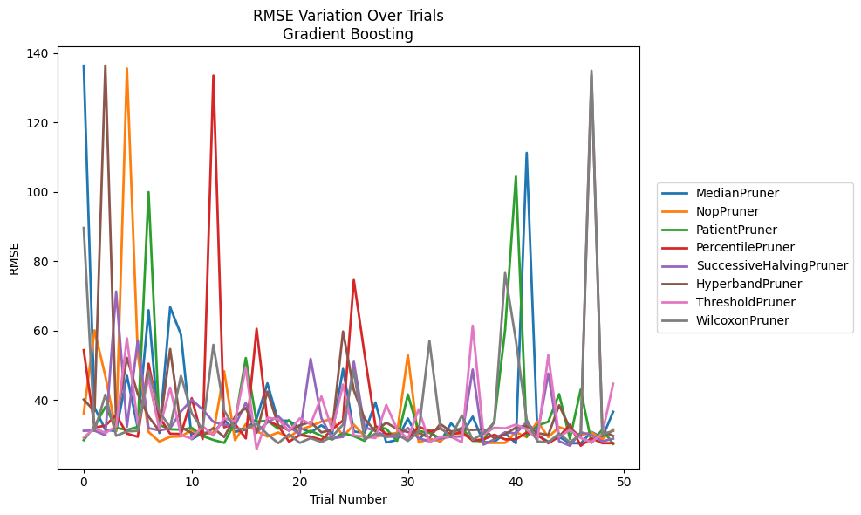
Trial | MedianPruner | NopPruner | PatientPruner | PercentilePruner | SuccessiveHalvingPruner | HyperbandPruner | ThresholdPruner | WilcoxonPruner
1 | 136.40989164 | 36.124897502 | 28.388548758 | 54.348908293 | 31.080308409 | 40.106554539 | 29.059645734 | 89.603899055
2 | 37.81002123 | 60.071263384 | 32.456312921 | 32.03821458 | 31.105095299 | 36.715411549 | 31.880871598 | 31.056026423
3 | 31.373141825 | 46.875662758 | 37.966032923 | 32.536569812 | 29.806529525 | 136.43872299 | 30.444022514 | 41.479979035
4 | 30.970367569 | 31.094556069 | 31.925658097 | 35.615311144 | 71.264193393 | 33.548856498 | 32.325968604 | 29.62572544
5 | 46.960914654 | 135.59126733 | 31.338411595 | 30.255760828 | 32.232024192 | 52.128040678 | 57.762396553 | 30.89061929
6 | 31.935486628 | 53.245880749 | 32.192237235 | 29.362599227 | 57.173228474 | 41.667661901 | 32.990039176 | 31.055073494
7 | 65.880700898 | 30.734922623 | 99.947738615 | 50.433673247 | 31.842603536 | 35.195007978 | 46.217548544 | 48.367697263
8 | 30.439143973 | 27.962198606 | 32.807707569 | 35.07855705 | 31.169124937 | 31.009637967 | 31.537487627 | 36.541181106
9 | 66.732147638 | 29.342755342 | 31.505395519 | 30.208165632 | 31.769793573 | 54.653865107 | 43.52800676 | 32.07829113
10 | 58.838921461 | 29.459808287 | 31.387624465 | 30.151134761 | 36.663775704 | 32.092025619 | 29.832879926 | 46.919348775
11 | 28.653123223 | 31.254857008 | 31.920335183 | 40.477270923 | 40.051409055 | 30.402260867 | 28.829657016 | 36.098004888
12 | 30.484799265 | 30.202415861 | 29.561661497 | 28.67116646 | 37.230942988 | 29.561653756 | 32.478054398 | 31.476471034
13 | 30.439143973 | 30.433286454 | 28.437170144 | 133.55490913 | 33.662400412 | 31.904151128 | 29.687218873 | 55.884118813
14 | 34.295027617 | 48.249995938 | 27.587343936 | 32.101739661 | 32.742603587 | 29.264352096 | 34.681796381 | 36.880401854
15 | 30.746594293 | 28.378035653 | 33.500958155 | 33.021240416 | 32.572008433 | 35.082256892 | 33.806758502 | 31.729711174
16 | 31.376555194 | 33.03516964 | 52.083280005 | 28.872656612 | 39.184460418 | 37.657838542 | 49.280766894 | 31.566389646
17 | 34.550684296 | 30.963203694 | 33.682655878 | 60.49650106 | 30.676522832 | 30.513103017 | 25.738297341 | 33.150186971
18 | 44.77629051 | 29.40925878 | 33.98111461 | 33.996575824 | 33.466354905 | 42.384460002 | 34.817814273 | 30.063956307
19 | 33.907106855 | 30.574283864 | 31.68436931 | 32.533588055 | 35.258661581 | 32.676407278 | 34.449242573 | 27.50191766
20 | 34.012025077 | 29.28349204 | 34.120000616 | 27.937004805 | 32.245651722 | 31.154589077 | 30.982604658 | 30.074023136
21 | 31.922162795 | 31.374396638 | 29.704119312 | 29.843598419 | 30.081187575 | 32.663709425 | 34.664228704 | 27.58993808
22 | 30.613926646 | 32.42031017 | 31.084538376 | 29.388765163 | 51.853677036 | 33.590235602 | 32.938800734 | 28.971949927
23 | 32.653001168 | 33.723340887 | 29.596639559 | 28.434024624 | 34.694498427 | 30.618542278 | 40.968280943 | 27.818011054
24 | 30.350459442 | 34.525005463 | 28.567699044 | 31.496349834 | 28.921585101 | 31.35068064 | 31.19484184 | 29.421036296
25 | 48.924256172 | 29.417658658 | 30.425621049 | 34.049747346 | 29.334833915 | 59.72562176 | 44.406777377 | 32.874155881
26 | 30.859697575 | 32.85827476 | 29.523449783 | 74.572974251 | 51.007085201 | 42.804359616 | 29.775479726 | 48.371361837
27 | 30.511553384 | 29.486818541 | 28.173488084 | 52.986462908 | 32.024657125 | 34.548810206 | 29.378391697 | 28.574747352
28 | 39.25694425 | 29.335268565 | 32.294968311 | 32.462134422 | 31.115352279 | 30.882114935 | 28.976591215 | 30.227391434
29 | 27.689234655 | 30.056953539 | 31.644604845 | 30.207161966 | 29.401785608 | 33.421832254 | 38.554942767 | 29.24893156
30 | 28.440877154 | 30.433237612 | 28.173488084 | 29.731808589 | 29.336373027 | 31.632529129 | 31.543868216 | 30.218506258
31 | 34.615532275 | 53.006627984 | 41.553644488 | 28.646238034 | 31.915288986 | 30.691725951 | 28.778131809 | 28.144621365
32 | 28.610558813 | 27.711796395 | 31.012923014 | 32.330174761 | 28.876334421 | 30.513103017 | 37.306979589 | 30.755491981
33 | 31.328868435 | 28.742829504 | 30.481277528 | 30.874157807 | 28.05294036 | 29.079337425 | 27.806954348 | 57.042391633
34 | 27.816058539 | 28.090697699 | 28.901879751 | 31.714084328 | 28.872114609 | 33.04928194 | 29.341235627 | 32.069385066
35 | 33.235705079 | 30.335685163 | 30.499133318 | 29.989371017 | 29.371059951 | 30.867106959 | 29.364881189 | 29.212954298
36 | 30.010029079 | 30.124830562 | 31.946580048 | 30.673712228 | 29.420942407 | 31.476457909 | 27.770581453 | 35.482720299
37 | 35.160062218 | 28.808642893 | 28.173488084 | 28.260006586 | 48.736384664 | 31.33290669 | 61.403314869 | 28.455667219
38 | 27.816058539 | 27.587018543 | 28.173488084 | 28.606763945 | 27.08130327 | 31.51893394 | 30.008131773 | 30.339684034
39 | 27.816058539 | 27.587018543 | 33.775228676 | 29.926110611 | 28.591537095 | 28.904565738 | 31.962181553 | 33.418726828
40 | 30.427139294 | 27.587018543 | 60.12403227 | 28.606763945 | 30.651666761 | 30.033222455 | 31.781052261 | 76.594152681
41 | 27.476198465 | 30.679577606 | 104.4222321 | 28.611428413 | 30.328786297 | 32.026858038 | 32.866768462 | 57.170208869
42 | 111.28013431 | 29.23908265 | 29.41681403 | 30.58849986 | 33.606678725 | 32.478055368 | 31.460142446 | 34.262359818
43 | 29.741170444 | 33.758703019 | 32.602427321 | 29.934057766 | 30.157663506 | 30.394809765 | 28.562662394 | 28.012778603
44 | 27.919713799 | 29.240261027 | 33.680752461 | 27.490157757 | 47.59530597 | 29.872793354 | 52.893832223 | 27.755231907
45 | 29.317629313 | 32.150521466 | 41.661159271 | 29.366233649 | 28.063699585 | 38.437597267 | 29.360861174 | 30.29054058
46 | 27.503253338 | 31.022308666 | 28.735580805 | 32.825614198 | 26.76917581 | 31.932397779 | 31.303812377 | 27.755231907
47 | 27.459978479 | 29.78994271 | 42.954479586 | 26.763913788 | 30.642264983 | 29.255181738 | 28.98427807 | 30.059055523
48 | 30.73118809 | 30.632990135 | 27.587343936 | 28.94924738 | 29.843441264 | 133.55490913 | 27.806954348 | 134.96306356
49 | 29.132640199 | 28.65610739 | 31.439764885 | 27.510960322 | 28.048006295 | 31.006639749 | 30.324196487 | 30.065818101
50 | 36.544333352 | 31.439786796 | 27.283231549 | 27.510960322 | 28.807732279 | 29.598147873 | 44.641053872 | 31.040944986

RMSE_Trials_XGBoost
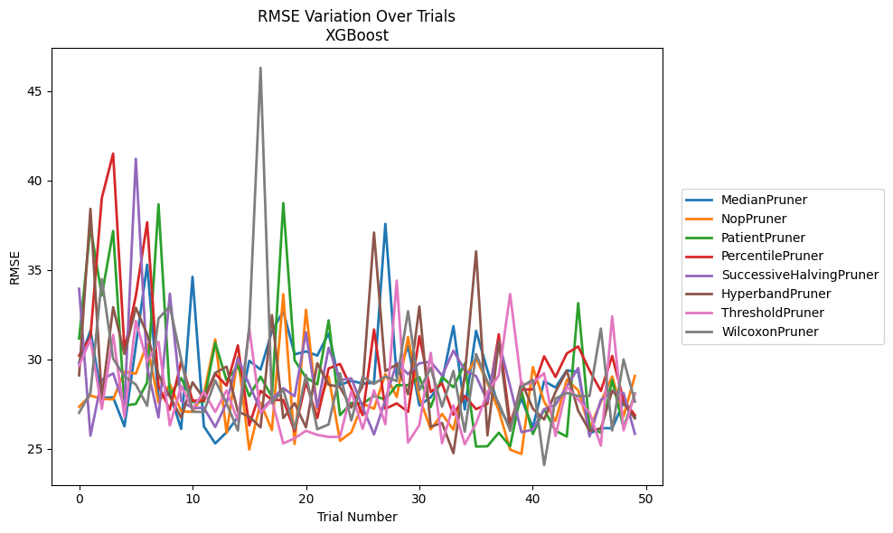
Trial | MedianPruner | NopPruner | PatientPruner | PercentilePruner | SuccessiveHalvingPruner | HyperbandPruner | ThresholdPruner | WilcoxonPruner
1 | 29.809902886 | 27.350856219 | 31.160631 | 30.218719703 | 33.943028009 | 29.105718034 | 29.6492033 | 27.01598083
2 | 31.602567776 | 27.983416415 | 37.398758191 | 31.253223467 | 25.731996038 | 38.407079553 | 31.114944488 | 28.128371109
3 | 27.858030893 | 27.789653318 | 33.567664291 | 39.008969572 | 28.861139844 | 27.79031111 | 27.225522308 | 34.480946462
4 | 27.876021431 | 27.762063643 | 37.16883066 | 41.495936183 | 29.214826775 | 32.917564309 | 31.368639054 | 30.040065206
5 | 26.256757175 | 29.307087803 | 27.412831263 | 30.529052905 | 27.35673464 | 30.301371185 | 26.773674587 | 29.044791522
6 | 30.747597205 | 29.196829177 | 27.510133298 | 33.5391635 | 41.206370452 | 32.881686731 | 32.152977542 | 28.591522497
7 | 35.28928475 | 30.860702108 | 28.705371484 | 37.661977651 | 29.539060434 | 31.399324874 | 29.867122106 | 27.403774519
8 | 27.805617126 | 27.582855251 | 38.663982781 | 28.497280058 | 26.755062587 | 29.141515151 | 30.982035692 | 32.281340755
9 | 28.083601259 | 28.617914781 | 28.010705264 | 27.186658123 | 33.671030297 | 27.928956503 | 26.304098133 | 32.959244038
10 | 26.112510799 | 27.106889295 | 28.954111559 | 29.872593228 | 27.675837211 | 26.738307216 | 28.520047816 | 30.004034153
11 | 34.610694106 | 27.05931076 | 27.614235831 | 27.694578622 | 27.28171982 | 28.716951964 | 27.239487606 | 27.074927457
12 | 26.256757175 | 28.078654306 | 27.628575711 | 27.694578622 | 27.290960203 | 27.814780015 | 28.18603187 | 27.057970897
13 | 25.302966472 | 31.111772415 | 30.927953862 | 29.19944424 | 26.22030966 | 29.239872671 | 27.059370534 | 28.824159195
14 | 25.922500134 | 25.886160835 | 28.821443374 | 28.528134029 | 27.558950044 | 29.596402171 | 28.259730461 | 27.544007756
15 | 26.774119119 | 30.148139899 | 29.645229981 | 30.7831644 | 30.070582455 | 27.083418094 | 26.565758072 | 26.021986835
16 | 29.918271446 | 24.962729787 | 27.944270668 | 26.308888095 | 28.593569629 | 26.802012991 | 31.746614531 | 31.77761625
17 | 29.429145162 | 27.577103602 | 29.034983614 | 28.243265885 | 27.14974817 | 26.20099709 | 27.008375211 | 46.285570148
18 | 31.562040722 | 26.041392316 | 27.90626531 | 27.731166188 | 27.788826389 | 32.473281911 | 27.725834953 | 27.539307401
19 | 32.702664011 | 33.64098605 | 38.729931169 | 27.729145634 | 28.388281583 | 26.723215544 | 25.303930118 | 28.30020299
20 | 30.27768821 | 25.269116709 | 29.95189421 | 25.994923023 | 27.9379992 | 27.549142659 | 25.589781438 | 26.095886655
21 | 30.443877067 | 32.774209429 | 28.988782094 | 28.730539652 | 31.51011568 | 26.20099709 | 26.009497448 | 29.12793897
22 | 30.212073897 | 27.204630469 | 28.603906581 | 26.719461568 | 27.300913992 | 29.783776864 | 25.778433795 | 26.095886655
23 | 31.449688166 | 29.03811561 | 32.179341351 | 29.48829134 | 30.648612748 | 28.586928191 | 25.667603447 | 26.364443144
24 | 28.573770983 | 25.45061303 | 26.884512987 | 29.744332936 | 28.843146916 | 28.450727736 | 25.667603447 | 29.220773033
25 | 28.801054363 | 25.925461956 | 27.564010198 | 28.389812351 | 28.936783916 | 27.300731786 | 28.225859734 | 26.581828905
26 | 28.650096037 | 27.530030655 | 27.53572564 | 26.881478598 | 27.331677022 | 28.525423188 | 26.11671309 | 29.016053065
27 | 28.686269164 | 27.237707323 | 27.951852001 | 31.669183678 | 25.80344097 | 37.083499202 | 28.266414229 | 28.627521254
28 | 37.572652603 | 29.183764985 | 27.757723447 | 27.236840106 | 27.730291293 | 29.345283964 | 26.374444603 | 29.047653508
29 | 28.999104453 | 27.894246526 | 28.555397136 | 27.539810495 | 29.816801069 | 29.713169412 | 34.404811292 | 28.786007301
30 | 30.755164232 | 31.242230479 | 28.556895434 | 27.066757748 | 29.175543548 | 28.05122159 | 25.352366609 | 32.687490664
31 | 27.427625821 | 27.879355873 | 29.005750415 | 31.293591667 | 29.778896115 | 32.95012433 | 26.329820745 | 28.278126986
32 | 27.879707247 | 26.087605704 | 27.334180245 | 28.177359032 | 29.87647298 | 26.236511834 | 30.365414712 | 29.523965702
33 | 28.772890217 | 26.94878475 | 29.013882175 | 28.651050425 | 29.087854364 | 26.443501831 | 25.318255036 | 27.351150784
34 | 31.855274994 | 26.066699817 | 28.437048202 | 26.905171336 | 30.485087767 | 24.758242689 | 27.429900001 | 29.348342292
35 | 27.203158655 | 28.975038506 | 29.759424592 | 27.948044667 | 29.390311418 | 29.094352085 | 25.253246136 | 25.957909186
36 | 31.590957352 | 30.077374179 | 25.126068852 | 27.216118424 | 29.06265856 | 36.034065236 | 26.422673101 | 30.297918529
37 | 29.392959105 | 28.670329488 | 25.144674161 | 27.515456416 | 27.665836306 | 25.752069186 | 28.165845991 | 28.766263657
38 | 27.348637956 | 27.140472078 | 25.90221739 | 31.397231292 | 31.012624816 | 30.976328026 | 29.097510204 | 27.551085585
39 | 26.232342694 | 24.956184749 | 25.144674161 | 26.395291735 | 28.505521541 | 26.010975795 | 33.653168745 | 26.040150086
40 | 27.807792351 | 24.713350538 | 28.231537584 | 28.305928459 | 25.930200639 | 28.748422596 | 28.572461551 | 28.474015018
41 | 26.18547571 | 29.563284543 | 25.828647246 | 28.324042858 | 26.076050088 | 27.246383567 | 28.699905406 | 28.856760845
42 | 28.78752222 | 27.641923373 | 27.214624804 | 30.167294771 | 27.214545187 | 26.640662802 | 29.226555191 | 24.0969366
43 | 28.425592029 | 26.55459671 | 26.014332269 | 29.016721969 | 27.460450742 | 28.17622072 | 25.721348498 | 27.810121036
44 | 29.38984727 | 28.862507021 | 25.685883037 | 30.33333188 | 28.473513426 | 29.366751044 | 28.487279362 | 28.12763768
45 | 29.295802064 | 28.267446346 | 33.141829451 | 30.722465283 | 29.520247413 | 27.12847175 | 27.751292156 | 27.949883432
46 | 25.8561188 | 26.11611247 | 26.177597322 | 29.382170626 | 25.689001629 | 26.021897705 | 27.022885266 | 27.955043123
47 | 26.154553503 | 27.619214035 | 25.902691016 | 28.233416256 | 27.723135927 | 26.132053427 | 25.178567595 | 31.723098532
48 | 26.154553503 | 29.043906813 | 28.845095784 | 30.187929644 | 28.187955798 | 28.248622624 | 32.401168086 | 26.030272247
49 | 27.583277891 | 26.811497241 | 26.171128721 | 27.714568191 | 28.116420132 | 27.552308428 | 26.029904114 | 29.993806327
50 | 26.78528699 | 29.075038248 | 28.093091709 | 26.884197418 | 25.843352051 | 26.698027417 | 28.068195674 | 27.643974589

RMSE_Trials_LightGBM
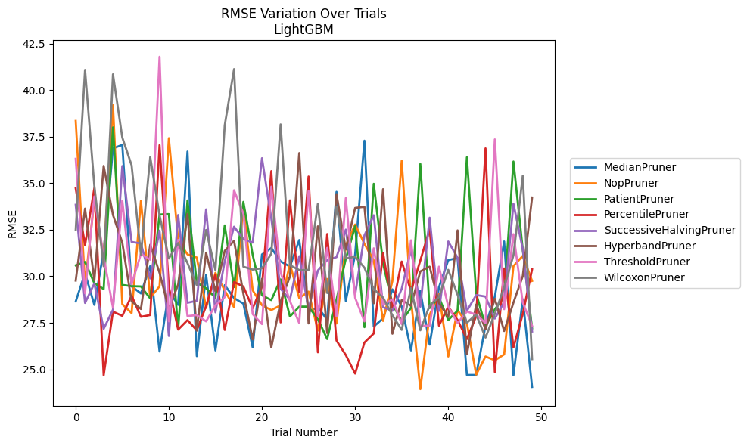
Trial | MedianPruner | NopPruner | PatientPruner | PercentilePruner | SuccessiveHalvingPruner | HyperbandPruner | ThresholdPruner | WilcoxonPruner
1 | 28.645636582 | 38.34718626 | 30.587627688 | 34.720438931 | 33.843483268 | 29.765252912 | 36.312036396 | 32.500512904
2 | 30.16600088 | 29.56097108 | 30.770009494 | 31.673911141 | 28.565618431 | 33.635928842 | 29.085671163 | 41.090383229
3 | 28.463416588 | 34.086209269 | 29.626471507 | 34.738349161 | 29.616979929 | 29.782453583 | 34.29142189 | 34.850068439
4 | 31.341657792 | 31.008488394 | 29.311655962 | 24.680481979 | 27.175371817 | 35.929733236 | 31.04644947 | 30.53895794
5 | 36.869788987 | 39.193048482 | 37.999246561 | 28.100884262 | 28.206014993 | 33.297696055 | 28.309065045 | 40.853506405
6 | 37.059882548 | 28.500577611 | 29.535292783 | 27.871637996 | 35.924197714 | 31.804625415 | 34.067346978 | 37.455979664
7 | 29.454954546 | 28.020211604 | 29.466784448 | 28.959495682 | 31.844981705 | 28.655815704 | 29.572057633 | 35.963112509
8 | 29.078296392 | 34.055439609 | 29.453211124 | 27.821370944 | 31.765280683 | 28.240013689 | 31.199563051 | 31.157796751
9 | 30.546366331 | 28.854437168 | 28.810151038 | 27.917011091 | 29.884648739 | 31.697967293 | 30.890712951 | 36.405166152
10 | 25.956848837 | 29.456496831 | 33.317884827 | 37.048289555 | 32.456477504 | 30.187299201 | 41.794471949 | 33.27289803
11 | 29.198631622 | 37.422835921 | 33.34097438 | 29.43205002 | 26.792789372 | 28.240013689 | 27.590435514 | 30.954484107
12 | 28.463416588 | 31.936863565 | 27.157587507 | 27.135672276 | 33.291677479 | 29.56280376 | 31.956741337 | 31.787164852
13 | 36.702031188 | 31.175187318 | 34.075768994 | 27.643568647 | 28.57545996 | 33.341790098 | 27.862155692 | 30.708201731
14 | 25.707938963 | 31.008110246 | 29.659705565 | 27.097105562 | 28.685774447 | 27.080142701 | 27.911794149 | 29.518680344
15 | 30.081518915 | 28.300253819 | 29.350914146 | 28.402482962 | 33.59520717 | 31.268268584 | 27.576542328 | 32.489652989
16 | 26.01666648 | 30.1864699 | 28.847798945 | 30.092383042 | 28.063609861 | 29.19569135 | 28.441470054 | 30.328538036
17 | 29.523807077 | 29.235894365 | 32.735166389 | 27.117045296 | 30.811266819 | 31.366315847 | 28.879898922 | 38.117975318
18 | 28.829107998 | 28.335405973 | 29.420782414 | 29.691231794 | 32.66422727 | 31.906890749 | 34.6209143 | 41.132378489
19 | 28.530610167 | 33.783240941 | 33.998457157 | 29.448863115 | 32.003808144 | 29.069930625 | 33.361189199 | 30.516352827
20 | 26.179643293 | 29.248762416 | 31.147776231 | 28.283576031 | 31.809868441 | 26.60684007 | 27.966249426 | 30.357861235
21 | 31.171803561 | 28.444985723 | 28.976730798 | 29.449891659 | 36.343537703 | 29.861819725 | 27.429886144 | 30.433980917
22 | 31.51581071 | 28.183791531 | 28.718600727 | 35.649948039 | 33.110123014 | 26.176671637 | 34.818464312 | 31.213690954
23 | 30.800324775 | 28.440501823 | 29.832637015 | 27.52295764 | 29.329684902 | 28.635005638 | 30.216267125 | 38.16133898
24 | 30.522954335 | 30.666699736 | 27.837869564 | 34.082459412 | 28.744369199 | 29.988340788 | 28.668993993 | 30.593908937
25 | 31.950605458 | 28.831540387 | 28.369615096 | 29.1453775 | 31.080068095 | 36.6218505 | 27.485106186 | 30.333924032
26 | 28.092235795 | 29.176943505 | 28.369615096 | 35.359217927 | 28.246704482 | 27.463818324 | 34.582979649 | 30.333924032
27 | 28.344357139 | 27.08256428 | 27.695993147 | 25.914507847 | 30.310747697 | 32.684593625 | 27.862511604 | 33.894344804
28 | 27.660291859 | 29.855479735 | 26.626549972 | 32.270556289 | 30.870888828 | 26.948103839 | 31.526031891 | 29.101058611
29 | 34.53725333 | 27.458781178 | 28.744602071 | 26.544780072 | 31.027429252 | 34.414590951 | 27.848407391 | 33.745089599
30 | 28.671148021 | 31.654630992 | 30.941160169 | 25.766574351 | 32.507898834 | 31.440440504 | 34.204780149 | 30.956311201
31 | 31.175639156 | 32.78154989 | 32.686949946 | 24.771043126 | 29.009806117 | 33.672936179 | 28.844171083 | 31.050986869
32 | 37.285785411 | 31.74478906 | 27.264089814 | 26.440931869 | 32.201176807 | 33.734164589 | 27.576542328 | 30.459623742
33 | 27.301653099 | 30.852771186 | 34.969104329 | 26.924023099 | 33.277021382 | 28.546115537 | 31.502148963 | 29.310057553
34 | 27.737259029 | 27.599822536 | 30.692319124 | 31.246195369 | 28.338540695 | 34.677803136 | 28.472210683 | 28.854533716
35 | 29.297625282 | 29.746201615 | 28.516046309 | 28.302430192 | 28.140943581 | 26.912769086 | 28.759792517 | 27.908517901
36 | 28.376603378 | 36.208520219 | 27.591332729 | 30.790771332 | 29.327195825 | 28.72317603 | 27.429886144 | 27.119580195
37 | 26.01666648 | 28.765868333 | 28.308512728 | 29.200143391 | 31.446201214 | 28.415480783 | 31.936161802 | 29.365493268
38 | 29.217621692 | 23.936736469 | 36.039061709 | 30.845972185 | 28.363907597 | 30.260395562 | 27.339149076 | 27.095884749
39 | 26.326268562 | 27.923455018 | 28.291143901 | 32.523339572 | 33.146757915 | 30.517088815 | 27.339149076 | 28.431507941
40 | 29.40757092 | 29.057431963 | 28.871477253 | 27.345930519 | 28.140807033 | 28.565179598 | 30.51594497 | 28.879640134
41 | 30.868035337 | 25.690104086 | 27.646955065 | 28.368326596 | 31.870614191 | 27.811104573 | 28.372106674 | 30.346561679
42 | 30.984905471 | 28.182404348 | 28.152931849 | 27.650413075 | 30.99952017 | 32.466513182 | 27.485106186 | 29.007162778
43 | 24.696693305 | 27.476253017 | 36.394904016 | 26.625945743 | 28.140943581 | 25.807673808 | 28.108948361 | 27.50264816
44 | 24.696693305 | 24.718539637 | 29.070243771 | 27.857772854 | 28.992105231 | 28.479598065 | 27.937816485 | 27.944000921
45 | 27.3555662 | 25.690104086 | 27.316465046 | 36.873492751 | 28.910054329 | 27.151619349 | 27.485170126 | 26.703967436
46 | 28.904884958 | 25.483113101 | 28.222992788 | 24.852461638 | 27.727481393 | 28.792186837 | 37.356266747 | 27.981920602
47 | 31.872672615 | 25.802343388 | 28.886065099 | 30.422378966 | 28.611622644 | 27.057407709 | 28.230776683 | 29.405336462
48 | 24.675034421 | 30.545727667 | 36.166836306 | 26.178976384 | 33.892961994 | 28.58679603 | 32.262227874 | 31.127935965
49 | 28.76609692 | 31.09673894 | 31.432563719 | 27.969434334 | 31.460485102 | 30.010710875 | 28.582641952 | 35.396379825
50 | 24.05414554 | 29.75000643 | 27.201172705 | 30.372469277 | 27.031162837 | 34.23315161 | 27.339149076 | 25.546400214

RMSE_Trials_GPBoost
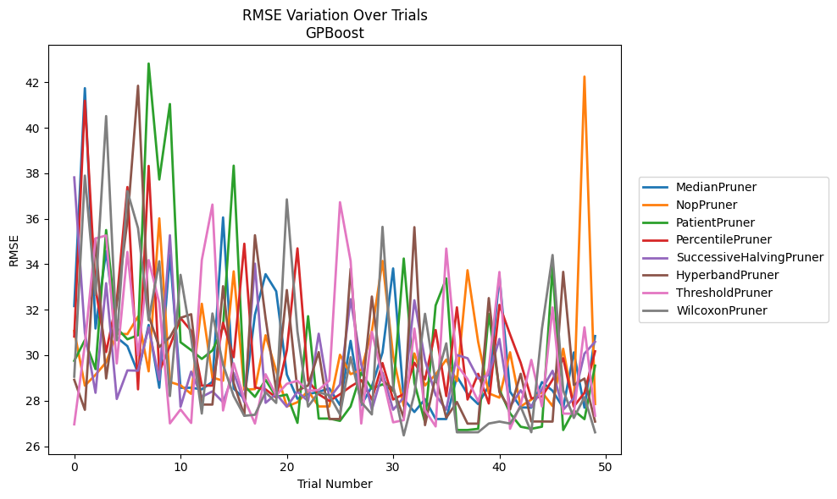
Trial | MedianPruner | NopPruner | PatientPruner | PercentilePruner | SuccessiveHalvingPruner | HyperbandPruner | ThresholdPruner | WilcoxonPruner
1 | 32.15930112 | 31.065515882 | 29.753071628 | 30.820404368 | 37.817143341 | 28.918777886 | 26.960043425 | 29.054373791
2 | 41.740540586 | 28.661469639 | 30.662104372 | 41.187861013 | 30.976363765 | 27.597595247 | 30.482861453 | 37.895291379
3 | 31.172094712 | 29.137239982 | 29.388203861 | 32.936018345 | 28.346952241 | 35.124148146 | 35.132853198 | 32.662114031
4 | 34.580113757 | 29.69063244 | 35.501488828 | 30.136672554 | 33.165208349 | 28.975500519 | 35.263180761 | 40.512821047
5 | 30.781765218 | 30.946852807 | 31.198132819 | 32.386005057 | 28.075600861 | 32.250302853 | 29.635788327 | 30.655766867
6 | 30.398694783 | 30.925901107 | 30.698432734 | 37.393511669 | 29.329129669 | 35.898154285 | 34.539208887 | 37.211101668
7 | 29.212190232 | 31.698929585 | 30.879228115 | 28.497956575 | 29.319756541 | 41.847129474 | 29.999719059 | 35.587450905
8 | 31.328064566 | 29.289235725 | 42.823784348 | 38.322632578 | 31.22207211 | 31.739282603 | 34.180643401 | 31.536337989
9 | 28.567383287 | 36.017706065 | 37.723867529 | 29.273896166 | 28.913409699 | 30.360302589 | 32.292998331 | 34.129512371
10 | 34.404377322 | 28.819243874 | 41.042901072 | 30.410321192 | 35.27203698 | 30.792250422 | 27.000523088 | 28.202636915
11 | 28.567383287 | 28.677884218 | 30.56980889 | 31.633611278 | 27.733085601 | 31.639661018 | 27.614467469 | 33.533112691
12 | 28.567383287 | 28.298575747 | 30.221911656 | 31.069080597 | 29.278054582 | 31.80129843 | 27.019084138 | 30.757315746
13 | 28.498573893 | 32.260556765 | 29.836496869 | 28.662340922 | 28.166706186 | 27.828673467 | 34.181815465 | 27.43400561
14 | 28.829957707 | 29.017966951 | 30.209981092 | 28.662375099 | 28.408528275 | 27.828673467 | 36.622239509 | 31.833630349
15 | 36.057155034 | 28.877282097 | 31.222299348 | 31.42518776 | 27.93355429 | 33.033327983 | 27.569077651 | 29.584183364
16 | 28.53290929 | 33.685576867 | 38.332833264 | 29.909019783 | 29.219472334 | 28.78227642 | 29.642149973 | 28.203130113
17 | 28.082047345 | 28.477028867 | 28.656114835 | 34.900888759 | 27.936735711 | 27.34074897 | 28.072035917 | 27.335252154
18 | 31.775754531 | 28.511453087 | 28.168520266 | 28.580406426 | 34.025675725 | 35.274505078 | 26.994326006 | 27.380209544
19 | 33.56184138 | 30.875366552 | 28.914506527 | 28.495842139 | 27.905562921 | 31.628305464 | 29.161876048 | 28.375060804
20 | 32.80941589 | 29.314368211 | 28.171860037 | 28.135156945 | 28.297167859 | 28.449129436 | 28.233414644 | 27.900012061
21 | 29.148945909 | 27.744955254 | 28.265681796 | 30.217581617 | 27.733085601 | 32.863371711 | 28.741805604 | 36.850179052
22 | 28.082047345 | 27.932029142 | 27.024199786 | 34.69608255 | 28.39818155 | 28.433723144 | 28.873670563 | 31.038745803
23 | 28.283025478 | 28.437872848 | 31.714406219 | 28.884900933 | 27.978368619 | 28.668820059 | 28.43123854 | 27.739833068
24 | 28.389839745 | 27.745497163 | 27.212870671 | 28.280693991 | 30.943731184 | 30.134577061 | 28.470402939 | 28.368513257
25 | 28.539002864 | 27.745497163 | 27.212870671 | 27.985823934 | 28.114107455 | 27.19516796 | 28.884599443 | 28.234875756
26 | 27.80408527 | 30.01859736 | 27.112097359 | 28.280693991 | 28.707746649 | 27.19516796 | 36.725998546 | 27.394617858
27 | 30.630023334 | 29.165993636 | 27.744174673 | 28.621914525 | 32.461986481 | 33.804084739 | 34.141994995 | 29.910166671
28 | 27.80408527 | 29.349106446 | 29.234081267 | 28.904099995 | 29.601194167 | 27.907252189 | 26.994326006 | 27.933567141
29 | 28.62472343 | 31.055744898 | 28.527799041 | 28.050597848 | 27.599609098 | 32.578995029 | 31.027569156 | 27.394617858
30 | 30.118434819 | 34.14388067 | 28.716684331 | 29.652390419 | 29.227551317 | 28.881556251 | 29.049091407 | 35.643515963
31 | 33.813902175 | 29.974275629 | 28.429017671 | 28.050597848 | 27.599609098 | 28.518978147 | 27.047121151 | 28.660461961
32 | 28.067569161 | 27.761463575 | 34.249269106 | 28.291514093 | 28.139137857 | 27.249404947 | 27.144937418 | 26.475064069
33 | 27.501507669 | 30.076673774 | 28.782964229 | 29.668614947 | 32.414878709 | 35.628851173 | 31.169981173 | 28.301745814
34 | 28.067569161 | 28.667925598 | 27.04819897 | 28.934588057 | 29.776885792 | 26.92423015 | 27.578648211 | 31.819514042
35 | 27.192757577 | 29.151282568 | 32.188079286 | 31.106112969 | 28.251138688 | 29.08178042 | 26.867733592 | 28.811957261
36 | 27.192757577 | 29.808270447 | 33.372475873 | 28.201736694 | 27.599609098 | 27.249404947 | 34.688402955 | 30.520225663
37 | 29.062408422 | 28.858408576 | 26.709682515 | 32.103385986 | 30.006862776 | 27.941197888 | 29.566364325 | 26.60961245
38 | 28.29634447 | 33.735397635 | 26.709682515 | 28.050597848 | 29.867075549 | 26.990595588 | 28.950242138 | 26.60961245
39 | 27.848407377 | 30.586457812 | 26.762574841 | 29.181497881 | 28.976702257 | 26.990595588 | 27.972952791 | 26.612171128
40 | 28.655919516 | 28.322788236 | 31.813132153 | 27.876358583 | 29.12875092 | 32.51022829 | 29.420415674 | 26.994326006
41 | 33.464329233 | 28.133060169 | 28.483196797 | 32.213631982 | 30.713504225 | 28.373977813 | 33.657336051 | 27.080512956
42 | 28.395939021 | 30.129130575 | 27.444764607 | 30.911412168 | 27.733085601 | 27.606465527 | 26.764519279 | 26.994326006
43 | 27.704821719 | 27.745497163 | 26.854089315 | 29.670231171 | 28.457904269 | 29.18110843 | 27.832557263 | 27.736821783
44 | 27.69153823 | 28.046870303 | 26.762574841 | 28.100198726 | 27.720096191 | 27.084531009 | 29.792804428 | 26.612171128
45 | 28.81651648 | 28.375388856 | 26.854089315 | 28.180742738 | 28.505350591 | 27.084531009 | 27.744233629 | 31.153372452
46 | 28.436319894 | 27.761463575 | 33.900260607 | 28.924000776 | 29.313964539 | 27.080512956 | 32.099906719 | 34.404798978
47 | 27.69153823 | 30.28244323 | 26.709682515 | 29.866585694 | 27.599609098 | 33.664278734 | 27.430698121 | 28.453264181
48 | 30.122629553 | 27.745497163 | 27.57059035 | 27.744233629 | 28.104568653 | 28.688722715 | 27.431077396 | 27.240546185
49 | 27.69153823 | 42.249044614 | 27.187930006 | 28.34572631 | 30.067954676 | 28.972488289 | 31.225234708 | 28.15419322
50 | 30.841225297 | 27.850885407 | 29.540148618 | 30.170327997 | 30.589540181 | 27.080512956 | 27.334659181 | 26.60961245

RMSE_Trials_CatBoost
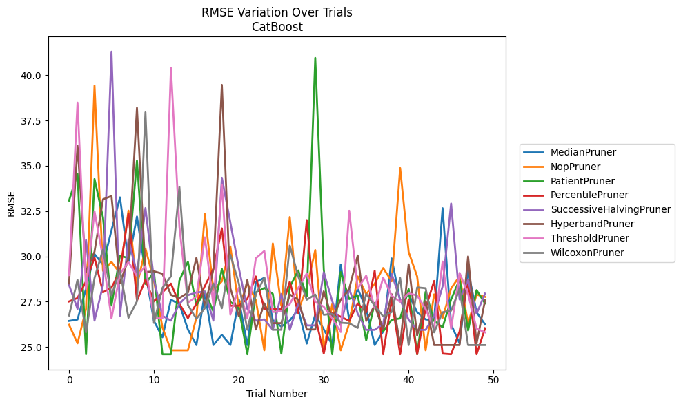
Trial | MedianPruner | NopPruner | PatientPruner | PercentilePruner | SuccessiveHalvingPruner | HyperbandPruner | ThresholdPruner | WilcoxonPruner
1 | 26.442783247 | 26.232121575 | 33.07615696 | 27.515207373 | 28.423015312 | 28.507805043 | 28.968209284 | 26.740523208
2 | 26.518850205 | 25.205631103 | 34.555448918 | 27.706076802 | 27.10447635 | 36.113176547 | 38.487276025 | 28.705777387
3 | 28.227445878 | 27.106397599 | 24.604668599 | 28.62955506 | 30.911298795 | 29.131653243 | 28.197736464 | 25.812526014
4 | 30.127616821 | 39.422854763 | 34.271088558 | 29.936237324 | 26.458585168 | 30.262673255 | 32.48610403 | 28.807470588
5 | 29.545992922 | 29.207107236 | 32.146231414 | 28.019448673 | 28.413677046 | 33.151241232 | 29.915946439 | 30.378699182
6 | 31.440188647 | 29.697081951 | 27.294884665 | 28.283495969 | 41.295114956 | 33.331322731 | 26.585949954 | 27.847403016
7 | 33.257661913 | 29.070418428 | 30.03967649 | 29.160565991 | 26.728144432 | 28.514762786 | 29.045629371 | 29.245331218
8 | 29.703452742 | 32.52864934 | 29.905919284 | 32.366550229 | 30.940404077 | 29.875145782 | 29.68832103 | 26.615603054
9 | 32.205056261 | 28.386395806 | 35.288832319 | 27.561451991 | 29.070418428 | 38.199503103 | 28.915808484 | 27.523797112
10 | 29.123633324 | 30.434872641 | 28.482697275 | 28.721308146 | 32.671657614 | 29.136376142 | 29.460151561 | 37.950763609
11 | 26.442783247 | 28.663825746 | 29.146700583 | 27.515207373 | 28.720127188 | 29.181136873 | 26.585949954 | 26.330130142
12 | 25.541181405 | 26.085622936 | 24.604668599 | 28.014059704 | 26.728144432 | 29.045629371 | 26.585949954 | 28.262800234
13 | 27.613843978 | 24.823191336 | 24.604668599 | 28.499787216 | 26.458585168 | 27.87973242 | 40.40209114 | 28.903703342
14 | 27.365353203 | 24.823191336 | 28.674233632 | 27.393364721 | 27.38807874 | 27.706076802 | 31.625285145 | 33.832047305
15 | 25.968936394 | 24.823191336 | 29.710730799 | 26.593261378 | 27.862122453 | 27.997327665 | 27.447896014 | 27.323966148
16 | 25.110662682 | 26.615603054 | 27.302139298 | 27.393364721 | 28.014059704 | 29.921125354 | 27.789990505 | 26.560263781
17 | 27.994452416 | 32.336236506 | 28.062579225 | 28.371612389 | 28.054780052 | 27.221090042 | 31.053284469 | 27.150071817
18 | 25.111532774 | 28.13588435 | 26.961391365 | 29.321433697 | 26.458585168 | 29.28606326 | 27.333627416 | 28.505990566
19 | 25.676543465 | 28.625656189 | 29.310834465 | 31.547635449 | 34.341879503 | 39.46409483 | 33.966320933 | 27.14204457
20 | 25.111532774 | 30.55315282 | 27.496557322 | 27.27926688 | 31.869506903 | 28.241221448 | 26.789825951 | 30.093169907
21 | 27.625636729 | 27.147335841 | 27.14204457 | 27.27926688 | 29.353543638 | 26.69514285 | 28.282031338 | 28.514762786
22 | 25.111532774 | 28.517006156 | 24.604668599 | 27.660908004 | 27.109291821 | 28.702008364 | 26.585949954 | 25.953961721
23 | 28.587865657 | 27.59200186 | 28.014059704 | 28.895043776 | 26.458585168 | 25.968936394 | 29.898173302 | 27.92058764
24 | 28.820079576 | 24.823191336 | 28.260096826 | 27.111391351 | 26.527575715 | 27.412912399 | 30.299716189 | 28.820079576
25 | 26.477192148 | 30.716437228 | 27.932503139 | 27.111391351 | 25.94826845 | 26.315578795 | 26.931080137 | 25.953961721
26 | 26.130247352 | 27.278050861 | 24.641403534 | 27.111391351 | 27.932503139 | 26.315578795 | 26.984381248 | 25.953961721
27 | 26.461190004 | 32.173762516 | 28.319883042 | 28.604100541 | 25.94826845 | 27.901916888 | 27.369901047 | 30.598795384
28 | 27.071412134 | 27.026808209 | 29.227362918 | 26.871472305 | 27.411961117 | 27.615463355 | 28.260811346 | 28.892647506
29 | 25.194271479 | 28.260748301 | 27.796789393 | 32.00725961 | 26.193865289 | 25.968936394 | 29.066014952 | 27.611918764
30 | 26.789825951 | 30.351758021 | 40.95202307 | 26.676878602 | 26.193865289 | 25.968936394 | 27.486353789 | 27.896996507
31 | 25.980497573 | 24.823191336 | 29.293390983 | 24.641403534 | 29.128910885 | 28.07985007 | 27.226153204 | 26.780480881
32 | 25.111532774 | 27.369901047 | 24.604668599 | 26.871472305 | 27.53358349 | 26.567211076 | 26.585949954 | 26.832830346
33 | 29.555220537 | 24.823191336 | 29.133549595 | 26.676878602 | 26.193865289 | 27.613389526 | 25.831278501 | 26.341481296
34 | 26.479185462 | 26.294552664 | 27.649349673 | 26.442783247 | 28.207434011 | 28.218466337 | 32.520963484 | 26.311198541
35 | 28.227741941 | 28.896671307 | 27.857891611 | 27.405484464 | 26.843057839 | 30.054141607 | 28.234206715 | 26.054894594
36 | 27.10447635 | 27.92058764 | 25.369577293 | 26.919311861 | 25.94826845 | 26.442783247 | 28.937554091 | 27.933037269
37 | 25.110662682 | 28.498507484 | 27.437583422 | 29.211997717 | 25.94826845 | 27.304390778 | 27.150071817 | 27.27926688
38 | 25.860183595 | 29.359354924 | 25.860183595 | 24.604668599 | 26.273126293 | 25.968936394 | 28.830924715 | 26.69514285
39 | 29.890034844 | 28.629622247 | 26.503187908 | 27.621200398 | 29.037613118 | 27.918543968 | 27.834907388 | 26.934245989
40 | 27.535603613 | 34.875467192 | 26.578865787 | 24.604668599 | 27.627359917 | 25.110662682 | 27.494211502 | 28.806700113
41 | 27.92058764 | 30.2436723 | 28.201790398 | 27.627359917 | 26.503187908 | 29.562436043 | 27.967562319 | 25.110662682
42 | 26.919311861 | 28.895043776 | 24.604668599 | 24.604668599 | 25.94826845 | 25.638381295 | 27.841528485 | 28.291720559
43 | 26.52429486 | 24.823191336 | 28.050922722 | 27.14204457 | 25.94826845 | 27.534448123 | 27.106397599 | 28.245808944
44 | 26.477192148 | 27.909544115 | 26.442783247 | 28.647446957 | 26.73371858 | 25.110662682 | 26.015125351 | 25.812526014
45 | 32.664013483 | 26.610719954 | 26.085622936 | 24.641403534 | 28.354653963 | 25.111532774 | 29.718139908 | 26.91836559
46 | 26.250706626 | 28.235242885 | 27.627359917 | 24.604668599 | 32.92006767 | 25.111532774 | 26.015125351 | 27.007476197
47 | 25.194271479 | 28.915935371 | 28.731448816 | 25.860183595 | 27.621200398 | 25.111532774 | 29.091635523 | 28.20715893
48 | 29.210137117 | 26.294552664 | 25.915480595 | 28.731448816 | 28.696819468 | 29.99924957 | 27.929594604 | 25.110662682
49 | 26.922840394 | 27.890126809 | 28.142322196 | 24.604668599 | 26.843057839 | 25.194271479 | 26.015125351 | 25.110662682
50 | 26.25052699 | 27.771440497 | 27.405484464 | 26.03817165 | 27.95055115 | 27.580777478 | 25.810623009 | 25.111532774

RMSE_Trials_NGBoost
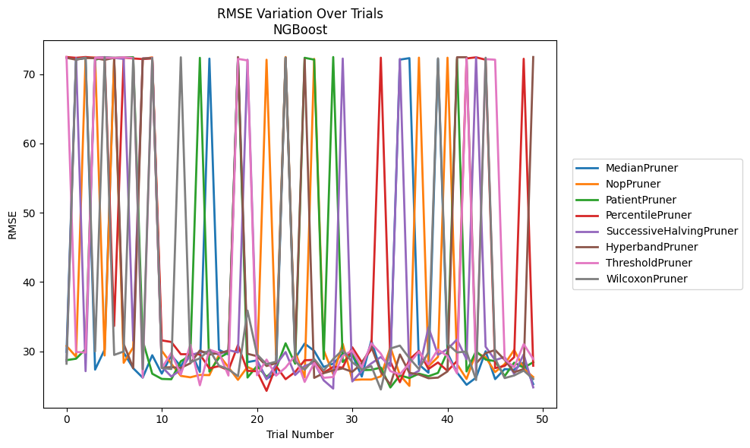
Trial | MedianPruner | NopPruner | PatientPruner | PercentilePruner | SuccessiveHalvingPruner | HyperbandPruner | ThresholdPruner | WilcoxonPruner
1 | 29.920612134 | 30.784797538 | 28.731472162 | 72.478855953 | 28.589198525 | 72.368371104 | 72.479388179 | 28.220477116
2 | 72.145609316 | 29.231498893 | 28.941549463 | 72.367425548 | 72.350024599 | 72.099711883 | 29.918586292 | 72.152394151
3 | 72.315817939 | 72.370423656 | 30.31002271 | 72.478910623 | 27.143028285 | 72.347503958 | 29.834713872 | 72.389683618
4 | 27.370514873 | 72.393015329 | 72.089311017 | 72.364857185 | 72.364616454 | 72.306937515 | 72.364882926 | 29.9915221
5 | 30.251744202 | 29.403718402 | 72.445282684 | 72.433613661 | 72.429949746 | 72.073608307 | 72.367836535 | 72.479359619
6 | 72.199749561 | 72.35945938 | 72.365201008 | 33.66062246 | 72.344692284 | 72.362955368 | 72.367693786 | 29.490412285
7 | 29.822262228 | 28.35298629 | 72.442884967 | 72.396774593 | 72.225322578 | 31.078301488 | 72.44343226 | 29.978209848
8 | 27.568341096 | 30.576840701 | 72.448830583 | 72.273090778 | 31.544390672 | 27.573270907 | 72.340302561 | 72.304171132
9 | 26.206319917 | 72.182004427 | 31.551428637 | 72.186836832 | 72.27903131 | 72.270656956 | 26.234391513 | 27.437239075
10 | 29.44459275 | 72.442408694 | 26.773497697 | 72.281830893 | 72.318483317 | 72.318984764 | 72.398803136 | 72.339903989
11 | 26.789600187 | 30.081624028 | 26.026773205 | 31.582355369 | 27.790993244 | 27.653064094 | 27.576775852 | 27.606175179
12 | 29.423362083 | 28.217264196 | 25.977171898 | 31.359036556 | 26.372148296 | 27.720304415 | 29.770000178 | 27.454900758
13 | 27.846492089 | 26.463094562 | 28.56917035 | 29.591452482 | 27.322573012 | 27.615240142 | 26.651005634 | 72.442540016
14 | 30.138183008 | 26.257535462 | 29.41085161 | 29.584050896 | 29.443284219 | 28.281361901 | 30.964166075 | 28.42501381
15 | 27.03600105 | 26.599479274 | 72.367610498 | 29.567660563 | 29.854474761 | 30.126167953 | 25.110320912 | 29.005126982
16 | 72.252259888 | 26.573095909 | 27.079280497 | 27.551978564 | 29.948498883 | 29.517370744 | 30.252458583 | 30.221744583
17 | 30.219846927 | 29.494975555 | 29.040206066 | 27.868701294 | 29.541157484 | 29.793059629 | 29.77298728 | 27.947912283
18 | 29.55249004 | 27.71069636 | 29.830060828 | 27.27693613 | 30.182774948 | 30.035131016 | 26.51104886 | 27.408465975
19 | 72.347398799 | 25.892694261 | 72.154299877 | 30.907152456 | 29.845574878 | 72.478966781 | 72.210932526 | 26.414521133
20 | 28.446861295 | 27.754365205 | 26.221077205 | 27.191694019 | 72.086802606 | 29.653338468 | 71.994677963 | 35.890966084
21 | 28.70488847 | 27.124177634 | 27.897743365 | 27.133735009 | 28.625014547 | 29.308810374 | 26.557743212 | 29.565187316
22 | 26.042755973 | 72.090990188 | 26.321809809 | 24.302126122 | 25.969167649 | 27.889632836 | 28.815752949 | 28.145185067
23 | 26.860420567 | 29.47380409 | 27.535689848 | 27.872328339 | 28.106749011 | 28.299678177 | 26.503285617 | 28.519228466
24 | 72.439924392 | 72.479673091 | 31.165589532 | 25.985316461 | 29.909307648 | 72.369779101 | 27.663455159 | 72.380448535
25 | 28.988213776 | 29.929649839 | 28.217681599 | 27.021061306 | 26.584917782 | 29.477960736 | 29.400160477 | 28.556308774
26 | 31.122323295 | 26.242866097 | 72.369384123 | 28.714692874 | 27.897934153 | 72.156465857 | 25.591873614 | 27.347422161
27 | 30.079657207 | 72.214627543 | 72.103234743 | 28.775543337 | 28.366028893 | 26.176536221 | 28.326341421 | 28.905448089
28 | 27.749027958 | 30.171970792 | 28.889011372 | 26.922048124 | 25.81589776 | 26.852339701 | 26.184713141 | 27.224079341
29 | 28.224166385 | 26.708246856 | 72.479763062 | 27.766451033 | 24.629032349 | 27.264145875 | 26.303215466 | 28.894102704
30 | 29.685545873 | 31.087409696 | 28.462383513 | 27.661656662 | 72.26253273 | 27.543409908 | 29.354520126 | 30.203282509
31 | 29.517345197 | 25.86876581 | 29.61083302 | 30.589138749 | 25.656925788 | 27.044971203 | 30.123702236 | 28.423353073
32 | 26.366139088 | 25.940397433 | 27.293459931 | 28.427827018 | 27.162790498 | 28.239147223 | 27.6665519 | 27.39220589
33 | 31.560808609 | 25.934350622 | 27.332061178 | 30.289948813 | 28.263422577 | 30.682029098 | 31.173964911 | 27.873738033
34 | 27.268301448 | 26.388485856 | 27.66261825 | 72.388017107 | 29.184639887 | 27.008243469 | 29.665640761 | 24.501906364
35 | 28.406824026 | 30.605160917 | 24.786258646 | 28.517863174 | 27.875179168 | 25.21680561 | 27.149972645 | 30.410974705
36 | 72.105810491 | 26.579826948 | 26.542645192 | 25.547506819 | 72.207065345 | 29.558176263 | 26.684685508 | 30.832554045
37 | 72.317794271 | 25.017297899 | 26.149304827 | 28.84063747 | 26.458542147 | 26.905864057 | 28.268022775 | 29.018912046
38 | 28.104382683 | 72.390713297 | 26.78371745 | 30.057441174 | 27.202796002 | 26.65682176 | 29.963729164 | 27.453667119
39 | 26.919846116 | 27.84107428 | 26.413519468 | 27.455302428 | 33.480113521 | 26.121786818 | 28.114635953 | 29.887814159
40 | 72.185797005 | 29.200287313 | 26.891449051 | 28.395577815 | 29.506947013 | 26.210339262 | 30.269243392 | 72.296674448
41 | 29.735082164 | 72.383700098 | 29.949736342 | 27.176293797 | 30.32501263 | 27.107278682 | 29.301870908 | 31.076482064
42 | 26.952779386 | 28.161816643 | 72.200282843 | 28.611500895 | 31.709332167 | 72.447486545 | 26.826706899 | 29.847707331
43 | 25.175153171 | 26.020292078 | 27.103538487 | 72.27842268 | 28.853569023 | 72.450958434 | 72.283543933 | 29.979916499
44 | 26.215315344 | 29.80774226 | 30.021571211 | 72.437659338 | 72.439089649 | 28.26605636 | 26.55951195 | 25.871467295
45 | 30.015093681 | 29.163392015 | 28.815476822 | 72.095209625 | 30.673502347 | 29.747809895 | 72.181919761 | 72.380804037
46 | 25.995137461 | 27.009652476 | 28.593700408 | 27.58760844 | 28.739775741 | 30.188929075 | 72.094553178 | 28.965082422
47 | 27.445756767 | 28.166631683 | 26.431705397 | 27.904092106 | 29.187261722 | 28.787299534 | 28.855308439 | 26.146148937
48 | 27.344350542 | 30.212912015 | 28.372749831 | 29.162248993 | 26.735419965 | 26.990284669 | 27.700107345 | 26.521972552
49 | 28.426449988 | 27.505443651 | 27.643887586 | 72.228204621 | 29.569778963 | 27.4457087 | 31.045725527 | 27.224308627
50 | 25.280508945 | 26.293095125 | 28.428044577 | 27.927865305 | 24.806318388 | 72.479471368 | 28.897732188 | 26.013309735

RMSE_Trials_TabNet
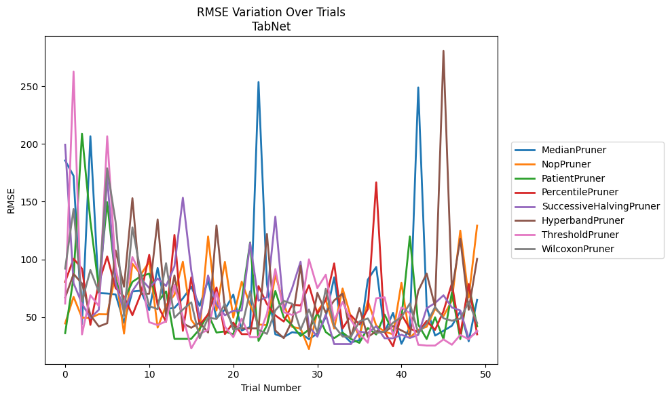
Trial | MedianPruner | NopPruner | PatientPruner | PercentilePruner | SuccessiveHalvingPruner | HyperbandPruner | ThresholdPruner | WilcoxonPruner
1 | 185.63677362 | 44.487862635 | 36.119114802 | 80.490731221 | 199.29391964 | 66.904998383 | 61.711526476 | 92.006050243
2 | 172.31709053 | 67.524091476 | 84.522645703 | 100.55007401 | 79.324433327 | 87.393724523 | 262.56173381 | 143.57477092
3 | 43.900038484 | 49.514964298 | 208.87321401 | 91.988296428 | 61.737918305 | 79.160870128 | 34.995294745 | 63.66094423
4 | 206.62974511 | 49.215128835 | 132.99543284 | 43.271976951 | 49.177934465 | 51.784571503 | 68.928865336 | 90.80257925
5 | 70.81284477 | 52.520891955 | 75.64228883 | 79.722954735 | 56.342642893 | 41.911057529 | 59.671085357 | 71.793659816
6 | 70.410570495 | 52.373403447 | 149.52504885 | 102.51007953 | 171.04319173 | 44.669605519 | 206.61192676 | 178.84955161
7 | 69.641012381 | 87.152625194 | 82.358596859 | 75.170535285 | 79.55494183 | 107.64425278 | 92.818344723 | 132.55589918
8 | 45.155106495 | 35.705090892 | 64.953747065 | 67.756435638 | 54.816230186 | 76.290943797 | 59.987972834 | 51.018687695
9 | 72.186353481 | 96.215233169 | 80.541393182 | 51.679826271 | 72.639591504 | 152.95353921 | 101.98748104 | 127.64217334
10 | 72.814387717 | 86.855654883 | 85.349210851 | 70.067765051 | 83.311741018 | 70.208982826 | 86.836825583 | 88.388471944
11 | 56.039327708 | 97.921514729 | 87.606425233 | 103.88200845 | 75.170535285 | 70.198264841 | 45.588079025 | 59.572897997
12 | 92.555051186 | 40.936945368 | 62.901363602 | 60.388080073 | 83.443808282 | 134.53761236 | 43.119053881 | 56.913246927
13 | 57.131963727 | 60.013422164 | 72.264204378 | 45.989922788 | 77.000485109 | 50.105131174 | 46.332451316 | 96.651774064
14 | 57.957295448 | 69.368837705 | 31.211312967 | 121.17445295 | 94.00677336 | 86.009129239 | 77.913078196 | 49.450814519
15 | 66.191240156 | 97.907067903 | 31.211312967 | 38.13740993 | 153.34875234 | 44.669605519 | 50.403469778 | 56.564373242
16 | 76.298066945 | 47.58547511 | 31.211312967 | 84.436013819 | 90.329331801 | 40.759225374 | 22.902282121 | 62.788031615
17 | 59.739526573 | 37.965951221 | 39.608319451 | 43.271976951 | 48.76535215 | 45.191049523 | 35.547524033 | 31.768938319
18 | 81.943643696 | 119.86863334 | 52.673814763 | 52.270692953 | 86.039164297 | 36.651129558 | 38.933080921 | 49.485877286
19 | 48.889463972 | 55.584847692 | 36.65477139 | 75.713049208 | 60.81786333 | 129.30250082 | 71.541737572 | 48.395637152
20 | 56.539916935 | 97.813952665 | 37.594715997 | 35.235641261 | 51.587467913 | 57.402375516 | 41.896174392 | 61.432009944
21 | 69.460012665 | 49.560362107 | 35.101116491 | 45.228472737 | 55.495185162 | 42.072776593 | 32.664493203 | 39.106695311
22 | 38.389761704 | 80.651001137 | 64.644309253 | 35.235641261 | 55.666482952 | 40.278413399 | 48.669439646 | 40.659133797
23 | 41.563620462 | 60.700508711 | 114.60299168 | 35.235641261 | 114.25487202 | 40.278413399 | 32.664493203 | 72.341930998
24 | 253.56998695 | 43.608887941 | 29.431025155 | 76.834923497 | 64.305765257 | 40.278413399 | 32.664493203 | 38.976408254
25 | 78.777351401 | 43.075114093 | 42.738529563 | 61.297980251 | 67.176703348 | 121.92593887 | 52.960003426 | 35.493424787
26 | 35.122588051 | 86.734334185 | 72.581433253 | 51.511549164 | 136.9524467 | 38.389761704 | 91.618823334 | 55.806463139
27 | 32.665121029 | 61.398311748 | 49.802404972 | 46.151975936 | 56.144640912 | 31.77182002 | 54.203469569 | 64.038326232
28 | 36.95118256 | 41.518641686 | 42.891407666 | 60.784238358 | 75.016534636 | 46.758018092 | 51.852425905 | 61.554566034
29 | 35.989315567 | 40.14716124 | 33.648944483 | 60.05260552 | 97.922596784 | 94.476942045 | 55.181208942 | 38.976408254
30 | 30.895802274 | 22.396635539 | 39.223253601 | 77.603833542 | 41.97087177 | 33.158711104 | 99.989428152 | 56.569347393
31 | 35.788868935 | 55.002268242 | 53.371820931 | 52.807470175 | 33.074439967 | 70.975901638 | 75.126104921 | 36.65477139
32 | 50.171658459 | 64.991758792 | 37.044405298 | 64.899411351 | 52.283426061 | 53.730210747 | 86.750540344 | 74.461146931
33 | 84.464073354 | 40.14716124 | 31.768938319 | 96.484591346 | 26.637298179 | 64.471010776 | 47.025272149 | 42.297475291
34 | 35.122588051 | 74.742696654 | 36.583976398 | 40.203240381 | 26.637298179 | 70.352047906 | 63.128826849 | 33.211342733
35 | 28.029903248 | 49.82577801 | 31.033108658 | 51.499680009 | 26.637298179 | 32.843621774 | 47.372361404 | 33.211342733
36 | 30.028617942 | 32.602789674 | 27.689684504 | 43.608887941 | 37.524593173 | 57.823489243 | 36.200899532 | 46.249511716
37 | 82.442700272 | 64.076362829 | 40.562791914 | 56.920395259 | 36.164351944 | 32.843621774 | 27.828629452 | 48.870389209
38 | 93.423760486 | 42.666785558 | 34.961437671 | 166.72261301 | 42.04917572 | 37.691402809 | 66.310662822 | 36.193281328
39 | 37.076620413 | 37.402397397 | 52.191747582 | 37.154727221 | 31.65587981 | 37.06944727 | 67.132848412 | 37.535131656
40 | 53.717504712 | 35.105289454 | 37.011118275 | 24.701664746 | 31.65587981 | 42.288099096 | 33.497372652 | 45.177011879
41 | 26.861117872 | 79.698494952 | 49.355450046 | 52.26497337 | 34.764116891 | 38.422651794 | 58.360473132 | 49.924312832
42 | 41.17443659 | 32.145765191 | 119.86863334 | 40.012295168 | 31.899612319 | 34.819945274 | 53.351317108 | 61.812675761
43 | 248.89855803 | 39.033559592 | 43.532726386 | 37.154727221 | 34.671846834 | 72.707246888 | 26.065822911 | 36.193281328
44 | 58.868993109 | 41.610632081 | 31.033108658 | 46.651678966 | 57.661705789 | 87.682892007 | 25.33444265 | 44.297778871
45 | 34.001333772 | 57.053833286 | 49.85107215 | 38.933080921 | 62.192218728 | 59.318301465 | 25.33444265 | 58.867199424
46 | 38.107944764 | 50.843860441 | 31.033108658 | 55.062927868 | 68.886813444 | 280.4987188 | 30.686533367 | 48.977416771
47 | 42.515343623 | 64.299098154 | 71.298612802 | 79.128887641 | 58.328512171 | 72.937653974 | 26.065822911 | 46.847293895
48 | 55.002268242 | 124.89003757 | 31.033108658 | 34.514226219 | 55.74482792 | 117.79621489 | 34.514226219 | 48.632776732
49 | 29.072110726 | 66.90244034 | 78.366043772 | 78.705350686 | 31.65587981 | 56.324399582 | 30.829917705 | 63.069067501
50 | 64.991758792 | 129.19158194 | 42.085656876 | 35.08243466 | 37.423158577 | 100.44554067 | 38.171958146 | 44.870723595

RMSE_Trials_HistGradientBoosting
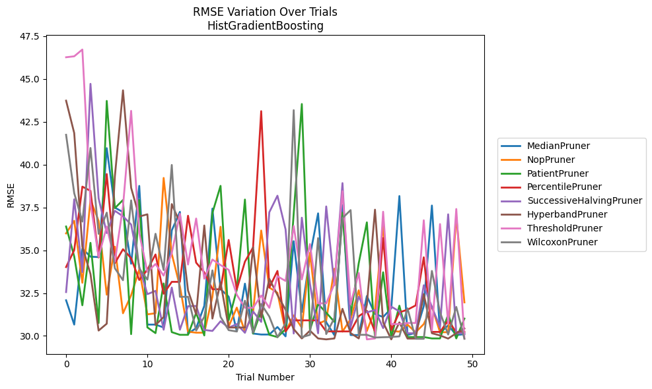
Trial | MedianPruner | NopPruner | PatientPruner | PercentilePruner | SuccessiveHalvingPruner | HyperbandPruner | ThresholdPruner | WilcoxonPruner
1 | 32.0814956 | 35.983129424 | 36.385832412 | 34.018667472 | 32.559339211 | 43.732084313 | 46.264867148 | 41.740104455
2 | 30.662384351 | 36.720919861 | 34.640492106 | 35.008429594 | 37.974881096 | 41.839874819 | 46.320406983 | 38.329949762
3 | 35.098534396 | 33.102236298 | 31.788182543 | 38.714131146 | 33.725892723 | 35.205605958 | 46.716211794 | 36.673020778
4 | 34.625457125 | 37.948281853 | 35.432814903 | 38.468796277 | 44.71413949 | 33.61187631 | 37.7639418 | 40.969898006
5 | 34.601410376 | 36.713948814 | 30.750202282 | 34.582641563 | 38.030877499 | 30.31359765 | 34.614518036 | 35.957445862
6 | 40.96028089 | 32.406840348 | 43.717175376 | 39.450315481 | 36.002526988 | 30.7137427 | 36.386355379 | 37.195002407
7 | 37.488507401 | 35.210943522 | 37.459941163 | 34.244077948 | 37.304353697 | 39.316367145 | 34.326141819 | 33.949514229
8 | 37.226778201 | 31.323603873 | 37.933063254 | 35.060409729 | 36.981287519 | 44.335867353 | 37.56373407 | 33.251265851
9 | 34.211142558 | 32.374598833 | 30.10349105 | 34.538380428 | 36.501323462 | 38.646405895 | 43.137152037 | 37.912959463
10 | 38.757524504 | 33.870042835 | 37.929245667 | 33.264623378 | 34.040723532 | 36.967411676 | 36.005596412 | 33.935129401
11 | 30.662384351 | 31.259476634 | 30.498333229 | 33.863196591 | 32.436573403 | 37.098016857 | 33.73422045 | 33.285579604
12 | 30.662384351 | 31.323603873 | 30.162833831 | 34.756365414 | 32.629861676 | 30.633290943 | 34.197707212 | 35.962646034
13 | 30.49344194 | 39.221509772 | 33.064124419 | 32.461394083 | 30.363117437 | 31.102888698 | 33.518863913 | 33.84388962
14 | 36.158455792 | 34.788300661 | 30.221698733 | 33.156972573 | 32.824113502 | 37.694926685 | 34.839638711 | 39.979474466
15 | 37.238984455 | 32.888605387 | 30.064540909 | 33.156972573 | 30.363117437 | 36.603064693 | 37.128736285 | 32.283731852
16 | 30.136811306 | 30.248149497 | 30.064540909 | 37.014632511 | 31.733287519 | 32.651327794 | 34.166997649 | 32.283731852
17 | 30.454603708 | 30.189798584 | 31.345603088 | 34.275072944 | 31.749775411 | 31.252978574 | 36.851857795 | 30.313801272
18 | 31.756041543 | 30.189798584 | 30.027675842 | 33.713587393 | 30.349146285 | 36.445659261 | 33.340944963 | 31.112761497
19 | 37.434357898 | 32.287666645 | 37.184460575 | 32.72445941 | 30.291446473 | 31.011419547 | 34.459905764 | 33.827127983
20 | 32.72445941 | 36.370899654 | 38.759086134 | 32.72445941 | 30.858270253 | 33.117200132 | 34.13590317 | 31.112761497
21 | 32.291912416 | 30.552947924 | 30.922853691 | 35.601521384 | 30.478807575 | 30.489903523 | 33.856224607 | 30.337313811
22 | 30.266034585 | 31.654952097 | 32.69376397 | 32.72445941 | 30.691917195 | 30.489903523 | 32.403281177 | 30.257184101
23 | 33.051787731 | 30.248149497 | 37.961145199 | 34.335492053 | 30.183337578 | 30.489903523 | 31.640535507 | 32.054258034
24 | 30.139475045 | 31.368428067 | 30.139594714 | 35.162331739 | 31.431647651 | 35.170015204 | 31.640535507 | 30.189798584
25 | 30.082563996 | 36.152660744 | 31.454526357 | 43.118851912 | 30.818423343 | 31.077989362 | 32.360991138 | 31.860918397
26 | 30.082563996 | 32.825940529 | 30.064540909 | 32.82216026 | 37.219180568 | 33.3318309 | 31.640535507 | 31.130502344
27 | 30.521028555 | 32.519488824 | 29.933061747 | 33.793531132 | 38.183799818 | 32.390648154 | 33.479652665 | 29.92362621
28 | 29.973529835 | 30.257184101 | 30.397931864 | 30.263206029 | 36.21716338 | 31.530964289 | 33.209695388 | 30.740688844
29 | 35.529684199 | 31.197930842 | 37.142991247 | 30.908622489 | 30.139475045 | 30.397931864 | 36.413911325 | 43.178361852
30 | 31.397594562 | 30.478807575 | 43.536774775 | 30.908622489 | 36.90108051 | 29.852028373 | 33.294771071 | 29.92362621
31 | 34.67423115 | 34.846885081 | 30.353896407 | 30.908622489 | 33.040622344 | 30.30609997 | 35.361334982 | 30.064540909
32 | 37.154160506 | 30.7137427 | 31.857308894 | 30.908622489 | 30.154062234 | 29.852028373 | 31.902813809 | 35.710672398
33 | 30.797081057 | 30.913838422 | 31.358832875 | 30.263206029 | 37.558125895 | 29.798194536 | 31.902813809 | 30.108854647
34 | 30.049980539 | 33.920515284 | 30.822909333 | 30.263206029 | 32.950174105 | 29.852028373 | 33.02942646 | 31.03872755
35 | 37.637562211 | 30.248149497 | 37.19260076 | 30.263206029 | 38.920192825 | 31.581459391 | 38.447478785 | 36.8764346
36 | 30.049980539 | 30.984888543 | 31.222783881 | 30.263206029 | 30.519466574 | 30.166457128 | 31.857308894 | 37.344894047
37 | 30.049980539 | 32.661450165 | 34.244729897 | 31.149448395 | 32.291993813 | 29.853678346 | 33.675537789 | 30.064540909
38 | 32.33098631 | 30.287779953 | 36.629378335 | 31.468344801 | 31.375205236 | 31.828591638 | 29.798194536 | 30.064540909
39 | 31.283189611 | 31.519573001 | 29.905856888 | 30.249383248 | 31.51070549 | 37.370238218 | 29.852028373 | 29.905856888
40 | 31.102888698 | 36.499865772 | 33.715364938 | 35.715798433 | 30.455232247 | 30.793246368 | 37.249173625 | 29.92362621
41 | 31.61070148 | 30.290000092 | 29.933061747 | 30.349187726 | 31.712187698 | 29.798194536 | 30.692992212 | 29.937703494
42 | 38.165089437 | 30.248149497 | 31.763894679 | 31.375736825 | 31.431647651 | 30.793246368 | 30.691917195 | 29.973529835
43 | 30.049980539 | 30.660731899 | 29.933061747 | 31.530964289 | 30.154062234 | 29.845044315 | 30.754652872 | 31.610862221
44 | 30.179343007 | 30.210652817 | 29.933061747 | 31.77991681 | 30.154062234 | 29.845044315 | 30.754652872 | 29.833184313
45 | 31.739700355 | 30.691917195 | 29.933061747 | 34.590168519 | 32.958520072 | 32.44404639 | 36.750232859 | 29.833184313
46 | 37.611343163 | 31.723054312 | 29.853678346 | 30.234728974 | 31.689502847 | 30.157165723 | 30.313801272 | 33.793531132
47 | 30.162833831 | 30.210652817 | 29.853678346 | 30.234728974 | 30.5069049 | 30.027675842 | 36.529188076 | 31.375205236
48 | 30.620786559 | 30.218790311 | 31.255054071 | 30.896672392 | 37.098393087 | 29.845044315 | 30.708333573 | 30.082563996
49 | 30.049980539 | 36.962740763 | 29.853678346 | 30.219780884 | 30.154062234 | 30.157165723 | 37.408526859 | 31.693517747
50 | 30.102800769 | 31.956775431 | 31.012330425 | 30.234728974 | 30.154062234 | 30.43251932 | 29.852028373 | 29.833265162

RMSE_Trials_PGBM
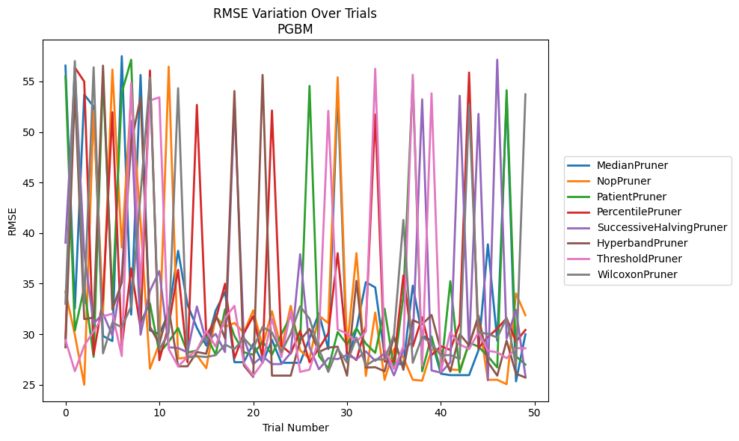
Trial | MedianPruner | NopPruner | PatientPruner | PercentilePruner | SuccessiveHalvingPruner | HyperbandPruner | ThresholdPruner | WilcoxonPruner
1 | 56.564567605 | 34.204023766 | 55.489413762 | 29.500678963 | 39.052901436 | 28.707068249 | 29.425075615 | 33.009827165
2 | 32.545234318 | 29.952262961 | 30.36266124 | 56.377799625 | 55.944569773 | 54.141776795 | 26.336270521 | 57.016973937
3 | 53.703740448 | 25.001304157 | 34.630552946 | 54.98878222 | 38.003565727 | 31.494091276 | 28.874191128 | 33.021838617
4 | 52.515332563 | 52.102840806 | 27.75938939 | 27.986376769 | 31.060388695 | 31.640079412 | 30.308069851 | 56.396880302
5 | 29.821919021 | 32.185869807 | 55.47462035 | 33.496227575 | 32.044354332 | 56.567123323 | 31.758755574 | 28.108474594
6 | 29.319145676 | 56.181061872 | 33.347667958 | 51.960096325 | 29.861068494 | 32.430742744 | 32.03306413 | 31.135168441
7 | 57.502413516 | 38.567057245 | 53.881899483 | 28.768560818 | 35.839307201 | 35.119752659 | 27.838012525 | 30.703952757
8 | 31.94054285 | 53.535846212 | 57.1451006 | 36.505255807 | 51.097231739 | 48.963626659 | 54.866845358 | 32.742748169
9 | 55.638035003 | 41.075525303 | 31.175614 | 30.576186231 | 29.947856355 | 53.369255471 | 34.700087867 | 43.816560566
10 | 30.371407104 | 26.589092972 | 33.040275939 | 56.077929057 | 34.28133079 | 30.735579664 | 53.110270153 | 55.399638712
11 | 30.009366475 | 29.072931841 | 28.138580442 | 27.429364636 | 36.244449259 | 29.049920933 | 53.431383072 | 28.489764143
12 | 32.12037107 | 56.4640077 | 29.251421549 | 30.875671814 | 28.712328079 | 32.520144828 | 28.522818217 | 30.157603638
13 | 38.252329062 | 27.591230176 | 30.615987207 | 36.36492934 | 28.628513559 | 26.825285955 | 26.829672297 | 54.331426836
14 | 32.924755427 | 27.697911888 | 28.181737896 | 27.228077344 | 28.208888178 | 26.825285955 | 27.732982177 | 27.700784274
15 | 30.638904297 | 27.900823687 | 28.390174484 | 52.676807895 | 32.739774337 | 28.236644258 | 28.427299056 | 27.819211579
16 | 28.866636147 | 26.639589316 | 29.886544818 | 29.87376626 | 29.253628926 | 28.069504948 | 30.304908787 | 27.74685137
17 | 32.333176348 | 31.743607499 | 27.974892283 | 31.42425564 | 30.023364934 | 31.977518719 | 28.77417033 | 27.925709739
18 | 34.193016976 | 30.719529323 | 32.457889015 | 34.989965524 | 28.236968777 | 29.57629381 | 31.608996576 | 28.973315374
19 | 27.231365337 | 31.11038307 | 29.836063571 | 27.634491288 | 52.746821599 | 54.054540031 | 32.806779454 | 28.522055736
20 | 27.231365337 | 30.148726268 | 28.216925732 | 30.064453647 | 29.573152735 | 26.911010016 | 27.154489838 | 29.618417421
21 | 29.030578016 | 32.355772089 | 27.974892283 | 31.788923056 | 27.044477748 | 25.772319535 | 25.900614351 | 28.576682582
22 | 27.171160277 | 28.794832267 | 29.267112554 | 27.634491288 | 27.820311612 | 55.644179949 | 27.190262922 | 30.725165305
23 | 29.443392043 | 32.270798641 | 27.974892283 | 52.126196801 | 27.044477748 | 25.905371532 | 31.550793184 | 30.172559144
24 | 27.171160277 | 28.533972348 | 29.990657752 | 28.868264007 | 27.044477748 | 25.905371532 | 27.735486841 | 28.228057878
25 | 27.171160277 | 32.806779454 | 31.800848395 | 28.079765056 | 28.14263406 | 25.905371532 | 32.277881564 | 30.07176599
26 | 27.171160277 | 28.408024012 | 29.060444736 | 30.341015478 | 37.920510244 | 29.400307174 | 26.275042415 | 32.753610534
27 | 29.625559759 | 27.600679788 | 54.560184994 | 27.228077344 | 28.71143189 | 30.529140214 | 26.49654256 | 31.535753466
28 | 32.067437993 | 31.843440179 | 27.851547046 | 28.589020274 | 26.536782401 | 28.240931113 | 29.563993192 | 28.52009635
29 | 28.529542223 | 31.096717535 | 26.609216442 | 30.085908764 | 27.63021738 | 28.674065868 | 52.089176571 | 26.273864207
30 | 54.067899845 | 55.410528809 | 30.209583172 | 38.006796171 | 27.535452119 | 28.767401015 | 30.466907052 | 28.5726853
31 | 27.197138299 | 28.580294982 | 28.977938589 | 28.170904811 | 27.957435373 | 25.901220738 | 30.066200788 | 27.187700963
32 | 30.530085632 | 38.014474218 | 30.585517998 | 27.442545543 | 27.527521564 | 35.279447027 | 29.235230502 | 29.659784574
33 | 35.149250815 | 25.874499368 | 29.077867076 | 30.800293688 | 28.30843869 | 26.700578914 | 30.261620673 | 26.889445071
34 | 34.626186134 | 32.135452104 | 28.152089041 | 51.733241307 | 27.359642637 | 26.735656636 | 56.256217963 | 27.50146989
35 | 27.887628831 | 25.491981172 | 32.520144828 | 27.304210995 | 28.11846352 | 26.333738567 | 28.504480548 | 27.495711172
36 | 27.117942223 | 28.549616442 | 26.609216442 | 27.304210995 | 25.928599502 | 29.747604737 | 26.560152623 | 29.968273018
37 | 27.017954283 | 27.677522798 | 33.755846673 | 35.822986578 | 28.380080119 | 26.478590859 | 28.799746187 | 41.306142156
38 | 34.799485591 | 25.491981172 | 55.139945786 | 28.780769342 | 29.310027112 | 31.397215252 | 55.656981436 | 27.171951619
39 | 29.90414903 | 25.408497838 | 26.336270521 | 31.672226041 | 53.227189527 | 30.976505435 | 26.875105277 | 29.747501456
40 | 29.331001363 | 28.45896124 | 29.777925203 | 27.925615824 | 26.421317855 | 31.897006275 | 53.828584879 | 29.071702035
41 | 26.090122756 | 28.330720355 | 26.336270521 | 28.814283901 | 26.190554026 | 28.407890681 | 26.354373096 | 27.900427073
42 | 25.951684163 | 26.503342782 | 35.244281817 | 28.433674832 | 27.229941307 | 26.302949529 | 30.189975867 | 27.945945425
43 | 25.951684163 | 26.459638947 | 26.218438776 | 31.040183552 | 53.584392546 | 30.008939835 | 28.980962797 | 27.553348343
44 | 25.951684163 | 29.042918702 | 29.175836098 | 55.88057664 | 28.536167603 | 28.899340993 | 28.538492688 | 52.702945664
45 | 28.412849701 | 31.609252401 | 28.767373309 | 28.625719037 | 51.788473774 | 31.844688483 | 30.18131797 | 30.172738757
46 | 38.893849633 | 25.491981172 | 27.825247665 | 29.730652602 | 25.437583945 | 27.248564537 | 28.365662109 | 30.043505409
47 | 29.353123761 | 25.491981172 | 26.713627465 | 30.547988531 | 57.150250063 | 25.905371532 | 28.210864897 | 29.66777254
48 | 53.469433778 | 25.054963504 | 54.131285618 | 31.583627518 | 29.558671022 | 29.358353027 | 27.622882255 | 31.61523691
49 | 25.332743659 | 34.028922885 | 27.816328667 | 29.270298626 | 32.411524519 | 26.092363144 | 28.625831751 | 26.91640986
50 | 29.988152151 | 31.878147129 | 26.998452323 | 30.419417273 | 25.871967425 | 25.711814346 | 28.603937141 | 53.728146029

