NEXCP_TabNet_NEXCP-Split
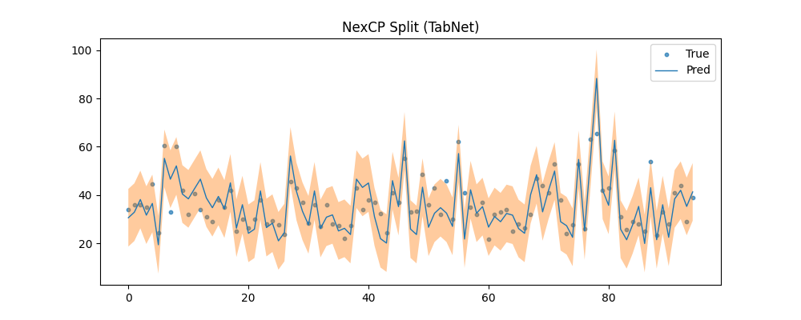

NEXCP_TabNet_NEXCP-Full


NEXCP_TabNet_NEXCP-J+aB
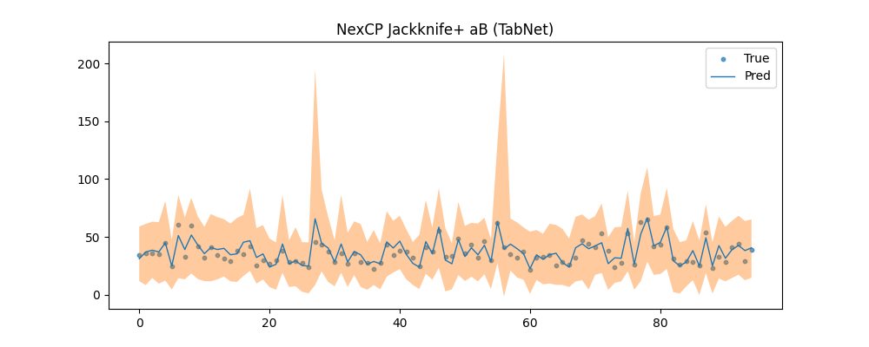

NEXCP_TabNet_NEXCP-CV+
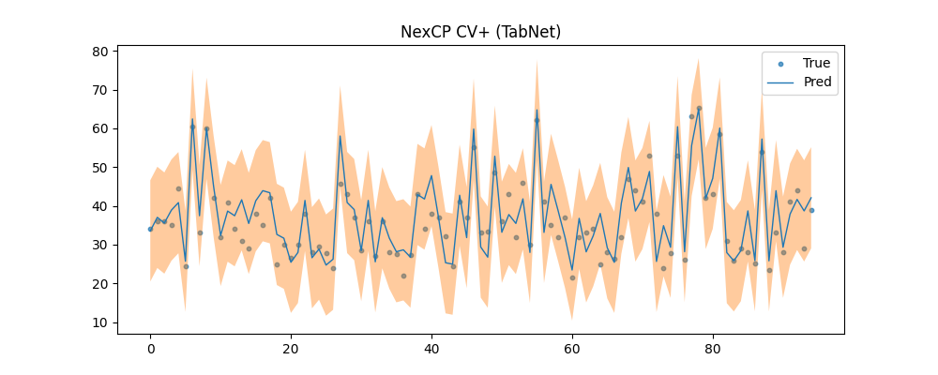

ONLINECP_Plot_Online-Split
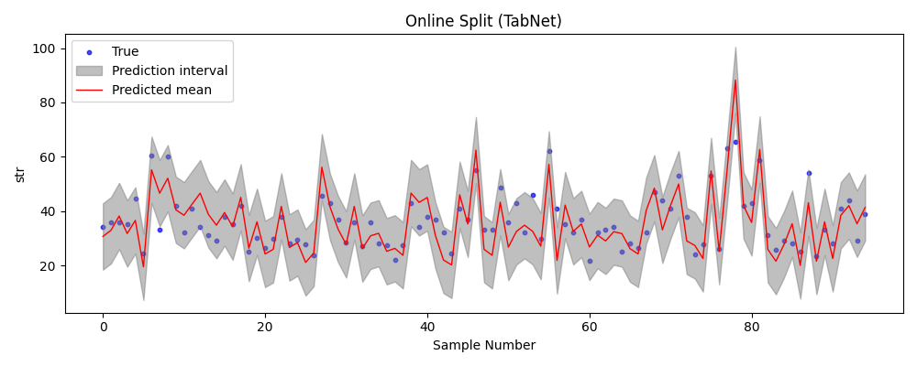

ONLINECP_Plot_Online-CV+
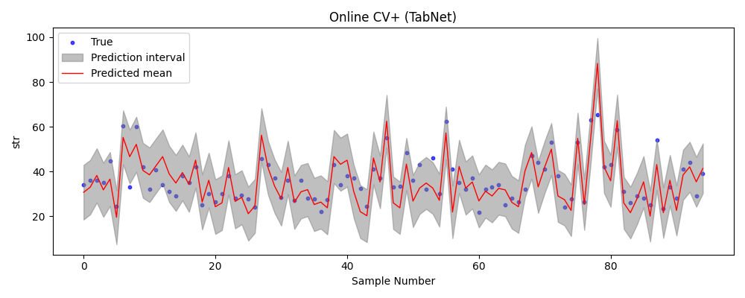

ONLINECP_Plot_Online-J+aB
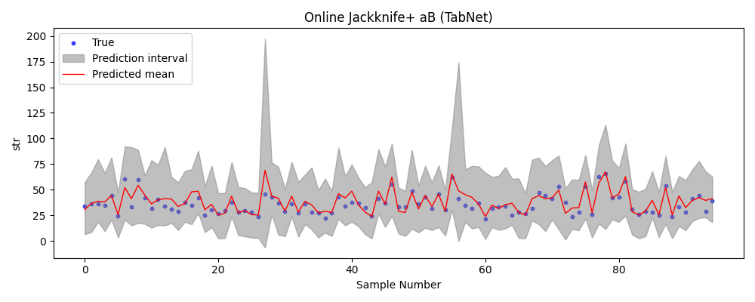

ONLINECP_Plot_SAOCP


ONLINECP_Plot_SF-OGD
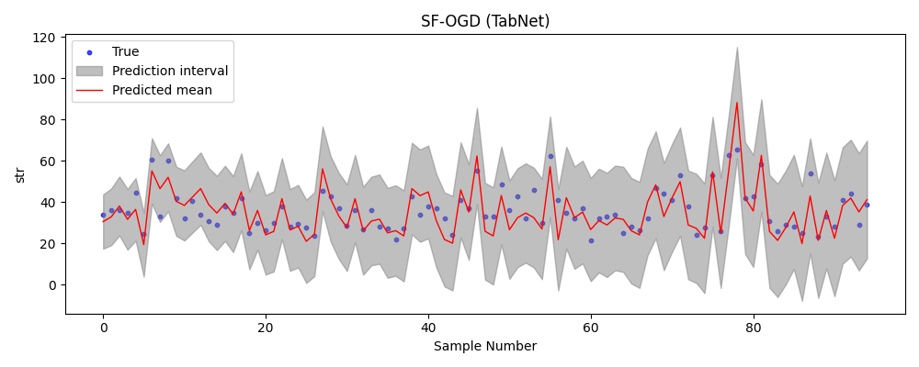

ONLINECP_Plot_FACI
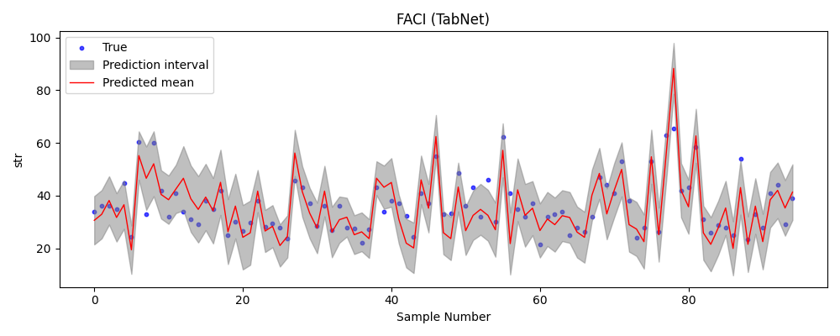

ONLINECP_Plot_MFCS-Split


ONLINECP_Plot_MFCS-Full
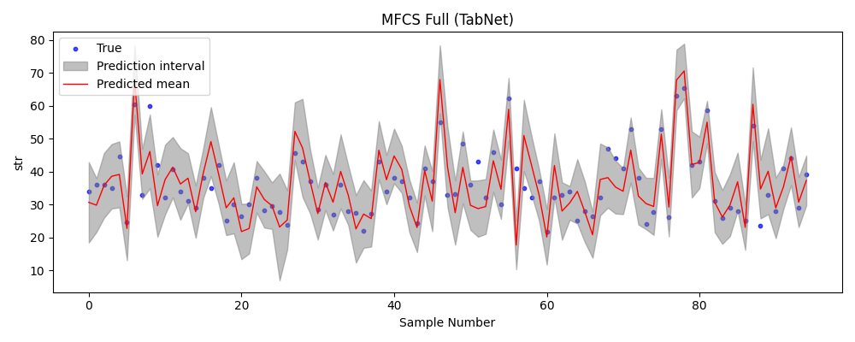

COP_Plot
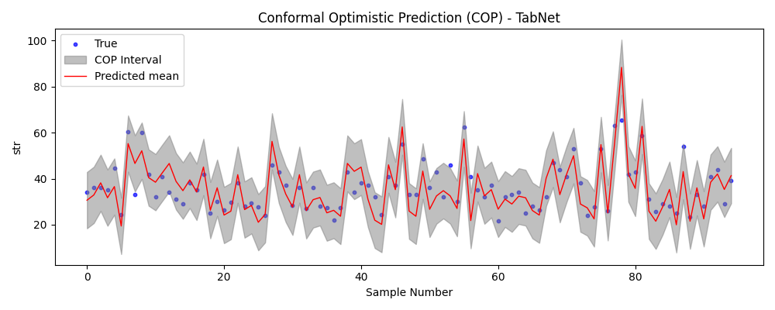

EXTREMECP_Plot
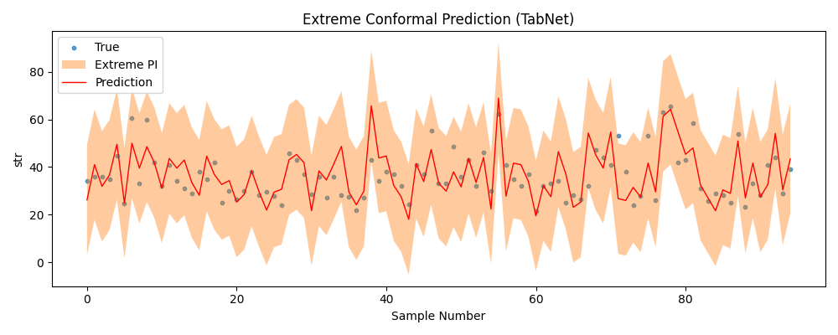

AlphaNet_TabNet_Plot_PI
