RMSE_Trials_Random Forest
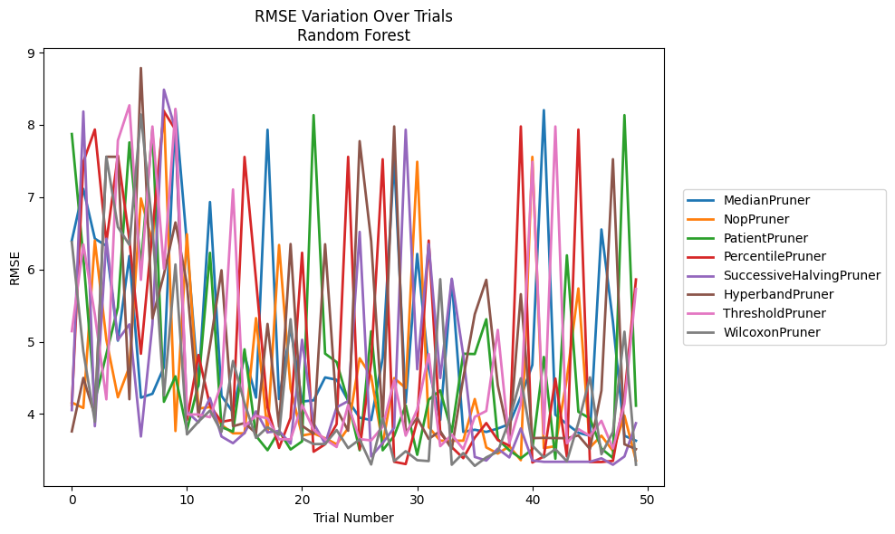
Trial | MedianPruner | NopPruner | PatientPruner | PercentilePruner | SuccessiveHalvingPruner | HyperbandPruner | ThresholdPruner | WilcoxonPruner
1 | 6.3998248304 | 4.1587146523 | 7.8725670606 | 4.1261772259 | 4.054167487 | 3.7596626562 | 5.1455255359 | 6.37771657
2 | 7.113610945 | 4.0833893091 | 6.1728466117 | 7.4880898554 | 8.1842780554 | 4.4992675546 | 6.3457202457 | 4.8673716028
3 | 6.4251591314 | 6.3992561812 | 4.1774083655 | 7.9348553466 | 3.8310245222 | 3.9780683224 | 5.3745166568 | 3.8921211913
4 | 6.326264704 | 5.026743617 | 4.8294373291 | 6.3732712411 | 6.4251851266 | 7.5581155764 | 4.2027427671 | 7.5582129614
5 | 5.0144987181 | 4.2312976551 | 5.4750025506 | 7.5741992446 | 5.0249595767 | 7.5574173894 | 7.7841577561 | 6.5865872552
6 | 6.1852628074 | 4.6534123133 | 7.7566134928 | 6.4112252701 | 5.2397931371 | 4.2038604513 | 8.2695332572 | 6.3400031818
7 | 4.2262061479 | 6.9822721465 | 6.0496550541 | 4.8333712115 | 3.6891095434 | 8.7860395407 | 5.8558515737 | 8.1430122078
8 | 4.279501127 | 6.37297147 | 7.932557774 | 6.5299208447 | 5.2417314894 | 5.3227302828 | 7.9770296988 | 6.5885621952
9 | 4.6487947171 | 8.1973078272 | 4.1691408082 | 8.1856920489 | 8.486189311 | 5.9331566591 | 6.0086454155 | 4.2566756534
10 | 8.2072444254 | 3.7647314564 | 4.5210516086 | 7.9321324982 | 7.9325577219 | 6.6496127291 | 8.2211712818 | 6.0686159964
11 | 6.3509558395 | 6.486874196 | 3.7784876783 | 3.9176234918 | 4.0313241471 | 5.7947186721 | 3.9935043187 | 3.7177840388
12 | 4.3832104337 | 4.0746746483 | 4.4106416953 | 4.8162513964 | 3.8846990437 | 3.964802577 | 3.9935043187 | 3.8940760065
13 | 6.932377968 | 4.096601709 | 6.2294261706 | 4.1179625751 | 4.2216733612 | 4.9446801121 | 3.9555423419 | 4.0476640692
14 | 4.2518334909 | 3.8504014082 | 3.8184182705 | 3.8922356669 | 3.6891095434 | 5.9882233774 | 4.4206493795 | 3.7528584648
15 | 4.023587778 | 3.7330966516 | 3.7565011863 | 3.920189506 | 3.5966322849 | 3.8312511005 | 7.106033984 | 4.7334649111
16 | 4.8216035156 | 3.7330966516 | 4.8946618266 | 7.55608096 | 3.7376683221 | 3.8748140897 | 3.8290369686 | 4.1501864233
17 | 4.2271151269 | 5.3260677694 | 3.6965760142 | 5.8541576426 | 4.0369045155 | 3.7352983357 | 3.9752184937 | 3.6699537012
18 | 7.9318304744 | 3.743444955 | 3.4993492152 | 4.090929844 | 3.746835213 | 5.2457831658 | 3.9399375689 | 3.8185599476
19 | 4.2062277582 | 6.3377910818 | 3.7672973874 | 3.5311487051 | 3.7660071674 | 3.8244786109 | 3.6502292824 | 3.712451281
20 | 5.1974932795 | 4.351568937 | 3.5093077083 | 3.947252183 | 3.5895218409 | 6.351330553 | 3.6500368257 | 5.311086009
21 | 4.1726951341 | 3.7024270198 | 3.6216696507 | 6.2304612566 | 5.026743617 | 3.8366336369 | 4.1242907707 | 3.6634742316
22 | 4.1890763201 | 3.7319802268 | 8.1335473137 | 3.4785496824 | 3.8705724129 | 3.7275654258 | 3.7825241075 | 3.5845270893
23 | 4.5060384783 | 3.6654896612 | 4.8352316516 | 3.5815667461 | 3.5895218409 | 6.3483543699 | 3.6500368257 | 3.5846977037
24 | 4.4734287573 | 3.5815727499 | 4.7189108525 | 3.8600511488 | 4.0929606615 | 4.0679321492 | 3.5436988861 | 3.7783751531
25 | 4.1880246314 | 3.8048509319 | 4.1736335965 | 7.5574173894 | 4.1784129244 | 3.7686443351 | 4.1238717678 | 3.5283787715
26 | 3.9482789458 | 4.7707881616 | 3.4981749842 | 3.5136700669 | 6.5191715731 | 7.7742467716 | 3.6526083105 | 3.6487626519
27 | 3.9165455921 | 4.5224197664 | 5.1438507273 | 4.7170422592 | 3.4127673035 | 6.391837272 | 3.6347398151 | 3.3021898514
28 | 4.7742753085 | 3.5812459151 | 3.4981749842 | 7.5238029938 | 3.5988727484 | 3.9026962089 | 3.8244786109 | 3.9364542876
29 | 7.5254529157 | 4.4967438114 | 3.6973250135 | 3.3388489011 | 3.8107190098 | 7.9775765506 | 4.4651785811 | 3.348703605
30 | 4.1569454593 | 4.3595085467 | 4.1200946718 | 3.3077495011 | 7.9324597859 | 3.7428485645 | 3.7007287894 | 3.4856061006
31 | 6.2142916285 | 7.4891448967 | 3.4357133837 | 3.9103063043 | 4.6187099348 | 3.94544633 | 4.062872226 | 3.3608080671
32 | 4.6339008537 | 3.817846086 | 4.1985325815 | 6.3990323999 | 6.3513291218 | 3.6554773575 | 4.8293508481 | 3.348703605
33 | 3.9165455921 | 3.6310915126 | 4.3258886645 | 3.7369758441 | 4.4970578462 | 3.7639997614 | 3.5549930273 | 5.8647810057
34 | 5.8585501996 | 3.6310915126 | 3.7501181445 | 3.5421713795 | 5.871329049 | 3.5166537656 | 3.7141036088 | 3.2984142053
35 | 3.7520780973 | 3.6310915126 | 4.833348904 | 3.3894164445 | 4.8164562721 | 4.4990464962 | 3.5131289365 | 3.460619982
36 | 3.7825480798 | 4.2070212243 | 4.8293741466 | 3.6727583675 | 3.4063451261 | 5.3803139949 | 3.9604218906 | 3.2825042374
37 | 3.7520780973 | 3.5380787026 | 5.3107259307 | 3.8748501914 | 3.3567087017 | 5.8563637226 | 4.042438526 | 3.3996571159
38 | 3.7991925227 | 3.4528155972 | 3.6524569624 | 3.6395912726 | 3.5202381498 | 4.3952327264 | 5.1634192498 | 3.4792705279
39 | 3.860265743 | 3.5547749667 | 3.4981749842 | 3.5628049749 | 3.3994905172 | 3.6554773575 | 3.5949039974 | 3.913156741
40 | 4.239195348 | 3.360737333 | 3.3875829925 | 7.9776174454 | 3.8007397968 | 5.6574322291 | 4.1333830542 | 4.4937553195
41 | 4.6779830548 | 7.5569654648 | 3.5106784041 | 3.328791677 | 3.3567087017 | 3.6663541145 | 7.4888835323 | 3.5633506322
42 | 8.2029076981 | 3.5287962313 | 4.7890997271 | 3.4127673035 | 3.3388489011 | 3.6696956522 | 3.7239279902 | 3.4001093681
43 | 3.9895100961 | 3.5547749667 | 3.3818811037 | 4.4909669654 | 3.3388489011 | 3.6663541145 | 7.9770705771 | 3.513758085
44 | 3.860265743 | 4.4940320165 | 6.1948011679 | 3.4127673035 | 3.3388489011 | 3.6658317742 | 3.5949039974 | 3.3463932297
45 | 3.7406515783 | 5.7367251773 | 4.0299629073 | 7.9343345905 | 3.3392215461 | 3.7033804941 | 3.7917616003 | 3.8780064575
46 | 3.699307258 | 3.5382261564 | 3.9401369682 | 3.3359911074 | 3.3388489011 | 3.5166537656 | 3.6974740507 | 4.5065498116
47 | 6.552453126 | 3.7003992143 | 3.5218142073 | 3.3359911074 | 3.3875192055 | 4.3237739503 | 3.906359654 | 3.4440678751
48 | 5.2746558809 | 3.4895403335 | 3.3919903587 | 3.3515114753 | 3.2985682332 | 7.5244851427 | 3.5224466202 | 3.7505495182
49 | 3.6991905023 | 3.9783526257 | 8.1335473137 | 4.2457003289 | 3.4127088036 | 3.5817219429 | 4.1417958499 | 5.1384491963
50 | 3.6307920526 | 3.3574250634 | 4.114805401 | 5.8611505559 | 3.8726865447 | 3.514580837 | 5.7296788839 | 3.2985682332

RMSE_Trials_Gradient Boosting
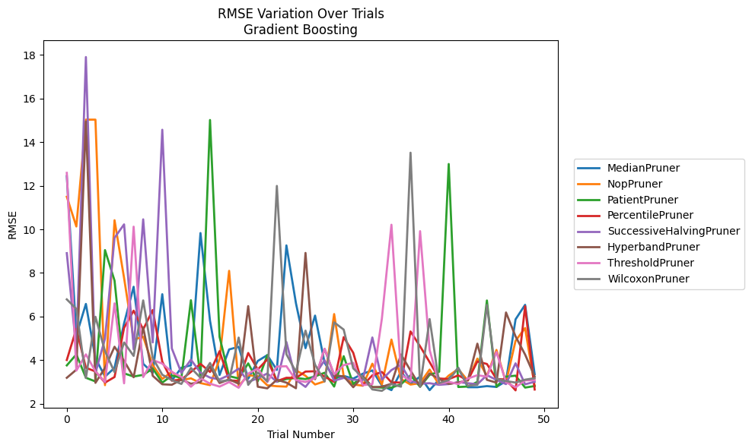
Trial | MedianPruner | NopPruner | PatientPruner | PercentilePruner | SuccessiveHalvingPruner | HyperbandPruner | ThresholdPruner | WilcoxonPruner
1 | 12.437756855 | 11.49581559 | 3.7603896642 | 4.0077402663 | 8.908919469 | 3.1915254806 | 12.591680228 | 6.788196864
2 | 5.1351541812 | 10.131526306 | 4.2647131668 | 5.4379603834 | 4.4829948467 | 3.5620434029 | 3.5211148531 | 6.3532862227
3 | 6.5794361453 | 15.032448415 | 3.1928131396 | 3.6512998576 | 17.903607538 | 14.947609561 | 4.2663105664 | 3.1810056994
4 | 4.0894620696 | 15.03202339 | 3.0245044306 | 3.4833036925 | 3.4144301066 | 2.9604085793 | 3.4884220418 | 5.9891287839
5 | 3.2453422111 | 2.8533034467 | 9.0497367465 | 2.9702486888 | 4.9824233223 | 3.6457034476 | 2.9951338463 | 4.4120152699
6 | 3.6496705784 | 10.41807803 | 7.6491877543 | 3.2267183909 | 9.6126200646 | 4.6159083584 | 6.6063477444 | 3.4496898306
7 | 5.6920250276 | 7.7678921835 | 3.3946106697 | 5.4843029247 | 10.228493035 | 3.9679904594 | 2.9382545241 | 4.8124309893
8 | 7.366682603 | 4.9422252141 | 3.2500290966 | 6.2697025313 | 4.4954443711 | 3.2155199916 | 10.12256772 | 4.1949364816
9 | 3.8334902905 | 5.0736930244 | 3.3256231863 | 5.4090005781 | 10.459281449 | 5.5081067498 | 3.2264332626 | 6.7411555002
10 | 3.4154051728 | 3.7703184562 | 3.6144108341 | 6.2994841215 | 4.8137373399 | 3.2837214009 | 4.0039358844 | 4.1009640924
11 | 7.0257237772 | 3.1367959144 | 2.969981476 | 3.9290340835 | 14.568846139 | 2.8938843514 | 3.8437591711 | 3.3307415964
12 | 3.0682700875 | 3.4697717434 | 3.29586471 | 3.0615050864 | 4.5383812606 | 2.8714818873 | 3.4607729958 | 3.0862337554
13 | 3.6513776798 | 3.0843474066 | 3.1897369399 | 3.1095040199 | 3.4144301066 | 3.106607645 | 3.2333137121 | 2.9095196226
14 | 3.7638230713 | 3.165871815 | 6.7496600532 | 3.4600088487 | 4.0226968285 | 2.9197826406 | 2.7826894638 | 3.6426898174
15 | 9.831216639 | 2.9496190321 | 3.1979401945 | 3.830594765 | 3.4240369069 | 2.9904442906 | 3.1699322386 | 3.1959874425
16 | 5.8047171585 | 2.8547693772 | 15.016607701 | 3.45797211 | 3.2001761241 | 3.7082371352 | 2.9211264115 | 3.8730956725
17 | 3.3194804246 | 4.0366405428 | 5.0667659953 | 4.4146966868 | 3.1162088549 | 2.9493171475 | 2.7877745324 | 3.0244411733
18 | 4.4925838904 | 8.0973705269 | 3.2669292626 | 3.0740095529 | 3.31837302 | 3.1225568064 | 2.9959184348 | 3.0837978789
19 | 4.6138127699 | 2.8240220326 | 3.1627570772 | 3.0480368018 | 3.6111694767 | 2.9191643071 | 2.734546465 | 5.0362743196
20 | 3.151041293 | 3.306525743 | 3.853102441 | 4.3298525294 | 3.0023797531 | 6.4779301203 | 3.3852348753 | 2.8659460358
21 | 3.9633349965 | 3.2697319775 | 3.0311700651 | 3.5717823226 | 3.1696860217 | 2.7814021255 | 3.6103312108 | 3.4338185586
22 | 4.2315181518 | 2.8476202448 | 4.2327906294 | 4.0345153111 | 3.3901631335 | 2.7079770475 | 2.9950932639 | 3.0235692204
23 | 3.5512835359 | 2.8046776064 | 3.0128645367 | 3.0387136704 | 3.0060398155 | 3.102924732 | 3.7057608232 | 11.992413095
24 | 9.2640947718 | 2.786265727 | 3.1357147937 | 3.1930545795 | 4.8327002898 | 2.9702394284 | 3.7222433746 | 4.2730243726
25 | 6.6104666725 | 3.5362225488 | 3.1858049124 | 3.1852174032 | 3.0965279316 | 2.7115007927 | 3.0870754207 | 3.4639651621
26 | 4.5497994622 | 3.2847695785 | 3.1319736188 | 3.4782058911 | 2.7730292007 | 8.9191759382 | 2.9989785462 | 5.3541100208
27 | 6.0443769872 | 2.8856476857 | 3.2572837517 | 3.4912828805 | 3.3325439335 | 3.1272491348 | 3.174010491 | 3.7951532441
28 | 3.8830078218 | 3.0285006111 | 3.4227207621 | 3.2461911954 | 3.9981369024 | 4.5164049208 | 4.5225560203 | 3.0235692204
29 | 3.1750064061 | 6.1147631565 | 2.788269786 | 3.0049659404 | 3.0605926234 | 3.3020513871 | 3.3498070851 | 5.7341915509
30 | 3.2788153032 | 3.2575420216 | 4.1819314268 | 5.0573506024 | 3.185741715 | 3.2596590805 | 3.7713897259 | 5.4024342552
31 | 3.1536507531 | 2.8862628868 | 2.9027564917 | 4.3387946913 | 3.1003981961 | 2.7595354066 | 3.8782192192 | 3.6229172881
32 | 3.3783241983 | 2.8298710459 | 3.2636339327 | 2.8399291633 | 3.0883630566 | 3.2496281064 | 2.8545360708 | 3.2069318117
33 | 3.5291958668 | 3.8387720893 | 2.7687713274 | 3.3036740663 | 5.0410281788 | 2.7595354066 | 2.9006802279 | 2.6577358969
34 | 2.8370610526 | 2.8845348804 | 2.7391056737 | 3.4607425922 | 3.104147554 | 2.7800476171 | 5.9092563842 | 2.5925038798
35 | 2.6255492087 | 4.9454592638 | 2.7391056737 | 2.9826485637 | 3.5453881391 | 2.9186265164 | 10.211948628 | 2.9021028944
36 | 3.4745550451 | 3.136482282 | 2.8964499127 | 2.9732635881 | 3.7935768266 | 4.2635693184 | 3.3596766901 | 2.7842226065
37 | 2.9071597354 | 2.8808771607 | 3.3022669746 | 5.3181194346 | 3.044744716 | 3.525376559 | 3.0138952984 | 13.516595804
38 | 3.2516061687 | 2.9470291496 | 2.7801790478 | 4.6358647551 | 2.9206847944 | 2.7983548602 | 9.9177205152 | 2.7748064001
39 | 2.6255492087 | 3.568418272 | 3.3288668144 | 3.909255251 | 2.9427168344 | 3.3948505338 | 4.4624198323 | 5.8855136622
40 | 3.1142300846 | 2.8732580841 | 3.468818684 | 3.1607012548 | 2.8694882014 | 3.1395445183 | 2.9187502652 | 2.9444381398
41 | 3.1464189705 | 3.2935496935 | 12.997985366 | 3.1309045038 | 2.9033661348 | 2.9125430042 | 3.0077660281 | 3.0860546834
42 | 3.6475292698 | 3.5895149876 | 2.7687713274 | 3.3026016295 | 2.9965464693 | 2.9719679278 | 2.9027457529 | 3.6418363404
43 | 2.7592111515 | 3.0636126998 | 2.789885531 | 3.0745753647 | 2.9427168344 | 3.0827658383 | 3.157622689 | 2.8229835014
44 | 2.7592111515 | 4.0725071778 | 3.0038150496 | 3.9378906218 | 2.8962231229 | 4.7568782876 | 3.3084287768 | 2.8709137007
45 | 2.8100137576 | 3.2749829288 | 6.7382109665 | 3.8259738351 | 3.3128615857 | 3.0977323863 | 3.2426377 | 6.5303235691
46 | 2.771665643 | 4.470072158 | 2.7753405938 | 3.1393801734 | 3.0938889477 | 2.9690596551 | 4.3733136933 | 3.1447537521
47 | 3.0402500866 | 2.9820202909 | 3.2438107879 | 3.1087407181 | 2.9018437835 | 6.1874882517 | 2.9900062432 | 3.0416811357
48 | 5.8728028974 | 4.8885543265 | 3.2889571767 | 2.6143778298 | 3.85552813 | 5.0902253424 | 2.7543161478 | 2.9716314513
49 | 6.5393727487 | 5.473381822 | 2.7424015666 | 6.4743964716 | 2.8921488142 | 4.2570966776 | 3.0715933607 | 3.1054637492
50 | 3.3607304442 | 2.824549031 | 2.8134073072 | 2.653622201 | 3.0098531198 | 3.2519574968 | 3.0829296534 | 3.1732867222

RMSE_Trials_XGBoost
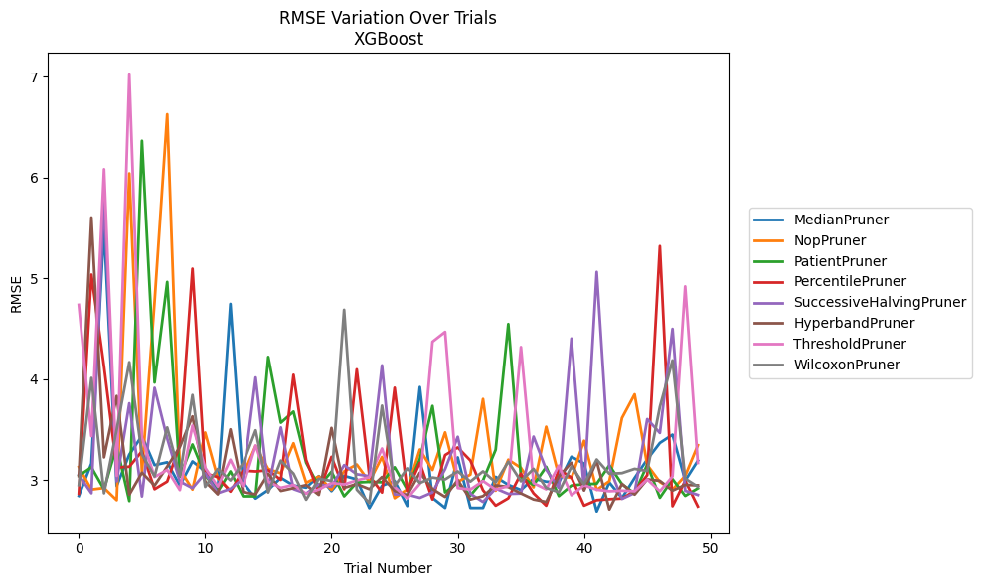
Trial | MedianPruner | NopPruner | PatientPruner | PercentilePruner | SuccessiveHalvingPruner | HyperbandPruner | ThresholdPruner | WilcoxonPruner
1 | 2.843869077 | 3.1304355262 | 3.0426642573 | 2.865411543 | 3.0508564789 | 3.0405160482 | 4.7383060628 | 2.9510185176
2 | 3.1647315152 | 2.9071383236 | 3.1273333771 | 5.0382639358 | 2.8707357922 | 5.6056027971 | 3.4356321048 | 4.0128404386
3 | 5.5063205399 | 2.9225733739 | 2.9091169462 | 4.1240291116 | 5.8042501454 | 3.225581422 | 6.0846073081 | 2.8704362496
4 | 2.9421483965 | 2.8016716587 | 3.3399396537 | 3.1255777109 | 2.9883938518 | 3.83395597 | 3.0429184216 | 3.5010039284
5 | 3.2531136179 | 6.0429503789 | 2.793272276 | 3.1324961906 | 3.7610852395 | 2.8564014073 | 7.0234391703 | 4.1693294171
6 | 3.4385544134 | 3.0776415254 | 6.3664486559 | 3.2861766082 | 2.8386340127 | 3.0734977753 | 3.4213441724 | 3.2556503943
7 | 3.1485386172 | 4.771582582 | 3.9677375228 | 2.9107400221 | 3.9146989076 | 2.9470629196 | 3.0315978357 | 3.0369722673
8 | 3.176751132 | 6.6298632365 | 4.9657162048 | 2.9864551436 | 3.4125916217 | 3.1341791769 | 3.1013974586 | 3.5217258801
9 | 2.9466172109 | 3.1067931874 | 3.0352375784 | 3.3493172804 | 2.9869557301 | 3.3285917255 | 2.9015664678 | 3.0444996877
10 | 3.1853568945 | 2.90681777 | 3.3532524358 | 5.096934958 | 2.9209255631 | 3.6314641494 | 3.5405666591 | 3.843783734
11 | 3.0864713294 | 3.4714425605 | 3.049254962 | 3.0670771622 | 3.0677484385 | 2.9861169289 | 3.1226433193 | 2.9331560048
12 | 2.9042362075 | 3.0186142146 | 2.8866281088 | 3.0302434561 | 2.8707357922 | 2.85927863 | 2.9364786276 | 3.1109526439
13 | 4.7473713628 | 2.8960925938 | 3.0866261341 | 2.8867180103 | 2.9142060352 | 3.5027444918 | 3.2027229083 | 2.9975431482
14 | 2.9788283676 | 3.0501514007 | 2.8403239515 | 3.0944781081 | 3.0146757698 | 2.8818142516 | 2.9398157594 | 3.1663792843
15 | 2.8179069752 | 3.3381893475 | 2.8403239515 | 3.0864094075 | 4.0172266072 | 2.8599627434 | 3.3434220195 | 3.4932001547
16 | 2.9029744777 | 3.1105652004 | 4.2213179298 | 3.0983787675 | 2.9190064638 | 3.0633927626 | 2.9848202199 | 2.8781679521
17 | 3.023127532 | 3.0674683661 | 3.5689080394 | 3.0026998244 | 3.5217835957 | 2.8935355582 | 2.9245603813 | 3.1935010434
18 | 2.9471563863 | 3.3654510327 | 3.6791817269 | 4.0439973695 | 2.9113719999 | 2.9212556653 | 2.9532012049 | 3.064371456
19 | 2.9261523168 | 2.9745229555 | 3.1730905396 | 3.1997943823 | 2.8673891638 | 2.9515263294 | 2.8666327979 | 2.806752445
20 | 3.0400088598 | 3.0363375239 | 2.9380515136 | 2.8773275465 | 2.9587506881 | 2.8542621514 | 2.907475284 | 3.0133292242
21 | 2.891644481 | 2.9041458726 | 3.0832262157 | 3.2306552405 | 2.9344736129 | 3.5170148991 | 2.9724310378 | 2.9923977615
22 | 3.0422733508 | 3.0864847411 | 2.8403239515 | 2.9106543825 | 3.1483552029 | 2.9242608298 | 2.9576552481 | 4.6889328798
23 | 3.007771796 | 3.1548885242 | 2.9768543564 | 4.0979155576 | 3.0583212703 | 2.9616083475 | 2.9979079844 | 2.9060281545
24 | 2.7229657782 | 2.9825683181 | 2.9832664452 | 3.0431234477 | 3.0391580813 | 2.9108828677 | 3.0290361984 | 2.7729273341
25 | 2.9449549485 | 3.2296790128 | 2.9794052267 | 2.8773275465 | 4.1375557476 | 3.0316036714 | 3.3133712551 | 3.7378723437
26 | 2.9917555398 | 2.8220889016 | 3.1271244795 | 3.9157063566 | 2.8589279341 | 2.8936639399 | 2.9336502816 | 2.9422110299
27 | 2.7439853649 | 2.9092974608 | 2.9058365847 | 2.890875745 | 2.8589279341 | 2.8486220714 | 2.8189471612 | 3.1164755829
28 | 3.9227548185 | 3.3032986992 | 3.2076414485 | 3.1712861053 | 2.8250017711 | 3.073200562 | 2.9631975986 | 2.9716045928
29 | 2.8249155147 | 3.1004115896 | 3.7351851451 | 2.8090856515 | 2.8791986637 | 2.9121428159 | 4.3721988955 | 3.0257046418
30 | 2.7251837152 | 3.4724378742 | 2.8792383163 | 3.2480778168 | 3.1089287228 | 2.8340531685 | 4.4698543933 | 3.007358745
31 | 3.2249048949 | 2.9817717862 | 2.9741374904 | 3.3235600737 | 3.4289290953 | 3.0018334829 | 2.9218738754 | 3.0864224398
32 | 2.7251837152 | 3.0550856506 | 2.8472980185 | 3.1944348231 | 2.8653812544 | 2.8091552879 | 2.9075239403 | 2.9861327933
33 | 2.7251837152 | 3.804151038 | 2.9982642154 | 2.9005218404 | 2.784454238 | 2.841620008 | 2.9915920682 | 3.0869079413
34 | 3.0322572051 | 2.8956487937 | 3.3008670327 | 2.7477915677 | 2.9172151227 | 2.948956347 | 2.9058735923 | 2.977657784
35 | 2.9535874867 | 3.2028062618 | 4.547698638 | 2.8209703266 | 2.8640744184 | 2.9325033826 | 2.9421576265 | 3.1827947345
36 | 2.9028913755 | 3.1217017568 | 3.0314048138 | 3.0650025116 | 2.8678059337 | 2.8690204735 | 4.3192634357 | 2.9888094329
37 | 3.0142878327 | 2.9287248878 | 2.9522443594 | 2.8695471486 | 3.4308940936 | 2.8091552879 | 2.970577792 | 3.1116703026
38 | 2.9854635765 | 3.5288707736 | 3.1313071517 | 2.7477915677 | 3.1039864871 | 2.7847361116 | 2.9091353696 | 2.9233119907
39 | 2.9772453105 | 3.0425963459 | 2.8423353582 | 3.1061305274 | 2.9217754405 | 3.0373239853 | 3.1441439945 | 2.8806224859
40 | 3.2320784576 | 3.0223356815 | 2.9468356758 | 3.024772422 | 4.4042655413 | 3.1722071218 | 2.8507102936 | 3.1340386169
41 | 3.1638999484 | 3.3898757885 | 2.9604850737 | 2.7477915677 | 2.9009580367 | 2.8979476092 | 2.9497165344 | 2.9595447027
42 | 2.6898707599 | 2.9041458726 | 2.964480116 | 2.80246222 | 5.0649671352 | 3.1890860877 | 2.905616232 | 3.2043279607
43 | 2.9769364457 | 2.9903913396 | 3.1470573771 | 2.8119331544 | 3.1281502416 | 2.7097531405 | 2.8902826794 | 3.0631851519
44 | 2.8231411627 | 3.6156878822 | 2.9607801166 | 2.8184194039 | 2.8144533555 | 2.9626826944 | 2.8960594304 | 3.0696405253
45 | 3.0215112533 | 3.8503366958 | 2.868033762 | 2.8929232276 | 2.8733256432 | 2.857150961 | 2.8902826794 | 3.1116646379
46 | 3.2053331492 | 3.1510679083 | 3.1538059933 | 3.0493257471 | 3.6048039153 | 3.0084941287 | 3.0066178156 | 3.0903889682
47 | 3.3685789755 | 2.9817712275 | 2.8258638074 | 5.3214611875 | 3.4672921775 | 2.993109213 | 2.8902826794 | 3.7265127579
48 | 3.4503262763 | 2.9070365311 | 3.0098789499 | 2.7422747656 | 4.499770189 | 2.8965289636 | 3.0368887836 | 4.1869043562
49 | 2.9958262294 | 3.0428408072 | 2.8443068088 | 2.993530451 | 2.8948305463 | 2.9532317295 | 4.9213987222 | 3.0147345301
50 | 3.1924208632 | 3.345862942 | 2.9190334583 | 2.739316727 | 2.8539615319 | 2.9487310998 | 3.1704775793 | 2.9350576016

RMSE_Trials_LightGBM
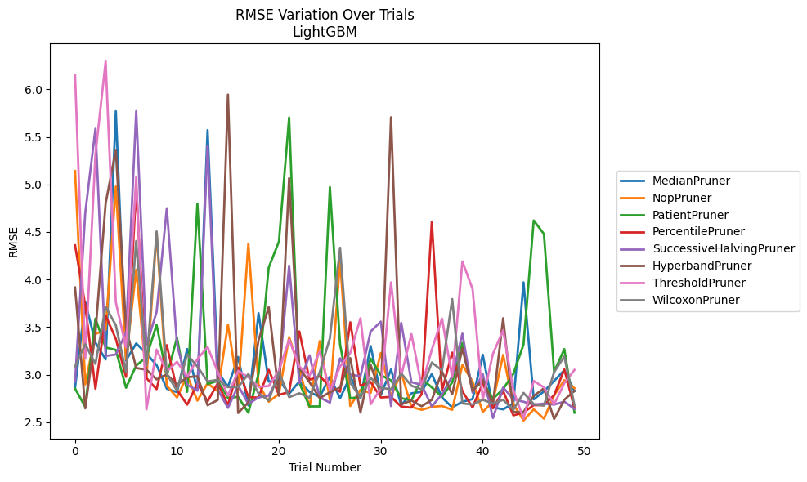
Trial | MedianPruner | NopPruner | PatientPruner | PercentilePruner | SuccessiveHalvingPruner | HyperbandPruner | ThresholdPruner | WilcoxonPruner
1 | 2.8640843773 | 5.1412765034 | 2.8536943401 | 4.3599965015 | 2.9263008391 | 3.916745168 | 6.1509619758 | 3.0842984642
2 | 3.7642230157 | 2.8979589765 | 2.6611843368 | 3.7272506198 | 4.7006723958 | 2.6455841753 | 3.1683357368 | 3.3194152873
3 | 3.3368202199 | 3.4268381267 | 3.5892770642 | 2.8517630889 | 5.5855326378 | 3.4402774843 | 5.3157458732 | 3.1128839997
4 | 3.1596659262 | 3.4696419105 | 3.2857509867 | 3.6215617272 | 3.1965619907 | 4.8001023443 | 6.2939768059 | 3.714353116
5 | 5.7699296777 | 4.9780943131 | 3.2603129485 | 3.3763871349 | 3.2120059473 | 5.3629010025 | 3.7613284032 | 3.5192824814
6 | 3.1502711617 | 3.1611576138 | 2.8623995765 | 2.9761867133 | 3.4410416491 | 3.493309994 | 3.2868553601 | 3.0246944366
7 | 3.3280312974 | 4.1033317937 | 3.0960717929 | 4.9629935432 | 5.7706450131 | 3.0698909974 | 5.0777629605 | 4.4047973331
8 | 3.2219144202 | 2.9631087393 | 3.1836901991 | 2.964301823 | 3.3076501692 | 3.0526551388 | 2.6342179964 | 3.0937753643
9 | 3.0998528647 | 4.484881658 | 3.5234539218 | 2.847404859 | 3.6605430377 | 2.9502318672 | 3.2628113394 | 4.5061595353
10 | 2.8527526021 | 2.8837990152 | 2.9867629351 | 3.3100285404 | 4.7498919897 | 3.0029858366 | 3.0333872842 | 3.0059126254
11 | 2.8157396426 | 2.7599049019 | 3.3884208974 | 2.8387675528 | 3.3200990522 | 2.8926180885 | 3.1355446887 | 2.8322115362
12 | 3.2693792344 | 2.99079159 | 2.8195957013 | 2.6842253992 | 2.8937642232 | 2.9734330795 | 2.9804672672 | 3.2107630591
13 | 2.8382930828 | 2.7268809358 | 4.7979057222 | 2.9081768015 | 2.8312608384 | 2.9834689764 | 3.1637093227 | 3.0854055204
14 | 5.5712087958 | 2.9087389807 | 2.9017807728 | 2.7183785384 | 5.4065954371 | 2.677841716 | 3.2911148114 | 2.9287663078
15 | 3.0337752911 | 2.8261522807 | 2.934608388 | 2.9108874482 | 2.8441056165 | 2.7335116154 | 3.0281391505 | 2.9460815148
16 | 2.8720966728 | 3.5265613399 | 2.7553474406 | 2.6788575173 | 2.6502092621 | 5.9450253464 | 2.7802063119 | 2.8693346768
17 | 3.1857713507 | 2.8355598987 | 2.7661430347 | 3.0735565623 | 2.8850872775 | 2.5968171655 | 3.0402337531 | 2.8693346768
18 | 2.6763192633 | 4.3773166146 | 2.5997537271 | 2.7637360169 | 2.6933479497 | 2.709206595 | 2.9728202797 | 3.0068739391
19 | 3.646420657 | 2.8968089593 | 3.0092949636 | 2.7583141013 | 2.7601675086 | 3.3614481586 | 2.8721705585 | 2.8022973224
20 | 2.9261951193 | 2.716151832 | 4.1271662381 | 3.0519546112 | 2.7786760304 | 3.7115811017 | 2.8809589547 | 2.7281832176
21 | 2.9472946873 | 2.7965813745 | 4.3989050681 | 2.7879323242 | 2.9875728907 | 2.776924721 | 3.0419837923 | 3.0271773933
22 | 2.7990890031 | 3.3950750422 | 5.704003863 | 2.8173982676 | 4.1466880764 | 5.066133312 | 3.3703874375 | 2.7629669909
23 | 2.9285648005 | 3.0629407629 | 2.9150648792 | 3.4546134443 | 2.9111637138 | 3.0684054831 | 3.0857986149 | 2.8043422891
24 | 2.8180560344 | 2.6540965646 | 2.6659141684 | 2.9462146134 | 3.2030888262 | 2.9208680815 | 2.9890116489 | 2.7574632693
25 | 2.7666514012 | 3.3525133762 | 2.6659141684 | 2.9832984673 | 2.760365207 | 2.7534090762 | 3.2435855311 | 3.0257042251
26 | 2.9784580674 | 2.7354345156 | 4.9725029048 | 2.8789286835 | 2.7059660943 | 2.8152821307 | 2.8351049294 | 3.3826390601
27 | 2.7521911939 | 4.2053239808 | 3.3165177688 | 2.8210494187 | 3.1714951453 | 2.8642336556 | 3.084631033 | 4.3341615316
28 | 2.9826327618 | 2.6694322698 | 2.7506753991 | 3.5509145208 | 3.0014883193 | 3.1740706125 | 3.2282409823 | 2.9143341495
29 | 2.7521911939 | 2.841901553 | 2.7680245779 | 2.8844612266 | 2.9830368059 | 2.6016495372 | 3.5931489293 | 2.7603222428
30 | 3.3004779497 | 2.8076023625 | 3.1686503083 | 2.9231979802 | 3.4537586583 | 3.1012780494 | 2.6900912698 | 2.9663510778
31 | 2.7861599877 | 3.2285122352 | 2.9945731005 | 2.7598399373 | 3.5578230216 | 2.790595439 | 2.8570422175 | 2.8614895952
32 | 3.054774603 | 2.7747180466 | 2.9403707741 | 2.766254481 | 2.6693520053 | 5.7067031515 | 3.9704238712 | 2.8467177098
33 | 2.6797734872 | 3.0218465357 | 2.7534861706 | 2.6638757782 | 3.5450467306 | 2.6873230824 | 2.9893325618 | 3.0122984413
34 | 2.8039955705 | 2.6612378511 | 2.7283044591 | 2.6538156031 | 2.9211328813 | 2.7287735913 | 3.4266780164 | 2.8836444016
35 | 2.8200489196 | 2.629660379 | 2.9567080842 | 2.794287355 | 2.8926473338 | 2.6671640568 | 2.8787132963 | 2.8450922489
36 | 3.0064835883 | 2.6612378511 | 2.8665995161 | 4.6087469777 | 2.6656098477 | 2.734847942 | 3.2628602888 | 3.1280620517
37 | 2.7610870302 | 2.6701936757 | 2.7666223985 | 2.8314019733 | 2.7940905133 | 3.0333956702 | 3.5910377113 | 3.0439379797
38 | 2.6565852743 | 2.629660379 | 2.9189756884 | 3.2317167295 | 2.9827376758 | 2.7935313639 | 2.9766260033 | 3.7946659046
39 | 2.7144055781 | 3.1020058861 | 3.3336913025 | 2.8248702254 | 3.431741766 | 3.2776660851 | 4.1906781303 | 2.6971940693
40 | 2.7430308984 | 2.9289467563 | 2.8412241871 | 2.6548920234 | 2.8108263743 | 2.8289478587 | 3.8994780641 | 2.6865324325
41 | 3.2097414717 | 2.6068246287 | 2.9280386562 | 2.9121108915 | 3.0066971541 | 2.9469365884 | 2.7364013902 | 2.7350284669
42 | 2.6565852743 | 2.7196353933 | 2.7456559428 | 2.6460599134 | 2.5440082933 | 2.6922344245 | 3.2199787179 | 2.6971940693
43 | 2.6349263176 | 3.2068145167 | 2.8497582349 | 2.8279704072 | 2.8659741668 | 3.5935820452 | 3.4663579947 | 2.7350284669
44 | 2.6985828995 | 2.6915249834 | 3.0088295314 | 2.571688399 | 2.7412122042 | 2.6073499752 | 2.835949978 | 2.6309082067
45 | 3.9704302758 | 2.5178133516 | 3.3176316056 | 2.6012063135 | 2.7151485445 | 2.6073499752 | 2.5369188167 | 2.808441724
46 | 2.7399908746 | 2.6358765775 | 4.621679918 | 2.6791829752 | 2.684908702 | 2.7771308674 | 2.9343120274 | 2.6901204187
47 | 2.8243955501 | 2.5372903994 | 4.478625592 | 2.6790474021 | 2.6951438582 | 2.856079874 | 2.8659385408 | 2.6743672222
48 | 2.9342661049 | 2.7837138298 | 3.0295127027 | 2.7848449567 | 2.684908702 | 2.5333744322 | 2.6868926746 | 3.0277370622
49 | 3.0474009399 | 2.9428027929 | 3.268619549 | 3.0553415764 | 2.7166906986 | 2.7358027011 | 2.9100280398 | 3.1913573214
50 | 2.8272335739 | 2.857563611 | 2.5997537271 | 2.6469240748 | 2.6391568397 | 2.8301178859 | 3.0503836388 | 2.6757993921

RMSE_Trials_GPBoost
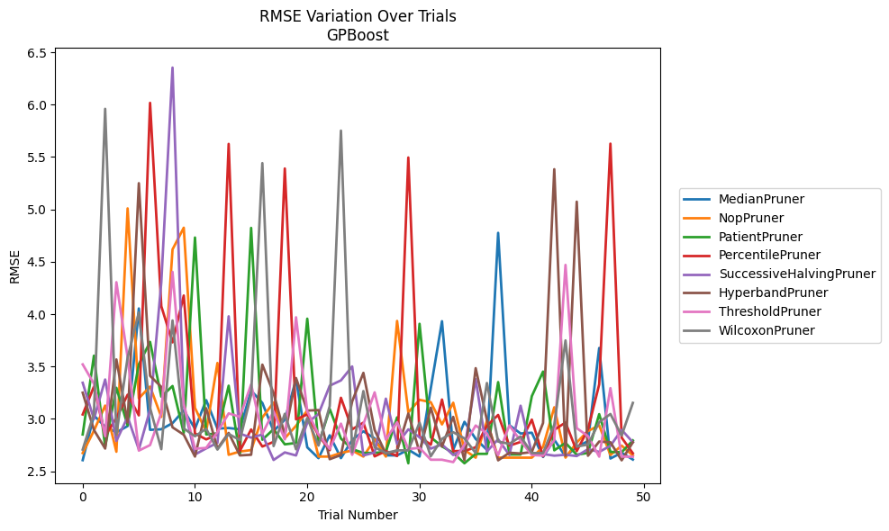
Trial | MedianPruner | NopPruner | PatientPruner | PercentilePruner | SuccessiveHalvingPruner | HyperbandPruner | ThresholdPruner | WilcoxonPruner
1 | 2.6061292825 | 2.6737534602 | 2.8513099748 | 3.042360857 | 3.3445723366 | 3.2498894956 | 3.520337705 | 2.7071407693
2 | 3.0320973004 | 2.8873735968 | 3.6034832141 | 3.3085220349 | 2.998308574 | 2.8940980445 | 3.3360245075 | 3.0520843964
3 | 2.9252824326 | 3.1269354449 | 2.7335814286 | 2.8370093946 | 3.375974425 | 2.7168501307 | 2.8348062939 | 5.9601709073
4 | 2.8717214498 | 2.6863839053 | 3.2969103988 | 3.0094277463 | 2.7893268284 | 3.5674927543 | 4.3050217327 | 2.8511560175
5 | 2.931331574 | 5.0096637734 | 2.9398731842 | 3.2309751886 | 3.0184405115 | 2.9659847892 | 3.5876800453 | 3.5848893857
6 | 4.0542882117 | 3.197049015 | 3.520937947 | 3.0337537202 | 2.7087924141 | 5.2501719386 | 2.6973306484 | 4.0160044772
7 | 2.8954776576 | 3.3085102326 | 3.7348031272 | 6.0171883027 | 3.087764934 | 3.4108385128 | 2.7497562224 | 3.1048751892
8 | 2.9009306964 | 3.0186818324 | 3.2126995568 | 4.0753974511 | 4.3046781391 | 3.3055725303 | 3.0573553921 | 2.710780748
9 | 2.9594455949 | 4.6180099379 | 3.3137925838 | 3.7306772946 | 6.3538605193 | 2.9194258854 | 4.4033391084 | 3.9396785538
10 | 3.0814968694 | 4.8249645338 | 2.8663193858 | 4.1776946791 | 3.1270395793 | 2.8490335837 | 3.1443337492 | 2.9083322415
11 | 2.9067770307 | 3.1048751892 | 4.7314416616 | 2.860460911 | 2.6600597775 | 2.640133008 | 2.7150737454 | 2.8345554735
12 | 3.1789478898 | 2.8791847304 | 2.8513099748 | 2.8042730584 | 2.7184832431 | 3.1015298731 | 2.7228709986 | 2.9052514624
13 | 2.9076096922 | 3.5335894287 | 2.8614580941 | 2.8514964195 | 2.7712033289 | 2.7168501307 | 2.8741625364 | 2.7071407693
14 | 2.9128838862 | 2.6573900586 | 3.3167345667 | 5.6252400503 | 3.9792017368 | 2.8658801108 | 3.0525776826 | 2.8559158541
15 | 2.9005078388 | 2.6881757699 | 2.6593064165 | 2.6939847558 | 2.8592771882 | 2.6514409855 | 3.0194473171 | 2.7979117699
16 | 3.2703818494 | 2.7022470504 | 4.823312739 | 2.8988972793 | 2.820824066 | 2.6573900586 | 3.3293612817 | 3.2295621559
17 | 3.1522768232 | 3.0136978762 | 2.8011154385 | 2.7361459981 | 2.8503255677 | 3.517680149 | 2.8579866325 | 5.4416076288
18 | 2.8845089159 | 3.1559273223 | 2.9015710239 | 2.7807045089 | 2.6077812125 | 3.2458277618 | 3.0721696723 | 2.7404760015
19 | 2.9919172919 | 2.8148274711 | 2.7570181195 | 5.3904534815 | 2.6798929176 | 2.8477365782 | 2.8042233218 | 3.0484448255
20 | 3.3770055571 | 2.9339971408 | 2.770206875 | 2.9955496836 | 2.6508912036 | 3.3900021126 | 3.9700314968 | 2.7100727361
21 | 2.7284643761 | 3.080143329 | 3.9565986066 | 3.042417607 | 2.9637475192 | 3.0793129852 | 3.0724707965 | 3.0091097466
22 | 2.625128414 | 2.640133008 | 2.7570181195 | 2.8441389269 | 3.0461931945 | 3.0838843916 | 2.8521935063 | 2.7456161541
23 | 2.843401027 | 2.640133008 | 3.0952627229 | 2.70095647 | 3.3169564378 | 2.6152000236 | 2.7141324292 | 3.1219733552
24 | 2.625128414 | 2.6747154703 | 2.812322895 | 3.2015304026 | 3.3675481562 | 2.655063011 | 2.9548023252 | 5.7520090688
25 | 2.7997918107 | 2.6984995361 | 2.7115884904 | 2.9006530548 | 3.5008333938 | 3.1670092236 | 2.6570664476 | 2.6826689791
26 | 2.881770007 | 2.640133008 | 2.6749794564 | 2.9640800553 | 2.6508912036 | 3.439355883 | 2.9494997884 | 3.2655834775
27 | 2.8134368667 | 2.804864276 | 2.6749794564 | 2.6423172251 | 2.6788660295 | 2.8944563654 | 3.2532730467 | 2.7293240765
28 | 2.6519866209 | 2.640133008 | 2.6862437001 | 2.6921967838 | 3.193025654 | 2.6674348789 | 2.8021888093 | 2.6737567911
29 | 2.6513314105 | 3.9350918919 | 3.0142258402 | 2.6454980554 | 2.7591319758 | 2.6943765048 | 2.9687916904 | 2.6995960971
30 | 2.706493708 | 3.0624941276 | 2.5763194014 | 5.4953911439 | 2.9002167117 | 3.0511016725 | 2.7123693426 | 2.6995960971
31 | 2.6407879985 | 3.1822610719 | 3.9078848576 | 2.8309338413 | 2.8246029129 | 2.6819326745 | 2.7235910507 | 2.9636868656
32 | 3.2916837552 | 3.15952003 | 2.8245857334 | 2.753487773 | 2.7162407702 | 3.1069047811 | 2.6100583513 | 2.6432407868
33 | 3.9324945146 | 2.9473089743 | 2.7375139061 | 3.1846514636 | 2.7559554337 | 2.7364625022 | 2.6100583513 | 2.8090963139
34 | 2.7048594428 | 3.1542848059 | 2.6754069763 | 2.6921967838 | 2.6553448913 | 3.0189497949 | 2.5873161738 | 2.8727900412
35 | 2.9720393656 | 2.703237002 | 2.5763194014 | 2.6943565376 | 2.7170601339 | 2.6045505828 | 2.7539895333 | 2.8136169099
36 | 2.8088861009 | 2.6298211492 | 2.6662982432 | 2.7285147946 | 3.3795791355 | 3.484138069 | 2.9366498498 | 2.6737567911
37 | 2.704826913 | 2.9825690392 | 2.6662982432 | 2.9346427132 | 2.6887120348 | 2.9896795078 | 2.860551634 | 3.3424117067
38 | 4.7760386009 | 2.6298211492 | 3.3510208898 | 3.037665418 | 2.8059616834 | 2.6045505828 | 2.6539823573 | 2.7837138299
39 | 2.9397547258 | 2.6298211492 | 2.6599420165 | 2.7444009914 | 2.6553448913 | 2.6767905268 | 2.9379278117 | 2.7611470274
40 | 2.860551634 | 2.6298211492 | 2.6599420165 | 2.7800576796 | 3.1257553386 | 2.6698352372 | 2.7906705343 | 2.8324066907
41 | 2.8678449327 | 2.6298211492 | 3.2168851314 | 2.9932204048 | 2.6689655263 | 2.6844048536 | 2.655063011 | 2.6737567911
42 | 2.6364207699 | 2.7329669137 | 3.4515842833 | 2.6423172251 | 2.6643688036 | 2.9607532775 | 2.6492835267 | 2.6737567911
43 | 2.8012531232 | 3.1104819578 | 2.700155893 | 2.8960532528 | 2.6490078175 | 5.3838018961 | 2.7965101565 | 2.9435312985
44 | 2.6407879985 | 2.6301702557 | 2.7711367272 | 2.9652476214 | 2.6576484807 | 2.6480376818 | 4.4699149117 | 3.7490252236
45 | 2.733935082 | 2.7746077124 | 2.6575955376 | 2.6921967838 | 2.6451434838 | 5.0738372812 | 2.9116778623 | 2.7355571231
46 | 2.7873197673 | 2.8841358809 | 2.6752555674 | 2.9000415026 | 2.7104522325 | 2.6480376818 | 2.8352385731 | 2.7549043944
47 | 3.6768953356 | 2.9379278117 | 3.0452255995 | 3.328974242 | 2.6851990005 | 2.7837439744 | 2.6395373047 | 2.9691464608
48 | 2.6214459741 | 2.6552359994 | 2.6849867277 | 5.6276071468 | 2.7428006541 | 2.7767587353 | 3.2937616055 | 3.0465017704
49 | 2.6771987289 | 2.7447326007 | 2.6816621473 | 2.8212817848 | 2.8949431897 | 2.6045505828 | 2.6401422132 | 2.8410480713
50 | 2.6116014641 | 2.6504218798 | 2.7942855386 | 2.6716944355 | 2.7770046806 | 2.7766832177 | 2.6387248335 | 3.1528569816

RMSE_Trials_CatBoost
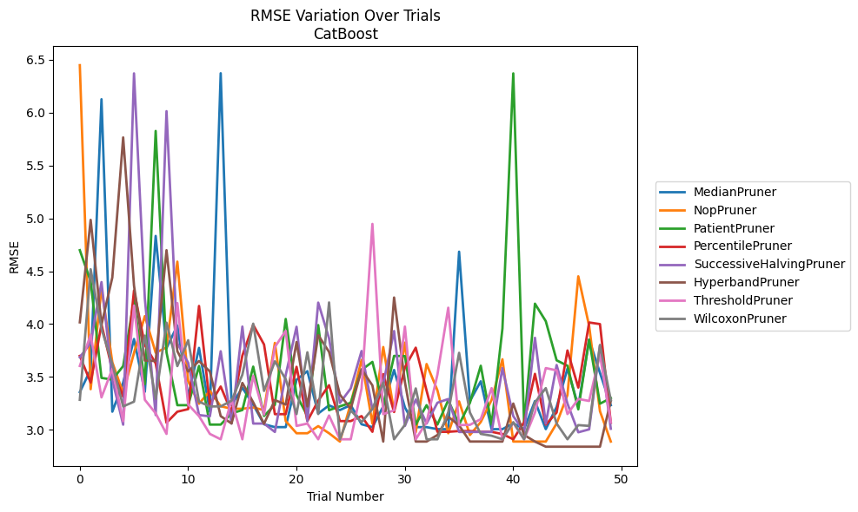
Trial | MedianPruner | NopPruner | PatientPruner | PercentilePruner | SuccessiveHalvingPruner | HyperbandPruner | ThresholdPruner | WilcoxonPruner
1 | 3.3566491497 | 6.4488935018 | 4.6986050982 | 3.6988356822 | 3.6859683487 | 4.0164003607 | 3.603848027 | 3.2834906442
2 | 3.5697827648 | 3.3838350123 | 4.4052788656 | 3.4465700696 | 3.8217864656 | 4.9857157491 | 3.8973340105 | 4.5184397122
3 | 6.126824157 | 4.3361746797 | 3.4908051983 | 3.996611186 | 4.3971534825 | 3.993158546 | 3.3064168368 | 3.9557222267
4 | 3.17121599 | 3.6384530421 | 3.4745907619 | 3.5665202033 | 3.4730748713 | 4.4410580258 | 3.5767920901 | 3.6215885126
5 | 3.4465700696 | 3.3472250469 | 3.6021297046 | 3.3127052779 | 3.0481728485 | 5.7654053128 | 3.0810487292 | 3.2209900578
6 | 3.8586753964 | 3.7269323949 | 4.2281242108 | 4.3177818344 | 6.3713345629 | 4.363804197 | 4.1754452621 | 3.2658148887
7 | 3.3594612653 | 4.0750712807 | 3.4318003925 | 3.8011807705 | 4.2416872831 | 3.6548298465 | 3.2834906442 | 3.8907289463
8 | 4.833653436 | 3.728443901 | 5.8266591371 | 3.6288000618 | 3.1392177827 | 3.6505039138 | 3.1555205869 | 3.2917127808
9 | 3.773033114 | 3.7796051414 | 3.7315228436 | 3.0661605764 | 6.0138844949 | 4.6987602917 | 2.9610439508 | 4.0130127545
10 | 3.9850913692 | 4.5905505089 | 3.2325977115 | 3.1711517646 | 3.8163583823 | 3.7426570811 | 4.1985256653 | 3.6023782206
11 | 3.3141617245 | 3.4586816555 | 3.2325977115 | 3.1954204403 | 3.6341566986 | 3.5516032262 | 3.2384783291 | 3.8469399372
12 | 3.7746760911 | 3.2465318 | 3.603848027 | 4.1711580729 | 3.1392177827 | 3.6505039138 | 3.1293215452 | 3.2658148887
13 | 3.17121599 | 3.3675958214 | 3.0490600231 | 3.2391937758 | 3.1270759705 | 3.5516032262 | 2.9610439508 | 3.2209900578
14 | 6.3725154944 | 3.2229267176 | 3.0490600231 | 3.4091063754 | 3.7426570811 | 3.1292516359 | 2.9100628813 | 3.2209900578
15 | 3.2326972295 | 3.1987705847 | 3.1550854514 | 3.1651941395 | 3.0588698197 | 3.059627235 | 3.2836874102 | 3.2745477457
16 | 3.3982696936 | 3.1987705847 | 3.1866158651 | 3.7019122743 | 3.9760914017 | 3.4434155932 | 2.9100628813 | 3.5210007042
17 | 3.237695869 | 3.2107724411 | 3.5972337125 | 3.9925265995 | 3.0588698197 | 3.2599632575 | 3.5106659241 | 4.0037106037
18 | 3.0520594291 | 3.1857215771 | 3.1306814622 | 3.806743309 | 3.0588698197 | 3.0570451275 | 3.1442196102 | 3.3675958214
19 | 3.0250613891 | 3.8217864656 | 3.2361333968 | 3.1477788712 | 2.9792969072 | 3.2809076798 | 3.7827687041 | 3.6480232158
20 | 3.0250613891 | 3.0822942361 | 4.0482103534 | 3.1477788712 | 3.5180515839 | 3.2384783291 | 3.9359198573 | 3.4786034523
21 | 3.4730186993 | 2.967179942 | 3.3269912065 | 3.595506608 | 3.9743861762 | 3.8301048759 | 3.0365717835 | 3.1486753516
22 | 3.5543494243 | 2.967179942 | 3.1306814622 | 3.0822942361 | 3.0810487292 | 3.2209732669 | 3.0588016766 | 3.732937097
23 | 3.154043721 | 3.0346075188 | 3.9902137173 | 3.2752433661 | 4.2029296429 | 3.8949148311 | 2.9100628813 | 3.1486753516
24 | 3.2310683279 | 2.967179942 | 3.1849574935 | 3.4216907104 | 3.865188297 | 3.7367769266 | 3.1351144811 | 4.2046584523
25 | 3.1866158651 | 2.8884379957 | 3.2216980405 | 3.0822942361 | 3.2537599896 | 3.3333818196 | 2.9100628813 | 2.9100628813
26 | 3.2338003882 | 3.2479217113 | 3.2551870335 | 3.0822942361 | 3.3908849012 | 3.1969325908 | 2.9100628813 | 3.1840767554
27 | 3.0520594291 | 3.6612433235 | 3.5665202033 | 3.1293215452 | 3.7449028233 | 3.5721470743 | 3.3898737768 | 3.0721049965
28 | 3.0250613891 | 3.0589334543 | 3.6422112919 | 2.980688614 | 3.1933075926 | 3.4195313618 | 4.9473489895 | 3.1969325908
29 | 3.2216980405 | 3.7827687041 | 3.2338003882 | 3.5264644762 | 3.4339031321 | 2.8884379957 | 3.1477788712 | 3.4480026669
30 | 3.5654773784 | 3.1754314134 | 3.6988356822 | 3.1680463217 | 3.9339860087 | 4.2511144837 | 3.1840767554 | 2.9100628813
31 | 3.2112919297 | 3.824500729 | 3.6967685766 | 3.5908381715 | 3.0365717835 | 3.4512254236 | 3.9760914017 | 3.0466333343
32 | 3.0250613891 | 2.9762456263 | 3.0490600231 | 3.7768548799 | 3.2864057685 | 2.8884379957 | 2.9100628813 | 3.3912529077
33 | 3.0250613891 | 3.6217888957 | 3.2325977115 | 3.3699376018 | 3.0588016766 | 2.8884379957 | 3.0721049965 | 2.9100628813
34 | 3.0058586534 | 3.3732994344 | 3.0490600231 | 2.980688614 | 3.2560143241 | 2.950195186 | 3.521858714 | 2.9100628813
35 | 3.0058586534 | 2.967179942 | 3.2802490006 | 2.980688614 | 3.2907518249 | 3.1228798645 | 4.1547200265 | 3.1651941395
36 | 4.68468419 | 3.2686625384 | 3.0490600231 | 2.9880481658 | 2.9792969072 | 3.0419934968 | 3.0443039483 | 3.7278442692
37 | 3.2720150218 | 2.950195186 | 3.2551870335 | 2.9880481658 | 2.9792969072 | 2.888820211 | 3.0466333343 | 3.1628849161
38 | 3.4586816555 | 3.0732539908 | 3.6056686986 | 2.980688614 | 2.9792969072 | 2.888820211 | 3.1005522913 | 2.9610439508
39 | 3.0058586534 | 3.2827252042 | 3.0490600231 | 2.980688614 | 2.9792969072 | 2.8884379957 | 3.3940247266 | 2.9436353024
40 | 3.0058586534 | 3.6668802681 | 3.9578396613 | 2.9595713906 | 3.5831634598 | 2.8884379957 | 2.9100628813 | 2.9100628813
41 | 3.0609018133 | 2.8884379957 | 6.3713345629 | 2.9100628813 | 3.1293215452 | 3.2479217113 | 3.0661605764 | 3.0721049965
42 | 3.0058586534 | 2.8884379957 | 3.0490600231 | 3.0721049965 | 2.9792969072 | 2.9512997782 | 2.9100628813 | 2.9100628813
43 | 3.2720150218 | 2.8884379957 | 4.1927278702 | 3.5289889209 | 3.870096322 | 2.8884379957 | 3.1628849161 | 3.2587235886
44 | 3.0058586534 | 2.8884379957 | 4.0271528202 | 3.0481728485 | 3.0581794152 | 2.8399810718 | 3.5835630136 | 3.3940247266
45 | 3.216565467 | 3.059627235 | 3.6570517235 | 3.1628849161 | 3.6124437526 | 2.8399810718 | 3.5620789369 | 3.0588698197
46 | 3.5779235102 | 3.3293326378 | 3.6056686986 | 3.7501183515 | 3.2479217113 | 2.8399810718 | 3.1486753516 | 2.9100628813
47 | 3.22214488 | 4.4516798968 | 3.1933075926 | 3.3992837203 | 2.9762456263 | 2.8399810718 | 3.2915623043 | 3.0443039483
48 | 3.8530425209 | 3.9827199275 | 3.8530425209 | 4.0150672362 | 3.0037174991 | 2.8399810718 | 3.2727085063 | 3.0365717835
49 | 3.5380204851 | 3.1754314134 | 3.2465318 | 3.9997364769 | 3.7962528477 | 2.8399810718 | 3.7114205832 | 3.8026402049
50 | 3.2325977115 | 2.8884379957 | 3.3002243493 | 3.0668631371 | 3.0097513384 | 3.274277728 | 3.0721049965 | 3.2795318527

RMSE_Trials_NGBoost
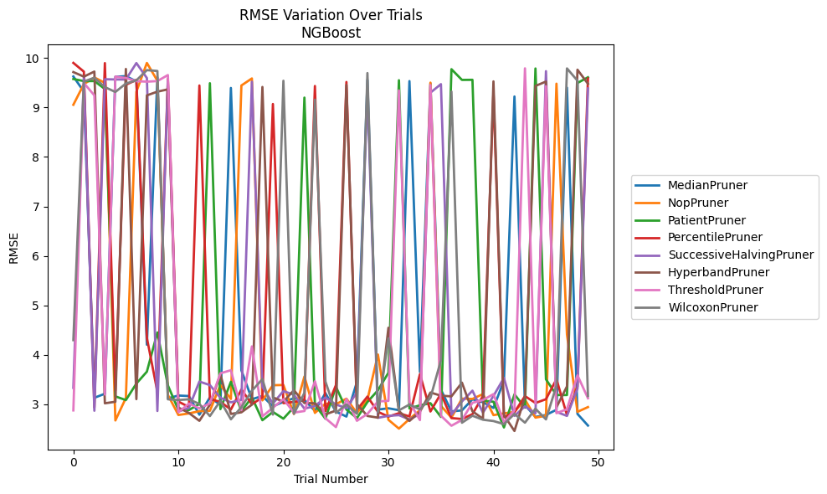
Trial | MedianPruner | NopPruner | PatientPruner | PercentilePruner | SuccessiveHalvingPruner | HyperbandPruner | ThresholdPruner | WilcoxonPruner
1 | 9.6268045153 | 9.0547555385 | 9.5755264895 | 9.9012474406 | 3.3326884178 | 9.715499092 | 2.8763925893 | 4.2976248121
2 | 9.3209944319 | 9.4720249743 | 9.5335010708 | 9.7246268531 | 9.6250373626 | 9.6237993586 | 9.4943965659 | 9.5252726145
3 | 3.1315936295 | 9.6072014807 | 9.534102909 | 2.9357576857 | 2.8692724294 | 9.7258715448 | 9.2439031231 | 9.6012351853
4 | 3.2134668494 | 9.4981132211 | 9.3732540859 | 9.8972191911 | 9.5707734496 | 3.0204185207 | 3.1977270371 | 9.4115990184
5 | 9.6200530863 | 2.6732259238 | 3.1598108103 | 3.2753772083 | 9.5664280814 | 3.051080502 | 9.6255735754 | 9.3136160349
6 | 9.6329974223 | 3.127463841 | 3.0850683865 | 9.4584805642 | 9.5652541909 | 9.7784824227 | 9.595583365 | 9.4838996016
7 | 9.5282307034 | 9.3183559252 | 3.4193080768 | 9.5578959296 | 9.897882228 | 3.1040605812 | 9.5319800261 | 9.5481316885
8 | 4.2041456606 | 9.9000763343 | 3.6594410268 | 4.3428795939 | 9.595583365 | 9.2448829257 | 9.5219392482 | 9.7552095871
9 | 9.6104430616 | 9.5418019011 | 4.4527136705 | 3.2555681999 | 2.8644066834 | 9.3195964289 | 9.5336601582 | 9.737742808
10 | 3.1213434923 | 3.1912795895 | 3.3824370448 | 9.5802379134 | 9.544050673 | 9.366191287 | 9.6554084592 | 3.1010358831
11 | 3.1769090454 | 2.7838159242 | 2.8870458508 | 3.0556323561 | 2.8532691672 | 2.9341131603 | 2.8393389467 | 3.086508418
12 | 3.1667924569 | 2.8149933307 | 2.883589866 | 2.9448953999 | 2.9260439248 | 2.8252146013 | 3.0137349383 | 3.1005636152
13 | 2.7894263815 | 2.861656013 | 3.0064171698 | 9.4441456066 | 3.4591990378 | 2.6657543545 | 2.9183074973 | 3.0068693413
14 | 3.1387687852 | 2.868392504 | 9.4904947384 | 3.1067845856 | 3.388615268 | 2.9908657721 | 3.0191530867 | 2.7617651069
15 | 2.9890486304 | 3.3892999583 | 2.9023181315 | 3.0486801731 | 3.1325091286 | 3.6073554587 | 3.6265103148 | 3.0688389647
16 | 9.3948088412 | 3.1084362419 | 3.4545399248 | 2.894768946 | 3.0397525222 | 2.8049904706 | 3.6882571687 | 2.6965833904
17 | 3.6858633515 | 9.4447268596 | 2.8624076449 | 3.2991639103 | 3.0887507726 | 2.8379714866 | 2.8825354562 | 2.9419248515
18 | 3.102471279 | 9.5869292217 | 3.1398869945 | 3.0013503294 | 9.5198886223 | 2.9918524295 | 4.1702091542 | 3.273824945
19 | 3.1680335628 | 3.079319201 | 2.6784436327 | 3.139971644 | 3.3521339322 | 9.4145008804 | 2.7554027973 | 3.5092031292
20 | 2.9599377286 | 3.3853705167 | 2.8454755875 | 9.0703903102 | 3.0166664326 | 3.1394604524 | 2.9306056724 | 2.7917988886
21 | 3.0490330524 | 3.3900203776 | 2.7092426608 | 3.023227246 | 3.2665988503 | 3.0538264844 | 3.1051074682 | 9.5401402011
22 | 3.1225939297 | 2.8049356554 | 2.9425573599 | 3.0479249531 | 3.193730711 | 3.2851402701 | 2.8322816332 | 2.8068015887
23 | 3.0897962469 | 3.5609070674 | 9.1993237767 | 3.0825153297 | 2.912730627 | 3.0253146448 | 2.8638094575 | 3.2317964233
24 | 2.8668965152 | 2.8260434624 | 2.989665858 | 9.4339962705 | 2.9653529337 | 3.0208382513 | 3.4640893145 | 9.1577734078
25 | 3.2260685585 | 3.0131899505 | 2.7091064499 | 2.861766576 | 3.1361648521 | 2.795792676 | 2.7185402085 | 3.4616813001
26 | 2.8518509234 | 3.0000905916 | 3.3541793326 | 3.3871625239 | 2.9954240159 | 2.8727323631 | 2.5389808224 | 2.8251977783
27 | 2.752052947 | 3.1138281608 | 2.8947659038 | 9.5151920435 | 2.9245782252 | 9.455012465 | 3.1060213944 | 2.9992158256
28 | 3.4533091009 | 2.8230495823 | 2.7196128838 | 2.8876778728 | 3.240670991 | 3.0042859626 | 2.6663094398 | 2.8071590324
29 | 9.5566772602 | 3.0925437234 | 3.045713353 | 3.1556350799 | 9.374492989 | 2.7641364097 | 2.8056653797 | 9.6959079914
30 | 2.8935040201 | 4.0058670412 | 3.2837246773 | 2.8479224515 | 2.7265411145 | 2.7300708987 | 3.0580186238 | 2.8449130021
31 | 2.9190135926 | 2.6866440358 | 3.6378957502 | 2.7514488365 | 2.7663732061 | 4.5472237137 | 3.0688018652 | 4.3328536689
32 | 2.8815083367 | 2.5085861603 | 9.5507578331 | 2.8205637463 | 2.7806430917 | 2.8649990399 | 9.3455757865 | 2.8779730965
33 | 9.5333361868 | 2.7028035658 | 2.9160745314 | 2.7547080476 | 2.6937095475 | 2.6627747543 | 3.0474408938 | 2.9942952911
34 | 3.6524721802 | 2.8797985573 | 2.9795248401 | 3.6100300939 | 2.8029709204 | 2.8509304541 | 2.6809895926 | 2.8971544752
35 | 9.48734171 | 9.5023693621 | 3.0220065377 | 2.8538835927 | 9.2997623721 | 3.2381678162 | 9.4528910942 | 3.1307026482
36 | 3.2952907557 | 2.9677561786 | 2.7449763421 | 3.2164958007 | 9.4719014162 | 3.1744907642 | 2.7682061056 | 3.8891210461
37 | 2.8561971736 | 2.7310966974 | 9.7741752836 | 2.7210334173 | 2.7906988588 | 3.1599592458 | 2.5665230071 | 9.3224099105
38 | 2.8768316565 | 3.1139586637 | 9.5574148622 | 2.7028853821 | 3.0563087619 | 3.4377171535 | 2.6839065865 | 2.6271784577
39 | 3.1011079367 | 3.1083224765 | 9.5592975417 | 2.8002355391 | 3.2751635387 | 2.8583998528 | 3.0303871348 | 2.7686361734
40 | 3.0420993745 | 3.2068893064 | 3.0749690433 | 3.1692008478 | 2.830231016 | 2.7074084072 | 3.0862904877 | 2.6880646008
41 | 2.9269721935 | 2.7811180781 | 3.0514822001 | 9.310294809 | 3.1690093605 | 9.5274665611 | 3.2057407668 | 2.6613560706
42 | 3.4788469395 | 2.8161959689 | 2.5314617348 | 2.7396187524 | 3.533034743 | 2.7798890819 | 2.6384382381 | 2.5996341244
43 | 9.2221848307 | 2.8462538002 | 3.2019059938 | 2.8415016563 | 2.7660832179 | 2.4603719096 | 2.8780664434 | 2.8049881704
44 | 2.9845499401 | 3.0964114821 | 2.9317969951 | 3.1652150808 | 2.9580107353 | 3.1516611002 | 9.7912296342 | 2.6285498192
45 | 2.7449142007 | 2.7305724753 | 9.788400418 | 3.0263222869 | 2.8172657782 | 9.4356156568 | 3.017598778 | 2.9101475481
46 | 2.7844155805 | 2.7686963704 | 3.5045590074 | 3.1024522844 | 9.7341056469 | 9.5235995894 | 9.4302654914 | 2.6948586451
47 | 2.8895323323 | 9.4813413645 | 3.1875908983 | 3.5084071165 | 2.847393304 | 2.9396113897 | 2.8207983451 | 3.3755901641
48 | 9.4018000237 | 4.4113729712 | 3.1869103727 | 2.7807661176 | 2.764774854 | 3.362056341 | 2.9006845615 | 9.7899445217
49 | 2.8055313801 | 2.8473735982 | 9.4951727681 | 3.3594920413 | 3.318853274 | 9.7631381424 | 3.5865640766 | 9.5416644525
50 | 2.5699684612 | 2.9438708456 | 9.6105122428 | 9.5863476762 | 9.384796173 | 9.4787178224 | 3.1226096066 | 3.1675199621

RMSE_Trials_TabNet
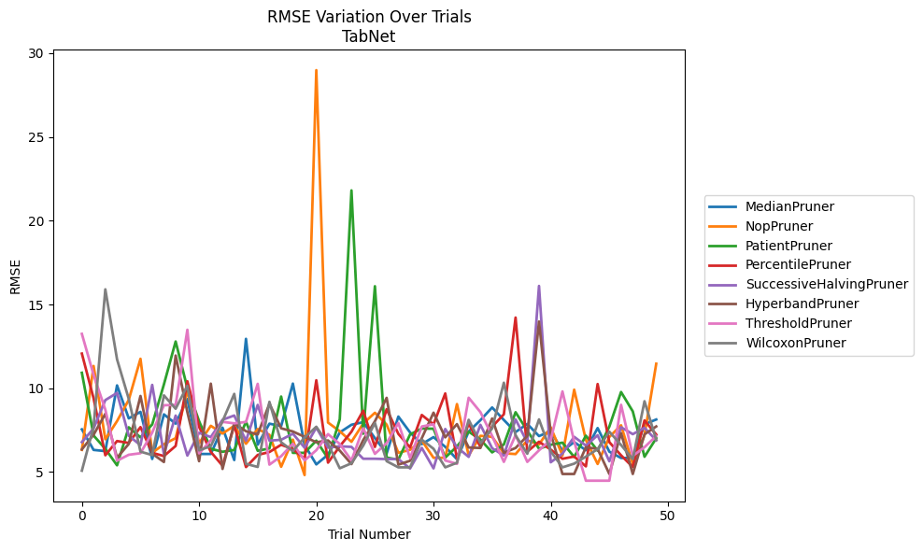
Trial | MedianPruner | NopPruner | PatientPruner | PercentilePruner | SuccessiveHalvingPruner | HyperbandPruner | ThresholdPruner | WilcoxonPruner
1 | 7.5444338387 | 6.3204769876 | 10.922633438 | 12.068384083 | 6.7813571125 | 6.3505630998 | 13.246218499 | 5.0772928738
2 | 6.3173276507 | 11.329221154 | 7.1742908878 | 9.3948925658 | 7.599057239 | 7.2249864511 | 10.798620241 | 7.7025457172
3 | 6.2455948098 | 6.9536700326 | 6.3843655596 | 5.9976135414 | 9.2914178756 | 8.4741029677 | 8.7243986867 | 15.904695497
4 | 10.168558591 | 8.0372076177 | 5.3976561499 | 6.8472285434 | 9.719142945 | 5.8496152997 | 5.6723730712 | 11.726129542
5 | 8.2002293552 | 9.3052613506 | 7.6682325085 | 6.7349676925 | 7.1659439262 | 6.675227103 | 6.0279098038 | 9.3626733242
6 | 8.5887532726 | 11.75886018 | 7.0673881317 | 7.6789053952 | 6.5999347002 | 9.5380853278 | 6.1201863253 | 6.2138222569
7 | 5.7777951978 | 6.1469232138 | 7.8380032717 | 6.1427661919 | 10.199867675 | 6.0915030985 | 7.3506094101 | 6.0104335396
8 | 8.4401863993 | 6.6585681362 | 10.230481494 | 5.9520357823 | 6.0538152415 | 5.5947333185 | 8.9836827448 | 9.5745782859
9 | 7.8871729983 | 7.0209076752 | 12.789692473 | 6.5544319657 | 8.3668078389 | 11.95185389 | 9.0074521687 | 8.7755645089
10 | 9.3524501735 | 9.8607149388 | 10.005668876 | 10.415522543 | 5.9796187491 | 8.573179141 | 13.491075444 | 10.14924175
11 | 6.0751001402 | 6.7171952042 | 8.0368319216 | 7.6920923378 | 7.3395724855 | 5.6442924142 | 6.1115337207 | 6.2931498762
12 | 6.0751001402 | 7.7578505772 | 6.3843655596 | 6.1994575485 | 7.083379227 | 10.272778385 | 6.8869991364 | 6.5427913214
13 | 7.6481402583 | 7.296431389 | 6.2067601602 | 5.3742182907 | 8.1189636172 | 5.1823260731 | 7.9949117638 | 8.0284508135
14 | 5.7128042591 | 7.7548261463 | 6.3142271351 | 7.7894089474 | 8.3722406903 | 7.9077257004 | 7.9033244196 | 9.662964245
15 | 12.94954427 | 6.6866712473 | 8.0033105709 | 5.2937422557 | 6.8630334447 | 7.4343169156 | 7.9869709496 | 5.4856809415
16 | 6.6288417862 | 7.563163772 | 6.2657442304 | 6.0180638528 | 9.0033741665 | 7.2415042926 | 10.261719498 | 5.3019348404
17 | 7.8844070647 | 7.2197347614 | 6.4066153407 | 6.1926232011 | 6.8721296803 | 9.0754243669 | 5.4393368647 | 9.187674806
18 | 7.7424337168 | 5.3103759656 | 9.5043275526 | 6.6252212874 | 6.9216554437 | 7.6089292372 | 5.9407151723 | 6.7765978144
19 | 10.276724827 | 6.933468891 | 6.1431357426 | 6.3723721699 | 7.2881520113 | 7.4180857446 | 6.6865564705 | 6.2473101254
20 | 6.6173180119 | 4.816614713 | 6.1431357426 | 5.7906044662 | 6.4511932756 | 7.0997666437 | 5.6923173538 | 7.0553891749
21 | 5.4541854572 | 28.98985944 | 6.8721296803 | 10.475571159 | 7.6500980603 | 6.7740692841 | 6.2996753024 | 7.6995969254
22 | 6.0339732822 | 7.9514527939 | 5.8164105685 | 5.5578282437 | 6.4511932756 | 6.8820815528 | 7.2601808936 | 6.6788340192
23 | 7.3610585118 | 7.4338715586 | 8.1464350335 | 6.5313401129 | 6.5343654134 | 6.2780323577 | 6.6742262362 | 5.2205389274
24 | 7.8202692599 | 6.802878978 | 21.810527947 | 7.4061658762 | 6.4988471768 | 5.472129423 | 5.6871368753 | 5.5194325671
25 | 7.9753479455 | 7.8910115141 | 7.2826886202 | 8.6568480555 | 5.7912207792 | 6.9037212901 | 7.6127402509 | 6.5743566112
26 | 7.0238345482 | 8.5354384045 | 16.09015793 | 6.496717347 | 5.7912207792 | 8.0273329088 | 6.0837978049 | 7.92751853
27 | 6.103379068 | 7.826953255 | 5.8613310694 | 8.7499762606 | 5.7695639986 | 9.4262135363 | 6.723806434 | 5.6465389
28 | 8.3090878327 | 6.1469232138 | 5.7311446459 | 7.2754274826 | 5.7695639986 | 5.4389388412 | 7.9232785046 | 5.2770546269
29 | 7.3600445539 | 6.3229397435 | 7.2434930685 | 6.4642293323 | 5.2103284835 | 5.6689063978 | 5.8338735549 | 5.2770546269
30 | 6.662302085 | 6.8779518039 | 7.5945725487 | 8.403733267 | 6.4378725535 | 7.020937521 | 7.7147661637 | 6.929096733
31 | 7.0820486831 | 5.8478035368 | 7.5826972311 | 7.8411300888 | 5.214290256 | 8.542194176 | 7.8513598572 | 6.3854420799
32 | 6.5023865971 | 5.8478035368 | 5.8613310694 | 9.6882974273 | 7.5675125428 | 7.0674061873 | 5.6871368753 | 5.2770546269
33 | 5.7623072751 | 9.0538793223 | 6.5224576771 | 5.7906044662 | 6.4796342138 | 7.8575116447 | 5.4852078746 | 5.5510256825
34 | 7.4178959422 | 5.9869785968 | 7.4061658762 | 7.9057983527 | 5.9021623911 | 6.4617339993 | 9.43275761 | 8.1163539661
35 | 8.0914813375 | 7.1589985275 | 6.9375491278 | 6.499100778 | 7.8162898929 | 6.4332552146 | 8.5749755176 | 6.7180431371
36 | 8.8513956023 | 7.0988599183 | 6.1696131817 | 7.7025457172 | 6.418352983 | 8.1950973418 | 7.1560271599 | 7.6014134779
37 | 8.1070328979 | 6.1192430548 | 6.6440002987 | 8.4442153274 | 5.983506944 | 6.1469232138 | 5.6026266937 | 10.328805848
38 | 7.3840418651 | 6.0695808428 | 8.5686692614 | 14.219652392 | 8.1401768102 | 6.4328999884 | 7.2046963604 | 7.1857574788
39 | 7.8677794777 | 6.892853396 | 7.4731576464 | 6.2140391323 | 6.7635214275 | 7.1541311614 | 5.6026266937 | 6.0881933867
40 | 7.1444215547 | 6.6409348213 | 6.389827329 | 6.8067314353 | 16.107242594 | 13.983542157 | 6.2938927708 | 8.1394359113
41 | 7.4354681186 | 7.6673042318 | 6.6252212874 | 6.3366857981 | 5.5798820568 | 7.2937334847 | 6.9232209177 | 6.2302940637
42 | 6.2625391163 | 5.9869785968 | 6.7502578032 | 5.7906044662 | 6.0971983112 | 4.8809273584 | 9.810246375 | 5.2770546269
43 | 6.7852045437 | 9.9147825766 | 5.8989924156 | 5.9230184039 | 7.0977267712 | 4.8809273584 | 6.8180123416 | 5.4976978269
44 | 6.3009223684 | 6.9121185154 | 7.1673383363 | 5.335988415 | 6.577046588 | 6.4813378493 | 4.4789604486 | 5.9153029828
45 | 7.6227949922 | 5.4780991304 | 6.2729497392 | 10.250354042 | 7.1941535253 | 6.3759466825 | 4.4789604486 | 6.3658093996
46 | 6.2138222569 | 7.0925217416 | 7.7116779098 | 6.7822403762 | 5.6375514728 | 4.8809273584 | 4.4789604486 | 7.4059760024
47 | 5.8366698038 | 7.7878718803 | 9.7752152792 | 5.9946702639 | 7.6700750508 | 7.3166954048 | 9.0115078511 | 6.6112050137
48 | 5.8366698038 | 5.4780991304 | 8.617750047 | 5.2937422557 | 7.258676351 | 4.8809273584 | 5.9613730119 | 5.7697709211
49 | 7.8526784831 | 7.1971788743 | 5.9082757935 | 8.08071361 | 7.6369794346 | 7.2492415156 | 6.4796342138 | 9.2242060372
50 | 8.1333228188 | 11.462531788 | 7.0140066579 | 7.2342673658 | 6.889846465 | 7.7191378263 | 7.1475127625 | 6.9119200637

RMSE_Trials_HistGradientBoosting
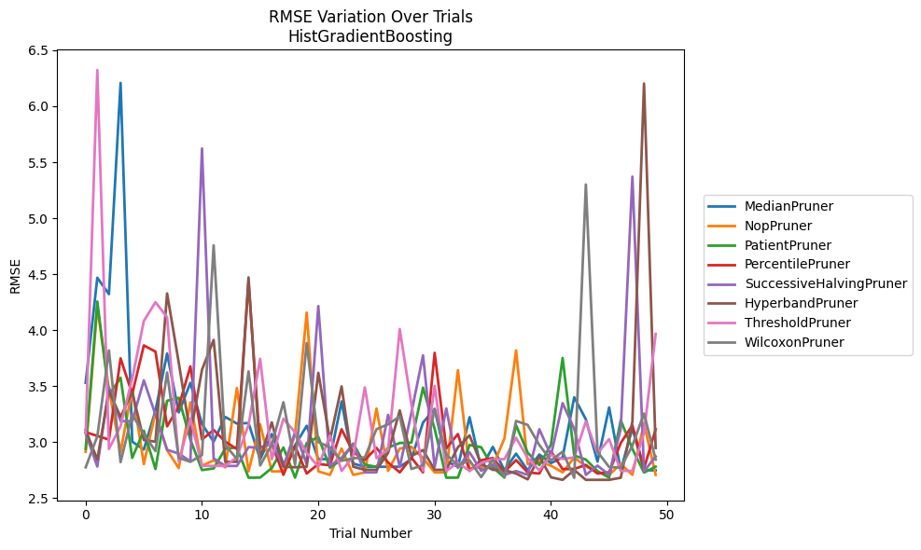
Trial | MedianPruner | NopPruner | PatientPruner | PercentilePruner | SuccessiveHalvingPruner | HyperbandPruner | ThresholdPruner | WilcoxonPruner
1 | 3.5286527416 | 2.9122530707 | 2.9386546185 | 3.0874153248 | 3.0781589706 | 3.1077963994 | 3.0781589706 | 2.7735431825
2 | 4.4674301079 | 4.2077447873 | 4.2552664178 | 3.0543704196 | 2.7803249197 | 2.8420174651 | 6.3238065843 | 3.0502633301
3 | 4.3209179388 | 3.4713859633 | 3.4175068766 | 3.02134658 | 3.487946393 | 3.4544958269 | 2.9373090805 | 3.8185172478
4 | 6.2083904626 | 2.9102031677 | 3.5746296155 | 3.7476096505 | 3.1861731519 | 3.2241250013 | 3.1417554993 | 2.8201253757
5 | 3.0027577085 | 3.4746258748 | 2.8574747792 | 3.42875583 | 3.1861341484 | 3.4456653721 | 3.5667239736 | 3.2460962962
6 | 2.9329823807 | 2.8024532148 | 3.1009074004 | 3.8629159968 | 3.5508379398 | 3.0170377779 | 4.0812828058 | 3.0688208062
7 | 3.2795187152 | 3.2615384797 | 2.758190766 | 3.8072556915 | 3.244345569 | 3.0023048195 | 4.2489489627 | 2.9183513205
8 | 3.7898189287 | 2.9265033256 | 3.3682802614 | 3.1396163871 | 2.9302633681 | 4.3272570735 | 4.1141744129 | 3.6209550229
9 | 3.2644655316 | 2.7662282834 | 3.3946642612 | 3.3160383598 | 2.8965085088 | 3.7095034096 | 2.8248192057 | 2.8580847495
10 | 3.5280233315 | 3.3546131288 | 3.0204429689 | 3.6752777509 | 2.8265132891 | 3.0658901221 | 3.2098839669 | 2.8227982745
11 | 3.1599373445 | 2.7875573033 | 2.7489498488 | 3.02134658 | 5.6227199085 | 3.6456765003 | 2.7863451541 | 2.883290217
12 | 3.0027577085 | 2.8354174937 | 2.76343407 | 3.1079401221 | 2.8533609214 | 3.9120756861 | 2.7863451541 | 4.7568027004
13 | 3.2236321011 | 2.7738337376 | 2.9399708216 | 3.0028945337 | 2.7858638078 | 2.8227982745 | 2.7863451541 | 2.9732564778
14 | 3.1644251935 | 3.4827160574 | 2.9510124176 | 2.936668205 | 2.7858638078 | 2.8227982745 | 2.8637292946 | 2.8476931322
15 | 3.1691645222 | 2.7371872763 | 2.6805065952 | 4.4306851153 | 2.9543716936 | 4.470754135 | 3.1529474856 | 3.6305911476
16 | 2.8454326905 | 3.1575428656 | 2.68143532 | 2.9503727054 | 2.9464174157 | 2.857226824 | 3.7434174087 | 2.7900061663
17 | 3.0714164262 | 2.7371872763 | 2.7673651663 | 2.9864197322 | 2.9892725701 | 3.1753057875 | 2.8466215386 | 2.9780636022
18 | 2.8002007661 | 2.7371872763 | 2.950376483 | 2.7061167689 | 2.7803249197 | 2.7787706802 | 3.2070458521 | 3.3546131288
19 | 2.9698652278 | 3.0676355324 | 2.6814034942 | 2.9636564107 | 3.0871627264 | 2.7738337376 | 3.0875418533 | 2.7954139601
20 | 3.1447805781 | 4.1559323287 | 2.9910390744 | 2.7178720769 | 2.8040518518 | 2.7787706802 | 2.9027991158 | 3.884589462
21 | 2.8466416492 | 2.7371872763 | 3.0446631374 | 2.8028939755 | 4.2145285466 | 3.6178969157 | 2.7784990512 | 2.9987859875
22 | 2.8466416492 | 2.7061167689 | 2.7707007378 | 2.7920438895 | 2.7865860109 | 3.0170105166 | 3.0590698972 | 2.952229562
23 | 3.3622104963 | 2.9409502279 | 2.8416109849 | 3.113818663 | 2.8598209777 | 3.4966810136 | 2.7415505926 | 2.8320580187
24 | 2.8067610894 | 2.7061167689 | 2.9857022428 | 2.9081605346 | 2.9781166529 | 2.7787706802 | 2.871252273 | 2.8538542603
25 | 2.7784990512 | 2.7282415772 | 2.7977337504 | 2.8396516099 | 2.7282415772 | 2.7511576857 | 3.4880364299 | 2.8622169643
26 | 2.7784990512 | 3.2989435367 | 2.7773684346 | 2.9469009683 | 2.7282415772 | 2.7511576857 | 2.8555100115 | 3.1145301633
27 | 2.7784990512 | 2.7422013925 | 2.9498233916 | 2.8163736579 | 3.2423665404 | 2.9027991158 | 2.9322692959 | 3.158054028
28 | 2.7784990512 | 2.9409502279 | 2.9910390744 | 2.7282415772 | 2.7760906308 | 3.2820389527 | 4.0090765239 | 3.2288440644
29 | 2.8463942536 | 2.9562405228 | 2.9943599962 | 2.8604155413 | 3.2591304991 | 2.874638259 | 3.3367399058 | 2.7589036326
30 | 3.1735623174 | 2.8555100115 | 3.4854199198 | 2.7282415772 | 3.7743372579 | 2.927505139 | 2.7415505926 | 2.7915939749
31 | 3.2952900437 | 2.7282415772 | 3.1169594926 | 3.7967528308 | 2.7760906308 | 2.7511576857 | 3.5009000261 | 3.2948661662
32 | 2.8282341327 | 2.7282415772 | 2.6805065952 | 2.9424596193 | 3.2989435367 | 2.7511576857 | 2.7415505926 | 2.8885419065
33 | 2.7784990512 | 3.6415552557 | 2.6814034942 | 3.0707628428 | 2.7684710528 | 2.9530294197 | 2.8153405392 | 2.7915939749
34 | 3.2213133947 | 2.7592467267 | 2.9732367363 | 2.7422013925 | 2.9075773545 | 3.0586268512 | 2.7415505926 | 2.8357787974
35 | 2.7631712747 | 2.7760906308 | 2.9529269887 | 2.837157207 | 2.7422013925 | 2.8048466626 | 2.8111131484 | 2.6857560065
36 | 2.9565440645 | 2.7844314343 | 2.7736857613 | 2.85655182 | 2.795298568 | 2.7511576857 | 2.8466416492 | 2.8422928089
37 | 2.7465373247 | 3.0311145604 | 2.6814034942 | 2.7340206576 | 2.7061167689 | 2.7489497965 | 2.8466416492 | 2.6872556762
38 | 2.8955073805 | 3.8181250651 | 3.1496401647 | 2.8379036786 | 2.7402458521 | 2.7178720769 | 3.0375487784 | 3.1879607455
39 | 2.7465373247 | 2.8028939755 | 2.9042173522 | 2.7282415772 | 2.7061167689 | 2.6660459306 | 2.8555100115 | 3.1523752227
40 | 2.8877814573 | 2.8249998629 | 2.7936402587 | 2.7178720769 | 3.113818663 | 2.87127868 | 2.7465373247 | 2.9726686232
41 | 2.8111131484 | 2.7884158395 | 2.975514972 | 2.9165234348 | 2.8787348221 | 2.6843382913 | 2.8835006146 | 2.8354174937
42 | 2.8623014318 | 2.7282415772 | 3.7505950357 | 2.7570448808 | 3.3471111521 | 2.6615856453 | 2.8479161738 | 2.9135020696
43 | 3.3990611458 | 2.8604155413 | 2.8795968458 | 2.7592467267 | 3.1169594926 | 2.7489497965 | 2.8623014318 | 2.6801457409
44 | 3.2019594792 | 2.7829795934 | 2.8425696947 | 2.7947829055 | 2.7061167689 | 2.6615856453 | 3.1842736498 | 5.3008538877
45 | 2.8248192057 | 2.7292339868 | 2.7402458521 | 2.7178720769 | 2.7884158395 | 2.6615856453 | 2.8974616471 | 2.9126466763
46 | 3.3081432093 | 2.7061167689 | 2.6814034942 | 2.7292339868 | 2.7061167689 | 2.6615856453 | 3.025792487 | 2.7760906308
47 | 2.7465373247 | 2.8031001428 | 3.1930155889 | 2.9910038914 | 3.1169594926 | 2.6801457409 | 2.7415505926 | 2.7707007378
48 | 3.1227464354 | 2.7061167689 | 2.9383751346 | 3.1484501464 | 5.3709766277 | 3.1800537676 | 2.7415505926 | 2.9673911297
49 | 2.7465373247 | 3.1652977074 | 2.7264912178 | 2.76343407 | 2.7371872763 | 6.2031968295 | 3.0809610266 | 3.2536568807
50 | 2.7465373247 | 2.7061167689 | 2.7796517187 | 3.113818663 | 2.87127868 | 2.9464174157 | 3.9657826764 | 2.8425696947

RMSE_Trials_PGBM
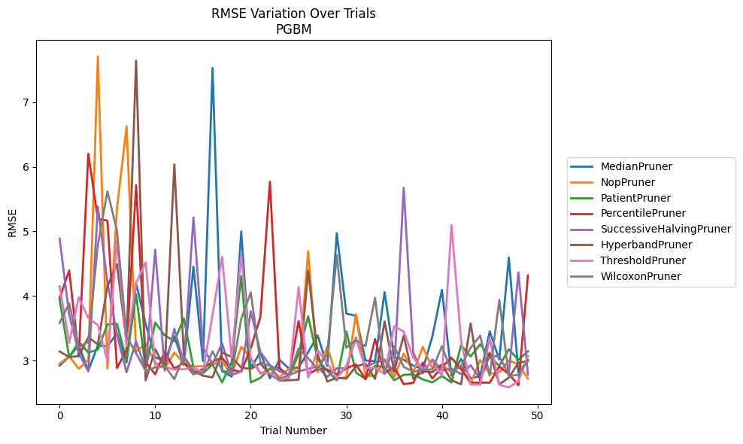
Trial | MedianPruner | NopPruner | PatientPruner | PercentilePruner | SuccessiveHalvingPruner | HyperbandPruner | ThresholdPruner | WilcoxonPruner
1 | 2.9219476086 | 2.951685816 | 3.9451902437 | 3.9636404448 | 4.8876452122 | 3.1402190473 | 4.1496705426 | 3.5828686266
2 | 3.0608969557 | 3.066879432 | 3.0500916884 | 4.3943624175 | 3.7090556321 | 3.0534729639 | 3.2736827975 | 3.8877370188
3 | 3.2349030576 | 2.8734338735 | 3.2892343402 | 3.0643647899 | 3.1180886924 | 3.0685475571 | 3.9818995883 | 3.206043001
4 | 2.8434564809 | 3.0063847833 | 3.1239054911 | 6.2016511841 | 2.8314542606 | 3.3600586267 | 3.6543750652 | 3.2928088869
5 | 3.2352153903 | 7.7083747682 | 3.1683272882 | 5.1947506572 | 5.3838076623 | 3.2484853994 | 3.5504076238 | 4.7880479419
6 | 3.2178939238 | 2.8768815024 | 3.5585786678 | 5.1659142646 | 4.2154441605 | 4.1521853205 | 2.9951762063 | 5.6198646954
7 | 3.4216471886 | 5.3566652008 | 3.5698741525 | 2.8815870483 | 3.3982923514 | 4.4927199303 | 4.8575462855 | 5.0128686195
8 | 2.9682225294 | 6.6272176682 | 3.0078550837 | 3.1654350598 | 2.8170640457 | 3.2762340534 | 3.2239479591 | 3.3770879351
9 | 4.198886292 | 3.1354738972 | 4.026795656 | 5.7139241962 | 3.3013353567 | 7.647646754 | 4.2023749404 | 3.1109519607
10 | 3.5655076521 | 3.2622617034 | 2.8696258656 | 2.9739716036 | 2.8585403121 | 2.6923330221 | 4.5179507106 | 2.8394014072
11 | 3.04953963 | 2.9688420851 | 3.5863702763 | 2.78619534 | 4.7159753074 | 3.1771072562 | 2.9063557047 | 2.8918190723
12 | 2.9899577509 | 2.8768815024 | 3.3889307551 | 3.1369747795 | 2.8435872466 | 2.8828453229 | 2.9063557047 | 2.9159061265
13 | 3.3766088134 | 3.1237053238 | 3.2995985114 | 2.8716844241 | 3.4916998968 | 6.0381202204 | 2.8573987082 | 2.7114366689
14 | 2.9326207661 | 2.9571545227 | 3.6520627641 | 2.9705380245 | 2.9563025329 | 3.0612382086 | 2.8674991128 | 3.0692457779
15 | 4.4539817806 | 2.9070707741 | 2.8903157195 | 2.78619534 | 5.2170585483 | 2.8421885665 | 2.8894088605 | 2.7956679882
16 | 2.9941096061 | 2.9126103816 | 2.8025968203 | 2.8704943313 | 3.20538201 | 2.7642629666 | 2.8154448035 | 2.8039825604
17 | 7.5322770523 | 2.9360233302 | 2.939460594 | 2.980267358 | 2.9440863472 | 2.7389402428 | 3.7131490724 | 3.1425777374
18 | 2.8355996216 | 2.9880313077 | 2.6605847911 | 3.0421109774 | 3.2673846691 | 3.1253025984 | 4.606693711 | 2.8508640735
19 | 2.7499982108 | 2.77649713 | 2.9769334994 | 2.8525331044 | 2.7745172605 | 3.0524915602 | 3.0387434394 | 2.7909679195
20 | 4.9999602184 | 3.2127903362 | 4.3073343515 | 2.8263548188 | 2.8305557905 | 2.8900564355 | 4.6359161635 | 3.6460676241
21 | 2.882424739 | 3.0394965124 | 2.6605847911 | 3.191752847 | 3.7620804467 | 2.869276682 | 3.0364332541 | 4.0552139543
22 | 3.1294576775 | 2.796541643 | 2.7294985108 | 3.6704638572 | 3.131127783 | 2.9546427701 | 2.8152361063 | 2.9722187622
23 | 2.7223312 | 2.8720042242 | 2.8750829818 | 5.7705436063 | 2.928192564 | 2.7879054878 | 2.8045306451 | 2.9166998137
24 | 3.0116431434 | 2.7425774956 | 2.8887644682 | 2.8746497166 | 2.832283473 | 2.6894068046 | 2.70166197 | 2.7135006361
25 | 2.8737154095 | 2.8736910853 | 2.7463852109 | 2.7679273411 | 2.7745172605 | 2.6943233024 | 2.730335588 | 2.7759697245
26 | 2.8930100438 | 2.8340136698 | 3.1060075652 | 3.6125622451 | 2.8310300185 | 2.7026432386 | 4.1372039569 | 3.1826270345
27 | 3.1278077556 | 4.6950033215 | 3.6856883757 | 2.7858851078 | 2.8721739646 | 4.3901307466 | 2.7357002713 | 3.0371526458
28 | 3.3870177282 | 2.8168338978 | 3.0168490111 | 2.8704223747 | 2.901421376 | 3.0962675383 | 3.1617887067 | 2.8688510914
29 | 2.9128181605 | 3.2180820295 | 2.8387956177 | 2.8605131239 | 2.7449979816 | 2.6744934131 | 2.9604566957 | 3.108355315
30 | 4.972240211 | 2.7173573304 | 2.6943233024 | 2.7841796525 | 2.8799858927 | 2.7308197344 | 2.7264851994 | 4.6328885272
31 | 3.7271586113 | 2.7440839806 | 3.4502255591 | 2.8776544356 | 2.8814795619 | 2.7198114896 | 2.9172640075 | 3.1959928976
32 | 3.6913449909 | 3.7161340987 | 2.8140087373 | 2.9396447508 | 3.3552585345 | 2.9080998779 | 3.333866011 | 3.3148496792
33 | 3.0004338179 | 2.7653584318 | 2.7118543163 | 2.7099226785 | 2.899832029 | 2.9507938845 | 2.8844173089 | 3.2225386676
34 | 2.9885216381 | 2.759512969 | 2.9222093862 | 3.332290196 | 2.9684051437 | 2.7151333935 | 2.8885191218 | 3.9693138373
35 | 4.0583196015 | 3.0018710347 | 2.8955842695 | 2.8030010533 | 3.0152341207 | 3.6059437562 | 2.7898924135 | 2.7981281395
36 | 3.0479614904 | 2.7448892387 | 2.6943233024 | 2.8995977556 | 2.8170640457 | 2.8327257201 | 3.5298316797 | 3.2216368029
37 | 3.012660739 | 3.1074629671 | 2.7776283257 | 2.6329165604 | 5.6779119161 | 3.387048741 | 3.4487004085 | 2.9007887707
38 | 2.921759394 | 2.8206547509 | 2.7865102077 | 2.6536954538 | 3.1252688762 | 2.7161602806 | 3.0435714911 | 2.8263421948
39 | 2.8666494495 | 3.2095242125 | 2.7073748433 | 2.9682225294 | 2.7994773552 | 2.8313299945 | 2.8620471378 | 2.8601392778
40 | 3.3733242746 | 2.8789074375 | 2.6605847911 | 2.7207158897 | 3.0181375852 | 2.8198291381 | 2.9812024595 | 2.8604085239
41 | 4.0947214104 | 2.9394695231 | 2.7597557217 | 2.902193385 | 2.8450108262 | 2.9304754322 | 2.763372004 | 3.2232315242
42 | 2.7670946635 | 2.8108820169 | 2.6605847911 | 3.0418948796 | 2.875181153 | 2.6943233024 | 5.0991067137 | 2.8272840305
43 | 3.0227810968 | 2.9163758436 | 3.2339263376 | 2.8665344519 | 2.7884893955 | 2.6310322246 | 3.3005913693 | 2.9164823668
44 | 2.7224935454 | 2.6386118942 | 3.0636459088 | 2.6566806227 | 2.9259509936 | 3.5731164148 | 2.6289056494 | 3.1955527589
45 | 2.7590311403 | 3.0081360939 | 3.2498392376 | 2.6566806227 | 2.7177844648 | 2.6738528357 | 2.6246496939 | 3.3859014932
46 | 3.4506132531 | 2.7950569054 | 3.0610292186 | 2.6566806227 | 3.07185244 | 3.1225349939 | 3.3451832254 | 2.7649093792
47 | 3.0134994823 | 2.8159562779 | 2.9169272868 | 2.9045881511 | 3.0619553517 | 2.6315603672 | 2.6231561047 | 3.9387279801
48 | 4.5954383796 | 2.9986482496 | 3.173160625 | 2.7902054848 | 2.7881100646 | 2.733842513 | 2.5838680275 | 2.7581053815
49 | 2.8079376369 | 2.9412548298 | 3.0118678706 | 2.617178327 | 4.3649614159 | 2.9633830746 | 2.6806180558 | 2.7789202785
50 | 3.0066057687 | 2.7196814978 | 3.1424279156 | 4.3176103479 | 2.783101852 | 2.9928400165 | 3.0690787279 | 3.0104153408

