Bands_95Coverage
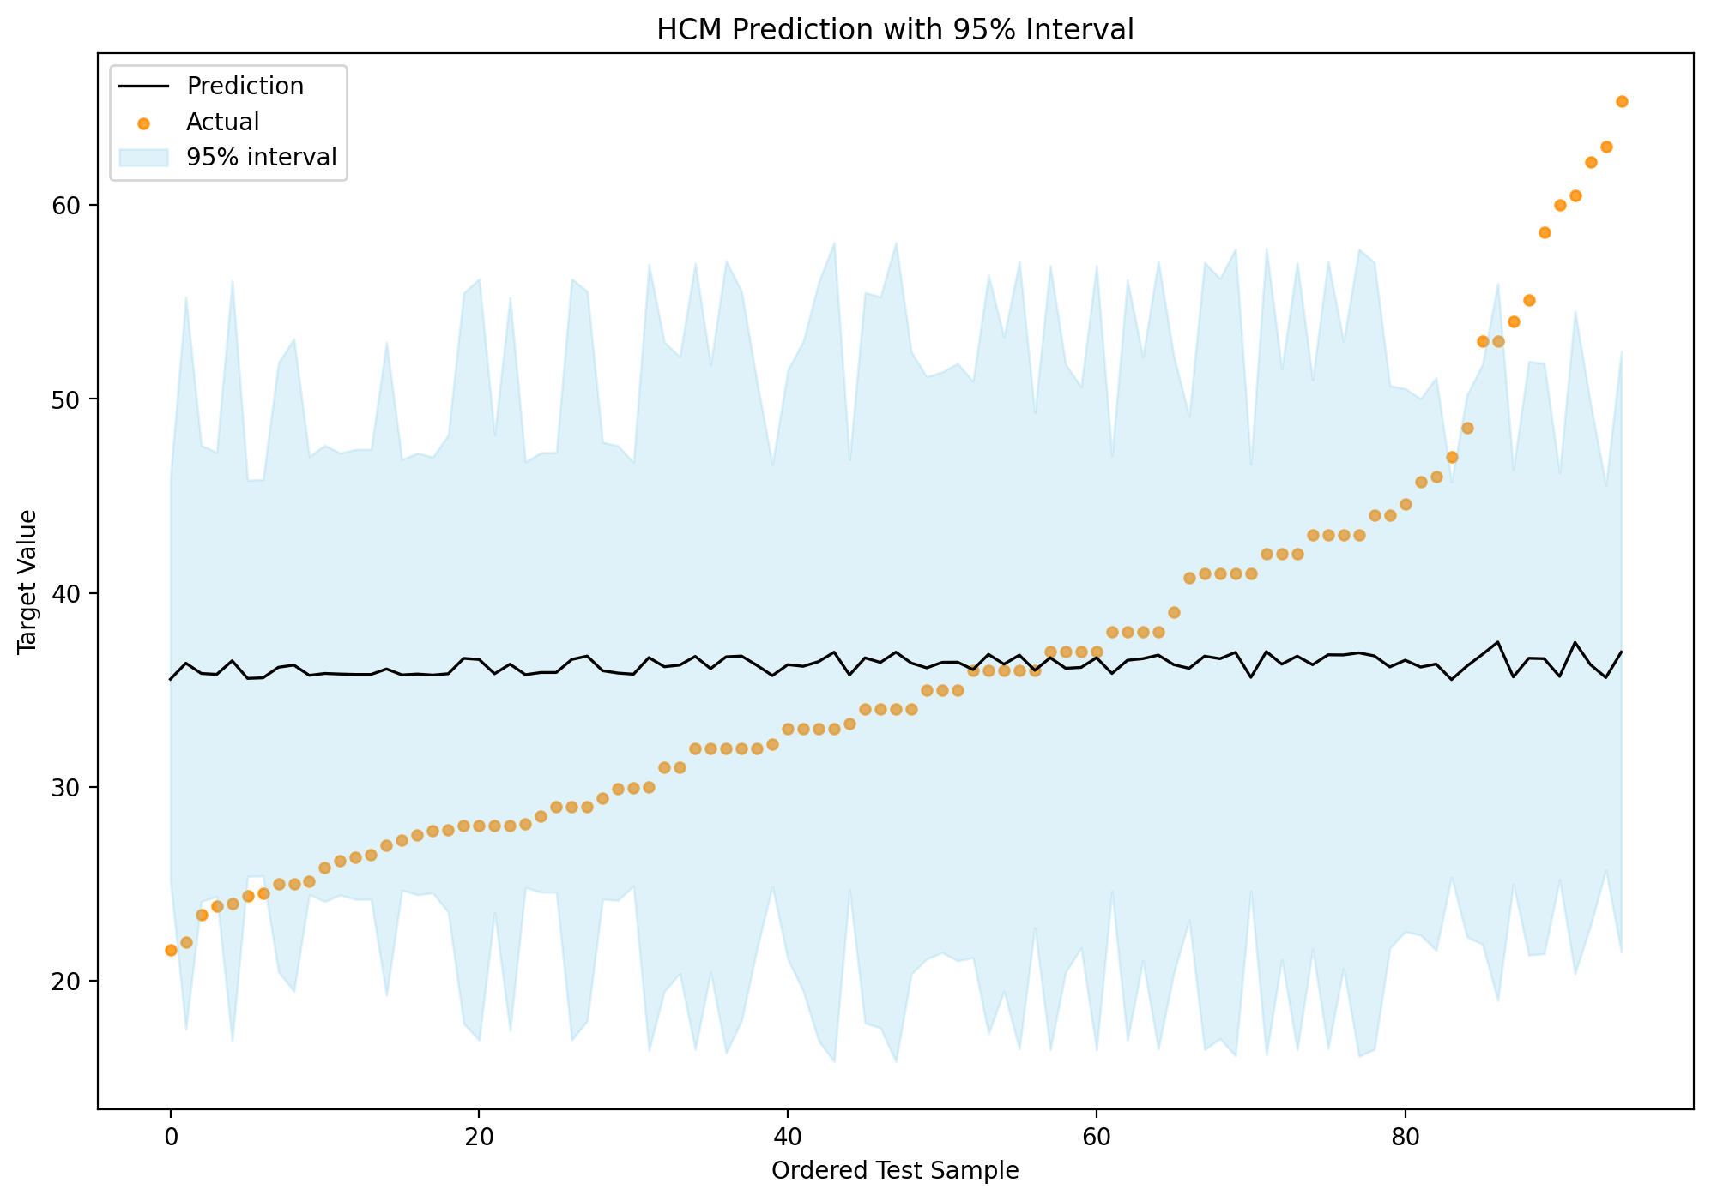
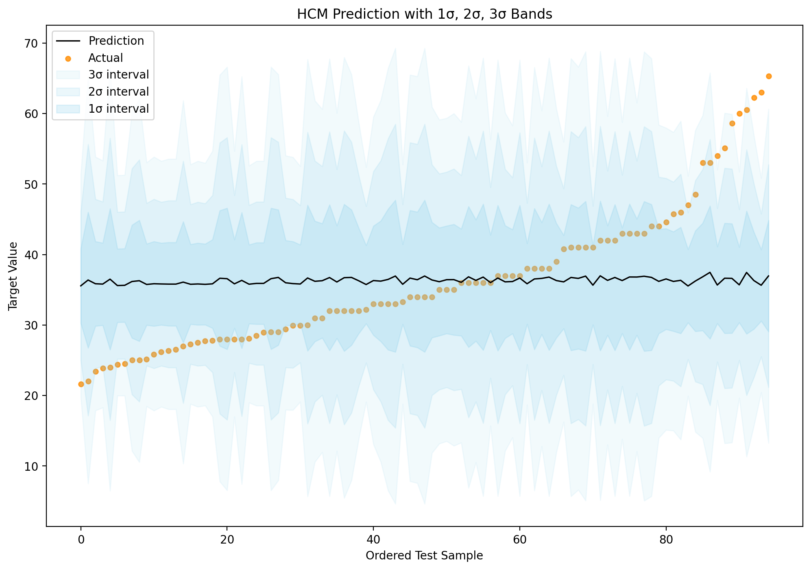
Mean | Mean_Scaled | Sigma_Hat_Raw | Sigma_Hat_Raw_Scaled | Sigma_Hat | Sigma_Hat_Scaled | StdDev | Confidence | Confidence_Normalized | RawUncertainty | Magnitude_R | Direction_Norm | Direction_Norm_Squared | Absolute_Error | Actual | Lower_1Sigma | Upper_1Sigma | Coverage_1Sigma | Lower_2Sigma | Upper_2Sigma | Coverage_2Sigma | Lower_3Sigma | Upper_3Sigma | Coverage_3Sigma | Lower_95 | Upper_95 | Coverage_95
35.558481156 | -0.025851529092 | 5.2266062184 | 0.50415998697 | 5.2872800254 | 0.5100126004 | 5.2872800254 | 0.60048801237 | 0.95000038088 | 4.5697574534 | 0.50871360302 | 0.1335003525 | 0.017822343856 | 13.958480775 | 21.600000381 | 30.271201131 | 40.845761182 | 0 | 24.983921105 | 46.133041207 | 0 | 19.69664108 | 51.420321232 | 1 | 25.195412306 | 45.921550006 | 0
36.38293916 | 0.053675934672 | 9.5155210563 | 0.9178699851 | 9.6259833456 | 0.92852521031 | 9.6259833456 | 0.3951360234 | 0.15934029425 | 8.9447672469 | 0.91962647438 | 0.061776816845 | 0.0038163750432 | 14.38293916 | 22 | 26.756955815 | 46.008922506 | 0 | 17.130972469 | 55.634905851 | 1 | 7.5049891235 | 65.260889197 | 1 | 17.516011803 | 55.249866518 | 1
35.853332424 | 0.0025899116881 | 5.9289464849 | 0.57190793753 | 5.9977735095 | 0.57854701275 | 5.9977735095 | 0.56071248306 | 0.79685395357 | 5.2871530061 | 0.57566535473 | 0.11406800151 | 0.013011509553 | 12.433332347 | 23.420000076 | 29.855558914 | 41.851105933 | 0 | 23.857785405 | 47.848879443 | 0 | 17.860011895 | 53.846652952 | 1 | 24.097696345 | 47.608968502 | 0
35.806000081 | -0.0019757801201 | 5.771233179 | 0.55669486523 | 5.8382293661 | 0.56315733732 | 5.8382293661 | 0.56940840829 | 0.83033559175 | 5.1242448556 | 0.56063473225 | 0.11834544688 | 0.014005644247 | 11.935999242 | 23.870000839 | 29.967770715 | 41.644229447 | 0 | 24.129541349 | 47.482458813 | 0 | 18.291311983 | 53.320688179 | 1 | 24.363070524 | 47.248929639 | 0
36.505438038 | 0.065492212772 | 9.8901430673 | 0.95400613546 | 10.00495421 | 0.96508085235 | 10.00495421 | 0.3809523976 | 0.10472954095 | 9.1533550554 | 0.95686650276 | 0.077263839543 | 0.0059697004035 | 12.505438038 | 24 | 26.500483828 | 46.510392248 | 0 | 16.495529618 | 56.515346458 | 1 | 6.4905754084 | 66.520300668 | 1 | 16.895727787 | 56.115148289 | 1
35.599698725 | -0.02187567018 | 5.1487960111 | 0.49665439129 | 5.2085665472 | 0.50241987494 | 5.2085665472 | 0.6050647058 | 0.96762187477 | 4.4682834223 | 0.50165301561 | 0.14081659913 | 0.019829316065 | 11.199699106 | 24.399999619 | 30.391132178 | 40.808265272 | 0 | 25.182565631 | 46.016831819 | 0 | 19.973999083 | 51.225398366 | 1 | 25.390908292 | 45.808489157 | 0
35.629388842 | -0.01901175268 | 5.1541907525 | 0.49717476964 | 5.2140239141 | 0.50294629417 | 5.2140239141 | 0.60474627192 | 0.96639581916 | 4.4624712767 | 0.50234609842 | 0.14311802387 | 0.020482767373 | 11.129388842 | 24.5 | 30.415364928 | 40.843412756 | 0 | 25.201341014 | 46.05743667 | 0 | 19.987317099 | 51.271460584 | 1 | 25.40990197 | 45.848875714 | 0
36.172457932 | 0.033372852951 | 7.9212969765 | 0.76409065723 | 8.0132524872 | 0.77296071308 | 8.0132524872 | 0.46164424681 | 0.41541474446 | 7.4785518736 | 0.76535487175 | 0.057452503592 | 0.0033007902093 | 11.172457932 | 25 | 28.159205445 | 44.185710419 | 0 | 20.145952958 | 52.198962907 | 1 | 12.132700471 | 60.212215394 | 1 | 20.466483057 | 51.878432807 | 1
36.284993524 | 0.044228069484 | 8.4827622284 | 0.81824976206 | 8.5812355889 | 0.82774853164 | 8.5812355889 | 0.43703214352 | 0.32065156337 | 8.0030816384 | 0.81963646412 | 0.058143824339 | 0.0033807042055 | 11.284993524 | 25 | 27.703757935 | 44.866229112 | 0 | 19.122522346 | 53.447464701 | 1 | 10.541286757 | 62.02870029 | 1 | 19.465771769 | 53.104215278 | 1
35.75475439 | -0.006918954663 | 5.6967282202 | 0.54950809479 | 5.7628595057 | 0.55588713822 | 5.7628595057 | 0.57356320559 | 0.84633267269 | 5.0531922099 | 0.55346083641 | 0.11930096149 | 0.014232720248 | 10.634753551 | 25.120000839 | 29.991894885 | 41.517613896 | 0 | 24.229035379 | 47.280473402 | 1 | 18.466175873 | 53.043332908 | 1 | 24.459549759 | 47.049959022 | 1
35.853642351 | 0.0026198073756 | 5.9300840737 | 0.57201766968 | 5.9989243042 | 0.57865801874 | 5.9989243042 | 0.56065024407 | 0.79661431681 | 5.2882411614 | 0.57577490807 | 0.11405434459 | 0.013008394279 | 10.00364197 | 25.850000381 | 29.854718047 | 41.852566655 | 0 | 23.855793743 | 47.851490959 | 1 | 17.856869439 | 53.850415264 | 1 | 24.095750715 | 47.611533987 | 1
35.823370683 | -0.00030020670965 | 5.7430443346 | 0.55397576094 | 5.8097132875 | 0.56040666791 | 5.8097132875 | 0.57097681868 | 0.83637439127 | 5.0855424294 | 0.55807566643 | 0.12099206448 | 0.014639080502 | 9.633370149 | 26.190000534 | 30.013657396 | 41.633083971 | 0 | 24.203944108 | 47.442797258 | 1 | 18.394230821 | 53.252510546 | 1 | 24.43633264 | 47.210408727 | 1
35.802962807 | -0.002268756507 | 5.8495352497 | 0.56424790621 | 5.9174404176 | 0.57079805886 | 5.9174404176 | 0.56507429616 | 0.81364810072 | 5.2077949119 | 0.56806194782 | 0.1156854704 | 0.013383127749 | 9.4429621965 | 26.36000061 | 29.885522389 | 41.720403224 | 0 | 23.968081972 | 47.637843642 | 1 | 18.050641554 | 53.55528406 | 1 | 24.204779588 | 47.401146025 | 1
35.803223528 | -0.002243607305 | 5.8506073391 | 0.56435132027 | 5.9185249525 | 0.57090267341 | 5.9185249525 | 0.56501518425 | 0.81342050408 | 5.2088515533 | 0.56816476583 | 0.11566608399 | 0.013378642499 | 9.3032235276 | 26.5 | 29.884698575 | 41.72174848 | 0 | 23.966173623 | 47.640273433 | 1 | 18.04764867 | 53.558798385 | 1 | 24.202914621 | 47.403532434 | 1
36.08502302 | 0.02493885532 | 8.4861101132 | 0.81857270002 | 8.5846223381 | 0.82807521847 | 8.5846223381 | 0.43688939419 | 0.32010194026 | 8.2113746996 | 0.81901597977 | 0.032898426056 | 0.0010823063785 | 9.0850230196 | 27 | 27.500400681 | 44.669645358 | 0 | 18.915778343 | 53.254267696 | 1 | 10.331156005 | 61.838890034 | 1 | 19.259163237 | 52.910882802 | 1
35.77995409 | -0.0044881841168 | 5.5974181411 | 0.53992861509 | 5.6623965715 | 0.54619645377 | 5.6623965715 | 0.57914844431 | 0.86783733577 | 4.934213462 | 0.54422789812 | 0.1254478097 | 0.01573715359 | 8.5199538616 | 27.260000229 | 30.117557519 | 41.442350662 | 0 | 24.455160948 | 47.104747233 | 1 | 18.792764376 | 52.767143805 | 1 | 24.68165681 | 46.878251371 | 1
35.82305552 | -0.0003306074359 | 5.7418338314 | 0.55385899544 | 5.808488732 | 0.56028854693 | 5.808488732 | 0.57104426701 | 0.83663408538 | 5.0843838314 | 0.55795919895 | 0.12100888044 | 0.014643148519 | 8.3033564233 | 27.519699097 | 30.014566788 | 41.631544252 | 0 | 24.206078056 | 47.440032984 | 1 | 18.397589324 | 53.248521716 | 1 | 24.438417605 | 47.207693435 | 1
35.77119942 | -0.0053326622583 | 5.6668814993 | 0.54662907124 | 5.732666305 | 0.55297469311 | 5.732666305 | 0.57523611188 | 0.85277380941 | 5.0099508601 | 0.55078363419 | 0.12259312719 | 0.015029074624 | 8.0411998775 | 27.729999542 | 30.038533115 | 41.503865725 | 0 | 24.30586681 | 47.23653203 | 1 | 18.573200505 | 52.969198335 | 1 | 24.535173462 | 47.007225377 | 1
35.839536545 | 0.0012591570849 | 6.2067782904 | 0.59870767593 | 6.2788305653 | 0.60565785975 | 6.2788305653 | 0.54571530439 | 0.73911080412 | 5.5208548943 | 0.60281789303 | 0.11657682806 | 0.013590157032 | 8.0595358579 | 27.780000687 | 29.560705979 | 42.11836711 | 0 | 23.281875414 | 48.397197675 | 1 | 17.003044849 | 54.67602824 | 1 | 23.533028637 | 48.146044452 | 1
36.630445898 | 0.077550508082 | 9.5015134518 | 0.91651880741 | 9.6118131318 | 0.92715834728 | 9.6118131318 | 0.39567648952 | 0.16142123334 | 8.7050931721 | 0.92003297806 | 0.087319798768 | 0.0076247472316 | 8.6304458984 | 28 | 27.018632767 | 46.24225903 | 1 | 17.406819635 | 55.854072162 | 1 | 7.7950065031 | 65.465885294 | 1 | 17.79129216 | 55.469599637 | 1
36.574027968 | 0.072108417749 | 9.8955331743 | 0.95452606678 | 10.010406889 | 0.96560681936 | 10.010406889 | 0.38075208189 | 0.10395827188 | 9.1248510724 | 0.95766544342 | 0.08090467006 | 0.0065455655567 | 8.5740279677 | 28 | 26.563621079 | 46.584434856 | 1 | 16.55321419 | 56.594841745 | 1 | 6.5428073018 | 66.605248634 | 1 | 16.953630466 | 56.194425469 | 1
35.839536545 | 0.0012591570849 | 6.2067782904 | 0.59870767593 | 6.2788305653 | 0.60565785975 | 6.2788305653 | 0.54571530439 | 0.73911080412 | 5.5208548943 | 0.60281789303 | 0.11657682806 | 0.013590157032 | 7.8395365445 | 28 | 29.560705979 | 42.11836711 | 0 | 23.281875414 | 48.397197675 | 1 | 17.003044849 | 54.67602824 | 1 | 23.533028637 | 48.146044452 | 1
36.331779141 | 0.048741023988 | 9.5247614162 | 0.91876131296 | 9.6353309735 | 0.92942688528 | 9.6353309735 | 0.39477989972 | 0.15796912282 | 8.99545452 | 0.92026340961 | 0.057113256305 | 0.0032619242556 | 8.3317791406 | 28 | 26.696448167 | 45.967110114 | 1 | 17.061117194 | 55.602441088 | 1 | 7.42578622 | 65.237772061 | 1 | 17.446530432 | 55.217027849 | 1
35.789774428 | -0.0035409114789 | 5.5348748573 | 0.53389567137 | 5.5991272449 | 0.54009347575 | 5.5991272449 | 0.58269378209 | 0.88148783455 | 4.8652957262 | 0.53834009171 | 0.12823161483 | 0.016443347558 | 7.6997742751 | 28.090000153 | 30.190647183 | 41.388901673 | 0 | 24.591519938 | 46.988028917 | 1 | 18.992392693 | 52.587156162 | 1 | 24.815485028 | 46.764063828 | 1
35.903156363 | 0.0073959436268 | 5.7135652756 | 0.55113220215 | 5.7798920165 | 0.55753009927 | 5.7798920165 | 0.57262163727 | 0.84270738284 | 5.0414227078 | 0.55545425415 | 0.12450554222 | 0.015501629561 | 7.4031563627 | 28.5 | 30.123264346 | 41.683048379 | 0 | 24.34337233 | 47.462940396 | 1 | 18.563480313 | 53.242832412 | 1 | 24.57456801 | 47.231744715 | 1
35.904478294 | 0.0075234575197 | 5.7169669193 | 0.55146032572 | 5.7833331488 | 0.55786203191 | 5.7833331488 | 0.57243159701 | 0.84197567697 | 5.0446405207 | 0.55578196049 | 0.12446328253 | 0.01549110841 | 6.9344789807 | 28.969999313 | 30.121145145 | 41.687811443 | 0 | 24.337811997 | 47.471144592 | 1 | 18.554478848 | 53.25447774 | 1 | 24.569145322 | 47.239811266 | 1
36.574027968 | 0.072108417749 | 9.8955331743 | 0.95452606678 | 10.010406889 | 0.96560681936 | 10.010406889 | 0.38075208189 | 0.10395827188 | 9.1248510724 | 0.95766544342 | 0.08090467006 | 0.0065455655567 | 7.5740279677 | 29 | 26.563621079 | 46.584434856 | 1 | 16.55321419 | 56.594841745 | 1 | 6.5428073018 | 66.605248634 | 1 | 16.953630466 | 56.194425469 | 1
36.750735021 | 0.089153632522 | 9.486714911 | 0.91509133577 | 9.5968428 | 0.92571430463 | 9.5968428 | 0.39624827598 | 0.16362276419 | 8.573689619 | 0.9197807312 | 0.10085020959 | 0.010170765221 | 7.7507350207 | 29 | 27.153892221 | 46.347577821 | 1 | 17.557049421 | 55.944420621 | 1 | 7.9602066208 | 65.541263421 | 1 | 17.940923133 | 55.560546909 | 1
35.992963254 | 0.016058743 | 5.9409779847 | 0.57306849957 | 6.0099446787 | 0.57972104733 | 6.0099446787 | 0.56005457349 | 0.79432082575 | 5.2570665327 | 0.57735967636 | 0.12169448286 | 0.014809546992 | 6.5629629487 | 29.430000305 | 29.983018575 | 42.002907933 | 0 | 23.973073896 | 48.012852611 | 1 | 17.963129218 | 54.02279729 | 1 | 24.213471684 | 47.772454824 | 1
35.872800496 | 0.0044678077102 | 5.9085625748 | 0.5699416995 | 5.9771529698 | 0.57655794937 | 5.9771529698 | 0.56182888566 | 0.80115240219 | 5.2539114386 | 0.57387590408 | 0.1168929562 | 0.013663963415 | 5.9668003586 | 29.906000137 | 29.895647526 | 41.849953466 | 1 | 23.918494556 | 47.827106436 | 1 | 17.941341586 | 53.804259405 | 1 | 24.157580675 | 47.588020317 | 1
35.814879809 | -0.0011192389065 | 5.5050077451 | 0.53101468086 | 5.5689134161 | 0.53717904085 | 5.5689134161 | 0.58439448227 | 0.88803598515 | 4.8286379938 | 0.53558409214 | 0.13034783304 | 0.016990559176 | 5.8748792753 | 29.940000534 | 30.245966393 | 41.383793225 | 0 | 24.677052977 | 46.952706642 | 1 | 19.108139561 | 52.521620058 | 1 | 24.899809514 | 46.729950105 | 1
36.672044202 | 0.081563092768 | 10.216471623 | 0.98548388481 | 10.335070998 | 0.99692401566 | 10.335070998 | 0.36901277474 | 0.058758799234 | 9.2768109351 | 0.99007439613 | 0.096185140312 | 0.0092515805736 | 6.6720442017 | 30 | 26.336973204 | 47.007115199 | 1 | 16.001902207 | 57.342186197 | 1 | 5.6668312091 | 67.677257194 | 1 | 16.415305047 | 56.928783357 | 1
36.200433788 | 0.036071412265 | 8.4403902905 | 0.81416255236 | 8.5383717703 | 0.82361387497 | 8.5383717703 | 0.43884286215 | 0.32762331445 | 8.0511260722 | 0.81507027149 | 0.047181542963 | 0.0022260979749 | 5.2004337877 | 31 | 27.662062017 | 44.738805558 | 1 | 19.123690247 | 53.277177328 | 1 | 10.585318477 | 61.815549099 | 1 | 19.465225118 | 52.935642457 | 1
36.285043536 | 0.044232893735 | 8.0171831667 | 0.77333986759 | 8.1102517859 | 0.78231729423 | 8.1102517859 | 0.45734497954 | 0.39886141548 | 7.458460857 | 0.7753585577 | 0.072112686932 | 0.0052002393641 | 5.2850435364 | 31 | 28.17479175 | 44.395295322 | 1 | 20.064539965 | 52.505547108 | 1 | 11.954288179 | 60.615798894 | 1 | 20.388950036 | 52.181137037 | 1
36.733002215 | 0.087443120778 | 10.222144737 | 0.98603111506 | 10.340809969 | 0.9974775985 | 10.340809969 | 0.36880855213 | 0.057972487562 | 9.2374754509 | 0.99109339714 | 0.10094285756 | 0.01018946059 | 4.7330022146 | 32 | 26.392192246 | 47.073812183 | 1 | 16.051382278 | 57.414622152 | 1 | 5.710572309 | 67.75543212 | 1 | 16.465014676 | 57.000989753 | 1
36.102548726 | 0.026629390195 | 7.896951588 | 0.76174229383 | 7.9886244818 | 0.77058508837 | 7.9886244818 | 0.46274224398 | 0.4196423273 | 7.5329219436 | 0.76259076595 | 0.047158822417 | 0.002223954536 | 4.1025487263 | 32 | 28.113924245 | 44.091173208 | 1 | 20.125299763 | 52.07979769 | 1 | 12.136675281 | 60.068422172 | 1 | 20.444844742 | 51.760252711 | 1
36.711558805 | 0.085374683142 | 10.297810766 | 0.99332988262 | 10.417354377 | 1.0048610949 | 10.417354377 | 0.36609548382 | 0.047526448856 | 9.3593704674 | 0.99786806107 | 0.09526348114 | 0.009075130336 | 4.7115588052 | 32 | 26.294204428 | 47.128913182 | 1 | 15.876850051 | 57.546267559 | 1 | 5.4594956743 | 67.963621936 | 1 | 16.293544226 | 57.129573384 | 1
36.750735021 | 0.089153632522 | 9.486714911 | 0.91509133577 | 9.5968428 | 0.92571430463 | 9.5968428 | 0.39624827598 | 0.16362276419 | 8.573689619 | 0.9197807312 | 0.10085020959 | 0.010170765221 | 4.7507350207 | 32 | 27.153892221 | 46.347577821 | 1 | 17.557049421 | 55.944420621 | 1 | 7.9602066208 | 65.541263421 | 1 | 17.940923133 | 55.560546909 | 1
36.271354932 | 0.042912486941 | 7.3763140946 | 0.7115214467 | 7.4619430934 | 0.71978124534 | 7.4619430934 | 0.48685874693 | 0.5124973145 | 6.6503563481 | 0.71534347534 | 0.10323447734 | 0.010657357983 | 4.2713549325 | 32 | 28.809411839 | 43.733298026 | 1 | 21.347468746 | 51.195241119 | 1 | 13.885525652 | 58.657184213 | 1 | 21.645946469 | 50.896763396 | 1
35.743443809 | -0.0080099767074 | 5.4849748129 | 0.52908229828 | 5.5486479287 | 0.53522422593 | 5.5486479287 | 0.58553798263 | 0.8924387674 | 4.8129039237 | 0.53360855579 | 0.12997242808 | 0.016892831773 | 3.5448430399 | 32.198600769 | 30.19479588 | 41.292091738 | 1 | 24.646147952 | 46.840739666 | 1 | 19.097500023 | 52.389387595 | 1 | 24.868093869 | 46.618793749 | 1
36.307194386 | 0.046369571239 | 7.6560385858 | 0.73850375414 | 7.7449148064 | 0.74707678076 | 7.7449148064 | 0.47374940394 | 0.46202283741 | 6.9845145549 | 0.7416176796 | 0.091542243958 | 0.0083799818531 | 3.3071943857 | 33 | 28.562279579 | 44.052109192 | 1 | 20.817364773 | 51.797023999 | 1 | 13.072449966 | 59.541938805 | 1 | 21.127161365 | 51.487227406 | 1
36.223375689 | 0.03828439489 | 8.4486024333 | 0.81495469809 | 8.5466792449 | 0.82441521644 | 8.5466792449 | 0.43849134003 | 0.32626986026 | 8.0344898405 | 0.81598412991 | 0.050215248019 | 0.0025215710048 | 3.2233756892 | 33 | 27.676696444 | 44.770054934 | 1 | 19.130017199 | 53.316734179 | 1 | 10.583337954 | 61.863413424 | 1 | 19.471884369 | 52.974867009 | 1
36.467277913 | 0.06181127578 | 9.8694384572 | 0.95200896263 | 9.9840092474 | 0.96306049505 | 9.9840092474 | 0.38172283557 | 0.10769593324 | 9.1519109788 | 0.95472216606 | 0.07533723861 | 0.0056756990962 | 3.4672779129 | 33 | 26.483268666 | 46.45128716 | 1 | 16.499259418 | 56.435296408 | 1 | 6.5152501709 | 66.419305655 | 1 | 16.898619788 | 56.035936038 | 1
36.948860998 | 0.1082649231 | 10.649302835 | 1.0272349119 | 10.772926792 | 1.0391597155 | 10.772926792 | 0.35375180925 | 0 | 9.4719738366 | 1.0342926979 | 0.11662396044 | 0.013601148501 | 3.9488609981 | 33 | 26.175934206 | 47.72178779 | 1 | 15.403007414 | 58.494714582 | 1 | 4.6300806219 | 69.267641374 | 1 | 15.833924486 | 58.06379751 | 1
35.77962908 | -0.0045195347629 | 5.5960451252 | 0.53979617357 | 5.6610076167 | 0.54606247478 | 5.6610076167 | 0.57922604323 | 0.86813611237 | 4.9328935871 | 0.54409593344 | 0.1254696697 | 0.01574263908 | 2.5046275537 | 33.275001526 | 30.118621463 | 41.440636696 | 1 | 24.457613846 | 47.101644313 | 1 | 18.796606229 | 52.76265193 | 1 | 24.684054151 | 46.875204008 | 1
36.656613762 | 0.080074667931 | 9.4983904894 | 0.91621756554 | 9.6086539161 | 0.92685360839 | 9.6086539161 | 0.3957970859 | 0.16188556169 | 8.676407521 | 0.91997337341 | 0.09026838094 | 0.0081483805552 | 2.6566137616 | 34 | 27.047959846 | 46.265267678 | 1 | 17.439305929 | 55.873921594 | 1 | 7.8306520134 | 65.48257551 | 1 | 17.823652086 | 55.489575437 | 1
36.422937749 | 0.057534210384 | 9.5050318822 | 0.91685819626 | 9.6153724064 | 0.92750167597 | 9.6153724064 | 0.39554066574 | 0.16089827548 | 8.9016593676 | 0.91883075237 | 0.065489836037 | 0.0042889183387 | 2.4229377487 | 34 | 26.807565342 | 46.038310155 | 1 | 17.192192936 | 55.653682562 | 1 | 7.5768205294 | 65.269054968 | 1 | 17.576807832 | 55.269067665 | 1
36.948860998 | 0.1082649231 | 10.649302835 | 1.0272349119 | 10.772926792 | 1.0391597155 | 10.772926792 | 0.35375180925 | 0 | 9.4719738366 | 1.0342926979 | 0.11662396044 | 0.013601148501 | 2.9488609981 | 34 | 26.175934206 | 47.72178779 | 1 | 15.403007414 | 58.494714582 | 1 | 4.6300806219 | 69.267641374 | 1 | 15.833924486 | 58.06379751 | 1
36.389830501 | 0.054340675473 | 8.0850702136 | 0.77988827229 | 8.1789269093 | 0.78894171701 | 8.1789269093 | 0.45432534574 | 0.38723501765 | 7.4255684137 | 0.78271329403 | 0.084885165095 | 0.0072054914199 | 2.3898305013 | 34 | 28.210903592 | 44.568757411 | 1 | 20.031976683 | 52.74768432 | 1 | 11.853049773 | 60.926611229 | 1 | 20.359133759 | 52.420527244 | 1
36.140898282 | 0.030328599736 | 7.5689707169 | 0.73010516167 | 7.6568361977 | 0.73858069202 | 7.6568361977 | 0.47779156789 | 0.47758624985 | 7.0511188021 | 0.73193943501 | 0.070752322674 | 0.0050058909692 | 1.1408982822 | 35 | 28.484062084 | 43.79773448 | 1 | 20.827225887 | 51.454570678 | 1 | 13.170389689 | 59.111406875 | 1 | 21.133499335 | 51.14829723 | 1
36.427930341 | 0.058015797287 | 7.5494790817 | 0.72822499275 | 7.6371182911 | 0.7366786969 | 7.6371182911 | 0.4787011899 | 0.48108853789 | 6.7190417463 | 0.7331751585 | 0.11600827426 | 0.013457920402 | 1.4279303407 | 35 | 28.79081205 | 44.065048632 | 1 | 21.153693759 | 51.702166923 | 1 | 13.516575467 | 59.339285214 | 1 | 21.45917849 | 51.396682191 | 1
36.435059117 | 0.058703441173 | 7.7659700735 | 0.74910777807 | 7.8561224496 | 0.75780390302 | 7.8561224496 | 0.4686945964 | 0.44256047629 | 6.994378395 | 0.75321304798 | 0.10426431149 | 0.010871047154 | 1.4350591171 | 35 | 28.578936668 | 44.291181567 | 1 | 20.722814218 | 52.147304016 | 1 | 12.866691768 | 60.003426466 | 1 | 21.037059116 | 51.833059118 | 1
36.054532794 | 0.021997759119 | 7.4930309503 | 0.72277998924 | 7.5800148734 | 0.73117048429 | 7.5800148734 | 0.48134525318 | 0.49126888877 | 7.0705023015 | 0.72399783134 | 0.057976871729 | 0.0033613177948 | 0.054532794046 | 36 | 28.474517921 | 43.634547667 | 1 | 20.894503047 | 51.214562541 | 1 | 13.314488174 | 58.794577414 | 1 | 21.197703642 | 50.911361946 | 1
36.836923823 | 0.097467429936 | 9.8671638976 | 0.95178955793 | 9.9817082832 | 0.96283854336 | 9.9817082832 | 0.381807569 | 0.10802217961 | 8.8659621901 | 0.95724260807 | 0.10658665746 | 0.011360716075 | 0.83692382266 | 36 | 26.855215539 | 46.818632106 | 1 | 16.873507256 | 56.800340389 | 1 | 6.8917989731 | 66.782048672 | 1 | 17.272775588 | 56.401072058 | 1
36.331383248 | 0.048702836037 | 8.5031622044 | 0.8202175498 | 8.6018723809 | 0.82973916272 | 8.6018723809 | 0.43616303906 | 0.31730527875 | 7.9741364613 | 0.82191026211 | 0.064146488905 | 0.0041147717275 | 0.33138324765 | 36 | 27.729510867 | 44.933255629 | 1 | 19.127638486 | 53.53512801 | 1 | 10.525766105 | 62.13700039 | 1 | 19.471713381 | 53.191053114 | 1
36.800543459 | 0.093958169222 | 10.242206711 | 0.98796629906 | 10.361104835 | 0.99943524737 | 10.361104835 | 0.36808726073 | 0.055195322756 | 9.2298089306 | 0.99332213402 | 0.10370457917 | 0.010754640214 | 0.8005434586 | 36 | 26.439438623 | 47.161648294 | 1 | 16.078333788 | 57.522753129 | 1 | 5.717228953 | 67.883857964 | 1 | 16.492777982 | 57.108308936 | 1
36.014679726 | 0.018153520301 | 6.6902998645 | 0.64534831047 | 6.7679651688 | 0.65283992878 | 6.7679651688 | 0.52056530715 | 0.64227658742 | 5.97396188 | 0.6494910717 | 0.11276663095 | 0.012716313824 | 0.014679725519 | 36 | 29.246714557 | 42.782644894 | 1 | 22.478749388 | 49.550610063 | 1 | 15.710784219 | 56.318575232 | 1 | 22.749467995 | 49.279891456 | 1
36.663906209 | 0.080778099597 | 10.193884214 | 0.98330509663 | 10.312221379 | 0.9947199347 | 10.312221379 | 0.36982700575 | 0.061893806445 | 9.2520700785 | 0.98792898655 | 0.09663811326 | 0.0093389246613 | 0.33609379077 | 37 | 26.35168483 | 46.976127588 | 1 | 16.039463451 | 57.288348968 | 1 | 5.7272420715 | 67.600570347 | 1 | 16.451952306 | 56.875860113 | 1
36.12131282 | 0.028439380229 | 7.8997692984 | 0.76201409101 | 7.991474902 | 0.77086004075 | 7.991474902 | 0.46261502939 | 0.4191525171 | 7.5140321615 | 0.76296913624 | 0.05001950264 | 0.0025019505993 | 0.87868718013 | 37 | 28.129837918 | 44.112787722 | 1 | 20.138363016 | 52.104262624 | 1 | 12.146888114 | 60.095737526 | 1 | 20.458022012 | 51.784603628 | 1
36.164736649 | 0.032628055662 | 7.2914769131 | 0.703338027 | 7.3761210674 | 0.71150282724 | 7.3761210674 | 0.49090589608 | 0.52807992129 | 6.6486805519 | 0.70633530617 | 0.092026516795 | 0.0084688793868 | 0.83526335112 | 37 | 28.788615582 | 43.540857716 | 1 | 21.412494514 | 50.916978784 | 1 | 14.036373447 | 58.293099851 | 1 | 21.707539357 | 50.621933941 | 1
36.663906209 | 0.080778099597 | 10.193884214 | 0.98330509663 | 10.312221379 | 0.9947199347 | 10.312221379 | 0.36982700575 | 0.061893806445 | 9.2520700785 | 0.98792898655 | 0.09663811326 | 0.0093389246613 | 0.33609379077 | 37 | 26.35168483 | 46.976127588 | 1 | 16.039463451 | 57.288348968 | 1 | 5.7272420715 | 67.600570347 | 1 | 16.451952306 | 56.875860113 | 1
35.853004874 | 0.0025583161041 | 5.6589196137 | 0.54586106539 | 5.7246119927 | 0.55219777176 | 5.7246119927 | 0.57568319875 | 0.85449521345 | 5.0015690986 | 0.55002784729 | 0.12285742164 | 0.015093946829 | 2.1322932831 | 37.985298157 | 30.128392881 | 41.577616866 | 1 | 24.403780888 | 47.302228859 | 1 | 18.679168896 | 53.026840852 | 1 | 24.632765368 | 47.073244379 | 1
36.532700545 | 0.068121962249 | 9.8892248398 | 0.95391756296 | 10.004025323 | 0.96499125164 | 10.004025323 | 0.38098653273 | 0.10486097035 | 9.1419637197 | 0.95686352253 | 0.078409329057 | 0.0061480230652 | 1.4672994554 | 38 | 26.528675222 | 46.536725868 | 1 | 16.524649899 | 56.54075119 | 1 | 6.5206245758 | 66.544776513 | 1 | 16.924810912 | 56.140590178 | 1
36.613833379 | 0.075948059559 | 7.8461197219 | 0.75683903694 | 7.9372025266 | 0.76562491132 | 7.9372025266 | 0.46504322937 | 0.42850173654 | 6.9035844749 | 0.76304543018 | 0.1272841841 | 0.016201265156 | 1.3861666207 | 38 | 28.676630853 | 44.551035906 | 1 | 20.739428326 | 52.488238433 | 1 | 12.802225799 | 60.425440959 | 1 | 21.056916427 | 52.170750331 | 1
36.800543459 | 0.093958169222 | 10.242206711 | 0.98796629906 | 10.361104835 | 0.99943524737 | 10.361104835 | 0.36808726073 | 0.055195322756 | 9.2298089306 | 0.99332213402 | 0.10370457917 | 0.010754640214 | 1.1994565414 | 38 | 26.439438623 | 47.161648294 | 1 | 16.078333788 | 57.522753129 | 1 | 5.717228953 | 67.883857964 | 1 | 16.492777982 | 57.108308936 | 1
36.30688616 | 0.046339839697 | 8.0310381452 | 0.77467632294 | 8.124267602 | 0.783669264 | 8.124267602 | 0.45672708073 | 0.3964823398 | 7.4509457268 | 0.77685451508 | 0.074832648039 | 0.0055999252945 | 2.6931138399 | 39 | 28.182618558 | 44.431153762 | 1 | 20.058350956 | 52.555421364 | 1 | 11.934083354 | 60.679688966 | 1 | 20.38332166 | 52.23045066 | 1
36.117015657 | 0.028024874628 | 6.5437158966 | 0.63120877743 | 6.61967956 | 0.63853625494 | 6.61967956 | 0.52806481087 | 0.6711516828 | 5.8177847206 | 0.63557744026 | 0.11704662442 | 0.013699912466 | 4.6629831222 | 40.779998779 | 29.497336097 | 42.736695217 | 1 | 22.877656537 | 49.356374777 | 1 | 16.257976977 | 55.976054337 | 1 | 23.142443719 | 49.091587595 | 1
36.745915176 | 0.088688708842 | 10.23209385 | 0.98699080944 | 10.350874577 | 0.99844843364 | 10.350874577 | 0.36845067358 | 0.056594559409 | 9.2419287928 | 0.99210727215 | 0.10142860562 | 0.010287761688 | 4.2540848243 | 41 | 26.395040599 | 47.096789753 | 1 | 16.044166021 | 57.44766433 | 1 | 5.6932914443 | 67.798538907 | 1 | 16.458201005 | 57.033629347 | 1
36.61315699 | 0.075882814825 | 9.8819686176 | 0.95321762562 | 9.9966848659 | 0.96428318897 | 9.9966848659 | 0.3812563906 | 0.10589999532 | 9.0815590532 | 0.95661997795 | 0.084265515208 | 0.0071006771177 | 4.3868430102 | 41 | 26.616472124 | 46.609841856 | 1 | 16.619787258 | 56.606526722 | 1 | 6.6231023921 | 66.603211587 | 1 | 17.019654653 | 56.206659327 | 1
36.9376365 | 0.10718220472 | 10.492451526 | 1.0121049881 | 10.614254652 | 1.0238541538 | 10.614254652 | 0.35920782659 | 0.021007126179 | 9.2960306859 | 1.0195314884 | 0.1204803884 | 0.01451552473 | 4.0623634996 | 41 | 26.323381848 | 47.551891153 | 1 | 15.709127196 | 58.166145805 | 1 | 5.0948725441 | 68.780400457 | 1 | 16.133697382 | 57.741575619 | 1
35.65366456 | -0.016670109704 | 5.5465084172 | 0.53501784801 | 5.6108958547 | 0.54122867934 | 5.6108958547 | 0.58203268133 | 0.87894241977 | 4.8570607205 | 0.53973793983 | 0.13196109235 | 0.017413729802 | 5.34633544 | 41 | 30.042768705 | 41.264560415 | 1 | 24.431872851 | 46.875456269 | 1 | 18.820976996 | 52.486352124 | 1 | 24.656308685 | 46.651020435 | 1
36.978931715 | 0.11116555333 | 10.490662032 | 1.011932373 | 10.612444385 | 1.023679535 | 10.612444385 | 0.35927055654 | 0.021248653244 | 9.2965244032 | 1.0193302631 | 0.12026011199 | 0.014462495223 | 5.0210682855 | 42 | 26.366487329 | 47.5913761 | 1 | 15.754042944 | 58.203820485 | 1 | 5.1415985587 | 68.81626487 | 1 | 16.178540719 | 57.77932271 | 1
36.331712907 | 0.048734635115 | 7.6747108604 | 0.74030488729 | 7.7638038409 | 0.74889882263 | 7.7638038409 | 0.4728869986 | 0.45870234617 | 6.9832954008 | 0.74360656738 | 0.094130180776 | 0.0088604912162 | 5.6682870926 | 42 | 28.567909067 | 44.095516748 | 1 | 20.804105226 | 51.859320589 | 1 | 13.040301385 | 59.62312443 | 1 | 21.114657379 | 51.548768436 | 1
36.745915176 | 0.088688708842 | 10.23209385 | 0.98699080944 | 10.350874577 | 0.99844843364 | 10.350874577 | 0.36845067358 | 0.056594559409 | 9.2419287928 | 0.99210727215 | 0.10142860562 | 0.010287761688 | 5.2540848243 | 42 | 26.395040599 | 47.096789753 | 1 | 16.044166021 | 57.44766433 | 1 | 5.6932914443 | 67.798538907 | 1 | 16.458201005 | 57.033629347 | 1
36.303535456 | 0.046016629785 | 7.4061021132 | 0.71439480782 | 7.4920769105 | 0.72268796228 | 7.4920769105 | 0.48544564111 | 0.50705647911 | 6.6579221476 | 0.71844983101 | 0.10609605163 | 0.011256371625 | 6.696464544 | 43 | 28.811458545 | 43.795612366 | 1 | 21.319381635 | 51.287689277 | 1 | 13.827304725 | 58.779766187 | 1 | 21.619064711 | 50.9880062 | 1
36.814596557 | 0.095313735306 | 10.240883747 | 0.98783868551 | 10.359766513 | 0.9993061524 | 10.359766513 | 0.36813478201 | 0.055378292392 | 9.2231520898 | 0.99325501919 | 0.10429051518 | 0.010876511224 | 6.1854034426 | 43 | 26.454830045 | 47.17436307 | 1 | 16.095063532 | 57.534129583 | 1 | 5.7352970187 | 67.893896096 | 1 | 16.509454192 | 57.119738923 | 1
36.808083306 | 0.094685465097 | 8.1443657155 | 0.785607934 | 8.2389107516 | 0.79472777624 | 8.2389107516 | 0.4517041828 | 0.3771428392 | 7.0783968339 | 0.79335021973 | 0.13936589658 | 0.019422851503 | 6.1919166944 | 43 | 28.569172554 | 45.046994057 | 1 | 20.330261802 | 53.285904809 | 1 | 12.091351051 | 61.52481556 | 1 | 20.659818232 | 52.956348379 | 1
36.916616057 | 0.10515456647 | 10.493238754 | 1.0121809244 | 10.61505102 | 1.0239309717 | 10.61505102 | 0.35918023409 | 0.020900887643 | 9.2829536673 | 1.0197913647 | 0.12194151431 | 0.014869733714 | 6.0833839435 | 43 | 26.301565037 | 47.531667076 | 1 | 15.686514018 | 58.146718096 | 1 | 5.071462998 | 68.761769115 | 1 | 16.111116058 | 57.722116055 | 1
36.758365316 | 0.089889653027 | 10.230591071 | 0.98684585094 | 10.349354353 | 0.99830179237 | 10.349354353 | 0.36850470761 | 0.056802604899 | 9.2378937821 | 0.99199080467 | 0.10171548277 | 0.01034604013 | 7.2416346844 | 44 | 26.409010963 | 47.107719669 | 1 | 16.059656609 | 57.457074022 | 1 | 5.7103022564 | 67.806428375 | 1 | 16.473630784 | 57.043099848 | 1
36.191009288 | 0.035162322223 | 7.3126146844 | 0.70537698269 | 7.3975042195 | 0.71356545244 | 7.3975042195 | 0.48989438475 | 0.52418533211 | 6.6448346244 | 0.70861369371 | 0.095469489694 | 0.0091144237667 | 7.8089907121 | 44 | 28.793505068 | 43.588513507 | 0 | 21.396000849 | 50.986017727 | 1 | 13.99849663 | 58.383521946 | 1 | 21.691901018 | 50.690117558 | 1
36.536836044 | 0.068520873785 | 7.0589249721 | 0.68090599775 | 7.1408695138 | 0.68881039257 | 7.1408695138 | 0.50217310273 | 0.57146168075 | 6.2168645813 | 0.68640685081 | 0.12634818256 | 0.015963863581 | 8.0631624297 | 44.599998474 | 29.395966531 | 43.677705558 | 0 | 22.255097017 | 50.818575072 | 1 | 15.114227503 | 57.959444586 | 1 | 22.540731797 | 50.532940292 | 1
36.1834051 | 0.034428820014 | 6.974519098 | 0.67276418209 | 7.0554838021 | 0.68057406147 | 7.0554838021 | 0.50632624653 | 0.58745239528 | 6.2520013062 | 0.67679131031 | 0.1089278087 | 0.01186526753 | 9.5565965783 | 45.740001678 | 29.127921298 | 43.238888902 | 0 | 22.072437496 | 50.294372704 | 1 | 15.016953694 | 57.349856506 | 1 | 22.354656848 | 50.012153352 | 1
36.338361986 | 0.049376007169 | 7.4467605618 | 0.71831673384 | 7.5332073485 | 0.72665541654 | 7.5332073485 | 0.48352347331 | 0.49965561892 | 6.6762663073 | 0.72260540724 | 0.10878797621 | 0.011834824458 | 9.6616380144 | 46 | 28.805154637 | 43.871569334 | 0 | 21.271947289 | 51.404776683 | 1 | 13.73873994 | 58.937984031 | 1 | 21.573275582 | 51.103448389 | 1
35.537834939 | -0.027843069285 | 5.1388017901 | 0.49569034576 | 5.1984563068 | 0.50144463815 | 5.1984563068 | 0.60565507499 | 0.96989495406 | 4.4407736709 | 0.50098216534 | 0.14496289194 | 0.021014241502 | 11.462165061 | 47 | 30.339378633 | 40.736291246 | 0 | 25.140922326 | 45.934747553 | 0 | 19.942466019 | 51.13320386 | 1 | 25.348860578 | 45.726809301 | 0
36.236967936 | 0.039595507085 | 7.0506059294 | 0.68010354042 | 7.1324538983 | 0.68799861979 | 7.1324538983 | 0.50258091869 | 0.57303188127 | 6.2007474015 | 0.6857213974 | 0.12774203718 | 0.01631802693 | 12.263032064 | 48.5 | 29.104514038 | 43.369421835 | 0 | 21.97206014 | 50.501875733 | 1 | 14.839606241 | 57.634329631 | 1 | 22.257358296 | 50.216577577 | 1
36.836195219 | 0.097397148609 | 7.5368846578 | 0.72701013088 | 7.624377663 | 0.73544973213 | 7.624377663 | 0.47928985845 | 0.48335506927 | 6.4890584943 | 0.7351706028 | 0.14858332276 | 0.022077003494 | 16.163804781 | 53 | 29.211817556 | 44.460572882 | 0 | 21.587439893 | 52.084950545 | 0 | 13.96306223 | 59.709328208 | 1 | 21.892415 | 51.779975438 | 0
37.46990431 | 0.15852491558 | 9.3226710254 | 0.89926761389 | 9.4308945875 | 0.9097068908 | 9.4308945875 | 0.40264222488 | 0.18824117774 | 7.5205357583 | 0.92009544373 | 0.21156749129 | 0.044760800898 | 15.53009569 | 53 | 28.039009722 | 46.900798897 | 0 | 18.608115135 | 56.331693485 | 1 | 9.1772205473 | 65.762588072 | 1 | 18.985350918 | 55.954457701 | 1
35.673951853 | -0.014713191427 | 5.3857518604 | 0.51951122284 | 5.4482731324 | 0.52554204329 | 5.4482731324 | 0.59123480264 | 0.91437304828 | 4.6636675388 | 0.52490341663 | 0.14296855032 | 0.020440004766 | 18.326048147 | 54 | 30.22567872 | 41.122224985 | 0 | 24.777405588 | 46.570498118 | 0 | 19.329132455 | 52.01877125 | 0 | 24.995336513 | 46.352567192 | 0
36.63645655 | 0.078130297363 | 7.7182926836 | 0.74450880289 | 7.8078915899 | 0.75315153998 | 7.8078915899 | 0.47088021402 | 0.45097568876 | 6.4217485837 | 0.75713407993 | 0.18185719848 | 0.03307204321 | 18.463541924 | 55.099998474 | 28.828564961 | 44.44434814 | 0 | 21.020673371 | 52.25223973 | 0 | 13.212781781 | 60.06013132 | 1 | 21.332989034 | 51.939924067 | 0
36.615429927 | 0.07610206306 | 7.6741454646 | 0.74025034904 | 7.7632318816 | 0.74884365126 | 7.7632318816 | 0.47291308914 | 0.45880280173 | 6.387600529 | 0.75274801254 | 0.18146601319 | 0.03292991221 | 21.984568547 | 58.599998474 | 28.852198046 | 44.378661809 | 0 | 21.088966164 | 52.14189369 | 0 | 13.325734283 | 59.905125572 | 1 | 21.39949544 | 51.831364415 | 0
35.699285245 | -0.012269524857 | 5.2867600097 | 0.50996243954 | 5.3481321206 | 0.51588241157 | 5.3481321206 | 0.59697358574 | 0.93646889825 | 4.5641396434 | 0.51548039913 | 0.14592628181 | 0.02129448019 | 24.300714755 | 60 | 30.351153125 | 41.047417366 | 0 | 25.003021004 | 46.395549487 | 0 | 19.654888884 | 51.743681607 | 0 | 25.216946289 | 46.181624202 | 0
37.453770755 | 0.1569686681 | 8.6112133648 | 0.8306401968 | 8.7111778687 | 0.84028280251 | 8.7111778687 | 0.43158845187 | 0.29969189441 | 7.0497062394 | 0.84732174873 | 0.19745154679 | 0.0389871113 | 23.046229245 | 60.5 | 28.742592886 | 46.164948624 | 0 | 20.031415018 | 54.876126492 | 0 | 11.320237149 | 63.587304361 | 1 | 20.379862132 | 54.527679378 | 0
36.307052535 | 0.046355888247 | 6.7924529885 | 0.65520203114 | 6.8713041521 | 0.66280803777 | 6.8713041521 | 0.51540203222 | 0.62239659785 | 6.1180939455 | 0.6587870121 | 0.10418219119 | 0.010853928514 | 25.922947008 | 62.229999542 | 29.435748383 | 43.178356687 | 0 | 22.564444231 | 50.049660839 | 0 | 15.693140078 | 56.920964991 | 0 | 22.839296397 | 49.774808673 | 0
35.641966872 | -0.017798472196 | 5.0073478766 | 0.48301026225 | 5.0654763917 | 0.48861735607 | 5.0654763917 | 0.6134740242 | 1 | 4.3170582652 | 0.48833373189 | 0.14725382626 | 0.021683691069 | 27.358033128 | 63 | 30.57649048 | 40.707443263 | 0 | 25.511014088 | 45.772919655 | 0 | 20.445537697 | 50.838396047 | 0 | 25.713633144 | 45.570300599 | 0
36.958827104 | 0.10922625661 | 7.8072266677 | 0.75308740139 | 7.8978579768 | 0.76182972437 | 7.8978579768 | 0.46681150872 | 0.43531008502 | 6.5202368305 | 0.76533937454 | 0.1782155782 | 0.031760793179 | 28.381169234 | 65.339996338 | 29.060969127 | 44.856685081 | 0 | 21.16311115 | 52.754543057 | 0 | 13.265253173 | 60.652401034 | 0 | 21.479025469 | 52.438628738 | 0

Uncertainty_vs_Error
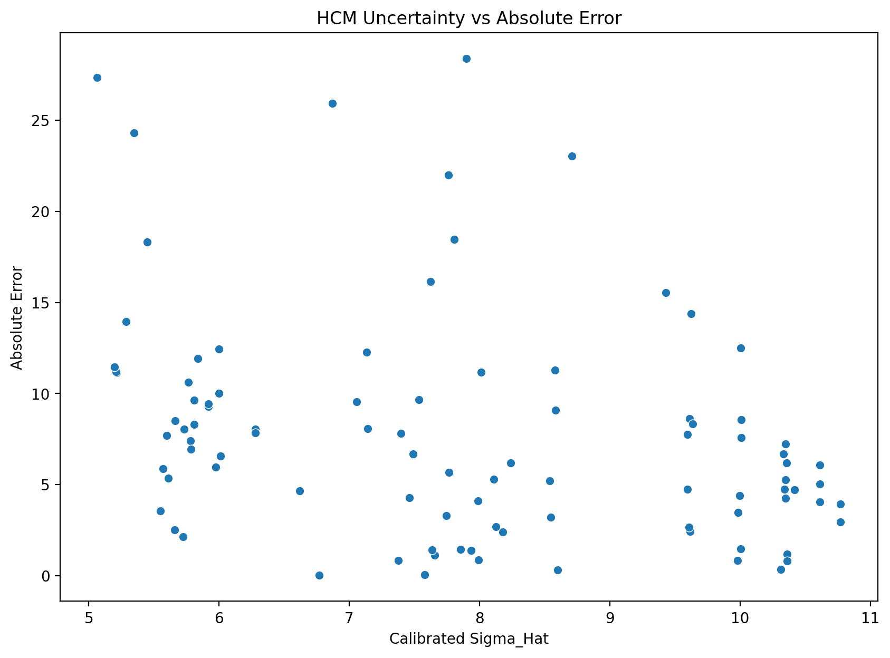
Sigma_Hat | Absolute_Error
9.6153724064 | 2.4229377487
7.5800148734 | 0.054532794046
9.9817082832 | 0.83692382266
7.6568361977 | 1.1408982822
7.1408695138 | 8.0631624297
5.2140239141 | 11.129388842
8.7111778687 | 23.046229245
10.772926792 | 3.9488609981
5.3481321206 | 24.300714755
7.7638038409 | 5.6682870926
10.417354377 | 4.7115588052
6.61967956 | 4.6629831222
10.772926792 | 2.9488609981
8.1102517859 | 5.2850435364
9.5968428 | 7.7507350207
10.004025323 | 1.4672994554
7.6371182911 | 1.4279303407
10.612444385 | 5.0210682855
8.5812355889 | 11.284993524
10.335070998 | 6.6720442017
5.9185249525 | 9.3032235276
5.9771529698 | 5.9668003586
10.361104835 | 1.1994565414
5.5991272449 | 7.6997742751
6.0099446787 | 6.5629629487
5.732666305 | 8.0411998775
5.8382293661 | 11.935999242
7.0554838021 | 9.5565965783
10.359766513 | 6.1854034426
7.3761210674 | 0.83526335112
5.7798920165 | 7.4031563627
10.361104835 | 0.8005434586
8.5846223381 | 9.0850230196
6.7679651688 | 0.014679725519
9.6118131318 | 8.6304458984
5.808488732 | 8.3033564233
9.6259833456 | 14.38293916
5.6623965715 | 8.5199538616
10.61505102 | 6.0833839435
8.1789269093 | 2.3898305013
7.9372025266 | 1.3861666207
7.991474902 | 0.87868718013
5.5486479287 | 3.5448430399
5.2085665472 | 11.199699106
10.614254652 | 4.0623634996
10.312221379 | 0.33609379077
7.8078915899 | 18.463541924
8.5466792449 | 3.2233756892
5.6610076167 | 2.5046275537
7.1324538983 | 12.263032064
8.6018723809 | 0.33138324765
7.4920769105 | 6.696464544
9.5968428 | 4.7507350207
7.5332073485 | 9.6616380144
5.5689134161 | 5.8748792753
6.8713041521 | 25.922947008
5.6108958547 | 5.34633544
7.8561224496 | 1.4350591171
7.4619430934 | 4.2713549325
10.312221379 | 0.33609379077
5.2872800254 | 13.958480775
7.9886244818 | 4.1025487263
9.9840092474 | 3.4672779129
9.6086539161 | 2.6566137616
8.0132524872 | 11.172457932
9.6353309735 | 8.3317791406
5.9174404176 | 9.4429621965
10.340809969 | 4.7330022146
5.1984563068 | 11.462165061
7.3975042195 | 7.8089907121
10.350874577 | 4.2540848243
7.624377663 | 16.163804781
5.7246119927 | 2.1322932831
10.00495421 | 12.505438038
6.2788305653 | 8.0595358579
9.4308945875 | 15.53009569
5.8097132875 | 9.633370149
5.0654763917 | 27.358033128
7.8978579768 | 28.381169234
10.350874577 | 5.2540848243
8.2389107516 | 6.1919166944
7.7632318816 | 21.984568547
8.5383717703 | 5.2004337877
5.9989243042 | 10.00364197
5.7833331488 | 6.9344789807
10.010406889 | 8.5740279677
5.7628595057 | 10.634753551
5.4482731324 | 18.326048147
5.9977735095 | 12.433332347
7.7449148064 | 3.3071943857
6.2788305653 | 7.8395365445
9.9966848659 | 4.3868430102
10.349354353 | 7.2416346844
10.010406889 | 7.5740279677
8.124267602 | 2.6931138399

Confidence_Distribution
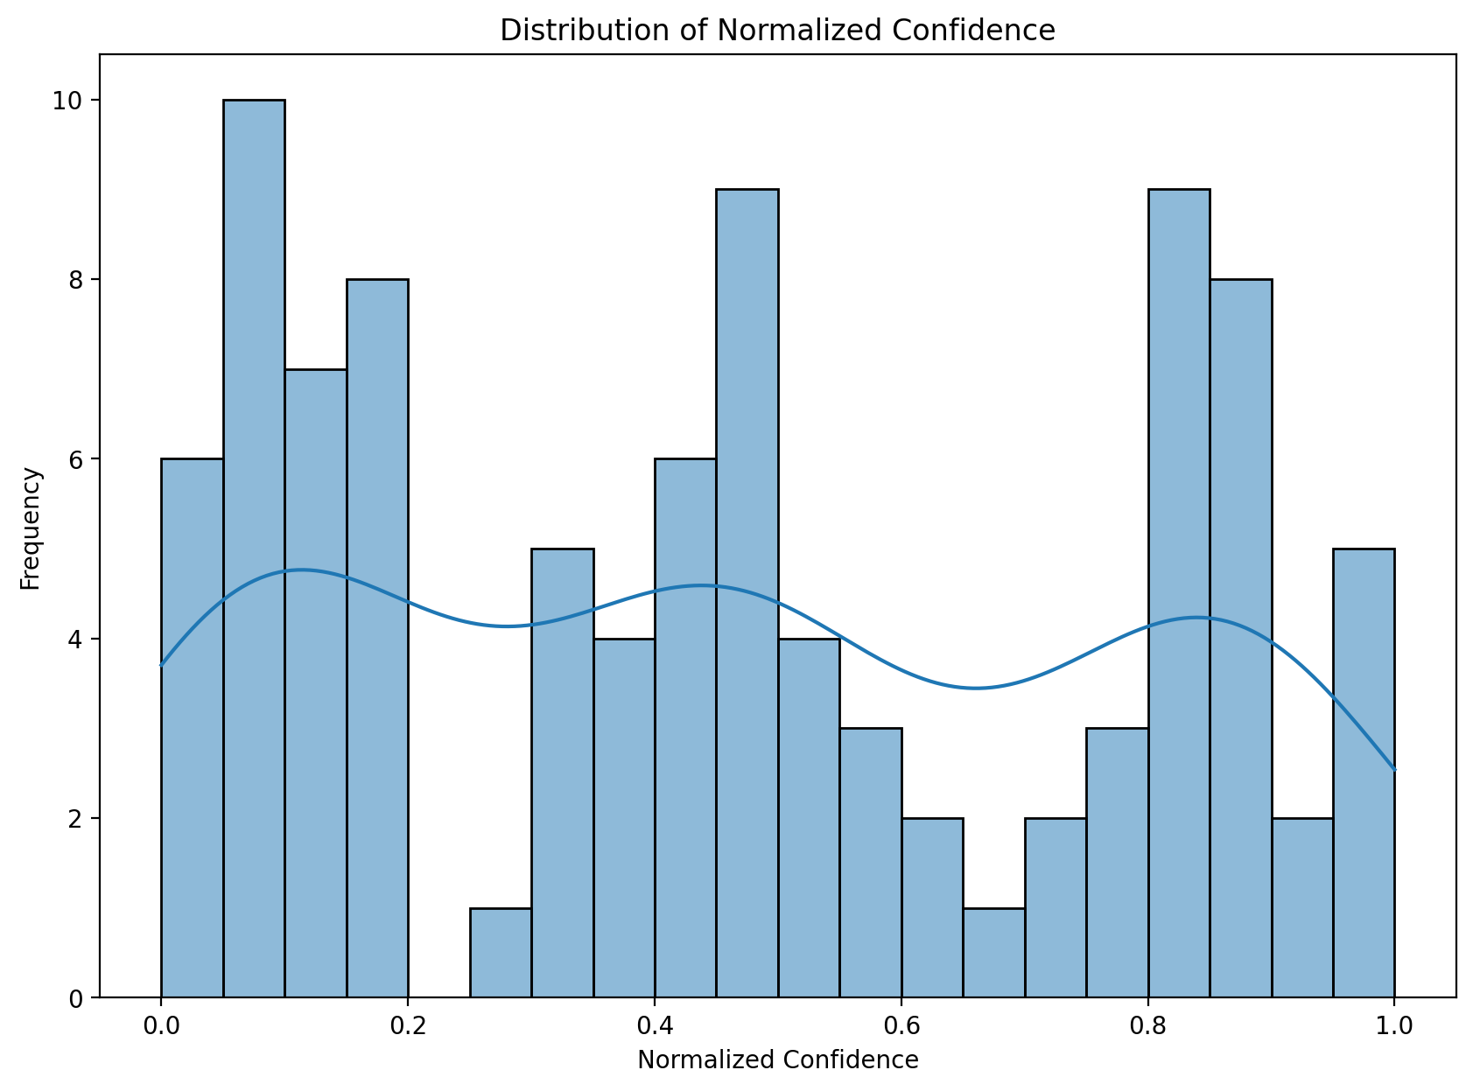
Confidence_Normalized
0.16089827548
0.49126888877
0.10802217961
0.47758624985
0.57146168075
0.96639581916
0.29969189441
0
0.93646889825
0.45870234617
0.047526448856
0.6711516828
0
0.39886141548
0.16362276419
0.10486097035
0.48108853789
0.021248653244
0.32065156337
0.058758799234
0.81342050408
0.80115240219
0.055195322756
0.88148783455
0.79432082575
0.85277380941
0.83033559175
0.58745239528
0.055378292392
0.52807992129
0.84270738284
0.055195322756
0.32010194026
0.64227658742
0.16142123334
0.83663408538
0.15934029425
0.86783733577
0.020900887643
0.38723501765
0.42850173654
0.4191525171
0.8924387674
0.96762187477
0.021007126179
0.061893806445
0.45097568876
0.32626986026
0.86813611237
0.57303188127
0.31730527875
0.50705647911
0.16362276419
0.49965561892
0.88803598515
0.62239659785
0.87894241977
0.44256047629
0.5124973145
0.061893806445
0.95000038088
0.4196423273
0.10769593324
0.16188556169
0.41541474446
0.15796912282
0.81364810072
0.057972487562
0.96989495406
0.52418533211
0.056594559409
0.48335506927
0.85449521345
0.10472954095
0.73911080412
0.18824117774
0.83637439127
1
0.43531008502
0.056594559409
0.3771428392
0.45880280173
0.32762331445
0.79661431681
0.84197567697
0.10395827188
0.84633267269
0.91437304828
0.79685395357
0.46202283741
0.73911080412
0.10589999532
0.056802604899
0.10395827188
0.3964823398

Predicted_vs_Actual
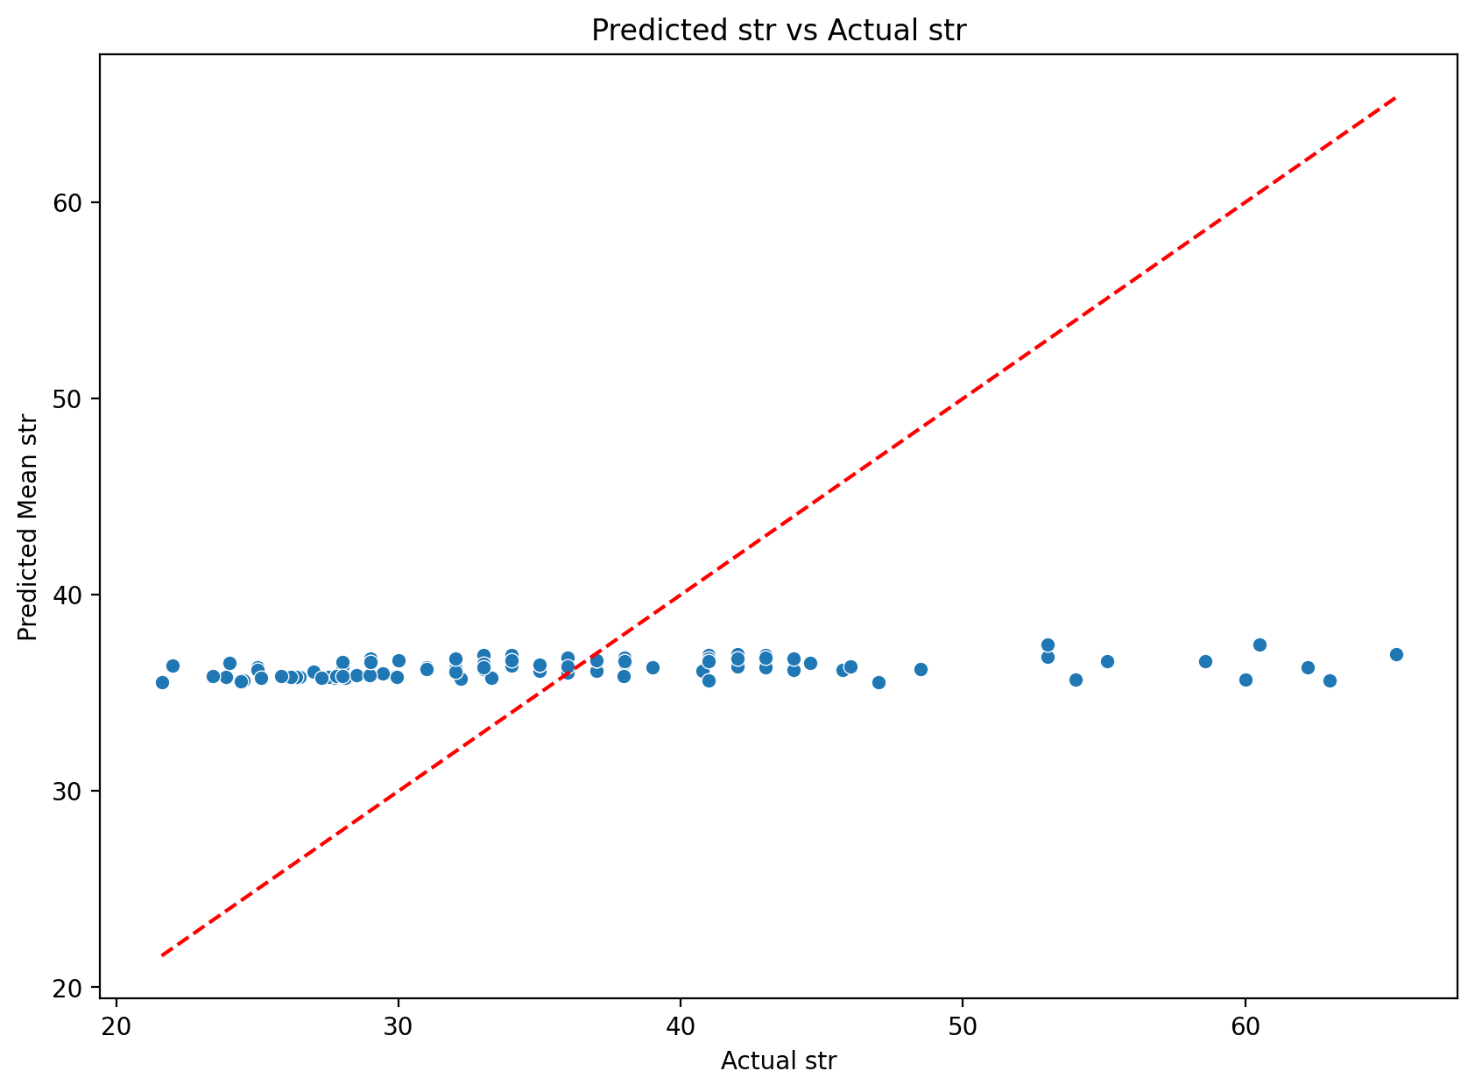
Actual | Mean
34 | 36.422937749
36 | 36.054532794
36 | 36.836923823
35 | 36.140898282
44.599998474 | 36.536836044
24.5 | 35.629388842
60.5 | 37.453770755
33 | 36.948860998
60 | 35.699285245
42 | 36.331712907
32 | 36.711558805
40.779998779 | 36.117015657
34 | 36.948860998
31 | 36.285043536
29 | 36.750735021
38 | 36.532700545
35 | 36.427930341
42 | 36.978931715
25 | 36.284993524
30 | 36.672044202
26.5 | 35.803223528
29.906000137 | 35.872800496
38 | 36.800543459
28.090000153 | 35.789774428
29.430000305 | 35.992963254
27.729999542 | 35.77119942
23.870000839 | 35.806000081
45.740001678 | 36.1834051
43 | 36.814596557
37 | 36.164736649
28.5 | 35.903156363
36 | 36.800543459
27 | 36.08502302
36 | 36.014679726
28 | 36.630445898
27.519699097 | 35.82305552
22 | 36.38293916
27.260000229 | 35.77995409
43 | 36.916616057
34 | 36.389830501
38 | 36.613833379
37 | 36.12131282
32.198600769 | 35.743443809
24.399999619 | 35.599698725
41 | 36.9376365
37 | 36.663906209
55.099998474 | 36.63645655
33 | 36.223375689
33.275001526 | 35.77962908
48.5 | 36.236967936
36 | 36.331383248
43 | 36.303535456
32 | 36.750735021
46 | 36.338361986
29.940000534 | 35.814879809
62.229999542 | 36.307052535
41 | 35.65366456
35 | 36.435059117
32 | 36.271354932
37 | 36.663906209
21.600000381 | 35.558481156
32 | 36.102548726
33 | 36.467277913
34 | 36.656613762
25 | 36.172457932
28 | 36.331779141
26.36000061 | 35.802962807
32 | 36.733002215
47 | 35.537834939
44 | 36.191009288
41 | 36.745915176
53 | 36.836195219
37.985298157 | 35.853004874
24 | 36.505438038
27.780000687 | 35.839536545
53 | 37.46990431
26.190000534 | 35.823370683
63 | 35.641966872
65.339996338 | 36.958827104
42 | 36.745915176
43 | 36.808083306
58.599998474 | 36.615429927
31 | 36.200433788
25.850000381 | 35.853642351
28.969999313 | 35.904478294
28 | 36.574027968
25.120000839 | 35.75475439
54 | 35.673951853
23.420000076 | 35.853332424
33 | 36.307194386
28 | 35.839536545
41 | 36.61315699
44 | 36.758365316
29 | 36.574027968
39 | 36.30688616

