DAPM_AlexNet
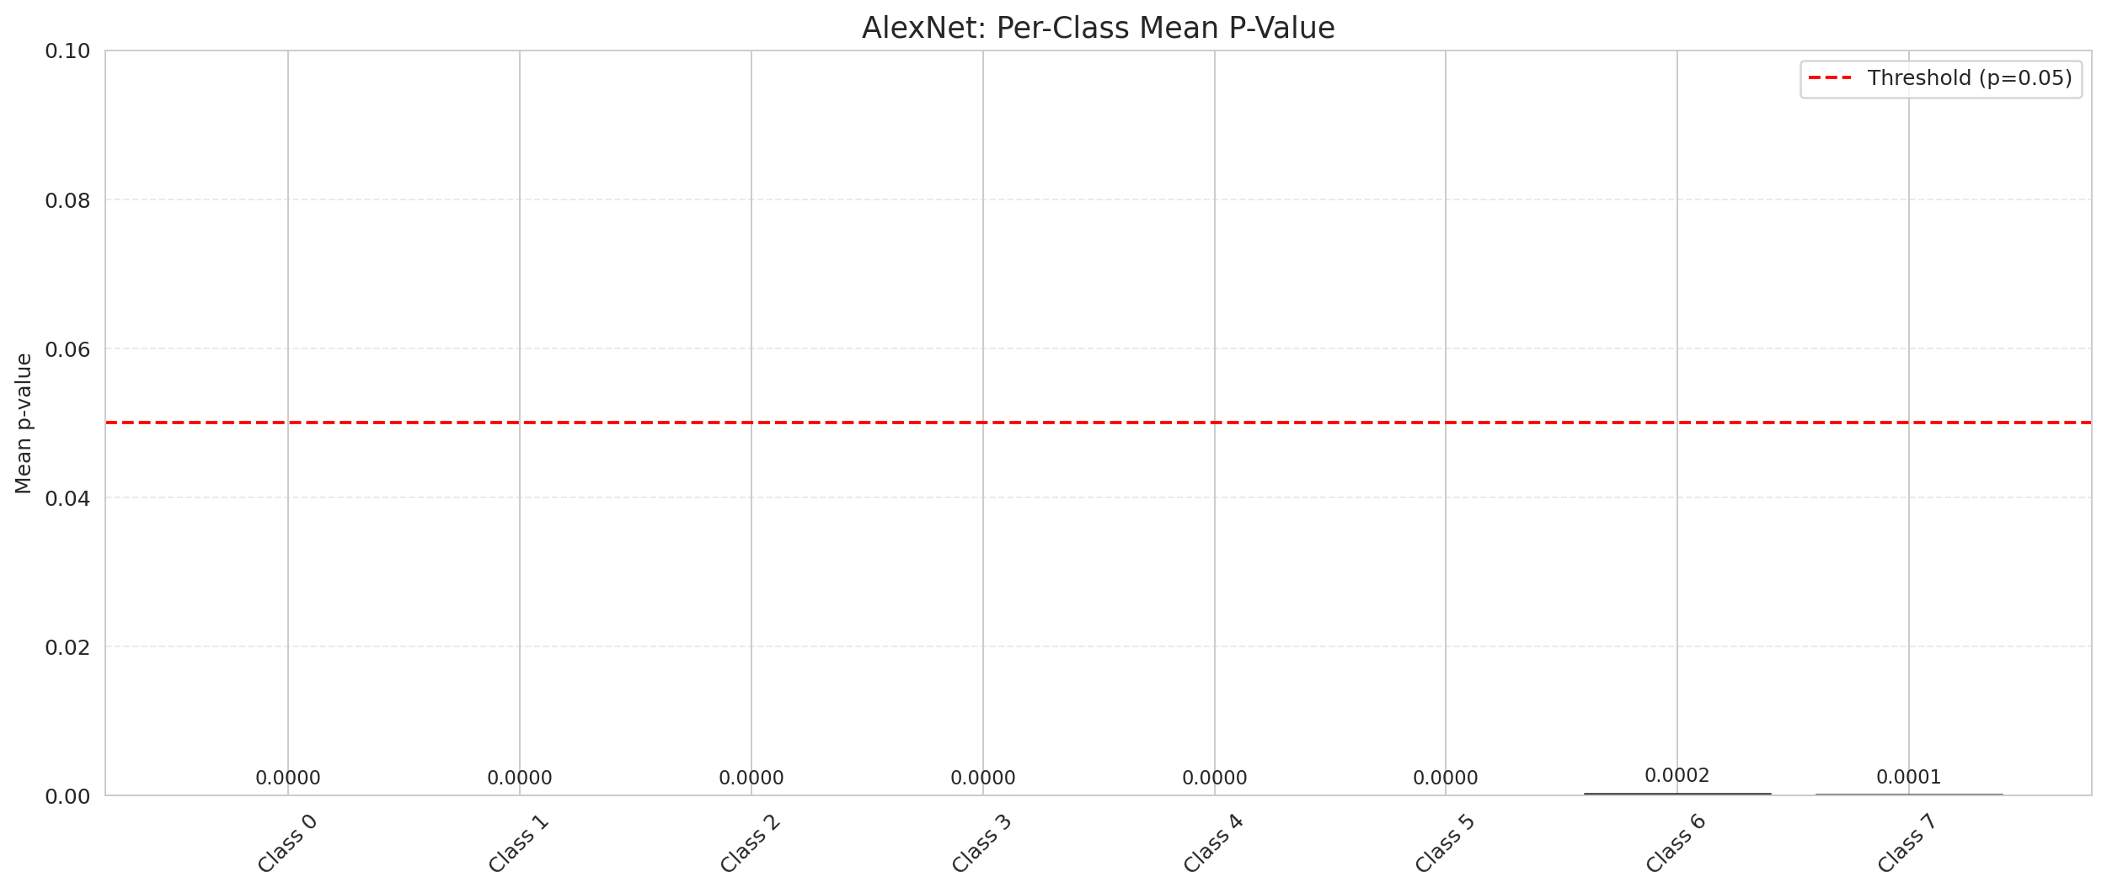
DAPM — AlexNet |  |  |  |  |  |  |  |  | Certain vs Uncertain Map
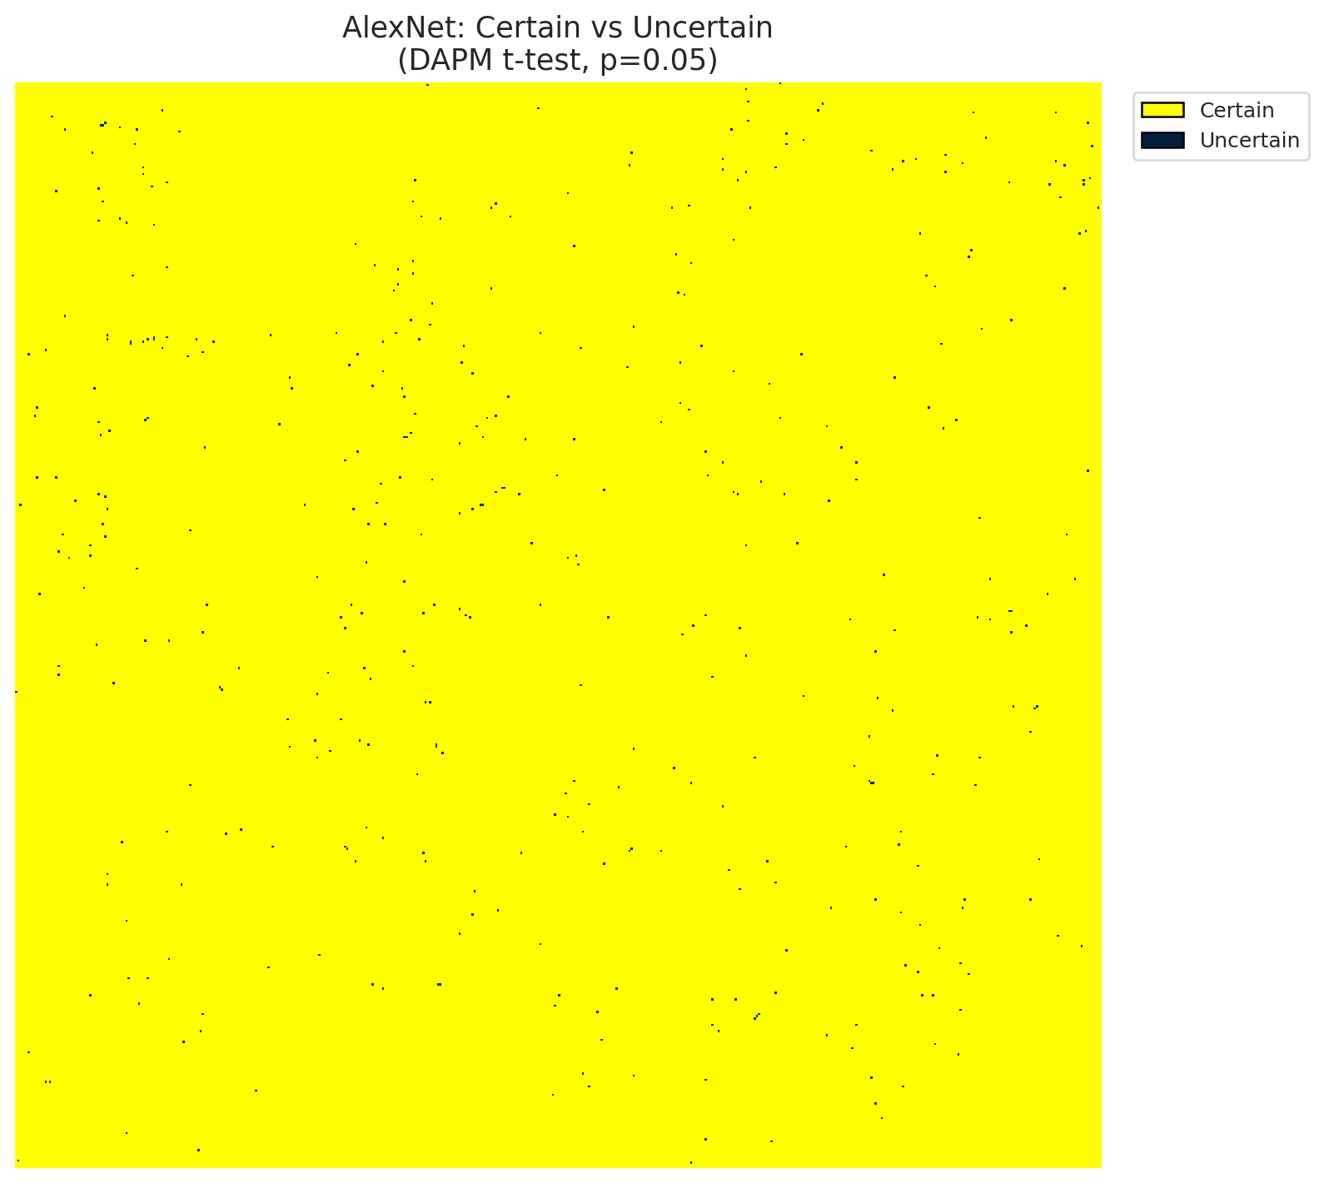
Summary
model_name | model_key | method | n_samples | p_threshold | overall_accuracy_labeled | uncertain_count | uncertain_rate | certainty_rate | mean_p_value | median_p_value | mean_top1_top2_gap | runtime_sec | mean_per_class_accuracy | mean_per_class_uncertainty
AlexNet | AlexNet_CNN | DAPM_TTest | 30 | 0.05 | 0.99972167072 | 434 | 0.0016555786133 | 0.99834442139 | 0.00064873951487 | 0 | 0.16130045056 | 464.78436923 | 0.99921629823 | 0.00012710284943

Per-Class Metrics
class_id | class_accuracy | uncertainty_rate | mean_p_value | mean_gap | support_count
0 | 1 | 0 | 5.5845630131E-35 | 0.17150127888 | 9728
1 | 1 | 0 | 3.0194004461E-35 | 0.16982962191 | 5632
2 | 0.99955830389 | 0 | 1.6790398557E-37 | 0.16302923858 | 2264
3 | 1 | 0 | 9.9247103866E-40 | 0.17062434554 | 10916
4 | 1 | 0 | 1.7754451543E-42 | 0.18057444692 | 12717
5 | 0.99964605946 | 0 | 2.1586884053E-31 | 0.16488684714 | 8476
6 | 0.99686520376 | 0.00062695924765 | 0.0002273786813 | 0.16893169284 | 1595
7 | 0.99766081871 | 0.00038986354776 | 8.7215485109E-05 | 0.16817109287 | 2565

Pixel Counts
class_id | label | pixel_count
0 | Class 0 | 10815
1 | Class 1 | 7793
2 | Class 2 | 9382
3 | Class 3 | 50463 |  |  |  |  |  |  | Class + Uncertain Mask
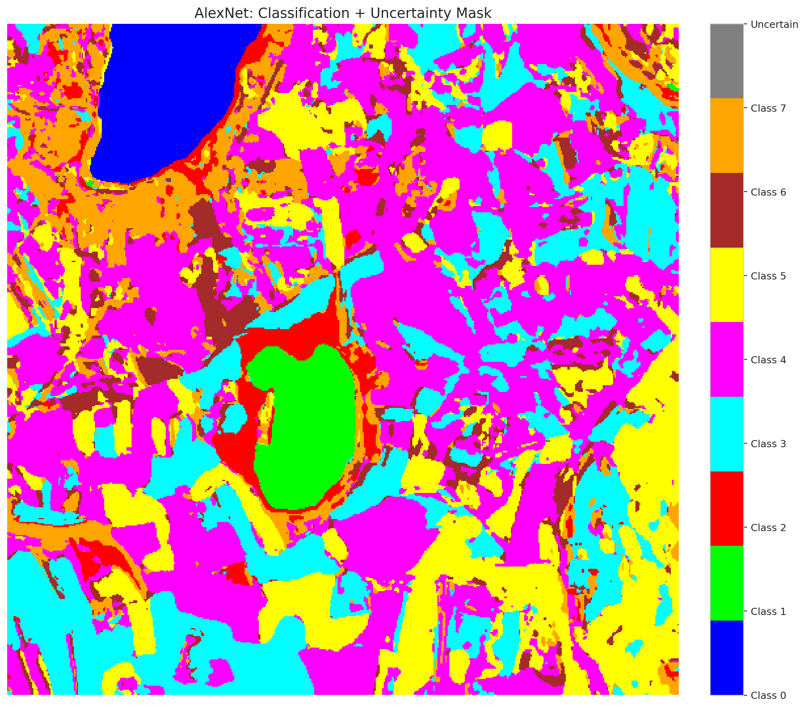
4 | Class 4 | 92157
5 | Class 5 | 48557
6 | Class 6 | 16168
7 | Class 7 | 26375
8 | Uncertain | 434

Parameters
n_samples | p_threshold | H | W | total_pixels | labeled_pixels
30 | 0.05 | 512 | 512 | 262144 | 53893

 |  |  |  |  |  |  |  |  | Pixel Counts
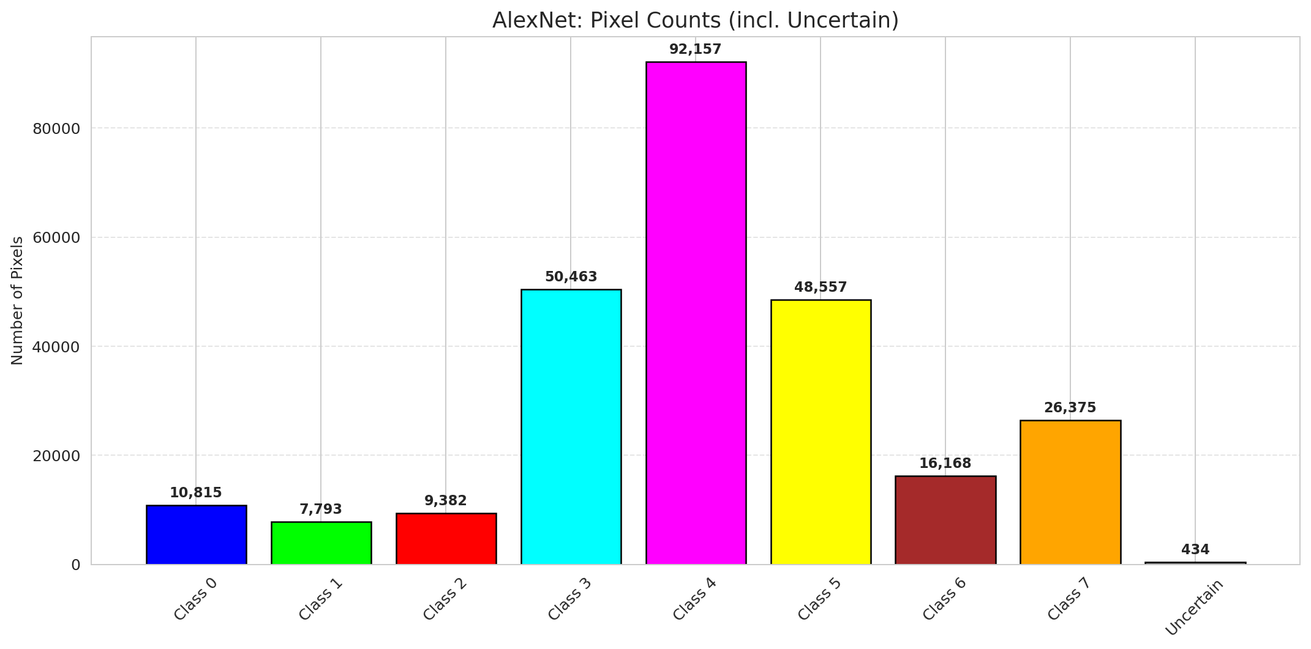

 |  |  |  |  |  |  |  |  | P-Value Distribution
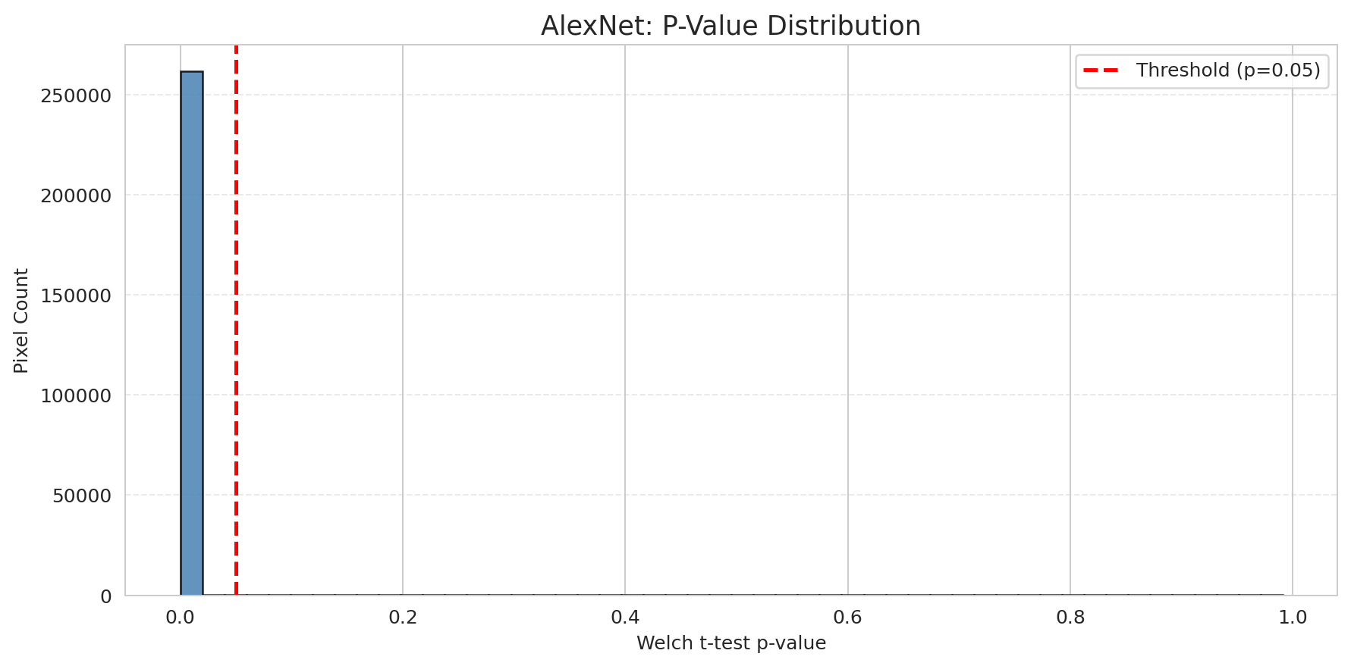

 |  |  |  |  |  |  |  |  | Top1-Top2 Gap Distribution
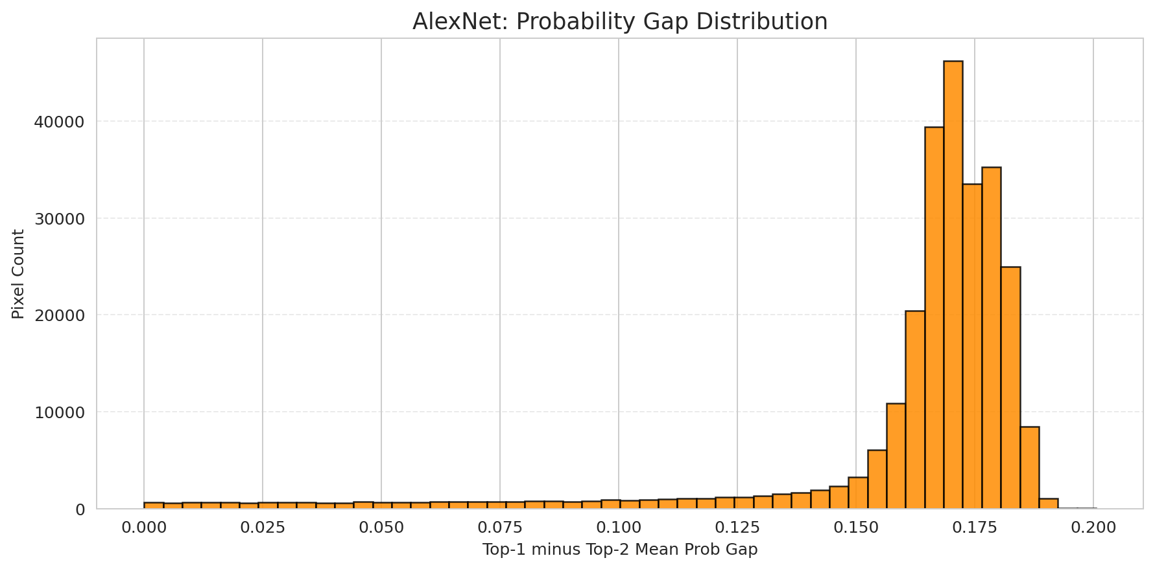

 |  |  |  |  |  |  |  |  | Per-Class Accuracy
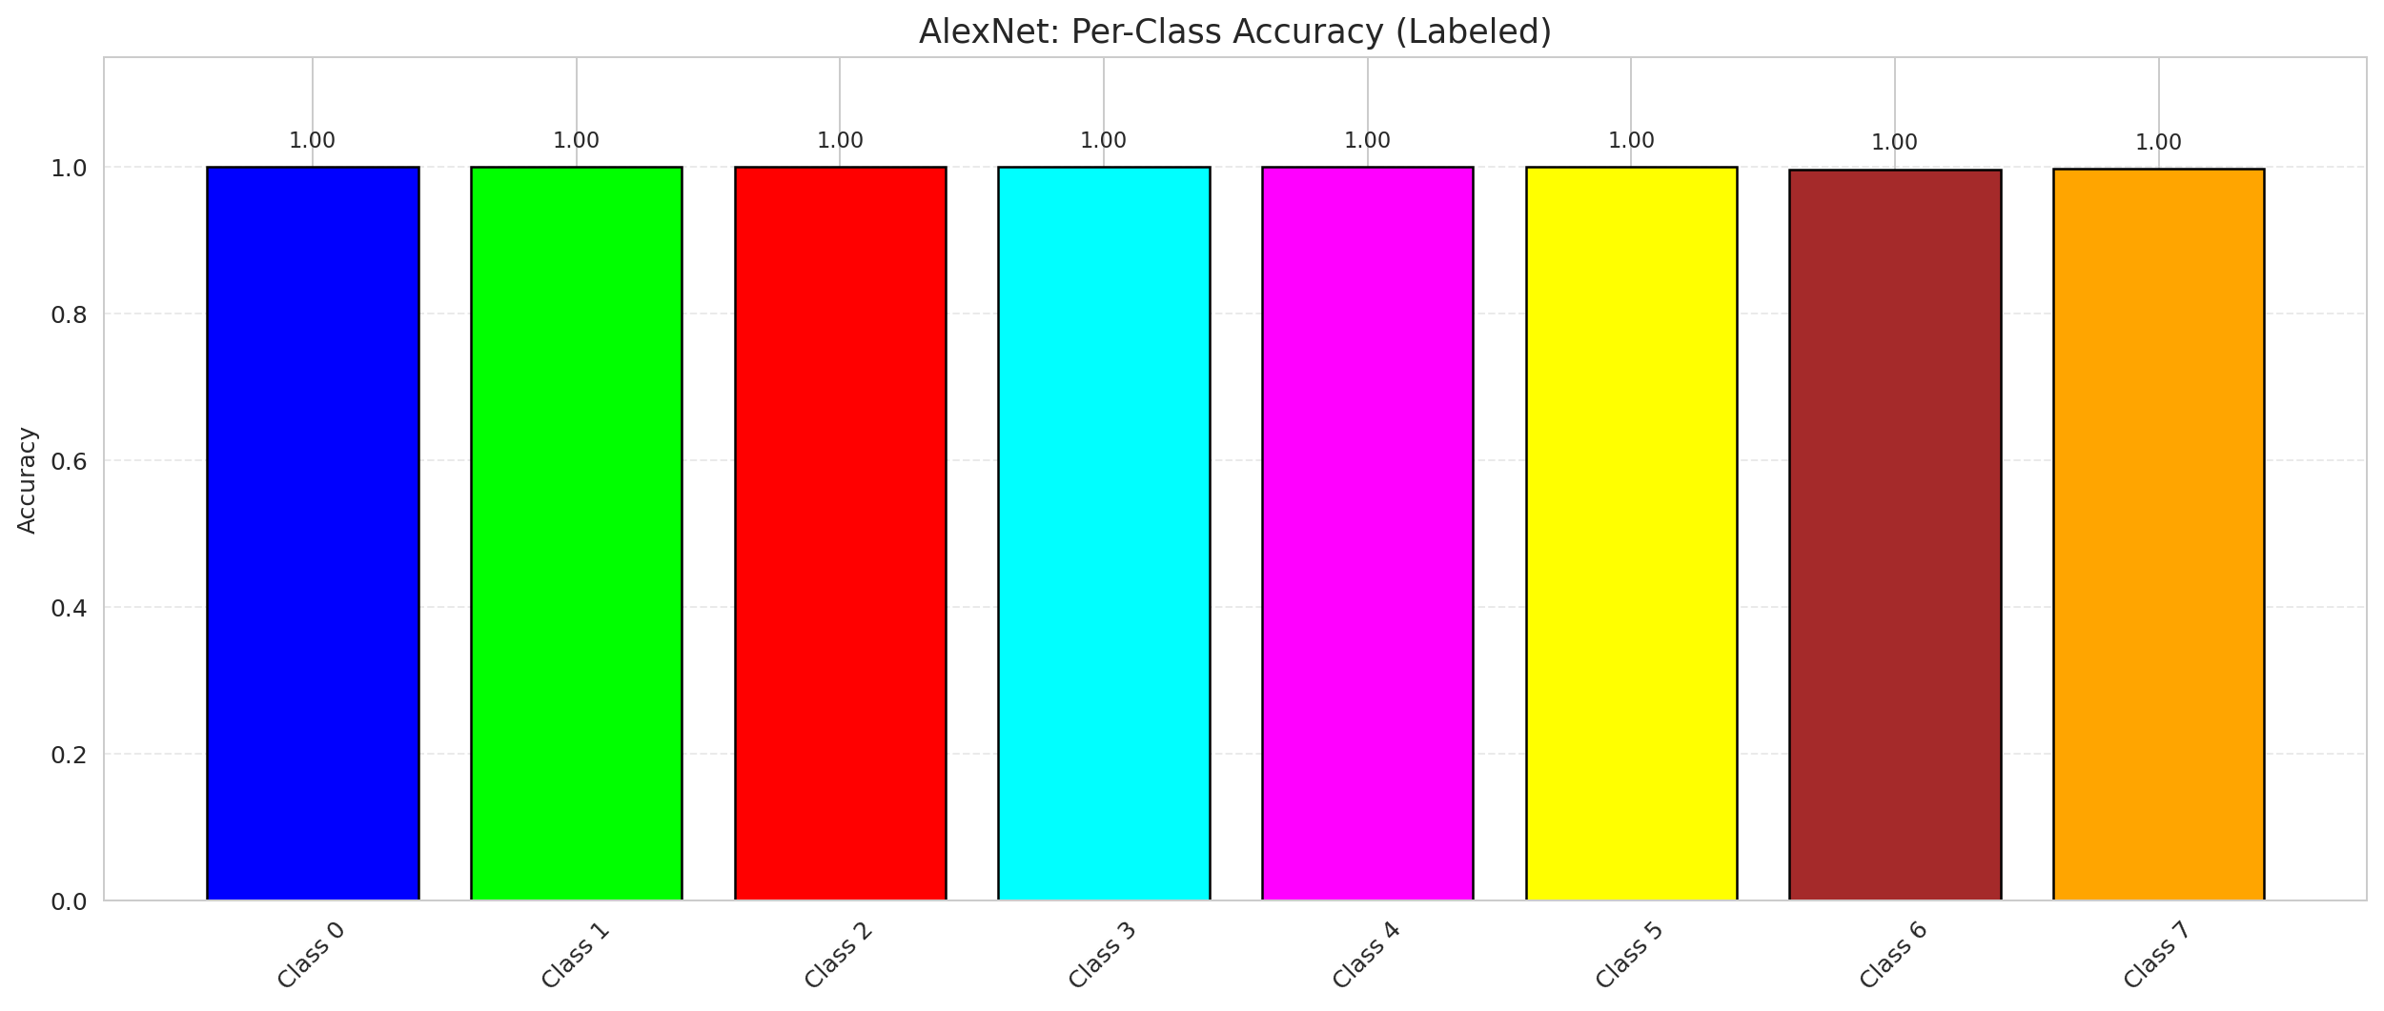

 |  |  |  |  |  |  |  |  | Per-Class Uncertainty Rate
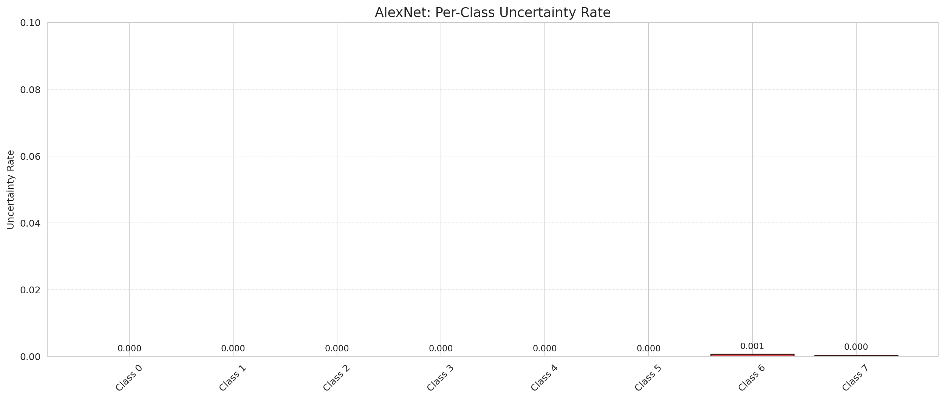

 |  |  |  |  |  |  |  |  | Per-Class Mean P-Value

DAPM_GFNet
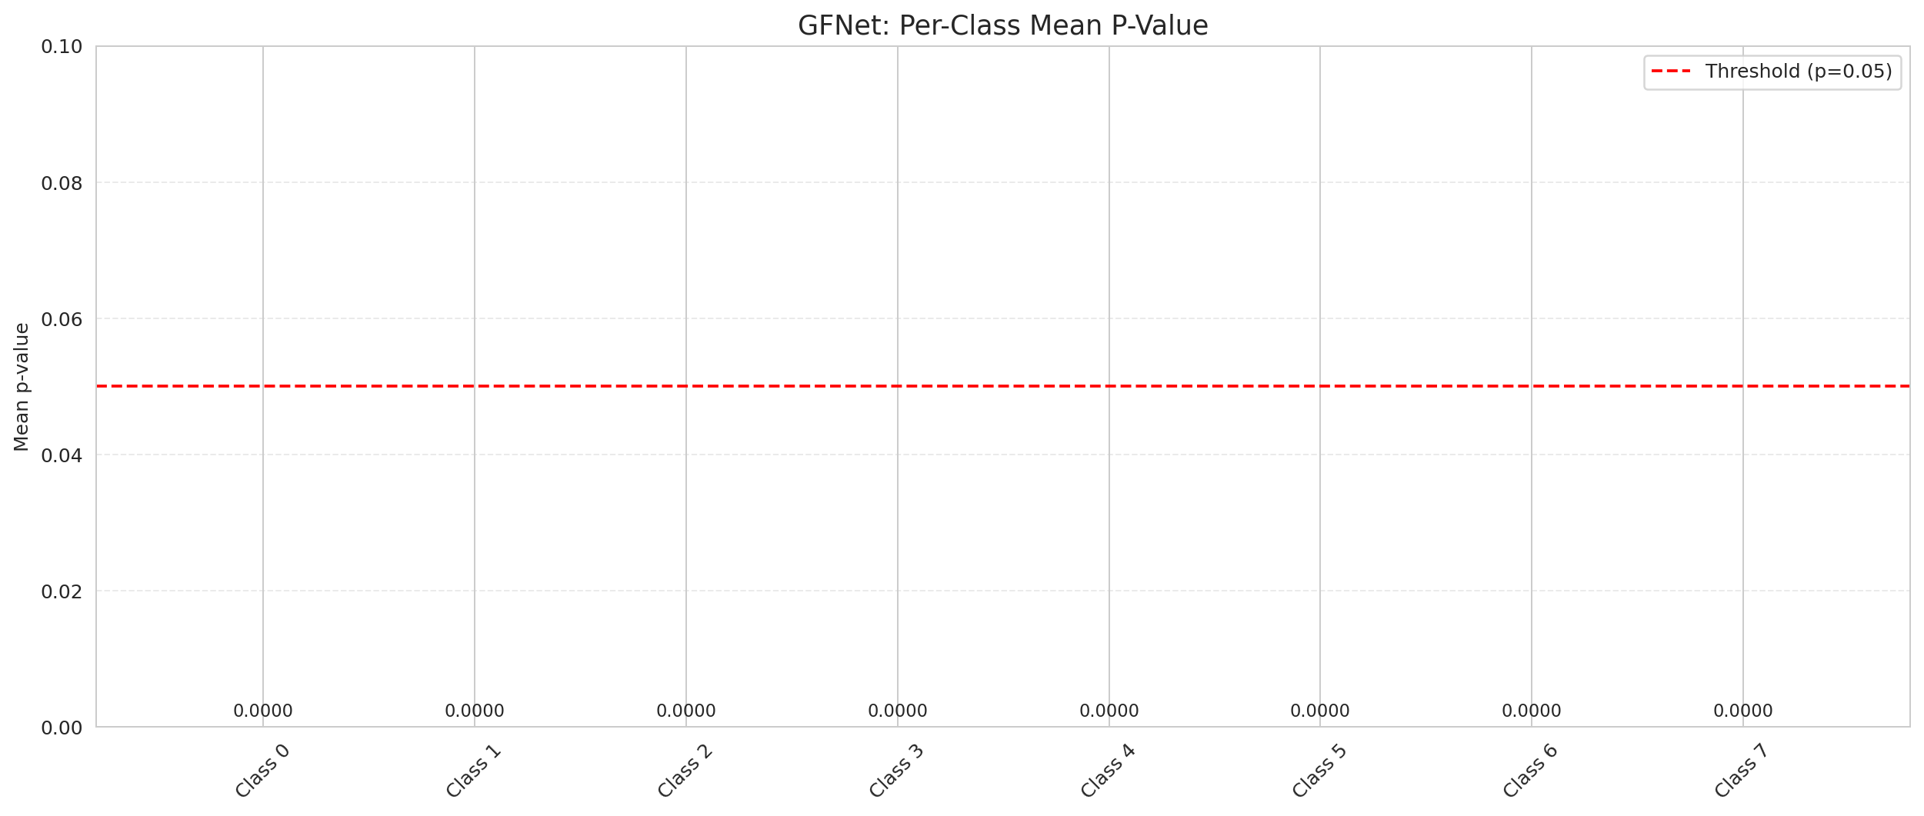
DAPM — GFNet |  |  |  |  |  |  |  |  | Certain vs Uncertain Map
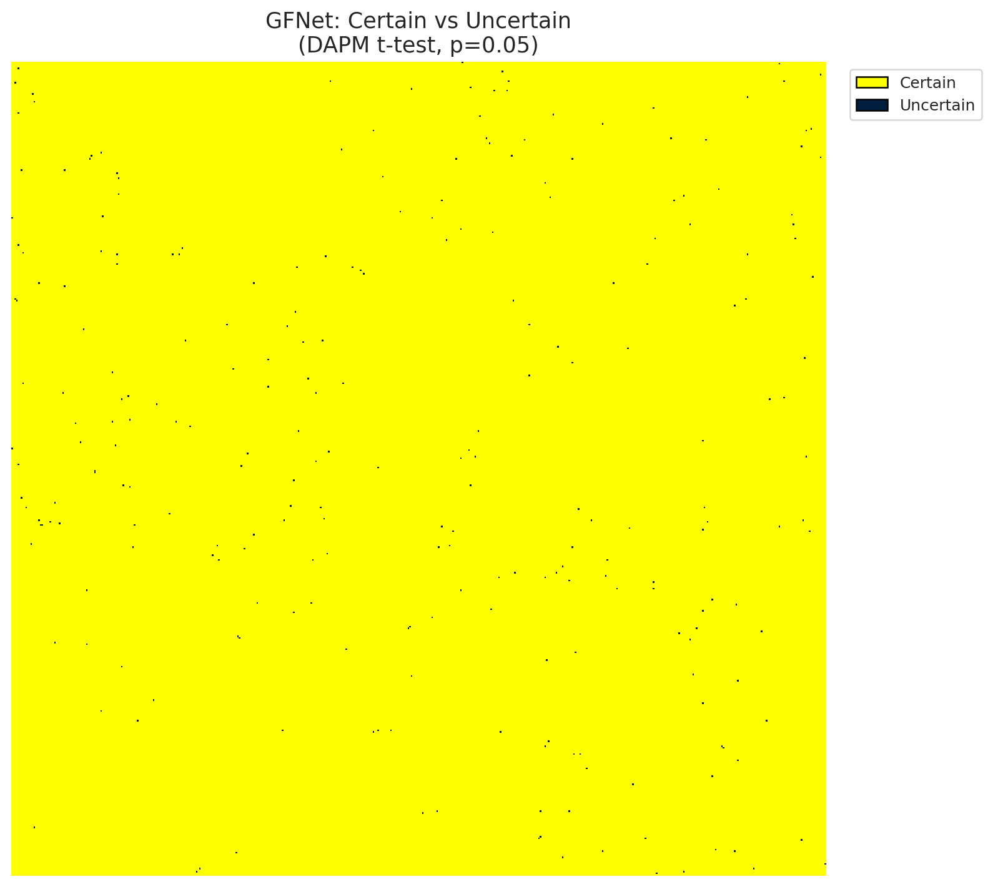
Summary
model_name | model_key | method | n_samples | p_threshold | overall_accuracy_labeled | uncertain_count | uncertain_rate | certainty_rate | mean_p_value | median_p_value | mean_top1_top2_gap | runtime_sec | mean_per_class_accuracy | mean_per_class_uncertainty
GFNet | GFNet | DAPM_TTest | 30 | 0.05 | 0.99998144471 | 256 | 0.0009765625 | 0.9990234375 | 0.00037019999581 | 0 | 0.16487134993 | 500.46620846 | 0.99994478799 | 0

Per-Class Metrics
class_id | class_accuracy | uncertainty_rate | mean_p_value | mean_gap | support_count
0 | 1 | 0 | 0 | 0.17918731272 | 9728
1 | 1 | 0 | 0 | 0.17266973853 | 5632
2 | 0.99955830389 | 0 | 0 | 0.17578448355 | 2264
3 | 1 | 0 | 0 | 0.17668685317 | 10916
4 | 1 | 0 | 0 | 0.17800799012 | 12717
5 | 1 | 0 | 0 | 0.17744393647 | 8476
6 | 1 | 0 | 1.3750778926E-31 | 0.17045918107 | 1595
7 | 1 | 0 | 0 | 0.17502482235 | 2565

Pixel Counts
class_id | label | pixel_count
0 | Class 0 | 11868
1 | Class 1 | 8008
2 | Class 2 | 9930
3 | Class 3 | 50718 |  |  |  |  |  |  | Class + Uncertain Mask
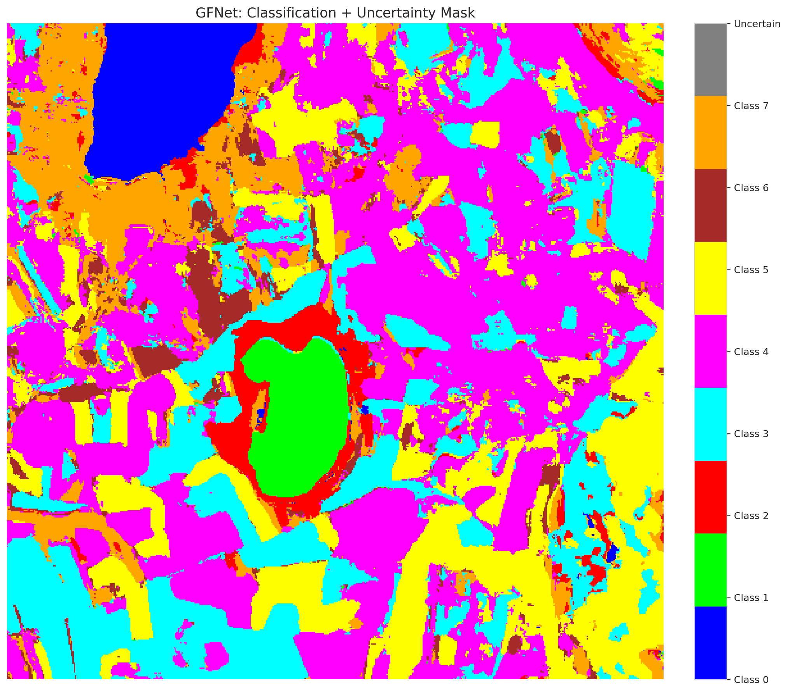
4 | Class 4 | 93811
5 | Class 5 | 48695
6 | Class 6 | 9546
7 | Class 7 | 29312
8 | Uncertain | 256

Parameters
n_samples | p_threshold | H | W | total_pixels | labeled_pixels
30 | 0.05 | 512 | 512 | 262144 | 53893

 |  |  |  |  |  |  |  |  | Pixel Counts
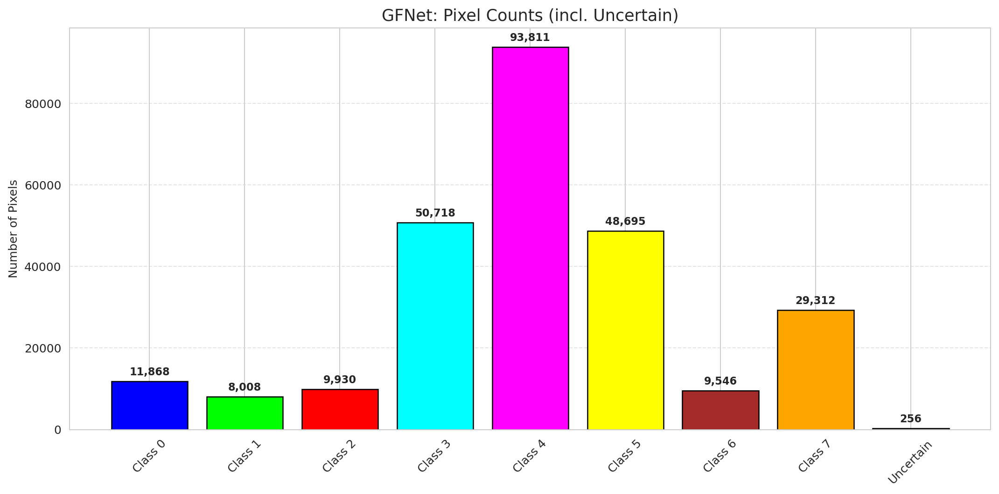

 |  |  |  |  |  |  |  |  | P-Value Distribution
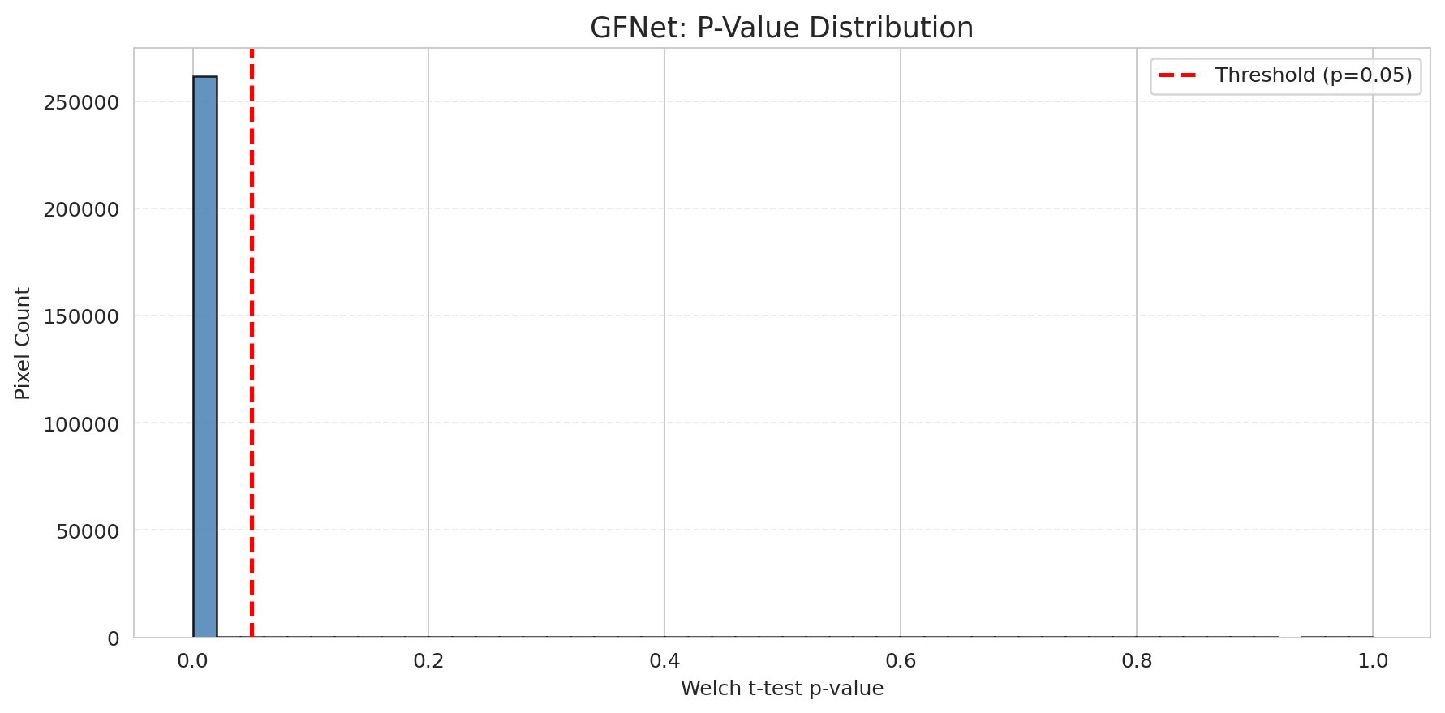

 |  |  |  |  |  |  |  |  | Top1-Top2 Gap Distribution
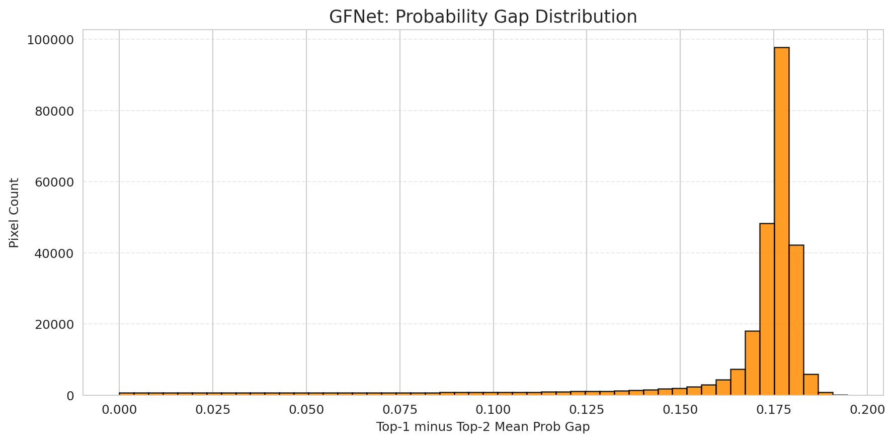

 |  |  |  |  |  |  |  |  | Per-Class Accuracy


 |  |  |  |  |  |  |  |  | Per-Class Uncertainty Rate
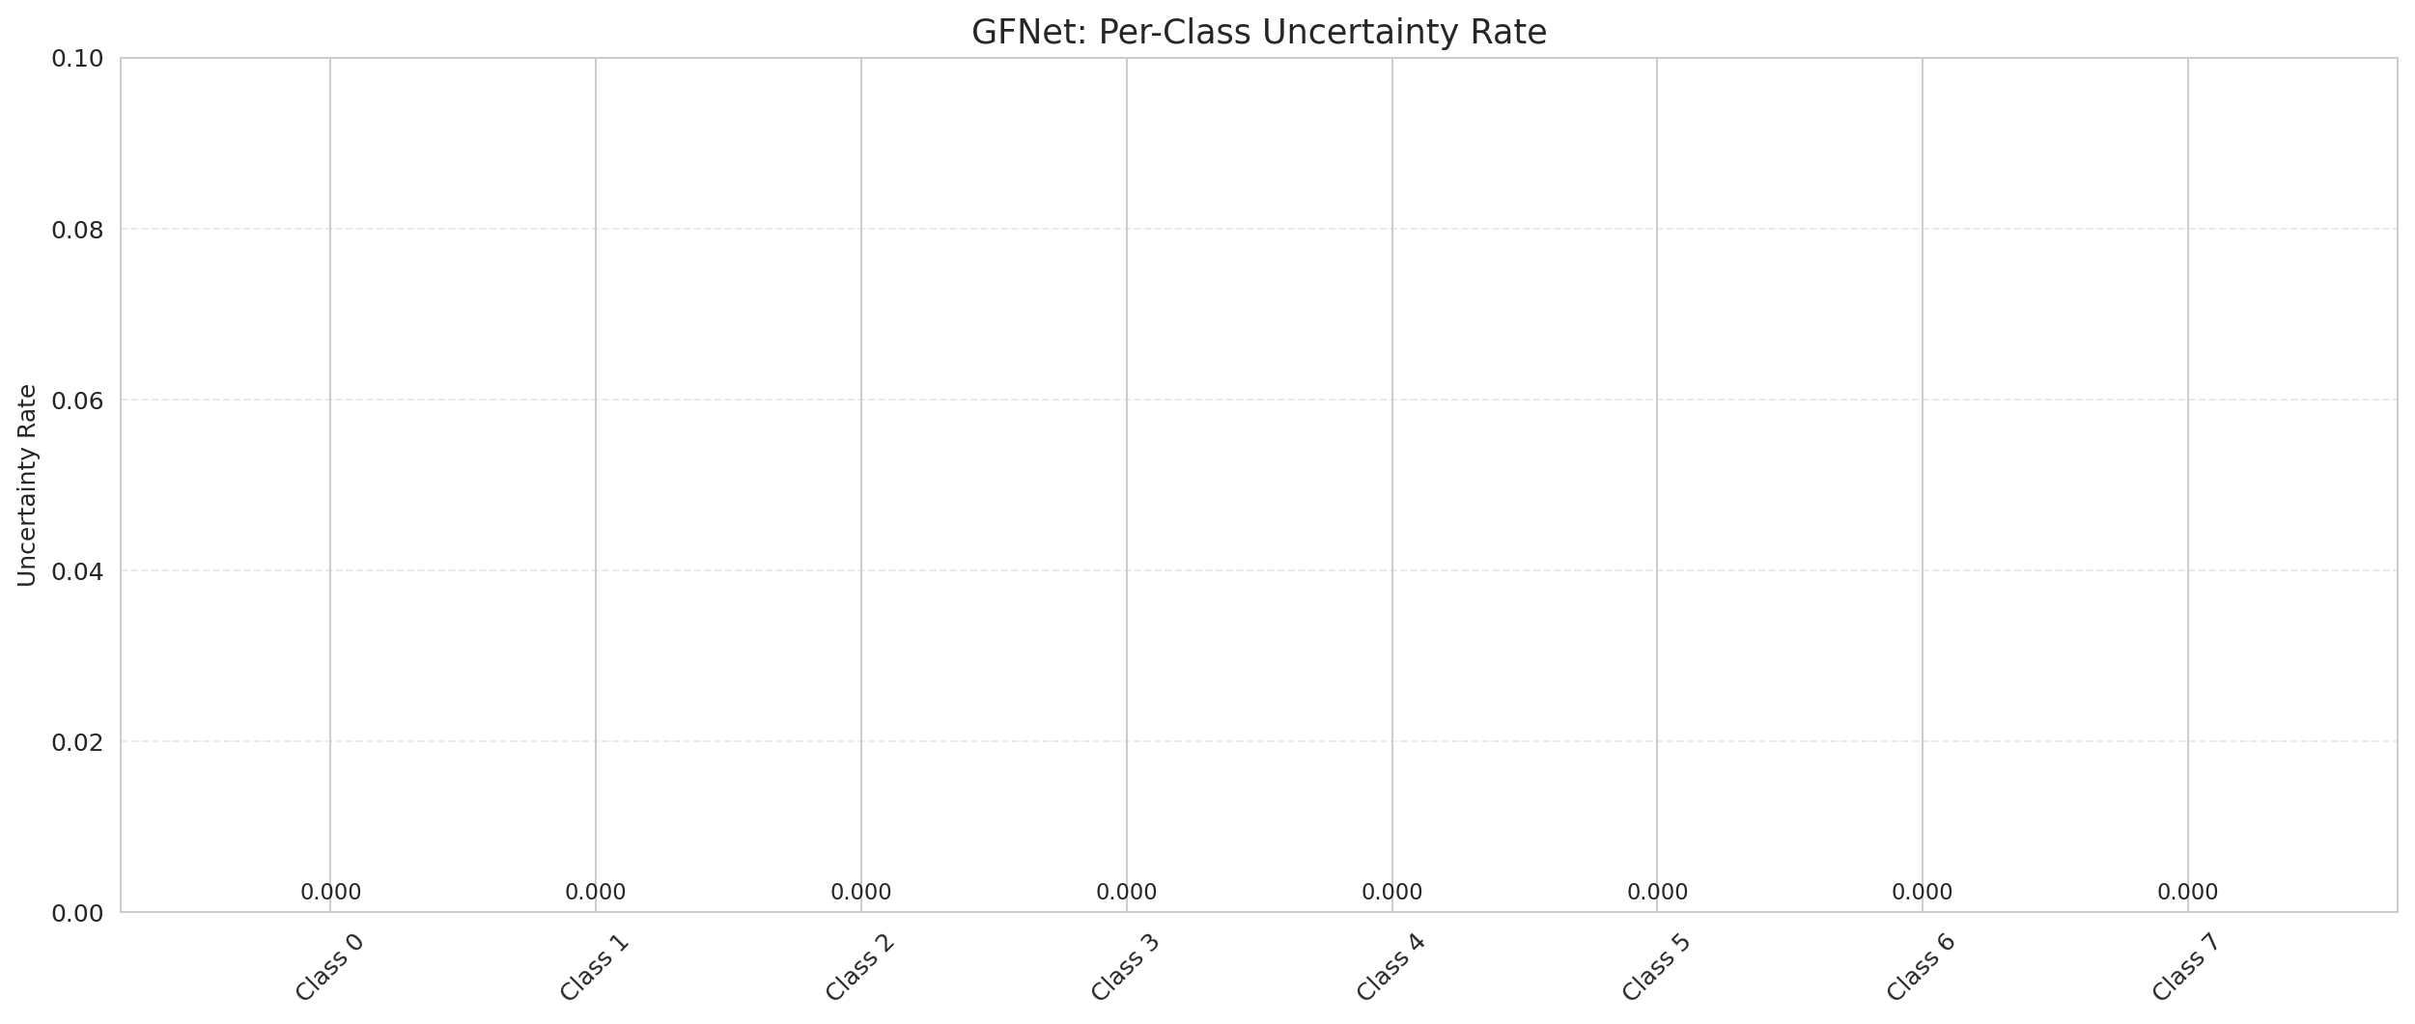

 |  |  |  |  |  |  |  |  | Per-Class Mean P-Value

DAPM_ViT
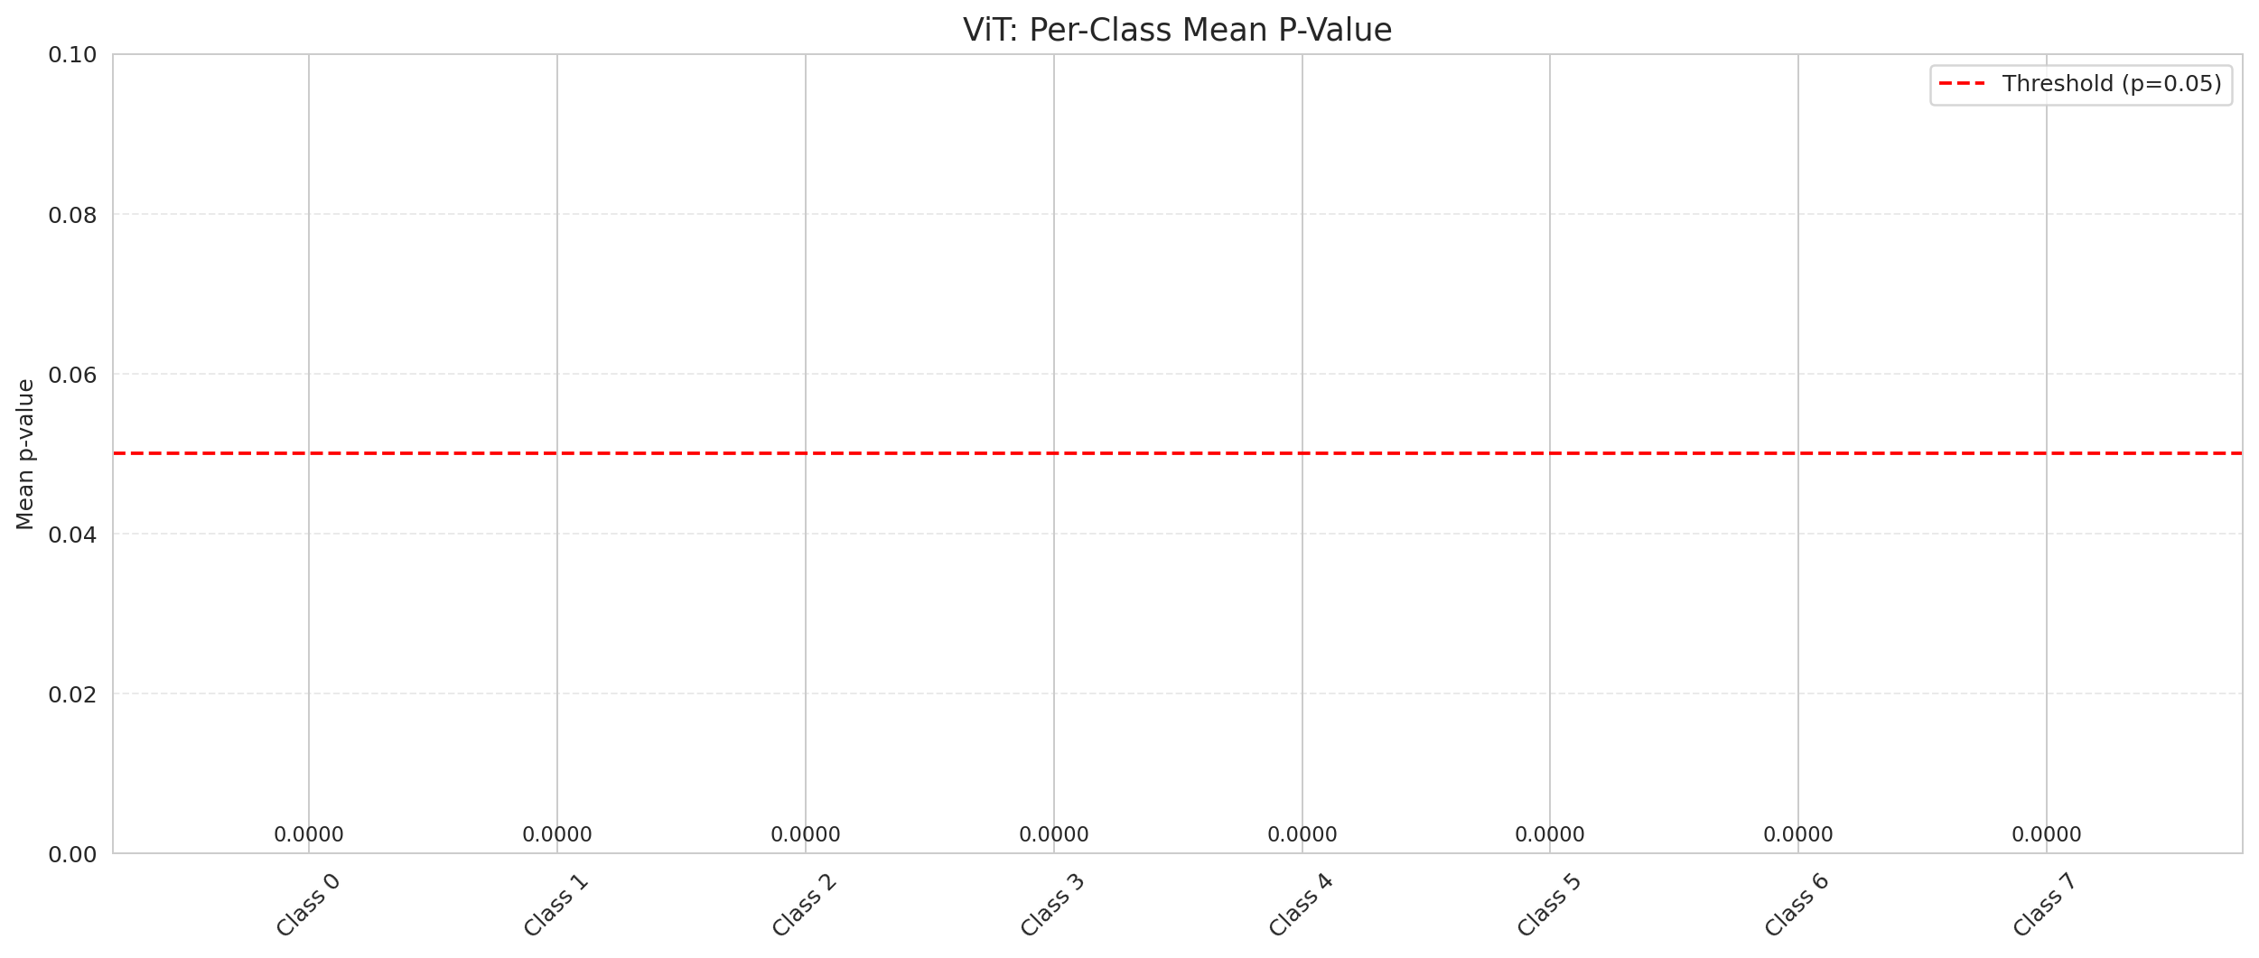
DAPM — ViT |  |  |  |  |  |  |  |  | Certain vs Uncertain Map
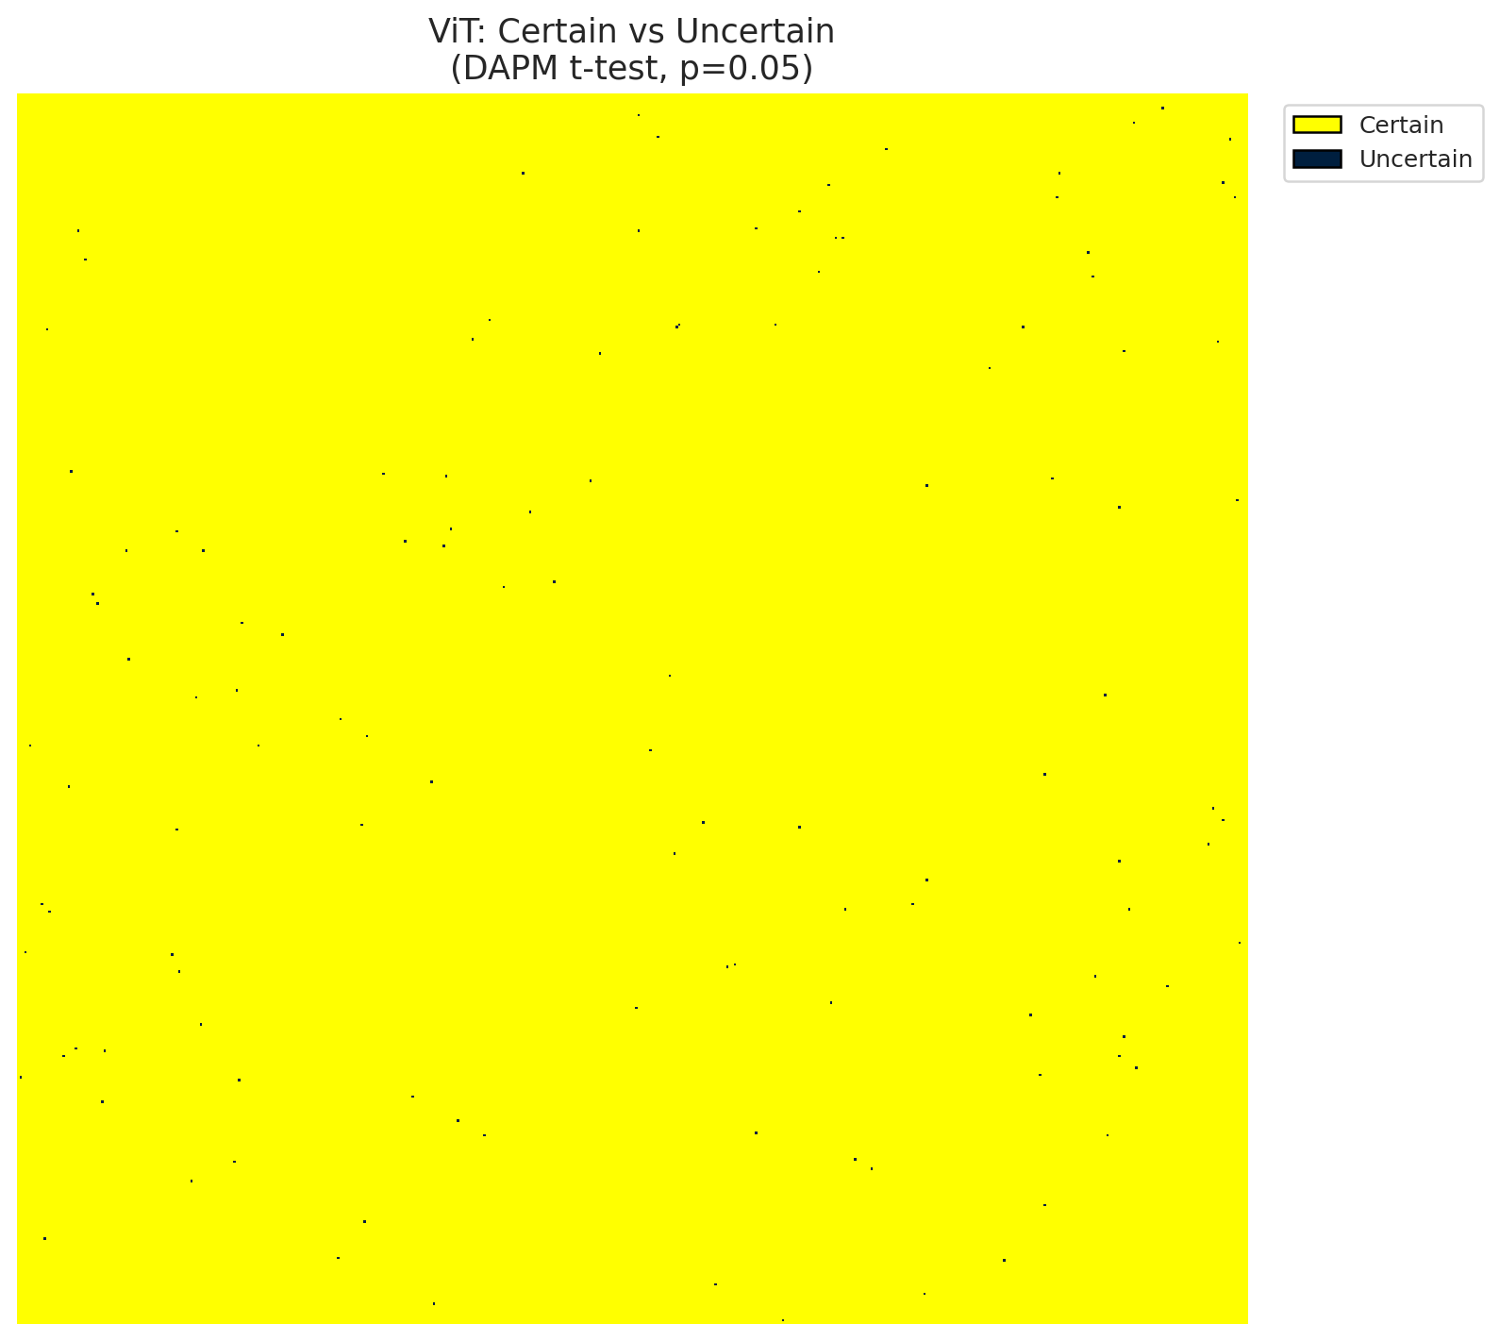
Summary
model_name | model_key | method | n_samples | p_threshold | overall_accuracy_labeled | uncertain_count | uncertain_rate | certainty_rate | mean_p_value | median_p_value | mean_top1_top2_gap | runtime_sec | mean_per_class_accuracy | mean_per_class_uncertainty
ViT | ViT_UNet | DAPM_TTest | 30 | 0.05 | 0.99964744958 | 122 | 0.00046539306641 | 0.99953460693 | 0.0001932723535 | 0 | 0.17092584074 | 533.37991524 | 0.99944001422 | 0

Per-Class Metrics
class_id | class_accuracy | uncertainty_rate | mean_p_value | mean_gap | support_count
0 | 0.99989720395 | 0 | 1.8428679003E-23 | 0.17664597929 | 9728
1 | 1 | 0 | 0 | 0.17305880785 | 5632
2 | 0.99955830389 | 0 | 0 | 0.17539595068 | 2264
3 | 0.99954195676 | 0 | 0 | 0.17412102222 | 10916
4 | 0.9998427302 | 0 | 0 | 0.1754322648 | 12717
5 | 0.99964605946 | 0 | 0 | 0.1764087081 | 8476
6 | 0.99937304075 | 0 | 0 | 0.17658476532 | 1595
7 | 0.99766081871 | 0 | 1.5654924143E-17 | 0.17704904079 | 2565

Pixel Counts
class_id | label | pixel_count
0 | Class 0 | 12441
1 | Class 1 | 7735
2 | Class 2 | 9776
3 | Class 3 | 45892 |  |  |  |  |  |  | Class + Uncertain Mask
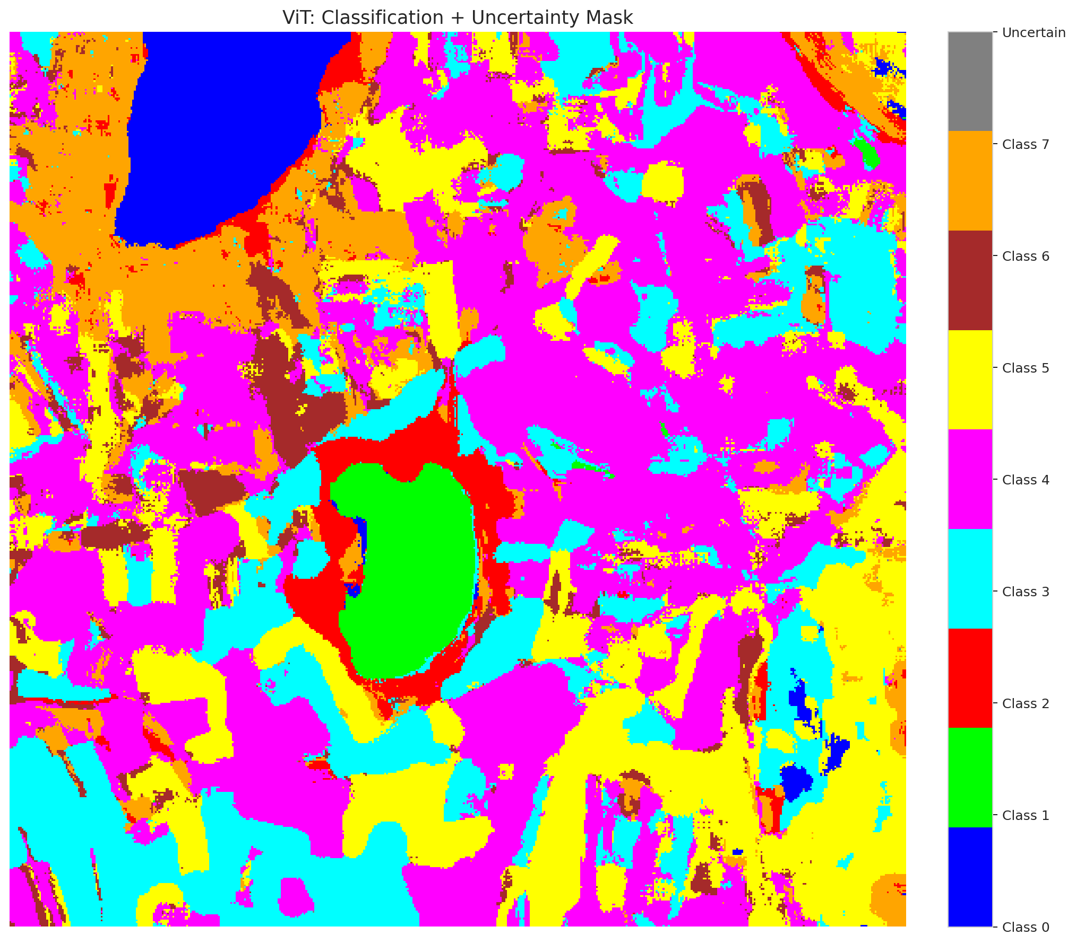
4 | Class 4 | 94248
5 | Class 5 | 52171
6 | Class 6 | 11313
7 | Class 7 | 28446
8 | Uncertain | 122

Parameters
n_samples | p_threshold | H | W | total_pixels | labeled_pixels
30 | 0.05 | 512 | 512 | 262144 | 53893

 |  |  |  |  |  |  |  |  | Pixel Counts
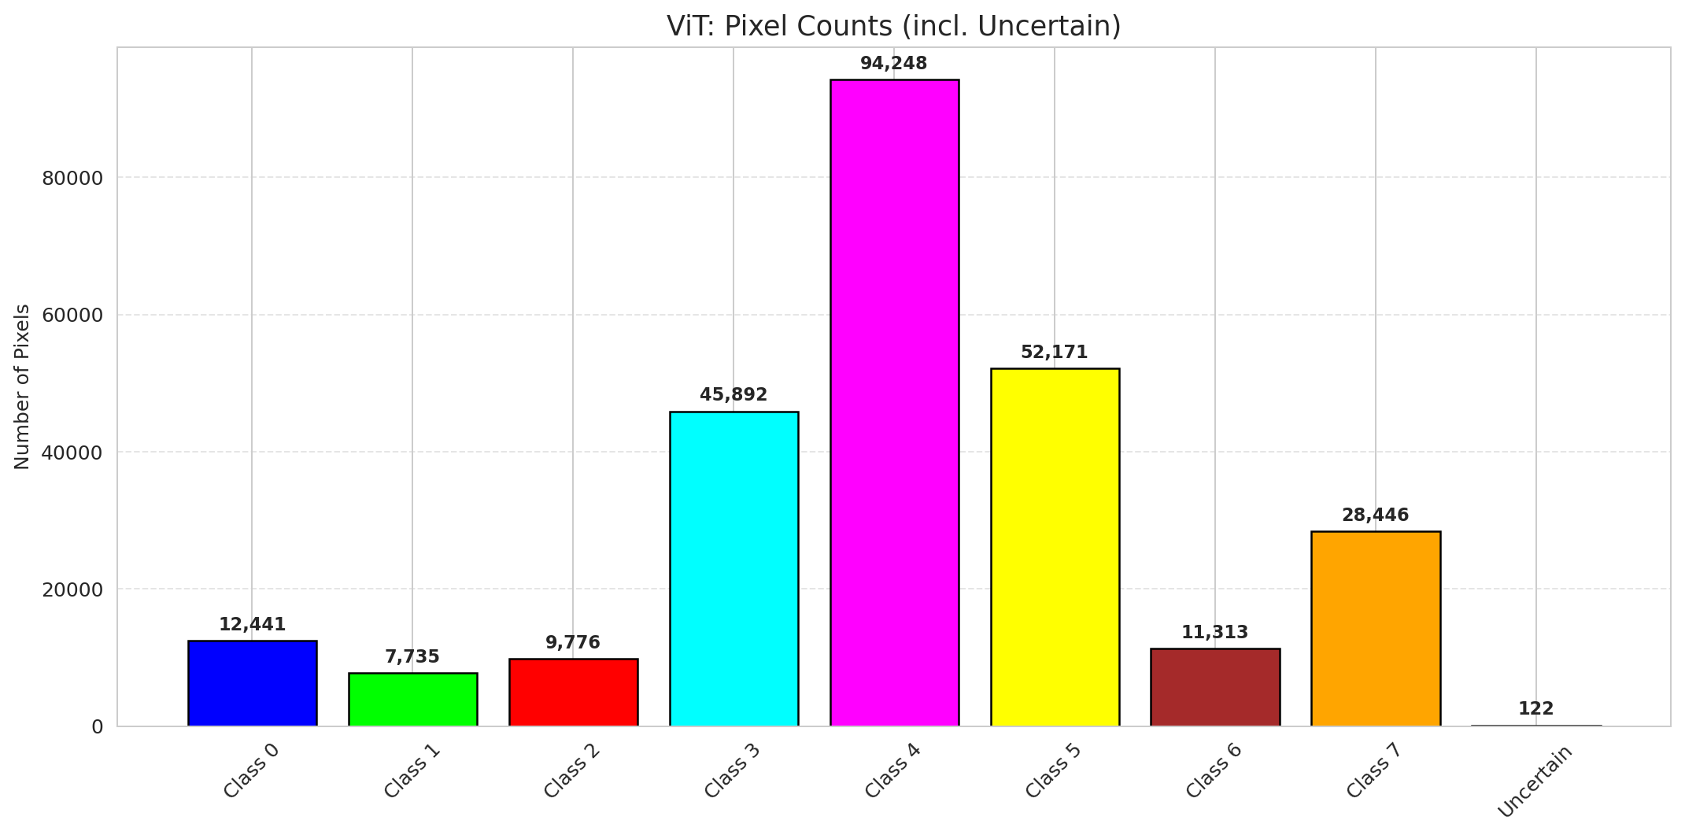

 |  |  |  |  |  |  |  |  | P-Value Distribution
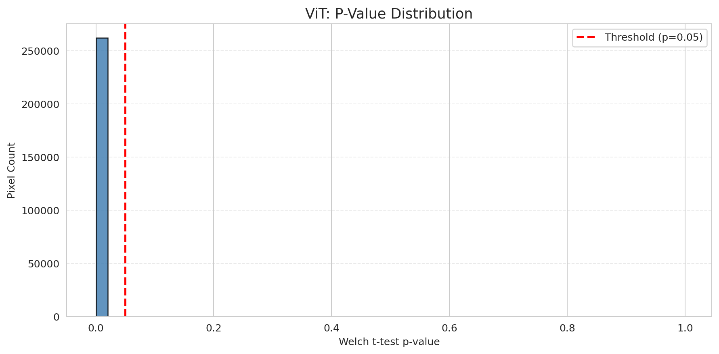

 |  |  |  |  |  |  |  |  | Top1-Top2 Gap Distribution
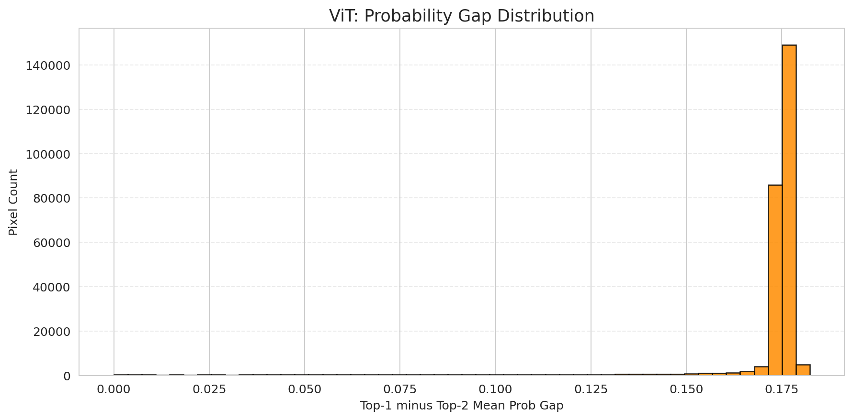

 |  |  |  |  |  |  |  |  | Per-Class Accuracy


 |  |  |  |  |  |  |  |  | Per-Class Uncertainty Rate
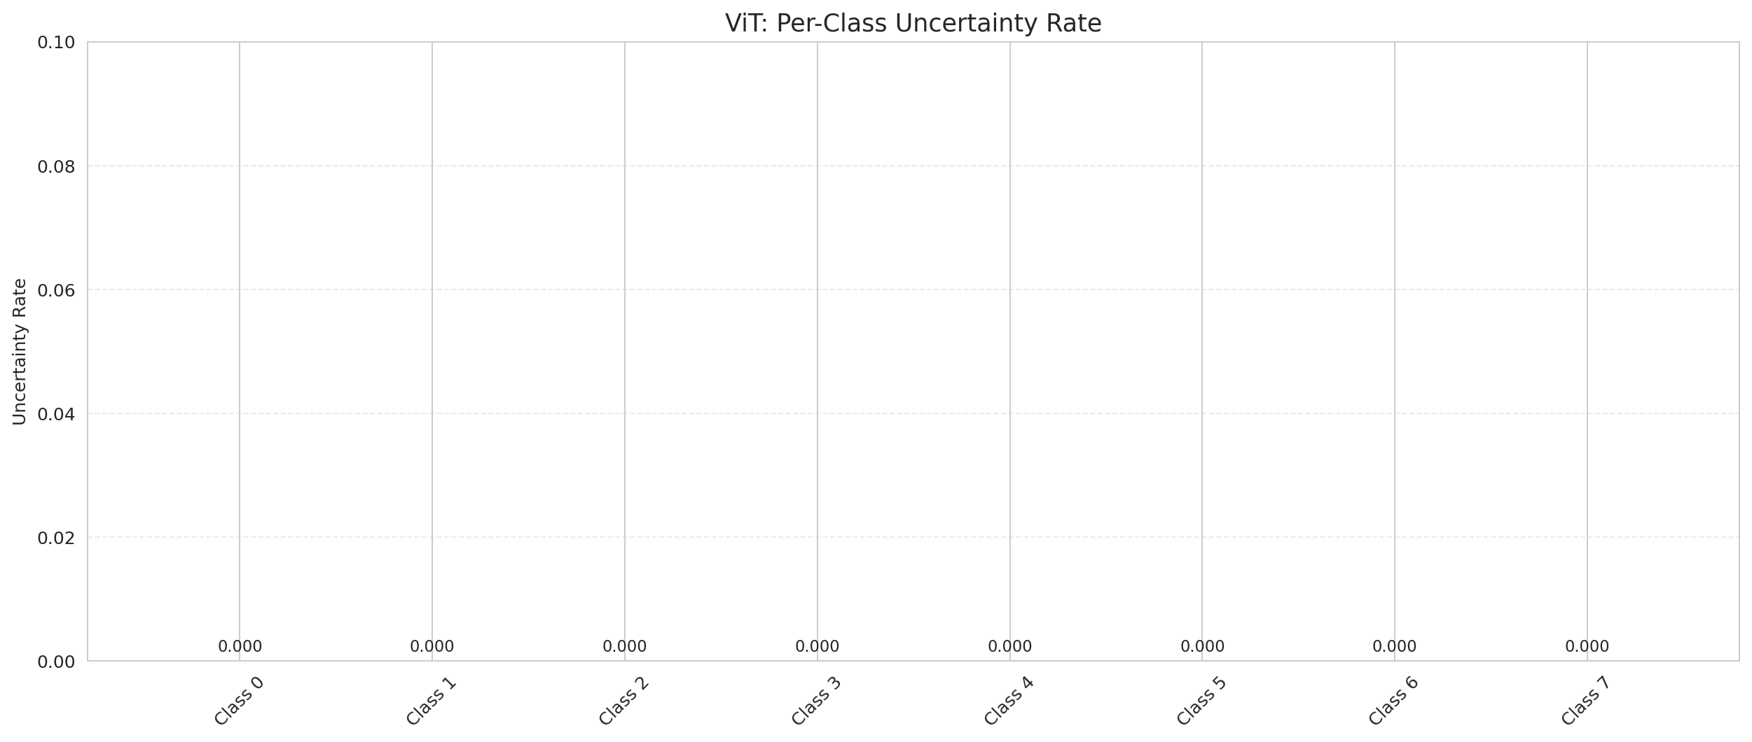

 |  |  |  |  |  |  |  |  | Per-Class Mean P-Value

Compare_DAPM
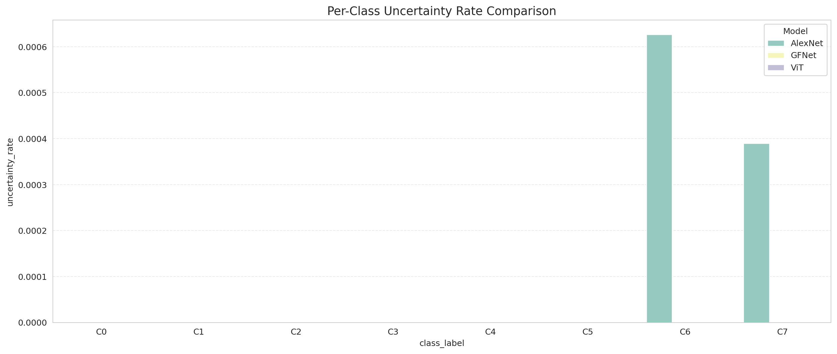
DAPM Uncertainty: 3-Model Comparison

model_name | model_key | method | n_samples | p_threshold | overall_accuracy_labeled | uncertain_count | uncertain_rate | certainty_rate | mean_p_value | median_p_value | mean_top1_top2_gap | runtime_sec | mean_per_class_accuracy | mean_per_class_uncertainty
AlexNet | AlexNet_CNN | DAPM_TTest | 30 | 0.05 | 0.99972167072 | 434 | 0.0016555786133 | 0.99834442139 | 0.00064873951487 | 0 | 0.16130045056 | 464.78436923 | 0.99921629823 | 0.00012710284943
GFNet | GFNet | DAPM_TTest | 30 | 0.05 | 0.99998144471 | 256 | 0.0009765625 | 0.9990234375 | 0.00037019999581 | 0 | 0.16487134993 | 500.46620846 | 0.99994478799 | 0
ViT | ViT_UNet | DAPM_TTest | 30 | 0.05 | 0.99964744958 | 122 | 0.00046539306641 | 0.99953460693 | 0.0001932723535 | 0 | 0.17092584074 | 533.37991524 | 0.99944001422 | 0

Metrics Comparison

Per-Class Accuracy Comparison
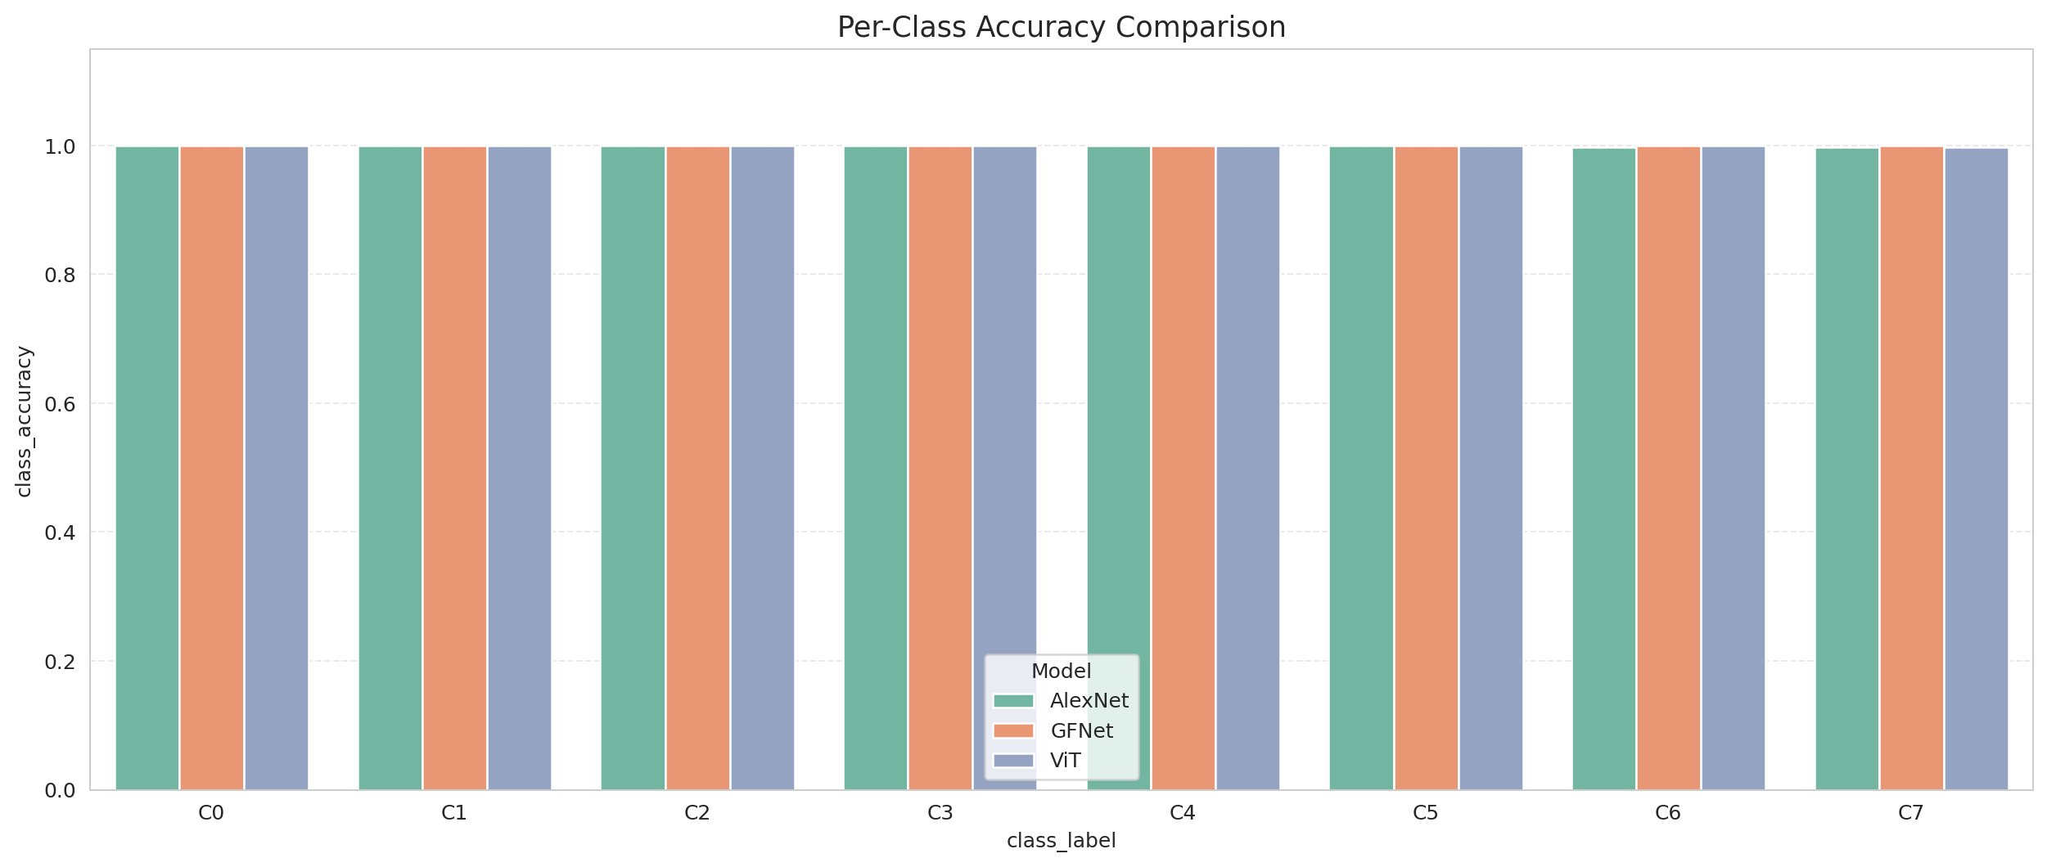

Per-Class Uncertainty Comparison

