Split_AlexNet
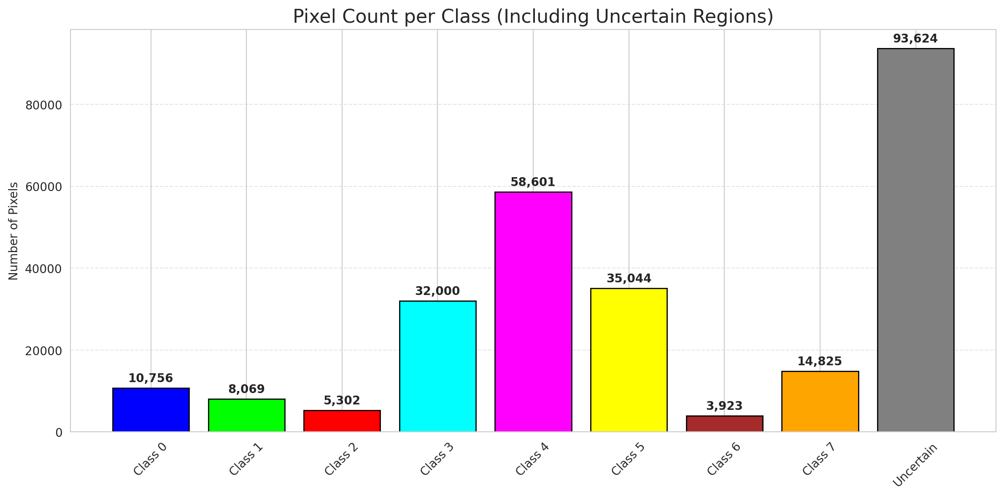
SplitConformal - AlexNet |  |  |  |  |  |  |  |  | Per-Class Coverage
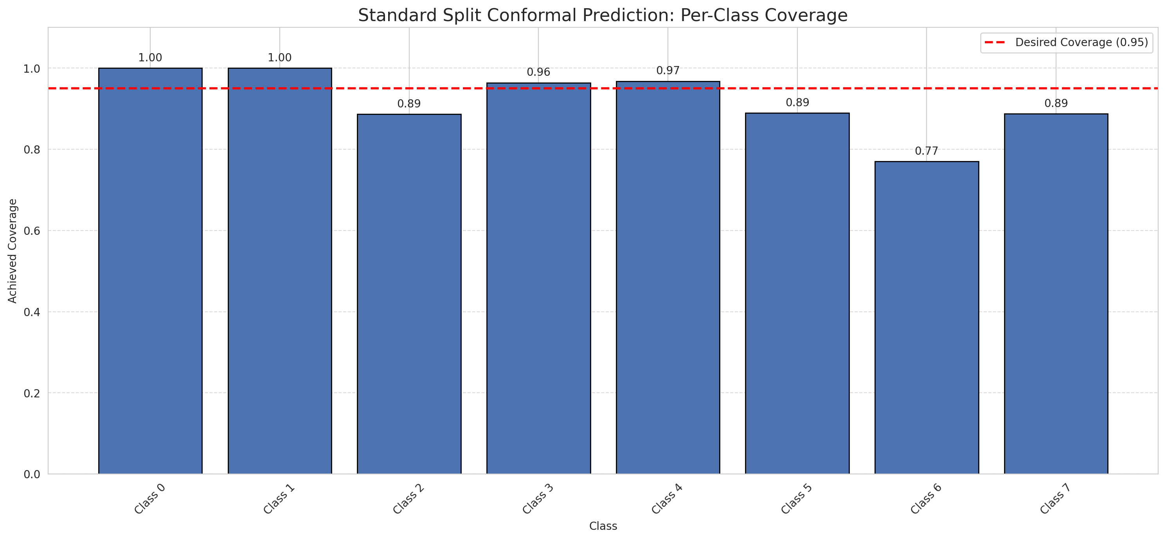
Summary
model_name | method | target_coverage | empirical_coverage | avg_set_size | median_set_size | singleton_rate | empty_set_rate | runtime_sec | alpha | lam | n_clusters | mean_per_class_coverage
AlexNet | SplitConformal | 0.95 | 0.95086833902 | 0.95086833902 | 1 | 0.95086833902 | 0.049131660977 | 2.403476773 | 0.05 |  |  | 0.92074641263

Per-Class Coverage Values
class_id | class_coverage | support_count
0 | 1 | 1216
1 | 1 | 704
2 | 0.88692579505 | 283
3 | 0.9641025641 | 1365
4 | 0.9679245283 | 1590
5 | 0.8895184136 | 1059
6 | 0.77 | 200
7 | 0.8875 | 320

Pixel Counts
class_id | label | pixel_count
0 | Class 0 | 10756
1 | Class 1 | 8069
2 | Class 2 | 5302
3 | Class 3 | 32000 |  |  |  |  |  |  | Certain vs Uncertain Map
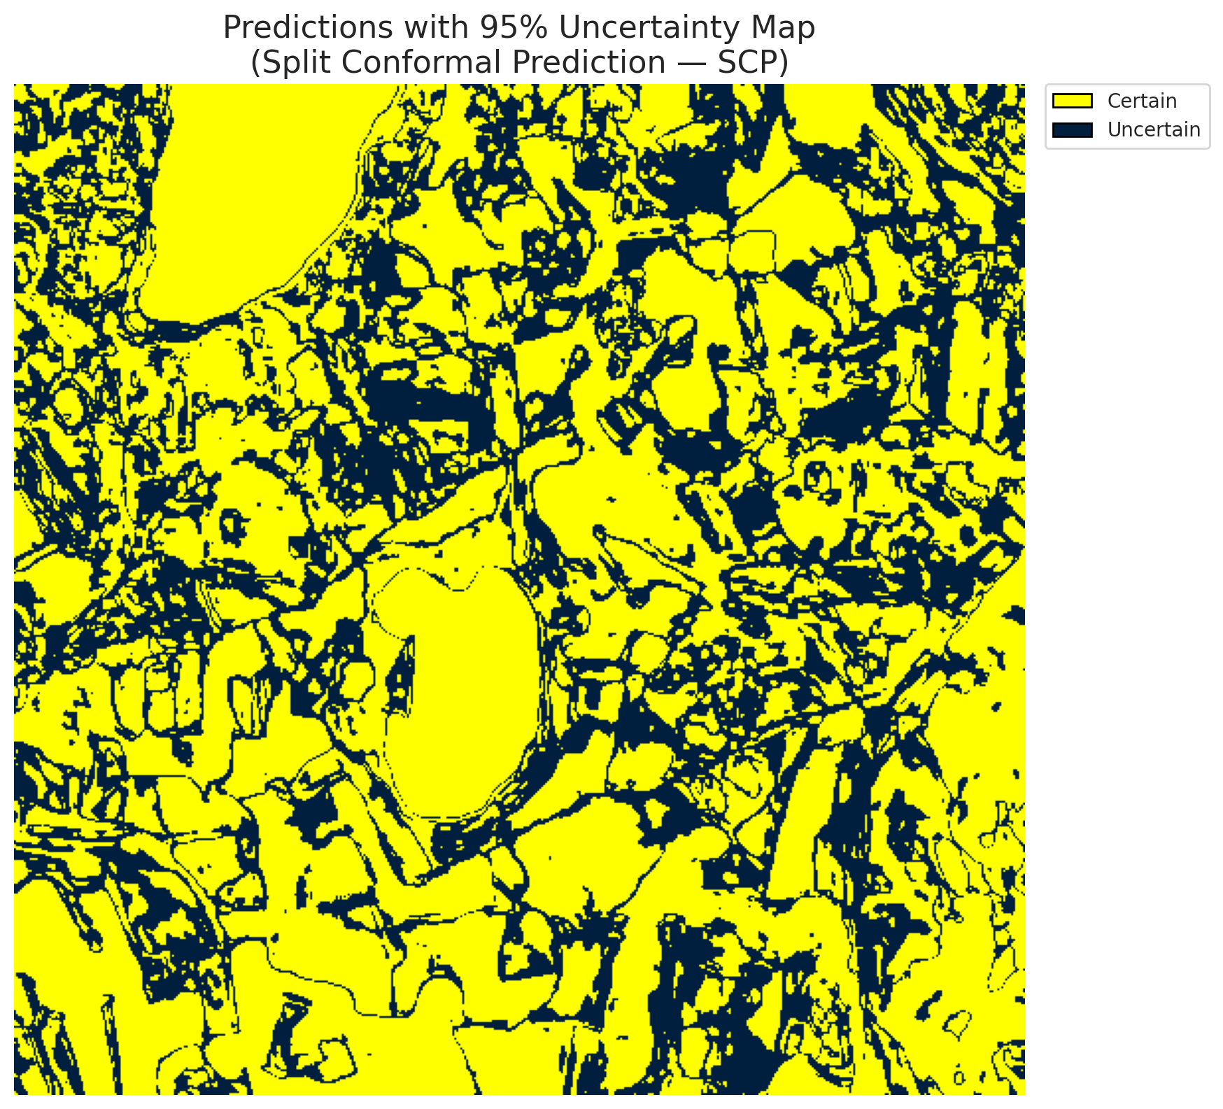
4 | Class 4 | 58601
5 | Class 5 | 35044
6 | Class 6 | 3923
7 | Class 7 | 14825
8 | Uncertain | 93624

Threshold
q_hat_split
0.00015861443977

 |  |  |  |  |  |  |  |  | Class Map with Uncertain Mask
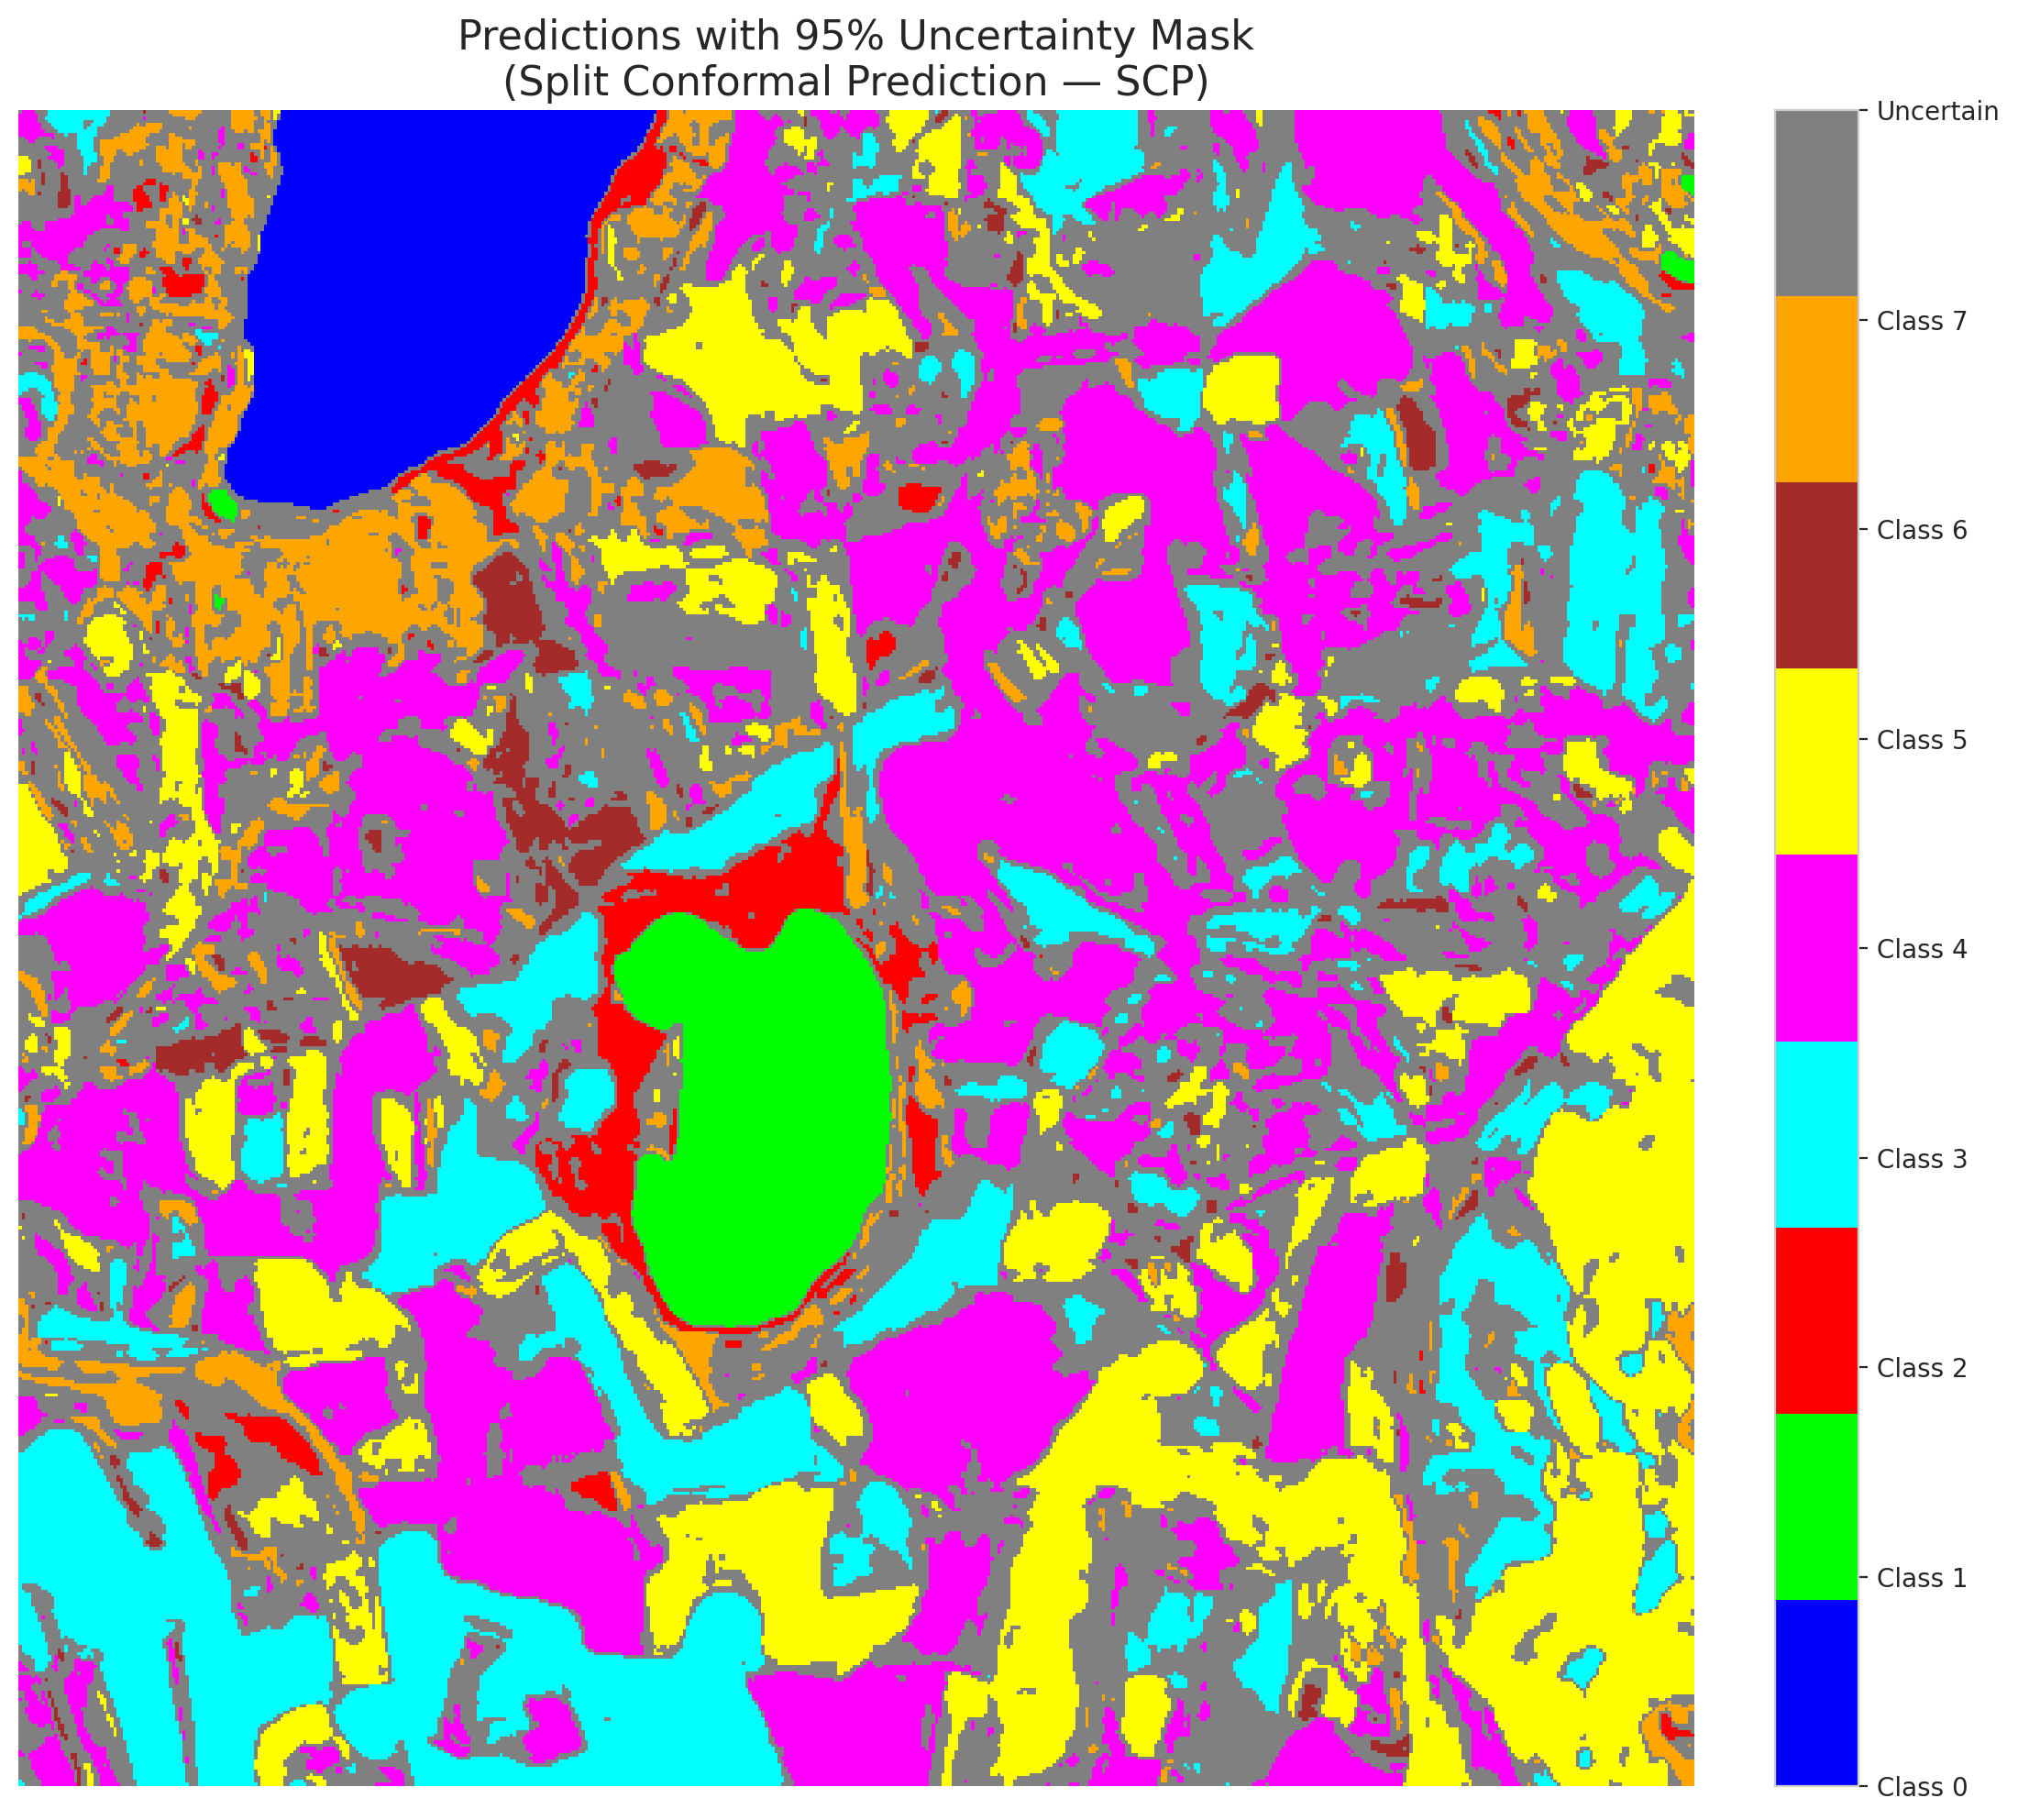

 |  |  |  |  |  |  |  |  | Pixel Counts

ClassCond_AlexNet
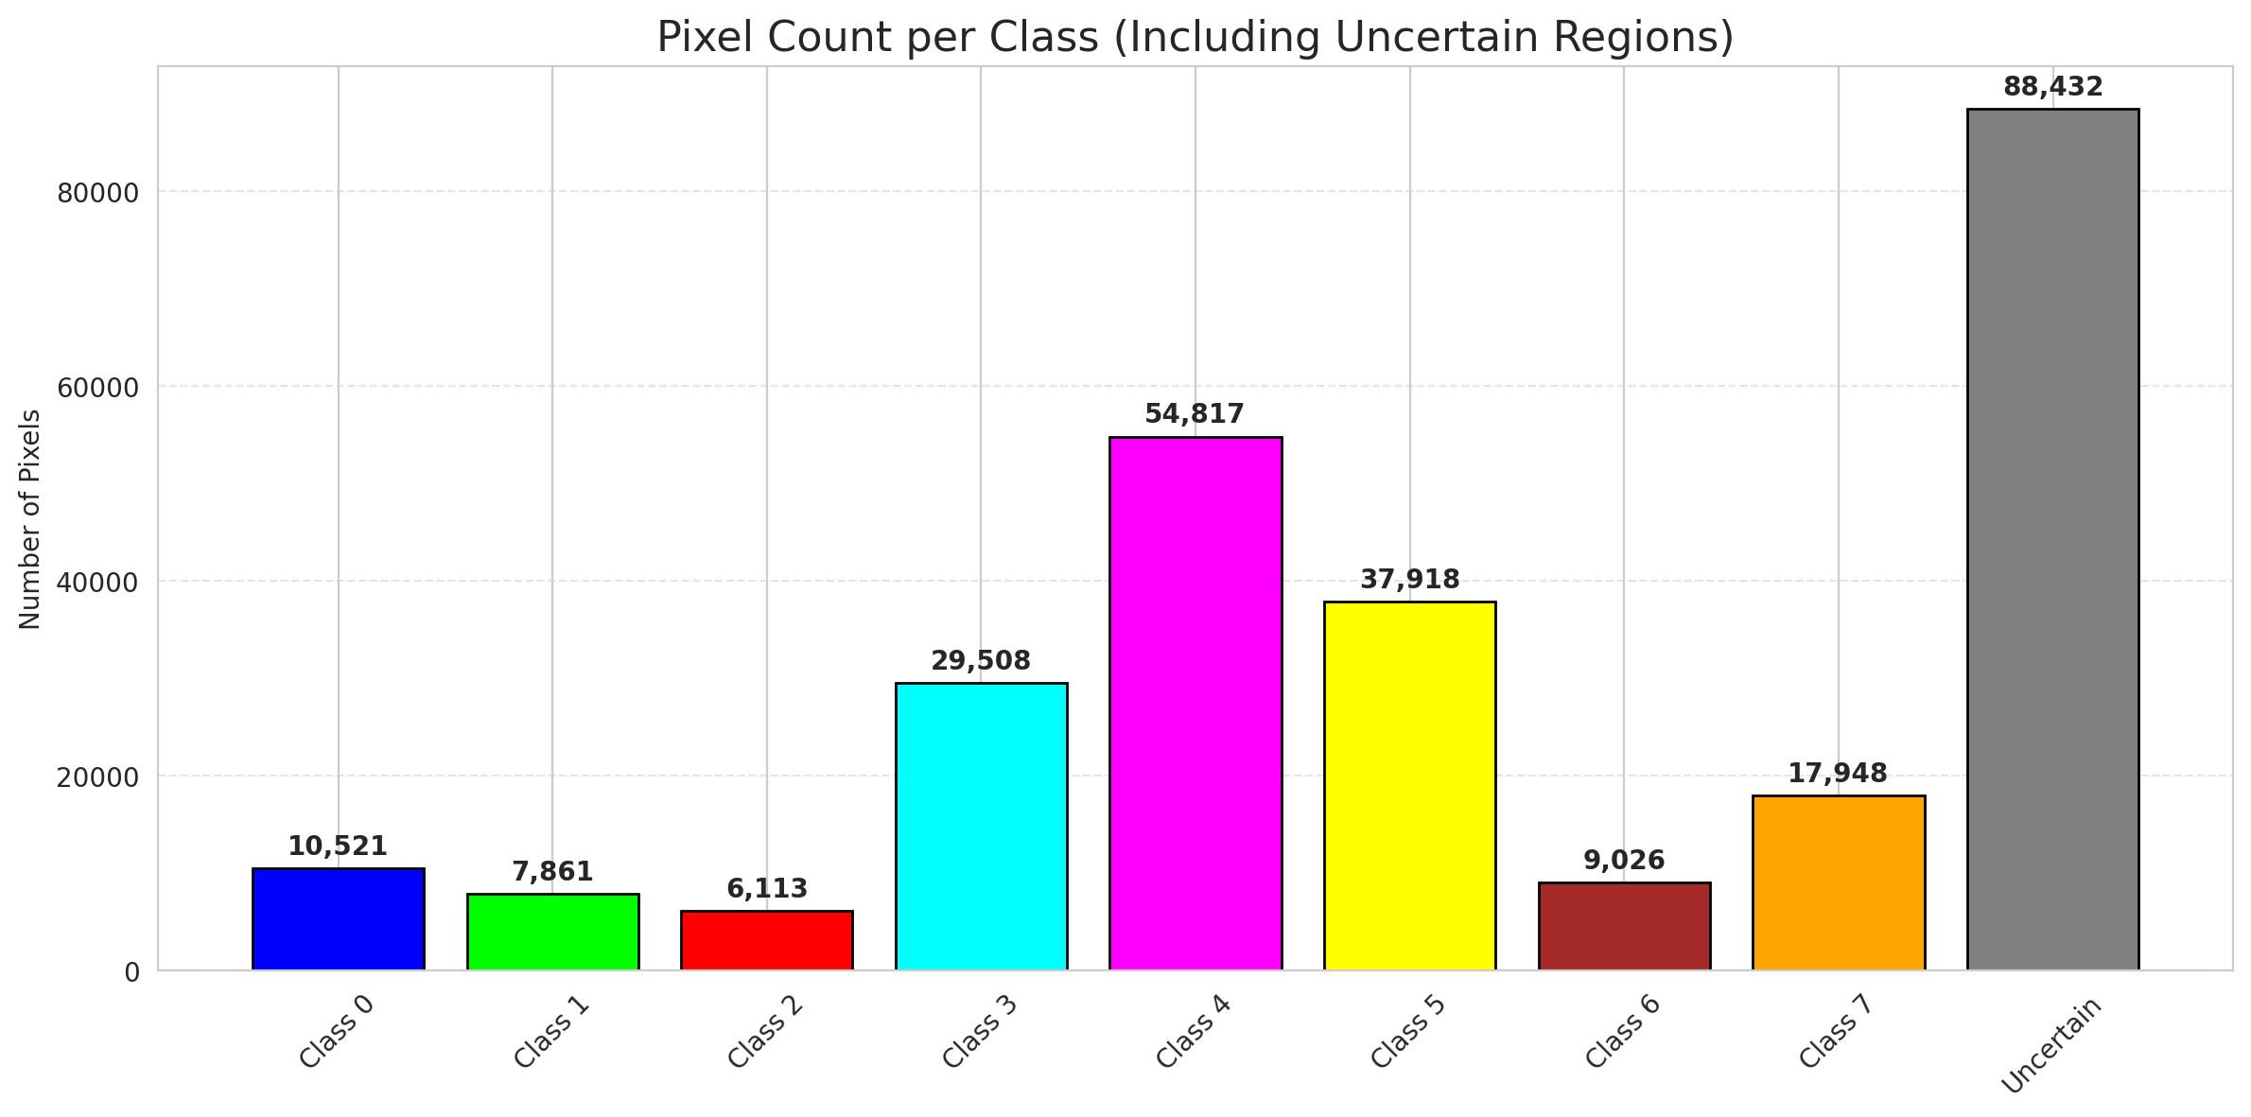
ClassConditionalConformal - AlexNet |  |  |  |  |  |  |  |  | Per-Class Coverage
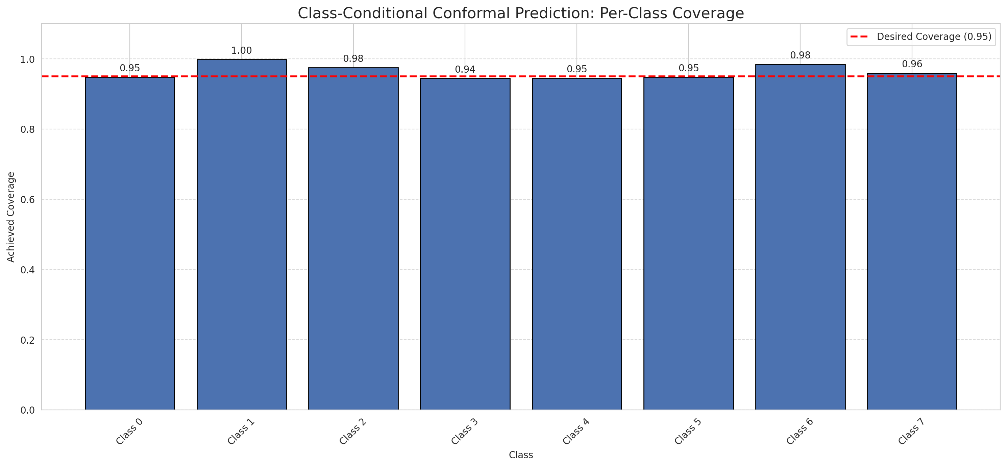
Summary
model_name | method | target_coverage | empirical_coverage | avg_set_size | median_set_size | singleton_rate | empty_set_rate | runtime_sec | alpha | lam | n_clusters | mean_per_class_coverage
AlexNet | ClassConditionalConformal | 0.95 | 0.95472762357 | 0.95472762357 | 1 | 0.95472762357 | 0.045272376429 | 2.292357694 | 0.05 |  |  | 0.96300999091

Per-Class Coverage Values
class_id | class_coverage | support_count
0 | 0.94819078947 | 1216
1 | 0.99857954545 | 704
2 | 0.97526501767 | 283
3 | 0.94432234432 | 1365
4 | 0.94528301887 | 1590
5 | 0.94806421152 | 1059
6 | 0.985 | 200
7 | 0.959375 | 320

Pixel Counts
class_id | label | pixel_count
0 | Class 0 | 10521
1 | Class 1 | 7861
2 | Class 2 | 6113
3 | Class 3 | 29508 |  |  |  |  |  |  | Certain vs Uncertain Map
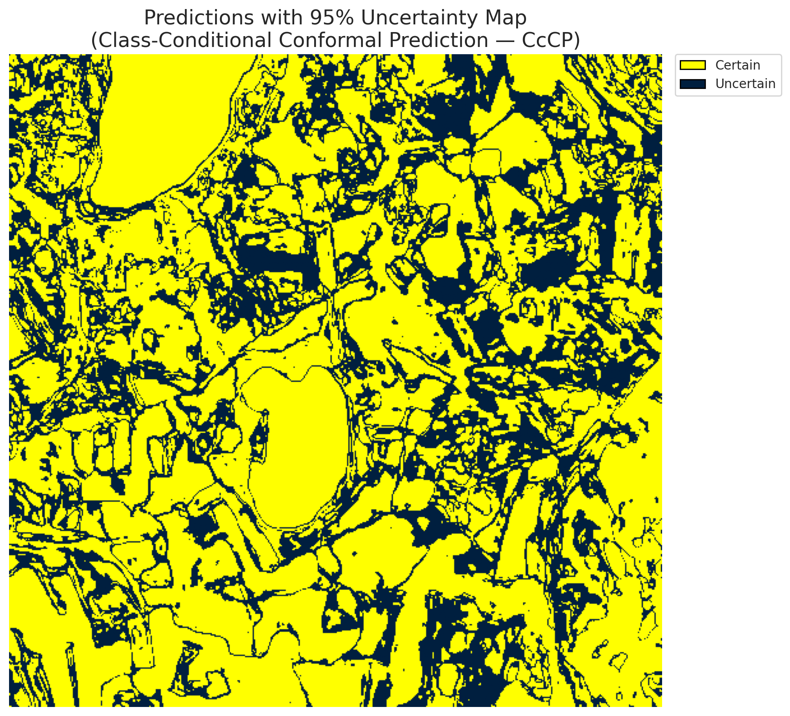
4 | Class 4 | 54817
5 | Class 5 | 37918
6 | Class 6 | 9026
7 | Class 7 | 17948
8 | Uncertain | 88432

Classwise q_hat
class_id | q_hat_classconditional
0 | 1.443289932E-14
1 | 0
2 | 0.0011468611557
3 | 4.8874323561E-05
4 | 5.0755314863E-05
5 | 0.00058048393823
6 | 0.030192797434
7 | 0.00097305567162

 |  |  |  |  |  |  |  |  | Class Map with Uncertain Mask
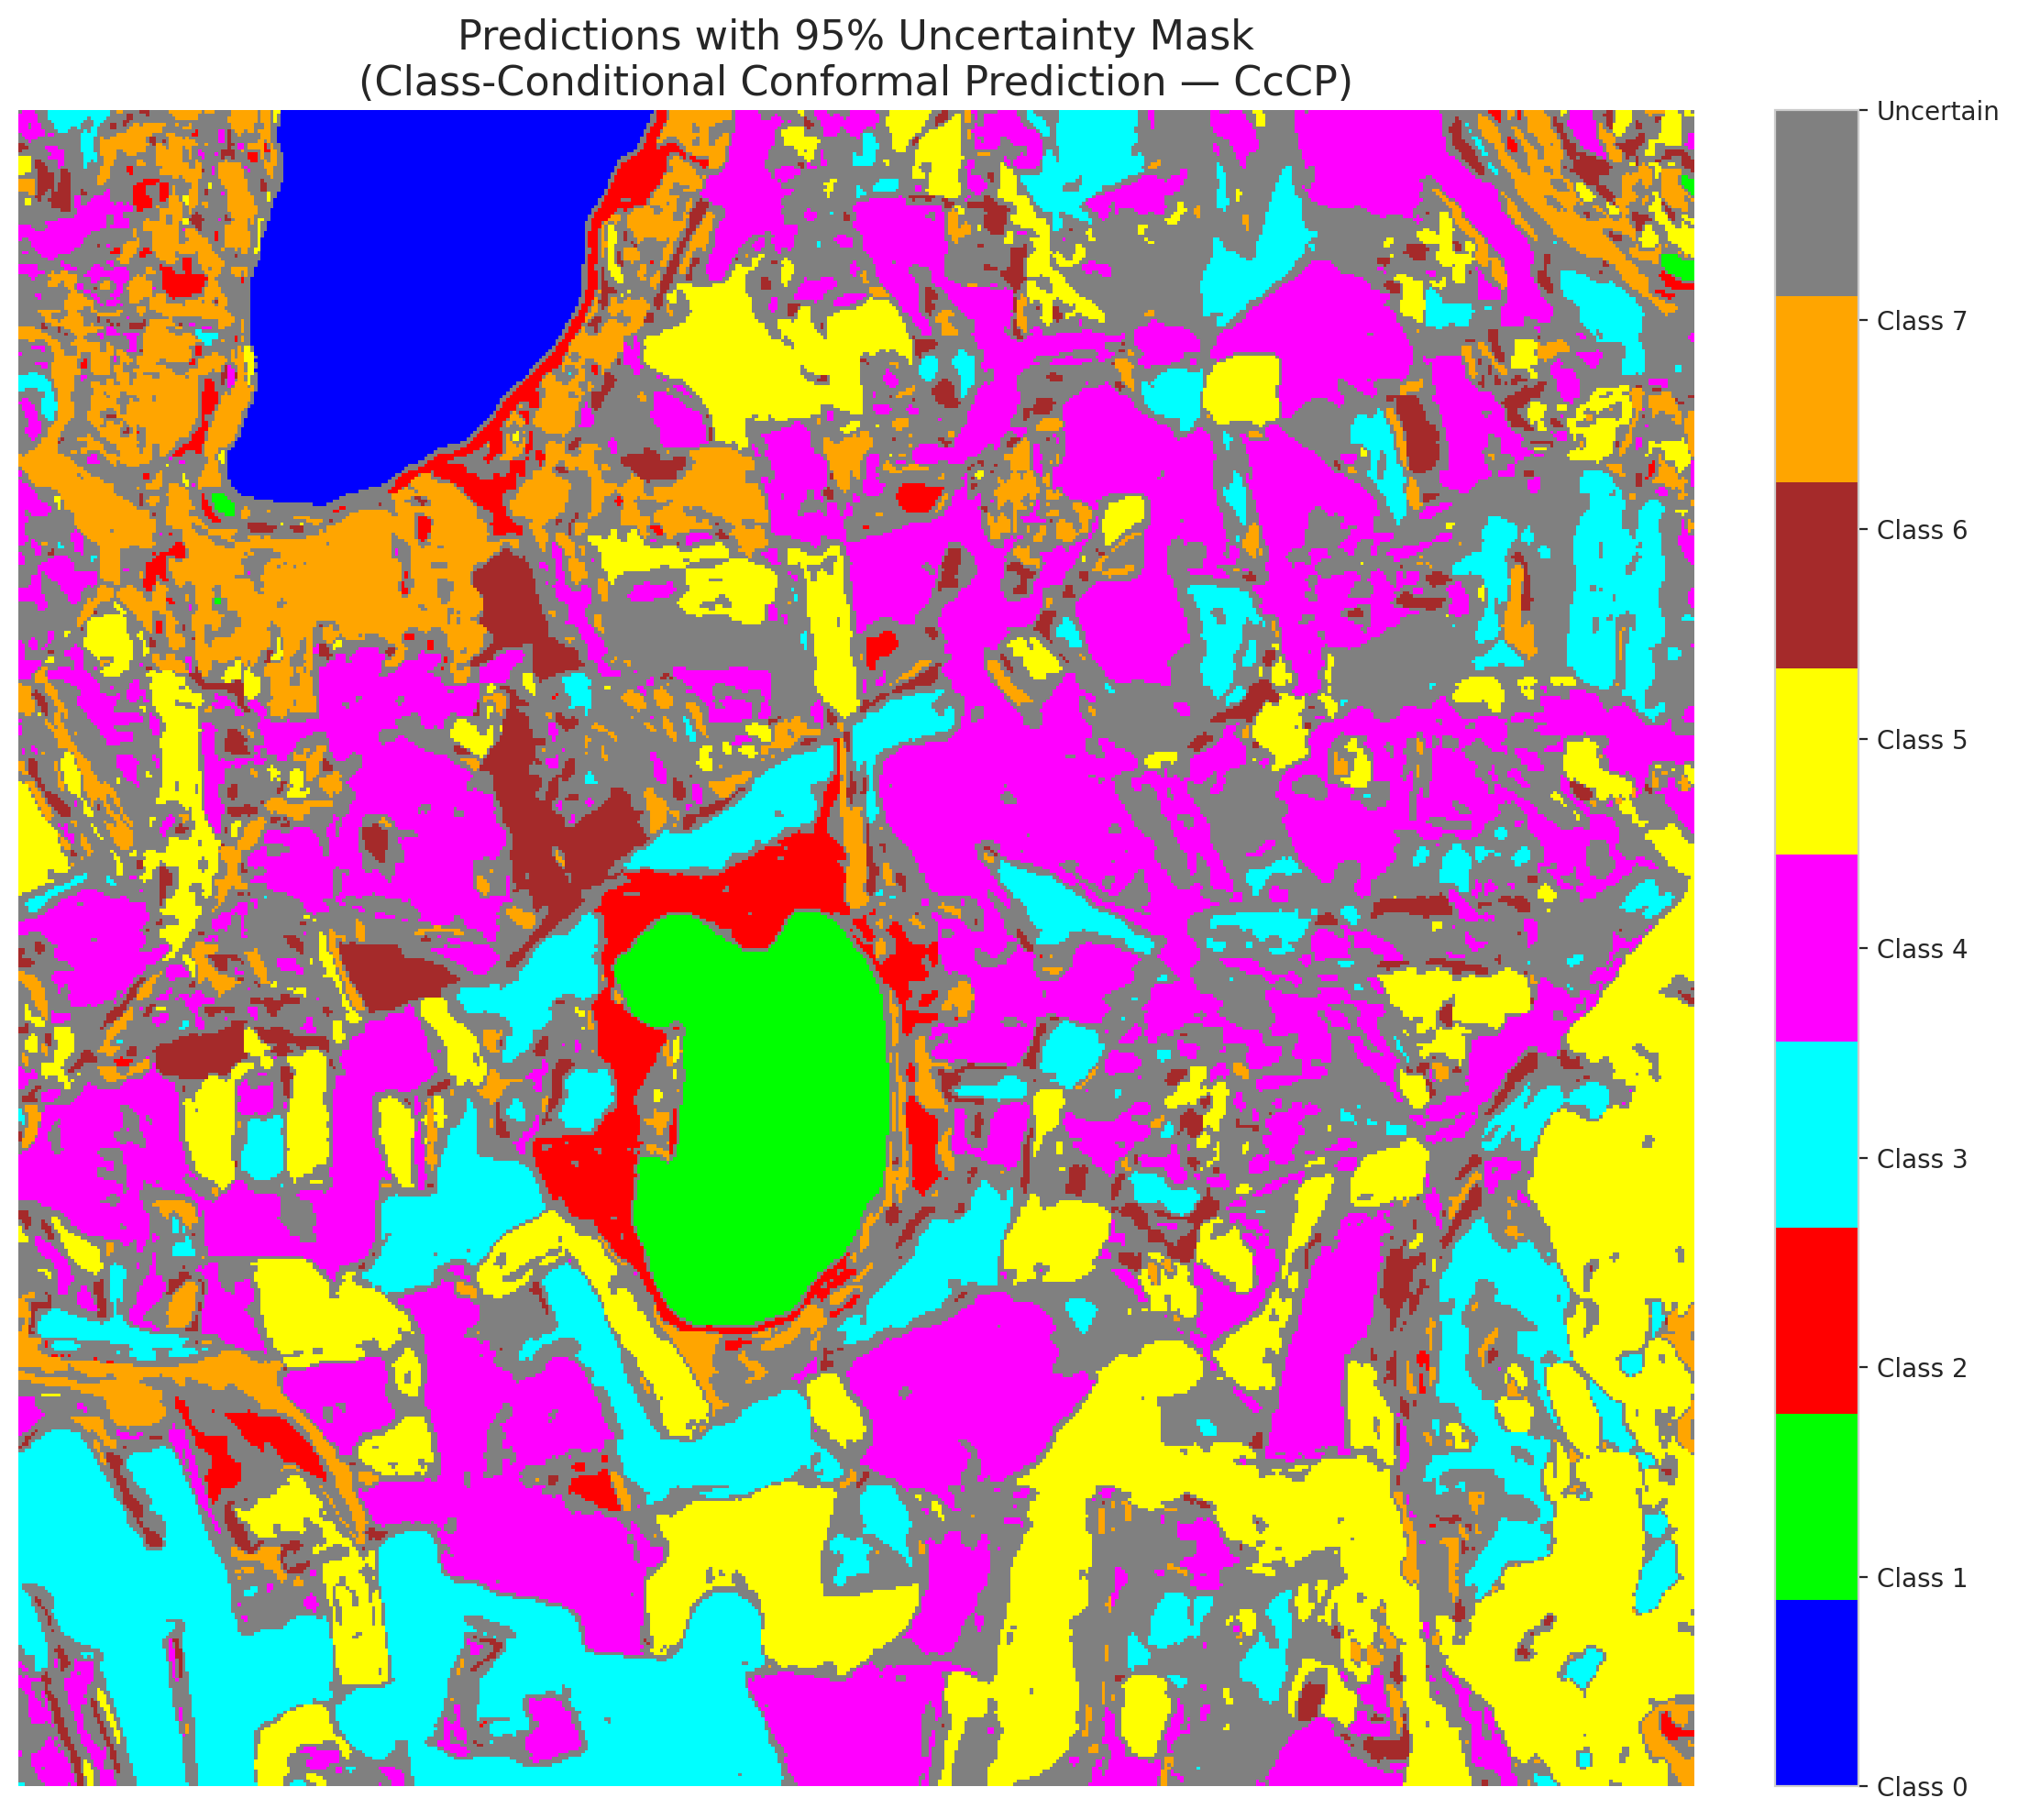

 |  |  |  |  |  |  |  |  | Pixel Counts

RC3P_AlexNet
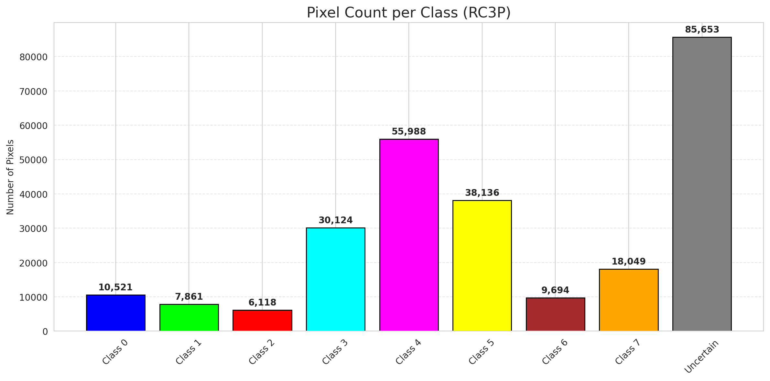
RC3P - AlexNet |  |  |  |  |  |  |  |  | Per-Class Coverage
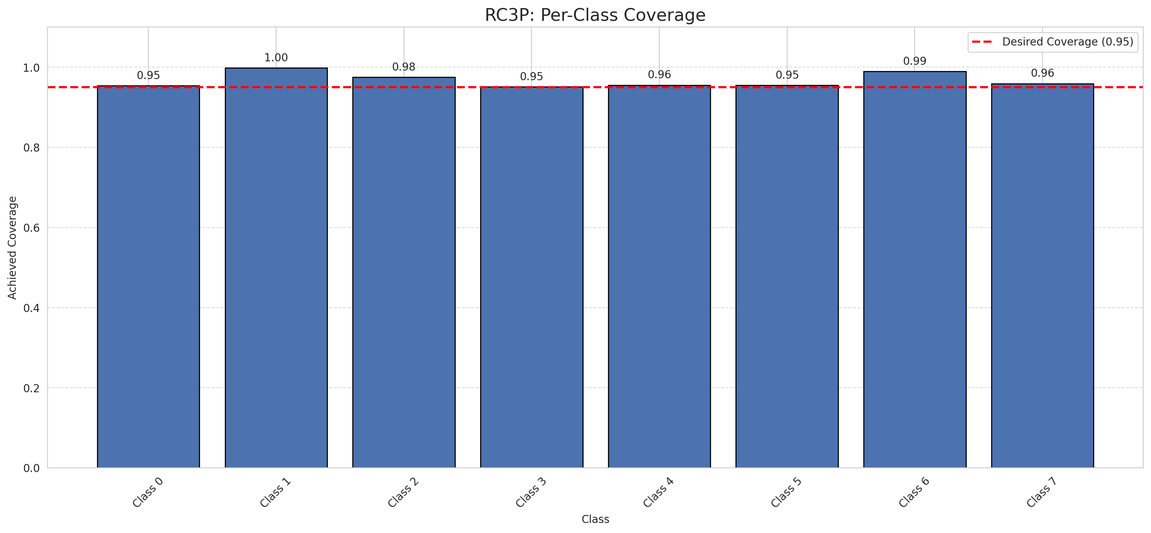
Summary
model_name | method | target_coverage | empirical_coverage | avg_set_size | median_set_size | singleton_rate | empty_set_rate | runtime_sec | alpha | lam | n_clusters | mean_per_class_coverage
AlexNet | RC3P | 0.95 | 0.96066498441 | 0.96066498441 | 1 | 0.96066498441 | 0.039335015586 | 2.34796541 | 0.05 |  |  | 0.96726285192

Per-Class Coverage Values
class_id | class_coverage | support_count
0 | 0.95394736842 | 1216
1 | 0.99857954545 | 704
2 | 0.97526501767 | 283
3 | 0.95091575092 | 1365
4 | 0.95534591195 | 1590
5 | 0.95467422096 | 1059
6 | 0.99 | 200
7 | 0.959375 | 320

Pixel Counts
class_id | label | pixel_count
0 | Class 0 | 10521
1 | Class 1 | 7861
2 | Class 2 | 6118
3 | Class 3 | 30124 |  |  |  |  |  |  | Certain vs Uncertain Map
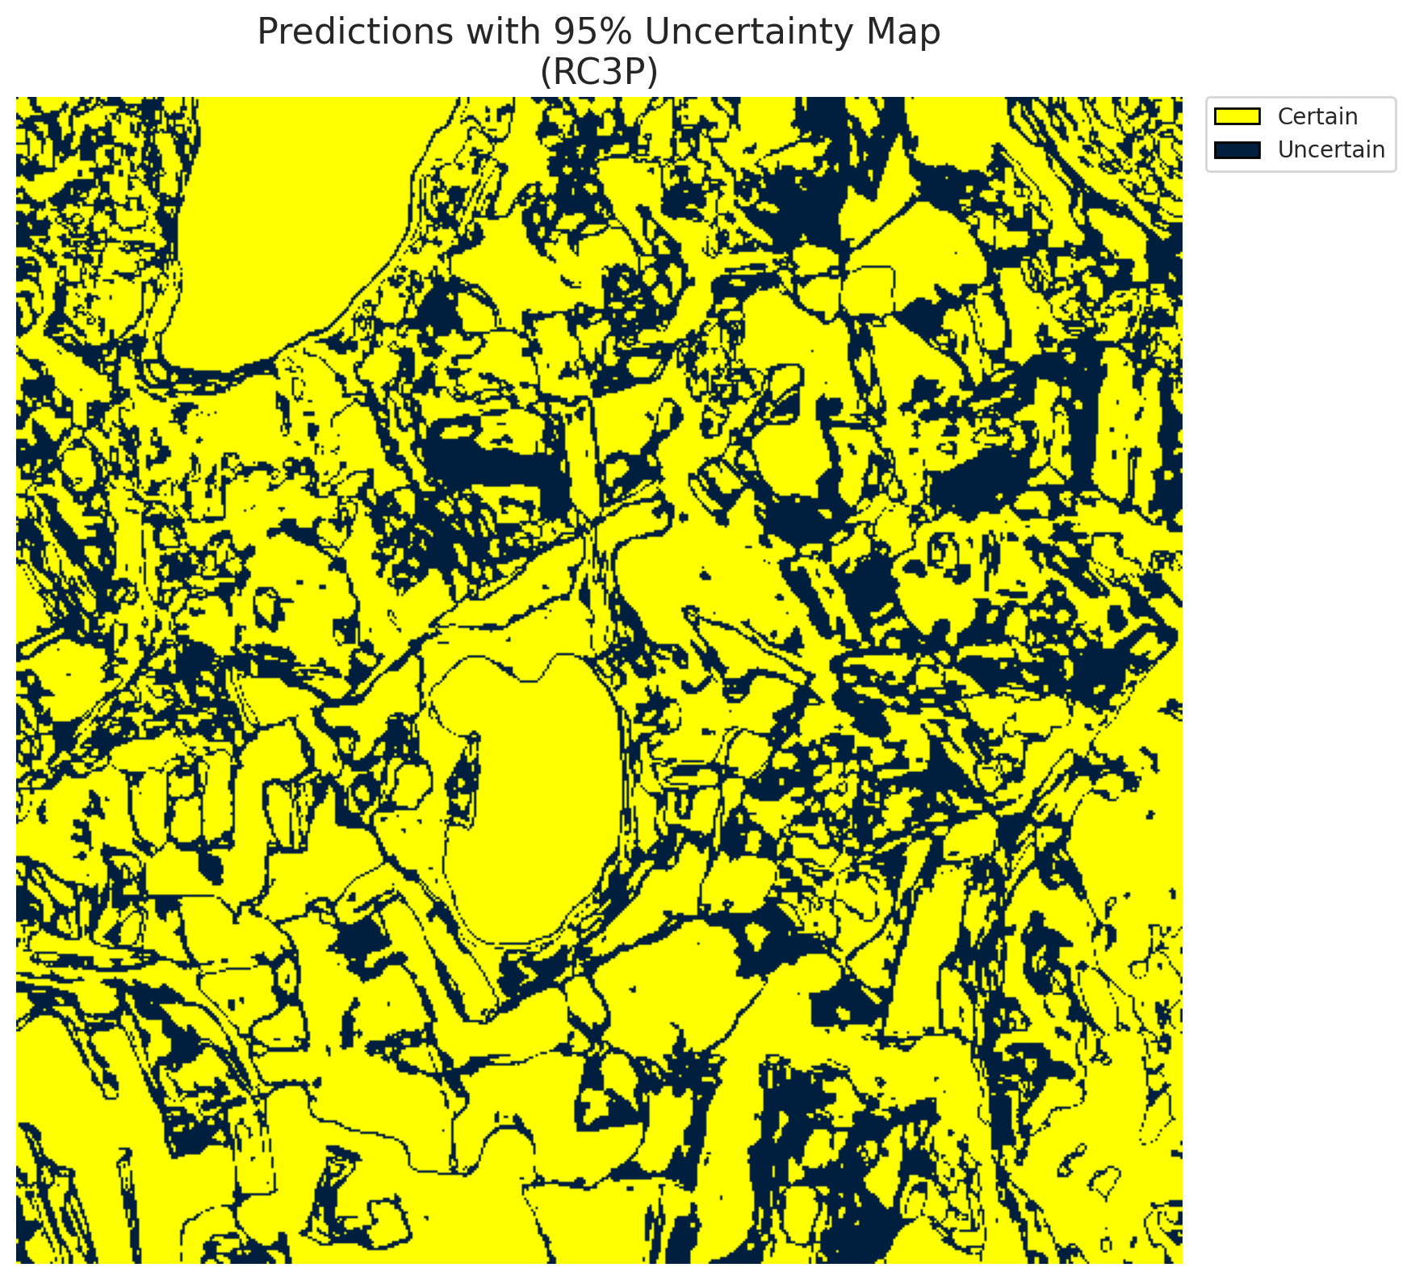
4 | Class 4 | 55988
5 | Class 5 | 38136
6 | Class 6 | 9694
7 | Class 7 | 18049
8 | Uncertain | 85653

RC3P Thresholds & Limits
class_id | q_hat_rc3p | suit_index_limit
0 | 1.5987211555E-14 | 1
1 | 0 | 1
2 | 0.001161049749 | 1
3 | 6.4057893651E-05 | 1
4 | 7.1833279279E-05 | 1
5 | 0.00064489408093 | 1
6 | 0.050549662144 | 1
7 | 0.0010306533523 | 1

 |  |  |  |  |  |  |  |  | Class Map with Uncertain Mask
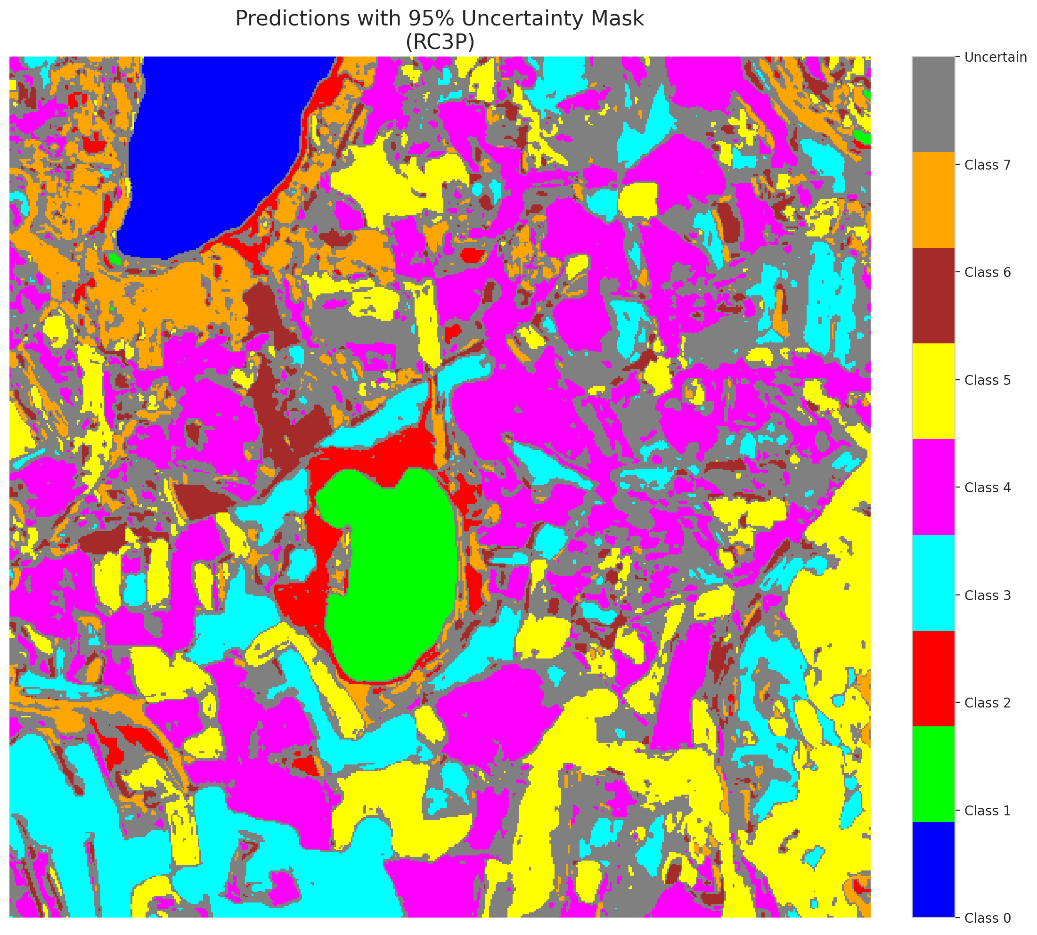

 |  |  |  |  |  |  |  |  | Pixel Counts

Clustered_AlexNet
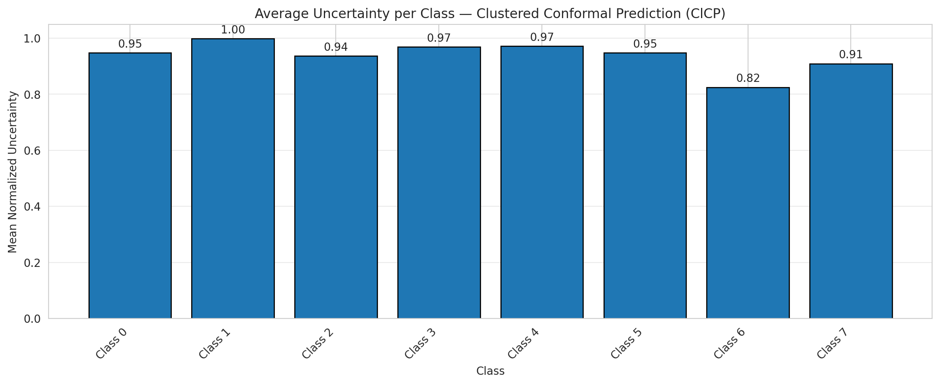
ClusteredConformal - AlexNet |  |  |  |  |  |  |  |  | Per-Class Coverage
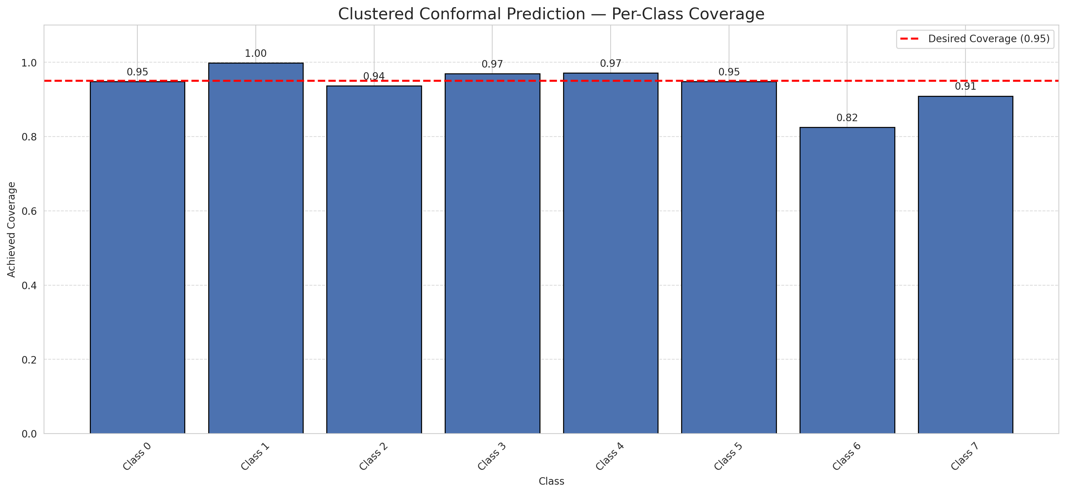
Summary
model_name | method | target_coverage | empirical_coverage | avg_set_size | median_set_size | singleton_rate | empty_set_rate | runtime_sec | alpha | lam | n_clusters | mean_per_class_coverage
AlexNet | ClusteredConformal | 0.95 | 0.95725100193 | 0.95725100193 | 1 | 0.95725100193 | 0.04274899807 | 3.059481856 | 0.05 |  | 4 | 0.93831677358

Per-Class Coverage Values
class_id | class_coverage | support_count
0 | 0.94819078947 | 1216
1 | 0.99857954545 | 704
2 | 0.93639575972 | 283
3 | 0.96923076923 | 1365
4 | 0.97169811321 | 1590
5 | 0.94806421152 | 1059
6 | 0.825 | 200
7 | 0.909375 | 320

Class-to-Cluster Assignment
class_id | cluster_id
0 | 3
1 | 1
2 | 0
3 | 0 |  |  |  |  |  |  |  | Uncertainty Distribution
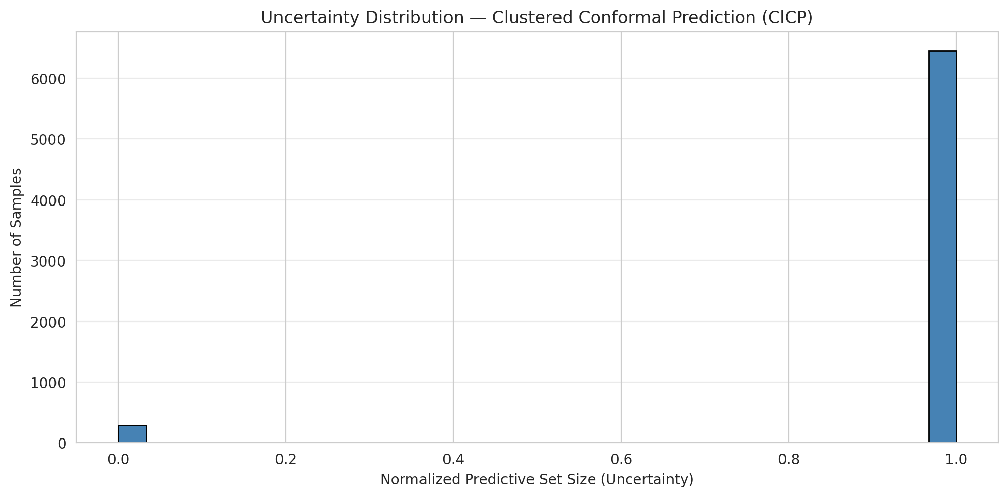
4 | 0
5 | 2
6 | 0
7 | 0

Cluster q_hat
cluster_id | q_hat_cluster
0 | 0.00021897649071
1 | 0
2 | 0.00058048393823
3 | 1.443289932E-14

Cluster Mean Uncertainty
cluster | uncertainty
0 | 0.95502927089
1 | 0.99857954545
2 | 0.94806421152
3 | 0.94819078947

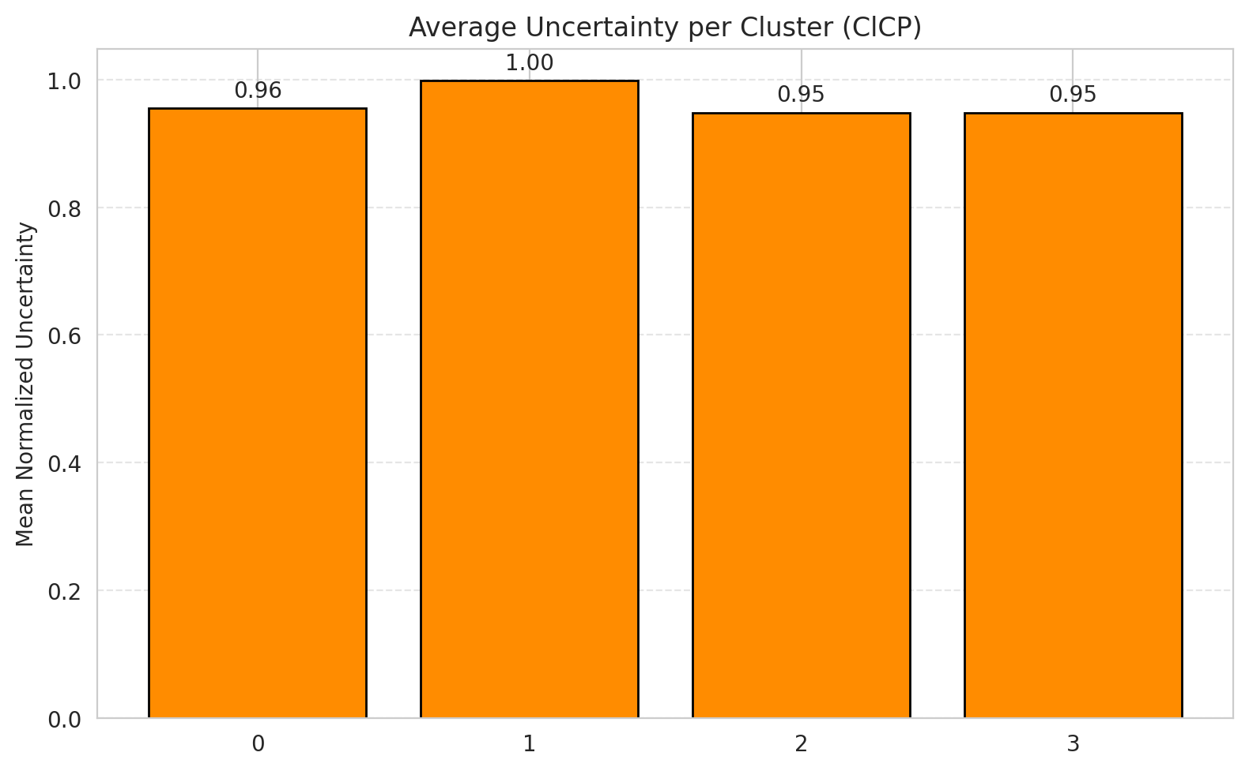
Class Mean Uncertainty
class_id | uncertainty |  |  |  |  |  |  |  | Avg Uncertainty per Cluster
0 | 0.94819078947
1 | 0.99857954545
2 | 0.93639575972
3 | 0.96923076923
4 | 0.97169811321
5 | 0.94806421152
6 | 0.825
7 | 0.909375

 |  |  |  |  |  |  |  |  | Avg Uncertainty per Class

RAPS_AlexNet
RAPS - AlexNet |  |  |  |  |  |  |  |  | Per-Class Coverage
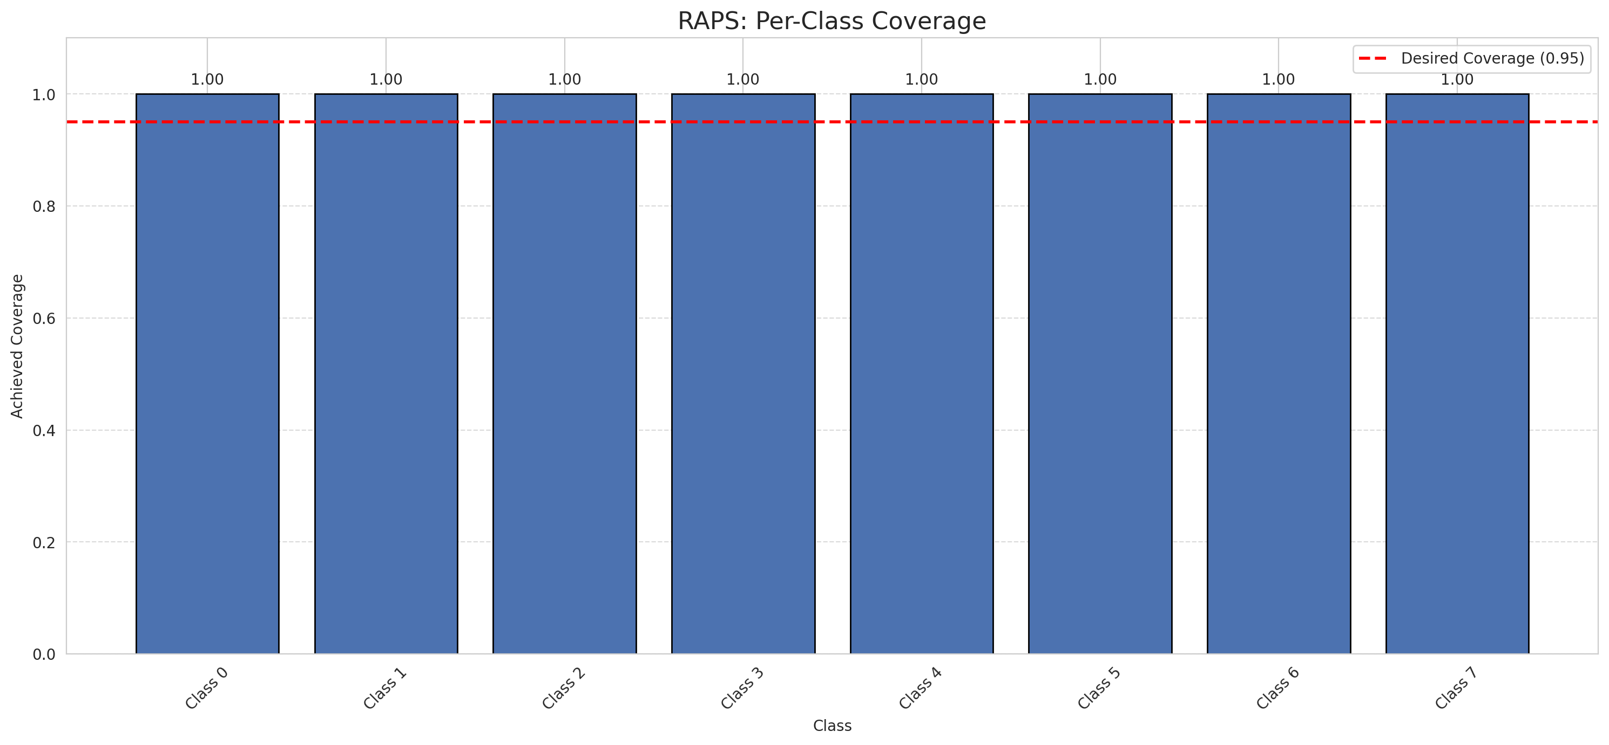
Summary
model_name | method | target_coverage | empirical_coverage | avg_set_size | median_set_size | singleton_rate | empty_set_rate | runtime_sec | alpha | lam | n_clusters | mean_per_class_coverage
AlexNet | RAPS | 0.95 | 1 | 1 | 1 | 1 | 0 | 0.498429327 | 0.05 | 0.01 |  | 1

Per-Class Coverage Values
class_id | class_coverage | support_count
0 | 1 | 1216
1 | 1 | 704
2 | 1 | 283
3 | 1 | 1365
4 | 1 | 1590
5 | 1 | 1059
6 | 1 | 200
7 | 1 | 320

RAPS Parameters
q_hat_raps | lambda | k_reg
0 | 0.01 | 1

Split_GFNet
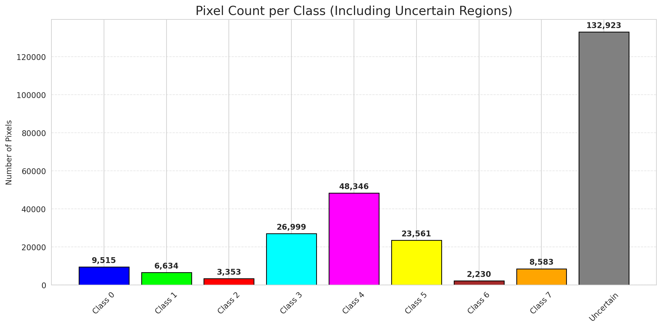
SplitConformal - GFNet |  |  |  |  |  |  |  |  | Per-Class Coverage
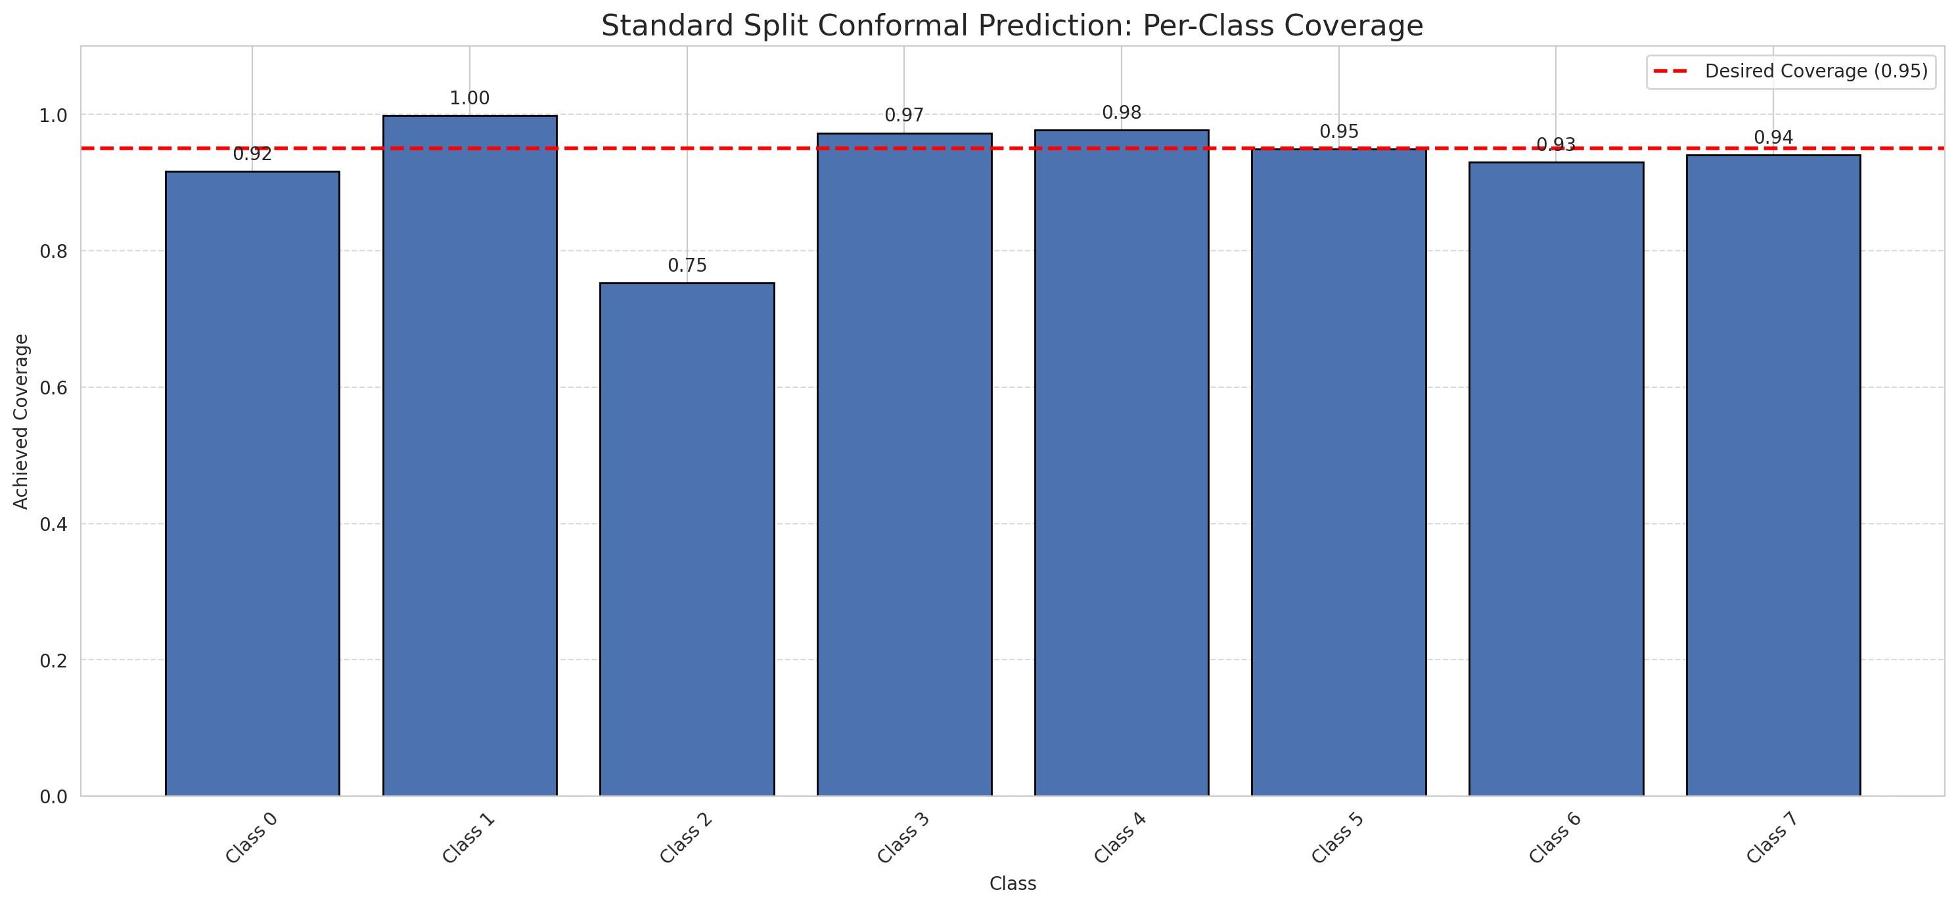
Summary
model_name | method | target_coverage | empirical_coverage | avg_set_size | median_set_size | singleton_rate | empty_set_rate | runtime_sec | alpha | lam | n_clusters | mean_per_class_coverage
GFNet | SplitConformal | 0.95 | 0.95057147098 | 0.95057147098 | 1 | 0.95057147098 | 0.049428529019 | 2.292355559 | 0.05 |  |  | 0.92965423815

Per-Class Coverage Values
class_id | class_coverage | support_count
0 | 0.91611842105 | 1216
1 | 0.99857954545 | 704
2 | 0.75265017668 | 283
3 | 0.97289377289 | 1365
4 | 0.97735849057 | 1590
5 | 0.94900849858 | 1059
6 | 0.93 | 200
7 | 0.940625 | 320

Pixel Counts
class_id | label | pixel_count
0 | Class 0 | 9515
1 | Class 1 | 6634
2 | Class 2 | 3353
3 | Class 3 | 26999 |  |  |  |  |  |  | Certain vs Uncertain Map
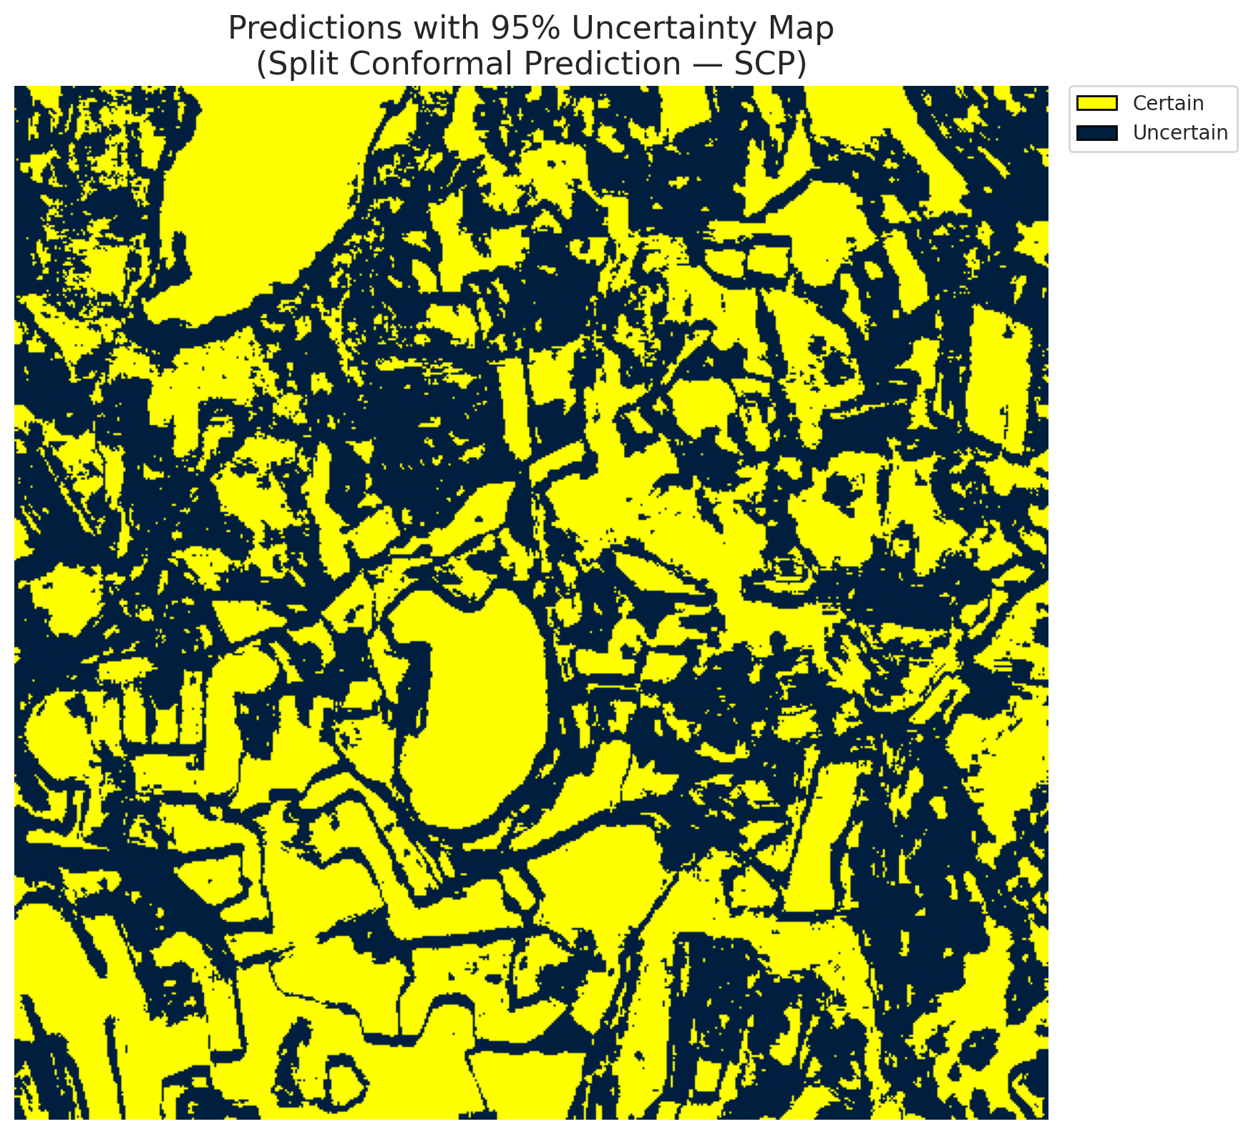
4 | Class 4 | 48346
5 | Class 5 | 23561
6 | Class 6 | 2230
7 | Class 7 | 8583
8 | Uncertain | 132923

Threshold
q_hat_split
0.0096577002411

 |  |  |  |  |  |  |  |  | Class Map with Uncertain Mask
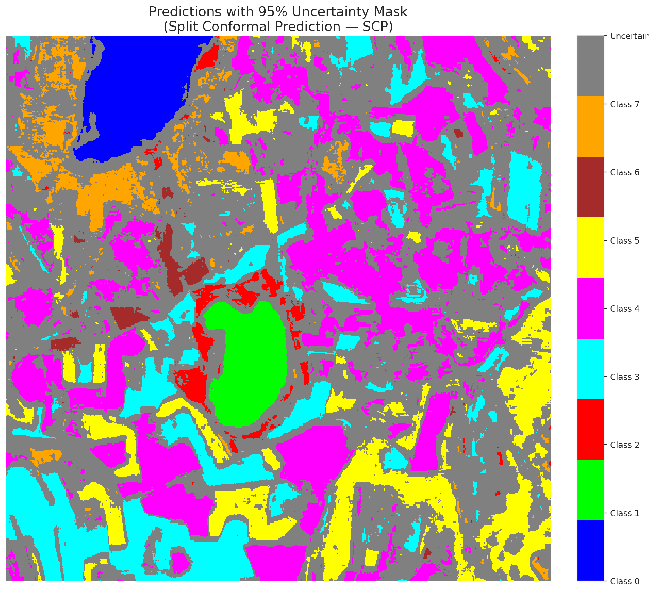

 |  |  |  |  |  |  |  |  | Pixel Counts

ClassCond_GFNet
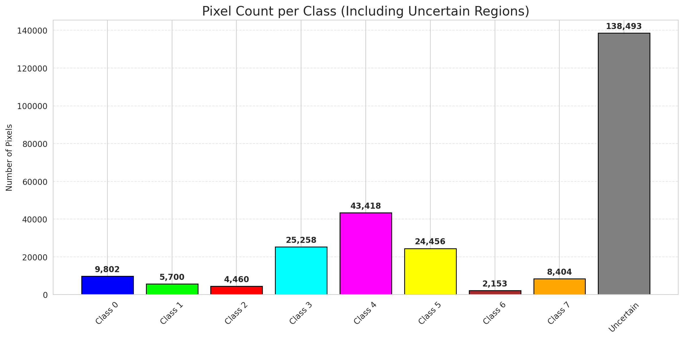
ClassConditionalConformal - GFNet |  |  |  |  |  |  |  |  | Per-Class Coverage
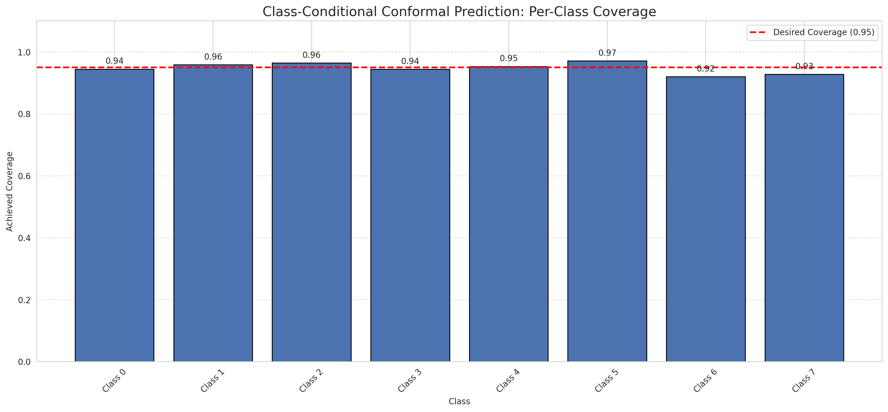
Summary
model_name | method | target_coverage | empirical_coverage | avg_set_size | median_set_size | singleton_rate | empty_set_rate | runtime_sec | alpha | lam | n_clusters | mean_per_class_coverage
GFNet | ClassConditionalConformal | 0.95 | 0.95175894315 | 0.95175894315 | 1 | 0.95175894315 | 0.04824105685 | 2.339258707 | 0.05 |  |  | 0.94824378711

Per-Class Coverage Values
class_id | class_coverage | support_count
0 | 0.94490131579 | 1216
1 | 0.95880681818 | 704
2 | 0.96466431095 | 283
3 | 0.94432234432 | 1365
4 | 0.9534591195 | 1590
5 | 0.9716713881 | 1059
6 | 0.92 | 200
7 | 0.928125 | 320

Pixel Counts
class_id | label | pixel_count
0 | Class 0 | 9802
1 | Class 1 | 5700
2 | Class 2 | 4460
3 | Class 3 | 25258 |  |  |  |  |  |  | Certain vs Uncertain Map
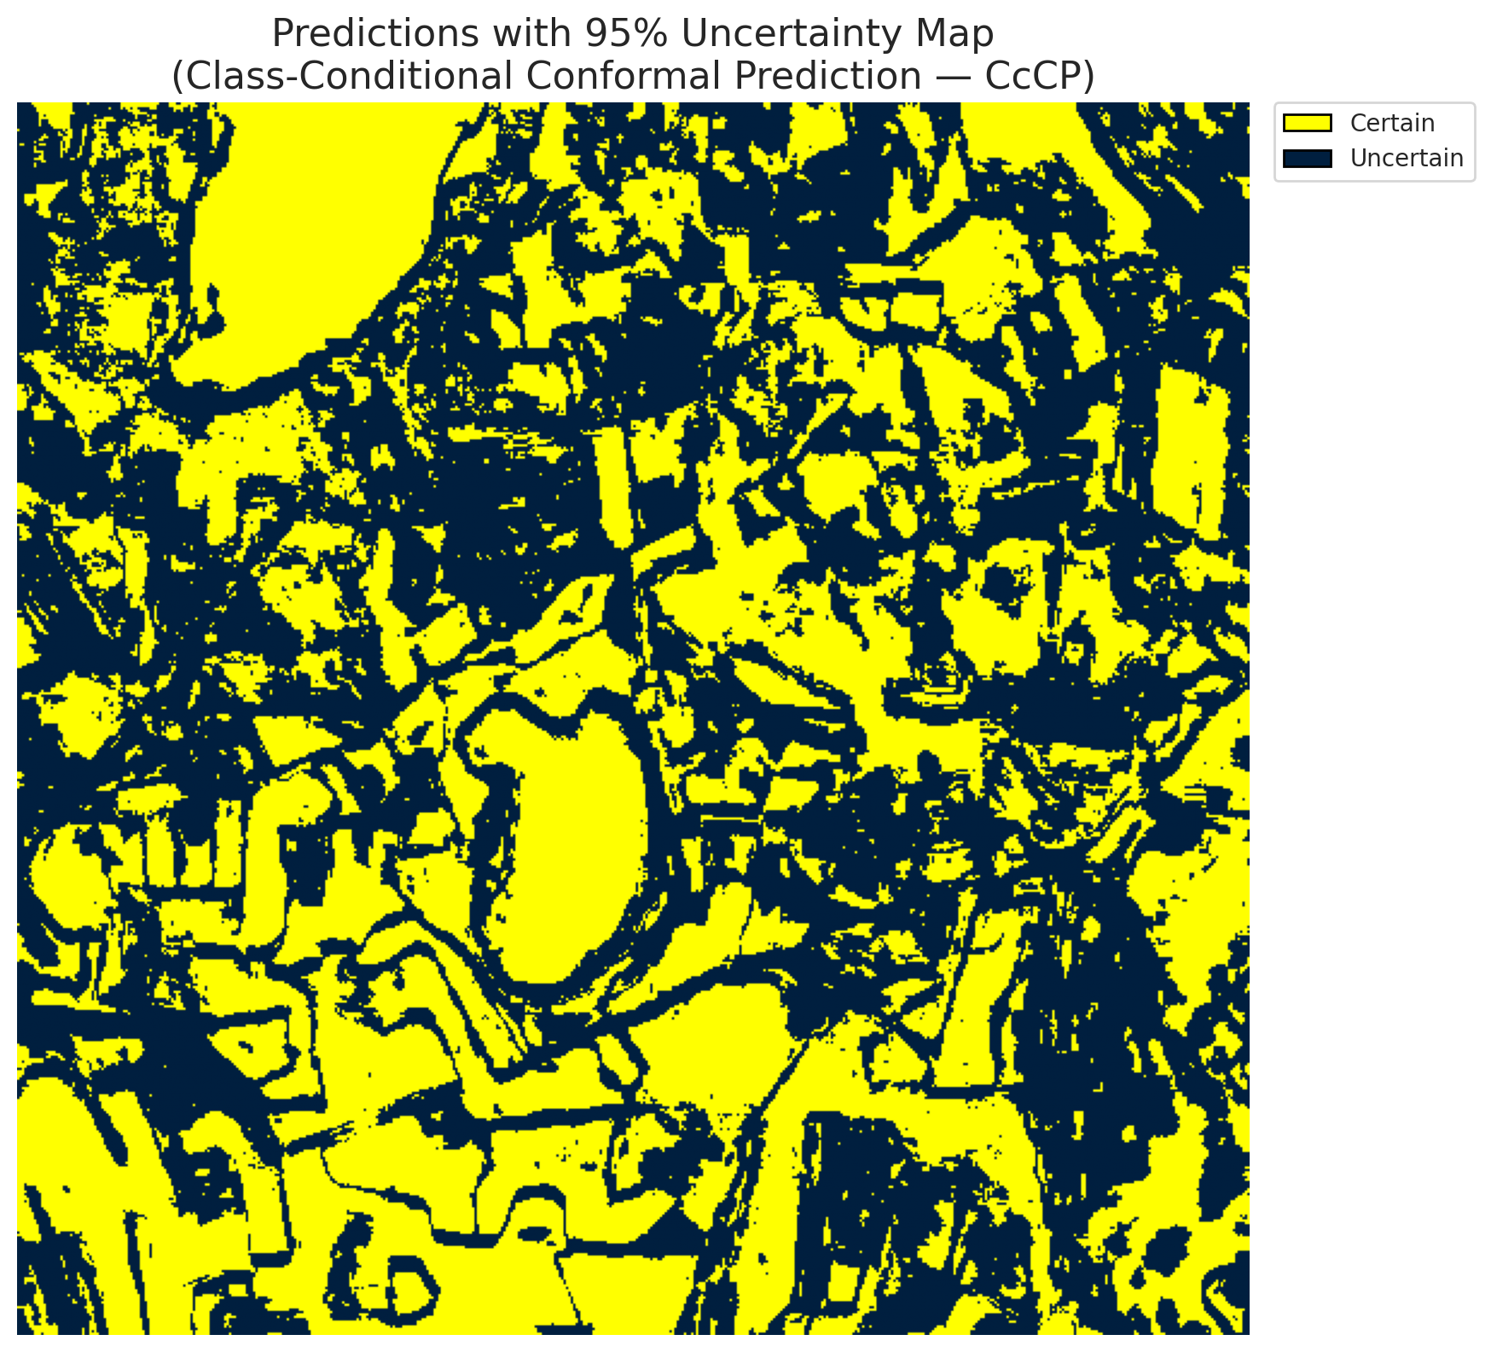
4 | Class 4 | 43418
5 | Class 5 | 24456
6 | Class 6 | 2153
7 | Class 7 | 8404
8 | Uncertain | 138493

Classwise q_hat
class_id | q_hat_classconditional
0 | 0.0097388145574
1 | 0.0068747953928
2 | 0.012835342525
3 | 0.008872286555
4 | 0.0085705406105
5 | 0.010103138881
6 | 0.0087925210647
7 | 0.009263276098

 |  |  |  |  |  |  |  |  | Class Map with Uncertain Mask
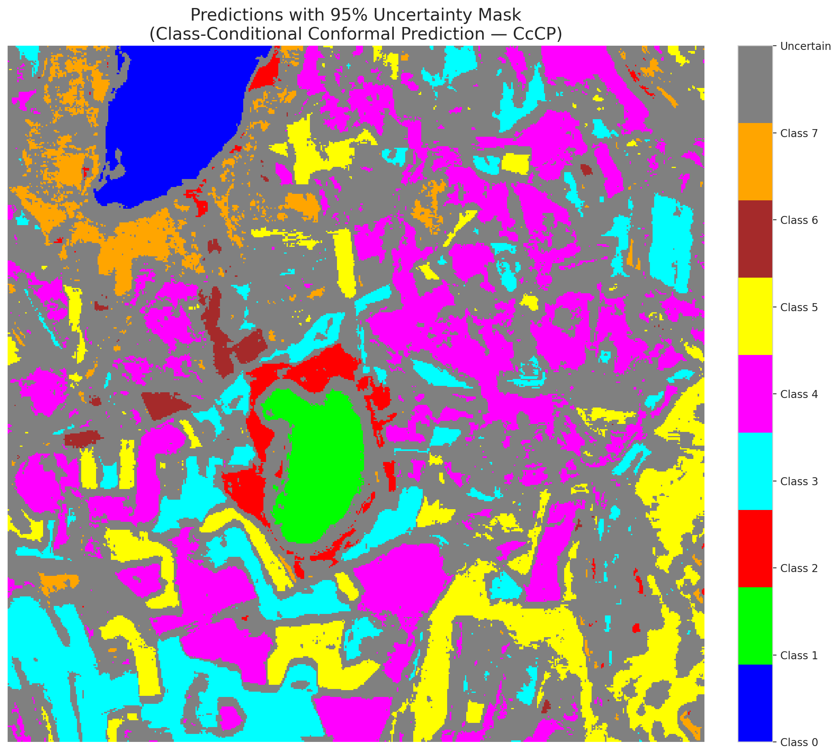

 |  |  |  |  |  |  |  |  | Pixel Counts

RC3P_GFNet
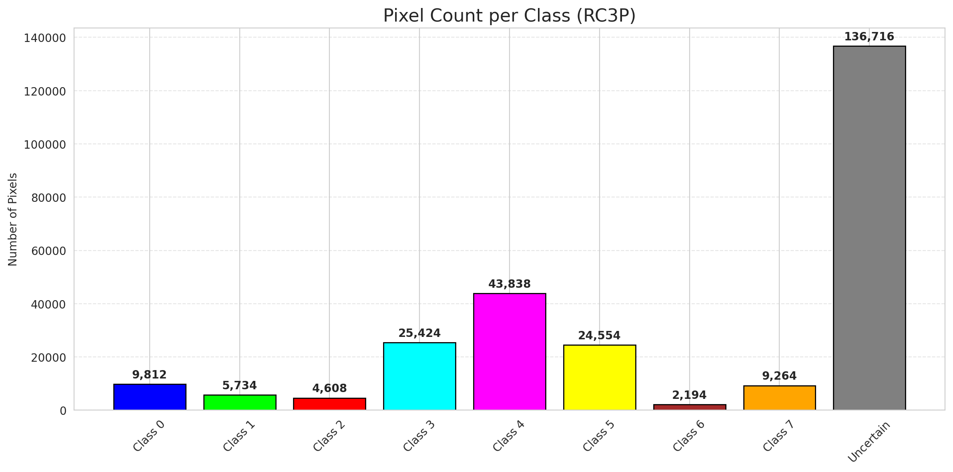
RC3P - GFNet |  |  |  |  |  |  |  |  | Per-Class Coverage
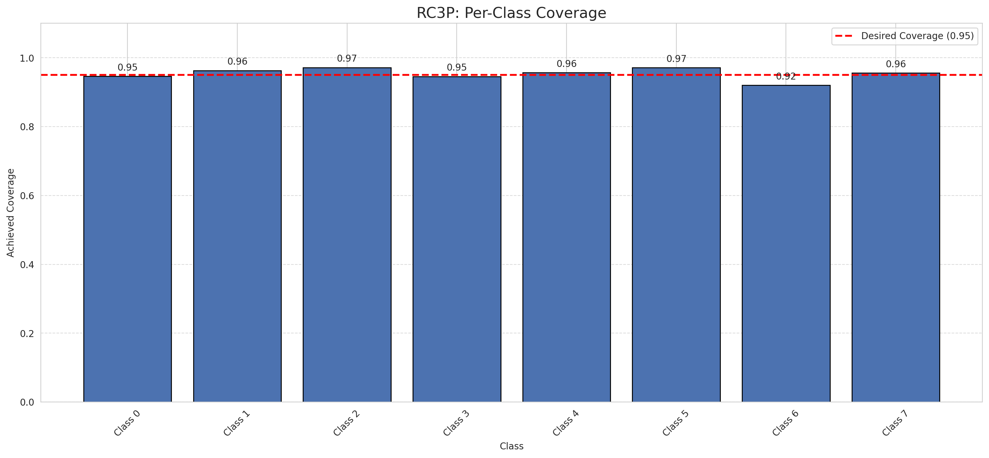
Summary
model_name | method | target_coverage | empirical_coverage | avg_set_size | median_set_size | singleton_rate | empty_set_rate | runtime_sec | alpha | lam | n_clusters | mean_per_class_coverage
GFNet | RC3P | 0.95 | 0.95532135966 | 0.95532135966 | 1 | 0.95532135966 | 0.044678640344 | 2.365494427 | 0.05 |  |  | 0.95403591519

Per-Class Coverage Values
class_id | class_coverage | support_count
0 | 0.94654605263 | 1216
1 | 0.96306818182 | 704
2 | 0.97173144876 | 283
3 | 0.94578754579 | 1365
4 | 0.9572327044 | 1590
5 | 0.9716713881 | 1059
6 | 0.92 | 200
7 | 0.95625 | 320

Pixel Counts
class_id | label | pixel_count
0 | Class 0 | 9812
1 | Class 1 | 5734
2 | Class 2 | 4608
3 | Class 3 | 25424 |  |  |  |  |  |  | Certain vs Uncertain Map
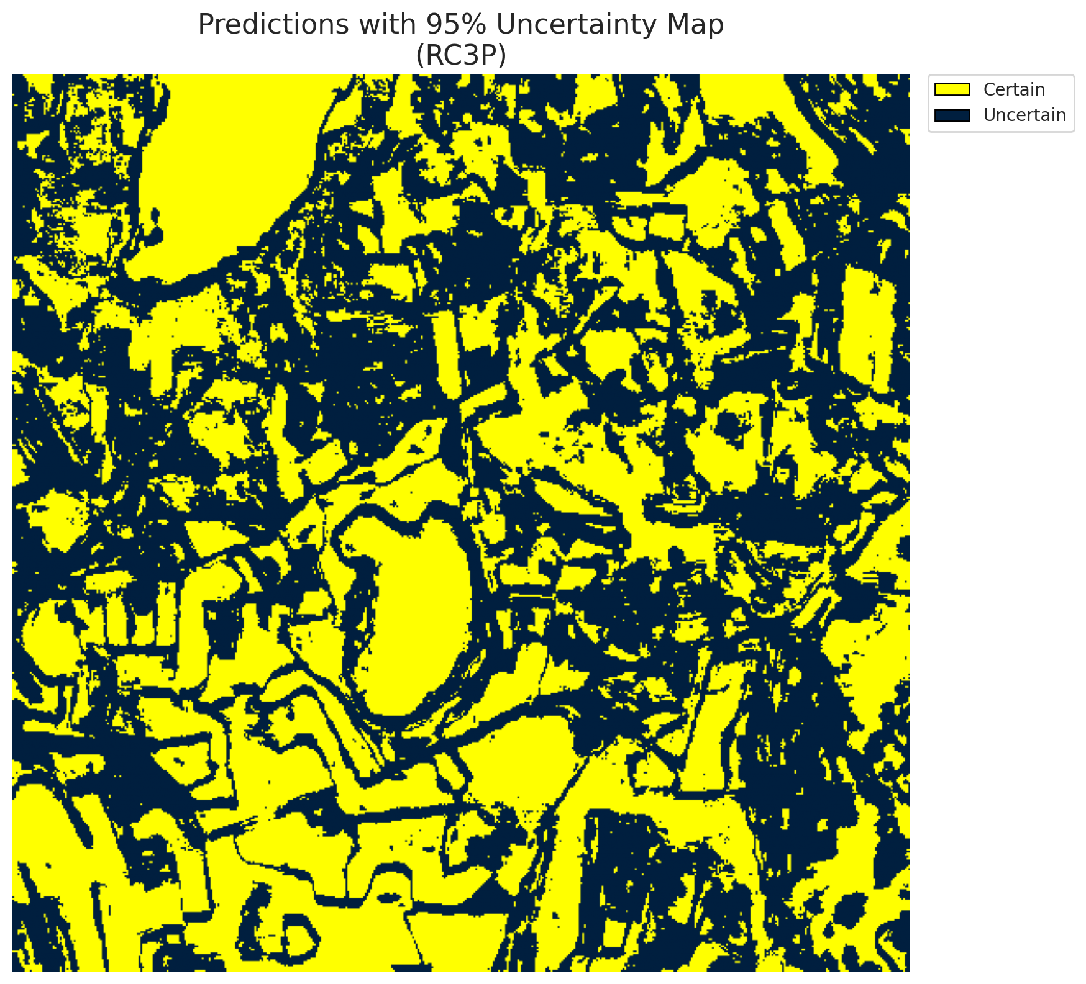
4 | Class 4 | 43838
5 | Class 5 | 24554
6 | Class 6 | 2194
7 | Class 7 | 9264
8 | Uncertain | 136716

RC3P Thresholds & Limits
class_id | q_hat_rc3p | suit_index_limit
0 | 0.0097418022873 | 1
1 | 0.0069078566567 | 1
2 | 0.013648899414 | 1
3 | 0.0089198079318 | 1
4 | 0.0086365898993 | 1
5 | 0.010164519939 | 1
6 | 0.0092071927462 | 1
7 | 0.011243561131 | 1

 |  |  |  |  |  |  |  |  | Class Map with Uncertain Mask
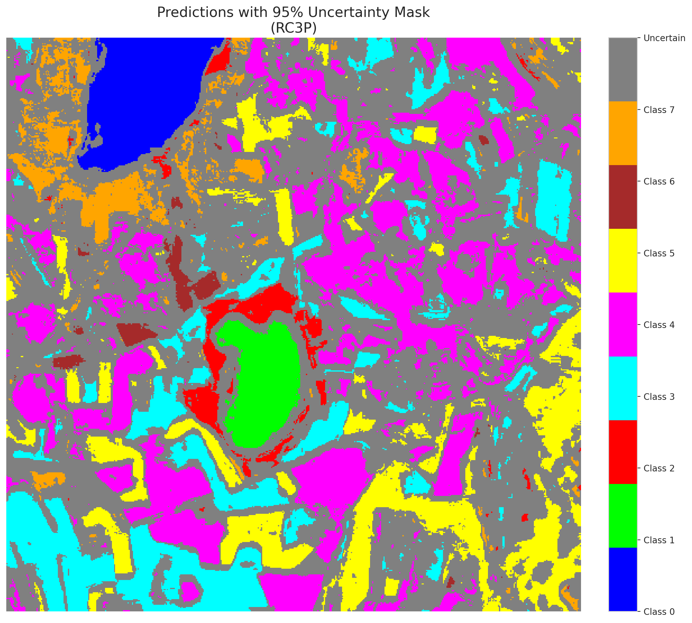

 |  |  |  |  |  |  |  |  | Pixel Counts

Clustered_GFNet
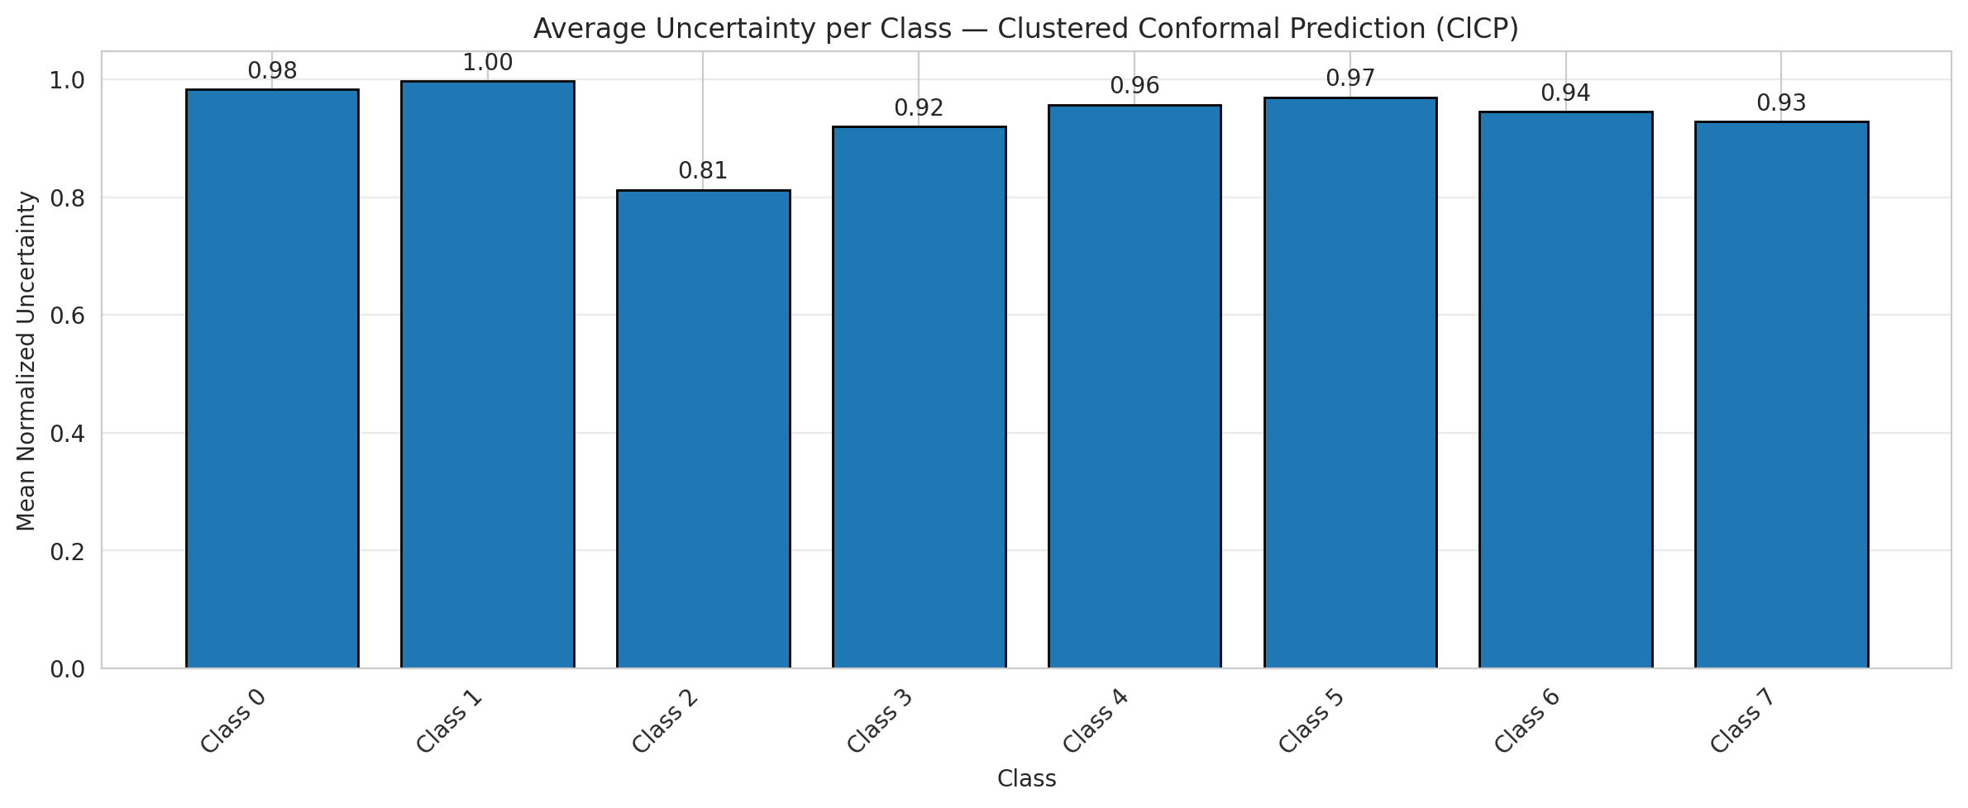
ClusteredConformal - GFNet |  |  |  |  |  |  |  |  | Per-Class Coverage
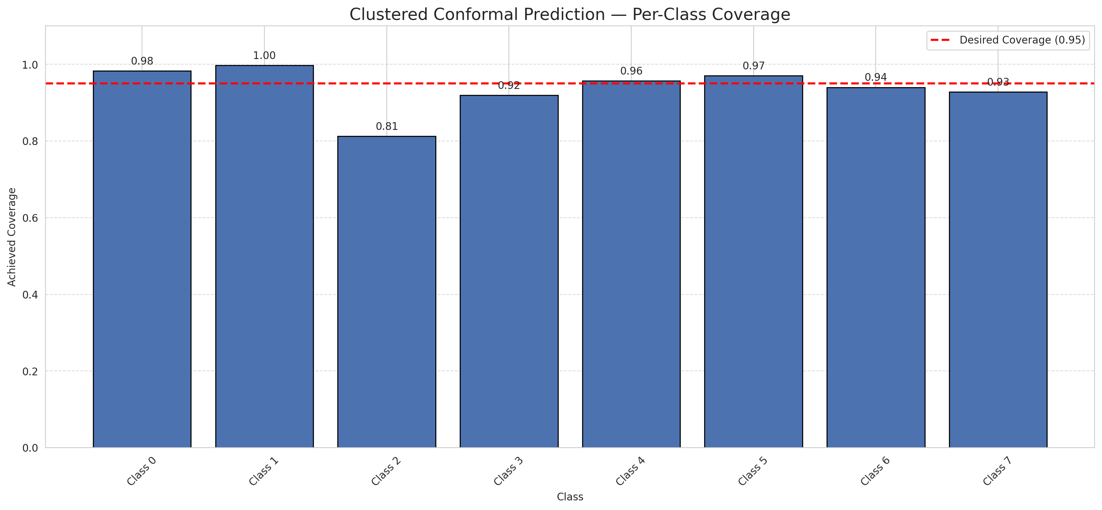
Summary
model_name | method | target_coverage | empirical_coverage | avg_set_size | median_set_size | singleton_rate | empty_set_rate | runtime_sec | alpha | lam | n_clusters | mean_per_class_coverage
GFNet | ClusteredConformal | 0.95 | 0.95250111326 | 0.95250111326 | 1 | 0.95250111326 | 0.047498886745 | 5.47489568 | 0.05 |  | 4 | 0.93851361587

Per-Class Coverage Values
class_id | class_coverage | support_count
0 | 0.98273026316 | 1216
1 | 0.99715909091 | 704
2 | 0.81272084806 | 283
3 | 0.91941391941 | 1365
4 | 0.9572327044 | 1590
5 | 0.97072710104 | 1059
6 | 0.94 | 200
7 | 0.928125 | 320

Class-to-Cluster Assignment
class_id | cluster_id
0 | 0
1 | 2
2 | 0
3 | 2 |  |  |  |  |  |  |  | Uncertainty Distribution
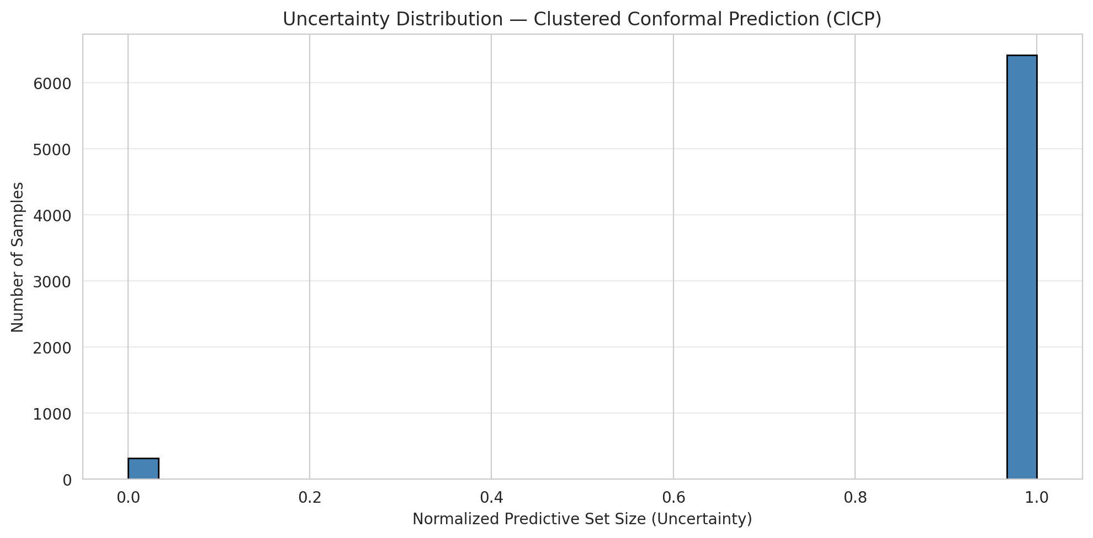
4 | 2
5 | 1
6 | 1
7 | 3

Cluster q_hat
cluster_id | q_hat_cluster
0 | 0.0099549502132
1 | 0.010029822541
2 | 0.0086414155008
3 | 0.009263276098

Cluster Mean Uncertainty
cluster | uncertainty
0 | 0.95063375584
1 | 0.96584590945
2 | 0.95080623121
3 | 0.928125

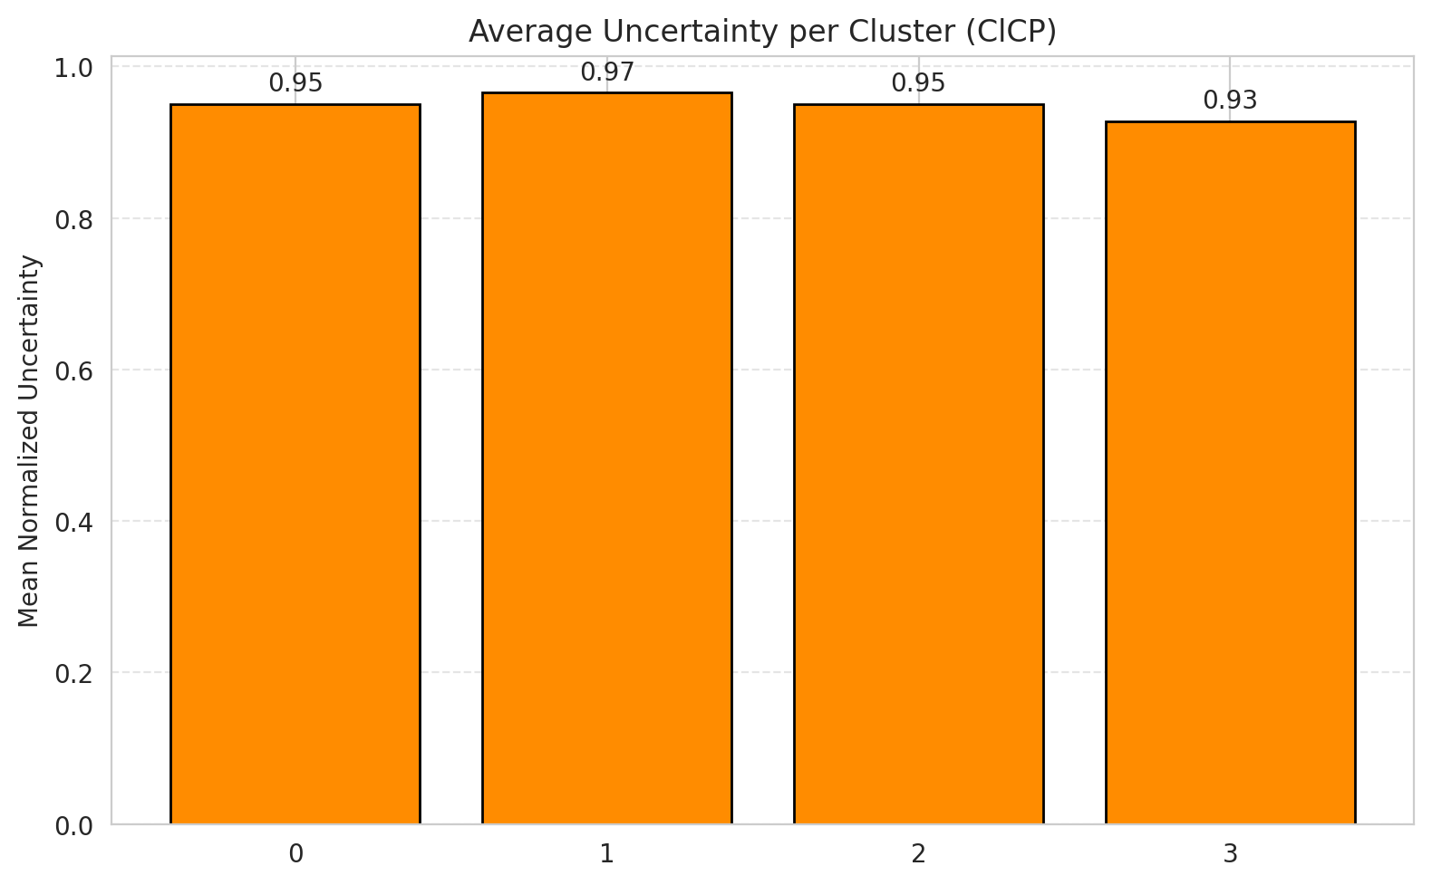
Class Mean Uncertainty
class_id | uncertainty |  |  |  |  |  |  |  | Avg Uncertainty per Cluster
0 | 0.98273026316
1 | 0.99715909091
2 | 0.81272084806
3 | 0.91941391941
4 | 0.9572327044
5 | 0.96981132075
6 | 0.94472361809
7 | 0.928125

 |  |  |  |  |  |  |  |  | Avg Uncertainty per Class

RAPS_GFNet
RAPS - GFNet |  |  |  |  |  |  |  |  | Per-Class Coverage
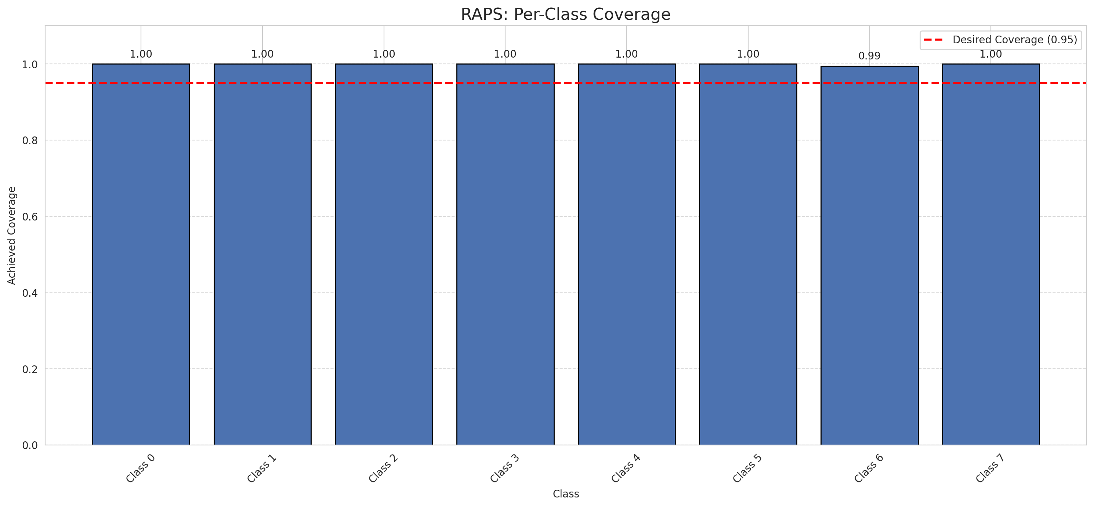
Summary
model_name | method | target_coverage | empirical_coverage | avg_set_size | median_set_size | singleton_rate | empty_set_rate | runtime_sec | alpha | lam | n_clusters | mean_per_class_coverage
GFNet | RAPS | 0.95 | 0.99985156598 | 1 | 1 | 1 | 0 | 0.483161342 | 0.05 | 0.01 |  | 0.999375

Per-Class Coverage Values
class_id | class_coverage | support_count
0 | 1 | 1216
1 | 1 | 704
2 | 1 | 283
3 | 1 | 1365
4 | 1 | 1590
5 | 1 | 1059
6 | 0.995 | 200
7 | 1 | 320

RAPS Parameters
q_hat_raps | lambda | k_reg
0 | 0.01 | 1

Split_ViT
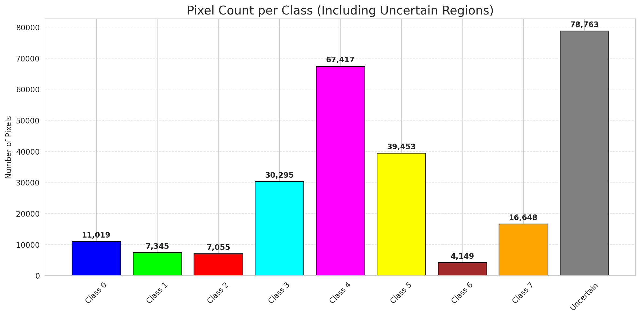
SplitConformal - ViT |  |  |  |  |  |  |  |  | Per-Class Coverage
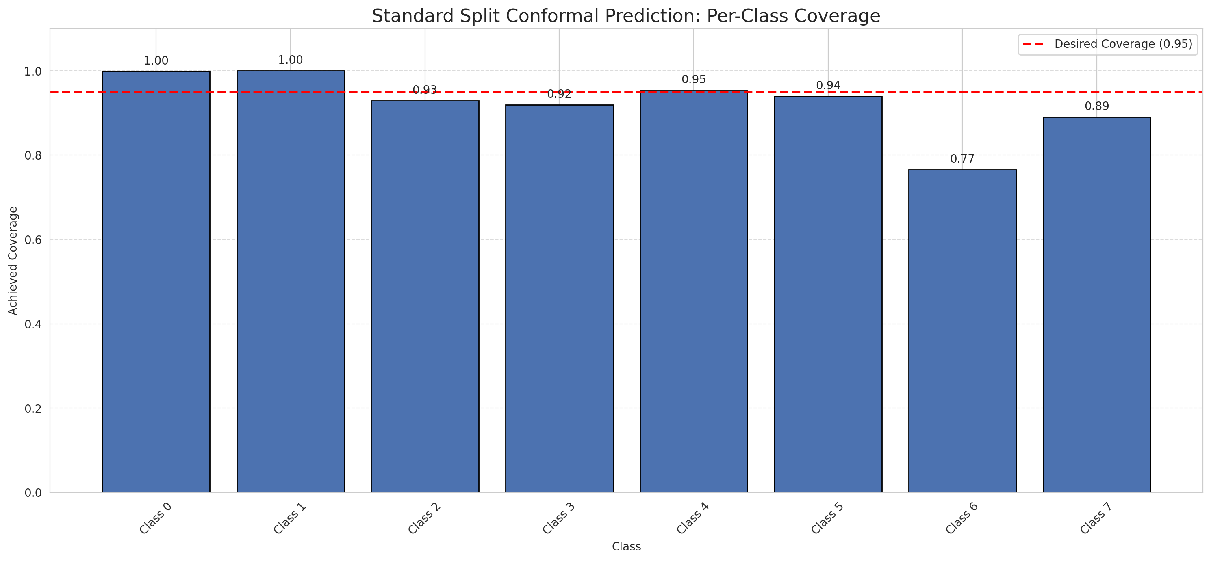
Summary
model_name | method | target_coverage | empirical_coverage | avg_set_size | median_set_size | singleton_rate | empty_set_rate | runtime_sec | alpha | lam | n_clusters | mean_per_class_coverage
ViT | SplitConformal | 0.95 | 0.94775122458 | 0.94775122458 | 1 | 0.94775122458 | 0.052248775419 | 2.252478338 | 0.05 |  |  | 0.92446844399

Per-Class Coverage Values
class_id | class_coverage | support_count
0 | 0.99835526316 | 1216
1 | 1 | 704
2 | 0.92932862191 | 283
3 | 0.91941391941 | 1365
4 | 0.9534591195 | 1590
5 | 0.93956562795 | 1059
6 | 0.765 | 200
7 | 0.890625 | 320

Pixel Counts
class_id | label | pixel_count
0 | Class 0 | 11019
1 | Class 1 | 7345
2 | Class 2 | 7055
3 | Class 3 | 30295 |  |  |  |  |  |  | Certain vs Uncertain Map
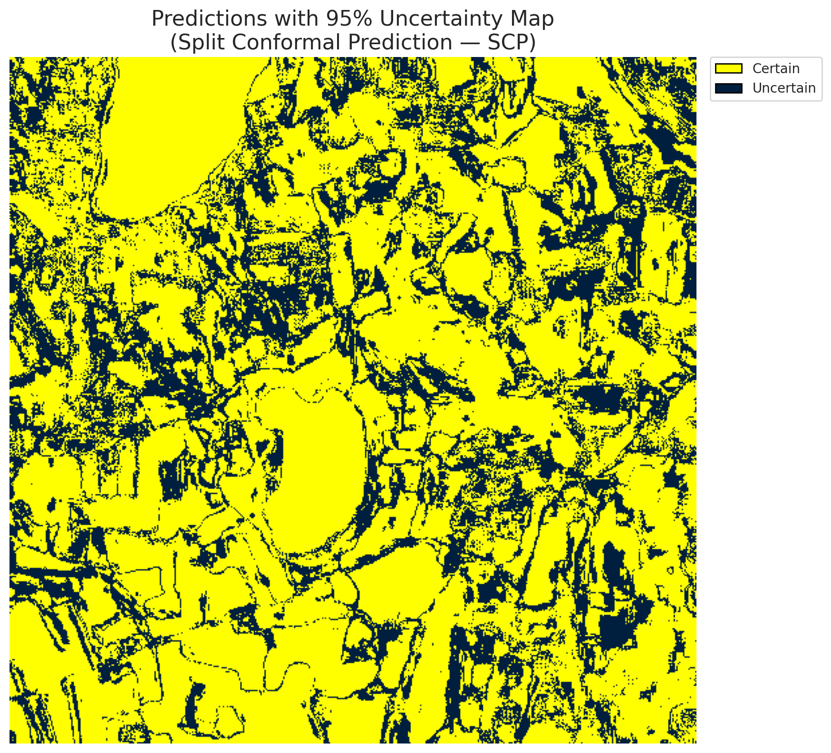
4 | Class 4 | 67417
5 | Class 5 | 39453
6 | Class 6 | 4149
7 | Class 7 | 16648
8 | Uncertain | 78763

Threshold
q_hat_split
0.041099383151

 |  |  |  |  |  |  |  |  | Class Map with Uncertain Mask


 |  |  |  |  |  |  |  |  | Pixel Counts

ClassCond_ViT
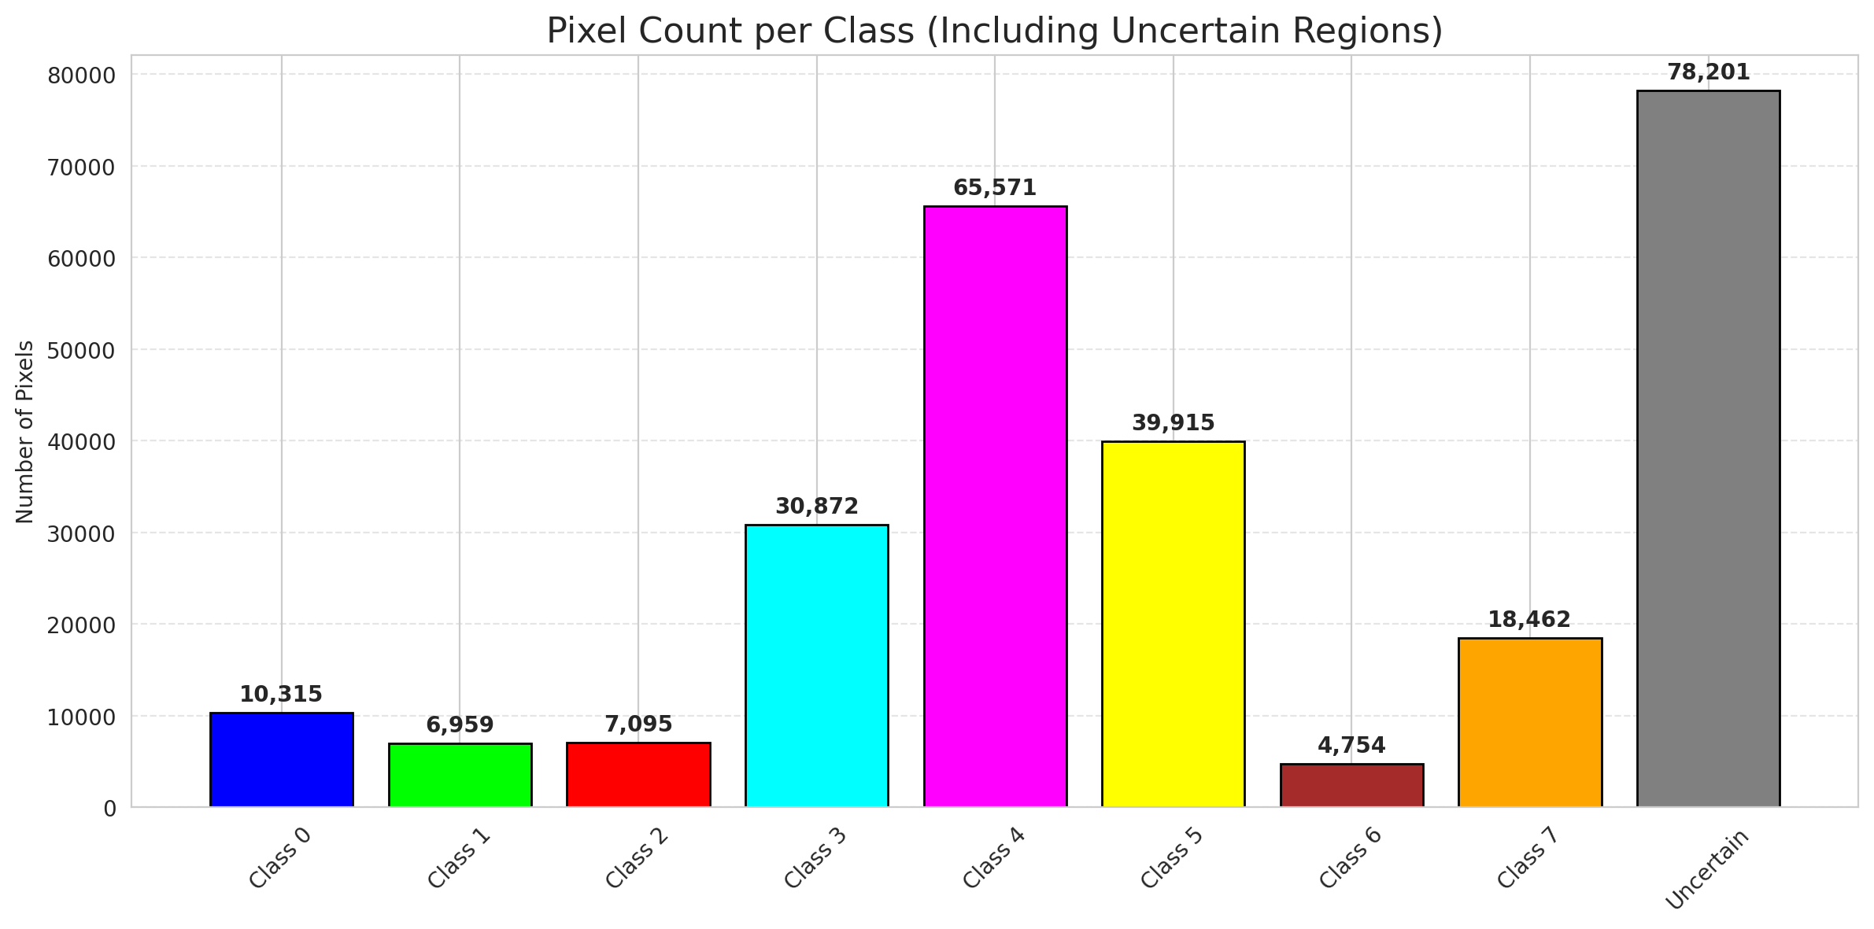
ClassConditionalConformal - ViT |  |  |  |  |  |  |  |  | Per-Class Coverage
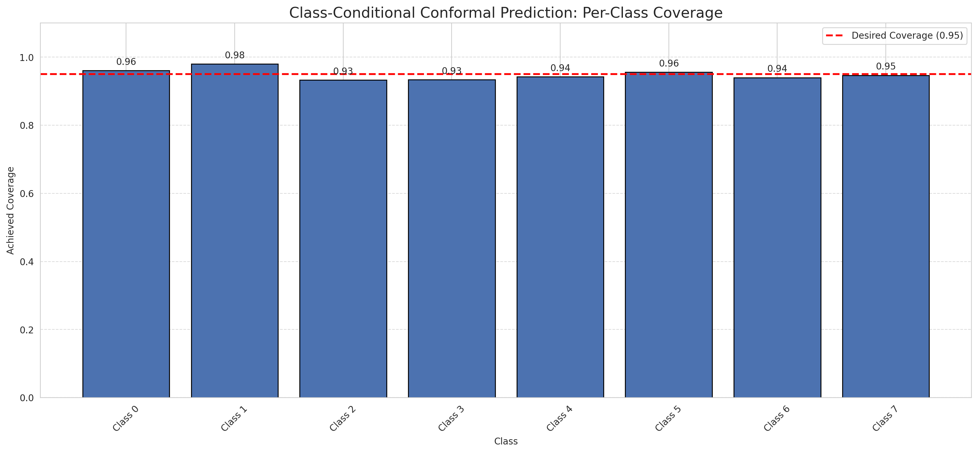
Summary
model_name | method | target_coverage | empirical_coverage | avg_set_size | median_set_size | singleton_rate | empty_set_rate | runtime_sec | alpha | lam | n_clusters | mean_per_class_coverage
ViT | ClassConditionalConformal | 0.95 | 0.94968086685 | 0.94968086685 | 1 | 0.94968086685 | 0.050319133145 | 2.224427327 | 0.05 |  |  | 0.94902499373

Per-Class Coverage Values
class_id | class_coverage | support_count
0 | 0.96052631579 | 1216
1 | 0.98011363636 | 704
2 | 0.93286219081 | 283
3 | 0.93406593407 | 1365
4 | 0.94213836478 | 1590
5 | 0.95561850803 | 1059
6 | 0.94 | 200
7 | 0.946875 | 320

Pixel Counts
class_id | label | pixel_count
0 | Class 0 | 10315
1 | Class 1 | 6959
2 | Class 2 | 7095
3 | Class 3 | 30872 |  |  |  |  |  |  | Certain vs Uncertain Map
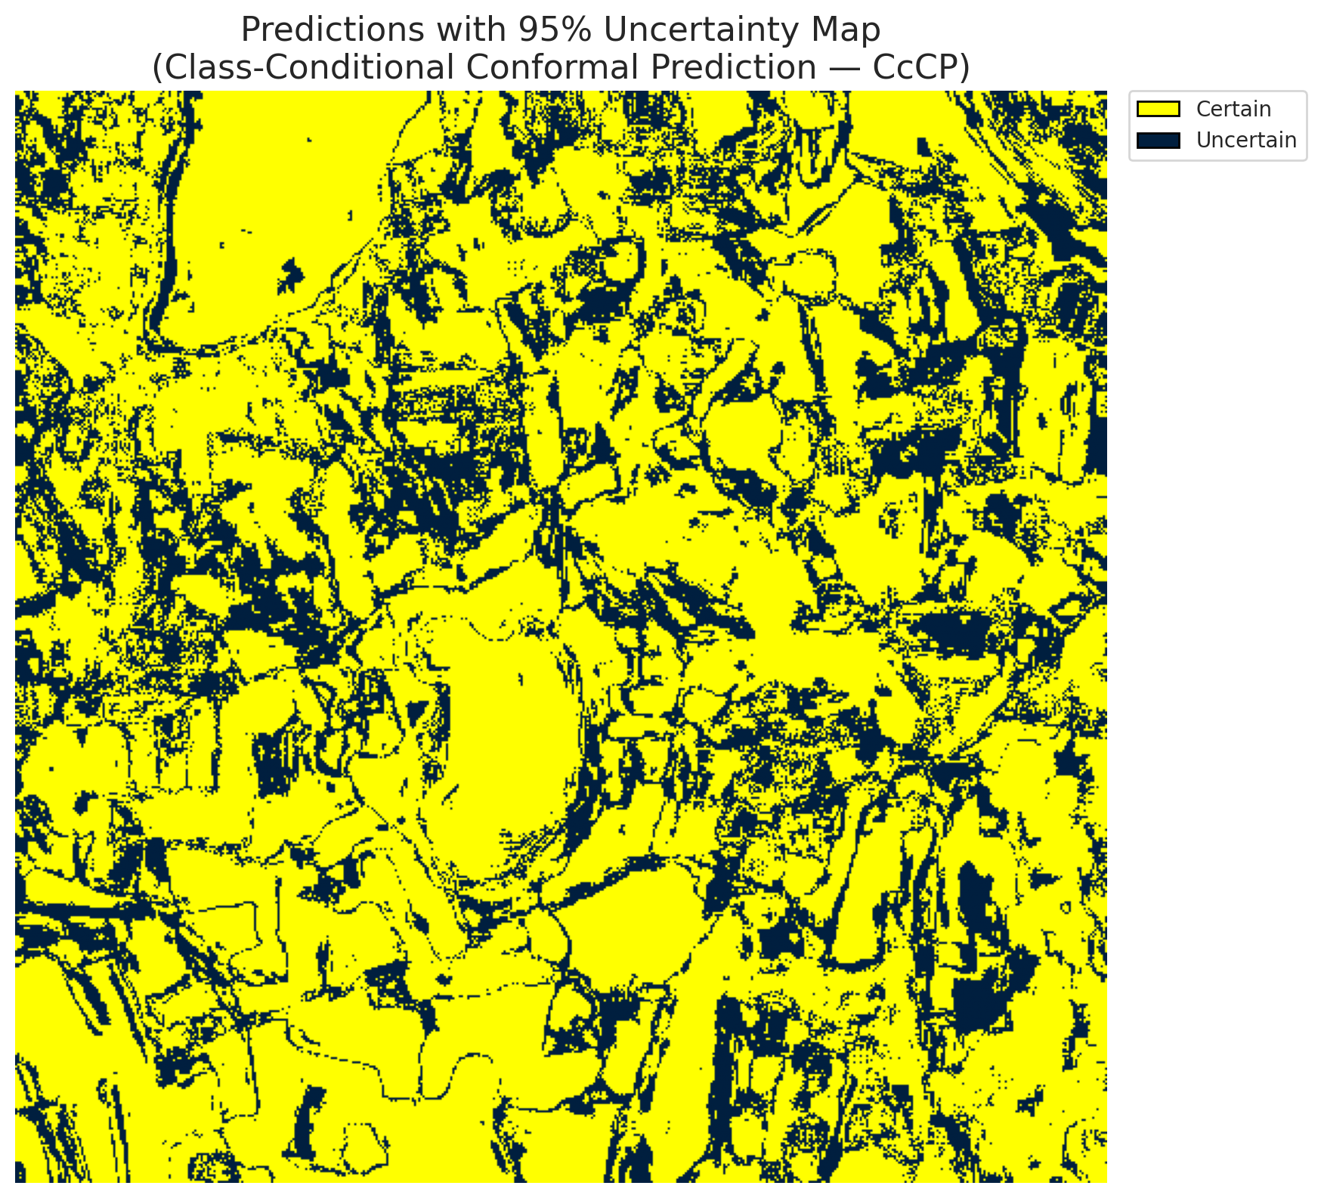
4 | Class 4 | 65571
5 | Class 5 | 39915
6 | Class 6 | 4754
7 | Class 7 | 18462
8 | Uncertain | 78201

Classwise q_hat
class_id | q_hat_classconditional
0 | 0.039829173084
1 | 0.039299608619
2 | 0.041406804008
3 | 0.041368702148
4 | 0.040796722153
5 | 0.04137304168
6 | 0.044950779228
7 | 0.045597336116

 |  |  |  |  |  |  |  |  | Class Map with Uncertain Mask
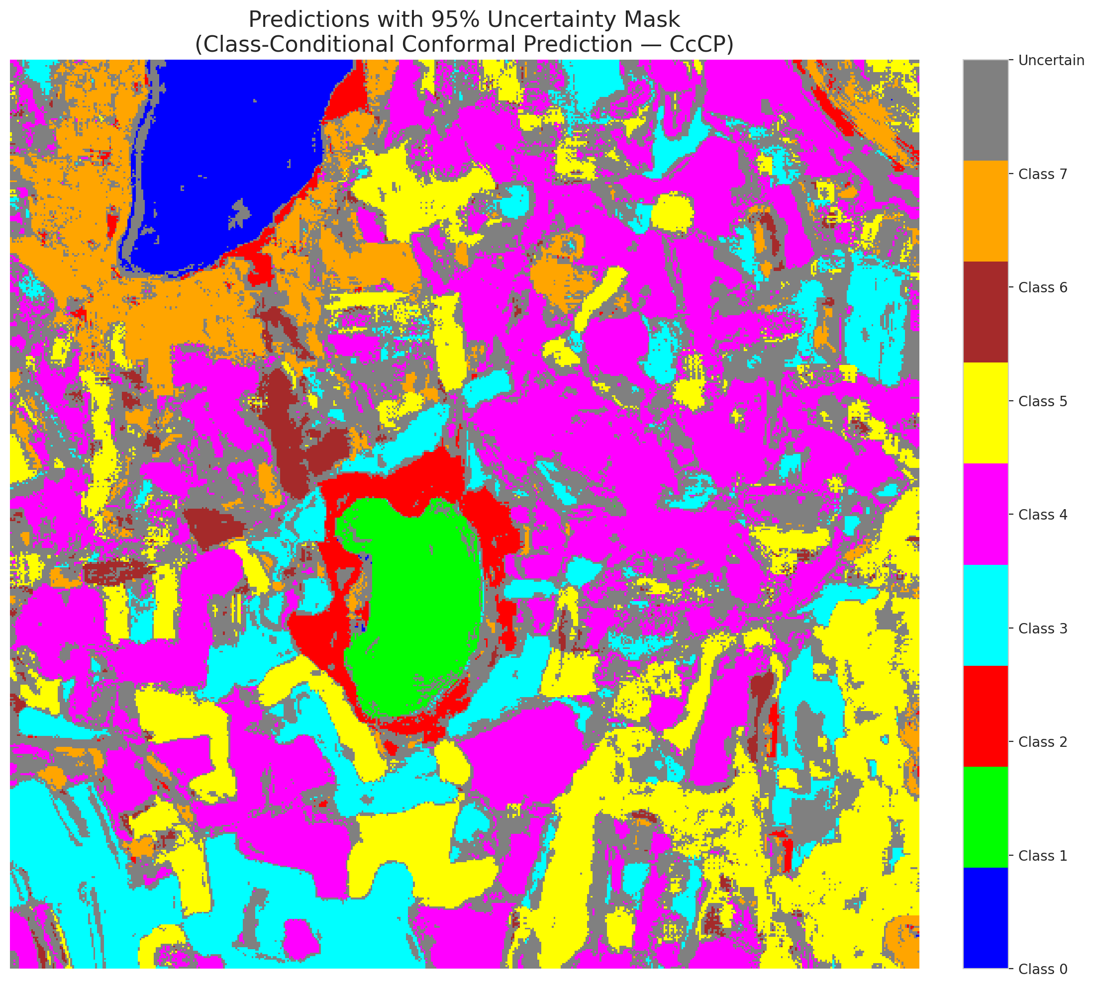

 |  |  |  |  |  |  |  |  | Pixel Counts

RC3P_ViT
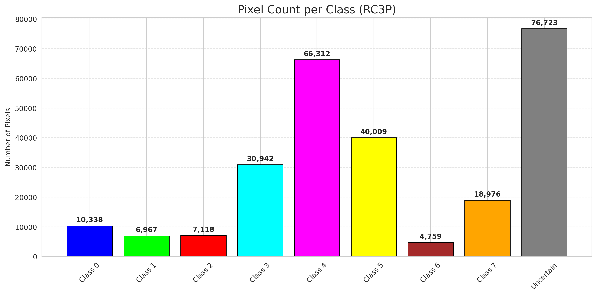
RC3P - ViT |  |  |  |  |  |  |  |  | Per-Class Coverage
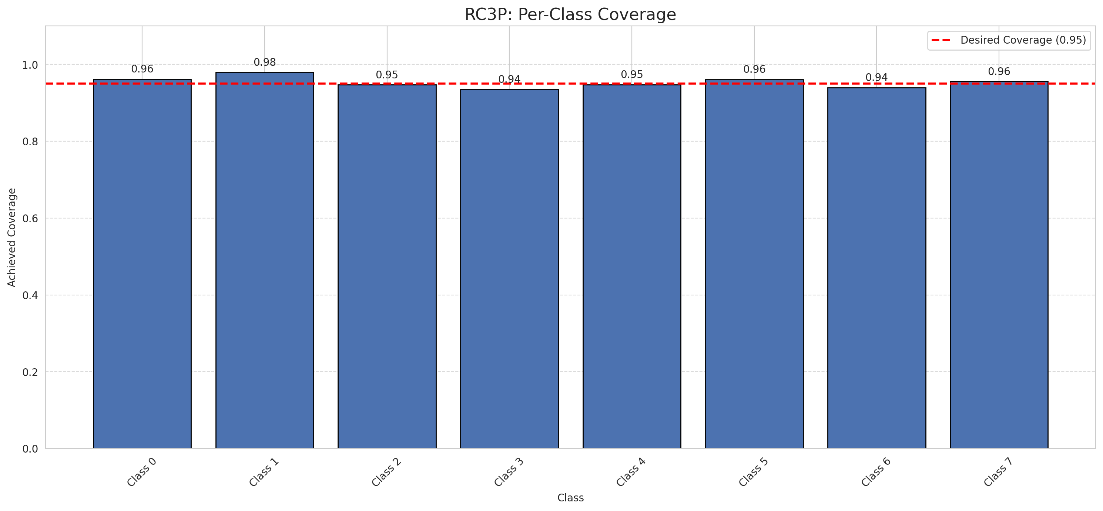
Summary
model_name | method | target_coverage | empirical_coverage | avg_set_size | median_set_size | singleton_rate | empty_set_rate | runtime_sec | alpha | lam | n_clusters | mean_per_class_coverage
ViT | RC3P | 0.95 | 0.9535401514 | 0.9535401514 | 1 | 0.9535401514 | 0.046459848597 | 2.288203042 | 0.05 |  |  | 0.95376815794

Per-Class Coverage Values
class_id | class_coverage | support_count
0 | 0.96217105263 | 1216
1 | 0.98011363636 | 704
2 | 0.94699646643 | 283
3 | 0.93553113553 | 1365
4 | 0.94779874214 | 1590
5 | 0.96128423041 | 1059
6 | 0.94 | 200
7 | 0.95625 | 320

Pixel Counts
class_id | label | pixel_count
0 | Class 0 | 10338
1 | Class 1 | 6967
2 | Class 2 | 7118
3 | Class 3 | 30942 |  |  |  |  |  |  | Certain vs Uncertain Map
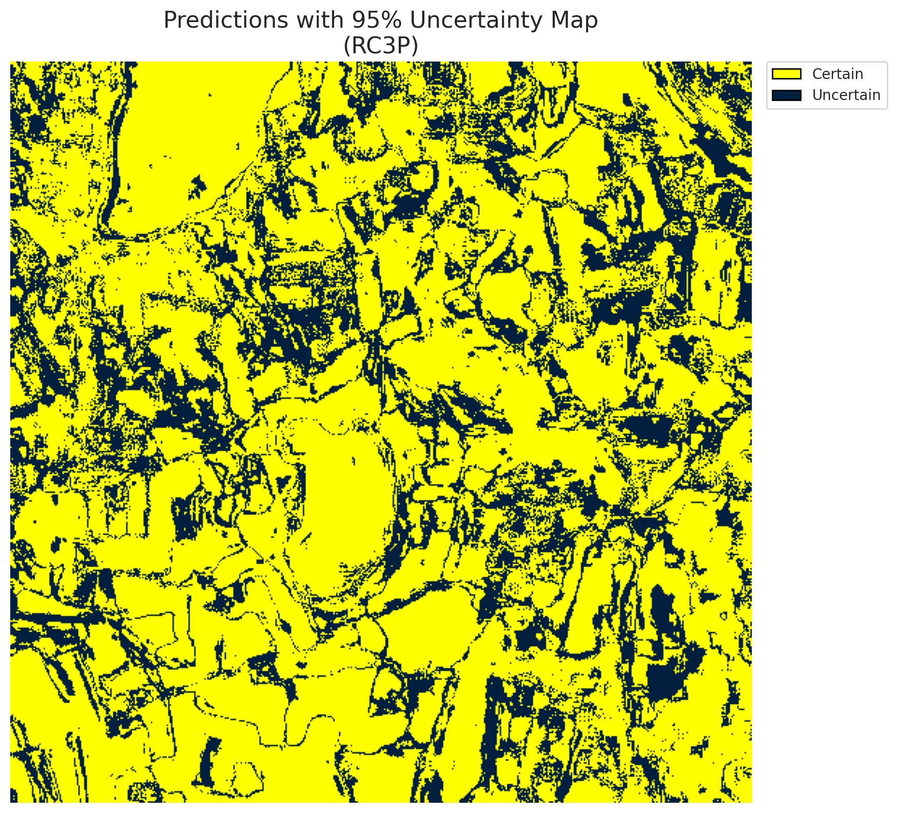
4 | Class 4 | 66312
5 | Class 5 | 40009
6 | Class 6 | 4759
7 | Class 7 | 18976
8 | Uncertain | 76723

RC3P Thresholds & Limits
class_id | q_hat_rc3p | suit_index_limit
0 | 0.039832925494 | 1
1 | 0.039305234483 | 1
2 | 0.041549409588 | 1
3 | 0.041405897466 | 1
4 | 0.040907238987 | 1
5 | 0.041446901207 | 1
6 | 0.044983106746 | 1
7 | 0.048429866032 | 1

 |  |  |  |  |  |  |  |  | Class Map with Uncertain Mask


 |  |  |  |  |  |  |  |  | Pixel Counts

Clustered_ViT
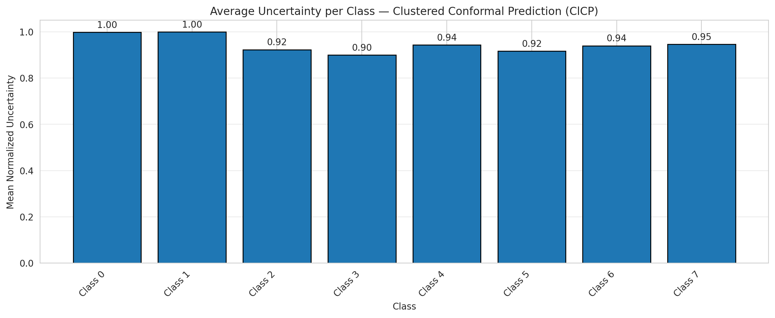
ClusteredConformal - ViT |  |  |  |  |  |  |  |  | Per-Class Coverage
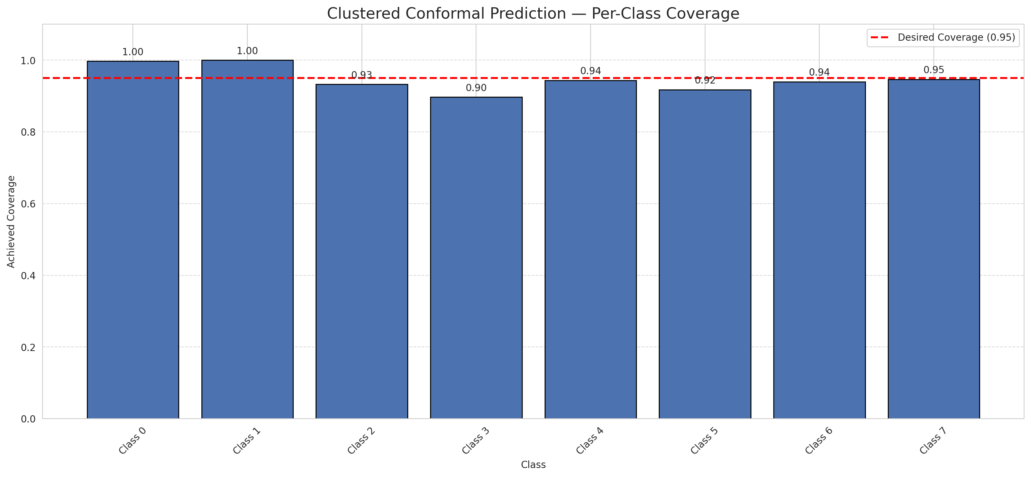
Summary
model_name | method | target_coverage | empirical_coverage | avg_set_size | median_set_size | singleton_rate | empty_set_rate | runtime_sec | alpha | lam | n_clusters | mean_per_class_coverage
ViT | ClusteredConformal | 0.95 | 0.94552471426 | 0.94552471426 | 1 | 0.94552471426 | 0.054475285735 | 10.674195278 | 0.05 |  | 4 | 0.94707227071

Per-Class Coverage Values
class_id | class_coverage | support_count
0 | 0.99753289474 | 1216
1 | 1 | 704
2 | 0.93286219081 | 283
3 | 0.89743589744 | 1365
4 | 0.94402515723 | 1590
5 | 0.9178470255 | 1059
6 | 0.94 | 200
7 | 0.946875 | 320

Class-to-Cluster Assignment
class_id | cluster_id
0 | 0
1 | 0
2 | 3
3 | 0 |  |  |  |  |  |  |  | Uncertainty Distribution

4 | 0
5 | 0
6 | 2
7 | 1

Cluster q_hat
cluster_id | q_hat_cluster
0 | 0.04082389959
1 | 0.045597336116
2 | 0.044950779228
3 | 0.041406804008

Cluster Mean Uncertainty
cluster | uncertainty
0 | 0.94672062047
1 | 0.946875
2 | 0.94
3 | 0.92307692308

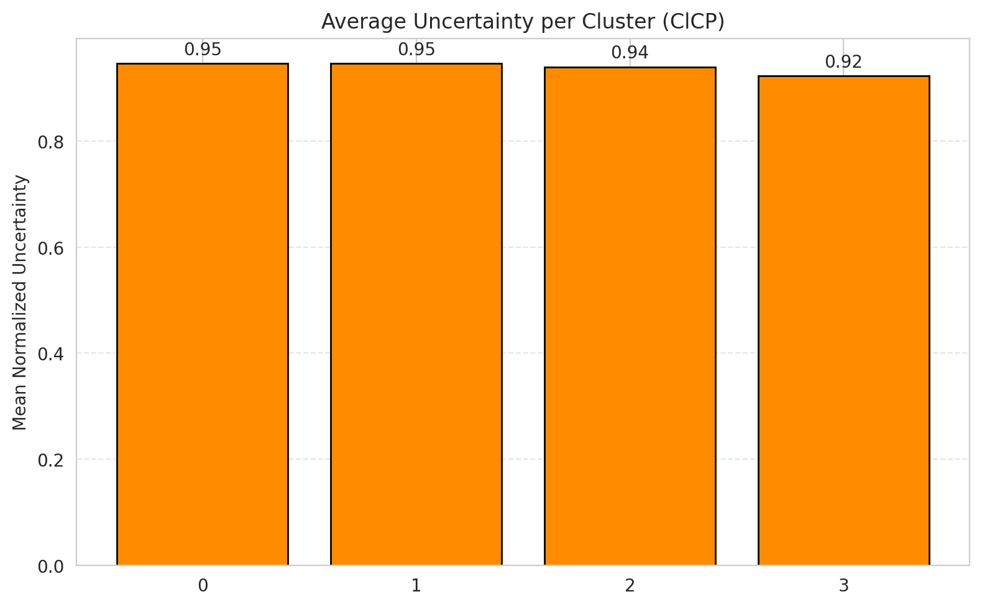
Class Mean Uncertainty
class_id | uncertainty |  |  |  |  |  |  |  | Avg Uncertainty per Cluster
0 | 0.99835390947
1 | 1
2 | 0.92307692308
3 | 0.90007347539
4 | 0.9434318039
5 | 0.91698113208
6 | 0.94
7 | 0.946875

 |  |  |  |  |  |  |  |  | Avg Uncertainty per Class

RAPS_ViT
RAPS - ViT |  |  |  |  |  |  |  |  | Per-Class Coverage

Summary
model_name | method | target_coverage | empirical_coverage | avg_set_size | median_set_size | singleton_rate | empty_set_rate | runtime_sec | alpha | lam | n_clusters | mean_per_class_coverage
ViT | RAPS | 0.95 | 0.99925782989 | 1 | 1 | 1 | 0 | 0.469740083 | 0.05 | 0.01 |  | 0.99953090358

Per-Class Coverage Values
class_id | class_coverage | support_count
0 | 0.99917763158 | 1216
1 | 1 | 704
2 | 1 | 283
3 | 0.99706959707 | 1365
4 | 1 | 1590
5 | 1 | 1059
6 | 1 | 200
7 | 1 | 320

RAPS Parameters
q_hat_raps | lambda | k_reg
0 | 0.01 | 1

Compare_Clustered
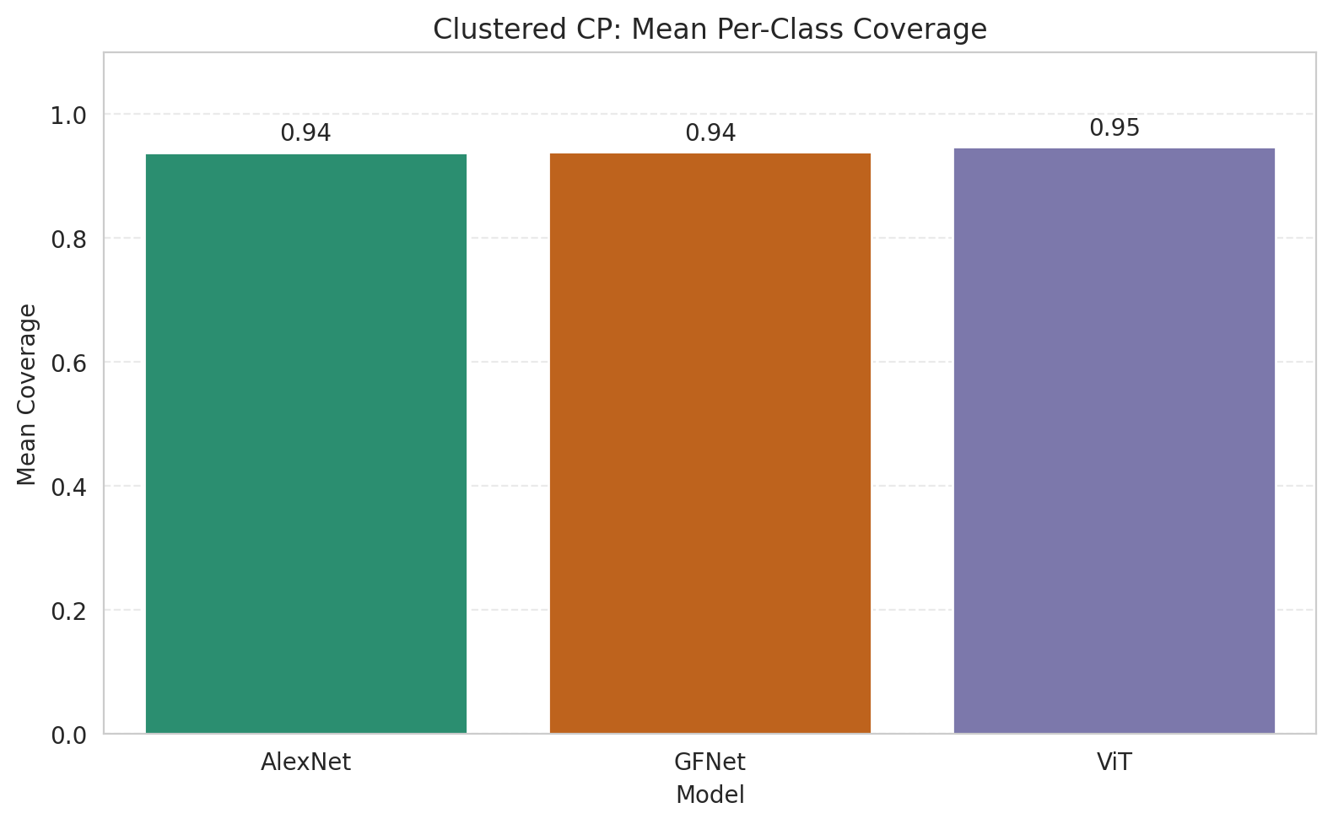
Clustered CP: 3-Model Comparison

model_name | method | target_coverage | empirical_coverage | avg_set_size | median_set_size | singleton_rate | empty_set_rate | model_name | mean_per_class_coverage | lam | n_clusters | mean_per_class_coverage
AlexNet | ClusteredConformal | 0.95 | 0.95725100193 | 0.95725100193 | 1 | 0.95725100193 | 0.04274899807 | AlexNet | 0.93831677358 |  | 4 | 0.93831677358
GFNet | ClusteredConformal | 0.95 | 0.95250111326 | 0.95250111326 | 1 | 0.95250111326 | 0.047498886745 | GFNet | 0.93851361587 |  | 4 | 0.93851361587
ViT | ClusteredConformal | 0.95 | 0.94552471426 | 0.94552471426 | 1 | 0.94552471426 | 0.054475285735 | ViT | 0.94707227071 |  | 4 | 0.94707227071

Grouped Metrics Comparison

Mean Per-Class Coverage Comparison

Compare_RAPS
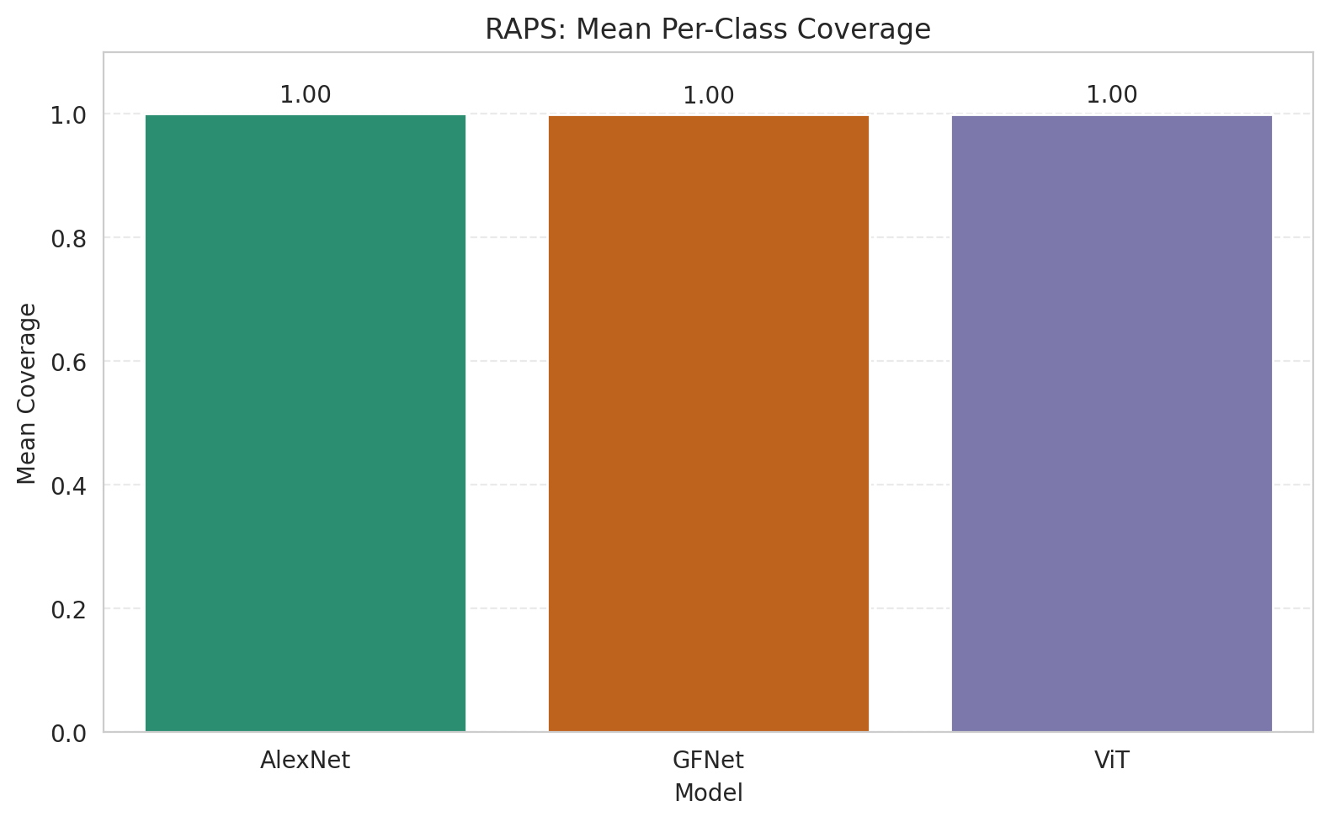
RAPS: 3-Model Comparison

model_name | method | target_coverage | empirical_coverage | avg_set_size | median_set_size | singleton_rate | empty_set_rate | model_name | mean_per_class_coverage | lam | n_clusters | mean_per_class_coverage
AlexNet | RAPS | 0.95 | 1 | 1 | 1 | 1 | 0 | AlexNet | 1 | 0.01 |  | 1
GFNet | RAPS | 0.95 | 0.99985156598 | 1 | 1 | 1 | 0 | GFNet | 0.999375 | 0.01 |  | 0.999375
ViT | RAPS | 0.95 | 0.99925782989 | 1 | 1 | 1 | 0 | ViT | 0.99953090358 | 0.01 |  | 0.99953090358

Grouped Metrics Comparison

Mean Per-Class Coverage Comparison

