AlexNet_CNN_MultiHead
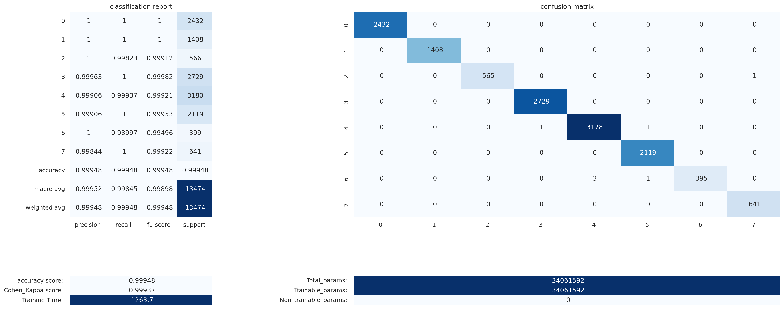
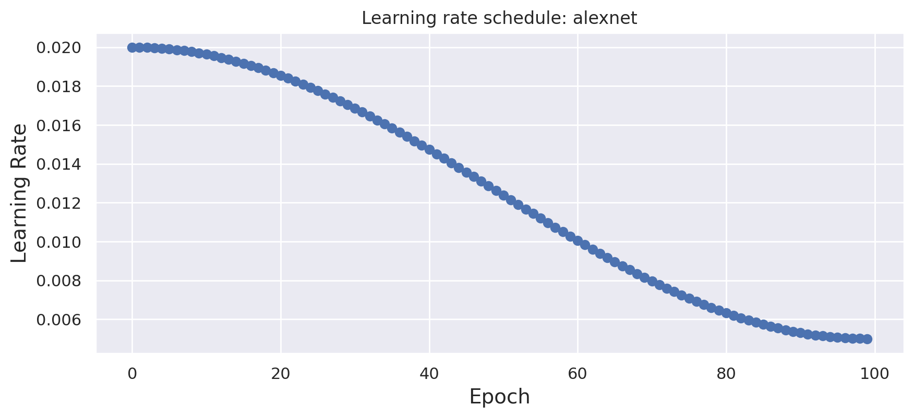
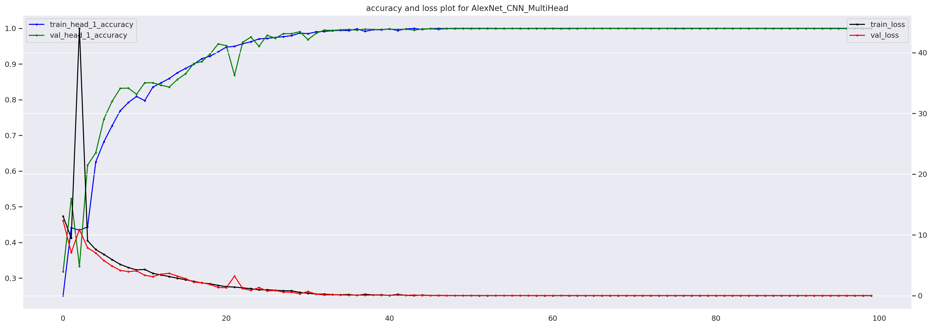
model_name | AlexNet_CNN_MultiHead
best_model_path | /kaggle/working/results/models/AlexNet_CNN_MultiHead_best.keras
final_model_path | /kaggle/working/results/models/AlexNet_CNN_MultiHead_final.keras
best_h5_path | /kaggle/working/results/models/AlexNet_CNN_MultiHead_best.h5
final_h5_path | /kaggle/working/results/models/AlexNet_CNN_MultiHead_final.h5
test_accuracy | 0.99948048093
cohen_kappa | 0.99937414451
training_time_sec | 1263.7107031
total_params | 34061592
trainable_params | 34061592
non_trainable_params | 0

index | precision | recall | f1-score | support | 2432 | 0 | 0 | 0 | 0 | 0 | 0 | 0
0 | 1 | 1 | 1 | 2432 | 0 | 1408 | 0 | 0 | 0 | 0 | 0 | 0
1 | 1 | 1 | 1 | 1408 | 0 | 0 | 565 | 0 | 0 | 0 | 0 | 1
2 | 1 | 0.99823321555 | 0.9991158267 | 566 | 0 | 0 | 0 | 2729 | 0 | 0 | 0 | 0
3 | 0.99963369963 | 1 | 0.99981681627 | 2729 | 0 | 0 | 0 | 1 | 3178 | 1 | 0 | 0
4 | 0.99905690035 | 0.99937106918 | 0.99921396007 | 3180 | 0 | 0 | 0 | 0 | 0 | 2119 | 0 | 0
5 | 0.99905704856 | 1 | 0.99952830189 | 2119 | 0 | 0 | 0 | 0 | 3 | 1 | 395 | 0
6 | 1 | 0.98997493734 | 0.99496221662 | 399 | 0 | 0 | 0 | 0 | 0 | 0 | 0 | 641
7 | 0.9984423676 | 1 | 0.99922057677 | 641
accuracy | 0.99948048093 | 0.99948048093 | 0.99948048093 | 0.99948048093
macro avg | 0.99952375202 | 0.99844740276 | 0.99898221229 | 13474
weighted avg | 0.99948083367 | 0.99948048093 | 0.99947980024 | 13474

GFNet_MultiHead
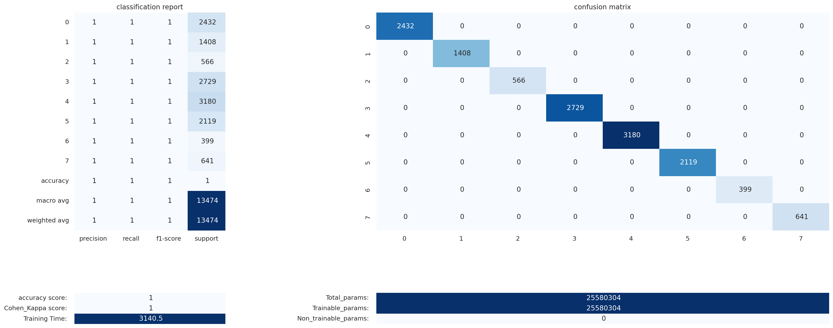
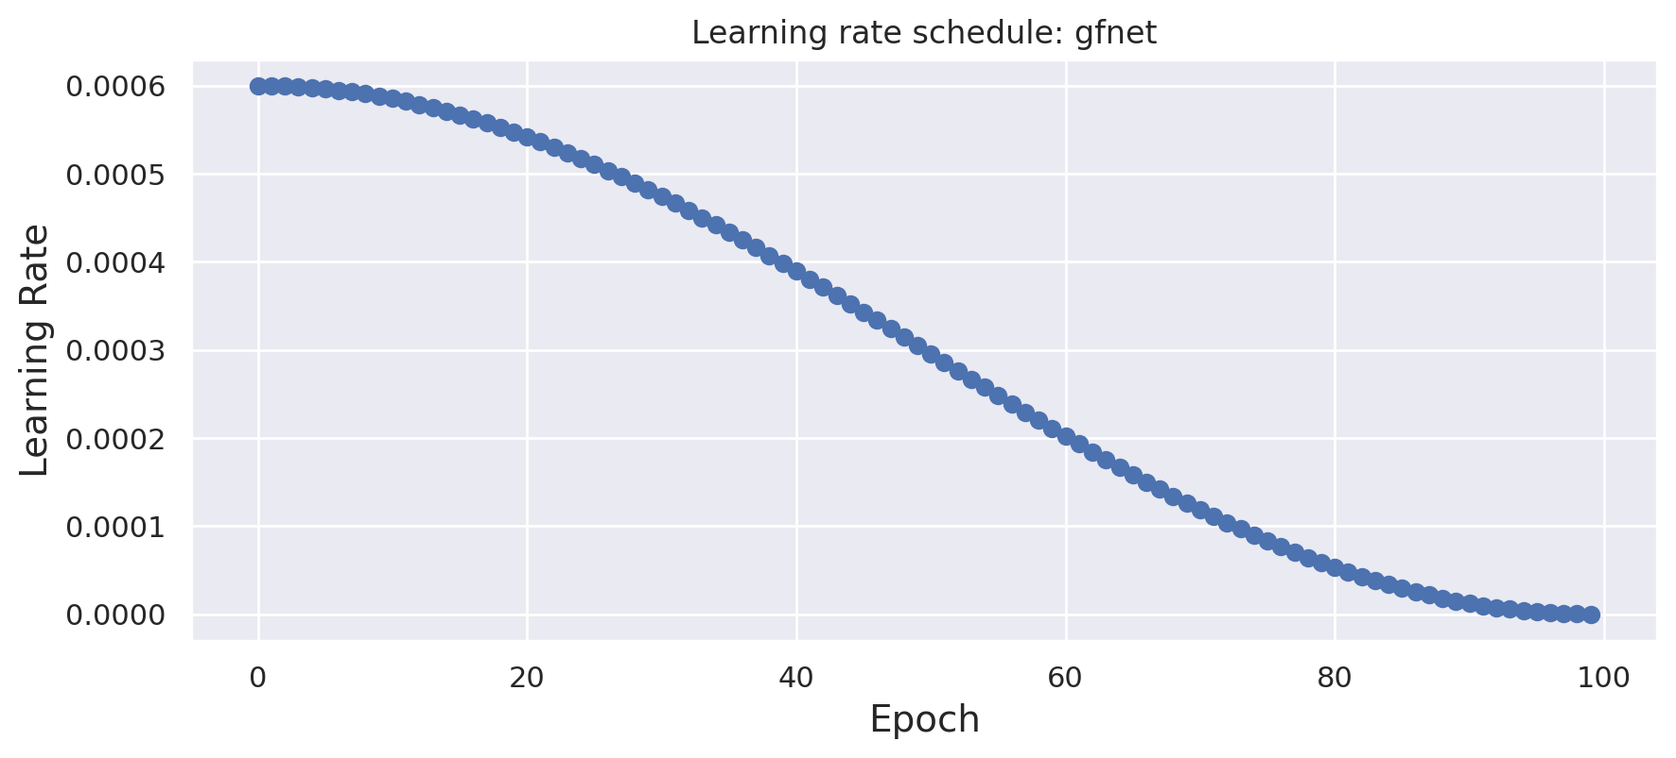
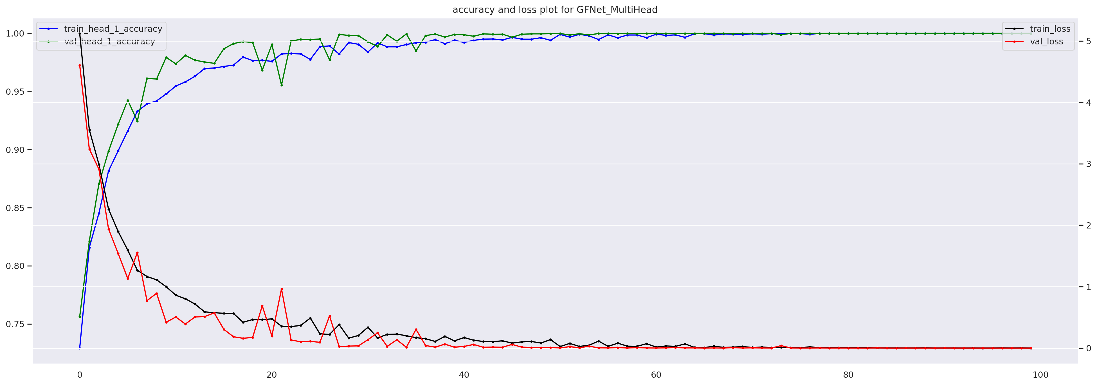
model_name | GFNet_MultiHead
best_model_path | /kaggle/working/results/models/GFNet_MultiHead_best.keras
final_model_path | /kaggle/working/results/models/GFNet_MultiHead_final.keras
best_h5_path | /kaggle/working/results/models/GFNet_MultiHead_best.h5
final_h5_path | /kaggle/working/results/models/GFNet_MultiHead_final.h5
test_accuracy | 1
cohen_kappa | 1
training_time_sec | 3140.4609647
total_params | 25580304
trainable_params | 25580304
non_trainable_params | 0

index | precision | recall | f1-score | support | 2432 | 0 | 0 | 0 | 0 | 0 | 0 | 0
0 | 1 | 1 | 1 | 2432 | 0 | 1408 | 0 | 0 | 0 | 0 | 0 | 0
1 | 1 | 1 | 1 | 1408 | 0 | 0 | 566 | 0 | 0 | 0 | 0 | 0
2 | 1 | 1 | 1 | 566 | 0 | 0 | 0 | 2729 | 0 | 0 | 0 | 0
3 | 1 | 1 | 1 | 2729 | 0 | 0 | 0 | 0 | 3180 | 0 | 0 | 0
4 | 1 | 1 | 1 | 3180 | 0 | 0 | 0 | 0 | 0 | 2119 | 0 | 0
5 | 1 | 1 | 1 | 2119 | 0 | 0 | 0 | 0 | 0 | 0 | 399 | 0
6 | 1 | 1 | 1 | 399 | 0 | 0 | 0 | 0 | 0 | 0 | 0 | 641
7 | 1 | 1 | 1 | 641
accuracy | 1 | 1 | 1 | 1
macro avg | 1 | 1 | 1 | 13474
weighted avg | 1 | 1 | 1 | 13474

ViT_UNet_MultiHead
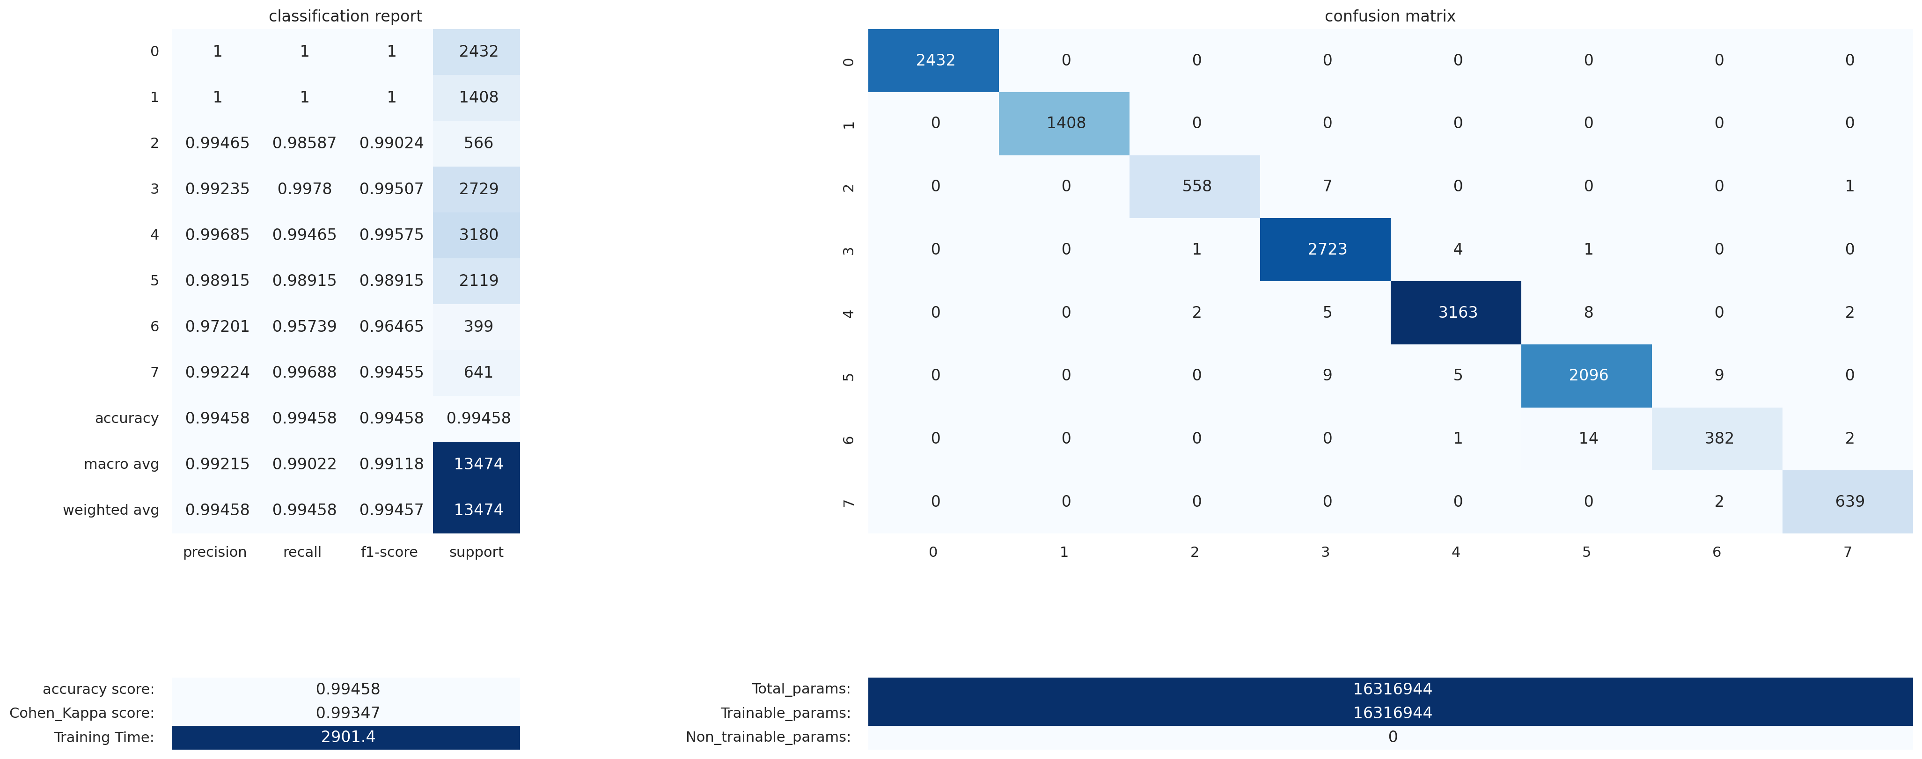
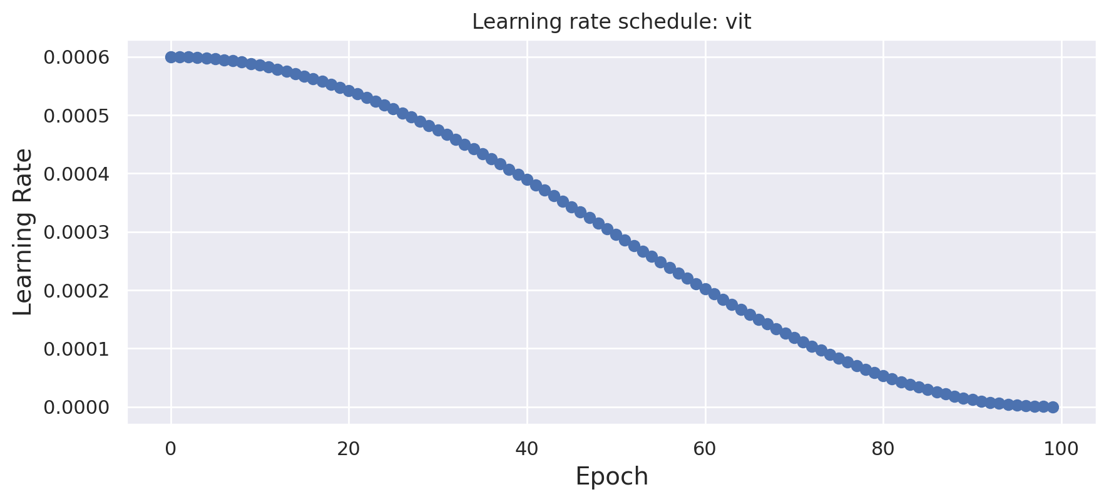
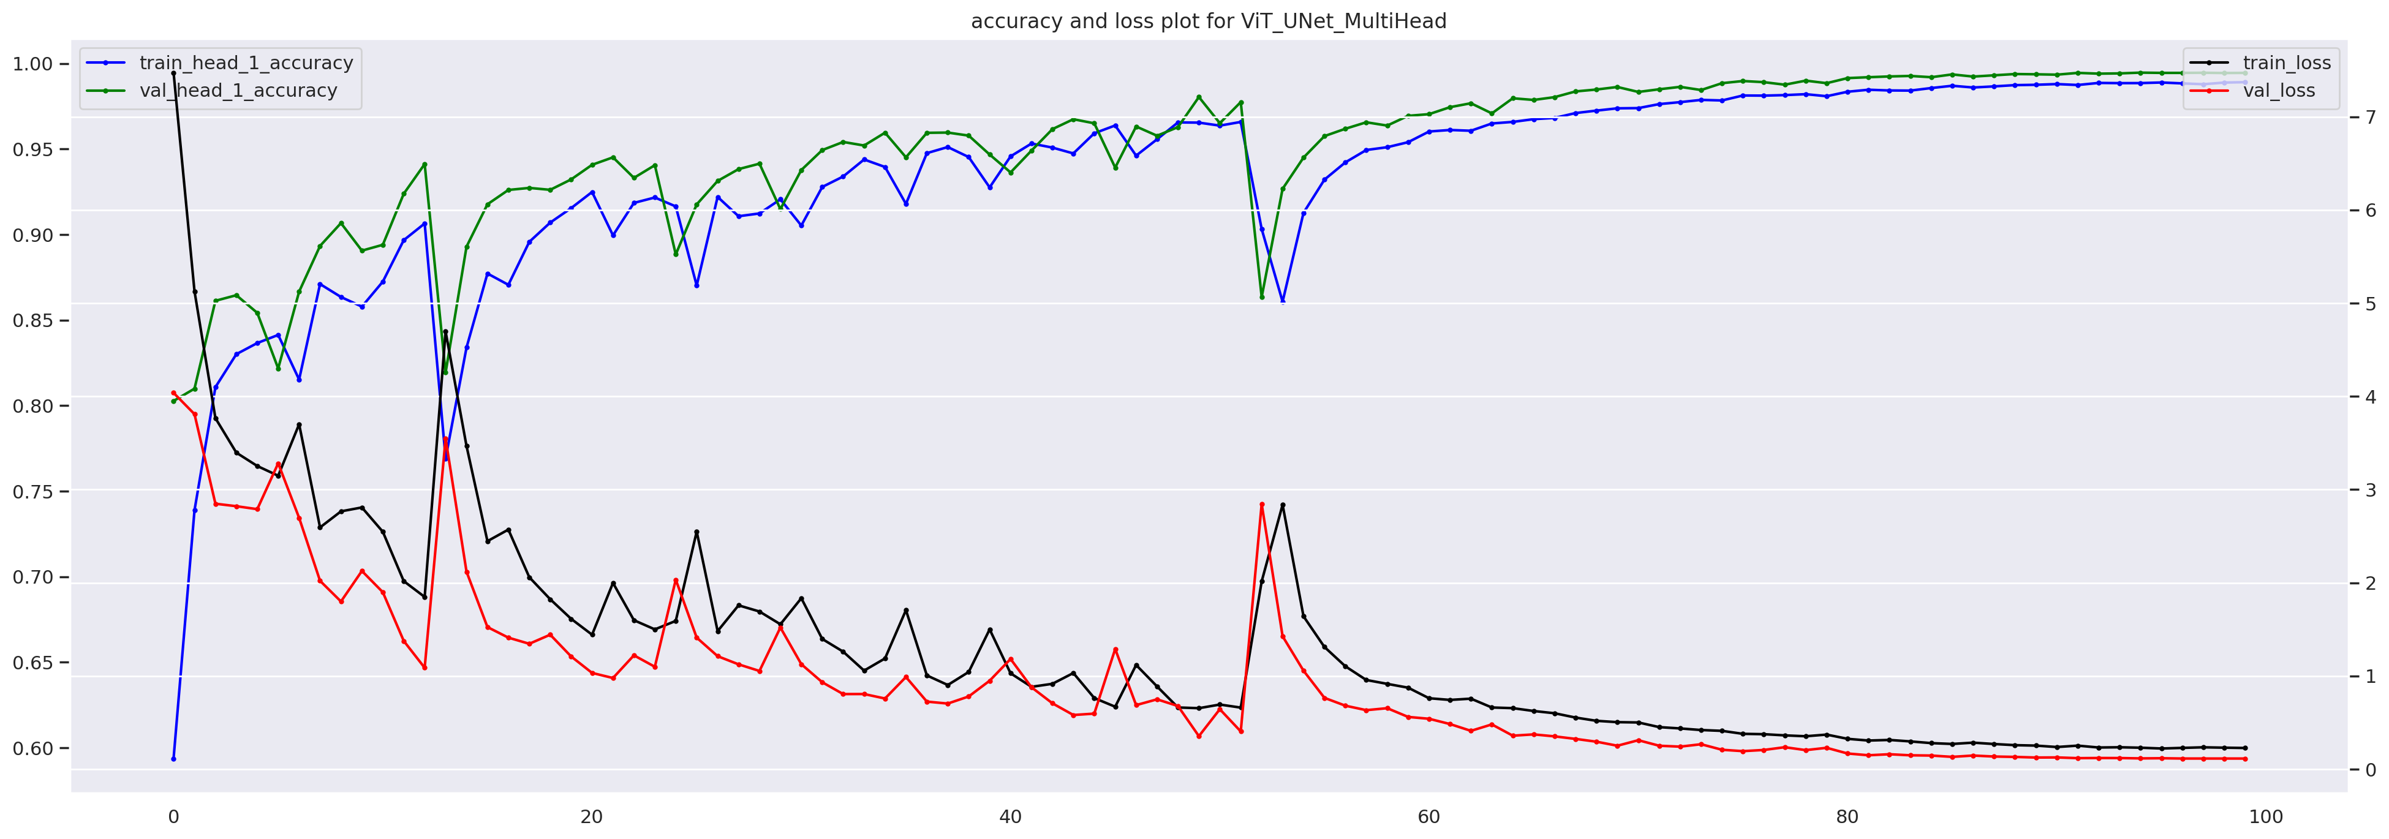
model_name | ViT_UNet_MultiHead
best_model_path | /kaggle/working/results/models/ViT_UNet_MultiHead_best.keras
final_model_path | /kaggle/working/results/models/ViT_UNet_MultiHead_final.keras
best_h5_path | /kaggle/working/results/models/ViT_UNet_MultiHead_best.h5
final_h5_path | /kaggle/working/results/models/ViT_UNet_MultiHead_final.h5
test_accuracy | 0.99458215823
cohen_kappa | 0.99347292911
training_time_sec | 2901.3737428
total_params | 16316944
trainable_params | 16316944
non_trainable_params | 0

index | precision | recall | f1-score | support | 2432 | 0 | 0 | 0 | 0 | 0 | 0 | 0
0 | 1 | 1 | 1 | 2432 | 0 | 1408 | 0 | 0 | 0 | 0 | 0 | 0
1 | 1 | 1 | 1 | 1408 | 0 | 0 | 558 | 7 | 0 | 0 | 0 | 1
2 | 0.99465240642 | 0.98586572438 | 0.99023957409 | 566 | 0 | 0 | 1 | 2723 | 4 | 1 | 0 | 0
3 | 0.99234693878 | 0.99780139245 | 0.99506669103 | 2729 | 0 | 0 | 2 | 5 | 3163 | 8 | 0 | 2
4 | 0.99684840845 | 0.99465408805 | 0.99575003935 | 3180 | 0 | 0 | 0 | 9 | 5 | 2096 | 9 | 0
5 | 0.9891458235 | 0.9891458235 | 0.9891458235 | 2119 | 0 | 0 | 0 | 0 | 1 | 14 | 382 | 2
6 | 0.97201017812 | 0.95739348371 | 0.96464646465 | 399 | 0 | 0 | 0 | 0 | 0 | 0 | 2 | 639
7 | 0.99223602484 | 0.9968798752 | 0.99455252918 | 641
accuracy | 0.99458215823 | 0.99458215823 | 0.99458215823 | 0.99458215823
macro avg | 0.99215497251 | 0.99021754841 | 0.99117514023 | 13474
weighted avg | 0.99457632105 | 0.99458215823 | 0.99457472425 | 13474

