Split_SpatialGCN
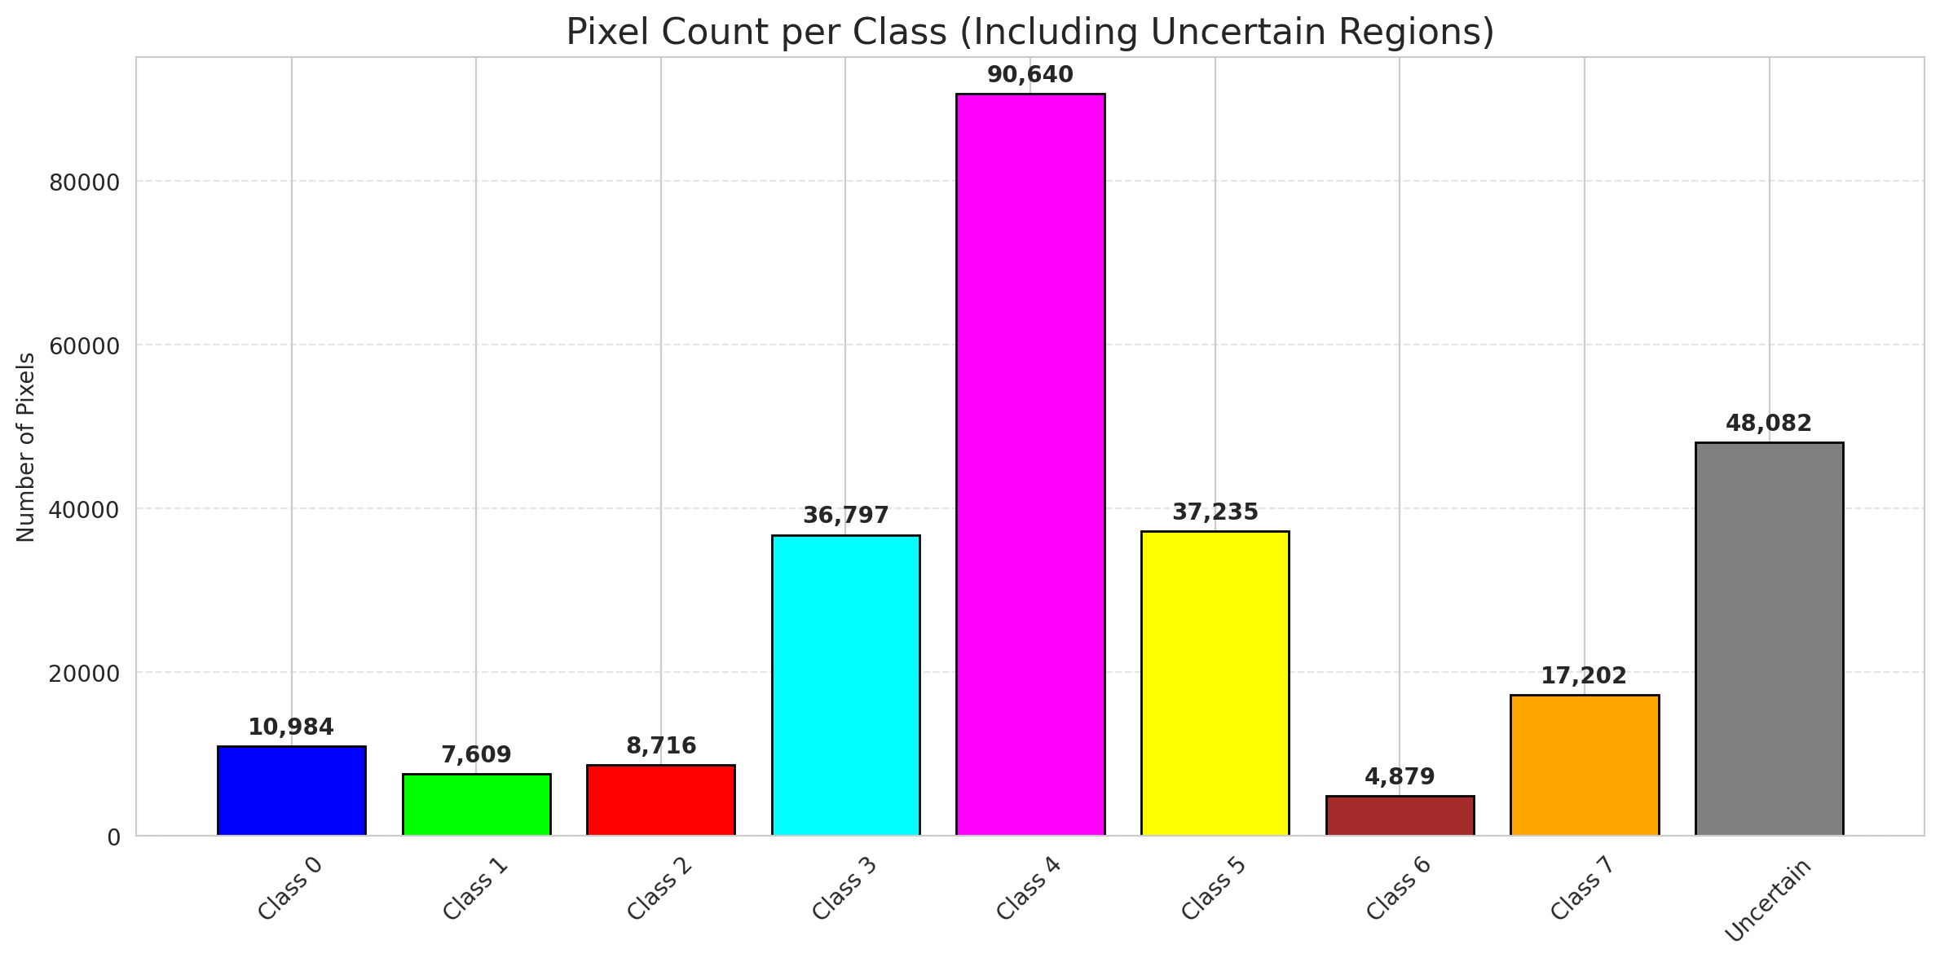
SplitConformal - SpatialGCN |  |  |  |  |  |  |  |  | Per-Class Coverage
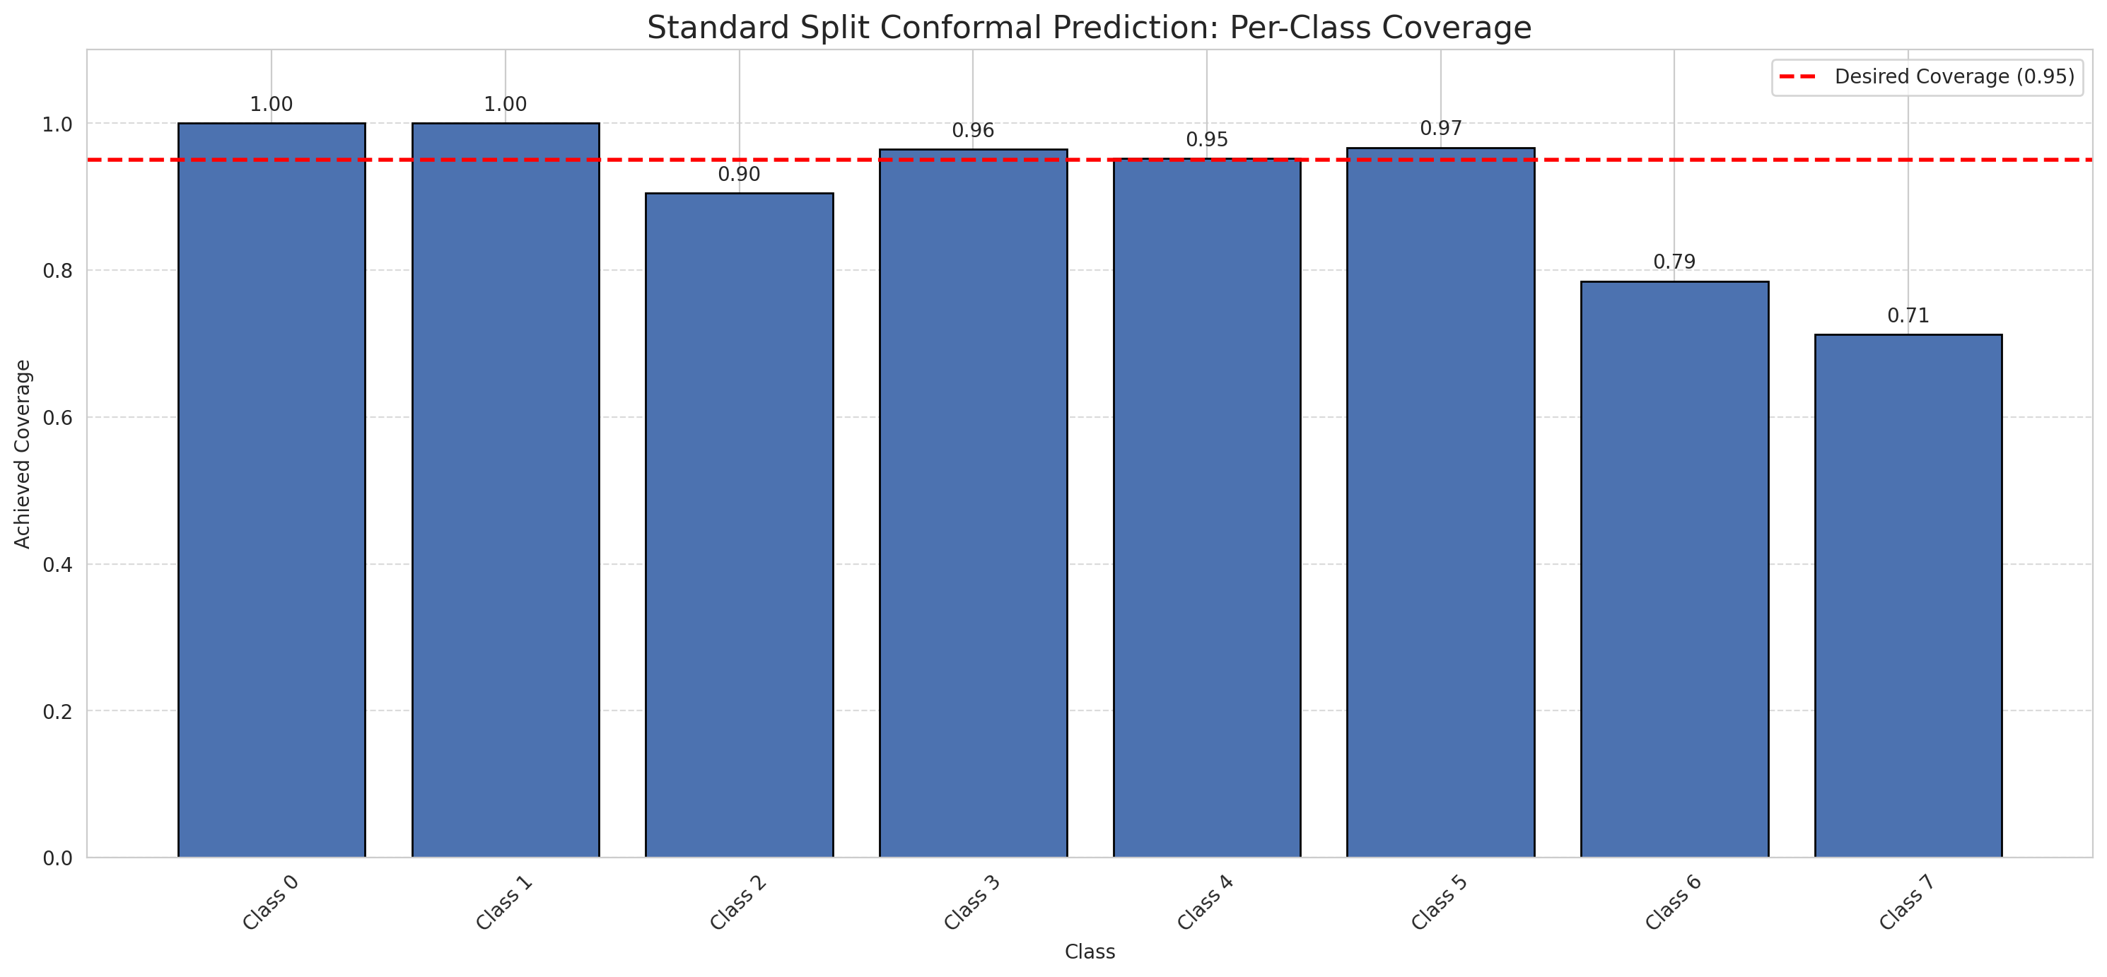
Summary
model_name | method | target_coverage | empirical_coverage | avg_set_size | median_set_size | singleton_rate | empty_set_rate | runtime_sec | alpha | lam | n_clusters | mean_per_class_coverage
SpatialGCN | SplitConformal | 0.95 | 0.95235267923 | 0.96541487309 | 1 | 0.96541487309 | 0.034585126911 | 2.131264784 | 0.05 |  |  | 0.91076000188

Per-Class Coverage Values
class_id | class_coverage | support_count
0 | 1 | 1216
1 | 1 | 704
2 | 0.90459363958 | 283
3 | 0.96483516484 | 1365
4 | 0.95220125786 | 1590
5 | 0.96694995279 | 1059
6 | 0.785 | 200
7 | 0.7125 | 320

Pixel Counts
class_id | label | pixel_count
0 | Class 0 | 10984
1 | Class 1 | 7609
2 | Class 2 | 8716
3 | Class 3 | 36797 |  |  |  |  |  |  | Certain vs Uncertain Map
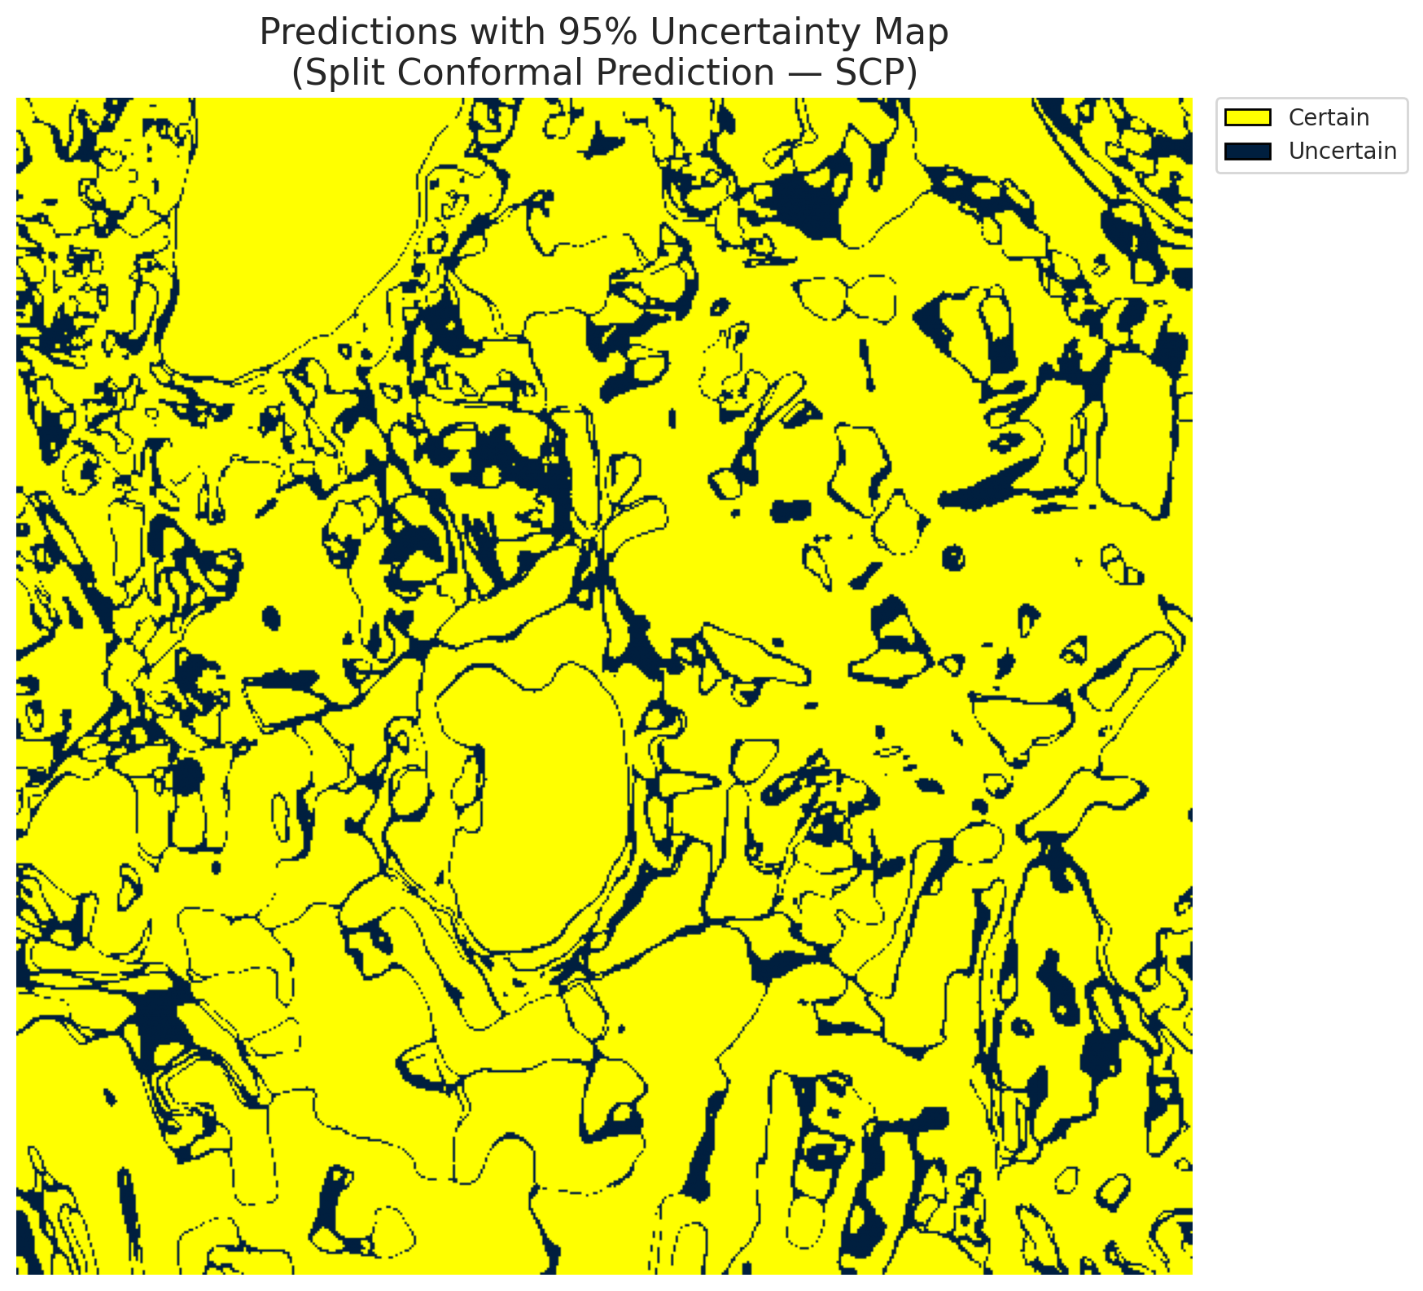
4 | Class 4 | 90640
5 | Class 5 | 37235
6 | Class 6 | 4879
7 | Class 7 | 17202
8 | Uncertain | 48082

Threshold
q_hat_split
0.37379447845

 |  |  |  |  |  |  |  |  | Class Map with Uncertain Mask
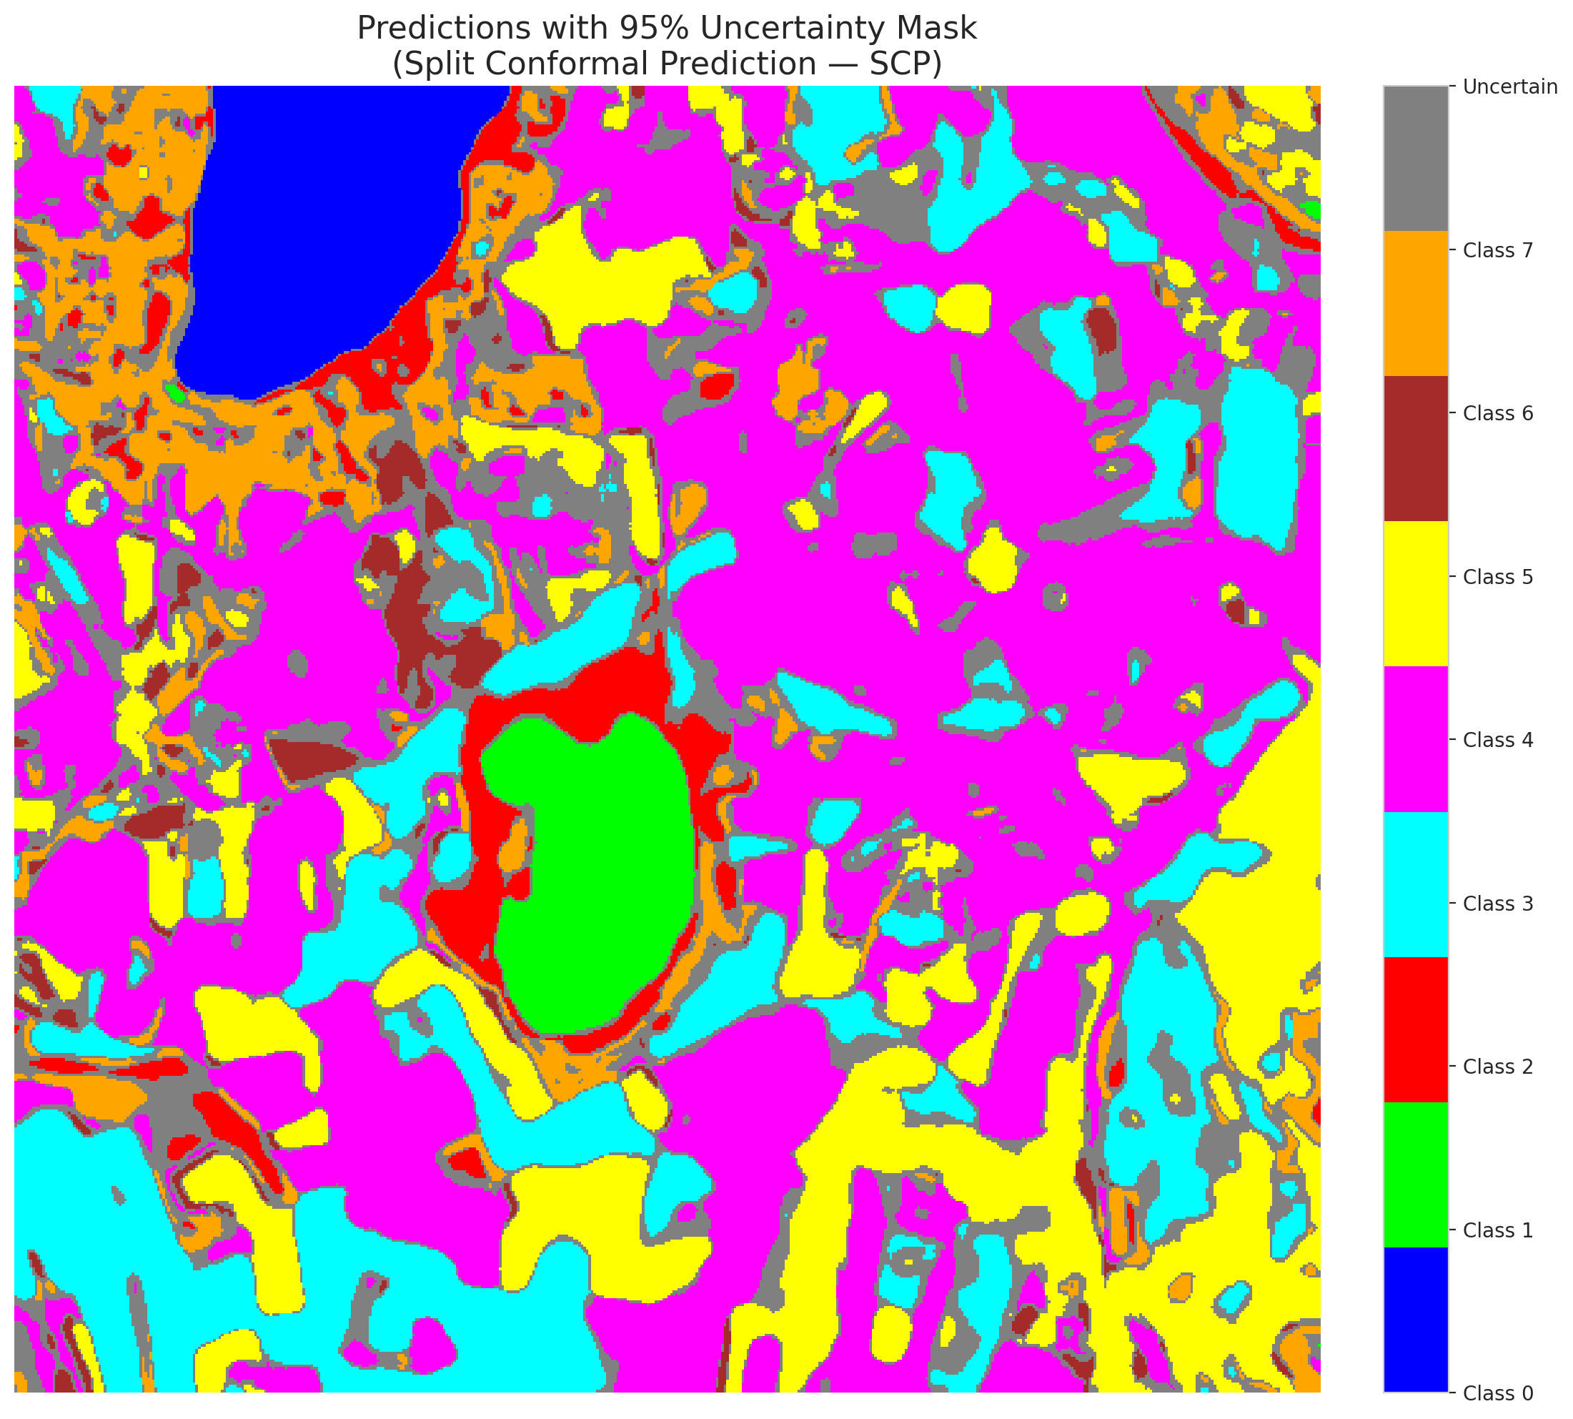

 |  |  |  |  |  |  |  |  | Pixel Counts

ClassCond_SpatialGCN
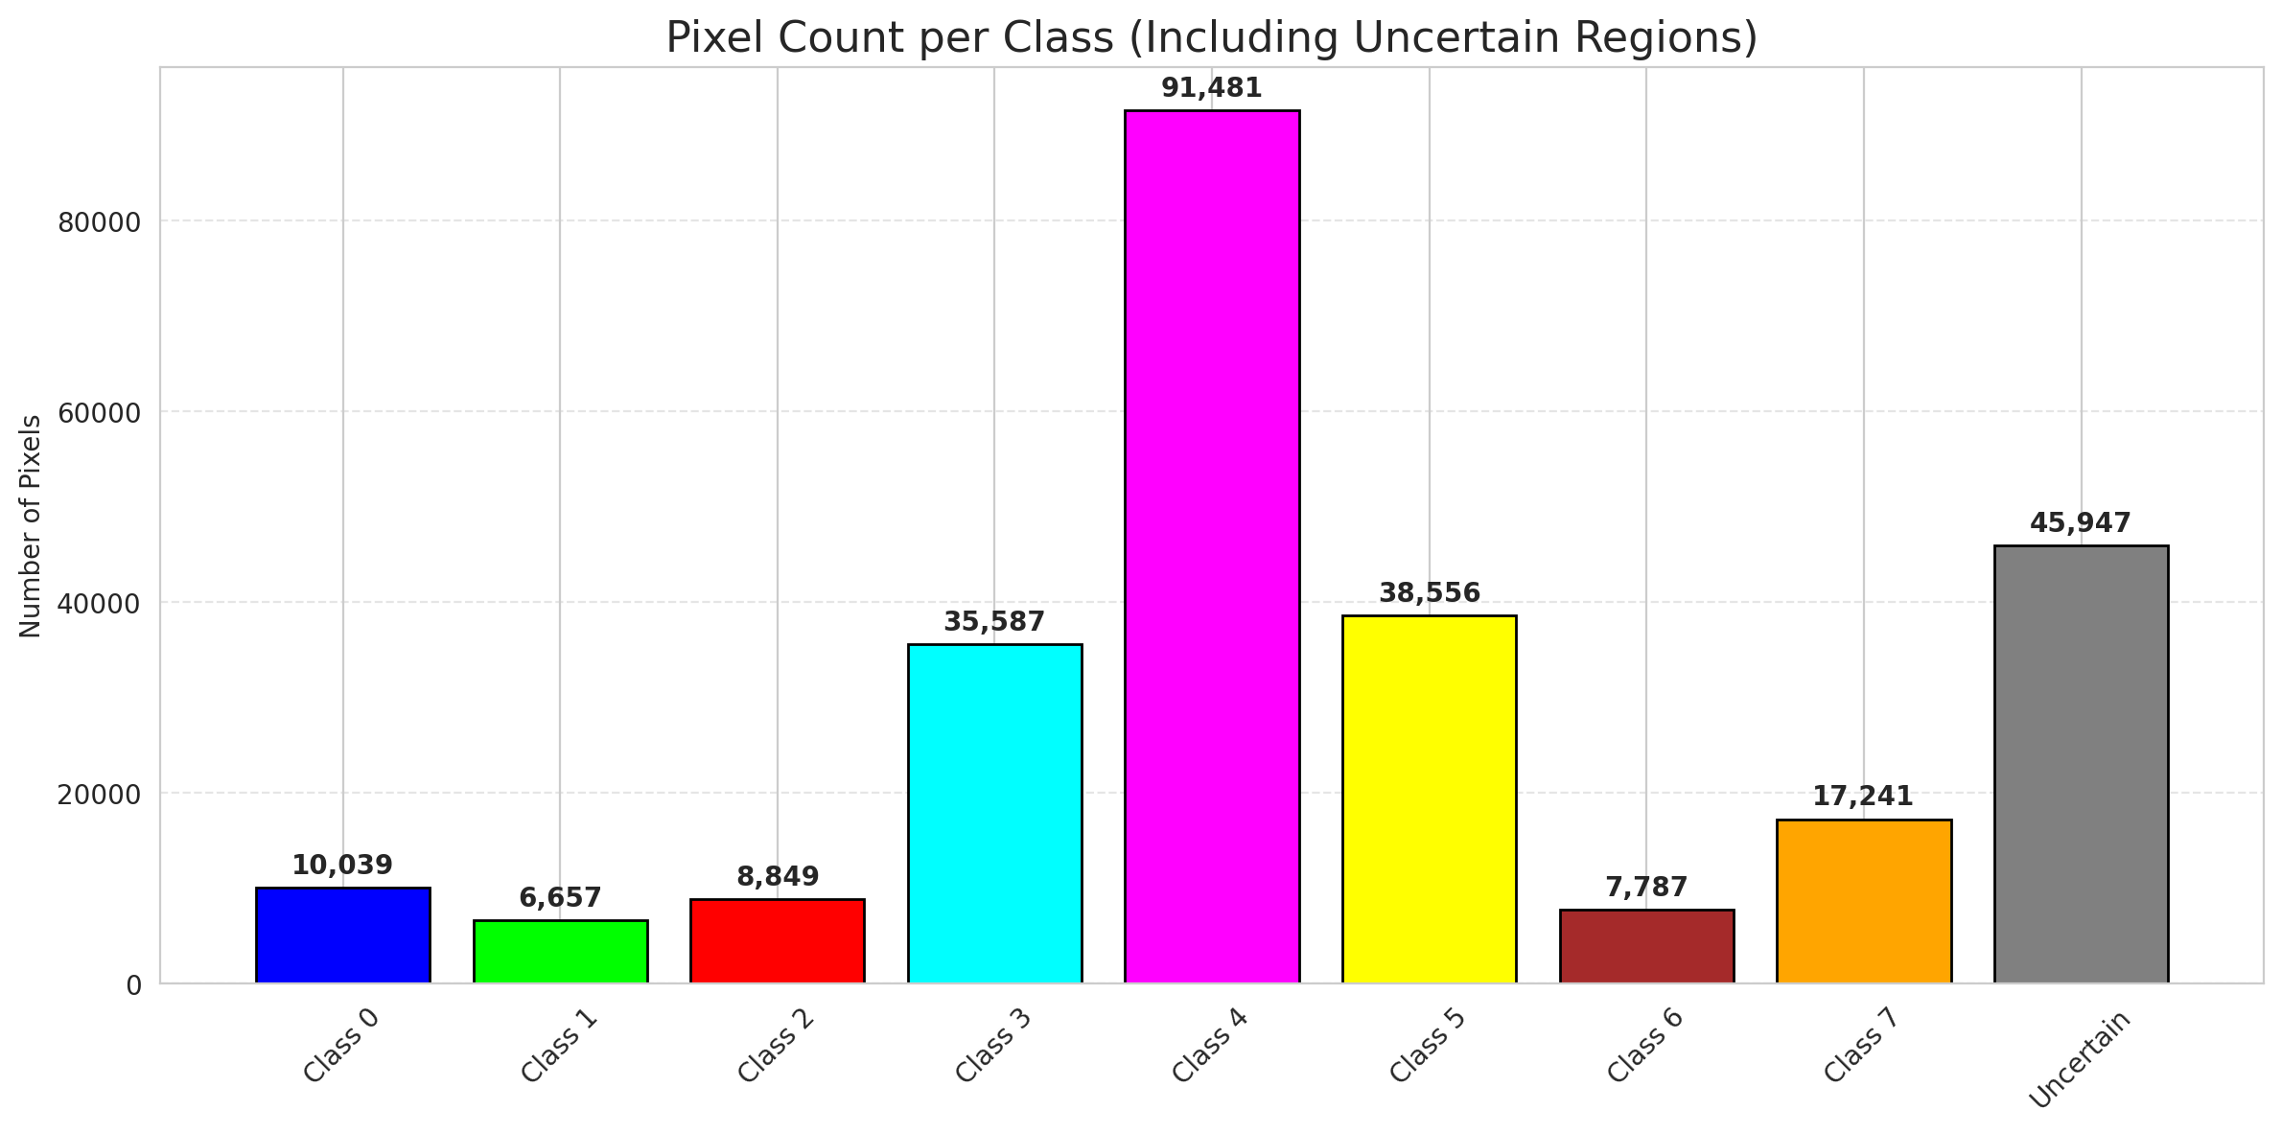
ClassConditionalConformal - SpatialGCN |  |  |  |  |  |  |  |  | Per-Class Coverage
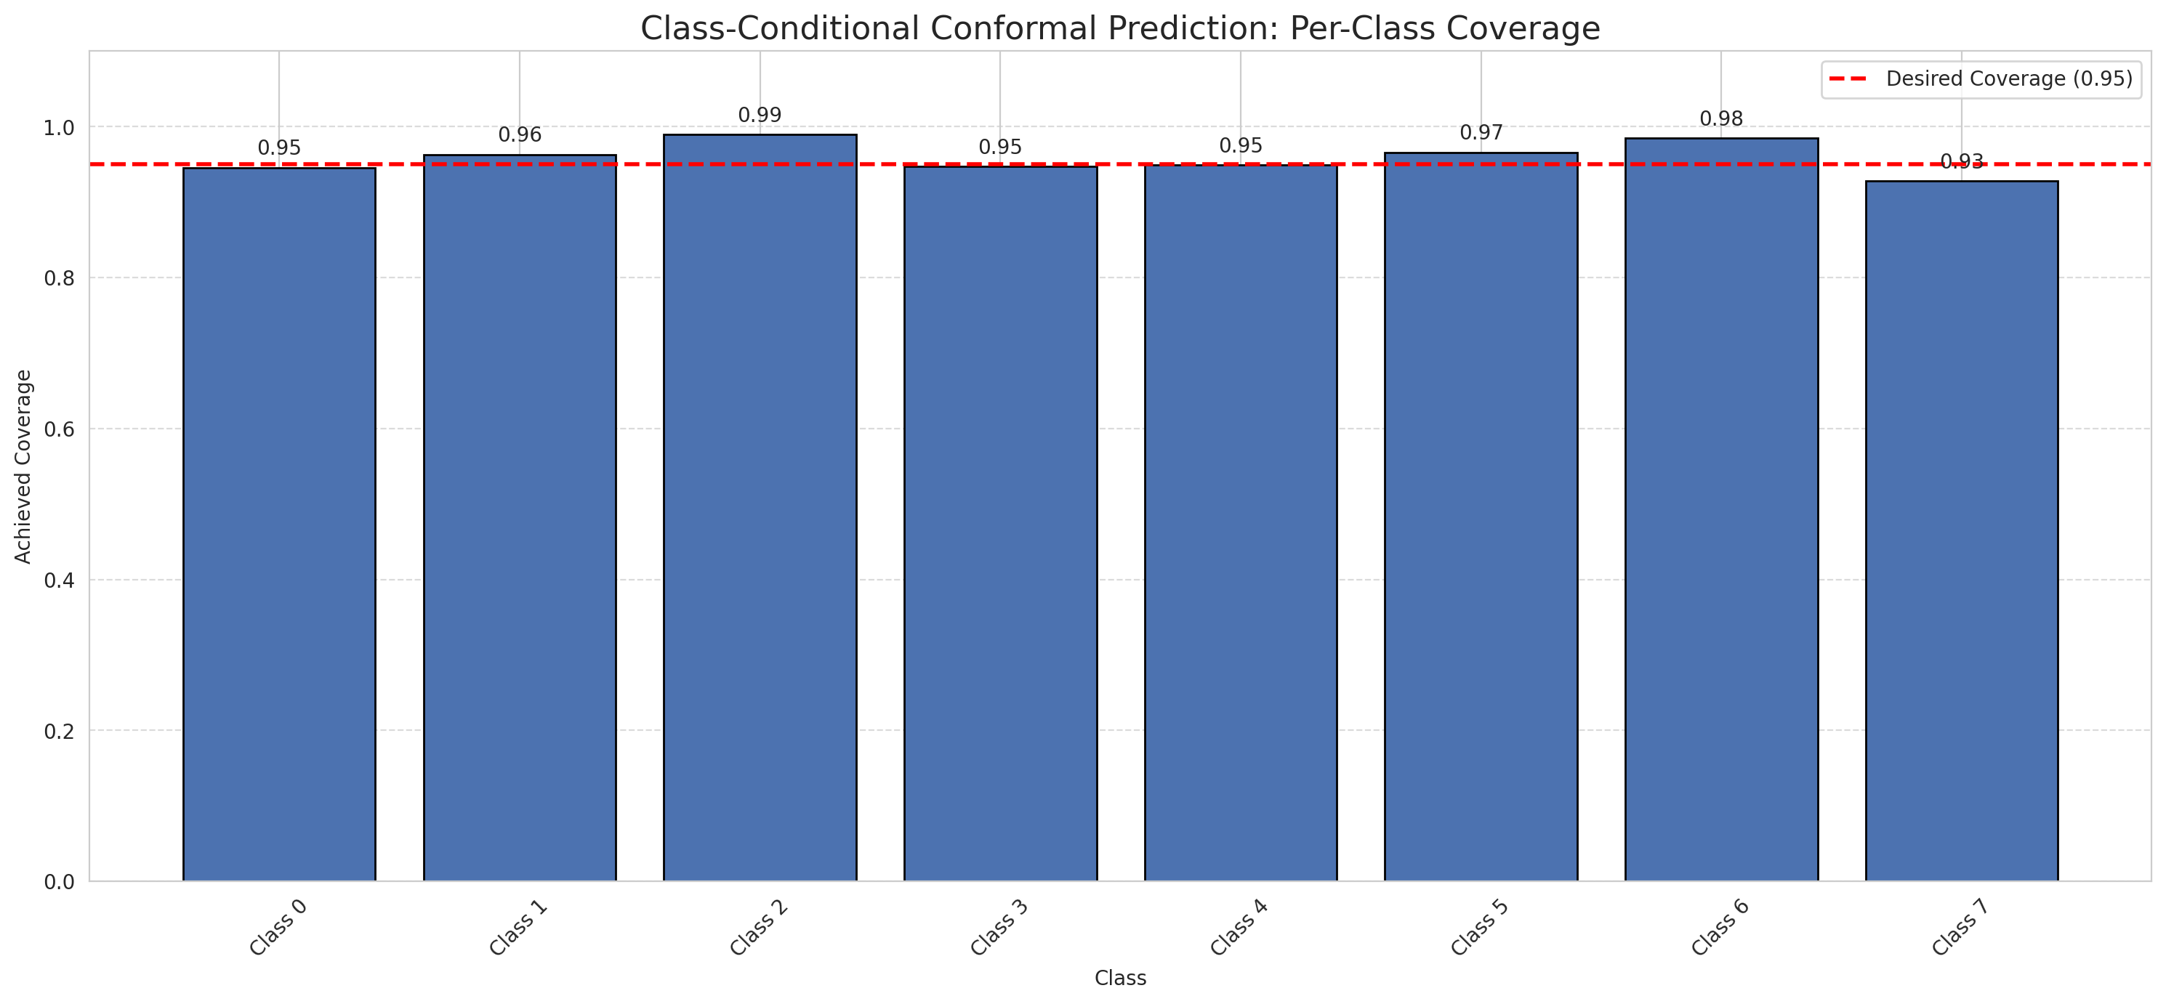
Summary
model_name | method | target_coverage | empirical_coverage | avg_set_size | median_set_size | singleton_rate | empty_set_rate | runtime_sec | alpha | lam | n_clusters | mean_per_class_coverage
SpatialGCN | ClassConditionalConformal | 0.95 | 0.95398545347 | 0.99614071545 | 1 | 0.9471574885 | 0.028350898026 | 1.999367845 | 0.05 |  |  | 0.95920389701

Per-Class Coverage Values
class_id | class_coverage | support_count
0 | 0.94572368421 | 1216
1 | 0.96306818182 | 704
2 | 0.98939929329 | 283
3 | 0.94725274725 | 1365
4 | 0.94905660377 | 1590
5 | 0.96600566572 | 1059
6 | 0.985 | 200
7 | 0.928125 | 320

Pixel Counts
class_id | label | pixel_count
0 | Class 0 | 10039
1 | Class 1 | 6657
2 | Class 2 | 8849
3 | Class 3 | 35587 |  |  |  |  |  |  | Certain vs Uncertain Map
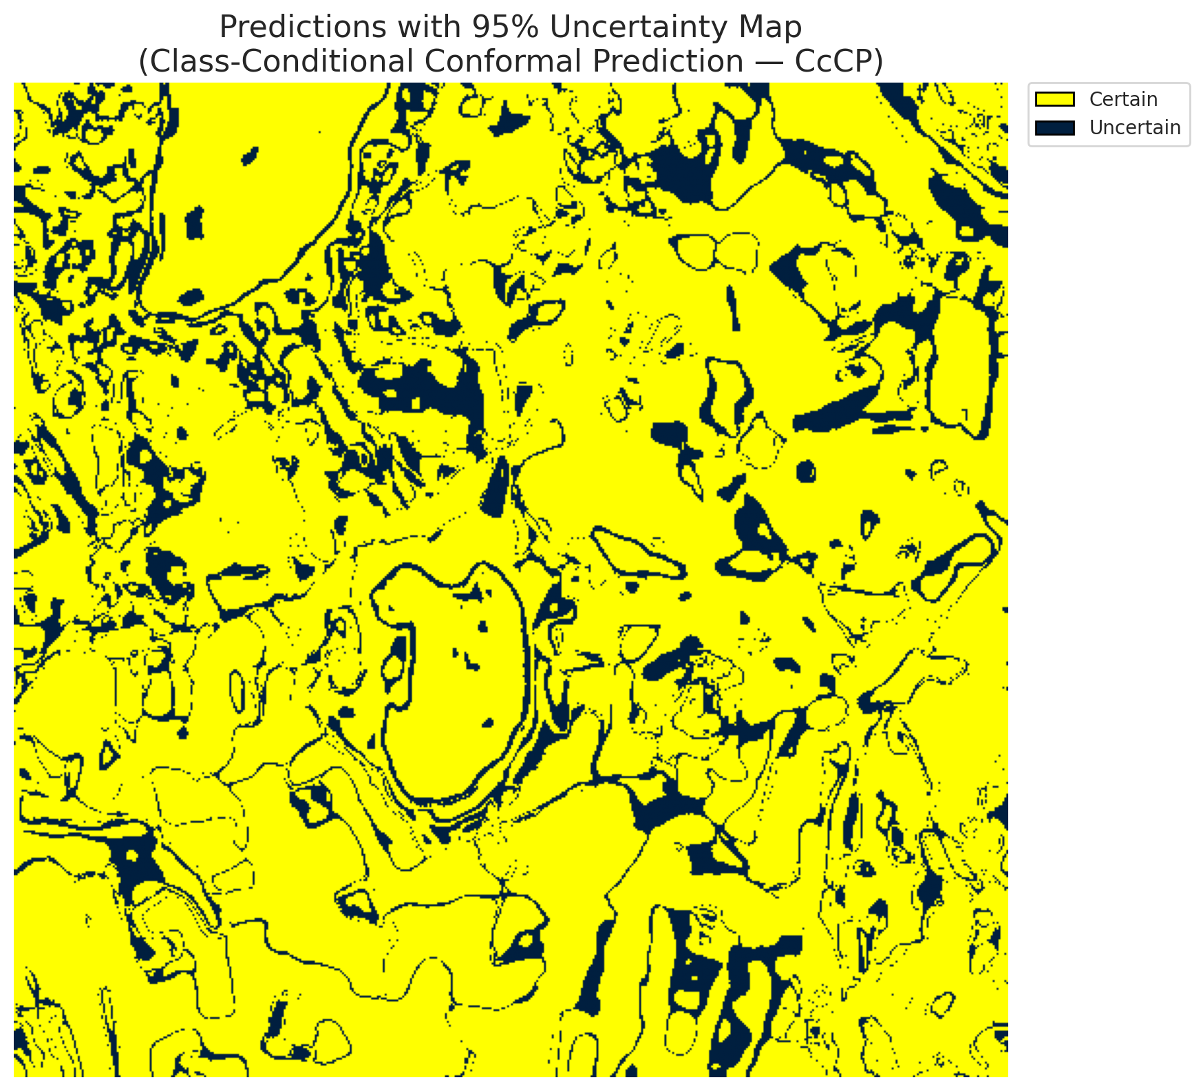
4 | Class 4 | 91481
5 | Class 5 | 38556
6 | Class 6 | 7787
7 | Class 7 | 17241
8 | Uncertain | 45947

Classwise q_hat
class_id | q_hat_classconditional
0 | 0.038626898064
1 | 0.038941985226
2 | 0.84404900125
3 | 0.28232688359
4 | 0.31762294804
5 | 0.36152957829
6 | 0.84631337791
7 | 0.76826528335

 |  |  |  |  |  |  |  |  | Class Map with Uncertain Mask
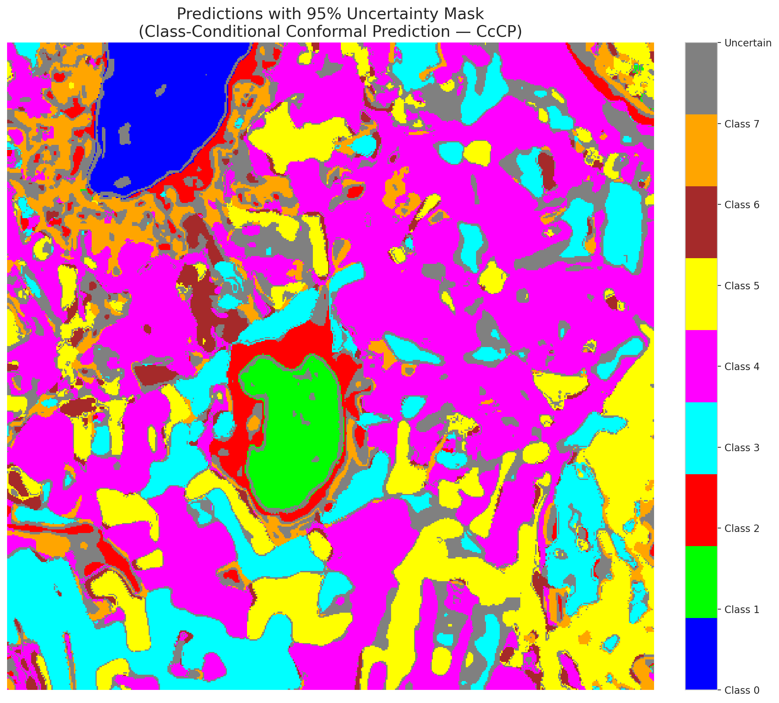

 |  |  |  |  |  |  |  |  | Pixel Counts

RC3P_SpatialGCN
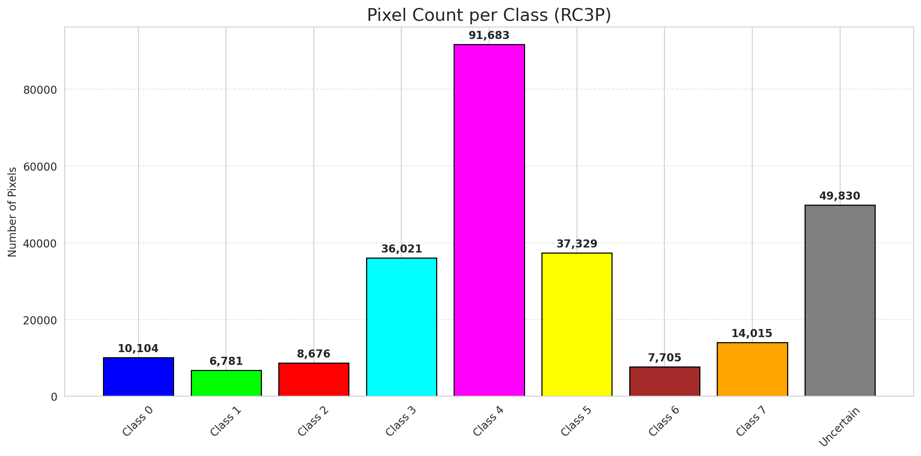
RC3P - SpatialGCN |  |  |  |  |  |  |  |  | Per-Class Coverage
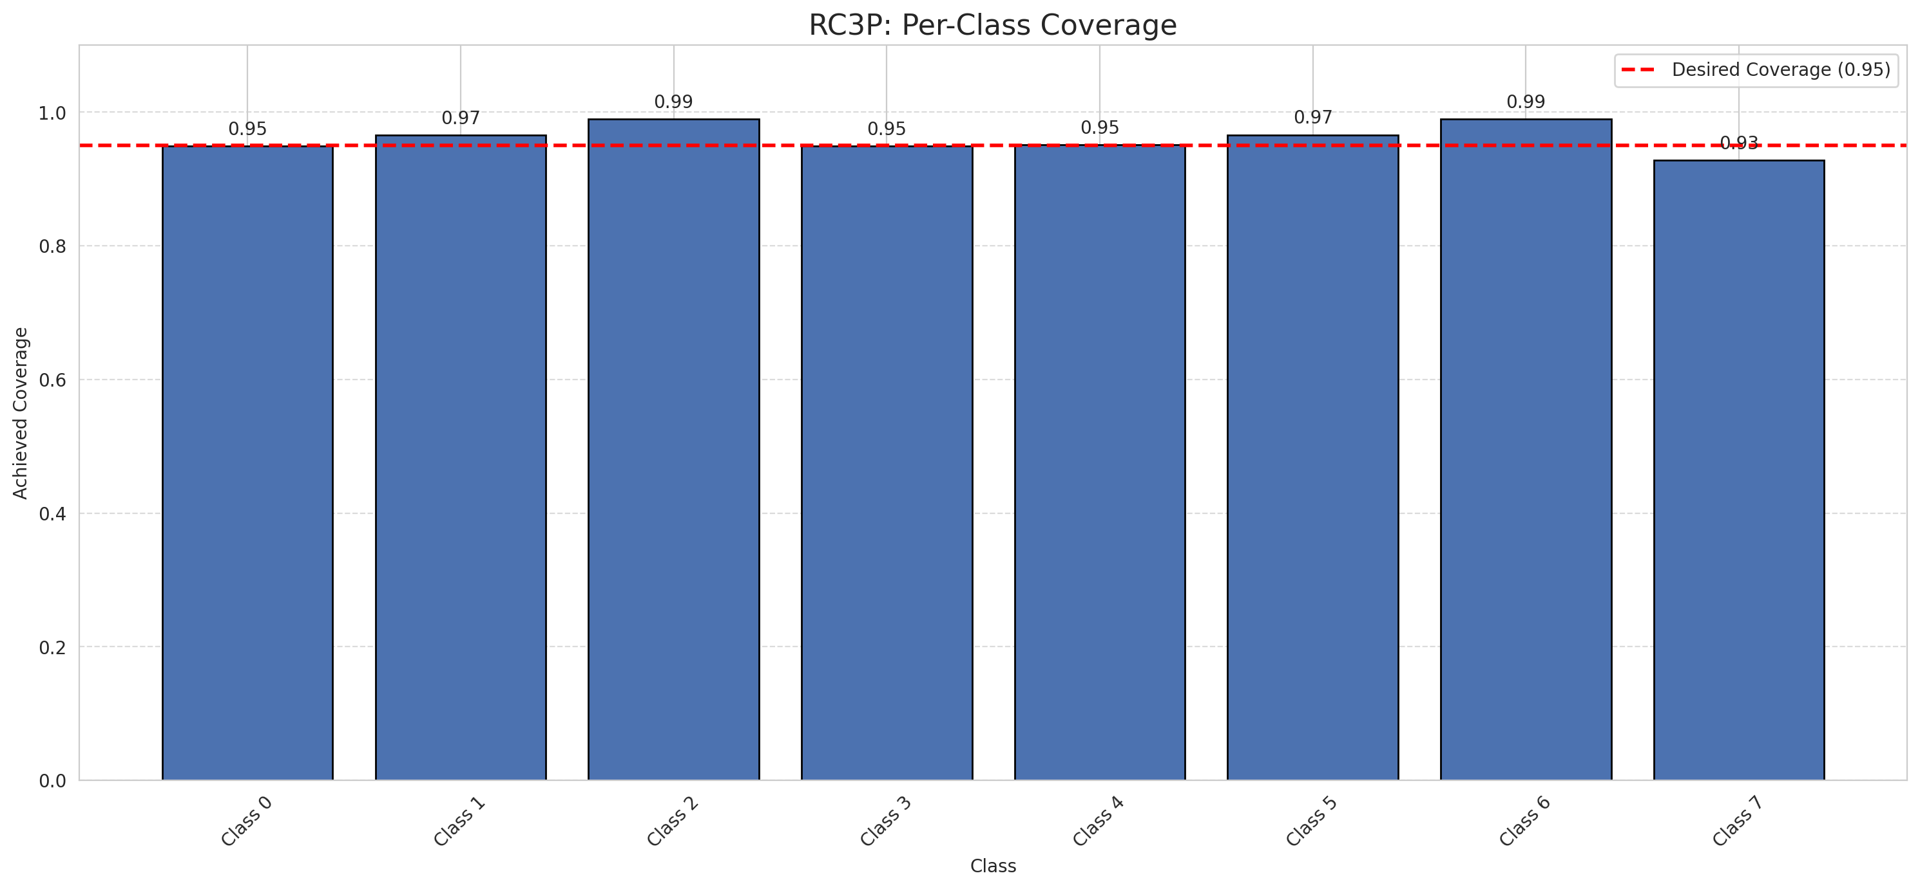
Summary
model_name | method | target_coverage | empirical_coverage | avg_set_size | median_set_size | singleton_rate | empty_set_rate | runtime_sec | alpha | lam | n_clusters | mean_per_class_coverage
SpatialGCN | RC3P | 0.95 | 0.95591509574 | 1.0096482114 | 1 | 0.94018108951 | 0.025085349562 | 2.050965335 | 0.05 |  |  | 0.96110576919

Per-Class Coverage Values
class_id | class_coverage | support_count
0 | 0.94901315789 | 1216
1 | 0.96590909091 | 704
2 | 0.98939929329 | 283
3 | 0.94945054945 | 1365
4 | 0.95094339623 | 1590
5 | 0.96600566572 | 1059
6 | 0.99 | 200
7 | 0.928125 | 320

Pixel Counts
class_id | label | pixel_count
0 | Class 0 | 10104
1 | Class 1 | 6781
2 | Class 2 | 8676
3 | Class 3 | 36021 |  |  |  |  |  |  | Certain vs Uncertain Map
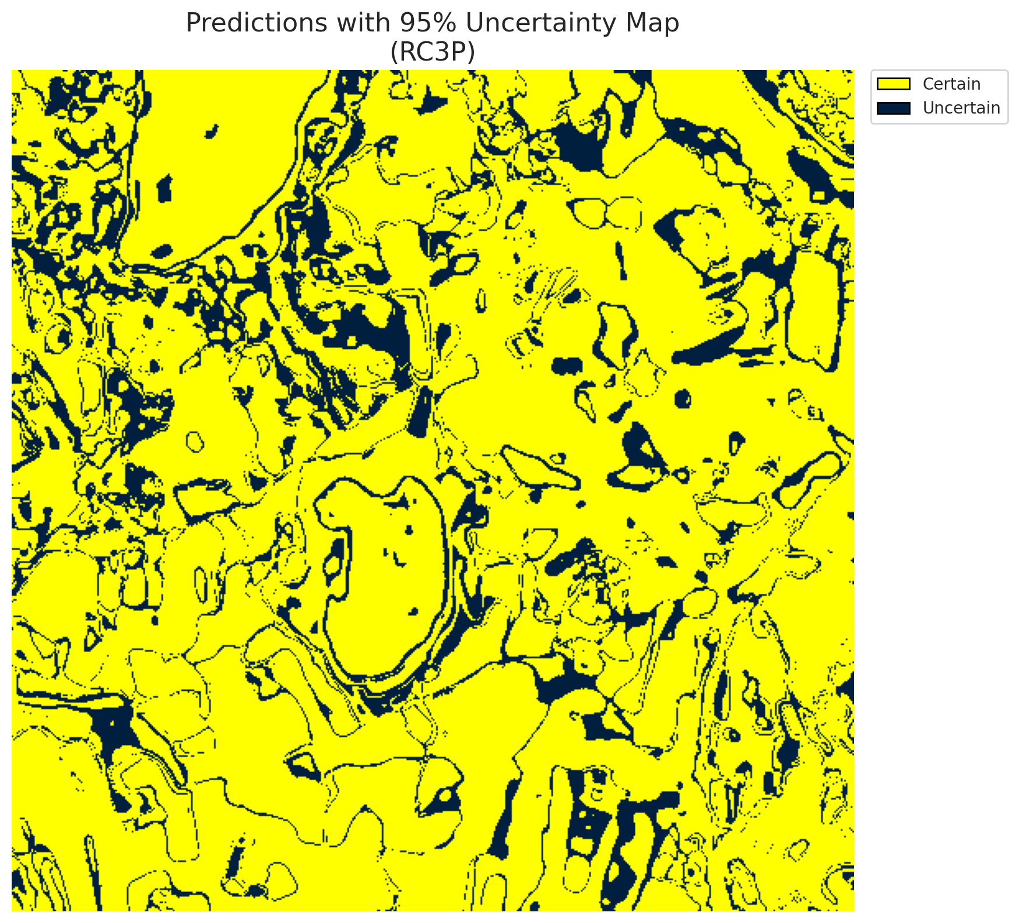
4 | Class 4 | 91683
5 | Class 5 | 37329
6 | Class 6 | 7705
7 | Class 7 | 14015
8 | Uncertain | 49830

RC3P Thresholds & Limits
class_id | q_hat_rc3p | suit_index_limit
0 | 0.038650159096 | 3
1 | 0.039012854165 | 3
2 | 0.87767481206 | 3
3 | 0.295583577 | 3
4 | 0.3465393663 | 3
5 | 0.36640117605 | 3
6 | 0.91269594652 | 3
7 | 0.77521124105 | 3

 |  |  |  |  |  |  |  |  | Class Map with Uncertain Mask


 |  |  |  |  |  |  |  |  | Pixel Counts

Clustered_SpatialGCN
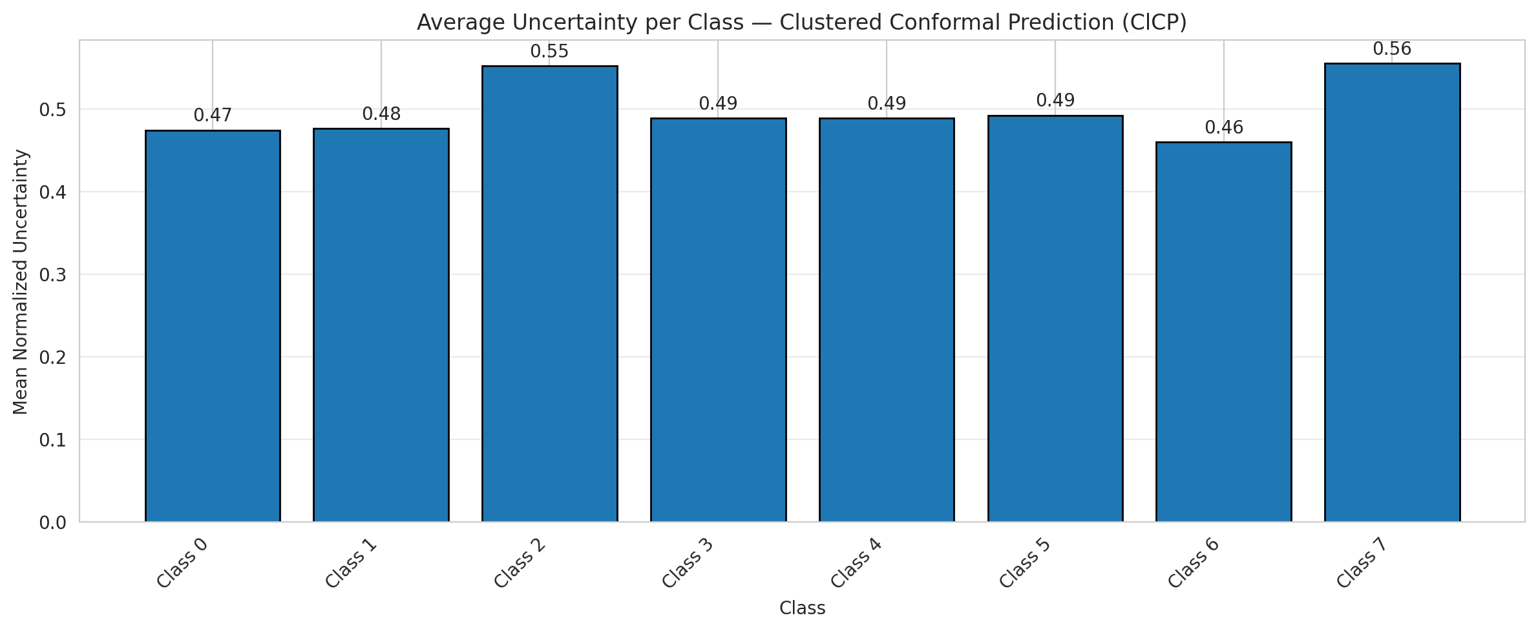
ClusteredConformal - SpatialGCN |  |  |  |  |  |  |  |  | Per-Class Coverage
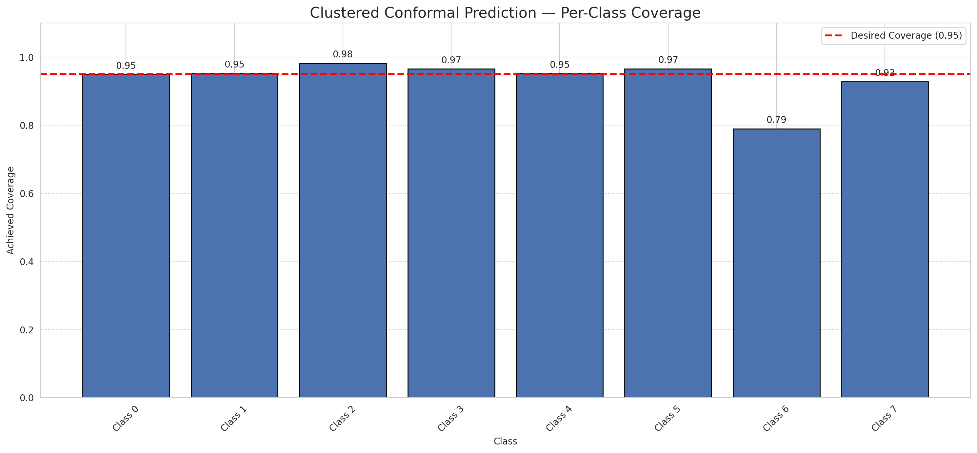
Summary
model_name | method | target_coverage | empirical_coverage | avg_set_size | median_set_size | singleton_rate | empty_set_rate | runtime_sec | alpha | lam | n_clusters | mean_per_class_coverage
SpatialGCN | ClusteredConformal | 0.95 | 0.95190737717 | 0.98040670922 | 1 | 0.95814160606 | 0.030725842363 | 2.953875384 | 0.05 |  | 4 | 0.93579625032

Per-Class Coverage Values
class_id | class_coverage | support_count
0 | 0.94901315789 | 1216
1 | 0.953125 | 704
2 | 0.98233215548 | 283
3 | 0.96556776557 | 1365
4 | 0.95220125786 | 1590
5 | 0.96600566572 | 1059
6 | 0.79 | 200
7 | 0.928125 | 320

Class-to-Cluster Assignment
class_id | cluster_id
0 | 1
1 | 1
2 | 3
3 | 0 |  |  |  |  |  |  |  | Uncertainty Distribution
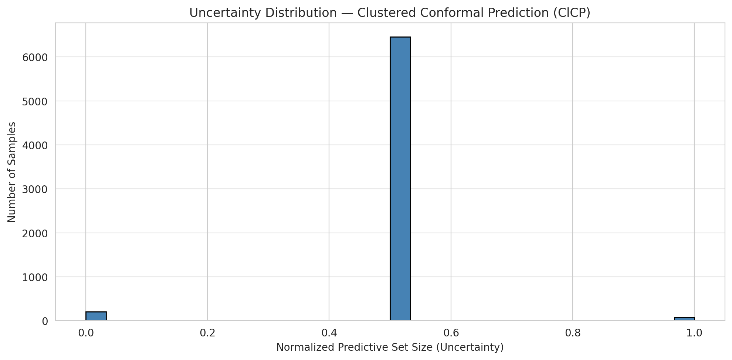
4 | 0
5 | 2
6 | 0
7 | 3

Cluster q_hat
cluster_id | q_hat_cluster
0 | 0.38297489811
1 | 0.038654648694
2 | 0.36152957829
3 | 0.76826528335

Cluster Mean Uncertainty
cluster | uncertainty
0 | 0.48697017268
1 | 0.47526041667
2 | 0.49242424242
3 | 0.55381944444

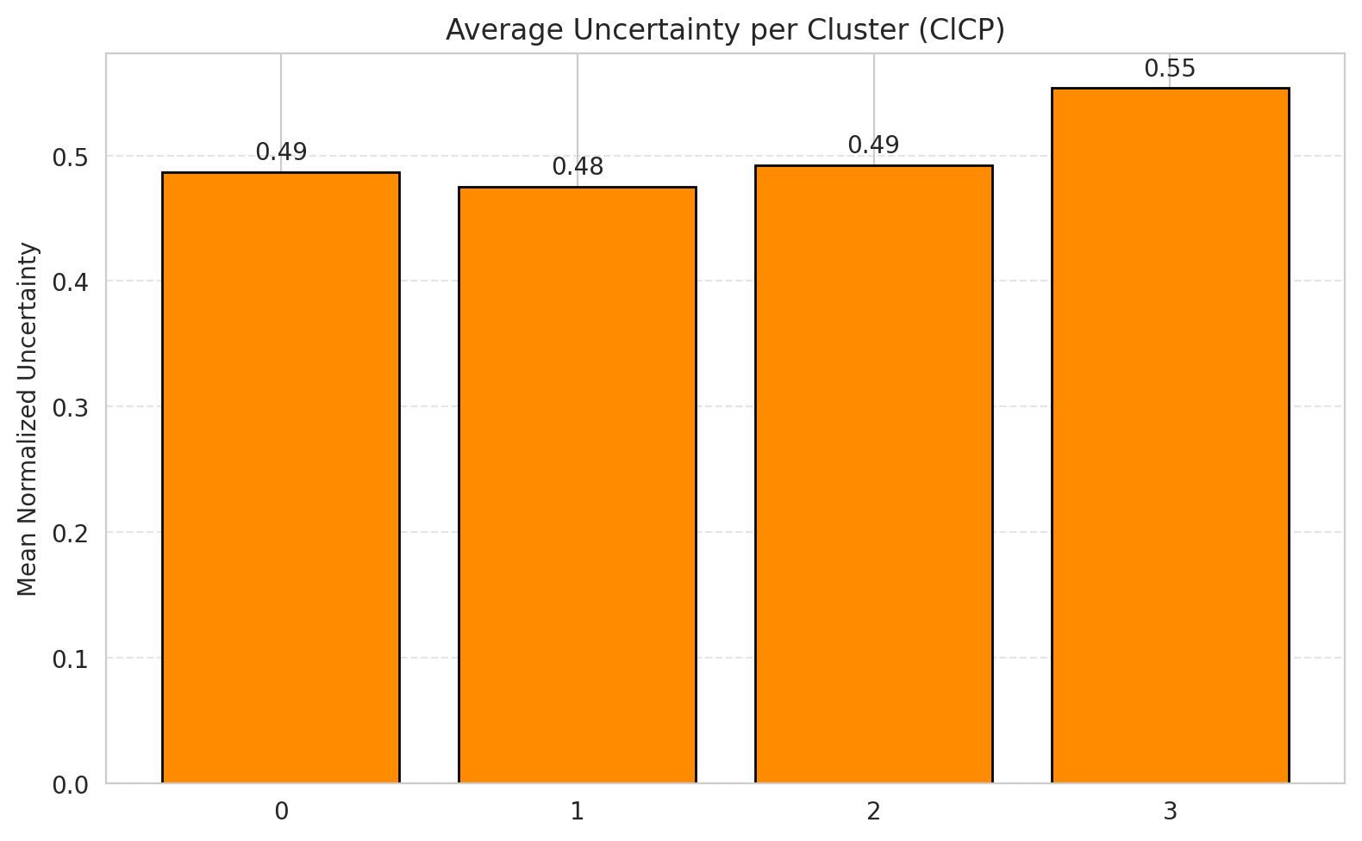
Class Mean Uncertainty
class_id | uncertainty |  |  |  |  |  |  |  | Avg Uncertainty per Cluster
0 | 0.47450657895
1 | 0.4765625
2 | 0.55236486486
3 | 0.48910675381
4 | 0.48894504106
5 | 0.49242424242
6 | 0.46
7 | 0.55535714286

 |  |  |  |  |  |  |  |  | Avg Uncertainty per Class

RAPS_SpatialGCN
RAPS - SpatialGCN |  |  |  |  |  |  |  |  | Per-Class Coverage
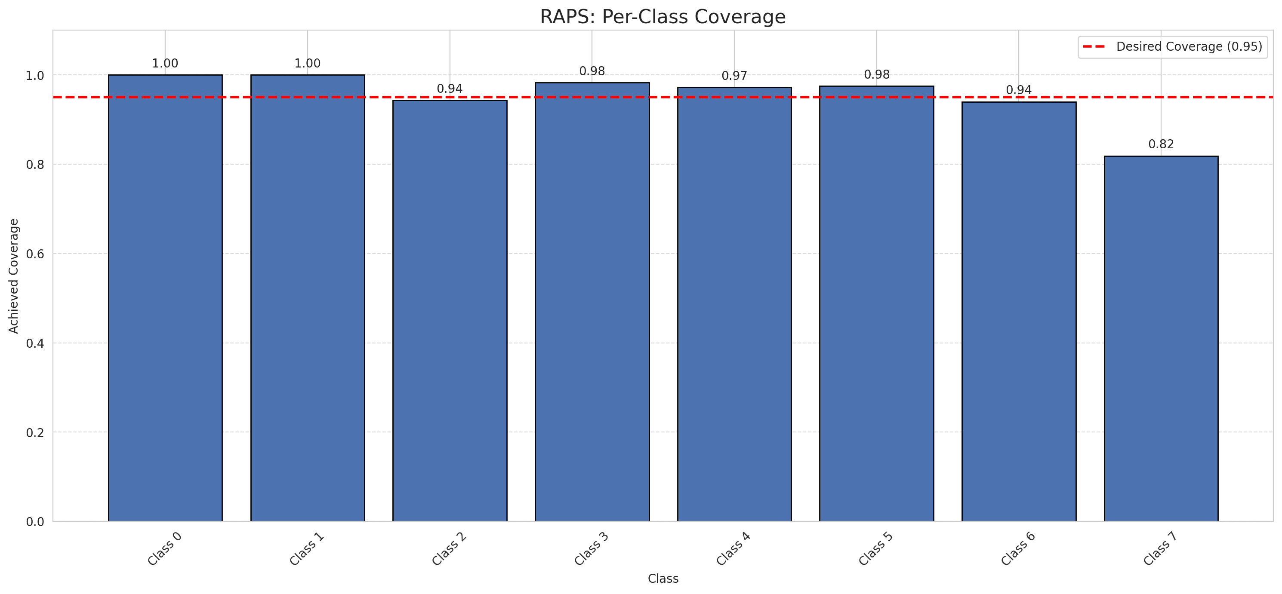
Summary
model_name | method | target_coverage | empirical_coverage | avg_set_size | median_set_size | singleton_rate | empty_set_rate | runtime_sec | alpha | lam | n_clusters | mean_per_class_coverage
SpatialGCN | RAPS | 0.95 | 0.97343031023 | 1 | 1 | 1 | 0 | 0.451635387 | 0.05 | 0.01 |  | 0.95414233263

Per-Class Coverage Values
class_id | class_coverage | support_count
0 | 1 | 1216
1 | 1 | 704
2 | 0.94346289753 | 283
3 | 0.98315018315 | 1365
4 | 0.97232704403 | 1590
5 | 0.97544853636 | 1059
6 | 0.94 | 200
7 | 0.81875 | 320

RAPS Parameters
q_hat_raps | lambda | k_reg
0 | 0.01 | 1

Compare_Clustered
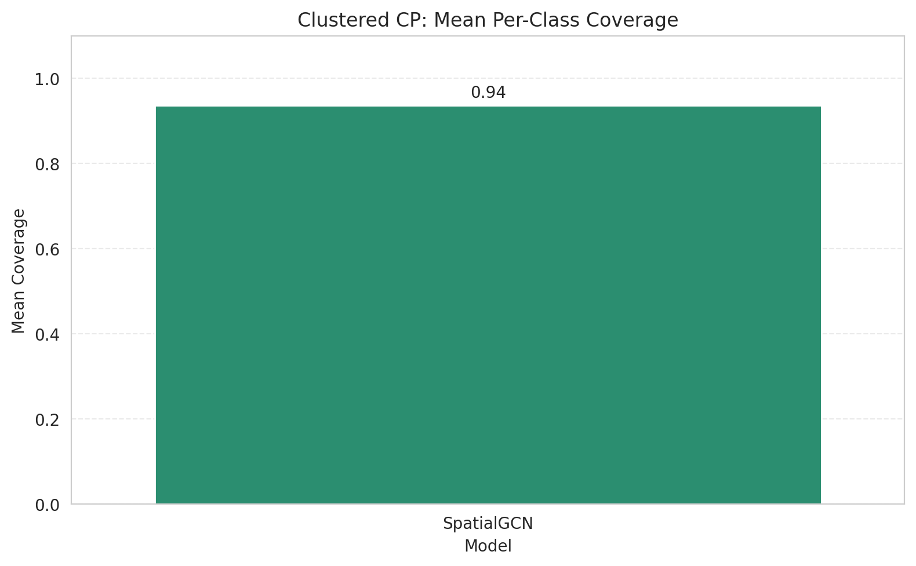
Clustered CP: 3-Model Comparison

model_name | method | target_coverage | empirical_coverage | avg_set_size | median_set_size | singleton_rate | empty_set_rate | model_name | mean_per_class_coverage | lam | n_clusters | mean_per_class_coverage
SpatialGCN | ClusteredConformal | 0.95 | 0.95190737717 | 0.98040670922 | 1 | 0.95814160606 | 0.030725842363 | SpatialGCN | 0.93579625032 |  | 4 | 0.93579625032

Grouped Metrics Comparison

Mean Per-Class Coverage Comparison

Compare_RAPS
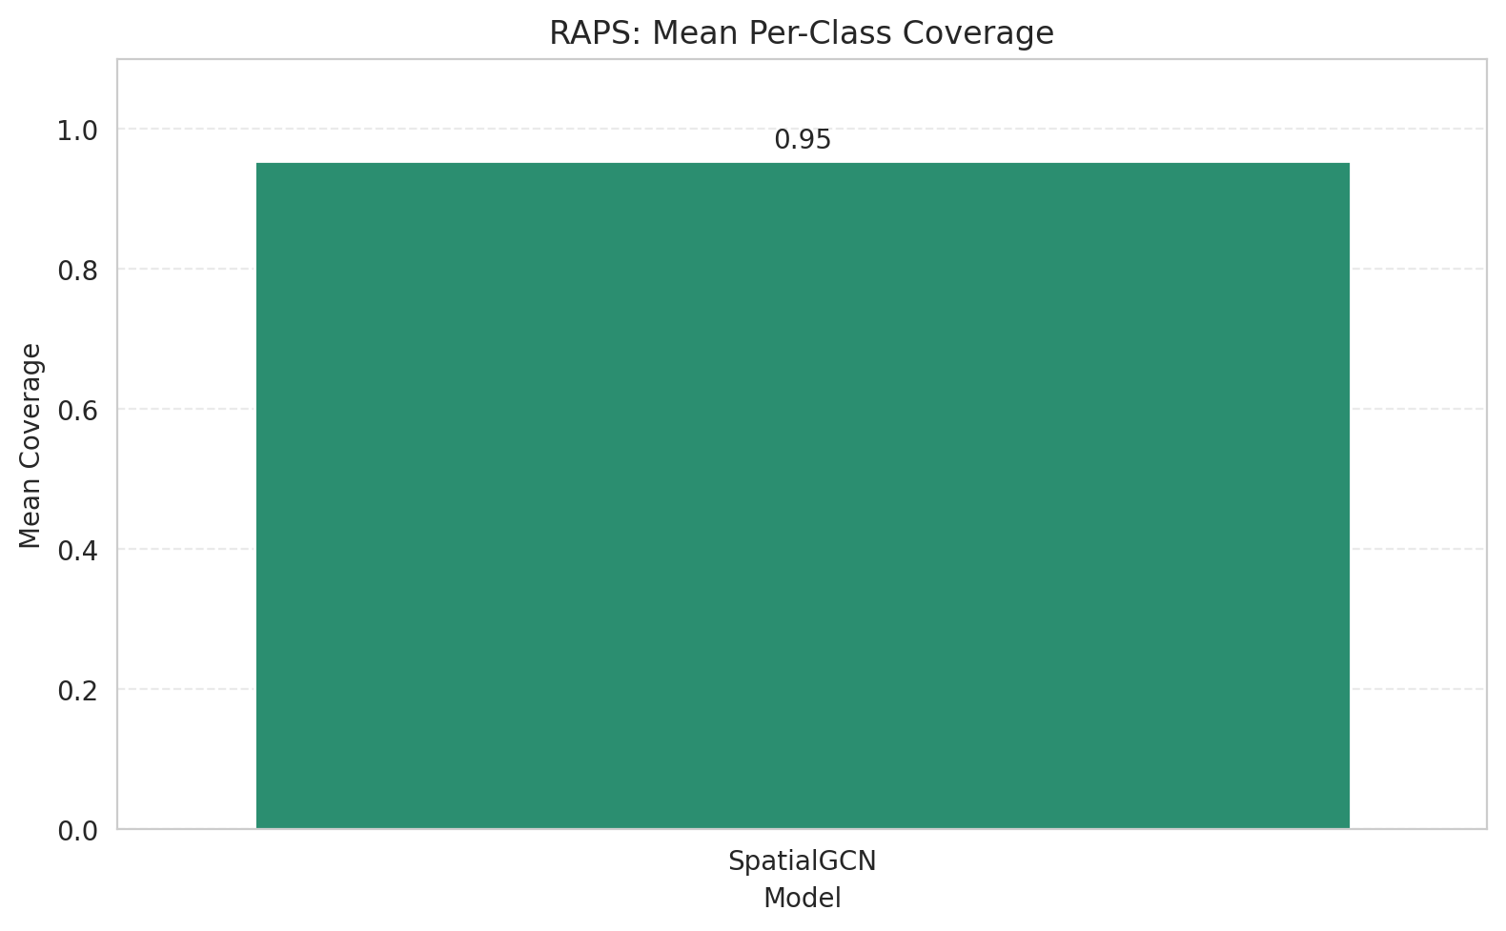
RAPS: 3-Model Comparison

model_name | method | target_coverage | empirical_coverage | avg_set_size | median_set_size | singleton_rate | empty_set_rate | model_name | mean_per_class_coverage | lam | n_clusters | mean_per_class_coverage
SpatialGCN | RAPS | 0.95 | 0.97343031023 | 1 | 1 | 1 | 0 | SpatialGCN | 0.95414233263 | 0.01 |  | 0.95414233263

Grouped Metrics Comparison

Mean Per-Class Coverage Comparison

