Split_GeoRSCLIP_TextHead
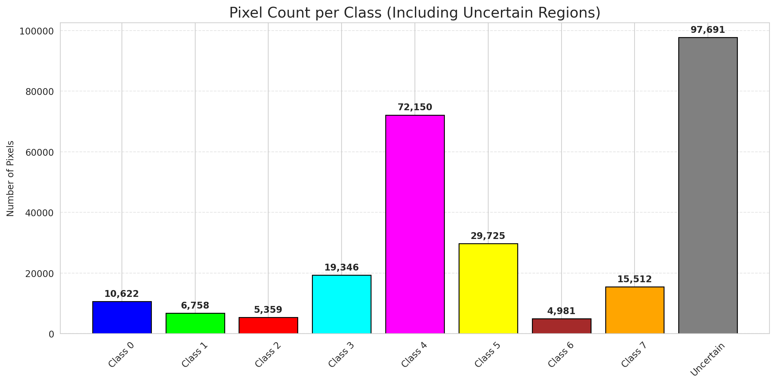
SplitConformal - GeoRSCLIP_TextHead |  |  |  |  |  |  |  |  | Per-Class Coverage
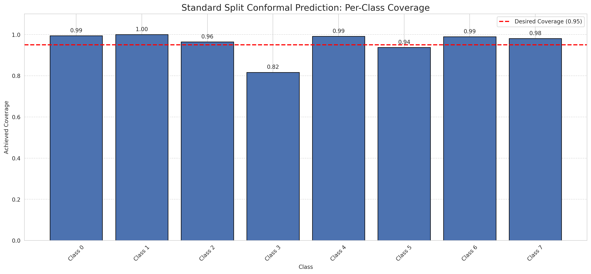
Summary
model_name | method | target_coverage | empirical_coverage | avg_set_size | median_set_size | singleton_rate | empty_set_rate | runtime_sec | alpha | lam | n_clusters | mean_per_class_coverage
GeoRSCLIP_TextHead | SplitConformal | 0.95 | 0.94745435654 | 0.94745435654 | 1 | 0.94745435654 | 0.052545643461 | 2.320737287 | 0.05 |  |  | 0.95956356276

Per-Class Coverage Values
class_id | class_coverage | support_count
0 | 0.99424342105 | 1216
1 | 1 | 704
2 | 0.96466431095 | 283
3 | 0.81684981685 | 1365
4 | 0.99182389937 | 1590
5 | 0.93767705382 | 1059
6 | 0.99 | 200
7 | 0.98125 | 320

Pixel Counts
class_id | label | pixel_count
0 | Class 0 | 10622
1 | Class 1 | 6758
2 | Class 2 | 5359
3 | Class 3 | 19346 |  |  |  |  |  |  | Certain vs Uncertain Map
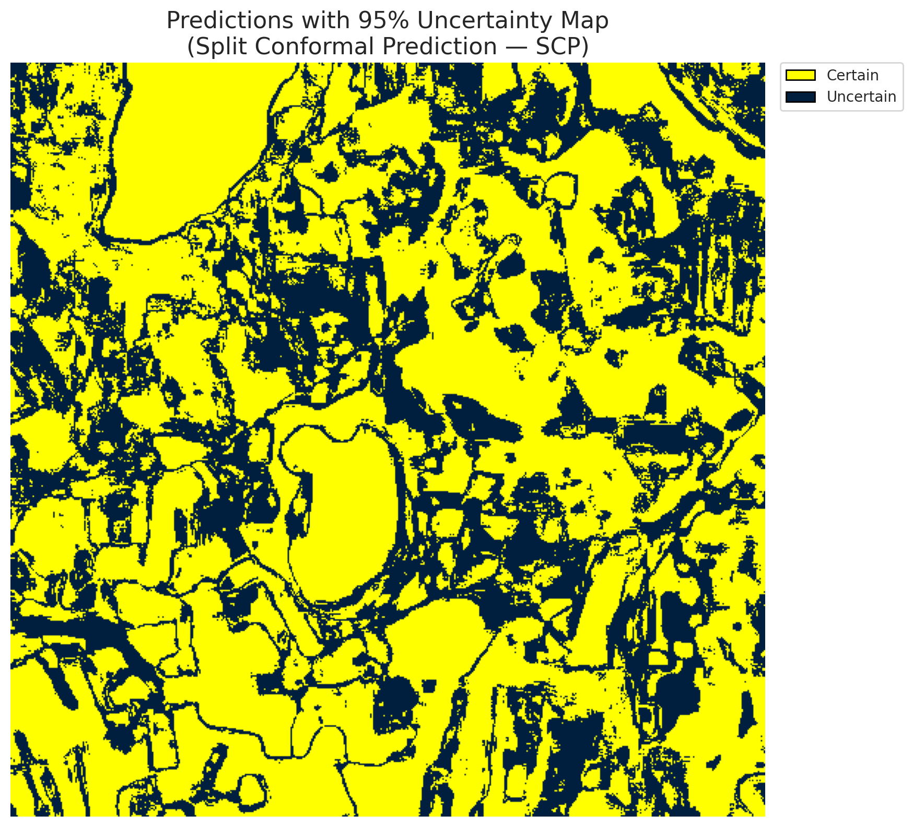
4 | Class 4 | 72150
5 | Class 5 | 29725
6 | Class 6 | 4981
7 | Class 7 | 15512
8 | Uncertain | 97691

Threshold
q_hat_split
0.039580976084

 |  |  |  |  |  |  |  |  | Class Map with Uncertain Mask
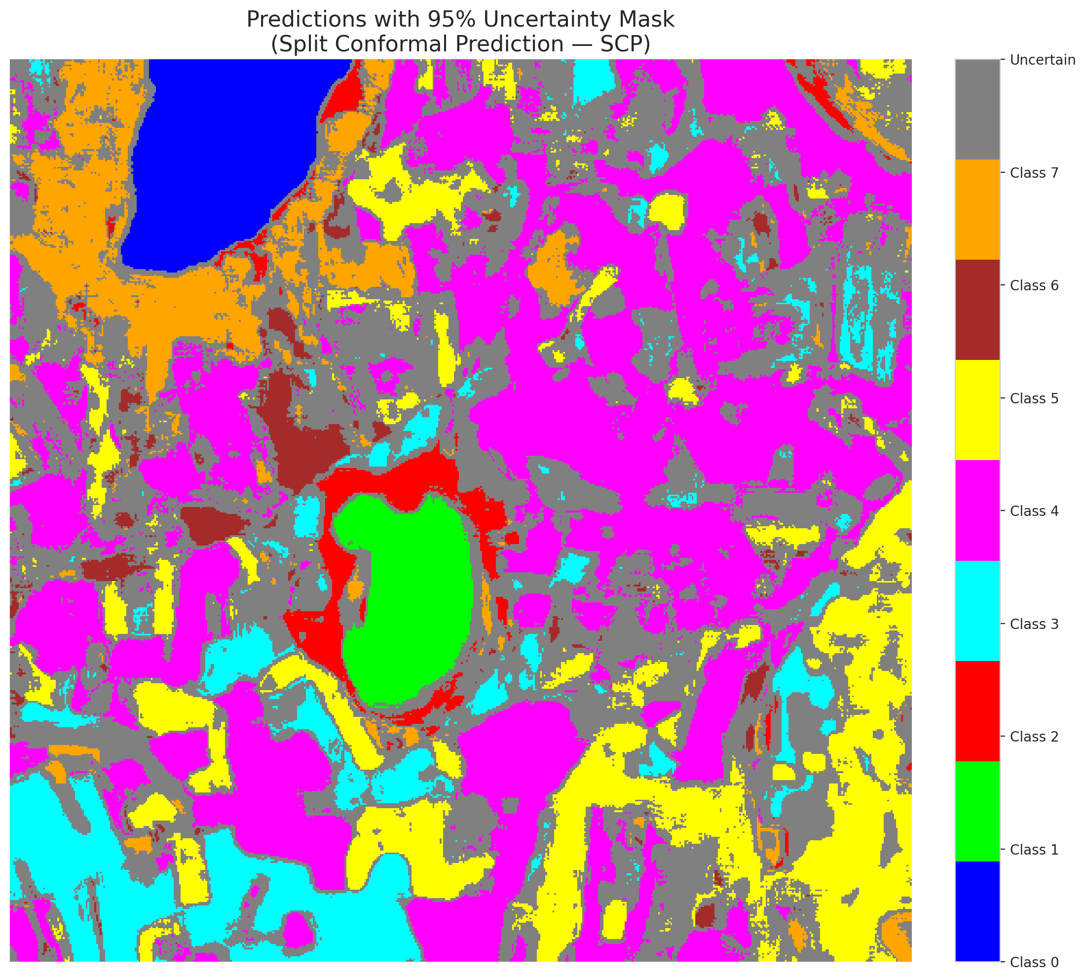

 |  |  |  |  |  |  |  |  | Pixel Counts

ClassCond_GeoRSCLIP_TextHead
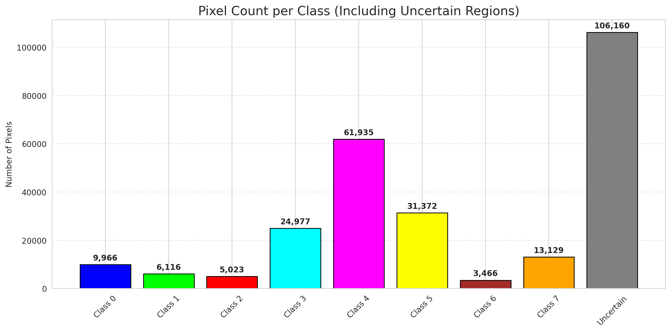
ClassConditionalConformal - GeoRSCLIP_TextHead |  |  |  |  |  |  |  |  | Per-Class Coverage
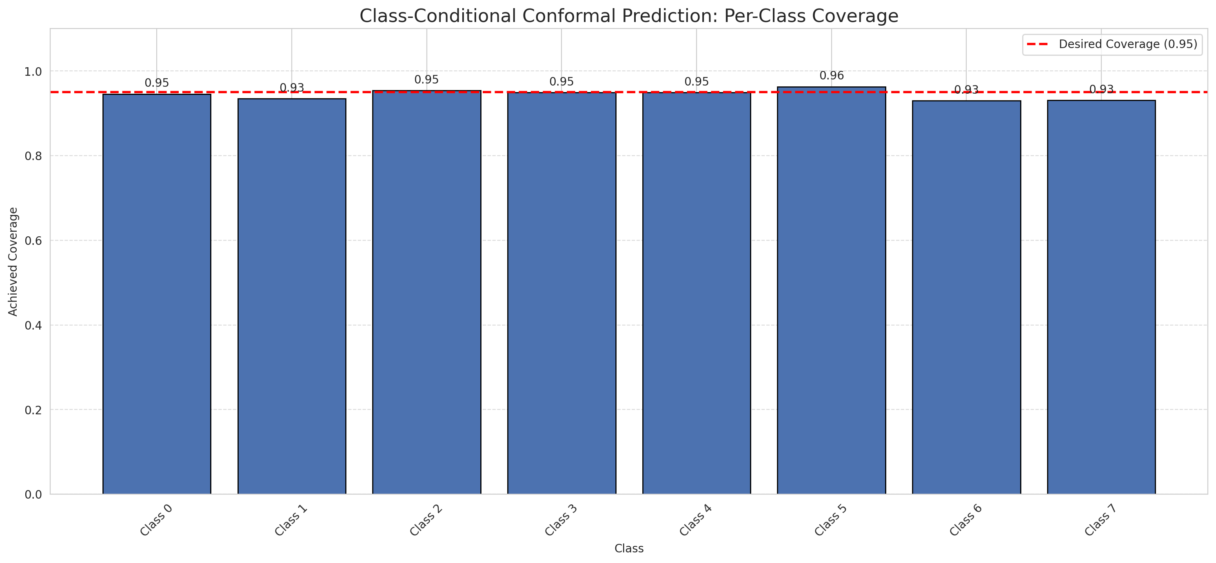
Summary
model_name | method | target_coverage | empirical_coverage | avg_set_size | median_set_size | singleton_rate | empty_set_rate | runtime_sec | alpha | lam | n_clusters | mean_per_class_coverage
GeoRSCLIP_TextHead | ClassConditionalConformal | 0.95 | 0.94804809262 | 0.94804809262 | 1 | 0.94804809262 | 0.051951907377 | 2.153384154 | 0.05 |  |  | 0.94467204214

Per-Class Coverage Values
class_id | class_coverage | support_count
0 | 0.94572368421 | 1216
1 | 0.93465909091 | 704
2 | 0.95406360424 | 283
3 | 0.94945054945 | 1365
4 | 0.94905660377 | 1590
5 | 0.96317280453 | 1059
6 | 0.93 | 200
7 | 0.93125 | 320

Pixel Counts
class_id | label | pixel_count
0 | Class 0 | 9966
1 | Class 1 | 6116
2 | Class 2 | 5023
3 | Class 3 | 24977 |  |  |  |  |  |  | Certain vs Uncertain Map
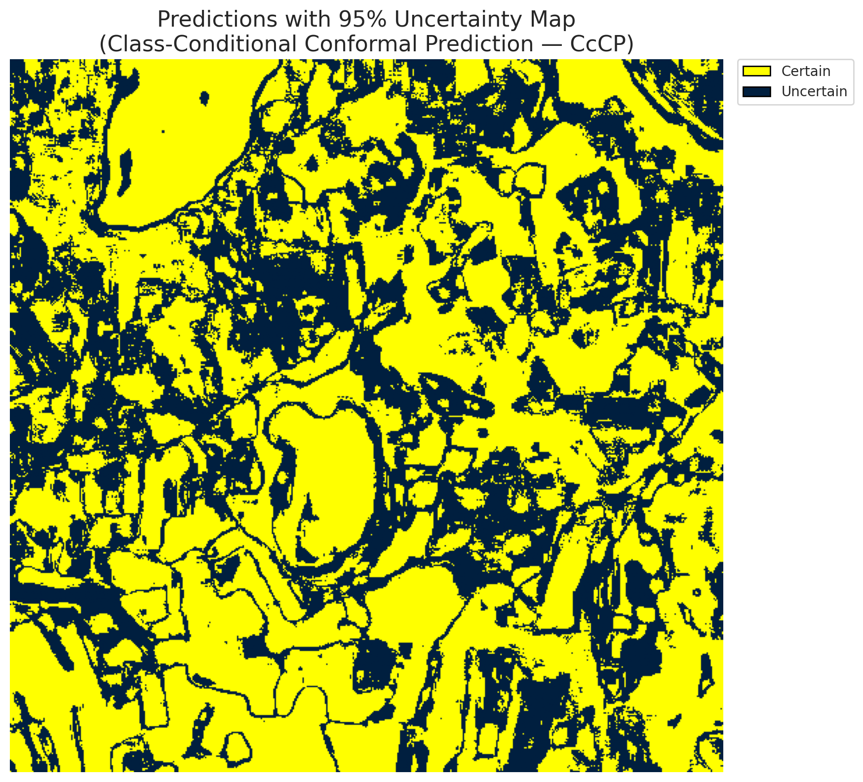
4 | Class 4 | 61935
5 | Class 5 | 31372
6 | Class 6 | 3466
7 | Class 7 | 13129
8 | Uncertain | 106160

Classwise q_hat
class_id | q_hat_classconditional
0 | 0.039310251456
1 | 0.038767495055
2 | 0.038470975446
3 | 0.03990810902
4 | 0.039083020369
5 | 0.039753600966
6 | 0.036628373203
7 | 0.037385180945

 |  |  |  |  |  |  |  |  | Class Map with Uncertain Mask
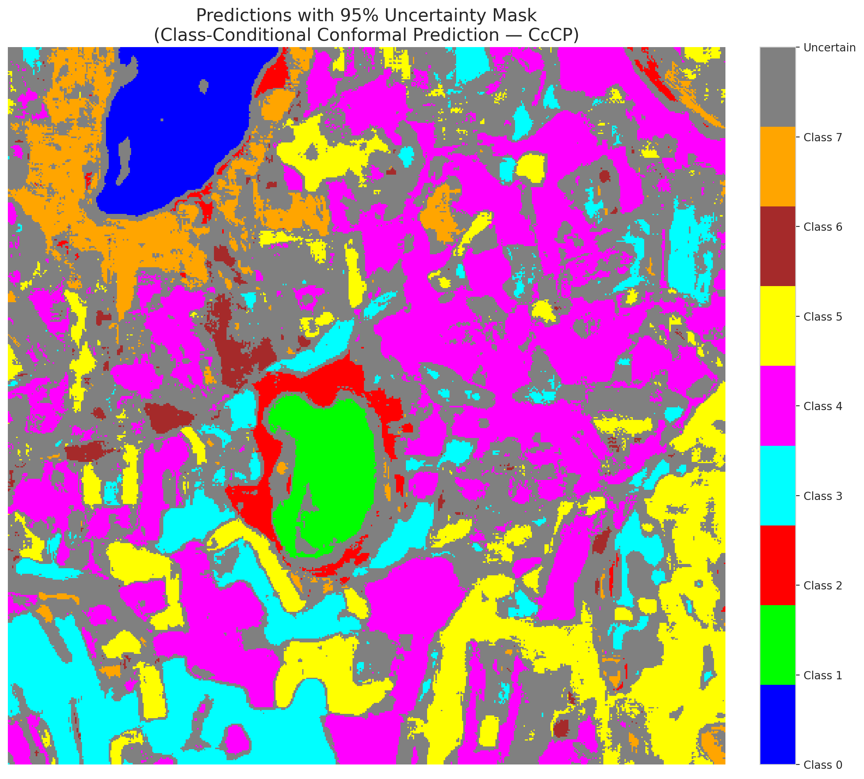

 |  |  |  |  |  |  |  |  | Pixel Counts

RC3P_GeoRSCLIP_TextHead
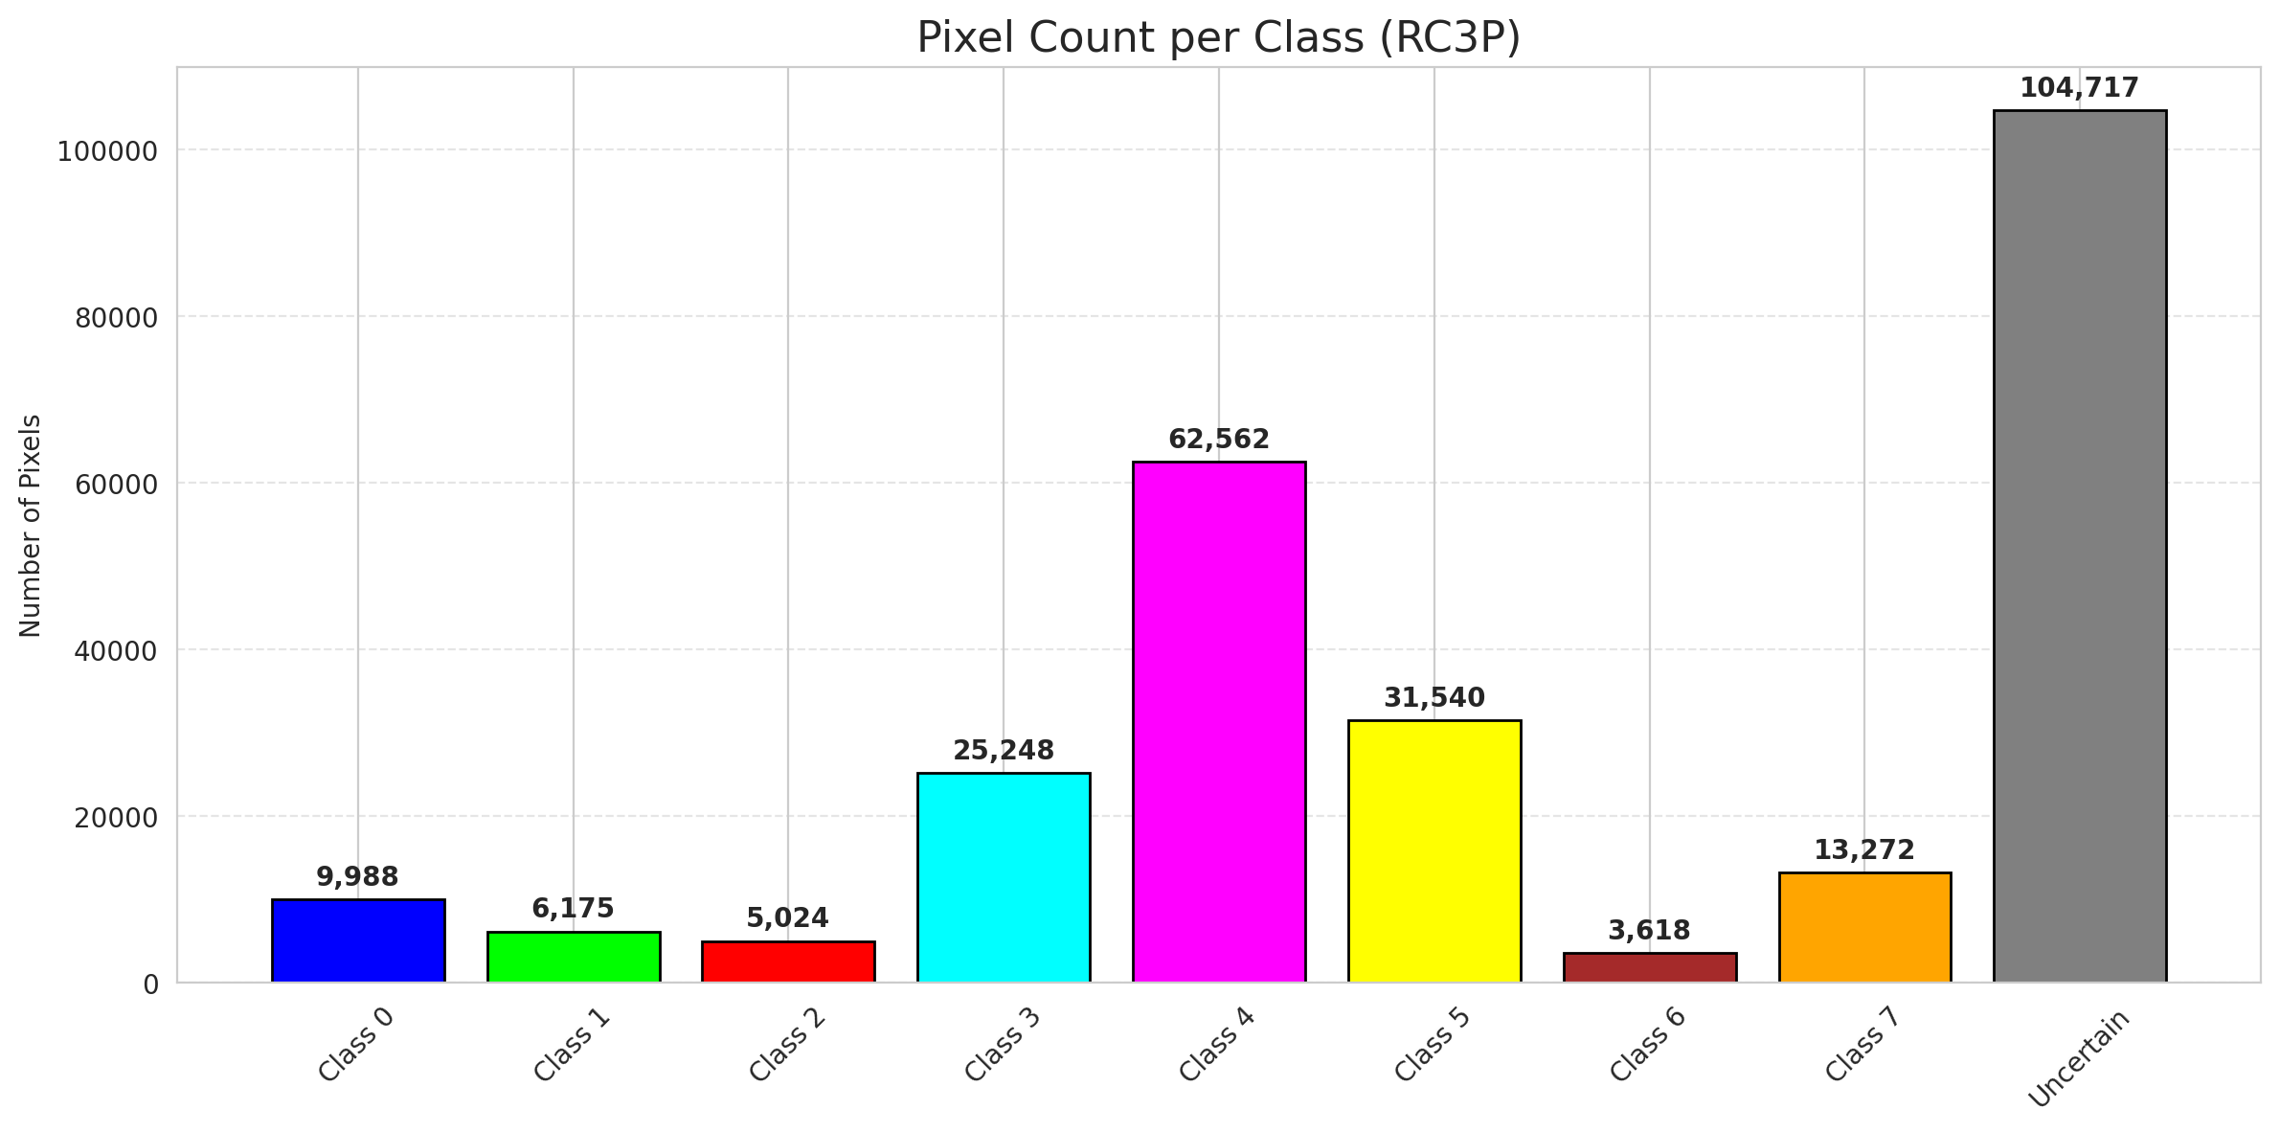
RC3P - GeoRSCLIP_TextHead |  |  |  |  |  |  |  |  | Per-Class Coverage
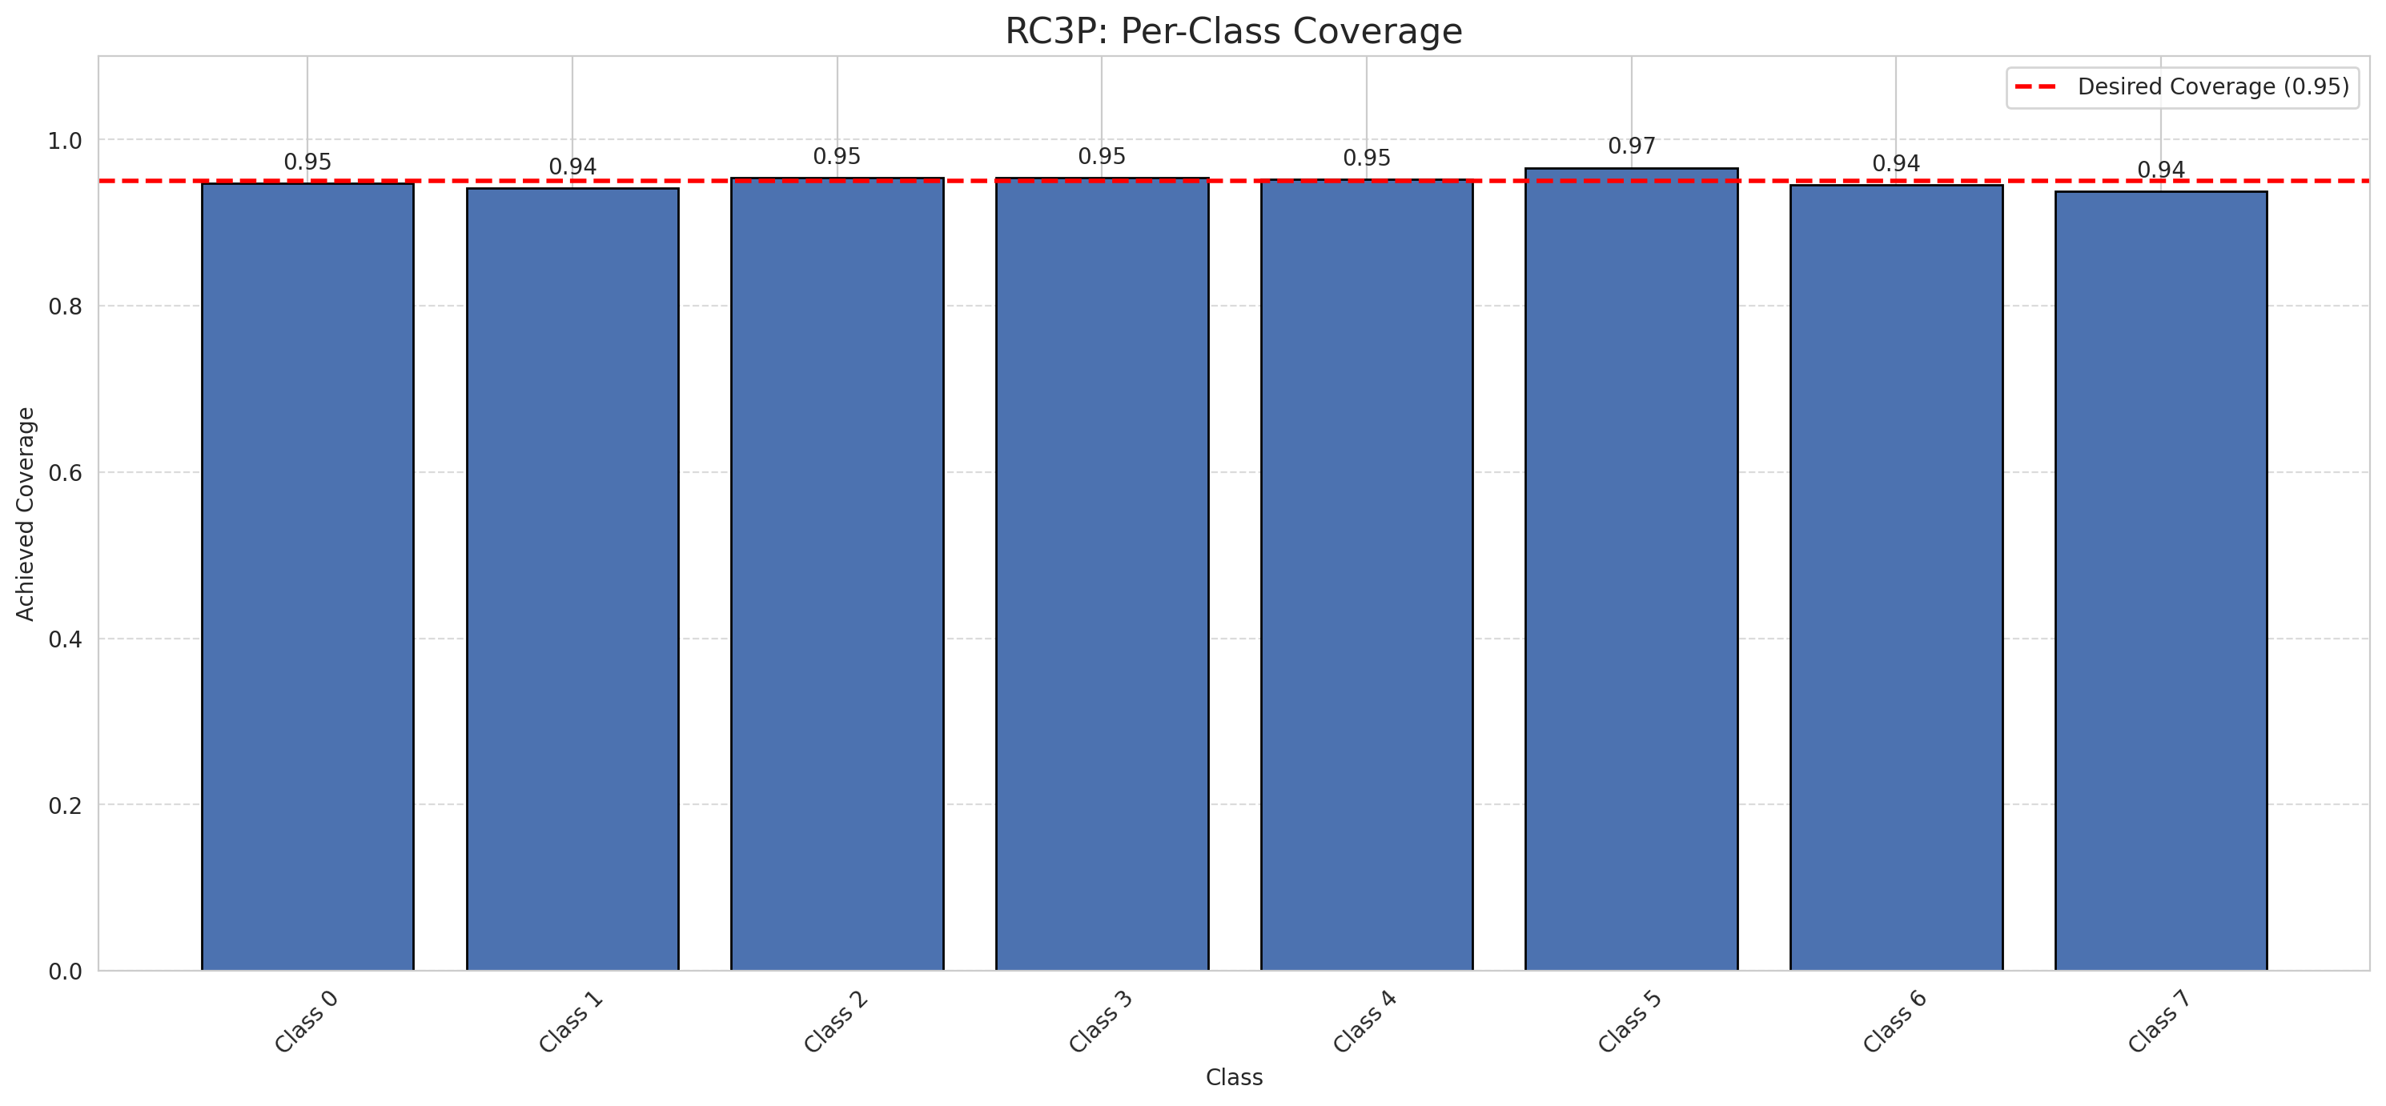
Summary
model_name | method | target_coverage | empirical_coverage | avg_set_size | median_set_size | singleton_rate | empty_set_rate | runtime_sec | alpha | lam | n_clusters | mean_per_class_coverage
GeoRSCLIP_TextHead | RC3P | 0.95 | 0.95190737717 | 0.95190737717 | 1 | 0.95190737717 | 0.048092622829 | 2.482499384 | 0.05 |  |  | 0.94971830829

Per-Class Coverage Values
class_id | class_coverage | support_count
0 | 0.94736842105 | 1216
1 | 0.94176136364 | 704
2 | 0.95406360424 | 283
3 | 0.95384615385 | 1365
4 | 0.95220125786 | 1590
5 | 0.96600566572 | 1059
6 | 0.945 | 200
7 | 0.9375 | 320

Pixel Counts
class_id | label | pixel_count
0 | Class 0 | 9988
1 | Class 1 | 6175
2 | Class 2 | 5024
3 | Class 3 | 25248 |  |  |  |  |  |  | Certain vs Uncertain Map
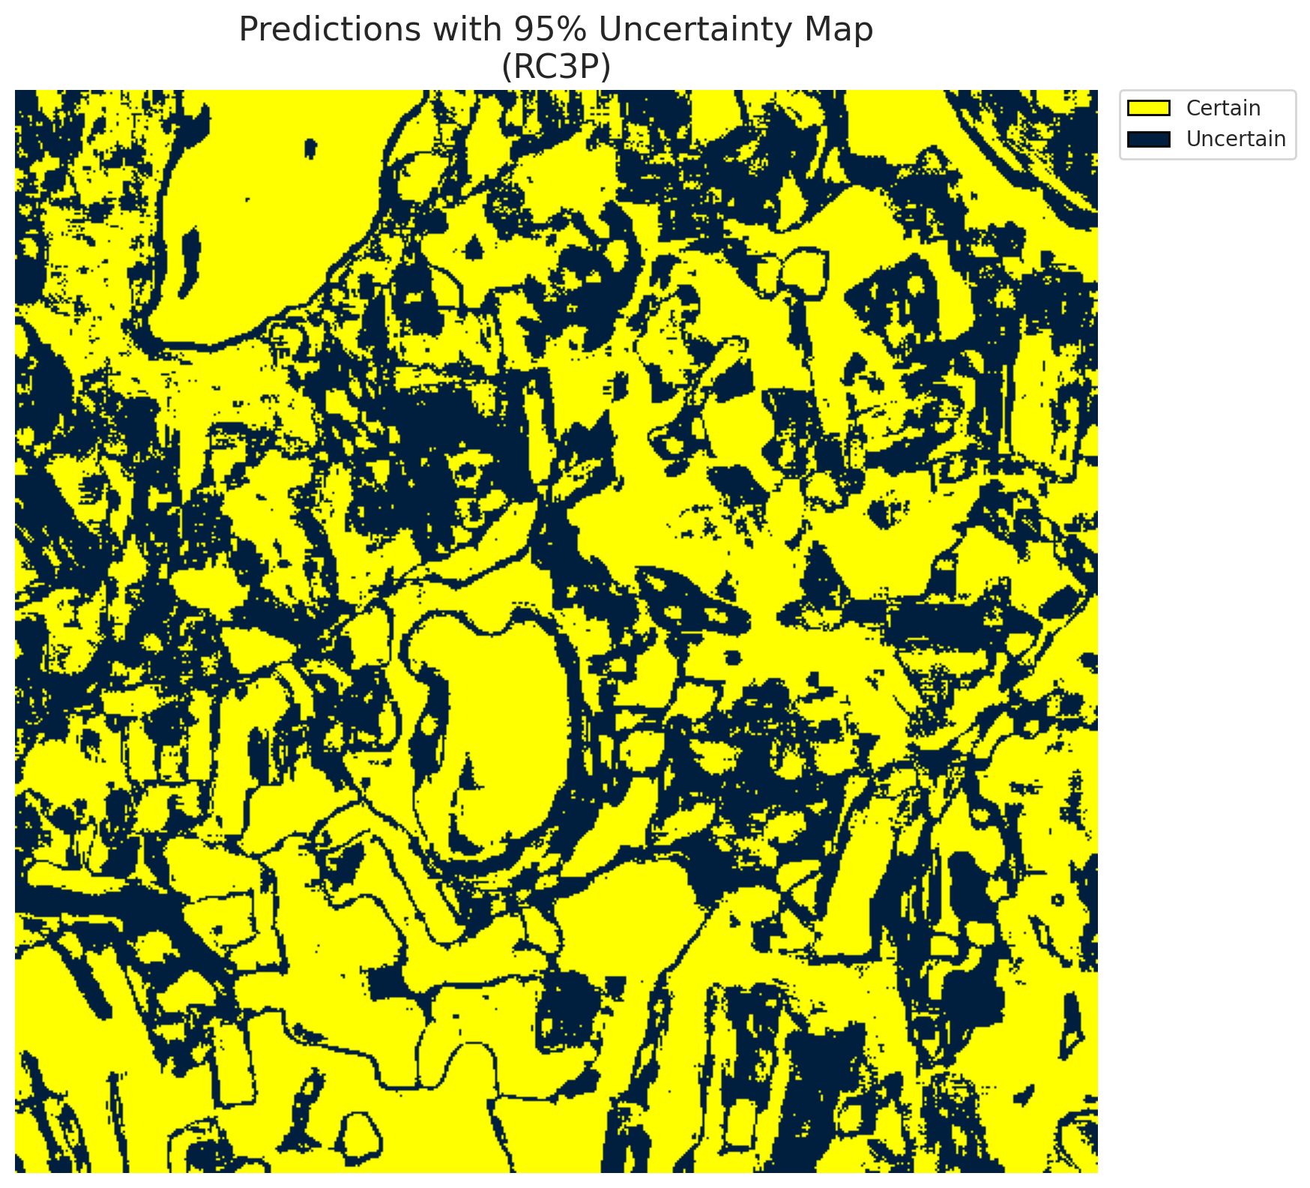
4 | Class 4 | 62562
5 | Class 5 | 31540
6 | Class 6 | 3618
7 | Class 7 | 13272
8 | Uncertain | 104717

RC3P Thresholds & Limits
class_id | q_hat_rc3p | suit_index_limit
0 | 0.039314207731 | 1
1 | 0.038781680512 | 1
2 | 0.038471200825 | 1
3 | 0.039938006105 | 1
4 | 0.039098485451 | 1
5 | 0.039774829162 | 1
6 | 0.036756065527 | 1
7 | 0.037457374241 | 1

 |  |  |  |  |  |  |  |  | Class Map with Uncertain Mask
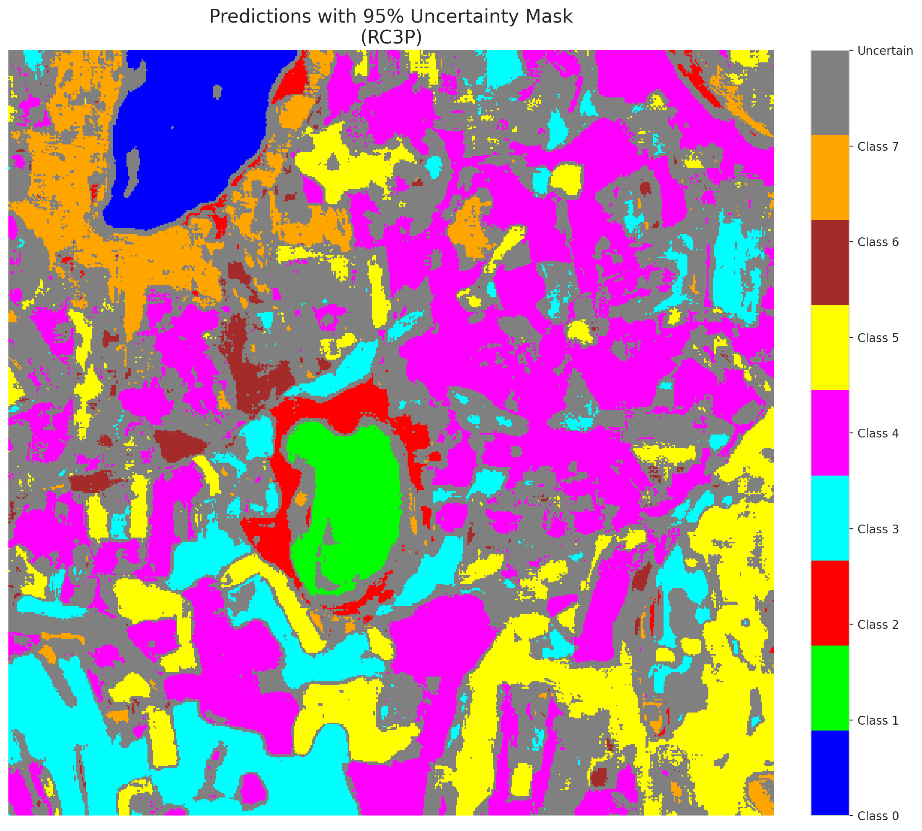

 |  |  |  |  |  |  |  |  | Pixel Counts

Clustered_GeoRSCLIP_TextHead
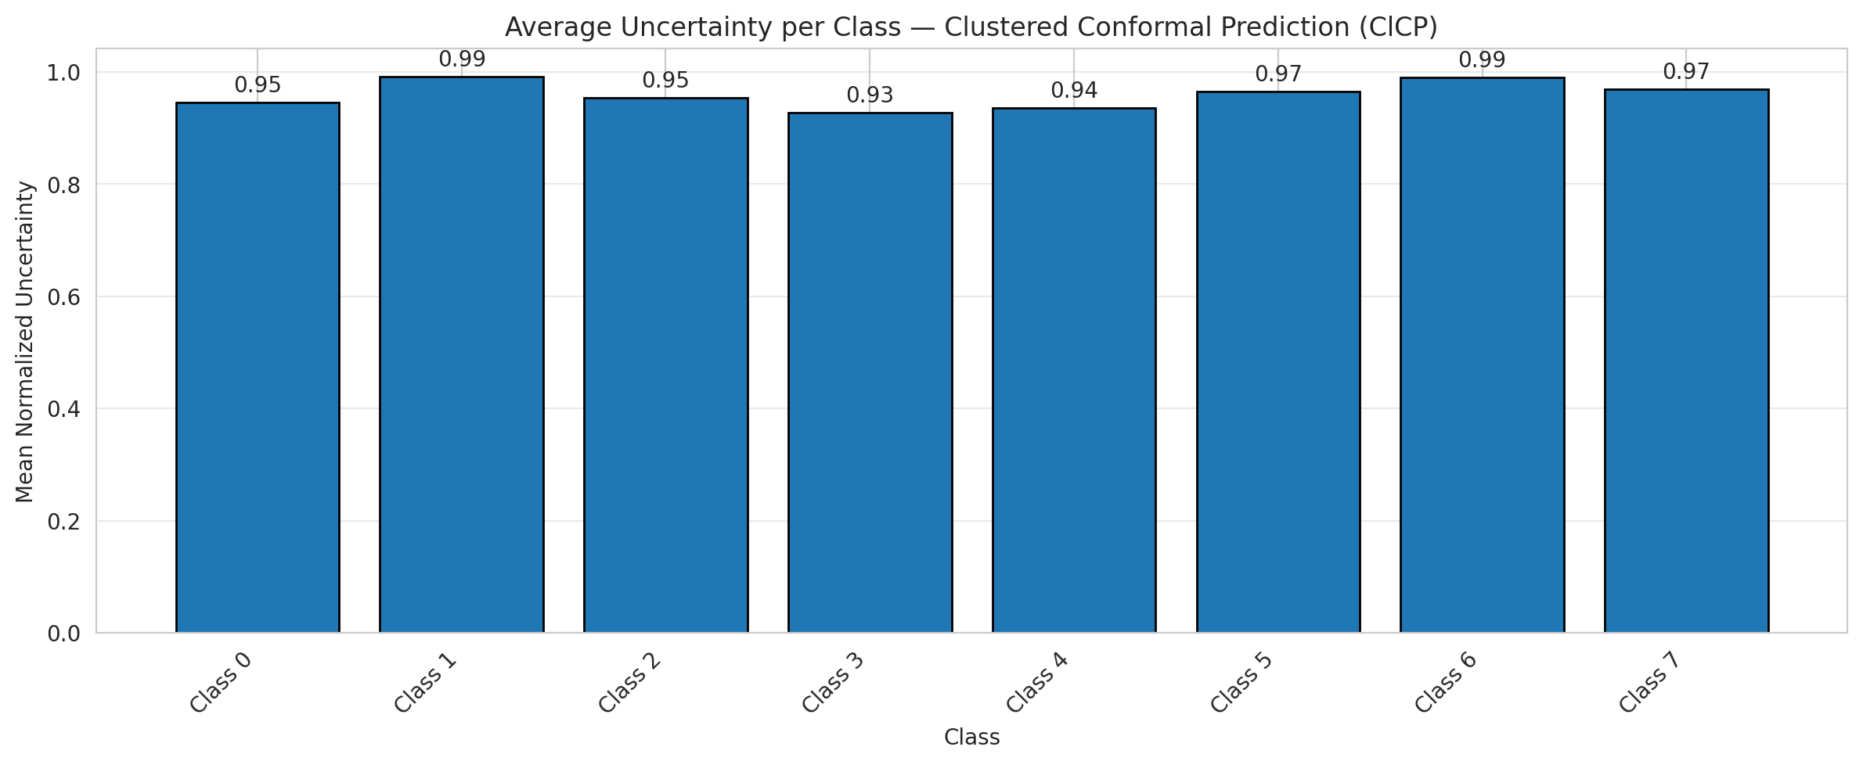
ClusteredConformal - GeoRSCLIP_TextHead |  |  |  |  |  |  |  |  | Per-Class Coverage
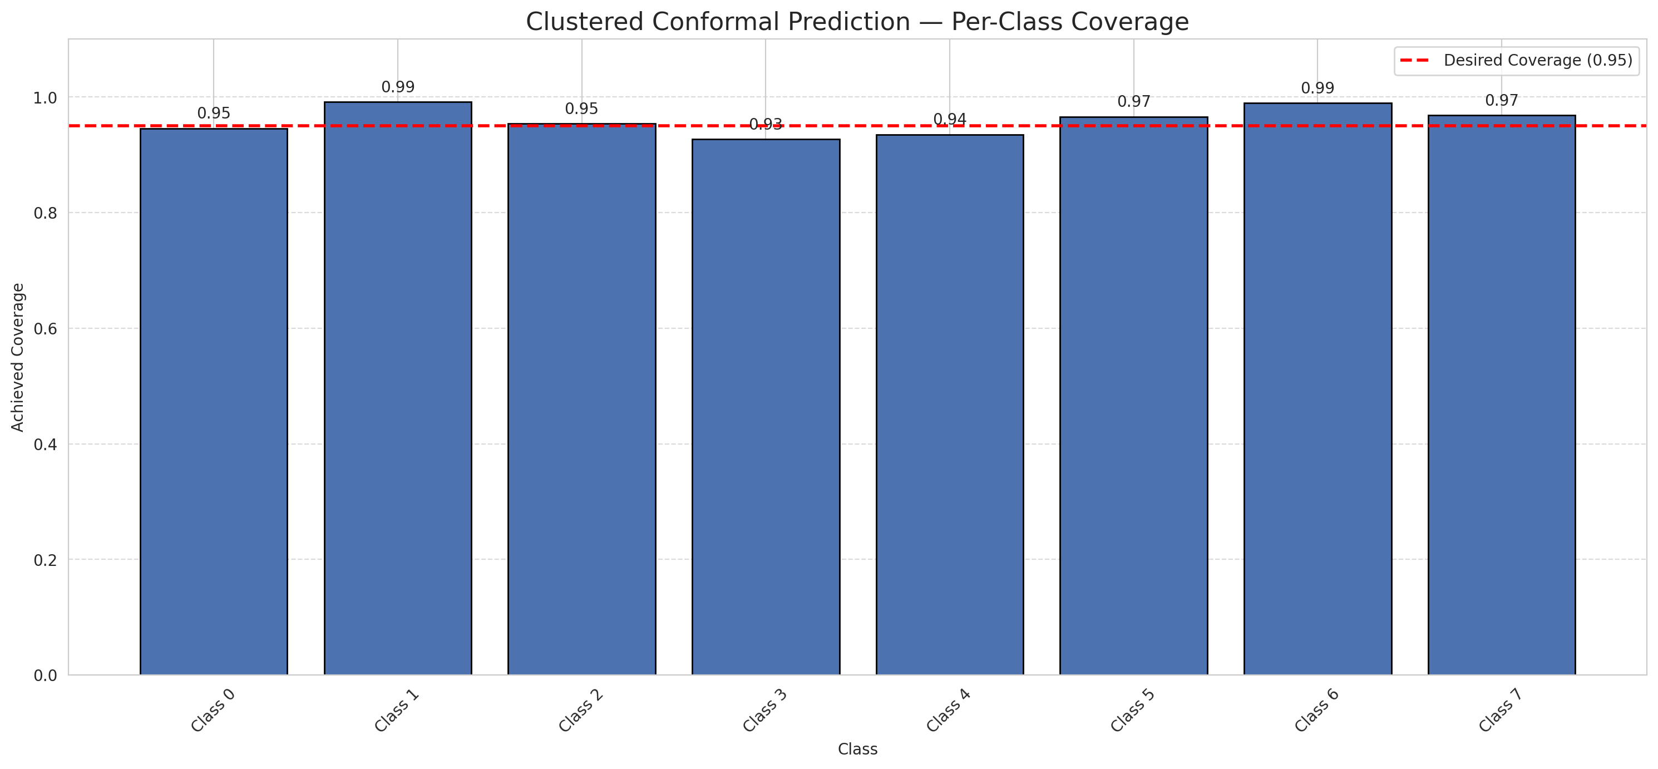
Summary
model_name | method | target_coverage | empirical_coverage | avg_set_size | median_set_size | singleton_rate | empty_set_rate | runtime_sec | alpha | lam | n_clusters | mean_per_class_coverage
GeoRSCLIP_TextHead | ClusteredConformal | 0.95 | 0.95012616892 | 0.95012616892 | 1 | 0.95012616892 | 0.049873831082 | 6.521172124 | 0.05 |  | 4 | 0.95974753493

Per-Class Coverage Values
class_id | class_coverage | support_count
0 | 0.94572368421 | 1216
1 | 0.99147727273 | 704
2 | 0.95406360424 | 283
3 | 0.92673992674 | 1365
4 | 0.93522012579 | 1590
5 | 0.96600566572 | 1059
6 | 0.99 | 200
7 | 0.96875 | 320

Class-to-Cluster Assignment
class_id | cluster_id
0 | 0
1 | 1
2 | 3
3 | 2 |  |  |  |  |  |  |  | Uncertainty Distribution
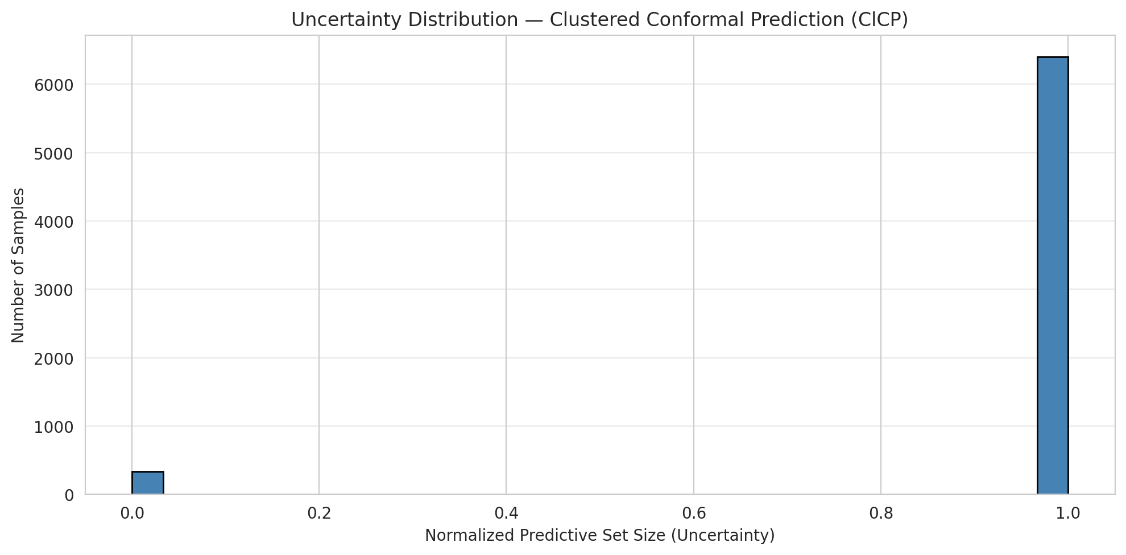
4 | 1
5 | 2
6 | 2
7 | 1

Cluster q_hat
cluster_id | q_hat_cluster
0 | 0.039310251456
1 | 0.03902305157
2 | 0.039777009941
3 | 0.038470975446

Cluster Mean Uncertainty
cluster | uncertainty
0 | 0.94572368421
1 | 0.95484117872
2 | 0.94704761905
3 | 0.95406360424

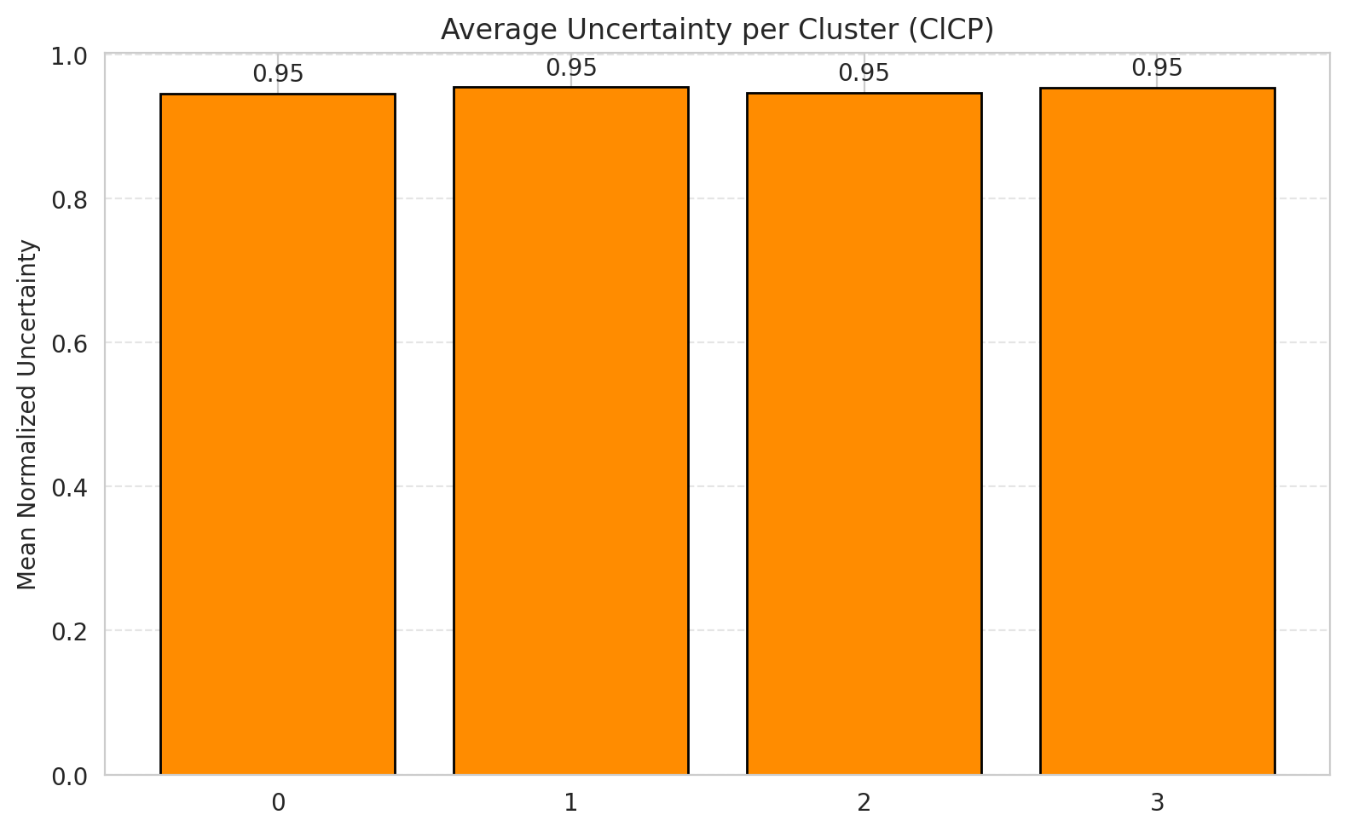
Class Mean Uncertainty
class_id | uncertainty |  |  |  |  |  |  |  | Avg Uncertainty per Cluster
0 | 0.94572368421
1 | 0.99147727273
2 | 0.95406360424
3 | 0.92673992674
4 | 0.93580868471
5 | 0.96509433962
6 | 0.99
7 | 0.96875

 |  |  |  |  |  |  |  |  | Avg Uncertainty per Class

RAPS_GeoRSCLIP_TextHead
RAPS - GeoRSCLIP_TextHead |  |  |  |  |  |  |  |  | Per-Class Coverage
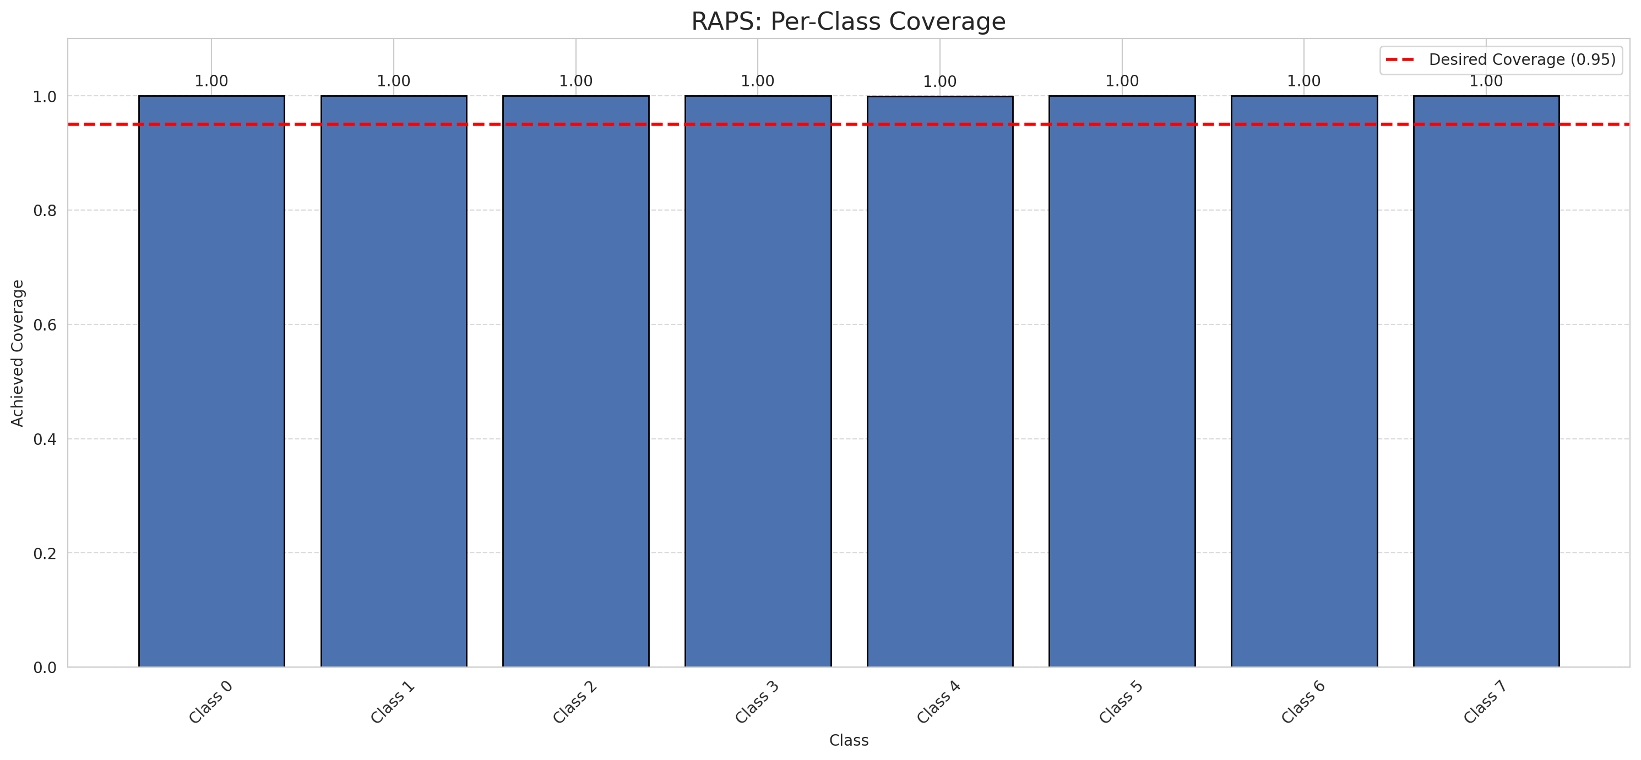
Summary
model_name | method | target_coverage | empirical_coverage | avg_set_size | median_set_size | singleton_rate | empty_set_rate | runtime_sec | alpha | lam | n_clusters | mean_per_class_coverage
GeoRSCLIP_TextHead | RAPS | 0.95 | 0.99985156598 | 1 | 1 | 1 | 0 | 0.473236794 | 0.05 | 0.01 |  | 0.99992138365

Per-Class Coverage Values
class_id | class_coverage | support_count
0 | 1 | 1216
1 | 1 | 704
2 | 1 | 283
3 | 1 | 1365
4 | 0.99937106918 | 1590
5 | 1 | 1059
6 | 1 | 200
7 | 1 | 320

RAPS Parameters
q_hat_raps | lambda | k_reg
0 | 0.01 | 1

Compare_Clustered
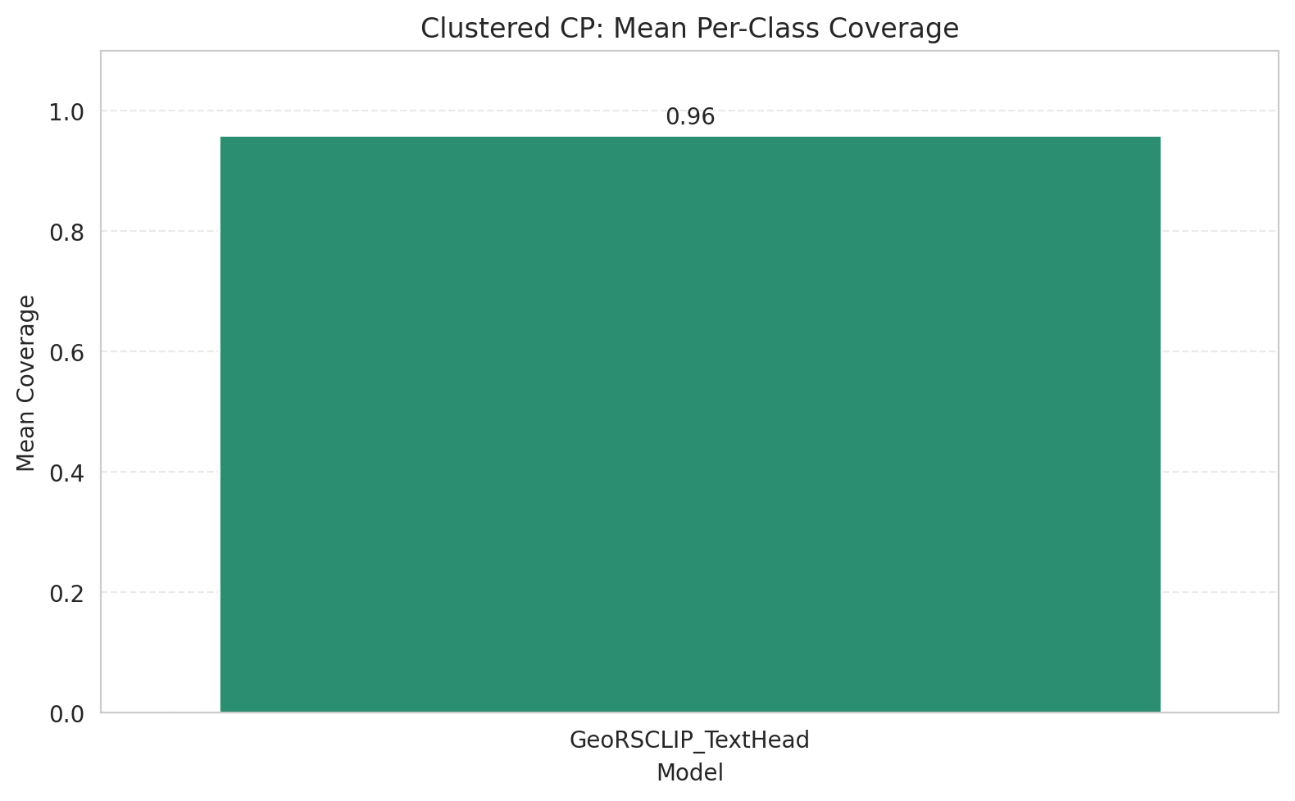
Clustered CP: 3-Model Comparison

model_name | method | target_coverage | empirical_coverage | avg_set_size | median_set_size | singleton_rate | empty_set_rate | model_name | mean_per_class_coverage | lam | n_clusters | mean_per_class_coverage
GeoRSCLIP_TextHead | ClusteredConformal | 0.95 | 0.95012616892 | 0.95012616892 | 1 | 0.95012616892 | 0.049873831082 | GeoRSCLIP_TextHead | 0.95974753493 |  | 4 | 0.95974753493

Grouped Metrics Comparison

Mean Per-Class Coverage Comparison

Compare_RAPS
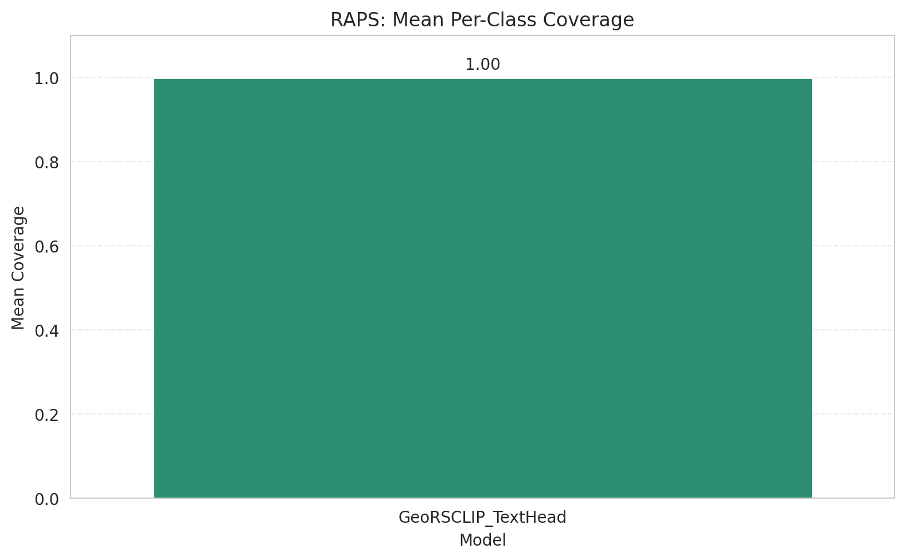
RAPS: 3-Model Comparison

model_name | method | target_coverage | empirical_coverage | avg_set_size | median_set_size | singleton_rate | empty_set_rate | model_name | mean_per_class_coverage | lam | n_clusters | mean_per_class_coverage
GeoRSCLIP_TextHead | RAPS | 0.95 | 0.99985156598 | 1 | 1 | 1 | 0 | GeoRSCLIP_TextHead | 0.99992138365 | 0.01 |  | 0.99992138365

Grouped Metrics Comparison

Mean Per-Class Coverage Comparison

