AlexNet_RAPS_ws3
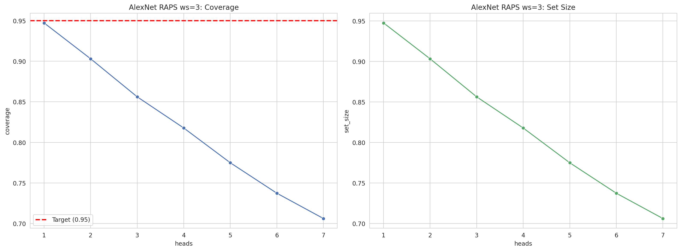
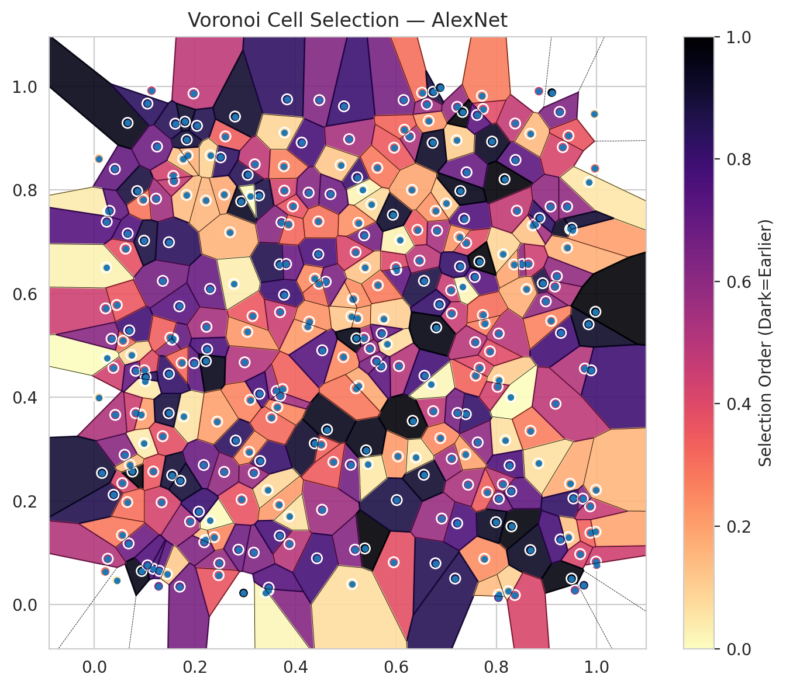
model_key | AlexNet_CNN_MultiHead
model_name | AlexNet
scoring_method | RAPS
window_size | 3
lambda | 0.5
k_iters | 1
empirical_coverage | 0.70610063827
avg_set_size | 0.70624907229
scene_coverage | 0.14996749398
scene_avg_set_size | 0.95458052036
uncertain_pixel_rate | 0.12972640991
mean_per_class_cov | 0.71011483162
runtime_sec | 100.13821512
alpha | 0.05

heads | coverage | set_size |  |  | class_id | class_coverage | support_count | Class | Pixels
1 | 0.94730592252 | 0.94745435654 |  |  | 0 | 0.69654605263 | 1216 | Class 0 | 10996
2 | 0.90307258424 | 0.90322101826 |  |  | 1 | 0.72017045455 | 704 | Class 1 | 7861
3 | 0.85616743358 | 0.8563158676 |  |  | 2 | 0.74204946996 | 283 | Class 2 | 8296
4 | 0.81772302212 | 0.81787145614 |  |  | 3 | 0.70549450549 | 1365 | Class 3 | 49077
5 | 0.77482559003 | 0.77497402405 |  |  | 4 | 0.70628930818 | 1590 | Class 4 | 71826
6 | 0.73727178269 | 0.73742021671 |  |  | 5 | 0.70349386213 | 1059 | Class 5 | 47259
7 | 0.70610063827 | 0.70624907229 |  |  | 6 | 0.735 | 200 | Class 6 | 7777
 |  |  |  |  | 7 | 0.671875 | 320 | Class 7 | 25045
 |  |  |  |  |  |  |  | Uncertain | 34007
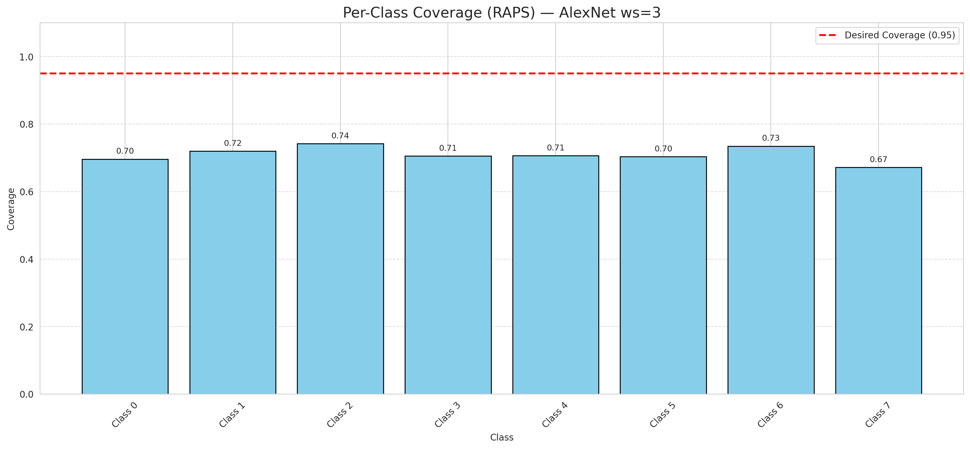

Cell Index | s1 | s2 | Selection_Order | Norm_Order(0-1) | Target
0 | 0.4532 | 0.1829 | 188 | 0.56119402985 | 5
1 | 0.5515 | 0.7725 | 25 | 0.074626865672 | 0
2 | 0.0378 | 0.4567 | 146 | 0.43582089552 | 2
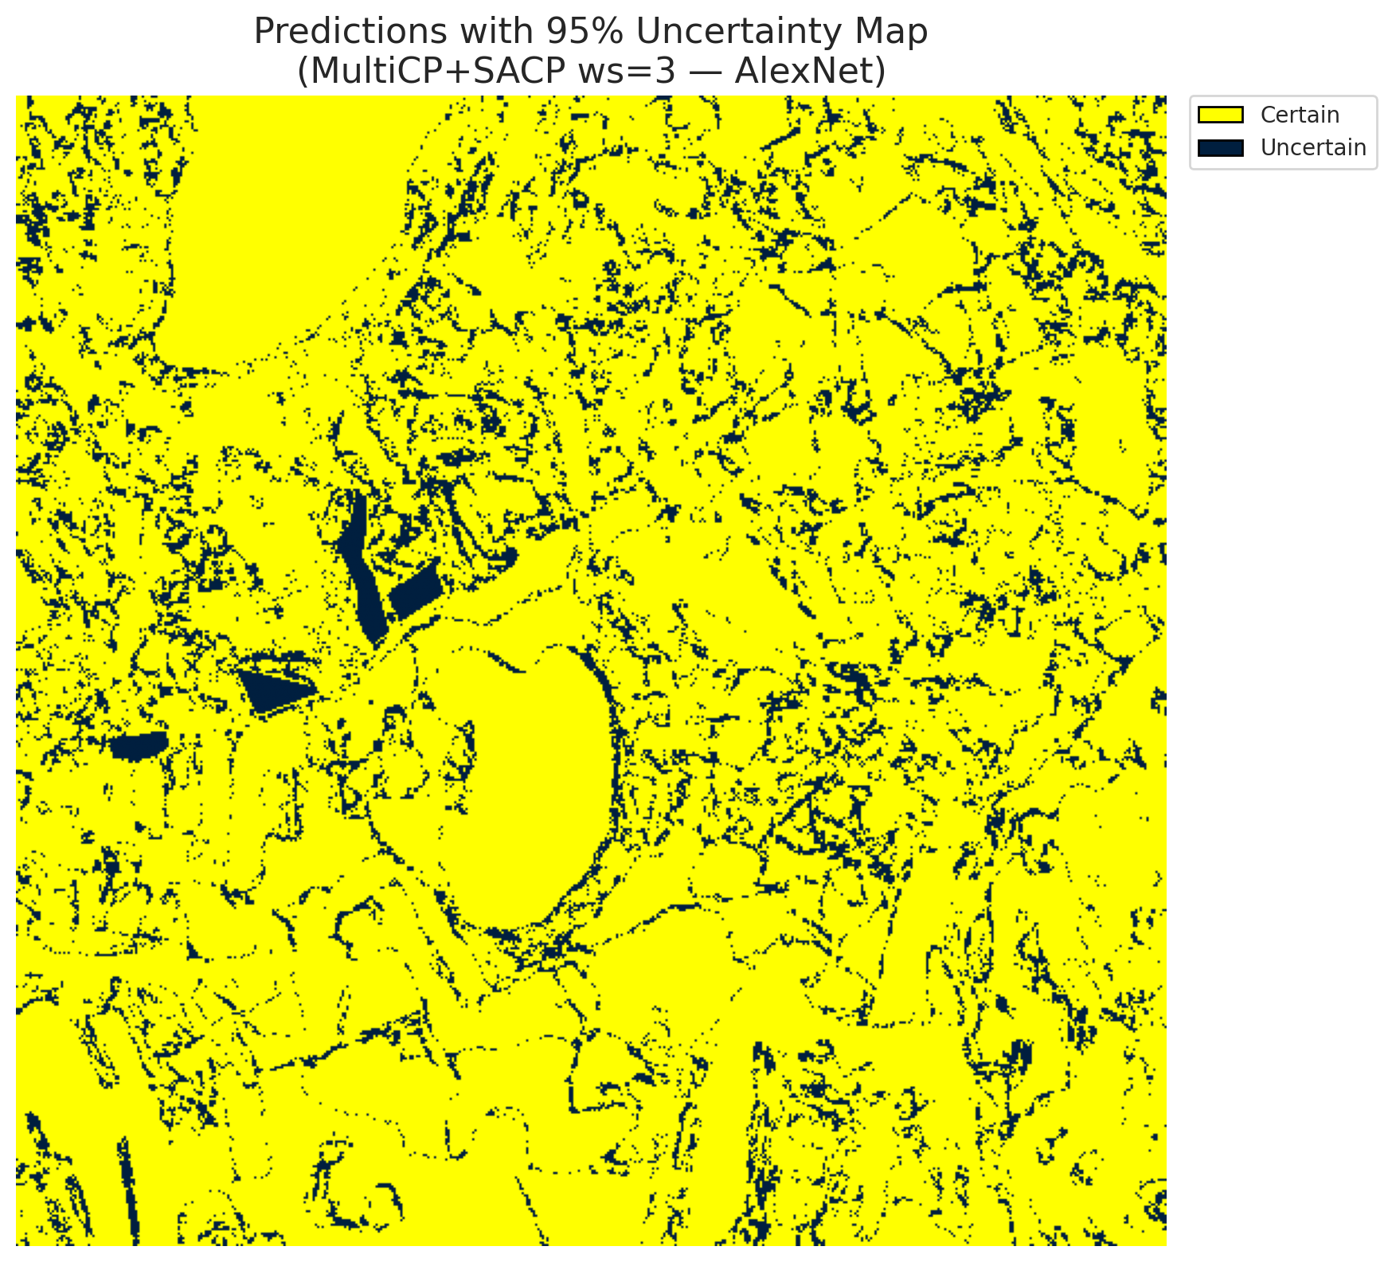
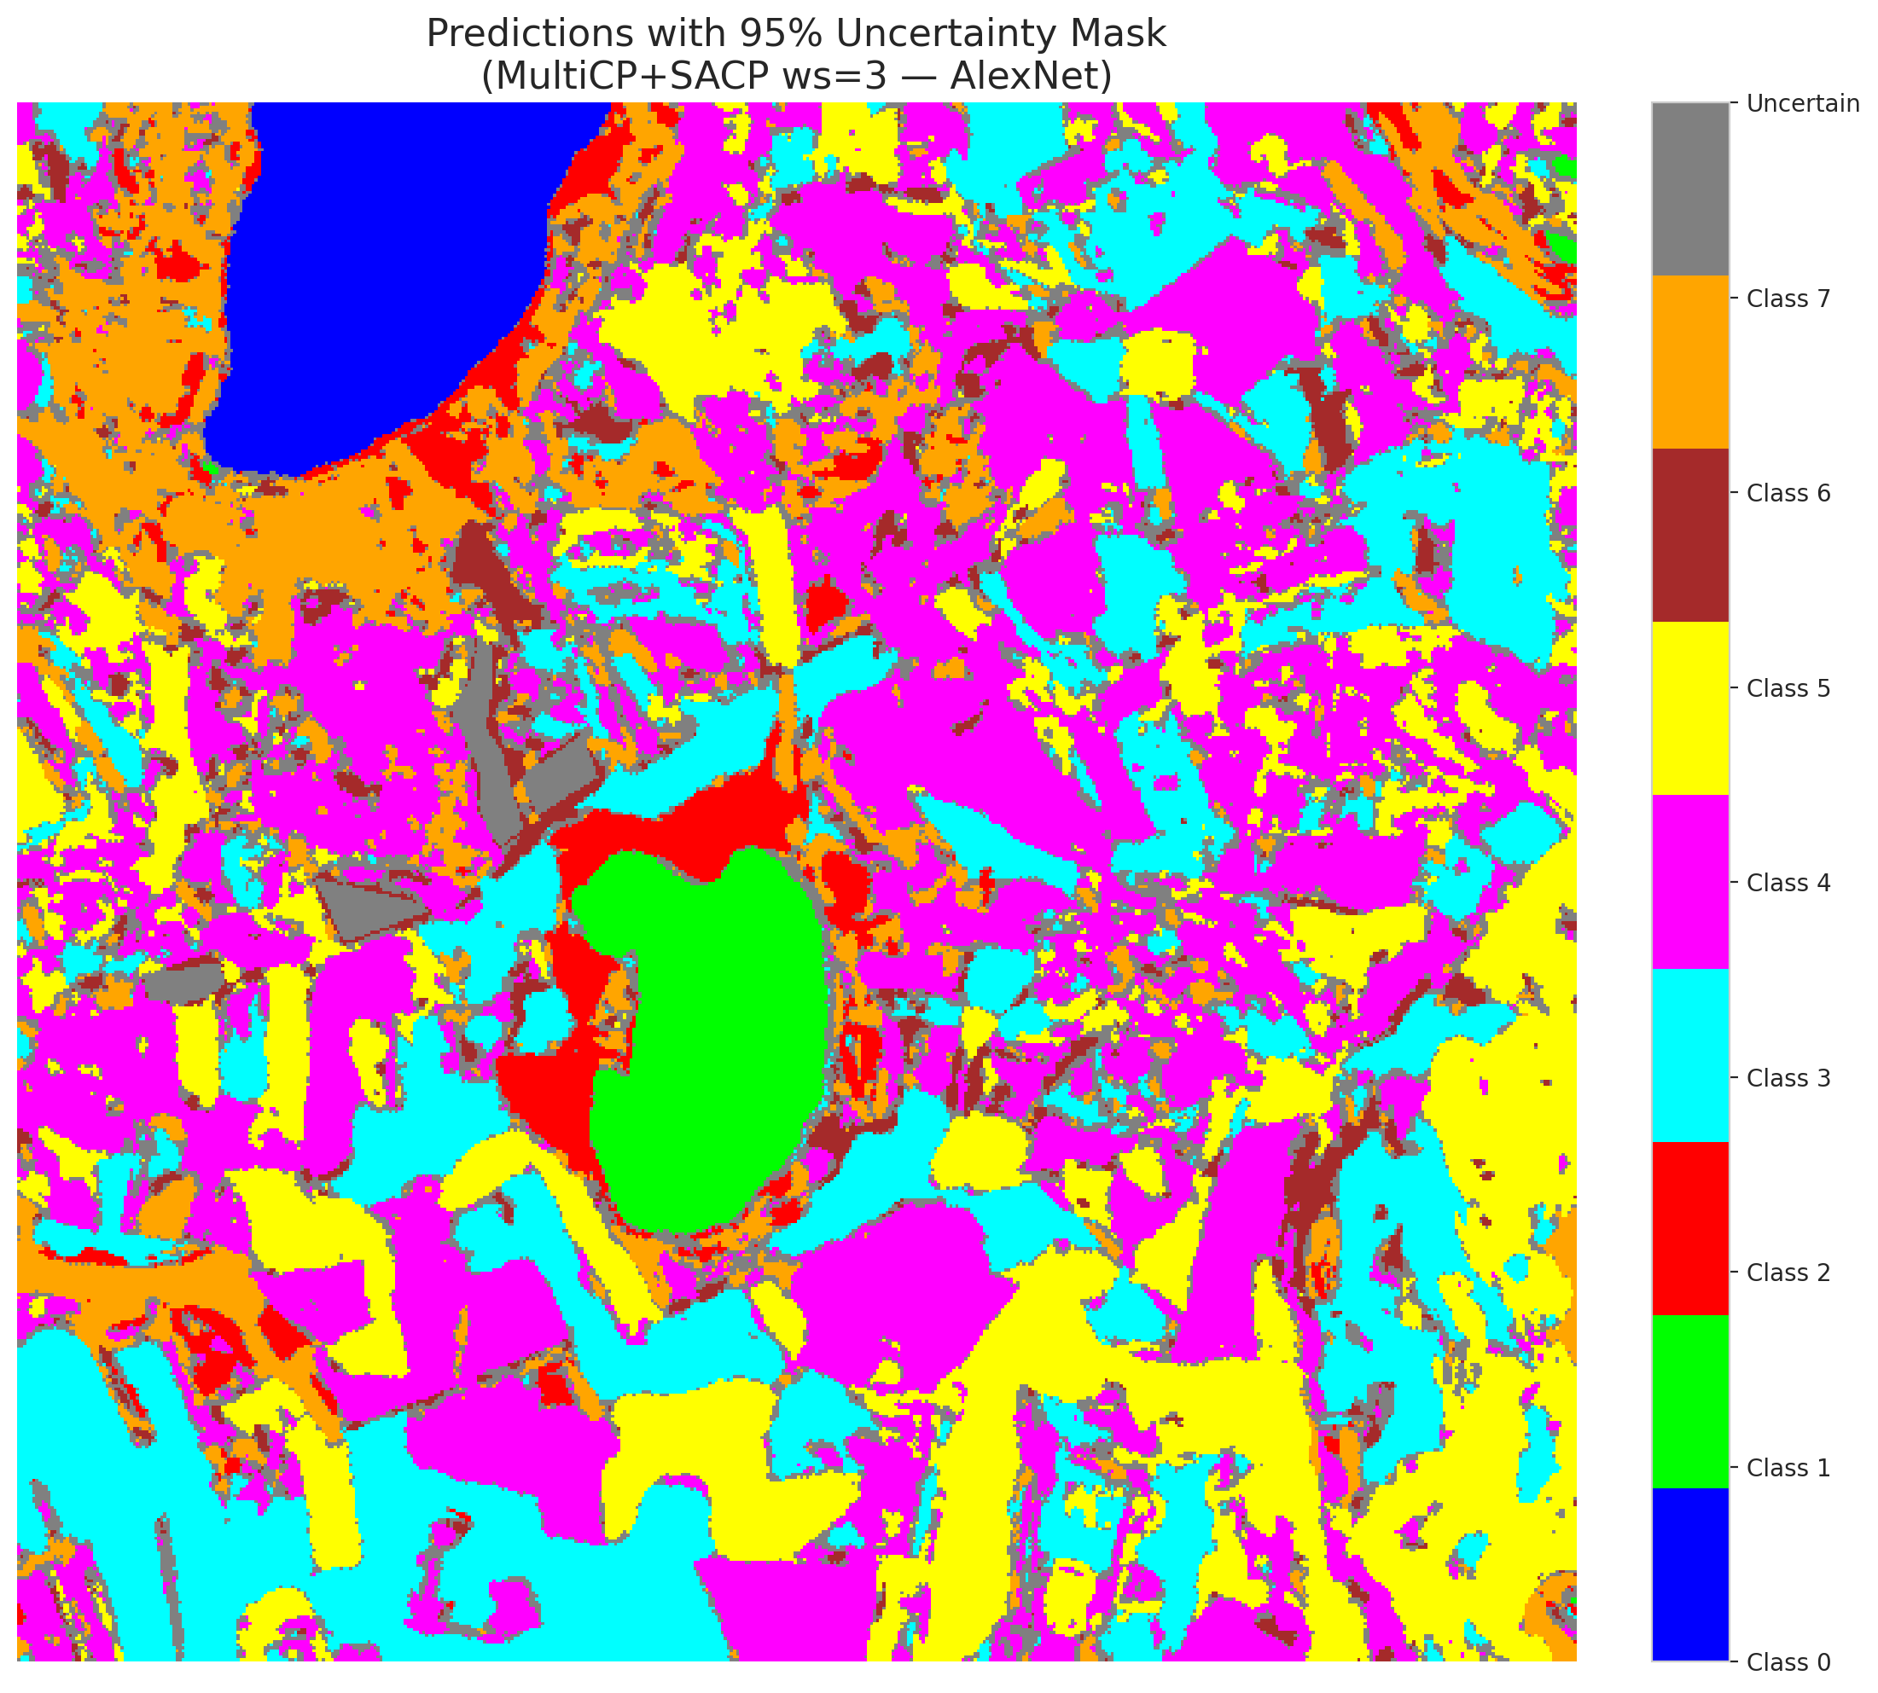
3 | 0.4478 | 0.9734 | 210 | 0.62686567164 | 5
4 | 0.8302 | 0.1508 | 328 | 0.97910447761 | 0
5 | 0.656 | 0.6247 | 293 | 0.87462686567 | 3
6 | 0.7591 | 0.4417 | 109 | 0.32537313433 | 3
7 | 0.1009 | 0.4309 | 14 | 0.041791044776 | 5
8 | 0.6429 | 0.723 | 118 | 0.35223880597 | 3
9 | 0.0682 | 0.1178 | 227 | 0.6776119403 | 2
10 | 0.6155 | 0.9736 | 219 | 0.65373134328 | 0
11 | 0.0551 | 0.1341 | 94 | 0.28059701493 | 0
12 | 0.1834 | 0.7904 | 47 | 0.14029850746 | 4
13 | 0.5823 | 0.5027 | 24 | 0.071641791045 | 1
14 | 0.8382 | 0.858 | 241 | 0.71940298507 | 0
15 | 0.2487 | 0.0796 | 193 | 0.57611940299 | 0
16 | 0.4126 | 0.8915 | 259 | 0.77313432836 | 4
17 | 0.4955 | 0.4775 | 83 | 0.24776119403 | 3
18 | 0.1568 | 0.5132 | 233 | 0.69552238806 | 5
19 | 0.0989 | 0.3113 | 13 | 0.038805970149 | 0
20 | 0.2931 | 0.2024 | 124 | 0.37014925373 | 1
21 | 0.6522 | 0.9878 | 102 | 0.30447761194 | 4
22 | 0.5958 | 0.0816 | 128 | 0.38208955224 | 2
23 | 0.1551 | 0.5124 | 10 | 0.029850746269 | 4
24 | 0.1692 | 0.5755 | 243 | 0.72537313433 | 0
25 | 0.5967 | 0.8817 | 117 | 0.34925373134 | 1
26 | 0.8847 | 0.9908 | 136 | 0.40597014925 | 0
27 | 0.2207 | 0.1246 | 45 | 0.13432835821 | 5
28 | 0.0384 | 0.2118 | 288 | 0.85970149254 | 5
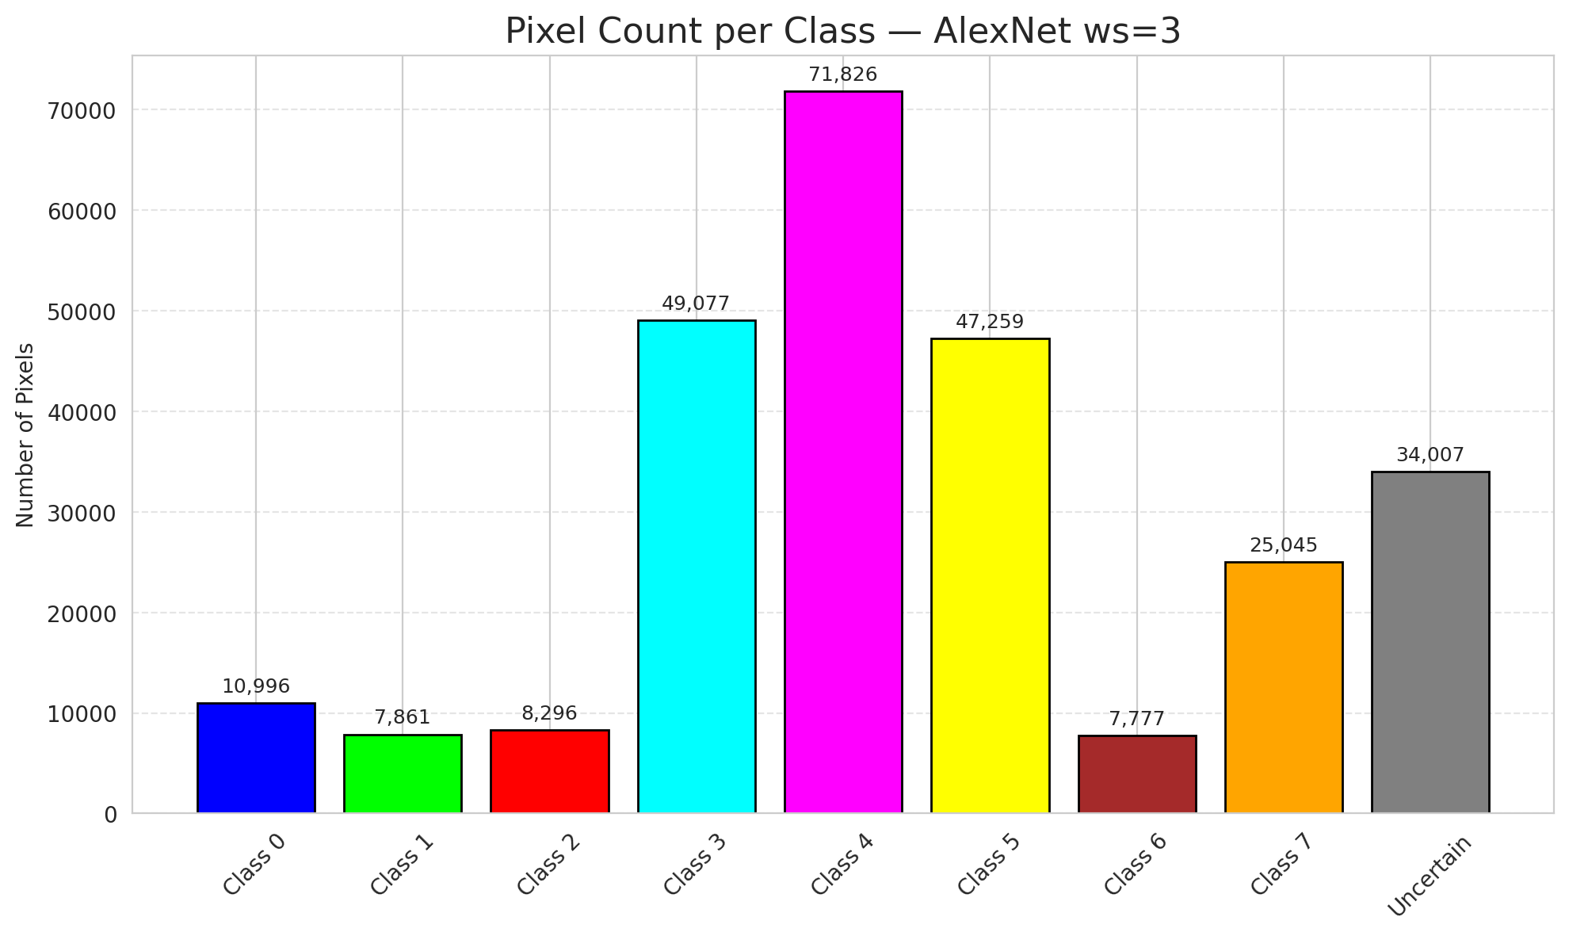
29 | 0.5383 | 0.1082 | 334 | 0.99701492537 | 5
30 | 0.1339 | 0.1973 | 142 | 0.42388059701 | 3
31 | 0.1544 | 0.5111 | 199 | 0.59402985075 | 3
32 | 0.0409 | 0.8404 | 235 | 0.70149253731 | 3
33 | 0.7761 | 0.0883 | 79 | 0.23582089552 | 4
34 | 0.9468 | 0.2332 | 58 | 0.17313432836 | 4
35 | 0.1139 | 0.9919 | 134 | 0.4 | 3
36 | 0.9762 | 0.4554 | 170 | 0.50746268657 | 4
37 | 0.7665 | 0.4567 | 133 | 0.39701492537 | 4
38 | 0.8181 | 0.317 | 21 | 0.062686567164 | 1
39 | 0.757 | 0.632 | 244 | 0.72835820896 | 1
40 | 0.3781 | 0.7987 | 143 | 0.42686567164 | 5
41 | 0.5113 | 0.5558 | 39 | 0.11641791045 | 1
42 | 0.9976 | 0.1404 | 64 | 0.19104477612 | 0
43 | 0.7916 | 0.8934 | 313 | 0.93432835821 | 1
44 | 0.2586 | 0.7909 | 61 | 0.18208955224 | 5
45 | 0.1573 | 0.8271 | 144 | 0.42985074627 | 4
46 | 0.2305 | 0.6092 | 232 | 0.69253731343 | 4
47 | 0.9471 | 0.7244 | 315 | 0.94029850746 | 3
48 | 0.0926 | 0.3665 | 67 | 0.2 | 1
49 | 0.3052 | 0.8293 | 284 | 0.84776119403 | 4
50 | 0.128 | 0.0352 | 209 | 0.62388059701 | 3
51 | 0.9105 | 0.9879 | 327 | 0.97611940299 | 1
52 | 0.5102 | 0.2697 | 222 | 0.66268656716 | 4
53 | 0.5257 | 0.422 | 59 | 0.17611940299 | 4
54 | 0.3951 | 0.7685 | 125 | 0.37313432836 | 5
55 | 0.6744 | 0.3731 | 160 | 0.4776119403 | 0
56 | 0.8048 | 0.523 | 165 | 0.49253731343 | 5
57 | 0.5141 | 0.5893 | 51 | 0.15223880597 | 5
58 | 0.6062 | 0.4603 | 168 | 0.50149253731 | 5
59 | 0.9322 | 0.8827 | 141 | 0.42089552239 | 4
60 | 0.0823 | 0.3692 | 150 | 0.44776119403 | 4
61 | 0.8923 | 0.6201 | 295 | 0.88059701493 | 5
62 | 0.3278 | 0.7895 | 291 | 0.86865671642 | 4
63 | 0.9409 | 0.6884 | 55 | 0.16417910448 | 7
64 | 0.3628 | 0.4121 | 189 | 0.56417910448 | 6
65 | 0.297 | 0.0223 | 335 | 1 | 1
66 | 0.3466 | 0.0274 | 208 | 0.62089552239 | 4
67 | 0.3673 | 0.1924 | 69 | 0.20597014925 | 3
68 | 0.9888 | 0.452 | 265 | 0.79104477612 | 3
69 | 0.3692 | 0.6566 | 289 | 0.86268656716 | 5
70 | 0.9409 | 0.7681 | 197 | 0.58805970149 | 3
71 | 0.0089 | 0.3992 | 26 | 0.077611940299 | 4
72 | 0.7394 | 0.3673 | 273 | 0.81492537313 | 0
73 | 0.4386 | 0.3111 | 307 | 0.91641791045 | 3
74 | 0.5231 | 0.8245 | 269 | 0.80298507463 | 4
75 | 0.5153 | 0.5899 | 81 | 0.24179104478 | 0
76 | 0.8164 | 0.8208 | 329 | 0.98208955224 | 0
77 | 0.1906 | 0.16 | 178 | 0.53134328358 | 4
78 | 0.805 | 0.204 | 215 | 0.64179104478 | 1
79 | 0.6336 | 0.3545 | 331 | 0.98805970149 | 4
80 | 0.345 | 0.221 | 27 | 0.080597014925 | 4
81 | 0.1986 | 0.4659 | 239 | 0.71343283582 | 0
82 | 0.5339 | 0.8007 | 7 | 0.020895522388 | 3
83 | 0.9286 | 0.5242 | 263 | 0.78507462687 | 5
84 | 0.7359 | 0.7445 | 250 | 0.74626865672 | 0
85 | 0.2232 | 0.536 | 181 | 0.54029850746 | 5
86 | 0.5071 | 0.8981 | 179 | 0.53432835821 | 0
87 | 0.4458 | 0.6758 | 255 | 0.76119402985 | 3
88 | 0.9744 | 0.0372 | 290 | 0.86567164179 | 0
89 | 0.3405 | 0.0227 | 5 | 0.014925373134 | 1
90 | 0.1173 | 0.0691 | 262 | 0.78208955224 | 4
91 | 0.7222 | 0.9604 | 192 | 0.57313432836 | 1
92 | 0.8299 | 0.2186 | 237 | 0.70746268657 | 5
93 | 0.7181 | 0.0501 | 286 | 0.85373134328 | 5
94 | 0.6472 | 0.6637 | 163 | 0.48656716418 | 1
95 | 0.0558 | 0.2341 | 139 | 0.41492537313 | 3
96 | 0.0664 | 0.716 | 249 | 0.74328358209 | 4
97 | 0.3173 | 0.1001 | 212 | 0.6328358209 | 0
98 | 0.5707 | 0.4597 | 240 | 0.71641791045 | 4
99 | 0.0943 | 0.0646 | 323 | 0.96417910448 | 1
100 | 0.2474 | 0.0566 | 122 | 0.36417910448 | 4
101 | 0.3775 | 0.5977 | 266 | 0.79402985075 | 1
102 | 0.6081 | 0.7038 | 8 | 0.023880597015 | 0
103 | 0.9837 | 0.5408 | 309 | 0.9223880597 | 4
104 | 0.1174 | 0.2566 | 121 | 0.36119402985 | 3
105 | 0.4247 | 0.5368 | 71 | 0.21194029851 | 4
106 | 0.0447 | 0.0466 | 16 | 0.04776119403 | 4
107 | 0.443 | 0.0893 | 260 | 0.77611940299 | 0
108 | 0.7113 | 0.2814 | 182 | 0.54328358209 | 3
109 | 0.4968 | 0.9615 | 268 | 0.8 | 0
110 | 0.7408 | 0.8342 | 231 | 0.68955223881 | 5
111 | 0.0416 | 0.3659 | 173 | 0.51641791045 | 4
112 | 0.2992 | 0.4674 | 171 | 0.51044776119 | 1
113 | 0.3772 | 0.8459 | 88 | 0.26268656716 | 7
114 | 0.0091 | 0.8602 | 57 | 0.17014925373 | 4
115 | 0.9534 | 0.2047 | 276 | 0.82388059701 | 0
116 | 0.1359 | 0.3248 | 127 | 0.37910447761 | 4
117 | 0.5367 | 0.5144 | 174 | 0.51940298507 | 5
118 | 0.5613 | 0.4694 | 216 | 0.6447761194 | 4
119 | 0.2385 | 0.1299 | 85 | 0.25373134328 | 4
120 | 0.2188 | 0.1202 | 213 | 0.63582089552 | 3
121 | 0.7001 | 0.7739 | 40 | 0.11940298507 | 3
122 | 0.8375 | 0.9283 | 156 | 0.46567164179 | 4
123 | 0.1778 | 0.3628 | 19 | 0.05671641791 | 4
124 | 0.7101 | 0.6064 | 153 | 0.45671641791 | 0
125 | 0.537 | 0.7125 | 221 | 0.65970149254 | 0
126 | 0.5758 | 0.5514 | 34 | 0.10149253731 | 0
127 | 0.8518 | 0.6569 | 201 | 0.6 | 4
128 | 0.6275 | 0.9034 | 175 | 0.5223880597 | 4
129 | 0.1768 | 0.8599 | 42 | 0.12537313433 | 4
130 | 0.8725 | 0.7314 | 43 | 0.12835820896 | 5
131 | 0.0152 | 0.2539 | 301 | 0.89850746269 | 3
132 | 0.9434 | 0.13 | 44 | 0.13134328358 | 0
133 | 0.6885 | 0.3211 | 82 | 0.2447761194 | 1
134 | 0.657 | 0.4414 | 261 | 0.77910447761 | 3
135 | 0.369 | 0.1328 | 257 | 0.7671641791 | 4
136 | 0.1974 | 0.9862 | 162 | 0.48358208955 | 5
137 | 0.6822 | 0.7217 | 180 | 0.53731343284 | 3
138 | 0.1485 | 0.6992 | 281 | 0.83880597015 | 5
139 | 0.7211 | 0.8961 | 35 | 0.10447761194 | 7
140 | 0.7112 | 0.5618 | 152 | 0.45373134328 | 3
141 | 0.7713 | 0.9818 | 91 | 0.27164179104 | 1
142 | 0.4389 | 0.6289 | 80 | 0.23880597015 | 0
143 | 0.6654 | 0.9336 | 74 | 0.22089552239 | 2
144 | 0.7329 | 0.6133 | 6 | 0.017910447761 | 2
145 | 0.2923 | 0.778 | 314 | 0.93731343284 | 4
146 | 0.5941 | 0.7522 | 308 | 0.91940298507 | 0
147 | 0.2867 | 0.1059 | 224 | 0.66865671642 | 1
148 | 0.2609 | 0.9034 | 114 | 0.34029850746 | 7
149 | 0.0277 | 0.759 | 12 | 0.035820895522 | 7
150 | 0.9873 | 0.1384 | 112 | 0.33432835821 | 5
151 | 0.7327 | 0.9506 | 333 | 0.99402985075 | 0
152 | 0.2245 | 0.4929 | 254 | 0.75820895522 | 2
153 | 0.3746 | 0.4158 | 110 | 0.32835820896 | 0
154 | 0.3102 | 0.3949 | 86 | 0.25671641791 | 3
155 | 0.3817 | 0.6572 | 230 | 0.68656716418 | 3
156 | 0.7993 | 0.159 | 312 | 0.93134328358 | 4
157 | 0.1293 | 0.065 | 245 | 0.73134328358 | 0
158 | 0.1446 | 0.0588 | 37 | 0.11044776119 | 1
159 | 0.6042 | 0.2858 | 70 | 0.20895522388 | 3
160 | 0.6742 | 0.9895 | 298 | 0.88955223881 | 3
161 | 0.7401 | 0.698 | 130 | 0.38805970149 | 4
162 | 0.8239 | 0.0257 | 32 | 0.09552238806 | 0
163 | 0.6019 | 0.2016 | 292 | 0.87164179104 | 0
164 | 0.33 | 0.277 | 270 | 0.80597014925 | 0
165 | 0.1857 | 0.8666 | 54 | 0.16119402985 | 0
166 | 0.222 | 0.4697 | 318 | 0.94925373134 | 0
167 | 0.0695 | 0.529 | 264 | 0.78805970149 | 4
168 | 0.4265 | 0.7949 | 206 | 0.61492537313 | 4
169 | 0.8677 | 0.1051 | 311 | 0.92835820896 | 0
170 | 0.9263 | 0.9508 | 211 | 0.62985074627 | 5
171 | 0.6789 | 0.0795 | 285 | 0.85074626866 | 5
172 | 0.0224 | 0.5715 | 149 | 0.4447761194 | 0
173 | 0.7732 | 0.5588 | 101 | 0.30149253731 | 5
174 | 0.3148 | 0.5567 | 119 | 0.3552238806 | 0
175 | 0.4605 | 0.6229 | 214 | 0.63880597015 | 1
176 | 0.1058 | 0.0756 | 251 | 0.74925373134 | 0
177 | 0.8046 | 0.433 | 36 | 0.10746268657 | 3
178 | 0.8284 | 0.4003 | 1 | 0.0029850746269 | 4
179 | 0.8638 | 0.6577 | 148 | 0.44179104478 | 4
180 | 0.5718 | 0.5233 | 228 | 0.68059701493 | 7
181 | 0.5254 | 0.7366 | 78 | 0.2328358209 | 1
182 | 0.0622 | 0.6868 | 126 | 0.37611940299 | 4
183 | 0.0267 | 0.0883 | 169 | 0.50447761194 | 5
184 | 0.5188 | 0.1058 | 207 | 0.61791044776 | 4
185 | 0.2299 | 0.1618 | 3 | 0.0089552238806 | 3
186 | 0.5408 | 0.2976 | 320 | 0.9552238806 | 5
187 | 0.8045 | 0.0188 | 46 | 0.13731343284 | 3
188 | 0.7874 | 0.4885 | 132 | 0.39402985075 | 4
189 | 0.9092 | 0.5474 | 87 | 0.25970149254 | 3
190 | 0.7222 | 0.1567 | 253 | 0.7552238806 | 4
191 | 0.9166 | 0.6136 | 172 | 0.51343283582 | 3
192 | 0.4903 | 0.8482 | 38 | 0.11343283582 | 4
193 | 0.601 | 0.6461 | 238 | 0.71044776119 | 0
194 | 0.4536 | 0.4906 | 246 | 0.73432835821 | 3
195 | 0.28 | 0.9417 | 305 | 0.91044776119 | 7
196 | 0.9867 | 0.1894 | 154 | 0.45970149254 | 3
197 | 0.967 | 0.0973 | 140 | 0.41791044776 | 5
198 | 0.0571 | 0.509 | 104 | 0.31044776119 | 0
199 | 0.9953 | 0.9467 | 33 | 0.098507462687 | 4
200 | 0.6914 | 0.1659 | 191 | 0.57014925373 | 0
201 | 0.9205 | 0.6336 | 196 | 0.58507462687 | 0
202 | 0.1549 | 0.2496 | 302 | 0.90149253731 | 5
203 | 0.3696 | 0.5642 | 151 | 0.45074626866 | 6
204 | 0.0737 | 0.4818 | 28 | 0.083582089552 | 4
205 | 0.1481 | 0.3693 | 296 | 0.88358208955 | 0
206 | 0.184 | 0.8971 | 300 | 0.89552238806 | 4
207 | 0.3725 | 0.7377 | 203 | 0.60597014925 | 4
208 | 0.1485 | 0.4453 | 274 | 0.81791044776 | 0
209 | 0.5643 | 0.6162 | 92 | 0.27462686567 | 4
210 | 0.7285 | 0.7981 | 319 | 0.95223880597 | 0
211 | 0.4631 | 0.3376 | 317 | 0.94626865672 | 1
212 | 0.0853 | 0.7979 | 297 | 0.88656716418 | 1
213 | 0.3193 | 0.8495 | 159 | 0.47462686567 | 5
214 | 0.1514 | 0.5149 | 113 | 0.33731343284 | 4
215 | 0.7629 | 0.3129 | 200 | 0.59701492537 | 3
216 | 0.8355 | 0.6561 | 63 | 0.18805970149 | 5
217 | 0.0759 | 0.2566 | 326 | 0.97313432836 | 0
218 | 0.0662 | 0.9295 | 321 | 0.95820895522 | 3
219 | 0.8134 | 0.6761 | 29 | 0.086567164179 | 3
220 | 0.8985 | 0.585 | 194 | 0.57910447761 | 4
221 | 0.3836 | 0.975 | 277 | 0.82686567164 | 3
222 | 0.1057 | 0.9668 | 280 | 0.83582089552 | 4
223 | 0.2813 | 0.3164 | 279 | 0.8328358209 | 7
224 | 0.8681 | 0.3352 | 90 | 0.26865671642 | 3
225 | 0.0603 | 0.2889 | 204 | 0.60895522388 | 3
226 | 0.2178 | 0.2692 | 229 | 0.68358208955 | 3
227 | 0.6002 | 0.6506 | 135 | 0.40298507463 | 0
228 | 0.1229 | 0.7833 | 185 | 0.55223880597 | 3
229 | 0.0218 | 0.0637 | 103 | 0.30746268657 | 0
230 | 0.8043 | 0.0133 | 223 | 0.66567164179 | 0
231 | 0.8264 | 0.2686 | 252 | 0.75223880597 | 0
232 | 0.6792 | 0.7596 | 75 | 0.22388059701 | 7
233 | 0.6617 | 0.9654 | 186 | 0.5552238806 | 5
234 | 0.8129 | 0.2323 | 164 | 0.48955223881 | 4
235 | 0.6557 | 0.2504 | 306 | 0.91343283582 | 5
236 | 0.0247 | 0.7388 | 248 | 0.74029850746 | 6
237 | 0.9965 | 0.8416 | 98 | 0.29253731343 | 2
238 | 0.7768 | 0.5426 | 89 | 0.26567164179 | 5
239 | 0.9179 | 0.3873 | 161 | 0.48059701493 | 6
240 | 0.4468 | 0.6191 | 96 | 0.28656716418 | 4
241 | 0.5235 | 0.5525 | 60 | 0.17910447761 | 4
242 | 0.2701 | 0.7184 | 53 | 0.15820895522 | 3
243 | 0.47 | 0.792 | 225 | 0.67164179104 | 3
244 | 0.3526 | 0.361 | 105 | 0.31343283582 | 3
245 | 0.9498 | 0.05 | 325 | 0.97014925373 | 4
246 | 0.3286 | 0.4066 | 256 | 0.76417910448 | 6
247 | 0.3643 | 0.3809 | 84 | 0.25074626866 | 0
248 | 0.1363 | 0.6246 | 220 | 0.65671641791 | 4
249 | 0.908 | 0.768 | 198 | 0.59104477612 | 3
250 | 0.5216 | 0.5135 | 322 | 0.96119402985 | 2
251 | 0.9277 | 0.1257 | 258 | 0.77014925373 | 4
252 | 0.2584 | 0.2559 | 195 | 0.58208955224 | 0
253 | 0.7266 | 0.7092 | 72 | 0.21492537313 | 0
254 | 0.8678 | 0.9085 | 48 | 0.14328358209 | 5
255 | 0.1585 | 0.8175 | 157 | 0.46865671642 | 5
256 | 0.0823 | 0.4511 | 234 | 0.69850746269 | 0
257 | 0.8025 | 0.4201 | 145 | 0.4328358209 | 3
258 | 0.2514 | 0.863 | 278 | 0.82985074627 | 5
259 | 0.9436 | 0.9047 | 123 | 0.3671641791 | 4
260 | 0.5634 | 0.8429 | 93 | 0.2776119403 | 0
261 | 0.8602 | 0.6086 | 56 | 0.1671641791 | 4
262 | 0.5443 | 0.2711 | 15 | 0.044776119403 | 4
263 | 0.3045 | 0.5261 | 73 | 0.21791044776 | 4
264 | 0.5484 | 0.494 | 187 | 0.55820895522 | 3
265 | 0.6883 | 0.9976 | 316 | 0.94328358209 | 1
266 | 0.2043 | 0.9239 | 287 | 0.85671641791 | 3
267 | 0.208 | 0.1792 | 267 | 0.79701492537 | 2
268 | 0.9512 | 0.7226 | 68 | 0.20298507463 | 4
269 | 0.8369 | 0.0182 | 138 | 0.41194029851 | 4
270 | 0.7821 | 0.217 | 115 | 0.34328358209 | 0
271 | 0.097 | 0.7812 | 97 | 0.28955223881 | 0
272 | 0.3882 | 0.1168 | 167 | 0.49850746269 | 4
273 | 0.9722 | 0.2043 | 202 | 0.60298507463 | 0
274 | 0.5391 | 0.6505 | 41 | 0.1223880597 | 0
275 | 0.1712 | 0.2388 | 299 | 0.89253731343 | 1
276 | 0.0997 | 0.4521 | 129 | 0.38507462687 | 6
277 | 0.7439 | 0.2312 | 177 | 0.52835820896 | 1
278 | 0.9994 | 0.0768 | 155 | 0.46268656716 | 7
279 | 0.1612 | 0.928 | 283 | 0.8447761194 | 0
280 | 0.4756 | 0.2751 | 116 | 0.34626865672 | 4
281 | 0.3103 | 0.7882 | 2 | 0.0059701492537 | 4
282 | 0.17 | 0.0344 | 218 | 0.65074626866 | 3
283 | 0.5127 | 0.0392 | 23 | 0.068656716418 | 0
284 | 0.6869 | 0.5793 | 272 | 0.81194029851 | 3
285 | 0.6732 | 0.8911 | 310 | 0.92537313433 | 4
286 | 0.6805 | 0.5347 | 324 | 0.9671641791 | 3
287 | 0.6705 | 0.4249 | 4 | 0.011940298507 | 4
288 | 0.7278 | 0.6524 | 271 | 0.80895522388 | 5
289 | 0.758 | 0.5062 | 166 | 0.49552238806 | 3
290 | 0.6322 | 0.8002 | 62 | 0.18507462687 | 5
291 | 0.0303 | 0.7597 | 236 | 0.70447761194 | 2
292 | 0.52 | 0.6801 | 137 | 0.40895522388 | 3
293 | 0.877 | 0.7342 | 183 | 0.54626865672 | 3
294 | 0.3879 | 0.1701 | 20 | 0.059701492537 | 3
295 | 0.9844 | 0.8154 | 17 | 0.050746268657 | 3
296 | 0.4459 | 0.7394 | 99 | 0.29552238806 | 7
297 | 0.8839 | 0.2723 | 22 | 0.065671641791 | 6
298 | 0.9502 | 0.7266 | 303 | 0.90447761194 | 3
299 | 0.1248 | 0.8838 | 226 | 0.67462686567 | 4
300 | 0.0236 | 0.6504 | 9 | 0.026865671642 | 4
301 | 0.4278 | 0.546 | 76 | 0.22686567164 | 1
302 | 0.617 | 0.9163 | 108 | 0.3223880597 | 2
303 | 0.2315 | 0.8669 | 31 | 0.092537313433 | 4
304 | 0.3173 | 0.254 | 190 | 0.5671641791 | 0
305 | 0.2446 | 0.353 | 66 | 0.19701492537 | 0
306 | 0.0709 | 0.2697 | 49 | 0.14626865672 | 5
307 | 0.8861 | 0.7458 | 275 | 0.82089552239 | 4
308 | 0.6398 | 0.2836 | 18 | 0.053731343284 | 0
309 | 0.3082 | 0.2947 | 77 | 0.22985074627 | 0
310 | 0.0249 | 0.4756 | 0 | 0 | 4
311 | 0.9985 | 0.0827 | 147 | 0.43880597015 | 4
312 | 0.3864 | 0.7333 | 106 | 0.31641791045 | 1
313 | 0.9982 | 0.2213 | 52 | 0.1552238806 | 3
314 | 0.5206 | 0.4171 | 95 | 0.28358208955 | 0
315 | 0.7229 | 0.3697 | 217 | 0.64776119403 | 3
316 | 0.37 | 0.4026 | 184 | 0.54925373134 | 3
317 | 0.1021 | 0.4389 | 282 | 0.84179104478 | 0
318 | 0.099 | 0.7022 | 294 | 0.8776119403 | 3
319 | 0.3784 | 0.9107 | 30 | 0.089552238806 | 0
320 | 0.2778 | 0.6185 | 11 | 0.032835820896 | 1
321 | 0.1739 | 0.4664 | 107 | 0.31940298507 | 3
322 | 0.4516 | 0.3086 | 111 | 0.33134328358 | 4
323 | 0.1803 | 0.9318 | 304 | 0.90746268657 | 3
324 | 0.0447 | 0.578 | 120 | 0.35820895522 | 0
325 | 0.0343 | 0.5129 | 205 | 0.61194029851 | 0
326 | 0.7384 | 0.2897 | 65 | 0.19402985075 | 5
327 | 0.7736 | 0.9564 | 131 | 0.39104477612 | 1
328 | 0.9973 | 0.565 | 332 | 0.99104477612 | 4
329 | 0.7662 | 0.6619 | 330 | 0.98507462687 | 3
330 | 0.0656 | 0.1976 | 100 | 0.29850746269 | 0
331 | 0.2219 | 0.7796 | 50 | 0.14925373134 | 1
332 | 0.347 | 0.0327 | 247 | 0.73731343284 | 3
333 | 0.9566 | 0.0274 | 176 | 0.52537313433 | 4
334 | 0.7616 | 0.9448 | 242 | 0.7223880597 | 1
335 | 0.8409 | 0.76 | 158 | 0.47164179104 | 3

AlexNet_SAPS_ws3
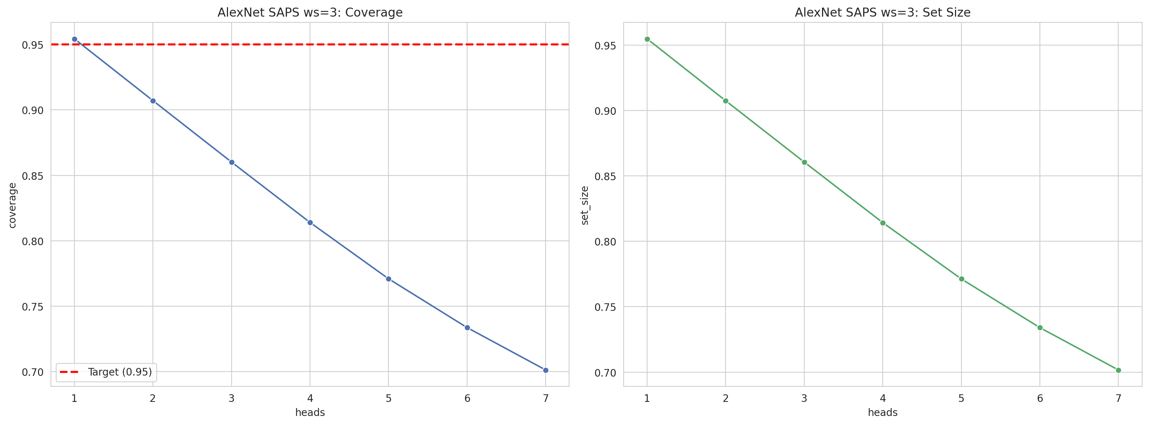
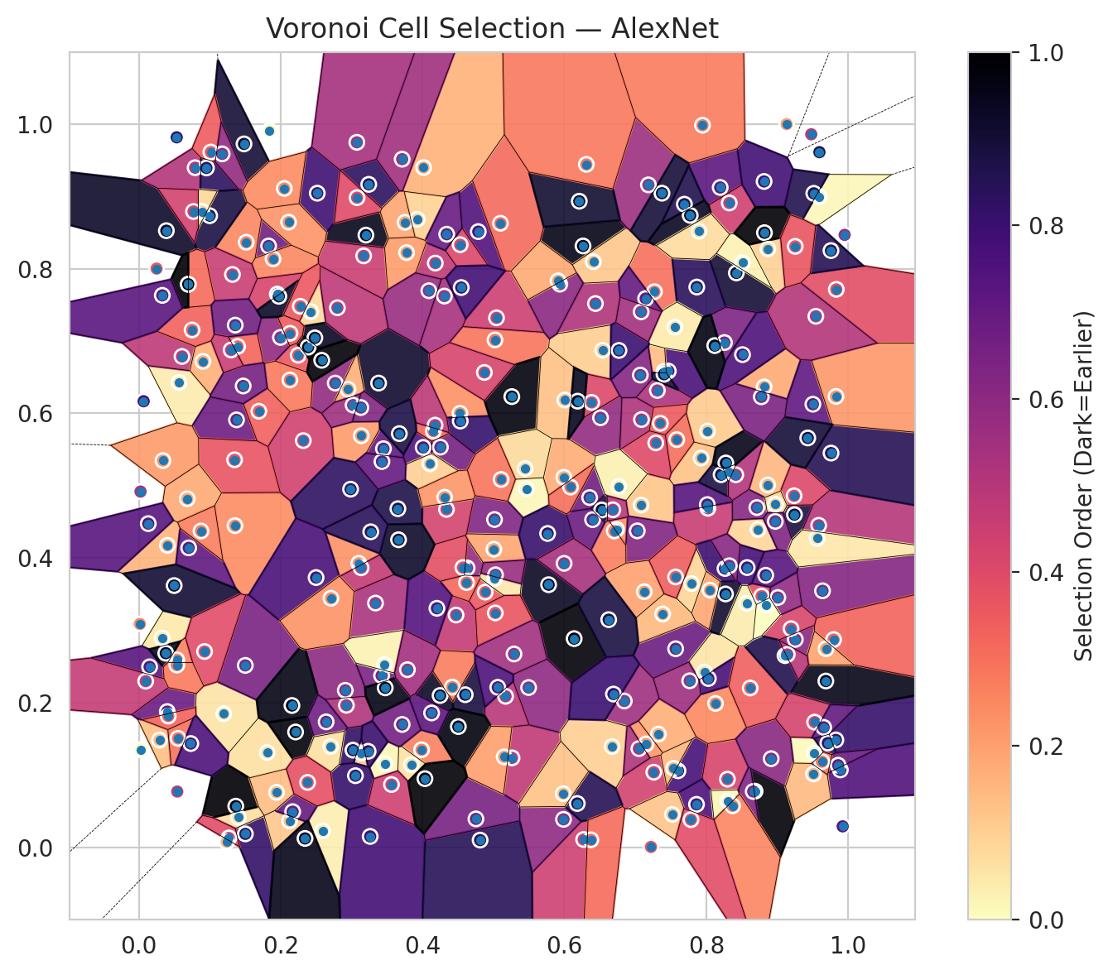
model_key | AlexNet_CNN_MultiHead
model_name | AlexNet
scoring_method | SAPS
window_size | 3
lambda | 0.5
k_iters | 1
empirical_coverage | 0.70135074959
avg_set_size | 0.70164761763
scene_coverage | 0.14371486481
scene_avg_set_size | 0.89629973633
uncertain_pixel_rate | 0.82250213623
mean_per_class_cov | 0.70389089307
runtime_sec | 101.91631338
alpha | 0.05

heads | coverage | set_size |  |  | class_id | class_coverage | support_count | Class | Pixels
1 | 0.95428232151 | 0.95487605759 |  |  | 0 | 0.71134868421 | 1216 | Class 0 | 3212
2 | 0.90708030281 | 0.90752560487 |  |  | 1 | 0.68892045455 | 704 | Class 1 | 2180
3 | 0.86017515214 | 0.86062045421 |  |  | 2 | 0.67137809187 | 283 | Class 2 | 1376
4 | 0.81401217159 | 0.81430903963 |  |  | 3 | 0.69597069597 | 1365 | Class 3 | 10916
5 | 0.77096630548 | 0.77126317352 |  |  | 4 | 0.69811320755 | 1590 | Class 4 | 14310
6 | 0.73370936619 | 0.73400623423 |  |  | 5 | 0.70727101039 | 1059 | Class 5 | 9903
7 | 0.70135074959 | 0.70164761763 |  |  | 6 | 0.755 | 200 | Class 6 | 709
 |  |  |  |  | 7 | 0.703125 | 320 | Class 7 | 3924
 |  |  |  |  |  |  |  | Uncertain | 215614
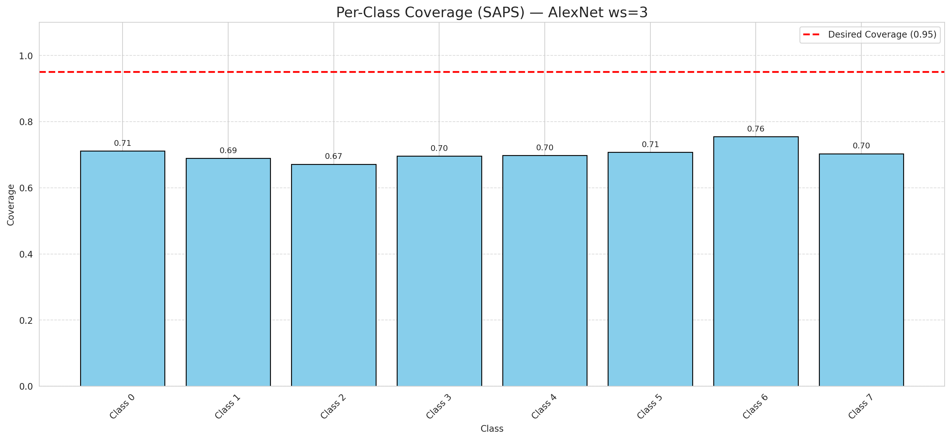

Cell Index | s1 | s2 | Selection_Order | Norm_Order(0-1) | Target
0 | 0.7087 | 0.5915 | 173 | 0.51641791045 | 5
1 | 0.1502 | 0.019 | 274 | 0.81791044776 | 0
2 | 0.8019 | 0.5757 | 37 | 0.11044776119 | 2
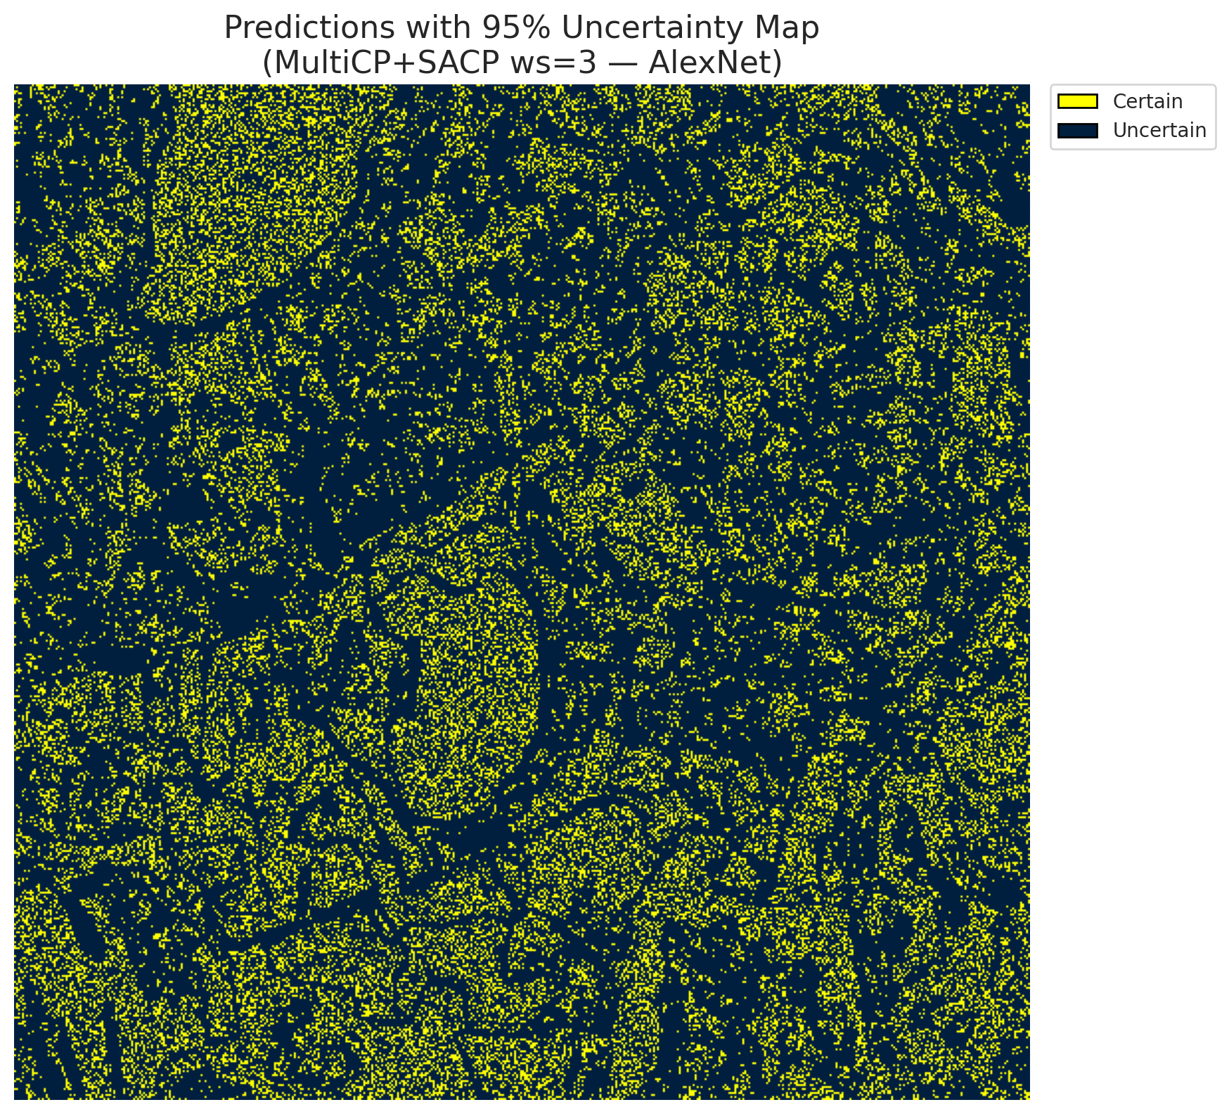
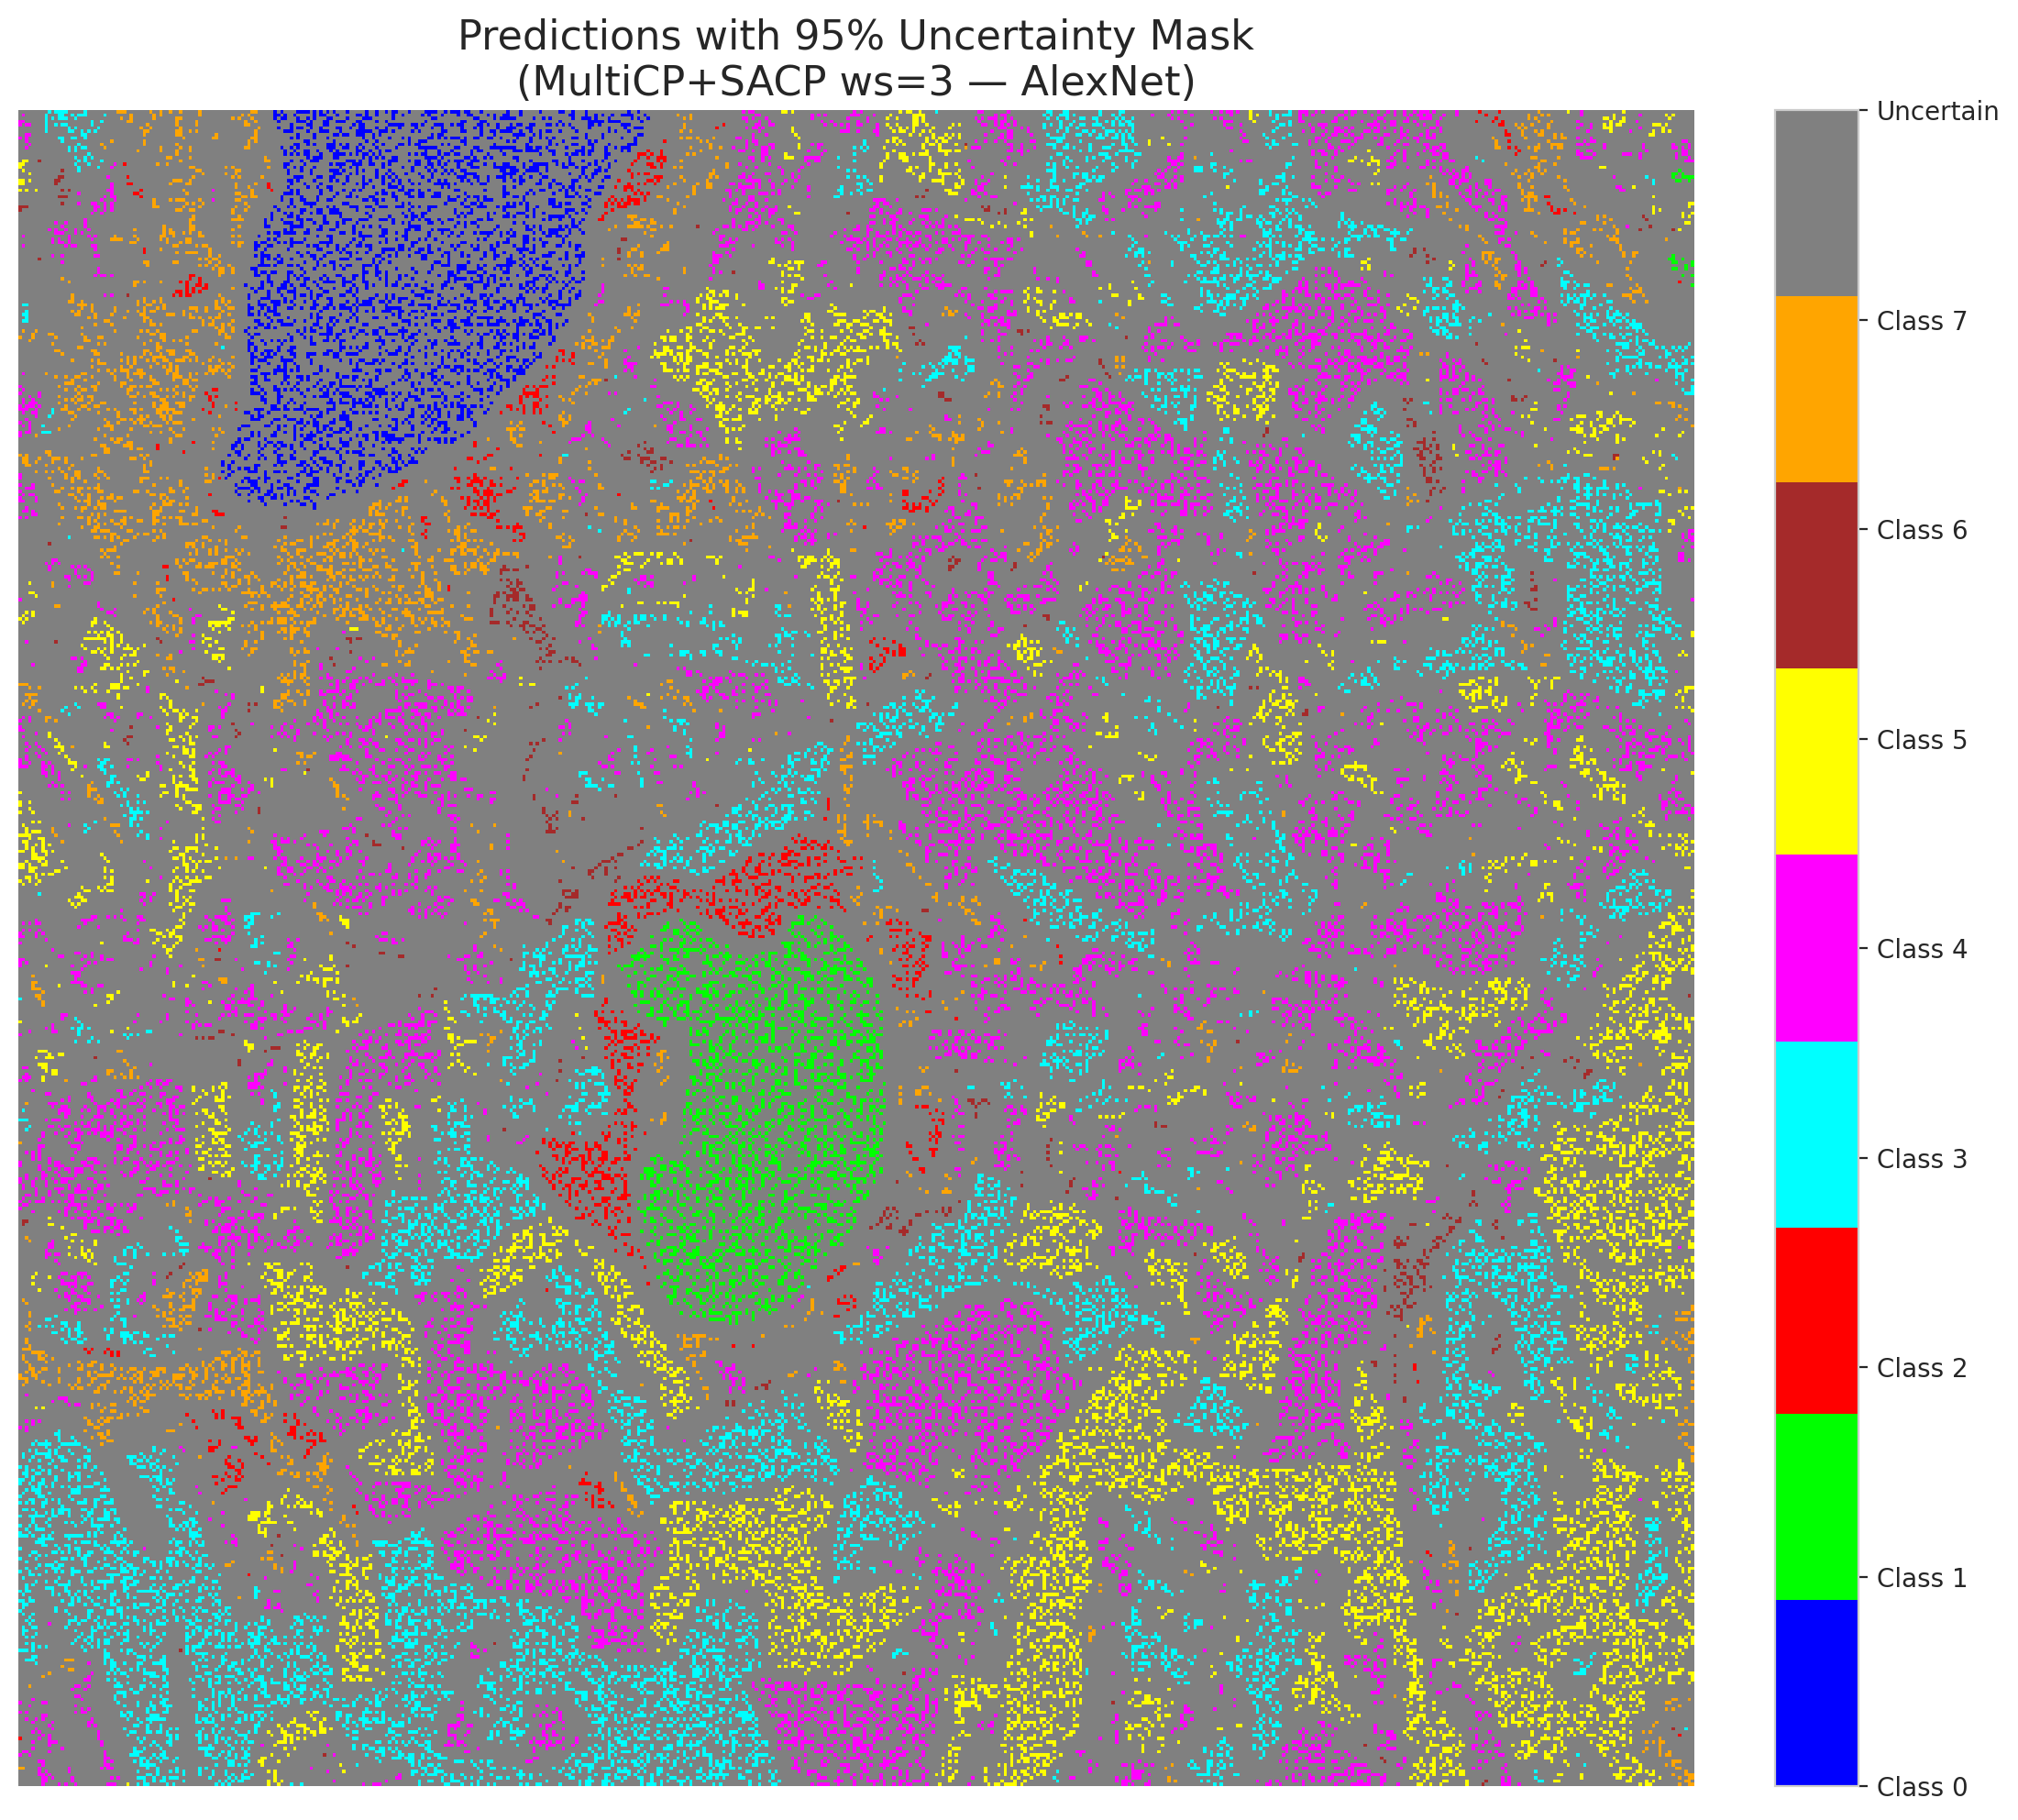
3 | 0.0388 | 0.8525 | 310 | 0.92537313433 | 5
4 | 0.651 | 0.594 | 194 | 0.57910447761 | 0
5 | 0.8425 | 0.7941 | 301 | 0.89850746269 | 3
6 | 0.7082 | 0.4734 | 40 | 0.11940298507 | 3
7 | 0.5022 | 0.7015 | 97 | 0.28955223881 | 5
8 | 0.2247 | 0.6804 | 121 | 0.36119402985 | 3
9 | 0.5262 | 0.124 | 159 | 0.47462686567 | 2
10 | 0.5778 | 0.3633 | 312 | 0.93134328358 | 0
11 | 0.6263 | 0.8314 | 321 | 0.95820895522 | 0
12 | 0.0291 | 0.1485 | 45 | 0.13432835821 | 4
13 | 0.7466 | 0.6585 | 256 | 0.76417910448 | 1
14 | 0.7602 | 0.1062 | 260 | 0.77611940299 | 0
15 | 0.4308 | 0.7621 | 180 | 0.53731343284 | 0
16 | 0.4528 | 0.6002 | 78 | 0.2328358209 | 4
17 | 0.2593 | 0.0232 | 11 | 0.032835820896 | 3
18 | 0.183 | 0.8314 | 224 | 0.66865671642 | 5
19 | 0.0794 | 0.9395 | 170 | 0.50746268657 | 0
20 | 0.2387 | 0.6916 | 325 | 0.97014925373 | 1
21 | 0.3449 | 0.5512 | 239 | 0.71343283582 | 4
22 | 0.9834 | 0.7714 | 129 | 0.38507462687 | 2
23 | 0.0567 | 0.6427 | 13 | 0.038805970149 | 4
24 | 0.4884 | 0.3531 | 118 | 0.35223880597 | 0
25 | 0.6438 | 0.7518 | 174 | 0.51940298507 | 1
26 | 0.1514 | 0.8365 | 84 | 0.25074626866 | 0
27 | 0.0609 | 0.6787 | 162 | 0.48358208955 | 5
28 | 0.0904 | 0.6719 | 55 | 0.16417910448 | 5
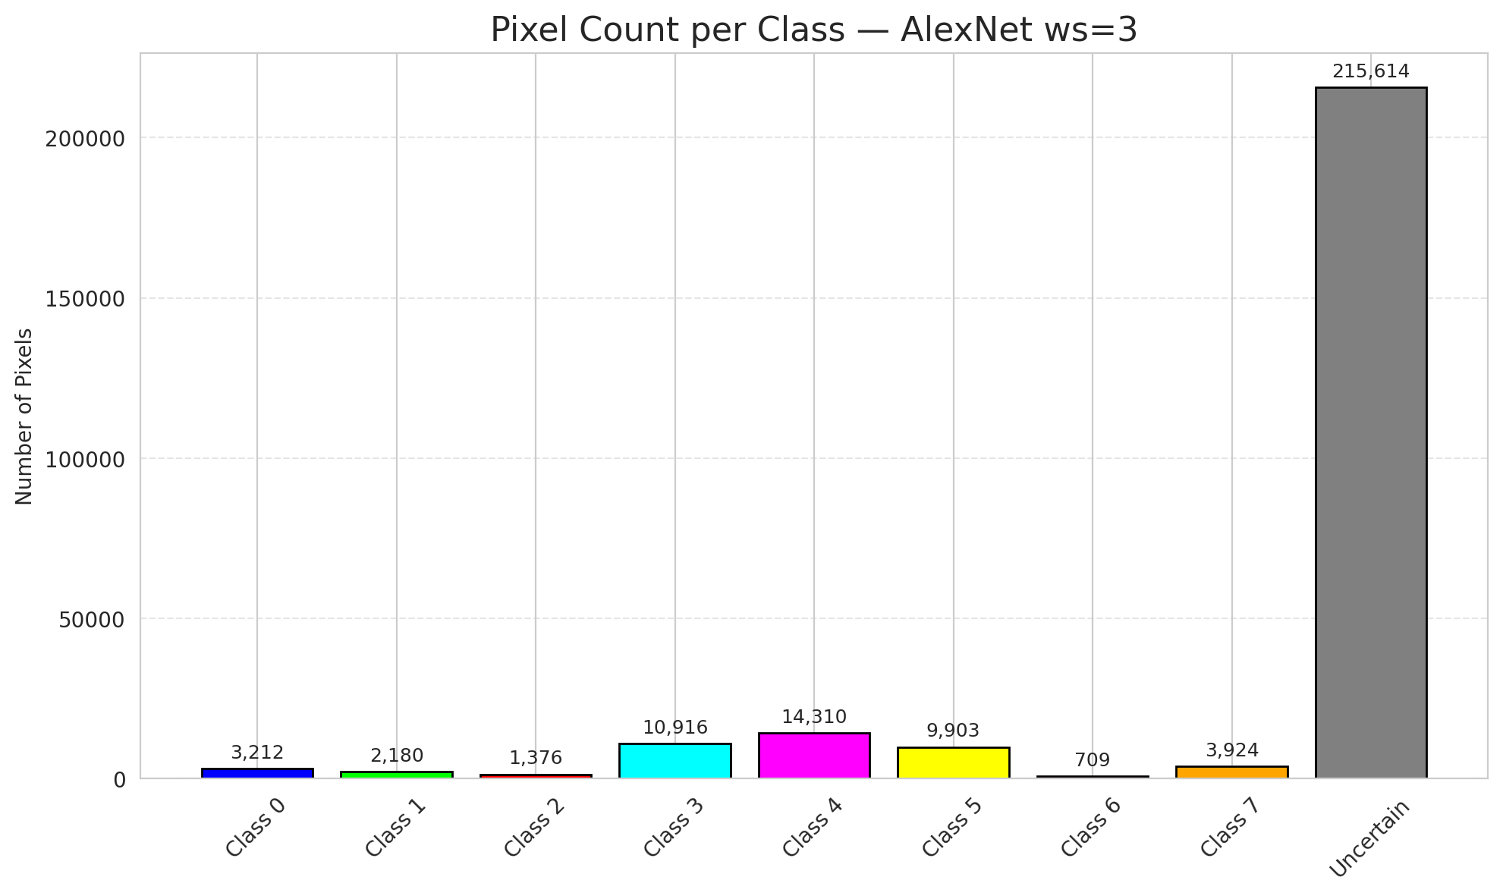
29 | 0.4473 | 0.3214 | 157 | 0.46865671642 | 5
30 | 0.5463 | 0.4958 | 4 | 0.011940298507 | 3
31 | 0.4532 | 0.5894 | 273 | 0.81492537313 | 3
32 | 0.0015 | 0.3091 | 82 | 0.2447761194 | 3
33 | 0.3136 | 0.5691 | 70 | 0.20895522388 | 4
34 | 0.3337 | 0.3379 | 177 | 0.52835820896 | 4
35 | 0.4786 | 0.8512 | 251 | 0.74925373134 | 3
36 | 0.3381 | 0.6419 | 307 | 0.91641791045 | 4
37 | 0.9594 | 0.8996 | 5 | 0.014925373134 | 4
38 | 0.1377 | 0.5911 | 227 | 0.6776119403 | 1
39 | 0.727 | 0.7682 | 100 | 0.29850746269 | 1
40 | 0.8318 | 0.5196 | 218 | 0.65074626866 | 5
41 | 0.1693 | 0.603 | 112 | 0.33432835821 | 1
42 | 0.7405 | 0.6581 | 46 | 0.13731343284 | 0
43 | 0.1356 | 0.4449 | 81 | 0.24179104478 | 1
44 | 0.7326 | 0.1568 | 57 | 0.17014925373 | 5
45 | 0.9244 | 0.4601 | 296 | 0.88358208955 | 4
46 | 0.5993 | 0.5117 | 58 | 0.17313432836 | 4
47 | 0.0751 | 0.7153 | 110 | 0.32835820896 | 3
48 | 0.347 | 0.116 | 7 | 0.020895522388 | 1
49 | 0.4621 | 0.3662 | 107 | 0.31940298507 | 4
50 | 0.2319 | 0.5624 | 146 | 0.43582089552 | 3
51 | 0.6138 | 0.2888 | 329 | 0.98208955224 | 1
52 | 0.7569 | 0.2748 | 229 | 0.68358208955 | 4
53 | 0.418 | 0.8077 | 160 | 0.4776119403 | 4
54 | 0.964 | 0.3549 | 207 | 0.61791044776 | 5
55 | 0.7974 | 0.2427 | 18 | 0.053731343284 | 0
56 | 0.873 | 0.4395 | 29 | 0.086567164179 | 5
57 | 0.9517 | 0.9041 | 287 | 0.85671641791 | 5
58 | 0.8689 | 0.078 | 331 | 0.98805970149 | 5
59 | 0.4531 | 0.8331 | 137 | 0.40895522388 | 4
60 | 0.3926 | 0.8682 | 31 | 0.092537313433 | 4
61 | 0.0401 | 0.188 | 230 | 0.68656716418 | 5
62 | 0.4248 | 0.2102 | 311 | 0.92835820896 | 4
63 | 0.8867 | 0.5011 | 50 | 0.14925373134 | 7
64 | 0.4629 | 0.3865 | 193 | 0.57611940299 | 6
65 | 0.6736 | 0.4398 | 79 | 0.23582089552 | 1
66 | 0.4602 | 0.2113 | 297 | 0.88656716418 | 4
67 | 0.7928 | 0.5383 | 42 | 0.12537313433 | 3
68 | 0.2769 | 0.6419 | 195 | 0.58208955224 | 3
69 | 0.7867 | 0.7746 | 281 | 0.83880597015 | 5
70 | 0.8197 | 0.9122 | 242 | 0.7223880597 | 3
71 | 0.1997 | 0.705 | 198 | 0.59104477612 | 4
72 | 0.3262 | 0.0155 | 262 | 0.78208955224 | 0
73 | 0.3101 | 0.3929 | 76 | 0.22686567164 | 3
74 | 0.2125 | 0.0369 | 38 | 0.11343283582 | 4
75 | 0.2911 | 0.2174 | 201 | 0.6 | 0
76 | 0.5259 | 0.6232 | 326 | 0.97313432836 | 0
77 | 0.135 | 0.5359 | 124 | 0.37014925373 | 4
78 | 0.7557 | 0.7192 | 14 | 0.041791044776 | 1
79 | 0.8024 | 0.4689 | 154 | 0.45970149254 | 4
80 | 0.0328 | 0.2897 | 15 | 0.044776119403 | 4
81 | 0.7261 | 0.1042 | 145 | 0.4328358209 | 0
82 | 0.9481 | 0.9857 | 164 | 0.48955223881 | 3
83 | 0.8257 | 0.6979 | 214 | 0.63880597015 | 5
84 | 0.8325 | 0.8908 | 147 | 0.43880597015 | 0
85 | 0.7028 | 0.4377 | 209 | 0.62388059701 | 5
86 | 0.6527 | 0.4666 | 305 | 0.91044776119 | 0
87 | 0.9519 | 0.1306 | 3 | 0.0089552238806 | 3
88 | 0.5043 | 0.7321 | 150 | 0.44776119403 | 0
89 | 0.9586 | 0.4454 | 168 | 0.50149253731 | 1
90 | 0.181 | 0.1315 | 22 | 0.065671641791 | 4
91 | 0.5015 | 0.4534 | 211 | 0.62985074627 | 1
92 | 0.7152 | 0.1433 | 73 | 0.21791044776 | 5
93 | 0.6541 | 0.6873 | 35 | 0.10447761194 | 5
94 | 0.6272 | 0.0112 | 148 | 0.44179104478 | 1
95 | 0.8299 | 0.0946 | 139 | 0.41492537313 | 3
96 | 0.1197 | 0.1849 | 19 | 0.05671641791 | 4
97 | 0.5099 | 0.8627 | 105 | 0.31343283582 | 0
98 | 0.4203 | 0.3307 | 248 | 0.74029850746 | 4
99 | 0.0953 | 0.9392 | 280 | 0.83582089552 | 1
100 | 0.9134 | 0.9997 | 67 | 0.2 | 4
101 | 0.3202 | 0.8464 | 317 | 0.94626865672 | 1
102 | 0.7863 | 0.0598 | 252 | 0.75223880597 | 0
103 | 0.0536 | 0.2595 | 87 | 0.25970149254 | 4
104 | 0.8306 | 0.0644 | 6 | 0.017910447761 | 3
105 | 0.8015 | 0.474 | 247 | 0.73731343284 | 4
106 | 0.4015 | 0.9397 | 54 | 0.16119402985 | 4
107 | 0.0999 | 0.8732 | 294 | 0.8776119403 | 0
108 | 0.8131 | 0.1992 | 83 | 0.24776119403 | 3
109 | 0.3138 | 0.1308 | 36 | 0.10746268657 | 0
110 | 0.5015 | 0.3716 | 16 | 0.04776119403 | 5
111 | 0.6845 | 0.2026 | 186 | 0.5552238806 | 4
112 | 0.3242 | 0.9165 | 279 | 0.8328358209 | 1
113 | 0.821 | 0.5153 | 292 | 0.87164179104 | 7
114 | 0.8272 | 0.3505 | 306 | 0.91343283582 | 4
115 | 0.1893 | 0.8135 | 85 | 0.25373134328 | 0
116 | 0.5496 | 0.2212 | 200 | 0.59701492537 | 4
117 | 0.0683 | 0.482 | 59 | 0.17611940299 | 5
118 | 0.5006 | 0.4123 | 64 | 0.19104477612 | 4
119 | 0.0403 | 0.4177 | 53 | 0.15820895522 | 4
120 | 0.8916 | 0.1229 | 204 | 0.60895522388 | 3
121 | 0.6409 | 0.8096 | 39 | 0.11641791045 | 3
122 | 0.9891 | 0.1074 | 250 | 0.74626865672 | 4
123 | 0.1952 | 0.7649 | 140 | 0.41791044776 | 4
124 | 0.132 | 0.792 | 153 | 0.45671641791 | 0
125 | 0.1403 | 0.0419 | 23 | 0.068656716418 | 0
126 | 0.1367 | 0.0573 | 335 | 1 | 0
127 | 0.6703 | 0.4375 | 89 | 0.26567164179 | 4
128 | 0.1501 | 0.2518 | 217 | 0.64776119403 | 4
129 | 0.8663 | 0.0776 | 213 | 0.63582089552 | 4
130 | 0.9828 | 0.1488 | 271 | 0.80895522388 | 5
131 | 0.4009 | 0.553 | 249 | 0.74328358209 | 3
132 | 0.0152 | 0.2498 | 244 | 0.72835820896 | 0
133 | 0.6006 | 0.6185 | 44 | 0.13134328358 | 1
134 | 0.6356 | 0.4837 | 226 | 0.67462686567 | 3
135 | 0.4338 | 0.4674 | 143 | 0.42686567164 | 4
136 | 0.7522 | 0.0459 | 41 | 0.1223880597 | 5
137 | 0.6673 | 0.1397 | 34 | 0.10149253731 | 3
138 | 0.0888 | 0.879 | 28 | 0.083582089552 | 5
139 | 0.3019 | 0.1347 | 277 | 0.82686567164 | 7
140 | 0.7585 | 0.5638 | 101 | 0.30149253731 | 3
141 | 0.3423 | 0.2377 | 216 | 0.6447761194 | 1
142 | 0.4546 | 0.7739 | 263 | 0.78507462687 | 0
143 | 0.5988 | 0.0391 | 199 | 0.59402985075 | 2
144 | 0.5026 | 0.3243 | 123 | 0.3671641791 | 2
145 | 0.4341 | 0.8476 | 232 | 0.69253731343 | 4
146 | 0.9687 | 0.2302 | 320 | 0.9552238806 | 0
147 | 0.5764 | 0.4341 | 270 | 0.80597014925 | 1
148 | 0.7185 | 0.9158 | 189 | 0.56417910448 | 7
149 | 0.976 | 0.5452 | 285 | 0.85074626866 | 7
150 | 0.5171 | 0.2091 | 165 | 0.49253731343 | 5
151 | 0.2424 | 0.7406 | 25 | 0.074626865672 | 0
152 | 0.4252 | 0.5534 | 220 | 0.65671641791 | 2
153 | 0.9596 | 0.961 | 290 | 0.86567164179 | 0
154 | 0.6385 | 0.6152 | 136 | 0.40597014925 | 3
155 | 0.1483 | 0.9724 | 302 | 0.90149253731 | 3
156 | 0.8869 | 0.8272 | 32 | 0.09552238806 | 4
157 | 0.9759 | 0.825 | 284 | 0.84776119403 | 0
158 | 0.034 | 0.5348 | 71 | 0.21194029851 | 1
159 | 0.8817 | 0.6366 | 60 | 0.17910447761 | 3
160 | 0.9256 | 0.2877 | 203 | 0.60597014925 | 3
161 | 0.6182 | 0.061 | 286 | 0.85373134328 | 4
162 | 0.8714 | 0.4699 | 206 | 0.61492537313 | 0
163 | 0.2482 | 0.7044 | 313 | 0.93432835821 | 0
164 | 0.8816 | 0.9205 | 264 | 0.78805970149 | 0
165 | 0.9796 | 0.2875 | 109 | 0.32537313433 | 0
166 | 0.6374 | 0.0108 | 104 | 0.31044776119 | 0
167 | 0.213 | 0.6462 | 93 | 0.2776119403 | 4
168 | 0.8371 | 0.0578 | 86 | 0.25671641791 | 4
169 | 0.8417 | 0.5152 | 171 | 0.51044776119 | 0
170 | 0.4103 | 0.5304 | 33 | 0.098507462687 | 5
171 | 0.3987 | 0.1352 | 88 | 0.26268656716 | 5
172 | 0.0024 | 0.492 | 178 | 0.53134328358 | 0
173 | 0.7071 | 0.653 | 208 | 0.62089552239 | 5
174 | 0.0698 | 0.7785 | 103 | 0.30746268657 | 0
175 | 0.4505 | 0.1673 | 327 | 0.97611940299 | 1
176 | 0.9715 | 0.1445 | 276 | 0.82388059701 | 0
177 | 0.986 | 0.1139 | 231 | 0.68955223881 | 3
178 | 0.5936 | 0.7786 | 202 | 0.60298507463 | 4
179 | 0.2986 | 0.4953 | 278 | 0.82985074627 | 4
180 | 0.9239 | 0.4862 | 135 | 0.40298507463 | 7
181 | 0.3842 | 0.1147 | 20 | 0.059701492537 | 1
182 | 0.3054 | 0.0994 | 272 | 0.81194029851 | 4
183 | 0.0703 | 0.4142 | 238 | 0.71044776119 | 5
184 | 0.7311 | 0.6317 | 176 | 0.52537313433 | 4
185 | 0.2169 | 0.0497 | 235 | 0.70149253731 | 3
186 | 0.9196 | 0.3025 | 138 | 0.41194029851 | 5
187 | 0.2927 | 0.1967 | 172 | 0.51343283582 | 3
188 | 0.8265 | 0.3857 | 266 | 0.79402985075 | 4
189 | 0.8781 | 0.3475 | 127 | 0.37910447761 | 3
190 | 0.8277 | 0.5315 | 318 | 0.94925373134 | 4
191 | 0.0133 | 0.4477 | 245 | 0.73134328358 | 3
192 | 0.4153 | 0.5756 | 106 | 0.31641791045 | 4
193 | 0.5447 | 0.5238 | 26 | 0.077611940299 | 0
194 | 0.621 | 0.8932 | 304 | 0.90746268657 | 3
195 | 0.8512 | 0.8082 | 8 | 0.023880597015 | 7
196 | 0.3653 | 0.4683 | 291 | 0.86865671642 | 3
197 | 0.677 | 0.687 | 267 | 0.79701492537 | 5
198 | 0.7785 | 0.0386 | 130 | 0.38805970149 | 0
199 | 0.7692 | 0.8891 | 288 | 0.85970149254 | 4
200 | 0.025 | 0.8001 | 120 | 0.35820895522 | 0
201 | 0.9504 | 0.6127 | 237 | 0.70746268657 | 0
202 | 0.0068 | 0.6168 | 261 | 0.77910447761 | 5
203 | 0.6187 | 0.6169 | 316 | 0.94328358209 | 6
204 | 0.2516 | 0.9043 | 265 | 0.79104477612 | 4
205 | 0.3462 | 0.2531 | 9 | 0.026865671642 | 0
206 | 0.6398 | 0.4532 | 228 | 0.68059701493 | 4
207 | 0.1015 | 0.9611 | 116 | 0.34626865672 | 4
208 | 0.2499 | 0.3732 | 257 | 0.7671641791 | 0
209 | 0.1393 | 0.6925 | 108 | 0.3223880597 | 4
210 | 0.0415 | 0.1818 | 111 | 0.33134328358 | 0
211 | 0.4812 | 0.0104 | 283 | 0.8447761194 | 1
212 | 0.3713 | 0.1702 | 222 | 0.66268656716 | 1
213 | 0.4177 | 0.5838 | 163 | 0.48656716418 | 5
214 | 0.803 | 0.2337 | 259 | 0.77313432836 | 4
215 | 0.7221 | 0.001 | 125 | 0.37313432836 | 3
216 | 0.3134 | 0.3867 | 158 | 0.47164179104 | 5
217 | 0.3077 | 0.8981 | 133 | 0.39701492537 | 0
218 | 0.295 | 0.6334 | 56 | 0.1671641791 | 3
219 | 0.038 | 0.2687 | 315 | 0.94029850746 | 3
220 | 0.1175 | 0.9586 | 196 | 0.58507462687 | 4
221 | 0.3074 | 0.9746 | 181 | 0.54029850746 | 3
222 | 0.221 | 0.1598 | 328 | 0.97910447761 | 4
223 | 0.0553 | 0.151 | 99 | 0.29552238806 | 7
224 | 0.862 | 0.2206 | 113 | 0.33731343284 | 3
225 | 0.2579 | 0.6734 | 330 | 0.98507462687 | 3
226 | 0.969 | 0.2748 | 65 | 0.19402985075 | 3
227 | 0.7948 | 0.9982 | 92 | 0.27462686567 | 0
228 | 0.0026 | 0.1354 | 0 | 0 | 3
229 | 0.901 | 0.3456 | 197 | 0.58805970149 | 0
230 | 0.8839 | 0.3764 | 246 | 0.73432835821 | 0
231 | 0.754 | 0.1096 | 51 | 0.15223880597 | 0
232 | 0.317 | 0.8177 | 151 | 0.45074626866 | 7
233 | 0.1359 | 0.722 | 223 | 0.66567164179 | 5
234 | 0.0498 | 0.3621 | 303 | 0.90447761194 | 4
235 | 0.0697 | 0.7785 | 334 | 0.99701492537 | 5
236 | 0.4872 | 0.6566 | 141 | 0.42089552239 | 6
237 | 0.0927 | 0.271 | 132 | 0.39402985075 | 2
238 | 0.8512 | 0.6812 | 253 | 0.7552238806 | 5
239 | 0.1843 | 0.9909 | 2 | 0.0059701492537 | 6
240 | 0.0771 | 0.879 | 144 | 0.42985074627 | 4
241 | 0.4128 | 0.1861 | 240 | 0.71641791045 | 4
242 | 0.8053 | 0.3557 | 62 | 0.18507462687 | 3
243 | 0.7127 | 0.3536 | 66 | 0.19701492537 | 3
244 | 0.631 | 0.9441 | 95 | 0.28358208955 | 3
245 | 0.127 | 0.0134 | 131 | 0.39104477612 | 4
246 | 0.3754 | 0.864 | 63 | 0.18805970149 | 6
247 | 0.983 | 0.6234 | 72 | 0.21492537313 | 0
248 | 0.5029 | 0.377 | 190 | 0.5671641791 | 4
249 | 0.8821 | 0.8497 | 333 | 0.99402985075 | 3
250 | 0.3713 | 0.9513 | 185 | 0.55223880597 | 2
251 | 0.7289 | 0.5593 | 134 | 0.4 | 4
252 | 0.0331 | 0.7631 | 243 | 0.72537313433 | 0
253 | 0.3021 | 0.6115 | 187 | 0.55820895522 | 0
254 | 0.1239 | 0.008 | 52 | 0.1552238806 | 5
255 | 0.313 | 0.6081 | 210 | 0.62686567164 | 5
256 | 0.4312 | 0.4842 | 74 | 0.22089552239 | 0
257 | 0.7386 | 0.3228 | 49 | 0.14626865672 | 3
258 | 0.2159 | 0.1964 | 322 | 0.96119402985 | 5
259 | 0.6087 | 0.4982 | 102 | 0.30447761194 | 4
260 | 0.28 | 0.746 | 161 | 0.48059701493 | 0
261 | 0.9546 | 0.7342 | 169 | 0.50447761194 | 4
262 | 0.5996 | 0.3928 | 179 | 0.53432835821 | 4
263 | 0.7354 | 0.5864 | 117 | 0.34925373134 | 4
264 | 0.3775 | 0.8222 | 69 | 0.20597014925 | 3
265 | 0.442 | 0.2218 | 91 | 0.27164179104 | 1
266 | 0.2641 | 0.1738 | 225 | 0.67164179104 | 3
267 | 0.457 | 0.387 | 128 | 0.38208955224 | 2
268 | 0.2709 | 0.3446 | 77 | 0.22985074627 | 4
269 | 0.9513 | 0.1018 | 48 | 0.14328358209 | 4
270 | 0.529 | 0.2676 | 184 | 0.54925373134 | 0
271 | 0.6767 | 0.4991 | 10 | 0.029850746269 | 0
272 | 0.1471 | 0.6379 | 221 | 0.65970149254 | 4
273 | 0.7376 | 0.9043 | 299 | 0.89253731343 | 0
274 | 0.9952 | 0.8467 | 192 | 0.57313432836 | 0
275 | 0.2051 | 0.9108 | 80 | 0.23880597015 | 1
276 | 0.8577 | 0.387 | 258 | 0.77014925373 | 6
277 | 0.4753 | 0.0397 | 219 | 0.65373134328 | 1
278 | 0.5151 | 0.1254 | 68 | 0.20298507463 | 7
279 | 0.7051 | 0.1368 | 175 | 0.5223880597 | 0
280 | 0.9111 | 0.2653 | 289 | 0.86268656716 | 4
281 | 0.0534 | 0.9815 | 275 | 0.82089552239 | 4
282 | 0.6683 | 0.4668 | 166 | 0.49552238806 | 3
283 | 0.9143 | 0.2669 | 167 | 0.49850746269 | 0
284 | 0.5108 | 0.5087 | 98 | 0.29253731343 | 3
285 | 0.2112 | 0.8643 | 75 | 0.22388059701 | 4
286 | 0.7793 | 0.3649 | 30 | 0.089552238806 | 3
287 | 0.8976 | 0.4743 | 27 | 0.080597014925 | 4
288 | 0.2132 | 0.7107 | 114 | 0.34029850746 | 5
289 | 0.6625 | 0.315 | 295 | 0.88059701493 | 3
290 | 0.6692 | 0.2122 | 268 | 0.8 | 5
291 | 0.9529 | 0.1734 | 142 | 0.42388059701 | 2
292 | 0.3562 | 0.0872 | 149 | 0.4447761194 | 3
293 | 0.7767 | 0.2305 | 188 | 0.56119402985 | 3
294 | 0.3474 | 0.2208 | 323 | 0.96417910448 | 3
295 | 0.3662 | 0.4254 | 308 | 0.91940298507 | 3
296 | 0.7774 | 0.8737 | 314 | 0.93731343284 | 7
297 | 0.327 | 0.4364 | 282 | 0.84179104478 | 6
298 | 0.3233 | 0.1331 | 269 | 0.80298507463 | 3
299 | 0.0542 | 0.0775 | 156 | 0.46567164179 | 4
300 | 0.0877 | 0.4375 | 90 | 0.26865671642 | 4
301 | 0.7405 | 0.6541 | 298 | 0.88955223881 | 1
302 | 0.9924 | 0.0294 | 241 | 0.71940298507 | 2
303 | 0.9656 | 0.1662 | 236 | 0.70447761194 | 4
304 | 0.8974 | 0.4508 | 212 | 0.6328358209 | 0
305 | 0.9632 | 0.1188 | 96 | 0.28656716418 | 0
306 | 0.9562 | 0.4273 | 17 | 0.050746268657 | 5
307 | 0.3428 | 0.5335 | 234 | 0.69850746269 | 4
308 | 0.1942 | 0.0764 | 47 | 0.14029850746 | 0
309 | 0.3787 | 0.2459 | 182 | 0.54328358209 | 0
310 | 0.9255 | 0.8308 | 122 | 0.36417910448 | 4
311 | 0.7568 | 0.374 | 115 | 0.34328358209 | 4
312 | 0.9432 | 0.5661 | 300 | 0.89552238806 | 1
313 | 0.2704 | 0.1398 | 21 | 0.062686567164 | 3
314 | 0.0097 | 0.23 | 155 | 0.46268656716 | 0
315 | 0.5984 | 0.0746 | 43 | 0.12835820896 | 3
316 | 0.4034 | 0.0953 | 332 | 0.99104477612 | 3
317 | 0.812 | 0.6937 | 324 | 0.9671641791 | 0
318 | 0.7146 | 0.7587 | 233 | 0.69552238806 | 3
319 | 0.0733 | 0.1438 | 255 | 0.76119402985 | 0
320 | 0.1301 | 0.6876 | 152 | 0.45373134328 | 1
321 | 0.7083 | 0.7404 | 183 | 0.54626865672 | 3
322 | 0.4089 | 0.7695 | 191 | 0.57014925373 | 4
323 | 0.3673 | 0.5721 | 293 | 0.87462686567 | 3
324 | 0.0536 | 0.2522 | 94 | 0.28059701493 | 0
325 | 0.857 | 0.3376 | 12 | 0.035820895522 | 0
326 | 0.8326 | 0.3895 | 205 | 0.61194029851 | 5
327 | 0.1974 | 0.7618 | 309 | 0.9223880597 | 1
328 | 0.2277 | 0.748 | 119 | 0.3552238806 | 4
329 | 0.5911 | 0.7832 | 61 | 0.18208955224 | 3
330 | 0.8844 | 0.3349 | 1 | 0.0029850746269 | 0
331 | 0.7899 | 0.8517 | 24 | 0.071641791045 | 1
332 | 0.5061 | 0.2215 | 254 | 0.75820895522 | 3
333 | 0.2343 | 0.0127 | 319 | 0.95223880597 | 4
334 | 0.8777 | 0.6229 | 215 | 0.64179104478 | 1
335 | 0.238 | 0.0901 | 126 | 0.37611940299 | 3

GFNet_RAPS_ws3
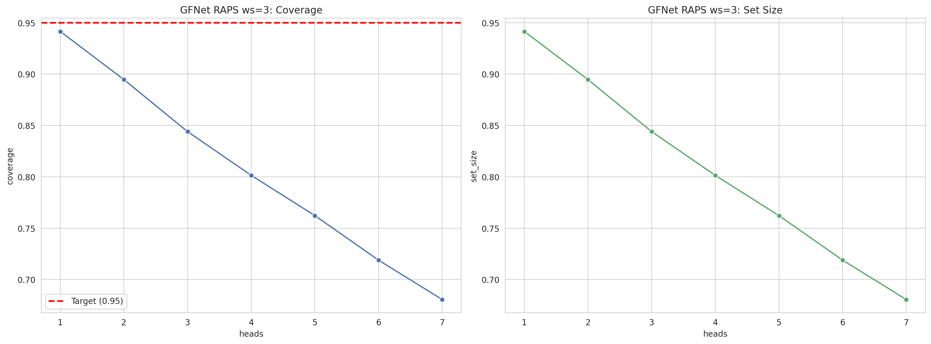
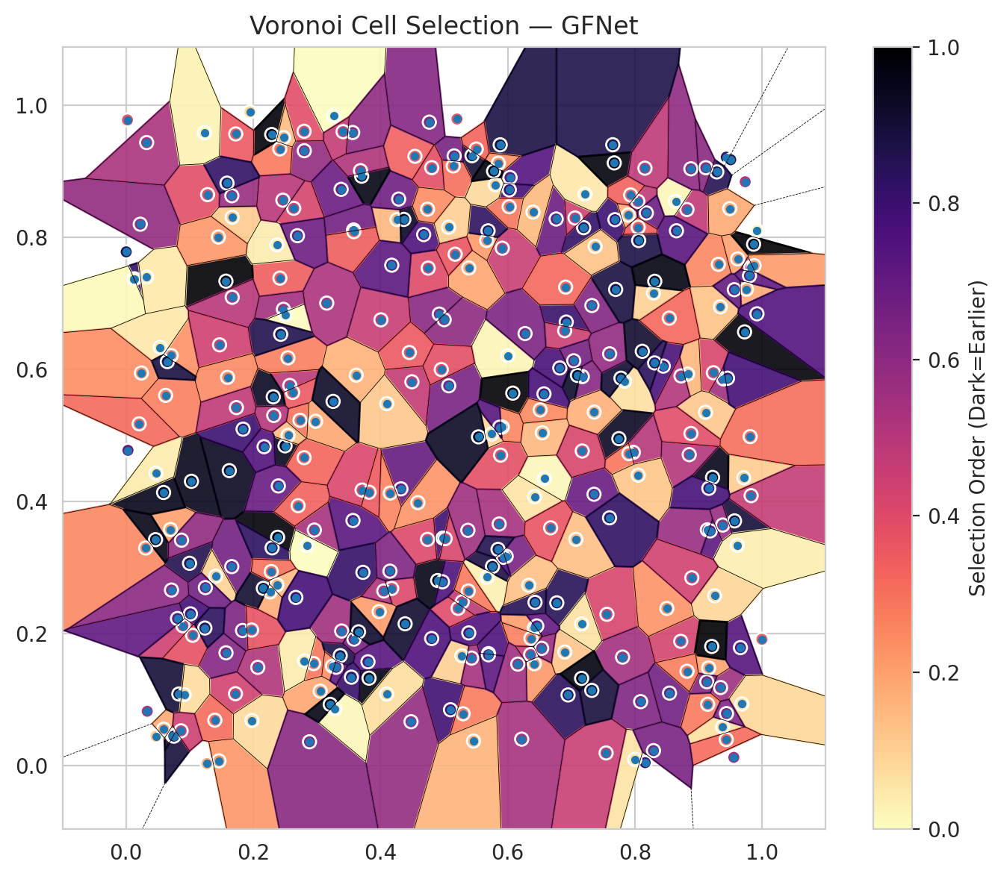
model_key | GFNet_MultiHead
model_name | GFNet
scoring_method | RAPS
window_size | 3
lambda | 0.5
k_iters | 1
empirical_coverage | 0.68056998664
avg_set_size | 0.68056998664
scene_coverage | 0.14945122184
scene_avg_set_size | 0.93207803523
uncertain_pixel_rate | 0.12042236328
mean_per_class_cov | 0.67240352539
runtime_sec | 103.95423593
alpha | 0.05

heads | coverage | set_size |  |  | class_id | class_coverage | support_count | Class | Pixels
1 | 0.9415169957 | 0.9415169957 |  |  | 0 | 0.67023026316 | 1216 | Class 0 | 11402
2 | 0.89461184503 | 0.89461184503 |  |  | 1 | 0.68181818182 | 704 | Class 1 | 7411
3 | 0.84399584385 | 0.84399584385 |  |  | 2 | 0.63957597173 | 283 | Class 2 | 11092
4 | 0.8013952798 | 0.8013952798 |  |  | 3 | 0.67765567766 | 1365 | Class 3 | 45830
5 | 0.76220869823 | 0.76220869823 |  |  | 4 | 0.69245283019 | 1590 | Class 4 | 82358
6 | 0.71886596408 | 0.71886596408 |  |  | 5 | 0.69499527856 | 1059 | Class 5 | 43648
7 | 0.68056998664 | 0.68056998664 |  |  | 6 | 0.635 | 200 | Class 6 | 5171
 |  |  |  |  | 7 | 0.6875 | 320 | Class 7 | 23664
 |  |  |  |  |  |  |  | Uncertain | 31568
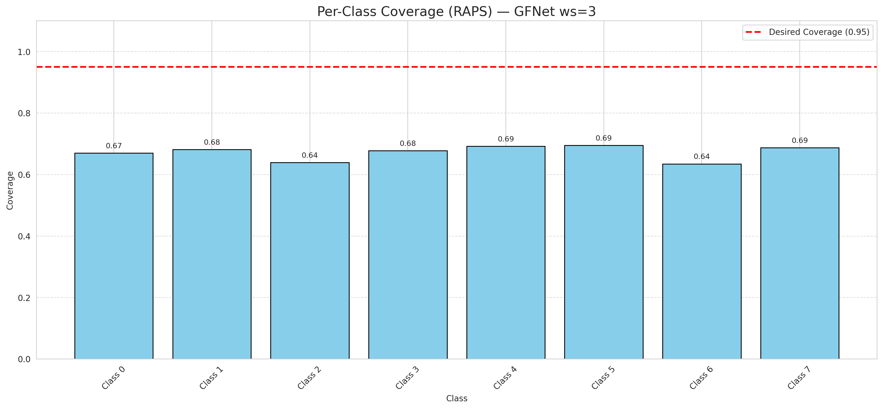

Cell Index | s1 | s2 | Selection_Order | Norm_Order(0-1) | Target
0 | 0.2383 | 0.3457 | 329 | 0.98208955224 | 5
1 | 0.2802 | 0.9309 | 196 | 0.58507462687 | 0
2 | 0.7839 | 0.5818 | 22 | 0.065671641791 | 2
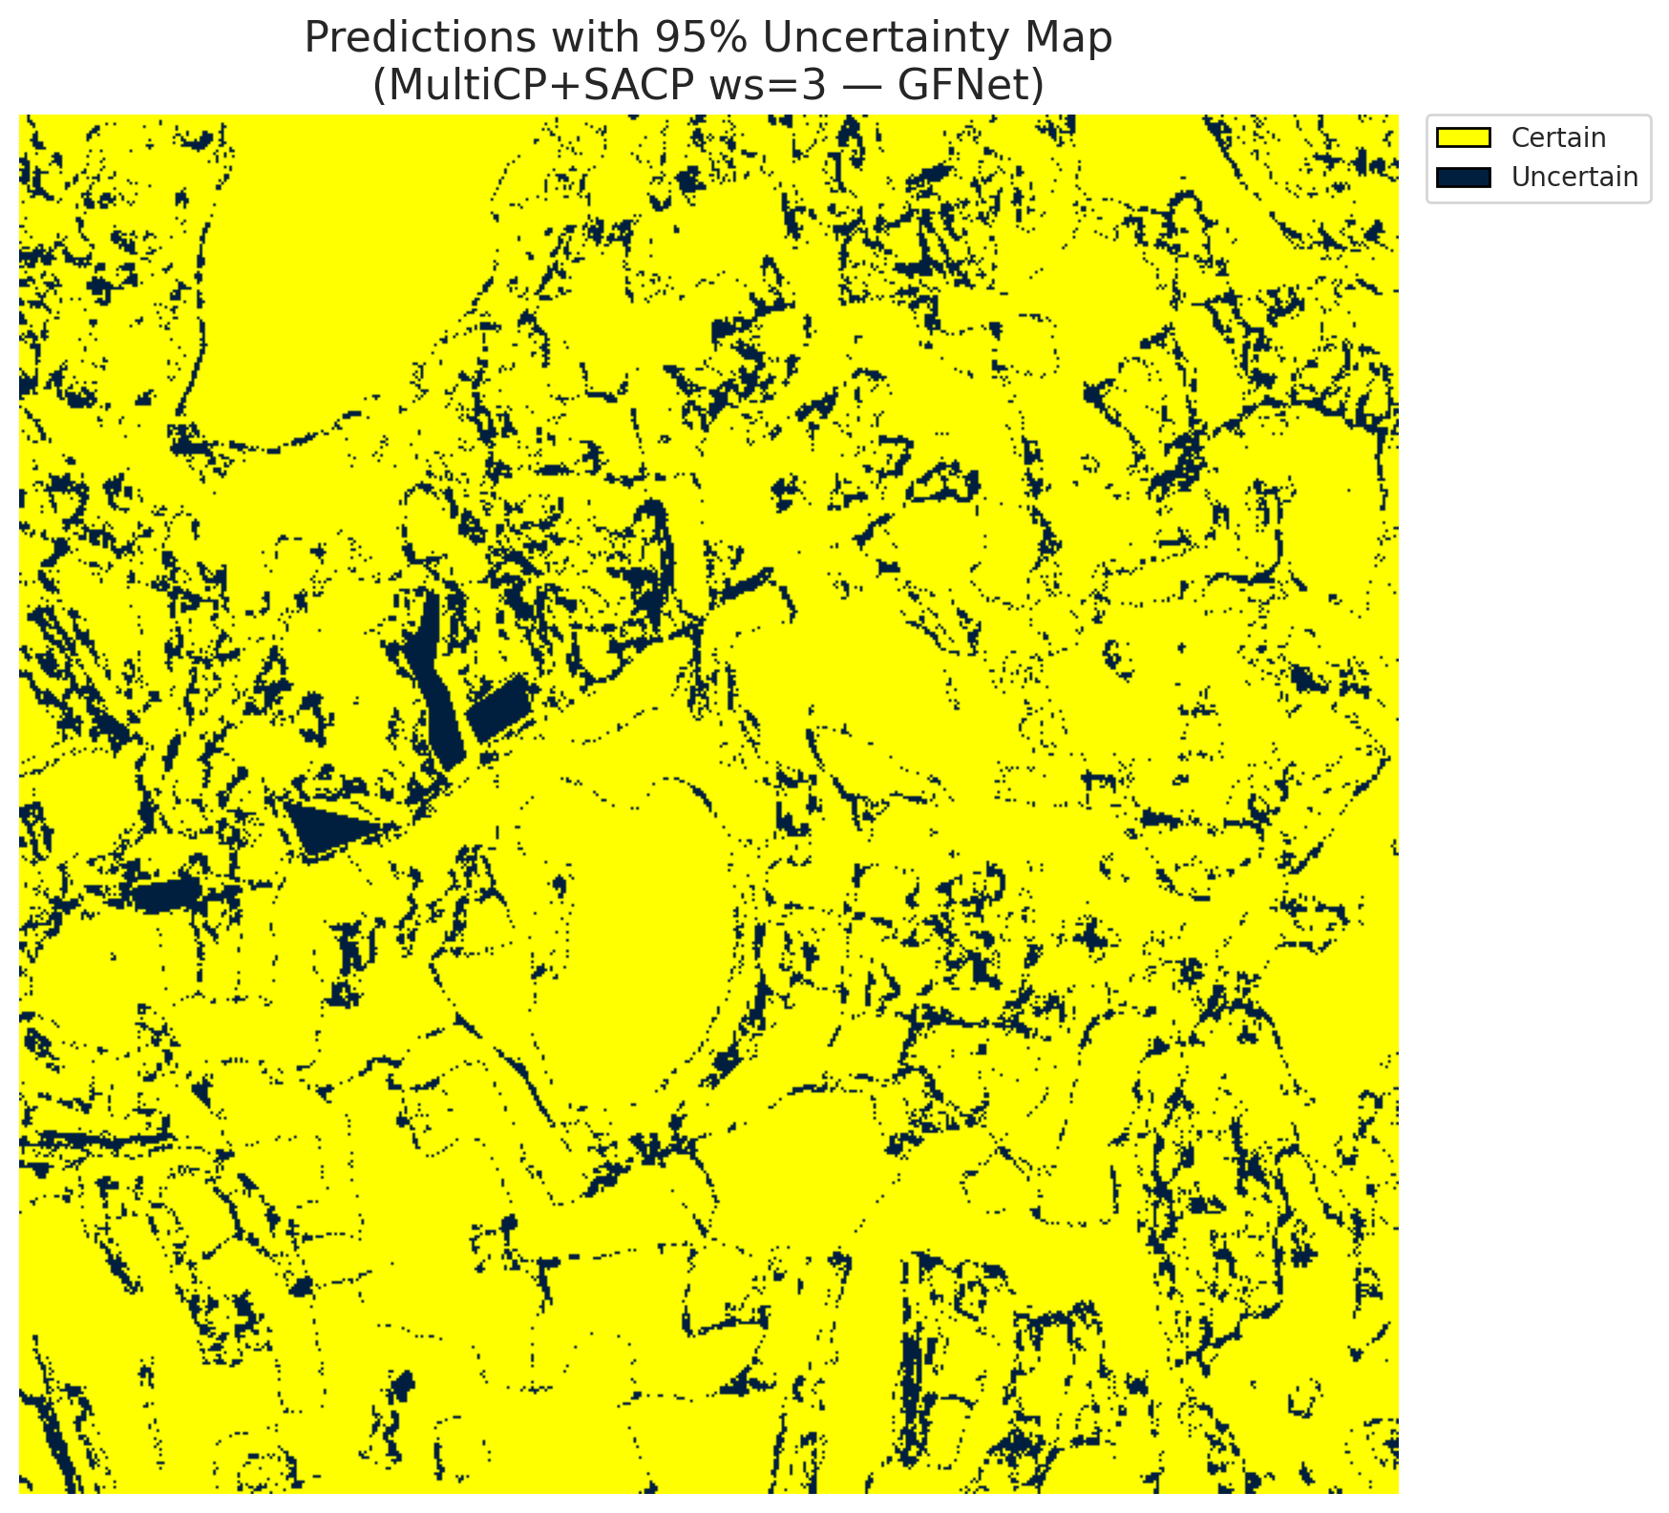
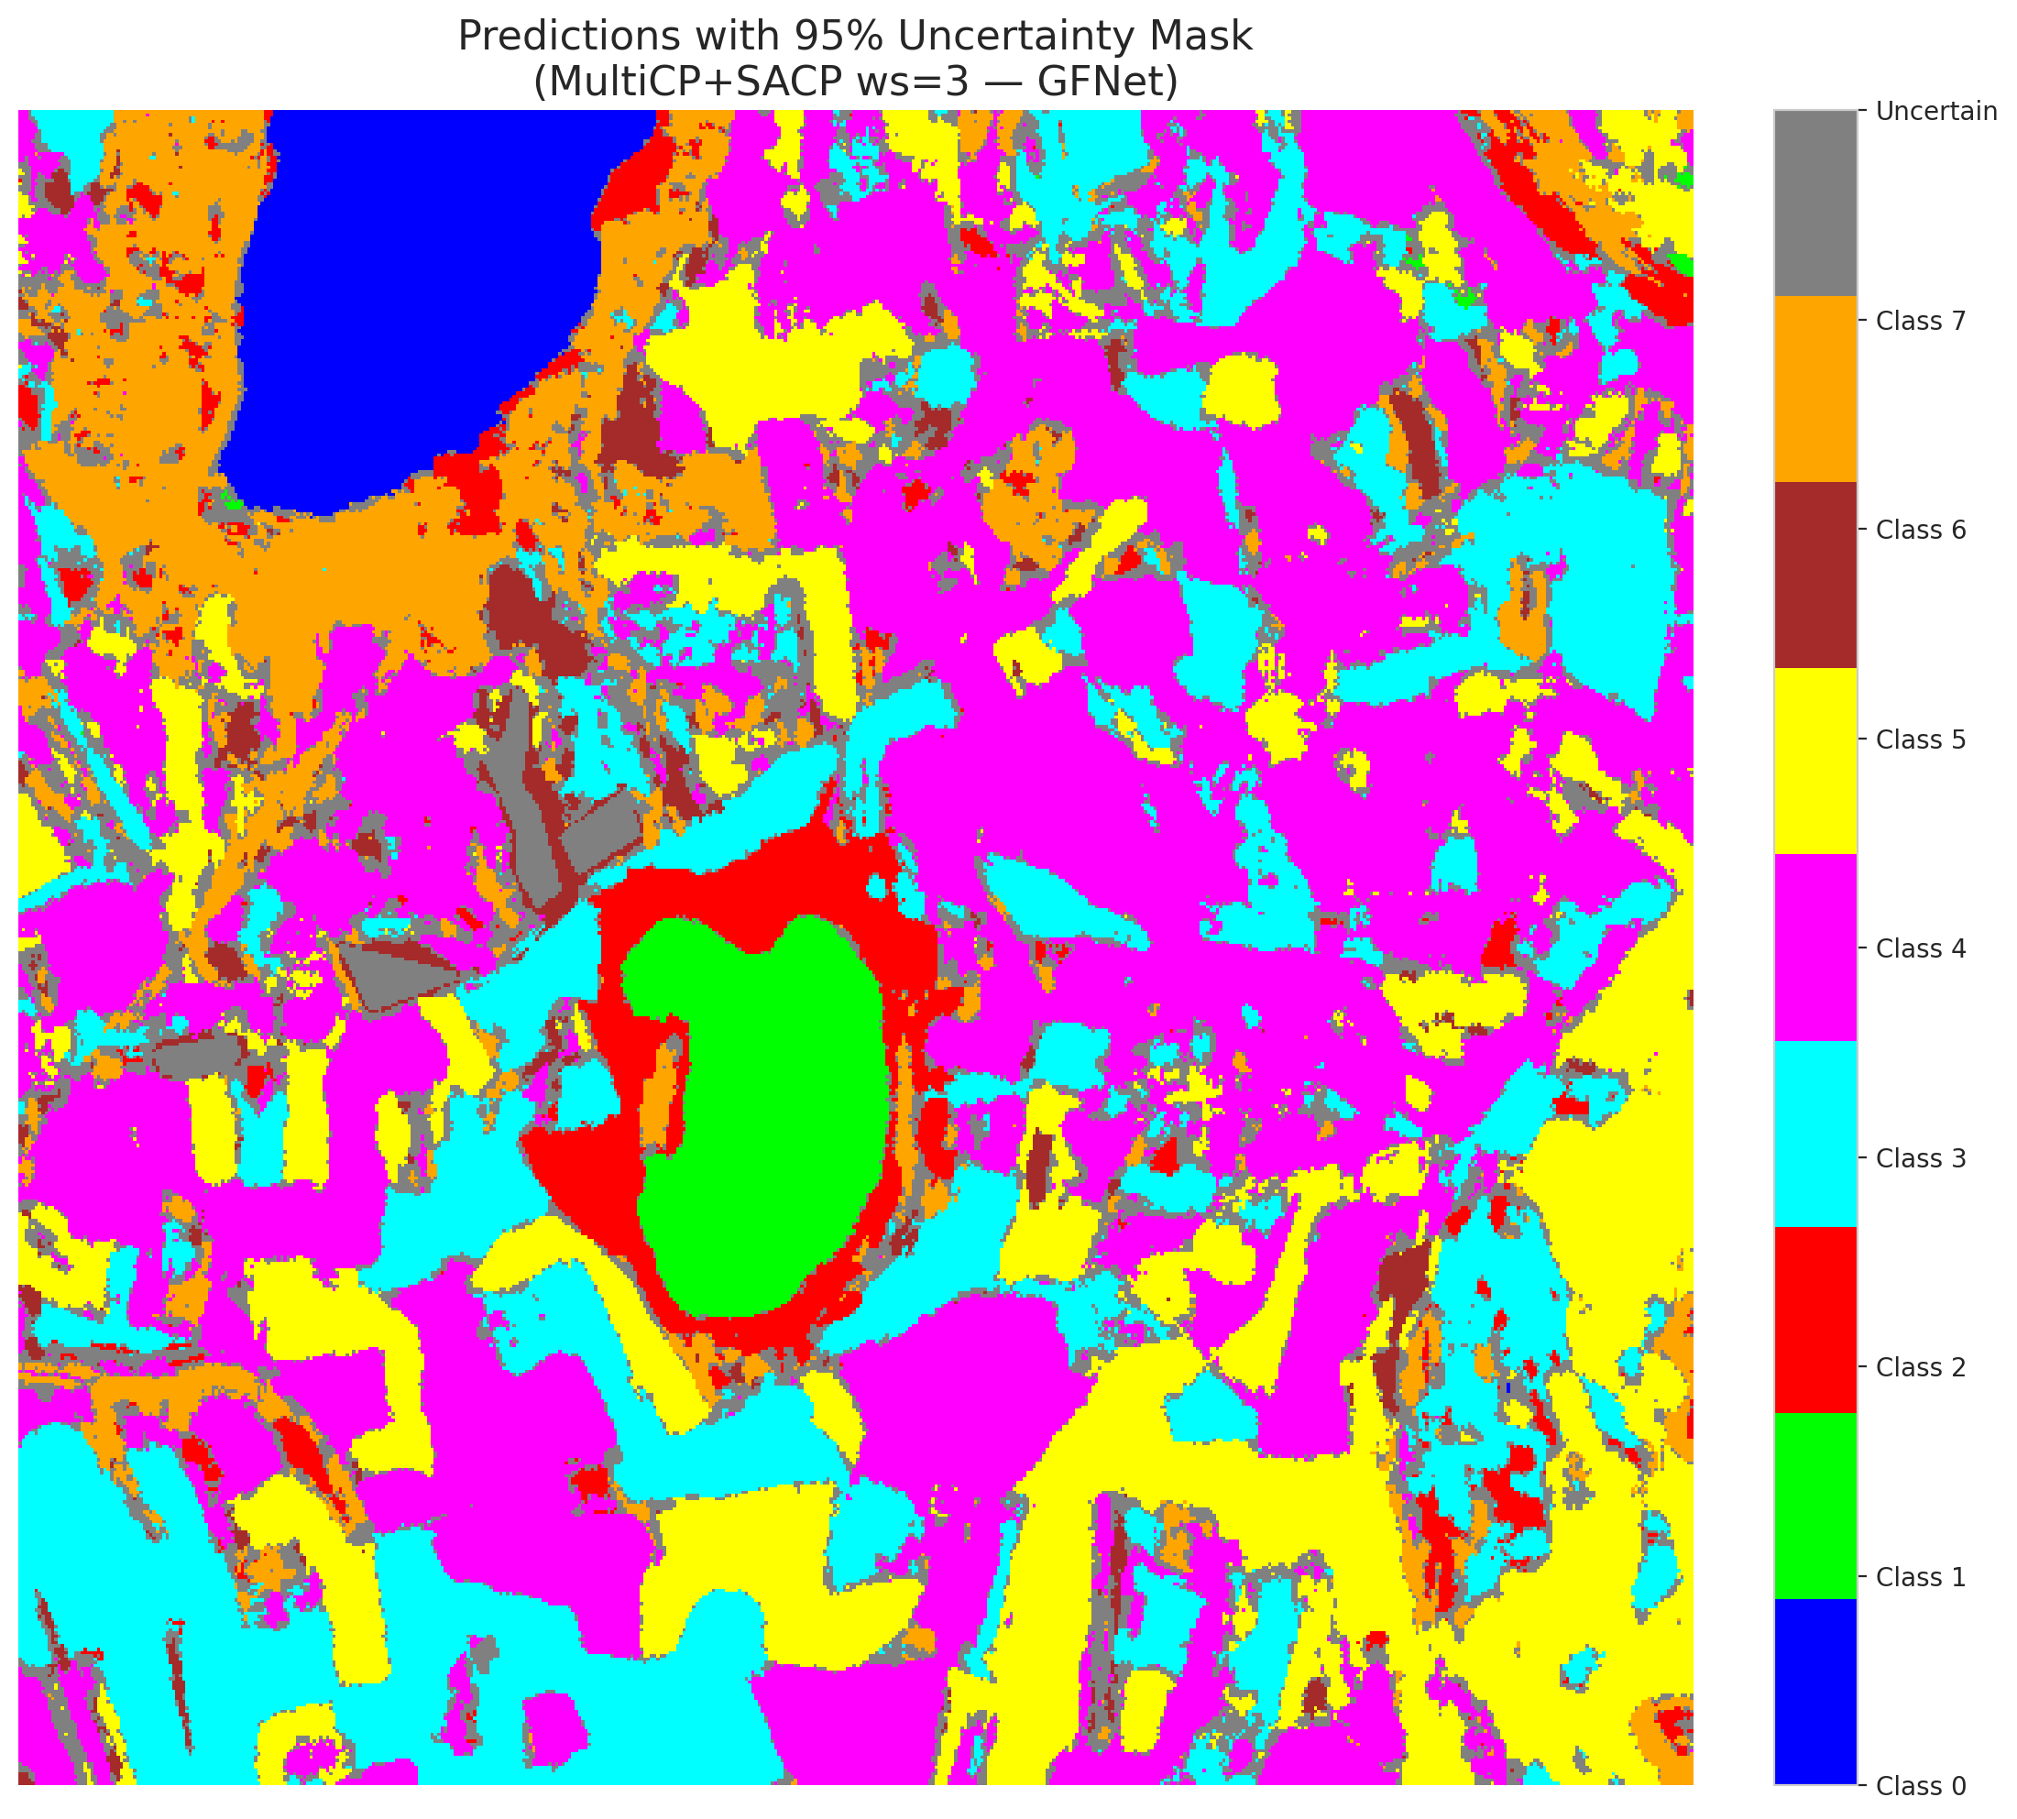
3 | 0.756 | 0.2291 | 139 | 0.41492537313 | 5
4 | 0.6772 | 0.2464 | 283 | 0.8447761194 | 0
5 | 0.0998 | 0.3063 | 289 | 0.86268656716 | 3
6 | 0.9287 | 0.8988 | 284 | 0.84776119403 | 3
7 | 0.5699 | 0.1696 | 254 | 0.75820895522 | 5
8 | 0.2949 | 0.1545 | 98 | 0.29253731343 | 3
9 | 0.3367 | 0.1665 | 292 | 0.87164179104 | 2
10 | 0.9724 | 0.6566 | 331 | 0.98805970149 | 0
11 | 0.1662 | 0.3013 | 222 | 0.66268656716 | 0
12 | 0.6819 | 0.602 | 259 | 0.77313432836 | 4
13 | 0.3381 | 0.8724 | 230 | 0.68656716418 | 1
14 | 0.5677 | 0.2853 | 10 | 0.029850746269 | 0
15 | 0.7806 | 0.1643 | 182 | 0.54328358209 | 0
16 | 0.5101 | 0.0846 | 265 | 0.79104477612 | 4
17 | 0.692 | 0.6715 | 270 | 0.80597014925 | 3
18 | 0.2264 | 0.263 | 58 | 0.17313432836 | 5
19 | 0.6419 | 0.2085 | 68 | 0.20298507463 | 0
20 | 0.8721 | 0.1882 | 143 | 0.42686567164 | 1
21 | 0.5915 | 0.7833 | 153 | 0.45671641791 | 4
22 | 0.9379 | 0.0585 | 21 | 0.062686567164 | 2
23 | 0.0132 | 0.737 | 273 | 0.81492537313 | 4
24 | 0.7357 | 0.4108 | 232 | 0.69253731343 | 0
25 | 0.528 | 0.1662 | 33 | 0.098507462687 | 1
26 | 0.2735 | 0.5228 | 99 | 0.29552238806 | 0
27 | 0.8818 | 0.8418 | 159 | 0.47462686567 | 5
28 | 0.9754 | 0.7212 | 59 | 0.17611940299 | 5
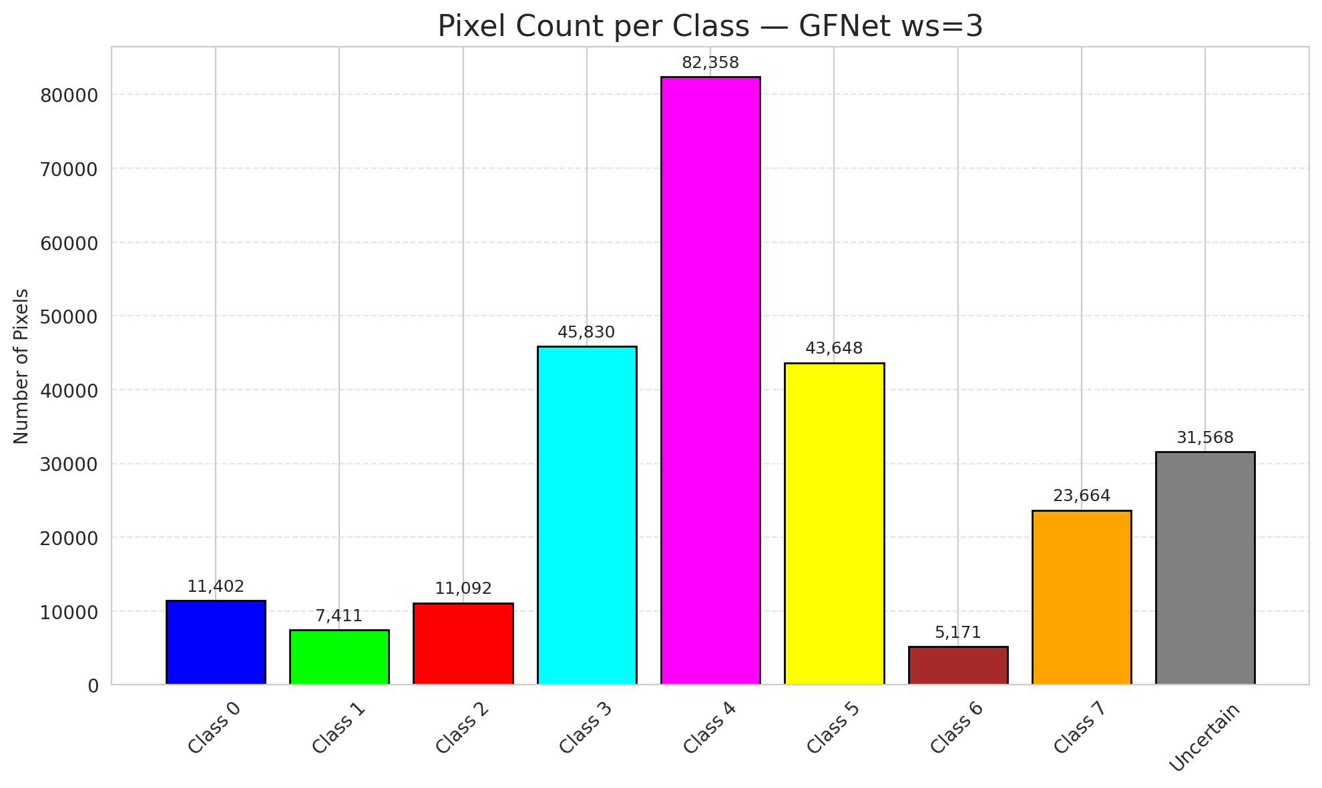
29 | 0.6576 | 0.4346 | 4 | 0.011940298507 | 5
30 | 0.4542 | 0.9224 | 113 | 0.33731343284 | 3
31 | 0.2417 | 0.9336 | 95 | 0.28358208955 | 3
32 | 0.382 | 0.1324 | 325 | 0.97014925373 | 3
33 | 0.8641 | 0.854 | 6 | 0.017910447761 | 4
34 | 0.2574 | 0.5755 | 164 | 0.48955223881 | 4
35 | 0.0121 | 0.7365 | 3 | 0.0089552238806 | 3
36 | 0.4768 | 0.9741 | 208 | 0.62089552239 | 4
37 | 0.7686 | 0.8265 | 266 | 0.79402985075 | 4
38 | 0.1028 | 0.4304 | 317 | 0.94626865672 | 1
39 | 0.567 | 0.7952 | 71 | 0.21194029851 | 1
40 | 0.1012 | 0.2298 | 262 | 0.78208955224 | 5
41 | 0.5439 | 0.9233 | 301 | 0.89850746269 | 1
42 | 0.172 | 0.1089 | 145 | 0.4328358209 | 0
43 | 0.6898 | 0.172 | 41 | 0.1223880597 | 1
44 | 0.5888 | 0.47 | 128 | 0.38208955224 | 5
45 | 0.4261 | 0.8266 | 51 | 0.15223880597 | 4
46 | 0.1282 | 0.8644 | 130 | 0.38805970149 | 4
47 | 0.339 | 0.2038 | 185 | 0.55223880597 | 3
48 | 0.7173 | 0.5889 | 206 | 0.61492537313 | 1
49 | 0.5285 | 0.2479 | 163 | 0.48656716418 | 4
50 | 0.229 | 0.9554 | 330 | 0.98507462687 | 3
51 | 0.6896 | 0.6585 | 151 | 0.45074626866 | 1
52 | 0.475 | 0.7532 | 134 | 0.4 | 4
53 | 0.8161 | 0.0045 | 269 | 0.80298507463 | 4
54 | 0.8503 | 0.238 | 76 | 0.22686567164 | 5
55 | 0.0734 | 0.0456 | 309 | 0.9223880597 | 0
56 | 0.7748 | 0.495 | 312 | 0.93134328358 | 5
57 | 0.141 | 0.2869 | 31 | 0.092537313433 | 5
58 | 0.4321 | 0.419 | 235 | 0.70149253731 | 5
59 | 0.5866 | 0.3658 | 180 | 0.53731343284 | 4
60 | 0.8544 | 0.1098 | 225 | 0.67164179104 | 4
61 | 0.4367 | 0.8269 | 313 | 0.93432835821 | 5
62 | 0.809 | 0.0969 | 213 | 0.63582089552 | 4
63 | 0.1571 | 0.1708 | 207 | 0.61791044776 | 7
64 | 0.5073 | 0.575 | 218 | 0.65074626866 | 6
65 | 0.4286 | 0.8577 | 226 | 0.67462686567 | 1
66 | 0.9347 | 0.1182 | 189 | 0.56417910448 | 4
67 | 0.2419 | 0.738 | 115 | 0.34328358209 | 3
68 | 0.6949 | 0.107 | 281 | 0.83880597015 | 3
69 | 0.4982 | 0.3444 | 268 | 0.8 | 5
70 | 0.7162 | 0.2145 | 20 | 0.059701492537 | 3
71 | 0.9139 | 0.3569 | 190 | 0.5671641791 | 4
72 | 0.0894 | 0.2118 | 148 | 0.44179104478 | 0
73 | 0.3704 | 0.8923 | 322 | 0.96119402985 | 3
74 | 0.5299 | 0.0785 | 92 | 0.27462686567 | 4
75 | 0.3577 | 0.8109 | 223 | 0.66567164179 | 0
76 | 0.916 | 0.1479 | 65 | 0.19402985075 | 0
77 | 0.296 | 0.3566 | 179 | 0.53432835821 | 4
78 | 0.9391 | 0.5855 | 188 | 0.56119402985 | 1
79 | 0.6429 | 0.2472 | 286 | 0.85373134328 | 4
80 | 0.9184 | 0.3553 | 241 | 0.71940298507 | 4
81 | 0.3568 | 0.3711 | 243 | 0.72537313433 | 0
82 | 0.1047 | 0.1973 | 126 | 0.37611940299 | 3
83 | 0.7097 | 0.5907 | 308 | 0.91940298507 | 5
84 | 0.003 | 0.4773 | 233 | 0.69552238806 | 0
85 | 0.0333 | 0.0823 | 175 | 0.5223880597 | 5
86 | 0.9997 | 0.1912 | 112 | 0.33432835821 | 0
87 | 0.9616 | 0.7671 | 66 | 0.19701492537 | 3
88 | 0.5144 | 0.9078 | 102 | 0.30447761194 | 0
89 | 0.7194 | 0.8144 | 276 | 0.82388059701 | 1
90 | 0.0022 | 0.9774 | 122 | 0.36417910448 | 4
91 | 0.5203 | 0.9789 | 121 | 0.36119402985 | 1
92 | 0.5158 | 0.923 | 219 | 0.65373134328 | 5
93 | 0.4924 | 0.6836 | 205 | 0.61194029851 | 5
94 | 0.071 | 0.6209 | 78 | 0.2328358209 | 1
95 | 0.6762 | 0.8275 | 228 | 0.68059701493 | 3
96 | 0.157 | 0.7334 | 333 | 0.99402985075 | 4
97 | 0.4007 | 0.6749 | 154 | 0.45970149254 | 0
98 | 0.9866 | 0.7894 | 334 | 0.99701492537 | 4
99 | 0.9824 | 0.7545 | 144 | 0.42985074627 | 1
100 | 0.6419 | 0.1542 | 73 | 0.21791044776 | 4
101 | 0.2499 | 0.4841 | 316 | 0.94328358209 | 1
102 | 0.7059 | 0.8291 | 149 | 0.4447761194 | 0
103 | 0.5001 | 0.6751 | 201 | 0.6 | 4
104 | 0.2619 | 0.5649 | 120 | 0.35820895522 | 3
105 | 0.1831 | 0.2046 | 215 | 0.64179104478 | 4
106 | 0.0223 | 0.8196 | 195 | 0.58208955224 | 4
107 | 0.1623 | 0.4466 | 315 | 0.94029850746 | 0
108 | 0.3246 | 0.1506 | 81 | 0.24179104478 | 3
109 | 0.5388 | 0.2009 | 250 | 0.74626865672 | 0
110 | 0.2314 | 0.5583 | 314 | 0.93731343284 | 5
111 | 0.0002 | 0.7778 | 285 | 0.85074626866 | 4
112 | 0.4679 | 0.8039 | 255 | 0.76119402985 | 1
113 | 0.5749 | 0.5022 | 27 | 0.080597014925 | 7
114 | 0.3543 | 0.1339 | 271 | 0.80895522388 | 4
115 | 0.5691 | 0.8096 | 278 | 0.82985074627 | 0
116 | 0.2474 | 0.6908 | 183 | 0.54626865672 | 4
117 | 0.9566 | 0.3705 | 300 | 0.89552238806 | 5
118 | 0.0537 | 0.6332 | 17 | 0.050746268657 | 4
119 | 0.7324 | 0.6965 | 209 | 0.62388059701 | 4
120 | 0.9234 | 0.5948 | 140 | 0.41791044776 | 3
121 | 0.9711 | 0.4358 | 36 | 0.10746268657 | 3
122 | 0.522 | 0.2381 | 133 | 0.39701492537 | 4
123 | 0.047 | 0.0445 | 35 | 0.10447761194 | 4
124 | 0.938 | 0.3642 | 191 | 0.57014925373 | 0
125 | 0.2071 | 0.1488 | 172 | 0.51343283582 | 0
126 | 0.9312 | 0.7589 | 85 | 0.25373134328 | 0
127 | 0.6037 | 0.8903 | 248 | 0.74029850746 | 4
128 | 0.9659 | 0.1786 | 247 | 0.73731343284 | 4
129 | 0.0592 | 0.0552 | 61 | 0.18208955224 | 4
130 | 0.6025 | 0.8716 | 264 | 0.78805970149 | 5
131 | 0.8653 | 0.8097 | 244 | 0.72835820896 | 3
132 | 0.4899 | 0.2802 | 321 | 0.95820895522 | 0
133 | 0.4494 | 0.5811 | 158 | 0.47164179104 | 1
134 | 0.1396 | 0.0688 | 103 | 0.30746268657 | 3
135 | 0.5432 | 0.1628 | 181 | 0.54029850746 | 4
136 | 0.2799 | 0.9603 | 132 | 0.39402985075 | 5
137 | 0.0622 | 0.5605 | 89 | 0.26567164179 | 3
138 | 0.2476 | 0.9508 | 46 | 0.13731343284 | 5
139 | 0.6001 | 0.6206 | 7 | 0.020895522388 | 7
140 | 0.7038 | 0.6129 | 220 | 0.65671641791 | 3
141 | 0.4454 | 0.6254 | 119 | 0.3552238806 | 1
142 | 0.0699 | 0.3574 | 67 | 0.2 | 0
143 | 0.608 | 0.5639 | 332 | 0.99104477612 | 2
144 | 0.059 | 0.4135 | 319 | 0.95223880597 | 2
145 | 0.9254 | 0.2571 | 30 | 0.089552238806 | 4
146 | 0.0308 | 0.3294 | 84 | 0.25074626866 | 0
147 | 0.1669 | 0.8302 | 37 | 0.11044776119 | 1
148 | 0.9343 | 0.6944 | 43 | 0.12835820896 | 7
149 | 0.5882 | 0.9398 | 295 | 0.88059701493 | 7
150 | 0.0809 | 0.2227 | 238 | 0.71044776119 | 5
151 | 0.9221 | 0.4363 | 318 | 0.94925373134 | 0
152 | 0.083 | 0.1084 | 302 | 0.90149253731 | 2
153 | 0.8059 | 0.7949 | 293 | 0.87462686567 | 0
154 | 0.0324 | 0.7396 | 15 | 0.044776119403 | 3
155 | 0.2545 | 0.6173 | 90 | 0.26865671642 | 3
156 | 0.0241 | 0.5944 | 79 | 0.23582089552 | 4
157 | 0.0914 | 0.1075 | 24 | 0.071641791045 | 0
158 | 0.4956 | 0.5996 | 127 | 0.37910447761 | 1
159 | 0.4974 | 0.2783 | 253 | 0.7552238806 | 3
160 | 0.0324 | 0.9432 | 177 | 0.52835820896 | 3
161 | 0.1247 | 0.2695 | 224 | 0.66865671642 | 4
162 | 0.4176 | 0.2682 | 136 | 0.40597014925 | 0
163 | 0.736 | 0.5352 | 56 | 0.1671641791 | 0
164 | 0.8829 | 0.5927 | 52 | 0.1552238806 | 0
165 | 0.2548 | 0.5 | 47 | 0.14029850746 | 0
166 | 0.0714 | 0.2658 | 202 | 0.60298507463 | 0
167 | 0.2507 | 0.6822 | 2 | 0.0059701492537 | 4
168 | 0.6023 | 0.8461 | 96 | 0.28656716418 | 4
169 | 0.3803 | 0.1572 | 246 | 0.73432835821 | 0
170 | 0.7998 | 0.0094 | 19 | 0.05671641791 | 5
171 | 0.9208 | 0.1804 | 335 | 1 | 5
172 | 0.2799 | 0.4662 | 108 | 0.3223880597 | 0
173 | 0.2158 | 0.2684 | 304 | 0.90746268657 | 5
174 | 0.184 | 0.5094 | 267 | 0.79701492537 | 0
175 | 0.9682 | 0.0934 | 28 | 0.083582089552 | 1
176 | 0.0463 | 0.3421 | 320 | 0.9552238806 | 0
177 | 0.4154 | 0.4126 | 87 | 0.25970149254 | 3
178 | 0.2394 | 0.4234 | 231 | 0.68955223881 | 4
179 | 0.6544 | 0.5039 | 50 | 0.14925373134 | 4
180 | 0.3724 | 0.2926 | 274 | 0.81791044776 | 7
181 | 0.1948 | 0.9896 | 29 | 0.086567164179 | 1
182 | 0.8854 | 0.4708 | 171 | 0.51044776119 | 4
183 | 0.9827 | 0.4087 | 155 | 0.46268656716 | 5
184 | 0.1461 | 0.0072 | 74 | 0.22089552239 | 4
185 | 0.888 | 0.9035 | 200 | 0.59701492537 | 3
186 | 0.5853 | 0.9119 | 77 | 0.22985074627 | 5
187 | 0.2636 | 0.8437 | 142 | 0.42388059701 | 3
188 | 0.5806 | 0.8792 | 26 | 0.077611940299 | 4
189 | 0.9111 | 0.5349 | 39 | 0.11641791045 | 3
190 | 0.6398 | 0.838 | 49 | 0.14626865672 | 4
191 | 0.1663 | 0.8627 | 192 | 0.57313432836 | 3
192 | 0.5761 | 0.3016 | 294 | 0.8776119403 | 4
193 | 0.6366 | 0.1926 | 88 | 0.26268656716 | 0
194 | 0.3979 | 0.2332 | 69 | 0.20597014925 | 3
195 | 0.6273 | 0.6541 | 214 | 0.63880597015 | 7
196 | 0.9555 | 0.0125 | 184 | 0.54925373134 | 3
197 | 0.2371 | 0.7884 | 13 | 0.038805970149 | 5
198 | 0.4053 | 0.2644 | 173 | 0.51641791045 | 0
199 | 0.3584 | 0.1915 | 221 | 0.65970149254 | 4
200 | 0.7547 | 0.0192 | 152 | 0.45373134328 | 0
201 | 0.7781 | 0.5865 | 303 | 0.90447761194 | 0
202 | 0.5389 | 0.7533 | 63 | 0.18805970149 | 5
203 | 0.2296 | 0.3297 | 280 | 0.83582089552 | 6
204 | 0.3686 | 0.9007 | 174 | 0.51940298507 | 4
205 | 0.1452 | 0.8002 | 72 | 0.21492537313 | 0
206 | 0.4177 | 0.7576 | 240 | 0.71641791045 | 4
207 | 0.8881 | 0.5028 | 131 | 0.39104477612 | 4
208 | 0.7975 | 0.4742 | 168 | 0.50149253731 | 0
209 | 0.9492 | 0.8432 | 60 | 0.17910447761 | 4
210 | 0.7896 | 0.8335 | 55 | 0.16417910448 | 0
211 | 0.6159 | 0.1537 | 186 | 0.5552238806 | 1
212 | 0.9144 | 0.0929 | 94 | 0.28059701493 | 1
213 | 0.2431 | 0.653 | 288 | 0.85970149254 | 5
214 | 0.2705 | 0.3935 | 110 | 0.32835820896 | 4
215 | 0.6457 | 0.2115 | 236 | 0.70447761194 | 3
216 | 0.1669 | 0.709 | 167 | 0.49850746269 | 5
217 | 0.4387 | 0.2147 | 305 | 0.91044776119 | 0
218 | 0.657 | 0.5628 | 258 | 0.77014925373 | 3
219 | 0.8046 | 0.8542 | 162 | 0.48358208955 | 3
220 | 0.538 | 0.2644 | 93 | 0.2776119403 | 4
221 | 0.4739 | 0.3425 | 135 | 0.40298507463 | 3
222 | 0.7906 | 0.4723 | 97 | 0.28955223881 | 4
223 | 0.818 | 0.8367 | 229 | 0.68358208955 | 7
224 | 0.3264 | 0.9841 | 1 | 0.0029850746269 | 3
225 | 0.913 | 0.127 | 210 | 0.62686567164 | 3
226 | 0.8292 | 0.7155 | 32 | 0.09552238806 | 3
227 | 0.4149 | 0.2944 | 212 | 0.6328358209 | 0
228 | 0.448 | 0.0665 | 194 | 0.57910447761 | 3
229 | 0.4805 | 0.1924 | 252 | 0.75223880597 | 0
230 | 0.9436 | 0.9211 | 272 | 0.81194029851 | 0
231 | 0.9456 | 0.5865 | 263 | 0.78507462687 | 0
232 | 0.3581 | 0.8083 | 114 | 0.34029850746 | 7
233 | 0.3655 | 0.2025 | 307 | 0.91641791045 | 5
234 | 0.5017 | 0.3436 | 138 | 0.41194029851 | 4
235 | 0.5071 | 0.8151 | 34 | 0.10149253731 | 5
236 | 0.3619 | 0.591 | 54 | 0.16119402985 | 6
237 | 0.0751 | 0.0446 | 299 | 0.89253731343 | 2
238 | 0.9436 | 0.0395 | 104 | 0.31044776119 | 5
239 | 0.147 | 0.637 | 147 | 0.43880597015 | 6
240 | 0.8292 | 0.0227 | 217 | 0.64776119403 | 4
241 | 0.9812 | 0.4981 | 101 | 0.30149253731 | 4
242 | 0.2466 | 0.856 | 166 | 0.49552238806 | 3
243 | 0.7603 | 0.6234 | 197 | 0.58805970149 | 3
244 | 0.2846 | 0.3331 | 0 | 0 | 3
245 | 0.1979 | 0.0682 | 25 | 0.074626865672 | 4
246 | 0.6361 | 0.1681 | 156 | 0.46567164179 | 6
247 | 0.2372 | 0.2736 | 48 | 0.14328358209 | 0
248 | 0.8116 | 0.6272 | 306 | 0.91343283582 | 4
249 | 0.3053 | 0.1127 | 64 | 0.19104477612 | 3
250 | 0.7162 | 0.1321 | 327 | 0.97611940299 | 2
251 | 0.944 | 0.0788 | 211 | 0.62985074627 | 4
252 | 0.5976 | 0.3169 | 216 | 0.6447761194 | 0
253 | 0.3155 | 0.7002 | 176 | 0.52537313433 | 0
254 | 0.7216 | 0.8651 | 16 | 0.04776119403 | 5
255 | 0.9162 | 0.4198 | 260 | 0.77611940299 | 5
256 | 0.047 | 0.4429 | 14 | 0.041791044776 | 0
257 | 0.2803 | 0.1585 | 12 | 0.035820895522 | 3
258 | 0.1239 | 0.2083 | 279 | 0.8328358209 | 5
259 | 0.8446 | 0.6048 | 256 | 0.76417910448 | 4
260 | 0.5697 | 0.1678 | 242 | 0.7223880597 | 0
261 | 0.3711 | 0.4172 | 137 | 0.40895522388 | 4
262 | 0.8052 | 0.815 | 116 | 0.34626865672 | 4
263 | 0.298 | 0.5213 | 62 | 0.18507462687 | 4
264 | 0.4588 | 0.3981 | 75 | 0.22388059701 | 3
265 | 0.4098 | 0.1084 | 23 | 0.068656716418 | 1
266 | 0.7697 | 0.7209 | 296 | 0.88358208955 | 3
267 | 0.7652 | 0.9399 | 291 | 0.86865671642 | 2
268 | 0.8819 | 0.1429 | 91 | 0.27164179104 | 4
269 | 0.1724 | 0.9563 | 118 | 0.35223880597 | 4
270 | 0.9563 | 0.7205 | 234 | 0.69850746269 | 0
271 | 0.5932 | 0.3155 | 257 | 0.7671641791 | 0
272 | 0.5374 | 0.3562 | 187 | 0.55820895522 | 4
273 | 0.8052 | 0.4396 | 40 | 0.11940298507 | 0
274 | 0.7675 | 0.9124 | 328 | 0.97910447761 | 0
275 | 0.1974 | 0.2053 | 125 | 0.37313432836 | 1
276 | 0.6534 | 0.1776 | 193 | 0.57611940299 | 6
277 | 0.217 | 0.4828 | 251 | 0.74925373134 | 1
278 | 0.9115 | 0.9051 | 204 | 0.60895522388 | 7
279 | 0.3821 | 0.4139 | 117 | 0.34925373134 | 0
280 | 0.5848 | 0.3274 | 287 | 0.85671641791 | 4
281 | 0.961 | 0.3337 | 11 | 0.032835820896 | 4
282 | 0.2884 | 0.0361 | 203 | 0.60597014925 | 3
283 | 0.8725 | 0.5899 | 169 | 0.50447761194 | 0
284 | 0.7933 | 0.8639 | 111 | 0.33134328358 | 3
285 | 0.7322 | 0.1139 | 298 | 0.88955223881 | 4
286 | 0.9874 | 0.7569 | 70 | 0.20895522388 | 3
287 | 0.0872 | 0.3413 | 198 | 0.59104477612 | 4
288 | 0.9921 | 0.8098 | 8 | 0.023880597015 | 5
289 | 0.8312 | 0.7332 | 324 | 0.9671641791 | 3
290 | 0.6331 | 0.2731 | 44 | 0.13134328358 | 5
291 | 0.2322 | 0.5301 | 170 | 0.50746268657 | 2
292 | 0.854 | 0.6774 | 106 | 0.31641791045 | 3
293 | 0.5506 | 0.9334 | 109 | 0.32537313433 | 3
294 | 0.7073 | 0.3425 | 45 | 0.13432835821 | 3
295 | 0.651 | 0.5385 | 83 | 0.24776119403 | 3
296 | 0.4806 | 0.9052 | 129 | 0.38507462687 | 7
297 | 0.0865 | 0.0527 | 150 | 0.44776119403 | 6
298 | 0.7601 | 0.3751 | 277 | 0.82686567164 | 3
299 | 0.6423 | 0.4071 | 18 | 0.053731343284 | 4
300 | 0.3563 | 0.9584 | 199 | 0.59402985075 | 4
301 | 0.9506 | 0.9172 | 290 | 0.86567164179 | 1
302 | 0.6911 | 0.7244 | 107 | 0.31940298507 | 2
303 | 0.622 | 0.0401 | 178 | 0.53134328358 | 4
304 | 0.1596 | 0.5878 | 82 | 0.2447761194 | 0
305 | 0.4099 | 0.5479 | 38 | 0.11343283582 | 0
306 | 0.2283 | 0.2938 | 100 | 0.29850746269 | 5
307 | 0.1587 | 0.8818 | 275 | 0.82089552239 | 4
308 | 0.2694 | 0.8022 | 227 | 0.6776119403 | 0
309 | 0.1735 | 0.542 | 160 | 0.4776119403 | 0
310 | 0.3282 | 0.0859 | 5 | 0.014925373134 | 4
311 | 0.0649 | 0.6116 | 297 | 0.88656716418 | 4
312 | 0.6675 | 0.36 | 124 | 0.37014925373 | 1
313 | 0.474 | 0.8424 | 80 | 0.23880597015 | 3
314 | 0.5915 | 0.5126 | 86 | 0.25671641791 | 0
315 | 0.9801 | 0.7417 | 239 | 0.71343283582 | 3
316 | 0.7172 | 0.4763 | 141 | 0.42089552239 | 3
317 | 0.9734 | 0.8839 | 165 | 0.49253731343 | 0
318 | 0.2669 | 0.2546 | 261 | 0.77910447761 | 3
319 | 0.5462 | 0.0371 | 53 | 0.15820895522 | 0
320 | 0.5174 | 0.7742 | 123 | 0.3671641791 | 1
321 | 0.831 | 0.6096 | 282 | 0.84179104478 | 3
322 | 0.5778 | 0.8999 | 326 | 0.97313432836 | 4
323 | 0.321 | 0.0927 | 323 | 0.96417910448 | 3
324 | 0.0206 | 0.5174 | 105 | 0.31343283582 | 0
325 | 0.3412 | 0.9597 | 157 | 0.46865671642 | 0
326 | 0.1273 | 0.0032 | 57 | 0.17014925373 | 5
327 | 0.1233 | 0.9581 | 9 | 0.026865671642 | 1
328 | 0.5874 | 0.5123 | 245 | 0.73134328358 | 4
329 | 0.9919 | 0.684 | 249 | 0.74328358209 | 3
330 | 0.5541 | 0.4977 | 311 | 0.92835820896 | 0
331 | 0.7375 | 0.786 | 42 | 0.12537313433 | 1
332 | 0.3255 | 0.5514 | 310 | 0.92537313433 | 3
333 | 0.3301 | 0.1489 | 237 | 0.70746268657 | 4
334 | 0.8895 | 0.2843 | 146 | 0.43582089552 | 1
335 | 0.8158 | 0.9044 | 161 | 0.48059701493 | 3

GFNet_SAPS_ws3

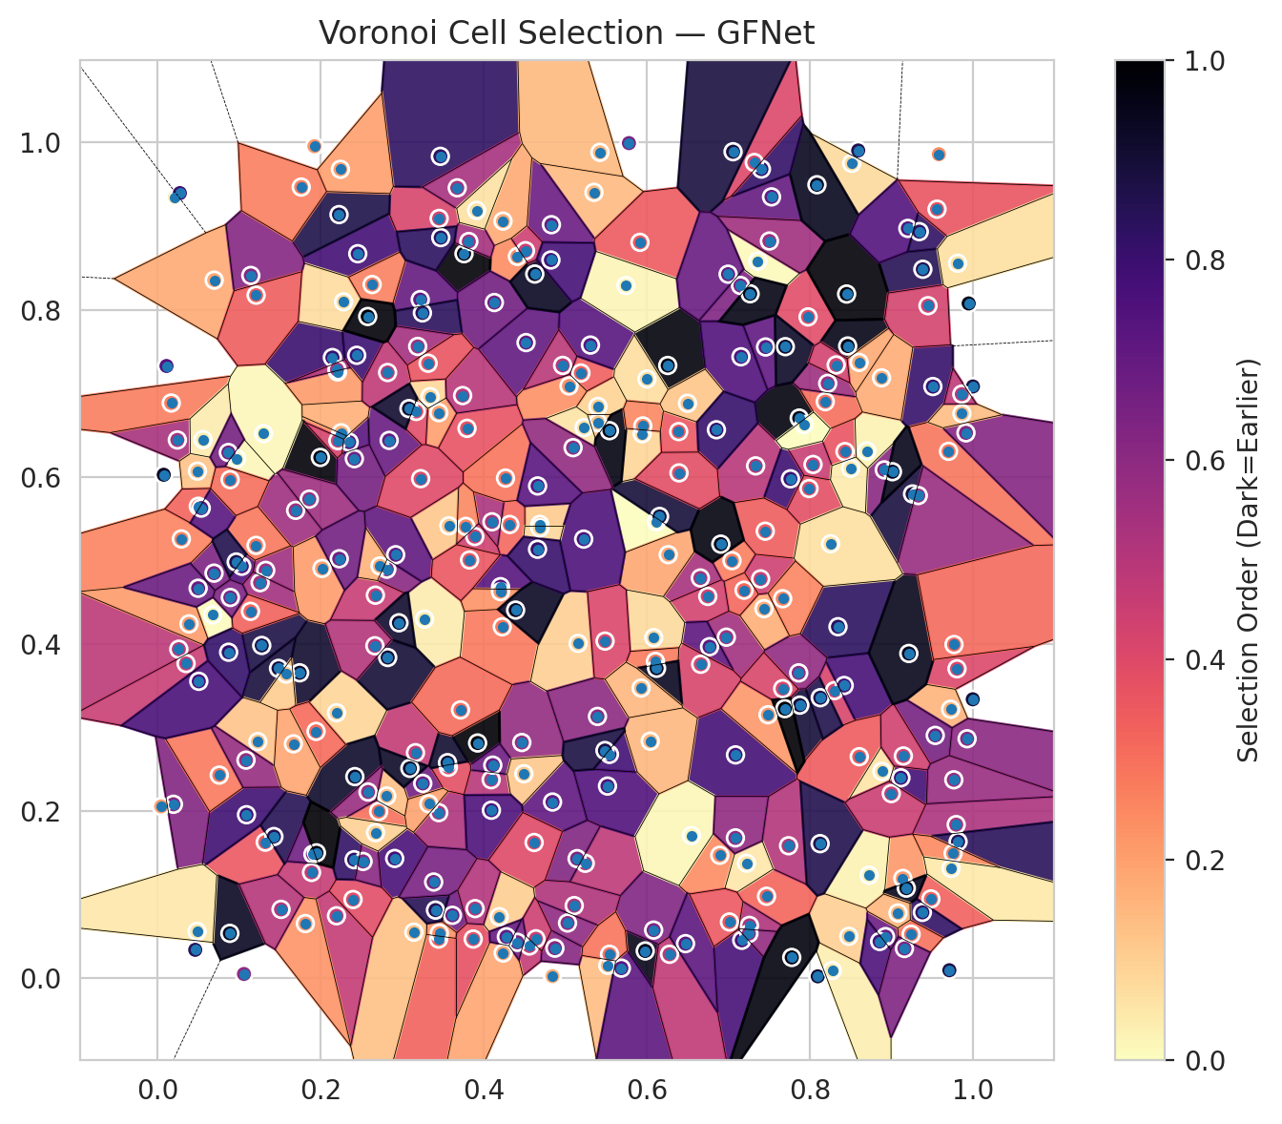
model_key | GFNet_MultiHead
model_name | GFNet
scoring_method | SAPS
window_size | 3
lambda | 0.5
k_iters | 1
empirical_coverage | 0.70832714858
avg_set_size | 0.7084755826
scene_coverage | 0.14803625378
scene_avg_set_size | 0.9039029127
uncertain_pixel_rate | 0.81602859497
mean_per_class_cov | 0.70431461751
runtime_sec | 103.08363657
alpha | 0.05

heads | coverage | set_size |  |  | class_id | class_coverage | support_count | Class | Pixels
1 | 0.95250111326 | 0.95264954728 |  |  | 0 | 0.71052631579 | 1216 | Class 0 | 3318
2 | 0.89951016773 | 0.89965860175 |  |  | 1 | 0.72727272727 | 704 | Class 1 | 1960
3 | 0.8542377913 | 0.85438622532 |  |  | 2 | 0.6890459364 | 283 | Class 2 | 1862
4 | 0.81178566127 | 0.81193409529 |  |  | 3 | 0.70256410256 | 1365 | Class 3 | 9379
5 | 0.76814605908 | 0.7682944931 |  |  | 4 | 0.72452830189 | 1590 | Class 4 | 17951
6 | 0.73489683836 | 0.73504527238 |  |  | 5 | 0.68932955619 | 1059 | Class 5 | 9384
7 | 0.70832714858 | 0.7084755826 |  |  | 6 | 0.71 | 200 | Class 6 | 618
 |  |  |  |  | 7 | 0.68125 | 320 | Class 7 | 3755
 |  |  |  |  |  |  |  | Uncertain | 213917
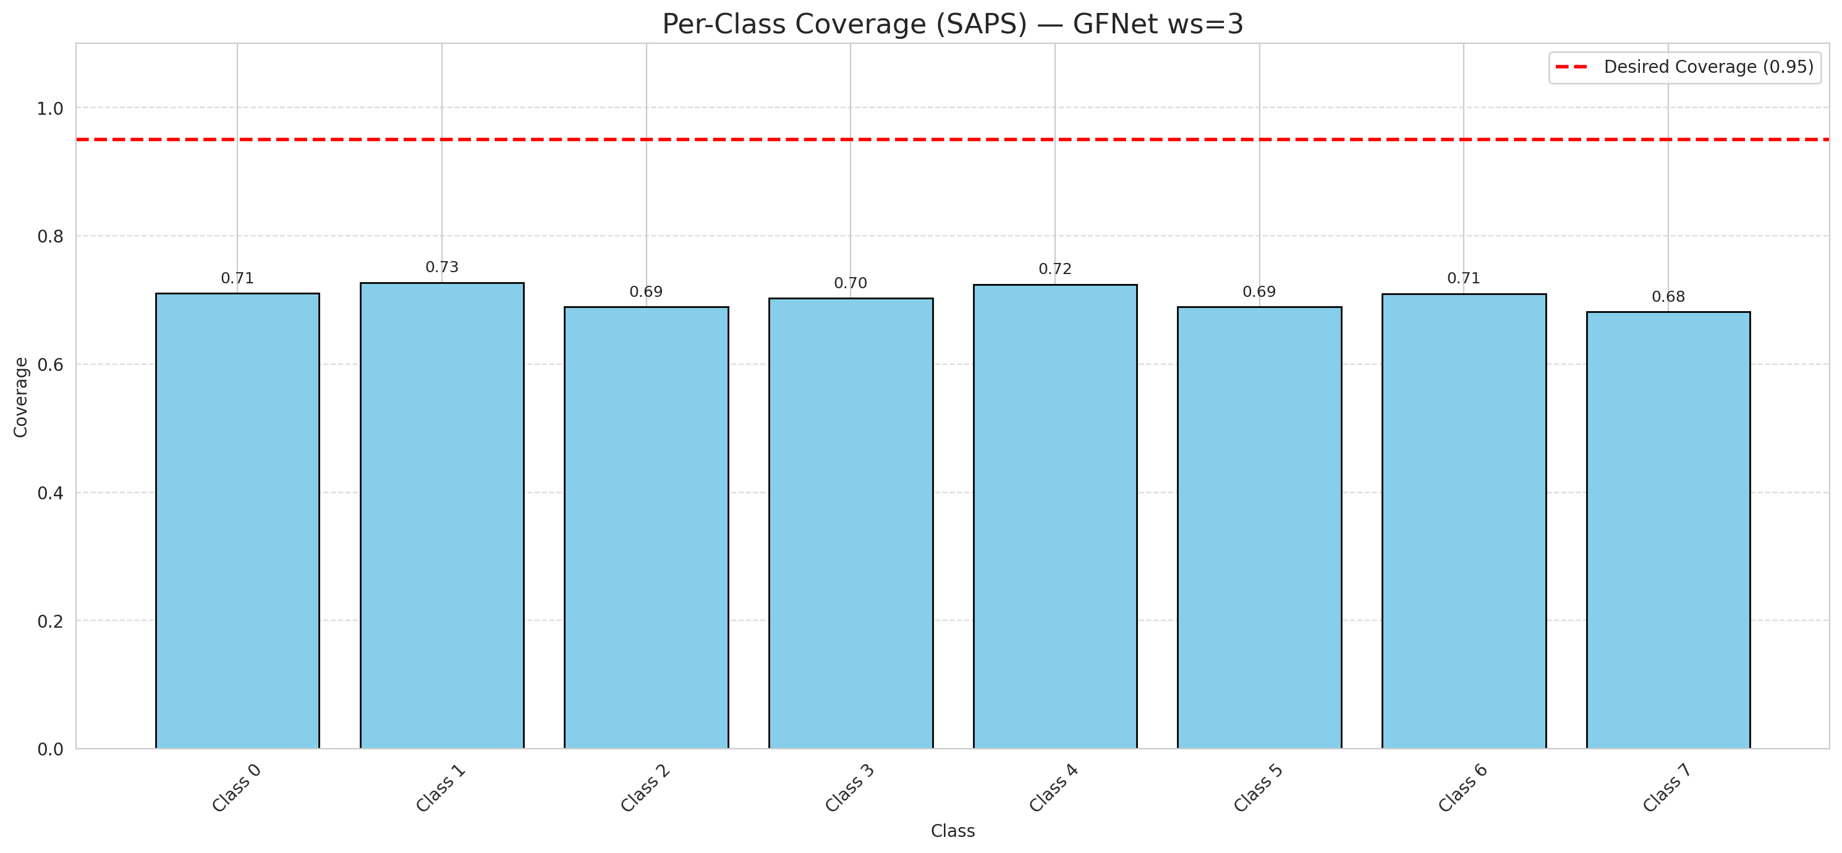

Cell Index | s1 | s2 | Selection_Order | Norm_Order(0-1) | Target
0 | 0.5351 | 0.9403 | 48 | 0.14328358209 | 5
1 | 0.5521 | 0.0156 | 46 | 0.13731343284 | 0
2 | 0.2454 | 0.8669 | 262 | 0.78208955224 | 2
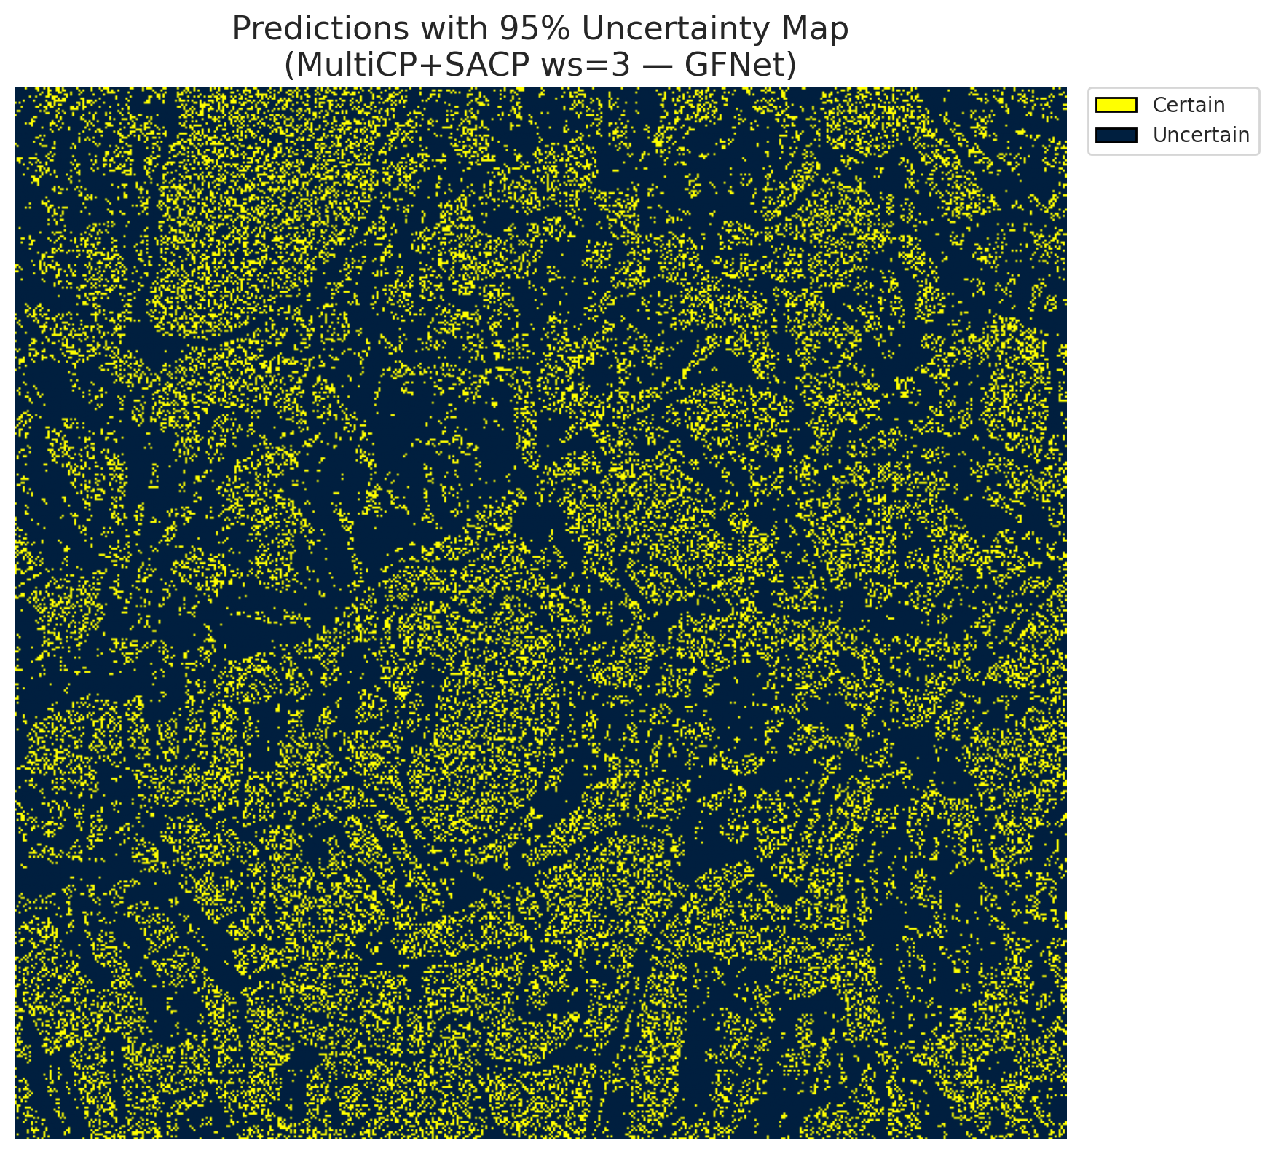
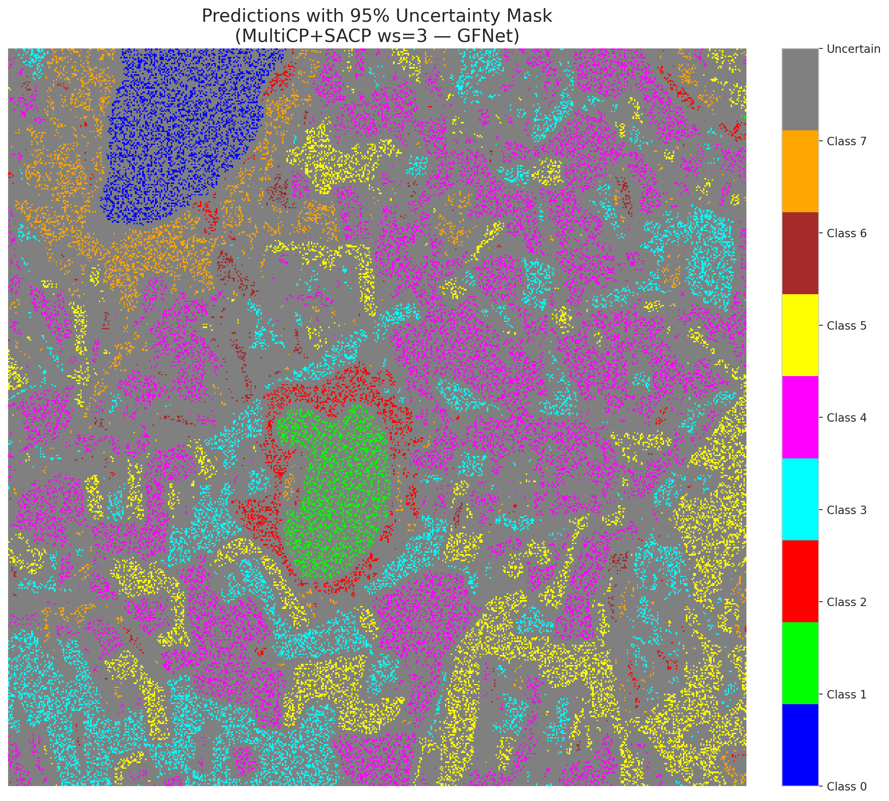
3 | 0.3251 | 0.2333 | 225 | 0.67164179104 | 5
4 | 0.409 | 0.2377 | 167 | 0.49850746269 | 0
5 | 0.3452 | 0.9091 | 139 | 0.41492537313 | 3
6 | 0.2224 | 0.9137 | 291 | 0.86865671642 | 3
7 | 0.1319 | 0.163 | 120 | 0.35820895522 | 5
8 | 0.4412 | 0.8637 | 80 | 0.23880597015 | 3
9 | 0.7977 | 0.7913 | 132 | 0.39402985075 | 2
10 | 0.3757 | 0.8669 | 332 | 0.99104477612 | 0
11 | 0.9804 | 0.3704 | 135 | 0.40298507463 | 0
12 | 0.6256 | 0.7332 | 328 | 0.97910447761 | 4
13 | 0.843 | 0.6302 | 124 | 0.37014925373 | 1
14 | 0.3467 | 0.9834 | 278 | 0.82985074627 | 0
15 | 0.7044 | 0.4997 | 90 | 0.26865671642 | 0
16 | 0.8096 | 0.0025 | 303 | 0.90447761194 | 4
17 | 0.6975 | 0.4082 | 184 | 0.54925373134 | 3
18 | 0.322 | 0.812 | 234 | 0.69850746269 | 5
19 | 0.1887 | 0.1268 | 155 | 0.46268656716 | 0
20 | 0.021 | 0.9346 | 10 | 0.029850746269 | 1
21 | 0.2143 | 0.7427 | 269 | 0.80298507463 | 4
22 | 0.0674 | 0.4349 | 2 | 0.0059701492537 | 2
23 | 0.9484 | 0.0951 | 112 | 0.33432835821 | 4
24 | 0.4226 | 0.4206 | 94 | 0.28059701493 | 0
25 | 0.9139 | 0.1196 | 73 | 0.21791044776 | 1
26 | 0.9116 | 0.24 | 263 | 0.78507462687 | 0
27 | 0.4129 | 0.8085 | 223 | 0.66567164179 | 5
28 | 0.1089 | 0.1958 | 265 | 0.79104477612 | 5
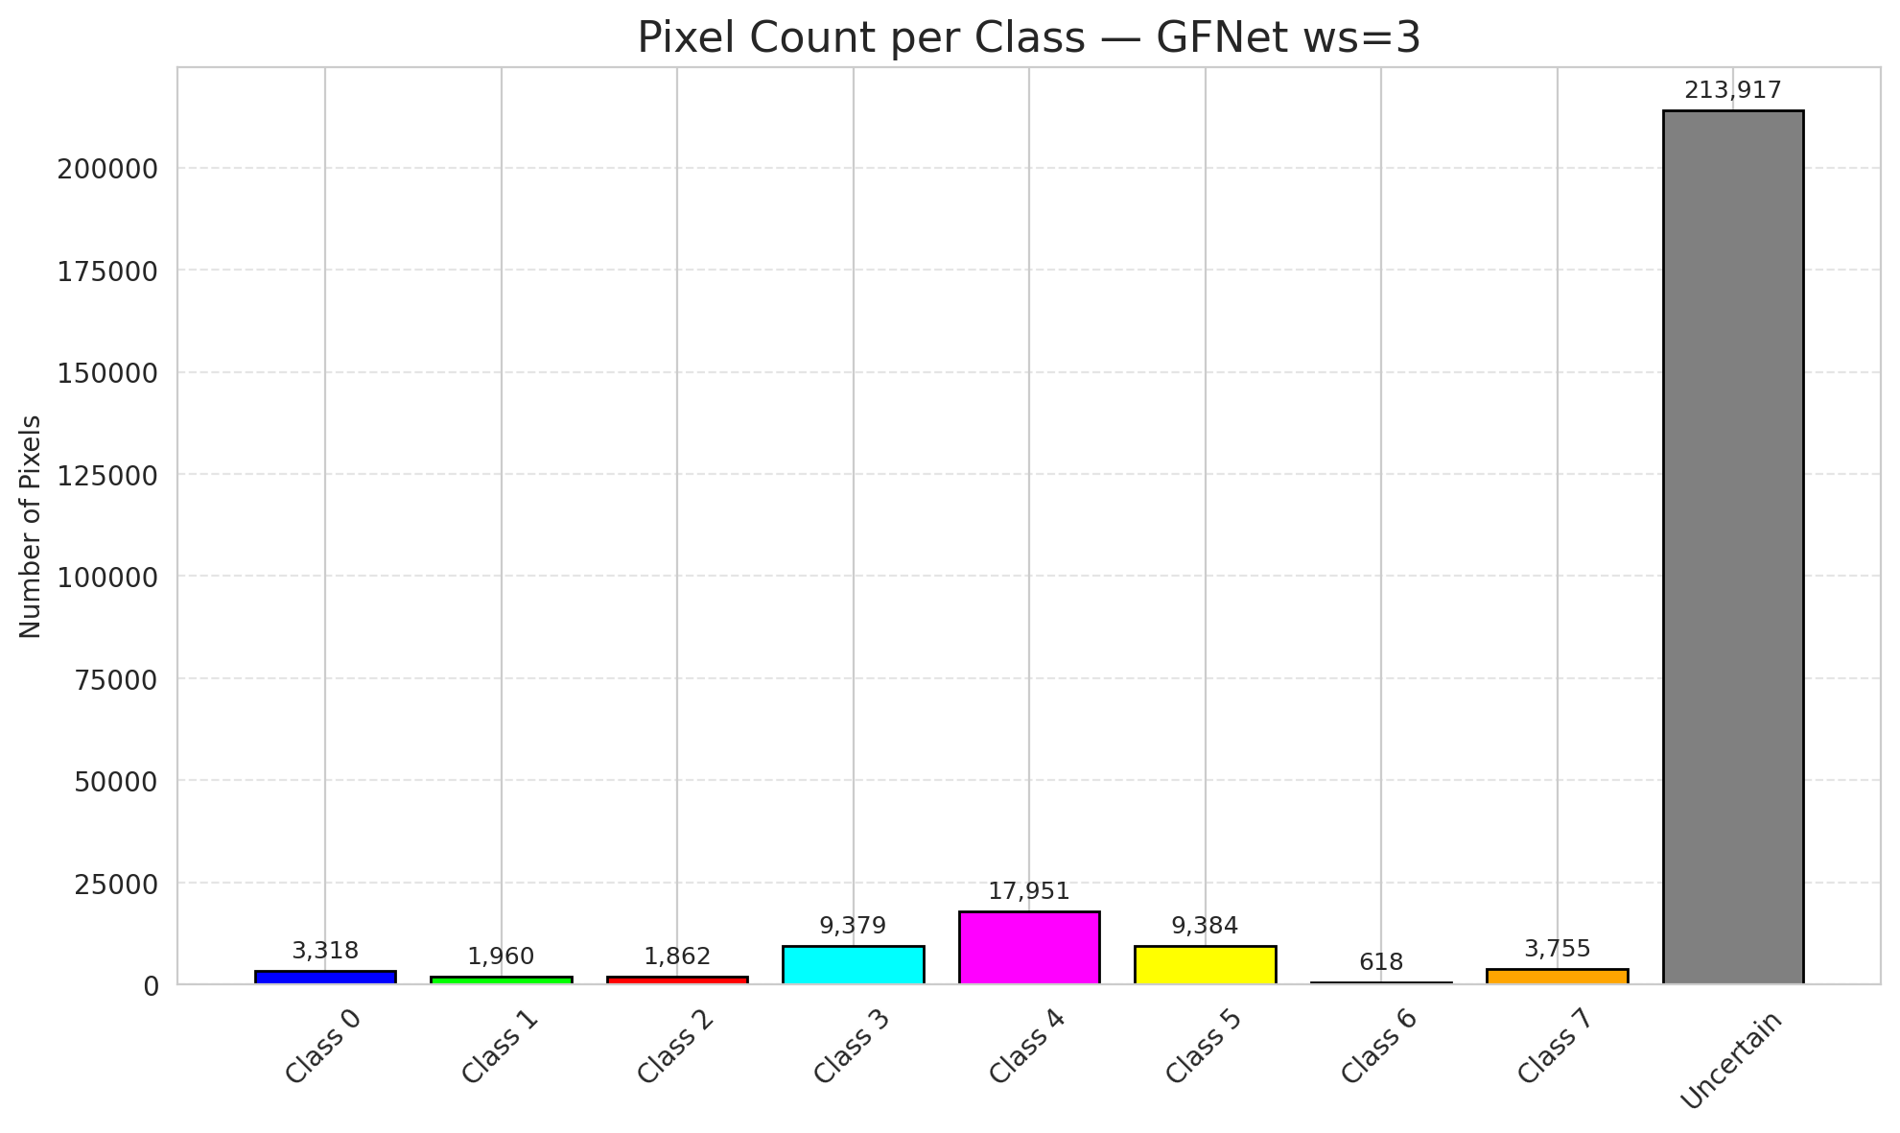
29 | 0.54 | 0.6842 | 31 | 0.092537313433 | 5
30 | 0.7087 | 0.2674 | 261 | 0.77910447761 | 3
31 | 0.8912 | 0.6083 | 204 | 0.60895522388 | 3
32 | 0.3445 | 0.0471 | 110 | 0.32835820896 | 3
33 | 0.2907 | 0.1435 | 257 | 0.7671641791 | 4
34 | 0.5244 | 0.1377 | 161 | 0.48059701493 | 4
35 | 0.1031 | 0.493 | 252 | 0.75223880597 | 3
36 | 0.8274 | 0.0094 | 11 | 0.032835820896 | 4
37 | 0.9997 | 0.3339 | 302 | 0.90149253731 | 4
38 | 0.3273 | 0.4298 | 12 | 0.035820895522 | 1
39 | 0.8301 | 0.3443 | 141 | 0.42089552239 | 1
40 | 0.3448 | 0.6767 | 68 | 0.20298507463 | 5
41 | 0.5541 | 0.268 | 264 | 0.78805970149 | 1
42 | 0.598 | 0.0329 | 320 | 0.9552238806 | 0
43 | 0.4559 | 0.0388 | 156 | 0.46567164179 | 1
44 | 0.8698 | 0.6309 | 8 | 0.023880597015 | 5
45 | 0.3162 | 0.27 | 158 | 0.47164179104 | 4
46 | 0.9385 | 0.8483 | 286 | 0.85373134328 | 4
47 | 0.3615 | 0.0755 | 226 | 0.67462686567 | 3
48 | 0.7148 | 0.8289 | 213 | 0.63582089552 | 1
49 | 0.2193 | 0.3178 | 29 | 0.086567164179 | 4
50 | 0.1425 | 0.1697 | 285 | 0.85074626866 | 3
51 | 0.3142 | 0.0553 | 44 | 0.13134328358 | 1
52 | 0.6083 | 0.0578 | 211 | 0.62985074627 | 4
53 | 0.8463 | 0.7565 | 321 | 0.95820895522 | 4
54 | 0.8726 | 0.1234 | 9 | 0.026865671642 | 5
55 | 0.4466 | 0.2822 | 194 | 0.57910447761 | 0
56 | 0.4518 | 0.7606 | 236 | 0.70447761194 | 5
57 | 0.0691 | 0.4848 | 215 | 0.64179104478 | 5
58 | 0.2193 | 0.0749 | 157 | 0.46865671642 | 5
59 | 0.2244 | 0.6513 | 79 | 0.23582089552 | 4
60 | 0.9794 | 0.184 | 176 | 0.52537313433 | 4
61 | 0.4842 | 0.0027 | 55 | 0.16417910448 | 5
62 | 0.7869 | 0.6703 | 327 | 0.97611940299 | 4
63 | 0.2396 | 0.0944 | 130 | 0.38805970149 | 7
64 | 0.8477 | 0.0504 | 34 | 0.10149253731 | 6
65 | 0.5191 | 0.7242 | 113 | 0.33731343284 | 1
66 | 0.7436 | 0.4423 | 57 | 0.17014925373 | 4
67 | 0.8512 | 0.975 | 26 | 0.077611940299 | 3
68 | 0.6656 | 0.479 | 179 | 0.53432835821 | 3
69 | 0.2821 | 0.3839 | 301 | 0.89850746269 | 5
70 | 0.5517 | 0.2301 | 250 | 0.74626865672 | 3
71 | 0.3571 | 0.5414 | 38 | 0.11343283582 | 4
72 | 0.6894 | 0.1473 | 81 | 0.24179104478 | 0
73 | 0.2241 | 0.9679 | 67 | 0.2 | 3
74 | 0.3924 | 0.2816 | 334 | 0.99701492537 | 4
75 | 0.6115 | 0.5463 | 0 | 0 | 0
76 | 0.7529 | 0.9349 | 235 | 0.70149253731 | 0
77 | 0.7361 | 0.8581 | 3 | 0.0089552238806 | 4
78 | 0.1741 | 0.3656 | 305 | 0.91044776119 | 1
79 | 0.9379 | 0.079 | 275 | 0.82089552239 | 4
80 | 0.8188 | 0.6899 | 102 | 0.30447761194 | 4
81 | 0.7456 | 0.7553 | 238 | 0.71044776119 | 0
82 | 0.9182 | 0.108 | 318 | 0.94925373134 | 3
83 | 0.7395 | 0.4779 | 149 | 0.4447761194 | 5
84 | 0.5308 | 0.7576 | 246 | 0.73432835821 | 0
85 | 0.3454 | 0.0541 | 76 | 0.22686567164 | 5
86 | 0.0968 | 0.6217 | 5 | 0.014925373134 | 0
87 | 0.4687 | 0.5431 | 37 | 0.11044776119 | 3
88 | 0.1276 | 0.3983 | 293 | 0.87462686567 | 0
89 | 0.281 | 0.4895 | 203 | 0.60597014925 | 1
90 | 0.6262 | 0.5069 | 62 | 0.18507462687 | 4
91 | 0.5144 | 0.1433 | 210 | 0.62686567164 | 1
92 | 0.2839 | 0.6436 | 231 | 0.68955223881 | 5
93 | 0.5109 | 0.0871 | 173 | 0.51641791045 | 5
94 | 0.5045 | 0.7087 | 78 | 0.2328358209 | 1
95 | 0.4318 | 0.543 | 106 | 0.31641791045 | 3
96 | 0.1995 | 0.6232 | 329 | 0.98208955224 | 4
97 | 0.4843 | 0.211 | 237 | 0.70746268657 | 0
98 | 0.0885 | 0.0539 | 314 | 0.93731343284 | 4
99 | 0.7486 | 0.3154 | 72 | 0.21492537313 | 1
100 | 0.411 | 0.2551 | 227 | 0.6776119403 | 4
101 | 0.842 | 0.3504 | 259 | 0.77313432836 | 1
102 | 0.7468 | 0.0983 | 108 | 0.3223880597 | 0
103 | 0.7503 | 0.8821 | 185 | 0.55223880597 | 4
104 | 0.9508 | 0.708 | 272 | 0.81194029851 | 3
105 | 0.2919 | 0.5068 | 239 | 0.71343283582 | 4
106 | 0.41 | 0.5462 | 177 | 0.52835820896 | 4
107 | 0.3447 | 0.1983 | 175 | 0.5223880597 | 0
108 | 0.9259 | 0.5795 | 296 | 0.88358208955 | 3
109 | 0.7738 | 0.1587 | 169 | 0.50447761194 | 0
110 | 0.4829 | 0.9016 | 230 | 0.68656716418 | 5
111 | 0.7876 | 0.3269 | 300 | 0.89552238806 | 4
112 | 0.9725 | 0.322 | 53 | 0.15820895522 | 1
113 | 0.7334 | 0.6131 | 165 | 0.49253731343 | 7
114 | 0.7761 | 0.5976 | 266 | 0.79402985075 | 4
115 | 0.1482 | 0.3709 | 298 | 0.88955223881 | 0
116 | 0.8086 | 0.9494 | 316 | 0.94328358209 | 4
117 | 0.5027 | 0.0663 | 199 | 0.59402985075 | 5
118 | 0.0241 | 0.6441 | 178 | 0.53134328358 | 4
119 | 0.7452 | 0.535 | 114 | 0.34029850746 | 4
120 | 0.845 | 0.8187 | 331 | 0.98805970149 | 3
121 | 0.1692 | 0.5599 | 187 | 0.55820895522 | 3
122 | 0.0193 | 0.2083 | 209 | 0.62388059701 | 4
123 | 0.5156 | 0.4008 | 33 | 0.098507462687 | 4
124 | 0.8218 | 0.7118 | 189 | 0.56417910448 | 0
125 | 0.8605 | 0.2652 | 116 | 0.34626865672 | 0
126 | 0.8038 | 0.6148 | 152 | 0.45373134328 | 0
127 | 0.387 | 0.0471 | 126 | 0.37611940299 | 4
128 | 0.7192 | 0.4644 | 107 | 0.31940298507 | 4
129 | 0.029 | 0.5257 | 87 | 0.25970149254 | 4
130 | 0.9817 | 0.1636 | 282 | 0.84179104478 | 5
131 | 0.1058 | 0.0053 | 200 | 0.59701492537 | 3
132 | 0.3674 | 0.9457 | 180 | 0.53731343284 | 0
133 | 0.2418 | 0.2414 | 308 | 0.91940298507 | 1
134 | 0.9537 | 0.2907 | 219 | 0.65373134328 | 3
135 | 0.5915 | 0.8805 | 117 | 0.34925373134 | 4
136 | 0.8883 | 0.2476 | 18 | 0.053731343284 | 5
137 | 0.0074 | 0.6025 | 311 | 0.92835820896 | 3
138 | 0.4205 | 0.4686 | 247 | 0.73731343284 | 5
139 | 0.5399 | 0.6648 | 43 | 0.12835820896 | 7
140 | 0.8344 | 0.4207 | 280 | 0.83582089552 | 3
141 | 0.6156 | 0.5526 | 299 | 0.89253731343 | 1
142 | 0.1228 | 0.2833 | 41 | 0.1223880597 | 0
143 | 0.7222 | 0.1378 | 17 | 0.050746268657 | 2
144 | 0.1325 | 0.4881 | 186 | 0.5552238806 | 2
145 | 0.1206 | 0.518 | 95 | 0.28358208955 | 4
146 | 0.971 | 0.0098 | 292 | 0.87164179104 | 0
147 | 0.1256 | 0.4734 | 182 | 0.54328358209 | 1
148 | 0.1575 | 0.3641 | 36 | 0.10746268657 | 7
149 | 0.2441 | 0.7454 | 267 | 0.79701492537 | 7
150 | 0.3407 | 0.0817 | 284 | 0.84776119403 | 5
151 | 0.6907 | 0.5195 | 325 | 0.97014925373 | 0
152 | 0.1942 | 0.2955 | 104 | 0.31044776119 | 2
153 | 0.5225 | 0.5255 | 255 | 0.76119402985 | 0
154 | 0.0166 | 0.6883 | 91 | 0.27164179104 | 3
155 | 0.9999 | 0.7081 | 295 | 0.88059701493 | 3
156 | 0.97 | 0.6305 | 96 | 0.28656716418 | 4
157 | 0.3565 | 0.2525 | 128 | 0.38208955224 | 0
158 | 0.2279 | 0.8093 | 24 | 0.071641791045 | 1
159 | 0.6747 | 0.457 | 145 | 0.4328358209 | 3
160 | 0.2348 | 0.6415 | 244 | 0.72835820896 | 3
161 | 0.9581 | 0.9859 | 82 | 0.2447761194 | 4
162 | 0.0259 | 0.3938 | 163 | 0.48656716418 | 0
163 | 0.4204 | 0.4627 | 77 | 0.22985074627 | 0
164 | 0.1904 | 0.1486 | 224 | 0.66865671642 | 0
165 | 0.6769 | 0.3968 | 240 | 0.71641791045 | 0
166 | 0.4237 | 0.0303 | 64 | 0.19104477612 | 0
167 | 0.8592 | 0.9904 | 287 | 0.85671641791 | 4
168 | 0.1811 | 0.0656 | 75 | 0.22388059701 | 4
169 | 0.263 | 0.83 | 88 | 0.26268656716 | 0
170 | 0.271 | 0.1997 | 100 | 0.29850746269 | 5
171 | 0.0348 | 0.3767 | 153 | 0.45671641791 | 5
172 | 0.7154 | 0.7436 | 251 | 0.74925373134 | 0
173 | 0.3247 | 0.7961 | 281 | 0.83880597015 | 5
174 | 0.3555 | 0.2581 | 304 | 0.90746268657 | 0
175 | 0.9914 | 0.6526 | 208 | 0.62089552239 | 1
176 | 0.3794 | 0.658 | 125 | 0.37313432836 | 0
177 | 0.8127 | 0.3358 | 290 | 0.86567164179 | 3
178 | 0.3779 | 0.5407 | 84 | 0.25074626866 | 4
179 | 0.0384 | 0.4241 | 70 | 0.20895522388 | 4
180 | 0.9012 | 0.6061 | 319 | 0.95223880597 | 7
181 | 0.666 | 0.3758 | 140 | 0.41791044776 | 1
182 | 0.4491 | 0.2448 | 39 | 0.11641791045 | 4
183 | 0.0483 | 0.0563 | 16 | 0.04776119403 | 5
184 | 0.7405 | 0.9682 | 274 | 0.81791044776 | 4
185 | 0.8927 | 0.05 | 228 | 0.68059701493 | 3
186 | 0.7989 | 0.586 | 127 | 0.37910447761 | 5
187 | 0.9947 | 0.8074 | 323 | 0.96417910448 | 3
188 | 0.4967 | 0.7333 | 164 | 0.48955223881 | 4
189 | 0.0488 | 0.6068 | 42 | 0.12537313433 | 3
190 | 0.6001 | 0.717 | 23 | 0.068656716418 | 4
191 | 0.0755 | 0.2432 | 93 | 0.2776119403 | 3
192 | 0.7258 | 0.0634 | 174 | 0.51940298507 | 4
193 | 0.4625 | 0.8426 | 313 | 0.93432835821 | 0
194 | 0.2015 | 0.4904 | 69 | 0.20597014925 | 3
195 | 0.4872 | 0.0362 | 206 | 0.61492537313 | 7
196 | 0.1083 | 0.2611 | 193 | 0.57611940299 | 3
197 | 0.8125 | 0.1612 | 288 | 0.85970149254 | 5
198 | 0.2409 | 0.142 | 276 | 0.82388059701 | 0
199 | 0.1298 | 0.6518 | 4 | 0.011940298507 | 4
200 | 0.1859 | 0.5733 | 188 | 0.56119402985 | 0
201 | 0.5229 | 0.6589 | 19 | 0.05671641791 | 0
202 | 0.267 | 0.4584 | 154 | 0.45970149254 | 5
203 | 0.9241 | 0.0528 | 99 | 0.29552238806 | 6
204 | 0.7318 | 0.976 | 136 | 0.40597014925 | 4
205 | 0.0693 | 0.8353 | 59 | 0.17611940299 | 0
206 | 0.1142 | 0.8409 | 207 | 0.61791044776 | 4
207 | 0.4511 | 0.8705 | 148 | 0.44179104478 | 4
208 | 0.6084 | 0.4076 | 25 | 0.074626865672 | 0
209 | 0.7164 | 0.0456 | 258 | 0.77014925373 | 4
210 | 0.4687 | 0.539 | 27 | 0.080597014925 | 0
211 | 0.1922 | 0.9955 | 74 | 0.22089552239 | 1
212 | 0.2206 | 0.7255 | 71 | 0.21194029851 | 1
213 | 0.9146 | 0.2661 | 146 | 0.43582089552 | 5
214 | 0.7862 | 0.3655 | 197 | 0.58805970149 | 4
215 | 0.7266 | 0.819 | 322 | 0.96119402985 | 3
216 | 0.4093 | 0.2012 | 253 | 0.7552238806 | 5
217 | 0.5942 | 0.6515 | 30 | 0.089552238806 | 0
218 | 0.2809 | 0.2182 | 45 | 0.13432835821 | 3
219 | 0.4235 | 0.9059 | 60 | 0.17910447761 | 3
220 | 0.225 | 0.6527 | 56 | 0.1671641791 | 4
221 | 0.0498 | 0.5648 | 109 | 0.32537313433 | 3
222 | 0.087 | 0.3902 | 273 | 0.81492537313 | 4
223 | 0.3171 | 0.6782 | 131 | 0.39104477612 | 7
224 | 0.439 | 0.4406 | 312 | 0.93134328358 | 3
225 | 0.9201 | 0.8972 | 249 | 0.74328358209 | 3
226 | 0.9756 | 0.1497 | 83 | 0.24776119403 | 3
227 | 0.8499 | 0.6102 | 14 | 0.041791044776 | 0
228 | 0.2412 | 0.6217 | 221 | 0.65970149254 | 3
229 | 0.0556 | 0.6445 | 13 | 0.038805970149 | 0
230 | 0.9213 | 0.3887 | 317 | 0.94626865672 | 0
231 | 0.7057 | 0.9889 | 297 | 0.88656716418 | 0
232 | 0.0504 | 0.3554 | 256 | 0.76417910448 | 7
233 | 0.1138 | 0.4391 | 111 | 0.33134328358 | 5
234 | 0.3816 | 0.8815 | 181 | 0.54029850746 | 4
235 | 0.221 | 0.6433 | 142 | 0.42388059701 | 5
236 | 0.0534 | 0.5626 | 245 | 0.73134328358 | 6
237 | 0.3889 | 0.5286 | 147 | 0.43880597015 | 2
238 | 0.1207 | 0.8173 | 115 | 0.34328358209 | 5
239 | 0.4266 | 0.5985 | 98 | 0.29253731343 | 6
240 | 0.7666 | 0.3466 | 138 | 0.41194029851 | 4
241 | 0.0888 | 0.5966 | 101 | 0.30149253731 | 4
242 | 0.5687 | 0.0123 | 242 | 0.7223880597 | 3
243 | 0.5542 | 0.0289 | 97 | 0.28955223881 | 3
244 | 0.7692 | 0.3227 | 335 | 1 | 3
245 | 0.2199 | 0.7285 | 172 | 0.51343283582 | 4
246 | 0.6547 | 0.1709 | 6 | 0.017910447761 | 6
247 | 0.6041 | 0.2838 | 50 | 0.14925373134 | 0
248 | 0.2519 | 0.1399 | 205 | 0.61194029851 | 4
249 | 0.0963 | 0.4981 | 289 | 0.86268656716 | 3
250 | 0.5541 | 0.6552 | 324 | 0.9671641791 | 2
251 | 0.9731 | 0.1315 | 15 | 0.044776119403 | 4
252 | 0.176 | 0.9466 | 89 | 0.26567164179 | 0
253 | 0.9928 | 0.2867 | 202 | 0.60298507463 | 0
254 | 0.4617 | 0.1626 | 134 | 0.4 | 5
255 | 0.7698 | 0.7557 | 309 | 0.9223880597 | 5
256 | 0.8603 | 0.7369 | 61 | 0.18208955224 | 0
257 | 0.9329 | 0.5776 | 190 | 0.5671641791 | 3
258 | 0.5743 | 0.8288 | 7 | 0.020895522388 | 5
259 | 0.9765 | 0.2376 | 191 | 0.57014925373 | 4
260 | 0.5095 | 0.6349 | 195 | 0.58208955224 | 0
261 | 0.9864 | 0.6757 | 47 | 0.14029850746 | 4
262 | 0.9341 | 0.8933 | 277 | 0.82686567164 | 4
263 | 0.9448 | 0.8047 | 143 | 0.42686567164 | 4
264 | 0.466 | 0.5891 | 243 | 0.72537313433 | 3
265 | 0.3912 | 0.9187 | 20 | 0.059701492537 | 1
266 | 0.5394 | 0.3134 | 201 | 0.6 | 3
267 | 0.0108 | 0.7326 | 248 | 0.74029850746 | 2
268 | 0.0867 | 0.6291 | 220 | 0.65671641791 | 4
269 | 0.8253 | 0.5199 | 21 | 0.062686567164 | 4
270 | 0.5486 | 0.2726 | 294 | 0.8776119403 | 0
271 | 0.3189 | 0.756 | 183 | 0.54626865672 | 0
272 | 0.8998 | 0.2211 | 151 | 0.45074626866 | 4
273 | 0.9767 | 0.3994 | 105 | 0.31343283582 | 0
274 | 0.6105 | 0.3792 | 92 | 0.27462686567 | 0
275 | 0.282 | 0.7248 | 159 | 0.47462686567 | 1
276 | 0.6278 | 0.0289 | 160 | 0.4776119403 | 6
277 | 0.3385 | 0.1153 | 218 | 0.65074626866 | 1
278 | 0.8322 | 0.7338 | 144 | 0.42985074627 | 7
279 | 0.3714 | 0.3212 | 103 | 0.30746268657 | 0
280 | 0.7251 | 0.0537 | 196 | 0.58507462687 | 4
281 | 0.6474 | 0.0416 | 241 | 0.71940298507 | 4
282 | 0.4659 | 0.5134 | 270 | 0.80597014925 | 3
283 | 0.0042 | 0.2057 | 66 | 0.19701492537 | 0
284 | 0.9559 | 0.9202 | 123 | 0.3671641791 | 3
285 | 0.2576 | 0.7918 | 330 | 0.98507462687 | 4
286 | 0.639 | 0.6541 | 118 | 0.35223880597 | 3
287 | 0.595 | 0.6609 | 85 | 0.25373134328 | 4
288 | 0.7086 | 0.1681 | 198 | 0.59104477612 | 5
289 | 0.2959 | 0.4254 | 307 | 0.91641791045 | 3
290 | 0.0496 | 0.4667 | 229 | 0.68358208955 | 5
291 | 0.8878 | 0.7184 | 58 | 0.17313432836 | 2
292 | 0.4189 | 0.0738 | 35 | 0.10447761194 | 3
293 | 0.3341 | 0.6959 | 28 | 0.083582089552 | 3
294 | 0.3893 | 0.0835 | 171 | 0.51044776119 | 3
295 | 0.1947 | 0.1502 | 333 | 0.99402985075 | 3
296 | 0.8855 | 0.0442 | 254 | 0.75820895522 | 7
297 | 0.4639 | 0.0474 | 150 | 0.44776119403 | 6
298 | 0.3093 | 0.2513 | 310 | 0.92537313433 | 3
299 | 0.2726 | 0.4934 | 54 | 0.16119402985 | 4
300 | 0.3082 | 0.6816 | 306 | 0.91343283582 | 4
301 | 0.6499 | 0.688 | 40 | 0.11940298507 | 1
302 | 0.7926 | 0.6626 | 1 | 0.0029850746269 | 2
303 | 0.9863 | 0.6989 | 162 | 0.48358208955 | 4
304 | 0.4411 | 0.0432 | 217 | 0.64776119403 | 0
305 | 0.2227 | 0.502 | 222 | 0.66268656716 | 0
306 | 0.3326 | 0.2088 | 65 | 0.19402985075 | 5
307 | 0.258 | 0.223 | 192 | 0.57313432836 | 4
308 | 0.374 | 0.6972 | 166 | 0.49552238806 | 0
309 | 0.9159 | 0.0358 | 212 | 0.6328358209 | 0
310 | 0.3225 | 0.5978 | 133 | 0.39701492537 | 4
311 | 0.3472 | 0.8862 | 279 | 0.8328358209 | 4
312 | 0.5487 | 0.4035 | 137 | 0.40895522388 | 1
313 | 0.6853 | 0.6563 | 271 | 0.80895522388 | 3
314 | 0.4823 | 0.8594 | 260 | 0.77611940299 | 0
315 | 0.0891 | 0.4557 | 214 | 0.63880597015 | 3
316 | 0.7777 | 0.0251 | 326 | 0.97313432836 | 3
317 | 0.6394 | 0.6047 | 129 | 0.38507462687 | 0
318 | 0.2664 | 0.3979 | 170 | 0.50746268657 | 3
319 | 0.7666 | 0.4542 | 86 | 0.25671641791 | 0
320 | 0.578 | 0.9992 | 216 | 0.6447761194 | 1
321 | 0.6119 | 0.371 | 315 | 0.94029850746 | 3
322 | 0.4277 | 0.0498 | 233 | 0.69552238806 | 4
323 | 0.7013 | 0.0675 | 119 | 0.3552238806 | 3
324 | 0.1513 | 0.0826 | 168 | 0.50149253731 | 0
325 | 0.0272 | 0.9394 | 268 | 0.8 | 0
326 | 0.1664 | 0.2806 | 63 | 0.18805970149 | 5
327 | 0.5424 | 0.9882 | 49 | 0.14626865672 | 1
328 | 0.908 | 0.0783 | 52 | 0.1552238806 | 4
329 | 0.6996 | 0.8424 | 232 | 0.69253731343 | 3
330 | 0.2672 | 0.1743 | 32 | 0.09552238806 | 0
331 | 0.5929 | 0.3473 | 51 | 0.15223880597 | 1
332 | 0.9812 | 0.8555 | 22 | 0.065671641791 | 3
333 | 0.046 | 0.0342 | 283 | 0.8447761194 | 4
334 | 0.3825 | 0.5005 | 121 | 0.36119402985 | 1
335 | 0.3317 | 0.7359 | 122 | 0.36417910448 | 3

ViT_RAPS_ws3
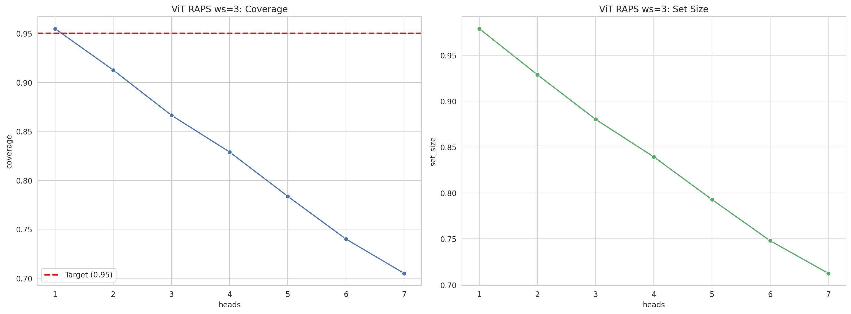
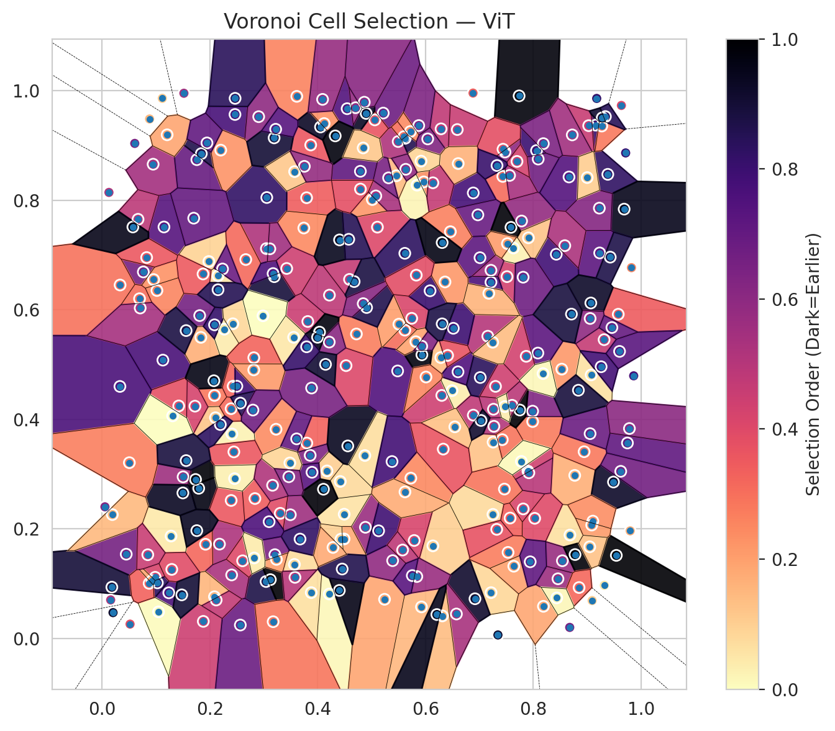
model_key | ViT_UNet_MultiHead
model_name | ViT
scoring_method | RAPS
window_size | 3
lambda | 0.5
k_iters | 1
empirical_coverage | 0.7049131661
avg_set_size | 0.71248330117
scene_coverage | 0.16530268844
scene_avg_set_size | 1.0057340462
uncertain_pixel_rate | 0.16553115845
mean_per_class_cov | 0.70838526389
runtime_sec | 99.450207168
alpha | 0.05

heads | coverage | set_size |  |  | class_id | class_coverage | support_count | Class | Pixels
1 | 0.95487605759 | 0.97877393499 |  |  | 0 | 0.66611842105 | 1216 | Class 0 | 11604
2 | 0.91257236159 | 0.92860323586 |  |  | 1 | 0.69176136364 | 704 | Class 1 | 7808
3 | 0.86640938103 | 0.88006531097 |  |  | 2 | 0.67491166078 | 283 | Class 2 | 6855
4 | 0.8288555737 | 0.83924595517 |  |  | 3 | 0.7032967033 | 1365 | Class 3 | 40108
5 | 0.78358319727 | 0.79278610658 |  |  | 4 | 0.71635220126 | 1590 | Class 4 | 81611
6 | 0.73994359507 | 0.74795903221 |  |  | 5 | 0.7327667611 | 1059 | Class 5 | 44322
7 | 0.7049131661 | 0.71248330117 |  |  | 6 | 0.735 | 200 | Class 6 | 4467
 |  |  |  |  | 7 | 0.746875 | 320 | Class 7 | 21976
 |  |  |  |  |  |  |  | Uncertain | 43393
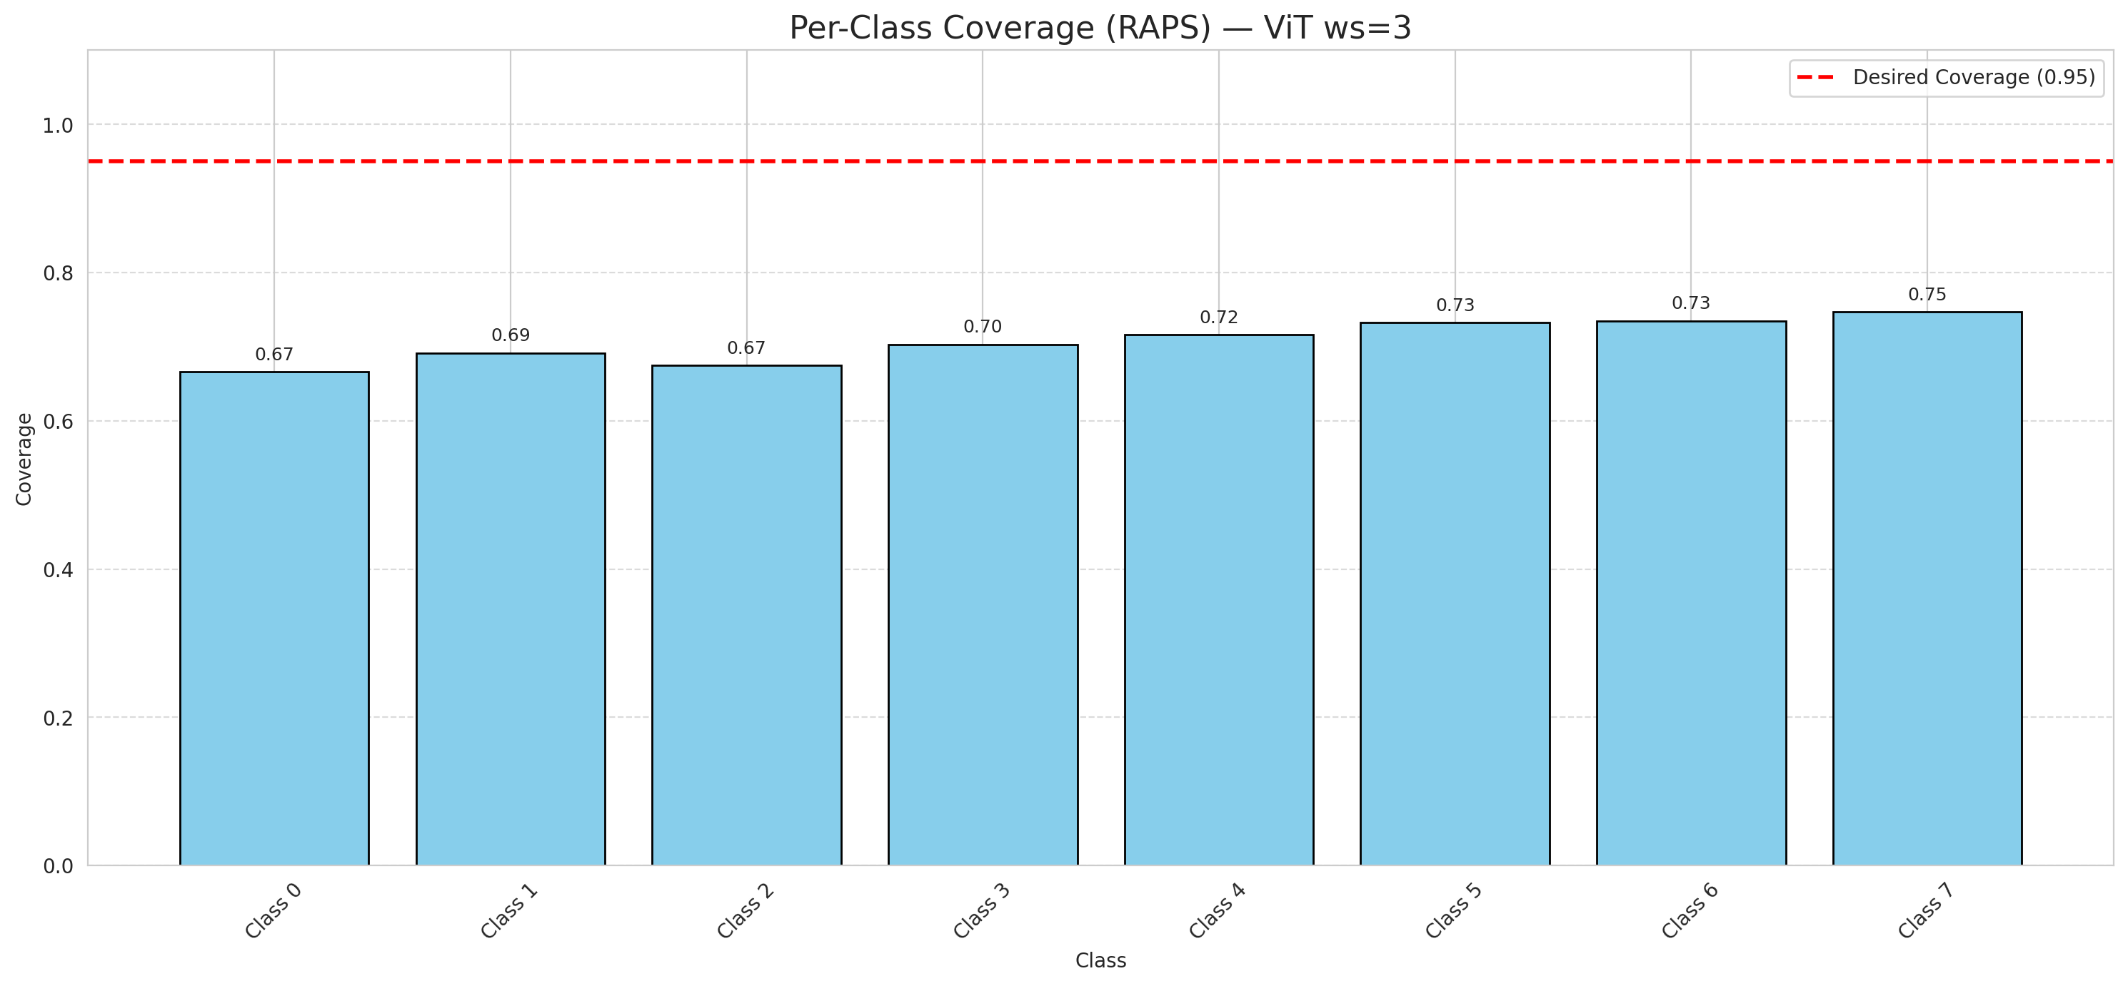

Cell Index | s1 | s2 | Selection_Order | Norm_Order(0-1) | Target
0 | 0.4792 | 0.8532 | 239 | 0.71343283582 | 5
1 | 0.7217 | 0.0838 | 28 | 0.083582089552 | 0
2 | 0.9092 | 0.0693 | 36 | 0.10746268657 | 2
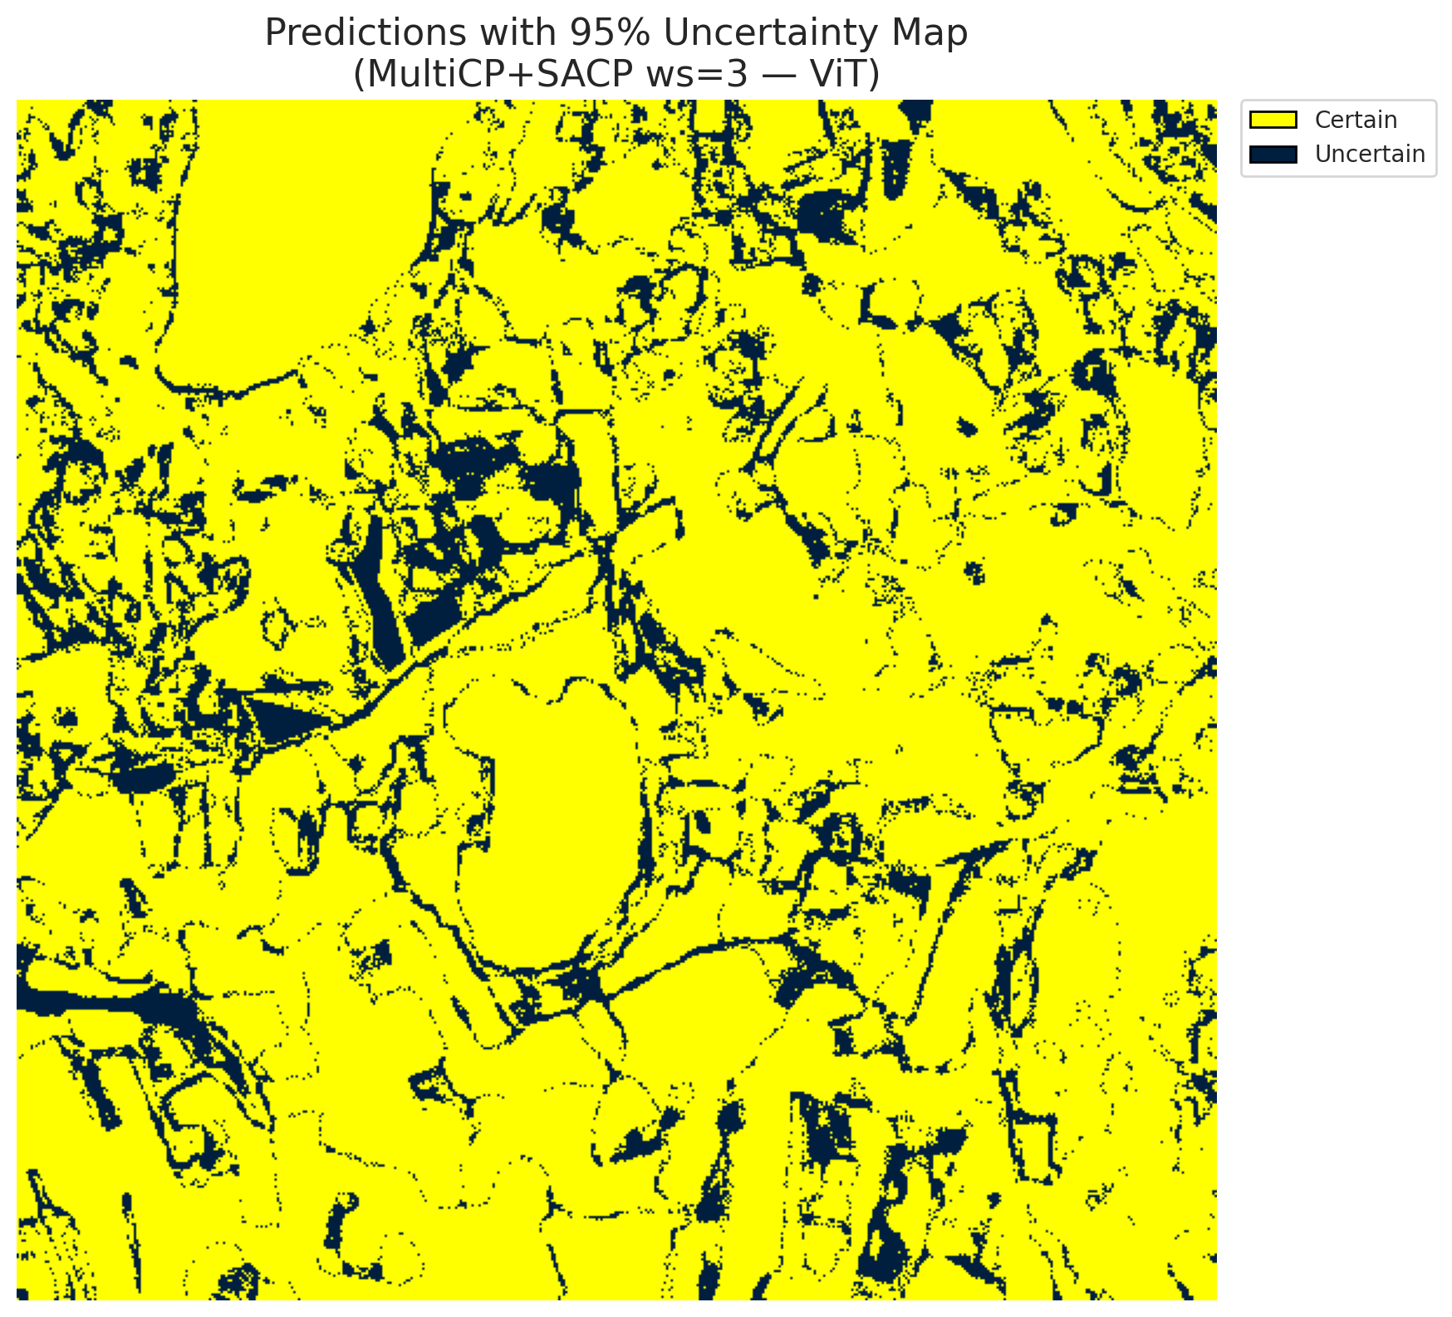
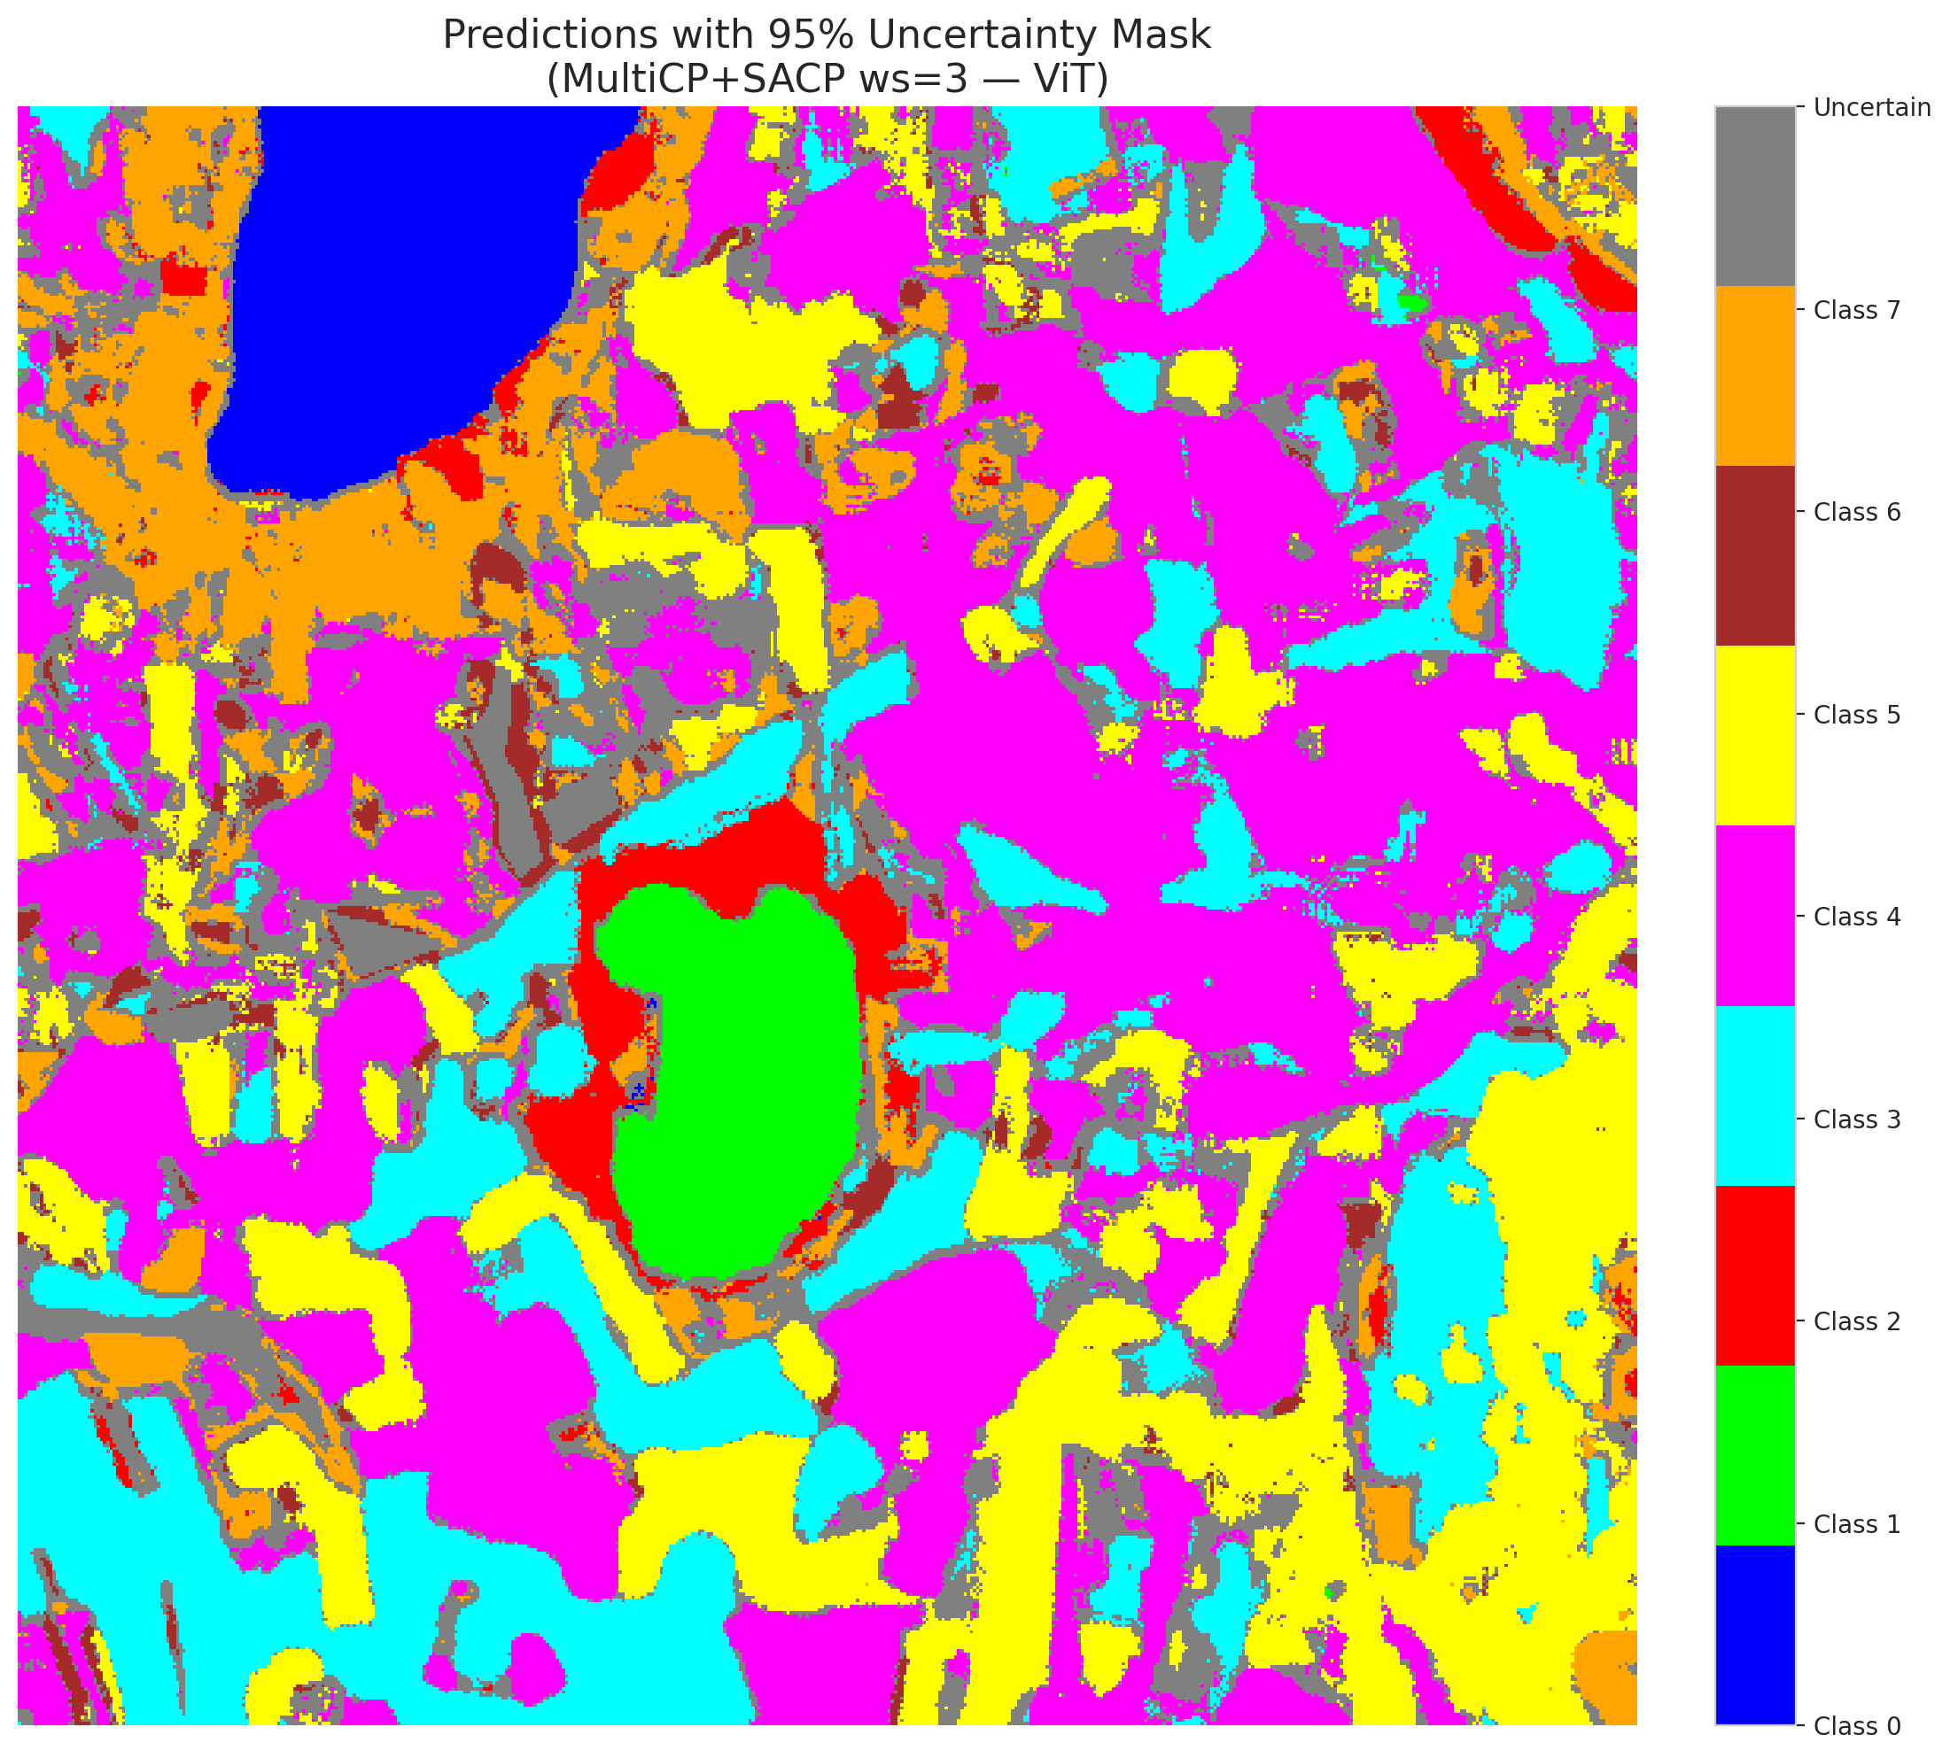
3 | 0.1127 | 0.5084 | 257 | 0.7671641791 | 5
4 | 0.5216 | 0.9595 | 227 | 0.6776119403 | 0
5 | 0.4419 | 0.2868 | 26 | 0.077611940299 | 3
6 | 0.181 | 0.5897 | 220 | 0.65671641791 | 3
7 | 0.2177 | 0.1724 | 175 | 0.5223880597 | 5
8 | 0.7513 | 0.6608 | 144 | 0.42985074627 | 3
9 | 0.868 | 0.189 | 22 | 0.065671641791 | 2
10 | 0.3041 | 0.1041 | 293 | 0.87462686567 | 0
11 | 0.854 | 0.142 | 192 | 0.57313432836 | 0
12 | 0.3492 | 0.226 | 186 | 0.5552238806 | 4
13 | 0.7813 | 0.2367 | 140 | 0.41791044776 | 1
14 | 0.4215 | 0.0813 | 4 | 0.011940298507 | 0
15 | 0.9541 | 0.1518 | 335 | 1 | 0
16 | 0.1147 | 0.7515 | 247 | 0.73731343284 | 4
17 | 0.1918 | 0.1721 | 106 | 0.31641791045 | 3
18 | 0.3816 | 0.5789 | 151 | 0.45074626866 | 5
19 | 0.6137 | 0.1692 | 34 | 0.10149253731 | 0
20 | 0.5744 | 0.5847 | 138 | 0.41194029851 | 1
21 | 0.7261 | 0.4187 | 166 | 0.49552238806 | 4
22 | 0.806 | 0.891 | 267 | 0.79701492537 | 2
23 | 0.3227 | 0.3821 | 81 | 0.24179104478 | 4
24 | 0.7783 | 0.7624 | 195 | 0.58208955224 | 0
25 | 0.8769 | 0.2979 | 55 | 0.16417910448 | 1
26 | 0.7434 | 0.8438 | 103 | 0.30746268657 | 0
27 | 0.7988 | 0.3962 | 92 | 0.27462686567 | 5
28 | 0.9383 | 0.8476 | 277 | 0.82686567164 | 5
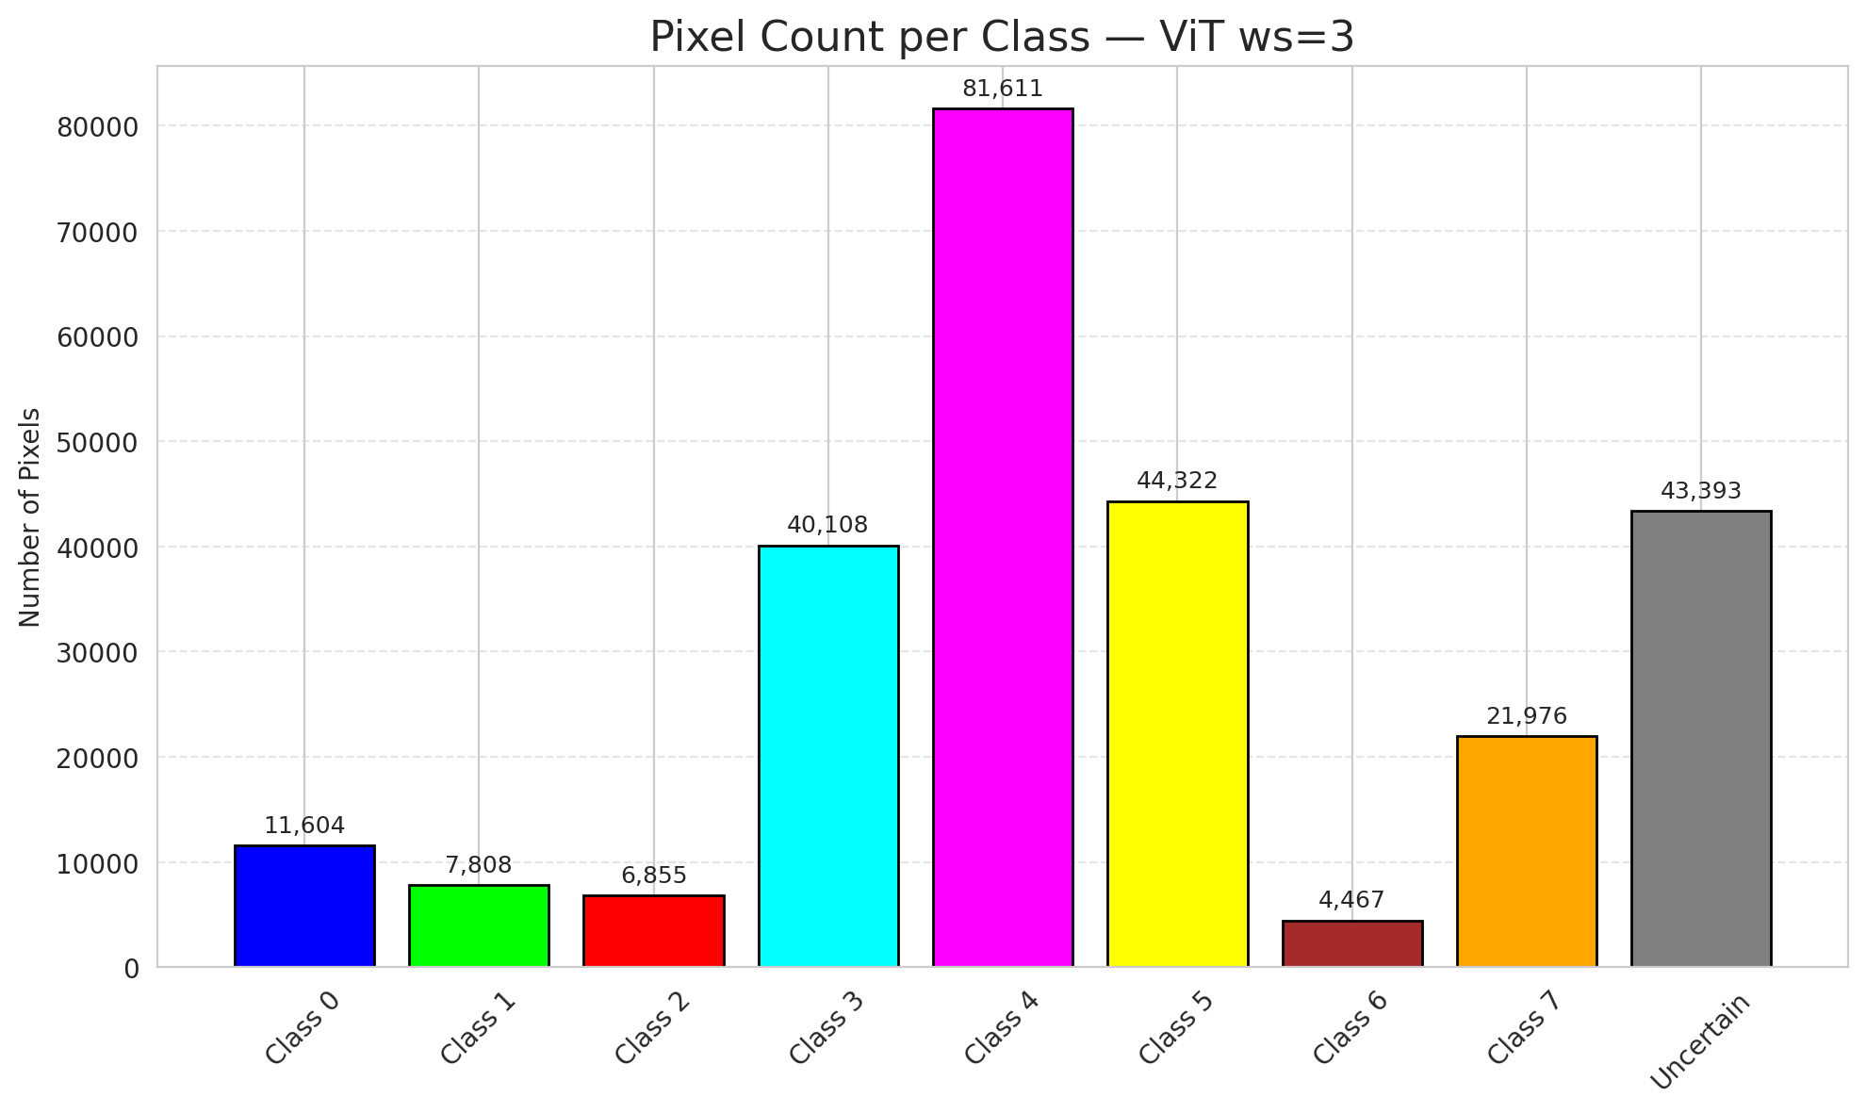
29 | 0.524 | 0.0716 | 64 | 0.19104477612 | 5
30 | 0.3798 | 0.3569 | 111 | 0.33134328358 | 3
31 | 0.1832 | 0.5499 | 56 | 0.1671641791 | 3
32 | 0.1421 | 0.4247 | 126 | 0.37611940299 | 3
33 | 0.8529 | 0.4919 | 72 | 0.21492537313 | 4
34 | 0.6886 | 0.8137 | 260 | 0.77611940299 | 4
35 | 0.3568 | 0.1353 | 24 | 0.071641791045 | 3
36 | 0.9157 | 0.9375 | 272 | 0.81194029851 | 4
37 | 0.8026 | 0.2195 | 133 | 0.39701492537 | 4
38 | 0.0447 | 0.154 | 221 | 0.65970149254 | 1
39 | 0.0605 | 0.9041 | 217 | 0.64776119403 | 1
40 | 0.1237 | 0.0835 | 254 | 0.75820895522 | 5
41 | 0.9686 | 0.7841 | 318 | 0.94925373134 | 1
42 | 0.386 | 0.3345 | 212 | 0.6328358209 | 0
43 | 0.5925 | 0.0577 | 50 | 0.14925373134 | 1
44 | 0.9314 | 0.5457 | 155 | 0.46268656716 | 5
45 | 0.4885 | 0.2031 | 191 | 0.57014925373 | 4
46 | 0.8775 | 0.1533 | 330 | 0.98507462687 | 4
47 | 0.2265 | 0.5648 | 13 | 0.038805970149 | 3
48 | 0.2403 | 0.1161 | 177 | 0.52835820896 | 1
49 | 0.1877 | 0.0313 | 150 | 0.44776119403 | 4
50 | 0.6289 | 0.9307 | 159 | 0.47462686567 | 3
51 | 0.5493 | 0.9075 | 173 | 0.51641791045 | 1
52 | 0.088 | 0.9487 | 51 | 0.15223880597 | 4
53 | 0.9232 | 0.7041 | 242 | 0.7223880597 | 4
54 | 0.0946 | 0.8661 | 183 | 0.54626865672 | 5
55 | 0.7901 | 0.3056 | 146 | 0.43582089552 | 0
56 | 0.6918 | 0.0726 | 307 | 0.91641791045 | 5
57 | 0.7737 | 0.9909 | 328 | 0.97910447761 | 5
58 | 0.4401 | 0.0878 | 321 | 0.95820895522 | 5
59 | 0.5728 | 0.2929 | 83 | 0.24776119403 | 4
60 | 0.1017 | 0.6355 | 86 | 0.25671641791 | 4
61 | 0.3205 | 0.1531 | 215 | 0.64179104478 | 5
62 | 0.7254 | 0.3586 | 42 | 0.12537313433 | 4
63 | 0.2084 | 0.4439 | 95 | 0.28358208955 | 7
64 | 0.9863 | 0.4797 | 258 | 0.77014925373 | 6
65 | 0.4173 | 0.3061 | 33 | 0.098507462687 | 1
66 | 0.388 | 0.0838 | 21 | 0.062686567164 | 4
67 | 0.2073 | 0.4707 | 323 | 0.96417910448 | 3
68 | 0.7156 | 0.552 | 168 | 0.50149253731 | 3
69 | 0.0764 | 0.6694 | 222 | 0.66268656716 | 5
70 | 0.4718 | 0.5561 | 89 | 0.26567164179 | 3
71 | 0.6302 | 0.4439 | 148 | 0.44179104478 | 4
72 | 0.3794 | 0.8049 | 115 | 0.34328358209 | 0
73 | 0.2151 | 0.6625 | 18 | 0.053731343284 | 3
74 | 0.8943 | 0.3411 | 93 | 0.2776119403 | 4
75 | 0.9488 | 0.2858 | 310 | 0.92537313433 | 0
76 | 0.6492 | 0.4527 | 11 | 0.032835820896 | 0
77 | 0.6085 | 0.635 | 269 | 0.80298507463 | 4
78 | 0.6887 | 0.4079 | 160 | 0.4776119403 | 1
79 | 0.6544 | 0.3865 | 44 | 0.13134328358 | 4
80 | 0.3048 | 0.712 | 174 | 0.51940298507 | 4
81 | 0.9577 | 0.5921 | 116 | 0.34626865672 | 0
82 | 0.6284 | 0.513 | 45 | 0.13432835821 | 3
83 | 0.387 | 0.9012 | 121 | 0.36119402985 | 5
84 | 0.7269 | 0.3875 | 169 | 0.50447761194 | 0
85 | 0.9623 | 0.3053 | 223 | 0.66567164179 | 5
86 | 0.1517 | 0.9957 | 182 | 0.54328358209 | 0
87 | 0.5968 | 0.8338 | 78 | 0.2328358209 | 3
88 | 0.6603 | 0.487 | 251 | 0.74925373134 | 0
89 | 0.9074 | 0.4813 | 20 | 0.059701492537 | 1
90 | 0.5875 | 0.9367 | 213 | 0.63582089552 | 4
91 | 0.7532 | 0.1573 | 91 | 0.27164179104 | 1
92 | 0.2408 | 0.3736 | 8 | 0.023880597015 | 5
93 | 0.9635 | 0.9734 | 137 | 0.40895522388 | 5
94 | 0.7464 | 0.2729 | 98 | 0.29253731343 | 1
95 | 0.8427 | 0.7017 | 264 | 0.78805970149 | 3
96 | 0.5625 | 0.9135 | 287 | 0.85671641791 | 4
97 | 0.5059 | 0.947 | 123 | 0.3671641791 | 0
98 | 0.9798 | 0.1966 | 57 | 0.17014925373 | 4
99 | 0.7251 | 0.2267 | 25 | 0.074626865672 | 1
100 | 0.6516 | 0.5665 | 266 | 0.79402985075 | 4
101 | 0.8085 | 0.5213 | 241 | 0.71940298507 | 1
102 | 0.2431 | 0.4607 | 108 | 0.3223880597 | 0
103 | 0.641 | 0.5169 | 124 | 0.37014925373 | 4
104 | 0.2084 | 0.0763 | 52 | 0.1552238806 | 3
105 | 0.0955 | 0.6555 | 77 | 0.22985074627 | 4
106 | 0.7631 | 0.7131 | 9 | 0.026865671642 | 4
107 | 0.7869 | 0.5153 | 145 | 0.4328358209 | 0
108 | 0.8091 | 0.8755 | 224 | 0.66865671642 | 3
109 | 0.2564 | 0.0246 | 228 | 0.68059701493 | 0
110 | 0.3609 | 0.3646 | 235 | 0.70149253731 | 5
111 | 0.7016 | 0.4766 | 281 | 0.83880597015 | 4
112 | 0.572 | 0.9258 | 80 | 0.23880597015 | 1
113 | 0.3553 | 0.55 | 16 | 0.04776119403 | 7
114 | 0.0984 | 0.1118 | 141 | 0.42089552239 | 4
115 | 0.6972 | 0.7736 | 231 | 0.68955223881 | 0
116 | 0.4217 | 0.627 | 162 | 0.48358208955 | 4
117 | 0.3612 | 0.99 | 87 | 0.25970149254 | 5
118 | 0.3121 | 0.1075 | 334 | 0.99701492537 | 4
119 | 0.4052 | 0.9341 | 311 | 0.92835820896 | 4
120 | 0.3194 | 0.6607 | 299 | 0.89253731343 | 3
121 | 0.5601 | 0.9165 | 100 | 0.29850746269 | 3
122 | 0.2085 | 0.5728 | 273 | 0.81492537313 | 4
123 | 0.7475 | 0.8884 | 201 | 0.6 | 4
124 | 0.8188 | 0.0588 | 62 | 0.18507462687 | 0
125 | 0.4899 | 0.9588 | 312 | 0.93134328358 | 0
126 | 0.7011 | 0.6954 | 240 | 0.71641791045 | 0
127 | 0.0518 | 0.0263 | 129 | 0.38507462687 | 4
128 | 0.3173 | 0.0307 | 96 | 0.28656716418 | 4
129 | 0.5616 | 0.5631 | 101 | 0.30149253731 | 4
130 | 0.6574 | 0.0448 | 178 | 0.53134328358 | 5
131 | 0.1024 | 0.1017 | 279 | 0.8328358209 | 3
132 | 0.4558 | 0.3517 | 315 | 0.94029850746 | 0
133 | 0.757 | 0.22 | 112 | 0.33432835821 | 1
134 | 0.5483 | 0.4886 | 250 | 0.74626865672 | 3
135 | 0.6313 | 0.0413 | 47 | 0.14029850746 | 4
136 | 0.3305 | 0.2286 | 131 | 0.39104477612 | 5
137 | 0.2103 | 0.4032 | 40 | 0.11940298507 | 3
138 | 0.7215 | 0.6507 | 255 | 0.76119402985 | 5
139 | 0.3234 | 0.1445 | 68 | 0.20298507463 | 7
140 | 0.9028 | 0.9365 | 154 | 0.45970149254 | 3
141 | 0.1047 | 0.0487 | 2 | 0.0059701492537 | 1
142 | 0.9054 | 0.3741 | 229 | 0.68358208955 | 0
143 | 0.5108 | 0.7512 | 136 | 0.40597014925 | 2
144 | 0.6362 | 0.6511 | 73 | 0.21791044776 | 2
145 | 0.7988 | 0.4152 | 211 | 0.62985074627 | 4
146 | 0.8458 | 0.1091 | 189 | 0.56417910448 | 0
147 | 0.198 | 0.6885 | 31 | 0.092537313433 | 1
148 | 0.0666 | 0.7655 | 163 | 0.48656716418 | 7
149 | 0.7638 | 0.132 | 66 | 0.19701492537 | 7
150 | 0.4875 | 0.3342 | 23 | 0.068656716418 | 5
151 | 0.791 | 0.7317 | 41 | 0.1223880597 | 0
152 | 0.2665 | 0.692 | 105 | 0.31343283582 | 2
153 | 0.1279 | 0.1871 | 15 | 0.044776119403 | 0
154 | 0.7812 | 0.6598 | 226 | 0.67462686567 | 3
155 | 0.4546 | 0.9675 | 249 | 0.74328358209 | 3
156 | 0.1292 | 0.1262 | 132 | 0.39402985075 | 4
157 | 0.9068 | 0.6127 | 309 | 0.9223880597 | 0
158 | 0.2465 | 0.9569 | 259 | 0.77313432836 | 1
159 | 0.3055 | 0.8053 | 275 | 0.82089552239 | 3
160 | 0.1792 | 0.2743 | 324 | 0.9671641791 | 3
161 | 0.539 | 0.1422 | 198 | 0.59104477612 | 4
162 | 0.0126 | 0.8146 | 171 | 0.51044776119 | 0
163 | 0.8663 | 0.8428 | 248 | 0.74029850746 | 0
164 | 0.2835 | 0.2556 | 114 | 0.34029850746 | 0
165 | 0.2606 | 0.1419 | 134 | 0.4 | 0
166 | 0.2425 | 0.5748 | 27 | 0.080597014925 | 0
167 | 0.0694 | 0.6205 | 102 | 0.30447761194 | 4
168 | 0.7425 | 0.3631 | 97 | 0.28955223881 | 4
169 | 0.9428 | 0.6964 | 291 | 0.86865671642 | 0
170 | 0.775 | 0.4173 | 333 | 0.99402985075 | 5
171 | 0.9271 | 0.9358 | 94 | 0.28059701493 | 5
172 | 0.4034 | 0.5595 | 326 | 0.97313432836 | 0
173 | 0.9105 | 0.2144 | 79 | 0.23582089552 | 5
174 | 0.2984 | 0.5893 | 0 | 0 | 0
175 | 0.6041 | 0.9123 | 210 | 0.62686567164 | 1
176 | 0.513 | 0.1967 | 265 | 0.79104477612 | 0
177 | 0.4119 | 0.9404 | 76 | 0.22686567164 | 3
178 | 0.4491 | 0.227 | 19 | 0.05671641791 | 4
179 | 0.9055 | 0.5844 | 199 | 0.59402985075 | 4
180 | 0.2394 | 0.2521 | 120 | 0.35820895522 | 7
181 | 0.3578 | 0.1117 | 167 | 0.49850746269 | 1
182 | 0.5933 | 0.5181 | 325 | 0.97014925373 | 4
183 | 0.659 | 0.9294 | 152 | 0.45373134328 | 5
184 | 0.5844 | 0.8278 | 7 | 0.020895522388 | 4
185 | 0.7586 | 0.7508 | 331 | 0.98805970149 | 3
186 | 0.4703 | 0.9693 | 196 | 0.58507462687 | 5
187 | 0.4526 | 0.4983 | 135 | 0.40298507463 | 3
188 | 0.8676 | 0.0203 | 219 | 0.65373134328 | 4
189 | 0.5013 | 0.8016 | 74 | 0.22089552239 | 3
190 | 0.1116 | 0.9864 | 37 | 0.11044776119 | 4
191 | 0.6607 | 0.8673 | 54 | 0.16119402985 | 3
192 | 0.756 | 0.8456 | 180 | 0.53731343284 | 4
193 | 0.6137 | 0.8322 | 156 | 0.46567164179 | 0
194 | 0.0158 | 0.0705 | 170 | 0.50746268657 | 3
195 | 0.1733 | 0.2904 | 332 | 0.99104477612 | 7
196 | 0.3672 | 0.1816 | 276 | 0.82388059701 | 3
197 | 0.3886 | 0.4574 | 218 | 0.65074626866 | 5
198 | 0.2393 | 0.4197 | 104 | 0.31044776119 | 0
199 | 0.5918 | 0.8717 | 29 | 0.086567164179 | 4
200 | 0.5379 | 0.3232 | 262 | 0.78208955224 | 0
201 | 0.2905 | 0.9529 | 200 | 0.59701492537 | 0
202 | 0.018 | 0.0938 | 300 | 0.89552238806 | 5
203 | 0.3894 | 0.3036 | 245 | 0.73134328358 | 6
204 | 0.7299 | 0.4604 | 147 | 0.43880597015 | 4
205 | 0.2814 | 0.5128 | 109 | 0.32537313433 | 0
206 | 0.0872 | 0.1008 | 110 | 0.32835820896 | 4
207 | 0.5839 | 0.1132 | 190 | 0.5671641791 | 4
208 | 0.1756 | 0.197 | 314 | 0.93731343284 | 0
209 | 0.2234 | 0.6748 | 230 | 0.68656716418 | 4
210 | 0.3742 | 0.7496 | 82 | 0.2447761194 | 0
211 | 0.0333 | 0.6455 | 99 | 0.29552238806 | 1
212 | 0.4214 | 0.5413 | 203 | 0.60597014925 | 1
213 | 0.9084 | 0.2072 | 70 | 0.20895522388 | 5
214 | 0.4145 | 0.5006 | 303 | 0.90447761194 | 4
215 | 0.0826 | 0.6957 | 119 | 0.3552238806 | 3
216 | 0.1872 | 0.6657 | 117 | 0.34925373134 | 5
217 | 0.9226 | 0.7859 | 208 | 0.62089552239 | 0
218 | 0.885 | 0.0931 | 107 | 0.31940298507 | 3
219 | 0.1757 | 0.8744 | 232 | 0.69253731343 | 3
220 | 0.184 | 0.8854 | 290 | 0.86567164179 | 4
221 | 0.459 | 0.6558 | 157 | 0.46865671642 | 3
222 | 0.9601 | 0.5243 | 243 | 0.72537313433 | 4
223 | 0.7779 | 0.3234 | 3 | 0.0089552238806 | 7
224 | 0.9747 | 0.3571 | 237 | 0.70746268657 | 3
225 | 0.25 | 0.4607 | 261 | 0.77910447761 | 3
226 | 0.2813 | 0.4905 | 71 | 0.21194029851 | 3
227 | 0.8723 | 0.9196 | 184 | 0.54925373134 | 0
228 | 0.2444 | 0.3408 | 118 | 0.35223880597 | 3
229 | 0.2565 | 0.4299 | 284 | 0.84776119403 | 0
230 | 0.5616 | 0.7034 | 280 | 0.83582089552 | 0
231 | 0.9714 | 0.8867 | 268 | 0.8 | 0
232 | 0.1502 | 0.2952 | 187 | 0.55820895522 | 7
233 | 0.4325 | 0.9178 | 327 | 0.97611940299 | 5
234 | 0.8837 | 0.4534 | 298 | 0.88955223881 | 4
235 | 0.5506 | 0.574 | 67 | 0.2 | 5
236 | 0.2457 | 0.292 | 10 | 0.029850746269 | 6
237 | 0.579 | 0.179 | 139 | 0.41492537313 | 2
238 | 0.5459 | 0.845 | 48 | 0.14328358209 | 5
239 | 0.9177 | 0.9862 | 274 | 0.81791044776 | 6
240 | 0.215 | 0.6369 | 286 | 0.85373134328 | 4
241 | 0.9822 | 0.6772 | 84 | 0.25074626866 | 4
242 | 0.2201 | 0.8918 | 75 | 0.22388059701 | 3
243 | 0.057 | 0.7515 | 320 | 0.9552238806 | 3
244 | 0.3162 | 0.2798 | 172 | 0.51343283582 | 3
245 | 0.3997 | 0.5501 | 317 | 0.94626865672 | 4
246 | 0.2116 | 0.0703 | 158 | 0.47164179104 | 6
247 | 0.7175 | 0.6303 | 53 | 0.15820895522 | 0
248 | 0.3425 | 0.6757 | 149 | 0.4447761194 | 4
249 | 0.1699 | 0.7676 | 233 | 0.69552238806 | 3
250 | 0.2467 | 0.9864 | 282 | 0.84179104478 | 2
251 | 0.9259 | 0.4963 | 263 | 0.78507462687 | 4
252 | 0.8585 | 0.7174 | 176 | 0.52537313433 | 0
253 | 0.3483 | 0.3206 | 30 | 0.089552238806 | 0
254 | 0.7698 | 0.8712 | 143 | 0.42686567164 | 5
255 | 0.5821 | 0.542 | 65 | 0.19402985075 | 5
256 | 0.3794 | 0.5327 | 271 | 0.80895522388 | 0
257 | 0.593 | 0.5338 | 209 | 0.62388059701 | 3
258 | 0.7215 | 0.6724 | 188 | 0.56119402985 | 5
259 | 0.3172 | 0.6664 | 252 | 0.75223880597 | 4
260 | 0.9048 | 0.1675 | 43 | 0.12835820896 | 0
261 | 0.6309 | 0.5746 | 292 | 0.87164179104 | 4
262 | 0.7438 | 0.8935 | 128 | 0.38208955224 | 4
263 | 0.7943 | 0.1401 | 238 | 0.71044776119 | 4
264 | 0.409 | 0.9845 | 193 | 0.57611940299 | 3
265 | 0.3098 | 0.2133 | 253 | 0.7552238806 | 1
266 | 0.6329 | 0.3459 | 122 | 0.36417910448 | 3
267 | 0.9338 | 0.9531 | 283 | 0.8447761194 | 2
268 | 0.9459 | 0.5679 | 234 | 0.69850746269 | 4
269 | 0.8187 | 0.9037 | 214 | 0.63880597015 | 4
270 | 0.6009 | 0.4775 | 85 | 0.25373134328 | 0
271 | 0.752 | 0.7211 | 69 | 0.20597014925 | 0
272 | 0.4489 | 0.1818 | 59 | 0.17611940299 | 4
273 | 0.1722 | 0.4243 | 142 | 0.42388059701 | 0
274 | 0.4106 | 0.2726 | 329 | 0.98208955224 | 0
275 | 0.5078 | 0.8082 | 179 | 0.53432835821 | 1
276 | 0.4907 | 0.6044 | 289 | 0.86268656716 | 6
277 | 0.9001 | 0.8417 | 35 | 0.10447761194 | 1
278 | 0.5575 | 0.1616 | 161 | 0.48059701493 | 7
279 | 0.7327 | 0.8637 | 270 | 0.80597014925 | 0
280 | 0.7247 | 0.541 | 46 | 0.13731343284 | 4
281 | 0.5633 | 0.8568 | 197 | 0.58805970149 | 4
282 | 0.2798 | 0.4172 | 225 | 0.67164179104 | 3
283 | 0.2821 | 0.1471 | 14 | 0.041791044776 | 0
284 | 0.8436 | 0.0742 | 6 | 0.017910447761 | 3
285 | 0.1498 | 0.2658 | 313 | 0.93432835821 | 4
286 | 0.7918 | 0.3026 | 165 | 0.49253731343 | 3
287 | 0.6882 | 0.996 | 113 | 0.33731343284 | 4
288 | 0.8181 | 0.4838 | 5 | 0.014925373134 | 5
289 | 0.0189 | 0.2263 | 49 | 0.14626865672 | 3
290 | 0.4454 | 0.1269 | 288 | 0.85970149254 | 5
291 | 0.703 | 0.3982 | 306 | 0.91343283582 | 2
292 | 0.6462 | 0.7429 | 88 | 0.26268656716 | 3
293 | 0.7322 | 0.1993 | 125 | 0.37313432836 | 3
294 | 0.1477 | 0.0797 | 301 | 0.89850746269 | 3
295 | 0.0202 | 0.0473 | 308 | 0.91940298507 | 3
296 | 0.0052 | 0.2405 | 207 | 0.61791044776 | 7
297 | 0.1206 | 0.9198 | 63 | 0.18805970149 | 6
298 | 0.4432 | 0.1815 | 32 | 0.09552238806 | 3
299 | 0.3112 | 0.7116 | 185 | 0.55223880597 | 4
300 | 0.0925 | 0.1057 | 61 | 0.18208955224 | 4
301 | 0.1558 | 0.5623 | 294 | 0.8776119403 | 1
302 | 0.3191 | 0.9142 | 302 | 0.90149253731 | 2
303 | 0.6211 | 0.0438 | 319 | 0.95223880597 | 4
304 | 0.5755 | 0.1149 | 244 | 0.72835820896 | 0
305 | 0.7344 | 0.0065 | 305 | 0.91044776119 | 0
306 | 0.3571 | 0.8526 | 39 | 0.11641791045 | 5
307 | 0.7607 | 0.4259 | 164 | 0.48955223881 | 4
308 | 0.033 | 0.4603 | 256 | 0.76417910448 | 0
309 | 0.6309 | 0.723 | 322 | 0.96119402985 | 0
310 | 0.4864 | 0.9793 | 205 | 0.61194029851 | 4
311 | 0.5619 | 0.2677 | 58 | 0.17313432836 | 4
312 | 0.4676 | 0.6518 | 295 | 0.88059701493 | 1
313 | 0.322 | 0.9299 | 246 | 0.73432835821 | 3
314 | 0.7472 | 0.4236 | 12 | 0.035820895522 | 0
315 | 0.5315 | 0.8412 | 216 | 0.6447761194 | 3
316 | 0.0847 | 0.153 | 153 | 0.45671641791 | 3
317 | 0.9279 | 0.9507 | 304 | 0.90746268657 | 0
318 | 0.3752 | 0.8622 | 194 | 0.57910447761 | 3
319 | 0.4844 | 0.6115 | 204 | 0.60895522388 | 0
320 | 0.0505 | 0.3211 | 90 | 0.26865671642 | 1
321 | 0.1945 | 0.905 | 236 | 0.70447761194 | 3
322 | 0.2193 | 0.3907 | 278 | 0.82985074627 | 4
323 | 0.0706 | 0.6035 | 181 | 0.54029850746 | 3
324 | 0.5829 | 0.6635 | 130 | 0.38805970149 | 0
325 | 0.1307 | 0.4065 | 1 | 0.0029850746269 | 0
326 | 0.1558 | 0.3249 | 297 | 0.88656716418 | 5
327 | 0.4283 | 0.1663 | 60 | 0.17910447761 | 1
328 | 0.9784 | 0.3835 | 202 | 0.60298507463 | 4
329 | 0.3464 | 0.2954 | 206 | 0.61492537313 | 3
330 | 0.8708 | 0.5924 | 296 | 0.88358208955 | 0
331 | 0.4405 | 0.7279 | 316 | 0.94328358209 | 1
332 | 0.4576 | 0.729 | 285 | 0.85074626866 | 3
333 | 0.4843 | 0.8958 | 38 | 0.11343283582 | 4
334 | 0.9318 | 0.0972 | 17 | 0.050746268657 | 1
335 | 0.4793 | 0.8207 | 127 | 0.37910447761 | 3

ViT_SAPS_ws3
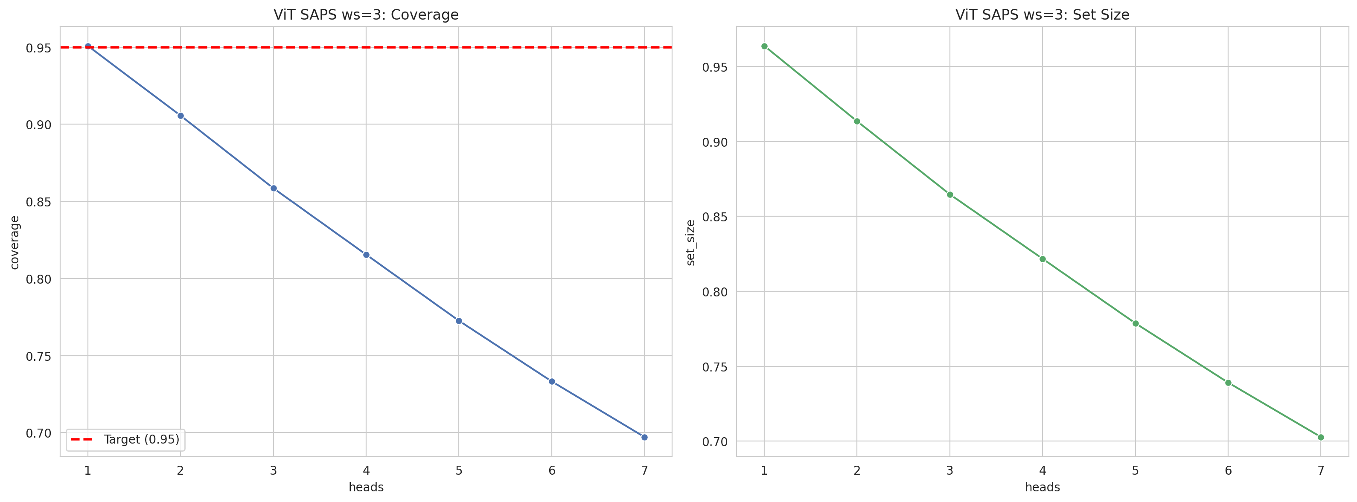
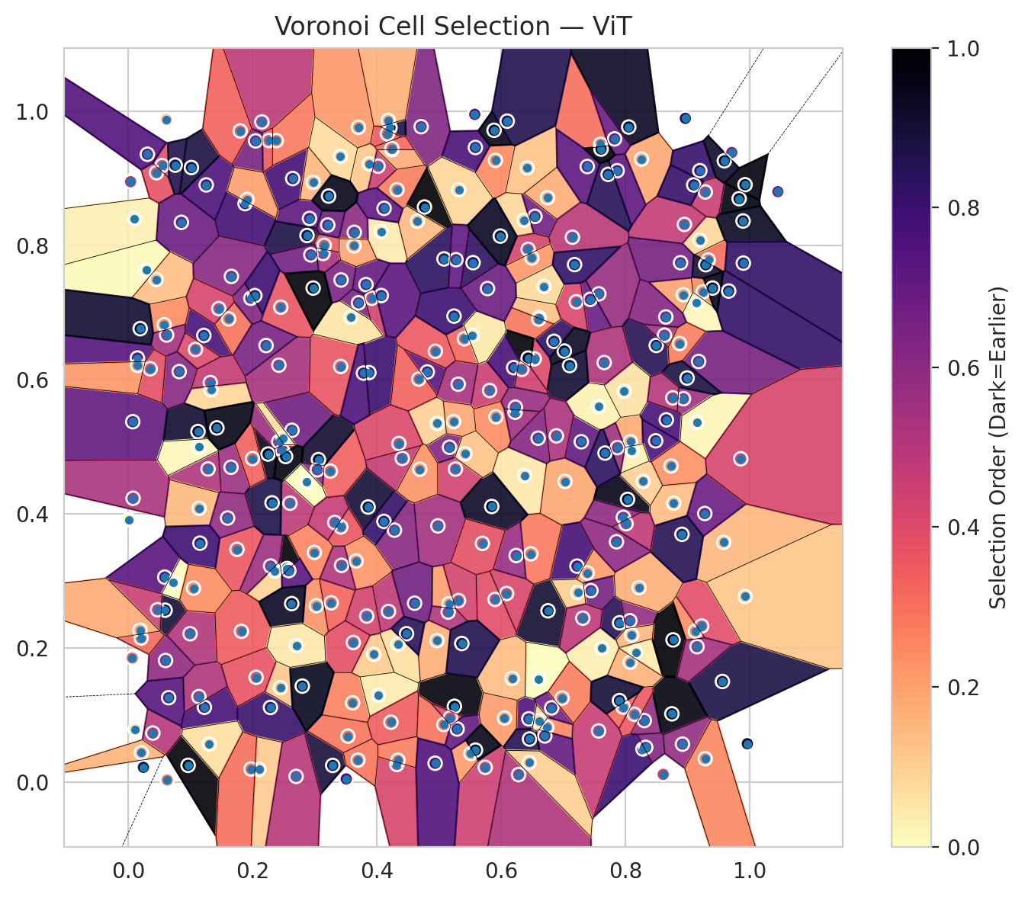
model_key | ViT_UNet_MultiHead
model_name | ViT
scoring_method | SAPS
window_size | 3
lambda | 0.5
k_iters | 1
empirical_coverage | 0.697194597
avg_set_size | 0.70268665578
scene_coverage | 0.15478603388
scene_avg_set_size | 0.93175563905
uncertain_pixel_rate | 0.11904144287
mean_per_class_cov | 0.70630747554
runtime_sec | 98.552964264
alpha | 0.05

heads | coverage | set_size |  |  | class_id | class_coverage | support_count | Class | Pixels
1 | 0.95086833902 | 0.96393053288 |  |  | 0 | 0.68914473684 | 1216 | Class 0 | 11687
2 | 0.90559596259 | 0.91361139973 |  |  | 1 | 0.70738636364 | 704 | Class 1 | 7956
3 | 0.85854237791 | 0.8647766068 |  |  | 2 | 0.68551236749 | 283 | Class 2 | 7175
4 | 0.8154965118 | 0.82173074069 |  |  | 3 | 0.69377289377 | 1365 | Class 3 | 41674
5 | 0.77259907971 | 0.77868487457 |  |  | 4 | 0.68176100629 | 1590 | Class 4 | 85610
6 | 0.73326406412 | 0.73905299095 |  |  | 5 | 0.70538243626 | 1059 | Class 5 | 46771
7 | 0.697194597 | 0.70268665578 |  |  | 6 | 0.725 | 200 | Class 6 | 5388
 |  |  |  |  | 7 | 0.7625 | 320 | Class 7 | 24677
 |  |  |  |  |  |  |  | Uncertain | 31206
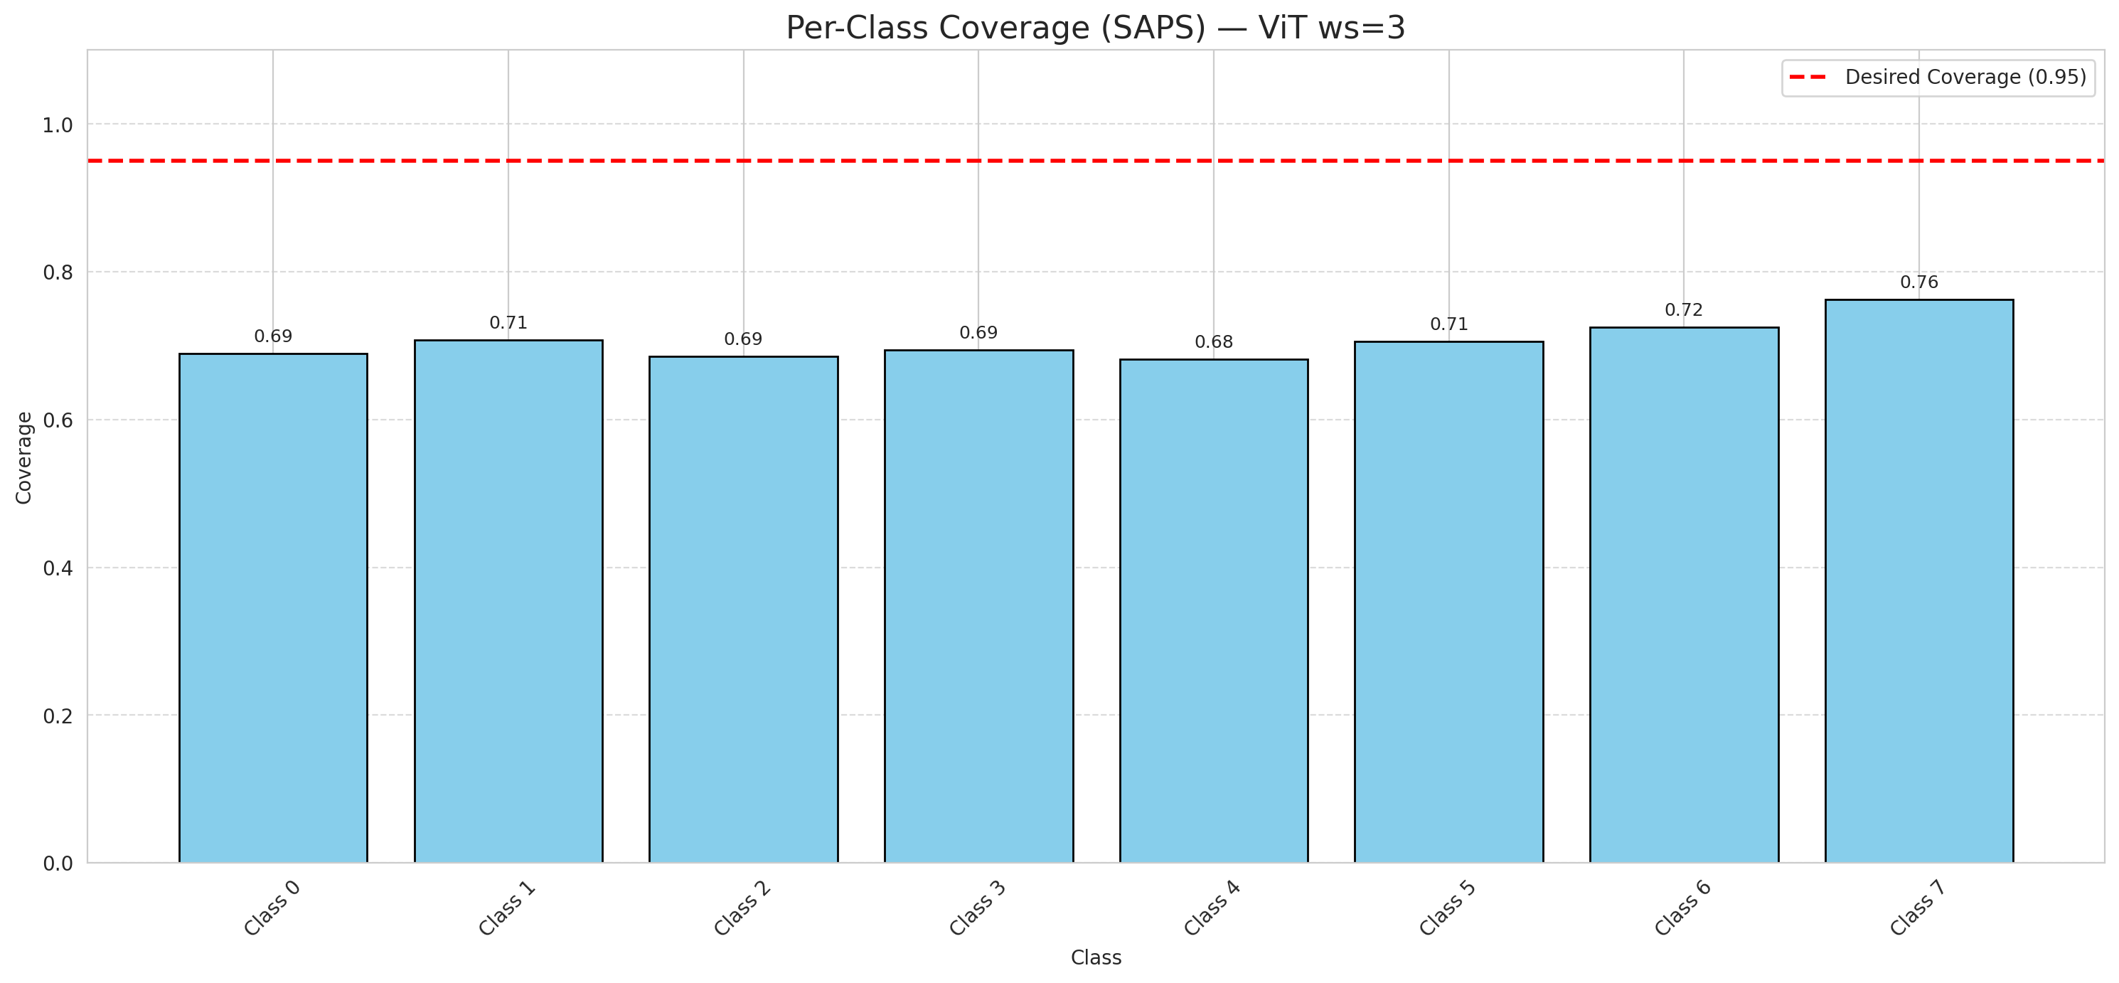

Cell Index | s1 | s2 | Selection_Order | Norm_Order(0-1) | Target
0 | 0.0075 | 0.5377 | 239 | 0.71343283582 | 5
1 | 0.5159 | 0.2663 | 67 | 0.2 | 0
2 | 0.4337 | 0.2062 | 22 | 0.065671641791 | 2
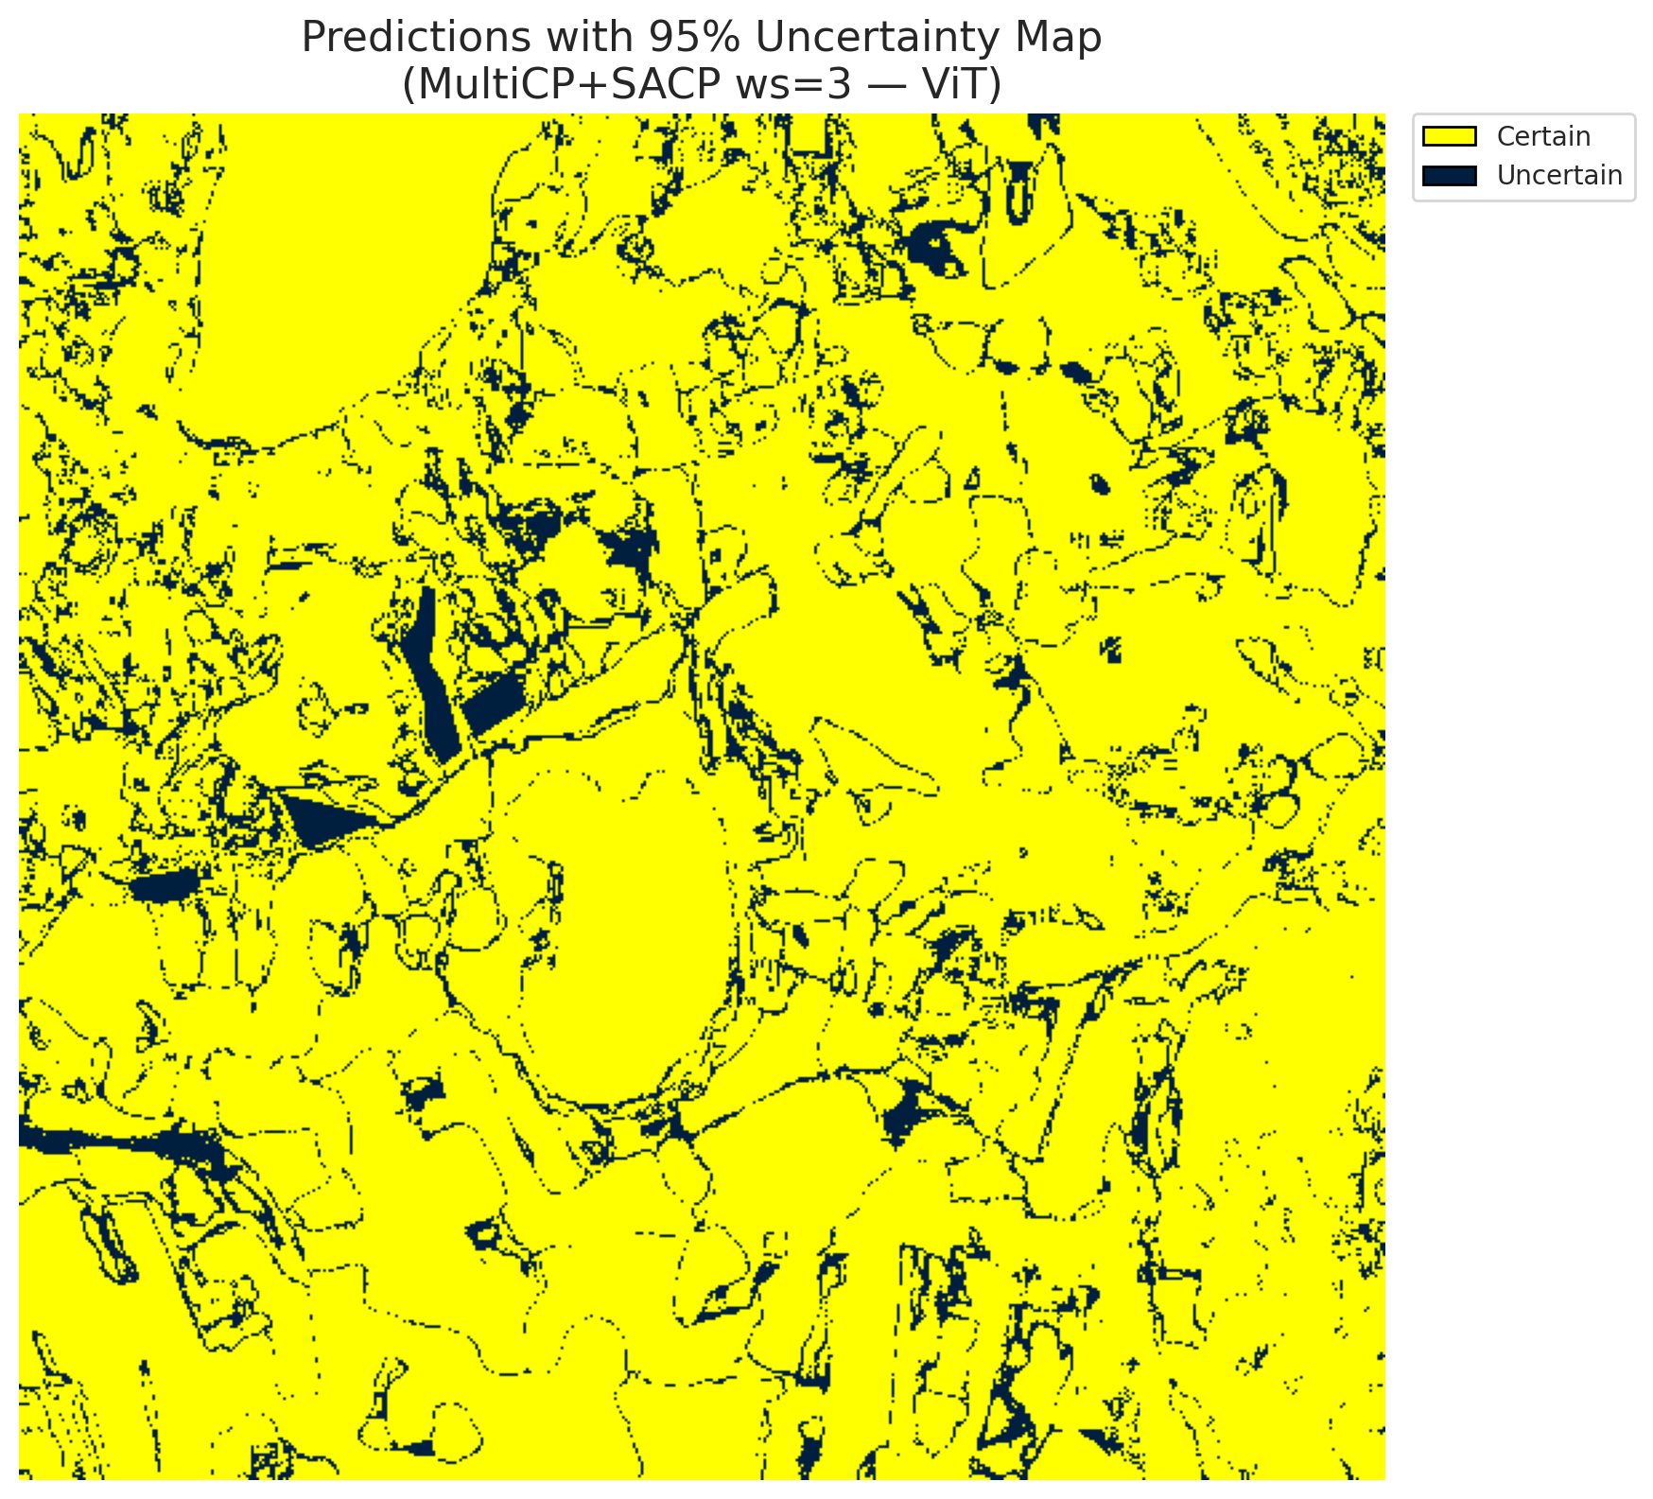
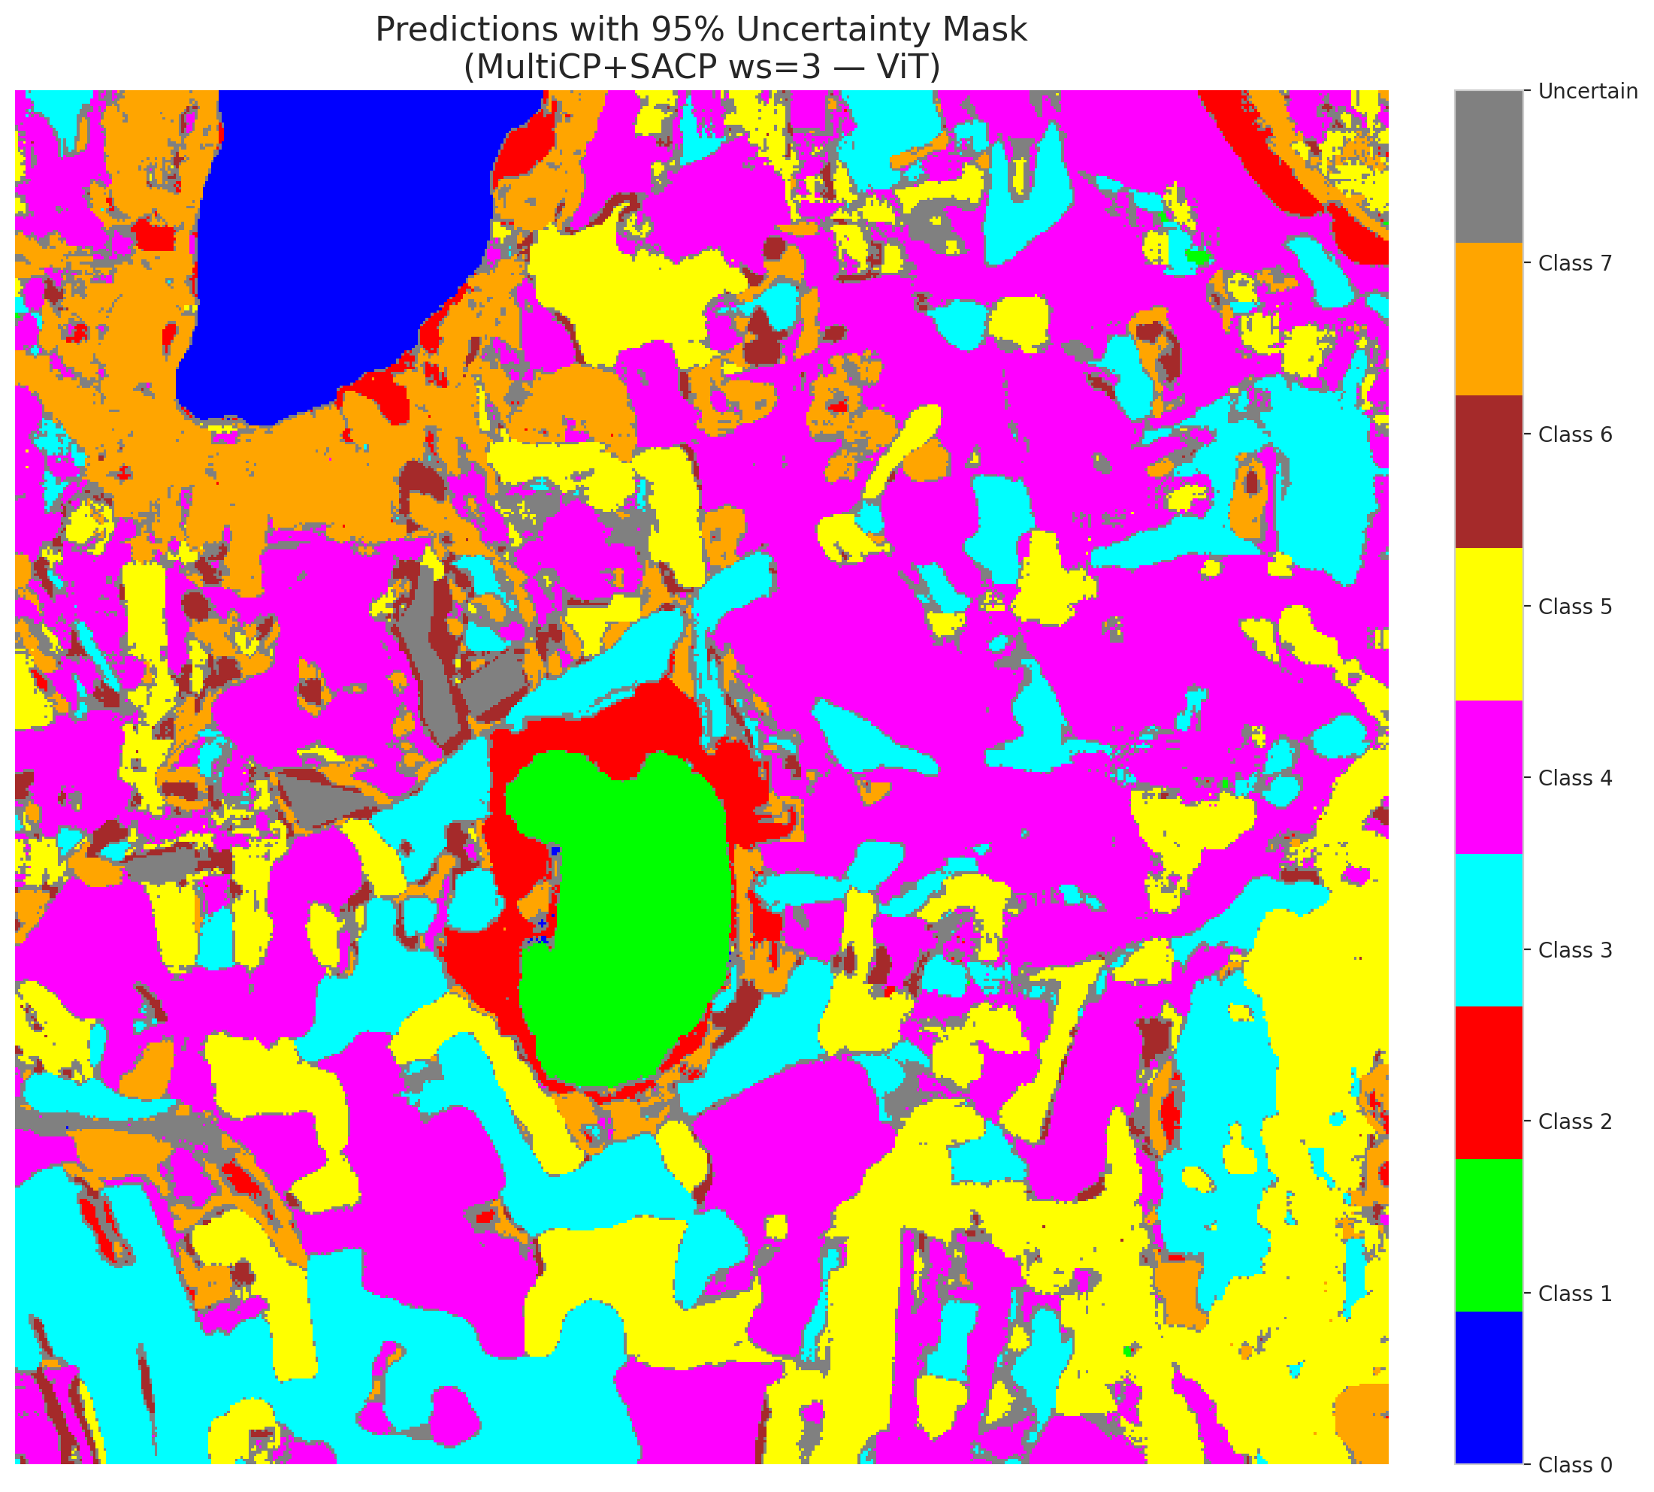
3 | 0.3879 | 0.922 | 38 | 0.11343283582 | 5
4 | 0.1218 | 0.6663 | 260 | 0.77611940299 | 0
5 | 0.8255 | 0.9291 | 63 | 0.18805970149 | 3
6 | 0.2603 | 0.4162 | 162 | 0.48358208955 | 3
7 | 0.6365 | 0.838 | 28 | 0.083582089552 | 5
8 | 0.9825 | 0.8702 | 326 | 0.97313432836 | 3
9 | 0.7569 | 0.7283 | 193 | 0.57611940299 | 2
10 | 0.6752 | 0.2558 | 304 | 0.90746268657 | 0
11 | 0.83 | 0.0922 | 197 | 0.58805970149 | 0
12 | 0.6373 | 0.4577 | 16 | 0.04776119403 | 4
13 | 0.3705 | 0.7149 | 214 | 0.63880597015 | 1
14 | 0.5264 | 0.467 | 146 | 0.43582089552 | 0
15 | 0.7025 | 0.4486 | 62 | 0.18507462687 | 0
16 | 0.1881 | 0.8628 | 262 | 0.78208955224 | 4
17 | 0.1655 | 0.4698 | 189 | 0.56417910448 | 3
18 | 0.2251 | 0.4895 | 320 | 0.9552238806 | 5
19 | 0.8279 | 0.0497 | 268 | 0.8 | 0
20 | 0.7597 | 0.9513 | 101 | 0.30149253731 | 1
21 | 0.1286 | 0.4672 | 172 | 0.51343283582 | 4
22 | 0.6542 | 0.8438 | 224 | 0.66865671642 | 2
23 | 0.4982 | 0.3824 | 183 | 0.54626865672 | 4
24 | 0.0616 | 0.988 | 41 | 0.1223880597 | 0
25 | 0.3859 | 0.4105 | 301 | 0.89850746269 | 1
26 | 0.5742 | 0.0224 | 148 | 0.44179104478 | 0
27 | 0.8076 | 0.5079 | 60 | 0.17910447761 | 5
28 | 0.6432 | 0.7947 | 142 | 0.42388059701 | 5
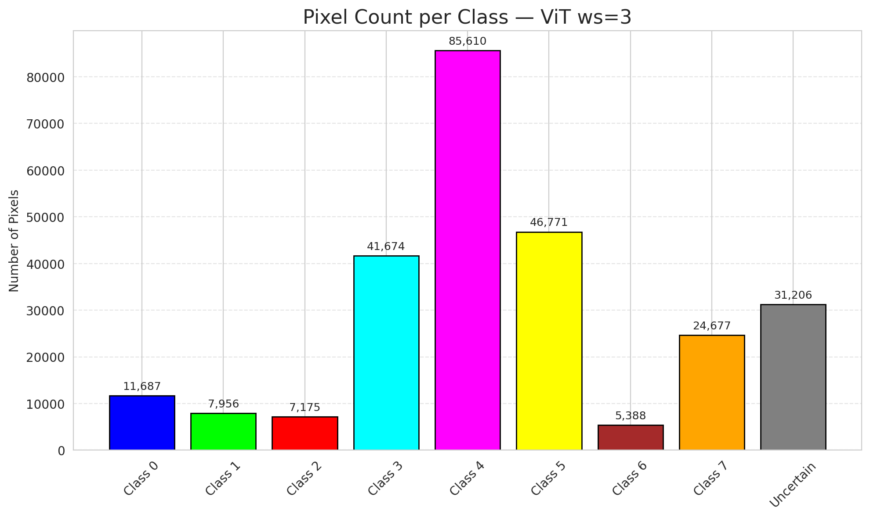
29 | 0.796 | 0.1122 | 105 | 0.31343283582 | 5
30 | 0.3873 | 0.6109 | 269 | 0.80298507463 | 3
31 | 0.59 | 0.2728 | 130 | 0.38805970149 | 3
32 | 0.8031 | 0.4219 | 321 | 0.95820895522 | 3
33 | 0.4283 | 0.376 | 204 | 0.60895522388 | 4
34 | 0.4322 | 0.0267 | 141 | 0.42089552239 | 4
35 | 0.0965 | 0.0254 | 332 | 0.99104477612 | 3
36 | 0.5813 | 0.5842 | 151 | 0.45074626866 | 4
37 | 0.2557 | 0.3188 | 333 | 0.99402985075 | 4
38 | 0.9329 | 0.7789 | 103 | 0.30746268657 | 1
39 | 0.6733 | 0.0821 | 86 | 0.25671641791 | 1
40 | 0.0103 | 0.8406 | 10 | 0.029850746269 | 5
41 | 0.9556 | 0.1504 | 293 | 0.87462686567 | 1
42 | 0.2635 | 0.5249 | 226 | 0.67462686567 | 0
43 | 0.342 | 0.3808 | 123 | 0.3671641791 | 1
44 | 0.4324 | 0.8836 | 92 | 0.27462686567 | 5
45 | 0.6531 | 0.6314 | 136 | 0.40597014925 | 4
46 | 0.1333 | 0.5851 | 30 | 0.089552238806 | 4
47 | 0.4114 | 0.3891 | 273 | 0.81492537313 | 3
48 | 0.5906 | 0.9273 | 83 | 0.24776119403 | 1
49 | 0.6848 | 0.6575 | 277 | 0.82686567164 | 4
50 | 0.661 | 0.6929 | 44 | 0.13134328358 | 3
51 | 0.4712 | 0.9775 | 210 | 0.62686567164 | 1
52 | 0.3949 | 0.1909 | 36 | 0.10746268657 | 4
53 | 0.9957 | 0.0576 | 309 | 0.9223880597 | 4
54 | 0.3027 | 0.2633 | 77 | 0.22985074627 | 5
55 | 0.4019 | 0.9186 | 149 | 0.4447761194 | 0
56 | 0.8654 | 0.5405 | 258 | 0.77014925373 | 5
57 | 0.059 | 0.306 | 244 | 0.72835820896 | 5
58 | 0.9193 | 0.9119 | 272 | 0.81194029851 | 5
59 | 0.6444 | 0.0947 | 252 | 0.75223880597 | 4
60 | 0.7218 | 0.3224 | 261 | 0.77910447761 | 4
61 | 0.0246 | 0.0224 | 296 | 0.88358208955 | 5
62 | 0.9246 | 0.7313 | 85 | 0.25373134328 | 4
63 | 0.7616 | 0.2 | 11 | 0.032835820896 | 7
64 | 0.8492 | 0.6514 | 286 | 0.85373134328 | 6
65 | 0.4187 | 0.2548 | 159 | 0.47462686567 | 1
66 | 0.0595 | 0.2567 | 302 | 0.90149253731 | 4
67 | 0.9193 | 0.8085 | 27 | 0.080597014925 | 3
68 | 0.7903 | 0.2379 | 285 | 0.85074626866 | 3
69 | 0.2424 | 0.622 | 179 | 0.53432835821 | 5
70 | 0.4242 | 0.9431 | 59 | 0.17611940299 | 3
71 | 0.6417 | 0.9161 | 43 | 0.12835820896 | 4
72 | 0.2647 | 0.9002 | 263 | 0.78507462687 | 0
73 | 0.3667 | 0.33 | 75 | 0.22388059701 | 3
74 | 0.5511 | 0.0431 | 69 | 0.20597014925 | 4
75 | 0.4211 | 0.9761 | 295 | 0.88059701493 | 0
76 | 0.3252 | 0.464 | 113 | 0.33731343284 | 0
77 | 0.8625 | 0.6667 | 184 | 0.54925373134 | 4
78 | 0.3266 | 0.2677 | 108 | 0.3223880597 | 1
79 | 0.3134 | 0.7885 | 178 | 0.53134328358 | 4
80 | 0.8162 | 0.194 | 14 | 0.041791044776 | 4
81 | 0.2423 | 0.508 | 192 | 0.57313432836 | 0
82 | 0.1617 | 0.6909 | 99 | 0.29552238806 | 3
83 | 0.2455 | 0.7084 | 122 | 0.36417910448 | 5
84 | 0.1142 | 0.4085 | 49 | 0.14626865672 | 0
85 | 0.6602 | 0.6907 | 96 | 0.28656716418 | 5
86 | 0.7383 | 0.3123 | 71 | 0.21194029851 | 0
87 | 0.0293 | 0.7638 | 3 | 0.0089552238806 | 3
88 | 0.6745 | 0.8717 | 58 | 0.17313432836 | 0
89 | 0.8068 | 0.241 | 196 | 0.58507462687 | 1
90 | 0.9121 | 0.2255 | 82 | 0.2447761194 | 4
91 | 0.4811 | 0.6119 | 247 | 0.73731343284 | 1
92 | 0.5584 | 0.9465 | 257 | 0.7671641791 | 5
93 | 0.5168 | 0.4996 | 212 | 0.6328358209 | 5
94 | 0.2358 | 0.3151 | 31 | 0.092537313433 | 1
95 | 0.3508 | 0.0051 | 264 | 0.78805970149 | 3
96 | 0.8744 | 0.1022 | 324 | 0.9671641791 | 4
97 | 0.6279 | 0.0116 | 173 | 0.51641791045 | 0
98 | 0.4069 | 0.8212 | 13 | 0.038805970149 | 4
99 | 0.805 | 0.977 | 312 | 0.93134328358 | 1
100 | 0.8763 | 0.2124 | 335 | 1 | 4
101 | 0.4182 | 0.9869 | 55 | 0.16417910448 | 1
102 | 0.1751 | 0.3474 | 121 | 0.36119402985 | 0
103 | 0.5914 | 0.545 | 80 | 0.23880597015 | 4
104 | 0.2483 | 0.4944 | 202 | 0.60298507463 | 3
105 | 0.4941 | 0.6427 | 120 | 0.35820895522 | 4
106 | 0.8604 | 0.0119 | 150 | 0.44776119403 | 4
107 | 0.2289 | 0.1117 | 270 | 0.80597014925 | 0
108 | 0.7431 | 0.7201 | 231 | 0.68955223881 | 3
109 | 0.7442 | 0.2859 | 219 | 0.65373134328 | 0
110 | 0.1123 | 0.523 | 307 | 0.91641791045 | 5
111 | 0.0398 | 0.0735 | 166 | 0.49552238806 | 4
112 | 0.8141 | 0.1015 | 119 | 0.3552238806 | 1
113 | 0.5308 | 0.5936 | 181 | 0.54029850746 | 7
114 | 0.2995 | 0.3428 | 87 | 0.25970149254 | 4
115 | 0.3061 | 0.4812 | 306 | 0.91343283582 | 0
116 | 0.4766 | 0.8578 | 334 | 0.99701492537 | 4
117 | 0.7976 | 0.5832 | 20 | 0.059701492537 | 5
118 | 0.8281 | 0.4487 | 33 | 0.098507462687 | 4
119 | 0.8927 | 0.727 | 66 | 0.19701492537 | 4
120 | 0.8097 | 0.2196 | 50 | 0.14925373134 | 3
121 | 0.2917 | 0.8407 | 241 | 0.71940298507 | 3
122 | 0.8945 | 0.8318 | 156 | 0.46567164179 | 4
123 | 0.6593 | 0.5131 | 207 | 0.61791044776 | 4
124 | 0.7206 | 0.7165 | 137 | 0.40895522388 | 0
125 | 0.008 | 0.4235 | 177 | 0.52835820896 | 0
126 | 0.6476 | 0.3407 | 93 | 0.2776119403 | 0
127 | 0.5247 | 0.1134 | 328 | 0.97910447761 | 4
128 | 0.1974 | 0.7217 | 211 | 0.62985074627 | 4
129 | 0.5077 | 0.0862 | 100 | 0.29850746269 | 4
130 | 0.9141 | 0.7155 | 5 | 0.014925373134 | 5
131 | 0.3621 | 0.2085 | 129 | 0.38507462687 | 3
132 | 0.5885 | 0.9721 | 317 | 0.94626865672 | 0
133 | 0.2151 | 0.9846 | 163 | 0.48656716418 | 1
134 | 0.3418 | 0.62 | 124 | 0.37014925373 | 3
135 | 0.6602 | 0.1543 | 1 | 0.0029850746269 | 4
136 | 0.508 | 0.7804 | 279 | 0.8328358209 | 5
137 | 0.2264 | 0.9569 | 118 | 0.35223880597 | 3
138 | 0.8323 | 0.0522 | 209 | 0.62388059701 | 5
139 | 0.0547 | 0.9195 | 132 | 0.39402985075 | 7
140 | 0.0474 | 0.2574 | 153 | 0.45671641791 | 3
141 | 0.5407 | 0.6613 | 109 | 0.32537313433 | 1
142 | 0.9281 | 0.8802 | 152 | 0.45373134328 | 0
143 | 0.5181 | 0.0962 | 134 | 0.4 | 2
144 | 0.723 | 0.2833 | 35 | 0.10447761194 | 2
145 | 0.4967 | 0.2114 | 56 | 0.1671641791 | 4
146 | 0.392 | 0.7217 | 144 | 0.42985074627 | 0
147 | 0.0581 | 0.6823 | 81 | 0.24179104478 | 1
148 | 0.9223 | 0.2331 | 131 | 0.39104477612 | 7
149 | 0.6433 | 0.6325 | 331 | 0.98805970149 | 7
150 | 0.361 | 0.1186 | 88 | 0.26268656716 | 5
151 | 0.7144 | 0.8127 | 164 | 0.48955223881 | 0
152 | 0.893 | 0.572 | 187 | 0.55820895522 | 2
153 | 0.8773 | 0.4163 | 47 | 0.14029850746 | 0
154 | 0.8483 | 0.5092 | 255 | 0.76119402985 | 3
155 | 0.0457 | 0.9089 | 126 | 0.37611940299 | 3
156 | 0.7565 | 0.0767 | 154 | 0.45970149254 | 4
157 | 0.9576 | 0.3579 | 51 | 0.15223880597 | 0
158 | 0.4169 | 0.9669 | 117 | 0.34925373134 | 1
159 | 0.2877 | 0.8153 | 292 | 0.87164179104 | 3
160 | 0.1227 | 0.1119 | 259 | 0.77313432836 | 3
161 | 0.67 | 0.0692 | 234 | 0.69850746269 | 4
162 | 0.8883 | 0.7747 | 221 | 0.65970149254 | 0
163 | 0.8073 | 0.1791 | 54 | 0.16119402985 | 0
164 | 0.2383 | 0.9568 | 94 | 0.28059701493 | 0
165 | 0.9144 | 0.5369 | 7 | 0.020895522388 | 0
166 | 0.7963 | 0.3951 | 199 | 0.59402985075 | 0
167 | 0.3637 | 0.82 | 201 | 0.6 | 4
168 | 0.0997 | 0.2216 | 169 | 0.50447761194 | 4
169 | 0.4339 | 0.033 | 89 | 0.26567164179 | 0
170 | 0.3043 | 0.466 | 203 | 0.60597014925 | 5
171 | 0.4651 | 0.8367 | 48 | 0.14328358209 | 5
172 | 0.3154 | 0.8007 | 115 | 0.34328358209 | 0
173 | 0.3581 | 0.6934 | 18 | 0.053731343284 | 5
174 | 0.8914 | 0.057 | 194 | 0.57910447761 | 0
175 | 0.015 | 0.6326 | 248 | 0.74029850746 | 1
176 | 0.329 | 0.0253 | 298 | 0.88955223881 | 0
177 | 0.321 | 0.8309 | 227 | 0.6776119403 | 3
178 | 0.1084 | 0.6454 | 133 | 0.39701492537 | 4
179 | 0.205 | 0.9563 | 218 | 0.65074626866 | 4
180 | 0.5847 | 0.4113 | 310 | 0.92537313433 | 7
181 | 0.2489 | 0.5129 | 23 | 0.068656716418 | 1
182 | 0.4971 | 0.5351 | 32 | 0.09552238806 | 4
183 | 0.4116 | 0.8557 | 237 | 0.70746268657 | 5
184 | 0.9148 | 0.2023 | 180 | 0.53731343284 | 4
185 | 0.6811 | 0.1111 | 225 | 0.67164179104 | 3
186 | 0.0857 | 0.8349 | 229 | 0.68358208955 | 5
187 | 0.9289 | 0.7717 | 299 | 0.89253731343 | 3
188 | 0.2448 | 0.1411 | 39 | 0.11641791045 | 4
189 | 0.5241 | 0.6951 | 267 | 0.79701492537 | 3
190 | 0.2291 | 0.3225 | 188 | 0.56119402985 | 4
191 | 0.3825 | 0.7421 | 233 | 0.69552238806 | 3
192 | 0.3425 | 0.749 | 215 | 0.64179104478 | 4
193 | 0.7655 | 0.6259 | 175 | 0.5223880597 | 0
194 | 0.4408 | 0.483 | 158 | 0.47164179104 | 3
195 | 0.529 | 0.0796 | 235 | 0.70149253731 | 7
196 | 0.6086 | 0.2816 | 138 | 0.41194029851 | 3
197 | 0.896 | 0.9899 | 281 | 0.83880597015 | 5
198 | 0.2584 | 0.3157 | 246 | 0.73432835821 | 0
199 | 0.062 | 0.6669 | 182 | 0.54328358209 | 4
200 | 0.045 | 0.7497 | 45 | 0.13432835821 | 0
201 | 0.62 | 0.6183 | 256 | 0.76417910448 | 0
202 | 0.3837 | 0.2479 | 145 | 0.4328358209 | 5
203 | 0.1257 | 0.8907 | 254 | 0.75820895522 | 6
204 | 0.1661 | 0.7543 | 205 | 0.61194029851 | 4
205 | 0.004 | 0.8955 | 167 | 0.49850746269 | 0
206 | 0.1018 | 0.9166 | 297 | 0.88656716418 | 4
207 | 0.9888 | 0.8369 | 315 | 0.94029850746 | 4
208 | 0.2104 | 0.0192 | 37 | 0.11044776119 | 0
209 | 0.5536 | 0.6666 | 15 | 0.044776119403 | 4
210 | 0.8729 | 0.4717 | 78 | 0.2328358209 | 0
211 | 0.5547 | 0.7748 | 278 | 0.82985074627 | 1
212 | 0.5234 | 0.5379 | 64 | 0.19104477612 | 1
213 | 0.5147 | 0.2539 | 170 | 0.50746268657 | 5
214 | 0.469 | 0.4668 | 76 | 0.22686567164 | 4
215 | 0.9273 | 0.4008 | 230 | 0.68656716418 | 3
...

