AlexNet_RAPS_ws5
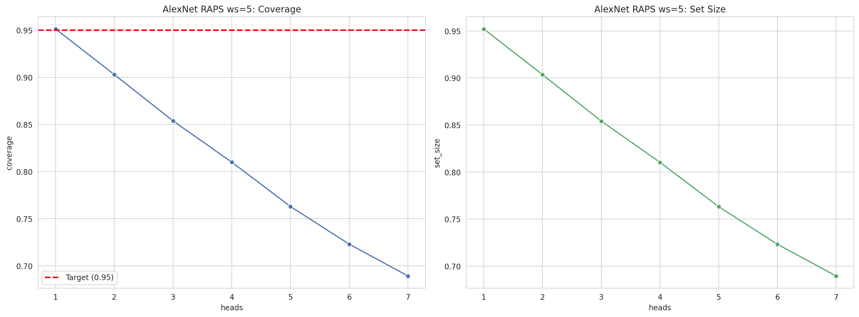
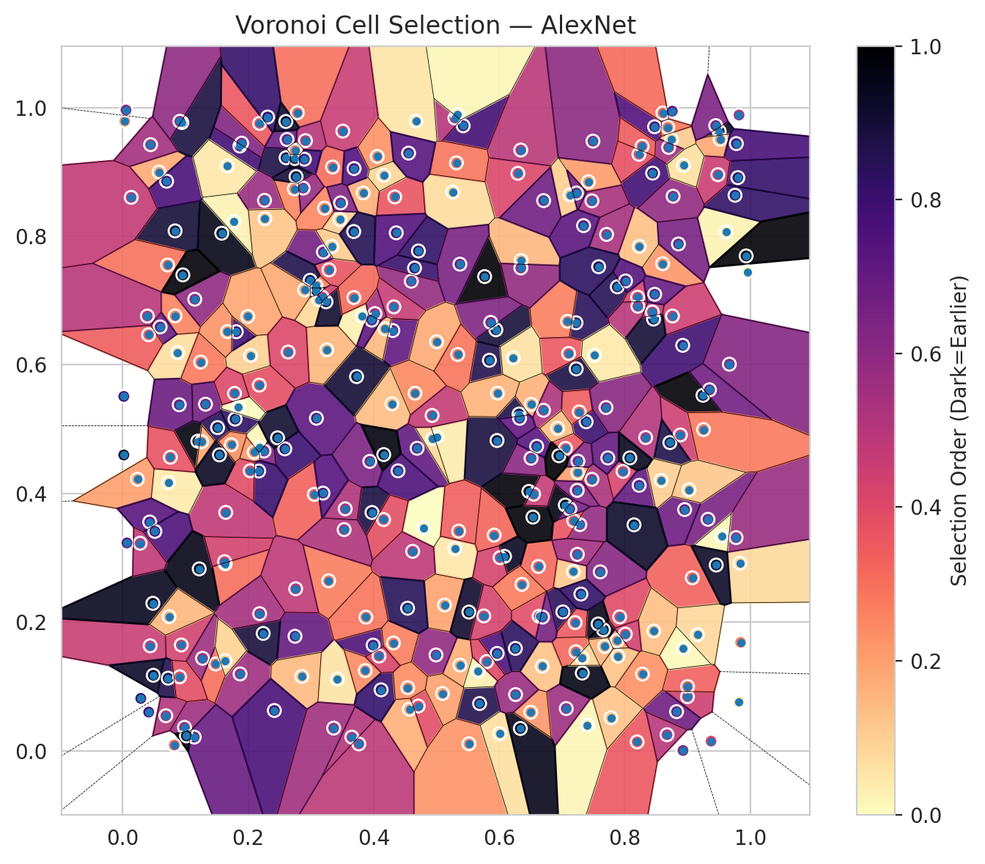
model_key | AlexNet_CNN_MultiHead
model_name | AlexNet
scoring_method | RAPS
window_size | 5
lambda | 0.5
k_iters | 1
empirical_coverage | 0.68917915986
avg_set_size | 0.68947602791
scene_coverage | 0.17006386477
scene_avg_set_size | 1.0907621983
uncertain_pixel_rate | 0.20970535278
mean_per_class_cov | 0.68729704078
runtime_sec | 143.47448339
alpha | 0.05

heads | coverage | set_size |  |  | class_id | class_coverage | support_count | Class | Pixels
1 | 0.95116520707 | 0.95205581119 |  |  | 0 | 0.70394736842 | 1216 | Class 0 | 10915
2 | 0.90277571619 | 0.9035178863 |  |  | 1 | 0.67045454545 | 704 | Class 1 | 7721
3 | 0.85364405522 | 0.85408935728 |  |  | 2 | 0.6890459364 | 283 | Class 2 | 7213
4 | 0.809856019 | 0.81030132106 |  |  | 3 | 0.68058608059 | 1365 | Class 3 | 45722
5 | 0.76280243432 | 0.76309930236 |  |  | 4 | 0.69119496855 | 1590 | Class 4 | 65713
6 | 0.72287368265 | 0.72317055069 |  |  | 5 | 0.69877242682 | 1059 | Class 5 | 43566
7 | 0.68917915986 | 0.68947602791 |  |  | 6 | 0.705 | 200 | Class 6 | 5166
 |  |  |  |  | 7 | 0.659375 | 320 | Class 7 | 21155
 |  |  |  |  |  |  |  | Uncertain | 54973
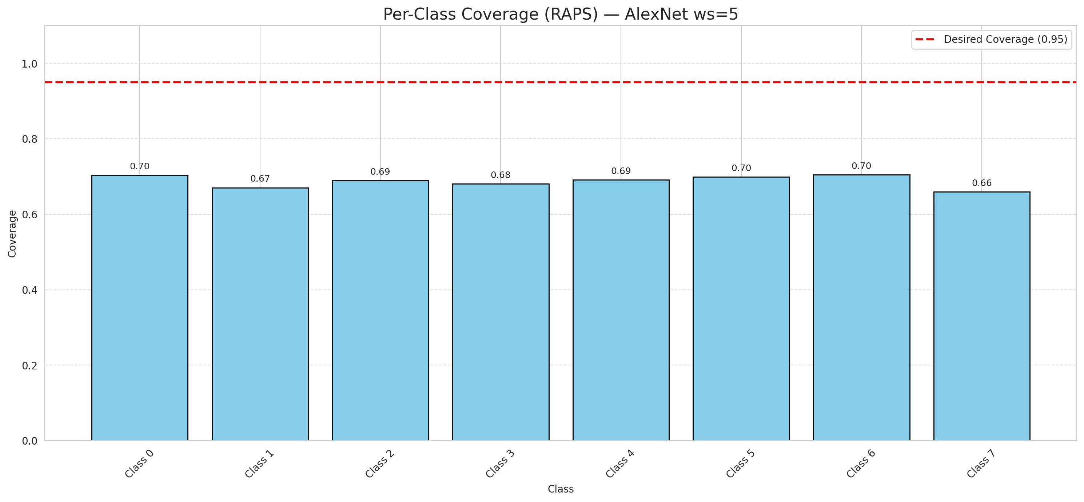

Cell Index | s1 | s2 | Selection_Order | Norm_Order(0-1) | Target
0 | 0.4568 | 0.0646 | 56 | 0.1671641791 | 5
1 | 0.8604 | 0.7572 | 74 | 0.22089552239 | 0
2 | 0.0876 | 0.619 | 23 | 0.068656716418 | 2
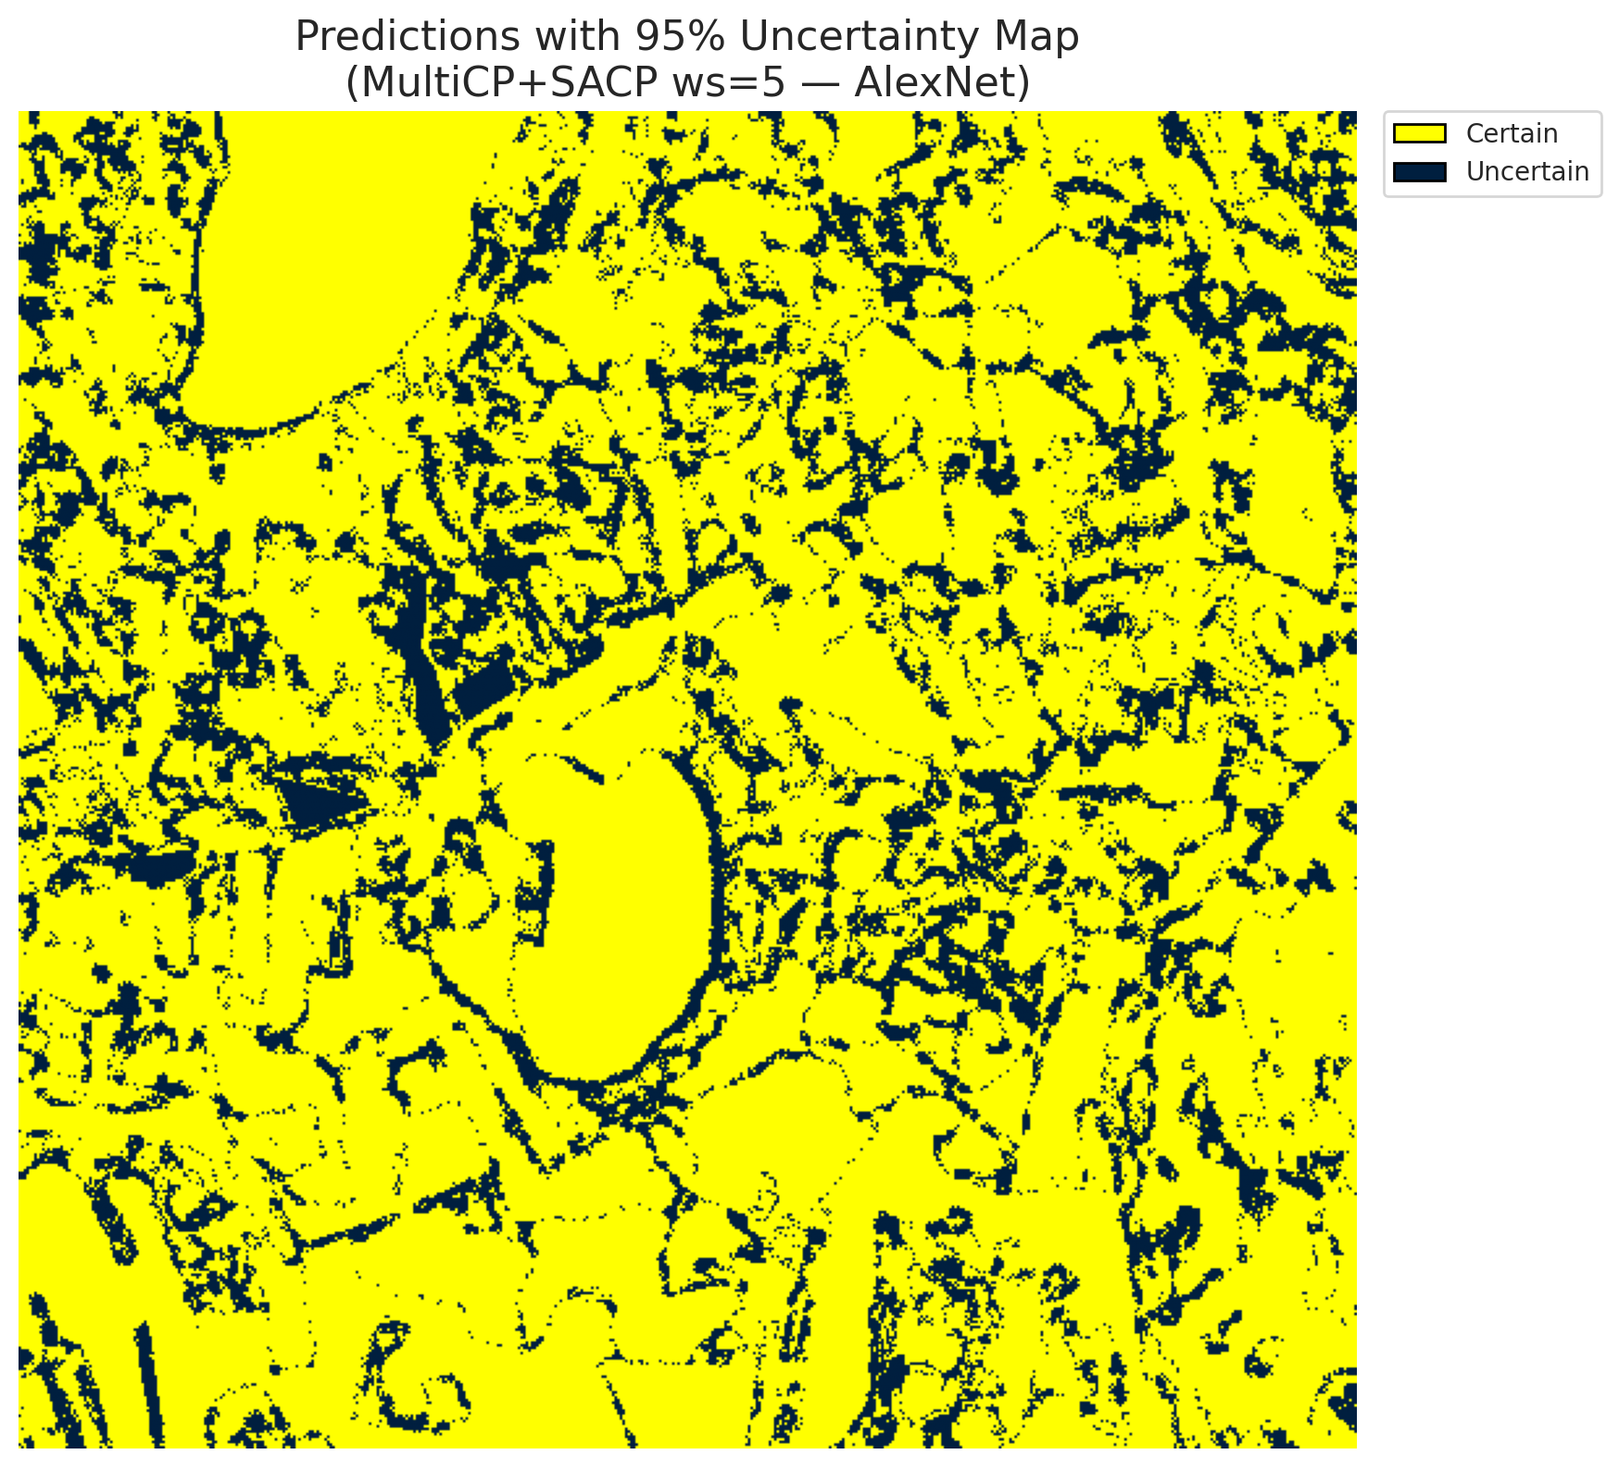
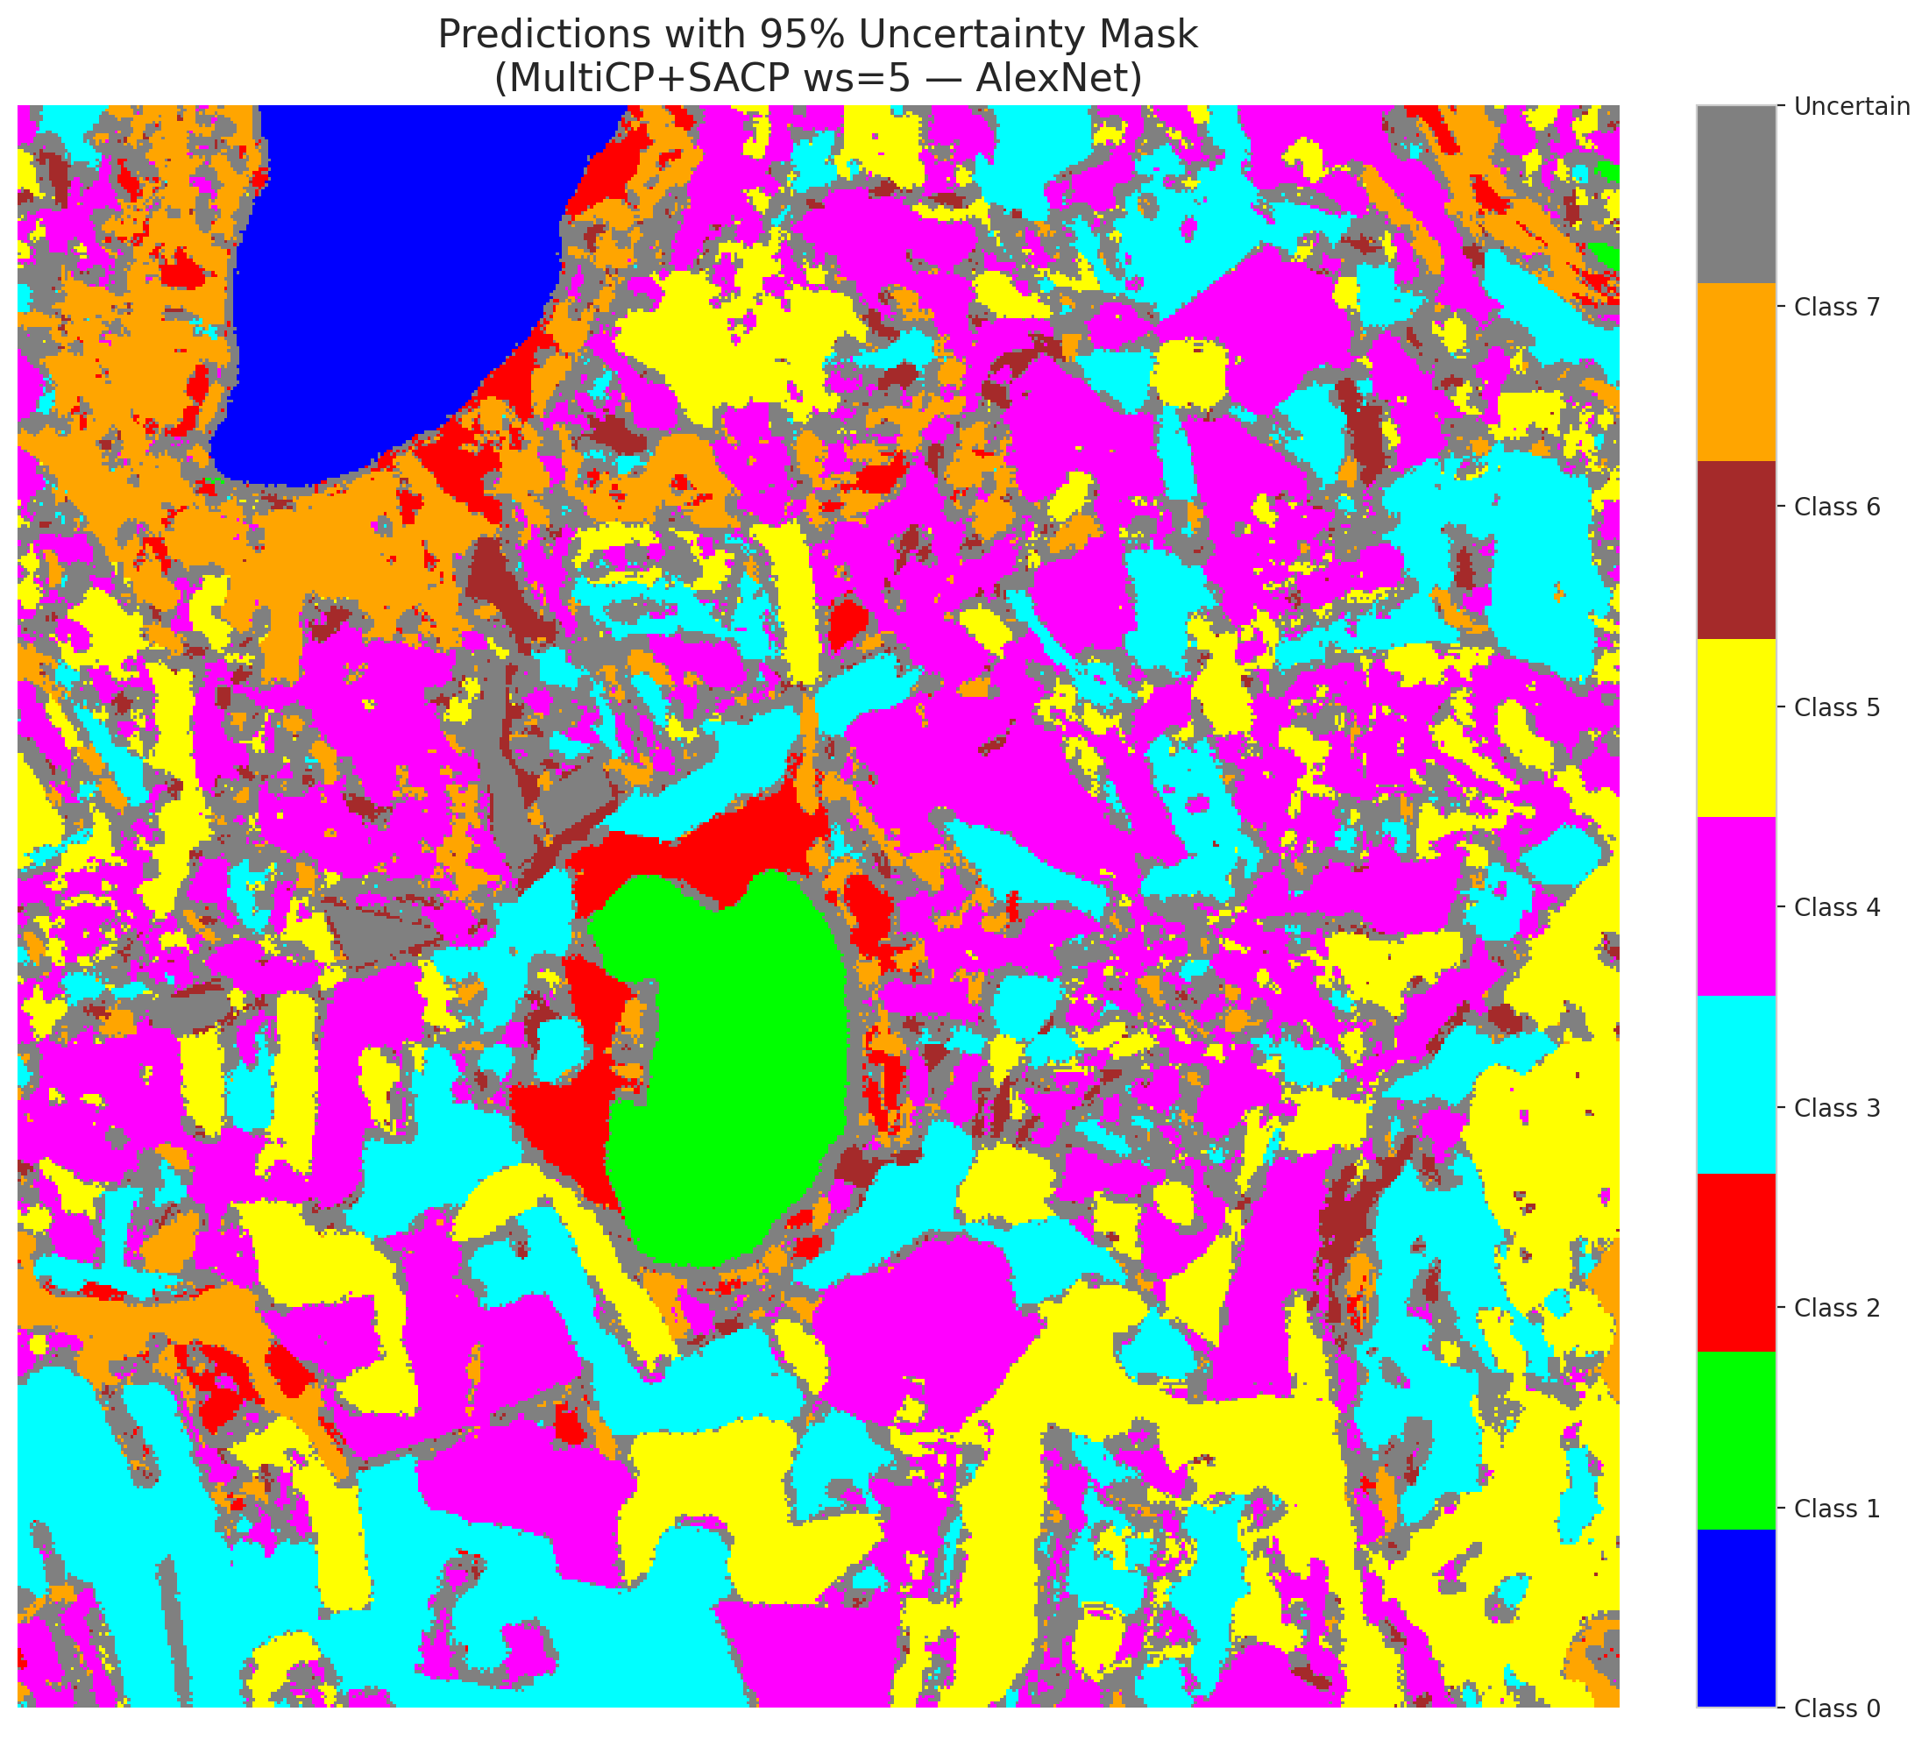
3 | 0.9 | 0.0842 | 150 | 0.44776119403 | 5
4 | 0.2604 | 0.9219 | 292 | 0.87164179104 | 0
5 | 0.8445 | 0.898 | 264 | 0.78805970149 | 3
6 | 0.3816 | 0.6753 | 10 | 0.029850746269 | 3
7 | 0.1791 | 0.5156 | 278 | 0.82985074627 | 5
8 | 0.7385 | 0.5115 | 267 | 0.79701492537 | 3
9 | 0.7882 | 0.7212 | 286 | 0.85373134328 | 2
10 | 0.9613 | 0.8065 | 9 | 0.026865671642 | 0
11 | 0.2177 | 0.5684 | 128 | 0.38208955224 | 0
12 | 0.5426 | 0.9716 | 263 | 0.78507462687 | 4
13 | 0.4305 | 0.6533 | 238 | 0.71044776119 | 1
14 | 0.6298 | 0.8977 | 137 | 0.40895522388 | 0
15 | 0.1642 | 0.3706 | 159 | 0.47462686567 | 0
16 | 0.7181 | 0.2786 | 39 | 0.11641791045 | 4
17 | 0.6316 | 0.5235 | 293 | 0.87462686567 | 3
18 | 0.7224 | 0.6654 | 282 | 0.84179104478 | 5
19 | 0.1579 | 0.8046 | 320 | 0.9552238806 | 0
20 | 0.3087 | 0.517 | 241 | 0.71940298507 | 1
21 | 0.3463 | 0.8258 | 33 | 0.098507462687 | 4
22 | 0.7285 | 0.3516 | 195 | 0.58208955224 | 2
23 | 0.6344 | 0.9339 | 164 | 0.48955223881 | 4
24 | 0.7227 | 0.5937 | 294 | 0.8776119403 | 0
25 | 0.7879 | 0.1713 | 69 | 0.20597014925 | 1
26 | 0.9376 | 0.015 | 138 | 0.41194029851 | 0
27 | 0.9847 | 0.1686 | 88 | 0.26268656716 | 5
28 | 0.9327 | 0.3599 | 217 | 0.64776119403 | 5
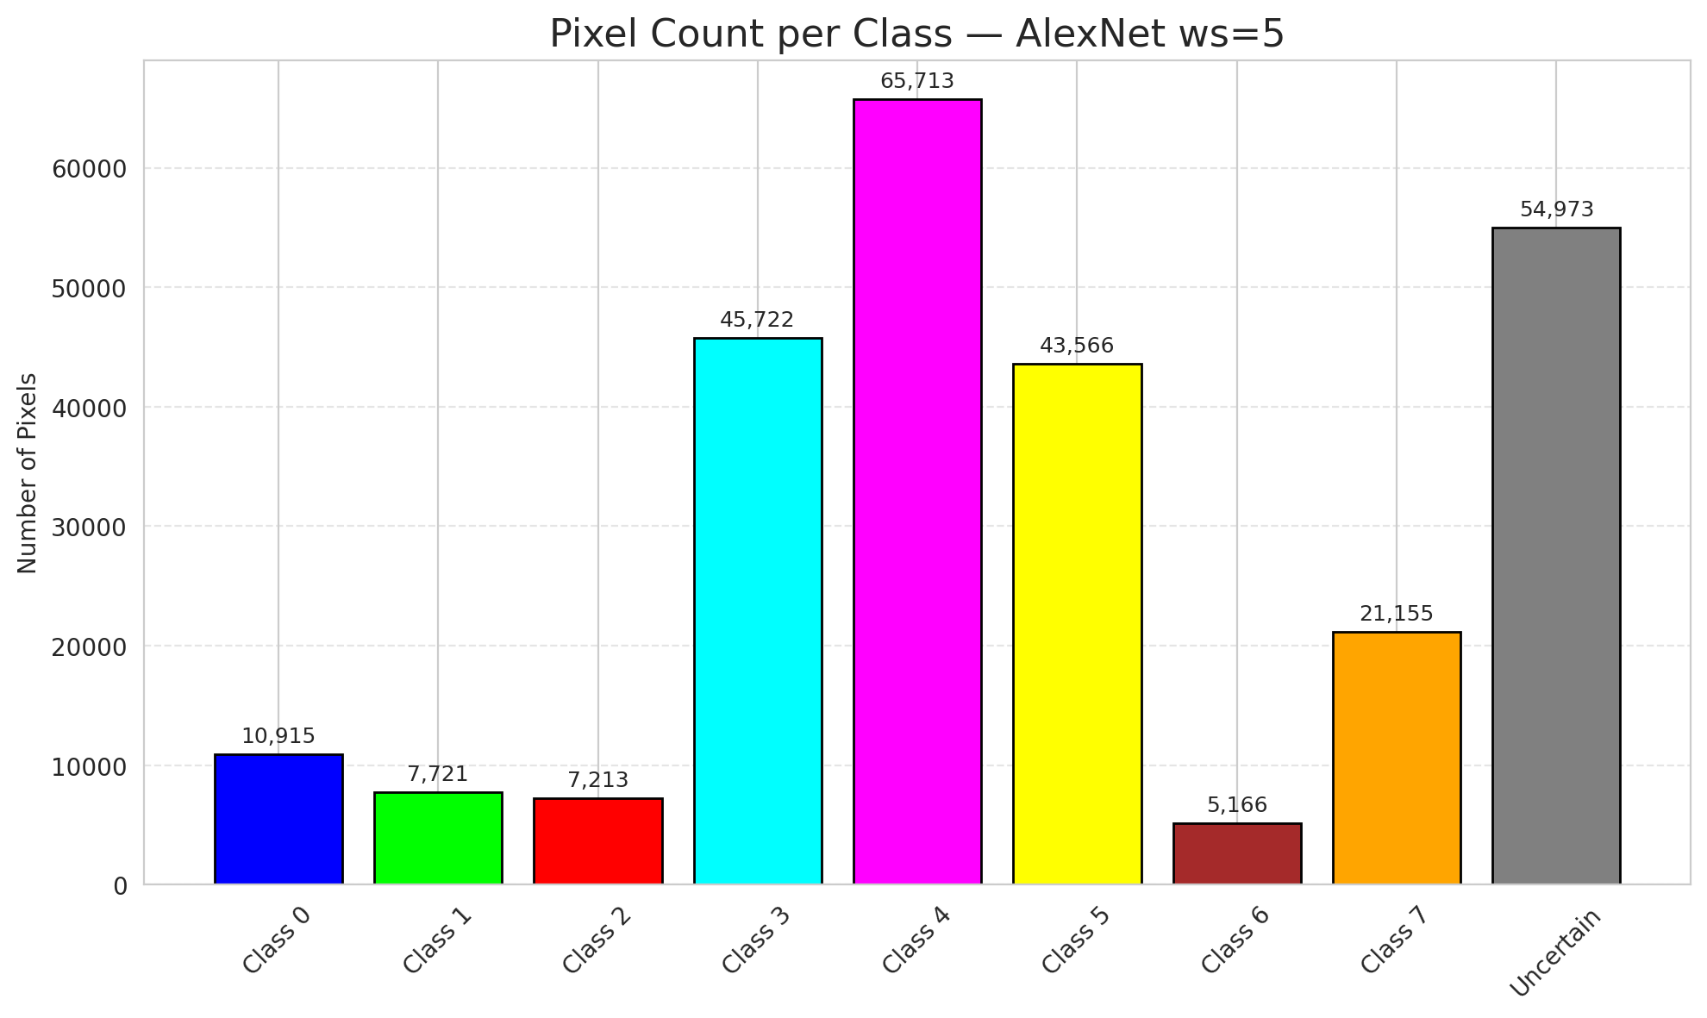
29 | 0.3288 | 0.7476 | 124 | 0.37014925373 | 5
30 | 0.9077 | 0.269 | 110 | 0.32835820896 | 3
31 | 0.5375 | 0.1332 | 58 | 0.17313432836 | 3
32 | 0.8233 | 0.7841 | 44 | 0.13134328358 | 3
33 | 0.7711 | 0.8027 | 179 | 0.53432835821 | 4
34 | 0.1512 | 0.5024 | 284 | 0.84776119403 | 4
35 | 0.5768 | 0.7372 | 335 | 1 | 3
36 | 0.7421 | 0.8846 | 70 | 0.20895522388 | 4
37 | 0.5294 | 0.9837 | 171 | 0.51044776119 | 4
38 | 0.0728 | 0.4171 | 14 | 0.041791044776 | 1
39 | 0.9836 | 0.2917 | 26 | 0.077611940299 | 1
40 | 0.3122 | 0.7013 | 28 | 0.083582089552 | 5
41 | 0.1198 | 0.4813 | 326 | 0.97313432836 | 1
42 | 0.7276 | 0.5268 | 114 | 0.34029850746 | 0
43 | 0.4651 | 0.7504 | 270 | 0.80597014925 | 1
44 | 0.8924 | 0.6303 | 265 | 0.79104477612 | 5
45 | 0.0985 | 0.0365 | 188 | 0.56119402985 | 4
46 | 0.0235 | 0.4221 | 68 | 0.20298507463 | 4
47 | 0.6349 | 0.7621 | 50 | 0.14925373134 | 3
48 | 0.7478 | 0.422 | 176 | 0.52537313433 | 1
49 | 0.1871 | 0.1195 | 186 | 0.5552238806 | 4
50 | 0.5947 | 0.6545 | 299 | 0.89253731343 | 3
51 | 0.4796 | 0.3465 | 1 | 0.0029850746269 | 1
52 | 0.3727 | 0.5817 | 303 | 0.90447761194 | 4
53 | 0.5688 | 0.0735 | 287 | 0.85671641791 | 4
54 | 0.6686 | 0.1315 | 43 | 0.12835820896 | 5
55 | 0.2784 | 0.9919 | 100 | 0.29850746269 | 0
56 | 0.7129 | 0.8643 | 35 | 0.10447761194 | 5
57 | 0.766 | 0.1882 | 325 | 0.97014925373 | 5
58 | 0.9247 | 0.5526 | 333 | 0.99402985075 | 5
59 | 0.342 | 0.1116 | 19 | 0.05671641791 | 4
60 | 0.0431 | 0.3557 | 244 | 0.72835820896 | 4
61 | 0.5001 | 0.4877 | 12 | 0.035820895522 | 5
62 | 0.6635 | 0.2092 | 132 | 0.39402985075 | 4
63 | 0.7494 | 0.9477 | 201 | 0.6 | 7
64 | 0.0934 | 0.1645 | 145 | 0.4328358209 | 6
65 | 0.4659 | 0.5558 | 83 | 0.24776119403 | 1
66 | 0.0901 | 0.5379 | 228 | 0.68059701493 | 4
67 | 0.5257 | 0.8685 | 24 | 0.071641791045 | 3
68 | 0.8206 | 0.7051 | 141 | 0.42089552239 | 3
69 | 0.8955 | 0.375 | 227 | 0.6776119403 | 5
70 | 0.8748 | 0.95 | 37 | 0.11044776119 | 3
71 | 0.1258 | 0.4805 | 63 | 0.18805970149 | 4
72 | 0.8198 | 0.0139 | 121 | 0.36119402985 | 0
73 | 0.7014 | 0.2159 | 281 | 0.83880597015 | 3
74 | 0.9803 | 0.891 | 271 | 0.80895522388 | 4
75 | 0.429 | 0.5393 | 47 | 0.14029850746 | 0
76 | 0.3199 | 0.7754 | 222 | 0.66268656716 | 0
77 | 0.4692 | 0.4703 | 236 | 0.70447761194 | 4
78 | 0.2584 | 0.4694 | 268 | 0.8 | 1
79 | 0.4709 | 0.0696 | 130 | 0.38805970149 | 4
80 | 0.2184 | 0.4717 | 4 | 0.011940298507 | 4
81 | 0.4713 | 0.777 | 276 | 0.82388059701 | 0
82 | 0.4599 | 0.73 | 194 | 0.57910447761 | 3
83 | 0.5865 | 0.666 | 212 | 0.6328358209 | 5
84 | 0.114 | 0.0213 | 231 | 0.68955223881 | 0
85 | 0.3344 | 0.9075 | 103 | 0.30746268657 | 5
86 | 0.0438 | 0.1632 | 153 | 0.45671641791 | 0
87 | 0.7089 | 0.6676 | 90 | 0.26865671642 | 3
88 | 0.9668 | 0.601 | 207 | 0.61791044776 | 0
89 | 0.792 | 0.2082 | 133 | 0.39701492537 | 1
90 | 0.761 | 0.2782 | 206 | 0.61492537313 | 4
91 | 0.7056 | 0.4701 | 118 | 0.35223880597 | 1
92 | 0.6473 | 0.4032 | 329 | 0.98208955224 | 5
93 | 0.2913 | 0.9485 | 168 | 0.50149253731 | 5
94 | 0.6511 | 0.5386 | 54 | 0.16119402985 | 1
95 | 0.5374 | 0.7565 | 216 | 0.6447761194 | 3
96 | 0.1242 | 0.6043 | 94 | 0.28059701493 | 4
97 | 0.1482 | 0.1349 | 102 | 0.30447761194 | 0
98 | 0.7973 | 0.4344 | 140 | 0.41791044776 | 4
99 | 0.916 | 0.1804 | 27 | 0.080597014925 | 1
100 | 0.9775 | 0.3314 | 191 | 0.57014925373 | 4
101 | 0.0836 | 0.6761 | 87 | 0.25970149254 | 1
102 | 0.9505 | 0.963 | 311 | 0.92835820896 | 0
103 | 0.8761 | 0.6759 | 149 | 0.4447761194 | 4
104 | 0.0579 | 0.8996 | 61 | 0.18208955224 | 3
105 | 0.0513 | 0.3411 | 255 | 0.76119402985 | 4
106 | 0.3938 | 0.4499 | 215 | 0.64179104478 | 4
107 | 0.5965 | 0.4824 | 296 | 0.88358208955 | 0
108 | 0.2746 | 0.1781 | 233 | 0.69552238806 | 3
109 | 0.8856 | 0.7879 | 218 | 0.65074626866 | 0
110 | 0.6345 | 0.7506 | 196 | 0.58507462687 | 5
111 | 0.7577 | 0.1972 | 317 | 0.94626865672 | 4
112 | 0.7702 | 0.5336 | 204 | 0.60895522388 | 1
113 | 0.721 | 0.1993 | 117 | 0.34925373134 | 7
114 | 0.3991 | 0.1643 | 252 | 0.75223880597 | 4
115 | 0.6625 | 0.2866 | 106 | 0.31641791045 | 0
116 | 0.0488 | 0.1174 | 310 | 0.92537313433 | 4
117 | 0.8887 | 0.491 | 148 | 0.44179104478 | 5
118 | 0.0835 | 0.8082 | 302 | 0.90149253731 | 4
119 | 0.1868 | 0.9401 | 262 | 0.78208955224 | 4
120 | 0.7188 | 0.3576 | 122 | 0.36417910448 | 3
121 | 0.6508 | 0.4548 | 202 | 0.60298507463 | 3
122 | 0.3082 | 0.7231 | 86 | 0.25671641791 | 4
123 | 0.4938 | 0.4856 | 25 | 0.074626865672 | 4
124 | 0.6597 | 0.4733 | 245 | 0.73134328358 | 0
125 | 0.4993 | 0.149 | 198 | 0.59104477612 | 0
126 | 0.7053 | 0.382 | 324 | 0.9671641791 | 0
127 | 0.5844 | 0.6071 | 288 | 0.85970149254 | 4
128 | 0.1771 | 0.8223 | 8 | 0.023880597015 | 4
129 | 0.2039 | 0.6145 | 32 | 0.09552238806 | 4
130 | 0.2987 | 0.7314 | 290 | 0.86567164179 | 5
131 | 0.4322 | 0.6901 | 154 | 0.45970149254 | 3
132 | 0.7478 | 0.8549 | 178 | 0.53134328358 | 0
133 | 0.3832 | 0.8671 | 57 | 0.17014925373 | 1
134 | 0.2239 | 0.1825 | 298 | 0.88955223881 | 3
135 | 0.5294 | 0.3144 | 17 | 0.050746268657 | 4
136 | 0.4621 | 0.3101 | 162 | 0.48358208955 | 5
137 | 0.9351 | 0.5612 | 225 | 0.67164179104 | 3
138 | 0.1896 | 0.9446 | 210 | 0.62686567164 | 5
139 | 0.4315 | 0.1676 | 89 | 0.26567164179 | 7
140 | 0.0033 | 0.9787 | 71 | 0.21194029851 | 3
141 | 0.7402 | 0.04 | 7 | 0.020895522388 | 1
142 | 0.725 | 0.4326 | 67 | 0.2 | 0
143 | 0.1634 | 0.2906 | 101 | 0.30149253731 | 2
144 | 0.7222 | 0.154 | 107 | 0.31940298507 | 2
145 | 0.8771 | 0.8621 | 197 | 0.58805970149 | 4
146 | 0.3973 | 0.3705 | 295 | 0.88059701493 | 0
147 | 0.2252 | 0.466 | 209 | 0.62388059701 | 1
148 | 0.226 | 0.8557 | 190 | 0.5671641791 | 7
149 | 0.8826 | 0.0609 | 226 | 0.67462686567 | 7
150 | 0.9957 | 0.7446 | 0 | 0 | 5
151 | 0.2182 | 0.9753 | 119 | 0.3552238806 | 0
152 | 0.0823 | 0.0089 | 109 | 0.32537313433 | 2
153 | 0.2855 | 0.1156 | 48 | 0.14328358209 | 0
154 | 0.3083 | 0.7158 | 313 | 0.93432835821 | 3
155 | 0.0597 | 0.6589 | 230 | 0.68656716418 | 3
156 | 0.5967 | 0.1514 | 253 | 0.7552238806 | 4
157 | 0.3282 | 0.2643 | 91 | 0.27164179104 | 0
158 | 0.076 | 0.4563 | 125 | 0.37313432836 | 1
159 | 0.9822 | 0.9883 | 177 | 0.52835820896 | 3
160 | 0.8013 | 0.7304 | 247 | 0.73731343284 | 3
161 | 0.1273 | 0.1438 | 187 | 0.55820895522 | 4
162 | 0.4181 | 0.6559 | 49 | 0.14626865672 | 0
163 | 0.4388 | 0.4352 | 254 | 0.75820895522 | 0
164 | 0.8334 | 0.487 | 169 | 0.50447761194 | 0
165 | 0.9256 | 0.4993 | 93 | 0.2776119403 | 0
166 | 0.07 | 0.8854 | 257 | 0.7671641791 | 0
167 | 0.0018 | 0.5509 | 260 | 0.77611940299 | 4
168 | 0.9002 | 0.0999 | 112 | 0.33432835821 | 4
169 | 0.7894 | 0.147 | 42 | 0.12537313433 | 0
170 | 0.3546 | 0.3762 | 174 | 0.51940298507 | 5
171 | 0.3252 | 0.6233 | 52 | 0.1552238806 | 5
172 | 0.872 | 0.4791 | 291 | 0.86865671642 | 0
173 | 0.6258 | 0.1592 | 279 | 0.8328358209 | 5
174 | 0.7125 | 0.376 | 219 | 0.65373134328 | 0
175 | 0.2743 | 0.9207 | 322 | 0.96119402985 | 1
176 | 0.7106 | 0.6177 | 120 | 0.35820895522 | 0
177 | 0.4158 | 0.3595 | 127 | 0.37910447761 | 3
178 | 0.416 | 0.4605 | 327 | 0.97611940299 | 4
179 | 0.9543 | 0.3339 | 5 | 0.014925373134 | 4
180 | 0.7254 | 0.4502 | 208 | 0.62089552239 | 7
181 | 0.8932 | 0.1589 | 3 | 0.0089552238806 | 1
182 | 0.3054 | 0.3986 | 111 | 0.33134328358 | 4
183 | 0.181 | 0.6515 | 266 | 0.79402985075 | 5
184 | 0.5318 | 0.9139 | 96 | 0.28656716418 | 4
185 | 0.0413 | 0.6467 | 115 | 0.34328358209 | 3
186 | 0.7069 | 0.0657 | 189 | 0.56417910448 | 5
187 | 0.0018 | 0.4599 | 318 | 0.94925373134 | 3
188 | 0.9758 | 0.8636 | 275 | 0.82089552239 | 4
189 | 0.4673 | 0.979 | 18 | 0.053731343284 | 3
190 | 0.9823 | 0.0761 | 13 | 0.038805970149 | 4
191 | 0.9521 | 0.9507 | 62 | 0.18507462687 | 3
192 | 0.1149 | 0.702 | 200 | 0.59701492537 | 4
193 | 0.0481 | 0.2293 | 316 | 0.94328358209 | 0
194 | 0.8476 | 0.9701 | 250 | 0.74626865672 | 3
195 | 0.823 | 0.4127 | 234 | 0.69850746269 | 7
196 | 0.8283 | 0.1193 | 78 | 0.2328358209 | 3
197 | 0.4336 | 0.861 | 123 | 0.3671641791 | 5
198 | 0.821 | 0.6911 | 166 | 0.49552238806 | 0
199 | 0.5518 | 0.0109 | 75 | 0.22388059701 | 4
200 | 0.6706 | 0.5294 | 175 | 0.5223880597 | 0
201 | 0.3192 | 0.4006 | 248 | 0.74029850746 | 0
202 | 0.4931 | 0.5213 | 156 | 0.46567164179 | 5
203 | 0.122 | 0.2828 | 321 | 0.95820895522 | 6
204 | 0.2747 | 0.9332 | 82 | 0.2447761194 | 4
205 | 0.3652 | 0.0213 | 170 | 0.50746268657 | 0
206 | 0.87 | 0.938 | 184 | 0.54925373134 | 4
207 | 0.7682 | 0.1623 | 55 | 0.16417910448 | 4
208 | 0.2266 | 0.8271 | 40 | 0.11940298507 | 0
209 | 0.3864 | 0.1247 | 81 | 0.24179104478 | 4
210 | 0.5665 | 0.1241 | 11 | 0.032835820896 | 0
211 | 0.5129 | 0.2266 | 65 | 0.19402985075 | 1
212 | 0.8686 | 0.9692 | 95 | 0.28358208955 | 1
213 | 0.2096 | 0.4643 | 72 | 0.21492537313 | 5
214 | 0.0415 | 0.0602 | 259 | 0.77313432836 | 4
215 | 0.9779 | 0.9439 | 258 | 0.77014925373 | 3
216 | 0.0053 | 0.9961 | 203 | 0.60597014925 | 5
217 | 0.8609 | 0.9915 | 104 | 0.31044776119 | 0
218 | 0.3332 | 0.7839 | 36 | 0.10746268657 | 3
219 | 0.2168 | 0.4349 | 269 | 0.80298507463 | 3
220 | 0.6008 | 0.0266 | 21 | 0.062686567164 | 4
221 | 0.231 | 0.9852 | 272 | 0.81194029851 | 3
222 | 0.0943 | 0.9766 | 297 | 0.88656716418 | 4
223 | 0.4019 | 0.6797 | 180 | 0.53731343284 | 7
224 | 0.5002 | 0.6358 | 60 | 0.17910447761 | 3
225 | 0.3763 | 0.0107 | 163 | 0.48656716418 | 3
226 | 0.6325 | 0.5169 | 237 | 0.70746268657 | 3
227 | 0.669 | 0.2079 | 221 | 0.65970149254 | 0
228 | 0.7731 | 0.4553 | 235 | 0.70149253731 | 3
229 | 0.1016 | 0.0232 | 328 | 0.97910447761 | 0
230 | 0.0445 | 0.9422 | 183 | 0.54626865672 | 0
231 | 0.3508 | 0.9633 | 152 | 0.45373134328 | 0
232 | 0.324 | 0.698 | 306 | 0.91343283582 | 7
233 | 0.3687 | 0.9051 | 251 | 0.74925373134 | 5
234 | 0.7782 | 0.0513 | 41 | 0.1223880597 | 4
235 | 0.1671 | 0.6517 | 77 | 0.22985074627 | 5
236 | 0.8582 | 0.4204 | 34 | 0.10149253731 | 6
237 | 0.0688 | 0.0545 | 172 | 0.51343283582 | 2
238 | 0.8227 | 0.9273 | 126 | 0.37611940299 | 5
239 | 0.5354 | 0.3415 | 113 | 0.33731343284 | 6
240 | 0.3529 | 0.3439 | 173 | 0.51641791045 | 4
241 | 0.6337 | 0.0347 | 319 | 0.95223880597 | 4
242 | 0.592 | 0.3353 | 108 | 0.3223880597 | 3
243 | 0.5096 | 0.0891 | 66 | 0.19701492537 | 3
244 | 0.8277 | 0.9398 | 116 | 0.34626865672 | 3
245 | 0.8459 | 0.6711 | 301 | 0.89850746269 | 4
246 | 0.2417 | 0.0627 | 256 | 0.76417910448 | 6
247 | 0.2183 | 0.2132 | 181 | 0.54029850746 | 0
248 | 0.6537 | 0.3633 | 331 | 0.98805970149 | 4
249 | 0.0724 | 0.1129 | 289 | 0.86268656716 | 3
250 | 0.3217 | 0.8435 | 85 | 0.25373134328 | 2
251 | 0.0911 | 0.9786 | 199 | 0.59402985075 | 4
252 | 0.4118 | 0.0948 | 273 | 0.81492537313 | 0
253 | 0.1633 | 0.1401 | 31 | 0.092537313433 | 0
254 | 0.0908 | 0.115 | 129 | 0.38507462687 | 5
255 | 0.2032 | 0.4353 | 131 | 0.39104477612 | 5
256 | 0.7243 | 0.4049 | 205 | 0.61194029851 | 0
257 | 0.8463 | 0.1863 | 45 | 0.13432835821 | 3
258 | 0.7518 | 0.6148 | 15 | 0.044776119403 | 5
259 | 0.2468 | 0.4865 | 304 | 0.90746268657 | 4
260 | 0.6085 | 0.3023 | 314 | 0.93731343284 | 0
261 | 0.1542 | 0.46 | 312 | 0.93134328358 | 4
262 | 0.5339 | 0.6161 | 98 | 0.29253731343 | 4
263 | 0.4057 | 0.924 | 76 | 0.22686567164 | 4
264 | 0.4161 | 0.8947 | 30 | 0.089552238806 | 3
265 | 0.5517 | 0.2157 | 307 | 0.91641791045 | 1
266 | 0.6503 | 0.06 | 73 | 0.21791044776 | 3
267 | 0.7344 | 0.8164 | 243 | 0.72537313433 | 2
268 | 0.7324 | 0.1209 | 323 | 0.96417910448 | 4
269 | 0.132 | 0.5388 | 223 | 0.66567164179 | 4
270 | 0.9485 | 0.8956 | 151 | 0.45074626866 | 0
271 | 0.9458 | 0.2888 | 309 | 0.9223880597 | 0
272 | 0.4543 | 0.0982 | 80 | 0.23880597015 | 4
273 | 0.844 | 0.6821 | 157 | 0.46865671642 | 0
274 | 0.8674 | 0.025 | 165 | 0.49253731343 | 0
275 | 0.6225 | 0.6108 | 20 | 0.059701492537 | 1
276 | 0.2735 | 0.8734 | 84 | 0.25074626866 | 6
277 | 0.074 | 0.2085 | 51 | 0.15223880597 | 1
278 | 0.454 | 0.2217 | 283 | 0.8447761194 | 7
279 | 0.7231 | 0.8671 | 220 | 0.65671641791 | 0
280 | 0.173 | 0.4757 | 79 | 0.23582089552 | 4
281 | 0.0277 | 0.3227 | 160 | 0.4776119403 | 4
282 | 0.8936 | 0.9101 | 22 | 0.065671641791 | 3
283 | 0.1845 | 0.534 | 2 | 0.0059701492537 | 0
284 | 0.2757 | 0.2519 | 161 | 0.48059701493 | 3
285 | 0.1624 | 0.294 | 144 | 0.42985074627 | 4
286 | 0.2895 | 0.9197 | 261 | 0.77910447761 | 3
287 | 0.7322 | 0.1446 | 29 | 0.086567164179 | 4
288 | 0.2619 | 0.9503 | 229 | 0.68358208955 | 5
289 | 0.6931 | 0.5013 | 46 | 0.13731343284 | 3
290 | 0.1994 | 0.6752 | 64 | 0.19104477612 | 5
291 | 0.7302 | 0.2437 | 274 | 0.81791044776 | 2
292 | 0.9935 | 0.7693 | 332 | 0.99104477612 | 3
293 | 0.7584 | 0.7525 | 280 | 0.83582089552 | 3
294 | 0.3684 | 0.7046 | 105 | 0.31343283582 | 3
295 | 0.4359 | 0.8052 | 249 | 0.74328358209 | 3
296 | 0.1782 | 0.5556 | 136 | 0.40597014925 | 7
297 | 0.397 | 0.6695 | 242 | 0.7223880597 | 6
298 | 0.5973 | 0.5559 | 53 | 0.15820895522 | 3
299 | 0.8478 | 0.7097 | 232 | 0.69253731343 | 4
300 | 0.6261 | 0.0874 | 192 | 0.57313432836 | 4
301 | 0.0289 | 0.0815 | 277 | 0.82686567164 | 1
302 | 0.1668 | 0.9091 | 16 | 0.04776119403 | 2
303 | 0.2899 | 0.7165 | 59 | 0.17611940299 | 4
304 | 0.8082 | 0.4553 | 315 | 0.94029850746 | 0
305 | 0.3876 | 0.2078 | 97 | 0.28955223881 | 0
306 | 0.0716 | 0.7552 | 99 | 0.29552238806 | 5
307 | 0.5755 | 0.2097 | 143 | 0.42686567164 | 4
308 | 0.5801 | 0.1387 | 134 | 0.4 | 0
309 | 0.6549 | 0.399 | 155 | 0.46268656716 | 0
310 | 0.0136 | 0.8603 | 158 | 0.47164179104 | 4
311 | 0.8148 | 0.3513 | 308 | 0.91940298507 | 4
312 | 0.0959 | 0.7398 | 330 | 0.98507462687 | 1
313 | 0.2601 | 0.9783 | 305 | 0.91044776119 | 3
314 | 0.6361 | 0.2587 | 92 | 0.27462686567 | 0
315 | 0.2763 | 0.8926 | 300 | 0.89552238806 | 3
316 | 0.801 | 0.1814 | 146 | 0.43582089552 | 3
317 | 0.945 | 0.9719 | 214 | 0.63880597015 | 0
318 | 0.6951 | 0.4587 | 334 | 0.99701492537 | 3
319 | 0.6014 | 0.3002 | 142 | 0.42388059701 | 0
320 | 0.8758 | 0.9943 | 239 | 0.71343283582 | 1
321 | 0.7245 | 0.3054 | 182 | 0.54328358209 | 3
322 | 0.9025 | 0.4057 | 38 | 0.11343283582 | 4
323 | 0.3362 | 0.0353 | 185 | 0.55223880597 | 3
324 | 0.6708 | 0.8553 | 224 | 0.66865671642 | 0
325 | 0.5336 | 0.9891 | 6 | 0.017910447761 | 0
326 | 0.2637 | 0.6199 | 135 | 0.40298507463 | 5
327 | 0.8929 | 0.0005 | 211 | 0.62985074627 | 1
328 | 0.4085 | 0.1473 | 139 | 0.41492537313 | 4
329 | 0.2876 | 0.8747 | 193 | 0.57611940299 | 3
330 | 0.0393 | 0.6759 | 167 | 0.49850746269 | 0
331 | 0.3473 | 0.8517 | 213 | 0.63582089552 | 1
332 | 0.0068 | 0.3232 | 240 | 0.71641791045 | 3
333 | 0.318 | 0.7052 | 147 | 0.43880597015 | 4
334 | 0.3682 | 0.8072 | 285 | 0.85074626866 | 1
335 | 0.4556 | 0.9291 | 246 | 0.73432835821 | 3

AlexNet_SAPS_ws5
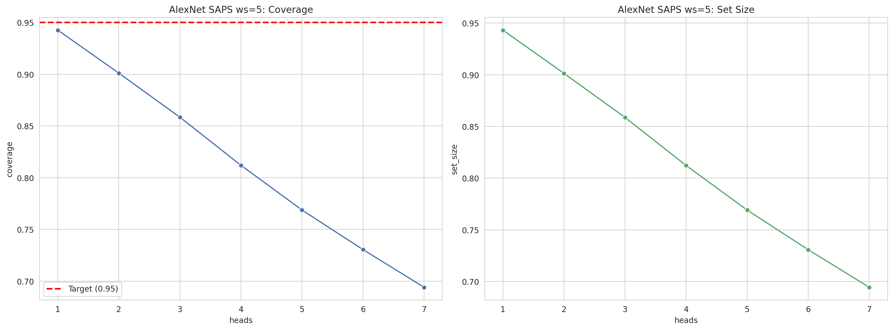
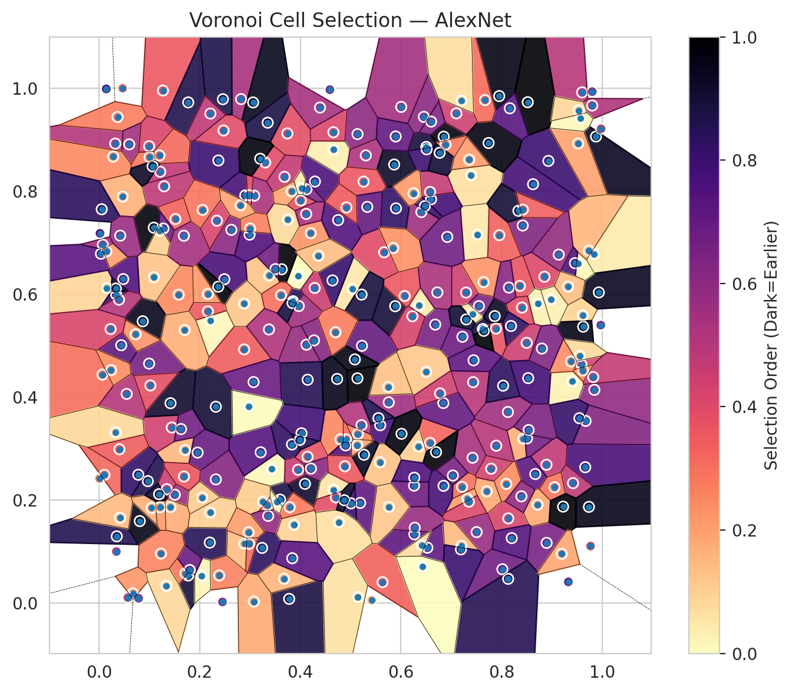
model_key | AlexNet_CNN_MultiHead
model_name | AlexNet
scoring_method | SAPS
window_size | 5
lambda | 0.5
k_iters | 1
empirical_coverage | 0.69407748256
avg_set_size | 0.6943743506
scene_coverage | 0.15373436843
scene_avg_set_size | 0.95937808243
uncertain_pixel_rate | 0.1071395874
mean_per_class_cov | 0.69277003356
runtime_sec | 141.94831932
alpha | 0.05

heads | coverage | set_size |  |  | class_id | class_coverage | support_count | Class | Pixels
1 | 0.94255603384 | 0.94314976993 |  |  | 0 | 0.70641447368 | 1216 | Class 0 | 11029
2 | 0.90099450794 | 0.90129137598 |  |  | 1 | 0.68892045455 | 704 | Class 1 | 7980
3 | 0.85839394389 | 0.85869081193 |  |  | 2 | 0.66431095406 | 283 | Class 2 | 8190
4 | 0.81193409529 | 0.81223096334 |  |  | 3 | 0.68717948718 | 1365 | Class 3 | 50746
5 | 0.76873979516 | 0.7690366632 |  |  | 4 | 0.68805031447 | 1590 | Class 4 | 73859
6 | 0.73044381772 | 0.73074068577 |  |  | 5 | 0.70915958451 | 1059 | Class 5 | 47982
7 | 0.69407748256 | 0.6943743506 |  |  | 6 | 0.72 | 200 | Class 6 | 8077
 |  |  |  |  | 7 | 0.678125 | 320 | Class 7 | 26195
 |  |  |  |  |  |  |  | Uncertain | 28086
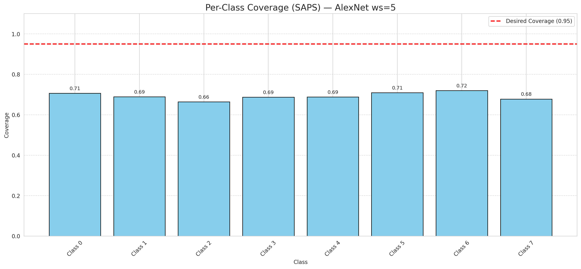

Cell Index | s1 | s2 | Selection_Order | Norm_Order(0-1) | Target
0 | 0.2824 | 0.9786 | 178 | 0.53134328358 | 5
1 | 0.0676 | 0.0184 | 74 | 0.22089552239 | 0
2 | 0.3857 | 0.5859 | 282 | 0.84179104478 | 2
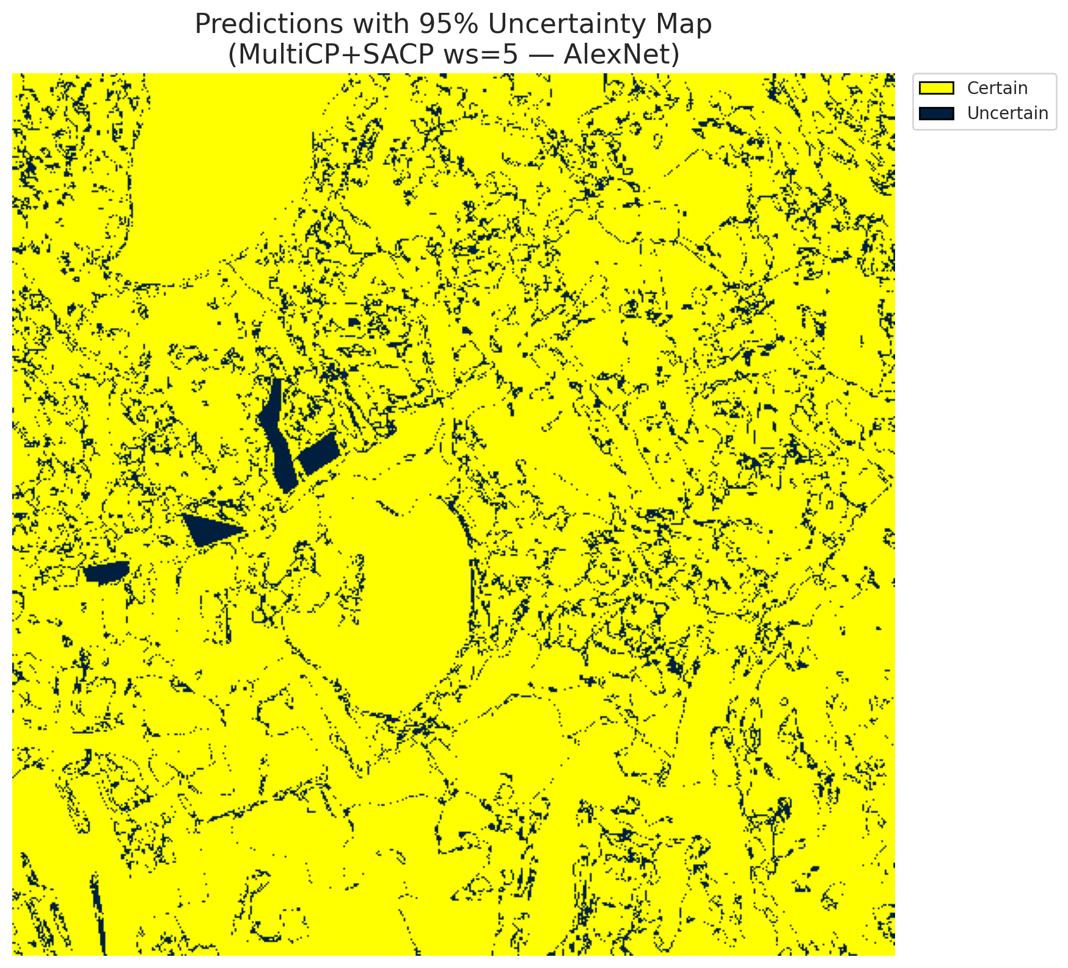
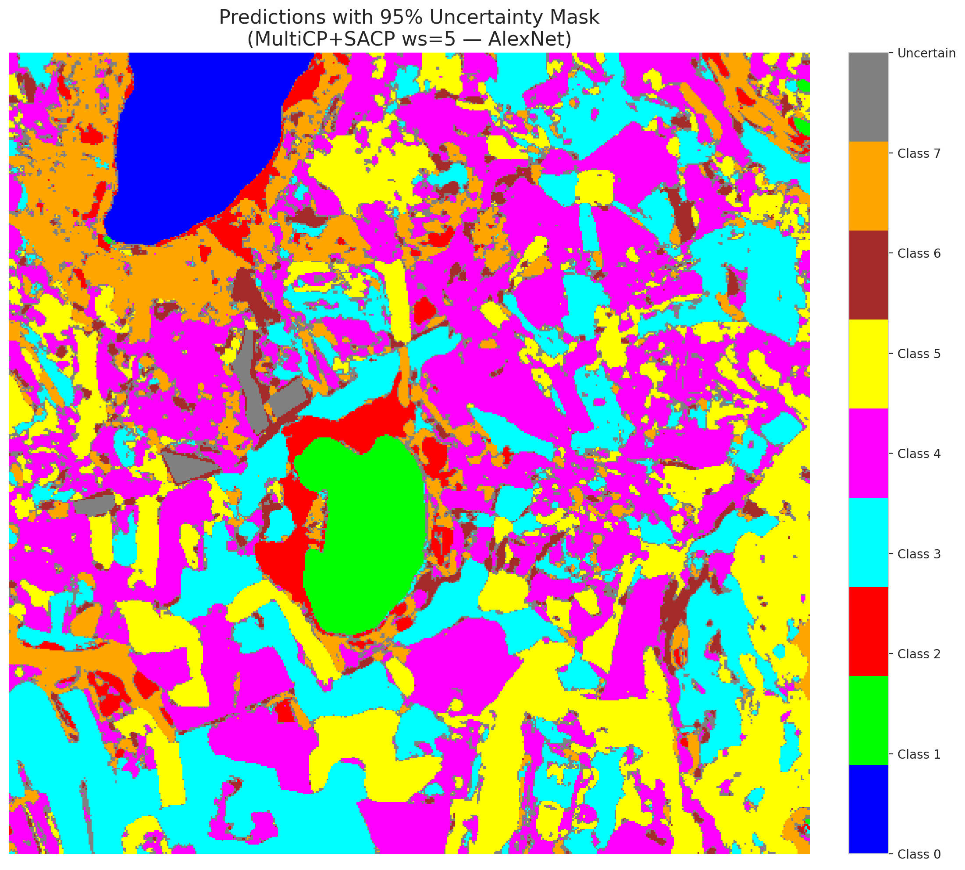
3 | 0.0159 | 0.6117 | 29 | 0.086567164179 | 5
4 | 0.4291 | 0.8185 | 253 | 0.7552238806 | 0
5 | 0.5137 | 0.9106 | 201 | 0.6 | 3
6 | 0.3599 | 0.2006 | 293 | 0.87462686567 | 3
7 | 0.8894 | 0.1166 | 216 | 0.6447761194 | 5
8 | 0.8929 | 0.8585 | 268 | 0.8 | 3
9 | 0.3779 | 0.0078 | 295 | 0.88059701493 | 2
10 | 0.5135 | 0.4362 | 333 | 0.99402985075 | 0
11 | 0.4908 | 0.3175 | 108 | 0.3223880597 | 0
12 | 0.885 | 0.6335 | 136 | 0.40597014925 | 4
13 | 0.7221 | 0.5169 | 229 | 0.68358208955 | 1
14 | 0.843 | 0.3189 | 55 | 0.16417910448 | 0
15 | 0.4208 | 0.7181 | 77 | 0.22985074627 | 0
16 | 0.3303 | 0.8554 | 132 | 0.39402985075 | 4
17 | 0.9661 | 0.2635 | 256 | 0.76417910448 | 3
18 | 0.3959 | 0.6356 | 0 | 0 | 5
19 | 0.8363 | 0.6157 | 122 | 0.36417910448 | 0
20 | 0.3242 | 0.1068 | 280 | 0.83582089552 | 1
21 | 0.4123 | 0.5016 | 193 | 0.57611940299 | 4
22 | 0.6406 | 0.7592 | 188 | 0.56119402985 | 2
23 | 0.1713 | 0.2969 | 50 | 0.14925373134 | 4
24 | 0.8015 | 0.0654 | 225 | 0.67164179104 | 0
25 | 0.7294 | 0.6028 | 150 | 0.44776119403 | 1
26 | 0.2202 | 0.1171 | 283 | 0.8447761194 | 0
27 | 0.2907 | 0.7915 | 260 | 0.77611940299 | 5
28 | 0.2631 | 0.7246 | 204 | 0.60895522388 | 5
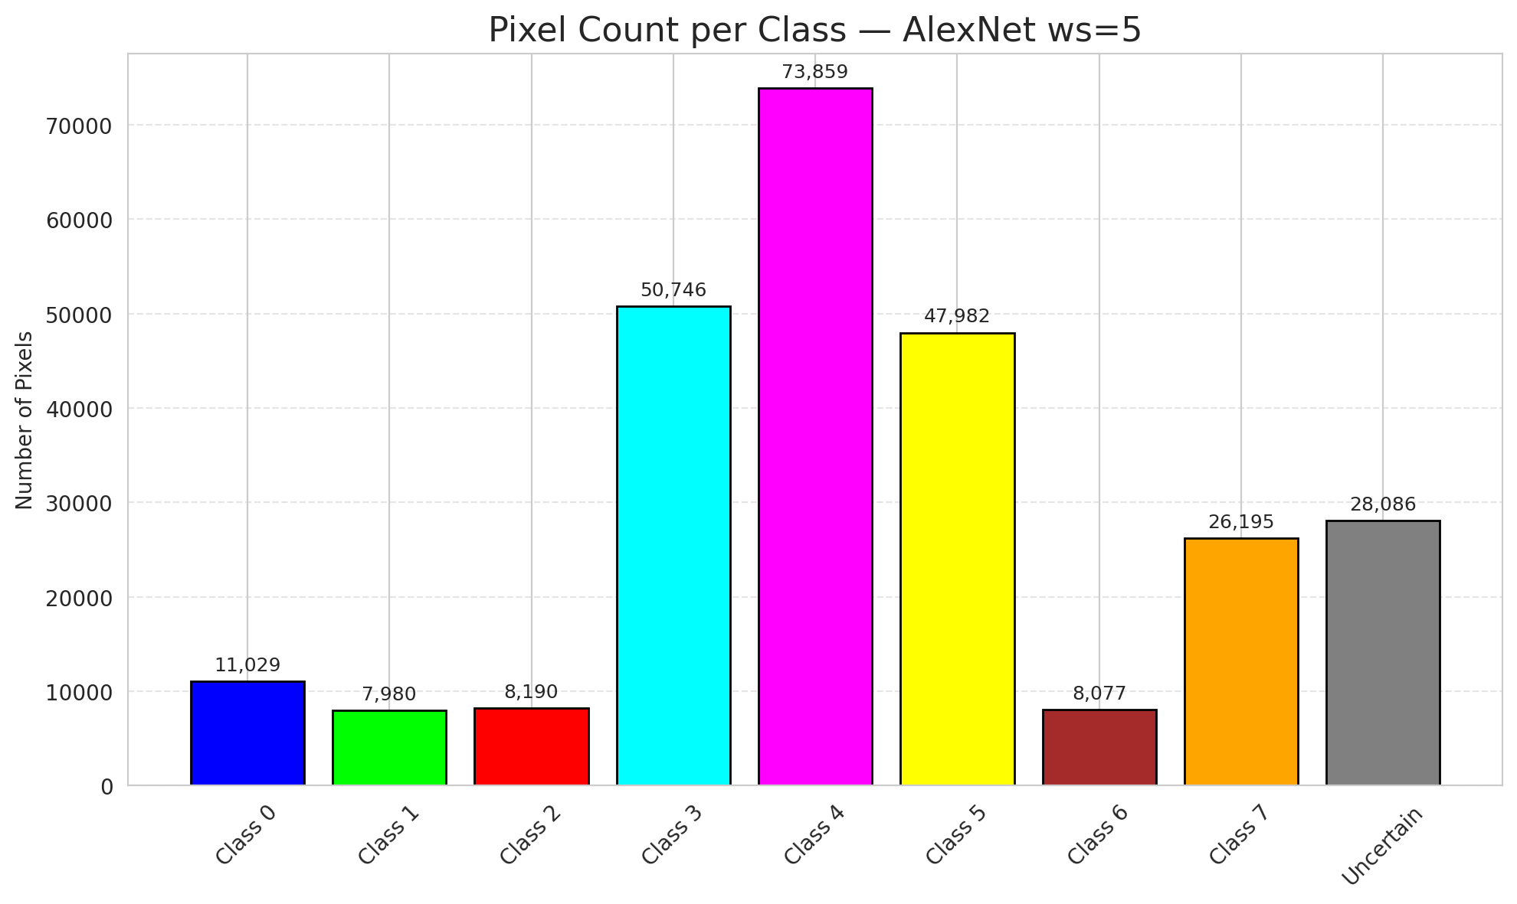
29 | 0.9799 | 0.9661 | 172 | 0.51343283582 | 5
30 | 0.1448 | 0.3406 | 146 | 0.43582089552 | 3
31 | 0.8717 | 0.5813 | 8 | 0.023880597015 | 3
32 | 0.5901 | 0.7664 | 275 | 0.82089552239 | 3
33 | 0.6681 | 0.5406 | 217 | 0.64776119403 | 4
34 | 0.8891 | 0.2683 | 159 | 0.47462686567 | 4
35 | 0.8624 | 0.8133 | 261 | 0.77910447761 | 3
36 | 0.8124 | 0.3708 | 186 | 0.5552238806 | 4
37 | 0.7503 | 0.1375 | 191 | 0.57014925373 | 4
38 | 0.1771 | 0.0531 | 298 | 0.88955223881 | 1
39 | 0.8419 | 0.733 | 210 | 0.62686567164 | 1
40 | 0.5757 | 0.3896 | 187 | 0.55820895522 | 5
41 | 0.7423 | 0.2819 | 179 | 0.53432835821 | 1
42 | 0.7952 | 0.9845 | 323 | 0.96417910448 | 0
43 | 0.4093 | 0.2312 | 307 | 0.91641791045 | 1
44 | 0.6503 | 0.8857 | 299 | 0.89253731343 | 5
45 | 0.0971 | 0.2365 | 288 | 0.85970149254 | 4
46 | 0.0325 | 0.8922 | 170 | 0.50746268657 | 4
47 | 0.338 | 0.6359 | 42 | 0.12537313433 | 3
48 | 0.65 | 0.4487 | 39 | 0.11641791045 | 1
49 | 0.1585 | 0.5987 | 83 | 0.24776119403 | 4
50 | 0.7434 | 0.4288 | 166 | 0.49552238806 | 3
51 | 0.7628 | 0.5319 | 294 | 0.8776119403 | 1
52 | 0.1272 | 0.9952 | 120 | 0.35820895522 | 4
53 | 0.6849 | 0.9056 | 325 | 0.97014925373 | 4
54 | 0.1089 | 0.7289 | 328 | 0.97910447761 | 5
55 | 0.7893 | 0.3053 | 167 | 0.49850746269 | 0
56 | 0.5588 | 0.3451 | 259 | 0.77313432836 | 5
57 | 0.0997 | 0.4648 | 220 | 0.65671641791 | 5
58 | 0.3753 | 0.7444 | 25 | 0.074626865672 | 5
59 | 0.0811 | 0.1589 | 320 | 0.9552238806 | 4
60 | 0.0574 | 0.0103 | 152 | 0.45373134328 | 4
61 | 0.4656 | 0.8803 | 11 | 0.032835820896 | 5
62 | 0.239 | 0.0532 | 88 | 0.26268656716 | 4
63 | 0.1507 | 0.2101 | 189 | 0.56417910448 | 7
64 | 0.196 | 0.292 | 231 | 0.68955223881 | 6
65 | 0.1422 | 0.3879 | 306 | 0.91343283582 | 1
66 | 0.4145 | 0.2838 | 125 | 0.37313432836 | 4
67 | 0.037 | 0.9439 | 91 | 0.27164179104 | 3
68 | 0.961 | 0.5585 | 31 | 0.092537313433 | 3
69 | 0.2217 | 0.5486 | 4 | 0.011940298507 | 5
70 | 0.1348 | 0.2208 | 153 | 0.45671641791 | 3
71 | 0.2322 | 0.2399 | 207 | 0.61791044776 | 4
72 | 0.0347 | 0.0997 | 164 | 0.48955223881 | 0
73 | 0.7886 | 0.5327 | 124 | 0.37014925373 | 3
74 | 0.7549 | 0.5764 | 214 | 0.63880597015 | 4
75 | 0.519 | 0.1942 | 237 | 0.70746268657 | 0
76 | 0.962 | 0.5365 | 321 | 0.95820895522 | 0
77 | 0.3743 | 0.9119 | 128 | 0.38208955224 | 4
78 | 0.0443 | 0.5005 | 240 | 0.71641791045 | 1
79 | 0.2887 | 0.1151 | 46 | 0.13731343284 | 4
80 | 0.1719 | 0.0573 | 96 | 0.28656716418 | 4
81 | 0.813 | 0.0467 | 284 | 0.84776119403 | 0
82 | 0.087 | 0.547 | 317 | 0.94626865672 | 3
83 | 0.5665 | 0.6811 | 133 | 0.39701492537 | 5
84 | 0.9842 | 0.4138 | 197 | 0.58805970149 | 0
85 | 0.2454 | 0.0018 | 198 | 0.59104477612 | 5
86 | 0.0012 | 0.2416 | 89 | 0.26567164179 | 0
87 | 0.3432 | 0.2601 | 5 | 0.014925373134 | 3
88 | 0.4588 | 0.9969 | 219 | 0.65373134328 | 0
89 | 0.5225 | 0.4994 | 235 | 0.70149253731 | 1
90 | 0.3213 | 0.2925 | 247 | 0.73731343284 | 4
91 | 0.1774 | 0.9722 | 290 | 0.86567164179 | 1
92 | 0.0788 | 0.0089 | 200 | 0.59701492537 | 5
93 | 0.0729 | 0.5217 | 76 | 0.22686567164 | 5
94 | 0.2492 | 0.6287 | 257 | 0.7671641791 | 1
95 | 0.0231 | 0.5319 | 138 | 0.41194029851 | 3
96 | 0.4009 | 0.7817 | 126 | 0.37611940299 | 4
97 | 0.732 | 0.2021 | 68 | 0.20298507463 | 0
98 | 0.4797 | 0.3176 | 84 | 0.25074626866 | 4
99 | 0.2984 | 0.1147 | 103 | 0.30746268657 | 1
100 | 0.5009 | 0.1933 | 270 | 0.80597014925 | 4
101 | 0.0069 | 0.4434 | 101 | 0.30149253731 | 1
102 | 0.6361 | 0.5775 | 12 | 0.035820895522 | 0
103 | 0.9875 | 0.9059 | 313 | 0.93432835821 | 4
104 | 0.1631 | 0.3376 | 222 | 0.66268656716 | 3
105 | 0.49 | 0.3059 | 252 | 0.75223880597 | 4
106 | 0.6578 | 0.3108 | 109 | 0.32537313433 | 4
107 | 0.4117 | 0.7555 | 173 | 0.51641791045 | 0
108 | 0.0602 | 0.8907 | 184 | 0.54925373134 | 3
109 | 0.6346 | 0.3036 | 35 | 0.10447761194 | 0
110 | 0.1217 | 0.8375 | 160 | 0.4776119403 | 5
111 | 0.7393 | 0.8309 | 22 | 0.065671641791 | 4
112 | 0.2039 | 0.0529 | 7 | 0.020895522388 | 1
113 | 0.0109 | 0.2488 | 107 | 0.31940298507 | 7
114 | 0.3063 | 0.9721 | 316 | 0.94328358209 | 4
115 | 0.3835 | 0.3077 | 277 | 0.82686567164 | 0
116 | 0.0354 | 0.1293 | 287 | 0.85671641791 | 4
117 | 0.7519 | 0.7154 | 16 | 0.04776119403 | 5
118 | 0.8504 | 0.3195 | 221 | 0.65970149254 | 4
119 | 0.0077 | 0.6957 | 182 | 0.54328358209 | 4
120 | 0.504 | 0.6103 | 17 | 0.050746268657 | 3
121 | 0.6266 | 0.1333 | 241 | 0.71940298507 | 3
122 | 0.3686 | 0.8276 | 158 | 0.47164179104 | 4
123 | 0.2371 | 0.6142 | 330 | 0.98507462687 | 4
124 | 0.9586 | 0.4628 | 145 | 0.4328358209 | 0
125 | 0.5302 | 0.8692 | 175 | 0.5223880597 | 0
126 | 0.4752 | 0.7436 | 249 | 0.74328358209 | 0
127 | 0.0782 | 0.2489 | 274 | 0.81791044776 | 4
128 | 0.2373 | 0.8594 | 267 | 0.79701492537 | 4
129 | 0.9402 | 0.4302 | 9 | 0.026865671642 | 4
130 | 0.3259 | 0.1968 | 36 | 0.10746268657 | 5
131 | 0.9418 | 0.2326 | 163 | 0.48656716418 | 3
132 | 0.4123 | 0.8035 | 212 | 0.6328358209 | 0
133 | 0.9326 | 0.0408 | 226 | 0.67462686567 | 1
134 | 0.1295 | 0.8092 | 161 | 0.48059701493 | 3
135 | 0.4024 | 0.3295 | 264 | 0.78805970149 | 4
136 | 0.8669 | 0.2503 | 242 | 0.7223880597 | 5
137 | 0.9734 | 0.1865 | 319 | 0.95223880597 | 3
138 | 0.3631 | 0.6481 | 329 | 0.98208955224 | 5
139 | 0.0343 | 0.599 | 276 | 0.82388059701 | 7
140 | 0.5885 | 0.5763 | 300 | 0.89552238806 | 3
141 | 0.1519 | 0.7456 | 111 | 0.33134328358 | 1
142 | 0.2322 | 0.381 | 301 | 0.89850746269 | 0
143 | 0.6885 | 0.8902 | 95 | 0.28358208955 | 2
144 | 0.4273 | 0.5099 | 206 | 0.61492537313 | 2
145 | 0.6005 | 0.9634 | 183 | 0.54626865672 | 4
146 | 0.9975 | 0.921 | 157 | 0.46865671642 | 0
147 | 0.6274 | 0.146 | 192 | 0.57313432836 | 1
148 | 0.2884 | 0.4924 | 115 | 0.34328358209 | 7
149 | 0.3085 | 0.791 | 176 | 0.52537313433 | 7
150 | 0.7641 | 0.6231 | 75 | 0.22388059701 | 5
151 | 0.2475 | 0.9176 | 131 | 0.39104477612 | 0
152 | 0.7955 | 0.7142 | 112 | 0.33432835821 | 2
153 | 0.7422 | 0.5612 | 19 | 0.05671641791 | 0
154 | 0.6073 | 0.5962 | 119 | 0.3552238806 | 3
155 | 0.0551 | 0.4059 | 168 | 0.50149253731 | 3
156 | 0.7213 | 0.2254 | 102 | 0.30447761194 | 4
157 | 0.221 | 0.1755 | 34 | 0.10149253731 | 0
158 | 0.5145 | 0.3283 | 87 | 0.25970149254 | 1
159 | 0.8132 | 0.1641 | 141 | 0.42089552239 | 3
160 | 0.2993 | 0.7153 | 250 | 0.74626865672 | 3
161 | 0.3003 | 0.7269 | 90 | 0.26865671642 | 4
162 | 0.4146 | 0.4335 | 285 | 0.85074626866 | 0
163 | 0.6723 | 0.603 | 177 | 0.52835820896 | 0
164 | 0.6598 | 0.784 | 263 | 0.78507462687 | 0
165 | 0.8714 | 0.1907 | 59 | 0.17611940299 | 0
166 | 0.983 | 0.6778 | 14 | 0.041791044776 | 0
167 | 0.9668 | 0.3535 | 209 | 0.62388059701 | 4
168 | 0.803 | 0.4219 | 279 | 0.8328358209 | 4
169 | 0.0241 | 0.4521 | 80 | 0.23880597015 | 0
170 | 0.6525 | 0.1072 | 239 | 0.71343283582 | 5
171 | 0.4212 | 0.2609 | 203 | 0.60597014925 | 5
172 | 0.047 | 0.7892 | 54 | 0.16119402985 | 0
173 | 0.6578 | 0.7983 | 156 | 0.46567164179 | 5
174 | 0.9049 | 0.2247 | 98 | 0.29253731343 | 0
175 | 0.2164 | 0.5662 | 117 | 0.34925373134 | 1
176 | 0.4659 | 0.2197 | 18 | 0.053731343284 | 0
177 | 0.6842 | 0.3882 | 234 | 0.69850746269 | 3
178 | 0.7863 | 0.5571 | 312 | 0.93134328358 | 4
179 | 0.5865 | 0.8515 | 309 | 0.9223880597 | 4
180 | 0.0418 | 0.1653 | 48 | 0.14328358209 | 7
181 | 0.2885 | 0.5815 | 40 | 0.11940298507 | 1
182 | 0.6474 | 0.7707 | 272 | 0.81194029851 | 4
183 | 0.397 | 0.5766 | 185 | 0.55223880597 | 5
184 | 0.651 | 0.8811 | 265 | 0.79104477612 | 4
185 | 0.1048 | 0.1844 | 56 | 0.1671641791 | 3
186 | 0.7202 | 0.1108 | 49 | 0.14626865672 | 5
187 | 0.7101 | 0.9509 | 148 | 0.44179104478 | 3
188 | 0.8404 | 0.5736 | 129 | 0.38507462687 | 4
189 | 0.5895 | 0.906 | 236 | 0.70447761194 | 3
190 | 0.3616 | 0.5978 | 100 | 0.29850746269 | 4
191 | 0.464 | 0.6264 | 273 | 0.81492537313 | 3
192 | 0.047 | 0.9997 | 99 | 0.29552238806 | 4
193 | 0.952 | 0.8924 | 66 | 0.19701492537 | 0
194 | 0.128 | 0.7271 | 228 | 0.68059701493 | 3
195 | 0.3344 | 0.19 | 106 | 0.31641791045 | 7
196 | 0.5583 | 0.2733 | 43 | 0.12835820896 | 3
197 | 0.0283 | 0.8669 | 82 | 0.2447761194 | 5
198 | 0.5417 | 0.0053 | 51 | 0.15223880597 | 0
199 | 0.3957 | 0.2585 | 154 | 0.45970149254 | 4
200 | 0.8186 | 0.5378 | 278 | 0.82985074627 | 0
201 | 0.8977 | 0.5894 | 10 | 0.029850746269 | 0
202 | 0.4286 | 0.6117 | 151 | 0.45074626866 | 5
203 | 0.4886 | 0.2654 | 121 | 0.36119402985 | 6
204 | 0.7741 | 0.8933 | 324 | 0.9671641791 | 4
205 | 0.9551 | 0.4798 | 26 | 0.077611940299 | 0
206 | 0.3377 | 0.5311 | 174 | 0.51940298507 | 4
207 | 0.3676 | 0.0468 | 53 | 0.15820895522 | 4
208 | 0.0332 | 0.3315 | 28 | 0.083582089552 | 0
209 | 0.2051 | 0.2047 | 37 | 0.11044776119 | 4
210 | 0.6768 | 0.8743 | 303 | 0.90447761194 | 0
211 | 0.0055 | 0.7646 | 281 | 0.83880597015 | 1
212 | 0.0021 | 0.7179 | 245 | 0.73134328358 | 1
213 | 0.7442 | 0.4712 | 238 | 0.71044776119 | 5
214 | 0.7298 | 0.5507 | 304 | 0.90746268657 | 4
215 | 0.0039 | 0.6782 | 243 | 0.72537313433 | 3
216 | 0.0145 | 0.9984 | 266 | 0.79402985075 | 5
217 | 0.0337 | 0.6106 | 311 | 0.92835820896 | 0
218 | 0.2462 | 0.9784 | 291 | 0.86865671642 | 3
219 | 0.7703 | 0.2166 | 61 | 0.18208955224 | 3
220 | 0.9599 | 0.9917 | 165 | 0.49253731343 | 4
221 | 0.5216 | 0.3452 | 171 | 0.51044776119 | 3
222 | 0.5257 | 0.8183 | 118 | 0.35223880597 | 4
223 | 0.2988 | 0.7918 | 134 | 0.4 | 7
224 | 0.1091 | 0.6328 | 41 | 0.1223880597 | 3
225 | 0.1007 | 0.8658 | 93 | 0.2776119403 | 3
226 | 0.5747 | 0.4195 | 44 | 0.13134328358 | 3
227 | 0.7191 | 0.1039 | 269 | 0.80298507463 | 0
228 | 0.5265 | 0.2877 | 314 | 0.93731343284 | 3
229 | 0.8497 | 0.5051 | 149 | 0.4447761194 | 0
230 | 0.5633 | 0.0403 | 110 | 0.32835820896 | 0
231 | 0.0406 | 0.2984 | 114 | 0.34029850746 | 0
232 | 0.3363 | 0.169 | 195 | 0.58208955224 | 7
233 | 0.5084 | 0.4729 | 322 | 0.96119402985 | 5
234 | 0.3875 | 0.1516 | 32 | 0.09552238806 | 4
235 | 0.4359 | 0.6745 | 47 | 0.14029850746 | 5
236 | 0.6226 | 0.5568 | 142 | 0.42388059701 | 6
237 | 0.5132 | 0.3064 | 62 | 0.18507462687 | 2
238 | 0.6011 | 0.3284 | 326 | 0.97313432836 | 5
239 | 0.5331 | 0.7692 | 233 | 0.69552238806 | 6
240 | 0.997 | 0.5396 | 208 | 0.62089552239 | 4
241 | 0.4706 | 0.2049 | 130 | 0.38805970149 | 4
242 | 0.0997 | 0.8871 | 139 | 0.41492537313 | 3
243 | 0.2214 | 0.9505 | 162 | 0.48358208955 | 3
244 | 0.3992 | 0.3166 | 286 | 0.85373134328 | 3
245 | 0.8528 | 0.4366 | 262 | 0.78208955224 | 4
246 | 0.1213 | 0.1856 | 73 | 0.21791044776 | 6
247 | 0.5552 | 0.3589 | 289 | 0.86268656716 | 0
248 | 0.7792 | 0.2606 | 144 | 0.42985074627 | 4
249 | 0.6455 | 0.9441 | 202 | 0.60298507463 | 3
250 | 0.9767 | 0.1104 | 143 | 0.42686567164 | 2
251 | 0.8144 | 0.6125 | 205 | 0.61194029851 | 4
252 | 0.9931 | 0.6031 | 315 | 0.94029850746 | 0
253 | 0.7356 | 0.861 | 70 | 0.20895522388 | 0
254 | 0.626 | 0.2277 | 227 | 0.6776119403 | 5
255 | 0.4765 | 0.1569 | 21 | 0.062686567164 | 5
256 | 0.3072 | 0.4289 | 230 | 0.68656716418 | 0
257 | 0.6697 | 0.2929 | 331 | 0.98805970149 | 3
258 | 0.1687 | 0.7132 | 181 | 0.54029850746 | 5
259 | 0.6599 | 0.9349 | 213 | 0.63582089552 | 4
260 | 0.3352 | 0.9328 | 292 | 0.87164179104 | 0
261 | 0.6846 | 0.2274 | 258 | 0.77014925373 | 4
262 | 0.3204 | 0.8627 | 327 | 0.97611940299 | 4
263 | 0.0483 | 0.629 | 251 | 0.74925373134 | 4
264 | 0.9518 | 0.6593 | 3 | 0.0089552238806 | 3
265 | 0.0148 | 0.6826 | 67 | 0.2 | 1
266 | 0.7031 | 0.2474 | 218 | 0.65074626866 | 3
267 | 0.2344 | 0.7424 | 140 | 0.41791044776 | 2
268 | 0.9732 | 0.6843 | 52 | 0.1552238806 | 4
269 | 0.9378 | 0.469 | 79 | 0.23582089552 | 4
270 | 0.3507 | 0.6484 | 223 | 0.66567164179 | 0
271 | 0.5846 | 0.6893 | 78 | 0.2328358209 | 0
272 | 0.9221 | 0.187 | 332 | 0.99104477612 | 4
273 | 0.8092 | 0.231 | 81 | 0.24179104478 | 0
274 | 0.8201 | 0.1258 | 248 | 0.74029850746 | 0
275 | 0.88 | 0.494 | 211 | 0.62985074627 | 1
276 | 0.5218 | 0.5989 | 297 | 0.88656716418 | 6
277 | 0.3789 | 0.1859 | 94 | 0.28059701493 | 1
278 | 0.5146 | 0.0114 | 20 | 0.059701492537 | 7
279 | 0.1803 | 0.0638 | 232 | 0.69253731343 | 0
280 | 0.9458 | 0.6599 | 255 | 0.76119402985 | 4
281 | 0.3533 | 0.196 | 15 | 0.044776119403 | 4
282 | 0.9134 | 0.6765 | 194 | 0.57910447761 | 3
283 | 0.9567 | 0.9412 | 6 | 0.017910447761 | 0
284 | 0.6248 | 0.7956 | 71 | 0.21194029851 | 3
285 | 0.98 | 0.9931 | 199 | 0.59402985075 | 4
286 | 0.2978 | 0.382 | 2 | 0.0059701492537 | 3
287 | 0.8519 | 0.9726 | 335 | 1 | 4
288 | 0.0423 | 0.7134 | 190 | 0.5671641791 | 5
289 | 0.3841 | 0.0867 | 244 | 0.72835820896 | 3
290 | 0.1022 | 0.4223 | 127 | 0.37910447761 | 5
291 | 0.4658 | 0.9142 | 137 | 0.40895522388 | 2
292 | 0.7646 | 0.5284 | 334 | 0.99701492537 | 3
293 | 0.9318 | 0.6144 | 45 | 0.13432835821 | 3
294 | 0.2163 | 0.6001 | 72 | 0.21492537313 | 3
295 | 0.8163 | 0.9607 | 246 | 0.73432835821 | 3
296 | 0.2972 | 0.1371 | 69 | 0.20597014925 | 7
297 | 0.8393 | 0.207 | 196 | 0.58507462687 | 6
298 | 0.9545 | 0.3587 | 271 | 0.80895522388 | 3
299 | 0.4392 | 0.9622 | 180 | 0.53731343284 | 4
300 | 0.1212 | 0.7227 | 33 | 0.098507462687 | 4
301 | 0.7668 | 0.9767 | 104 | 0.31044776119 | 1
302 | 0.1338 | 0.0333 | 27 | 0.080597014925 | 2
303 | 0.1421 | 0.1862 | 58 | 0.17313432836 | 4
304 | 0.6777 | 0.4068 | 147 | 0.43880597015 | 0
305 | 0.4874 | 0.1994 | 308 | 0.91940298507 | 0
306 | 0.8333 | 0.7616 | 302 | 0.90149253731 | 5
307 | 0.9532 | 0.9567 | 30 | 0.089552238806 | 4
308 | 0.1232 | 0.0958 | 86 | 0.25671641791 | 0
309 | 0.4732 | 0.435 | 318 | 0.94925373134 | 0
310 | 0.6264 | 0.2432 | 254 | 0.75820895522 | 4
311 | 0.3846 | 0.5824 | 296 | 0.88358208955 | 4
312 | 0.1703 | 0.53 | 57 | 0.17014925373 | 1
313 | 0.6423 | 0.0702 | 1 | 0.0029850746269 | 3
314 | 0.8421 | 0.7639 | 113 | 0.33731343284 | 0
315 | 0.9819 | 0.4387 | 155 | 0.46268656716 | 3
316 | 0.1195 | 0.2111 | 305 | 0.91044776119 | 3
317 | 0.4023 | 0.8052 | 13 | 0.038805970149 | 0
318 | 0.1688 | 0.2454 | 123 | 0.3671641791 | 3
319 | 0.1065 | 0.8481 | 310 | 0.92537313433 | 0
320 | 0.7203 | 0.9756 | 23 | 0.068656716418 | 1
321 | 0.4916 | 0.7682 | 116 | 0.34626865672 | 3
322 | 0.47 | 0.5257 | 92 | 0.27462686567 | 4
323 | 0.692 | 0.7109 | 224 | 0.66865671642 | 3
324 | 0.7349 | 0.1966 | 135 | 0.40298507463 | 0
325 | 0.3829 | 0.7993 | 64 | 0.19104477612 | 0
326 | 0.2057 | 0.7633 | 97 | 0.28955223881 | 5
327 | 0.5759 | 0.1865 | 38 | 0.11343283582 | 1
328 | 0.8536 | 0.3358 | 215 | 0.64179104478 | 4
329 | 0.2814 | 0.7723 | 65 | 0.19402985075 | 3
330 | 0.1202 | 0.8691 | 105 | 0.31343283582 | 0
331 | 0.9194 | 0.0952 | 63 | 0.18805970149 | 1
332 | 0.0398 | 0.5889 | 169 | 0.50447761194 | 3
333 | 0.9614 | 0.4514 | 85 | 0.25373134328 | 4
334 | 0.6413 | 0.1119 | 24 | 0.071641791045 | 1
335 | 0.3076 | 0.0026 | 60 | 0.17910447761 | 3

GFNet_RAPS_ws5
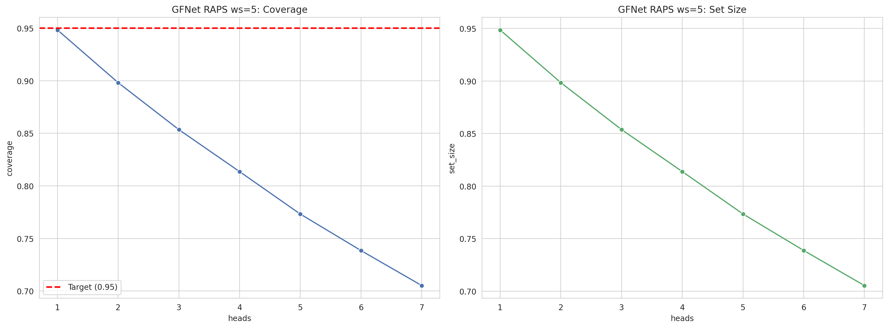
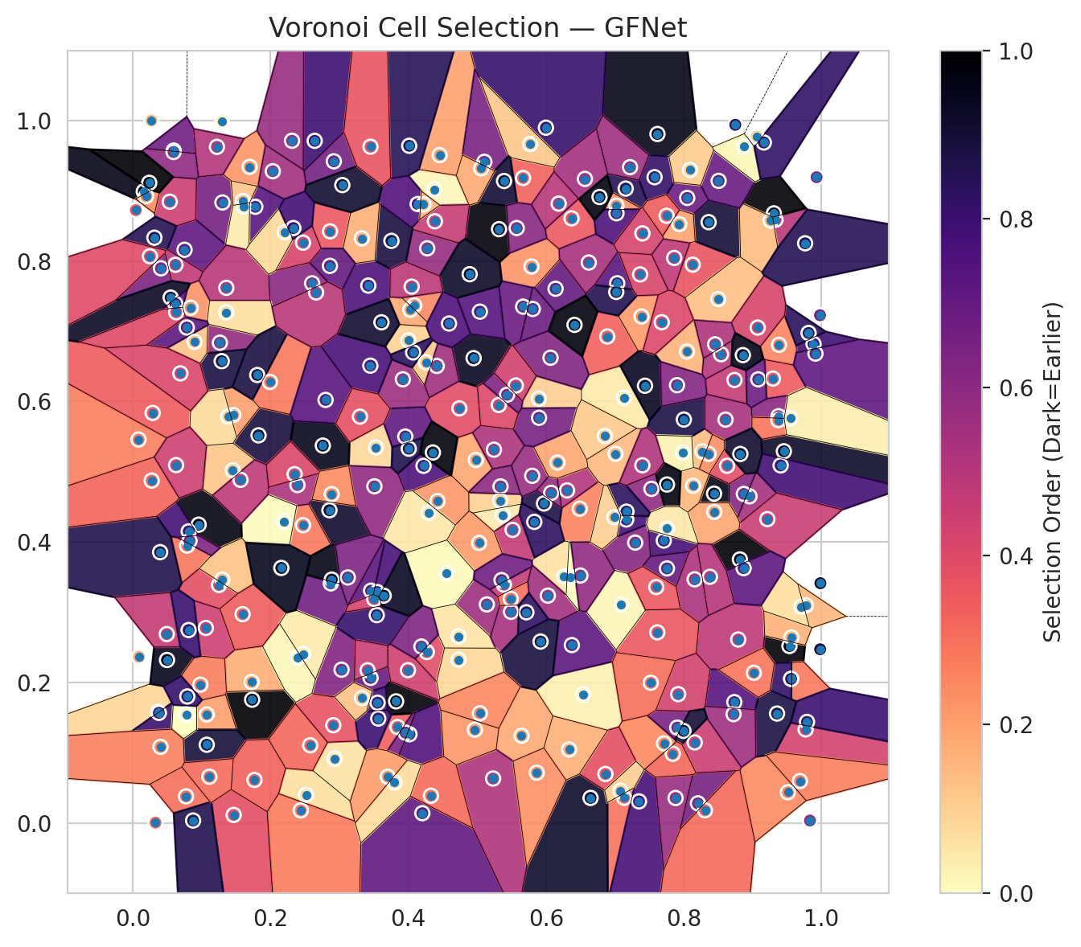
model_key | GFNet_MultiHead
model_name | GFNet
scoring_method | RAPS
window_size | 5
lambda | 0.5
k_iters | 1
empirical_coverage | 0.70521003414
avg_set_size | 0.70535846816
scene_coverage | 0.16526444606
scene_avg_set_size | 1.0364576337
uncertain_pixel_rate | 0.17561721802
mean_per_class_cov | 0.70243738287
runtime_sec | 144.22078619
alpha | 0.05

heads | coverage | set_size |  |  | class_id | class_coverage | support_count | Class | Pixels
1 | 0.94834496066 | 0.94864182871 |  |  | 0 | 0.72697368421 | 1216 | Class 0 | 11292
2 | 0.89817426154 | 0.89847112958 |  |  | 1 | 0.71022727273 | 704 | Class 1 | 7332
3 | 0.8534956212 | 0.85379248924 |  |  | 2 | 0.71024734982 | 283 | Class 2 | 9928
4 | 0.81356686953 | 0.81386373757 |  |  | 3 | 0.68351648352 | 1365 | Class 3 | 42977
5 | 0.77319281579 | 0.77348968384 |  |  | 4 | 0.71949685535 | 1590 | Class 4 | 78403
6 | 0.73845925486 | 0.7387561229 |  |  | 5 | 0.69216241737 | 1059 | Class 5 | 41266
7 | 0.70521003414 | 0.70535846816 |  |  | 6 | 0.705 | 200 | Class 6 | 3968
 |  |  |  |  | 7 | 0.671875 | 320 | Class 7 | 20941
 |  |  |  |  |  |  |  | Uncertain | 46037
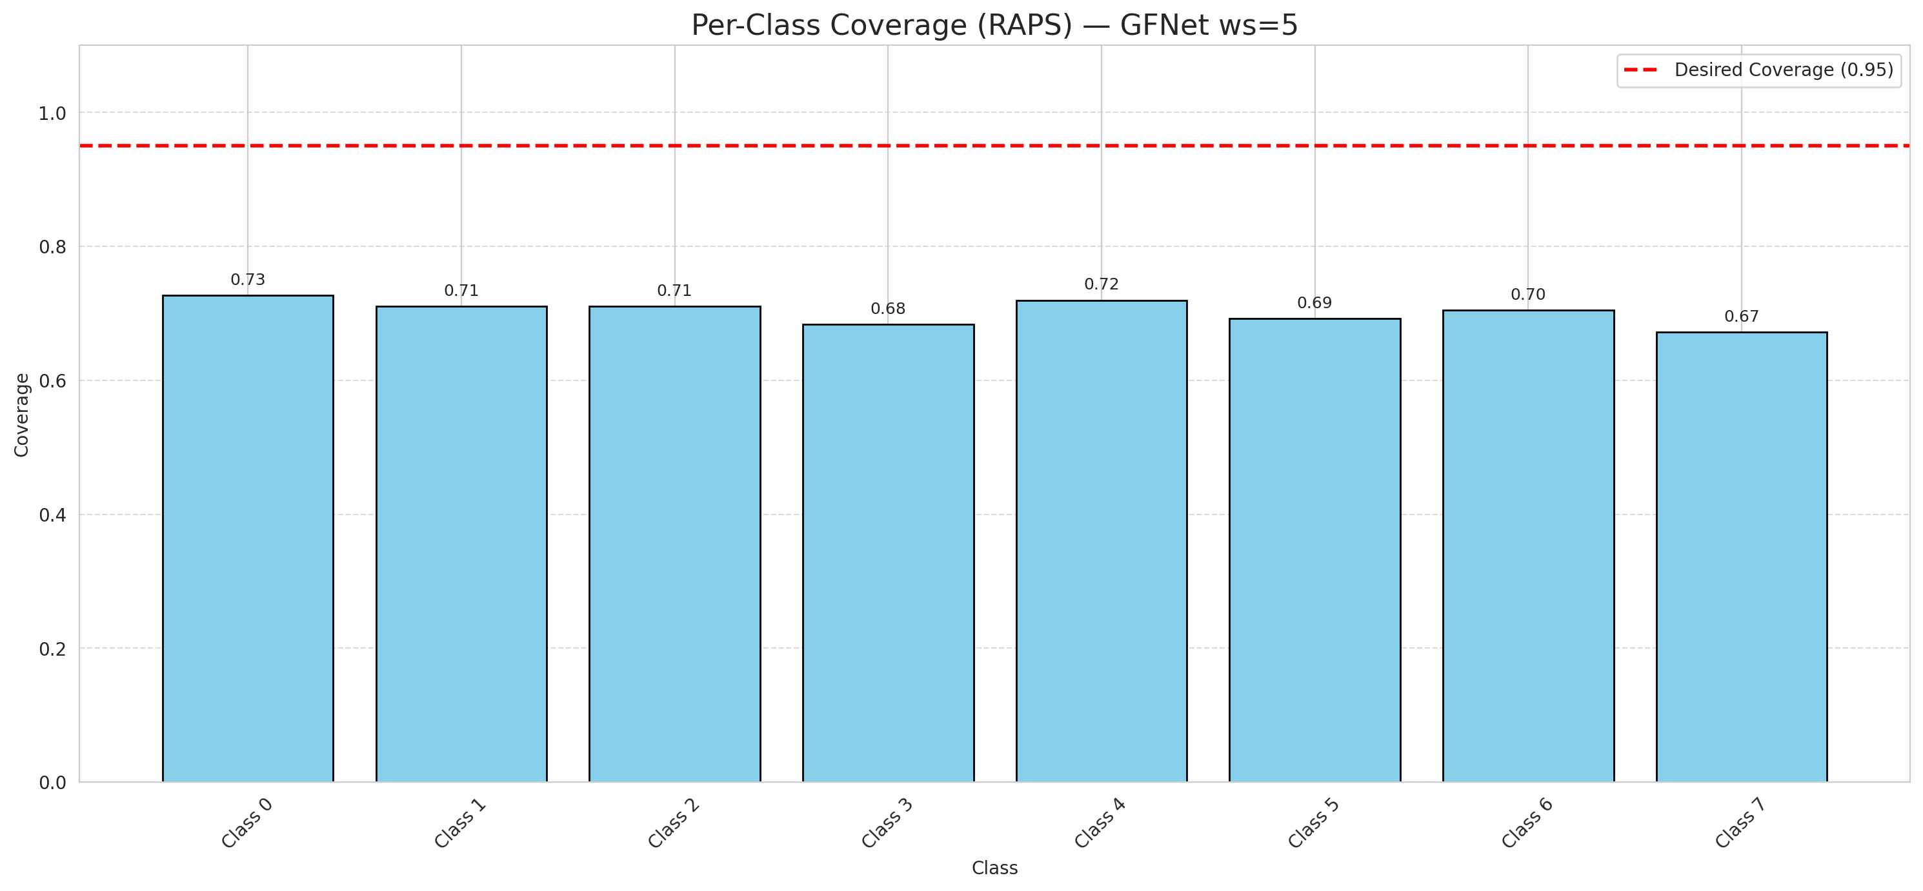

Cell Index | s1 | s2 | Selection_Order | Norm_Order(0-1) | Target
0 | 0.0085 | 0.5458 | 89 | 0.26567164179 | 5
1 | 0.079 | 0.3948 | 96 | 0.28656716418 | 0
2 | 0.4379 | 0.9019 | 5 | 0.014925373134 | 2
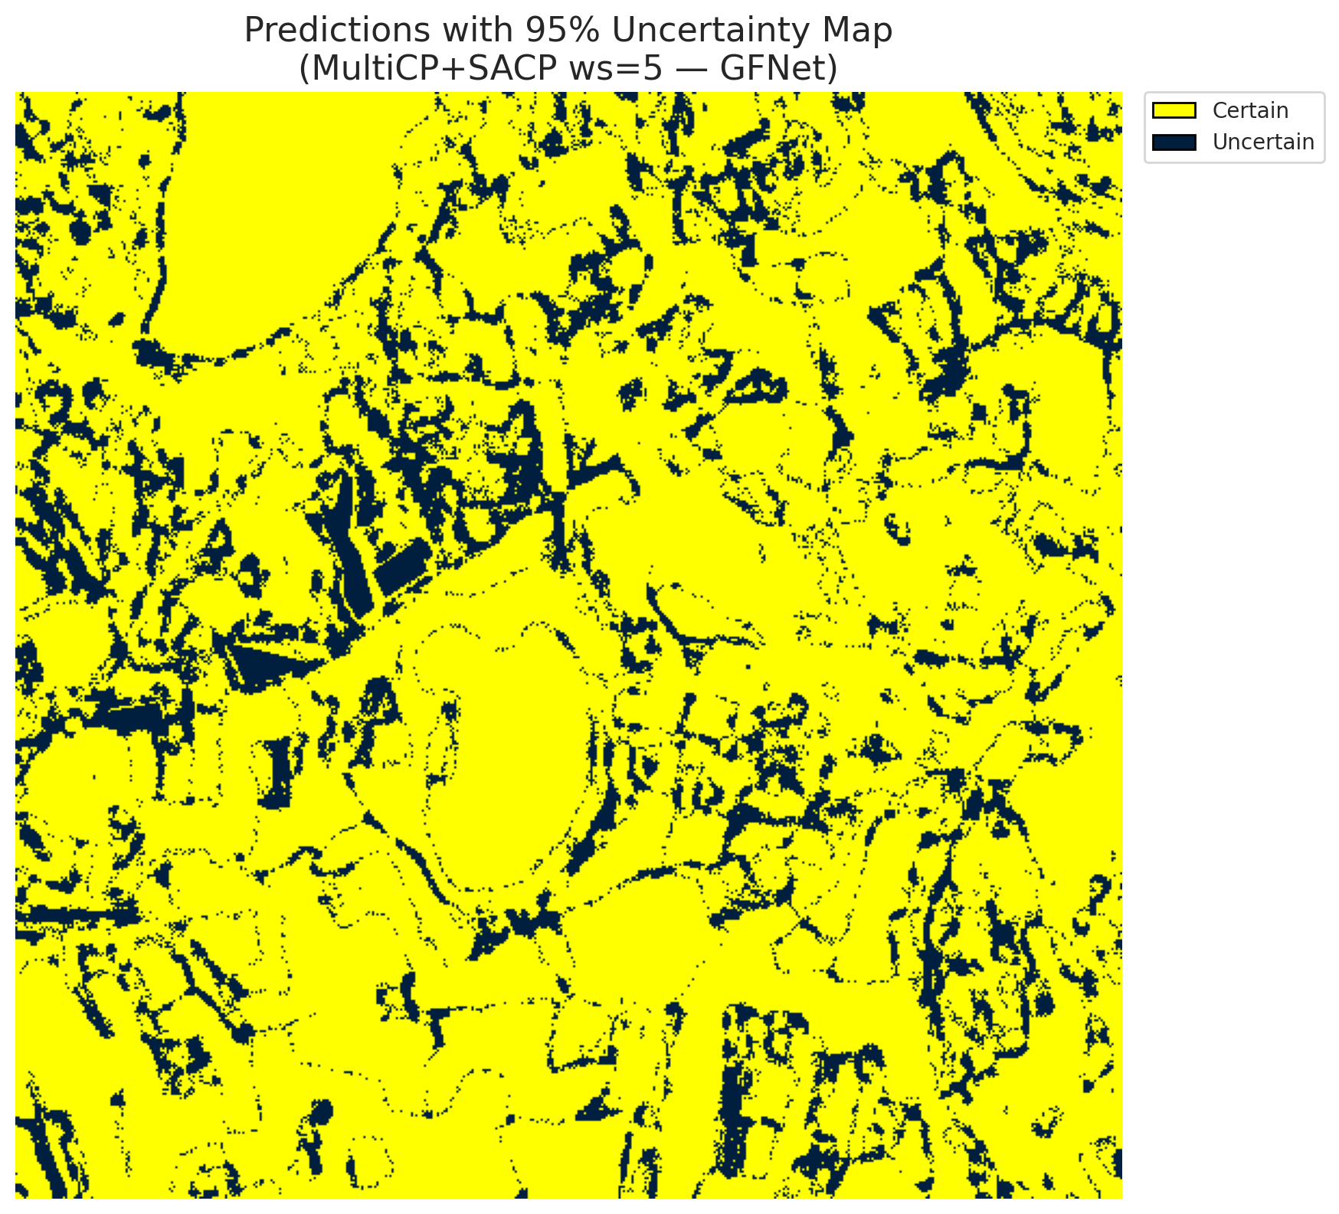
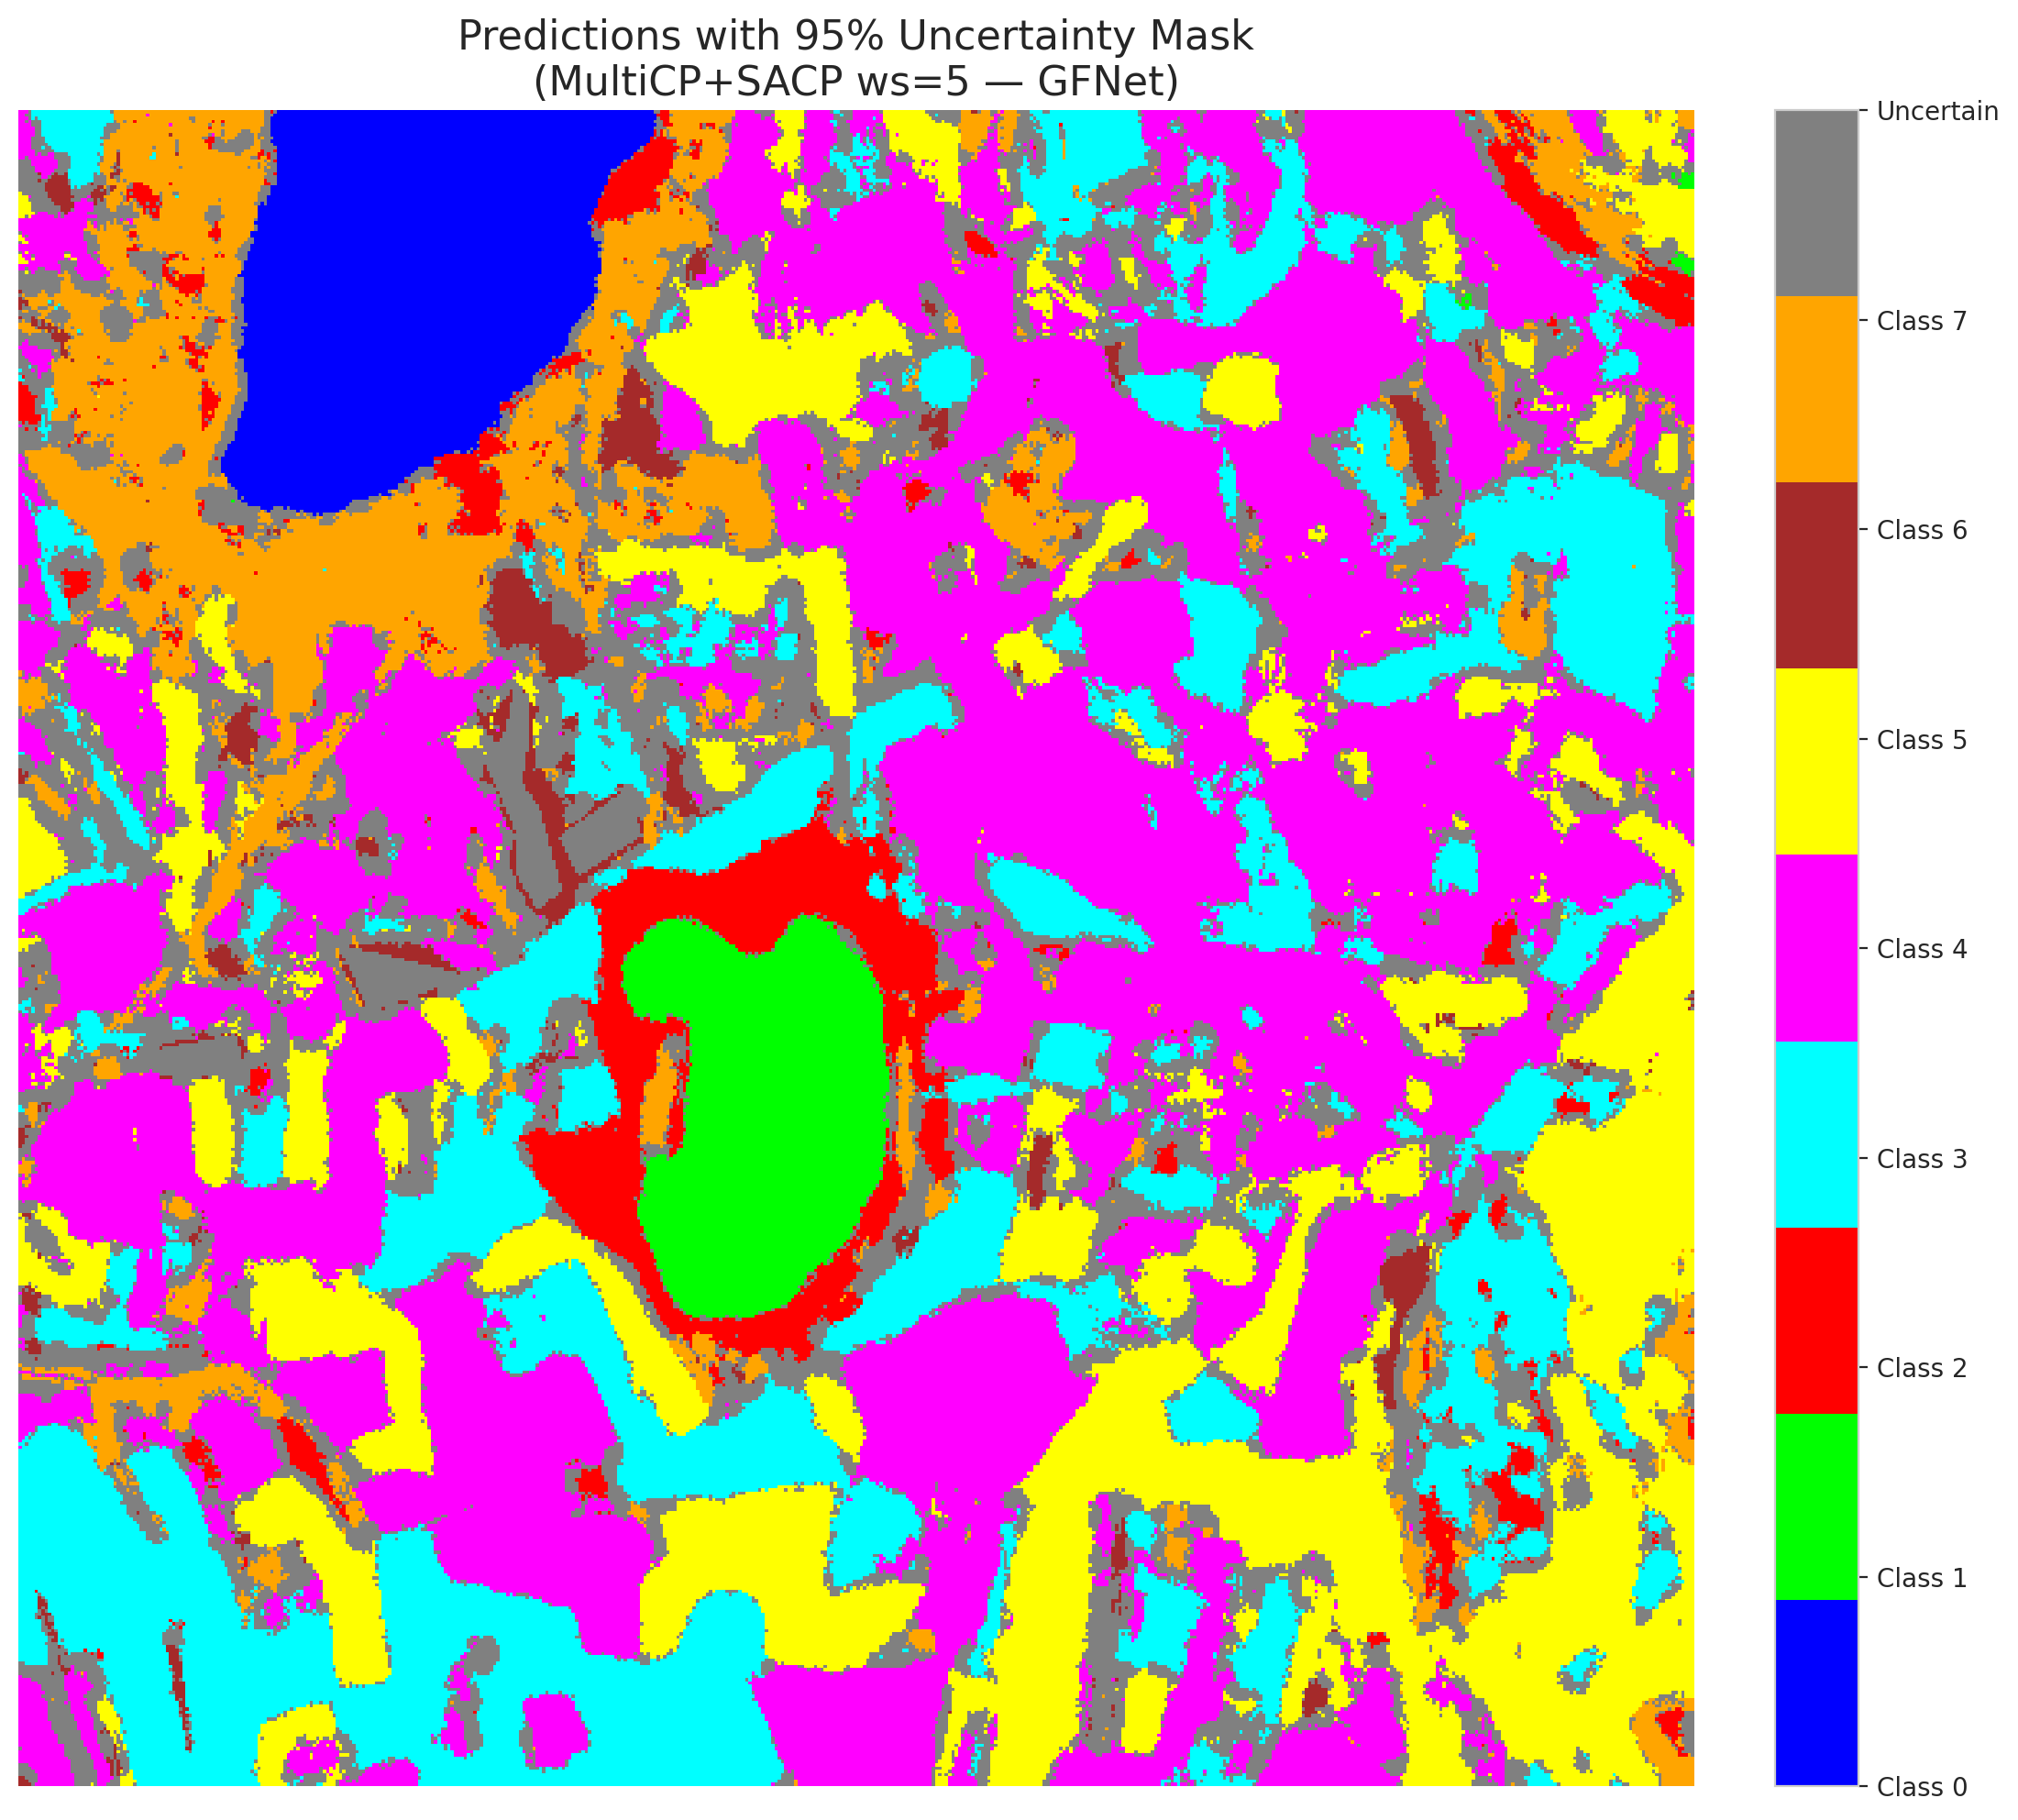
3 | 0.844 | 0.4688 | 323 | 0.96417910448 | 5
4 | 0.0161 | 0.899 | 321 | 0.95820895522 | 0
5 | 0.813 | 0.7948 | 122 | 0.36417910448 | 3
6 | 0.0272 | 0.9999 | 49 | 0.14626865672 | 3
7 | 0.6139 | 0.7605 | 233 | 0.69552238806 | 5
8 | 0.9534 | 0.2519 | 331 | 0.98805970149 | 3
9 | 0.1827 | 0.5518 | 298 | 0.88955223881 | 2
10 | 0.8736 | 0.6306 | 157 | 0.46865671642 | 0
11 | 0.2518 | 0.0399 | 21 | 0.062686567164 | 0
12 | 0.2605 | 0.7682 | 203 | 0.60597014925 | 4
13 | 0.1734 | 0.1755 | 334 | 0.99701492537 | 1
14 | 0.9511 | 0.0437 | 82 | 0.2447761194 | 0
15 | 0.5334 | 0.459 | 32 | 0.09552238806 | 0
16 | 0.1993 | 0.6278 | 95 | 0.28358208955 | 4
17 | 0.7531 | 0.4756 | 200 | 0.59701492537 | 3
18 | 0.7618 | 0.9808 | 320 | 0.9552238806 | 5
19 | 0.427 | 0.2433 | 132 | 0.39402985075 | 0
20 | 0.8047 | 0.6711 | 53 | 0.15820895522 | 1
21 | 0.7034 | 0.7683 | 245 | 0.73134328358 | 4
22 | 0.041 | 0.7896 | 215 | 0.64179104478 | 2
23 | 0.3453 | 0.2065 | 232 | 0.69253731343 | 4
24 | 0.1253 | 0.3388 | 128 | 0.38208955224 | 0
25 | 0.1726 | 0.2006 | 57 | 0.17014925373 | 1
26 | 0.1303 | 0.8833 | 221 | 0.65970149254 | 0
27 | 0.2856 | 0.4451 | 307 | 0.91641791045 | 5
28 | 0.2473 | 0.4238 | 94 | 0.28059701493 | 5
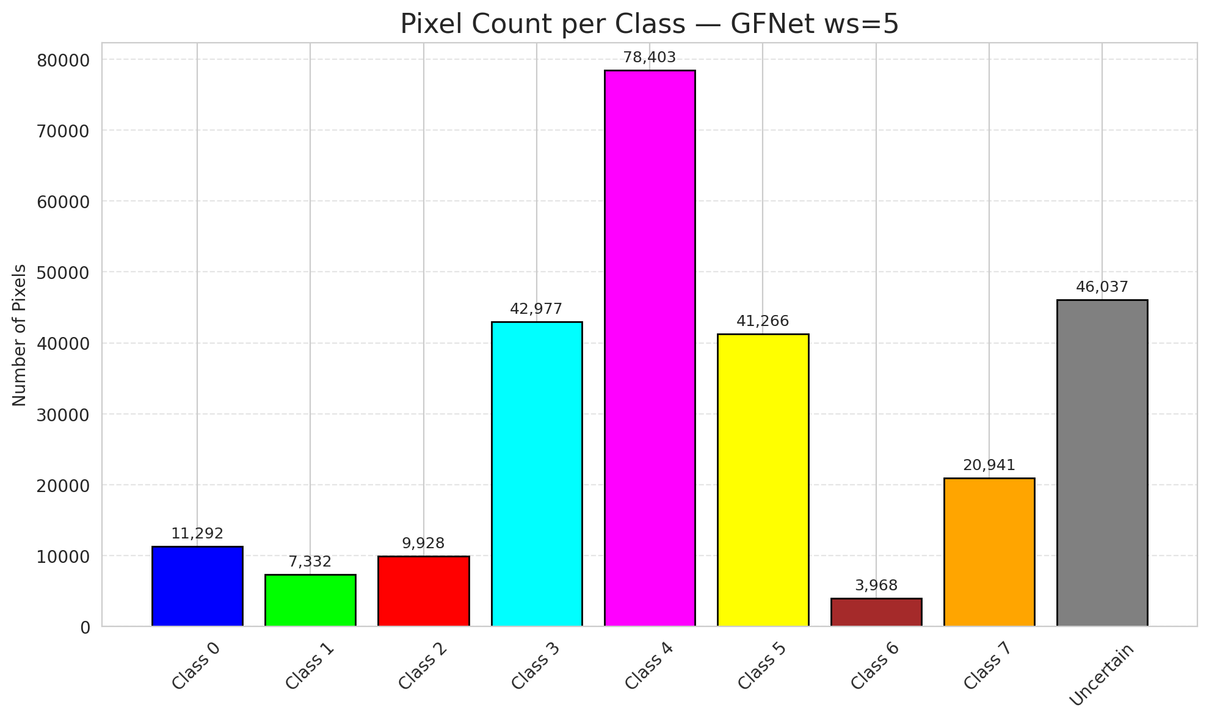
29 | 0.1698 | 0.934 | 74 | 0.22089552239 | 5
30 | 0.9057 | 0.9773 | 29 | 0.086567164179 | 3
31 | 0.649 | 0.4473 | 87 | 0.25970149254 | 3
32 | 0.8361 | 0.8553 | 300 | 0.89552238806 | 3
33 | 0.6306 | 0.4734 | 171 | 0.51044776119 | 4
34 | 0.1266 | 0.6837 | 195 | 0.58208955224 | 4
35 | 0.029 | 0.5837 | 116 | 0.34626865672 | 3
36 | 0.3844 | 0.1365 | 113 | 0.33731343284 | 4
37 | 0.8541 | 0.6672 | 169 | 0.50447761194 | 4
38 | 0.6536 | 0.1829 | 10 | 0.029850746269 | 1
39 | 0.5789 | 0.7921 | 75 | 0.22388059701 | 1
40 | 0.771 | 0.402 | 259 | 0.77313432836 | 5
41 | 0.2392 | 0.481 | 177 | 0.52835820896 | 1
42 | 0.0753 | 0.816 | 238 | 0.71044776119 | 0
43 | 0.9453 | 0.5291 | 310 | 0.92537313433 | 1
44 | 0.0842 | 0.7334 | 77 | 0.22985074627 | 5
45 | 0.8954 | 0.465 | 181 | 0.54029850746 | 4
46 | 0.8872 | 0.4684 | 208 | 0.62089552239 | 4
47 | 0.3421 | 0.765 | 255 | 0.76119402985 | 3
48 | 0.0371 | 0.158 | 30 | 0.089552238806 | 1
49 | 0.9884 | 0.6818 | 265 | 0.79104477612 | 4
50 | 0.5371 | 0.4385 | 12 | 0.035820895522 | 3
51 | 0.5515 | 0.4172 | 156 | 0.46567164179 | 1
52 | 0.7714 | 0.1131 | 83 | 0.24776119403 | 4
53 | 0.8136 | 0.48 | 52 | 0.1552238806 | 4
54 | 0.1359 | 0.7269 | 22 | 0.065671641791 | 5
55 | 0.4088 | 0.7367 | 85 | 0.25373134328 | 0
56 | 0.5389 | 0.3393 | 155 | 0.46268656716 | 5
57 | 0.6371 | 0.8607 | 119 | 0.3552238806 | 5
58 | 0.6375 | 0.2532 | 242 | 0.7223880597 | 5
59 | 0.2876 | 0.3411 | 225 | 0.67164179104 | 4
60 | 0.3922 | 0.6316 | 189 | 0.56417910448 | 4
61 | 0.2194 | 0.429 | 2 | 0.0059701492537 | 5
62 | 0.6262 | 0.3508 | 20 | 0.059701492537 | 4
63 | 0.4981 | 0.5167 | 62 | 0.18507462687 | 7
64 | 0.4205 | 0.0139 | 239 | 0.71343283582 | 6
65 | 0.7134 | 0.0358 | 99 | 0.29552238806 | 1
66 | 0.5897 | 0.6039 | 33 | 0.098507462687 | 4
67 | 0.8748 | 0.9939 | 282 | 0.84179104478 | 3
68 | 0.9382 | 0.6806 | 86 | 0.25671641791 | 3
69 | 0.3824 | 0.1731 | 330 | 0.98507462687 | 5
70 | 0.8271 | 0.5289 | 46 | 0.13731343284 | 3
71 | 0.146 | 0.5807 | 67 | 0.2 | 4
72 | 0.1075 | 0.1544 | 68 | 0.20298507463 | 0
73 | 0.1292 | 0.6574 | 294 | 0.8776119403 | 3
74 | 0.5999 | 0.9898 | 272 | 0.81194029851 | 4
75 | 0.9812 | 0.6975 | 281 | 0.83880597015 | 0
76 | 0.8206 | 0.0279 | 220 | 0.65671641791 | 0
77 | 0.9983 | 0.3413 | 314 | 0.93731343284 | 4
78 | 0.0538 | 0.8844 | 150 | 0.44776119403 | 1
79 | 0.244 | 0.0179 | 92 | 0.27462686567 | 4
80 | 0.1075 | 0.1113 | 299 | 0.89253731343 | 4
81 | 0.0774 | 0.0378 | 101 | 0.30149253731 | 0
82 | 0.9294 | 0.6326 | 117 | 0.34925373134 | 3
83 | 0.4002 | 0.6869 | 31 | 0.092537313433 | 5
84 | 0.1062 | 0.2776 | 149 | 0.4447761194 | 0
85 | 0.9332 | 0.8587 | 167 | 0.49850746269 | 5
86 | 0.805 | 0.8898 | 229 | 0.68358208955 | 0
87 | 0.9561 | 0.2051 | 93 | 0.2776119403 | 3
88 | 0.0957 | 0.4246 | 324 | 0.9671641791 | 0
89 | 0.9308 | 0.8678 | 332 | 0.99104477612 | 1
90 | 0.7906 | 0.1357 | 218 | 0.65074626866 | 4
91 | 0.345 | 0.651 | 257 | 0.7671641791 | 1
92 | 0.7756 | 0.3623 | 235 | 0.70149253731 | 5
93 | 0.5668 | 0.735 | 230 | 0.68656716418 | 5
94 | 0.9262 | 0.8575 | 47 | 0.14029850746 | 1
95 | 0.9912 | 0.6682 | 237 | 0.70746268657 | 3
96 | 0.9375 | 0.579 | 202 | 0.60298507463 | 4
97 | 0.0898 | 0.685 | 43 | 0.12835820896 | 0
98 | 0.038 | 0.1567 | 270 | 0.80597014925 | 4
99 | 0.7576 | 0.9193 | 274 | 0.81791044776 | 1
100 | 0.85 | 0.7458 | 45 | 0.13432835821 | 4
101 | 0.7295 | 0.3991 | 206 | 0.61492537313 | 1
102 | 0.2034 | 0.9278 | 182 | 0.54328358209 | 0
103 | 0.5645 | 0.1241 | 59 | 0.17611940299 | 4
104 | 0.7132 | 0.6054 | 15 | 0.044776119403 | 3
105 | 0.0091 | 0.2364 | 58 | 0.17313432836 | 4
106 | 0.0781 | 0.1544 | 0 | 0 | 4
107 | 0.583 | 0.4286 | 277 | 0.82686567164 | 0
108 | 0.5141 | 0.3111 | 188 | 0.56119402985 | 3
109 | 0.403 | 0.7305 | 60 | 0.17910447761 | 0
110 | 0.3032 | 0.2182 | 209 | 0.62388059701 | 5
111 | 0.1808 | 0.6377 | 295 | 0.88059701493 | 4
112 | 0.5029 | 0.3986 | 70 | 0.20895522388 | 1
113 | 0.9073 | 0.7052 | 139 | 0.41492537313 | 7
114 | 0.9832 | 0.0034 | 196 | 0.58507462687 | 4
115 | 0.1453 | 0.502 | 40 | 0.11940298507 | 0
116 | 0.4743 | 0.5902 | 130 | 0.38805970149 | 4
117 | 0.4276 | 0.818 | 193 | 0.57611940299 | 5
118 | 0.689 | 0.6925 | 112 | 0.33432835821 | 4
119 | 0.8506 | 0.9141 | 231 | 0.68955223881 | 4
120 | 0.0315 | 0.8332 | 284 | 0.84776119403 | 3
121 | 0.8791 | 0.2611 | 162 | 0.48358208955 | 3
122 | 0.8875 | 0.963 | 6 | 0.017910447761 | 4
123 | 0.178 | 0.8772 | 246 | 0.73432835821 | 4
124 | 0.6647 | 0.0356 | 308 | 0.91940298507 | 0
125 | 0.1386 | 0.5786 | 26 | 0.077611940299 | 0
126 | 0.8001 | 0.5743 | 292 | 0.87164179104 | 0
127 | 0.1466 | 0.0114 | 129 | 0.38507462687 | 4
128 | 0.7386 | 0.721 | 71 | 0.21194029851 | 4
129 | 0.6565 | 0.9169 | 183 | 0.54626865672 | 4
130 | 0.6066 | 0.6623 | 210 | 0.62686567164 | 5
131 | 0.4731 | 0.2657 | 18 | 0.053731343284 | 3
132 | 0.9562 | 0.264 | 54 | 0.16119402985 | 0
133 | 0.0813 | 0.4151 | 261 | 0.77910447761 | 1
134 | 0.4222 | 0.5084 | 254 | 0.75820895522 | 3
135 | 0.8158 | 0.3468 | 176 | 0.52537313433 | 4
136 | 0.0498 | 0.232 | 317 | 0.94626865672 | 5
137 | 0.7157 | 0.9031 | 286 | 0.85373134328 | 3
138 | 0.1301 | 0.3464 | 42 | 0.12537313433 | 5
139 | 0.702 | 0.7559 | 287 | 0.85671641791 | 7
140 | 0.735 | 0.0307 | 258 | 0.77014925373 | 3
141 | 0.7366 | 0.7809 | 141 | 0.42089552239 | 1
142 | 0.5232 | 0.0632 | 174 | 0.51940298507 | 0
143 | 0.2865 | 0.8422 | 118 | 0.35223880597 | 2
144 | 0.5318 | 0.8453 | 329 | 0.98208955224 | 2
145 | 0.2931 | 0.0915 | 19 | 0.05671641791 | 4
146 | 0.0398 | 0.3855 | 290 | 0.86567164179 | 0
147 | 0.8734 | 0.172 | 248 | 0.74029850746 | 1
148 | 0.5492 | 0.3006 | 180 | 0.53731343284 | 7
149 | 0.4556 | 0.3559 | 3 | 0.0089552238806 | 7
150 | 0.5971 | 0.4548 | 291 | 0.86865671642 | 5
151 | 0.7616 | 0.2713 | 121 | 0.36119402985 | 0
152 | 0.5488 | 0.3191 | 100 | 0.29850746269 | 2
153 | 0.2577 | 0.1105 | 107 | 0.31940298507 | 0
154 | 0.2642 | 0.9711 | 266 | 0.79402985075 | 3
155 | 0.9978 | 0.7228 | 223 | 0.66567164179 | 3
156 | 0.7093 | 0.3109 | 7 | 0.020895522388 | 4
157 | 0.6076 | 0.4699 | 194 | 0.57910447761 | 0
158 | 0.9769 | 0.1332 | 144 | 0.42985074627 | 1
159 | 0.0982 | 0.1968 | 91 | 0.27164179104 | 3
160 | 0.4949 | 0.6617 | 315 | 0.94029850746 | 3
161 | 0.2912 | 0.1391 | 125 | 0.37313432836 | 4
162 | 0.9406 | 0.509 | 262 | 0.78208955224 | 0
163 | 0.3565 | 0.1486 | 268 | 0.8 | 0
164 | 0.6027 | 0.3236 | 184 | 0.54925373134 | 0
165 | 0.0793 | 0.18 | 271 | 0.80895522388 | 0
166 | 0.3531 | 0.5345 | 27 | 0.080597014925 | 0
167 | 0.5244 | 0.5314 | 175 | 0.5223880597 | 4
168 | 0.4258 | 0.6557 | 39 | 0.11641791045 | 4
169 | 0.0595 | 0.9572 | 224 | 0.66865671642 | 0
170 | 0.0621 | 0.7946 | 159 | 0.47462686567 | 5
171 | 0.4456 | 0.9507 | 66 | 0.19701492537 | 5
172 | 0.0331 | 0.0005 | 109 | 0.32537313433 | 0
173 | 0.4018 | 0.1263 | 251 | 0.74925373134 | 5
174 | 0.5105 | 0.9412 | 216 | 0.6447761194 | 0
175 | 0.9789 | 0.1438 | 267 | 0.79701492537 | 1
176 | 0.9774 | 0.3097 | 51 | 0.15223880597 | 0
177 | 0.8606 | 0.5742 | 179 | 0.53432835821 | 3
178 | 0.6863 | 0.0697 | 127 | 0.37910447761 | 4
179 | 0.276 | 0.5372 | 319 | 0.95223880597 | 4
180 | 0.4387 | 0.8565 | 154 | 0.45970149254 | 7
181 | 0.7934 | 0.8524 | 65 | 0.19402985075 | 1
182 | 0.4414 | 0.6506 | 185 | 0.55223880597 | 4
183 | 0.8815 | 0.3751 | 333 | 0.99402985075 | 5
184 | 0.7919 | 0.1833 | 145 | 0.4328358209 | 4
185 | 0.235 | 0.4965 | 138 | 0.41194029851 | 3
186 | 0.3996 | 0.2174 | 147 | 0.43880597015 | 5
187 | 0.3611 | 0.7127 | 305 | 0.91044776119 | 3
188 | 0.9709 | 0.3079 | 23 | 0.068656716418 | 4
189 | 0.9081 | 0.6315 | 227 | 0.6776119403 | 3
190 | 0.58 | 0.4942 | 191 | 0.57014925373 | 4
191 | 0.7437 | 0.6224 | 313 | 0.93432835821 | 3
192 | 0.433 | 0.0387 | 104 | 0.31044776119 | 4
193 | 0.5921 | 0.2582 | 297 | 0.88656716418 | 0
194 | 0.5667 | 0.9181 | 111 | 0.33134328358 | 3
195 | 0.6351 | 0.3503 | 1 | 0.0029850746269 | 7
196 | 0.6167 | 0.513 | 63 | 0.18805970149 | 3
197 | 0.7165 | 0.432 | 260 | 0.77611940299 | 5
198 | 0.0785 | 0.7053 | 240 | 0.71641791045 | 0
199 | 0.6335 | 0.1045 | 55 | 0.16417910448 | 4
200 | 0.0692 | 0.64 | 137 | 0.40895522388 | 0
201 | 0.2394 | 0.2352 | 4 | 0.011940298507 | 0
202 | 0.9214 | 0.4325 | 152 | 0.45373134328 | 5
203 | 0.7986 | 0.5272 | 9 | 0.026865671642 | 6
204 | 0.722 | 0.9336 | 186 | 0.5552238806 | 4
205 | 0.504 | 0.7279 | 247 | 0.73731343284 | 0
206 | 0.0046 | 0.8724 | 123 | 0.3671641791 | 4
207 | 0.5771 | 0.9664 | 38 | 0.11343283582 | 4
208 | 0.7022 | 0.8787 | 76 | 0.22686567164 | 0
209 | 0.5391 | 0.9139 | 303 | 0.90447761194 | 4
210 | 0.4014 | 0.964 | 283 | 0.8447761194 | 0
211 | 0.9354 | 0.1557 | 293 | 0.87462686567 | 1
212 | 0.3543 | 0.2959 | 273 | 0.81492537313 | 1
213 | 0.28 | 0.6022 | 244 | 0.72835820896 | 5
214 | 0.0495 | 0.2689 | 158 | 0.47164179104 | 4
215 | 0.7756 | 0.4818 | 327 | 0.97611940299 | 3
216 | 0.5866 | 0.0715 | 78 | 0.2328358209 | 5
217 | 0.1595 | 0.2972 | 114 | 0.34029850746 | 0
218 | 0.3756 | 0.8287 | 296 | 0.88358208955 | 3
219 | 0.8159 | 0.1146 | 151 | 0.45074626866 | 3
220 | 0.4137 | 0.8811 | 250 | 0.74626865672 | 4
221 | 0.3509 | 0.4792 | 198 | 0.59104477612 | 3
222 | 0.9558 | 0.2051 | 275 | 0.82089552239 | 4
223 | 0.3326 | 0.8322 | 56 | 0.1671641791 | 7
224 | 0.8723 | 0.1549 | 187 | 0.55820895522 | 3
225 | 0.0825 | 0.4015 | 211 | 0.62985074627 | 3
226 | 0.3461 | 0.3306 | 243 | 0.72537313433 | 3
227 | 0.5899 | 0.5768 | 219 | 0.65373134328 | 0
228 | 0.0812 | 0.2746 | 269 | 0.80298507463 | 3
229 | 0.9687 | 0.0596 | 90 | 0.26865671642 | 0
230 | 0.8629 | 0.5085 | 131 | 0.39104477612 | 0
231 | 0.6621 | 0.7978 | 178 | 0.53134328358 | 0
232 | 0.1223 | 0.9625 | 170 | 0.50746268657 | 7
233 | 0.9928 | 0.9193 | 205 | 0.61194029851 | 5
234 | 0.534 | 0.4791 | 201 | 0.6 | 4
235 | 0.8455 | 0.6813 | 173 | 0.51641791045 | 5
236 | 0.7881 | 0.0355 | 190 | 0.5671641791 | 6
237 | 0.16 | 0.8855 | 41 | 0.1223880597 | 2
238 | 0.1612 | 0.8774 | 13 | 0.038805970149 | 5
239 | 0.6499 | 0.3522 | 197 | 0.58805970149 | 6
240 | 0.1359 | 0.7618 | 166 | 0.49552238806 | 4
241 | 0.6855 | 0.5509 | 37 | 0.11044776119 | 4
242 | 0.5314 | 0.595 | 135 | 0.40298507463 | 3
243 | 0.3957 | 0.5501 | 236 | 0.70447761194 | 3
244 | 0.4191 | 0.2511 | 213 | 0.63582089552 | 3
245 | 0.998 | 0.2472 | 301 | 0.89850746269 | 4
246 | 0.3506 | 0.3188 | 143 | 0.42686567164 | 6
247 | 0.8869 | 0.3627 | 241 | 0.71940298507 | 0
248 | 0.7995 | 0.1311 | 302 | 0.90149253731 | 4
249 | 0.2475 | 0.2405 | 14 | 0.041791044776 | 3
250 | 0.3555 | 0.1712 | 264 | 0.78805970149 | 2
251 | 0.0404 | 0.1083 | 88 | 0.26268656716 | 4
252 | 0.0877 | 0.0034 | 289 | 0.86268656716 | 0
253 | 0.396 | 0.1286 | 217 | 0.64776119403 | 0
254 | 0.4008 | 0.5328 | 288 | 0.85970149254 | 5
255 | 0.2863 | 0.7931 | 234 | 0.69850746269 | 5
256 | 0.9373 | 0.5735 | 98 | 0.29253731343 | 0
257 | 0.5715 | 0.2999 | 278 | 0.82985074627 | 3
258 | 0.76 | 0.3358 | 120 | 0.35820895522 | 5
259 | 0.7902 | 0.6232 | 207 | 0.61791044776 | 4
260 | 0.5435 | 0.6096 | 212 | 0.6328358209 | 0
261 | 0.292 | 0.9419 | 222 | 0.66268656716 | 4
262 | 0.3328 | 0.1777 | 44 | 0.13134328358 | 4
263 | 0.2662 | 0.7552 | 164 | 0.48955223881 | 4
264 | 0.4425 | 0.4582 | 72 | 0.21492537313 | 3
265 | 0.9762 | 0.8252 | 285 | 0.85074626866 | 1
266 | 0.0276 | 0.4874 | 108 | 0.3223880597 | 3
267 | 0.8821 | 0.5253 | 306 | 0.91343283582 | 2
268 | 0.2473 | 0.8261 | 140 | 0.41791044776 | 4
269 | 0.1295 | 0.9992 | 8 | 0.023880597015 | 4
270 | 0.2206 | 0.8411 | 25 | 0.074626865672 | 0
271 | 0.4071 | 0.6699 | 279 | 0.8328358209 | 0
272 | 0.6184 | 0.8817 | 165 | 0.49253731343 | 4
273 | 0.8308 | 0.018 | 105 | 0.31343283582 | 0
274 | 0.3299 | 0.5784 | 126 | 0.37611940299 | 0
275 | 0.7521 | 0.1995 | 102 | 0.30447761194 | 1
276 | 0.4293 | 0.4414 | 17 | 0.050746268657 | 6
277 | 0.0551 | 0.7479 | 311 | 0.92835820896 | 1
278 | 0.4892 | 0.7812 | 309 | 0.9223880597 | 7
279 | 0.38 | 0.0575 | 24 | 0.071641791045 | 0
280 | 0.0196 | 0.8925 | 81 | 0.24179104478 | 4
281 | 0.3043 | 0.9081 | 304 | 0.90746268657 | 4
282 | 0.2332 | 0.8469 | 263 | 0.78507462687 | 3
283 | 0.0593 | 0.9552 | 199 | 0.59402985075 | 0
284 | 0.784 | 0.0984 | 106 | 0.31641791045 | 3
285 | 0.4968 | 0.1327 | 73 | 0.21791044776 | 4
286 | 0.341 | 0.2173 | 153 | 0.45671641791 | 3
287 | 0.3548 | 0.3287 | 256 | 0.76417910448 | 4
288 | 0.0619 | 0.7391 | 249 | 0.74328358209 | 5
289 | 0.473 | 0.2323 | 28 | 0.083582089552 | 3
290 | 0.5562 | 0.6227 | 146 | 0.43582089552 | 5
291 | 0.2158 | 0.363 | 316 | 0.94328358209 | 2
292 | 0.8442 | 0.4427 | 64 | 0.19104477612 | 3
293 | 0.3702 | 0.0658 | 69 | 0.20597014925 | 3
294 | 0.701 | 0.5255 | 48 | 0.14328358209 | 3
295 | 0.7023 | 0.868 | 253 | 0.7552238806 | 3
296 | 0.506 | 0.9319 | 61 | 0.18208955224 | 7
297 | 0.9162 | 0.9687 | 276 | 0.82388059701 | 6
298 | 0.6777 | 0.8911 | 325 | 0.97014925373 | 3
299 | 0.7757 | 0.4191 | 16 | 0.04776119403 | 4
300 | 0.74 | 0.8393 | 142 | 0.42388059701 | 4
301 | 0.289 | 0.3464 | 322 | 0.96119402985 | 1
302 | 0.024 | 0.9113 | 335 | 1 | 2
303 | 0.5355 | 0.3457 | 226 | 0.67462686567 | 4
304 | 0.3123 | 0.3495 | 214 | 0.63880597015 | 0
305 | 0.7861 | 0.8043 | 160 | 0.4776119403 | 0
306 | 0.5575 | 0.8469 | 204 | 0.60895522388 | 5
307 | 0.8361 | 0.5254 | 79 | 0.23582089552 | 4
308 | 0.9546 | 0.5761 | 11 | 0.032835820896 | 0
309 | 0.025 | 0.8067 | 133 | 0.39701492537 | 0
310 | 0.838 | 0.3504 | 168 | 0.50149253731 | 4
311 | 0.4592 | 0.711 | 252 | 0.75223880597 | 4
312 | 0.063 | 0.5094 | 148 | 0.44179104478 | 1
313 | 0.7751 | 0.8644 | 115 | 0.34328358209 | 3
314 | 0.4221 | 0.8806 | 50 | 0.14925373134 | 0
315 | 0.2313 | 0.9712 | 192 | 0.57313432836 | 3
316 | 0.0631 | 0.7271 | 134 | 0.4 | 3
317 | 0.5808 | 0.7317 | 228 | 0.68059701493 | 0
318 | 0.1768 | 0.0612 | 110 | 0.32835820896 | 3
319 | 0.9017 | 0.2137 | 97 | 0.28955223881 | 0
320 | 0.7168 | 0.4432 | 280 | 0.83582089552 | 1
321 | 0.6991 | 0.4351 | 34 | 0.10149253731 | 3
322 | 0.504 | 0.1561 | 84 | 0.25074626866 | 4
323 | 0.6414 | 0.7091 | 326 | 0.97313432836 | 3
324 | 0.405 | 0.7635 | 163 | 0.48656716418 | 0
325 | 0.1113 | 0.0658 | 103 | 0.30746268657 | 0
326 | 0.1565 | 0.4885 | 161 | 0.48059701493 | 5
327 | 0.7399 | 0.5091 | 172 | 0.51343283582 | 1
328 | 0.7081 | 0.0456 | 35 | 0.10447761194 | 4
329 | 0.8091 | 0.9296 | 36 | 0.10746268657 | 3
330 | 0.3643 | 0.3236 | 312 | 0.93134328358 | 0
331 | 0.8858 | 0.666 | 318 | 0.94925373134 | 1
332 | 0.768 | 0.7128 | 136 | 0.40597014925 | 3
333 | 0.4358 | 0.5274 | 328 | 0.97910447761 | 4
334 | 0.3452 | 0.9627 | 124 | 0.37014925373 | 1
335 | 0.2888 | 0.4681 | 80 | 0.23880597015 | 3

GFNet_SAPS_ws5
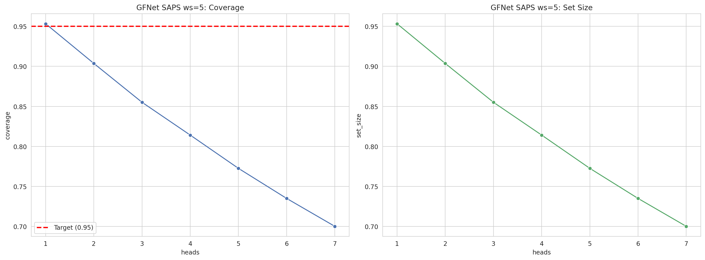
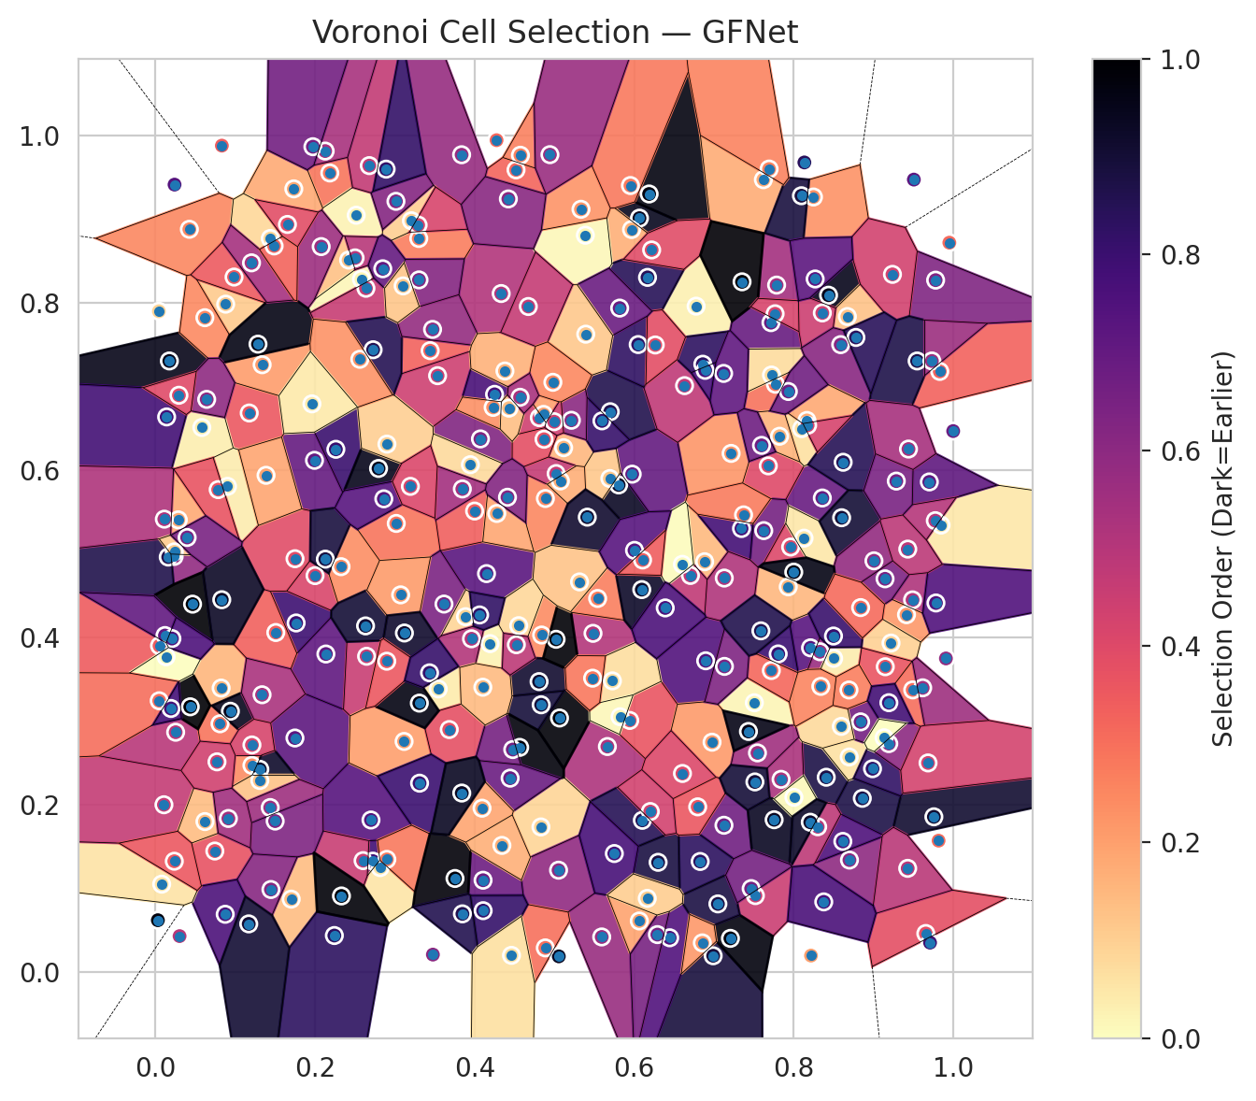
model_key | GFNet_MultiHead
model_name | GFNet
scoring_method | SAPS
window_size | 5
lambda | 0.5
k_iters | 1
empirical_coverage | 0.70016327742
avg_set_size | 0.70016327742
scene_coverage | 0.15453745841
scene_avg_set_size | 0.95235445156
uncertain_pixel_rate | 0.1110496521
mean_per_class_cov | 0.70170932224
runtime_sec | 142.96530747
alpha | 0.05

heads | coverage | set_size |  |  | class_id | class_coverage | support_count | Class | Pixels
1 | 0.95324328336 | 0.95324328336 |  |  | 0 | 0.68996710526 | 1216 | Class 0 | 11426
2 | 0.90366632032 | 0.90366632032 |  |  | 1 | 0.73153409091 | 704 | Class 1 | 7409
3 | 0.85512839543 | 0.85512839543 |  |  | 2 | 0.66784452297 | 283 | Class 2 | 10676
4 | 0.81416060561 | 0.81416060561 |  |  | 3 | 0.69084249084 | 1365 | Class 3 | 46277
5 | 0.77259907971 | 0.77259907971 |  |  | 4 | 0.70314465409 | 1590 | Class 4 | 83472
6 | 0.73504527238 | 0.73504527238 |  |  | 5 | 0.69971671388 | 1059 | Class 5 | 44207
7 | 0.70016327742 | 0.70016327742 |  |  | 6 | 0.715 | 200 | Class 6 | 5169
 |  |  |  |  | 7 | 0.715625 | 320 | Class 7 | 24397
 |  |  |  |  |  |  |  | Uncertain | 29111
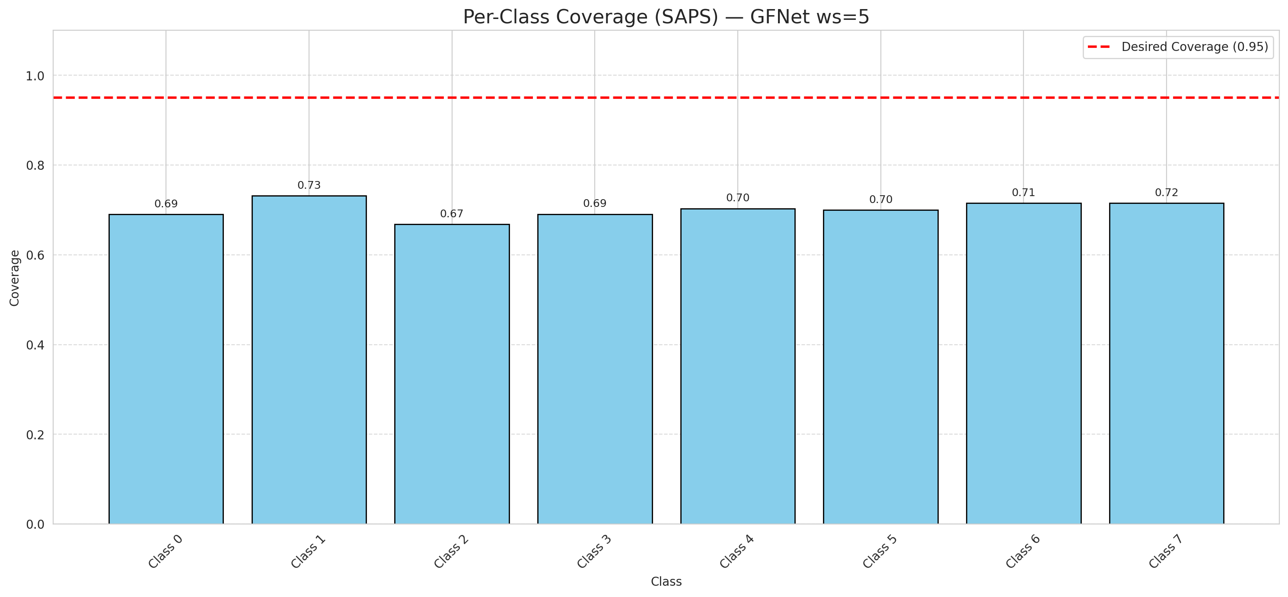

Cell Index | s1 | s2 | Selection_Order | Norm_Order(0-1) | Target
0 | 0.6067 | 0.9015 | 316 | 0.94328358209 | 5
1 | 0.2726 | 0.1329 | 264 | 0.78805970149 | 0
2 | 0.8211 | 0.3879 | 244 | 0.72835820896 | 2
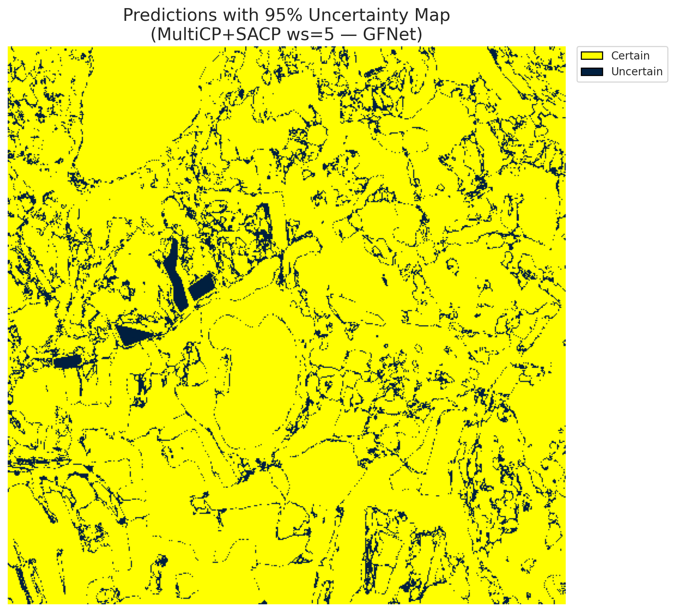
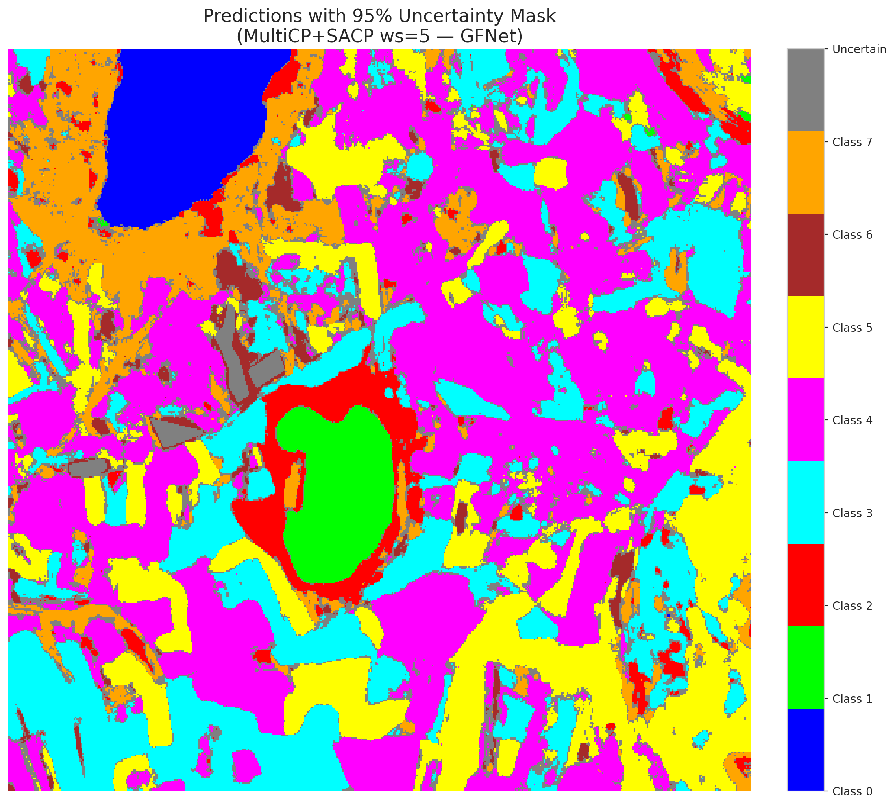
3 | 0.886 | 0.208 | 293 | 0.87462686567 | 5
4 | 0.8699 | 0.1342 | 200 | 0.59701492537 | 0
5 | 0.8359 | 0.567 | 231 | 0.68955223881 | 3
6 | 0.6897 | 0.3724 | 249 | 0.74328358209 | 3
7 | 0.6884 | 0.4908 | 49 | 0.14626865672 | 5
8 | 0.415 | 0.4766 | 243 | 0.72537313433 | 3
9 | 0.5485 | 0.4052 | 170 | 0.50746268657 | 2
10 | 0.949 | 0.4452 | 173 | 0.51641791045 | 0
11 | 0.9831 | 0.7183 | 110 | 0.32835820896 | 0
12 | 0.7806 | 0.3806 | 267 | 0.79701492537 | 4
13 | 0.8616 | 0.1565 | 252 | 0.75223880597 | 1
14 | 0.6991 | 0.0198 | 298 | 0.88955223881 | 0
15 | 0.0235 | 0.4971 | 197 | 0.58805970149 | 0
16 | 0.0175 | 0.7308 | 320 | 0.9552238806 | 4
17 | 0.5665 | 0.2699 | 175 | 0.5223880597 | 3
18 | 0.6777 | 0.7963 | 10 | 0.029850746269 | 5
19 | 0.3019 | 0.5366 | 97 | 0.28955223881 | 0
20 | 0.9908 | 0.3752 | 196 | 0.58507462687 | 1
21 | 0.2422 | 0.8514 | 44 | 0.13134328358 | 4
22 | 0.0254 | 0.287 | 166 | 0.49552238806 | 2
23 | 0.9757 | 0.1859 | 304 | 0.90746268657 | 4
24 | 0.5945 | 0.3011 | 123 | 0.3671641791 | 0
25 | 0.6103 | 0.1817 | 285 | 0.85074626866 | 1
26 | 0.4195 | 0.3929 | 8 | 0.023880597015 | 0
27 | 0.121 | 0.2474 | 81 | 0.24179104478 | 5
28 | 0.452 | 0.9592 | 108 | 0.3223880597 | 5
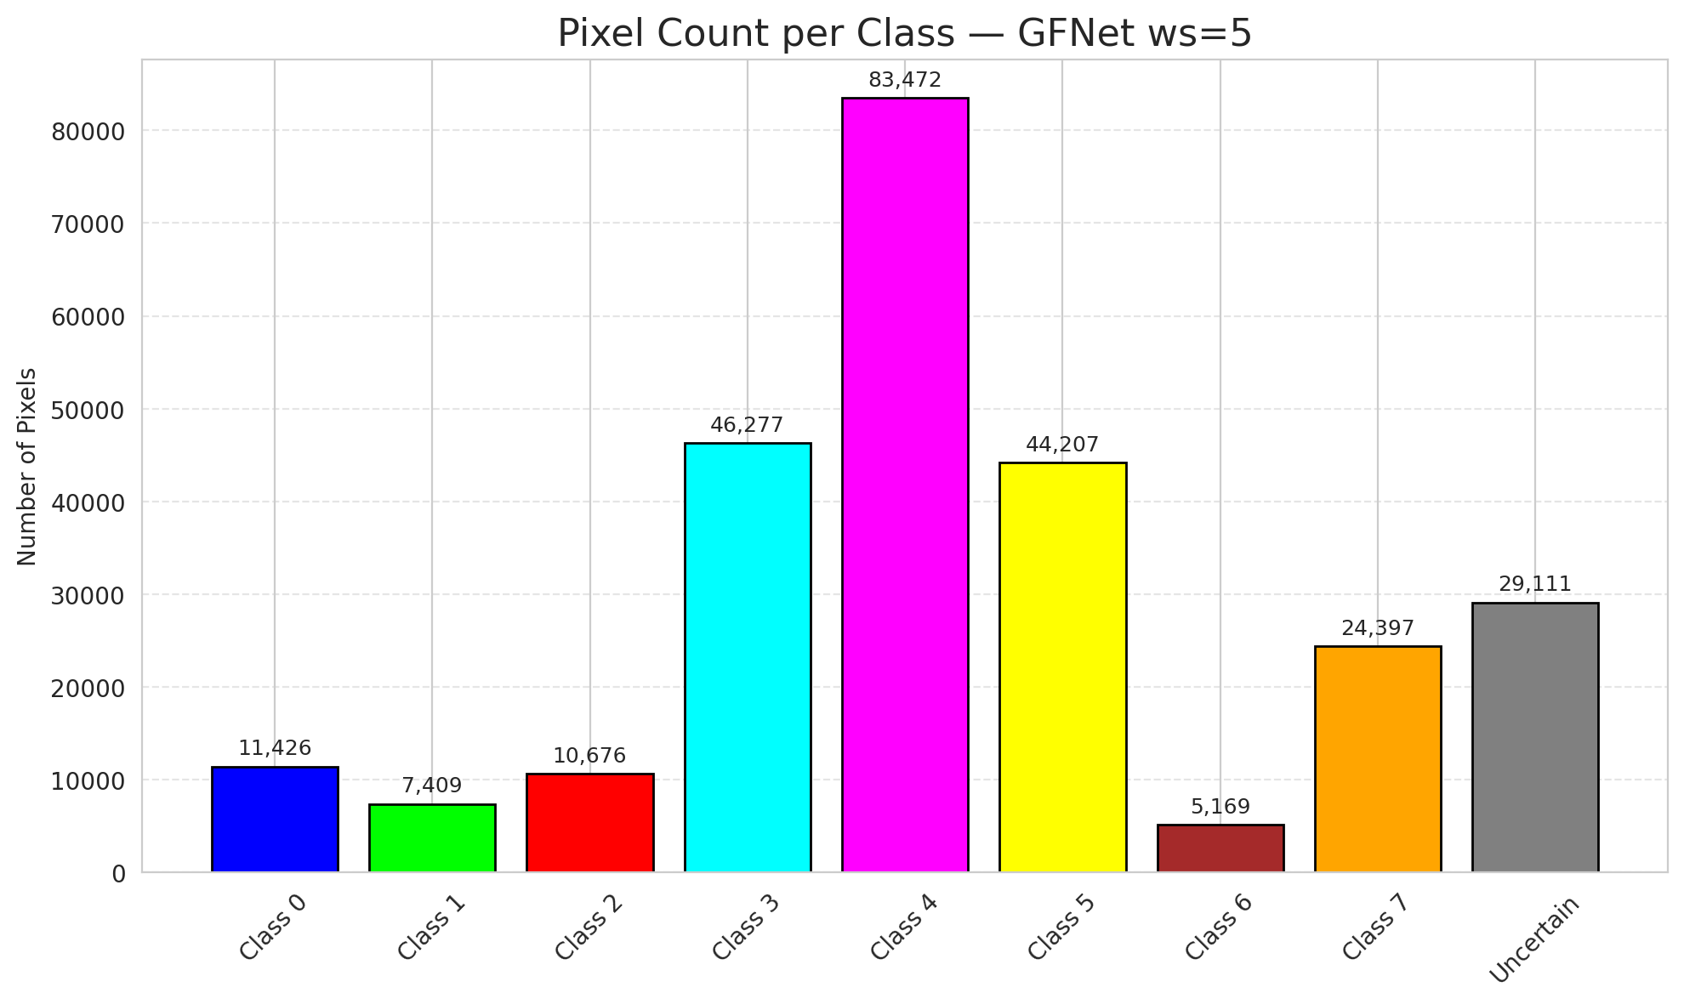
29 | 0.0044 | 0.7902 | 31 | 0.092537313433 | 5
30 | 0.7682 | 0.6054 | 134 | 0.4 | 3
31 | 0.7126 | 0.1758 | 225 | 0.67164179104 | 3
32 | 0.8248 | 0.9268 | 77 | 0.22985074627 | 3
33 | 0.7786 | 0.8215 | 182 | 0.54328358209 | 4
34 | 0.8408 | 0.2332 | 292 | 0.87164179104 | 4
35 | 0.2702 | 0.1821 | 247 | 0.73731343284 | 3
36 | 0.7507 | 0.3222 | 7 | 0.020895522388 | 4
37 | 0.7771 | 0.703 | 99 | 0.29552238806 | 4
38 | 0.5594 | 0.0423 | 192 | 0.57313432836 | 1
39 | 0.7842 | 0.2307 | 176 | 0.52537313433 | 1
40 | 0.2583 | 0.8285 | 6 | 0.017910447761 | 5
41 | 0.7216 | 0.6203 | 74 | 0.22089552239 | 1
42 | 0.7932 | 0.4608 | 50 | 0.14925373134 | 0
43 | 0.4841 | 0.4032 | 80 | 0.23880597015 | 1
44 | 0.8437 | 0.8094 | 318 | 0.94925373134 | 5
45 | 0.4812 | 0.663 | 147 | 0.43880597015 | 4
46 | 0.2262 | 0.6252 | 269 | 0.80298507463 | 4
47 | 0.8696 | 0.2574 | 20 | 0.059701492537 | 3
48 | 0.0745 | 0.145 | 125 | 0.37313432836 | 1
49 | 0.4334 | 0.8114 | 171 | 0.51044776119 | 4
50 | 0.7715 | 0.7766 | 232 | 0.69253731343 | 3
51 | 0.0161 | 0.4964 | 290 | 0.86567164179 | 1
52 | 0.3444 | 0.7431 | 111 | 0.33134328358 | 4
53 | 0.1764 | 0.4176 | 266 | 0.79402985075 | 4
54 | 0.1994 | 0.612 | 233 | 0.69552238806 | 5
55 | 0.2186 | 0.9555 | 96 | 0.28656716418 | 0
56 | 0.2137 | 0.3805 | 238 | 0.71044776119 | 5
57 | 0.2817 | 0.1252 | 18 | 0.053731343284 | 5
58 | 0.7625 | 0.528 | 220 | 0.65671641791 | 5
59 | 0.4001 | 0.5514 | 113 | 0.33731343284 | 4
60 | 0.9779 | 0.8274 | 211 | 0.62985074627 | 4
61 | 0.8988 | 0.2434 | 275 | 0.82089552239 | 5
62 | 0.9656 | 0.0464 | 128 | 0.38208955224 | 4
63 | 0.5117 | 0.6271 | 51 | 0.15223880597 | 7
64 | 0.0426 | 0.8882 | 84 | 0.25074626866 | 6
65 | 0.2001 | 0.4742 | 138 | 0.41194029851 | 1
66 | 0.4888 | 0.5664 | 85 | 0.25373134328 | 4
67 | 0.3617 | 0.4402 | 215 | 0.64179104478 | 3
68 | 0.6446 | 0.0413 | 251 | 0.74925373134 | 3
69 | 0.1176 | 0.6686 | 120 | 0.35820895522 | 5
70 | 0.0582 | 0.6513 | 11 | 0.032835820896 | 3
71 | 0.8673 | 0.7839 | 42 | 0.12537313433 | 4
72 | 0.6065 | 0.0614 | 65 | 0.19402985075 | 0
73 | 0.2603 | 0.1335 | 152 | 0.45373134328 | 3
74 | 0.4832 | 0.1738 | 30 | 0.089552238806 | 4
75 | 0.2327 | 0.4849 | 79 | 0.23582089552 | 0
76 | 0.0881 | 0.7987 | 37 | 0.11044776119 | 0
77 | 0.4575 | 0.9767 | 88 | 0.26268656716 | 4
78 | 0.1749 | 0.2801 | 240 | 0.71641791045 | 1
79 | 0.5968 | 0.8879 | 55 | 0.16417910448 | 4
80 | 0.4279 | 0.5485 | 62 | 0.18507462687 | 4
81 | 0.7962 | 0.5084 | 136 | 0.40597014925 | 0
82 | 0.9429 | 0.1243 | 164 | 0.48955223881 | 3
83 | 0.062 | 0.7825 | 82 | 0.2447761194 | 5
84 | 0.6977 | 0.2751 | 71 | 0.21194029851 | 0
85 | 0.7346 | 0.5305 | 261 | 0.77910447761 | 5
86 | 0.1309 | 0.2427 | 308 | 0.91940298507 | 0
87 | 0.6828 | 0.1325 | 280 | 0.83582089552 | 3
88 | 0.5806 | 0.5826 | 312 | 0.93134328358 | 0
89 | 0.5976 | 0.5955 | 235 | 0.70149253731 | 1
90 | 0.0824 | 0.3398 | 52 | 0.1552238806 | 4
91 | 0.0833 | 0.9882 | 115 | 0.34328358209 | 1
92 | 0.4074 | 0.6376 | 210 | 0.62686567164 | 5
93 | 0.0287 | 0.5409 | 59 | 0.17611940299 | 5
94 | 0.0986 | 0.8311 | 117 | 0.34925373134 | 1
95 | 0.772 | 0.3608 | 107 | 0.31940298507 | 3
96 | 0.5065 | 0.304 | 330 | 0.98507462687 | 4
97 | 0.8134 | 0.9681 | 281 | 0.83880597015 | 0
98 | 0.9192 | 0.2734 | 201 | 0.6 | 4
99 | 0.8329 | 0.3832 | 190 | 0.5671641791 | 1
100 | 0.5701 | 0.6701 | 289 | 0.86268656716 | 4
101 | 0.5023 | 0.5962 | 157 | 0.46865671642 | 1
102 | 0.2647 | 0.3778 | 153 | 0.45671641791 | 0
103 | 0.2517 | 0.905 | 9 | 0.026865671642 | 4
104 | 0.0031 | 0.0623 | 326 | 0.97313432836 | 3
105 | 0.1509 | 0.4062 | 112 | 0.33432835821 | 4
106 | 0.8839 | 0.2994 | 222 | 0.66268656716 | 4
107 | 0.8501 | 0.3753 | 13 | 0.038805970149 | 0
108 | 0.7132 | 0.3657 | 213 | 0.63582089552 | 3
109 | 0.0904 | 0.5809 | 12 | 0.035820895522 | 0
110 | 0.0466 | 0.4401 | 334 | 0.99701492537 | 5
111 | 0.1735 | 0.9365 | 60 | 0.17910447761 | 4
112 | 0.175 | 0.4944 | 131 | 0.39104477612 | 1
113 | 0.6168 | 0.8307 | 283 | 0.8447761194 | 7
114 | 0.081 | 0.2971 | 98 | 0.29253731343 | 4
115 | 0.6632 | 0.7013 | 160 | 0.4776119403 | 0
116 | 0.4809 | 0.3475 | 306 | 0.91343283582 | 4
117 | 0.8359 | 0.7882 | 150 | 0.44776119403 | 5
118 | 0.1702 | 0.0875 | 47 | 0.14029850746 | 4
119 | 0.5728 | 0.3484 | 23 | 0.068656716418 | 4
120 | 0.6292 | 0.0451 | 218 | 0.65074626866 | 3
121 | 0.1448 | 0.099 | 206 | 0.61492537313 | 3
122 | 0.5543 | 0.4469 | 90 | 0.26865671642 | 4
123 | 0.7722 | 0.714 | 24 | 0.071641791045 | 4
124 | 0.6188 | 0.9304 | 325 | 0.97014925373 | 0
125 | 0.5389 | 0.8811 | 5 | 0.014925373134 | 0
126 | 0.9414 | 0.4275 | 72 | 0.21492537313 | 0
127 | 0.9238 | 0.8343 | 144 | 0.42985074627 | 4
128 | 0.8589 | 0.7503 | 205 | 0.61194029851 | 4
129 | 0.0832 | 0.4454 | 311 | 0.92835820896 | 4
130 | 0.752 | 0.0917 | 151 | 0.45074626866 | 5
131 | 0.3537 | 0.7132 | 148 | 0.44179104478 | 3
132 | 0.2634 | 0.4141 | 301 | 0.89850746269 | 0
133 | 0.144 | 0.8772 | 28 | 0.083582089552 | 1
134 | 0.0052 | 0.3904 | 116 | 0.34626865672 | 3
135 | 0.1309 | 0.2293 | 43 | 0.12835820896 | 4
136 | 0.9847 | 0.5346 | 16 | 0.04776119403 | 5
137 | 0.7207 | 0.0406 | 327 | 0.97611940299 | 3
138 | 0.4835 | 0.3198 | 299 | 0.89253731343 | 5
139 | 0.922 | 0.3936 | 32 | 0.09552238806 | 7
140 | 0.9148 | 0.3653 | 122 | 0.36417910448 | 3
141 | 0.012 | 0.4026 | 236 | 0.70447761194 | 1
142 | 0.3838 | 0.9773 | 193 | 0.57611940299 | 0
143 | 0.9492 | 0.3376 | 101 | 0.30149253731 | 2
144 | 0.81 | 0.6499 | 21 | 0.062686567164 | 2
145 | 0.0875 | 0.0694 | 255 | 0.76119402985 | 4
146 | 0.3117 | 0.276 | 68 | 0.20298507463 | 0
147 | 0.97 | 0.5862 | 239 | 0.71343283582 | 1
148 | 0.0141 | 0.6639 | 263 | 0.78507462687 | 7
149 | 0.3545 | 0.3387 | 14 | 0.041791044776 | 7
150 | 0.1439 | 0.197 | 186 | 0.5552238806 | 5
151 | 0.4871 | 0.6372 | 127 | 0.37910447761 | 0
152 | 0.3948 | 0.6068 | 25 | 0.074626865672 | 2
153 | 0.2797 | 0.6023 | 319 | 0.95223880597 | 0
154 | 0.1338 | 0.7263 | 69 | 0.20597014925 | 3
155 | 0.9816 | 0.1574 | 103 | 0.30746268657 | 3
156 | 0.3074 | 0.4512 | 70 | 0.20895522388 | 4
157 | 0.3301 | 0.8772 | 91 | 0.27164179104 | 0
158 | 0.762 | 0.9475 | 58 | 0.17313432836 | 1
159 | 0.0787 | 0.577 | 124 | 0.37014925373 | 3
160 | 0.3304 | 0.8277 | 207 | 0.61791044776 | 3
161 | 0.2078 | 0.8675 | 188 | 0.56119402985 | 4
162 | 0.5053 | 0.1221 | 198 | 0.59104477612 | 0
163 | 0.0079 | 0.1054 | 19 | 0.05671641791 | 0
164 | 0.0107 | 0.2003 | 156 | 0.46567164179 | 0
165 | 0.2681 | 0.9643 | 158 | 0.47164179104 | 0
166 | 0.705 | 0.0818 | 294 | 0.8776119403 | 0
167 | 0.1286 | 0.7509 | 323 | 0.96417910448 | 4
168 | 0.3683 | 0.2902 | 126 | 0.37611940299 | 4
169 | 0.0643 | 0.6849 | 199 | 0.59402985075 | 0
170 | 0.9506 | 0.9476 | 242 | 0.7223880597 | 5
171 | 0.3121 | 0.4056 | 307 | 0.91641791045 | 5
172 | 0.622 | 0.8635 | 132 | 0.39402985075 | 0
173 | 0.5696 | 0.5903 | 38 | 0.11343283582 | 5
174 | 0.8301 | 0.174 | 161 | 0.48059701493 | 0
175 | 0.6861 | 0.7269 | 278 | 0.82985074627 | 1
176 | 0.6301 | 0.1315 | 295 | 0.88059701493 | 0
177 | 0.3311 | 0.2261 | 268 | 0.8 | 3
178 | 0.0295 | 0.6898 | 133 | 0.39701492537 | 4
179 | 0.3209 | 0.8984 | 33 | 0.098507462687 | 4
180 | 0.0437 | 0.3174 | 335 | 1 | 7
181 | 0.5824 | 0.3055 | 4 | 0.011940298507 | 1
182 | 0.3887 | 0.4251 | 29 | 0.086567164179 | 4
183 | 0.8597 | 0.294 | 26 | 0.077611940299 | 5
184 | 0.2902 | 0.6314 | 34 | 0.10149253731 | 4
185 | 0.3308 | 0.3218 | 324 | 0.9671641791 | 3
186 | 0.6051 | 0.7504 | 277 | 0.82686567164 | 5
187 | 0.4566 | 0.2689 | 328 | 0.97910447761 | 3
188 | 0.2901 | 0.135 | 94 | 0.28059701493 | 4
189 | 0.6265 | 0.7499 | 129 | 0.38507462687 | 3
190 | 0.8166 | 0.6597 | 61 | 0.18208955224 | 4
191 | 0.094 | 0.3121 | 317 | 0.94626865672 | 3
192 | 0.5334 | 0.9121 | 75 | 0.22388059701 | 4
193 | 0.5819 | 0.794 | 228 | 0.68059701493 | 0
194 | 0.1655 | 0.894 | 130 | 0.38805970149 | 3
195 | 0.0621 | 0.1802 | 46 | 0.13731343284 | 7
196 | 0.9775 | 0.5399 | 168 | 0.50149253731 | 3
197 | 0.7823 | 0.6408 | 53 | 0.15820895522 | 5
198 | 0.8693 | 0.3375 | 89 | 0.26567164179 | 0
199 | 0.5076 | 0.5874 | 57 | 0.17014925373 | 4
200 | 0.713 | 0.4713 | 172 | 0.51343283582 | 0
201 | 0.4251 | 0.6909 | 257 | 0.7671641791 | 0
202 | 0.0134 | 0.3772 | 0 | 0 | 5
203 | 0.5056 | 0.0191 | 315 | 0.94029850746 | 6
204 | 0.7755 | 0.1824 | 314 | 0.93731343284 | 4
205 | 0.9617 | 0.3401 | 187 | 0.55820895522 | 0
206 | 0.5022 | 0.3981 | 332 | 0.99104477612 | 4
207 | 0.1501 | 0.1808 | 212 | 0.6328358209 | 4
208 | 0.2243 | 0.044 | 279 | 0.8328358209 | 0
209 | 0.2332 | 0.0913 | 331 | 0.98805970149 | 4
210 | 0.5413 | 0.5441 | 305 | 0.91044776119 | 0
211 | 0.7546 | 0.2623 | 185 | 0.55223880597 | 1
212 | 0.0112 | 0.5417 | 174 | 0.51940298507 | 1
213 | 0.9951 | 0.8722 | 105 | 0.31343283582 | 5
214 | 0.2639 | 0.8177 | 154 | 0.45970149254 | 4
215 | 0.7933 | 0.6943 | 224 | 0.66865671642 | 3
216 | 0.3962 | 0.3987 | 169 | 0.50447761194 | 5
217 | 0.4865 | 0.6669 | 66 | 0.19701492537 | 0
218 | 0.8097 | 0.9283 | 297 | 0.88656716418 | 3
219 | 0.4107 | 0.1101 | 227 | 0.6776119403 | 3
220 | 0.5752 | 0.142 | 258 | 0.77014925373 | 4
221 | 0.2729 | 0.7442 | 286 | 0.85373134328 | 3
222 | 0.3293 | 0.8933 | 140 | 0.41791044776 | 4
223 | 0.8003 | 0.2092 | 3 | 0.0089552238806 | 7
224 | 0.1205 | 0.8481 | 181 | 0.54029850746 | 3
225 | 0.862 | 0.6097 | 284 | 0.84776119403 | 3
226 | 0.5316 | 0.4667 | 41 | 0.1223880597 | 3
227 | 0.3755 | 0.1122 | 329 | 0.98208955224 | 0
228 | 0.29 | 0.3719 | 119 | 0.3552238806 | 3
229 | 0.0237 | 0.5026 | 36 | 0.10746268657 | 0
230 | 0.2503 | 0.854 | 167 | 0.49850746269 | 0
231 | 0.4276 | 0.9947 | 106 | 0.31641791045 | 0
232 | 0.7589 | 0.4082 | 288 | 0.85970149254 | 7
233 | 0.8499 | 0.402 | 270 | 0.80597014925 | 5
234 | 0.0398 | 0.5198 | 216 | 0.6447761194 | 4
235 | 0.813 | 0.519 | 17 | 0.050746268657 | 5
236 | 0.8601 | 0.5434 | 302 | 0.90149253731 | 6
237 | 0.0772 | 0.2516 | 146 | 0.43582089552 | 2
238 | 0.6096 | 0.4575 | 309 | 0.9223880597 | 5
239 | 0.6706 | 0.4744 | 159 | 0.47462686567 | 6
240 | 0.8175 | 0.6539 | 142 | 0.42388059701 | 4
241 | 0.0237 | 0.1328 | 118 | 0.35223880597 | 4
242 | 0.3474 | 0.7685 | 194 | 0.57910447761 | 3
243 | 0.9286 | 0.5872 | 217 | 0.64776119403 | 3
244 | 0.9547 | 0.7308 | 291 | 0.86865671642 | 3
245 | 0.4446 | 0.2321 | 229 | 0.68358208955 | 4
246 | 0.2562 | 0.7328 | 76 | 0.22686567164 | 6
247 | 0.7122 | 0.7159 | 237 | 0.70746268657 | 0
248 | 0.4479 | 0.2663 | 219 | 0.65373134328 | 4
249 | 0.7353 | 0.8254 | 333 | 0.99402985075 | 3
250 | 0.5597 | 0.6592 | 272 | 0.81194029851 | 2
251 | 0.9783 | 0.4415 | 250 | 0.74626865672 | 4
252 | 0.8208 | 0.1794 | 310 | 0.92537313433 | 0
253 | 0.0915 | 0.1839 | 184 | 0.54925373134 | 0
254 | 0.4887 | 0.0292 | 100 | 0.29850746269 | 5
255 | 0.5394 | 0.7628 | 39 | 0.11641791045 | 5
256 | 0.3847 | 0.5778 | 183 | 0.54626865672 | 0
257 | 0.6606 | 0.2377 | 135 | 0.40298507463 | 3
258 | 0.0048 | 0.3246 | 102 | 0.30447761194 | 5
259 | 0.4381 | 0.7188 | 54 | 0.16119402985 | 4
260 | 0.3015 | 0.9216 | 208 | 0.62089552239 | 0
261 | 0.9145 | 0.4704 | 214 | 0.63880597015 | 4
262 | 0.1962 | 0.6795 | 15 | 0.044776119403 | 4
263 | 0.7767 | 0.7872 | 139 | 0.41492537313 | 4
264 | 0.4424 | 0.9245 | 204 | 0.60895522388 | 3
265 | 0.4094 | 0.1962 | 64 | 0.19104477612 | 1
266 | 0.5214 | 0.6599 | 202 | 0.60298507463 | 3
267 | 0.7692 | 0.9602 | 87 | 0.25970149254 | 2
268 | 0.8217 | 0.02 | 67 | 0.2 | 4
269 | 0.2128 | 0.9817 | 179 | 0.53432835821 | 4
270 | 0.6165 | 0.0884 | 35 | 0.10447761194 | 0
271 | 0.0303 | 0.0433 | 165 | 0.49253731343 | 0
272 | 0.9193 | 0.3223 | 262 | 0.78208955224 | 4
273 | 0.4233 | 0.6753 | 78 | 0.2328358209 | 0
274 | 0.1337 | 0.3318 | 177 | 0.52835820896 | 0
275 | 0.9006 | 0.4919 | 195 | 0.58208955224 | 1
276 | 0.4554 | 0.4144 | 27 | 0.080597014925 | 6
277 | 0.4432 | 0.6744 | 45 | 0.13432835821 | 1
278 | 0.7372 | 0.5468 | 92 | 0.27462686567 | 7
279 | 0.6605 | 0.4877 | 2 | 0.0059701492537 | 0
280 | 0.213 | 0.4939 | 296 | 0.88358208955 | 4
281 | 0.9732 | 0.7308 | 189 | 0.56417910448 | 4
282 | 0.4343 | 0.1517 | 56 | 0.1671641791 | 3
283 | 0.8377 | 0.0842 | 256 | 0.76417910448 | 0
284 | 0.6797 | 0.1978 | 121 | 0.36119402985 | 3
285 | 0.5954 | 0.9405 | 93 | 0.2776119403 | 4
286 | 0.4674 | 0.7959 | 155 | 0.46268656716 | 3
287 | 0.4108 | 0.0737 | 273 | 0.81492537313 | 4
288 | 0.285 | 0.841 | 234 | 0.69850746269 | 5
289 | 0.6005 | 0.5044 | 246 | 0.73432835821 | 3
290 | 0.7433 | 0.2879 | 321 | 0.95820895522 | 5
291 | 0.8001 | 0.4784 | 322 | 0.96119402985 | 2
292 | 0.4997 | 0.6582 | 149 | 0.4447761194 | 3
293 | 0.4413 | 0.5679 | 209 | 0.62388059701 | 3
294 | 0.4064 | 0.4272 | 276 | 0.82388059701 | 3
295 | 0.1387 | 0.5941 | 63 | 0.18805970149 | 3
296 | 0.117 | 0.0579 | 303 | 0.90447761194 | 7
297 | 0.1974 | 0.9869 | 223 | 0.66567164179 | 6
298 | 0.9684 | 0.2503 | 143 | 0.42686567164 | 3
299 | 0.639 | 0.4356 | 254 | 0.75820895522 | 4
300 | 0.7514 | 0.2276 | 300 | 0.89552238806 | 4
301 | 0.2863 | 0.566 | 245 | 0.73134328358 | 1
302 | 0.0195 | 0.3154 | 260 | 0.77611940299 | 2
303 | 0.3848 | 0.0699 | 287 | 0.85671641791 | 4
304 | 0.7467 | 0.1001 | 221 | 0.65970149254 | 0
305 | 0.384 | 0.2143 | 313 | 0.93432835821 | 0
306 | 0.3478 | 0.0212 | 203 | 0.60597014925 | 5
307 | 0.2892 | 0.9601 | 274 | 0.81791044776 | 4
308 | 0.8839 | 0.436 | 104 | 0.31044776119 | 0
309 | 0.3436 | 0.358 | 271 | 0.80895522388 | 0
310 | 0.548 | 0.3516 | 95 | 0.28358208955 | 4
311 | 0.4982 | 0.7053 | 83 | 0.24776119403 | 4
312 | 0.689 | 0.7196 | 259 | 0.77313432836 | 1
313 | 0.6106 | 0.4929 | 114 | 0.34029850746 | 3
314 | 0.1488 | 0.8683 | 109 | 0.32537313433 | 0
315 | 0.834 | 0.3418 | 86 | 0.25671641791 | 3
316 | 0.9999 | 0.647 | 230 | 0.68656716418 | 3
317 | 0.3105 | 0.8205 | 40 | 0.11940298507 | 0
318 | 0.943 | 0.5059 | 163 | 0.48656716418 | 3
319 | 0.4945 | 0.9774 | 191 | 0.57014925373 | 0
320 | 0.9439 | 0.6255 | 180 | 0.53731343284 | 1
321 | 0.0207 | 0.399 | 253 | 0.7552238806 | 3
322 | 0.9709 | 0.0355 | 265 | 0.79104477612 | 4
323 | 0.3196 | 0.5809 | 137 | 0.40895522388 | 3
324 | 0.024 | 0.9416 | 248 | 0.74029850746 | 0
325 | 0.4571 | 0.6874 | 178 | 0.53134328358 | 0
326 | 0.9133 | 0.2804 | 1 | 0.0029850746269 | 5
327 | 0.7597 | 0.6299 | 226 | 0.67462686567 | 1
328 | 0.4104 | 0.3408 | 48 | 0.14328358209 | 4
329 | 0.121 | 0.2718 | 141 | 0.42089552239 | 3
330 | 0.4524 | 0.3916 | 162 | 0.48358208955 | 0
331 | 0.6855 | 0.0352 | 73 | 0.21791044776 | 1
332 | 0.878 | 0.7589 | 282 | 0.84179104478 | 3
333 | 0.4463 | 0.0203 | 22 | 0.065671641791 | 4
334 | 0.8269 | 0.8288 | 241 | 0.71940298507 | 1
335 | 0.6203 | 0.1922 | 145 | 0.4328358209 | 3

ViT_RAPS_ws5
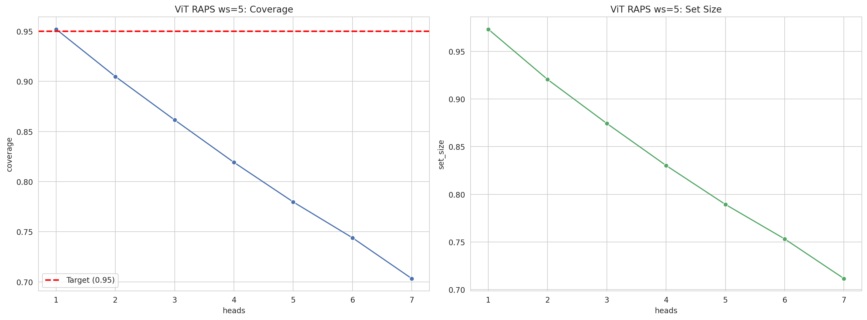
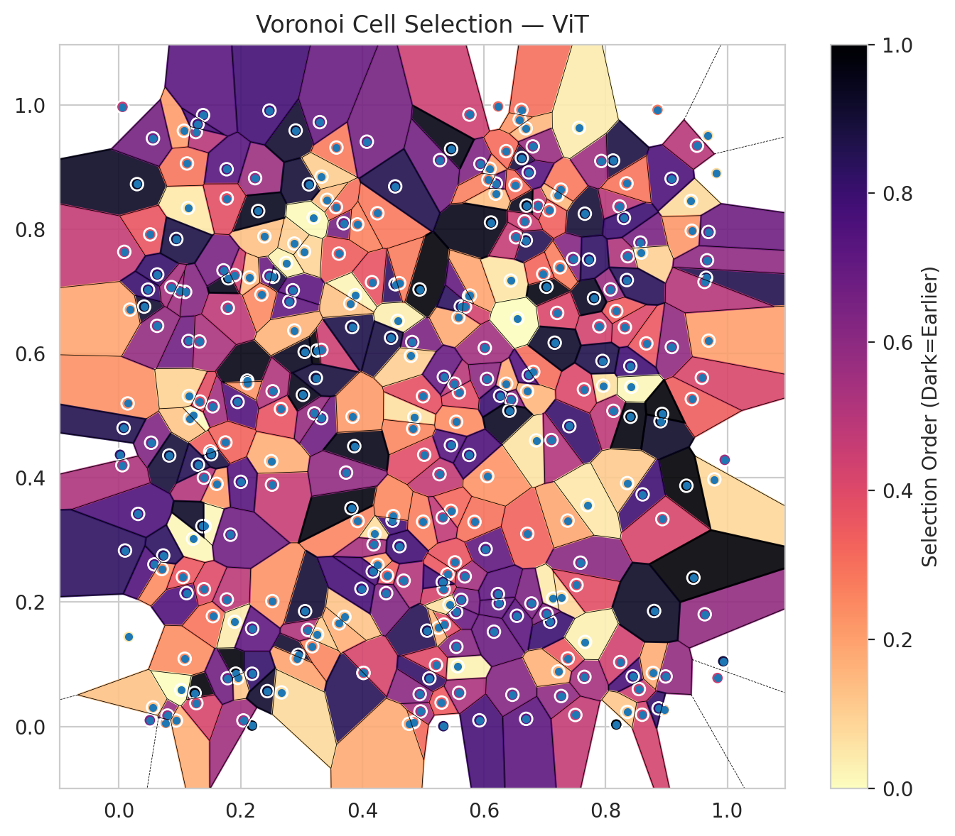
model_key | ViT_UNet_MultiHead
model_name | ViT
scoring_method | RAPS
window_size | 5
lambda | 0.5
k_iters | 1
empirical_coverage | 0.70328039187
avg_set_size | 0.71159269705
scene_coverage | 0.17698573559
scene_avg_set_size | 1.0838230045
uncertain_pixel_rate | 0.20803833008
mean_per_class_cov | 0.71729293631
runtime_sec | 139.13035863
alpha | 0.05

heads | coverage | set_size |  |  | class_id | class_coverage | support_count | Class | Pixels
1 | 0.95205581119 | 0.97313344218 |  |  | 0 | 0.68092105263 | 1216 | Class 0 | 11493
2 | 0.90485379249 | 0.9204393647 |  |  | 1 | 0.69318181818 | 704 | Class 1 | 7722
3 | 0.86151105833 | 0.87427638415 |  |  | 2 | 0.73498233216 | 283 | Class 2 | 6354
4 | 0.81920736233 | 0.83019147989 |  |  | 3 | 0.70769230769 | 1365 | Class 3 | 38446
5 | 0.77972391272 | 0.78937212409 |  |  | 4 | 0.69371069182 | 1590 | Class 4 | 78752
6 | 0.74395131364 | 0.75315422295 |  |  | 5 | 0.70160528801 | 1059 | Class 5 | 41983
7 | 0.70328039187 | 0.71159269705 |  |  | 6 | 0.72 | 200 | Class 6 | 3280
 |  |  |  |  | 7 | 0.80625 | 320 | Class 7 | 19578
 |  |  |  |  |  |  |  | Uncertain | 54536
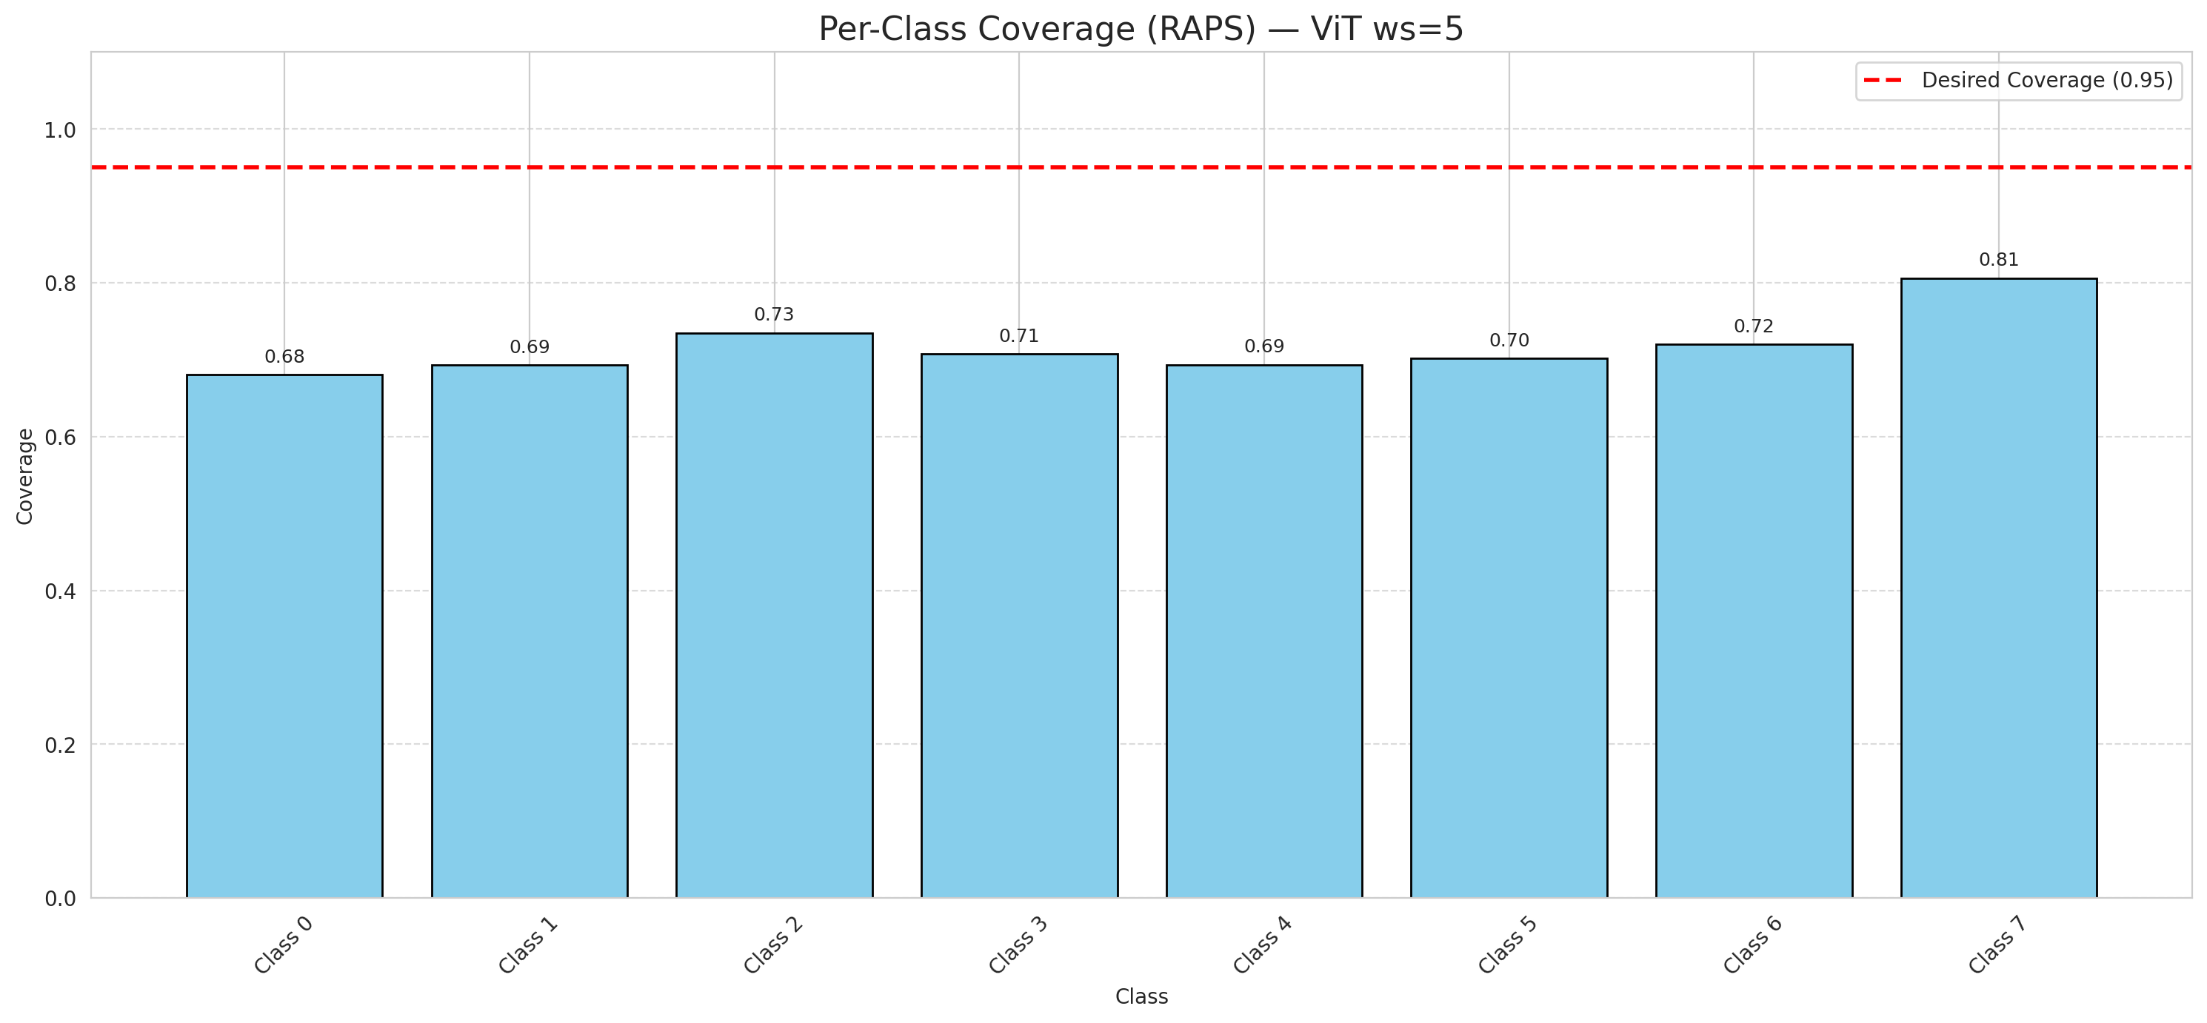

Cell Index | s1 | s2 | Selection_Order | Norm_Order(0-1) | Target
0 | 0.6027 | 0.2853 | 239 | 0.71343283582 | 5
1 | 0.0771 | 0.0056 | 76 | 0.22686567164 | 0
2 | 0.9787 | 0.3974 | 28 | 0.083582089552 | 2
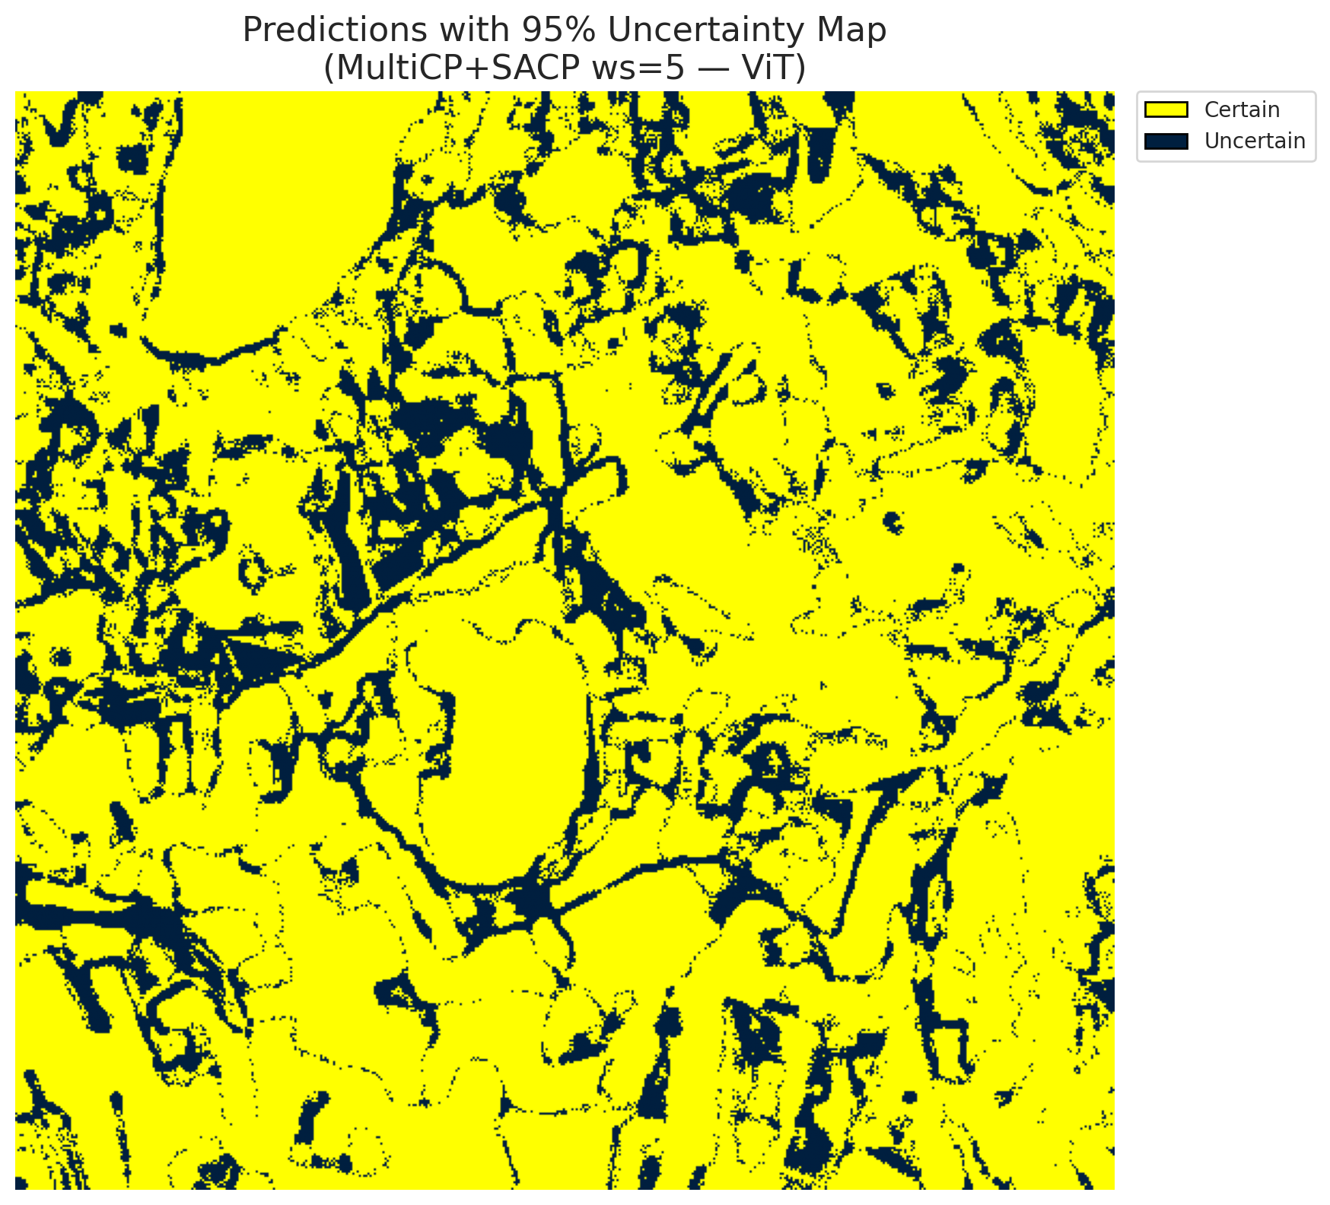
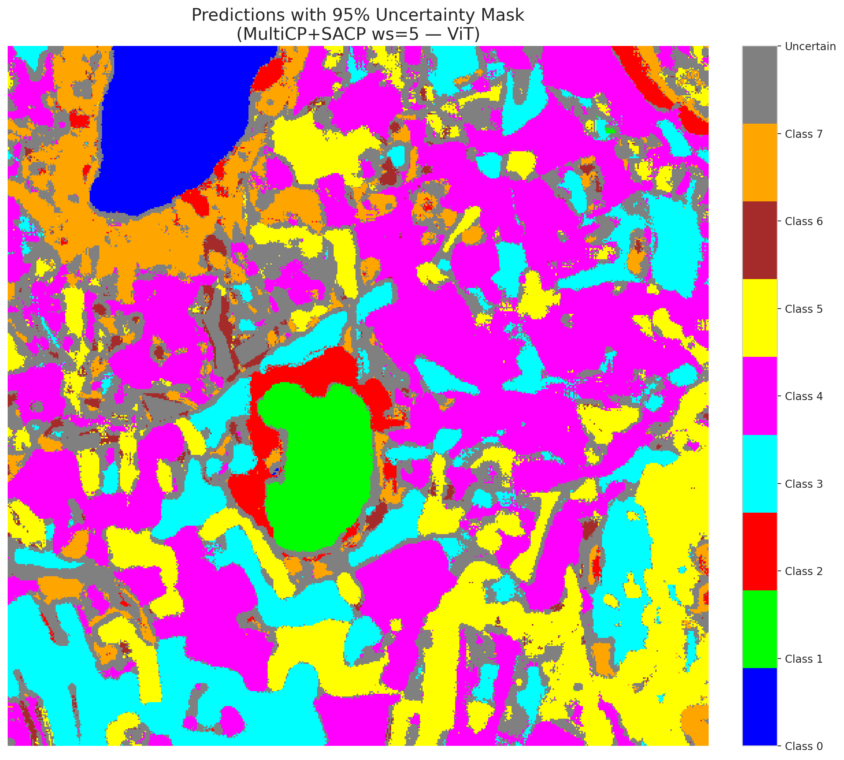
3 | 0.0798 | 0.0175 | 192 | 0.57313432836 | 5
4 | 0.5844 | 0.3291 | 99 | 0.29552238806 | 0
5 | 0.2946 | 0.1151 | 305 | 0.91044776119 | 3
6 | 0.6365 | 0.5513 | 61 | 0.18208955224 | 3
7 | 0.2534 | 0.7233 | 300 | 0.89552238806 | 5
8 | 0.0529 | 0.4564 | 212 | 0.6328358209 | 3
9 | 0.2923 | 0.1095 | 65 | 0.19402985075 | 2
10 | 0.0583 | 0.2607 | 251 | 0.74925373134 | 0
11 | 0.5627 | 0.2036 | 216 | 0.6447761194 | 0
12 | 0.4856 | 0.4977 | 22 | 0.065671641791 | 4
13 | 0.0159 | 0.1441 | 16 | 0.04776119403 | 1
14 | 0.2882 | 0.7768 | 33 | 0.098507462687 | 0
15 | 0.7658 | 0.8249 | 302 | 0.90149253731 | 0
16 | 0.5684 | 0.2414 | 183 | 0.54626865672 | 4
17 | 0.1244 | 0.0537 | 329 | 0.98208955224 | 3
18 | 0.681 | 0.5704 | 101 | 0.30149253731 | 5
19 | 0.0297 | 0.8724 | 312 | 0.93134328358 | 0
20 | 0.0508 | 0.0099 | 211 | 0.62985074627 | 1
21 | 0.2238 | 0.882 | 189 | 0.56417910448 | 4
22 | 0.8081 | 0.7031 | 191 | 0.57014925373 | 2
23 | 0.6712 | 0.31 | 111 | 0.33134328358 | 4
24 | 0.9822 | 0.89 | 24 | 0.071641791045 | 0
25 | 0.6243 | 0.1981 | 235 | 0.70149253731 | 1
26 | 0.3176 | 0.1289 | 85 | 0.25373134328 | 0
27 | 0.15 | 0.4423 | 113 | 0.33731343284 | 5
28 | 0.9403 | 0.8455 | 25 | 0.074626865672 | 5

29 | 0.5332 | 0.0004 | 281 | 0.83880597015 | 5
30 | 0.1088 | 0.6991 | 206 | 0.61492537313 | 3
31 | 0.0088 | 0.7635 | 157 | 0.46865671642 | 3
32 | 0.6709 | 0.539 | 52 | 0.1552238806 | 3
33 | 0.8317 | 0.6422 | 135 | 0.40298507463 | 4
34 | 0.1605 | 0.3903 | 71 | 0.21194029851 | 4
35 | 0.644 | 0.7172 | 18 | 0.053731343284 | 3
36 | 0.1111 | 0.2144 | 250 | 0.74626865672 | 4
37 | 0.7269 | 0.0489 | 200 | 0.59701492537 | 4
38 | 0.2187 | 0.0013 | 327 | 0.97611940299 | 1
39 | 0.3256 | 0.6048 | 332 | 0.99104477612 | 1
40 | 0.7403 | 0.4831 | 270 | 0.80597014925 | 5
41 | 0.8572 | 0.7784 | 218 | 0.65074626866 | 1
42 | 0.9416 | 0.7974 | 72 | 0.21492537313 | 0
43 | 0.4957 | 0.0241 | 179 | 0.53432835821 | 1
44 | 0.192 | 0.0849 | 328 | 0.97910447761 | 5
45 | 0.2474 | 0.7247 | 228 | 0.68059701493 | 4
46 | 0.6888 | 0.8376 | 159 | 0.47462686567 | 4
47 | 0.8363 | 0.7565 | 173 | 0.51641791045 | 3
48 | 0.0143 | 0.5196 | 78 | 0.2328358209 | 1
49 | 0.3693 | 0.8095 | 219 | 0.65373134328 | 4
50 | 0.9327 | 0.3872 | 334 | 0.99701492537 | 3
51 | 0.0938 | 0.0094 | 56 | 0.1671641791 | 1
52 | 0.6014 | 0.609 | 184 | 0.54925373134 | 4
53 | 0.3615 | 0.7606 | 114 | 0.34029850746 | 4
54 | 0.4406 | 0.2427 | 110 | 0.32835820896 | 5
55 | 0.4248 | 0.8256 | 93 | 0.2776119403 | 0
56 | 0.5761 | 0.9843 | 149 | 0.4447761194 | 5
57 | 0.4942 | 0.703 | 330 | 0.98507462687 | 5
58 | 0.3923 | 0.3305 | 86 | 0.25671641791 | 5
59 | 0.2516 | 0.389 | 154 | 0.45970149254 | 4
60 | 0.3325 | 0.496 | 227 | 0.6776119403 | 4
61 | 0.2802 | 0.6837 | 236 | 0.70447761194 | 5
62 | 0.195 | 0.5221 | 249 | 0.74328358209 | 4
63 | 0.5543 | 0.1841 | 230 | 0.68656716418 | 7
64 | 0.306 | 0.1854 | 303 | 0.90447761194 | 6
65 | 0.6445 | 0.5253 | 204 | 0.60895522388 | 1
66 | 0.1136 | 0.8341 | 15 | 0.044776119403 | 4
67 | 0.3053 | 0.6026 | 315 | 0.94029850746 | 3
68 | 0.4546 | 0.7113 | 277 | 0.82686567164 | 3
69 | 0.4821 | 0.6184 | 215 | 0.64179104478 | 5
70 | 0.4842 | 0.0068 | 105 | 0.31343283582 | 3
71 | 0.7586 | 0.2634 | 203 | 0.60597014925 | 4
72 | 0.8123 | 0.9104 | 295 | 0.88059701493 | 0
73 | 0.2503 | 0.4268 | 57 | 0.17014925373 | 3
74 | 0.2109 | 0.5563 | 323 | 0.96417910448 | 4
75 | 0.5567 | 0.0967 | 8 | 0.023880597015 | 0
76 | 0.7209 | 0.8545 | 49 | 0.14626865672 | 0
77 | 0.6233 | 0.9974 | 107 | 0.31940298507 | 4
78 | 0.796 | 0.5481 | 21 | 0.062686567164 | 1
79 | 0.6616 | 0.9919 | 102 | 0.30447761194 | 4
80 | 0.6049 | 0.5591 | 201 | 0.6 | 4
81 | 0.2189 | 0.0848 | 273 | 0.81492537313 | 0
82 | 0.6687 | 0.9622 | 51 | 0.15223880597 | 3
83 | 0.2521 | 0.2016 | 77 | 0.22985074627 | 5
84 | 0.0826 | 0.4359 | 299 | 0.89253731343 | 0
85 | 0.8583 | 0.7623 | 32 | 0.09552238806 | 5
86 | 0.6094 | 0.8973 | 67 | 0.2 | 0
87 | 0.4019 | 0.0861 | 283 | 0.8447761194 | 3
88 | 0.1218 | 0.5006 | 2 | 0.0059701492537 | 0
89 | 0.1143 | 0.6201 | 225 | 0.67164179104 | 1
90 | 0.558 | 0.6581 | 59 | 0.17611940299 | 4
91 | 0.5546 | 0.1281 | 205 | 0.61194029851 | 1
92 | 0.8669 | 0.6162 | 120 | 0.35820895522 | 5
93 | 0.7027 | 0.7074 | 324 | 0.9671641791 | 5
94 | 0.0077 | 0.4802 | 287 | 0.85671641791 | 1
95 | 0.7377 | 0.1094 | 121 | 0.36119402985 | 3
96 | 0.1397 | 0.4002 | 170 | 0.50746268657 | 4
97 | 0.468 | 0.2345 | 169 | 0.50447761194 | 0
98 | 0.8128 | 0.5077 | 162 | 0.48358208955 | 4
99 | 0.8228 | 0.8365 | 167 | 0.49850746269 | 1
100 | 0.2046 | 0.0096 | 185 | 0.55223880597 | 4
101 | 0.4498 | 0.3311 | 261 | 0.77910447761 | 1
102 | 0.416 | 0.7147 | 125 | 0.37313432836 | 0
103 | 0.1081 | 0.1089 | 79 | 0.23582089552 | 4
104 | 0.2905 | 0.9587 | 306 | 0.91343283582 | 3
105 | 0.7264 | 0.8635 | 94 | 0.28059701493 | 4
106 | 0.7502 | 0.0184 | 156 | 0.46567164179 | 4
107 | 0.9088 | 0.6104 | 198 | 0.59104477612 | 0
108 | 0.5269 | 0.4058 | 158 | 0.47164179104 | 3
109 | 0.0414 | 0.6754 | 304 | 0.90746268657 | 0
110 | 0.8903 | 0.491 | 309 | 0.9223880597 | 5
111 | 0.8174 | 0.6683 | 116 | 0.34626865672 | 4
112 | 0.5543 | 0.4901 | 81 | 0.24179104478 | 1
113 | 0.5018 | 0.4371 | 132 | 0.39402985075 | 7
114 | 0.7134 | 0.2057 | 14 | 0.041791044776 | 4
115 | 0.5066 | 0.1541 | 284 | 0.84776119403 | 0
116 | 0.9651 | 0.7217 | 289 | 0.86268656716 | 4
117 | 0.0513 | 0.7915 | 123 | 0.3671641791 | 5
118 | 0.1217 | 0.3019 | 6 | 0.017910447761 | 4
119 | 0.3575 | 0.9313 | 92 | 0.27462686567 | 4
120 | 0.425 | 0.2599 | 66 | 0.19701492537 | 3
121 | 0.6054 | 0.4026 | 75 | 0.22388059701 | 3
122 | 0.3328 | 0.6058 | 148 | 0.44179104478 | 4
123 | 0.4201 | 0.31 | 23 | 0.068656716418 | 4
124 | 0.4186 | 0.2929 | 178 | 0.53134328358 | 0
125 | 0.7644 | 0.5422 | 136 | 0.40597014925 | 0
126 | 0.1397 | 0.2207 | 133 | 0.39701492537 | 0
127 | 0.362 | 0.1657 | 55 | 0.16417910448 | 4
128 | 0.1952 | 0.078 | 39 | 0.11641791045 | 4
129 | 0.1544 | 0.1774 | 98 | 0.29253731343 | 4
130 | 0.7465 | 0.752 | 207 | 0.61791044776 | 5
131 | 0.824 | 0.1035 | 146 | 0.43582089552 | 3
132 | 0.5457 | 0.4525 | 246 | 0.73432835821 | 0
133 | 0.1322 | 0.6193 | 177 | 0.52835820896 | 1
134 | 0.4173 | 0.2493 | 255 | 0.76119402985 | 3
135 | 0.6701 | 0.838 | 317 | 0.94626865672 | 4
136 | 0.0627 | 0.6445 | 194 | 0.57910447761 | 5
137 | 0.0629 | 0.7271 | 272 | 0.81194029851 | 3
138 | 0.0018 | 0.437 | 275 | 0.82089552239 | 5
139 | 0.5342 | 0.1638 | 131 | 0.39104477612 | 7
140 | 0.0478 | 0.7027 | 269 | 0.80298507463 | 3
141 | 0.3883 | 0.6939 | 7 | 0.020895522388 | 1
142 | 0.1409 | 0.3222 | 4 | 0.011940298507 | 0
143 | 0.5942 | 0.905 | 213 | 0.63582089552 | 2
144 | 0.402 | 0.0862 | 141 | 0.42089552239 | 2
145 | 0.0704 | 0.2532 | 80 | 0.23880597015 | 4
146 | 0.154 | 0.515 | 182 | 0.54328358209 | 0
147 | 0.9417 | 0.5268 | 115 | 0.34328358209 | 1
148 | 0.2391 | 0.7883 | 44 | 0.13134328358 | 7
149 | 0.1789 | 0.6734 | 161 | 0.48059701493 | 7
150 | 0.0315 | 0.3419 | 253 | 0.7552238806 | 5
151 | 0.2439 | 0.0568 | 307 | 0.91641791045 | 0
152 | 0.9667 | 0.7499 | 199 | 0.59402985075 | 2
153 | 0.6266 | 0.532 | 267 | 0.79701492537 | 0
154 | 0.6192 | 0.857 | 45 | 0.13432835821 | 3
155 | 0.6541 | 0.178 | 242 | 0.7223880597 | 3
156 | 0.8348 | 0.7181 | 282 | 0.84179104478 | 4
157 | 0.1068 | 0.9583 | 69 | 0.20597014925 | 0
158 | 0.2145 | 0.7224 | 47 | 0.14029850746 | 1
159 | 0.9084 | 0.8812 | 254 | 0.75820895522 | 3
160 | 0.1118 | 0.9057 | 96 | 0.28656716418 | 3
161 | 0.1149 | 0.5316 | 31 | 0.092537313433 | 4
162 | 0.546 | 0.9288 | 322 | 0.96119402985 | 0
163 | 0.0059 | 0.9967 | 152 | 0.45373134328 | 0
164 | 0.1797 | 0.721 | 319 | 0.95223880597 | 0
165 | 0.5523 | 0.2639 | 122 | 0.36417910448 | 0
166 | 0.6688 | 0.782 | 286 | 0.85373134328 | 0
167 | 0.8608 | 0.3733 | 265 | 0.79104477612 | 4
168 | 0.9839 | 0.0779 | 153 | 0.45671641791 | 4
169 | 0.6229 | 0.2129 | 238 | 0.71044776119 | 0
170 | 0.5 | 0.3294 | 89 | 0.26567164179 | 5
171 | 0.2663 | 0.5106 | 124 | 0.37014925373 | 5
172 | 0.4612 | 0.29 | 263 | 0.78507462687 | 0
173 | 0.3107 | 0.1552 | 174 | 0.51940298507 | 5
174 | 0.6116 | 0.8107 | 321 | 0.95820895522 | 0
175 | 0.2858 | 0.7017 | 241 | 0.71940298507 | 1
176 | 0.5102 | 0.0774 | 274 | 0.81791044776 | 0
177 | 0.6418 | 0.5079 | 313 | 0.93432835821 | 3
178 | 0.727 | 0.2078 | 27 | 0.080597014925 | 4
179 | 0.3833 | 0.6425 | 291 | 0.86865671642 | 4
180 | 0.0181 | 0.6705 | 64 | 0.19104477612 | 7
181 | 0.0056 | 0.4202 | 175 | 0.5223880597 | 1
182 | 0.4836 | 0.479 | 84 | 0.25074626866 | 4
183 | 0.6622 | 0.9143 | 296 | 0.88358208955 | 5
184 | 0.8986 | 0.0804 | 196 | 0.58507462687 | 4
185 | 0.4392 | 0.2144 | 209 | 0.62388059701 | 3
186 | 0.1051 | 0.2404 | 119 | 0.3552238806 | 5
187 | 0.7088 | 0.1685 | 268 | 0.8 | 3
188 | 0.841 | 0.4982 | 326 | 0.97313432836 | 4
189 | 0.5589 | 0.5375 | 130 | 0.38805970149 | 3
190 | 0.1264 | 0.9562 | 166 | 0.49552238806 | 4
191 | 0.1773 | 0.2043 | 163 | 0.48656716418 | 3
192 | 0.6669 | 0.8126 | 151 | 0.45074626866 | 4
193 | 0.6693 | 0.0122 | 240 | 0.71641791045 | 0
194 | 0.3868 | 0.4509 | 320 | 0.9552238806 | 3
195 | 0.9692 | 0.6206 | 68 | 0.20298507463 | 7
196 | 0.4944 | 0.052 | 202 | 0.60298507463 | 3
197 | 0.3023 | 0.5335 | 318 | 0.94925373134 | 5
198 | 0.86 | 0.0188 | 143 | 0.42686567164 | 0
199 | 0.6526 | 0.787 | 155 | 0.46268656716 | 4
200 | 0.7896 | 0.6438 | 144 | 0.42985074627 | 0
201 | 0.7929 | 0.9097 | 188 | 0.56119402985 | 0
202 | 0.896 | 0.0267 | 46 | 0.13731343284 | 5
203 | 0.7068 | 0.8303 | 112 | 0.33432835821 | 6
204 | 0.7809 | 0.689 | 314 | 0.93731343284 | 4
205 | 0.6365 | 0.9255 | 104 | 0.31044776119 | 0
206 | 0.3567 | 0.8355 | 100 | 0.29850746269 | 4
207 | 0.8406 | 0.5798 | 264 | 0.78805970149 | 4
208 | 0.056 | 0.0306 | 42 | 0.12537313433 | 0
209 | 0.1902 | 0.7261 | 147 | 0.43880597015 | 4
210 | 0.2527 | 0.5392 | 172 | 0.51343283582 | 0
211 | 0.968 | 0.9505 | 30 | 0.089552238806 | 1
212 | 0.562 | 0.6758 | 279 | 0.8328358209 | 1
213 | 0.1515 | 0.4378 | 294 | 0.8776119403 | 5
214 | 0.8932 | 0.3335 | 139 | 0.41492537313 | 4
215 | 0.1383 | 0.9834 | 243 | 0.72537313433 | 3
216 | 0.9626 | 0.7151 | 168 | 0.50149253731 | 5
217 | 0.5754 | 0.6923 | 233 | 0.69552238806 | 0
218 | 0.9691 | 0.7955 | 226 | 0.67462686567 | 3
219 | 0.0559 | 0.9461 | 221 | 0.65970149254 | 3
220 | 0.1272 | 0.0374 | 140 | 0.41791044776 | 4
221 | 0.2288 | 0.8292 | 316 | 0.94328358209 | 3
222 | 0.5457 | 0.3468 | 106 | 0.31641791045 | 4
223 | 0.6736 | 0.8914 | 244 | 0.72835820896 | 7
224 | 0.5212 | 0.0989 | 134 | 0.4 | 3
225 | 0.5689 | 0.6752 | 145 | 0.4328358209 | 3
226 | 0.8422 | 0.5463 | 5 | 0.014925373134 | 3
227 | 0.7727 | 0.7512 | 276 | 0.82388059701 | 0
228 | 0.2474 | 0.9908 | 262 | 0.78208955224 | 3
229 | 0.1293 | 0.9688 | 257 | 0.7671641791 | 0
230 | 0.577 | 0.6932 | 63 | 0.18805970149 | 0
231 | 0.7029 | 0.1812 | 210 | 0.62686567164 | 0
232 | 0.1372 | 0.3222 | 310 | 0.92537313433 | 7
233 | 0.5339 | 0.2208 | 142 | 0.42388059701 | 5
234 | 0.2003 | 0.3935 | 247 | 0.73731343284 | 4
235 | 0.4581 | 0.6526 | 11 | 0.032835820896 | 5
236 | 0.6196 | 0.8734 | 234 | 0.69850746269 | 6
237 | 0.1787 | 0.0776 | 223 | 0.66567164179 | 2
238 | 0.3213 | 0.5036 | 193 | 0.57611940299 | 5
239 | 0.9501 | 0.9343 | 165 | 0.49253731343 | 6
240 | 0.3422 | 0.8471 | 48 | 0.14328358209 | 4
241 | 0.3822 | 0.351 | 325 | 0.97014925373 | 4
242 | 0.6859 | 0.4601 | 19 | 0.05671641791 | 3
243 | 0.6164 | 0.1524 | 229 | 0.68358208955 | 3
244 | 0.3123 | 0.872 | 301 | 0.89850746269 | 3
245 | 0.4767 | 0.0042 | 60 | 0.17910447761 | 4
246 | 0.6803 | 0.9331 | 190 | 0.5671641791 | 6
247 | 0.1299 | 0.4211 | 285 | 0.85074626866 | 0
248 | 0.5925 | 0.0098 | 258 | 0.77014925373 | 4
249 | 0.6736 | 0.5653 | 248 | 0.74029850746 | 3
250 | 0.4473 | 0.6253 | 293 | 0.87462686567 | 2
251 | 0.8928 | 0.5028 | 331 | 0.98805970149 | 4
252 | 0.4508 | 0.3383 | 83 | 0.24776119403 | 0
253 | 0.5277 | 0.9111 | 222 | 0.66268656716 | 0
254 | 0.2111 | 0.552 | 74 | 0.22089552239 | 5
255 | 0.4998 | 0.5312 | 126 | 0.37611940299 | 5
256 | 0.9629 | 0.1804 | 195 | 0.58208955224 | 0
257 | 0.5322 | 0.3362 | 160 | 0.4776119403 | 3
258 | 0.6467 | 0.0509 | 208 | 0.62089552239 | 5
259 | 0.3733 | 0.4084 | 197 | 0.58805970149 | 4
260 | 0.1167 | 0.4956 | 40 | 0.11940298507 | 0
261 | 0.1902 | 0.1684 | 12 | 0.035820895522 | 4
262 | 0.2343 | 0.6948 | 82 | 0.2447761194 | 4
263 | 0.1719 | 0.7337 | 217 | 0.64776119403 | 4
264 | 0.725 | 0.7387 | 90 | 0.26865671642 | 3
265 | 0.8301 | 0.8181 | 266 | 0.79402985075 | 1
266 | 0.722 | 0.0885 | 54 | 0.16119402985 | 3
267 | 0.2747 | 0.7455 | 9 | 0.026865671642 | 2
268 | 0.1001 | 0.7 | 187 | 0.55820895522 | 4
269 | 0.7374 | 0.3311 | 62 | 0.18507462687 | 4
270 | 0.8871 | 0.029 | 271 | 0.80895522388 | 0
271 | 0.1024 | 0.0585 | 0 | 0 | 0
272 | 0.711 | 0.4607 | 171 | 0.51044776119 | 4
273 | 0.7521 | 0.2275 | 129 | 0.38507462687 | 0
274 | 0.7651 | 0.0797 | 181 | 0.54029850746 | 0
275 | 0.9958 | 0.4289 | 186 | 0.5552238806 | 1
276 | 0.177 | 0.8964 | 245 | 0.73134328358 | 6
277 | 0.333 | 0.8844 | 35 | 0.10447761194 | 1
278 | 0.7203 | 0.6652 | 137 | 0.40895522388 | 7
279 | 0.678 | 0.1978 | 214 | 0.63880597015 | 0
280 | 0.219 | 0.1573 | 237 | 0.70746268657 | 4
281 | 0.3237 | 0.5606 | 298 | 0.88955223881 | 4
282 | 0.3043 | 0.7639 | 29 | 0.086567164179 | 3
283 | 0.3302 | 0.9722 | 232 | 0.69253731343 | 0
284 | 0.8546 | 0.0601 | 150 | 0.44776119403 | 3
285 | 0.4799 | 0.5962 | 34 | 0.10149253731 | 4
286 | 0.01 | 0.283 | 278 | 0.82985074627 | 3
287 | 0.7949 | 0.588 | 290 | 0.86567164179 | 4
288 | 0.3706 | 0.1763 | 41 | 0.1223880597 | 5
289 | 0.4075 | 0.9407 | 220 | 0.65671641791 | 3
290 | 0.0943 | 0.7841 | 292 | 0.87164179104 | 5
291 | 0.5251 | 0.1588 | 50 | 0.14925373134 | 2
292 | 0.175 | 0.4568 | 109 | 0.32537313433 | 3
293 | 0.267 | 0.0547 | 26 | 0.077611940299 | 3
294 | 0.8175 | 0.0031 | 335 | 1 | 3
295 | 0.0863 | 0.7068 | 180 | 0.53731343284 | 3
296 | 0.8446 | 0.0803 | 256 | 0.76417910448 | 7
297 | 0.0728 | 0.275 | 280 | 0.83582089552 | 6
298 | 0.8354 | 0.3914 | 37 | 0.11044776119 | 3
299 | 0.8343 | 0.8736 | 97 | 0.28955223881 | 4
300 | 0.7562 | 0.9631 | 13 | 0.038805970149 | 4
301 | 0.1332 | 0.5227 | 127 | 0.37910447761 | 1
302 | 0.7163 | 0.6173 | 308 | 0.91940298507 | 2
303 | 0.9443 | 0.2393 | 333 | 0.99402985075 | 4
304 | 0.54 | 0.2446 | 118 | 0.35223880597 | 0
305 | 0.6588 | 0.9762 | 73 | 0.21791044776 | 0
306 | 0.8853 | 0.9919 | 95 | 0.28358208955 | 5
307 | 0.5514 | 0.5514 | 164 | 0.48955223881 | 4
308 | 0.7701 | 0.3559 | 17 | 0.050746268657 | 0
309 | 0.1772 | 0.8495 | 128 | 0.38208955224 | 0
310 | 0.1834 | 0.3084 | 224 | 0.66865671642 | 4
311 | 0.384 | 0.4983 | 70 | 0.20895522388 | 4
312 | 0.5304 | 0.0384 | 117 | 0.34925373134 | 1
313 | 0.5757 | 0.4368 | 252 | 0.75223880597 | 3
314 | 0.6518 | 0.8712 | 103 | 0.30746268657 | 0
315 | 0.8777 | 0.0861 | 58 | 0.17313432836 | 3
316 | 0.5591 | 0.0541 | 176 | 0.52537313433 | 3
317 | 0.6974 | 0.7279 | 108 | 0.3223880597 | 0
318 | 0.3803 | 0.6805 | 43 | 0.12835820896 | 3
319 | 0.5341 | 0.5624 | 231 | 0.68955223881 | 0
320 | 0.8797 | 0.1857 | 311 | 0.92835820896 | 1
321 | 0.6549 | 0.6565 | 1 | 0.0029850746269 | 3
322 | 0.9933 | 0.1048 | 297 | 0.88656716418 | 4
323 | 0.5433 | 0.1961 | 20 | 0.059701492537 | 3
324 | 0.2883 | 0.637 | 53 | 0.15820895522 | 0
325 | 0.5323 | 0.2323 | 260 | 0.77611940299 | 0
326 | 0.7662 | 0.1359 | 10 | 0.029850746269 | 5
327 | 0.6073 | 0.8795 | 88 | 0.26268656716 | 1
328 | 0.32 | 0.8186 | 3 | 0.0089552238806 | 4
329 | 0.9582 | 0.561 | 138 | 0.41194029851 | 3
330 | 0.4607 | 0.7131 | 91 | 0.27164179104 | 0
331 | 0.8357 | 0.0233 | 38 | 0.11343283582 | 1
332 | 0.3918 | 0.8077 | 87 | 0.25970149254 | 3
333 | 0.3257 | 0.148 | 36 | 0.10746268657 | 4
334 | 0.4541 | 0.8688 | 288 | 0.85970149254 | 1
335 | 0.3986 | 0.2215 | 259 | 0.77313432836 | 3

ViT_SAPS_ws5
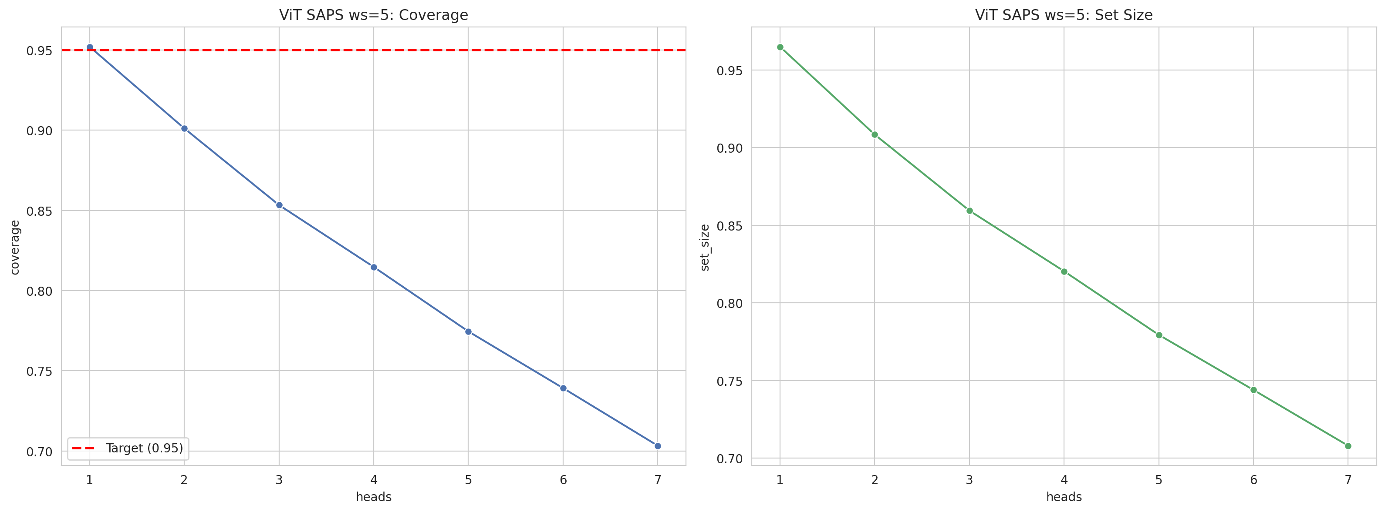
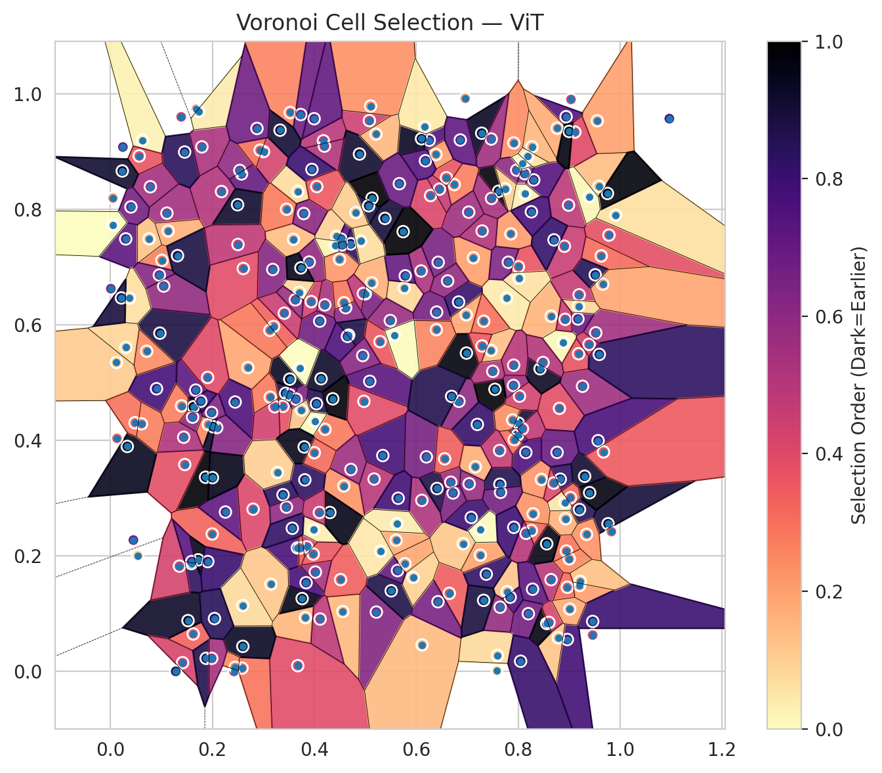
model_key | ViT_UNet_MultiHead
model_name | ViT
scoring_method | SAPS
window_size | 5
lambda | 0.5
k_iters | 1
empirical_coverage | 0.70328039187
avg_set_size | 0.70803028054
scene_coverage | 0.16157405637
scene_avg_set_size | 0.97263470595
uncertain_pixel_rate | 0.13503265381
mean_per_class_cov | 0.71901862133
runtime_sec | 138.63663534
alpha | 0.05

heads | coverage | set_size |  |  | class_id | class_coverage | support_count | Class | Pixels
1 | 0.95205581119 | 0.96496957103 |  |  | 0 | 0.66776315789 | 1216 | Class 0 | 11665
2 | 0.90114294196 | 0.908416209 |  |  | 1 | 0.69176136364 | 704 | Class 1 | 7943
3 | 0.85334718718 | 0.85943298204 |  |  | 2 | 0.74911660777 | 283 | Class 2 | 6841
4 | 0.8147543417 | 0.8203948345 |  |  | 3 | 0.69084249084 | 1365 | Class 3 | 40993
5 | 0.77452872198 | 0.77942704468 |  |  | 4 | 0.71635220126 | 1590 | Class 4 | 84649
6 | 0.73920142497 | 0.74395131364 |  |  | 5 | 0.7044381492 | 1059 | Class 5 | 46045
7 | 0.70328039187 | 0.70803028054 |  |  | 6 | 0.76 | 200 | Class 6 | 4630
 |  |  |  |  | 7 | 0.771875 | 320 | Class 7 | 23980
 |  |  |  |  |  |  |  | Uncertain | 35398
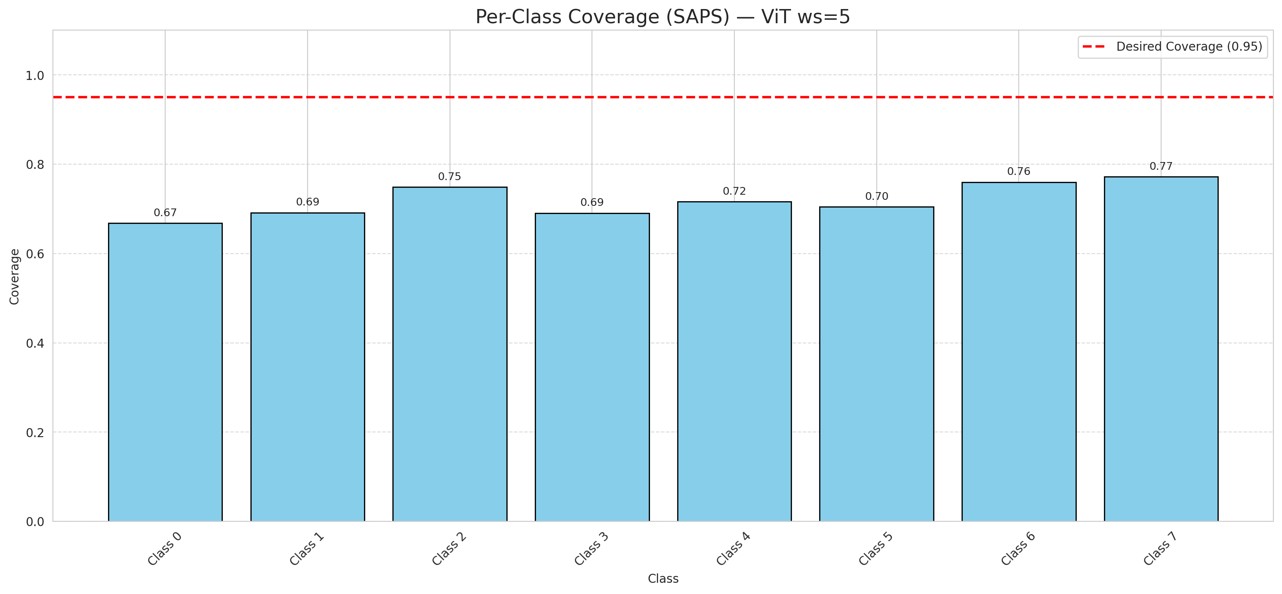

Cell Index | s1 | s2 | Selection_Order | Norm_Order(0-1) | Target
0 | 0.7989 | 0.4098 | 239 | 0.71343283582 | 5
1 | 0.3436 | 0.4819 | 296 | 0.88358208955 | 0
2 | 0.32 | 0.5975 | 110 | 0.32835820896 | 2
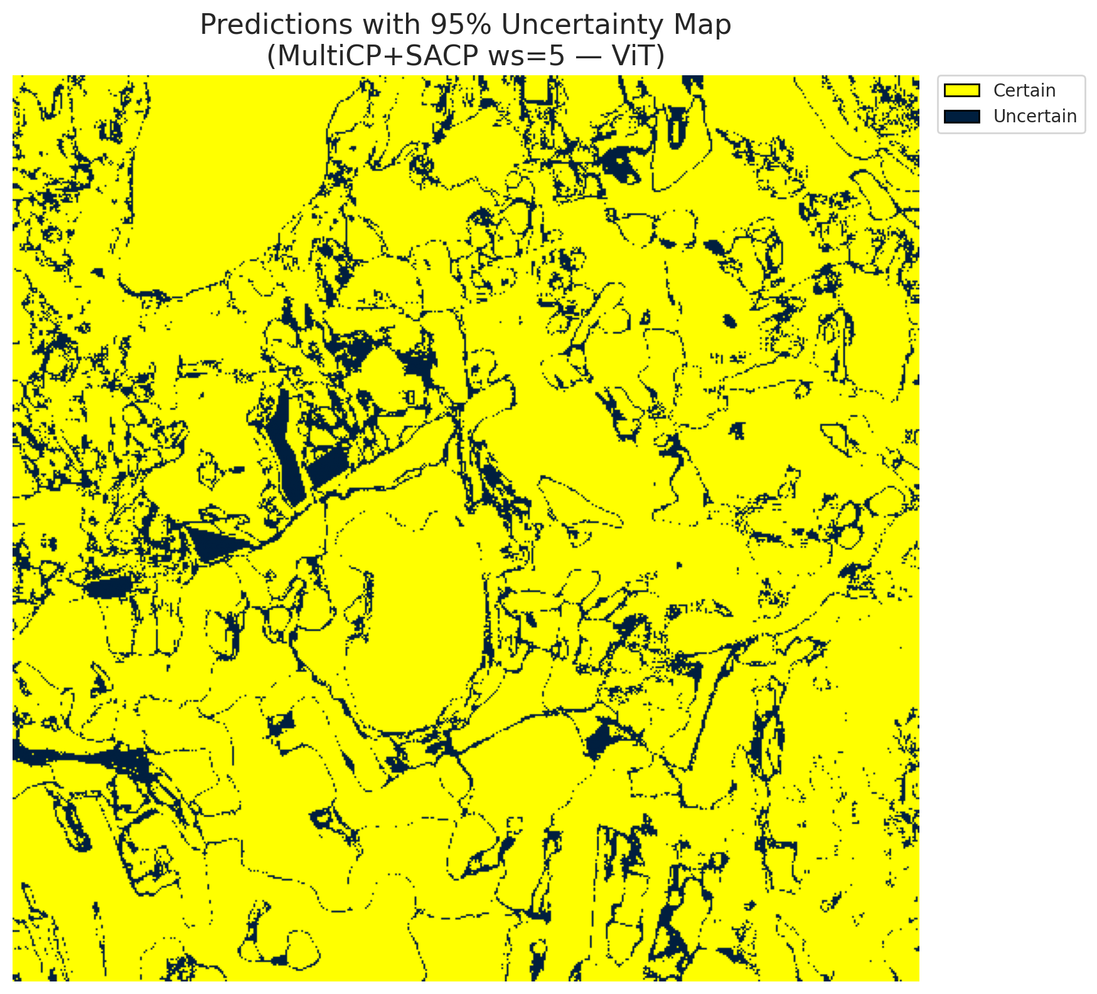
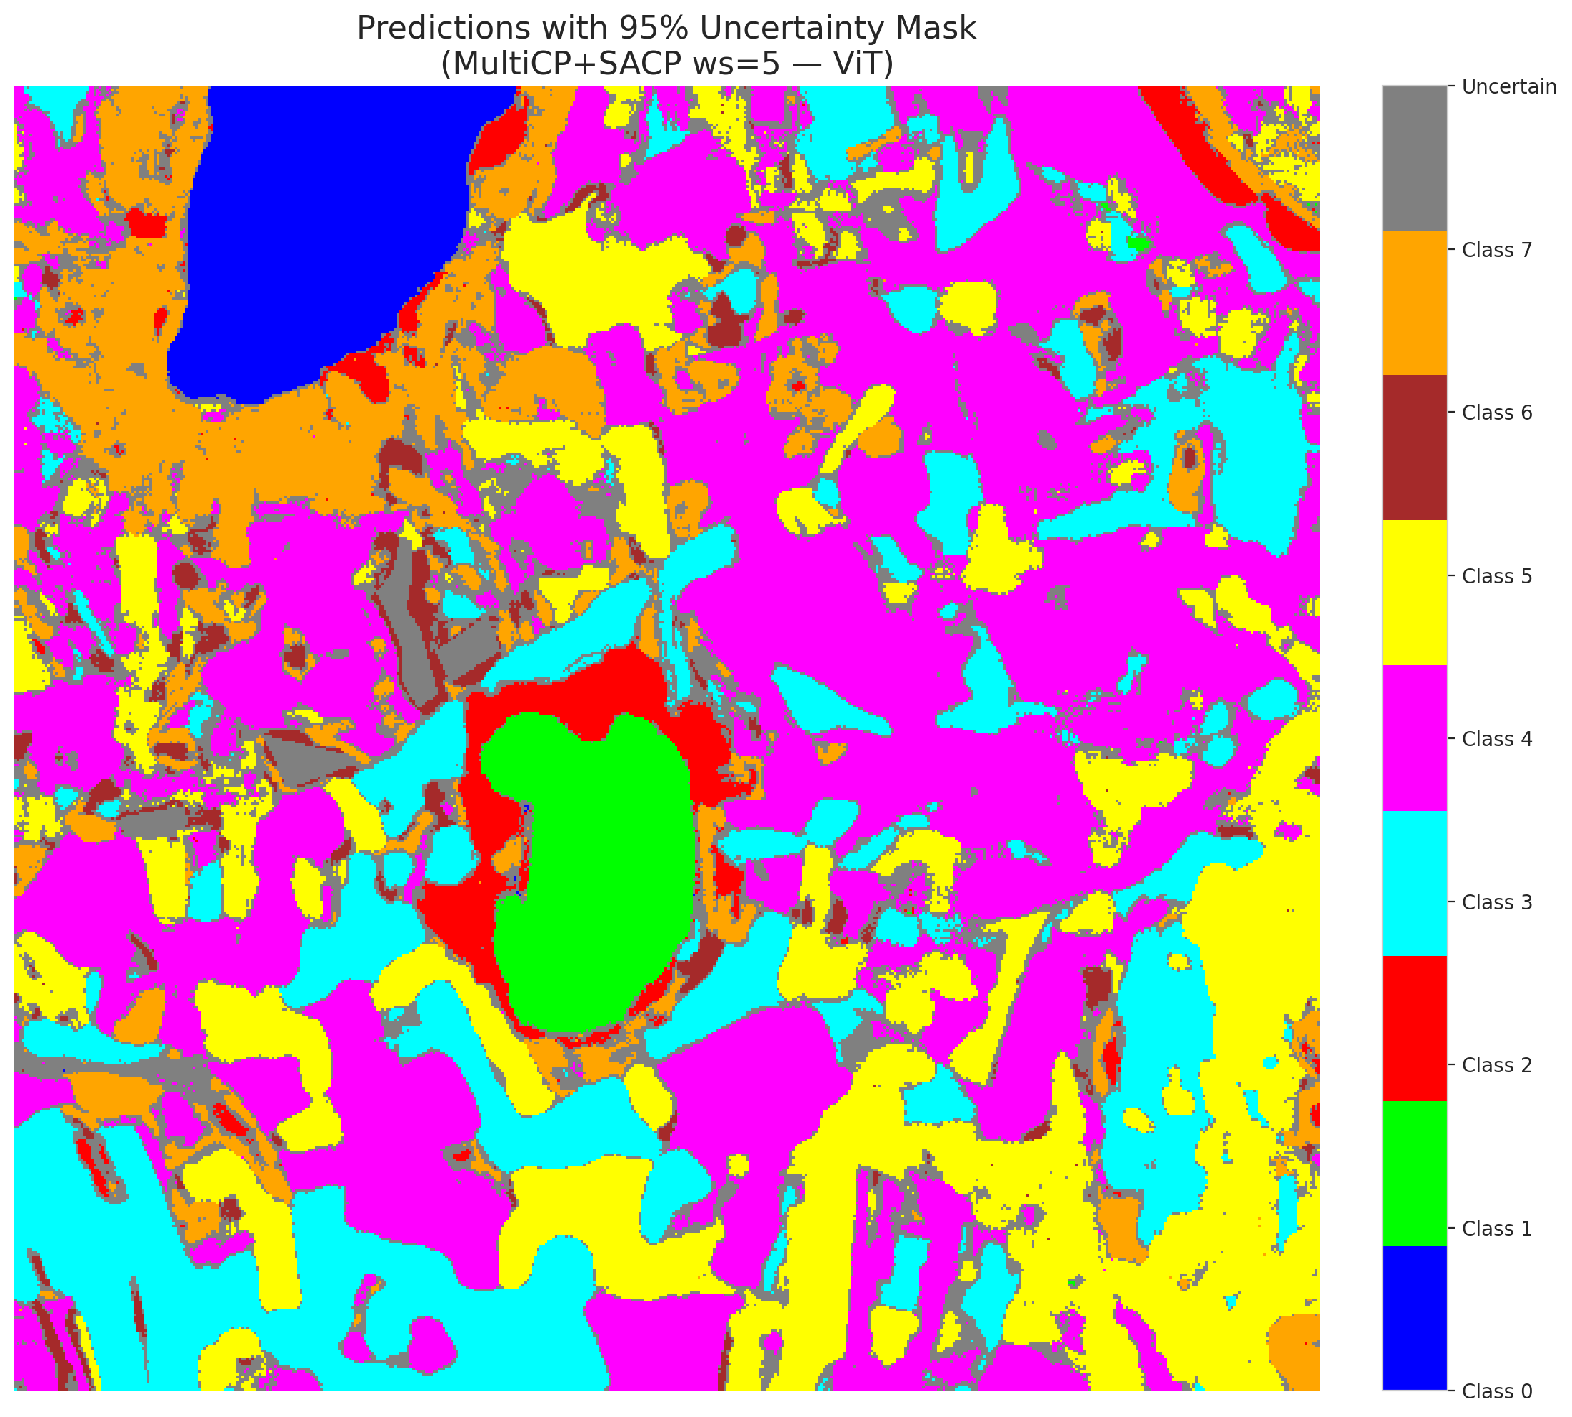
3 | 0.6648 | 0.1355 | 115 | 0.34328358209 | 5
4 | 0.4433 | 0.7535 | 33 | 0.098507462687 | 0
5 | 0.4132 | 0.5071 | 308 | 0.91940298507 | 3
6 | 0.7615 | 0.8317 | 331 | 0.98805970149 | 3
7 | 0.3184 | 0.6963 | 208 | 0.62089552239 | 5
8 | 0.7913 | 0.9154 | 81 | 0.24179104478 | 3
9 | 0.978 | 0.7558 | 128 | 0.38208955224 | 2
10 | 0.5763 | 0.6642 | 28 | 0.083582089552 | 0
11 | 0.9762 | 0.256 | 300 | 0.89552238806 | 0
12 | 0.2424 | 0.0003 | 155 | 0.46268656716 | 4
13 | 0.1865 | 0.3365 | 334 | 0.99701492537 | 1
14 | 0.9912 | 0.7904 | 22 | 0.065671641791 | 0
15 | 0.8944 | 0.2089 | 98 | 0.29253731343 | 0
16 | 0.3825 | 0.0934 | 52 | 0.1552238806 | 4
17 | 0.4614 | 0.6301 | 204 | 0.60895522388 | 3
18 | 0.4209 | 0.4194 | 94 | 0.28059701493 | 5
19 | 0.4999 | 0.654 | 216 | 0.6447761194 | 0
20 | 0.2581 | 0.006 | 97 | 0.28955223881 | 1
21 | 0.7783 | 0.1384 | 41 | 0.1223880597 | 4
22 | 0.7772 | 0.6468 | 14 | 0.041791044776 | 2
23 | 0.1996 | 0.2383 | 109 | 0.32537313433 | 4
24 | 0.7159 | 0.3546 | 57 | 0.17014925373 | 0
25 | 0.5087 | 0.5026 | 244 | 0.72835820896 | 1
26 | 0.8987 | 0.8077 | 163 | 0.48656716418 | 0
27 | 0.8964 | 0.0556 | 264 | 0.78805970149 | 5
28 | 0.6399 | 0.6225 | 220 | 0.65671641791 | 5
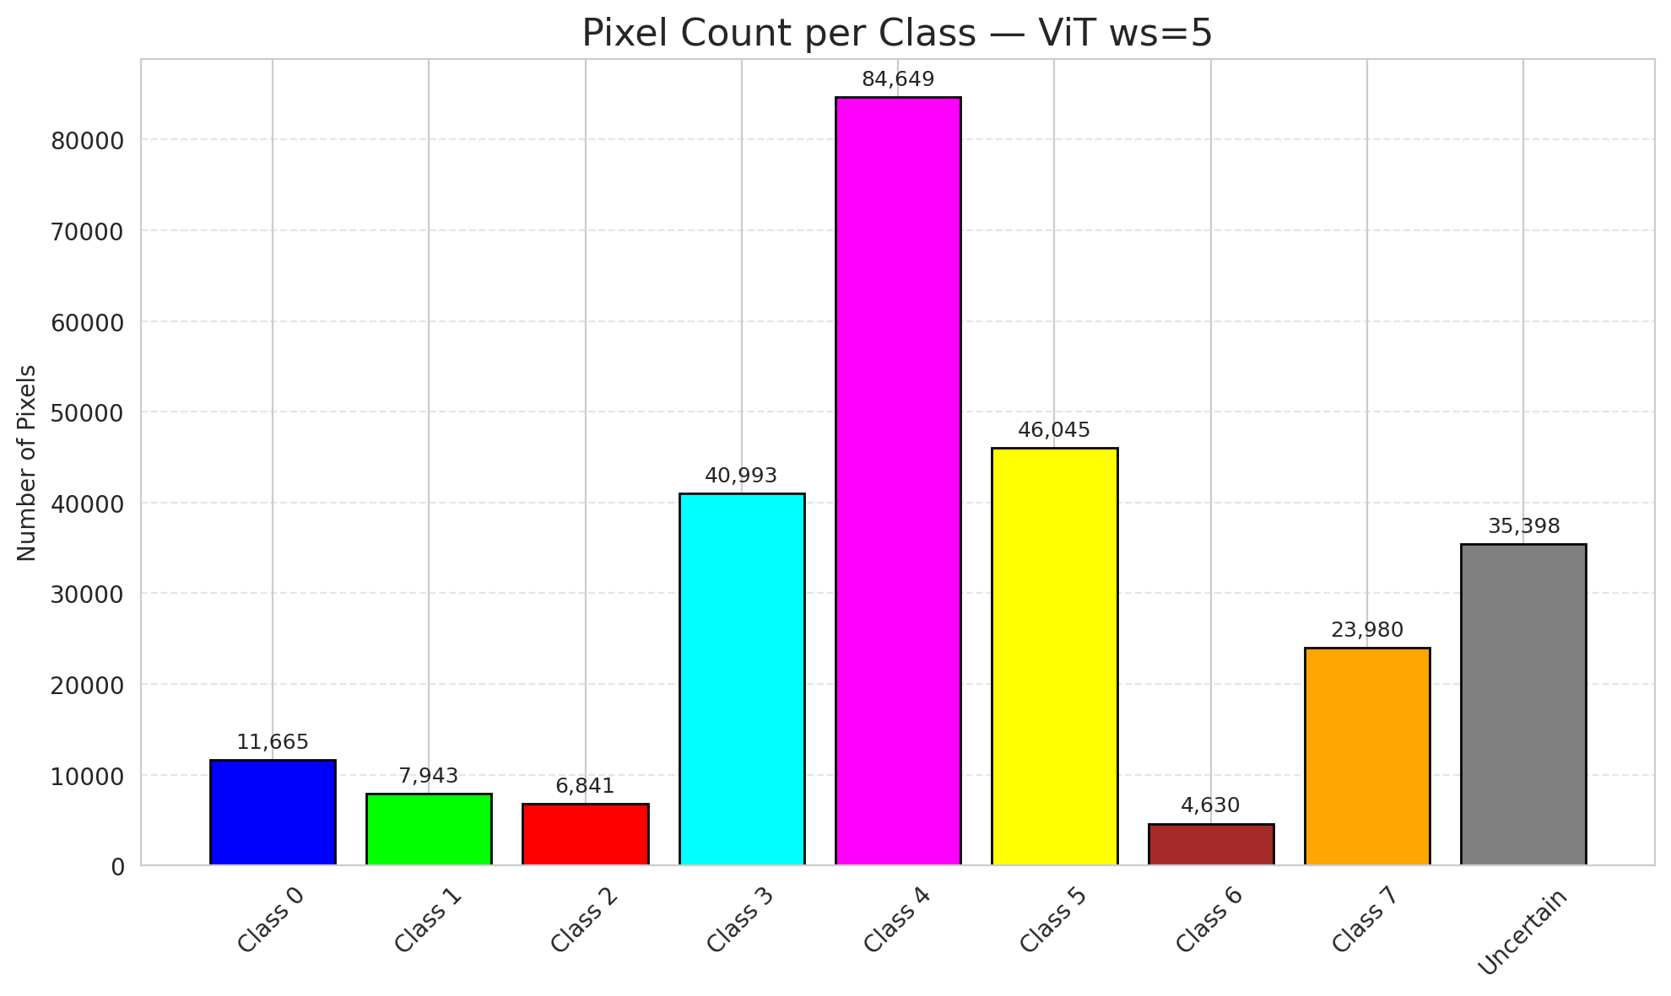
29 | 0.3517 | 0.5064 | 315 | 0.94029850746 | 5
30 | 0.4105 | 0.6068 | 224 | 0.66865671642 | 3
31 | 0.3527 | 0.968 | 87 | 0.25970149254 | 3
32 | 0.0117 | 0.5353 | 37 | 0.11044776119 | 3
33 | 0.4178 | 0.919 | 164 | 0.48955223881 | 4
34 | 0.1623 | 0.0652 | 112 | 0.33432835821 | 4
35 | 0.9202 | 0.2806 | 286 | 0.85373134328 | 3
36 | 0.2255 | 0.2763 | 237 | 0.70746268657 | 4
37 | 0.683 | 0.6399 | 272 | 0.81194029851 | 4
38 | 0.3852 | 0.216 | 154 | 0.45970149254 | 1
39 | 0.8149 | 0.3795 | 255 | 0.76119402985 | 1
40 | 0.8785 | 0.0586 | 40 | 0.11940298507 | 5
41 | 0.9584 | 0.8403 | 46 | 0.13731343284 | 1
42 | 0.9521 | 0.5865 | 184 | 0.54925373134 | 0
43 | 0.5778 | 0.1868 | 62 | 0.18507462687 | 1
44 | 0.4205 | 0.6349 | 178 | 0.53134328358 | 5
45 | 0.4361 | 0.4723 | 330 | 0.98507462687 | 4
46 | 0.9035 | 0.9907 | 139 | 0.41492537313 | 4
47 | 0.8304 | 0.8513 | 248 | 0.74029850746 | 3
48 | 0.9341 | 0.2377 | 75 | 0.22388059701 | 1
49 | 0.3384 | 0.4593 | 126 | 0.37611940299 | 4
50 | 0.5216 | 0.1031 | 209 | 0.62388059701 | 3
51 | 0.6109 | 0.2965 | 175 | 0.5223880597 | 1
52 | 0.8198 | 0.1003 | 223 | 0.66567164179 | 4
53 | 0.2798 | 0.2812 | 135 | 0.40298507463 | 4
54 | 0.1457 | 0.3585 | 127 | 0.37910447761 | 5
55 | 0.7591 | 0.0281 | 26 | 0.077611940299 | 0
56 | 0.9171 | 0.6106 | 231 | 0.68955223881 | 5
57 | 0.3667 | 0.2142 | 257 | 0.7671641791 | 5
58 | 0.1107 | 0.7938 | 183 | 0.54626865672 | 5
59 | 0.4041 | 0.4638 | 290 | 0.86567164179 | 4
60 | 0.6979 | 0.6177 | 61 | 0.18208955224 | 4
61 | 0.7971 | 0.8682 | 201 | 0.6 | 5
62 | 0.9551 | 0.9537 | 66 | 0.19701492537 | 4
63 | 0.6837 | 0.468 | 199 | 0.59402985075 | 7
64 | 0.0007 | 0.663 | 212 | 0.6328358209 | 6
65 | 0.1387 | 0.9605 | 149 | 0.4447761194 | 1
66 | 0.2695 | 0.5264 | 63 | 0.18805970149 | 4
67 | 0.3589 | 0.7485 | 47 | 0.14029850746 | 3
68 | 0.5079 | 0.954 | 148 | 0.44179104478 | 3
69 | 0.5343 | 0.3741 | 260 | 0.77611940299 | 5
70 | 0.8455 | 0.3328 | 74 | 0.22089552239 | 3
71 | 0.9401 | 0.3098 | 325 | 0.97014925373 | 4
72 | 0.8808 | 0.4558 | 129 | 0.38507462687 | 0
73 | 0.1588 | 0.187 | 280 | 0.83582089552 | 3
74 | 0.4578 | 0.3215 | 77 | 0.22985074627 | 4
75 | 0.7855 | 0.7579 | 71 | 0.21194029851 | 0
76 | 0.8644 | 0.1592 | 167 | 0.49850746269 | 0
77 | 0.8127 | 0.8622 | 210 | 0.62686567164 | 4
78 | 0.0969 | 0.586 | 295 | 0.88059701493 | 1
79 | 0.1521 | 0.0883 | 310 | 0.92537313433 | 4
80 | 0.6405 | 0.3171 | 293 | 0.87462686567 | 4
81 | 0.9628 | 0.7197 | 104 | 0.31044776119 | 0
82 | 0.5126 | 0.6733 | 56 | 0.1671641791 | 3
83 | 0.6984 | 0.5515 | 326 | 0.97313432836 | 5
84 | 0.0449 | 0.2278 | 227 | 0.6776119403 | 0
85 | 0.6094 | 0.6936 | 176 | 0.52537313433 | 5
86 | 0.4558 | 0.104 | 49 | 0.14626865672 | 0
87 | 0.2605 | 0.6979 | 130 | 0.38805970149 | 3
88 | 0.7907 | 0.4954 | 191 | 0.57014925373 | 0
89 | 0.7373 | 0.1687 | 274 | 0.81791044776 | 1
90 | 0.9204 | 0.1492 | 67 | 0.2 | 4
91 | 0.2178 | 0.8312 | 171 | 0.51044776119 | 1
92 | 0.2085 | 0.4224 | 206 | 0.61492537313 | 5
93 | 0.8645 | 0.6153 | 53 | 0.15820895522 | 5
94 | 0.1044 | 0.6675 | 195 | 0.58208955224 | 1
95 | 0.3899 | 0.7091 | 198 | 0.59104477612 | 3
96 | 0.9461 | 0.0869 | 268 | 0.8 | 4
97 | 0.8883 | 0.5698 | 6 | 0.017910447761 | 0
98 | 0.6254 | 0.9201 | 251 | 0.74925373134 | 4
99 | 0.7543 | 0.4888 | 332 | 0.99104477612 | 1
100 | 0.549 | 0.6078 | 192 | 0.57313432836 | 4
101 | 0.75 | 0.5199 | 169 | 0.50447761194 | 1
102 | 0.0299 | 0.7492 | 242 | 0.7223880597 | 0
103 | 0.5508 | 0.1399 | 291 | 0.86865671642 | 4
104 | 0.8939 | 0.9607 | 249 | 0.74328358209 | 3
105 | 0.4885 | 0.8961 | 306 | 0.91343283582 | 4
106 | 0.1672 | 0.4874 | 241 | 0.71940298507 | 4
107 | 0.376 | 0.1265 | 322 | 0.96119402985 | 0
108 | 0.0627 | 0.9201 | 9 | 0.026865671642 | 3
109 | 0.9195 | 0.6524 | 156 | 0.46567164179 | 0
110 | 0.8765 | 0.9408 | 58 | 0.17313432836 | 5
111 | 0.643 | 0.7087 | 217 | 0.64776119403 | 4
112 | 0.8559 | 0.2213 | 323 | 0.96417910448 | 1
113 | 0.5384 | 0.7847 | 301 | 0.89850746269 | 7
114 | 0.1626 | 0.4585 | 329 | 0.98208955224 | 4
115 | 0.8187 | 0.8921 | 19 | 0.05671641791 | 0
116 | 0.2 | 0.3358 | 319 | 0.95223880597 | 4
117 | 0.712 | 0.7165 | 68 | 0.20298507463 | 5
118 | 0.1009 | 0.712 | 88 | 0.26268656716 | 4
119 | 0.172 | 0.1936 | 320 | 0.9552238806 | 4
120 | 0.1414 | 0.0155 | 140 | 0.41791044776 | 3
121 | 0.0903 | 0.4898 | 261 | 0.77910447761 | 3
122 | 0.4713 | 0.7407 | 281 | 0.83880597015 | 4
123 | 0.1455 | 0.8996 | 282 | 0.84179104478 | 4
124 | 0.8257 | 0.2442 | 111 | 0.33134328358 | 0
125 | 0.4522 | 0.7488 | 247 | 0.73731343284 | 0
126 | 0.8153 | 0.2394 | 168 | 0.50149253731 | 0
127 | 0.3733 | 0.9645 | 226 | 0.67462686567 | 4
128 | 0.7842 | 0.1289 | 254 | 0.75820895522 | 4
129 | 0.9001 | 0.1953 | 85 | 0.25373134328 | 4
130 | 0.1131 | 0.7629 | 55 | 0.16417910448 | 5
131 | 0.3514 | 0.4791 | 243 | 0.72537313433 | 3
132 | 0.3003 | 0.9003 | 143 | 0.42686567164 | 0
133 | 0.8004 | 0.701 | 124 | 0.37014925373 | 1
134 | 0.3641 | 0.4718 | 215 | 0.64179104478 | 3
135 | 0.0329 | 0.3899 | 316 | 0.94328358209 | 4
136 | 0.856 | 0.0833 | 324 | 0.9671641791 | 5
137 | 0.1611 | 0.4406 | 203 | 0.60597014925 | 3
138 | 0.3713 | 0.5252 | 1 | 0.0029850746269 | 5
139 | 0.9303 | 0.3383 | 305 | 0.91044776119 | 7
140 | 0.0756 | 0.7493 | 42 | 0.12537313433 | 3
141 | 0.0481 | 0.4309 | 99 | 0.29552238806 | 1
142 | 0.4673 | 0.5826 | 292 | 0.87164179104 | 0
143 | 0.5104 | 0.9792 | 78 | 0.2328358209 | 2
144 | 0.3986 | 0.2454 | 11 | 0.032835820896 | 2
145 | 0.7645 | 0.1115 | 194 | 0.57910447761 | 4
146 | 0.3675 | 0.0103 | 132 | 0.39402985075 | 0
147 | 0.0958 | 0.6866 | 207 | 0.61791044776 | 1
148 | 0.3673 | 0.8316 | 24 | 0.071641791045 | 7
149 | 0.6921 | 0.2215 | 39 | 0.11641791045 | 7
150 | 0.128 | 0.0005 | 285 | 0.85074626866 | 5
151 | 0.1921 | 0.4276 | 82 | 0.2447761194 | 0
152 | 0.5605 | 0.2274 | 60 | 0.17910447761 | 2
153 | 0.2013 | 0.424 | 309 | 0.9223880597 | 0
154 | 0.7922 | 0.4016 | 102 | 0.30447761194 | 3
155 | 0.764 | 0.3244 | 287 | 0.85671641791 | 3
156 | 0.9461 | 0.0633 | 138 | 0.41194029851 | 4
157 | 0.1984 | 0.4486 | 213 | 0.63582089552 | 0
158 | 0.6745 | 0.8432 | 90 | 0.26865671642 | 1
159 | 0.6453 | 0.8352 | 158 | 0.47164179104 | 3
160 | 0.3838 | 0.154 | 258 | 0.77014925373 | 3
161 | 0.8003 | 0.4303 | 302 | 0.90149253731 | 4
162 | 0.3813 | 0.332 | 277 | 0.82686567164 | 0
163 | 0.6113 | 0.0463 | 48 | 0.14328358209 | 0
164 | 0.9751 | 0.8279 | 328 | 0.97910447761 | 0
165 | 0.2596 | 0.0437 | 312 | 0.93134328358 | 0
166 | 0.9216 | 0.1563 | 44 | 0.13134328358 | 0
167 | 0.6592 | 0.855 | 122 | 0.36417910448 | 4
168 | 0.5131 | 0.8197 | 335 | 1 | 4
169 | 0.1315 | 0.7202 | 294 | 0.8776119403 | 0
170 | 0.3385 | 0.3062 | 279 | 0.8328358209 | 5
171 | 0.8762 | 0.3796 | 232 | 0.69253731343 | 5
172 | 0.9511 | 0.687 | 284 | 0.84776119403 | 0
173 | 0.7028 | 0.7955 | 187 | 0.55820895522 | 5
174 | 0.2445 | 0.0074 | 83 | 0.24776119403 | 0
175 | 0.9261 | 0.494 | 186 | 0.5552238806 | 1
176 | 0.6102 | 0.9226 | 314 | 0.93731343284 | 0
177 | 0.5172 | 0.3334 | 166 | 0.49552238806 | 3
178 | 0.1687 | 0.9738 | 84 | 0.25074626866 | 4
179 | 0.1909 | 0.1905 | 269 | 0.80298507463 | 4
180 | 0.8047 | 0.018 | 270 | 0.80597014925 | 7
181 | 0.9567 | 0.3998 | 256 | 0.76417910448 | 1
182 | 0.2446 | 0.4668 | 252 | 0.75223880597 | 4
183 | 0.7323 | 0.6067 | 100 | 0.29850746269 | 5
184 | 0.2571 | 0.8617 | 233 | 0.69552238806 | 4
185 | 0.1352 | 0.1826 | 142 | 0.42388059701 | 3
186 | 0.7468 | 0.5561 | 45 | 0.13432835821 | 5
187 | 0.2538 | 0.8677 | 197 | 0.58805970149 | 3
188 | 0.2493 | 0.8083 | 307 | 0.91641791045 | 4
189 | 0.4515 | 0.1593 | 113 | 0.33731343284 | 3
190 | 0.0782 | 0.8395 | 182 | 0.54328358209 | 4
191 | 0.2501 | 0.7395 | 160 | 0.4776119403 | 3
192 | 0.4415 | 0.7381 | 8 | 0.023880597015 | 4
193 | 0.6425 | 0.121 | 218 | 0.65074626866 | 0
194 | 0.7283 | 0.9322 | 313 | 0.93432835821 | 3
195 | 0.3748 | 0.4528 | 43 | 0.12835820896 | 7
196 | 0.3939 | 0.6406 | 145 | 0.4328358209 | 3
197 | 0.9185 | 0.5503 | 125 | 0.37313432836 | 5
198 | 0.7078 | 0.2669 | 266 | 0.79402985075 | 0
199 | 0.9184 | 0.6324 | 29 | 0.086567164179 | 4
200 | 0.4007 | 0.4337 | 5 | 0.014925373134 | 0
201 | 0.9111 | 0.9341 | 134 | 0.4 | 0
202 | 0.402 | 0.1724 | 179 | 0.53432835821 | 5
203 | 0.5066 | 0.8066 | 299 | 0.89253731343 | 6
204 | 0.7742 | 0.8359 | 35 | 0.10447761194 | 4
205 | 0.5289 | 0.5714 | 121 | 0.36119402985 | 0
206 | 0.7476 | 0.8193 | 180 | 0.53731343284 | 4
207 | 0.4545 | 0.739 | 230 | 0.68656716418 | 4
208 | 0.8086 | 0.8794 | 4 | 0.011940298507 | 0
209 | 0.4972 | 0.468 | 131 | 0.39104477612 | 4
210 | 0.8906 | 0.7365 | 152 | 0.45373134328 | 0
211 | 0.5939 | 0.163 | 31 | 0.092537313433 | 1
212 | 0.959 | 0.5492 | 278 | 0.82985074627 | 1
213 | 0.0563 | 0.8928 | 123 | 0.3671641791 | 5
214 | 0.1906 | 0.5093 | 133 | 0.39701492537 | 4
215 | 0.3978 | 0.2035 | 119 | 0.3552238806 | 3
...

