AlexNet_RAPS_ws7
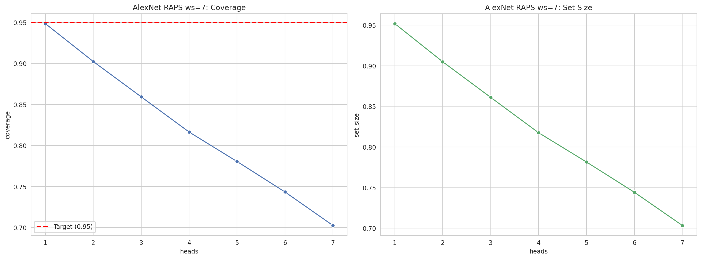
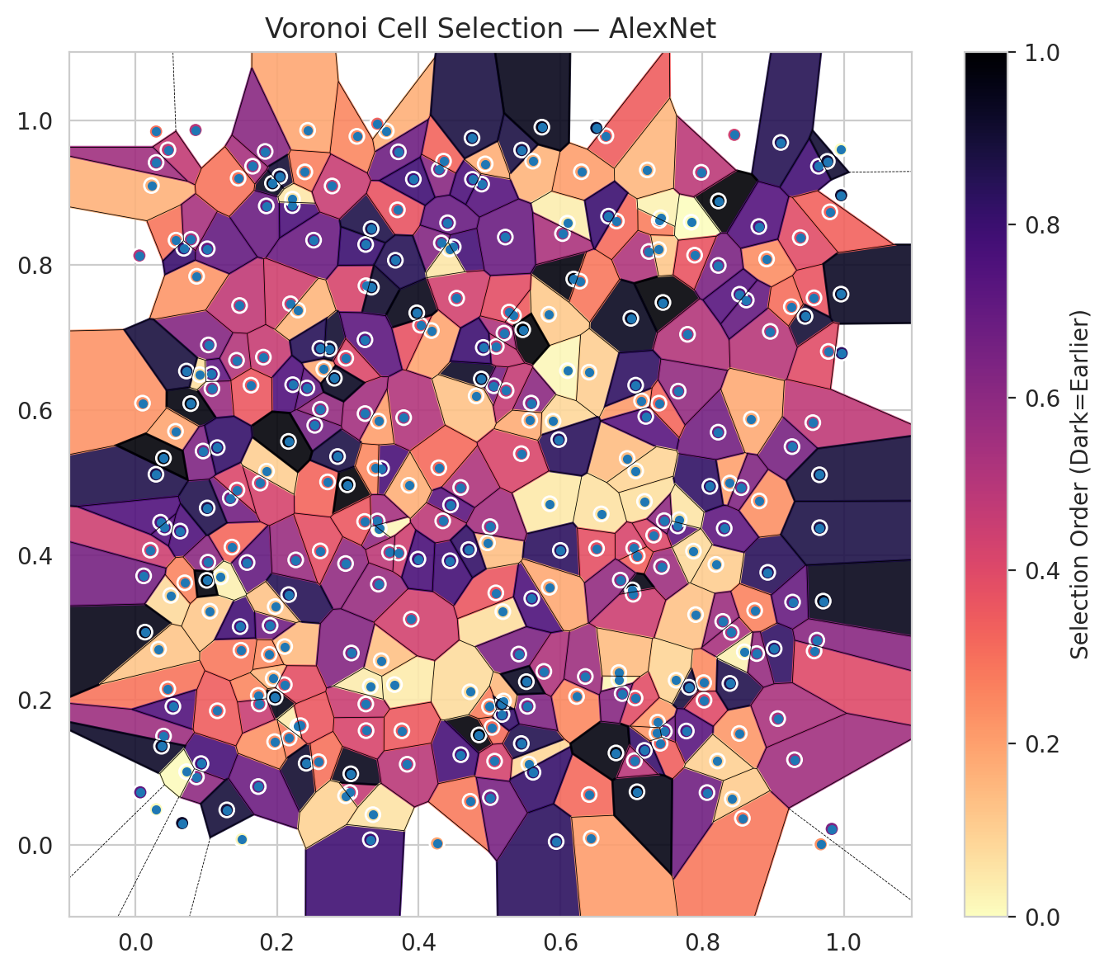
model_key | AlexNet_CNN_MultiHead
model_name | AlexNet
scoring_method | RAPS
window_size | 7
lambda | 0.5
k_iters | 1
empirical_coverage | 0.70253822176
avg_set_size | 0.70342882589
scene_coverage | 0.19090596199
scene_avg_set_size | 1.2442150997
uncertain_pixel_rate | 0.29700469971
mean_per_class_cov | 0.70770511354
runtime_sec | 199.53144685
alpha | 0.05

heads | coverage | set_size |  |  | class_id | class_coverage | support_count | Class | Pixels
1 | 0.94849339469 | 0.95175894315 |  |  | 0 | 0.69407894737 | 1216 | Class 0 | 10776
2 | 0.90233041413 | 0.90485379249 |  |  | 1 | 0.71164772727 | 704 | Class 1 | 7487
3 | 0.85928454802 | 0.86106575627 |  |  | 2 | 0.68551236749 | 283 | Class 2 | 6128
4 | 0.81638711593 | 0.8175745881 |  |  | 3 | 0.72087912088 | 1365 | Class 3 | 41805
5 | 0.78046608283 | 0.78150512097 |  |  | 4 | 0.69937106918 | 1590 | Class 4 | 58311
6 | 0.74335757756 | 0.74424818168 |  |  | 5 | 0.67327667611 | 1059 | Class 5 | 39239
7 | 0.70253822176 | 0.70342882589 |  |  | 6 | 0.73 | 200 | Class 6 | 3261
 |  |  |  |  | 7 | 0.746875 | 320 | Class 7 | 17279
 |  |  |  |  |  |  |  | Uncertain | 77858
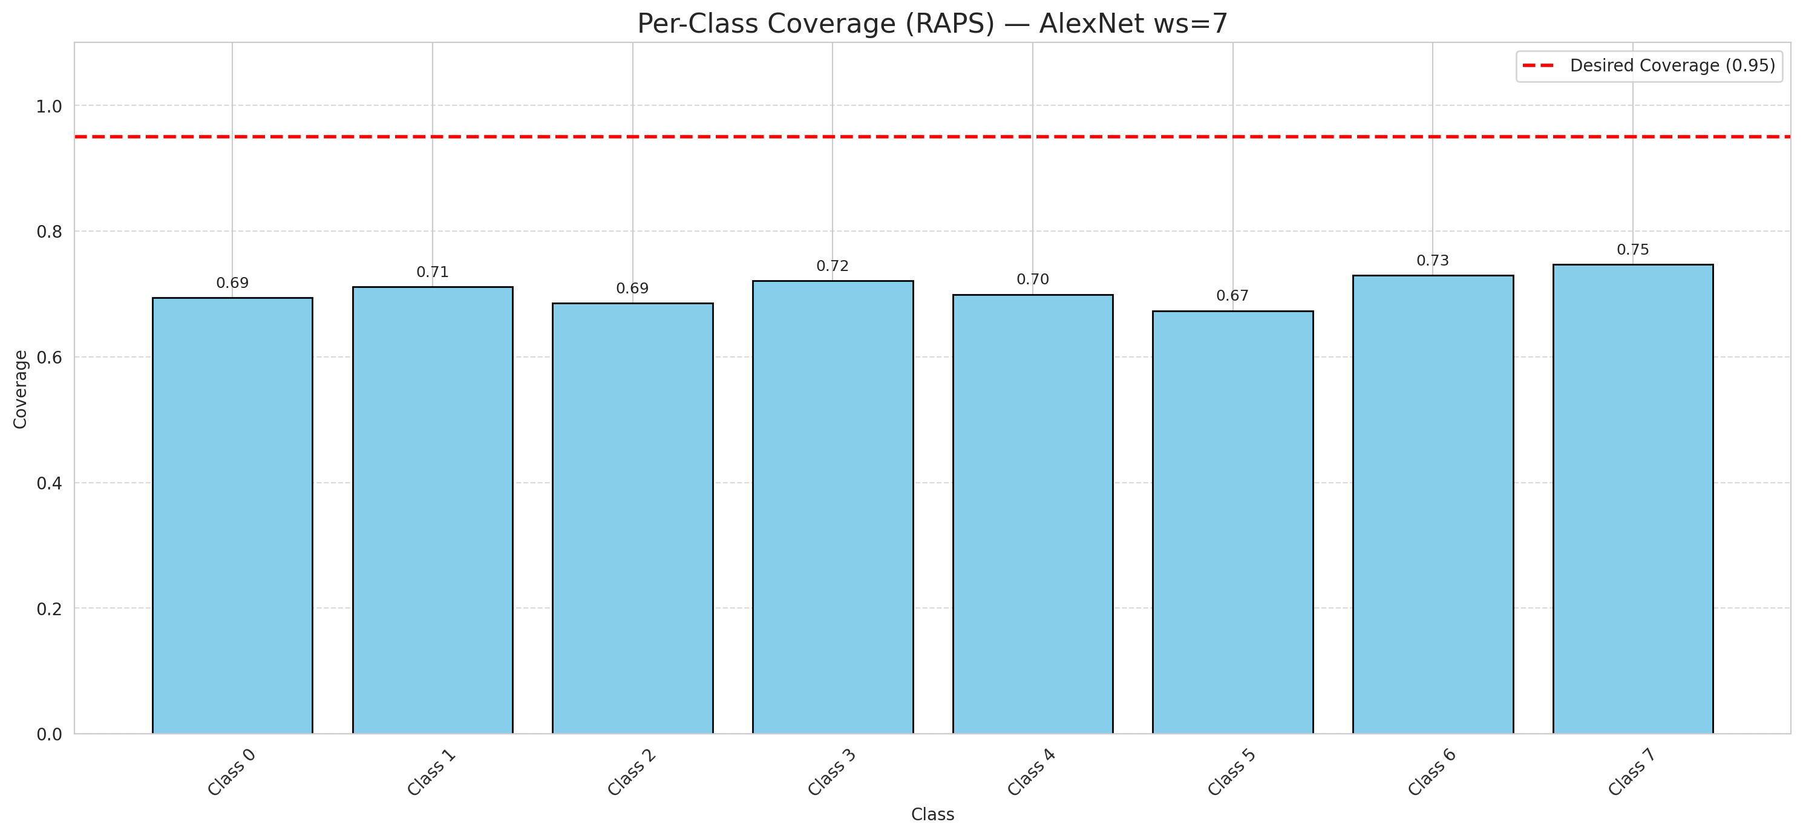

Cell Index | s1 | s2 | Selection_Order | Norm_Order(0-1) | Target
0 | 0.9955 | 0.96 | 0 | 0 | 5
1 | 0.8568 | 0.0365 | 94 | 0.28059701493 | 0
2 | 0.2171 | 0.1473 | 91 | 0.27164179104 | 2
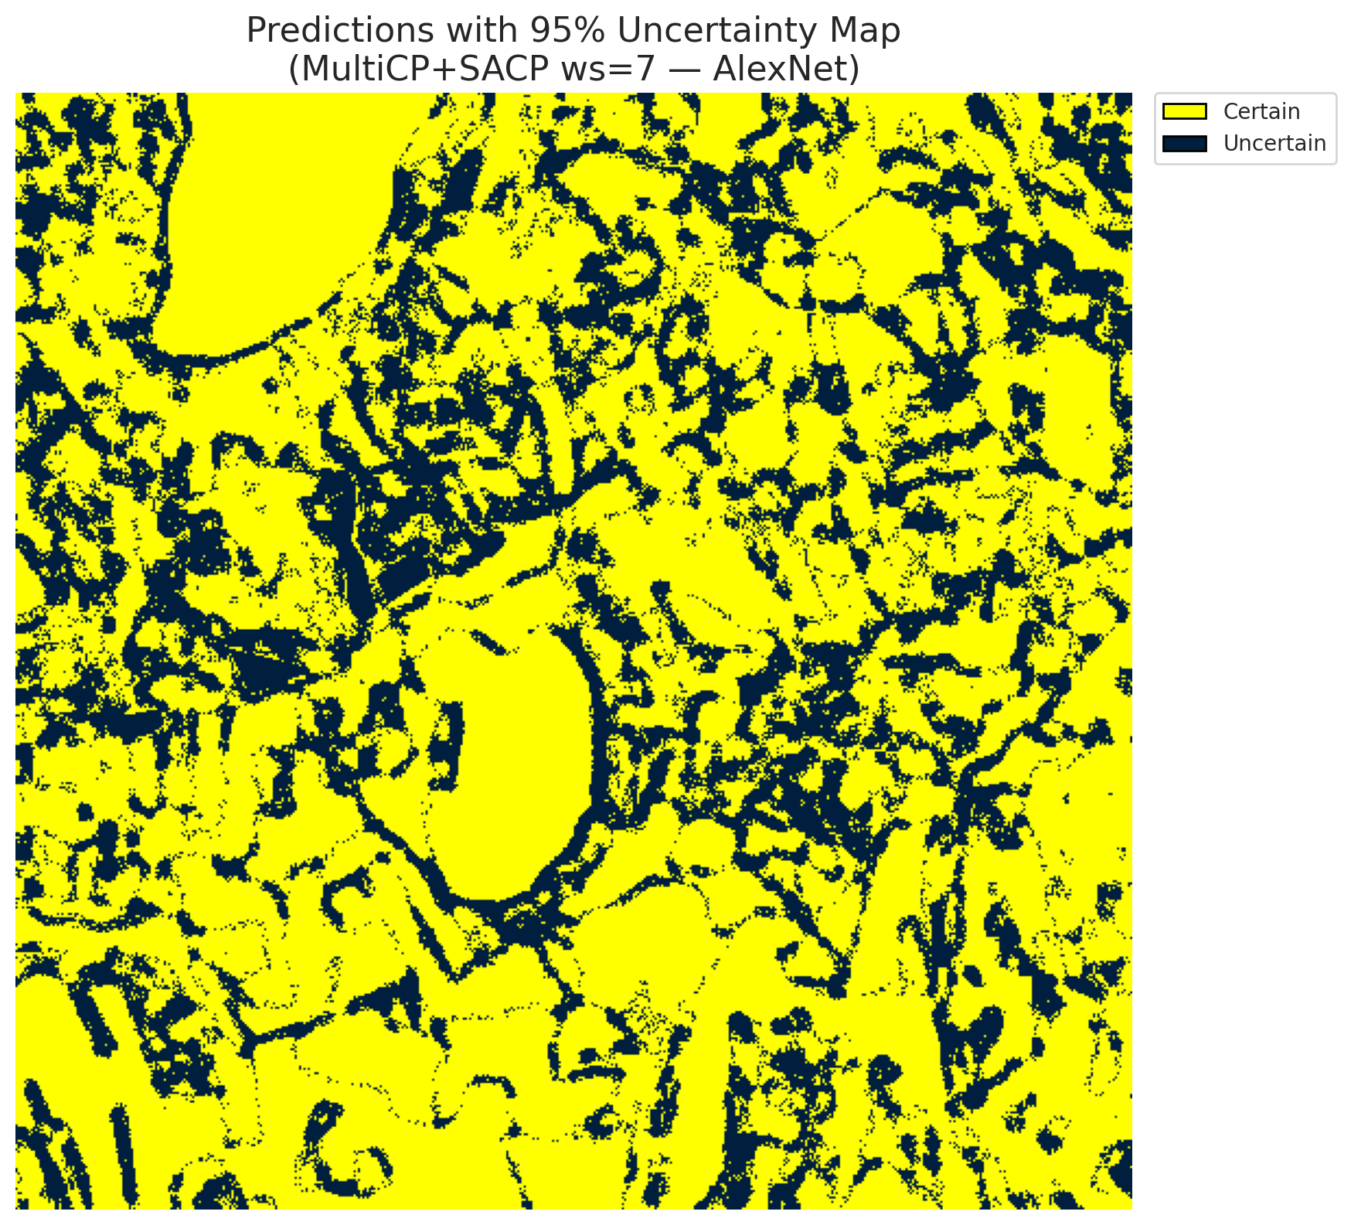
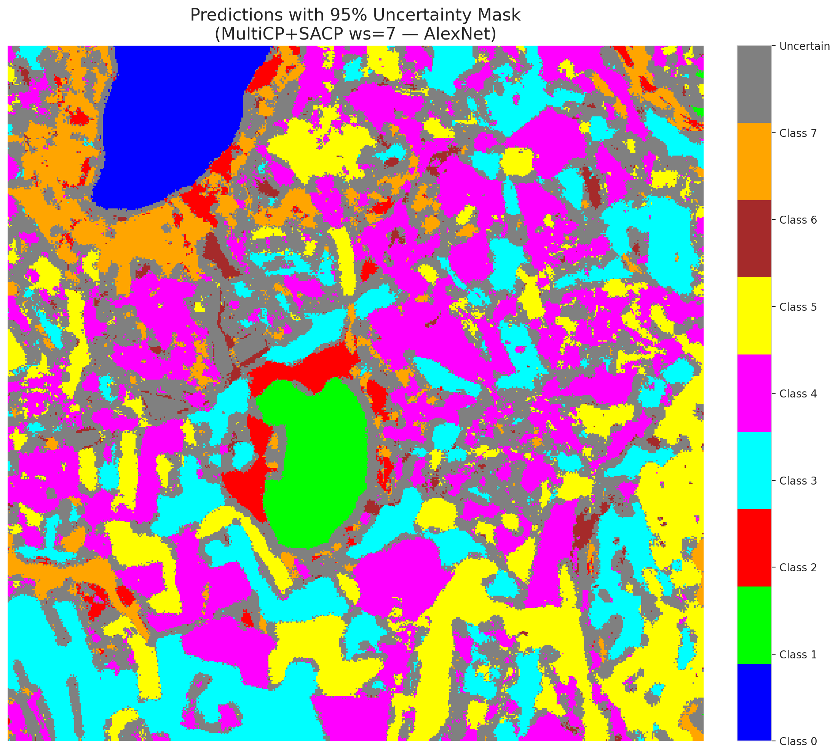
3 | 0.5553 | 0.1114 | 28 | 0.083582089552 | 5
4 | 0.5609 | 0.9437 | 53 | 0.15820895522 | 0
5 | 0.9642 | 0.9367 | 263 | 0.78507462687 | 3
6 | 0.6188 | 0.781 | 327 | 0.97611940299 | 3
7 | 0.7371 | 0.1693 | 71 | 0.21194029851 | 5
8 | 0.5187 | 0.3218 | 23 | 0.068656716418 | 3
9 | 0.7908 | 0.3177 | 42 | 0.12537313433 | 2
10 | 0.5448 | 0.1397 | 287 | 0.85671641791 | 0
11 | 0.7248 | 0.819 | 172 | 0.51343283582 | 0
12 | 0.8022 | 0.2238 | 80 | 0.23880597015 | 4
13 | 0.6228 | 0.2046 | 83 | 0.24776119403 | 1
14 | 0.6642 | 0.9787 | 115 | 0.34328358209 | 0
15 | 0.3658 | 0.2211 | 14 | 0.041791044776 | 0
16 | 0.149 | 0.2685 | 93 | 0.2776119403 | 4
17 | 0.0212 | 0.4066 | 149 | 0.4447761194 | 3
18 | 0.8069 | 0.072 | 225 | 0.67164179104 | 5
19 | 0.7815 | 0.2174 | 296 | 0.88358208955 | 0
20 | 0.429 | 0.9326 | 204 | 0.60895522388 | 1
21 | 0.1428 | 0.6688 | 169 | 0.50447761194 | 4
22 | 0.9709 | 0.3363 | 318 | 0.94925373134 | 2
23 | 0.679 | 0.861 | 103 | 0.30746268657 | 4
24 | 0.2713 | 0.5009 | 108 | 0.3223880597 | 0
25 | 0.6507 | 0.9895 | 309 | 0.9223880597 | 1
26 | 0.0499 | 0.3442 | 25 | 0.074626865672 | 0
27 | 0.0458 | 0.2151 | 98 | 0.29253731343 | 5
28 | 0.8454 | 0.98 | 148 | 0.44179104478 | 5
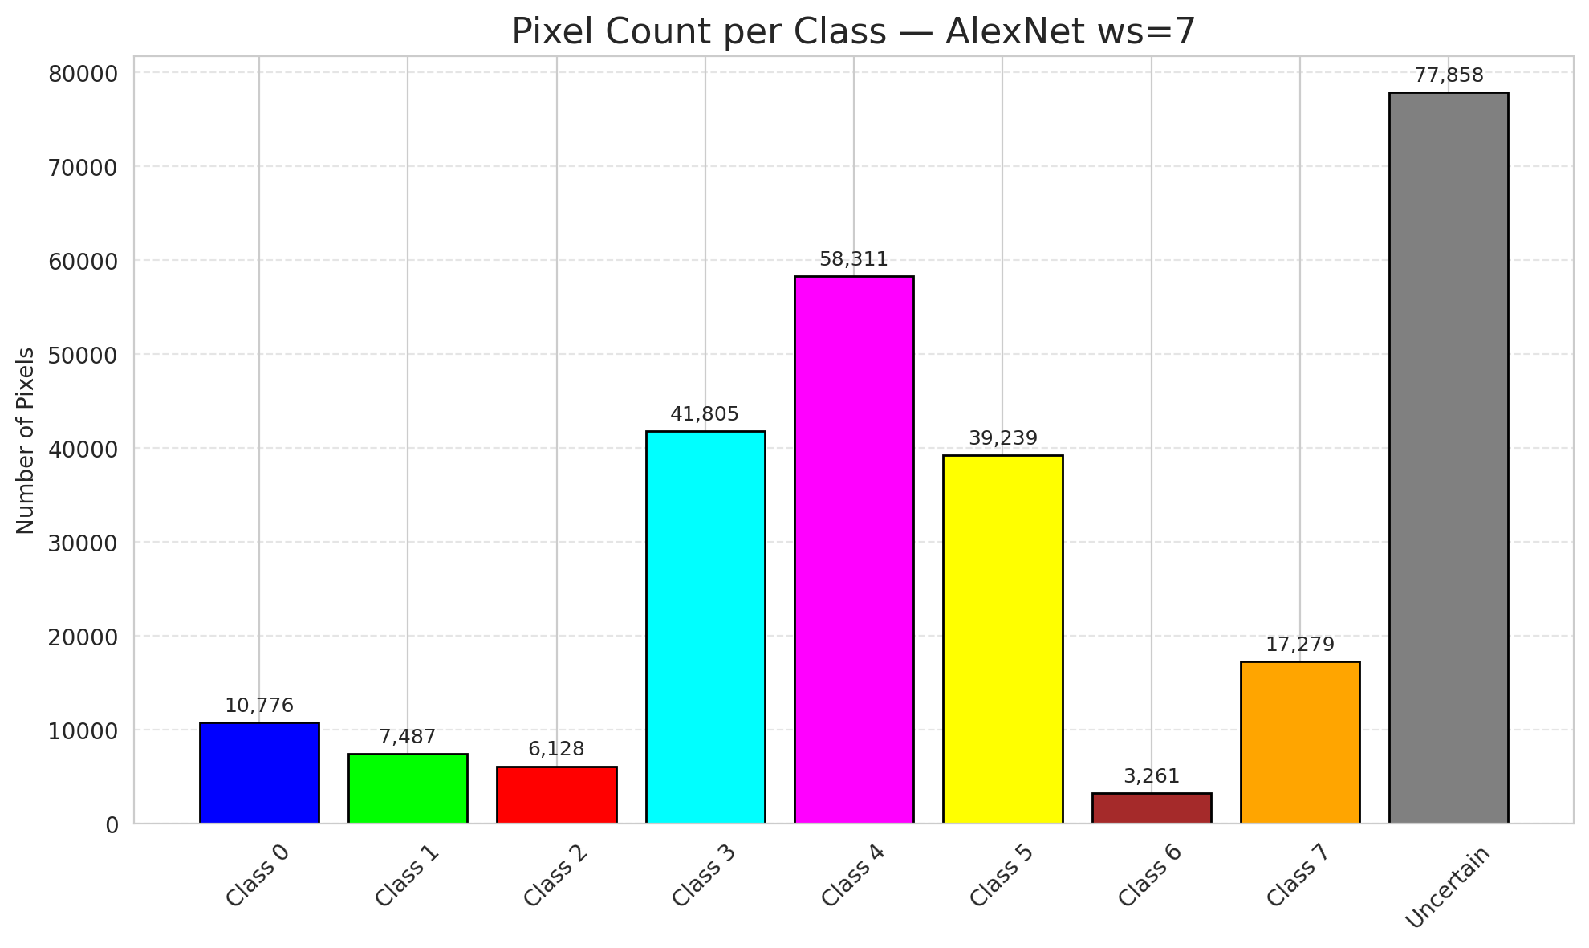
29 | 0.8926 | 0.376 | 282 | 0.84179104478 | 5
30 | 0.8806 | 0.4746 | 78 | 0.2328358209 | 3
31 | 0.0633 | 0.433 | 252 | 0.75223880597 | 3
32 | 0.485 | 0.1516 | 329 | 0.98208955224 | 3
33 | 0.4592 | 0.4932 | 173 | 0.51641791045 | 4
34 | 0.3317 | 0.0069 | 265 | 0.79104477612 | 4
35 | 0.7447 | 0.7486 | 332 | 0.99104477612 | 3
36 | 0.7187 | 0.474 | 22 | 0.065671641791 | 4
37 | 0.1363 | 0.4109 | 106 | 0.31641791045 | 4
38 | 0.6942 | 0.5333 | 47 | 0.14029850746 | 1
39 | 0.3255 | 0.7717 | 141 | 0.42089552239 | 1
40 | 0.1031 | 0.69 | 207 | 0.61791044776 | 5
41 | 0.8194 | 0.387 | 35 | 0.10447761194 | 1
42 | 0.911 | 0.9695 | 286 | 0.85373134328 | 0
43 | 0.5088 | 0.3477 | 121 | 0.36119402985 | 1
44 | 0.2516 | 0.8346 | 230 | 0.68656716418 | 5
45 | 0.3436 | 0.4359 | 198 | 0.59104477612 | 4
46 | 0.5412 | 0.2632 | 214 | 0.63880597015 | 4
47 | 0.5338 | 0.7305 | 116 | 0.34626865672 | 3
48 | 0.9562 | 0.5827 | 160 | 0.4776119403 | 1
49 | 0.4883 | 0.643 | 311 | 0.92835820896 | 4
50 | 0.0293 | 0.9846 | 100 | 0.29850746269 | 3
51 | 0.266 | 0.6565 | 60 | 0.17910447761 | 1
52 | 0.1577 | 0.3896 | 234 | 0.69850746269 | 4
53 | 0.8229 | 0.8887 | 335 | 1 | 4
54 | 0.1076 | 0.6497 | 238 | 0.71044776119 | 5
55 | 0.891 | 0.8086 | 79 | 0.23582089552 | 0
56 | 0.0291 | 0.5114 | 290 | 0.86567164179 | 5
57 | 0.2108 | 0.2736 | 48 | 0.14328358209 | 5
58 | 0.1471 | 0.7444 | 159 | 0.47462686567 | 5
59 | 0.5533 | 0.1911 | 211 | 0.62985074627 | 4
60 | 0.6406 | 0.0693 | 105 | 0.31343283582 | 4
61 | 0.1023 | 0.3901 | 202 | 0.60298507463 | 5
62 | 0.0574 | 0.8346 | 96 | 0.28656716418 | 4
63 | 0.7384 | 0.8217 | 38 | 0.11343283582 | 7
64 | 0.9385 | 0.8381 | 132 | 0.39402985075 | 6
65 | 0.134 | 0.4786 | 223 | 0.66567164179 | 1
66 | 0.0227 | 0.9101 | 54 | 0.16119402985 | 4
67 | 0.8391 | 0.4993 | 66 | 0.19701492537 | 3
68 | 0.5766 | 0.2393 | 174 | 0.51940298507 | 3
69 | 0.2432 | 0.9862 | 62 | 0.18507462687 | 5
70 | 0.6823 | 0.2279 | 7 | 0.020895522388 | 3
71 | 0.9269 | 0.5496 | 218 | 0.65074626866 | 4
72 | 0.7427 | 0.3841 | 186 | 0.5552238806 | 0
73 | 0.0101 | 0.6096 | 75 | 0.22388059701 | 3
74 | 0.5034 | 0.162 | 102 | 0.30447761194 | 4
75 | 0.3251 | 0.8287 | 267 | 0.79701492537 | 0
76 | 0.1735 | 0.2062 | 84 | 0.25074626866 | 0
77 | 0.1935 | 0.9132 | 316 | 0.94328358209 | 4
78 | 0.7633 | 0.2271 | 30 | 0.089552238806 | 1
79 | 0.1014 | 0.4649 | 289 | 0.86268656716 | 4
80 | 0.3471 | 0.2541 | 44 | 0.13134328358 | 4
81 | 0.343 | 0.3597 | 192 | 0.57313432836 | 0
82 | 0.3027 | 0.0721 | 157 | 0.46865671642 | 3
83 | 0.7145 | 0.6128 | 70 | 0.20895522388 | 5
84 | 0.9969 | 0.6786 | 278 | 0.82985074627 | 0
85 | 0.15 | 0.0074 | 6 | 0.017910447761 | 5
86 | 0.0057 | 0.8134 | 168 | 0.50149253731 | 0
87 | 0.9674 | 0.0006 | 76 | 0.22686567164 | 3
88 | 0.594 | 0.0044 | 279 | 0.8328358209 | 0
89 | 0.1081 | 0.6296 | 190 | 0.5671641791 | 1
90 | 0.8525 | 0.1536 | 72 | 0.21492537313 | 4
91 | 0.8027 | 0.1995 | 133 | 0.39701492537 | 1
92 | 0.1973 | 0.2036 | 323 | 0.96417910448 | 5
93 | 0.4179 | 0.7098 | 64 | 0.19104477612 | 5
94 | 0.4487 | 0.8254 | 260 | 0.77611940299 | 1
95 | 0.6994 | 0.7267 | 315 | 0.94029850746 | 3
96 | 0.6098 | 0.8581 | 11 | 0.032835820896 | 4
97 | 0.1807 | 0.6731 | 154 | 0.45970149254 | 0
98 | 0.6273 | 0.778 | 95 | 0.28358208955 | 4
99 | 0.3041 | 0.0979 | 317 | 0.94626865672 | 1
100 | 0.8392 | 0.2227 | 288 | 0.85970149254 | 4
101 | 0.007 | 0.0724 | 239 | 0.71343283582 | 1
102 | 0.6099 | 0.6544 | 5 | 0.014925373134 | 0
103 | 0.9579 | 0.755 | 123 | 0.3671641791 | 4
104 | 0.2738 | 0.6846 | 304 | 0.90746268657 | 3
105 | 0.5836 | 0.7323 | 37 | 0.11044776119 | 4
106 | 0.6404 | 0.6524 | 33 | 0.098507462687 | 4
107 | 0.1434 | 0.4897 | 137 | 0.40895522388 | 0
108 | 0.0865 | 0.7847 | 74 | 0.22089552239 | 3
109 | 0.5071 | 0.1154 | 143 | 0.42686567164 | 0
110 | 0.983 | 0.0219 | 213 | 0.63582089552 | 5
111 | 0.0294 | 0.049 | 3 | 0.0089552238806 | 4
112 | 0.3542 | 0.9854 | 55 | 0.16417910448 | 1
113 | 0.9017 | 0.2706 | 276 | 0.82388059701 | 7
114 | 0.4258 | 0.0018 | 65 | 0.19402985075 | 4
115 | 0.6295 | 0.9291 | 67 | 0.2 | 0
116 | 0.6576 | 0.4567 | 20 | 0.059701492537 | 4
117 | 0.1053 | 0.3224 | 39 | 0.11641791045 | 5
118 | 0.2221 | 0.6351 | 250 | 0.74626865672 | 4
119 | 0.3257 | 0.1575 | 139 | 0.41492537313 | 4
120 | 0.0781 | 0.609 | 326 | 0.97313432836 | 3
121 | 0.3328 | 0.8504 | 291 | 0.86865671642 | 3
122 | 0.2967 | 0.3882 | 197 | 0.58805970149 | 4
123 | 0.1848 | 0.8819 | 229 | 0.68358208955 | 4
124 | 0.9581 | 0.2675 | 134 | 0.4 | 0
125 | 0.7395 | 0.8617 | 90 | 0.26865671642 | 0
126 | 0.3442 | 0.4367 | 4 | 0.011940298507 | 0
127 | 0.5198 | 0.1984 | 49 | 0.14626865672 | 4
128 | 0.0697 | 0.3616 | 86 | 0.25671641791 | 4
129 | 0.5468 | 0.711 | 334 | 0.99701492537 | 4
130 | 0.8312 | 0.4368 | 237 | 0.70746268657 | 5
131 | 0.2215 | 0.8823 | 255 | 0.76119402985 | 3
132 | 0.1945 | 0.2295 | 51 | 0.15223880597 | 0
133 | 0.3475 | 0.5196 | 257 | 0.7671641791 | 1
134 | 0.5596 | 0.34 | 253 | 0.7552238806 | 3
135 | 0.4971 | 0.4168 | 45 | 0.13432835821 | 4
136 | 0.8109 | 0.4947 | 275 | 0.82089552239 | 5
137 | 0.506 | 0.6336 | 217 | 0.64776119403 | 3
138 | 0.066 | 0.0299 | 308 | 0.91940298507 | 5
139 | 0.585 | 0.4707 | 15 | 0.044776119403 | 7
140 | 0.3787 | 0.5896 | 171 | 0.51044776119 | 3
141 | 0.9961 | 0.7601 | 312 | 0.93134328358 | 1
142 | 0.0567 | 0.5708 | 63 | 0.18805970149 | 0
143 | 0.7655 | 0.4401 | 241 | 0.71940298507 | 2
144 | 0.4888 | 0.912 | 247 | 0.73731343284 | 2
145 | 0.4442 | 0.392 | 261 | 0.77910447761 | 4
146 | 0.7413 | 0.8655 | 9 | 0.026865671642 | 0
147 | 0.435 | 0.9437 | 109 | 0.32537313433 | 1
148 | 0.481 | 0.6196 | 43 | 0.12835820896 | 7
149 | 0.9453 | 0.7294 | 301 | 0.89850746269 | 7
150 | 0.7777 | 0.157 | 243 | 0.72537313433 | 5
151 | 0.0927 | 0.112 | 258 | 0.77014925373 | 0
152 | 0.8226 | 0.5695 | 222 | 0.66268656716 | 2
153 | 0.0398 | 0.15 | 188 | 0.56119402985 | 0
154 | 0.4319 | 0.8308 | 209 | 0.62388059701 | 3
155 | 0.4025 | 0.7172 | 125 | 0.37313432836 | 3
156 | 0.5175 | 0.1799 | 271 | 0.80895522388 | 4
157 | 0.4283 | 0.5204 | 104 | 0.31044776119 | 0
158 | 0.7794 | 0.7046 | 170 | 0.50746268657 | 1
159 | 0.4999 | 0.1906 | 89 | 0.26567164179 | 3
160 | 0.3699 | 0.8765 | 124 | 0.37014925373 | 3
161 | 0.0413 | 0.4382 | 246 | 0.73432835821 | 4
162 | 0.3415 | 0.9953 | 110 | 0.32835820896 | 0
163 | 0.5999 | 0.4063 | 280 | 0.83582089552 | 0
164 | 0.3332 | 0.7697 | 307 | 0.91641791045 | 0
165 | 0.0862 | 0.0936 | 199 | 0.59402985075 | 0
166 | 0.1902 | 0.3027 | 224 | 0.66865671642 | 0
167 | 0.0136 | 0.2935 | 321 | 0.95820895522 | 4
168 | 0.1479 | 0.3011 | 262 | 0.78208955224 | 4
169 | 0.7846 | 0.8594 | 1 | 0.0029850746269 | 0
170 | 0.2991 | 0.4969 | 333 | 0.99402985075 | 5
171 | 0.7054 | 0.2025 | 130 | 0.38805970149 | 5
172 | 0.5453 | 0.959 | 294 | 0.8776119403 | 0
173 | 0.9304 | 0.1174 | 184 | 0.54925373134 | 5
174 | 0.7205 | 0.5913 | 244 | 0.72835820896 | 0
175 | 0.4594 | 0.1243 | 259 | 0.77313432836 | 1
176 | 0.046 | 0.9593 | 158 | 0.47164179104 | 0
177 | 0.3712 | 0.9566 | 226 | 0.67462686567 | 3
178 | 0.4407 | 0.8586 | 231 | 0.68955223881 | 4
179 | 0.6433 | 0.009 | 69 | 0.20597014925 | 4
180 | 0.5587 | 0.6097 | 201 | 0.6 | 7
181 | 0.1291 | 0.0481 | 299 | 0.89253731343 | 1
182 | 0.3972 | 0.7343 | 320 | 0.9552238806 | 4
183 | 0.2411 | 0.1125 | 305 | 0.91044776119 | 5
184 | 0.2422 | 0.6306 | 236 | 0.70447761194 | 4
185 | 0.1735 | 0.0803 | 227 | 0.6776119403 | 3
186 | 0.7062 | 0.6344 | 277 | 0.82686567164 | 5
187 | 0.8425 | 0.0631 | 36 | 0.10746268657 | 3
188 | 0.3253 | 0.1943 | 151 | 0.45074626866 | 4
189 | 0.0356 | 0.4452 | 251 | 0.74925373134 | 3
190 | 0.8411 | 0.2932 | 178 | 0.53134328358 | 4
191 | 0.6029 | 0.8437 | 176 | 0.52537313433 | 3
192 | 0.8801 | 0.8534 | 248 | 0.74029850746 | 4
193 | 0.5613 | 0.1 | 272 | 0.81194029851 | 0
194 | 0.7063 | 0.5161 | 29 | 0.086567164179 | 3
195 | 0.2532 | 0.579 | 220 | 0.65671641791 | 7
196 | 0.037 | 0.136 | 310 | 0.92537313433 | 3
197 | 0.2164 | 0.3453 | 285 | 0.85074626866 | 5
198 | 0.0117 | 0.3712 | 219 | 0.65373134328 | 0
199 | 0.9656 | 0.5107 | 298 | 0.88955223881 | 4
200 | 0.4726 | 0.06 | 92 | 0.27462686567 | 0
201 | 0.3049 | 0.2647 | 208 | 0.62089552239 | 0
202 | 0.4758 | 0.9186 | 254 | 0.75820895522 | 5
203 | 0.053 | 0.191 | 249 | 0.74328358209 | 6
204 | 0.8595 | 0.2663 | 8 | 0.023880597015 | 4
205 | 0.3713 | 0.4028 | 147 | 0.43880597015 | 0
206 | 0.1966 | 0.1423 | 77 | 0.22985074627 | 4
207 | 0.9781 | 0.681 | 131 | 0.39104477612 | 4
208 | 0.8962 | 0.7087 | 167 | 0.49850746269 | 0
209 | 0.2264 | 0.3932 | 191 | 0.57014925373 | 4
210 | 0.3353 | 0.0415 | 19 | 0.05671641791 | 0
211 | 0.7677 | 0.4489 | 18 | 0.053731343284 | 1
212 | 0.1632 | 0.6344 | 118 | 0.35223880597 | 1
213 | 0.7391 | 0.6096 | 107 | 0.31940298507 | 5
214 | 0.367 | 0.8069 | 284 | 0.84776119403 | 4
215 | 0.517 | 0.194 | 300 | 0.89552238806 | 3
216 | 0.0683 | 0.8234 | 269 | 0.80298507463 | 5
217 | 0.3241 | 0.6971 | 240 | 0.71641791045 | 0
218 | 0.4938 | 0.9399 | 57 | 0.17014925373 | 3
219 | 0.1832 | 0.9571 | 203 | 0.60597014925 | 3
220 | 0.4449 | 0.4691 | 242 | 0.7223880597 | 4
221 | 0.5007 | 0.4391 | 182 | 0.54328358209 | 3
222 | 0.2038 | 0.9225 | 302 | 0.90149253731 | 4
223 | 0.5519 | 0.2251 | 314 | 0.93731343284 | 7
224 | 0.2611 | 0.6012 | 194 | 0.57910447761 | 3
225 | 0.7987 | 0.9283 | 163 | 0.48656716418 | 3
226 | 0.0328 | 0.2701 | 40 | 0.11940298507 | 3
227 | 0.3587 | 0.4036 | 162 | 0.48358208955 | 0
228 | 0.3924 | 0.9188 | 264 | 0.78805970149 | 3
229 | 0.1015 | 0.8227 | 235 | 0.70149253731 | 0
230 | 0.7226 | 0.9316 | 50 | 0.14925373134 | 0
231 | 0.4339 | 0.4471 | 161 | 0.48059701493 | 0
232 | 0.0293 | 0.9419 | 185 | 0.55223880597 | 7
233 | 0.7034 | 0.4094 | 140 | 0.41791044776 | 5
234 | 0.8623 | 0.7519 | 233 | 0.69552238806 | 4
235 | 0.7467 | 0.1565 | 221 | 0.65970149254 | 5
236 | 0.343 | 0.5849 | 68 | 0.20298507463 | 6
237 | 0.9067 | 0.1741 | 177 | 0.52835820896 | 2
238 | 0.7316 | 0.4274 | 135 | 0.40298507463 | 5
239 | 0.7407 | 0.14 | 113 | 0.33731343284 | 6
240 | 0.7185 | 0.1302 | 270 | 0.80597014925 | 4
241 | 0.0908 | 0.6489 | 21 | 0.062686567164 | 4
242 | 0.7363 | 0.1543 | 73 | 0.21791044776 | 3
243 | 0.6679 | 0.8677 | 268 | 0.8 | 3
244 | 0.1762 | 0.4993 | 142 | 0.42388059701 | 3
245 | 0.2586 | 0.1146 | 99 | 0.29552238806 | 4
246 | 0.7878 | 0.4053 | 26 | 0.077611940299 | 6
247 | 0.2854 | 0.5359 | 292 | 0.87164179104 | 0
248 | 0.219 | 0.7468 | 146 | 0.43582089552 | 4
249 | 0.8742 | 0.3234 | 87 | 0.25970149254 | 3
250 | 0.0785 | 0.8358 | 179 | 0.53432835821 | 2
251 | 0.7085 | 0.3987 | 112 | 0.33432835821 | 4
252 | 0.9277 | 0.335 | 232 | 0.69253731343 | 0
253 | 0.5203 | 0.7063 | 175 | 0.5223880597 | 0
254 | 0.8228 | 0.7997 | 215 | 0.64179104478 | 5
255 | 0.2292 | 0.738 | 52 | 0.1552238806 | 5
256 | 0.4723 | 0.2111 | 24 | 0.071641791045 | 0
257 | 0.9767 | 0.9434 | 303 | 0.90447761194 | 3
258 | 0.5896 | 0.5847 | 27 | 0.080597014925 | 5
259 | 0.4752 | 0.9757 | 295 | 0.88059701493 | 4
260 | 0.7465 | 0.4474 | 200 | 0.59701492537 | 0
261 | 0.2103 | 0.221 | 127 | 0.37910447761 | 4
262 | 0.2967 | 0.0675 | 31 | 0.092537313433 | 4
263 | 0.8694 | 0.5877 | 59 | 0.17611940299 | 4
264 | 0.1655 | 0.9367 | 180 | 0.53731343284 | 3
265 | 0.4703 | 0.4075 | 274 | 0.81791044776 | 1
266 | 0.0724 | 0.1008 | 2 | 0.0059701492537 | 3
267 | 0.5738 | 0.9906 | 319 | 0.95223880597 | 2
268 | 0.4536 | 0.7545 | 145 | 0.4328358209 | 4
269 | 0.0956 | 0.5435 | 212 | 0.6328358209 | 4
270 | 0.3384 | 0.5198 | 82 | 0.2447761194 | 0
271 | 0.6351 | 0.2323 | 187 | 0.55820895522 | 0
272 | 0.1748 | 0.1944 | 152 | 0.45373134328 | 4
273 | 0.3242 | 0.5952 | 183 | 0.54626865672 | 0
274 | 0.8291 | 0.3083 | 189 | 0.56417910448 | 0
275 | 0.2218 | 0.8913 | 16 | 0.04776119403 | 1
276 | 0.1974 | 0.3288 | 41 | 0.1223880597 | 6
277 | 0.7016 | 0.3518 | 324 | 0.9671641791 | 1
278 | 0.1852 | 0.5157 | 34 | 0.10149253731 | 7
279 | 0.1891 | 0.2628 | 81 | 0.24179104478 | 0
280 | 0.4434 | 0.8223 | 17 | 0.050746268657 | 4
281 | 0.651 | 0.4091 | 126 | 0.37611940299 | 4
282 | 0.877 | 0.2639 | 193 | 0.57611940299 | 3
283 | 0.3316 | 0.2187 | 13 | 0.038805970149 | 0
284 | 0.7081 | 0.0731 | 322 | 0.96119402985 | 3
285 | 0.5976 | 0.5593 | 281 | 0.83880597015 | 4
286 | 0.7026 | 0.3458 | 150 | 0.44776119403 | 3
287 | 0.9962 | 0.8967 | 306 | 0.91343283582 | 4
288 | 0.5233 | 0.627 | 156 | 0.46567164179 | 5
289 | 0.9619 | 0.2824 | 205 | 0.61194029851 | 3
290 | 0.3837 | 0.1111 | 164 | 0.48955223881 | 5
291 | 0.8529 | 0.7599 | 245 | 0.73134328358 | 2
292 | 0.1451 | 0.9201 | 97 | 0.28955223881 | 3
293 | 0.3861 | 0.4962 | 56 | 0.1671641791 | 3
294 | 0.5276 | 0.7354 | 129 | 0.38507462687 | 3
295 | 0.5222 | 0.8389 | 228 | 0.68059701493 | 3
296 | 0.3894 | 0.3114 | 144 | 0.42985074627 | 7
297 | 0.3127 | 0.9779 | 85 | 0.25373134328 | 6
298 | 0.3989 | 0.3943 | 256 | 0.76417910448 | 3
299 | 0.2393 | 0.9289 | 88 | 0.26268656716 | 4
300 | 0.2161 | 0.5568 | 331 | 0.98805970149 | 4
301 | 0.6784 | 0.1267 | 325 | 0.97014925373 | 1
302 | 0.3415 | 0.4469 | 181 | 0.54029850746 | 2
303 | 0.297 | 0.6716 | 136 | 0.40597014925 | 4
304 | 0.3236 | 0.4463 | 120 | 0.35820895522 | 0
305 | 0.5011 | 0.0651 | 216 | 0.6447761194 | 0
306 | 0.8216 | 0.1156 | 32 | 0.09552238806 | 5
307 | 0.0721 | 0.6539 | 297 | 0.88656716418 | 4
308 | 0.2293 | 0.1635 | 12 | 0.035820895522 | 0
309 | 0.2605 | 0.6854 | 283 | 0.8447761194 | 0
310 | 0.7045 | 0.1161 | 166 | 0.49552238806 | 4
311 | 0.9659 | 0.4377 | 293 | 0.87462686567 | 4
312 | 0.8552 | 0.493 | 210 | 0.62686567164 | 1
313 | 0.1157 | 0.1849 | 114 | 0.34029850746 | 3
314 | 0.7662 | 0.6262 | 195 | 0.58208955224 | 0
315 | 0.2809 | 0.644 | 313 | 0.93432835821 | 3
316 | 0.9803 | 0.8737 | 111 | 0.33134328358 | 3
317 | 0.5095 | 0.6879 | 155 | 0.46268656716 | 0
318 | 0.5448 | 0.5399 | 138 | 0.41194029851 | 3
319 | 0.2777 | 0.9094 | 153 | 0.45671641791 | 0
320 | 0.1205 | 0.3697 | 10 | 0.029850746269 | 1
321 | 0.5567 | 0.5859 | 58 | 0.17313432836 | 3
322 | 0.0397 | 0.5337 | 330 | 0.98507462687 | 4
323 | 0.6871 | 0.2087 | 206 | 0.61492537313 | 3
324 | 0.5842 | 0.3554 | 61 | 0.18208955224 | 0
325 | 0.7894 | 0.8139 | 122 | 0.36417910448 | 0
326 | 0.233 | 0.1644 | 119 | 0.3552238806 | 5
327 | 0.9259 | 0.7427 | 101 | 0.30149253731 | 1
328 | 0.1008 | 0.365 | 328 | 0.97910447761 | 4
329 | 0.6824 | 0.2378 | 46 | 0.13731343284 | 3
330 | 0.1156 | 0.5482 | 273 | 0.81492537313 | 0
331 | 0.3762 | 0.1573 | 117 | 0.34925373134 | 1
332 | 0.4911 | 0.6865 | 266 | 0.79402985075 | 3
333 | 0.261 | 0.4056 | 128 | 0.38208955224 | 4
334 | 0.6845 | 0.3653 | 196 | 0.58507462687 | 1
335 | 0.085 | 0.9867 | 165 | 0.49253731343 | 3

AlexNet_SAPS_ws7
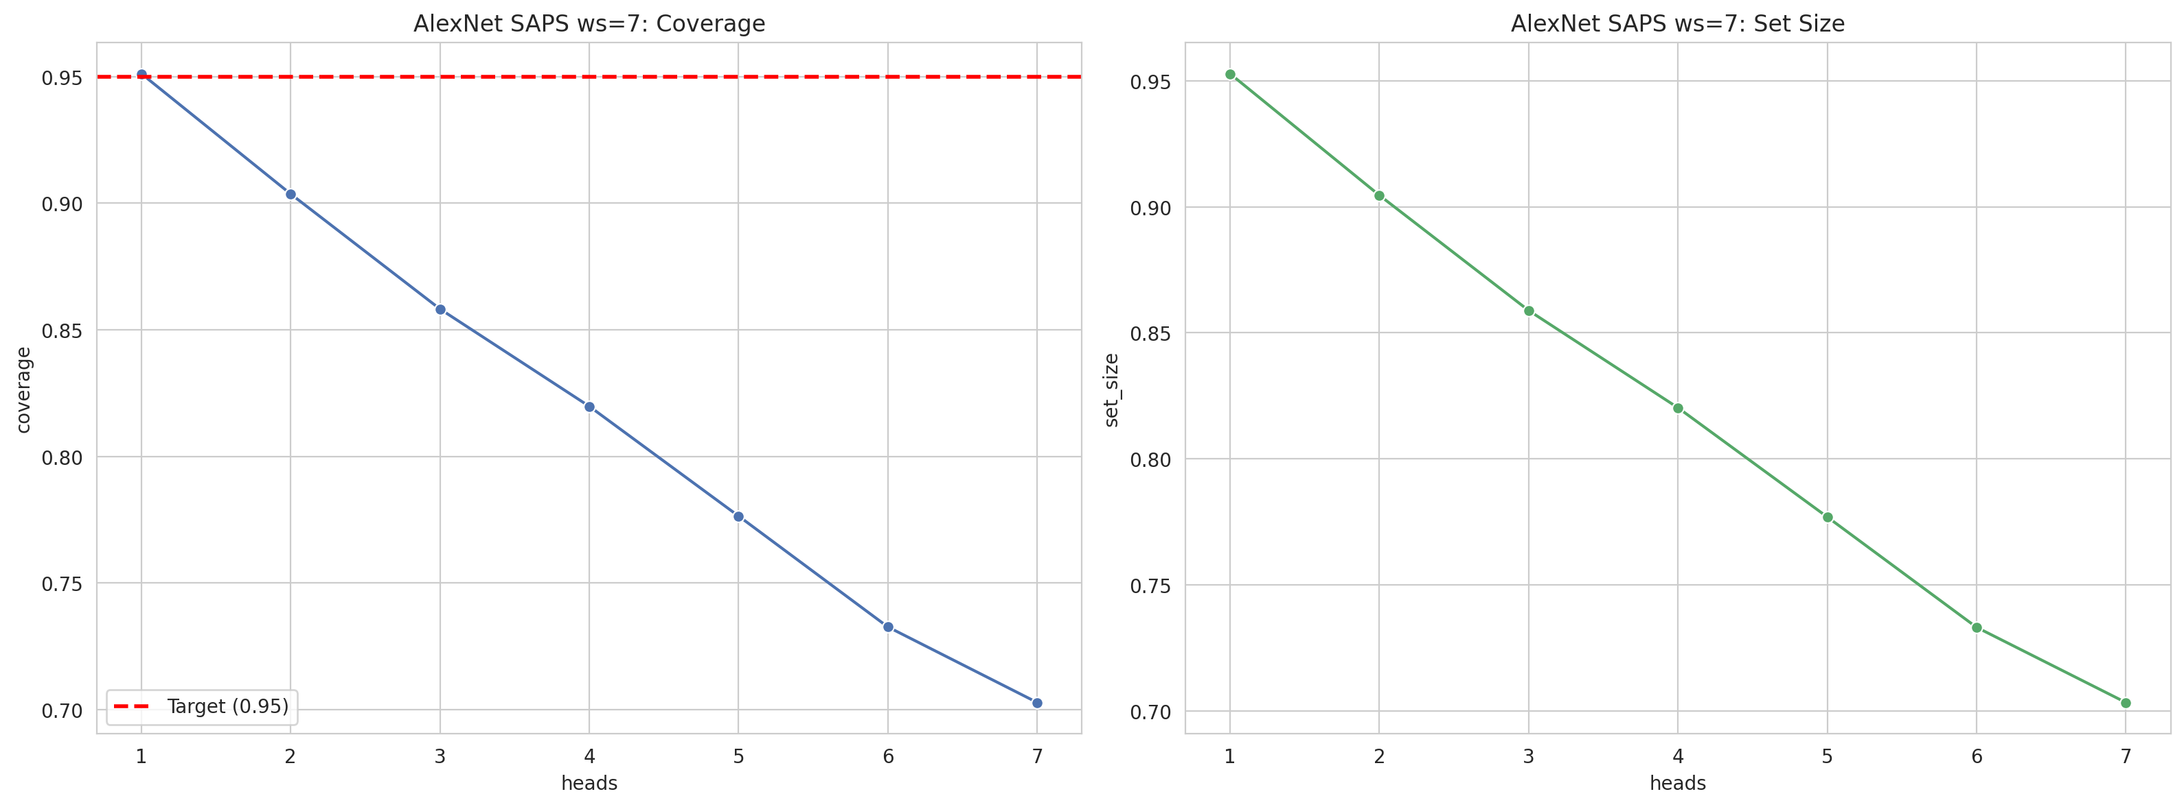
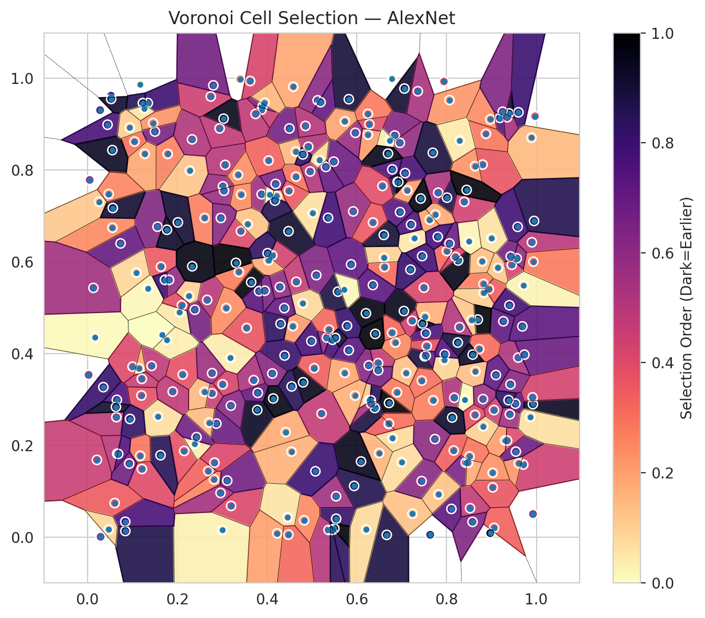
model_key | AlexNet_CNN_MultiHead
model_name | AlexNet
scoring_method | SAPS
window_size | 7
lambda | 0.5
k_iters | 1
empirical_coverage | 0.7028350898
avg_set_size | 0.70328039187
scene_coverage | 0.16075184519
scene_avg_set_size | 1.0177202753
uncertain_pixel_rate | 0.13542938232
mean_per_class_cov | 0.70352210736
runtime_sec | 197.76525773
alpha | 0.05

heads | coverage | set_size |  |  | class_id | class_coverage | support_count | Class | Pixels
1 | 0.95116520707 | 0.9527979813 |  |  | 0 | 0.69325657895 | 1216 | Class 0 | 11025
2 | 0.90366632032 | 0.90455692445 |  |  | 1 | 0.703125 | 704 | Class 1 | 7965
3 | 0.85824550987 | 0.85883924596 |  |  | 2 | 0.71378091873 | 283 | Class 2 | 7661
4 | 0.81980109841 | 0.82024640047 |  |  | 3 | 0.70476190476 | 1365 | Class 3 | 49828
5 | 0.77645836426 | 0.77690366632 |  |  | 4 | 0.70377358491 | 1590 | Class 4 | 71973
6 | 0.73267032804 | 0.7331156301 |  |  | 5 | 0.71010387158 | 1059 | Class 5 | 46521
7 | 0.7028350898 | 0.70328039187 |  |  | 6 | 0.715 | 200 | Class 6 | 6792
 |  |  |  |  | 7 | 0.684375 | 320 | Class 7 | 24877
 |  |  |  |  |  |  |  | Uncertain | 35502
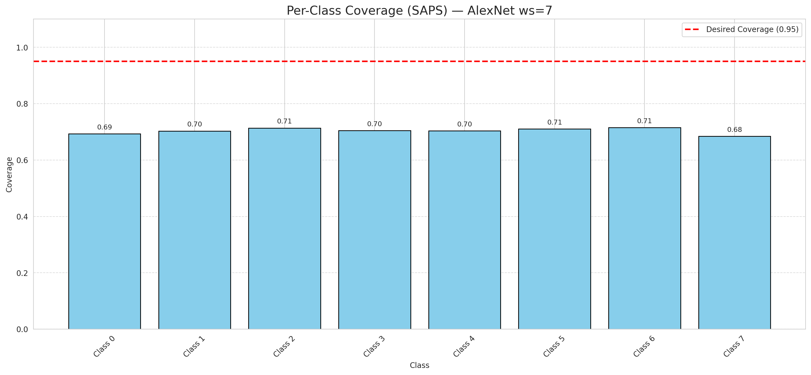

Cell Index | s1 | s2 | Selection_Order | Norm_Order(0-1) | Target
0 | 0.7099 | 0.3577 | 45 | 0.13432835821 | 5
1 | 0.6498 | 0.1832 | 53 | 0.15820895522 | 0
2 | 0.9451 | 0.5937 | 143 | 0.42686567164 | 2
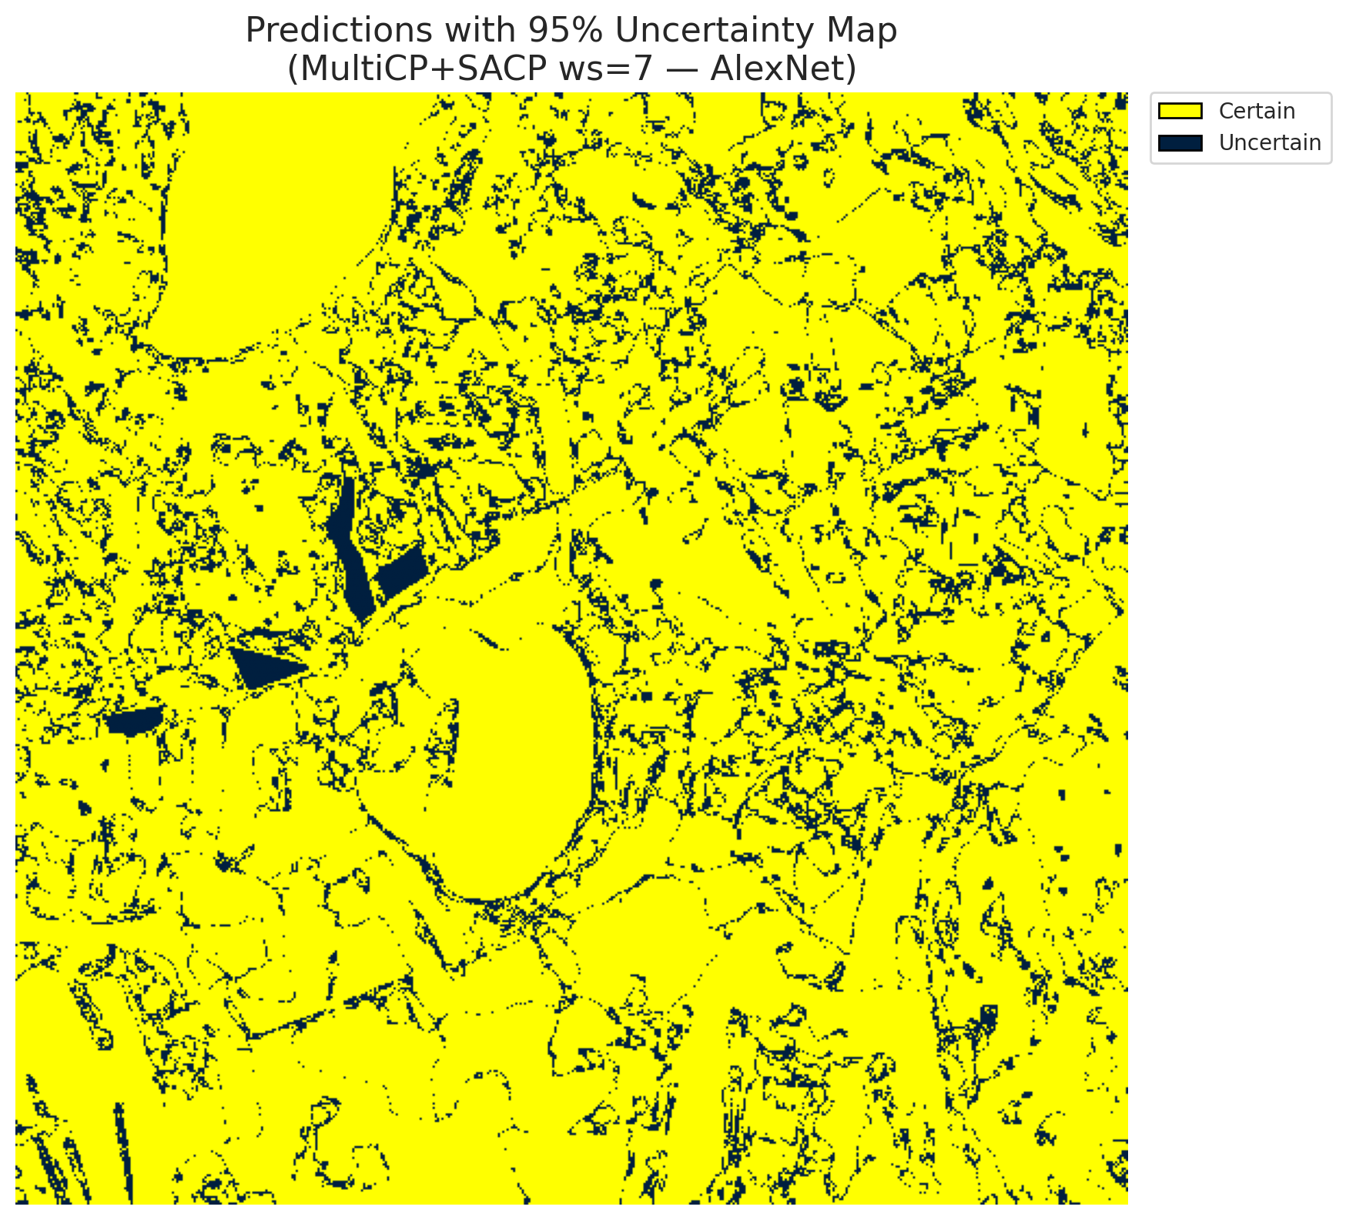
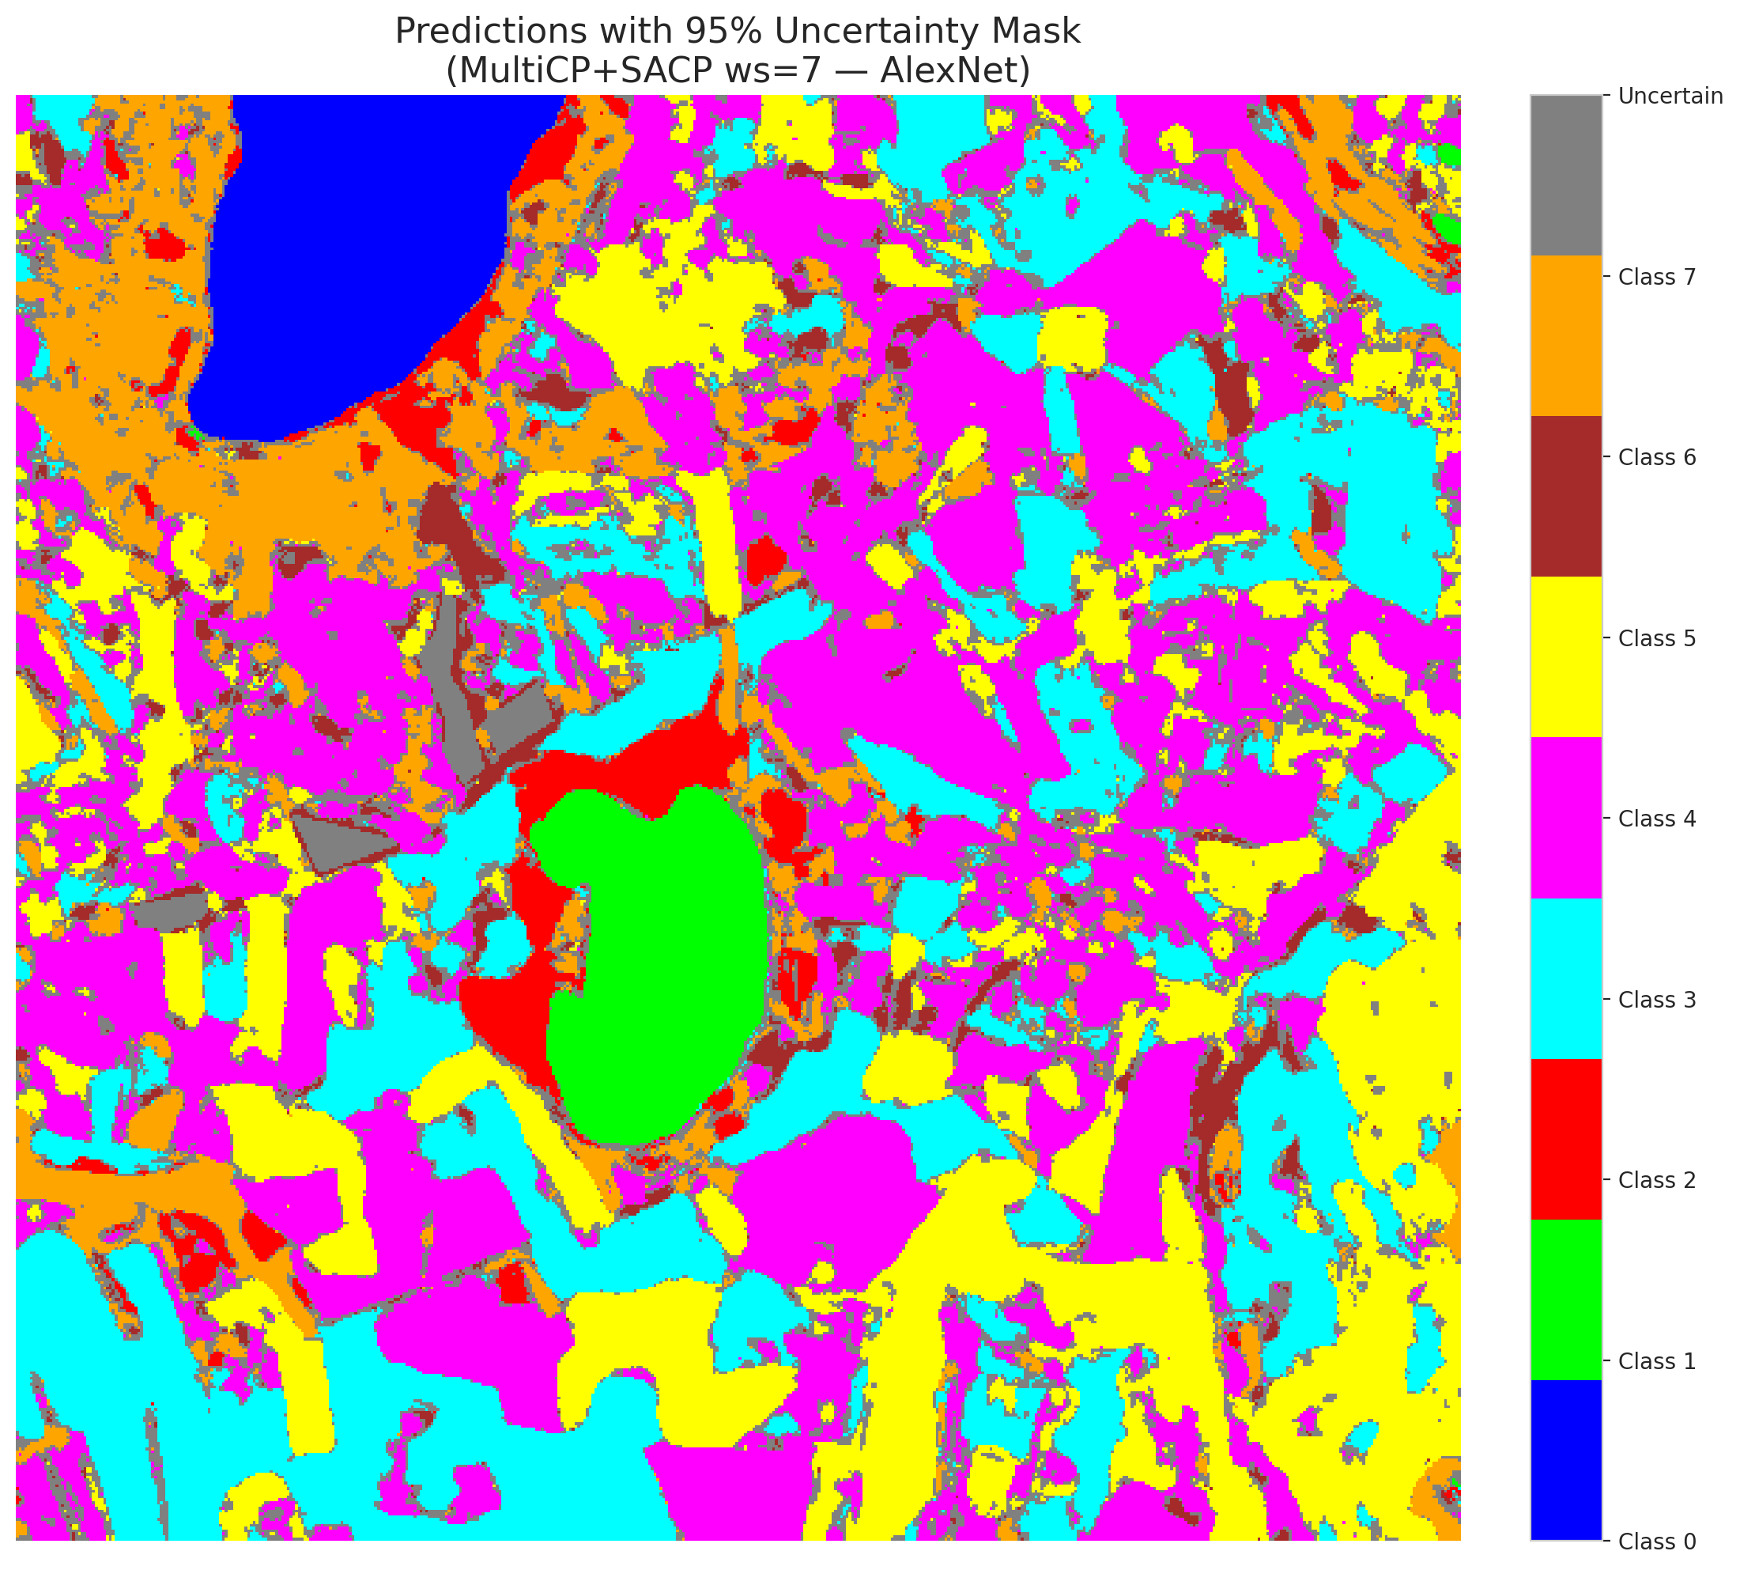
3 | 0.4479 | 0.6668 | 308 | 0.91940298507 | 5
4 | 0.1172 | 0.9872 | 2 | 0.0059701492537 | 0
5 | 0.2053 | 0.4901 | 16 | 0.04776119403 | 3
6 | 0.1785 | 0.8354 | 88 | 0.26268656716 | 3
7 | 0.2276 | 0.7989 | 41 | 0.1223880597 | 5
8 | 0.7048 | 0.4928 | 319 | 0.95223880597 | 3
9 | 0.5939 | 0.1116 | 290 | 0.86567164179 | 2
10 | 0.882 | 0.5517 | 91 | 0.27164179104 | 0
11 | 0.4652 | 0.5566 | 155 | 0.46268656716 | 0
12 | 0.6617 | 0.5886 | 105 | 0.31343283582 | 4
13 | 0.6093 | 0.1649 | 318 | 0.94925373134 | 1
14 | 0.1344 | 0.9463 | 266 | 0.79402985075 | 0
15 | 0.6666 | 0.0049 | 295 | 0.88059701493 | 0
16 | 0.8008 | 0.74 | 293 | 0.87462686567 | 4
17 | 0.4498 | 0.8908 | 222 | 0.66268656716 | 3
18 | 0.7511 | 0.3941 | 296 | 0.88358208955 | 5
19 | 0.3417 | 0.667 | 135 | 0.40298507463 | 0
20 | 0.2746 | 0.9605 | 150 | 0.44776119403 | 1
21 | 0.3782 | 0.2772 | 314 | 0.93731343284 | 4
22 | 0.0737 | 0.6402 | 235 | 0.70149253731 | 2
23 | 0.239 | 0.4957 | 220 | 0.65671641791 | 4
24 | 0.3016 | 0.7646 | 190 | 0.5671641791 | 0
25 | 0.7238 | 0.0511 | 44 | 0.13134328358 | 1
26 | 0.0654 | 0.2992 | 253 | 0.7552238806 | 0
27 | 0.6203 | 0.4879 | 325 | 0.97014925373 | 5
28 | 0.1428 | 0.3733 | 162 | 0.48358208955 | 5
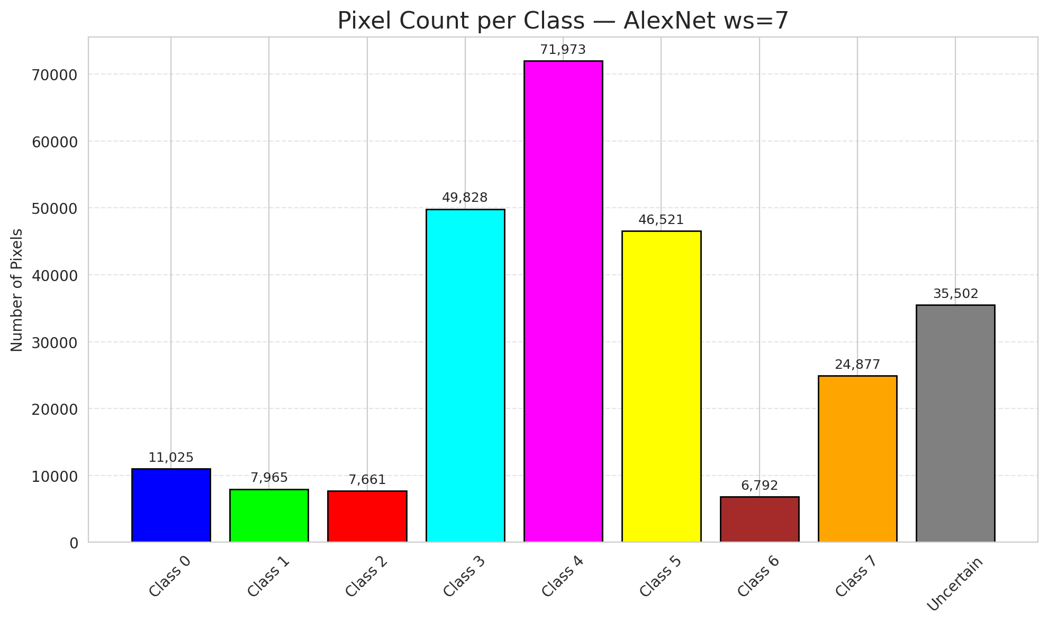
29 | 0.0168 | 0.4357 | 3 | 0.0089552238806 | 5
30 | 0.4414 | 0.2289 | 61 | 0.18208955224 | 3
31 | 0.7515 | 0.4801 | 56 | 0.1671641791 | 3
32 | 0.6962 | 0.7085 | 245 | 0.73134328358 | 3
33 | 0.1004 | 0.3717 | 136 | 0.40597014925 | 4
34 | 0.0447 | 0.899 | 256 | 0.76417910448 | 4
35 | 0.1148 | 0.368 | 58 | 0.17313432836 | 3
36 | 0.212 | 0.3544 | 126 | 0.37611940299 | 4
37 | 0.1048 | 0.8623 | 102 | 0.30447761194 | 4
38 | 0.6274 | 0.2987 | 37 | 0.11044776119 | 1
39 | 0.156 | 0.6767 | 210 | 0.62686567164 | 1
40 | 0.4214 | 0.7433 | 67 | 0.2 | 5
41 | 0.8641 | 0.3614 | 47 | 0.14029850746 | 1
42 | 0.6474 | 0.3792 | 156 | 0.46567164179 | 0
43 | 0.8157 | 0.1888 | 113 | 0.33731343284 | 1
44 | 0.7059 | 0.9778 | 306 | 0.91343283582 | 5
45 | 0.9899 | 0.6427 | 166 | 0.49552238806 | 4
46 | 0.1201 | 0.3087 | 128 | 0.38208955224 | 4
47 | 0.7623 | 0.6921 | 66 | 0.19701492537 | 3
48 | 0.9707 | 0.1582 | 149 | 0.4447761194 | 1
49 | 0.5539 | 0.0401 | 275 | 0.82089552239 | 4
50 | 0.2609 | 0.6957 | 90 | 0.26865671642 | 3
51 | 0.5537 | 0.089 | 187 | 0.55820895522 | 1
52 | 0.8823 | 0.5327 | 35 | 0.10447761194 | 4
53 | 0.7812 | 0.7508 | 176 | 0.52537313433 | 4
54 | 0.5335 | 0.4349 | 198 | 0.59104477612 | 5
55 | 0.9057 | 0.0202 | 112 | 0.33432835821 | 0
56 | 0.7074 | 0.7935 | 259 | 0.77313432836 | 5
57 | 0.2817 | 0.1259 | 87 | 0.25970149254 | 5
58 | 0.2329 | 0.867 | 172 | 0.51343283582 | 5
59 | 0.2774 | 0.3135 | 151 | 0.45074626866 | 4
60 | 0.9264 | 0.4704 | 240 | 0.71641791045 | 4
61 | 0.9932 | 0.6005 | 94 | 0.28059701493 | 5
62 | 0.8695 | 0.4742 | 329 | 0.98208955224 | 4
63 | 0.9187 | 0.9139 | 251 | 0.74925373134 | 7
64 | 0.2666 | 0.5171 | 165 | 0.49253731343 | 6
65 | 0.439 | 0.3958 | 270 | 0.80597014925 | 1
66 | 0.96 | 0.926 | 267 | 0.79701492537 | 4
67 | 0.9562 | 0.6077 | 200 | 0.59701492537 | 3
68 | 0.3878 | 0.7474 | 188 | 0.56119402985 | 3
69 | 0.9028 | 0.1084 | 123 | 0.3671641791 | 5
70 | 0.6312 | 0.2983 | 286 | 0.85373134328 | 3
71 | 0.6843 | 0.8754 | 209 | 0.62388059701 | 4
72 | 0.0643 | 0.2615 | 163 | 0.48656716418 | 0
73 | 0.7462 | 0.4656 | 330 | 0.98507462687 | 3
74 | 0.9969 | 0.9175 | 108 | 0.3223880597 | 4
75 | 0.3184 | 0.391 | 13 | 0.038805970149 | 0
76 | 0.8425 | 0.1623 | 215 | 0.64179104478 | 0
77 | 0.5959 | 0.3086 | 55 | 0.16417910448 | 4
78 | 0.0843 | 0.0133 | 291 | 0.86865671642 | 1
79 | 0.537 | 0.0157 | 168 | 0.50149253731 | 4
80 | 0.2606 | 0.3168 | 51 | 0.15223880597 | 4
81 | 0.4285 | 0.5452 | 197 | 0.58805970149 | 0
82 | 0.8973 | 0.9108 | 82 | 0.2447761194 | 3
83 | 0.5919 | 0.71 | 193 | 0.57611940299 | 5
84 | 0.1212 | 0.1485 | 134 | 0.4 | 0
85 | 0.5214 | 0.2692 | 157 | 0.46865671642 | 5
86 | 0.1636 | 0.5896 | 120 | 0.35820895522 | 0
87 | 0.6247 | 0.8775 | 71 | 0.21194029851 | 3
88 | 0.4489 | 0.7549 | 121 | 0.36119402985 | 0
89 | 0.0025 | 0.3536 | 183 | 0.54626865672 | 1
90 | 0.817 | 0.3039 | 173 | 0.51641791045 | 4
91 | 0.9392 | 0.9236 | 313 | 0.93432835821 | 1
92 | 0.5458 | 0.4301 | 260 | 0.77611940299 | 5
93 | 0.5782 | 0.4606 | 273 | 0.81492537313 | 5
94 | 0.3041 | 0.755 | 192 | 0.57313432836 | 1
95 | 0.3199 | 0.068 | 138 | 0.41194029851 | 3
96 | 0.3001 | 0.0154 | 10 | 0.029850746269 | 4
97 | 0.5821 | 0.9546 | 300 | 0.89552238806 | 0
98 | 0.0556 | 0.6745 | 83 | 0.24776119403 | 4
99 | 0.6785 | 0.4455 | 109 | 0.32537313433 | 1
100 | 0.9605 | 0.1607 | 75 | 0.22388059701 | 4
101 | 0.9299 | 0.2108 | 69 | 0.20597014925 | 1
102 | 0.1233 | 0.9461 | 285 | 0.85074626866 | 0
103 | 0.4575 | 0.4597 | 73 | 0.21791044776 | 4
104 | 0.3569 | 0.682 | 43 | 0.12835820896 | 3
105 | 0.582 | 0.4073 | 246 | 0.73432835821 | 4
106 | 0.269 | 0.1441 | 110 | 0.32835820896 | 4
107 | 0.7946 | 0.3862 | 31 | 0.092537313433 | 0
108 | 0.8064 | 0.9527 | 74 | 0.22089552239 | 3
109 | 0.0258 | 0.731 | 39 | 0.11641791045 | 0
110 | 0.6789 | 0.8016 | 255 | 0.76119402985 | 5
111 | 0.1503 | 0.884 | 218 | 0.65074626866 | 4
112 | 0.8558 | 0.4732 | 38 | 0.11343283582 | 1
113 | 0.8401 | 0.2998 | 5 | 0.014925373134 | 7
114 | 0.4034 | 0.8209 | 111 | 0.33134328358 | 4
115 | 0.7535 | 0.4445 | 254 | 0.75820895522 | 0
116 | 0.4301 | 0.4651 | 279 | 0.8328358209 | 4
117 | 0.8802 | 0.812 | 124 | 0.37014925373 | 5
118 | 0.4803 | 0.3375 | 317 | 0.94626865672 | 4
119 | 0.4582 | 0.9816 | 63 | 0.18805970149 | 4
120 | 0.7557 | 0.4164 | 127 | 0.37910447761 | 3
121 | 0.9532 | 0.2909 | 244 | 0.72835820896 | 3
122 | 0.3793 | 0.3145 | 236 | 0.70447761194 | 4
123 | 0.7494 | 0.5437 | 141 | 0.42089552239 | 4
124 | 0.9595 | 0.3914 | 175 | 0.5223880597 | 0
125 | 0.0292 | 0.0007 | 199 | 0.59402985075 | 0
126 | 0.9732 | 0.3977 | 228 | 0.68059701493 | 0
127 | 0.7359 | 0.9719 | 179 | 0.53432835821 | 4
128 | 0.9891 | 0.8708 | 49 | 0.14626865672 | 4
129 | 0.5471 | 0.0163 | 280 | 0.83582089552 | 4
130 | 0.3113 | 0.1232 | 224 | 0.66865671642 | 5
131 | 0.2153 | 0.1879 | 125 | 0.37313432836 | 3
132 | 0.8288 | 0.4577 | 170 | 0.50746268657 | 0
133 | 0.6794 | 0.2157 | 26 | 0.077611940299 | 1
134 | 0.6958 | 0.8595 | 196 | 0.58507462687 | 3
135 | 0.9948 | 0.6892 | 288 | 0.85970149254 | 4
136 | 0.4644 | 0.7858 | 99 | 0.29552238806 | 5
137 | 0.3545 | 0.4558 | 122 | 0.36417910448 | 3
138 | 0.2775 | 0.3574 | 189 | 0.56417910448 | 5
139 | 0.8249 | 0.4241 | 299 | 0.89253731343 | 7
140 | 0.1351 | 0.5414 | 4 | 0.011940298507 | 3
141 | 0.6709 | 0.247 | 116 | 0.34626865672 | 1
142 | 0.3702 | 0.3422 | 177 | 0.52835820896 | 0
143 | 0.9922 | 0.2899 | 315 | 0.94029850746 | 2
144 | 0.1627 | 0.1785 | 284 | 0.84776119403 | 2
145 | 0.0525 | 0.962 | 289 | 0.86268656716 | 4
146 | 0.7277 | 0.6511 | 17 | 0.050746268657 | 0
147 | 0.3624 | 0.9942 | 139 | 0.41492537313 | 1
148 | 0.5871 | 0.5945 | 237 | 0.70746268657 | 7
149 | 0.6279 | 0.9001 | 132 | 0.39402985075 | 7
150 | 0.8501 | 0.6447 | 7 | 0.020895522388 | 5
151 | 0.7233 | 0.4715 | 147 | 0.43880597015 | 0
152 | 0.5499 | 0.0188 | 332 | 0.99104477612 | 2
153 | 0.1266 | 0.9345 | 18 | 0.053731343284 | 0
154 | 0.9542 | 0.1864 | 227 | 0.6776119403 | 3
155 | 0.309 | 0.4993 | 81 | 0.24179104478 | 3
156 | 0.881 | 0.3009 | 186 | 0.5552238806 | 4
157 | 0.3646 | 0.5557 | 328 | 0.97910447761 | 0
158 | 0.6909 | 0.7744 | 292 | 0.87164179104 | 1
159 | 0.5021 | 0.7061 | 21 | 0.062686567164 | 3
160 | 0.4825 | 0.0367 | 85 | 0.25373134328 | 3
161 | 0.0564 | 0.7174 | 305 | 0.91044776119 | 4
162 | 0.9423 | 0.3331 | 207 | 0.61791044776 | 0
163 | 0.8006 | 0.6236 | 103 | 0.30746268657 | 0
164 | 0.3822 | 0.5361 | 247 | 0.73731343284 | 0
165 | 0.7941 | 0.9932 | 119 | 0.3552238806 | 0
166 | 0.4115 | 0.6141 | 144 | 0.42985074627 | 0
167 | 0.9055 | 0.2769 | 148 | 0.44179104478 | 4
168 | 0.8523 | 0.0631 | 158 | 0.47164179104 | 4
169 | 0.505 | 0.3683 | 114 | 0.34029850746 | 0
170 | 0.7535 | 0.3955 | 232 | 0.69253731343 | 5
171 | 0.0841 | 0.0335 | 257 | 0.7671641791 | 5
172 | 0.6778 | 0.9993 | 1 | 0.0029850746269 | 0
173 | 0.8815 | 0.2416 | 34 | 0.10149253731 | 5
174 | 0.0132 | 0.5433 | 185 | 0.55223880597 | 0
175 | 0.7207 | 0.6813 | 252 | 0.75223880597 | 1
176 | 0.6606 | 0.6093 | 32 | 0.09552238806 | 0
177 | 0.3011 | 0.333 | 142 | 0.42388059701 | 3
178 | 0.2387 | 0.2031 | 14 | 0.041791044776 | 4
179 | 0.9915 | 0.3047 | 145 | 0.4328358209 | 4
180 | 0.1726 | 0.5607 | 269 | 0.80298507463 | 7
181 | 0.1461 | 0.9025 | 77 | 0.22985074627 | 1
182 | 0.8971 | 0.0087 | 322 | 0.96119402985 | 4
183 | 0.66 | 0.6587 | 301 | 0.89850746269 | 5
184 | 0.8107 | 0.0615 | 241 | 0.71940298507 | 4
185 | 0.388 | 0.9319 | 153 | 0.45671641791 | 3
186 | 0.3372 | 0.578 | 92 | 0.27462686567 | 5
187 | 0.0528 | 0.9552 | 307 | 0.91641791045 | 3
188 | 0.5446 | 0.0157 | 281 | 0.83880597015 | 4
189 | 0.7443 | 0.1221 | 203 | 0.60597014925 | 3
190 | 0.6731 | 0.8641 | 12 | 0.035820895522 | 4
191 | 0.6359 | 0.6858 | 118 | 0.35223880597 | 3
192 | 0.5967 | 0.8813 | 191 | 0.57014925373 | 4
193 | 0.7124 | 0.7561 | 70 | 0.20895522388 | 0
194 | 0.3421 | 0.7469 | 80 | 0.23880597015 | 3
195 | 0.2871 | 0.2475 | 229 | 0.68358208955 | 7
196 | 0.6717 | 0.2925 | 334 | 0.99701492537 | 3
197 | 0.6266 | 0.3743 | 208 | 0.62089552239 | 5
198 | 0.8942 | 0.5405 | 115 | 0.34328358209 | 0
199 | 0.0353 | 0.3269 | 272 | 0.81194029851 | 4
200 | 0.121 | 0.345 | 154 | 0.45970149254 | 0
201 | 0.3066 | 0.8114 | 167 | 0.49850746269 | 0
202 | 0.2964 | 0.0963 | 181 | 0.54029850746 | 5
203 | 0.4987 | 0.4273 | 258 | 0.77014925373 | 6
204 | 0.558 | 0.5351 | 294 | 0.8776119403 | 4
205 | 0.3307 | 0.5978 | 335 | 1 | 0
206 | 0.1769 | 0.67 | 310 | 0.92537313433 | 4
207 | 0.1571 | 0.2633 | 23 | 0.068656716418 | 4
208 | 0.5729 | 0.3579 | 64 | 0.19104477612 | 0
209 | 0.7446 | 0.3411 | 100 | 0.29850746269 | 4
210 | 0.8258 | 0.603 | 321 | 0.95820895522 | 0
211 | 0.9026 | 0.1402 | 78 | 0.2328358209 | 1
212 | 0.64 | 0.2815 | 297 | 0.88656716418 | 1
213 | 0.4116 | 0.3567 | 206 | 0.61492537313 | 5
214 | 0.1898 | 0.3172 | 161 | 0.48059701493 | 4
215 | 0.7454 | 0.6126 | 263 | 0.78507462687 | 3
216 | 0.8632 | 0.2664 | 129 | 0.38507462687 | 5
217 | 0.2428 | 0.218 | 225 | 0.67164179104 | 0
218 | 0.4919 | 0.8509 | 174 | 0.51940298507 | 3
219 | 0.0947 | 0.2576 | 276 | 0.82388059701 | 3
220 | 0.8726 | 0.4099 | 104 | 0.31044776119 | 4
221 | 0.6857 | 0.4242 | 84 | 0.25074626866 | 3
222 | 0.7747 | 0.7031 | 60 | 0.17910447761 | 4
223 | 0.4052 | 0.7462 | 8 | 0.023880597015 | 7
224 | 0.6247 | 0.9227 | 93 | 0.2776119403 | 3
225 | 0.1176 | 0.1773 | 98 | 0.29253731343 | 3
226 | 0.7956 | 0.3987 | 249 | 0.74328358209 | 3
227 | 0.9098 | 0.3534 | 238 | 0.71044776119 | 0
228 | 0.8393 | 0.731 | 146 | 0.43582089552 | 3
229 | 0.0634 | 0.2838 | 304 | 0.90746268657 | 0
230 | 0.7817 | 0.0931 | 42 | 0.12537313433 | 0
231 | 0.0049 | 0.7786 | 180 | 0.53731343284 | 0
232 | 0.536 | 0.696 | 264 | 0.78805970149 | 7
233 | 0.3194 | 0.2866 | 205 | 0.61194029851 | 5
234 | 0.9582 | 0.6764 | 265 | 0.79104477612 | 4
235 | 0.9427 | 0.6118 | 221 | 0.65970149254 | 5
236 | 0.2014 | 0.6861 | 303 | 0.90447761194 | 6
237 | 0.1665 | 0.4411 | 0 | 0 | 2
238 | 0.851 | 0.1759 | 97 | 0.28955223881 | 5
239 | 0.2263 | 0.5253 | 33 | 0.098507462687 | 6
240 | 0.1274 | 0.8355 | 62 | 0.18507462687 | 4
241 | 0.0554 | 0.8436 | 312 | 0.93134328358 | 4
242 | 0.2803 | 0.9848 | 223 | 0.66567164179 | 3
243 | 0.6997 | 0.1636 | 24 | 0.071641791045 | 3
244 | 0.9347 | 0.2105 | 133 | 0.39701492537 | 3
245 | 0.6924 | 0.7742 | 326 | 0.97313432836 | 4
246 | 0.5127 | 0.9521 | 202 | 0.60298507463 | 6
247 | 0.858 | 0.398 | 311 | 0.92835820896 | 0
248 | 0.5378 | 0.4524 | 107 | 0.31940298507 | 4
249 | 0.0661 | 0.1819 | 164 | 0.48955223881 | 3
250 | 0.4032 | 0.6032 | 57 | 0.17014925373 | 2
251 | 0.6694 | 0.836 | 320 | 0.9552238806 | 4
252 | 0.7739 | 0.2137 | 201 | 0.6 | 0
253 | 0.9399 | 0.5055 | 262 | 0.78208955224 | 0
254 | 0.4639 | 0.8404 | 50 | 0.14925373134 | 5
255 | 0.1817 | 0.5607 | 195 | 0.58208955224 | 5
256 | 0.9001 | 0.6518 | 20 | 0.059701492537 | 0
257 | 0.3031 | 0.9121 | 316 | 0.94328358209 | 3
258 | 0.0281 | 0.9307 | 248 | 0.74029850746 | 5
259 | 0.9714 | 0.549 | 9 | 0.026865671642 | 4
260 | 0.1085 | 0.5766 | 30 | 0.089552238806 | 0
261 | 0.5077 | 0.1435 | 268 | 0.8 | 4
262 | 0.8063 | 0.6401 | 231 | 0.68955223881 | 4
263 | 0.0684 | 0.1814 | 250 | 0.74626865672 | 4
264 | 0.9408 | 0.2678 | 184 | 0.54925373134 | 3
265 | 0.4012 | 0.6189 | 278 | 0.82985074627 | 1
266 | 0.496 | 0.7971 | 169 | 0.50447761194 | 3
267 | 0.3903 | 0.9397 | 216 | 0.6447761194 | 2
268 | 0.9687 | 0.4594 | 242 | 0.7223880597 | 4
269 | 0.4543 | 0.1864 | 54 | 0.16119402985 | 4
270 | 0.8577 | 0.0333 | 211 | 0.62985074627 | 0
271 | 0.0209 | 0.1684 | 152 | 0.45373134328 | 0
272 | 0.8196 | 0.6108 | 140 | 0.41791044776 | 4
273 | 0.9248 | 0.9273 | 213 | 0.63582089552 | 0
274 | 0.0605 | 0.0743 | 117 | 0.34925373134 | 0
275 | 0.531 | 0.8069 | 234 | 0.69850746269 | 1
276 | 0.7194 | 0.583 | 271 | 0.80895522388 | 6
277 | 0.4138 | 0.3022 | 323 | 0.96417910448 | 1
278 | 0.4176 | 0.7335 | 287 | 0.85671641791 | 7
279 | 0.6357 | 0.5495 | 243 | 0.72537313433 | 0
280 | 0.8875 | 0.8791 | 96 | 0.28656716418 | 4
281 | 0.2828 | 0.1623 | 137 | 0.40895522388 | 4
282 | 0.0473 | 0.748 | 86 | 0.25671641791 | 3
283 | 0.4548 | 0.3285 | 283 | 0.8447761194 | 0
284 | 0.5097 | 0.571 | 212 | 0.6328358209 | 3
285 | 0.5486 | 0.8185 | 230 | 0.68656716418 | 4
286 | 0.7692 | 0.8378 | 298 | 0.88955223881 | 3
287 | 0.4458 | 0.0435 | 19 | 0.05671641791 | 4
288 | 0.5167 | 0.8222 | 28 | 0.083582089552 | 5
289 | 0.6893 | 0.3156 | 95 | 0.28358208955 | 3
290 | 0.8291 | 0.8643 | 15 | 0.044776119403 | 5
291 | 0.938 | 0.2986 | 277 | 0.82686567164 | 2
292 | 0.6715 | 0.2476 | 101 | 0.30149253731 | 3
293 | 0.5192 | 0.9481 | 239 | 0.71343283582 | 3
294 | 0.3353 | 0.7897 | 79 | 0.23582089552 | 3
295 | 0.9863 | 0.2619 | 22 | 0.065671641791 | 3
296 | 0.9349 | 0.9153 | 182 | 0.54328358209 | 7
297 | 0.7422 | 0.738 | 327 | 0.97611940299 | 6
298 | 0.6319 | 0.2909 | 178 | 0.53134328358 | 3
299 | 0.3744 | 0.9224 | 159 | 0.47462686567 | 4
300 | 0.6569 | 0.7654 | 131 | 0.39104477612 | 4
301 | 0.4797 | 0.8342 | 282 | 0.84179104478 | 1
302 | 0.0473 | 0.0166 | 29 | 0.086567164179 | 2
303 | 0.8123 | 0.2607 | 309 | 0.9223880597 | 4
304 | 0.093 | 0.1603 | 226 | 0.67462686567 | 0
305 | 0.271 | 0.2496 | 48 | 0.14328358209 | 0
306 | 0.3946 | 0.947 | 52 | 0.1552238806 | 5
307 | 0.6205 | 0.0167 | 25 | 0.074626865672 | 4
308 | 0.8634 | 0.8086 | 76 | 0.22686567164 | 0
309 | 0.2101 | 0.5054 | 130 | 0.38805970149 | 0
310 | 0.297 | 0.6956 | 204 | 0.60895522388 | 4
311 | 0.4475 | 0.0054 | 106 | 0.31641791045 | 4
312 | 0.6477 | 0.3636 | 219 | 0.65373134328 | 1
313 | 0.5732 | 0.9063 | 65 | 0.19402985075 | 3
314 | 0.7802 | 0.6547 | 261 | 0.77910447761 | 0
315 | 0.9924 | 0.0503 | 194 | 0.57910447761 | 3
316 | 0.4797 | 0.5096 | 27 | 0.080597014925 | 3
317 | 0.7702 | 0.2982 | 89 | 0.26567164179 | 0
318 | 0.5712 | 0.54 | 6 | 0.017910447761 | 3
319 | 0.879 | 0.6008 | 46 | 0.13731343284 | 0
320 | 0.0942 | 0.8928 | 36 | 0.10746268657 | 1
321 | 0.4191 | 0.7699 | 214 | 0.63880597015 | 3
322 | 0.8478 | 0.162 | 59 | 0.17611940299 | 4
323 | 0.7634 | 0.0051 | 274 | 0.81791044776 | 3
324 | 0.1771 | 0.4302 | 11 | 0.032835820896 | 0
325 | 0.8446 | 0.7568 | 331 | 0.98805970149 | 0
326 | 0.395 | 0.5371 | 217 | 0.64776119403 | 5
327 | 0.4224 | 0.0082 | 68 | 0.20298507463 | 1
328 | 0.2333 | 0.5904 | 324 | 0.9671641791 | 4
329 | 0.9144 | 0.5871 | 40 | 0.11940298507 | 3
330 | 0.34 | 0.9984 | 72 | 0.21492537313 | 0
331 | 0.2944 | 0.8909 | 160 | 0.4776119403 | 1
332 | 0.641 | 0.443 | 333 | 0.99402985075 | 3
333 | 0.5519 | 0.4342 | 302 | 0.90149253731 | 4
334 | 0.4855 | 0.8963 | 171 | 0.51044776119 | 1
335 | 0.4384 | 0.4993 | 233 | 0.69552238806 | 3

GFNet_RAPS_ws7
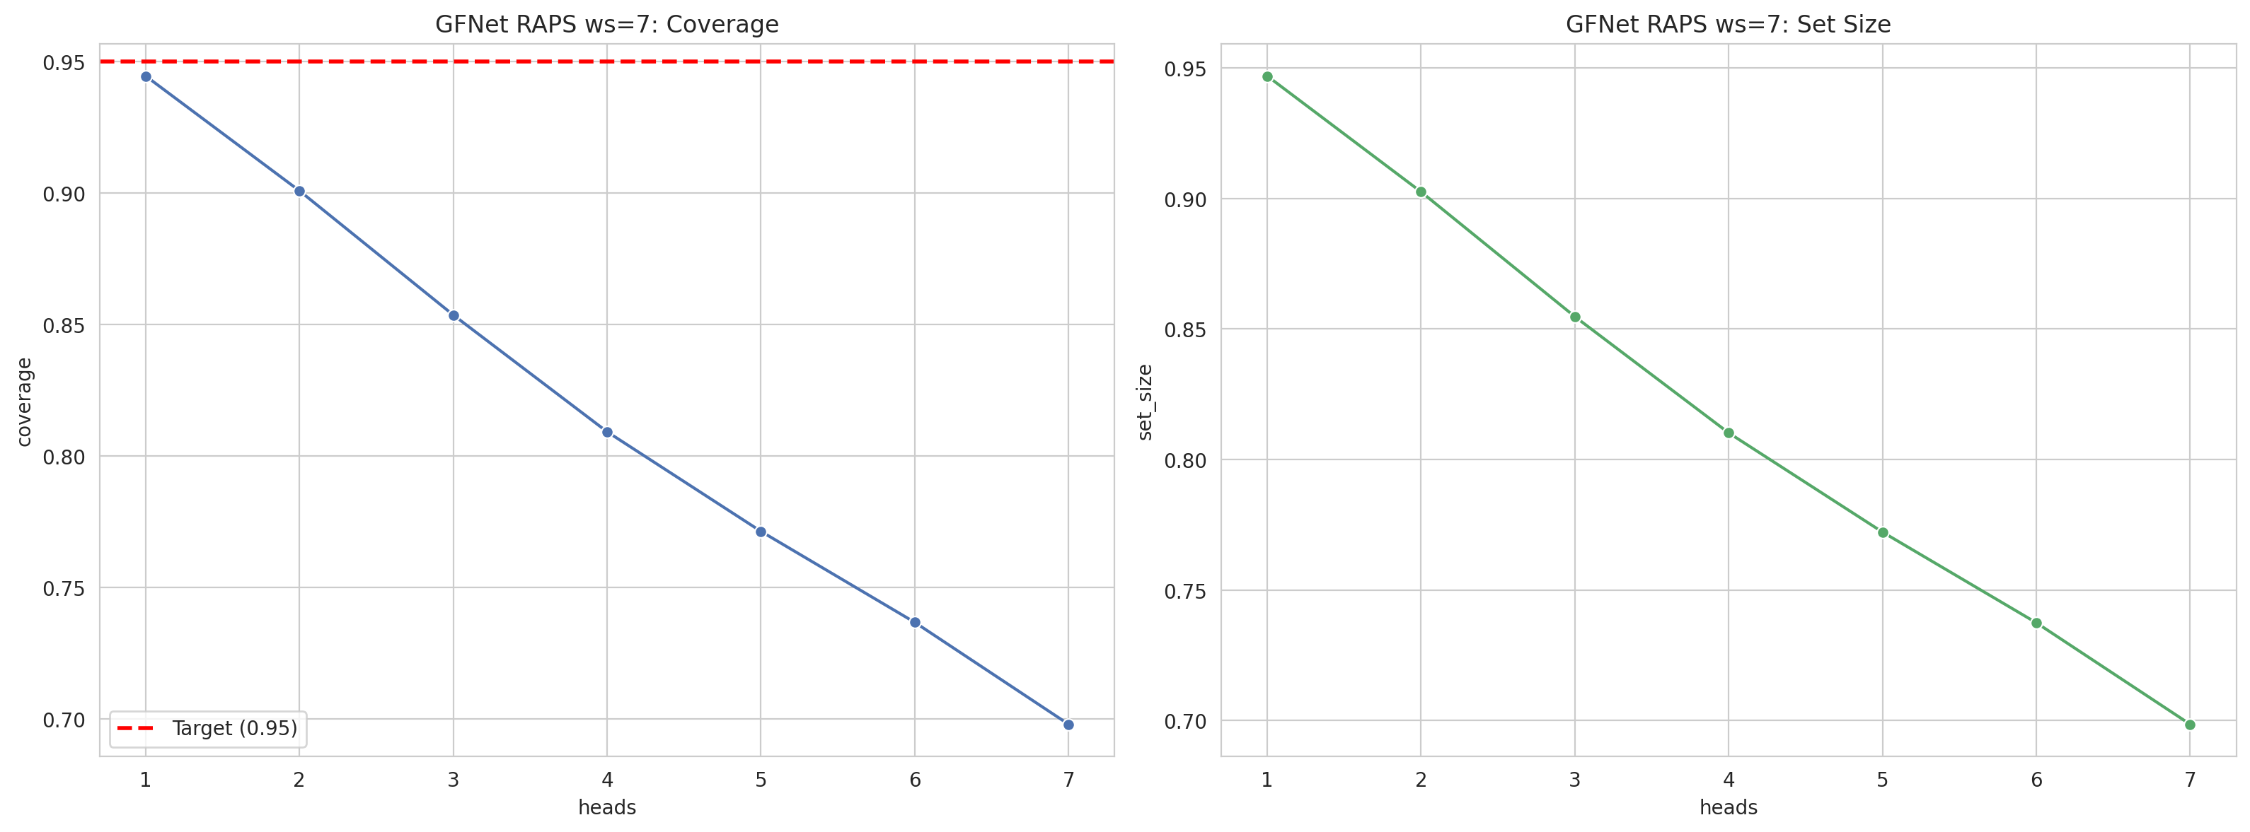
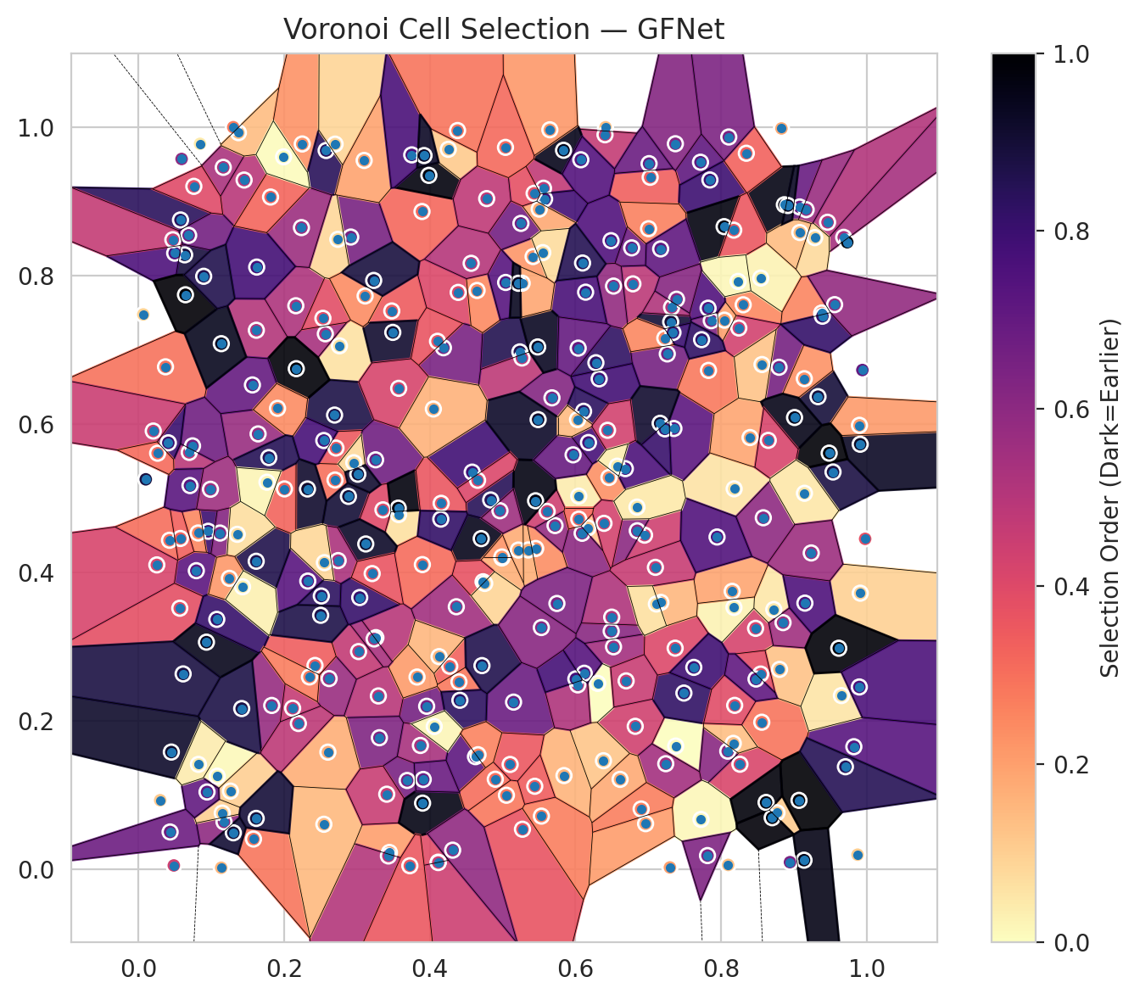
model_key | GFNet_MultiHead
model_name | GFNet
scoring_method | RAPS
window_size | 7
lambda | 0.5
k_iters | 1
empirical_coverage | 0.69808520113
avg_set_size | 0.69853050319
scene_coverage | 0.17687100845
scene_avg_set_size | 1.1232704789
uncertain_pixel_rate | 0.22483444214
mean_per_class_cov | 0.69894453261
runtime_sec | 197.55236258
alpha | 0.05

heads | coverage | set_size |  |  | class_id | class_coverage | support_count | Class | Pixels
1 | 0.94448567612 | 0.94686062045 |  |  | 0 | 0.71052631579 | 1216 | Class 0 | 11202
2 | 0.90084607392 | 0.90247884815 |  |  | 1 | 0.70880681818 | 704 | Class 1 | 7266
3 | 0.85364405522 | 0.85468309336 |  |  | 2 | 0.65371024735 | 283 | Class 2 | 8970
4 | 0.80926228292 | 0.81015288704 |  |  | 3 | 0.69450549451 | 1365 | Class 3 | 40234
5 | 0.77141160754 | 0.77215377765 |  |  | 4 | 0.68867924528 | 1590 | Class 4 | 74859
6 | 0.73682648063 | 0.73742021671 |  |  | 5 | 0.69782813975 | 1059 | Class 5 | 38996
7 | 0.69808520113 | 0.69853050319 |  |  | 6 | 0.725 | 200 | Class 6 | 3096
 |  |  |  |  | 7 | 0.7125 | 320 | Class 7 | 18582
 |  |  |  |  |  |  |  | Uncertain | 58939
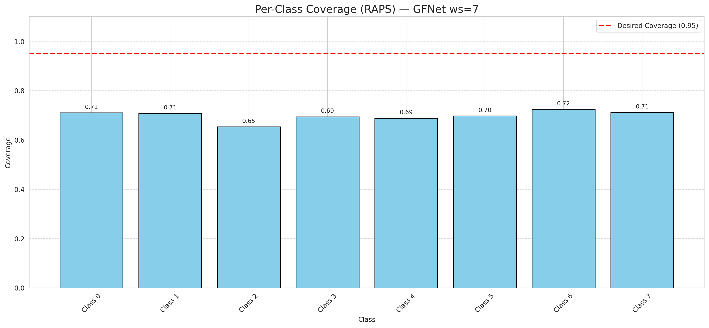

Cell Index | s1 | s2 | Selection_Order | Norm_Order(0-1) | Target
0 | 0.8178 | 0.5126 | 19 | 0.05671641791 | 5
1 | 0.9938 | 0.6727 | 235 | 0.70149253731 | 0
2 | 0.7376 | 0.166 | 1 | 0.0029850746269 | 2
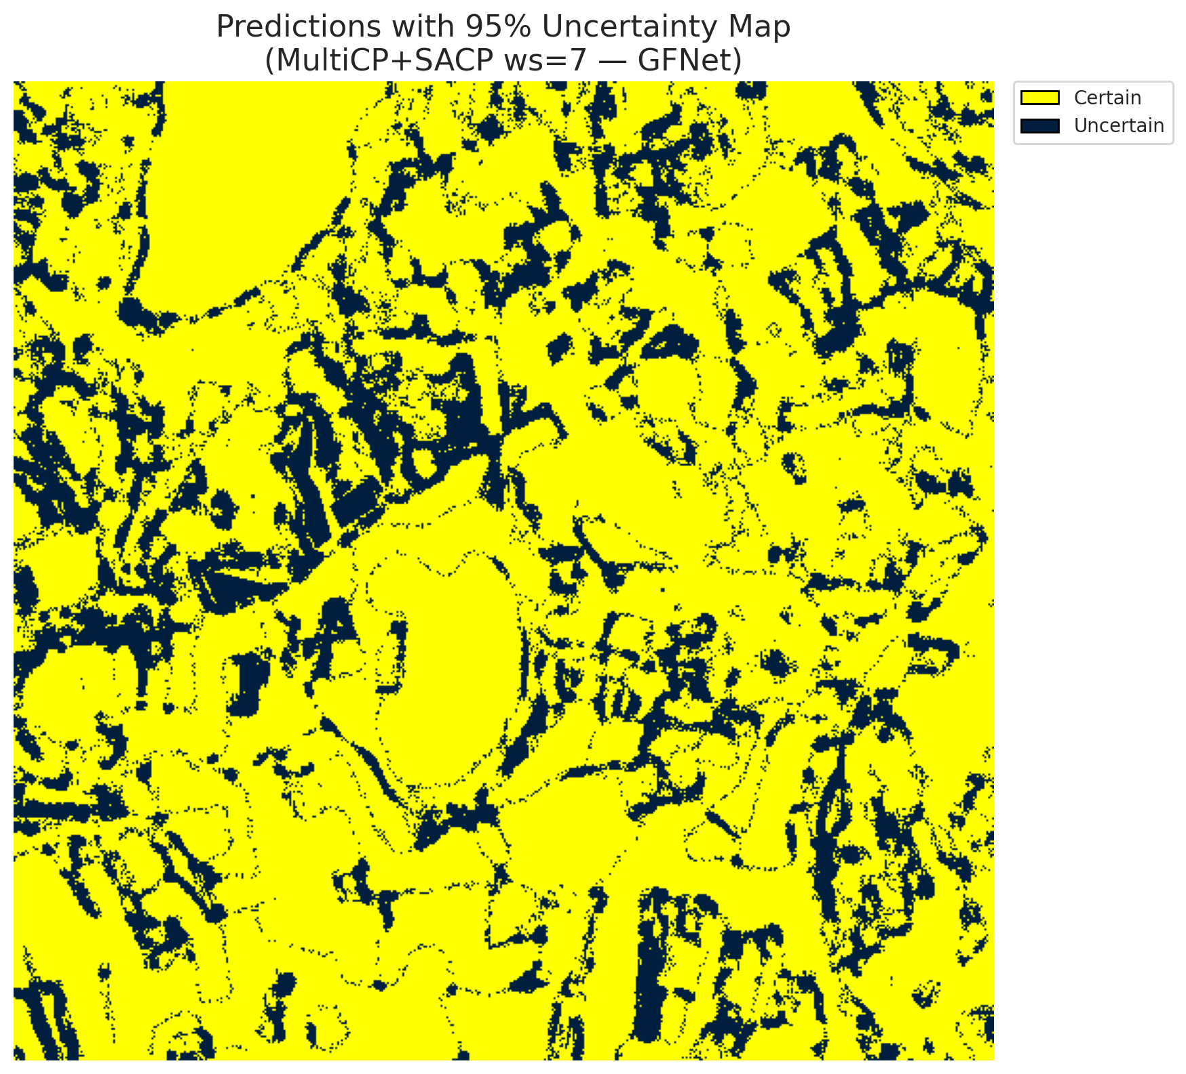
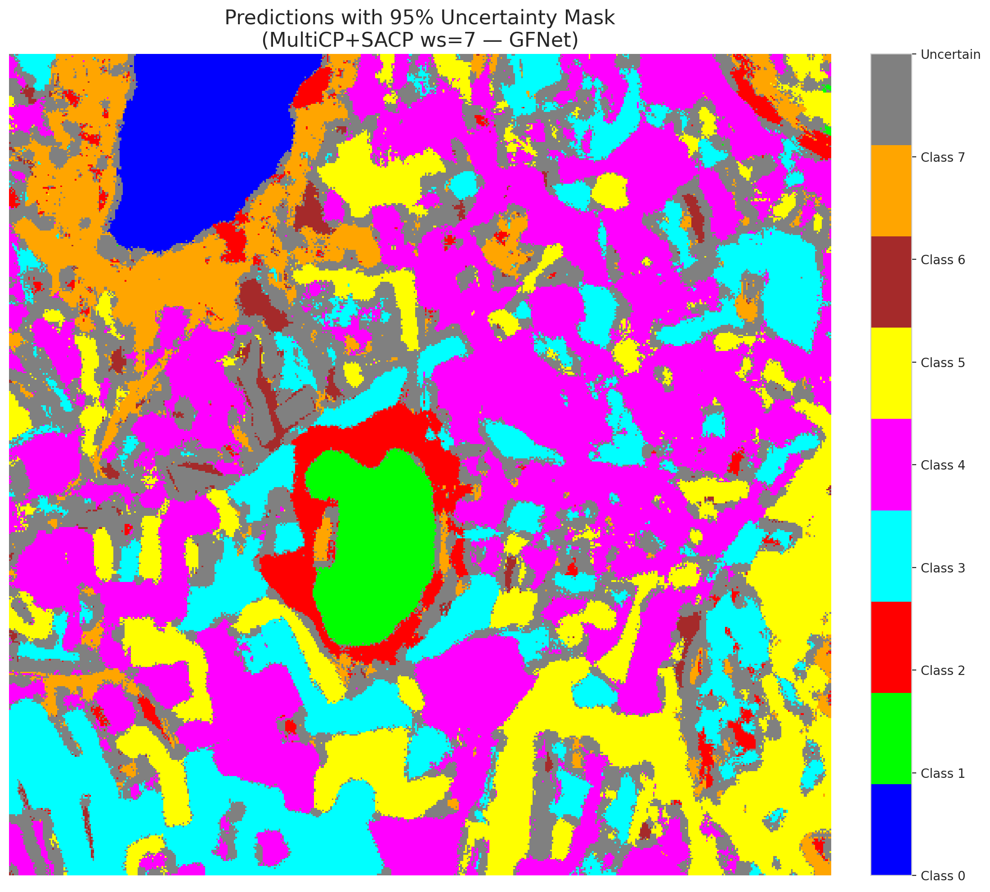
3 | 0.515 | 0.2252 | 229 | 0.68358208955 | 5
4 | 0.8766 | 0.0761 | 36 | 0.10746268657 | 0
5 | 0.276 | 0.7053 | 20 | 0.059701492537 | 3
6 | 0.3893 | 0.8863 | 107 | 0.31940298507 | 3
7 | 0.183 | 0.2207 | 193 | 0.57611940299 | 5
8 | 0.7716 | 0.9527 | 239 | 0.71343283582 | 3
9 | 0.0635 | 0.8279 | 298 | 0.88955223881 | 2
10 | 0.2693 | 0.612 | 292 | 0.87164179104 | 0
11 | 0.0698 | 0.5617 | 164 | 0.48955223881 | 0
12 | 0.2117 | 0.217 | 155 | 0.46268656716 | 4
13 | 0.1619 | 0.7263 | 169 | 0.50447761194 | 1
14 | 0.3446 | 0.0226 | 67 | 0.2 | 0
15 | 0.4274 | 0.2735 | 111 | 0.33134328358 | 0
16 | 0.7025 | 0.9324 | 113 | 0.33731343284 | 4
17 | 0.6412 | 0.9998 | 44 | 0.13134328358 | 3
18 | 0.628 | 0.6825 | 277 | 0.82686567164 | 5
19 | 0.9329 | 0.6368 | 299 | 0.89253731343 | 0
20 | 0.6948 | 0.4502 | 147 | 0.43880597015 | 1
21 | 0.946 | 0.8718 | 171 | 0.51044776119 | 4
22 | 0.3689 | 0.1196 | 217 | 0.64776119403 | 2
23 | 0.0958 | 0.4554 | 267 | 0.79701492537 | 4
24 | 0.1451 | 0.9287 | 165 | 0.49253731343 | 0
25 | 0.4706 | 0.4455 | 319 | 0.95223880597 | 1
26 | 0.682 | 0.1926 | 146 | 0.43582089552 | 0
27 | 0.3478 | 0.7523 | 116 | 0.34626865672 | 5
28 | 0.5052 | 0.0997 | 95 | 0.28358208955 | 5
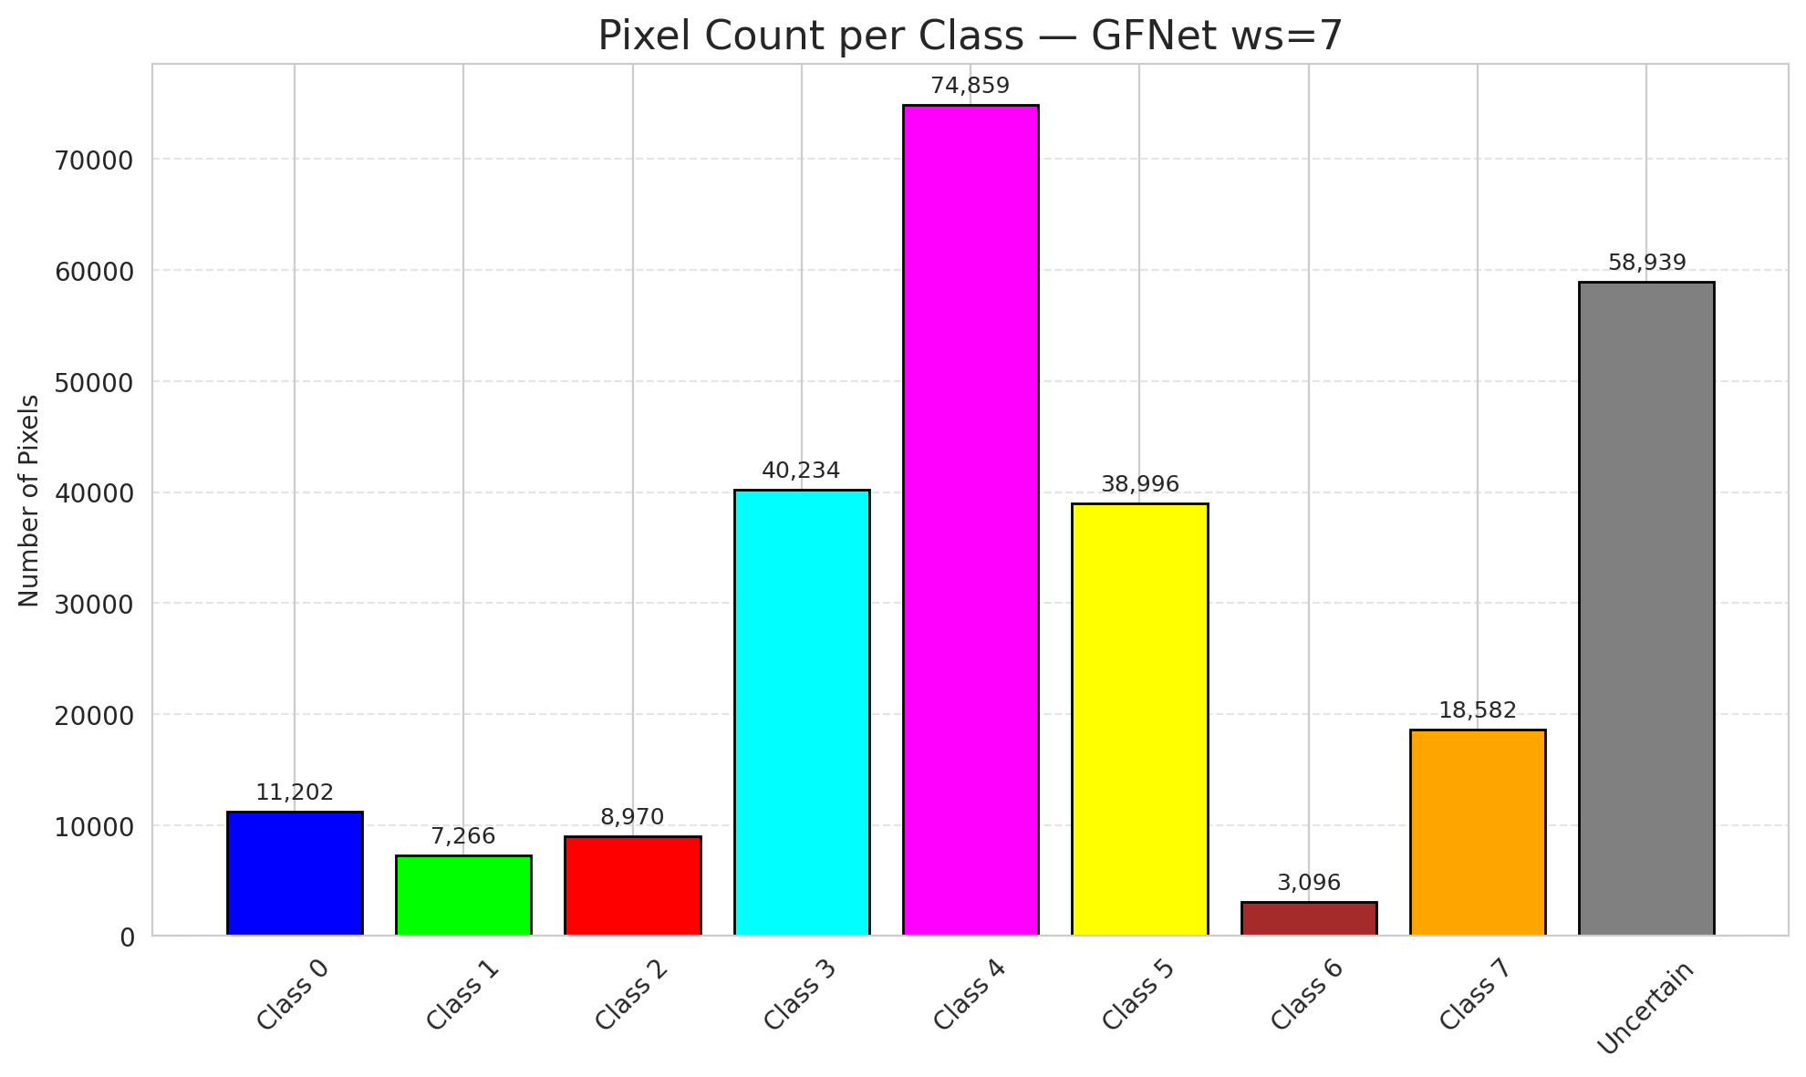
29 | 0.6488 | 0.847 | 250 | 0.74626865672 | 5
30 | 0.8257 | 0.1415 | 138 | 0.41194029851 | 3
31 | 0.3957 | 0.2196 | 221 | 0.65970149254 | 3
32 | 0.1643 | 0.5866 | 192 | 0.57313432836 | 3
33 | 0.5272 | 0.0539 | 124 | 0.37014925373 | 4
34 | 0.2712 | 0.5676 | 117 | 0.34925373134 | 4
35 | 0.9821 | 0.1651 | 245 | 0.73134328358 | 3
36 | 0.9077 | 0.8924 | 231 | 0.68955223881 | 4
37 | 0.6171 | 0.4599 | 38 | 0.11343283582 | 4
38 | 0.5236 | 0.6971 | 287 | 0.85671641791 | 1
39 | 0.5561 | 0.9177 | 159 | 0.47462686567 | 1
40 | 0.2325 | 0.3883 | 244 | 0.72835820896 | 5
41 | 0.0795 | 0.4023 | 242 | 0.7223880597 | 1
42 | 0.5576 | 0.9032 | 263 | 0.78507462687 | 0
43 | 0.499 | 0.4194 | 55 | 0.16417910448 | 1
44 | 0.726 | 0.6944 | 220 | 0.65671641791 | 5
45 | 0.5265 | 0.6889 | 162 | 0.48358208955 | 4
46 | 0.5842 | 0.1262 | 53 | 0.15820895522 | 4
47 | 0.3572 | 0.4779 | 21 | 0.062686567164 | 3
48 | 0.3022 | 0.2933 | 158 | 0.47164179104 | 1
49 | 0.2699 | 0.5245 | 100 | 0.29850746269 | 4
50 | 0.8472 | 0.3246 | 142 | 0.42388059701 | 3
51 | 0.2161 | 0.7593 | 175 | 0.5223880597 | 1
52 | 0.2883 | 0.5024 | 301 | 0.89850746269 | 4
53 | 0.2915 | 0.8519 | 218 | 0.65074626866 | 4
54 | 0.0299 | 0.093 | 39 | 0.11641791045 | 5
55 | 0.0067 | 0.7476 | 31 | 0.092537313433 | 0
56 | 0.3898 | 0.4105 | 103 | 0.30746268657 | 5
57 | 0.1617 | 0.415 | 290 | 0.86567164179 | 5
58 | 0.6788 | 0.7888 | 163 | 0.48656716418 | 5
59 | 0.5677 | 0.6352 | 209 | 0.62388059701 | 4
60 | 0.8096 | 0.0058 | 42 | 0.12537313433 | 4
61 | 0.5418 | 0.8256 | 74 | 0.22089552239 | 5
62 | 0.5532 | 0.0716 | 90 | 0.26865671642 | 4
63 | 0.9535 | 0.5353 | 294 | 0.8776119403 | 7
64 | 0.4115 | 0.0095 | 131 | 0.39104477612 | 6
65 | 0.326 | 0.3121 | 167 | 0.49850746269 | 1
66 | 0.3871 | 0.1668 | 178 | 0.53134328358 | 4
67 | 0.7845 | 0.9288 | 266 | 0.79402985075 | 3
68 | 0.5251 | 0.8703 | 223 | 0.66567164179 | 3
69 | 0.8175 | 0.3528 | 8 | 0.023880597015 | 5
70 | 0.3294 | 0.2335 | 166 | 0.49552238806 | 3
71 | 0.2566 | 0.7215 | 180 | 0.53731343284 | 4
72 | 0.1175 | 0.0638 | 200 | 0.59701492537 | 0
73 | 0.082 | 0.4531 | 85 | 0.25373134328 | 3
74 | 0.9908 | 0.5727 | 312 | 0.93134328358 | 4
75 | 0.44 | 0.2525 | 93 | 0.2776119403 | 0
76 | 0.2167 | 0.6745 | 331 | 0.98805970149 | 0
77 | 0.3308 | 0.1772 | 211 | 0.62985074627 | 4
78 | 0.1165 | 0.9458 | 177 | 0.52835820896 | 1
79 | 0.5502 | 0.8895 | 61 | 0.18208955224 | 4
80 | 0.1565 | 0.6526 | 234 | 0.69850746269 | 4
81 | 0.7488 | 0.2374 | 276 | 0.82388059701 | 0
82 | 0.439 | 0.7773 | 136 | 0.40597014925 | 3
83 | 0.6522 | 0.2997 | 182 | 0.54328358209 | 5
84 | 0.7368 | 0.2979 | 135 | 0.40298507463 | 0
85 | 0.5551 | 0.8309 | 24 | 0.071641791045 | 5
86 | 0.4582 | 0.5351 | 264 | 0.78805970149 | 0
87 | 0.9137 | 0.0122 | 321 | 0.95820895522 | 3
88 | 0.3825 | 0.259 | 70 | 0.20895522388 | 0
89 | 0.7351 | 0.5939 | 241 | 0.71940298507 | 1
90 | 0.1373 | 0.9925 | 46 | 0.13731343284 | 4
91 | 0.6305 | 0.2504 | 0 | 0 | 1
92 | 0.6091 | 0.4527 | 201 | 0.6 | 5
93 | 0.7172 | 0.3596 | 50 | 0.14925373134 | 5
94 | 0.7826 | 0.6722 | 94 | 0.28059701493 | 1
95 | 0.2545 | 0.5777 | 258 | 0.77014925373 | 3
96 | 0.0372 | 0.677 | 99 | 0.29552238806 | 4
97 | 0.0498 | 0.8302 | 253 | 0.7552238806 | 0
98 | 0.6384 | 0.1462 | 40 | 0.11940298507 | 4
99 | 0.7864 | 0.7392 | 210 | 0.62686567164 | 1
100 | 0.8557 | 0.1981 | 98 | 0.29253731343 | 4
101 | 0.8302 | 0.7606 | 83 | 0.24776119403 | 1
102 | 0.5216 | 0.4301 | 58 | 0.17313432836 | 0
103 | 0.9682 | 0.8515 | 181 | 0.54029850746 | 4
104 | 0.5454 | 0.4322 | 79 | 0.23582089552 | 3
105 | 0.3432 | 0.0179 | 170 | 0.50746268657 | 4
106 | 0.0646 | 0.7741 | 333 | 0.99402985075 | 4
107 | 0.8827 | 0.9982 | 60 | 0.17910447761 | 0
108 | 0.4364 | 0.3537 | 184 | 0.54925373134 | 3
109 | 0.2321 | 0.5124 | 307 | 0.91641791045 | 0
110 | 0.9872 | 0.0196 | 35 | 0.10447761194 | 5
111 | 0.6045 | 0.5028 | 13 | 0.038805970149 | 4
112 | 0.0743 | 0.5705 | 225 | 0.67164179104 | 1
113 | 0.8396 | 0.5817 | 63 | 0.18805970149 | 7
114 | 0.5432 | 0.9108 | 126 | 0.37611940299 | 4
115 | 0.0427 | 0.4433 | 101 | 0.30149253731 | 0
116 | 0.8543 | 0.7966 | 9 | 0.026865671642 | 4
117 | 0.8794 | 0.6764 | 219 | 0.65373134328 | 5
118 | 0.809 | 0.1591 | 203 | 0.60597014925 | 4
119 | 0.804 | 0.8659 | 325 | 0.97014925373 | 4
120 | 0.112 | 0.453 | 208 | 0.62089552239 | 3
121 | 0.0411 | 0.5746 | 269 | 0.80298507463 | 3
122 | 0.7624 | 0.272 | 265 | 0.79104477612 | 4
123 | 0.1082 | 0.1254 | 3 | 0.0089552238806 | 4
124 | 0.6771 | 0.8373 | 226 | 0.67462686567 | 0
125 | 0.2511 | 0.3682 | 279 | 0.8328358209 | 0
126 | 0.8722 | 0.35 | 16 | 0.04776119403 | 0
127 | 0.7723 | 0.0671 | 5 | 0.014925373134 | 4
128 | 0.3256 | 0.5517 | 224 | 0.66865671642 | 4
129 | 0.3236 | 0.3103 | 179 | 0.53432835821 | 4
130 | 0.3357 | 0.4843 | 134 | 0.4 | 5
131 | 0.8242 | 0.7293 | 144 | 0.42985074627 | 3
132 | 0.6522 | 0.7858 | 196 | 0.58507462687 | 0
133 | 0.0568 | 0.3517 | 127 | 0.37910447761 | 1
134 | 0.649 | 0.3208 | 204 | 0.60895522388 | 3
135 | 0.6139 | 0.7776 | 257 | 0.7671641791 | 4
136 | 0.6097 | 0.8169 | 286 | 0.85373134328 | 5
137 | 0.2533 | 0.7424 | 130 | 0.38805970149 | 3
138 | 0.6325 | 0.6608 | 262 | 0.78208955224 | 5
139 | 0.0593 | 0.9571 | 197 | 0.58805970149 | 7
140 | 0.8801 | 0.2693 | 43 | 0.12835820896 | 3
141 | 0.4187 | 0.7027 | 216 | 0.6447761194 | 1
142 | 0.6459 | 0.5279 | 78 | 0.2328358209 | 0
143 | 0.7239 | 0.1422 | 183 | 0.54626865672 | 2
144 | 0.7003 | 0.8631 | 88 | 0.26268656716 | 2
145 | 0.2601 | 0.1578 | 57 | 0.17014925373 | 4
146 | 0.8867 | 0.8954 | 323 | 0.96417910448 | 0
147 | 0.6848 | 0.4561 | 202 | 0.60298507463 | 1
148 | 0.2738 | 0.8488 | 27 | 0.080597014925 | 7
149 | 0.5487 | 0.6059 | 309 | 0.9223880597 | 7
150 | 0.3121 | 0.4383 | 310 | 0.92537313433 | 5
151 | 0.2249 | 0.9773 | 76 | 0.22686567164 | 0
152 | 0.8849 | 0.3323 | 185 | 0.55223880597 | 2
153 | 0.965 | 0.234 | 18 | 0.053731343284 | 0
154 | 0.1264 | 0.1053 | 34 | 0.10149253731 | 3
155 | 0.8044 | 0.7399 | 66 | 0.19701492537 | 3
156 | 0.9898 | 0.5982 | 71 | 0.21194029851 | 4
157 | 0.6405 | 0.9897 | 157 | 0.46865671642 | 0
158 | 0.1138 | 0.7082 | 316 | 0.94328358209 | 1
159 | 0.2742 | 0.4159 | 176 | 0.52537313433 | 3
160 | 0.0578 | 0.8749 | 281 | 0.83880597015 | 3
161 | 0.9068 | 0.0928 | 334 | 0.99701492537 | 4
162 | 0.5481 | 0.7038 | 313 | 0.93432835821 | 0
163 | 0.7169 | 0.8359 | 238 | 0.71044776119 | 0
164 | 0.2577 | 0.9685 | 282 | 0.84179104478 | 0
165 | 0.9141 | 0.661 | 77 | 0.22985074627 | 0
166 | 0.5268 | 0.7897 | 62 | 0.18507462687 | 0
167 | 0.8345 | 0.9648 | 110 | 0.32835820896 | 4
168 | 0.158 | 0.0407 | 96 | 0.28656716418 | 4
169 | 0.5836 | 0.9688 | 318 | 0.94925373134 | 0
170 | 0.6111 | 0.6171 | 280 | 0.83582089552 | 5
171 | 0.7307 | 0.7376 | 302 | 0.90149253731 | 5
172 | 0.7226 | 0.7157 | 84 | 0.25074626866 | 0
173 | 0.4127 | 0.2865 | 51 | 0.15223880597 | 5
174 | 0.2238 | 0.8646 | 189 | 0.56417910448 | 0
175 | 0.9705 | 0.1381 | 284 | 0.84776119403 | 1
176 | 0.4731 | 0.3874 | 125 | 0.37313432836 | 0
177 | 0.0473 | 0.8483 | 156 | 0.46567164179 | 3
178 | 0.5648 | 0.9964 | 73 | 0.21791044776 | 4
179 | 0.9909 | 0.372 | 32 | 0.09552238806 | 4
180 | 0.8172 | 0.8612 | 119 | 0.3552238806 | 7
181 | 0.1418 | 0.2165 | 293 | 0.87462686567 | 1
182 | 0.7371 | 0.9776 | 207 | 0.61791044776 | 4
183 | 0.4649 | 0.7799 | 82 | 0.2447761194 | 5
184 | 0.6612 | 0.1211 | 59 | 0.17611940299 | 4
185 | 0.4754 | 0.3851 | 30 | 0.089552238806 | 3
186 | 0.8151 | 0.3745 | 64 | 0.19104477612 | 5
187 | 0.0934 | 0.306 | 317 | 0.94626865672 | 3
188 | 0.2957 | 0.5478 | 25 | 0.074626865672 | 4
189 | 0.1137 | 0.002 | 52 | 0.1552238806 | 3
190 | 0.9149 | 0.3586 | 252 | 0.75223880597 | 4
191 | 0.27 | 0.9771 | 29 | 0.086567164179 | 3
192 | 0.9482 | 0.5607 | 332 | 0.99104477612 | 4
193 | 0.9284 | 0.8511 | 26 | 0.077611940299 | 0
194 | 0.5041 | 0.7907 | 246 | 0.73432835821 | 3
195 | 0.3987 | 0.935 | 326 | 0.97313432836 | 7
196 | 0.6178 | 0.575 | 259 | 0.77313432836 | 3
197 | 0.0253 | 0.4101 | 139 | 0.41492537313 | 5
198 | 0.0101 | 0.5254 | 296 | 0.88358208955 | 0
199 | 0.0576 | 0.4457 | 112 | 0.33432835821 | 4
200 | 0.5351 | 0.4302 | 56 | 0.1671641791 | 0
201 | 0.9379 | 0.7495 | 86 | 0.25671641791 | 0
202 | 0.9389 | 0.7452 | 273 | 0.81492537313 | 5
203 | 0.4254 | 0.9701 | 37 | 0.11044776119 | 6
204 | 0.4781 | 0.9037 | 160 | 0.4776119403 | 4
205 | 0.8616 | 0.09 | 328 | 0.97910447761 | 0
206 | 0.069 | 0.8542 | 222 | 0.66268656716 | 4
207 | 0.5441 | 0.1118 | 115 | 0.34328358209 | 4
208 | 0.856 | 0.6801 | 41 | 0.1223880597 | 0
209 | 0.1302 | 0.9999 | 92 | 0.27462686567 | 4
210 | 0.4836 | 0.4976 | 283 | 0.8447761194 | 0
211 | 0.1624 | 0.8114 | 261 | 0.77910447761 | 1
212 | 0.2546 | 0.0606 | 49 | 0.14626865672 | 1
213 | 0.2005 | 0.5125 | 109 | 0.32537313433 | 5
214 | 0.2618 | 0.2569 | 191 | 0.57014925373 | 4
215 | 0.2424 | 0.2746 | 114 | 0.34029850746 | 3
216 | 0.4116 | 0.009 | 150 | 0.44776119403 | 5
217 | 0.191 | 0.6211 | 80 | 0.23880597015 | 0
218 | 0.6391 | 0.4661 | 143 | 0.42686567164 | 3
219 | 0.782 | 0.756 | 251 | 0.74925373134 | 3
220 | 0.6684 | 0.5398 | 255 | 0.76119402985 | 4
221 | 0.3099 | 0.9551 | 65 | 0.19402985075 | 3
222 | 0.6962 | 0.0614 | 69 | 0.20597014925 | 4
223 | 0.3752 | 0.9626 | 256 | 0.76417910448 | 7
224 | 0.0435 | 0.0502 | 227 | 0.6776119403 | 3
225 | 0.8104 | 0.9867 | 214 | 0.63880597015 | 3
226 | 0.8166 | 0.1696 | 45 | 0.13432835821 | 3
227 | 0.3012 | 0.5323 | 304 | 0.90746268657 | 0
228 | 0.1076 | 0.3367 | 271 | 0.80895522388 | 3
229 | 0.9557 | 0.7608 | 195 | 0.58208955224 | 0
230 | 0.0708 | 0.517 | 243 | 0.72537313433 | 0
231 | 0.7319 | 0.7573 | 172 | 0.51343283582 | 0
232 | 0.3409 | 0.1011 | 153 | 0.45671641791 | 7
233 | 0.4716 | 0.2744 | 289 | 0.86268656716 | 5
234 | 0.6497 | 0.3397 | 174 | 0.51940298507 | 4
235 | 0.6037 | 0.7022 | 233 | 0.69552238806 | 5
236 | 0.1151 | 0.0757 | 33 | 0.098507462687 | 6
237 | 0.2196 | 0.1964 | 161 | 0.48059701493 | 2
238 | 0.973 | 0.8449 | 335 | 1 | 5
239 | 0.4381 | 0.9954 | 97 | 0.28955223881 | 6
240 | 0.7338 | 0.7232 | 268 | 0.8 | 4
241 | 0.179 | 0.5547 | 285 | 0.85074626866 | 4
242 | 0.3492 | 0.7234 | 305 | 0.91044776119 | 3
243 | 0.5611 | 0.4822 | 149 | 0.4447761194 | 3
244 | 0.9166 | 0.8888 | 190 | 0.5671641791 | 3
245 | 0.5452 | 0.4965 | 324 | 0.9671641791 | 4
246 | 0.9079 | 0.858 | 47 | 0.14029850746 | 6
247 | 0.499 | 0.4208 | 75 | 0.22388059701 | 0
248 | 0.3567 | 0.4866 | 327 | 0.97611940299 | 4
249 | 0.4413 | 0.2277 | 278 | 0.82985074627 | 3
250 | 0.4568 | 0.8165 | 168 | 0.50149253731 | 2
251 | 0.5967 | 0.5584 | 232 | 0.69253731343 | 4
252 | 0.2502 | 0.3422 | 291 | 0.86865671642 | 0
253 | 0.4156 | 0.4931 | 121 | 0.36119402985 | 0
254 | 0.9007 | 0.6087 | 320 | 0.9552238806 | 5
255 | 0.0486 | 0.0051 | 148 | 0.44179104478 | 5
256 | 0.3901 | 0.0891 | 322 | 0.96119402985 | 0
257 | 0.3038 | 0.3661 | 272 | 0.81194029851 | 3
258 | 0.7162 | 0.6009 | 306 | 0.91343283582 | 5
259 | 0.9614 | 0.2978 | 330 | 0.98507462687 | 4
260 | 0.0204 | 0.5905 | 151 | 0.45074626866 | 0
261 | 0.4627 | 0.1517 | 240 | 0.71641791045 | 4
262 | 0.9976 | 0.4452 | 128 | 0.38208955224 | 4
263 | 0.5216 | 0.7896 | 315 | 0.94029850746 | 4
264 | 0.3112 | 0.7725 | 81 | 0.24179104478 | 3
265 | 0.3921 | 0.9617 | 311 | 0.92835820896 | 1
266 | 0.7296 | 0.0024 | 68 | 0.20298507463 | 3
267 | 0.7731 | 0.7136 | 275 | 0.82089552239 | 2
268 | 0.6901 | 0.0812 | 89 | 0.26567164179 | 4
269 | 0.0452 | 0.1579 | 308 | 0.91940298507 | 4
270 | 0.4899 | 0.1213 | 102 | 0.30447761194 | 0
271 | 0.6695 | 0.2538 | 152 | 0.45373134328 | 0
272 | 0.7097 | 0.4068 | 154 | 0.45970149254 | 4
273 | 0.4151 | 0.4718 | 274 | 0.81791044776 | 0
274 | 0.0846 | 0.9775 | 14 | 0.041791044776 | 0
275 | 0.4656 | 0.5241 | 137 | 0.40895522388 | 1
276 | 0.7227 | 0.5934 | 270 | 0.80597014925 | 6
277 | 0.8915 | 0.8944 | 314 | 0.93731343284 | 1
278 | 0.0264 | 0.5606 | 104 | 0.31044776119 | 7
279 | 0.6028 | 0.6059 | 48 | 0.14328358209 | 0
280 | 0.8232 | 0.7921 | 4 | 0.011940298507 | 4
281 | 0.5039 | 0.9727 | 105 | 0.31343283582 | 4
282 | 0.7387 | 0.7681 | 206 | 0.61492537313 | 3
283 | 0.8646 | 0.5779 | 140 | 0.41791044776 | 0
284 | 0.4061 | 0.1923 | 6 | 0.017910447761 | 3
285 | 0.6031 | 0.2484 | 173 | 0.51641791045 | 4
286 | 0.2348 | 0.2591 | 91 | 0.27164179104 | 3
287 | 0.8578 | 0.4736 | 199 | 0.59402985075 | 4
288 | 0.0989 | 0.512 | 186 | 0.5552238806 | 5
289 | 0.0942 | 0.1041 | 236 | 0.70447761194 | 3
290 | 0.644 | 0.5915 | 145 | 0.4328358209 | 5
291 | 0.1357 | 0.4513 | 23 | 0.068656716418 | 2
292 | 0.6073 | 0.956 | 248 | 0.74029850746 | 3
293 | 0.3573 | 0.648 | 141 | 0.42089552239 | 3
294 | 0.5719 | 0.4631 | 194 | 0.57910447761 | 3
295 | 0.1303 | 0.0491 | 303 | 0.90447761194 | 3
296 | 0.1249 | 0.392 | 72 | 0.21492537313 | 7
297 | 0.9896 | 0.2456 | 254 | 0.75820895522 | 6
298 | 0.9143 | 0.5066 | 17 | 0.050746268657 | 3
299 | 0.8185 | 0.2208 | 132 | 0.39402985075 | 4
300 | 0.4049 | 0.6202 | 54 | 0.16119402985 | 4
301 | 0.701 | 0.9508 | 228 | 0.68059701493 | 1
302 | 0.3726 | 0.0047 | 120 | 0.35820895522 | 2
303 | 0.391 | 0.121 | 230 | 0.68656716418 | 4
304 | 0.1814 | 0.9058 | 108 | 0.3223880597 | 0
305 | 0.7943 | 0.4477 | 249 | 0.74328358209 | 0
306 | 0.8944 | 0.0095 | 215 | 0.64179104478 | 5
307 | 0.612 | 0.2641 | 247 | 0.73731343284 | 4
308 | 0.4963 | 0.4831 | 187 | 0.55820895522 | 0
309 | 0.0761 | 0.9202 | 133 | 0.39701492537 | 0
310 | 0.1993 | 0.96 | 2 | 0.0059701492537 | 4
311 | 0.3209 | 0.3984 | 123 | 0.3671641791 | 4
312 | 0.6045 | 0.4718 | 106 | 0.31641791045 | 1
313 | 0.8542 | 0.263 | 129 | 0.38507462687 | 3
314 | 0.5103 | 0.1412 | 118 | 0.35223880597 | 0
315 | 0.5745 | 0.3581 | 213 | 0.63582089552 | 3
316 | 0.323 | 0.7934 | 297 | 0.88656716418 | 3
317 | 0.2553 | 0.4131 | 28 | 0.083582089552 | 0
318 | 0.143 | 0.3806 | 10 | 0.029850746269 | 3
319 | 0.87 | 0.0694 | 329 | 0.98208955224 | 0
320 | 0.4106 | 0.7114 | 122 | 0.36417910448 | 1
321 | 0.6005 | 0.2565 | 260 | 0.77611940299 | 3
322 | 0.1765 | 0.5215 | 7 | 0.020895522388 | 4
323 | 0.6572 | 0.5431 | 11 | 0.032835820896 | 3
324 | 0.4662 | 0.1543 | 87 | 0.25970149254 | 0
325 | 0.8478 | 0.2563 | 237 | 0.70746268657 | 0
326 | 0.7812 | 0.0184 | 212 | 0.6328358209 | 5
327 | 0.0824 | 0.1413 | 12 | 0.035820895522 | 1
328 | 0.0614 | 0.2632 | 295 | 0.88059701493 | 4
329 | 0.1617 | 0.0685 | 300 | 0.89552238806 | 3
330 | 0.5531 | 0.3257 | 205 | 0.61194029851 | 0
331 | 0.9236 | 0.4262 | 188 | 0.56119402985 | 1
332 | 0.711 | 0.3574 | 22 | 0.065671641791 | 3
333 | 0.6844 | 0.488 | 15 | 0.044776119403 | 4
334 | 0.4314 | 0.0257 | 198 | 0.59104477612 | 1
335 | 0.0896 | 0.799 | 288 | 0.85970149254 | 3

GFNet_SAPS_ws7
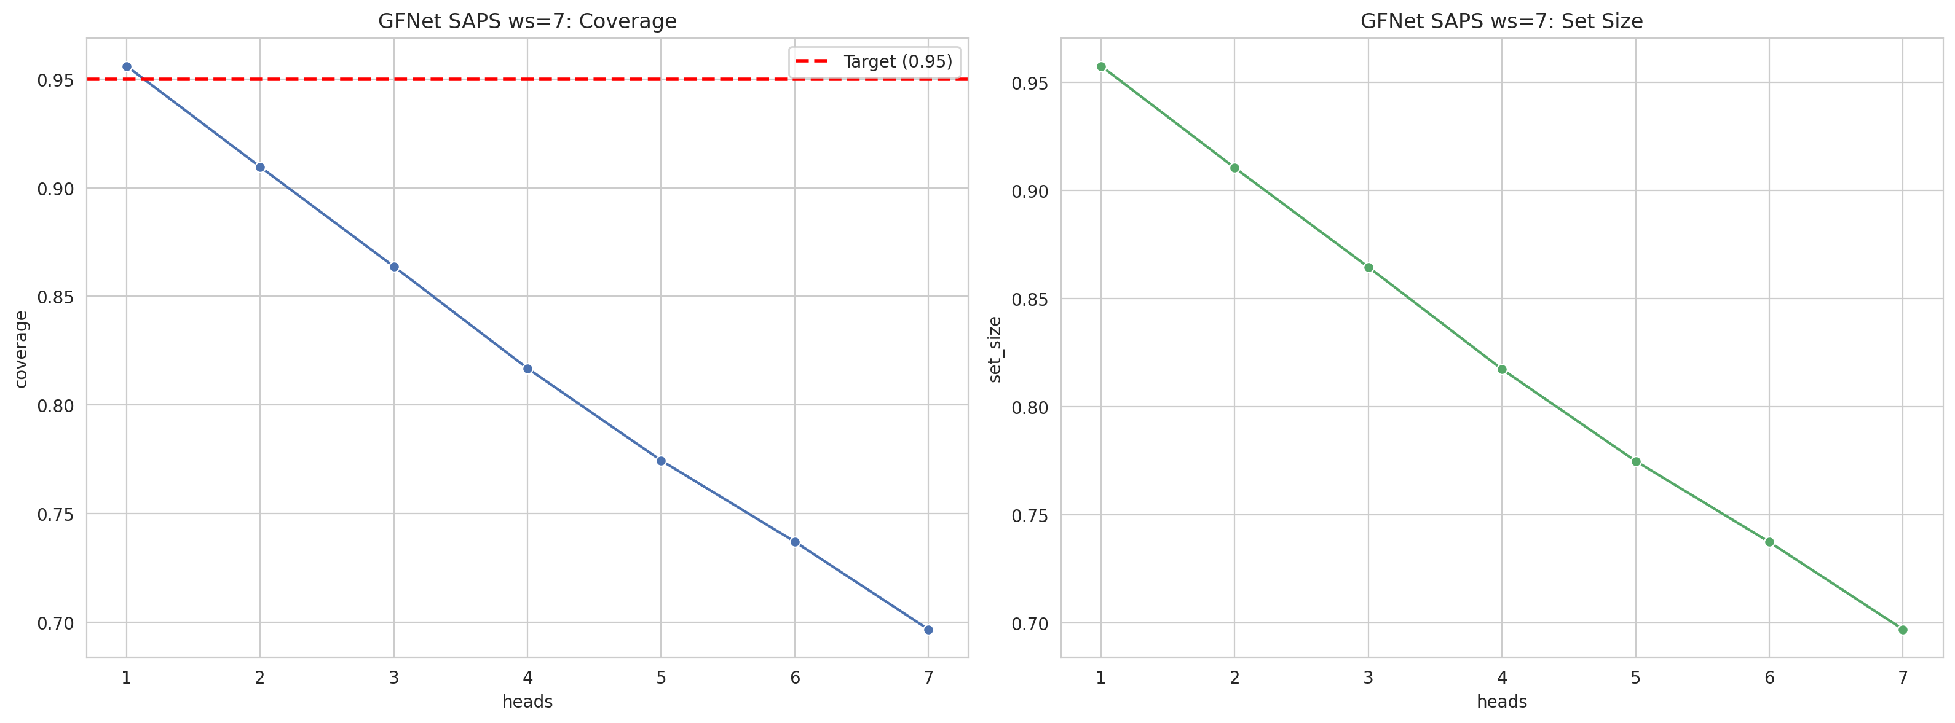
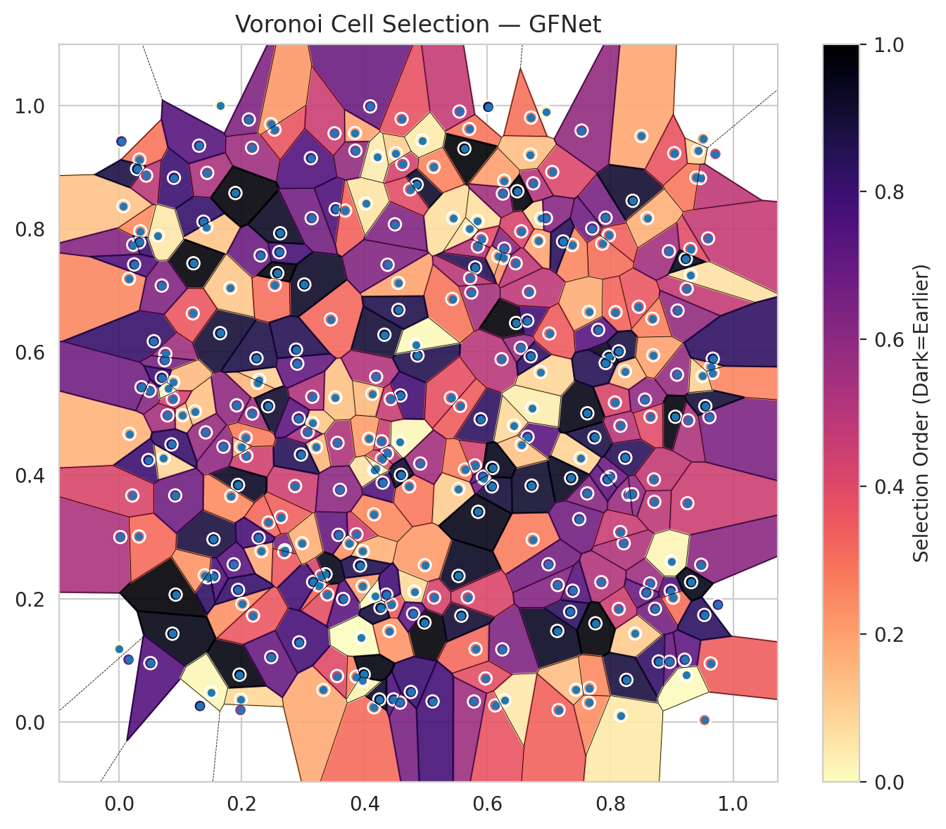
model_key | GFNet_MultiHead
model_name | GFNet
scoring_method | SAPS
window_size | 7
lambda | 0.5
k_iters | 1
empirical_coverage | 0.69660086092
avg_set_size | 0.69704616298
scene_coverage | 0.15926039237
scene_avg_set_size | 0.98843595638
uncertain_pixel_rate | 0.12572479248
mean_per_class_cov | 0.69410671684
runtime_sec | 199.98342079
alpha | 0.05

heads | coverage | set_size |  |  | class_id | class_coverage | support_count | Class | Pixels
1 | 0.95606352976 | 0.95739943595 |  |  | 0 | 0.68503289474 | 1216 | Class 0 | 11433
2 | 0.90960368116 | 0.91034585127 |  |  | 1 | 0.70028409091 | 704 | Class 1 | 7396
3 | 0.86373756865 | 0.86447973876 |  |  | 2 | 0.72791519435 | 283 | Class 2 | 10192
4 | 0.81683241799 | 0.81727772005 |  |  | 3 | 0.71062271062 | 1365 | Class 3 | 45585
5 | 0.77438028796 | 0.77482559003 |  |  | 4 | 0.70251572327 | 1590 | Class 4 | 82766
6 | 0.73697491465 | 0.73742021671 |  |  | 5 | 0.68460812087 | 1059 | Class 5 | 43640
7 | 0.69660086092 | 0.69704616298 |  |  | 6 | 0.67 | 200 | Class 6 | 4602
 |  |  |  |  | 7 | 0.671875 | 320 | Class 7 | 23572
 |  |  |  |  |  |  |  | Uncertain | 32958
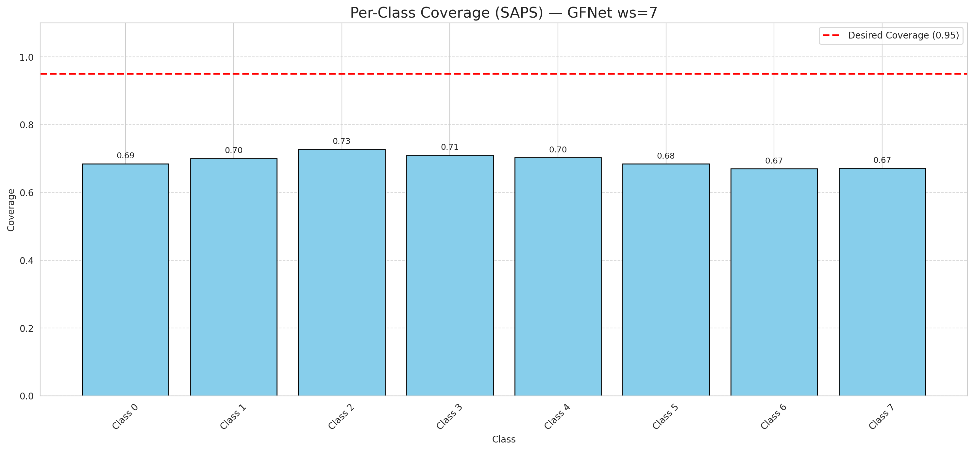

Cell Index | s1 | s2 | Selection_Order | Norm_Order(0-1) | Target
0 | 0.2075 | 0.4316 | 146 | 0.43582089552 | 5
1 | 0.3969 | 0.2201 | 71 | 0.21194029851 | 0
2 | 0.8729 | 0.1835 | 220 | 0.65671641791 | 2
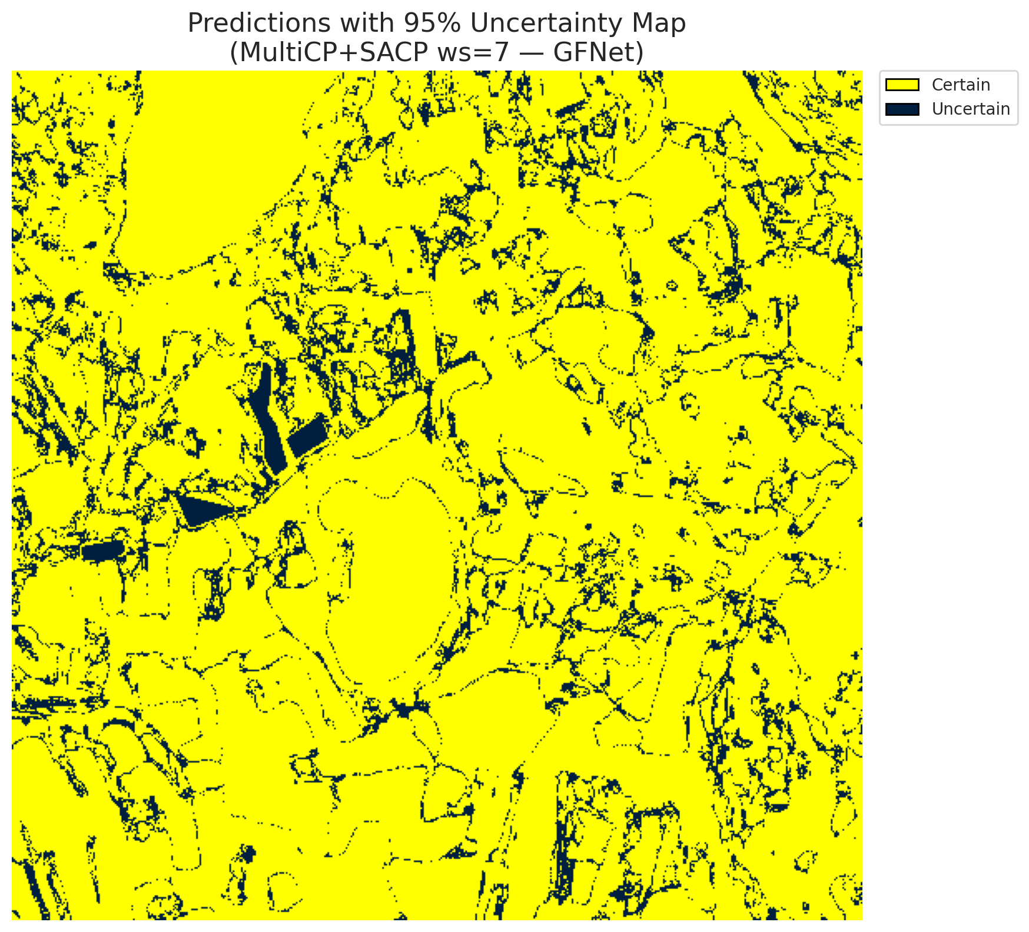
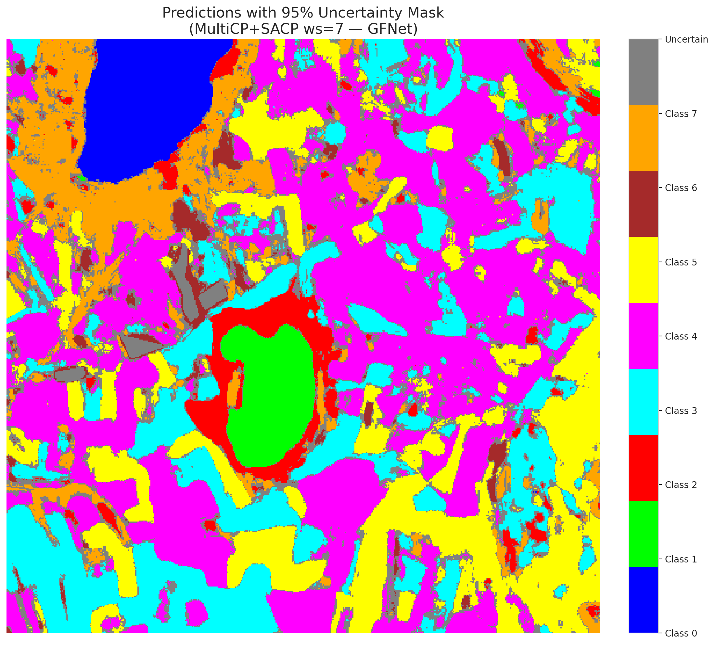
3 | 0.3754 | 0.2902 | 77 | 0.22985074627 | 5
4 | 0.0073 | 0.8368 | 41 | 0.1223880597 | 0
5 | 0.6738 | 0.2955 | 91 | 0.27164179104 | 3
6 | 0.8985 | 0.2126 | 252 | 0.75223880597 | 3
7 | 0.672 | 0.3833 | 304 | 0.90746268657 | 5
8 | 0.154 | 0.2962 | 297 | 0.88656716418 | 3
9 | 0.1648 | 0.6307 | 301 | 0.89850746269 | 2
10 | 0.3844 | 0.9555 | 64 | 0.19104477612 | 0
11 | 0.8507 | 0.9504 | 62 | 0.18507462687 | 0
12 | 0.6653 | 0.4625 | 243 | 0.72537313433 | 4
13 | 0.0023 | 0.2999 | 176 | 0.52537313433 | 1
14 | 0.0164 | 0.719 | 85 | 0.25373134328 | 0
15 | 0.0924 | 0.2065 | 335 | 1 | 0
16 | 0.8245 | 0.4286 | 282 | 0.84179104478 | 4
17 | 0.0172 | 0.4673 | 53 | 0.15820895522 | 3
18 | 0.9305 | 0.7672 | 129 | 0.38507462687 | 5
19 | 0.589 | 0.491 | 278 | 0.82985074627 | 0
20 | 0.8789 | 0.098 | 274 | 0.81791044776 | 1
21 | 0.9256 | 0.3548 | 150 | 0.44776119403 | 4
22 | 0.9244 | 0.7027 | 157 | 0.46865671642 | 2
23 | 0.7855 | 0.2267 | 169 | 0.50447761194 | 4
24 | 0.8464 | 0.6736 | 118 | 0.35223880597 | 0
25 | 0.2115 | 0.9774 | 213 | 0.63582089552 | 1
26 | 0.1237 | 0.5038 | 43 | 0.12835820896 | 0
27 | 0.8086 | 0.6647 | 108 | 0.3223880597 | 5
28 | 0.9481 | 0.2549 | 202 | 0.60298507463 | 5
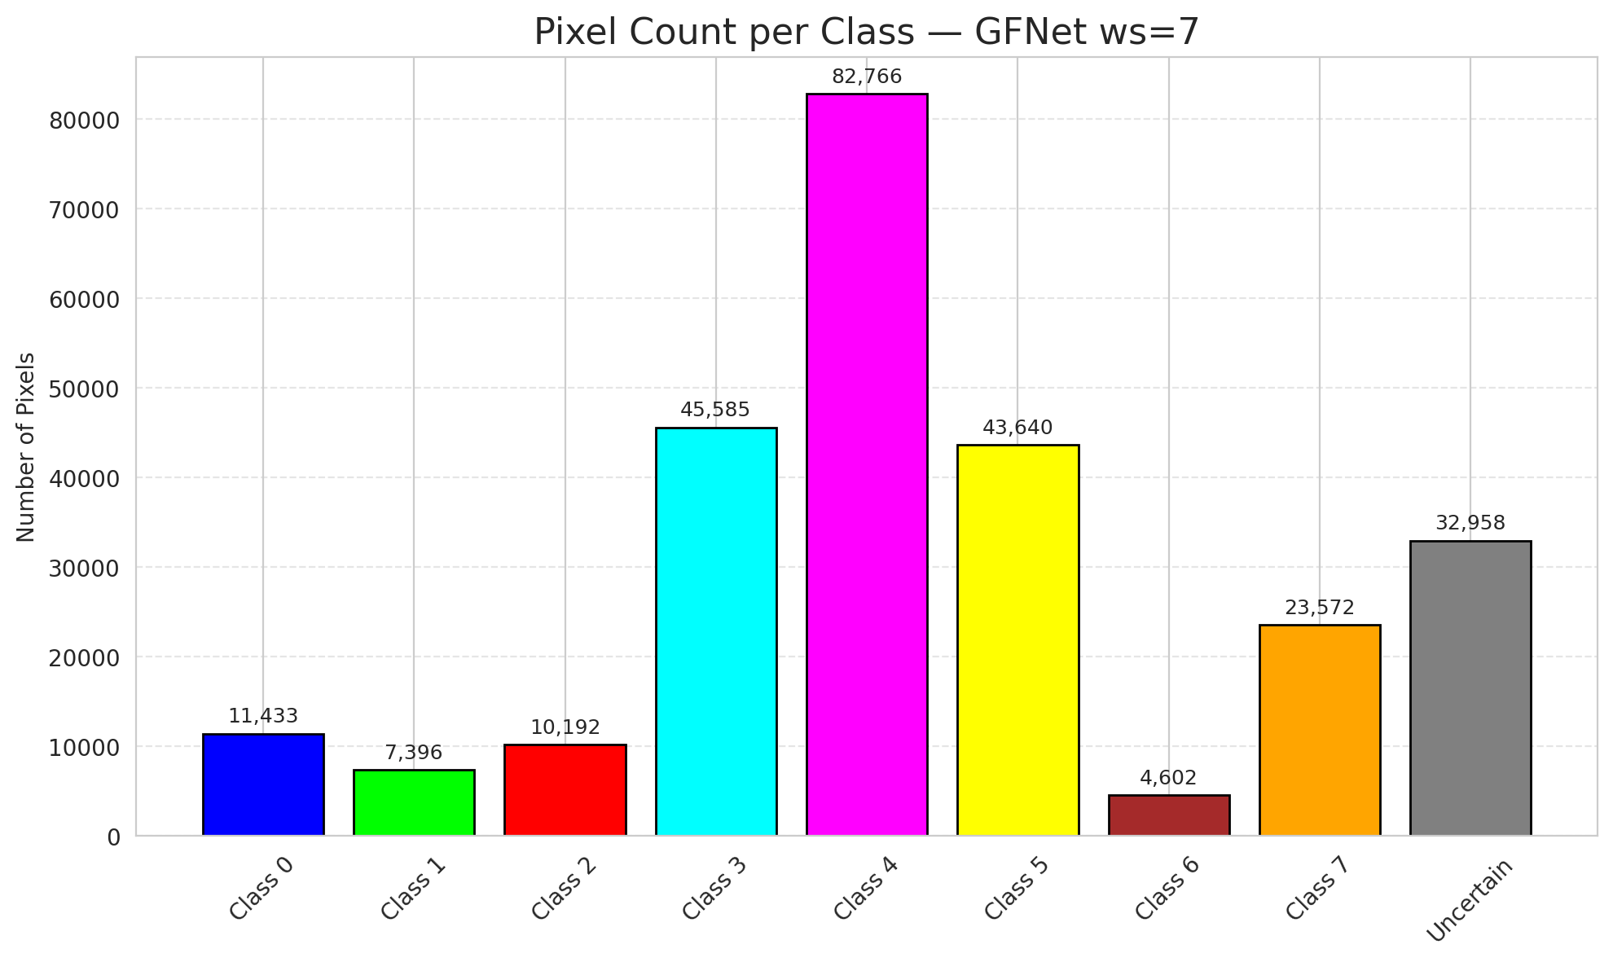
29 | 0.1986 | 0.036 | 28 | 0.083582089552 | 5
30 | 0.6876 | 0.817 | 27 | 0.080597014925 | 3
31 | 0.7388 | 0.2128 | 247 | 0.73731343284 | 3
32 | 0.2869 | 0.3827 | 149 | 0.4447761194 | 3
33 | 0.5738 | 0.6968 | 178 | 0.53134328358 | 4
34 | 0.3559 | 0.4527 | 173 | 0.51641791045 | 4
35 | 0.7518 | 0.4278 | 31 | 0.092537313433 | 3
36 | 0.9711 | 0.9215 | 135 | 0.40298507463 | 4
37 | 0.0568 | 0.6176 | 271 | 0.80895522388 | 4
38 | 0.4154 | 0.0236 | 103 | 0.30746268657 | 1
39 | 0.865 | 0.2246 | 189 | 0.56417910448 | 1
40 | 0.0233 | 0.7742 | 208 | 0.62089552239 | 5
41 | 0.4616 | 0.9052 | 145 | 0.4328358209 | 1
42 | 0.6466 | 0.6472 | 332 | 0.99104477612 | 0
43 | 0.7924 | 0.818 | 216 | 0.6447761194 | 1
44 | 0.3868 | 0.3044 | 147 | 0.43880597015 | 5
45 | 0.3529 | 0.8318 | 254 | 0.75820895522 | 4
46 | 0.3684 | 0.8296 | 110 | 0.32835820896 | 4
47 | 0.27 | 0.2784 | 215 | 0.64179104478 | 3
48 | 0.2009 | 0.1915 | 78 | 0.2328358209 | 1
49 | 0.9635 | 0.0948 | 114 | 0.34029850746 | 4
50 | 0.3524 | 0.5265 | 44 | 0.13134328358 | 3
51 | 0.6072 | 0.382 | 300 | 0.89552238806 | 1
52 | 0.2612 | 0.7621 | 258 | 0.77014925373 | 4
53 | 0.8239 | 0.5689 | 51 | 0.15223880597 | 4
54 | 0.3394 | 0.2068 | 127 | 0.37910447761 | 5
55 | 0.9615 | 0.4945 | 214 | 0.63880597015 | 0
56 | 0.4975 | 0.1613 | 333 | 0.99402985075 | 5
57 | 0.1426 | 0.803 | 40 | 0.11940298507 | 5
58 | 0.4364 | 0.4354 | 168 | 0.50149253731 | 5
59 | 0.345 | 0.653 | 106 | 0.31641791045 | 4
60 | 0.7056 | 0.8922 | 136 | 0.40597014925 | 4
61 | 0.7707 | 0.8006 | 226 | 0.67462686567 | 5
62 | 0.9427 | 0.9266 | 33 | 0.098507462687 | 4
63 | 0.0756 | 0.597 | 187 | 0.55820895522 | 7
64 | 0.9462 | 0.8823 | 160 | 0.4776119403 | 6
65 | 0.0896 | 0.8828 | 268 | 0.8 | 1
66 | 0.0871 | 0.1431 | 322 | 0.96119402985 | 4
67 | 0.5528 | 0.2368 | 313 | 0.93432835821 | 3
68 | 0.4092 | 0.9987 | 228 | 0.68059701493 | 3
69 | 0.3575 | 0.3034 | 233 | 0.69552238806 | 5
70 | 0.6231 | 0.5884 | 166 | 0.49552238806 | 3
71 | 0.5837 | 0.8127 | 21 | 0.062686567164 | 4
72 | 0.4279 | 0.4552 | 153 | 0.45671641791 | 0
73 | 0.4155 | 0.3367 | 83 | 0.24776119403 | 3
74 | 0.8717 | 0.3571 | 162 | 0.48358208955 | 4
75 | 0.2638 | 0.3324 | 113 | 0.33731343284 | 0
76 | 0.3329 | 0.0518 | 60 | 0.17910447761 | 0
77 | 0.6649 | 0.6511 | 264 | 0.78805970149 | 4
78 | 0.4323 | 0.6282 | 302 | 0.90149253731 | 1
79 | 0.315 | 0.4847 | 39 | 0.11641791045 | 4
80 | 0.9211 | 0.1008 | 237 | 0.70746268657 | 4
81 | 0.5443 | 0.8175 | 23 | 0.068656716418 | 0
82 | 0.5526 | 0.378 | 36 | 0.10746268657 | 3
83 | 0.2283 | 0.5551 | 34 | 0.10149253731 | 5
84 | 0.8219 | 0.2898 | 172 | 0.51343283582 | 0
85 | 0.6746 | 0.8738 | 170 | 0.50746268657 | 5
86 | 0.6254 | 0.7528 | 76 | 0.22686567164 | 0
87 | 0.8296 | 0.3687 | 192 | 0.57313432836 | 3
88 | 0.1992 | 0.4463 | 61 | 0.18208955224 | 0
89 | 0.5704 | 0.962 | 98 | 0.29253731343 | 1
90 | 0.4981 | 0.2543 | 70 | 0.20895522388 | 4
91 | 0.6178 | 0.7554 | 57 | 0.17014925373 | 1
92 | 0.8404 | 0.1434 | 37 | 0.11044776119 | 5
93 | 0.4294 | 0.3882 | 249 | 0.74328358209 | 5
94 | 0.5625 | 0.9301 | 334 | 0.99701492537 | 1
95 | 0.2321 | 0.2769 | 59 | 0.17611940299 | 3
96 | 0.4603 | 0.9783 | 125 | 0.37313432836 | 4
97 | 0.7363 | 0.3954 | 315 | 0.94029850746 | 0
98 | 0.8076 | 0.5182 | 141 | 0.42089552239 | 4
99 | 0.6271 | 0.8781 | 68 | 0.20298507463 | 1
100 | 0.6699 | 0.9205 | 45 | 0.13432835821 | 4
101 | 0.2171 | 0.5003 | 185 | 0.55223880597 | 1
102 | 0.6833 | 0.7804 | 63 | 0.18805970149 | 0
103 | 0.5942 | 0.3952 | 219 | 0.65373134328 | 4
104 | 0.5713 | 0.7997 | 22 | 0.065671641791 | 3
105 | 0.7998 | 0.3976 | 227 | 0.6776119403 | 4
106 | 0.9023 | 0.2015 | 102 | 0.30447761194 | 4
107 | 0.6543 | 0.607 | 190 | 0.5671641791 | 0
108 | 0.5801 | 0.7373 | 285 | 0.85074626866 | 3
109 | 0.9593 | 0.7845 | 155 | 0.46268656716 | 0
110 | 0.9312 | 0.7249 | 20 | 0.059701492537 | 5
111 | 0.4571 | 0.4542 | 5 | 0.014925373134 | 4
112 | 0.3211 | 0.4458 | 50 | 0.14925373134 | 1
113 | 0.4848 | 0.8717 | 308 | 0.91940298507 | 7
114 | 0.7743 | 0.4617 | 292 | 0.87164179104 | 4
115 | 0.1939 | 0.3844 | 312 | 0.93134328358 | 0
116 | 0.1038 | 0.4975 | 46 | 0.13731343284 | 4
117 | 0.8966 | 0.0975 | 234 | 0.69850746269 | 5
118 | 0.7627 | 0.5007 | 323 | 0.96417910448 | 4
119 | 0.1964 | 0.0766 | 325 | 0.97014925373 | 4
120 | 0.6127 | 0.0267 | 124 | 0.37014925373 | 3
121 | 0.6433 | 0.4809 | 26 | 0.077611940299 | 3
122 | 0.6555 | 0.4495 | 42 | 0.12537313433 | 4
123 | 0.8565 | 0.5229 | 197 | 0.58805970149 | 4
124 | 0.4188 | 0.5599 | 171 | 0.51044776119 | 0
125 | 0.6726 | 0.5092 | 11 | 0.032835820896 | 0
126 | 0.05 | 0.5371 | 203 | 0.60597014925 | 0
127 | 0.8358 | 0.3694 | 199 | 0.59402985075 | 4
128 | 0.7137 | 0.1476 | 314 | 0.93731343284 | 4
129 | 0.6459 | 0.7441 | 159 | 0.47462686567 | 4
130 | 0.226 | 0.5499 | 52 | 0.1552238806 | 5
131 | 0.4494 | 0.8073 | 211 | 0.62985074627 | 3
132 | 0.3364 | 0.2395 | 318 | 0.94925373134 | 0
133 | 0.4546 | 0.7123 | 65 | 0.19402985075 | 1
134 | 0.5808 | 0.1182 | 105 | 0.31343283582 | 3
135 | 0.5899 | 0.7832 | 131 | 0.39104477612 | 4
136 | 0.3126 | 0.9147 | 251 | 0.74925373134 | 5
137 | 0.1702 | 0.4465 | 200 | 0.59701492537 | 3
138 | 0.4861 | 0.5945 | 287 | 0.85671641791 | 5
139 | 0.4432 | 0.1908 | 121 | 0.36119402985 | 7
140 | 0.3253 | 0.2215 | 109 | 0.32537313433 | 3
141 | 0.4742 | 0.864 | 130 | 0.38805970149 | 1
142 | 0.0156 | 0.101 | 230 | 0.68656716418 | 0
143 | 0.1827 | 0.3665 | 81 | 0.24179104478 | 2
144 | 0.3552 | 0.0744 | 134 | 0.4 | 2
145 | 0.6243 | 0.1176 | 212 | 0.6328358209 | 4
146 | 0.8365 | 0.8455 | 306 | 0.91343283582 | 0
147 | 0.798 | 0.5921 | 317 | 0.94626865672 | 1
148 | 0.1918 | 0.5136 | 198 | 0.59104477612 | 7
149 | 0.738 | 0.7738 | 84 | 0.25074626866 | 7
150 | 0.1377 | 0.8116 | 273 | 0.81492537313 | 5
151 | 0.6864 | 0.5675 | 29 | 0.086567164179 | 0
152 | 0.4282 | 0.4269 | 133 | 0.39701492537 | 2
153 | 0.3651 | 0.1993 | 242 | 0.7223880597 | 0
154 | 0.0334 | 0.9125 | 97 | 0.28955223881 | 3
155 | 0.8167 | 0.4805 | 165 | 0.49253731343 | 3
156 | 0.0479 | 0.4248 | 266 | 0.79402985075 | 4
157 | 0.9666 | 0.5662 | 86 | 0.25671641791 | 0
158 | 0.0041 | 0.9419 | 245 | 0.73134328358 | 1
159 | 0.5124 | 0.9005 | 87 | 0.25970149254 | 3
160 | 0.4584 | 0.5296 | 263 | 0.78507462687 | 3
161 | 0.5556 | 0.5127 | 115 | 0.34328358209 | 4
162 | 0.1651 | 1 | 10 | 0.029850746269 | 0
163 | 0.2935 | 0.129 | 259 | 0.77313432836 | 0
164 | 0.0513 | 0.0954 | 248 | 0.74029850746 | 0
165 | 0.7495 | 0.329 | 223 | 0.66567164179 | 0
166 | 0.2693 | 0.2754 | 117 | 0.34925373134 | 0
167 | 0.1414 | 0.4697 | 191 | 0.57014925373 | 4
168 | 0.4157 | 0.4088 | 19 | 0.05671641791 | 4
169 | 0.8954 | 0.7636 | 182 | 0.54328358209 | 0
170 | 0.451 | 0.9228 | 35 | 0.10447761194 | 5
171 | 0.5796 | 0.4161 | 143 | 0.42686567164 | 5
172 | 0.4727 | 0.3821 | 94 | 0.28059701493 | 0
173 | 0.8588 | 0.2096 | 232 | 0.69253731343 | 5
174 | 0.3971 | 0.277 | 54 | 0.16119402985 | 0
175 | 0.3941 | 0.1365 | 0 | 0 | 1
176 | 0.5545 | 0.9903 | 156 | 0.46567164179 | 0
177 | 0.4472 | 0.0364 | 255 | 0.76119402985 | 3
178 | 0.9087 | 0.5634 | 193 | 0.57611940299 | 4
179 | 0.0327 | 0.3008 | 104 | 0.31044776119 | 4
180 | 0.0745 | 0.5868 | 217 | 0.64776119403 | 7
181 | 0.8138 | 0.1833 | 148 | 0.44179104478 | 1
182 | 0.4907 | 0.4192 | 183 | 0.54626865672 | 4
183 | 0.5849 | 0.3408 | 320 | 0.9552238806 | 5
184 | 0.1213 | 0.7441 | 330 | 0.98507462687 | 4
185 | 0.6994 | 0.2557 | 221 | 0.65970149254 | 3
186 | 0.7803 | 0.6361 | 244 | 0.72835820896 | 5
187 | 0.671 | 0.9805 | 99 | 0.29552238806 | 3
188 | 0.8262 | 0.0682 | 296 | 0.88358208955 | 4
189 | 0.5634 | 0.4096 | 90 | 0.26865671642 | 3
190 | 0.4403 | 0.1474 | 74 | 0.22089552239 | 4
191 | 0.787 | 0.7759 | 101 | 0.30149253731 | 3
192 | 0.5428 | 0.6862 | 96 | 0.28656716418 | 4
193 | 0.0791 | 0.4973 | 179 | 0.53432835821 | 0
194 | 0.0728 | 0.4279 | 30 | 0.089552238806 | 3
195 | 0.6953 | 0.8173 | 205 | 0.61194029851 | 7
196 | 0.4021 | 0.841 | 18 | 0.053731343284 | 3
197 | 0.7232 | 0.7795 | 281 | 0.83880597015 | 5
198 | 0.4126 | 0.5322 | 49 | 0.14626865672 | 0
199 | 0.9059 | 0.4951 | 326 | 0.97313432836 | 4
200 | 0.6677 | 0.6977 | 161 | 0.48059701493 | 0
201 | 0.9753 | 0.1901 | 257 | 0.7671641791 | 0
202 | 0.6486 | 0.861 | 328 | 0.97910447761 | 5
203 | 0.1538 | 0.2362 | 253 | 0.7552238806 | 6
204 | 0.4592 | 0.4007 | 307 | 0.91641791045 | 4
205 | 0.2307 | 0.7569 | 229 | 0.68358208955 | 0
206 | 0.1814 | 0.7041 | 38 | 0.11343283582 | 4
207 | 0.0884 | 0.5513 | 48 | 0.14328358209 | 4
208 | 0.2626 | 0.7928 | 311 | 0.92835820896 | 0
209 | 0.628 | 0.0351 | 16 | 0.04776119403 | 4
210 | 0.5406 | 0.5258 | 126 | 0.37611940299 | 0
211 | 0.9637 | 0.5762 | 72 | 0.21492537313 | 1
212 | 0.4578 | 0.0313 | 218 | 0.65074626866 | 1
213 | 0.9095 | 0.6673 | 196 | 0.58507462687 | 5
214 | 0.1438 | 0.8908 | 177 | 0.52835820896 | 4
215 | 0.6704 | 0.5933 | 276 | 0.82388059701 | 3
216 | 0.8686 | 0.6542 | 88 | 0.26268656716 | 5
217 | 0.0368 | 0.543 | 224 | 0.66865671642 | 0
218 | 0.3851 | 0.9267 | 194 | 0.57910447761 | 3
219 | 0.0878 | 0.5238 | 144 | 0.42985074627 | 3
220 | 0.9042 | 0.9227 | 123 | 0.3671641791 | 4
221 | 0.1305 | 0.9349 | 246 | 0.73432835821 | 3
222 | 0.4183 | 0.4109 | 24 | 0.071641791045 | 4
223 | 0.9536 | 0.0029 | 93 | 0.2776119403 | 7
224 | 0.0296 | 0.8971 | 294 | 0.8776119403 | 3
225 | 0.0248 | 0.7422 | 250 | 0.74626865672 | 3
226 | 0.1979 | 0.0192 | 180 | 0.53731343284 | 3
227 | 0.421 | 0.9172 | 12 | 0.035820895522 | 0
228 | 0.8137 | 0.6012 | 295 | 0.88059701493 | 3
229 | 0.951 | 0.9458 | 67 | 0.2 | 0
230 | 0.2429 | 0.5123 | 305 | 0.91044776119 | 0
231 | 0.0917 | 0.3674 | 225 | 0.67164179104 | 0
232 | 0.5969 | 0.0705 | 128 | 0.38208955224 | 7
233 | 0.923 | 0.7512 | 316 | 0.94328358209 | 5
234 | 0.5576 | 0.1723 | 303 | 0.90447761194 | 4
235 | 0.2964 | 0.4338 | 283 | 0.8447761194 | 5
236 | 0.3073 | 0.4702 | 181 | 0.54029850746 | 6
237 | 0.9269 | 0.4891 | 175 | 0.5223880597 | 2
238 | 0.1203 | 0.6628 | 120 | 0.35820895522 | 5
239 | 0.3295 | 0.2366 | 139 | 0.41492537313 | 6
240 | 0.224 | 0.59 | 291 | 0.86865671642 | 4
241 | 0.3868 | 0.0733 | 89 | 0.26567164179 | 4
242 | 0.8164 | 0.308 | 152 | 0.45373134328 | 3
243 | 0.2168 | 0.9316 | 186 | 0.5552238806 | 3
244 | 0.568 | 0.2022 | 137 | 0.40895522388 | 3
245 | 0.7625 | 0.3707 | 206 | 0.61492537313 | 4
246 | 0.0219 | 0.3673 | 138 | 0.41194029851 | 6
247 | 0.4938 | 0.9434 | 14 | 0.041791044776 | 0
248 | 0.0348 | 0.7961 | 80 | 0.23880597015 | 4
249 | 0.3149 | 0.5276 | 174 | 0.51940298507 | 3
250 | 0.3019 | 0.7097 | 310 | 0.92537313433 | 2
251 | 0.3926 | 0.2537 | 288 | 0.85970149254 | 4
252 | 0.7348 | 0.1787 | 279 | 0.8328358209 | 0
253 | 0.5781 | 0.0331 | 188 | 0.56119402985 | 0
254 | 0.8711 | 0.3933 | 158 | 0.47164179104 | 5
255 | 0.3163 | 0.2271 | 260 | 0.77611940299 | 5
256 | 0.2066 | 0.4613 | 92 | 0.27462686567 | 0
257 | 0.2983 | 0.2899 | 55 | 0.16417910448 | 3
258 | 0.9401 | 0.8832 | 95 | 0.28358208955 | 5
259 | 0.6081 | 0.412 | 319 | 0.95223880597 | 4
260 | 0.4241 | 0.0363 | 309 | 0.9223880597 | 0
261 | 0.2904 | 0.5813 | 235 | 0.70149253731 | 4
262 | 0.4753 | 0.0485 | 267 | 0.79701492537 | 4
263 | 0.2533 | 0.961 | 122 | 0.36417910448 | 4
264 | 0.5928 | 0.3978 | 236 | 0.70447761194 | 3
265 | 0.7759 | 0.16 | 331 | 0.98805970149 | 1
266 | 0.2184 | 0.1725 | 119 | 0.3552238806 | 3
267 | 0.0856 | 0.4502 | 270 | 0.80597014925 | 2
268 | 0.2539 | 0.7089 | 100 | 0.29850746269 | 4
269 | 0.7651 | 0.6653 | 58 | 0.17313432836 | 4
270 | 0.7661 | 0.0551 | 82 | 0.2447761194 | 0
271 | 0.9547 | 0.5122 | 299 | 0.89253731343 | 0
272 | 0.4173 | 0.2043 | 4 | 0.011940298507 | 4
273 | 0.8995 | 0.2604 | 7 | 0.020895522388 | 0
274 | 0.9502 | 0.5611 | 32 | 0.09552238806 | 0
275 | 0.7652 | 0.0312 | 79 | 0.23582089552 | 1
276 | 0.5132 | 0.2018 | 142 | 0.42388059701 | 6
277 | 0.4809 | 0.2115 | 25 | 0.074626865672 | 1
278 | 0.8699 | 0.595 | 66 | 0.19701492537 | 7
279 | 0.4426 | 0.5237 | 154 | 0.45970149254 | 0
280 | 0.4354 | 0.2064 | 262 | 0.78208955224 | 4
281 | 0.0799 | 0.5409 | 8 | 0.023880597015 | 4
282 | 0.572 | 0.7201 | 164 | 0.48955223881 | 3
283 | 0 | 0.1188 | 1 | 0.0029850746269 | 0
284 | 0.1869 | 0.2556 | 240 | 0.71641791045 | 3
285 | 0.1897 | 0.8581 | 329 | 0.98208955224 | 4
286 | 0.7442 | 0.0521 | 47 | 0.14029850746 | 3
287 | 0.3511 | 0.955 | 151 | 0.45074626866 | 4
288 | 0.6953 | 0.9901 | 13 | 0.038805970149 | 5
289 | 0.2928 | 0.4924 | 241 | 0.71940298507 | 3
290 | 0.8169 | 0.0102 | 15 | 0.044776119403 | 5
291 | 0.7144 | 0.2221 | 207 | 0.61791044776 | 2
292 | 0.4374 | 0.7417 | 209 | 0.62388059701 | 3
293 | 0.0328 | 0.778 | 269 | 0.80298507463 | 3
294 | 0.2435 | 0.3235 | 107 | 0.31940298507 | 3
295 | 0.132 | 0.0258 | 293 | 0.87462686567 | 3
296 | 0.7158 | 0.0192 | 111 | 0.33134328358 | 7
297 | 0.6012 | 0.9979 | 289 | 0.86268656716 | 6
298 | 0.3968 | 0.0668 | 9 | 0.026865671642 | 3
299 | 0.7009 | 0.6302 | 116 | 0.34626865672 | 4
300 | 0.4071 | 0.4594 | 69 | 0.20597014925 | 4
301 | 0.7534 | 0.9594 | 195 | 0.58208955224 | 1
302 | 0.3599 | 0.3765 | 201 | 0.6 | 2
303 | 0.7951 | 0.3936 | 239 | 0.71343283582 | 4
304 | 0.2476 | 0.9698 | 73 | 0.21791044776 | 0
305 | 0.6275 | 0.7679 | 204 | 0.60895522388 | 0
306 | 0.9669 | 0.5893 | 277 | 0.82686567164 | 5
307 | 0.0444 | 0.8864 | 163 | 0.48656716418 | 4
308 | 0.4259 | 0.1851 | 298 | 0.88955223881 | 0
309 | 0.479 | 0.1755 | 238 | 0.71044776119 | 0
310 | 0.2274 | 0.2989 | 256 | 0.76417910448 | 4
311 | 0.248 | 0.1051 | 231 | 0.68955223881 | 4
312 | 0.3986 | 0.077 | 324 | 0.9671641791 | 1
313 | 0.7978 | 0.7894 | 112 | 0.33432835821 | 3
314 | 0.9532 | 0.1735 | 280 | 0.83582089552 | 0
315 | 0.8656 | 0.495 | 132 | 0.39402985075 | 3
316 | 0.2884 | 0.604 | 284 | 0.84776119403 | 3
317 | 0.9317 | 0.2268 | 321 | 0.95820895522 | 0
318 | 0.5844 | 0.7713 | 167 | 0.49850746269 | 3
319 | 0.7925 | 0.5823 | 286 | 0.85373134328 | 0
320 | 0.4832 | 0.6117 | 3 | 0.0089552238806 | 1
321 | 0.1444 | 0.2345 | 275 | 0.82089552239 | 3
322 | 0.2578 | 0.7281 | 327 | 0.97611940299 | 4
323 | 0.0699 | 0.5583 | 265 | 0.79104477612 | 3
324 | 0.1498 | 0.0475 | 6 | 0.017910447761 | 0
325 | 0.1397 | 0.2378 | 75 | 0.22388059701 | 0
326 | 0.455 | 0.6684 | 290 | 0.86567164179 | 5
327 | 0.0698 | 0.7079 | 210 | 0.62686567164 | 1
328 | 0.9235 | 0.0759 | 2 | 0.0059701492537 | 4
329 | 0.194 | 0.2141 | 272 | 0.81194029851 | 3
330 | 0.5107 | 0.0332 | 261 | 0.77910447761 | 0
331 | 0.0634 | 0.789 | 17 | 0.050746268657 | 1
332 | 0.6252 | 0.8572 | 184 | 0.54925373134 | 3
333 | 0.8602 | 0.8175 | 56 | 0.1671641791 | 4
334 | 0.3138 | 0.8173 | 222 | 0.66268656716 | 1
335 | 0.6551 | 0.7959 | 140 | 0.41791044776 | 3

ViT_RAPS_ws7
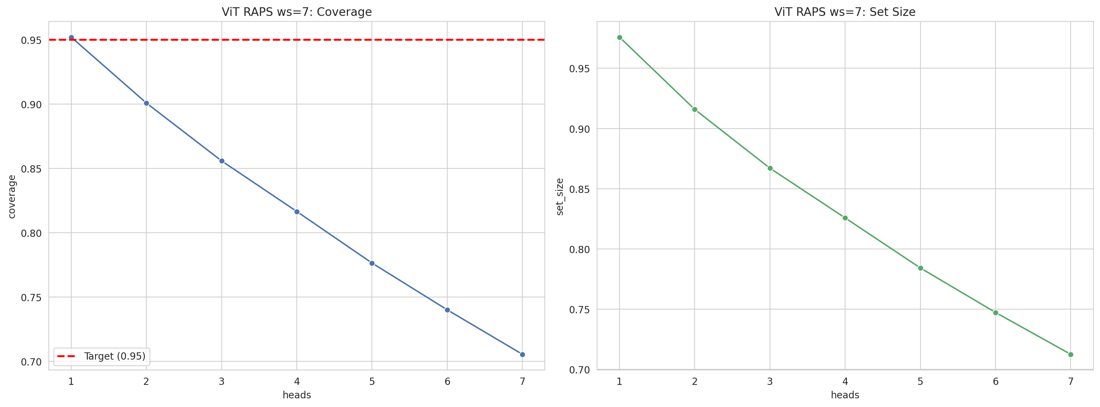
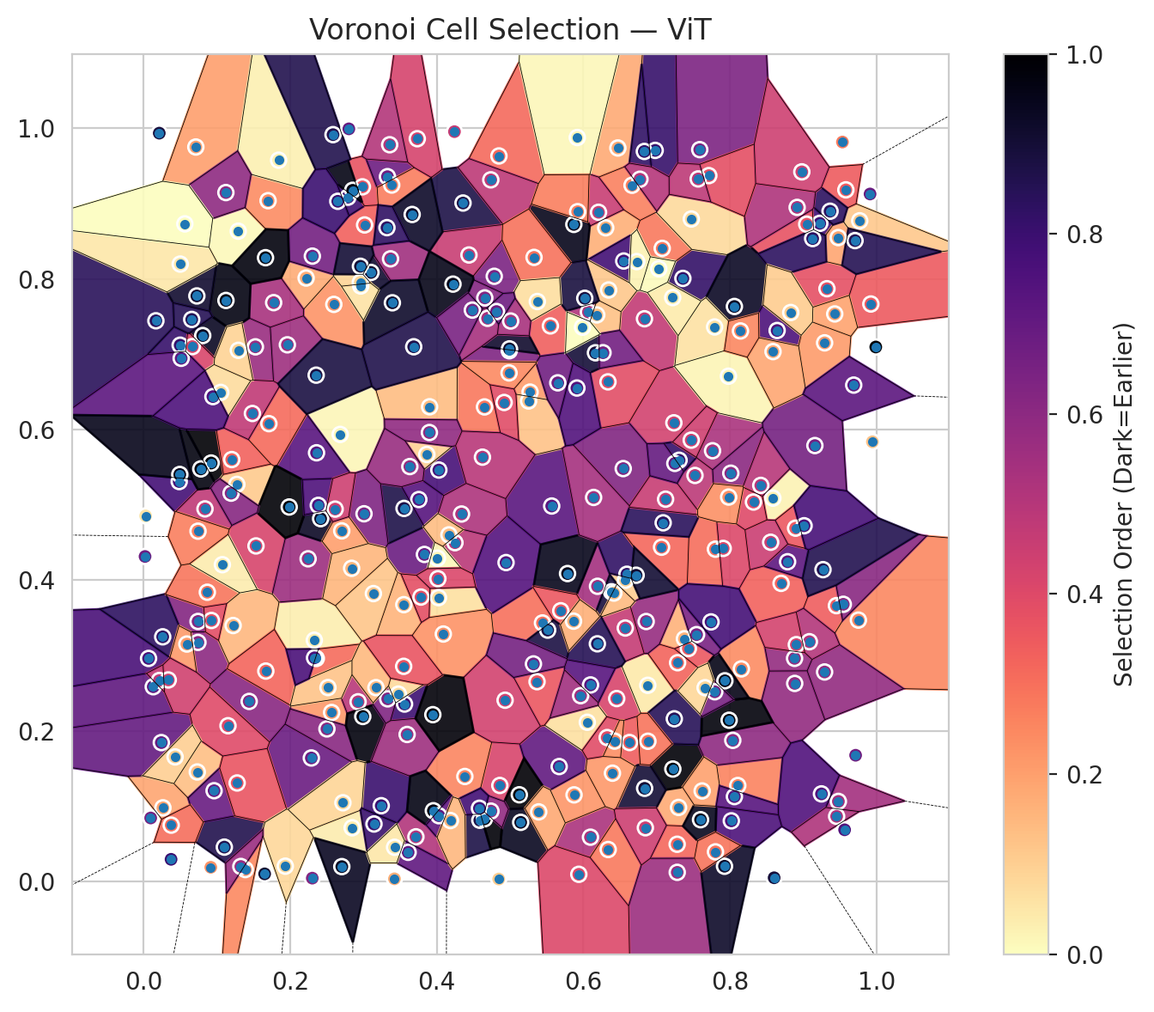
model_key | ViT_UNet_MultiHead
model_name | ViT
scoring_method | RAPS
window_size | 7
lambda | 0.5
k_iters | 1
empirical_coverage | 0.70550690218
avg_set_size | 0.71248330117
scene_coverage | 0.18559027114
scene_avg_set_size | 1.1566039401
uncertain_pixel_rate | 0.24656295776
mean_per_class_cov | 0.7089377842
runtime_sec | 196.31970834
alpha | 0.05

heads | coverage | set_size |  |  | class_id | class_coverage | support_count | Class | Pixels
1 | 0.95205581119 | 0.97580525456 |  |  | 0 | 0.69736842105 | 1216 | Class 0 | 11380
2 | 0.90084607392 | 0.91583791005 |  |  | 1 | 0.69318181818 | 704 | Class 1 | 7619
3 | 0.85587056553 | 0.86700311711 |  |  | 2 | 0.70671378092 | 283 | Class 2 | 5903
4 | 0.81653554995 | 0.82573845925 |  |  | 3 | 0.70183150183 | 1365 | Class 3 | 36877
5 | 0.77645836426 | 0.78417693335 |  |  | 4 | 0.7 | 1590 | Class 4 | 75972
6 | 0.74009202909 | 0.7472168621 |  |  | 5 | 0.72615675165 | 1059 | Class 5 | 39847
7 | 0.70550690218 | 0.71248330117 |  |  | 6 | 0.715 | 200 | Class 6 | 2454
 |  |  |  |  | 7 | 0.73125 | 320 | Class 7 | 17457
 |  |  |  |  |  |  |  | Uncertain | 64635
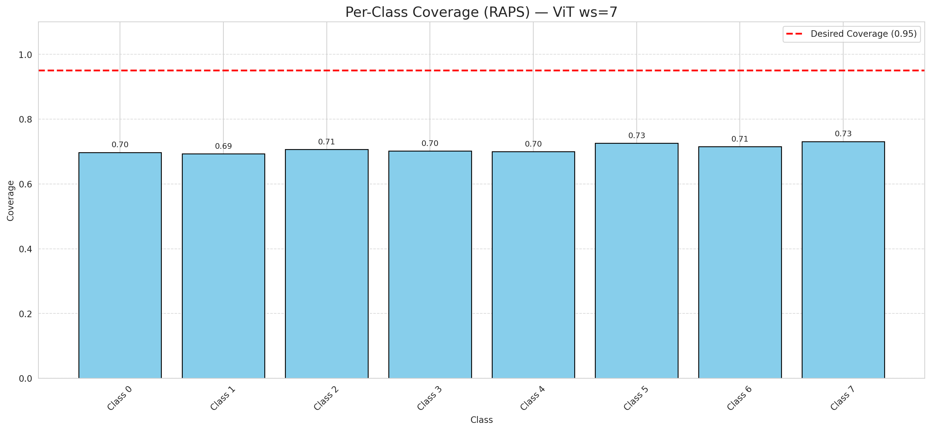

Cell Index | s1 | s2 | Selection_Order | Norm_Order(0-1) | Target
0 | 0.0131 | 0.2584 | 239 | 0.71343283582 | 5
1 | 0.5568 | 0.4984 | 243 | 0.72537313433 | 0
2 | 0.4358 | 0.9008 | 293 | 0.87462686567 | 2
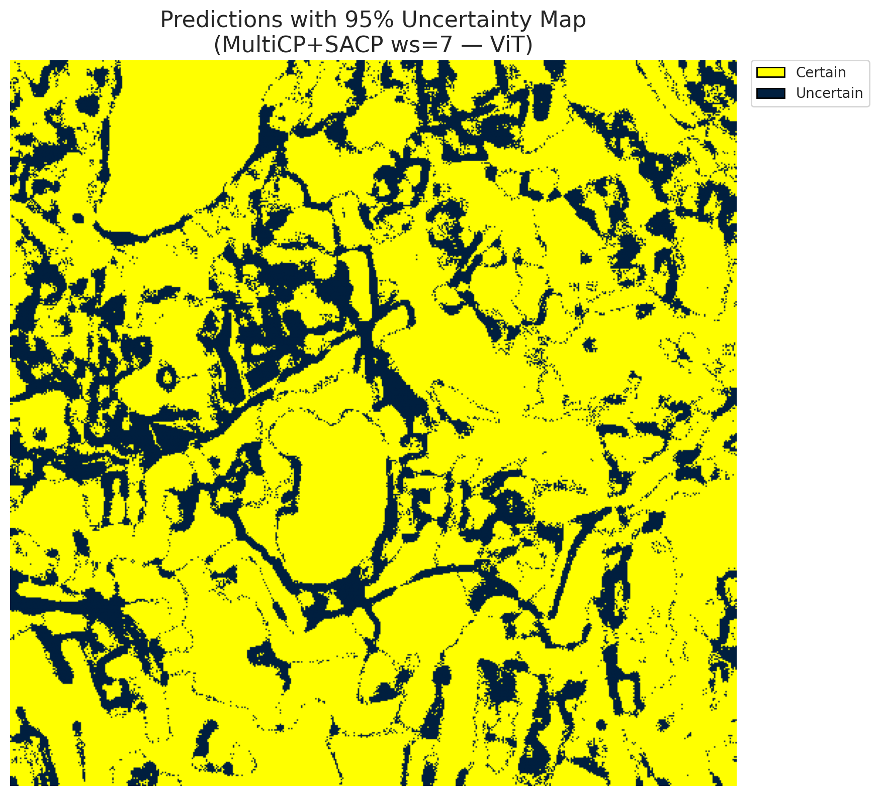
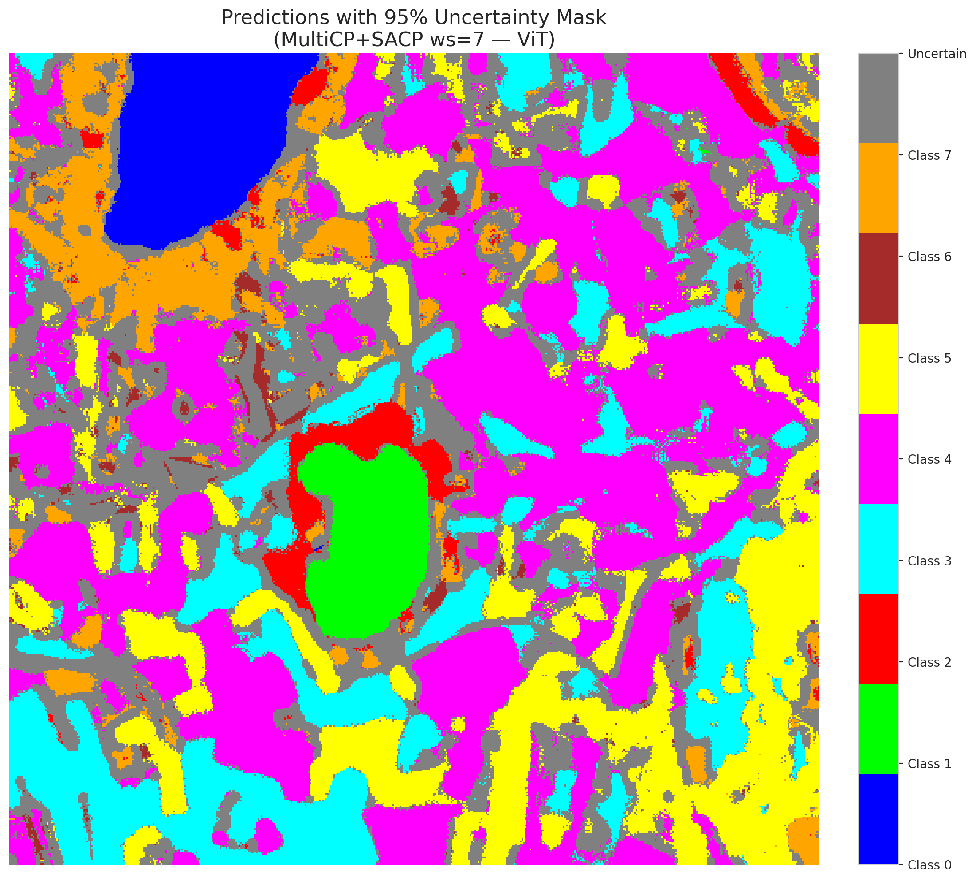
3 | 0.9944 | 0.5837 | 43 | 0.12835820896 | 5
4 | 0.8156 | 0.2821 | 80 | 0.23880597015 | 0
5 | 0.3831 | 0.4341 | 229 | 0.68358208955 | 3
6 | 0.698 | 0.9707 | 271 | 0.80895522388 | 3
7 | 0.4784 | 0.8035 | 215 | 0.64179104478 | 5
8 | 0.6097 | 0.0586 | 176 | 0.52537313433 | 3
9 | 0.1291 | 0.8634 | 3 | 0.0089552238806 | 2
10 | 0.2595 | 0.7662 | 75 | 0.22388059701 | 0
11 | 0.7379 | 0.3221 | 54 | 0.16119402985 | 0
12 | 0.0732 | 0.1452 | 45 | 0.13432835821 | 4
13 | 0.6305 | 0.8679 | 55 | 0.16417910448 | 1
14 | 0.663 | 0.1843 | 114 | 0.34029850746 | 0
15 | 0.6455 | 0.2427 | 140 | 0.41791044776 | 0
16 | 0.4023 | 0.3767 | 22 | 0.065671641791 | 4
17 | 0.7299 | 0.0981 | 59 | 0.17611940299 | 3
18 | 0.6339 | 0.0422 | 93 | 0.2776119403 | 5
19 | 0.7221 | 0.1491 | 330 | 0.98507462687 | 0
20 | 0.2565 | 0.2242 | 73 | 0.21791044776 | 1
21 | 0.8698 | 0.3957 | 111 | 0.33134328358 | 4
22 | 0.7235 | 0.6089 | 144 | 0.42985074627 | 2
23 | 0.9226 | 0.8738 | 264 | 0.78805970149 | 4
24 | 0.6471 | 0.9739 | 60 | 0.17910447761 | 0
25 | 0.3015 | 0.8717 | 112 | 0.33432835821 | 1
26 | 0.2288 | 0.1638 | 230 | 0.68656716418 | 0
27 | 0.356 | 0.2354 | 266 | 0.79402985075 | 5
28 | 0.144 | 0.2389 | 205 | 0.61194029851 | 5
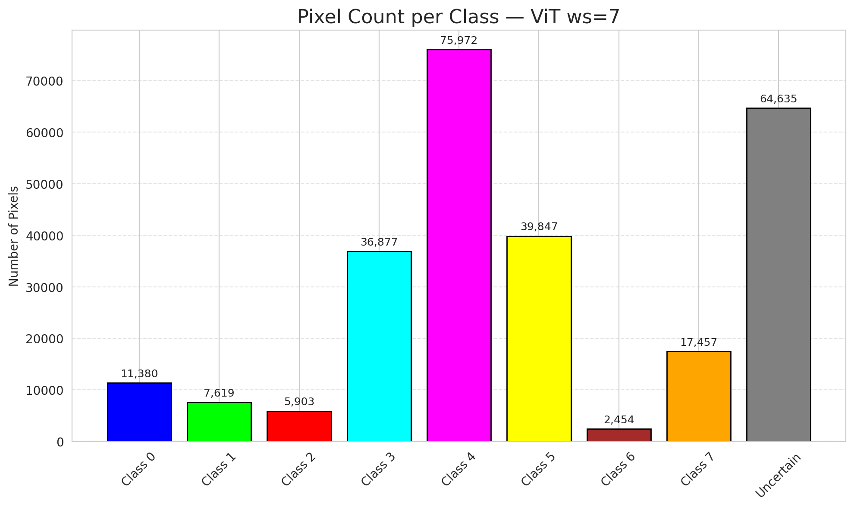
29 | 0.1961 | 0.7125 | 187 | 0.55820895522 | 5
30 | 0.5873 | 0.1148 | 74 | 0.22089552239 | 3
31 | 0.2845 | 0.0711 | 13 | 0.038805970149 | 3
32 | 0.7802 | 0.4411 | 101 | 0.30149253731 | 3
33 | 0.4651 | 0.63 | 95 | 0.28358208955 | 4
34 | 0.0485 | 0.5309 | 261 | 0.77910447761 | 4
35 | 0.9453 | 0.3661 | 115 | 0.34328358209 | 3
36 | 0.6836 | 0.1235 | 301 | 0.89850746269 | 4
37 | 0.6664 | 0.9244 | 88 | 0.26268656716 | 4
38 | 0.2787 | 0.9085 | 265 | 0.79104477612 | 1
39 | 0.6575 | 0.3999 | 33 | 0.098507462687 | 1
40 | 0.0837 | 0.4946 | 160 | 0.4776119403 | 5
41 | 0.2501 | 0.2024 | 204 | 0.60895522388 | 1
42 | 0.6551 | 0.8238 | 262 | 0.78208955224 | 0
43 | 0.7358 | 0.8007 | 274 | 0.81791044776 | 1
44 | 0.8107 | 0.1272 | 87 | 0.25970149254 | 5
45 | 0.6834 | 0.7471 | 158 | 0.47164179104 | 4
46 | 0.0263 | 0.0976 | 64 | 0.19104477612 | 4
47 | 0.486 | 0.1273 | 139 | 0.41492537313 | 3
48 | 0.4028 | 0.5462 | 258 | 0.77014925373 | 1
49 | 0.1533 | 0.4454 | 141 | 0.42089552239 | 4
50 | 0.8039 | 0.1872 | 200 | 0.59701492537 | 3
51 | 0.6879 | 0.2603 | 15 | 0.044776119403 | 1
52 | 0.1101 | 0.0454 | 288 | 0.85970149254 | 4
53 | 0.3715 | 0.0591 | 171 | 0.51044776119 | 4
54 | 0.1698 | 0.9039 | 81 | 0.24179104478 | 5
55 | 0.7076 | 0.8406 | 94 | 0.28059701493 | 0
56 | 0.728 | 0.0492 | 106 | 0.31641791045 | 5
57 | 0.6345 | 0.7853 | 38 | 0.11343283582 | 5
58 | 0.5442 | 0.3431 | 100 | 0.29850746269 | 5
59 | 0.2985 | 0.9223 | 124 | 0.37014925373 | 4
60 | 0.6193 | 0.3918 | 182 | 0.54328358209 | 4
61 | 0.6594 | 0.4078 | 275 | 0.82089552239 | 5
62 | 0.7281 | 0.0119 | 189 | 0.56417910448 | 4
63 | 0.0712 | 0.9752 | 67 | 0.2 | 7
64 | 0.8586 | 0.5089 | 9 | 0.026865671642 | 6
65 | 0.4248 | 0.4497 | 164 | 0.48955223881 | 1
66 | 0.9715 | 0.1674 | 224 | 0.66865671642 | 4
67 | 0.4945 | 0.4233 | 248 | 0.74029850746 | 3
68 | 0.3609 | 0.0385 | 237 | 0.70746268657 | 3
69 | 0.0742 | 0.3451 | 209 | 0.62388059701 | 5
70 | 0.6069 | 0.756 | 172 | 0.51343283582 | 3
71 | 0.7763 | 0.5718 | 177 | 0.52835820896 | 4
72 | 0.4009 | 0.4291 | 5 | 0.014925373134 | 0
73 | 0.9923 | 0.7667 | 117 | 0.34925373134 | 3
74 | 0.6544 | 0.5481 | 210 | 0.62686567164 | 4
75 | 0.9324 | 0.787 | 126 | 0.37611940299 | 0
76 | 0.9478 | 0.8549 | 63 | 0.18805970149 | 0
77 | 0.2329 | 0.3202 | 11 | 0.032835820896 | 4
78 | 0.0498 | 0.712 | 272 | 0.81194029851 | 1
79 | 0.3102 | 0.8086 | 306 | 0.91343283582 | 4
80 | 0.6183 | 0.7522 | 44 | 0.13134328358 | 4
81 | 0.6207 | 0.8885 | 153 | 0.45671641791 | 0
82 | 0.7286 | 0.2903 | 109 | 0.32537313433 | 3
83 | 0.7433 | 0.3091 | 119 | 0.3552238806 | 5
84 | 0.3135 | 0.3821 | 40 | 0.11940298507 | 0
85 | 0.3369 | 0.8267 | 185 | 0.55223880597 | 5
86 | 0.0921 | 0.5555 | 335 | 1 | 0
87 | 0.9771 | 0.8772 | 39 | 0.11641791045 | 3
88 | 0.9048 | 0.8727 | 125 | 0.37313432836 | 0
89 | 0.6857 | 0.345 | 193 | 0.57611940299 | 1
90 | 0.7523 | 0.539 | 163 | 0.48656716418 | 4
91 | 0.2217 | 0.8012 | 58 | 0.17313432836 | 1
92 | 0.1272 | 0.5271 | 37 | 0.11044776119 | 5
93 | 0.3553 | 0.4952 | 291 | 0.86865671642 | 5
94 | 0.9753 | 0.3469 | 85 | 0.25373134328 | 1
95 | 0.9292 | 0.278 | 196 | 0.58507462687 | 3
96 | 0.0741 | 0.3173 | 201 | 0.6 | 4
97 | 0.078 | 0.5477 | 325 | 0.97014925373 | 0
98 | 0.0916 | 0.0186 | 77 | 0.22985074627 | 4
99 | 0.3394 | 0.7683 | 308 | 0.91940298507 | 1
100 | 0.3864 | 0.5669 | 32 | 0.09552238806 | 4
101 | 0.6728 | 0.823 | 8 | 0.023880597015 | 1
102 | 0.2852 | 0.9177 | 322 | 0.96119402985 | 0
103 | 0.0241 | 0.1842 | 235 | 0.70149253731 | 4
104 | 0.0961 | 0.1203 | 231 | 0.68955223881 | 3
105 | 0.0067 | 0.296 | 257 | 0.7671641791 | 4
106 | 0.4989 | 0.7046 | 212 | 0.6328358209 | 4
107 | 0.8012 | 0.542 | 202 | 0.60298507463 | 0
108 | 0.2926 | 0.2384 | 166 | 0.49552238806 | 3
109 | 0.7588 | 0.9717 | 214 | 0.63880597015 | 0
110 | 0.6384 | 0.3845 | 298 | 0.88955223881 | 5
111 | 0.8882 | 0.2961 | 194 | 0.57910447761 | 4
112 | 0.2244 | 0.4283 | 188 | 0.56119402985 | 1
113 | 0.7473 | 0.8796 | 26 | 0.077611940299 | 7
114 | 0.9535 | 0.9818 | 92 | 0.27462686567 | 4
115 | 0.8061 | 0.7634 | 312 | 0.93134328358 | 0
116 | 0.555 | 0.7376 | 113 | 0.33731343284 | 4
117 | 0.8019 | 0.0803 | 254 | 0.75820895522 | 5
118 | 0.026 | 0.3247 | 278 | 0.82985074627 | 4
119 | 0.567 | 0.1524 | 236 | 0.70447761194 | 4
120 | 0.8787 | 0.4244 | 240 | 0.71641791045 | 3
121 | 0.4992 | 0.7071 | 307 | 0.91641791045 | 3
122 | 0.7791 | 0.7362 | 20 | 0.059701492537 | 4
123 | 0.3422 | 0.0033 | 57 | 0.17014925373 | 4
124 | 0.9547 | 0.3679 | 203 | 0.60597014925 | 0
125 | 0.9707 | 0.8509 | 286 | 0.85373134328 | 0
126 | 0.2682 | 0.5935 | 6 | 0.017910447761 | 0
127 | 0.1276 | 0.1306 | 122 | 0.36417910448 | 4
128 | 0.5126 | 0.1149 | 333 | 0.99402985075 | 4
129 | 0.5273 | 0.6497 | 69 | 0.20597014925 | 4
130 | 0.5253 | 0.6379 | 42 | 0.12537313433 | 5
131 | 0.3242 | 0.1004 | 269 | 0.80298507463 | 3
132 | 0.0167 | 0.7444 | 282 | 0.84179104478 | 0
133 | 0.6336 | 0.6633 | 130 | 0.38805970149 | 1
134 | 0.7931 | 0.2663 | 321 | 0.95820895522 | 3
135 | 0.6397 | 0.1436 | 72 | 0.21492537313 | 4
136 | 0.1774 | 0.7685 | 179 | 0.53432835821 | 5
137 | 0.1151 | 0.2066 | 133 | 0.39701492537 | 3
138 | 0.3007 | 0.4881 | 213 | 0.63582089552 | 5
139 | 0.8644 | 0.7315 | 255 | 0.76119402985 | 7
140 | 0.4439 | 0.8318 | 152 | 0.45373134328 | 3
141 | 0.3327 | 0.9358 | 227 | 0.6776119403 | 1
142 | 0.587 | 0.8724 | 319 | 0.95223880597 | 0
143 | 0.0869 | 0.3839 | 96 | 0.28656716418 | 2
144 | 0.9582 | 0.9183 | 116 | 0.34626865672 | 2
145 | 0.1842 | 0.9577 | 10 | 0.029850746269 | 4
146 | 0.4383 | 0.1392 | 86 | 0.25671641791 | 0
147 | 0.1221 | 0.3397 | 50 | 0.14925373134 | 1
148 | 0.0096 | 0.0841 | 219 | 0.65373134328 | 7
149 | 0.6054 | 0.2112 | 21 | 0.062686567164 | 7
150 | 0.5145 | 0.0783 | 315 | 0.94029850746 | 5
151 | 0.1525 | 0.7098 | 191 | 0.57014925373 | 0
152 | 0.8896 | 0.469 | 118 | 0.35223880597 | 2
153 | 0.2584 | 0.9916 | 289 | 0.86268656716 | 0
154 | 0.3385 | 0.9247 | 91 | 0.27164179104 | 3
155 | 0.5784 | 0.4087 | 317 | 0.94626865672 | 3
156 | 0.299 | 0.2189 | 327 | 0.97611940299 | 4
157 | 0.6572 | 0.3364 | 155 | 0.46268656716 | 0
158 | 0.4241 | 0.9956 | 156 | 0.46567164179 | 1
159 | 0.2302 | 0.8303 | 222 | 0.66268656716 | 3
160 | 0.7219 | 0.7752 | 14 | 0.041791044776 | 3
161 | 0.333 | 0.2423 | 211 | 0.62985074627 | 4
162 | 0.0925 | 0.3464 | 129 | 0.38507462687 | 0
163 | 0.4848 | 0.9633 | 105 | 0.31343283582 | 0
164 | 0.614 | 0.5098 | 181 | 0.54029850746 | 0
165 | 0.1202 | 0.5601 | 110 | 0.32835820896 | 0
166 | 0.0806 | 0.7248 | 313 | 0.93432835821 | 0
167 | 0.8884 | 0.2628 | 195 | 0.58208955224 | 4
168 | 0.927 | 0.4139 | 287 | 0.85671641791 | 4
169 | 0.2719 | 0.1043 | 29 | 0.086567164179 | 0
170 | 0.4845 | 0.003 | 35 | 0.10447761194 | 5
171 | 0.7067 | 0.4437 | 107 | 0.31940298507 | 5
172 | 0.6165 | 0.7019 | 300 | 0.89552238806 | 0
173 | 0.3595 | 0.195 | 186 | 0.5552238806 | 5
174 | 0.9366 | 0.8899 | 279 | 0.8328358209 | 0
175 | 0.2359 | 0.5691 | 244 | 0.72835820896 | 1
176 | 0.8917 | 0.895 | 174 | 0.51940298507 | 0
177 | 0.3734 | 0.9862 | 142 | 0.42388059701 | 3
178 | 0.1074 | 0.4205 | 12 | 0.035820895522 | 4
179 | 0.7545 | 0.3276 | 217 | 0.64776119403 | 4
180 | 0.6832 | 0.9693 | 276 | 0.82388059701 | 7
181 | 0.1123 | 0.7714 | 324 | 0.9671641791 | 1
182 | 0.6019 | 0.7743 | 296 | 0.88358208955 | 4
183 | 0.0664 | 0.7101 | 138 | 0.41194029851 | 5
184 | 0.5391 | 0.0922 | 61 | 0.18208955224 | 4
185 | 0.7241 | 0.2158 | 283 | 0.8447761194 | 3
186 | 0.7089 | 0.4761 | 281 | 0.83880597015 | 5
187 | 0.1122 | 0.9147 | 199 | 0.59402985075 | 3
188 | 0.4587 | 0.0811 | 292 | 0.87164179104 | 4
189 | 0.7712 | 0.9372 | 128 | 0.38208955224 | 3
190 | 0.0429 | 0.1652 | 34 | 0.10149253731 | 4
191 | 0.4737 | 0.9316 | 161 | 0.48059701493 | 3
192 | 0.3902 | 0.6302 | 47 | 0.14029850746 | 4
193 | 0.3664 | 0.8856 | 310 | 0.92537313433 | 0
194 | 0.5651 | 0.662 | 225 | 0.67164179104 | 3
195 | 0.5368 | 0.2651 | 121 | 0.36119402985 | 7
196 | 0.6268 | 0.702 | 223 | 0.66567164179 | 3
197 | 0.0512 | 0.6946 | 241 | 0.71940298507 | 5
198 | 0.355 | 0.3674 | 53 | 0.15820895522 | 0
199 | 0.8603 | 0.0047 | 299 | 0.89253731343 | 4
200 | 0.5327 | 0.8286 | 99 | 0.29552238806 | 0
201 | 0.4655 | 0.7748 | 208 | 0.62089552239 | 0
202 | 0.8556 | 0.4503 | 151 | 0.45074626866 | 5
203 | 0.5692 | 0.3593 | 120 | 0.35820895522 | 6
204 | 0.6416 | 0.3828 | 48 | 0.14328358209 | 4
205 | 0.798 | 0.6708 | 7 | 0.020895522388 | 0
206 | 0.2415 | 0.4816 | 311 | 0.92835820896 | 4
207 | 0.5372 | 0.77 | 23 | 0.068656716418 | 4
208 | 0.3953 | 0.0937 | 323 | 0.96417910448 | 0
209 | 0.3755 | 0.507 | 247 | 0.73731343284 | 4
210 | 0.2962 | 0.7906 | 19 | 0.05671641791 | 0
211 | 0.4089 | 0.3284 | 76 | 0.22686567164 | 1
212 | 0.4986 | 0.6752 | 82 | 0.2447761194 | 1
213 | 0.1709 | 0.6078 | 104 | 0.31044776119 | 5
214 | 0.4221 | 0.7931 | 320 | 0.9552238806 | 4
215 | 0.9084 | 0.3182 | 170 | 0.50746268657 | 3
216 | 0.3143 | 0.0761 | 270 | 0.80597014925 | 5
217 | 0.7989 | 0.2139 | 328 | 0.97910447761 | 0
218 | 0.1986 | 0.4971 | 332 | 0.99104477612 | 3
219 | 0.2649 | 0.9031 | 267 | 0.79701492537 | 3
220 | 0.3784 | 0.3775 | 127 | 0.37910447761 | 4
221 | 0.0742 | 0.465 | 90 | 0.26865671642 | 3
222 | 0.3476 | 0.2486 | 25 | 0.074626865672 | 4
223 | 0.6191 | 0.3154 | 285 | 0.85074626866 | 7
224 | 0.7567 | 0.9328 | 162 | 0.48358208955 | 3
225 | 0.672 | 0.4065 | 303 | 0.90447761194 | 3
226 | 0.0027 | 0.4853 | 18 | 0.053731343284 | 3
227 | 0.9292 | 0.7151 | 70 | 0.20895522388 | 0
228 | 0.4932 | 0.2405 | 145 | 0.4328358209 | 3
229 | 0.8421 | 0.5258 | 167 | 0.49850746269 | 0
230 | 0.7122 | 0.5075 | 154 | 0.45970149254 | 0
231 | 0.8321 | 0.5037 | 134 | 0.4 | 0
232 | 0.9159 | 0.5787 | 220 | 0.65671641791 | 7
233 | 0.332 | 0.8681 | 277 | 0.82686567164 | 5
234 | 0.6846 | 0.0711 | 150 | 0.44776119403 | 4
235 | 0.7908 | 0.4421 | 135 | 0.40298507463 | 5
236 | 0.8588 | 0.7035 | 62 | 0.18507462687 | 6
237 | 0.6772 | 0.9324 | 168 | 0.50149253731 | 2
238 | 0.7306 | 0.5592 | 273 | 0.81492537313 | 5
239 | 0.9912 | 0.9128 | 232 | 0.69253731343 | 6
240 | 0.2383 | 0.4993 | 252 | 0.75223880597 | 4
241 | 0.0376 | 0.0746 | 102 | 0.30447761194 | 4
242 | 0.7599 | 0.0818 | 316 | 0.94328358209 | 3
243 | 0.943 | 0.7535 | 65 | 0.19402985075 | 3
244 | 0.7742 | 0.3445 | 260 | 0.77611940299 | 3
245 | 0.4651 | 0.083 | 331 | 0.98805970149 | 4
246 | 0.1651 | 0.0099 | 304 | 0.90746268657 | 6
247 | 0.1484 | 0.6213 | 159 | 0.47462686567 | 0
248 | 0.6325 | 0.1909 | 132 | 0.39402985075 | 4
249 | 0.2704 | 0.0195 | 314 | 0.93731343284 | 3
250 | 0.4028 | 0.0871 | 238 | 0.71044776119 | 2
251 | 0.4739 | 0.0932 | 197 | 0.58805970149 | 4
252 | 0.4582 | 0.097 | 263 | 0.78507462687 | 0
253 | 0.5938 | 0.0093 | 136 | 0.40597014925 | 0
254 | 0.2703 | 0.4654 | 68 | 0.20298507463 | 5
255 | 0.2354 | 0.6722 | 295 | 0.88059701493 | 5
256 | 0.6098 | 0.2608 | 245 | 0.73134328358 | 0
257 | 0.9129 | 0.8536 | 280 | 0.83582089552 | 3
258 | 0.999 | 0.7096 | 334 | 0.99701492537 | 5
259 | 0.1387 | 0.0156 | 83 | 0.24776119403 | 4
260 | 0.4338 | 0.4878 | 175 | 0.5223880597 | 0
261 | 0.6881 | 0.186 | 97 | 0.28955223881 | 4
262 | 0.059 | 0.3151 | 71 | 0.21194029851 | 4
263 | 0.7621 | 0.12 | 66 | 0.19701492537 | 4
264 | 0.28 | 0.9993 | 234 | 0.69850746269 | 3
265 | 0.8061 | 0.1125 | 246 | 0.73432835821 | 1
266 | 0.1193 | 0.5155 | 206 | 0.61492537313 | 3
267 | 0.4693 | 0.7477 | 180 | 0.53731343284 | 2
268 | 0.2356 | 0.296 | 103 | 0.30746268657 | 4
269 | 0.5513 | 0.3336 | 294 | 0.8776119403 | 4
270 | 0.2301 | 0.0042 | 207 | 0.61791044776 | 0
271 | 0.5008 | 0.7441 | 178 | 0.53134328358 | 0
272 | 0.1052 | 0.6493 | 24 | 0.071641791045 | 4
273 | 0.1933 | 0.0201 | 27 | 0.080597014925 | 0
274 | 0.6425 | 0.1862 | 79 | 0.23582089552 | 0
275 | 0.7248 | 0.555 | 233 | 0.69552238806 | 1
276 | 0.3632 | 0.5508 | 192 | 0.57313432836 | 6
277 | 0.3685 | 0.7099 | 290 | 0.86567164179 | 1
278 | 0.1667 | 0.2792 | 108 | 0.3223880597 | 7
279 | 0.4485 | 0.7586 | 216 | 0.6447761194 | 0
280 | 0.5319 | 0.2887 | 221 | 0.65970149254 | 4
281 | 0.7926 | 0.02 | 309 | 0.9223880597 | 4
282 | 0.5988 | 0.7359 | 1 | 0.0029850746269 | 3
283 | 0.7029 | 0.8135 | 2 | 0.0059701492537 | 0
284 | 0.317 | 0.2572 | 49 | 0.14626865672 | 3
285 | 0.4186 | 0.0807 | 51 | 0.15223880597 | 4
286 | 0.4166 | 0.4601 | 46 | 0.13731343284 | 3
287 | 0.2515 | 0.2573 | 41 | 0.1223880597 | 4
288 | 0.2957 | 0.7955 | 30 | 0.089552238806 | 5
289 | 0.2332 | 0.2968 | 256 | 0.76417910448 | 3
290 | 0.0213 | 0.9936 | 297 | 0.88656716418 | 5
291 | 0.7983 | 0.5103 | 78 | 0.2328358209 | 2
292 | 0.0493 | 0.5403 | 318 | 0.94925373134 | 3
293 | 0.4815 | 0.7567 | 226 | 0.67462686567 | 3
294 | 0.0019 | 0.4314 | 228 | 0.68059701493 | 3
295 | 0.948 | 0.1061 | 183 | 0.54626865672 | 3
296 | 0.2838 | 0.4157 | 52 | 0.1552238806 | 7
297 | 0.9249 | 0.1161 | 251 | 0.74925373134 | 6
298 | 0.1663 | 0.8282 | 326 | 0.97313432836 | 3
299 | 0.7793 | 0.2517 | 218 | 0.65074626866 | 4
300 | 0.3899 | 0.596 | 198 | 0.59104477612 | 4
301 | 0.8981 | 0.9422 | 149 | 0.4447761194 | 1
302 | 0.5912 | 0.6551 | 249 | 0.74328358209 | 2
303 | 0.5917 | 0.9878 | 4 | 0.011940298507 | 4
304 | 0.0215 | 0.2667 | 157 | 0.46865671642 | 0
305 | 0.1326 | 0.0197 | 190 | 0.5671641791 | 0
306 | 0.9012 | 0.4722 | 259 | 0.77313432836 | 5
307 | 0.9689 | 0.659 | 242 | 0.7223880597 | 4
308 | 0.883 | 0.7554 | 36 | 0.10746268657 | 0
309 | 0.3424 | 0.0452 | 16 | 0.04776119403 | 0
310 | 0.0726 | 0.7774 | 305 | 0.91044776119 | 4
311 | 0.3946 | 0.2213 | 329 | 0.98208955224 | 4
312 | 0.5922 | 0.8893 | 89 | 0.26567164179 | 1
313 | 0.4015 | 0.4019 | 137 | 0.40895522388 | 3
314 | 0.5866 | 0.3455 | 56 | 0.1671641791 | 0
315 | 0.2613 | 0.4943 | 148 | 0.44179104478 | 3
316 | 0.9456 | 0.0863 | 173 | 0.51641791045 | 3
317 | 0.5963 | 0.2465 | 184 | 0.54925373134 | 0
318 | 0.0656 | 0.7462 | 284 | 0.84776119403 | 3
319 | 0.4919 | 0.6359 | 131 | 0.39104477612 | 0
320 | 0.0499 | 0.8197 | 17 | 0.050746268657 | 1
321 | 0.0562 | 0.8731 | 0 | 0 | 3
322 | 0.7803 | 0.0391 | 98 | 0.29253731343 | 4
323 | 0.3548 | 0.2855 | 123 | 0.3671641791 | 3
324 | 0.8906 | 0.3143 | 143 | 0.42686567164 | 0
325 | 0.4623 | 0.5633 | 165 | 0.49253731343 | 0
326 | 0.9565 | 0.0684 | 250 | 0.74626865672 | 5
327 | 0.0945 | 0.6437 | 253 | 0.7552238806 | 1
328 | 0.2958 | 0.8168 | 302 | 0.90149253731 | 4
329 | 0.1292 | 0.7052 | 31 | 0.092537313433 | 3
330 | 0.8144 | 0.7309 | 84 | 0.25074626866 | 0
331 | 0.7661 | 0.2571 | 28 | 0.083582089552 | 1
332 | 0.0336 | 0.2674 | 146 | 0.43582089552 | 3
333 | 0.7472 | 0.5859 | 147 | 0.43880597015 | 4
334 | 0.0374 | 0.0292 | 268 | 0.8 | 1
335 | 0.3357 | 0.9782 | 169 | 0.50447761194 | 3

ViT_SAPS_ws7
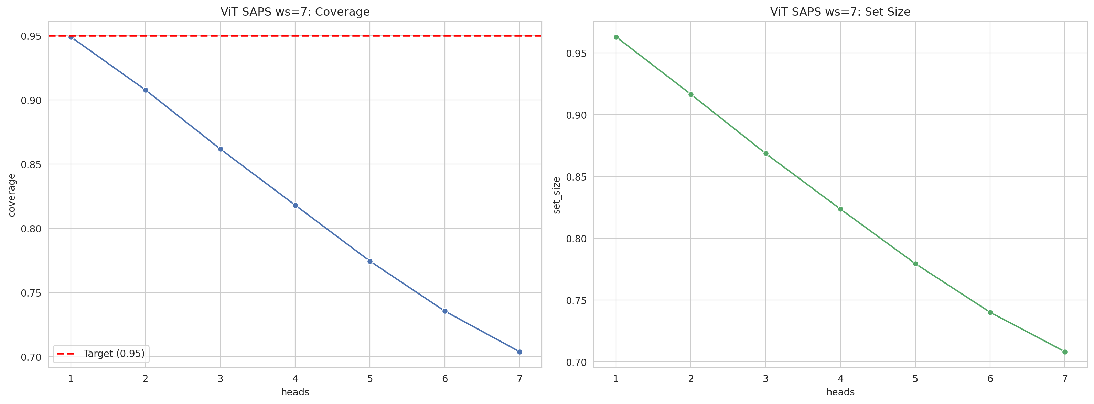
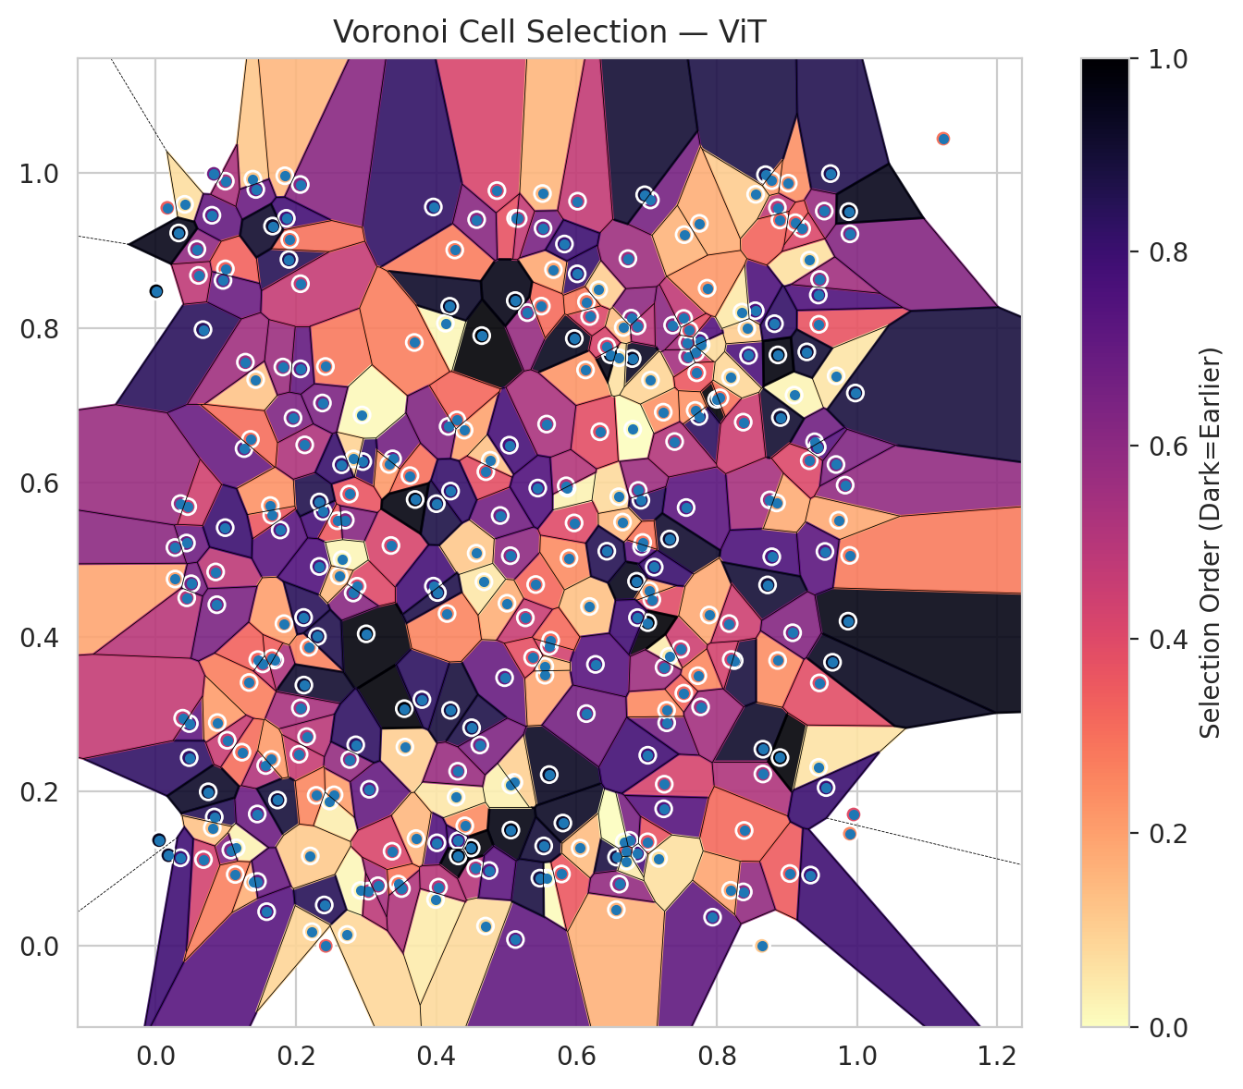
model_key | ViT_UNet_MultiHead
model_name | ViT
scoring_method | SAPS
window_size | 7
lambda | 0.5
k_iters | 1
empirical_coverage | 0.70372569393
avg_set_size | 0.70817871456
scene_coverage | 0.16564686986
scene_avg_set_size | 1.0051890431
uncertain_pixel_rate | 0.14850997925
mean_per_class_cov | 0.71747175567
runtime_sec | 198.45024478
alpha | 0.05

heads | coverage | set_size |  |  | class_id | class_coverage | support_count | Class | Pixels
1 | 0.94893869675 | 0.96289149473 |  |  | 0 | 0.68092105263 | 1216 | Class 0 | 11665
2 | 0.90752560487 | 0.91643164613 |  |  | 1 | 0.70028409091 | 704 | Class 1 | 7935
3 | 0.86151105833 | 0.86848745733 |  |  | 2 | 0.71731448763 | 283 | Class 2 | 6603
4 | 0.81787145614 | 0.82351194894 |  |  | 3 | 0.71062271062 | 1365 | Class 3 | 40342
5 | 0.77423185394 | 0.77942704468 |  |  | 4 | 0.69748427673 | 1590 | Class 4 | 83912
6 | 0.73534214042 | 0.74009202909 |  |  | 5 | 0.69877242682 | 1059 | Class 5 | 45566
7 | 0.70372569393 | 0.70817871456 |  |  | 6 | 0.775 | 200 | Class 6 | 3945
 |  |  |  |  | 7 | 0.759375 | 320 | Class 7 | 23245
 |  |  |  |  |  |  |  | Uncertain | 38931
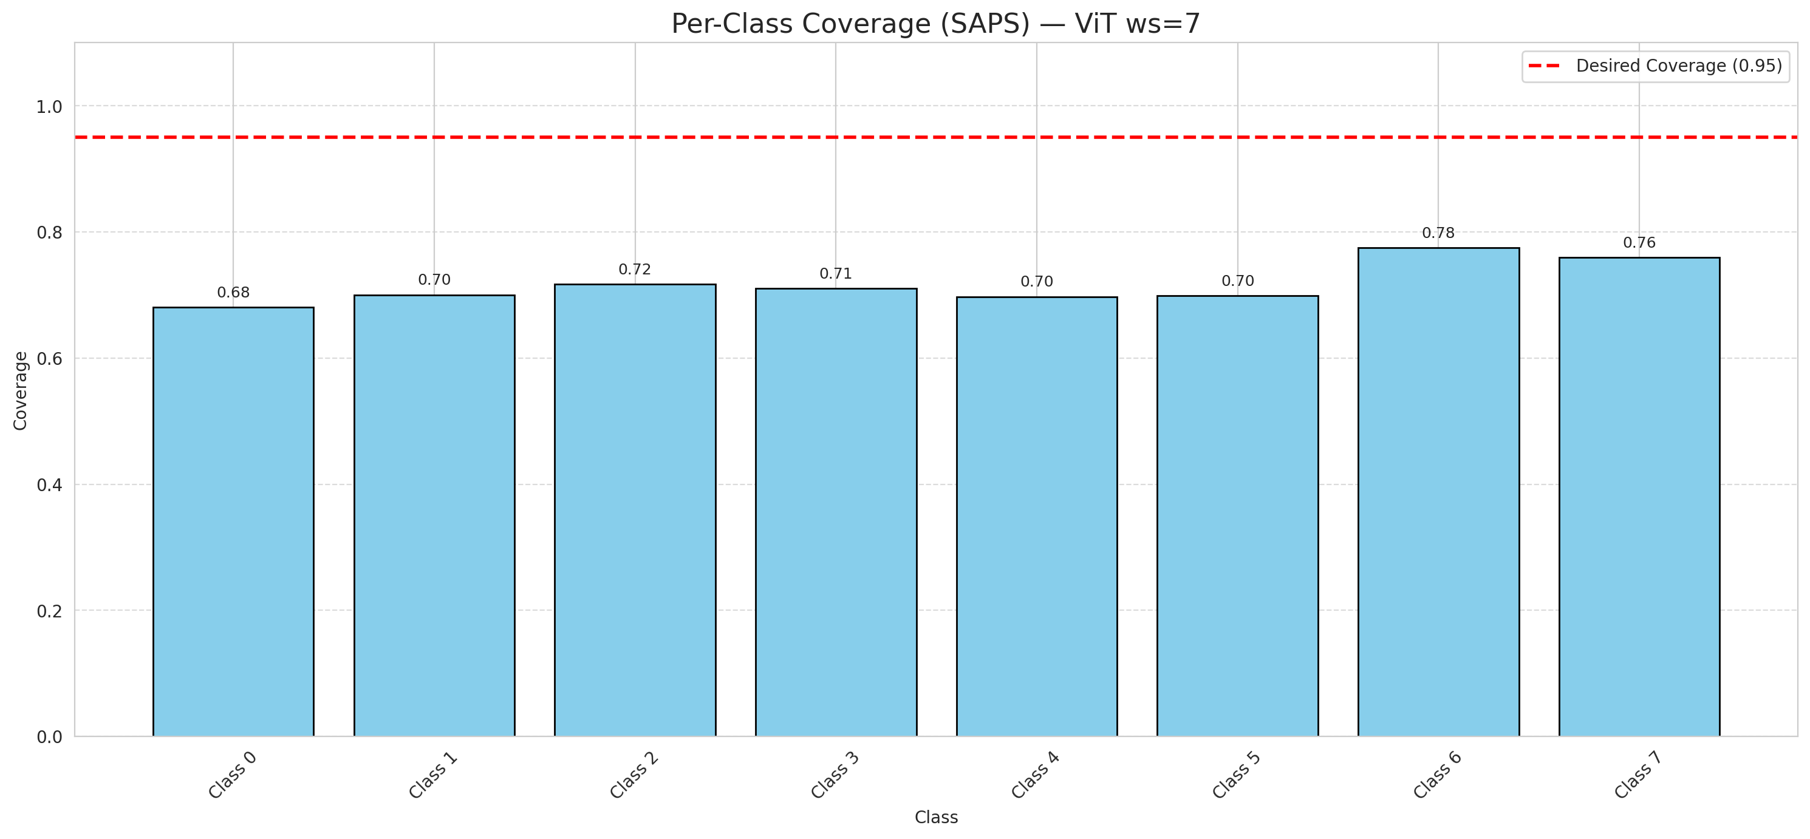

Cell Index | s1 | s2 | Selection_Order | Norm_Order(0-1) | Target
0 | 0.7941 | 0.0374 | 239 | 0.71343283582 | 5
1 | 0.9103 | 0.7128 | 7 | 0.020895522388 | 0
2 | 0.7238 | 0.6908 | 77 | 0.22985074627 | 2
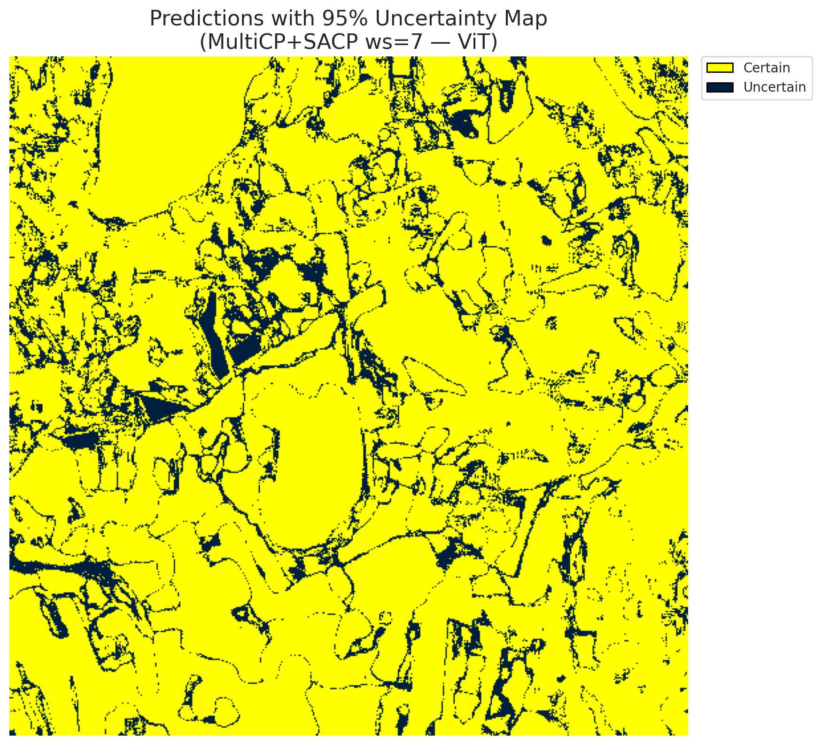
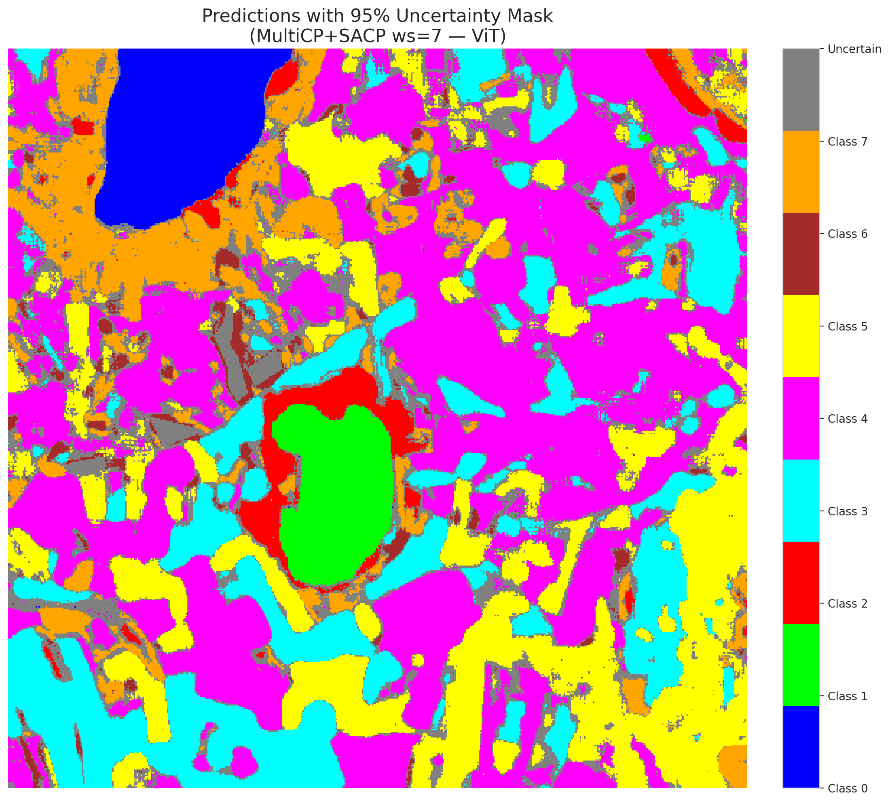
3 | 0.9872 | 0.4204 | 323 | 0.96417910448 | 5
4 | 0.8755 | 0.5773 | 180 | 0.53731343284 | 0
5 | 0.7252 | 0.2094 | 142 | 0.42388059701 | 3
6 | 0.7244 | 0.1776 | 247 | 0.73731343284 | 3
7 | 0.9457 | 0.8045 | 124 | 0.37014925373 | 5
8 | 0.6011 | 0.8698 | 272 | 0.81194029851 | 3
9 | 0.9831 | 0.5964 | 197 | 0.58805970149 | 2
10 | 0.3555 | 0.2575 | 33 | 0.098507462687 | 0
11 | 0.1902 | 0.8884 | 284 | 0.84776119403 | 0
12 | 0.0279 | 0.4749 | 64 | 0.19104477612 | 4
13 | 0.6604 | 0.5814 | 26 | 0.077611940299 | 1
14 | 0.902 | 0.9871 | 78 | 0.2328358209 | 0
15 | 0.613 | 0.7455 | 74 | 0.22089552239 | 0
16 | 0.8865 | 0.9554 | 161 | 0.48059701493 | 4
17 | 0.0677 | 0.7976 | 281 | 0.83880597015 | 3
18 | 0.9322 | 0.8876 | 22 | 0.065671641791 | 5
19 | 0.2187 | 0.3865 | 87 | 0.25970149254 | 0
20 | 0.8785 | 0.5037 | 255 | 0.76119402985 | 1
21 | 0.4976 | 0.3473 | 232 | 0.69253731343 | 4
22 | 0.6803 | 0.6687 | 1 | 0.0029850746269 | 2
23 | 0.338 | 0.6304 | 222 | 0.66268656716 | 4
24 | 0.9897 | 0.1454 | 85 | 0.25373134328 | 0
25 | 0.7322 | 0.375 | 13 | 0.038805970149 | 1
26 | 0.7586 | 0.7628 | 183 | 0.54626865672 | 0
27 | 0.9895 | 0.5055 | 92 | 0.27462686567 | 5
28 | 0.5612 | 0.2219 | 314 | 0.93731343284 | 5
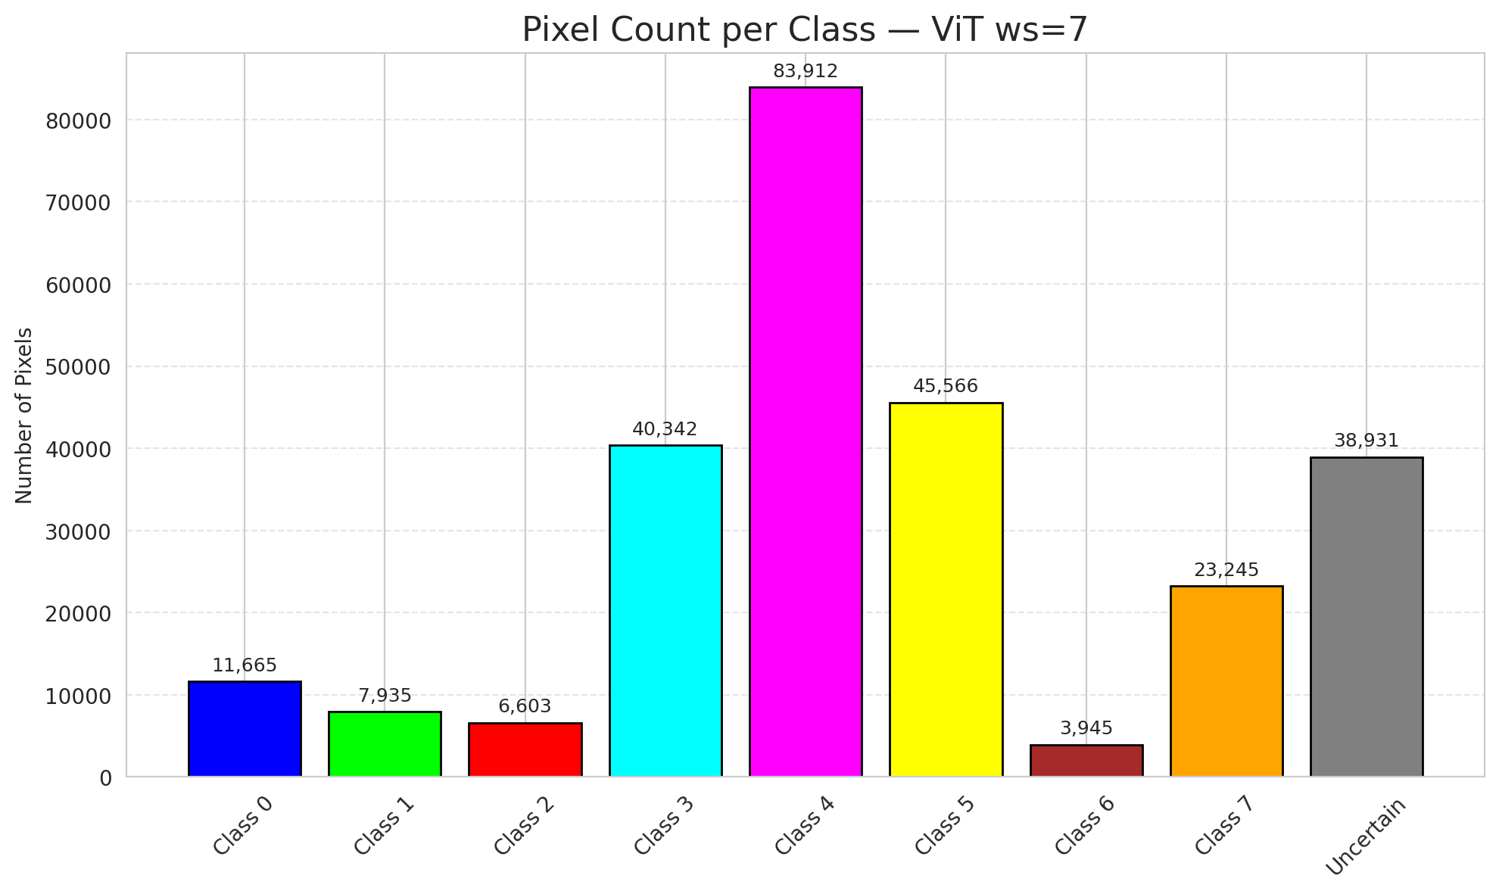
29 | 0.0857 | 0.4841 | 162 | 0.48358208955 | 5
30 | 0.3992 | 0.0602 | 14 | 0.041791044776 | 3
31 | 0.7486 | 0.3841 | 149 | 0.4447761194 | 3
32 | 0.5419 | 0.4678 | 106 | 0.31641791045 | 3
33 | 0.7731 | 0.3498 | 83 | 0.24776119403 | 4
34 | 0.1334 | 0.3411 | 90 | 0.26865671642 | 4
35 | 0.17 | 0.3701 | 175 | 0.5223880597 | 3
36 | 0.2955 | 0.6269 | 273 | 0.81492537313 | 4
37 | 0.2422 | 0.7499 | 93 | 0.2776119403 | 4
38 | 0.7702 | 0.7681 | 147 | 0.43880597015 | 1
39 | 0.2732 | 0.015 | 27 | 0.080597014925 | 1
40 | 0.059 | 0.9017 | 198 | 0.59104477612 | 5
41 | 0.6864 | 0.1198 | 256 | 0.76417910448 | 1
42 | 0.4266 | 0.9007 | 91 | 0.27164179104 | 0
43 | 0.5613 | 0.3879 | 145 | 0.4328358209 | 1
44 | 0.5058 | 0.5051 | 199 | 0.59402985075 | 5
45 | 0.8658 | 0.2547 | 308 | 0.91940298507 | 4
46 | 0.597 | 0.7861 | 316 | 0.94328358209 | 4
47 | 0.0482 | 0.2879 | 238 | 0.71044776119 | 3
48 | 0.0837 | 0.167 | 285 | 0.85074626866 | 1
49 | 0.2066 | 0.7468 | 235 | 0.70149253731 | 4
50 | 0.2154 | 0.271 | 164 | 0.48955223881 | 3
51 | 0.2046 | 0.2482 | 154 | 0.45970149254 | 1
52 | 0.5133 | 0.9417 | 125 | 0.37313432836 | 4
53 | 0.2923 | 0.072 | 4 | 0.011940298507 | 4
54 | 0.7371 | 0.8034 | 202 | 0.60298507463 | 5
55 | 0.4565 | 0.1006 | 168 | 0.50149253731 | 0
56 | 0.7287 | 0.2889 | 221 | 0.65970149254 | 5
57 | 0.115 | 0.127 | 9 | 0.026865671642 | 5
58 | 0.2386 | 0.5623 | 259 | 0.77313432836 | 5
59 | 0.8868 | 0.3695 | 79 | 0.23582089552 | 4
60 | 0.0415 | 0.9597 | 23 | 0.068656716418 | 4
61 | 0.9702 | 0.7377 | 18 | 0.053731343284 | 5
62 | 0.1777 | 0.5384 | 243 | 0.72537313433 | 4
63 | 0.8249 | 0.3694 | 296 | 0.88358208955 | 7
64 | 0.8695 | 0.9981 | 292 | 0.87164179104 | 6
65 | 0.9042 | 0.0939 | 116 | 0.34626865672 | 1
66 | 0.5894 | 0.5019 | 81 | 0.24179104478 | 4
67 | 0.0167 | 0.9552 | 114 | 0.34029850746 | 3
68 | 0.9448 | 0.8424 | 252 | 0.75223880597 | 3
69 | 0.4409 | 0.1556 | 80 | 0.23880597015 | 5
70 | 0.5578 | 0.088 | 2 | 0.0059701492537 | 3
71 | 0.7075 | 0.4483 | 131 | 0.39104477612 | 4
72 | 0.465 | 0.7899 | 334 | 0.99701492537 | 0
73 | 0.2482 | 0.1876 | 11 | 0.032835820896 | 3
74 | 0.2944 | 0.6872 | 3 | 0.0089552238806 | 4
75 | 0.7017 | 0.4185 | 333 | 0.99402985075 | 0
76 | 0.501 | 0.4436 | 55 | 0.16417910448 | 0
77 | 0.3328 | 0.6232 | 71 | 0.21194029851 | 4
78 | 0.4867 | 0.9775 | 139 | 0.41492537313 | 1
79 | 0.5787 | 0.0933 | 120 | 0.35820895522 | 4
80 | 0.9396 | 0.6525 | 225 | 0.67164179104 | 4
81 | 0.6317 | 0.8492 | 34 | 0.10149253731 | 0
82 | 0.5131 | 0.0085 | 236 | 0.70447761194 | 3
83 | 0.7054 | 0.9654 | 219 | 0.65373134328 | 5
84 | 0.3036 | 0.0711 | 163 | 0.48656716418 | 0
85 | 0.8454 | 0.7642 | 254 | 0.75820895522 | 5
86 | 0.6929 | 0.5167 | 237 | 0.70746268657 | 0
87 | 0.7564 | 0.5674 | 241 | 0.71940298507 | 3
88 | 0.196 | 0.6833 | 213 | 0.63582089552 | 0
89 | 0.5109 | 0.2118 | 32 | 0.09552238806 | 1
90 | 0.4285 | 0.1927 | 16 | 0.04776119403 | 4
91 | 0.9466 | 0.8625 | 184 | 0.54925373134 | 1
92 | 0.8643 | 0.0002 | 40 | 0.11940298507 | 5
93 | 0.9621 | 0.9995 | 287 | 0.85671641791 | 5
94 | 0.4506 | 0.2825 | 291 | 0.86865671642 | 1
95 | 0.6189 | 0.8146 | 135 | 0.40298507463 | 3
96 | 0.1262 | 0.6437 | 231 | 0.68955223881 | 4
97 | 0.53 | 0.8196 | 193 | 0.57611940299 | 0
98 | 0.6186 | 0.4394 | 44 | 0.13134328358 | 4
99 | 0.0881 | 0.2892 | 69 | 0.20597014925 | 1
100 | 0.145 | 0.1709 | 227 | 0.6776119403 | 4
101 | 0.2824 | 0.6303 | 31 | 0.092537313433 | 1
102 | 0.1428 | 0.733 | 41 | 0.1223880597 | 0
103 | 0.9338 | 0.0919 | 265 | 0.79104477612 | 4
104 | 0.1831 | 0.4172 | 68 | 0.20298507463 | 3
105 | 0.3356 | 0.5183 | 141 | 0.42089552239 | 4
106 | 0.6781 | 0.8124 | 200 | 0.59701492537 | 4
107 | 0.45 | 0.127 | 329 | 0.98208955224 | 0
108 | 0.6795 | 0.7602 | 313 | 0.93432835821 | 3
109 | 0.5673 | 0.8753 | 61 | 0.18208955224 | 0
110 | 0.2545 | 0.1957 | 67 | 0.2 | 5
111 | 0.1074 | 0.1242 | 209 | 0.62388059701 | 4
112 | 0.3047 | 0.2029 | 233 | 0.69552238806 | 1
113 | 0.1815 | 0.7492 | 189 | 0.56417910448 | 7
114 | 0.4704 | 0.0259 | 25 | 0.074626865672 | 4
115 | 0.3961 | 0.4657 | 260 | 0.77611940299 | 0
116 | 0.1388 | 0.9923 | 39 | 0.11641791045 | 4
117 | 0.5967 | 0.5475 | 133 | 0.39701492537 | 5
118 | 0.6919 | 0.5769 | 280 | 0.83582089552 | 4
119 | 0.1843 | 0.9967 | 51 | 0.15223880597 | 4
120 | 0.2762 | 0.5849 | 123 | 0.3671641791 | 3
121 | 0.048 | 0.2438 | 276 | 0.82388059701 | 3
122 | 0.5066 | 0.1501 | 324 | 0.9671641791 | 4
123 | 0.7999 | 0.7074 | 330 | 0.98507462687 | 4
124 | 0.396 | 0.9563 | 275 | 0.82089552239 | 0
125 | 0.1232 | 0.2509 | 101 | 0.30149253731 | 0
126 | 0.005 | 0.1371 | 317 | 0.94626865672 | 0
127 | 0.157 | 0.2336 | 171 | 0.51044776119 | 4
128 | 0.3003 | 0.404 | 328 | 0.97910447761 | 4
129 | 0.1458 | 0.3706 | 111 | 0.33134328358 | 4
130 | 0.5534 | 0.1296 | 300 | 0.89552238806 | 5
131 | 0.6734 | 0.8895 | 186 | 0.5552238806 | 3
132 | 0.7327 | 0.5267 | 306 | 0.91343283582 | 0
133 | 0.4011 | 0.1336 | 249 | 0.74328358209 | 1
134 | 0.6857 | 0.472 | 318 | 0.94925373134 | 3
135 | 0.3713 | 0.1391 | 50 | 0.14925373134 | 4
136 | 0.6569 | 0.0472 | 54 | 0.16119402985 | 5
137 | 0.4399 | 0.6676 | 65 | 0.19402985075 | 3
138 | 0.4913 | 0.5571 | 223 | 0.66567164179 | 5
139 | 0.5807 | 0.1592 | 312 | 0.93134328358 | 7
140 | 0.5065 | 0.2083 | 10 | 0.029850746269 | 3
141 | 0.259 | 0.5503 | 117 | 0.34925373134 | 1
142 | 0.8784 | 0.9904 | 72 | 0.21492537313 | 0
143 | 0.0804 | 0.9456 | 234 | 0.69850746269 | 2
144 | 0.143 | 0.979 | 230 | 0.68656716418 | 2
145 | 0.8549 | 0.8221 | 253 | 0.7552238806 | 4
146 | 0.0809 | 0.1529 | 43 | 0.12835820896 | 0
147 | 0.7778 | 0.7779 | 24 | 0.071641791045 | 1
148 | 0.2874 | 0.4656 | 134 | 0.4 | 7
149 | 0.5516 | 0.9737 | 52 | 0.1552238806 | 7
150 | 0.0751 | 0.1996 | 309 | 0.9223880597 | 5
151 | 0.7531 | 0.3272 | 108 | 0.3223880597 | 0
152 | 0.2335 | 0.5746 | 288 | 0.85970149254 | 2
153 | 0.7014 | 0.1349 | 122 | 0.36417910448 | 0
154 | 0.6881 | 0.5896 | 188 | 0.56119402985 | 3
155 | 0.7747 | 0.6852 | 278 | 0.82985074627 | 3
156 | 0.4772 | 0.6286 | 42 | 0.12537313433 | 4
157 | 0.1656 | 0.5576 | 119 | 0.3552238806 | 0
158 | 0.3546 | 0.3072 | 331 | 0.98805970149 | 1
159 | 0.6667 | 0.8003 | 45 | 0.13432835821 | 3
160 | 0.4132 | 0.8059 | 5 | 0.014925373134 | 3
161 | 0.9899 | 0.9216 | 208 | 0.62089552239 | 4
162 | 0.2063 | 0.9854 | 205 | 0.61194029851 | 0
163 | 0.8901 | 0.9395 | 109 | 0.32537313433 | 0
164 | 0.2066 | 0.857 | 155 | 0.46268656716 | 0
165 | 0.0995 | 0.9897 | 176 | 0.52537313433 | 0
166 | 0.3627 | 0.6087 | 100 | 0.29850746269 | 0
167 | 0.0441 | 0.5215 | 226 | 0.67462686567 | 4
168 | 0.7037 | 0.4598 | 66 | 0.19701492537 | 4
169 | 0.7109 | 0.4903 | 269 | 0.80298507463 | 0
170 | 0.001 | 0.8473 | 335 | 1 | 5
171 | 0.4194 | 0.8278 | 310 | 0.92537313433 | 5
172 | 0.2705 | 0.5512 | 206 | 0.61492537313 | 0
173 | 0.4315 | 0.1364 | 257 | 0.7671641791 | 5
174 | 0.1636 | 0.57 | 76 | 0.22686567164 | 0
175 | 0.687 | 0.425 | 263 | 0.78507462687 | 1
176 | 0.3689 | 0.781 | 89 | 0.26567164179 | 0
177 | 0.0357 | 0.5725 | 190 | 0.5671641791 | 3
178 | 0.5551 | 0.3505 | 62 | 0.18507462687 | 4
179 | 0.0445 | 0.4506 | 165 | 0.49253731343 | 4
180 | 0.7056 | 0.7323 | 30 | 0.089552238806 | 7
181 | 0.9533 | 0.951 | 192 | 0.57313432836 | 1
182 | 0.0277 | 0.5157 | 201 | 0.6 | 4
183 | 0.9976 | 0.7156 | 297 | 0.88656716418 | 5
184 | 0.2334 | 0.4912 | 251 | 0.74925373134 | 4
185 | 0.5479 | 0.0879 | 295 | 0.88059701493 | 3
186 | 0.8658 | 0.2227 | 174 | 0.51940298507 | 5
187 | 0.1739 | 0.189 | 299 | 0.89253731343 | 3
188 | 0.5524 | 0.9287 | 217 | 0.64776119403 | 4
189 | 0.8046 | 0.7094 | 98 | 0.29253731343 | 3
190 | 0.6757 | 0.1369 | 216 | 0.6447761194 | 4
191 | 0.0183 | 0.1175 | 311 | 0.92835820896 | 3
192 | 0.4623 | 0.2602 | 212 | 0.6328358209 | 4
193 | 0.4571 | 0.5083 | 38 | 0.11343283582 | 0
194 | 0.7285 | 0.3051 | 82 | 0.2447761194 | 3
195 | 0.0684 | 0.112 | 144 | 0.42985074627 | 7
196 | 0.2818 | 0.4568 | 203 | 0.60597014925 | 3
197 | 0.6973 | 0.9721 | 303 | 0.90447761194 | 5
198 | 0.2111 | 0.4252 | 282 | 0.84179104478 | 0
199 | 0.6658 | 0.5486 | 49 | 0.14626865672 | 4
200 | 0.8379 | 0.0701 | 196 | 0.58507462687 | 0
201 | 0.843 | 0.7989 | 35 | 0.10447761194 | 0
202 | 0.9433 | 0.6456 | 245 | 0.73134328358 | 5
203 | 0.1584 | 0.0445 | 246 | 0.73432835821 | 6
204 | 0.4206 | 0.305 | 298 | 0.88955223881 | 4
205 | 0.2427 | 0.0002 | 112 | 0.33432835821 | 0
206 | 0.7529 | 0.8121 | 159 | 0.47462686567 | 4
207 | 0.4315 | 0.1166 | 327 | 0.97611940299 | 4
208 | 0.8902 | 0.2439 | 332 | 0.99104477612 | 0
209 | 0.6053 | 0.1267 | 46 | 0.13731343284 | 4
210 | 0.1865 | 0.9416 | 261 | 0.77910447761 | 0
211 | 0.2405 | 0.0532 | 283 | 0.8447761194 | 1
212 | 0.6433 | 0.5109 | 286 | 0.85373134328 | 1
213 | 0.0996 | 0.8762 | 110 | 0.32835820896 | 5
214 | 0.3798 | 0.319 | 279 | 0.8328358209 | 4
...

