AlexNet_RAPS_ws9
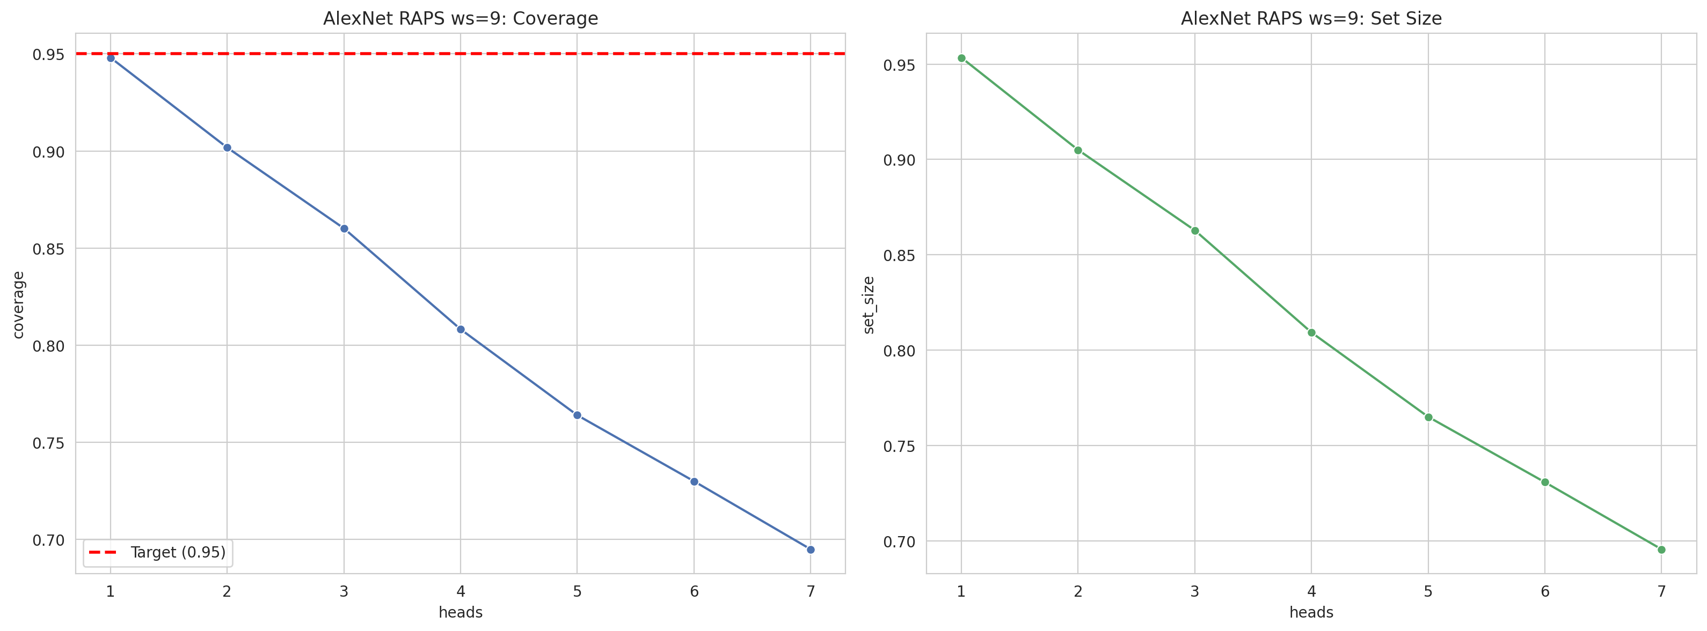
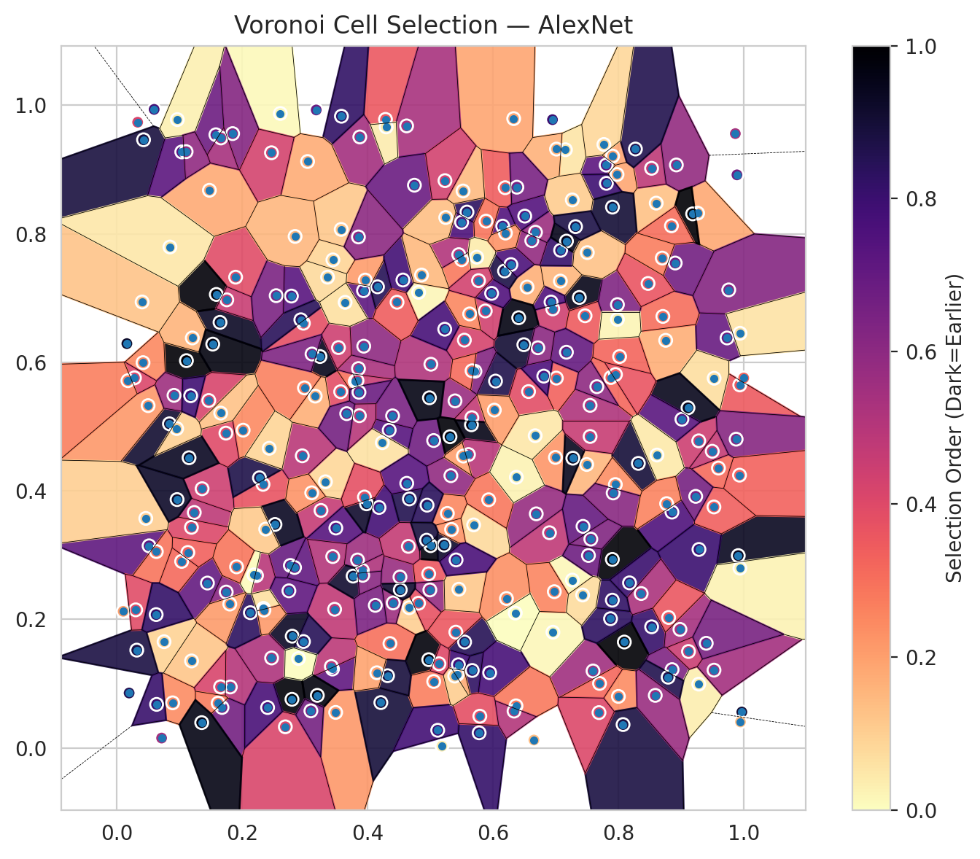
model_key | AlexNet_CNN_MultiHead
model_name | AlexNet
scoring_method | RAPS
window_size | 9
lambda | 0.5
k_iters | 1
empirical_coverage | 0.69496808669
avg_set_size | 0.69556182277
scene_coverage | 0.2032391296
scene_avg_set_size | 1.3323597481
uncertain_pixel_rate | 0.34991073608
mean_per_class_cov | 0.69496225896
runtime_sec | 276.86110336
alpha | 0.05

heads | coverage | set_size |  |  | class_id | class_coverage | support_count | Class | Pixels
1 | 0.94804809262 | 0.95339171738 |  |  | 0 | 0.703125 | 1216 | Class 0 | 10623
2 | 0.90173667805 | 0.90500222651 |  |  | 1 | 0.70738636364 | 704 | Class 1 | 7307
3 | 0.86017515214 | 0.86284696452 |  |  | 2 | 0.69964664311 | 283 | Class 2 | 5537
4 | 0.80822324477 | 0.80926228292 |  |  | 3 | 0.68424908425 | 1365 | Class 3 | 38939
5 | 0.76398990649 | 0.76502894463 |  |  | 4 | 0.69622641509 | 1590 | Class 4 | 53912
6 | 0.72999851566 | 0.73074068577 |  |  | 5 | 0.69593956563 | 1059 | Class 5 | 36763
7 | 0.69496808669 | 0.69556182277 |  |  | 6 | 0.72 | 200 | Class 6 | 2348
 |  |  |  |  | 7 | 0.653125 | 320 | Class 7 | 14988
 |  |  |  |  |  |  |  | Uncertain | 91727
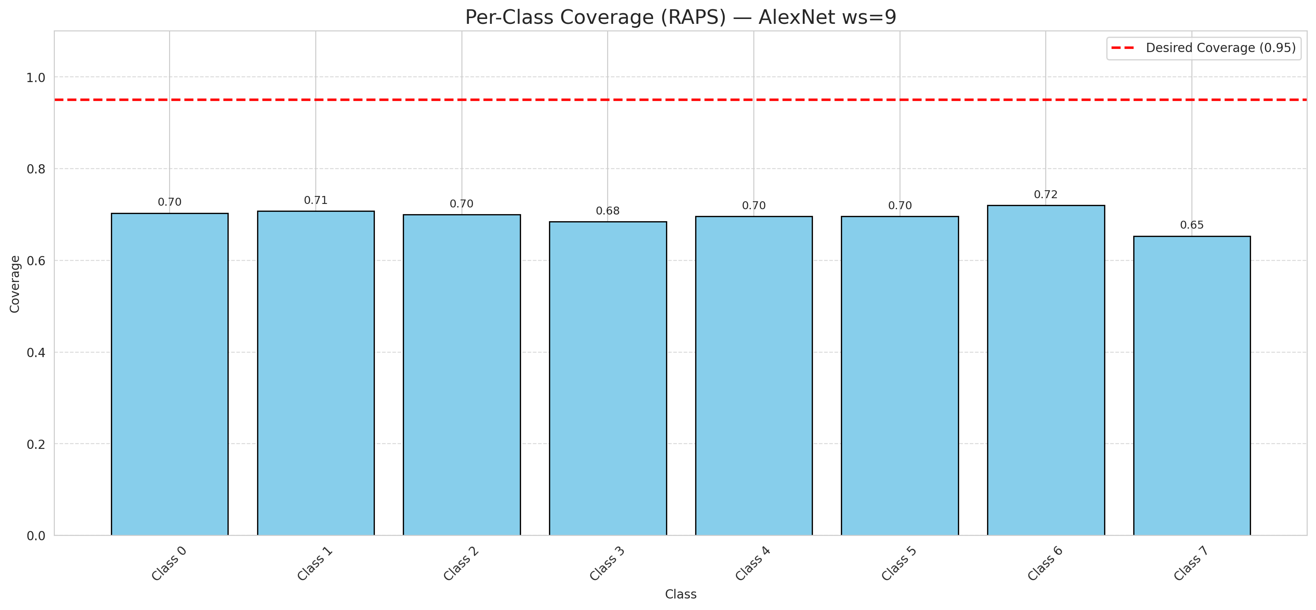

Cell Index | s1 | s2 | Selection_Order | Norm_Order(0-1) | Target
0 | 0.1807 | 0.0947 | 168 | 0.50149253731 | 5
1 | 0.2765 | 0.2838 | 232 | 0.69253731343 | 0
2 | 0.8529 | 0.1883 | 271 | 0.80895522388 | 2
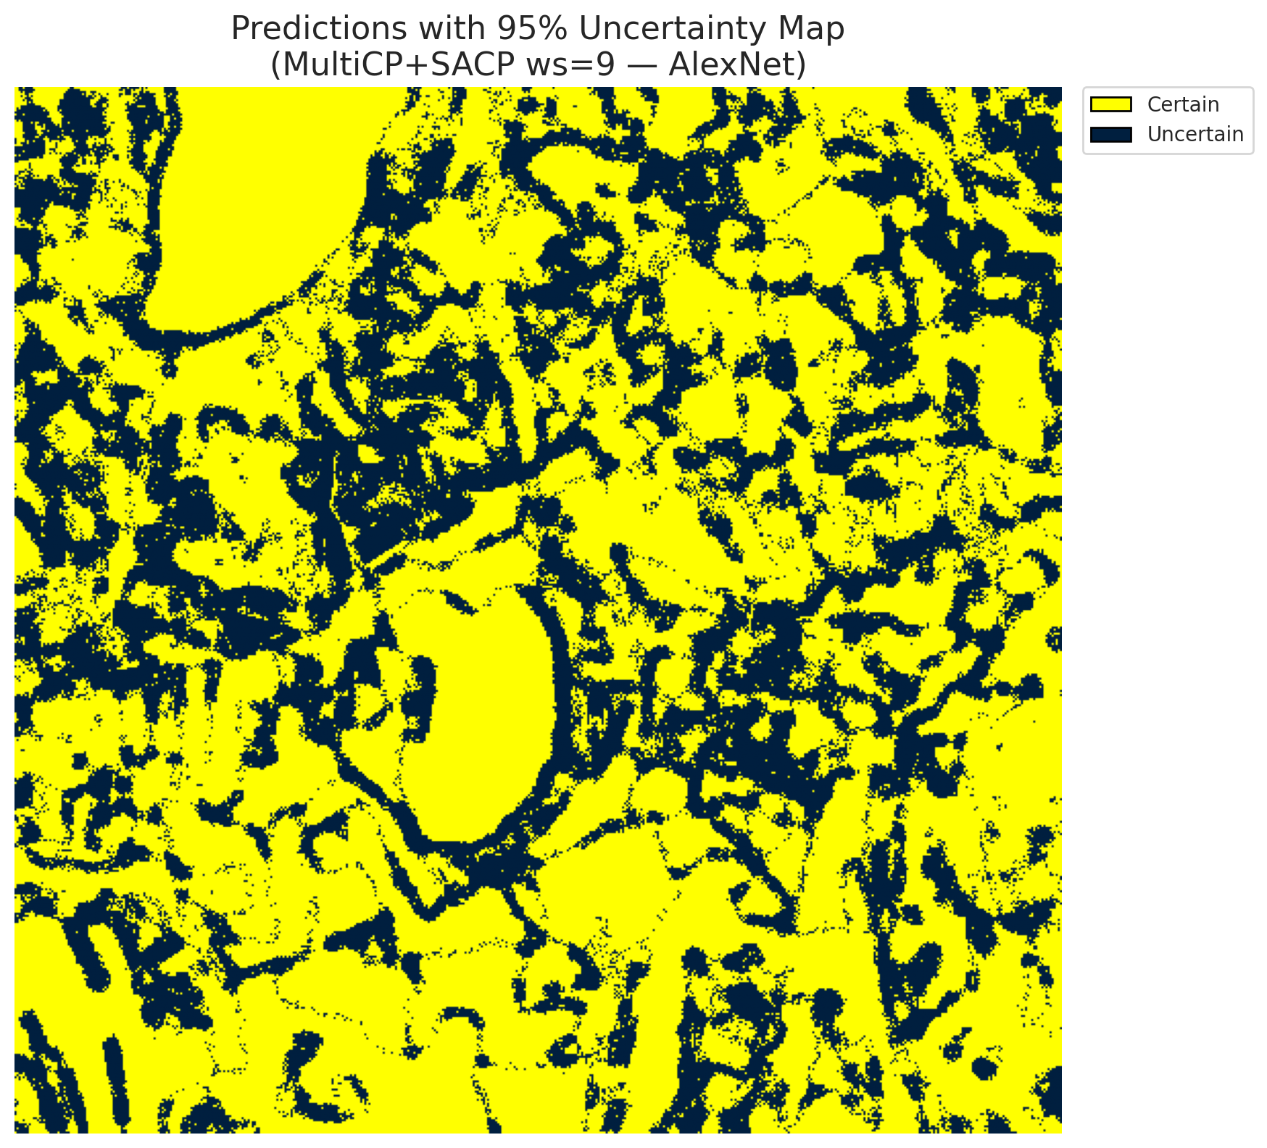
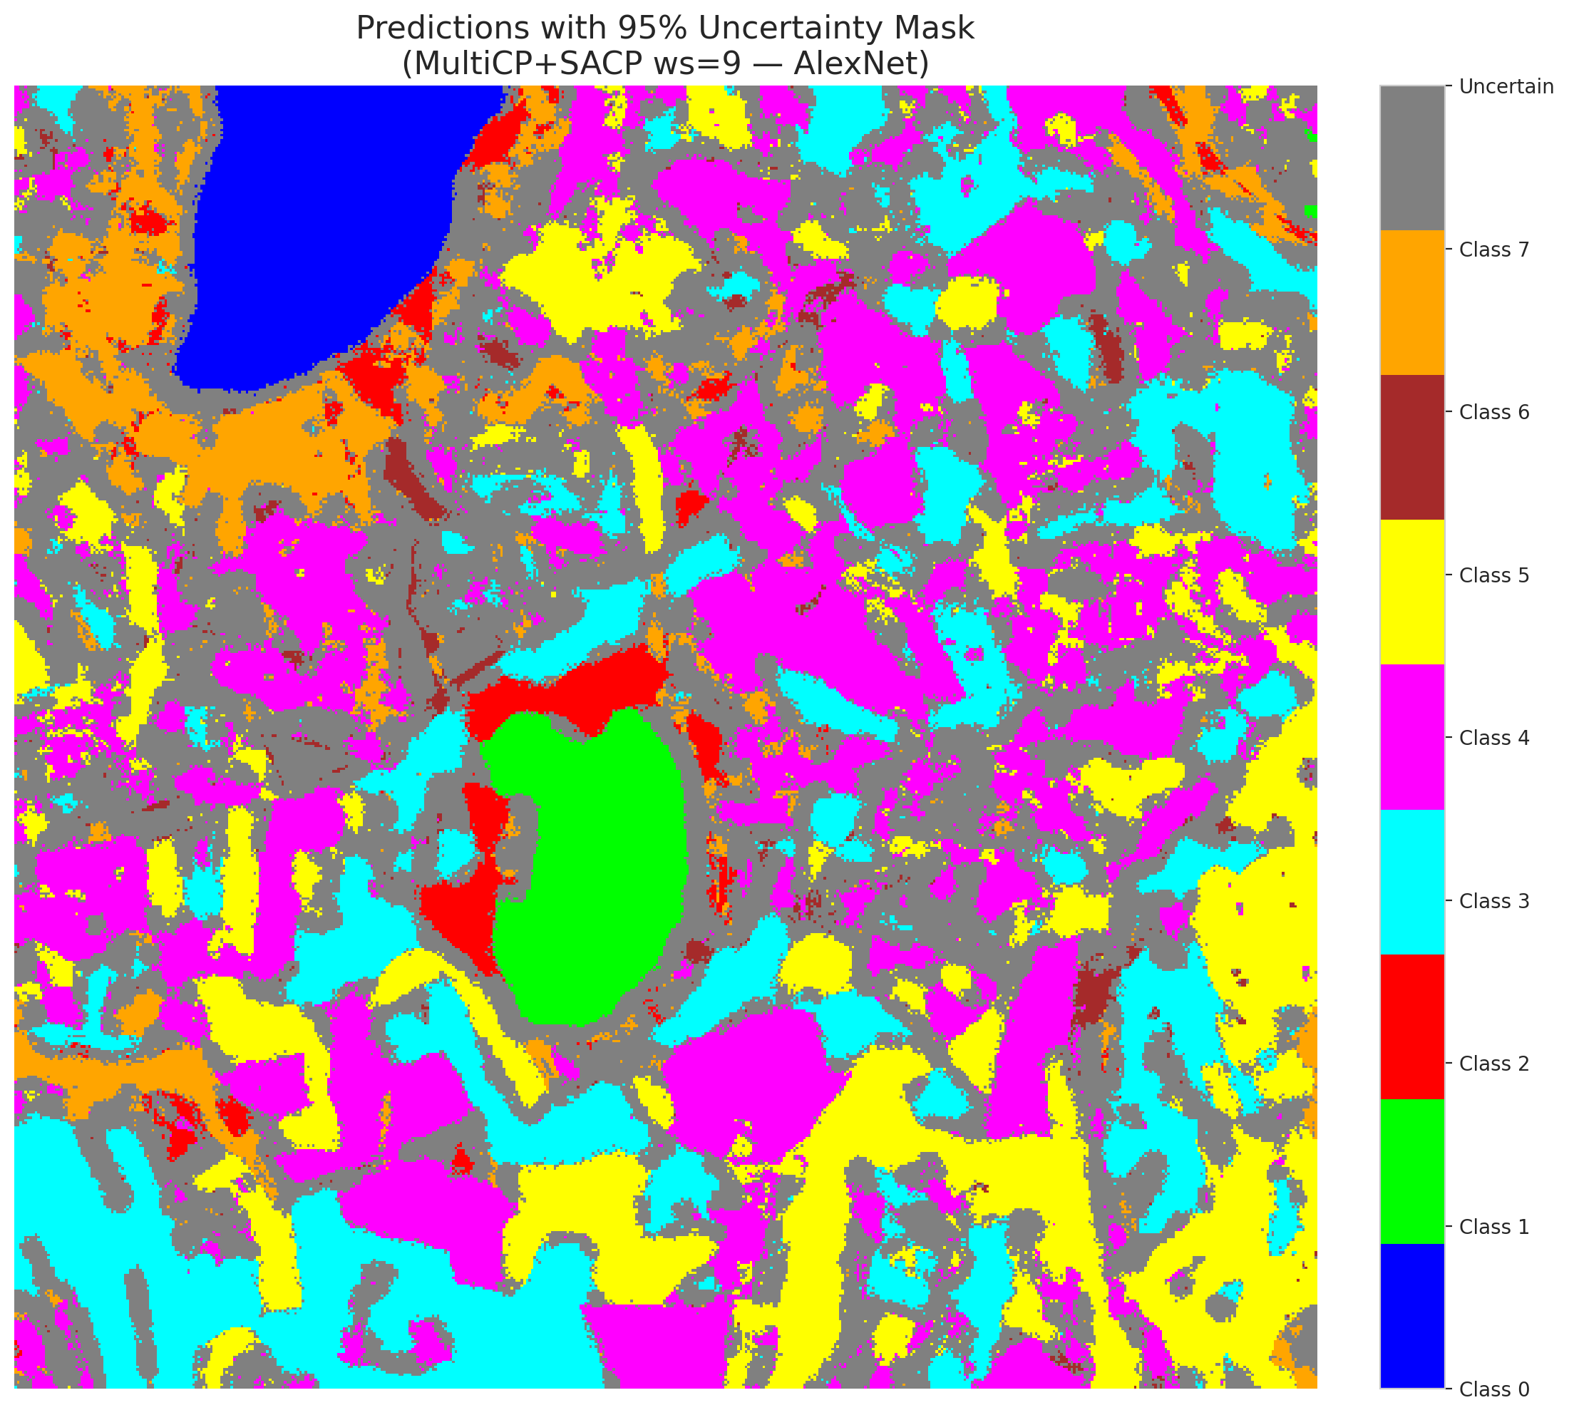
3 | 0.6651 | 0.0121 | 46 | 0.13731343284 | 5
4 | 0.2782 | 0.703 | 244 | 0.72835820896 | 0
5 | 0.6899 | 0.3347 | 160 | 0.4776119403 | 3
6 | 0.7594 | 0.1196 | 185 | 0.55223880597 | 3
7 | 0.1189 | 0.1352 | 40 | 0.11940298507 | 5
8 | 0.3913 | 0.2762 | 173 | 0.51641791045 | 3
9 | 0.1892 | 0.7324 | 132 | 0.39402985075 | 2
10 | 0.2329 | 0.41 | 124 | 0.37014925373 | 0
11 | 0.5667 | 0.1204 | 277 | 0.82686567164 | 0
12 | 0.9595 | 0.4353 | 104 | 0.31044776119 | 4
13 | 0.7375 | 0.7008 | 320 | 0.9552238806 | 1
14 | 0.7493 | 0.4409 | 51 | 0.15223880597 | 0
15 | 0.0511 | 0.3143 | 239 | 0.71343283582 | 0
16 | 0.8093 | 0.1646 | 334 | 0.99701492537 | 4
17 | 0.3568 | 0.5541 | 129 | 0.38507462687 | 3
18 | 0.6994 | 0.4519 | 74 | 0.22089552239 | 5
19 | 0.0627 | 0.3054 | 97 | 0.28955223881 | 0
20 | 0.8981 | 0.1843 | 181 | 0.54029850746 | 1
21 | 0.1232 | 0.3662 | 161 | 0.48059701493 | 4
22 | 0.8317 | 0.4426 | 300 | 0.89552238806 | 2
23 | 0.2605 | 0.9871 | 3 | 0.0089552238806 | 4
24 | 0.1357 | 0.4032 | 148 | 0.44179104478 | 0
25 | 0.7073 | 0.7263 | 52 | 0.1552238806 | 1
26 | 0.3471 | 0.2156 | 159 | 0.47462686567 | 0
27 | 0.418 | 0.374 | 261 | 0.77910447761 | 5
28 | 0.4283 | 0.9779 | 119 | 0.3552238806 | 5
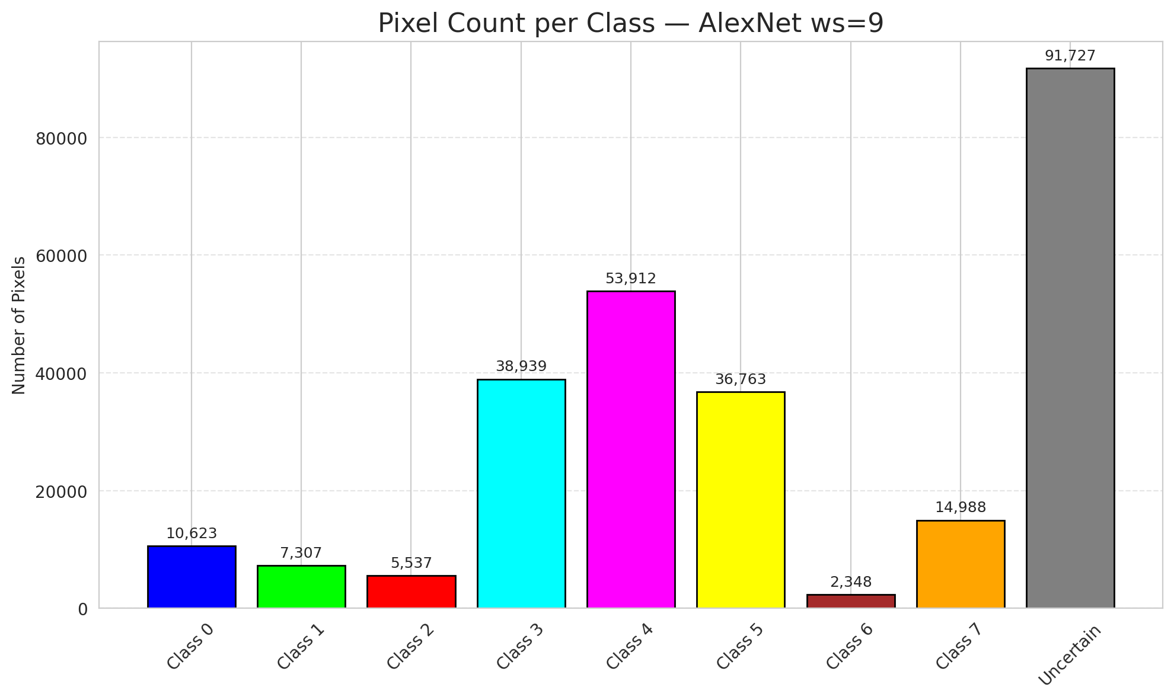
29 | 0.6153 | 0.8118 | 249 | 0.74328358209 | 5
30 | 0.3254 | 0.3694 | 155 | 0.46268656716 | 3
31 | 0.8753 | 0.6341 | 57 | 0.17014925373 | 3
32 | 0.2795 | 0.1737 | 311 | 0.92835820896 | 3
33 | 0.8855 | 0.1217 | 212 | 0.6328358209 | 4
34 | 0.4664 | 0.3873 | 287 | 0.85671641791 | 4
35 | 0.6038 | 0.5707 | 290 | 0.86567164179 | 3
36 | 0.3488 | 0.0551 | 73 | 0.21791044776 | 4
37 | 0.4514 | 0.2658 | 192 | 0.57313432836 | 4
38 | 0.9281 | 0.0991 | 11 | 0.032835820896 | 1
39 | 0.7547 | 0.5329 | 174 | 0.51940298507 | 1
40 | 0.8602 | 0.8476 | 44 | 0.13134328358 | 5
41 | 0.3801 | 0.5703 | 99 | 0.29552238806 | 1
42 | 0.1577 | 0.954 | 227 | 0.6776119403 | 0
43 | 0.3437 | 0.1226 | 238 | 0.71044776119 | 1
44 | 0.4661 | 0.218 | 34 | 0.10149253731 | 5
45 | 0.9911 | 0.2991 | 315 | 0.94029850746 | 4
46 | 0.9732 | 0.6378 | 231 | 0.68955223881 | 4
47 | 0.2272 | 0.4202 | 291 | 0.86865671642 | 3
48 | 0.9524 | 0.1209 | 182 | 0.54328358209 | 1
49 | 0.9864 | 0.9558 | 178 | 0.53134328358 | 4
50 | 0.3444 | 0.7593 | 29 | 0.086567164179 | 3
51 | 0.0592 | 0.9935 | 260 | 0.77611940299 | 1
52 | 0.6951 | 0.683 | 147 | 0.43880597015 | 4
53 | 0.5392 | 0.5399 | 190 | 0.5671641791 | 4
54 | 0.1643 | 0.6621 | 312 | 0.93134328358 | 5
55 | 0.2973 | 0.6607 | 128 | 0.38208955224 | 0
56 | 0.7467 | 0.6723 | 116 | 0.34626865672 | 5
57 | 0.3837 | 0.2923 | 186 | 0.5552238806 | 5
58 | 0.6924 | 0.6937 | 250 | 0.74626865672 | 5
59 | 0.3932 | 0.7114 | 240 | 0.71641791045 | 4
60 | 0.6688 | 0.3641 | 193 | 0.57611940299 | 4
61 | 0.7264 | 0.261 | 5 | 0.014925373134 | 5
62 | 0.8853 | 0.3668 | 252 | 0.75223880597 | 4
63 | 0.1584 | 0.7055 | 329 | 0.98208955224 | 7
64 | 0.8708 | 0.6713 | 102 | 0.30447761194 | 6
65 | 0.7902 | 0.2932 | 332 | 0.99104477612 | 1
66 | 0.481 | 0.225 | 125 | 0.37313432836 | 4
67 | 0.3419 | 0.1266 | 163 | 0.48656716418 | 3
68 | 0.0887 | 0.07 | 80 | 0.23880597015 | 3
69 | 0.0329 | 0.9735 | 141 | 0.42089552239 | 5
70 | 0.1442 | 0.2564 | 235 | 0.70149253731 | 3
71 | 0.6954 | 0.1799 | 4 | 0.011940298507 | 4
72 | 0.1742 | 0.2424 | 205 | 0.61194029851 | 0
73 | 0.6328 | 0.9791 | 64 | 0.19104477612 | 3
74 | 0.5497 | 0.7596 | 93 | 0.2776119403 | 4
75 | 0.2225 | 0.2681 | 165 | 0.49253731343 | 0
76 | 0.5545 | 0.1646 | 285 | 0.85074626866 | 0
77 | 0.0711 | 0.0152 | 184 | 0.54925373134 | 4
78 | 0.1474 | 0.8676 | 59 | 0.17611940299 | 1
79 | 0.8905 | 0.7544 | 223 | 0.66567164179 | 4
80 | 0.649 | 0.6273 | 303 | 0.90447761194 | 4
81 | 0.075 | 0.1651 | 31 | 0.092537313433 | 0
82 | 0.6542 | 0.717 | 56 | 0.1671641791 | 3
83 | 0.5051 | 0.4782 | 225 | 0.67164179104 | 5
84 | 0.0836 | 0.5042 | 304 | 0.90746268657 | 0
85 | 0.5661 | 0.5137 | 158 | 0.47164179104 | 5
86 | 0.3325 | 0.414 | 28 | 0.083582089552 | 0
87 | 0.4354 | 0.1623 | 100 | 0.29850746269 | 3
88 | 0.4972 | 0.2708 | 118 | 0.35223880597 | 0
89 | 0.5689 | 0.3469 | 25 | 0.074626865672 | 1
90 | 0.5003 | 0.3146 | 326 | 0.97313432836 | 4
91 | 0.1187 | 0.3431 | 135 | 0.40298507463 | 1
92 | 0.8528 | 0.9018 | 162 | 0.48358208955 | 5
93 | 0.4812 | 0.7087 | 6 | 0.017910447761 | 5
94 | 0.6192 | 0.8716 | 115 | 0.34328358209 | 1
95 | 0.5217 | 0.3155 | 308 | 0.91940298507 | 3
96 | 0.1675 | 0.0628 | 222 | 0.66268656716 | 4
97 | 0.5583 | 0.8337 | 279 | 0.8328358209 | 0
98 | 0.7873 | 0.2009 | 278 | 0.82985074627 | 4
99 | 0.0423 | 0.9462 | 297 | 0.88656716418 | 1
100 | 0.7434 | 0.3446 | 234 | 0.69850746269 | 4
101 | 0.3238 | 0.6089 | 319 | 0.95223880597 | 1
102 | 0.7803 | 0.9068 | 241 | 0.71940298507 | 0
103 | 0.3195 | 0.0816 | 327 | 0.97611940299 | 4
104 | 0.7977 | 0.8922 | 62 | 0.18507462687 | 3
105 | 0.6676 | 0.8023 | 189 | 0.56417910448 | 4
106 | 0.7154 | 0.9307 | 18 | 0.053731343284 | 4
107 | 0.2791 | 0.0755 | 331 | 0.98805970149 | 0
108 | 0.795 | 0.4097 | 79 | 0.23582089552 | 3
109 | 0.2685 | 0.0327 | 138 | 0.41194029851 | 0
110 | 0.462 | 0.9678 | 179 | 0.53432835821 | 5
111 | 0.0315 | 0.152 | 294 | 0.8776119403 | 4
112 | 0.4973 | 0.1372 | 328 | 0.97910447761 | 1
113 | 0.9263 | 0.832 | 61 | 0.18208955224 | 7
114 | 0.4209 | 0.0704 | 299 | 0.89253731343 | 4
115 | 0.5497 | 0.8178 | 254 | 0.75820895522 | 0
116 | 0.4155 | 0.7174 | 284 | 0.84776119403 | 4
117 | 0.6976 | 0.243 | 86 | 0.25671641791 | 5
118 | 0.3852 | 0.5902 | 177 | 0.52835820896 | 4
119 | 0.9759 | 0.7126 | 207 | 0.61791044776 | 4
120 | 0.6182 | 0.742 | 292 | 0.87164179104 | 3
121 | 0.2955 | 0.4544 | 164 | 0.48955223881 | 3
122 | 0.4991 | 0.2457 | 194 | 0.57910447761 | 4
123 | 0.2402 | 0.0627 | 257 | 0.7671641791 | 4
124 | 0.9935 | 0.5647 | 117 | 0.34925373134 | 0
125 | 0.1107 | 0.6025 | 333 | 0.99402985075 | 0
126 | 0.396 | 0.7279 | 69 | 0.20597014925 | 0
127 | 0.5945 | 0.1169 | 258 | 0.77014925373 | 4
128 | 0.0415 | 0.5994 | 83 | 0.24776119403 | 4
129 | 0.9526 | 0.5751 | 23 | 0.068656716418 | 4
130 | 0.5887 | 0.8196 | 98 | 0.29253731343 | 5
131 | 0.7521 | 0.2993 | 226 | 0.67462686567 | 3
132 | 0.7906 | 0.9208 | 63 | 0.18805970149 | 0
133 | 0.7999 | 0.08 | 81 | 0.24179104478 | 1
134 | 0.3873 | 0.9506 | 183 | 0.54626865672 | 3
135 | 0.4342 | 0.4943 | 246 | 0.73432835821 | 4
136 | 0.2012 | 0.4943 | 82 | 0.2447761194 | 5
137 | 0.1031 | 0.2901 | 105 | 0.31343283582 | 3
138 | 0.3576 | 0.8067 | 38 | 0.11343283582 | 5
139 | 0.5654 | 0.5027 | 321 | 0.95820895522 | 7
140 | 0.928 | 0.4777 | 150 | 0.44776119403 | 3
141 | 0.358 | 0.9828 | 276 | 0.82388059701 | 1
142 | 0.1737 | 0.4897 | 133 | 0.39701492537 | 0
143 | 0.252 | 0.3476 | 314 | 0.93731343284 | 2
144 | 0.5052 | 0.1032 | 90 | 0.26865671642 | 2
145 | 0.2742 | 0.2443 | 237 | 0.70746268657 | 4
146 | 0.5452 | 0.7674 | 171 | 0.51044776119 | 0
147 | 0.5326 | 0.4235 | 197 | 0.58805970149 | 1
148 | 0.7915 | 0.3966 | 203 | 0.60597014925 | 7
149 | 0.8073 | 0.0362 | 295 | 0.88059701493 | 7
150 | 0.9109 | 0.5291 | 317 | 0.94626865672 | 5
151 | 0.7272 | 0.4507 | 316 | 0.94328358209 | 0
152 | 0.6365 | 0.0653 | 94 | 0.28059701493 | 2
153 | 0.5312 | 0.4841 | 330 | 0.98507462687 | 0
154 | 0.6565 | 0.5544 | 130 | 0.38805970149 | 3
155 | 0.8923 | 0.907 | 196 | 0.58507462687 | 3
156 | 0.3936 | 0.625 | 199 | 0.59402985075 | 4
157 | 0.9284 | 0.3087 | 267 | 0.79701492537 | 0
158 | 0.5541 | 0.6344 | 142 | 0.42388059701 | 1
159 | 0.5007 | 0.5969 | 172 | 0.51343283582 | 3
160 | 0.9937 | 0.2795 | 9 | 0.026865671642 | 3
161 | 0.9117 | 0.1499 | 151 | 0.45074626866 | 4
162 | 0.1751 | 0.6971 | 152 | 0.45373134328 | 0
163 | 0.7009 | 0.5753 | 110 | 0.32835820896 | 0
164 | 0.827 | 0.9318 | 288 | 0.85970149254 | 0
165 | 0.3491 | 0.342 | 247 | 0.73731343284 | 0
166 | 0.3162 | 0.5473 | 55 | 0.16417910448 | 0
167 | 0.3178 | 0.9926 | 228 | 0.68059701493 | 4
168 | 0.9183 | 0.8309 | 335 | 1 | 4
169 | 0.4406 | 0.2255 | 188 | 0.56119402985 | 0
170 | 0.5337 | 0.3398 | 76 | 0.22686567164 | 5
171 | 0.6671 | 0.4857 | 16 | 0.04776119403 | 5
172 | 0.7077 | 0.7742 | 272 | 0.81194029851 | 0
173 | 0.4744 | 0.8755 | 230 | 0.68656716418 | 5
174 | 0.7547 | 0.4845 | 154 | 0.45970149254 | 0
175 | 0.9012 | 0.5113 | 243 | 0.72537313433 | 1
176 | 0.2933 | 0.6661 | 282 | 0.84179104478 | 0
177 | 0.4396 | 0.5166 | 216 | 0.6447761194 | 3
178 | 0.552 | 0.8665 | 48 | 0.14328358209 | 4
179 | 0.4232 | 0.4748 | 20 | 0.059701492537 | 4
180 | 0.5405 | 0.18 | 120 | 0.35820895522 | 7
181 | 0.2372 | 0.3404 | 37 | 0.11044776119 | 1
182 | 0.6284 | 0.752 | 255 | 0.76119402985 | 4
183 | 0.1201 | 0.6378 | 53 | 0.15820895522 | 5
184 | 0.5739 | 0.7635 | 14 | 0.041791044776 | 4
185 | 0.0157 | 0.629 | 309 | 0.9223880597 | 3
186 | 0.7169 | 0.6156 | 233 | 0.69552238806 | 5
187 | 0.1652 | 0.0949 | 139 | 0.41492537313 | 3
188 | 0.3766 | 0.2672 | 306 | 0.91343283582 | 4
189 | 0.2974 | 0.1654 | 283 | 0.8447761194 | 3
190 | 0.8176 | 0.2567 | 269 | 0.80298507463 | 4
191 | 0.2466 | 0.1398 | 175 | 0.5223880597 | 3
192 | 0.7807 | 0.8784 | 266 | 0.79402985075 | 4
193 | 0.5244 | 0.8252 | 45 | 0.13432835821 | 0
194 | 0.7879 | 0.5762 | 106 | 0.31641791045 | 3
195 | 0.1613 | 0.0695 | 92 | 0.27462686567 | 7
196 | 0.9968 | 0.0557 | 302 | 0.90149253731 | 3
197 | 0.4561 | 0.728 | 263 | 0.78507462687 | 5
198 | 0.0298 | 0.2147 | 131 | 0.39104477612 | 0
199 | 0.4984 | 0.5447 | 322 | 0.96119402985 | 4
200 | 0.2895 | 0.1389 | 1 | 0.0029850746269 | 0
201 | 0.5453 | 0.2468 | 39 | 0.11641791045 | 0
202 | 0.5446 | 0.1293 | 264 | 0.78805970149 | 5
203 | 0.4858 | 0.7357 | 49 | 0.14626865672 | 6
204 | 0.6213 | 0.2323 | 78 | 0.2328358209 | 4
205 | 0.1527 | 0.6282 | 325 | 0.97014925373 | 0
206 | 0.5116 | 0.0273 | 262 | 0.78208955224 | 4
207 | 0.299 | 0.5601 | 88 | 0.26268656716 | 4
208 | 0.4316 | 0.1122 | 298 | 0.88955223881 | 0
209 | 0.0098 | 0.2124 | 66 | 0.19701492537 | 4
210 | 0.04 | 0.6938 | 41 | 0.1223880597 | 0
211 | 0.4622 | 0.4116 | 245 | 0.73134328358 | 1
212 | 0.717 | 0.7885 | 318 | 0.94925373134 | 1
213 | 0.0624 | 0.2073 | 274 | 0.81791044776 | 5
214 | 0.1351 | 0.0392 | 323 | 0.96417910448 | 4
215 | 0.5777 | 0.0233 | 273 | 0.81492537313 | 3
216 | 0.0193 | 0.0853 | 286 | 0.85373134328 | 5
217 | 0.2539 | 0.7036 | 215 | 0.64179104478 | 0
218 | 0.9523 | 0.3748 | 113 | 0.33731343284 | 3
219 | 0.8362 | 0.2401 | 176 | 0.52537313433 | 3
220 | 0.1844 | 0.9558 | 208 | 0.62089552239 | 4
221 | 0.0496 | 0.5325 | 72 | 0.21492537313 | 3
222 | 0.304 | 0.9124 | 58 | 0.17313432836 | 4
223 | 0.571 | 0.586 | 209 | 0.62388059701 | 7
224 | 0.2127 | 0.2103 | 280 | 0.83582089552 | 3
225 | 0.1464 | 0.5405 | 140 | 0.41791044776 | 3
226 | 0.5409 | 0.2924 | 256 | 0.76417910448 | 3
227 | 0.2832 | 0.2806 | 236 | 0.70447761194 | 0
228 | 0.6505 | 0.8274 | 248 | 0.74029850746 | 3
229 | 0.6808 | 0.5784 | 253 | 0.7552238806 | 0
230 | 0.0909 | 0.5485 | 187 | 0.55820895522 | 0
231 | 0.7011 | 0.9317 | 54 | 0.16119402985 | 0
232 | 0.7904 | 0.8414 | 301 | 0.89850746269 | 7
233 | 0.8792 | 0.1099 | 289 | 0.86268656716 | 5
234 | 0.5183 | 0.0026 | 13 | 0.038805970149 | 4
235 | 0.7698 | 0.1002 | 107 | 0.31940298507 | 5
236 | 0.7689 | 0.0548 | 136 | 0.40597014925 | 6
237 | 0.9946 | 0.0403 | 47 | 0.14029850746 | 2
238 | 0.9232 | 0.3913 | 219 | 0.65373134328 | 5
239 | 0.7983 | 0.6897 | 211 | 0.62985074627 | 6
240 | 0.4519 | 0.2459 | 305 | 0.91044776119 | 4
241 | 0.1033 | 0.9273 | 242 | 0.7223880597 | 4
242 | 0.3828 | 0.5714 | 153 | 0.45671641791 | 3
243 | 0.1149 | 0.4514 | 313 | 0.93432835821 | 3
244 | 0.5875 | 0.6798 | 146 | 0.43582089552 | 3
245 | 0.4648 | 0.3135 | 156 | 0.46567164179 | 4
246 | 0.8845 | 0.8123 | 101 | 0.30149253731 | 6
247 | 0.94 | 0.1627 | 218 | 0.65074626866 | 0
248 | 0.3359 | 0.7324 | 26 | 0.077611940299 | 4
249 | 0.5228 | 0.6514 | 259 | 0.77313432836 | 3
250 | 0.527 | 0.3648 | 85 | 0.25373134328 | 2
251 | 0.386 | 0.5533 | 229 | 0.68358208955 | 4
252 | 0.7503 | 0.7706 | 42 | 0.12537313433 | 0
253 | 0.4145 | 0.1168 | 65 | 0.19402985075 | 0
254 | 0.5607 | 0.4564 | 166 | 0.49552238806 | 5
255 | 0.2428 | 0.4661 | 30 | 0.089552238806 | 5
256 | 0.4294 | 0.9662 | 12 | 0.035820895522 | 0
257 | 0.6947 | 0.9775 | 268 | 0.8 | 3
258 | 0.8587 | 0.0816 | 191 | 0.57014925373 | 5
259 | 0.398 | 0.3797 | 307 | 0.91641791045 | 4
260 | 0.3533 | 0.6228 | 149 | 0.4447761194 | 0
261 | 0.7263 | 0.8526 | 36 | 0.10746268657 | 4
262 | 0.8018 | 0.6089 | 108 | 0.3223880597 | 4
263 | 0.4946 | 0.3776 | 281 | 0.83880597015 | 4
264 | 0.5788 | 0.0492 | 127 | 0.37910447761 | 3
265 | 0.8472 | 0.7226 | 122 | 0.36417910448 | 1
266 | 0.3639 | 0.6932 | 21 | 0.062686567164 | 3
267 | 0.5929 | 0.386 | 95 | 0.28358208955 | 2
268 | 0.0631 | 0.0676 | 270 | 0.80597014925 | 4
269 | 0.7983 | 0.6667 | 7 | 0.020895522388 | 4
270 | 0.8698 | 0.7621 | 91 | 0.27164179104 | 0
271 | 0.8614 | 0.4556 | 15 | 0.044776119403 | 0
272 | 0.0952 | 0.4968 | 32 | 0.09552238806 | 4
273 | 0.6408 | 0.6693 | 324 | 0.9671641791 | 0
274 | 0.5664 | 0.5867 | 103 | 0.30746268657 | 0
275 | 0.1175 | 0.5479 | 265 | 0.79104477612 | 1
276 | 0.113 | 0.304 | 112 | 0.33432835821 | 6
277 | 0.7902 | 0.2298 | 275 | 0.82089552239 | 1
278 | 0.5626 | 0.6752 | 84 | 0.25074626866 | 7
279 | 0.7655 | 0.562 | 200 | 0.59701492537 | 0
280 | 0.8768 | 0.38 | 87 | 0.25970149254 | 4
281 | 0.0459 | 0.357 | 33 | 0.098507462687 | 4
282 | 0.0962 | 0.9776 | 10 | 0.029850746269 | 3
283 | 0.2183 | 0.2691 | 2 | 0.0059701492537 | 0
284 | 0.6353 | 0.2097 | 0 | 0 | 3
285 | 0.5426 | 0.1141 | 60 | 0.17910447761 | 4
286 | 0.5232 | 0.8826 | 145 | 0.4328358209 | 3
287 | 0.1102 | 0.9277 | 198 | 0.59104477612 | 4
288 | 0.3866 | 0.5168 | 167 | 0.49850746269 | 5
289 | 0.3851 | 0.795 | 201 | 0.6 | 3
290 | 0.1654 | 0.5209 | 43 | 0.12835820896 | 5
291 | 0.9496 | 0.4615 | 157 | 0.46865671642 | 2
292 | 0.9877 | 0.4803 | 206 | 0.61492537313 | 3
293 | 0.0278 | 0.5757 | 137 | 0.40895522388 | 3
294 | 0.6334 | 0.0571 | 169 | 0.50447761194 | 3
295 | 0.5525 | 0.454 | 67 | 0.2 | 3
296 | 0.0174 | 0.5713 | 89 | 0.26567164179 | 7
297 | 0.5387 | 0.1116 | 35 | 0.10447761194 | 6
298 | 0.6714 | 0.6225 | 202 | 0.60298507463 | 3
299 | 0.5976 | 0.7072 | 251 | 0.74925373134 | 4
300 | 0.3947 | 0.3903 | 126 | 0.37611940299 | 4
301 | 0.6379 | 0.8724 | 217 | 0.64776119403 | 1
302 | 0.3664 | 0.52 | 220 | 0.65671641791 | 2
303 | 0.1657 | 0.949 | 180 | 0.53731343284 | 4
304 | 0.7559 | 0.3248 | 210 | 0.62686567164 | 0
305 | 0.1799 | 0.2237 | 70 | 0.20895522388 | 0
306 | 0.412 | 0.2217 | 214 | 0.63880597015 | 5
307 | 0.9998 | 0.5755 | 109 | 0.32537313433 | 4
308 | 0.2337 | 0.217 | 22 | 0.065671641791 | 0
309 | 0.6371 | 0.4211 | 8 | 0.023880597015 | 0
310 | 0.3441 | 0.2976 | 170 | 0.50746268657 | 4
311 | 0.6617 | 0.7893 | 195 | 0.58208955224 | 4
312 | 0.9939 | 0.6451 | 19 | 0.05671641791 | 1
313 | 0.0844 | 0.7793 | 17 | 0.050746268657 | 3
314 | 0.2464 | 0.926 | 143 | 0.42686567164 | 0
315 | 0.5767 | 0.727 | 144 | 0.42985074627 | 3
316 | 0.392 | 0.2684 | 204 | 0.60895522388 | 3
317 | 0.9931 | 0.4243 | 111 | 0.33134328358 | 0
318 | 0.2344 | 0.2142 | 71 | 0.21194029851 | 3
319 | 0.2841 | 0.7958 | 50 | 0.14925373134 | 0
320 | 0.989 | 0.8916 | 224 | 0.66865671642 | 1
321 | 0.5136 | 0.1308 | 134 | 0.4 | 3
322 | 0.7428 | 0.2378 | 24 | 0.071641791045 | 4
323 | 0.3106 | 0.3968 | 75 | 0.22388059701 | 3
324 | 0.1907 | 0.2816 | 96 | 0.28656716418 | 0
325 | 0.3111 | 0.6128 | 213 | 0.63582089552 | 0
326 | 0.4467 | 0.6934 | 114 | 0.34029850746 | 5
327 | 0.6197 | 0.801 | 77 | 0.22985074627 | 1
328 | 0.3093 | 0.0575 | 221 | 0.65970149254 | 4
329 | 0.88 | 0.2028 | 121 | 0.36119402985 | 3
330 | 0.0958 | 0.3863 | 310 | 0.92537313433 | 0
331 | 0.4939 | 0.3231 | 296 | 0.88358208955 | 1
332 | 0.6019 | 0.5255 | 68 | 0.20298507463 | 3
333 | 0.7952 | 0.5809 | 123 | 0.3671641791 | 4
334 | 0.7767 | 0.9389 | 27 | 0.080597014925 | 1
335 | 0.7315 | 0.811 | 293 | 0.87462686567 | 3

AlexNet_SAPS_ws9
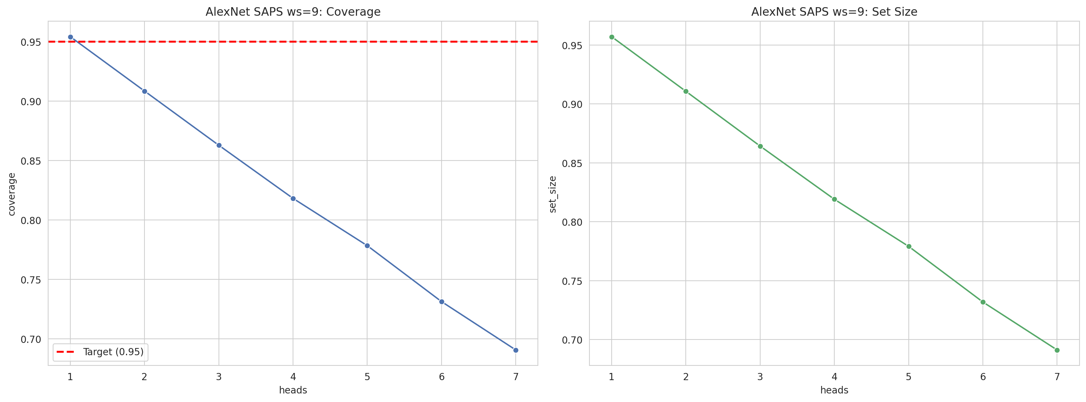
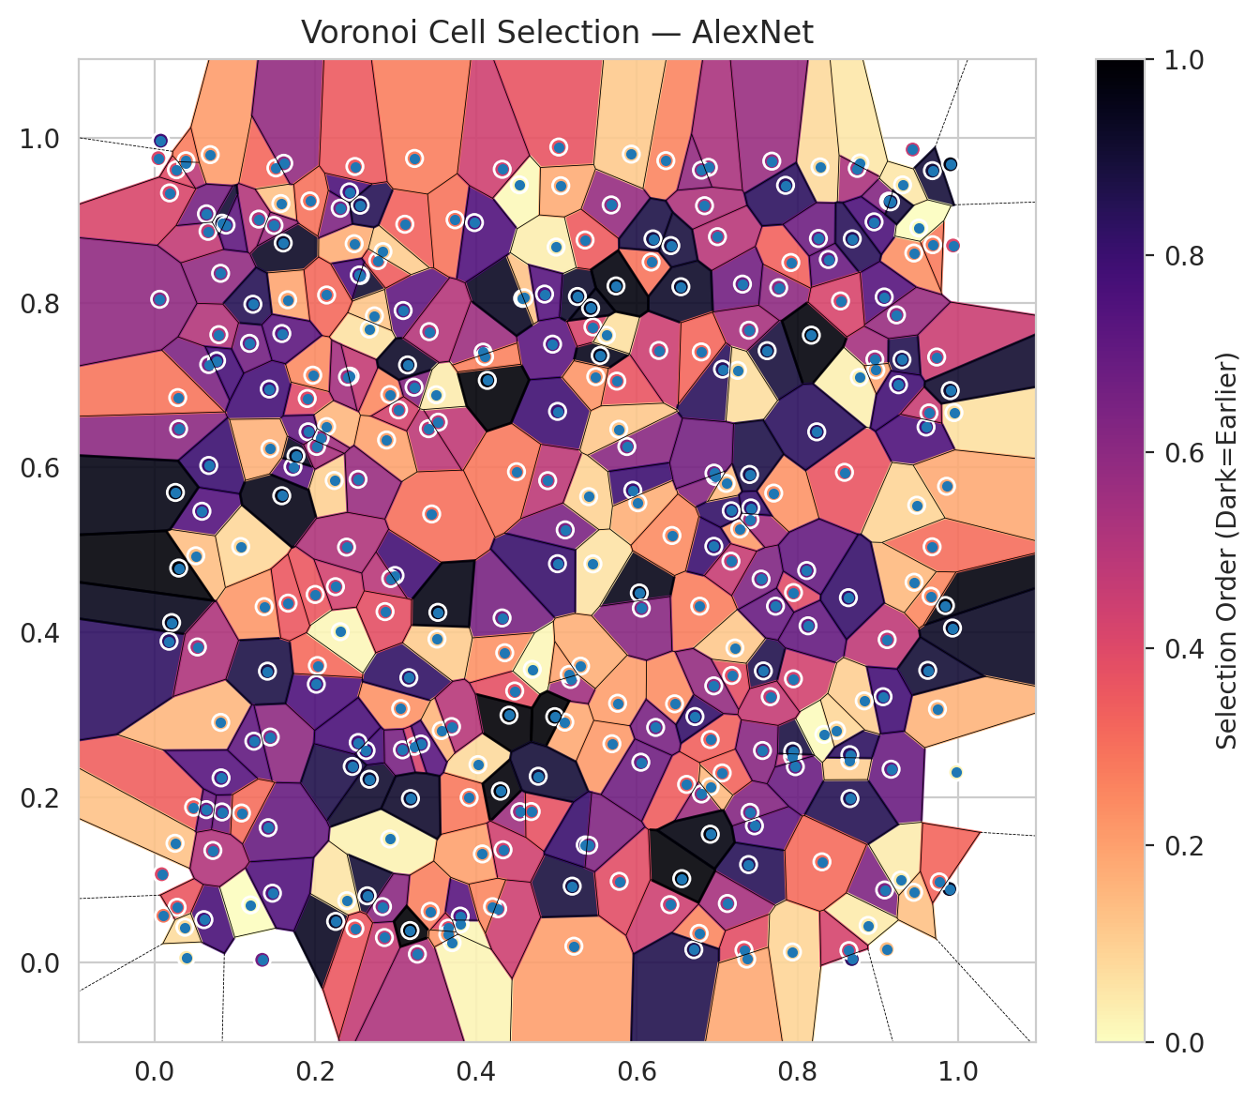
model_key | AlexNet_CNN_MultiHead
model_name | AlexNet
scoring_method | SAPS
window_size | 9
lambda | 0.5
k_iters | 1
empirical_coverage | 0.69066350007
avg_set_size | 0.69125723616
scene_coverage | 0.17023595549
scene_avg_set_size | 1.0649359621
uncertain_pixel_rate | 0.16017913818
mean_per_class_cov | 0.68826560229
runtime_sec | 275.36619165
alpha | 0.05

heads | coverage | set_size |  |  | class_id | class_coverage | support_count | Class | Pixels
1 | 0.95413388749 | 0.95695413389 |  |  | 0 | 0.66940789474 | 1216 | Class 0 | 11021
2 | 0.908416209 | 0.91064271931 |  |  | 1 | 0.71306818182 | 704 | Class 1 | 7965
3 | 0.86284696452 | 0.86418287071 |  |  | 2 | 0.72438162544 | 283 | Class 2 | 7172
4 | 0.81816832418 | 0.81905892831 |  |  | 3 | 0.68864468864 | 1365 | Class 3 | 49103
5 | 0.77838800653 | 0.77913017664 |  |  | 4 | 0.70251572327 | 1590 | Class 4 | 70496
6 | 0.73133442185 | 0.73192815793 |  |  | 5 | 0.69310670444 | 1059 | Class 5 | 45293
7 | 0.69066350007 | 0.69125723616 |  |  | 6 | 0.665 | 200 | Class 6 | 5627
 |  |  |  |  | 7 | 0.65 | 320 | Class 7 | 23477
 |  |  |  |  |  |  |  | Uncertain | 41990
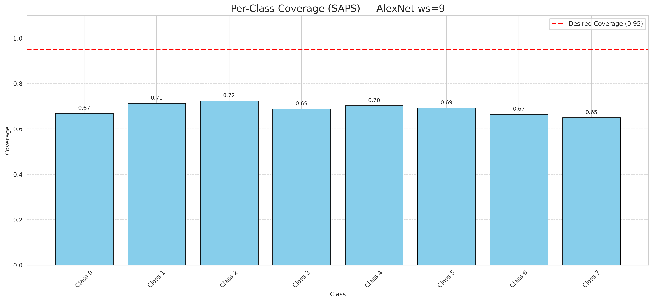

Cell Index | s1 | s2 | Selection_Order | Norm_Order(0-1) | Target
0 | 0.0397 | 0.0054 | 15 | 0.044776119403 | 5
1 | 0.2929 | 0.1496 | 9 | 0.026865671642 | 0
2 | 0.7624 | 0.7417 | 298 | 0.88955223881 | 2
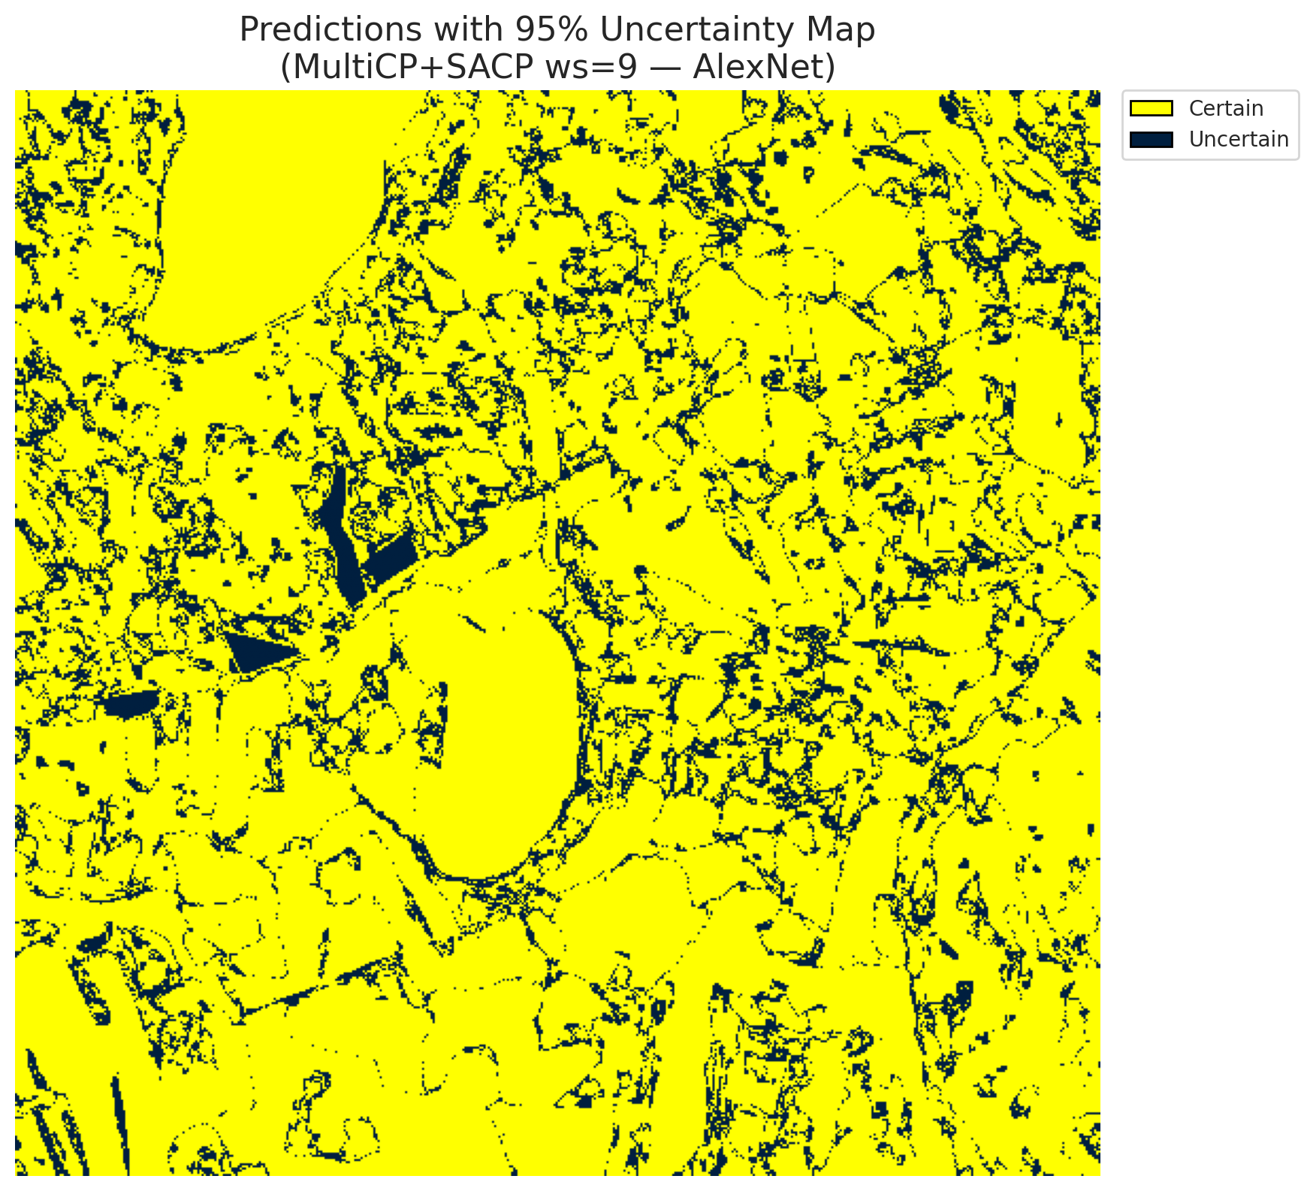
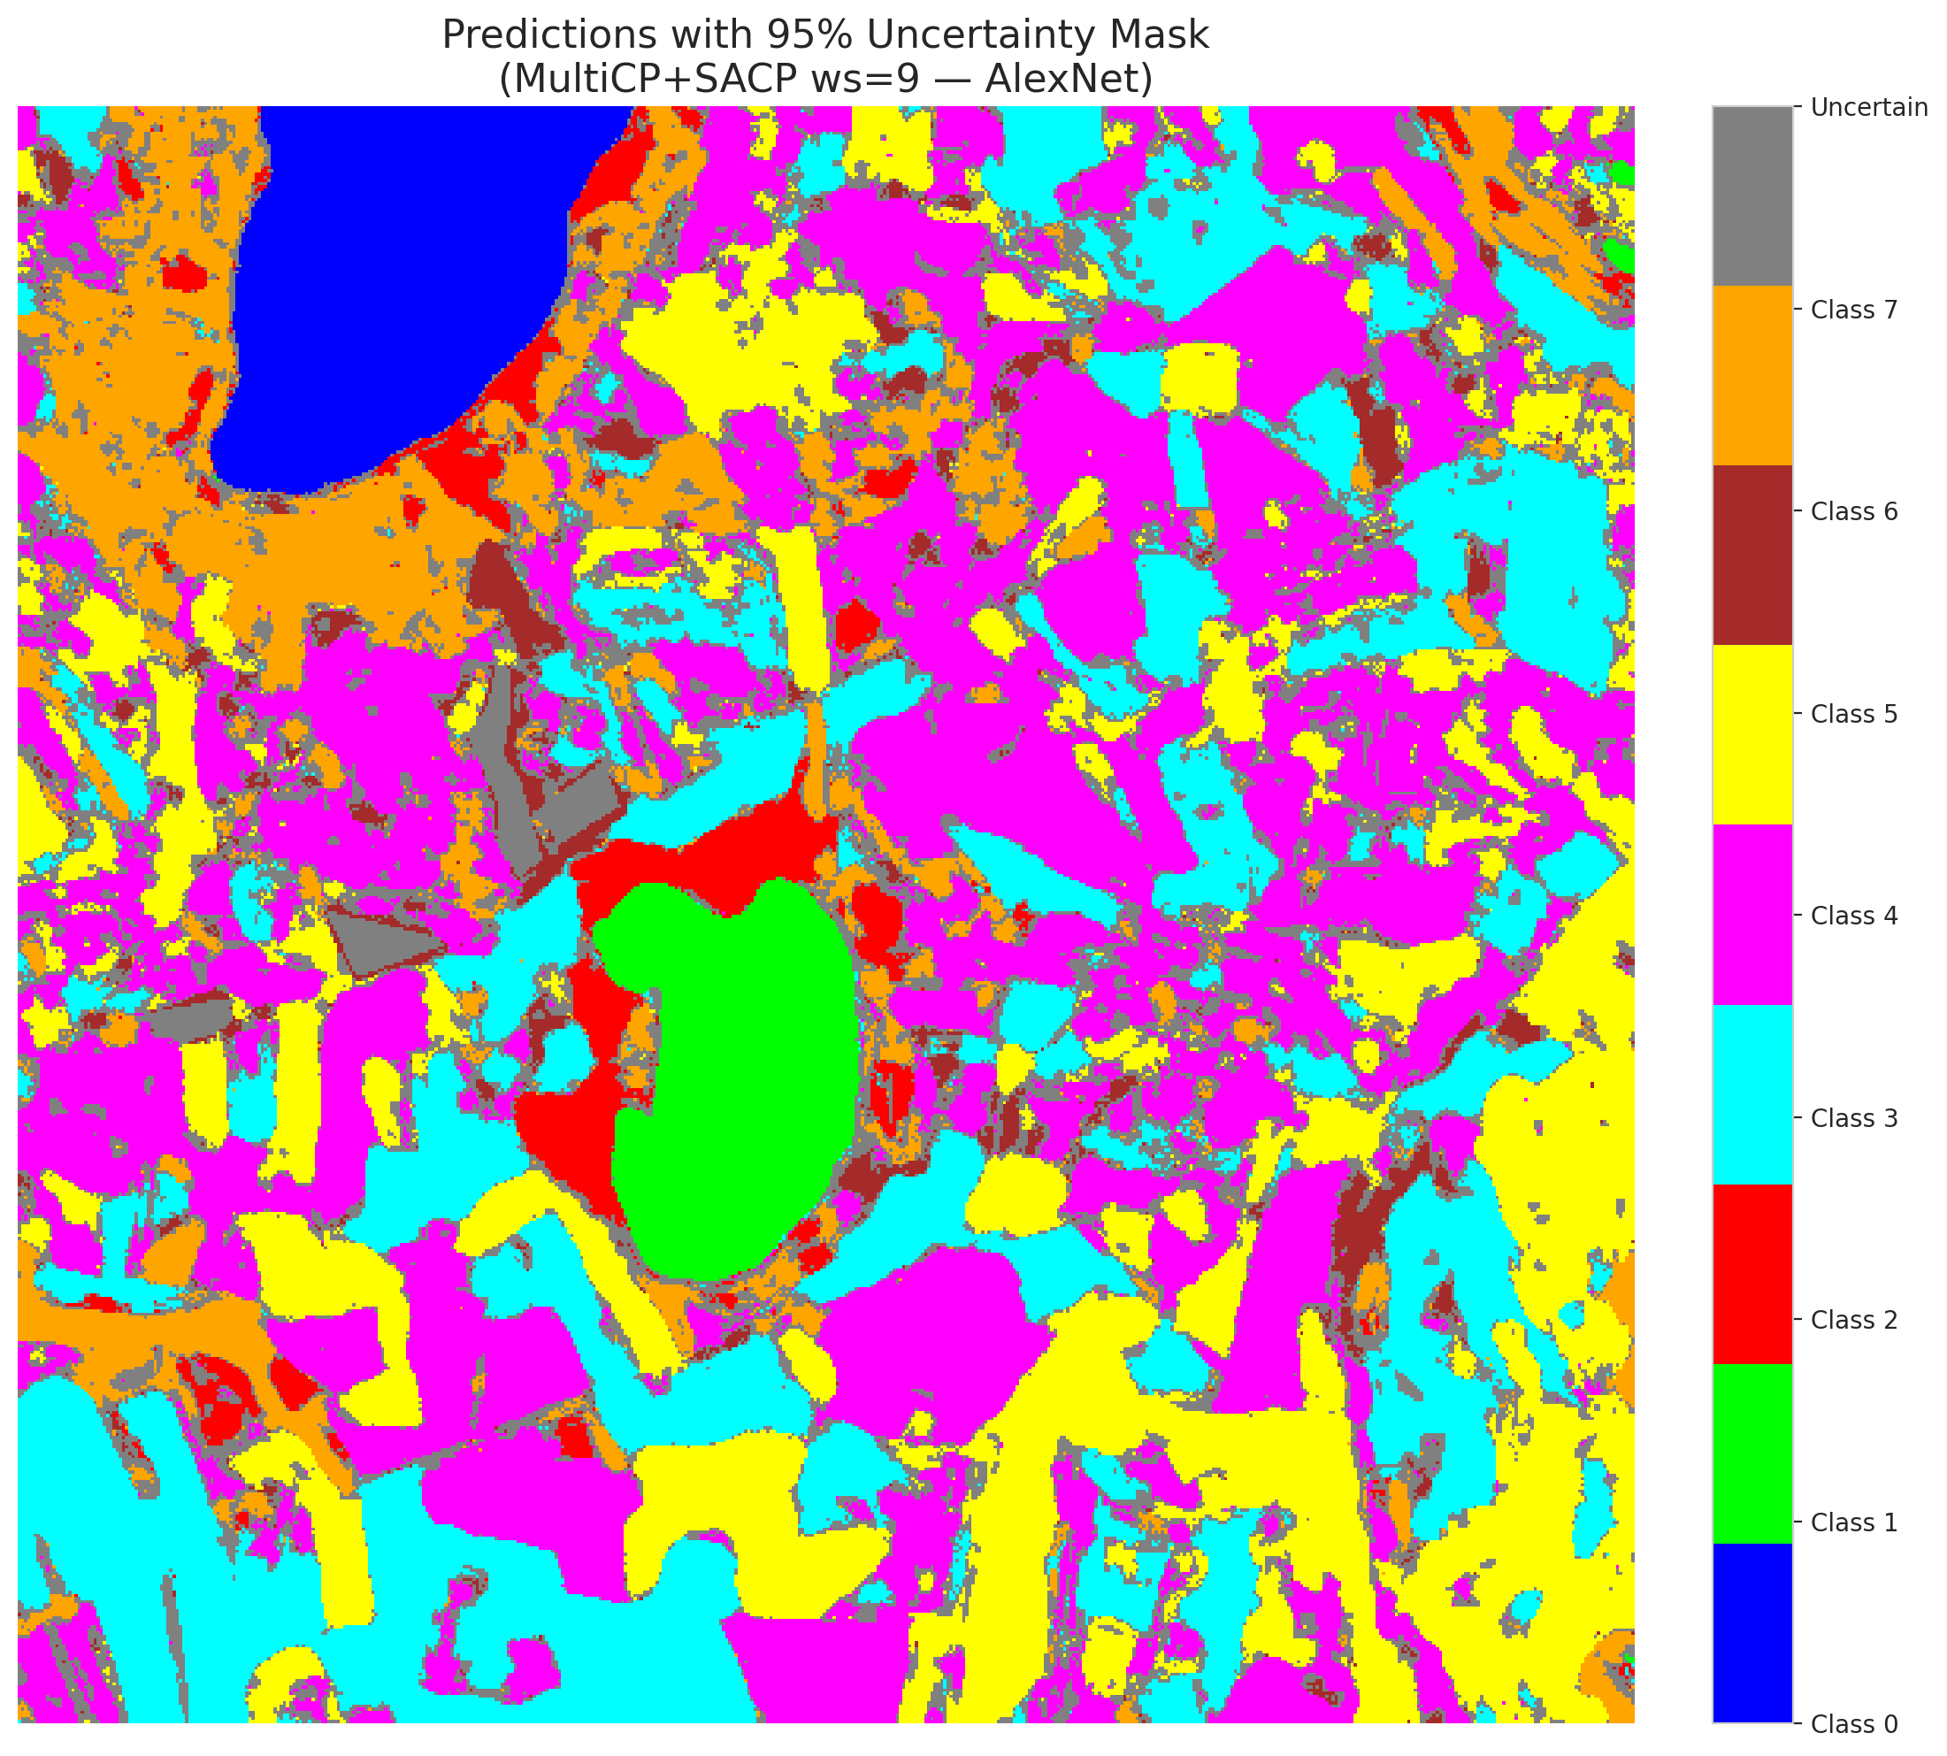
3 | 0.9449 | 0.8601 | 78 | 0.2328358209 | 5
4 | 0.2676 | 0.2221 | 306 | 0.91343283582 | 0
5 | 0.7284 | 0.5255 | 70 | 0.20895522388 | 3
6 | 0.8779 | 0.9693 | 16 | 0.04776119403 | 3
7 | 0.6977 | 0.5892 | 206 | 0.61492537313 | 5
8 | 0.2649 | 0.0807 | 302 | 0.90149253731 | 3
9 | 0.8745 | 0.9627 | 176 | 0.52537313433 | 2
10 | 0.3096 | 0.7904 | 238 | 0.71044776119 | 0
11 | 0.0051 | 0.9751 | 137 | 0.40895522388 | 0
12 | 0.4027 | 0.2398 | 26 | 0.077611940299 | 4
13 | 0.8964 | 0.7312 | 181 | 0.54029850746 | 1
14 | 0.9086 | 0.0878 | 213 | 0.63582089552 | 0
15 | 0.6364 | 0.9721 | 86 | 0.25671641791 | 0
16 | 0.8282 | 0.9645 | 25 | 0.074626865672 | 4
17 | 0.1604 | 0.8723 | 311 | 0.92835820896 | 3
18 | 0.5032 | 0.9886 | 124 | 0.37014925373 | 5
19 | 0.9166 | 0.2342 | 228 | 0.68059701493 | 0
20 | 0.293 | 0.6885 | 82 | 0.2447761194 | 1
21 | 0.522 | 0.0196 | 68 | 0.20298507463 | 4
22 | 0.2487 | 0.8714 | 57 | 0.17014925373 | 2
23 | 0.7466 | 0.1656 | 237 | 0.70746268657 | 4
24 | 0.2016 | 0.3373 | 253 | 0.7552238806 | 0
25 | 0.5684 | 0.9184 | 193 | 0.57611940299 | 1
26 | 0.7952 | 0.4484 | 131 | 0.39104477612 | 0
27 | 0.794 | 0.2496 | 164 | 0.48955223881 | 5
28 | 0.2995 | 0.4691 | 262 | 0.78208955224 | 5
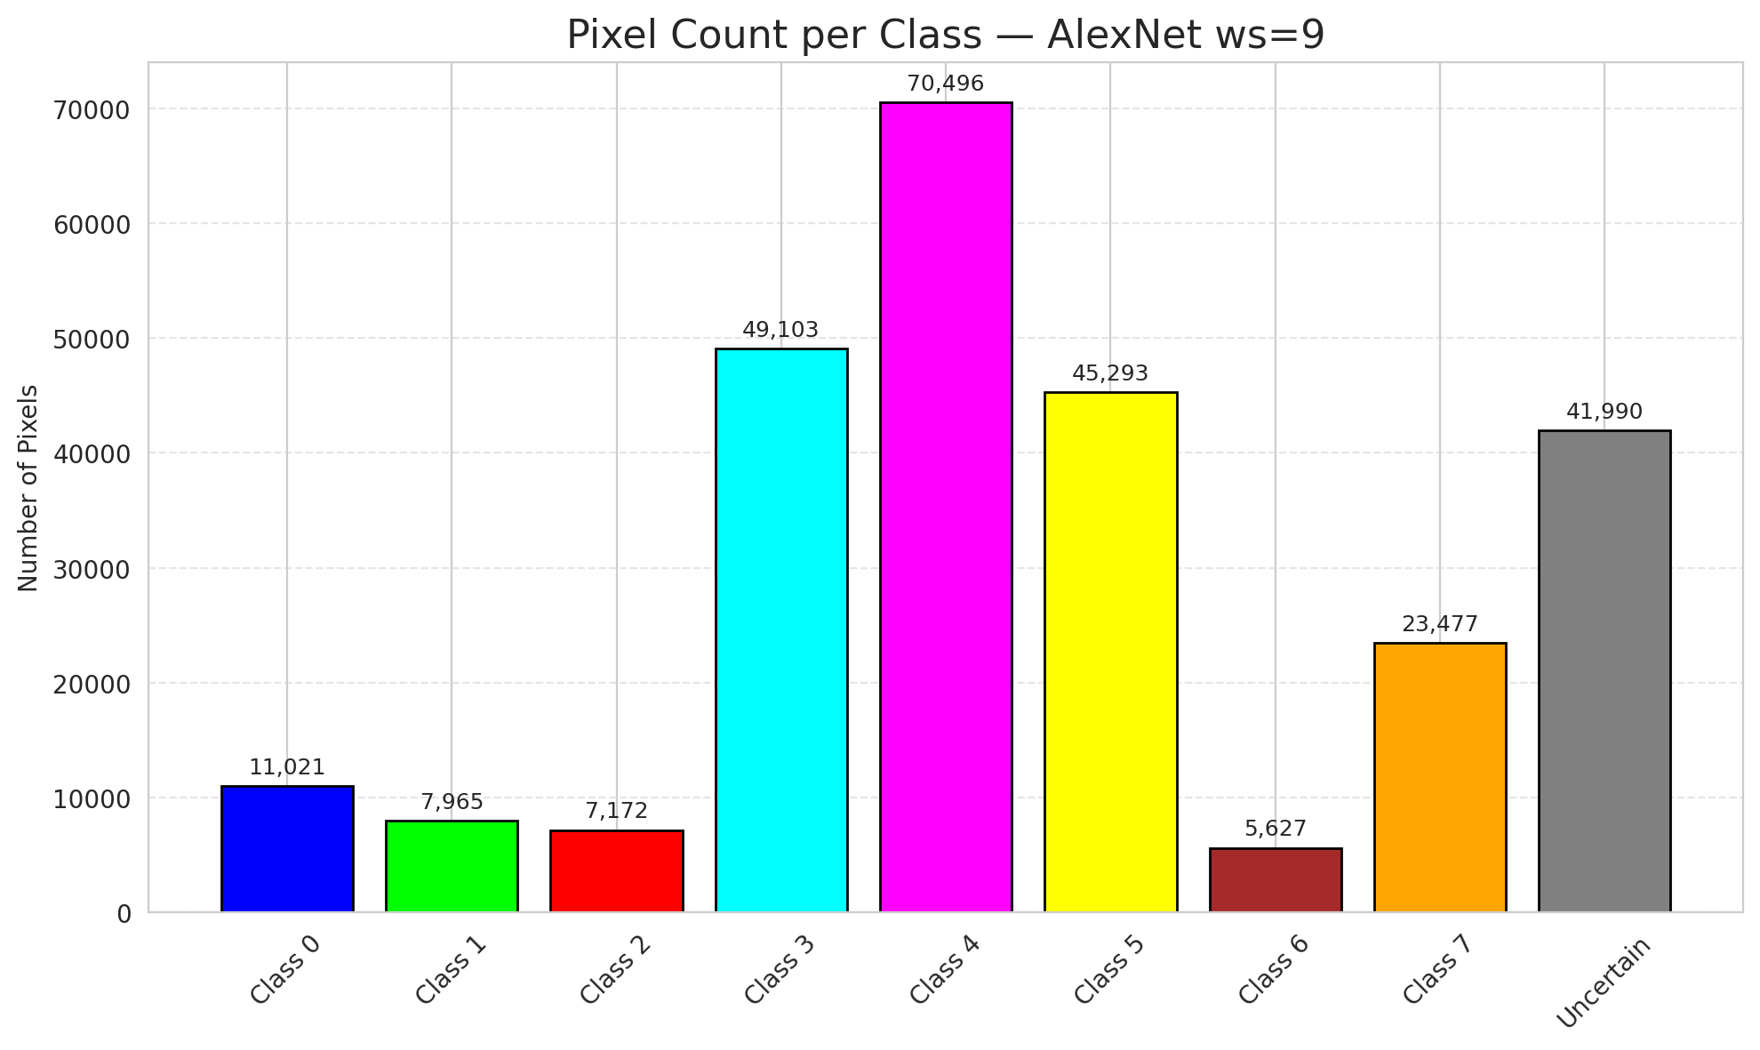
29 | 0.4327 | 0.4176 | 218 | 0.65074626866 | 5
30 | 0.968 | 0.96 | 299 | 0.89253731343 | 3
31 | 0.6778 | 0.0352 | 84 | 0.25074626866 | 3
32 | 0.3232 | 0.6974 | 207 | 0.61791044776 | 3
33 | 0.1903 | 0.6837 | 133 | 0.39701492537 | 4
34 | 0.5754 | 0.7048 | 122 | 0.36417910448 | 4
35 | 0.0677 | 0.7249 | 214 | 0.63880597015 | 3
36 | 0.5107 | 0.2913 | 59 | 0.17611940299 | 4
37 | 0.3065 | 0.3077 | 77 | 0.22985074627 | 4
38 | 0.4955 | 0.7496 | 241 | 0.71940298507 | 1
39 | 0.2313 | 0.9144 | 212 | 0.6328358209 | 1
40 | 0.436 | 0.3754 | 76 | 0.22686567164 | 5
41 | 0.5017 | 0.6681 | 265 | 0.79104477612 | 1
42 | 0.143 | 0.6952 | 260 | 0.77611940299 | 0
43 | 0.0593 | 0.547 | 248 | 0.74029850746 | 1
44 | 0.6276 | 0.742 | 150 | 0.44776119403 | 5
45 | 0.7549 | 0.4647 | 211 | 0.62985074627 | 4
46 | 0.0489 | 0.1881 | 113 | 0.33731343284 | 4
47 | 0.0276 | 0.9611 | 132 | 0.39402985075 | 3
48 | 0.2144 | 0.6496 | 51 | 0.15223880597 | 1
49 | 0.3412 | 0.6471 | 161 | 0.48059701493 | 4
50 | 0.9117 | 0.3914 | 160 | 0.4776119403 | 3
51 | 0.1513 | 0.9633 | 106 | 0.31641791045 | 1
52 | 0.1575 | 0.9201 | 42 | 0.12537313433 | 4
53 | 0.5879 | 0.6255 | 203 | 0.60597014925 | 4
54 | 0.3167 | 0.3452 | 276 | 0.82388059701 | 5
55 | 0.4548 | 0.1827 | 186 | 0.5552238806 | 0
56 | 0.3805 | 0.0464 | 6 | 0.017910447761 | 5
57 | 0.7768 | 0.818 | 200 | 0.59701492537 | 5
58 | 0.5264 | 0.8074 | 308 | 0.91940298507 | 5
59 | 0.9842 | 0.4327 | 327 | 0.97611940299 | 4
60 | 0.6786 | 0.4319 | 90 | 0.26865671642 | 4
61 | 0.3451 | 0.5437 | 100 | 0.29850746269 | 5
62 | 0.1726 | 0.6009 | 242 | 0.7223880597 | 4
63 | 0.9676 | 0.5039 | 102 | 0.30447761194 | 7
64 | 0.7393 | 0.1186 | 283 | 0.8447761194 | 6
65 | 0.2565 | 0.8329 | 304 | 0.90746268657 | 1
66 | 0.289 | 0.6334 | 65 | 0.19402985075 | 4
67 | 0.1075 | 0.5042 | 27 | 0.080597014925 | 3
68 | 0.9683 | 0.8702 | 92 | 0.27462686567 | 3
69 | 0.7942 | 0.256 | 295 | 0.88059701493 | 5
70 | 0.7919 | 0.8486 | 110 | 0.32835820896 | 3
71 | 0.3234 | 0.262 | 139 | 0.41492537313 | 4
72 | 0.2675 | 0.7679 | 20 | 0.059701492537 | 0
73 | 0.6622 | 0.2158 | 115 | 0.34328358209 | 3
74 | 0.1185 | 0.7506 | 222 | 0.66268656716 | 4
75 | 0.0825 | 0.8355 | 197 | 0.58805970149 | 0
76 | 0.4541 | 0.9428 | 3 | 0.0089552238806 | 0
77 | 0.166 | 0.8034 | 63 | 0.18805970149 | 4
78 | 0.9733 | 0.734 | 151 | 0.45074626866 | 1
79 | 0.5547 | 0.7359 | 319 | 0.95223880597 | 4
80 | 0.7129 | 0.0714 | 180 | 0.53731343284 | 4
81 | 0.0303 | 0.6468 | 201 | 0.6 | 0
82 | 0.9301 | 0.7308 | 287 | 0.85671641791 | 3
83 | 0.7069 | 0.7193 | 281 | 0.83880597015 | 5
84 | 0.2781 | 0.8509 | 114 | 0.34029850746 | 0
85 | 0.7178 | 0.5476 | 274 | 0.81791044776 | 5
86 | 0.6181 | 0.8492 | 98 | 0.29253731343 | 0
87 | 0.1367 | 0.4313 | 72 | 0.21492537313 | 3
88 | 0.7336 | 0.0149 | 129 | 0.38507462687 | 0
89 | 0.5199 | 0.0924 | 296 | 0.88358208955 | 1
90 | 0.6845 | 0.9175 | 173 | 0.51641791045 | 4
91 | 0.3433 | 0.0619 | 88 | 0.26268656716 | 1
92 | 0.8586 | 0.5942 | 123 | 0.3671641791 | 5
93 | 0.7411 | 0.1819 | 208 | 0.62089552239 | 5
94 | 0.6473 | 0.3135 | 79 | 0.23582089552 | 1
95 | 0.2863 | 0.0301 | 156 | 0.46567164179 | 3
96 | 0.4091 | 0.7399 | 188 | 0.56119402985 | 4
97 | 0.7939 | 0.0126 | 30 | 0.089552238806 | 0
98 | 0.5112 | 0.5244 | 215 | 0.64179104478 | 4
99 | 0.3117 | 0.895 | 111 | 0.33134328358 | 1
100 | 0.2428 | 0.9342 | 255 | 0.76119402985 | 4
101 | 0.6034 | 0.4479 | 320 | 0.9552238806 | 1
102 | 0.5359 | 0.8759 | 116 | 0.34626865672 | 0
103 | 0.0678 | 0.6025 | 268 | 0.8 | 4
104 | 0.8771 | 0.7093 | 10 | 0.029850746269 | 3
105 | 0.6916 | 0.2702 | 112 | 0.33432835821 | 4
106 | 0.8677 | 0.004 | 275 | 0.82089552239 | 4
107 | 0.3806 | 0.0561 | 244 | 0.72835820896 | 0
108 | 0.5953 | 0.5724 | 266 | 0.79402985075 | 3
109 | 0.2436 | 0.7108 | 157 | 0.46865671642 | 0
110 | 0.7682 | 0.9715 | 191 | 0.57014925373 | 5
111 | 0.5764 | 0.3142 | 67 | 0.2 | 4
112 | 0.4582 | 0.8051 | 314 | 0.93731343284 | 1
113 | 0.7951 | 0.3438 | 145 | 0.4328358209 | 7
114 | 0.0393 | 0.969 | 163 | 0.48656716418 | 4
115 | 0.7411 | 0.5368 | 183 | 0.54626865672 | 0
116 | 0.6414 | 0.07 | 148 | 0.44179104478 | 4
117 | 0.0517 | 0.493 | 45 | 0.13432835821 | 5
118 | 0.0263 | 0.5698 | 323 | 0.96417910448 | 4
119 | 0.2635 | 0.2569 | 258 | 0.77014925373 | 4
120 | 0.7065 | 0.2297 | 109 | 0.32537313433 | 3
121 | 0.1227 | 0.798 | 284 | 0.84776119403 | 3
122 | 0.8385 | 0.8523 | 230 | 0.68656716418 | 4
123 | 0.6016 | 0.5573 | 55 | 0.16417910448 | 4
124 | 0.9948 | 0.6666 | 21 | 0.062686567164 | 0
125 | 0.3039 | 0.6699 | 143 | 0.42686567164 | 0
126 | 0.357 | 0.2811 | 52 | 0.1552238806 | 0
127 | 0.7706 | 0.569 | 75 | 0.22388059701 | 4
128 | 0.0093 | 0.1069 | 136 | 0.40597014925 | 4
129 | 0.7975 | 0.2373 | 229 | 0.68358208955 | 4
130 | 0.4484 | 0.3291 | 126 | 0.37611940299 | 5
131 | 0.6059 | 0.4295 | 204 | 0.60895522388 | 3
132 | 0.6893 | 0.964 | 177 | 0.52835820896 | 0
133 | 0.7577 | 0.3534 | 289 | 0.86268656716 | 1
134 | 0.2256 | 0.0497 | 313 | 0.93432835821 | 3
135 | 0.6807 | 0.2042 | 187 | 0.55820895522 | 4
136 | 0.5178 | 0.3431 | 184 | 0.54925373134 | 5
137 | 0.9135 | 0.923 | 209 | 0.62388059701 | 3
138 | 0.3705 | 0.0239 | 7 | 0.020895522388 | 5
139 | 0.6807 | 0.9606 | 195 | 0.58208955224 | 7
140 | 0.0827 | 0.291 | 50 | 0.14925373134 | 3
141 | 0.9112 | 0.016 | 47 | 0.14029850746 | 1
142 | 0.3273 | 0.01 | 175 | 0.5223880597 | 0
143 | 0.9601 | 0.6491 | 252 | 0.75223880597 | 2
144 | 0.7317 | 0.8224 | 223 | 0.66567164179 | 2
145 | 0.7184 | 0.3479 | 127 | 0.37910447761 | 4
146 | 0.4602 | 0.8059 | 41 | 0.1223880597 | 0
147 | 0.4081 | 0.1315 | 66 | 0.19701492537 | 1
148 | 0.993 | 0.4054 | 312 | 0.93134328358 | 7
149 | 0.3517 | 0.392 | 36 | 0.10746268657 | 7
150 | 0.3533 | 0.655 | 159 | 0.47462686567 | 5
151 | 0.4272 | 0.065 | 149 | 0.4447761194 | 0
152 | 0.0618 | 0.0518 | 257 | 0.7671641791 | 2
153 | 0.1443 | 0.2732 | 199 | 0.59402985075 | 0
154 | 0.6961 | 0.5045 | 267 | 0.79701492537 | 3
155 | 0.4703 | 0.3553 | 4 | 0.011940298507 | 3
156 | 0.7396 | 0.7665 | 178 | 0.53134328358 | 4
157 | 0.2064 | 0.636 | 185 | 0.55223880597 | 0
158 | 0.5457 | 0.4832 | 19 | 0.05671641791 | 1
159 | 0.7006 | 0.8799 | 165 | 0.49253731343 | 3
160 | 0.6204 | 0.8772 | 292 | 0.87164179104 | 3
161 | 0.5404 | 0.5647 | 31 | 0.092537313433 | 4
162 | 0.989 | 0.089 | 315 | 0.94029850746 | 0
163 | 0.3742 | 0.9004 | 97 | 0.28955223881 | 0
164 | 0.8954 | 0.8979 | 254 | 0.75820895522 | 0
165 | 0.8116 | 0.4751 | 233 | 0.69552238806 | 0
166 | 0.1343 | 0.0031 | 220 | 0.65671641791 | 0
167 | 0.2395 | 0.0748 | 18 | 0.053731343284 | 4
168 | 0.6712 | 0.0154 | 288 | 0.85970149254 | 4
169 | 0.3917 | 0.1998 | 94 | 0.28059701493 | 0
170 | 0.3983 | 0.897 | 251 | 0.74925373134 | 5
171 | 0.2001 | 0.4461 | 120 | 0.35820895522 | 5
172 | 0.4306 | 0.2076 | 329 | 0.98208955224 | 0
173 | 0.7853 | 0.9422 | 279 | 0.8328358209 | 5
174 | 0.0258 | 0.1444 | 43 | 0.12835820896 | 0
175 | 0.4894 | 0.5841 | 162 | 0.48358208955 | 1
176 | 0.9511 | 0.8904 | 0 | 0 | 0
177 | 0.2029 | 0.3599 | 104 | 0.31044776119 | 3
178 | 0.9663 | 0.444 | 83 | 0.24776119403 | 4
179 | 0.2839 | 0.0676 | 202 | 0.60298507463 | 4
180 | 0.8976 | 0.7183 | 62 | 0.18507462687 | 7
181 | 0.833 | 0.2764 | 2 | 0.0059701492537 | 1
182 | 0.0842 | 0.1824 | 224 | 0.66865671642 | 4
183 | 0.5457 | 0.7705 | 141 | 0.42089552239 | 5
184 | 0.2239 | 0.5843 | 32 | 0.09552238806 | 4
185 | 0.1408 | 0.3531 | 293 | 0.87462686567 | 3
186 | 0.9309 | 0.9427 | 17 | 0.050746268657 | 5
187 | 0.0696 | 0.9794 | 69 | 0.20597014925 | 3
188 | 0.1299 | 0.9012 | 170 | 0.50746268657 | 4
189 | 0.4339 | 0.1365 | 146 | 0.43582089552 | 3
190 | 0.0669 | 0.8864 | 158 | 0.47164179104 | 4
191 | 0.8487 | 0.2812 | 28 | 0.083582089552 | 3
192 | 0.2845 | 0.8618 | 35 | 0.10447761194 | 4
193 | 0.8174 | 0.7605 | 328 | 0.97910447761 | 0
194 | 0.3087 | 0.2577 | 216 | 0.6447761194 | 3
195 | 0.888 | 0.0448 | 14 | 0.041791044776 | 7
196 | 0.0647 | 0.1852 | 227 | 0.6776119403 | 3
197 | 0.5624 | 0.7604 | 22 | 0.065671641791 | 5
198 | 0.0284 | 0.0668 | 121 | 0.36119402985 | 0
199 | 0.2463 | 0.2376 | 290 | 0.86567164179 | 4
200 | 0.5693 | 0.2651 | 71 | 0.21194029851 | 0
201 | 0.5016 | 0.4834 | 270 | 0.80597014925 | 0
202 | 0.9285 | 0.0999 | 13 | 0.038805970149 | 5
203 | 0.2496 | 0.0411 | 119 | 0.3552238806 | 6
204 | 0.2314 | 0.401 | 5 | 0.014925373134 | 4
205 | 0.4208 | 0.0675 | 85 | 0.25373134328 | 0
206 | 0.9258 | 0.7004 | 263 | 0.78507462687 | 4
207 | 0.9447 | 0.085 | 44 | 0.13134328358 | 4
208 | 0.7114 | 0.5808 | 46 | 0.13731343284 | 0
209 | 0.4329 | 0.9616 | 147 | 0.43880597015 | 4
210 | 0.1972 | 0.712 | 80 | 0.23880597015 | 0
211 | 0.8241 | 0.6433 | 280 | 0.83582089552 | 1
212 | 0.8262 | 0.8777 | 226 | 0.67462686567 | 1
213 | 0.9904 | 0.9677 | 324 | 0.9671641791 | 5
214 | 0.8683 | 0.8773 | 282 | 0.84179104478 | 4
215 | 0.9452 | 0.4609 | 49 | 0.14626865672 | 3
216 | 0.1586 | 0.5658 | 321 | 0.95820895522 | 5
217 | 0.6237 | 0.2849 | 217 | 0.64776119403 | 0
218 | 0.908 | 0.8068 | 247 | 0.73731343284 | 3
219 | 0.255 | 0.8334 | 250 | 0.74626865672 | 3
220 | 0.1611 | 0.9689 | 196 | 0.58507462687 | 4
221 | 0.2561 | 0.9181 | 285 | 0.85074626866 | 3
222 | 0.0844 | 0.8963 | 303 | 0.90447761194 | 4
223 | 0.9937 | 0.8692 | 135 | 0.40298507463 | 7
224 | 0.4506 | 0.5949 | 93 | 0.2776119403 | 3
225 | 0.2254 | 0.4555 | 144 | 0.42985074627 | 3
226 | 0.1417 | 0.1633 | 232 | 0.69253731343 | 3
227 | 0.3151 | 0.7244 | 310 | 0.92537313433 | 0
228 | 0.9743 | 0.3071 | 53 | 0.15820895522 | 3
229 | 0.9233 | 0.7851 | 192 | 0.57313432836 | 0
230 | 0.5303 | 0.3592 | 56 | 0.1671641791 | 0
231 | 0.0803 | 0.7611 | 169 | 0.50447761194 | 0
232 | 0.5161 | 0.3491 | 64 | 0.19104477612 | 7
233 | 0.7256 | 0.7178 | 23 | 0.068656716418 | 5
234 | 0.5779 | 0.6464 | 38 | 0.11343283582 | 4
235 | 0.2537 | 0.2666 | 256 | 0.76417910448 | 5
236 | 0.2739 | 0.7839 | 40 | 0.11940298507 | 6
237 | 0.4999 | 0.8673 | 11 | 0.032835820896 | 2
238 | 0.0649 | 0.9076 | 219 | 0.65373134328 | 5
239 | 0.737 | 0.004 | 61 | 0.18208955224 | 6
240 | 0.4413 | 0.2997 | 333 | 0.99402985075 | 4
241 | 0.5057 | 0.9417 | 58 | 0.17313432836 | 4
242 | 0.5934 | 0.98 | 37 | 0.11044776119 | 3
243 | 0.3181 | 0.0386 | 334 | 0.99701492537 | 3
244 | 0.8654 | 0.1986 | 286 | 0.85373134328 | 3
245 | 0.9765 | 0.0976 | 108 | 0.3223880597 | 4
246 | 0.2941 | 0.4654 | 166 | 0.49552238806 | 6
247 | 0.6726 | 0.2981 | 273 | 0.81492537313 | 0
248 | 0.9856 | 0.5773 | 60 | 0.17910447761 | 4
249 | 0.0184 | 0.3894 | 277 | 0.82686567164 | 3
250 | 0.0775 | 0.7295 | 259 | 0.77313432836 | 2
251 | 0.8652 | 0.2445 | 34 | 0.10149253731 | 4
252 | 0.2535 | 0.5857 | 190 | 0.5671641791 | 0
253 | 0.9485 | 0.5543 | 29 | 0.086567164179 | 0
254 | 0.7223 | 0.3812 | 39 | 0.11641791045 | 5
255 | 0.4982 | 0.2979 | 335 | 1 | 5
256 | 0.3317 | 0.2648 | 243 | 0.72537313433 | 0
257 | 0.3528 | 0.4244 | 322 | 0.96119402985 | 3
258 | 0.7174 | 0.4865 | 154 | 0.45970149254 | 5
259 | 0.0381 | 0.0426 | 24 | 0.071641791045 | 4
260 | 0.7406 | 0.5916 | 291 | 0.86865671642 | 0
261 | 0.0216 | 0.412 | 317 | 0.94626865672 | 4
262 | 0.6963 | 0.5932 | 221 | 0.65970149254 | 4
263 | 0.3698 | 0.2859 | 167 | 0.49850746269 | 4
264 | 0.3658 | 0.0415 | 134 | 0.4 | 3
265 | 0.5492 | 0.7102 | 74 | 0.22089552239 | 1
266 | 0.8641 | 0.0143 | 142 | 0.42388059701 | 3
267 | 0.0114 | 0.0565 | 95 | 0.28358208955 | 2
268 | 0.7566 | 0.2569 | 205 | 0.61194029851 | 4
269 | 0.4689 | 0.1829 | 125 | 0.37313432836 | 4
270 | 0.4855 | 0.8103 | 245 | 0.73134328358 | 0
271 | 0.1239 | 0.2682 | 236 | 0.70447761194 | 0
272 | 0.3652 | 0.034 | 73 | 0.21791044776 | 4
273 | 0.8653 | 0.2518 | 278 | 0.82985074627 | 0
274 | 0.1763 | 0.6141 | 316 | 0.94328358209 | 0
275 | 0.3508 | 0.6882 | 12 | 0.035820895522 | 1
276 | 0.9637 | 0.6662 | 153 | 0.45671641791 | 6
277 | 0.0831 | 0.2237 | 246 | 0.73432835821 | 1
278 | 0.1936 | 0.9233 | 99 | 0.29552238806 | 7
279 | 0.0292 | 0.6848 | 96 | 0.28656716418 | 0
280 | 0.1085 | 0.1811 | 101 | 0.30149253731 | 4
281 | 0.3238 | 0.9748 | 89 | 0.26567164179 | 4
282 | 0.0893 | 0.894 | 239 | 0.71343283582 | 3
283 | 0.696 | 0.3353 | 194 | 0.57910447761 | 0
284 | 0.9902 | 0.6933 | 305 | 0.91044776119 | 3
285 | 0.8306 | 0.1219 | 103 | 0.30746268657 | 4
286 | 0.6562 | 0.1015 | 332 | 0.99104477612 | 3
287 | 0.6916 | 0.2131 | 48 | 0.14328358209 | 4
288 | 0.0081 | 0.9963 | 264 | 0.78805970149 | 5
289 | 0.1914 | 0.6433 | 235 | 0.70149253731 | 3
290 | 0.6917 | 0.1554 | 325 | 0.97014925373 | 5
291 | 0.0537 | 0.3824 | 174 | 0.51940298507 | 2
292 | 0.7663 | 0.3221 | 155 | 0.46268656716 | 3
293 | 0.8133 | 0.4081 | 234 | 0.69850746269 | 3
294 | 0.6053 | 0.2427 | 225 | 0.67164179104 | 3
295 | 0.9622 | 0.3541 | 301 | 0.89850746269 | 3
296 | 0.342 | 0.7648 | 168 | 0.50149253731 | 7
297 | 0.1199 | 0.0697 | 1 | 0.0029850746269 | 6
298 | 0.9159 | 0.9222 | 294 | 0.8776119403 | 3
299 | 0.6551 | 0.8192 | 309 | 0.9223880597 | 4
300 | 0.202 | 0.6256 | 179 | 0.53432835821 | 4
301 | 0.2144 | 0.8092 | 105 | 0.31343283582 | 1
302 | 0.9434 | 0.9856 | 152 | 0.45373134328 | 2
303 | 0.5784 | 0.0983 | 130 | 0.38805970149 | 4
304 | 0.2496 | 0.965 | 117 | 0.34925373134 | 0
305 | 0.7728 | 0.4319 | 231 | 0.68955223881 | 0
306 | 0.8832 | 0.3171 | 33 | 0.098507462687 | 5
307 | 0.147 | 0.0839 | 249 | 0.74328358209 | 4
308 | 0.644 | 0.5176 | 81 | 0.24179104478 | 0
309 | 0.4776 | 0.2257 | 300 | 0.89552238806 | 0
310 | 0.0304 | 0.4781 | 331 | 0.98805970149 | 4
311 | 0.9066 | 0.3221 | 261 | 0.77910447761 | 4
312 | 0.8635 | 0.4422 | 272 | 0.81194029851 | 1
313 | 0.019 | 0.933 | 138 | 0.41194029851 | 3
314 | 0.6426 | 0.8691 | 297 | 0.88656716418 | 0
315 | 0.6805 | 0.7402 | 107 | 0.31940298507 | 3
316 | 0.4143 | 0.7057 | 330 | 0.98507462687 | 3
317 | 0.2871 | 0.4253 | 128 | 0.38208955224 | 0
318 | 0.2392 | 0.5035 | 172 | 0.51343283582 | 3
319 | 0.7421 | 0.551 | 271 | 0.80895522388 | 0
320 | 0.8537 | 0.802 | 140 | 0.41791044776 | 1
321 | 0.5428 | 0.7934 | 318 | 0.94925373134 | 3
322 | 0.4109 | 0.7345 | 87 | 0.25970149254 | 4
323 | 0.2404 | 0.71 | 182 | 0.54328358209 | 3
324 | 0.0729 | 0.1357 | 171 | 0.51044776119 | 0
325 | 0.1665 | 0.4356 | 118 | 0.35223880597 | 0
326 | 0.5361 | 0.1424 | 269 | 0.80298507463 | 5
327 | 0.5744 | 0.8202 | 326 | 0.97313432836 | 1
328 | 0.5405 | 0.142 | 210 | 0.62686567164 | 4
329 | 0.1439 | 0.6228 | 54 | 0.16119402985 | 3
330 | 0.1587 | 0.7625 | 240 | 0.71641791045 | 0
331 | 0.0067 | 0.804 | 198 | 0.59104477612 | 1
332 | 0.1489 | 0.8936 | 189 | 0.56417910448 | 3
333 | 0.3187 | 0.1986 | 307 | 0.91641791045 | 4
334 | 0.0394 | 0.972 | 91 | 0.27164179104 | 1
335 | 0.9976 | 0.2305 | 8 | 0.023880597015 | 3

GFNet_RAPS_ws9
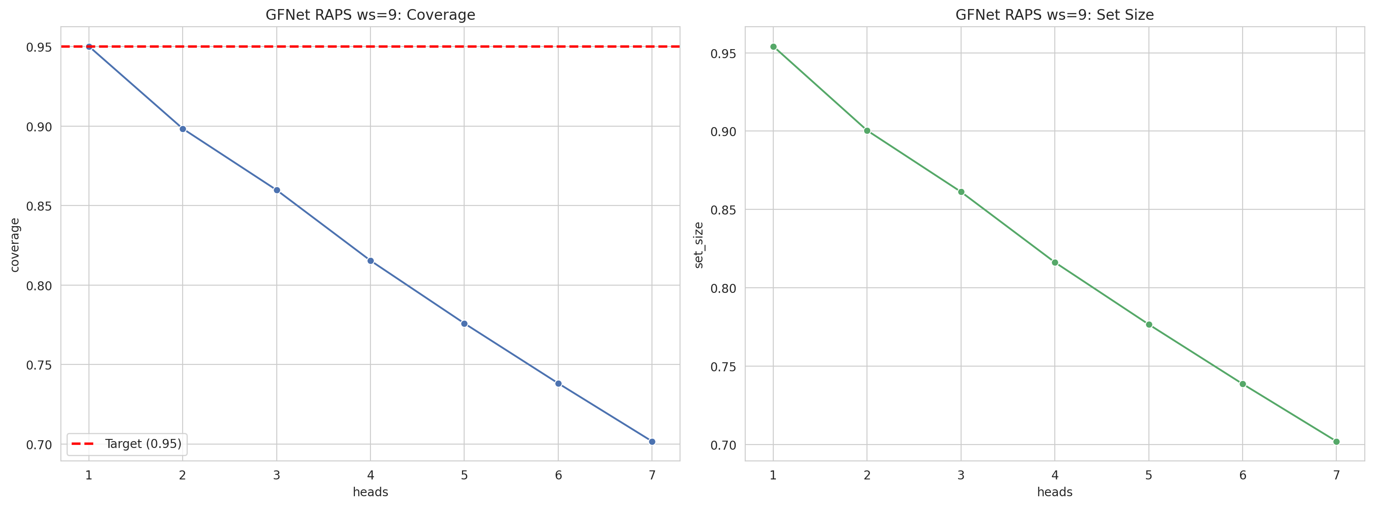
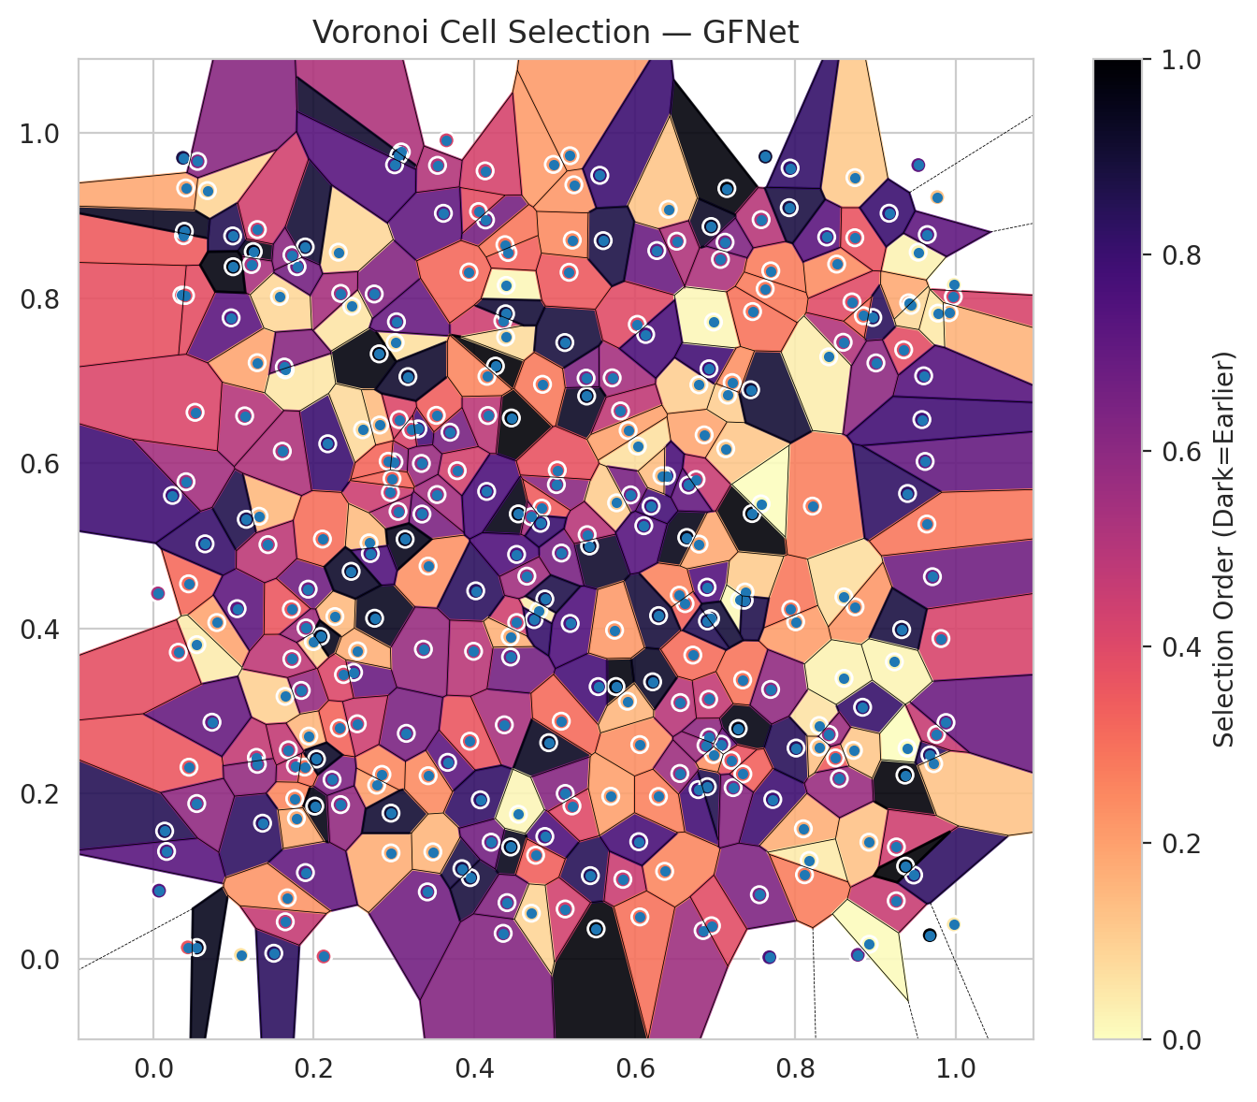
model_key | GFNet_MultiHead
model_name | GFNet
scoring_method | RAPS
window_size | 9
lambda | 0.5
k_iters | 1
empirical_coverage | 0.70164761763
avg_set_size | 0.70194448568
scene_coverage | 0.19038968985
scene_avg_set_size | 1.2123362592
uncertain_pixel_rate | 0.27345275879
mean_per_class_cov | 0.69719762094
runtime_sec | 278.21473931
alpha | 0.05

heads | coverage | set_size |  |  | class_id | class_coverage | support_count | Class | Pixels
1 | 0.95012616892 | 0.95413388749 |  |  | 0 | 0.703125 | 1216 | Class 0 | 11081
2 | 0.89832269556 | 0.90040077186 |  |  | 1 | 0.6875 | 704 | Class 1 | 7203
3 | 0.85972985008 | 0.86121419029 |  |  | 2 | 0.69964664311 | 283 | Class 2 | 8005
4 | 0.81534807778 | 0.81623868191 |  |  | 3 | 0.70183150183 | 1365 | Class 3 | 37353
5 | 0.77586462817 | 0.77660679828 |  |  | 4 | 0.70440251572 | 1590 | Class 4 | 71271
6 | 0.73816238682 | 0.73860768888 |  |  | 5 | 0.71482530689 | 1059 | Class 5 | 36648
7 | 0.70164761763 | 0.70194448568 |  |  | 6 | 0.685 | 200 | Class 6 | 2456
 |  |  |  |  | 7 | 0.68125 | 320 | Class 7 | 16443
 |  |  |  |  |  |  |  | Uncertain | 71684
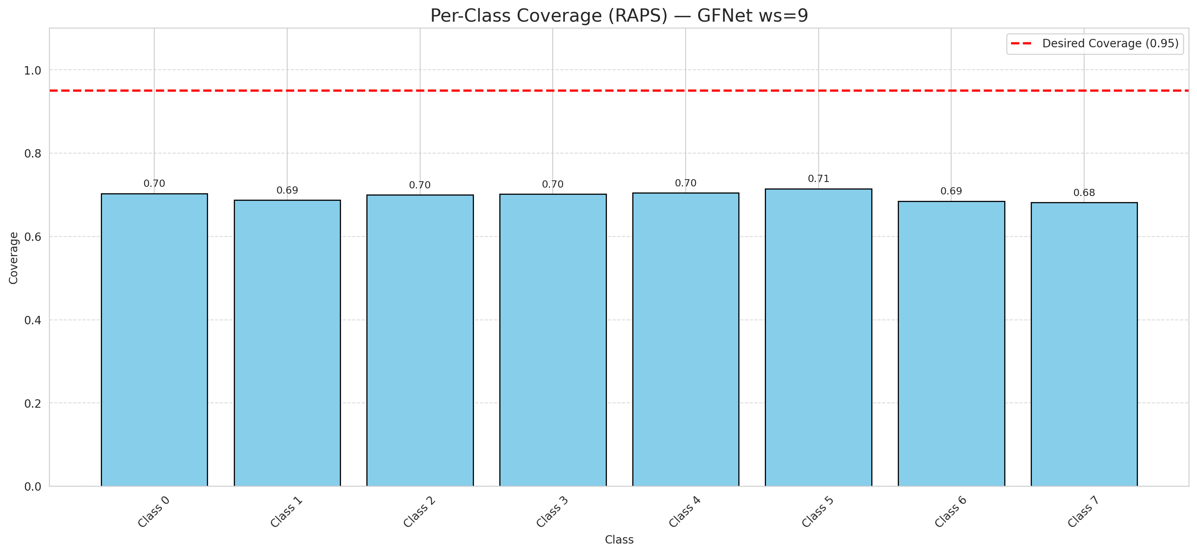

Cell Index | s1 | s2 | Selection_Order | Norm_Order(0-1) | Target
0 | 0.9768 | 0.9224 | 44 | 0.13134328358 | 5
1 | 0.6062 | 0.2594 | 78 | 0.2328358209 | 0
2 | 0.2955 | 0.5647 | 150 | 0.44776119403 | 2
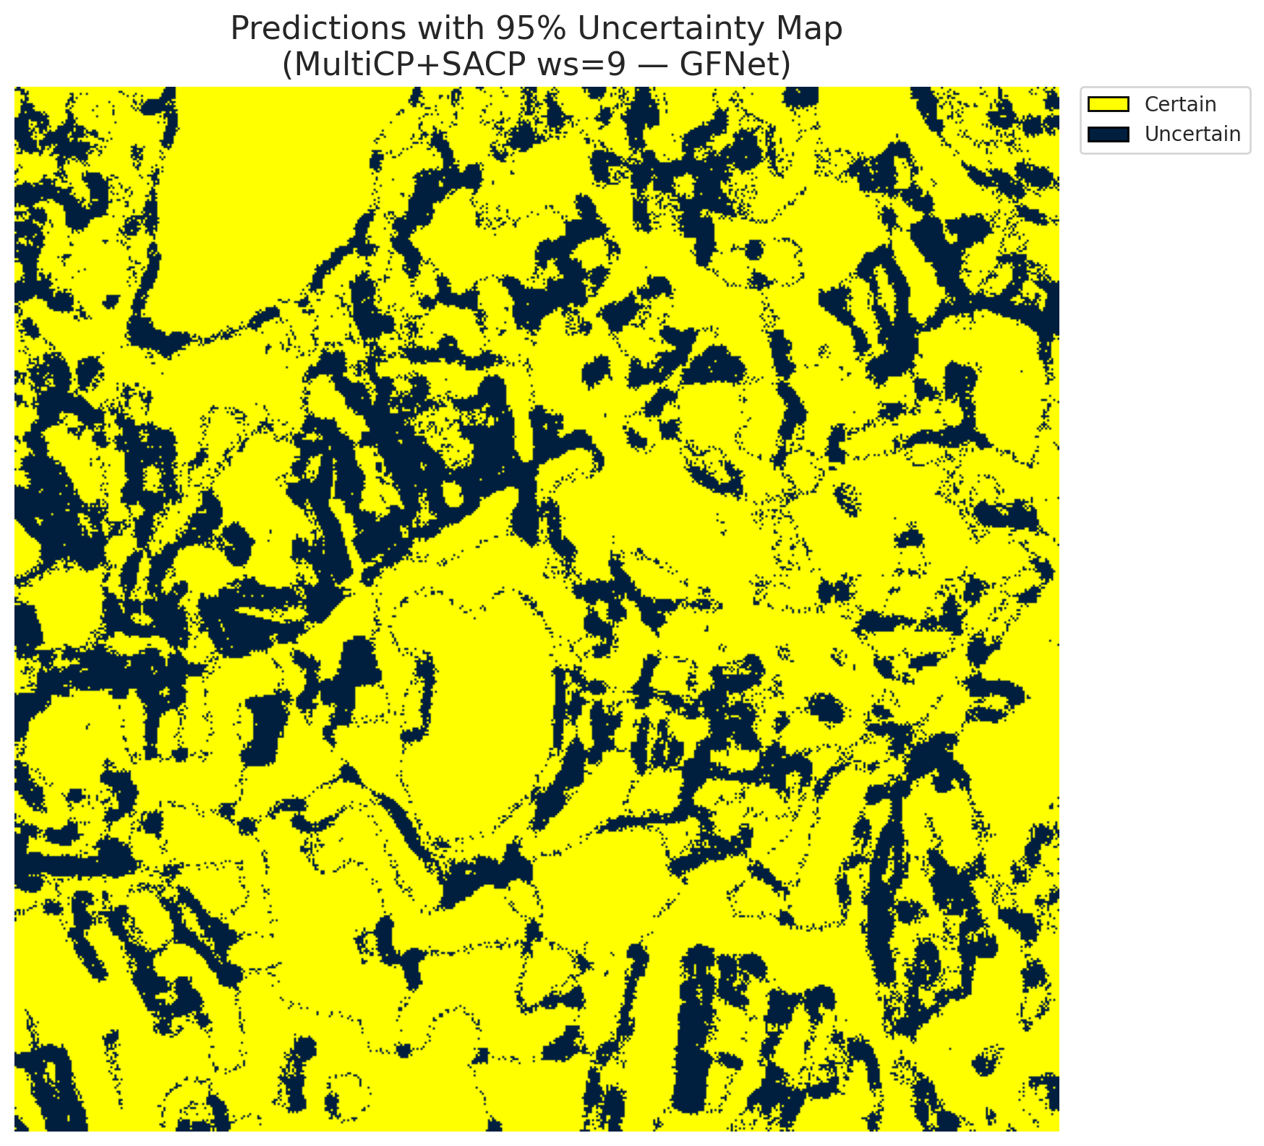
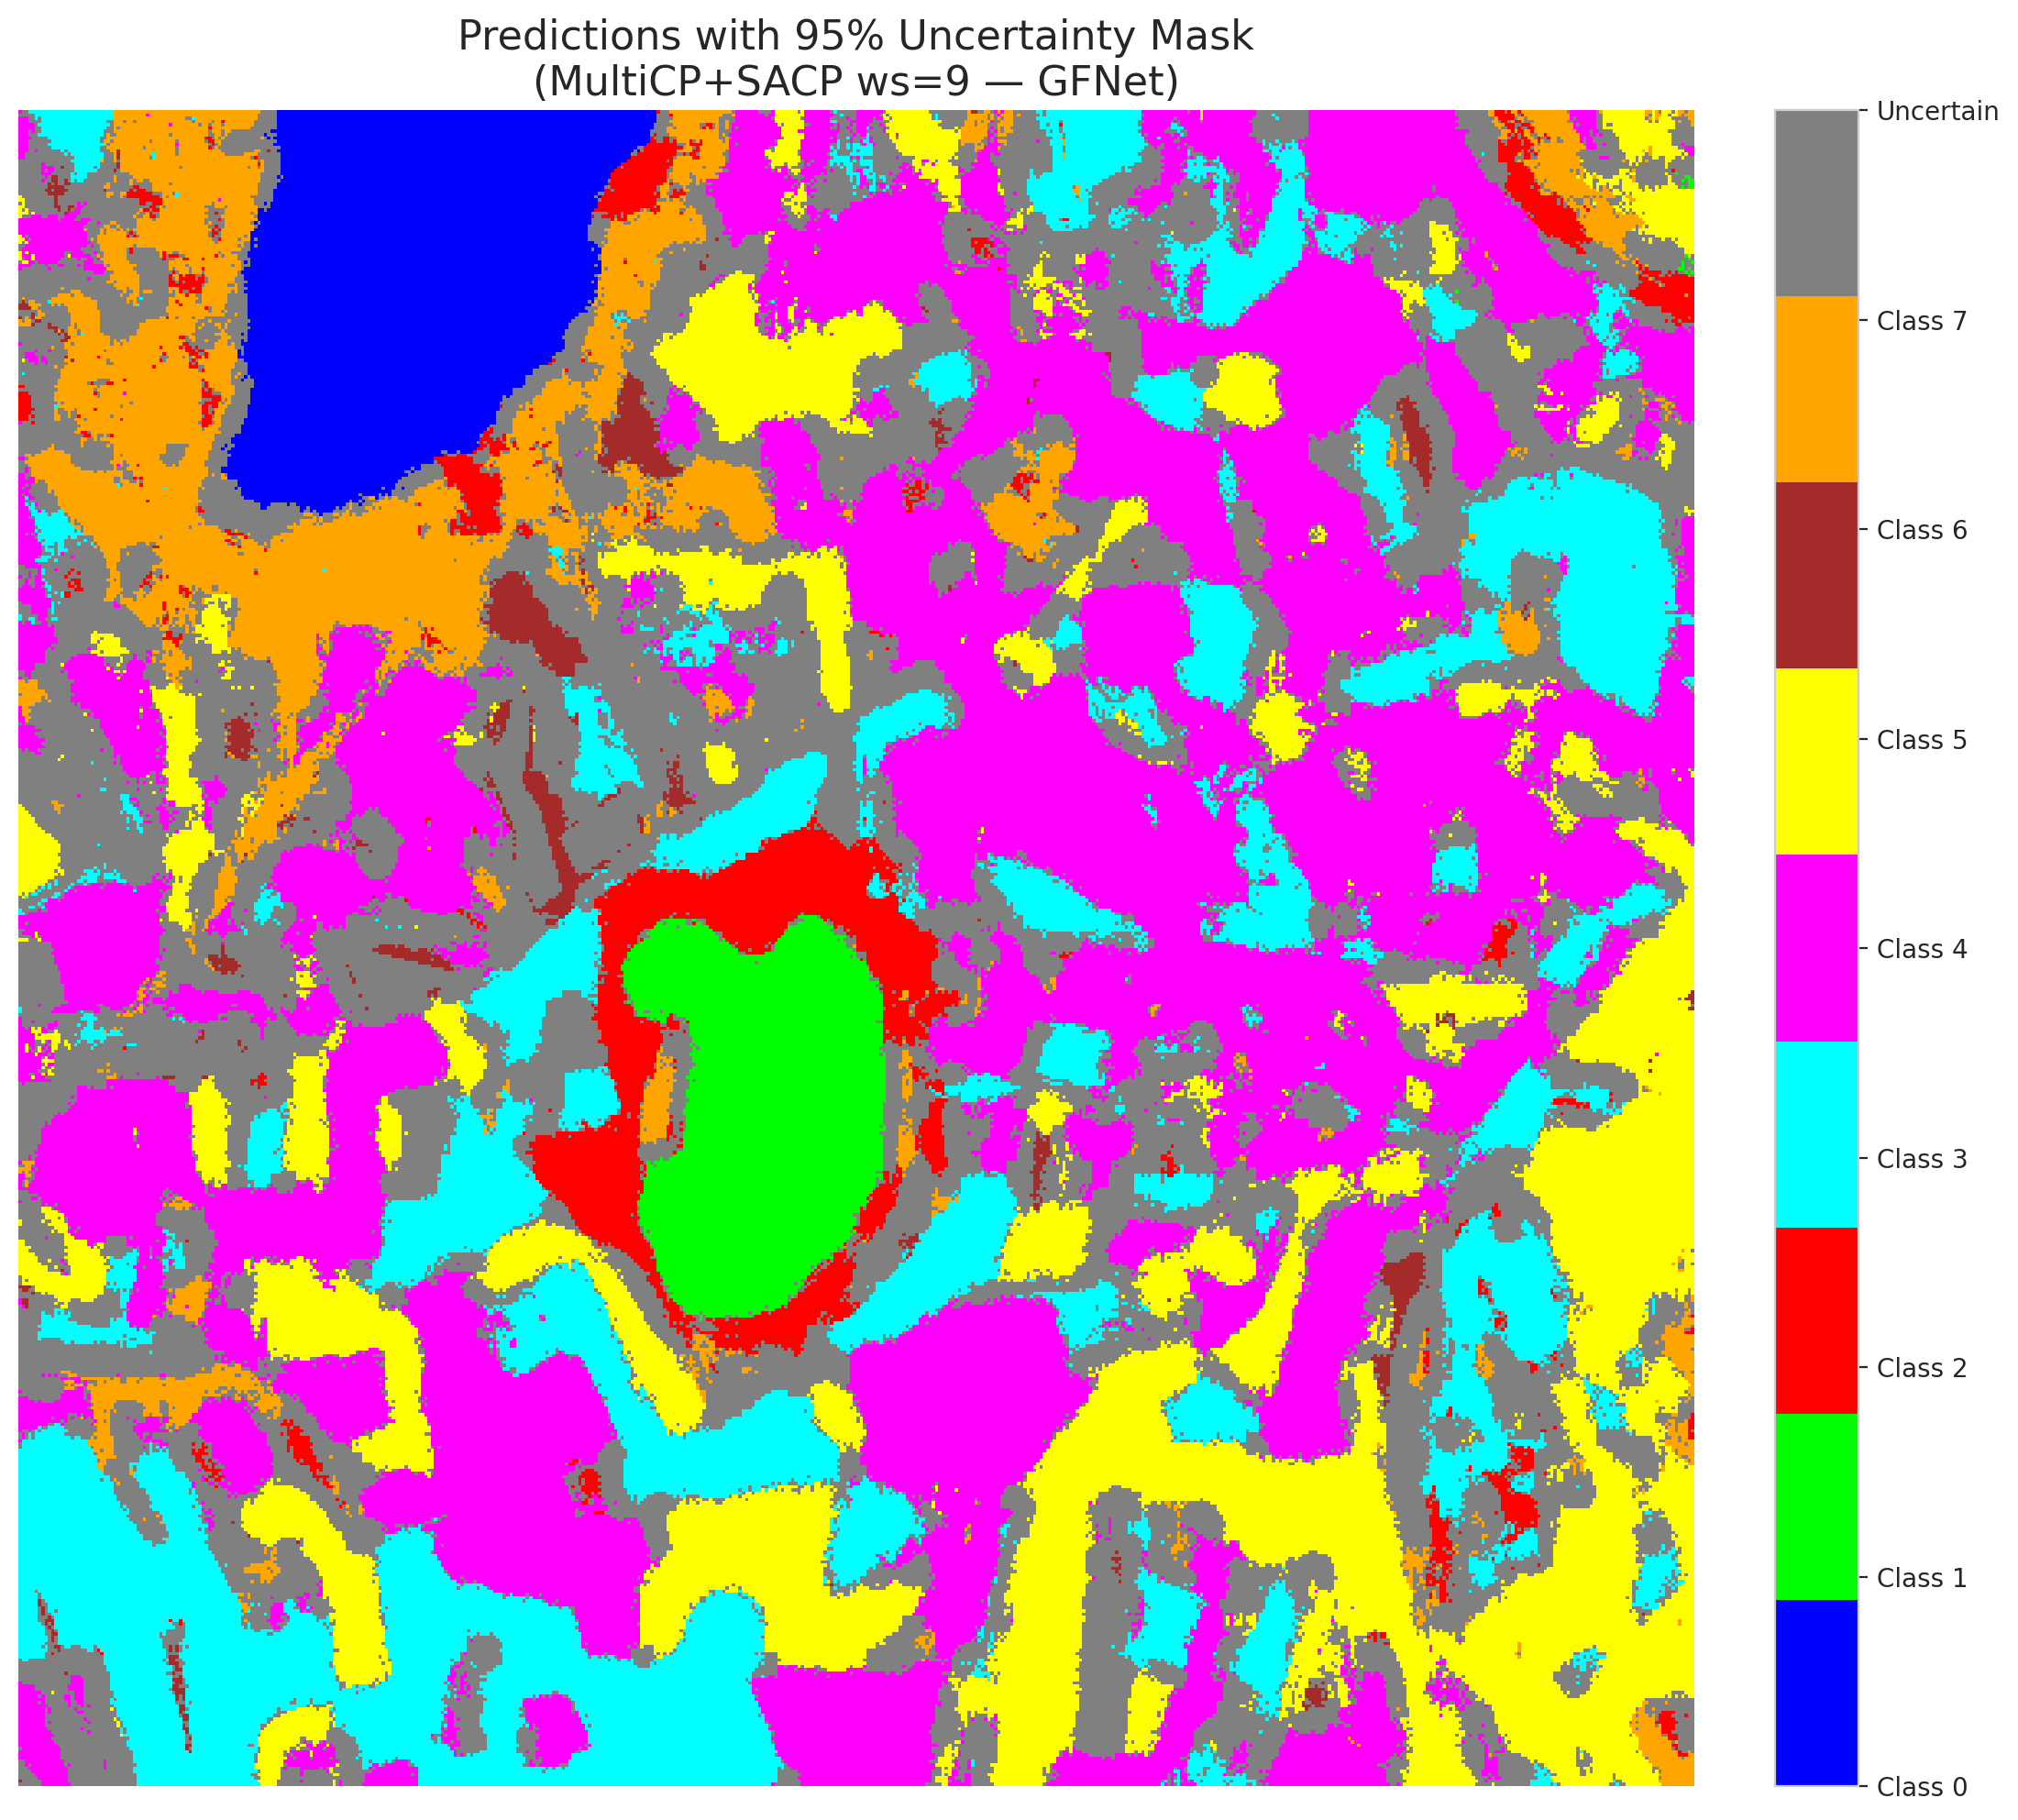
3 | 0.1771 | 0.2338 | 161 | 0.48059701493 | 5
4 | 0.5765 | 0.3297 | 327 | 0.97611940299 | 0
5 | 0.8297 | 0.2825 | 19 | 0.05671641791 | 3
6 | 0.9675 | 0.0286 | 335 | 1 | 3
7 | 0.0072 | 0.0825 | 245 | 0.73134328358 | 5
8 | 0.4804 | 0.4217 | 12 | 0.035820895522 | 3
9 | 0.9976 | 0.8162 | 10 | 0.029850746269 | 2
10 | 0.8917 | 0.1412 | 43 | 0.12835820896 | 0
11 | 0.4879 | 0.1481 | 252 | 0.75223880597 | 0
12 | 0.7067 | 0.847 | 175 | 0.5223880597 | 4
13 | 0.414 | 0.8948 | 219 | 0.65373134328 | 1
14 | 0.6626 | 0.4301 | 109 | 0.32537313433 | 0
15 | 0.7147 | 0.9328 | 328 | 0.97910447761 | 0
16 | 0.5543 | 0.3296 | 258 | 0.77014925373 | 4
17 | 0.679 | 0.2049 | 261 | 0.77910447761 | 3
18 | 0.5192 | 0.9725 | 70 | 0.20895522388 | 5
19 | 0.8596 | 0.7466 | 171 | 0.51044776119 | 0
20 | 0.9708 | 0.4627 | 225 | 0.67164179104 | 1
21 | 0.9617 | 0.6023 | 233 | 0.69552238806 | 4
22 | 0.1318 | 0.5359 | 49 | 0.14626865672 | 2
23 | 0.2784 | 0.2103 | 67 | 0.2 | 4
24 | 0.7719 | 0.1929 | 265 | 0.79104477612 | 0
25 | 0.4985 | 0.962 | 69 | 0.20597014925 | 1
26 | 0.6851 | 0.0342 | 186 | 0.5552238806 | 0
27 | 0.6567 | 0.3103 | 165 | 0.49253731343 | 5
28 | 0.8004 | 0.4081 | 68 | 0.20298507463 | 5
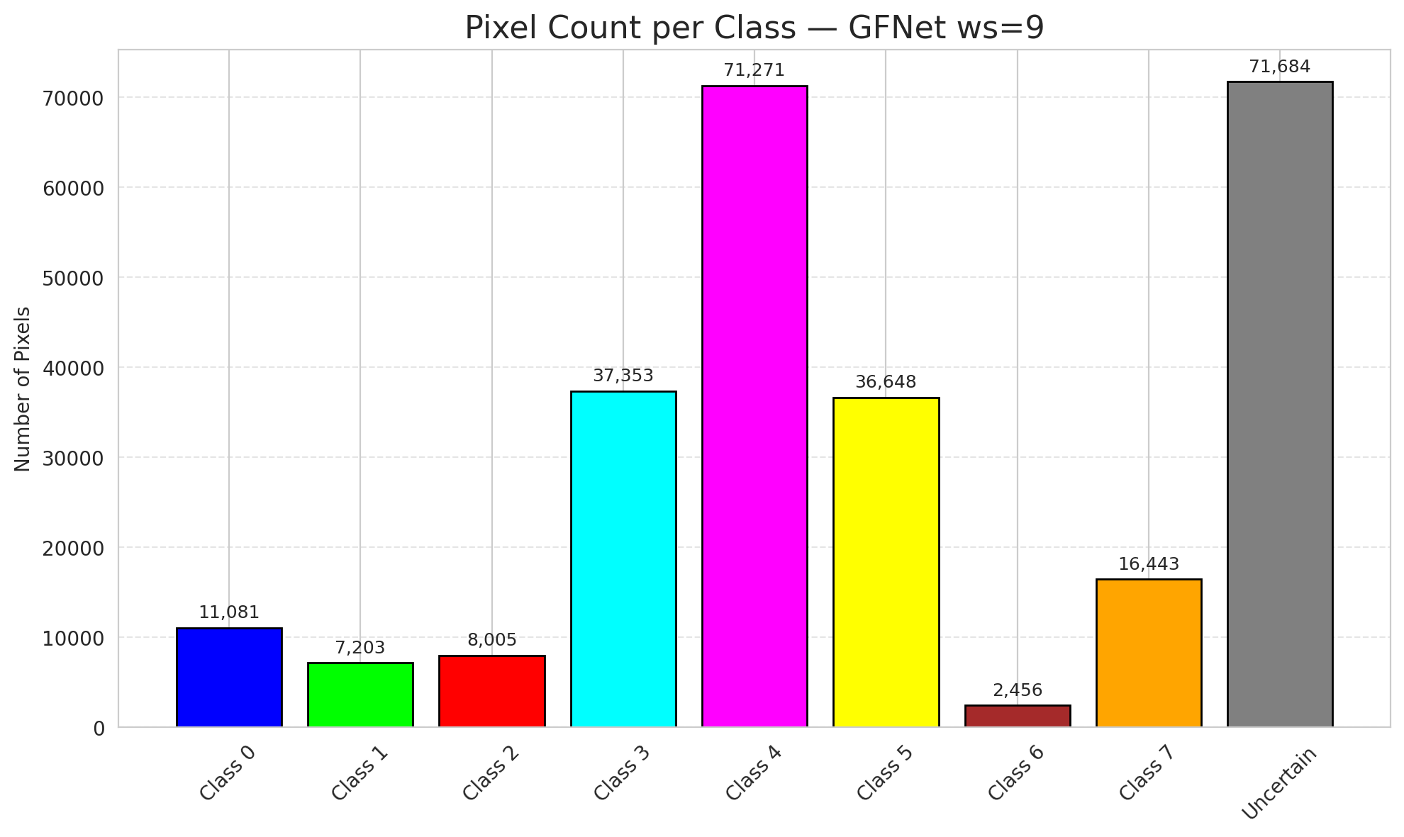
29 | 0.1763 | 0.1939 | 83 | 0.24776119403 | 5
30 | 0.6274 | 0.8577 | 229 | 0.68358208955 | 3
31 | 0.4356 | 0.7726 | 148 | 0.44179104478 | 3
32 | 0.9366 | 0.2225 | 329 | 0.98208955224 | 3
33 | 0.4548 | 0.5388 | 321 | 0.95820895522 | 4
34 | 0.8838 | 0.3046 | 272 | 0.81194029851 | 4
35 | 0.6033 | 0.6209 | 21 | 0.062686567164 | 3
36 | 0.7694 | 0.8331 | 89 | 0.26567164179 | 4
37 | 0.4374 | 0.2833 | 178 | 0.53134328358 | 4
38 | 0.305 | 0.5418 | 170 | 0.50746268657 | 1
39 | 0.193 | 0.4476 | 224 | 0.66865671642 | 1
40 | 0.097 | 0.7762 | 242 | 0.7223880597 | 5
41 | 0.2753 | 0.8051 | 207 | 0.61791044776 | 1
42 | 0.7288 | 0.2788 | 324 | 0.9671641791 | 0
43 | 0.8515 | 0.8413 | 79 | 0.23582089552 | 1
44 | 0.5241 | 0.9373 | 72 | 0.21492537313 | 5
45 | 0.7574 | 0.8951 | 167 | 0.49850746269 | 4
46 | 0.3415 | 0.081 | 223 | 0.66567164179 | 4
47 | 0.69 | 0.45 | 248 | 0.74029850746 | 3
48 | 0.1642 | 0.3178 | 32 | 0.09552238806 | 1
49 | 0.695 | 0.8868 | 311 | 0.92835820896 | 4
50 | 0.6798 | 0.6951 | 34 | 0.10149253731 | 3
51 | 0.9257 | 0.0702 | 152 | 0.45373134328 | 1
52 | 0.8009 | 0.2552 | 282 | 0.84179104478 | 4
53 | 0.7627 | 0.9715 | 304 | 0.90746268657 | 4
54 | 0.3014 | 0.7463 | 22 | 0.065671641791 | 5
55 | 0.0675 | 0.9303 | 30 | 0.089552238806 | 0
56 | 0.5518 | 0.0362 | 331 | 0.98805970149 | 5
57 | 0.2815 | 0.7326 | 326 | 0.97313432836 | 5
58 | 0.2962 | 0.1282 | 57 | 0.17014925373 | 5
59 | 0.4398 | 0.8155 | 5 | 0.014925373134 | 4
60 | 0.6924 | 0.7145 | 262 | 0.78208955224 | 4
61 | 0.1896 | 0.1044 | 235 | 0.70149253731 | 5
62 | 0.9474 | 0.1015 | 276 | 0.82388059701 | 4
63 | 0.4452 | 0.3655 | 220 | 0.65671641791 | 7
64 | 0.2999 | 0.6018 | 195 | 0.58208955224 | 6
65 | 0.0542 | 0.0136 | 316 | 0.94328358209 | 1
66 | 0.5718 | 0.7035 | 181 | 0.54029850746 | 4
67 | 0.9968 | 0.8019 | 140 | 0.41791044776 | 3
68 | 0.7133 | 0.6177 | 39 | 0.11641791045 | 3
69 | 0.7461 | 0.5392 | 330 | 0.98507462687 | 5
70 | 0.4135 | 0.9542 | 142 | 0.42388059701 | 3
71 | 0.2012 | 0.1849 | 323 | 0.96417910448 | 4
72 | 0.6903 | 0.2084 | 287 | 0.85671641791 | 0
73 | 0.0792 | 0.4072 | 63 | 0.18805970149 | 3
74 | 0.3298 | 0.6417 | 259 | 0.77313432836 | 4
75 | 0.5564 | 0.9488 | 266 | 0.79402985075 | 0
76 | 0.1844 | 0.325 | 193 | 0.57611940299 | 0
77 | 0.54 | 0.6815 | 312 | 0.93134328358 | 4
78 | 0.8706 | 0.7955 | 131 | 0.39104477612 | 1
79 | 0.6864 | 0.6344 | 62 | 0.18507462687 | 4
80 | 0.3348 | 0.5386 | 214 | 0.63880597015 | 4
81 | 0.5446 | 0.1007 | 283 | 0.8447761194 | 0
82 | 0.4053 | 0.9049 | 128 | 0.38208955224 | 3
83 | 0.9915 | 0.7824 | 53 | 0.15820895522 | 5
84 | 0.1362 | 0.1642 | 277 | 0.82686567164 | 0
85 | 0.3615 | 0.9028 | 236 | 0.70447761194 | 5
86 | 0.1246 | 0.8564 | 322 | 0.96119402985 | 0
87 | 0.5436 | 0.4999 | 307 | 0.91641791045 | 3
88 | 0.9531 | 0.8557 | 9 | 0.026865671642 | 0
89 | 0.3091 | 0.9771 | 174 | 0.51940298507 | 1
90 | 0.6647 | 0.5102 | 320 | 0.9552238806 | 4
91 | 0.7078 | 0.2598 | 228 | 0.68059701493 | 1
92 | 0.2758 | 0.4124 | 315 | 0.94029850746 | 5
93 | 0.6554 | 0.4403 | 86 | 0.25671641791 | 5
94 | 0.2334 | 0.1867 | 196 | 0.58507462687 | 1
95 | 0.81 | 0.1574 | 55 | 0.16417910448 | 3
96 | 0.1995 | 0.3841 | 31 | 0.092537313433 | 4
97 | 0.2821 | 0.6464 | 46 | 0.13731343284 | 0
98 | 0.037 | 0.97 | 292 | 0.87164179104 | 4
99 | 0.3668 | 0.2379 | 240 | 0.71641791045 | 1
100 | 0.4453 | 0.1354 | 317 | 0.94626865672 | 4
101 | 0.2174 | 0.6237 | 268 | 0.8 | 1
102 | 0.2474 | 0.7902 | 18 | 0.053731343284 | 0
103 | 0.4528 | 0.4072 | 146 | 0.43582089552 | 4
104 | 0.6417 | 0.9077 | 40 | 0.11940298507 | 3
105 | 0.7346 | 0.2238 | 111 | 0.33134328358 | 4
106 | 0.4263 | 0.7178 | 333 | 0.99402985075 | 4
107 | 0.4462 | 0.6549 | 332 | 0.99104477612 | 0
108 | 0.4927 | 0.2617 | 314 | 0.93731343284 | 3
109 | 0.5086 | 0.4914 | 217 | 0.64776119403 | 0
110 | 0.4391 | 0.7529 | 24 | 0.071641791045 | 5
111 | 0.0357 | 0.8037 | 125 | 0.37313432836 | 4
112 | 0.3424 | 0.4756 | 77 | 0.22985074627 | 1
113 | 0.5393 | 0.7032 | 210 | 0.62686567164 | 7
114 | 0.3949 | 0.0983 | 297 | 0.88656716418 | 4
115 | 0.5084 | 0.2877 | 103 | 0.30746268657 | 0
116 | 0.303 | 0.7714 | 231 | 0.68955223881 | 4
117 | 0.4018 | 0.4456 | 279 | 0.8328358209 | 5
118 | 0.5195 | 0.4061 | 250 | 0.74626865672 | 4
119 | 0.0142 | 0.1546 | 285 | 0.85074626866 | 4
120 | 0.0239 | 0.5612 | 264 | 0.78805970149 | 3
121 | 0.7943 | 0.4232 | 93 | 0.2776119403 | 3
122 | 0.8213 | 0.5482 | 88 | 0.26268656716 | 4
123 | 0.4527 | 0.4897 | 251 | 0.74925373134 | 4
124 | 0.85 | 0.2432 | 115 | 0.34328358209 | 0
125 | 0.6222 | 0.3354 | 310 | 0.92537313433 | 0
126 | 0.044 | 0.4541 | 104 | 0.31044776119 | 0
127 | 0.3944 | 0.2635 | 121 | 0.36119402985 | 4
128 | 0.2108 | 0.5083 | 100 | 0.29850746269 | 4
129 | 0.0377 | 0.8757 | 116 | 0.34626865672 | 4
130 | 0.4075 | 0.1925 | 274 | 0.81791044776 | 5
131 | 0.7552 | 0.0776 | 213 | 0.63582089552 | 3
132 | 0.3698 | 0.6377 | 218 | 0.65074626866 | 0
133 | 0.2306 | 0.8557 | 27 | 0.080597014925 | 1
134 | 0.306 | 0.9728 | 306 | 0.91343283582 | 3
135 | 0.2496 | 0.3469 | 230 | 0.68656716418 | 4
136 | 0.7373 | 0.4442 | 36 | 0.10746268657 | 5
137 | 0.8605 | 0.4383 | 23 | 0.068656716418 | 3
138 | 0.5128 | 0.7463 | 296 | 0.88358208955 | 5
139 | 0.485 | 0.6957 | 92 | 0.27462686567 | 7
140 | 0.0645 | 0.5025 | 270 | 0.80597014925 | 3
141 | 0.6924 | 0.2684 | 200 | 0.59701492537 | 1
142 | 0.439 | 0.7811 | 300 | 0.89552238806 | 0
143 | 0.5132 | 0.0603 | 145 | 0.4328358209 | 2
144 | 0.1045 | 0.424 | 239 | 0.71343283582 | 2
145 | 0.1285 | 0.2439 | 156 | 0.46567164179 | 4
146 | 0.3787 | 0.5911 | 143 | 0.42686567164 | 0
147 | 0.1727 | 0.363 | 160 | 0.4776119403 | 1
148 | 0.2608 | 0.6407 | 25 | 0.074626865672 | 7
149 | 0.2849 | 0.2233 | 82 | 0.2447761194 | 7
150 | 0.8742 | 0.946 | 37 | 0.11044776119 | 5
151 | 0.2689 | 0.5037 | 47 | 0.14029850746 | 0
152 | 0.692 | 0.3143 | 157 | 0.46865671642 | 2
153 | 0.1092 | 0.0046 | 20 | 0.059701492537 | 0
154 | 0.6031 | 0.7683 | 132 | 0.39402985075 | 3
155 | 0.7202 | 0.2404 | 122 | 0.36417910448 | 3
156 | 0.68 | 0.5022 | 59 | 0.17611940299 | 4
157 | 0.3653 | 0.9912 | 141 | 0.42089552239 | 0
158 | 0.4764 | 0.1254 | 112 | 0.33432835821 | 1
159 | 0.6561 | 0.2244 | 187 | 0.55820895522 | 3
160 | 0.2263 | 0.4144 | 48 | 0.14328358209 | 3
161 | 0.935 | 0.7375 | 129 | 0.38507462687 | 4
162 | 0.1938 | 0.2697 | 50 | 0.14925373134 | 0
163 | 0.3846 | 0.1091 | 291 | 0.86865671642 | 0
164 | 0.9259 | 0.1354 | 147 | 0.43880597015 | 0
165 | 0.9777 | 0.7819 | 15 | 0.044776119403 | 0
166 | 0.0387 | 0.881 | 313 | 0.93432835821 | 0
167 | 0.2228 | 0.2169 | 212 | 0.6328358209 | 4
168 | 0.2317 | 0.2793 | 108 | 0.3223880597 | 4
169 | 0.8548 | 0.2181 | 191 | 0.57014925373 | 0
170 | 0.6203 | 0.5482 | 260 | 0.77611940299 | 5
171 | 0.6372 | 0.1059 | 85 | 0.25373134328 | 5
172 | 0.8173 | 0.1191 | 14 | 0.041791044776 | 0
173 | 0.2962 | 0.1764 | 303 | 0.90447761194 | 5
174 | 0.9398 | 0.5635 | 275 | 0.82089552239 | 0
175 | 0.8114 | 0.1018 | 90 | 0.26865671642 | 1
176 | 0.9814 | 0.3878 | 139 | 0.41492537313 | 0
177 | 0.9392 | 0.2551 | 0 | 0 | 3
178 | 0.9599 | 0.706 | 247 | 0.73731343284 | 4
179 | 0.6296 | 0.4156 | 298 | 0.88955223881 | 4
180 | 0.3536 | 0.5622 | 183 | 0.54626865672 | 7
181 | 0.0402 | 0.8033 | 127 | 0.37910447761 | 1
182 | 0.1893 | 0.862 | 302 | 0.90149253731 | 4
183 | 0.8724 | 0.2524 | 38 | 0.11343283582 | 5
184 | 0.5133 | 0.2002 | 206 | 0.61492537313 | 4
185 | 0.3934 | 0.8317 | 105 | 0.31343283582 | 3
186 | 0.5023 | 0.5743 | 202 | 0.60298507463 | 5
187 | 0.5822 | 0.6635 | 159 | 0.47462686567 | 3
188 | 0.7624 | 0.8114 | 91 | 0.27164179104 | 4
189 | 0.6723 | 0.3678 | 101 | 0.30149253731 | 3
190 | 0.3991 | 0.3724 | 164 | 0.48955223881 | 4
191 | 0.2122 | 0.0028 | 134 | 0.4 | 3
192 | 0.4408 | 0.068 | 209 | 0.62388059701 | 4
193 | 0.9677 | 0.2468 | 280 | 0.83582089552 | 0
194 | 0.3214 | 0.6406 | 138 | 0.41194029851 | 3
195 | 0.5908 | 0.3119 | 51 | 0.15223880597 | 7
196 | 0.0445 | 0.232 | 118 | 0.35223880597 | 3
197 | 0.9724 | 0.2363 | 41 | 0.1223880597 | 5
198 | 0.442 | 0.8554 | 110 | 0.32835820896 | 0
199 | 0.1159 | 0.5322 | 289 | 0.86268656716 | 4
200 | 0.3527 | 0.6581 | 113 | 0.33731343284 | 0
201 | 0.0059 | 0.4425 | 176 | 0.52537313433 | 0
202 | 0.5851 | 0.0962 | 151 | 0.45074626866 | 5
203 | 0.1721 | 0.4233 | 119 | 0.3552238806 | 6
204 | 0.1903 | 0.4007 | 185 | 0.55223880597 | 4
205 | 0.1223 | 0.8408 | 177 | 0.52835820896 | 0
206 | 0.3366 | 0.3749 | 192 | 0.57313432836 | 4
207 | 0.8391 | 0.8741 | 241 | 0.71940298507 | 4
208 | 0.5217 | 0.1851 | 133 | 0.39701492537 | 0
209 | 0.6763 | 0.5805 | 153 | 0.45671641791 | 4
210 | 0.2336 | 0.8058 | 180 | 0.53731343284 | 0
211 | 0.043 | 0.0138 | 120 | 0.35820895522 | 1
212 | 0.3138 | 0.5081 | 319 | 0.95223880597 | 1
213 | 0.8294 | 0.2563 | 42 | 0.12537313433 | 5
214 | 0.9639 | 0.5265 | 95 | 0.28358208955 | 4
215 | 0.5948 | 0.5618 | 216 | 0.6447761194 | 3
216 | 0.7573 | 0.5509 | 1 | 0.0029850746269 | 5
217 | 0.2084 | 0.3903 | 318 | 0.94925373134 | 0
218 | 0.1139 | 0.6575 | 168 | 0.50149253731 | 3
219 | 0.8965 | 0.7766 | 281 | 0.83880597015 | 3
220 | 0.099 | 0.8754 | 286 | 0.85373134328 | 4
221 | 0.6979 | 0.2474 | 75 | 0.22388059701 | 3
222 | 0.1295 | 0.7219 | 64 | 0.19104477612 | 4
223 | 0.9644 | 0.877 | 238 | 0.71044776119 | 7
224 | 0.8417 | 0.2718 | 188 | 0.56119402985 | 3
225 | 0.7924 | 0.9096 | 294 | 0.8776119403 | 3
226 | 0.3425 | 0.2217 | 81 | 0.24179104478 | 3
227 | 0.3063 | 0.653 | 135 | 0.40298507463 | 0
228 | 0.9374 | 0.1122 | 334 | 0.99701492537 | 3
229 | 0.484 | 0.5457 | 114 | 0.34029850746 | 0
230 | 0.7306 | 0.4345 | 3 | 0.0089552238806 | 0
231 | 0.237 | 0.3442 | 136 | 0.40597014925 | 0
232 | 0.0166 | 0.13 | 243 | 0.72537313433 | 7
233 | 0.9412 | 0.7944 | 60 | 0.17910447761 | 5
234 | 0.2927 | 0.6025 | 107 | 0.31940298507 | 4
235 | 0.3542 | 0.9609 | 169 | 0.50447761194 | 5
236 | 0.7157 | 0.6826 | 33 | 0.098507462687 | 6
237 | 0.7344 | 0.3377 | 96 | 0.28656716418 | 2
238 | 0.6049 | 0.1418 | 257 | 0.7671641791 | 5
239 | 0.5773 | 0.5522 | 35 | 0.10447761194 | 6
240 | 0.3173 | 0.705 | 305 | 0.91044776119 | 4
241 | 0.0543 | 0.3804 | 13 | 0.038805970149 | 4
242 | 0.1573 | 0.8021 | 28 | 0.083582089552 | 3
243 | 0.8848 | 0.7788 | 102 | 0.30447761194 | 3
244 | 0.6944 | 0.412 | 299 | 0.89253731343 | 3
245 | 0.7443 | 0.6891 | 301 | 0.89850746269 | 4
246 | 0.4154 | 0.566 | 253 | 0.7552238806 | 6
247 | 0.1792 | 0.8382 | 221 | 0.65970149254 | 0
248 | 0.6905 | 0.4091 | 284 | 0.84776119403 | 4
249 | 0.0404 | 0.9335 | 61 | 0.18208955224 | 3
250 | 0.8741 | 0.8732 | 123 | 0.3671641791 | 2
251 | 0.1886 | 0.2322 | 98 | 0.29253731343 | 4
252 | 0.9441 | 0.7913 | 26 | 0.077611940299 | 0
253 | 0.3153 | 0.273 | 215 | 0.64179104478 | 0
254 | 0.4655 | 0.4634 | 184 | 0.54925373134 | 5
255 | 0.0408 | 0.5777 | 182 | 0.54328358209 | 5
256 | 0.4879 | 0.4357 | 290 | 0.86567164179 | 0
257 | 0.6955 | 0.04 | 130 | 0.38805970149 | 3
258 | 0.4168 | 0.6579 | 163 | 0.48656716418 | 5
259 | 0.8744 | 0.4262 | 73 | 0.21791044776 | 4
260 | 0.1429 | 0.5016 | 162 | 0.48358208955 | 0
261 | 0.5181 | 0.8314 | 117 | 0.34925373134 | 4
262 | 0.8416 | 0.729 | 11 | 0.032835820896 | 4
263 | 0.1784 | 0.1702 | 58 | 0.17313432836 | 4
264 | 0.4382 | 0.8648 | 94 | 0.28059701493 | 3
265 | 0.9004 | 0.7216 | 199 | 0.59402985075 | 1
266 | 0.1297 | 0.8831 | 144 | 0.42985074627 | 3
267 | 0.1502 | 0.0067 | 278 | 0.82985074627 | 2
268 | 0.3341 | 0.5999 | 190 | 0.5671641791 | 4
269 | 0.7363 | 0.4342 | 288 | 0.85970149254 | 4
270 | 0.9759 | 0.2718 | 154 | 0.45970149254 | 0
271 | 0.0732 | 0.2865 | 232 | 0.69253731343 | 0
272 | 0.698 | 0.7711 | 4 | 0.011940298507 | 4
273 | 0.0995 | 0.8381 | 325 | 0.97014925373 | 0
274 | 0.6395 | 0.5849 | 256 | 0.76417910448 | 0
275 | 0.7467 | 0.7838 | 97 | 0.28955223881 | 1
276 | 0.5606 | 0.8697 | 293 | 0.87462686567 | 6
277 | 0.5221 | 0.8703 | 80 | 0.23880597015 | 1
278 | 0.1645 | 0.0448 | 155 | 0.46268656716 | 7
279 | 0.7692 | 0.3262 | 197 | 0.58805970149 | 0
280 | 0.4711 | 0.5353 | 179 | 0.53432835821 | 4
281 | 0.2705 | 0.4908 | 249 | 0.74328358209 | 4
282 | 0.5406 | 0.5136 | 166 | 0.49552238806 | 3
283 | 0.4824 | 0.5274 | 269 | 0.80298507463 | 0
284 | 0.436 | 0.0308 | 208 | 0.62089552239 | 3
285 | 0.57 | 0.1968 | 66 | 0.19701492537 | 4
286 | 0.2975 | 0.5814 | 106 | 0.31641791045 | 3
287 | 0.6522 | 0.869 | 172 | 0.51343283582 | 4
288 | 0.3484 | 0.1295 | 52 | 0.1552238806 | 5
289 | 0.6338 | 0.585 | 45 | 0.13432835821 | 3
290 | 0.4448 | 0.39 | 54 | 0.16119402985 | 5
291 | 0.8778 | 0.0048 | 226 | 0.67462686567 | 2
292 | 0.1728 | 0.8523 | 201 | 0.6 | 3
293 | 0.4745 | 0.4108 | 271 | 0.80895522388 | 3
294 | 0.7935 | 0.9576 | 273 | 0.81492537313 | 3
295 | 0.2466 | 0.4692 | 308 | 0.91940298507 | 3
296 | 0.8921 | 0.0176 | 2 | 0.0059701492537 | 7
297 | 0.9877 | 0.2861 | 227 | 0.6776119403 | 6
298 | 0.6135 | 0.7561 | 255 | 0.76119402985 | 3
299 | 0.167 | 0.0738 | 74 | 0.22089552239 | 4
300 | 0.6063 | 0.0507 | 99 | 0.29552238806 | 4
301 | 0.7676 | 0.0019 | 254 | 0.75820895522 | 1
302 | 0.4711 | 0.0552 | 29 | 0.086567164179 | 2
303 | 0.9325 | 0.3986 | 295 | 0.88059701493 | 4
304 | 0.9168 | 0.9029 | 267 | 0.79701492537 | 0
305 | 0.7225 | 0.2073 | 205 | 0.61194029851 | 0
306 | 0.1297 | 0.2355 | 194 | 0.57910447761 | 5
307 | 0.6112 | 0.5245 | 246 | 0.73432835821 | 4
308 | 0.2034 | 0.2419 | 309 | 0.9223880597 | 0
309 | 0.6887 | 0.2585 | 189 | 0.56417910448 | 0
310 | 0.8607 | 0.3396 | 8 | 0.023880597015 | 4
311 | 0.0521 | 0.6618 | 137 | 0.40895522388 | 4
312 | 0.1644 | 0.7132 | 17 | 0.050746268657 | 1
313 | 0.9532 | 0.9612 | 237 | 0.70746268657 | 3
314 | 0.6669 | 0.5738 | 234 | 0.69850746269 | 0
315 | 0.1683 | 0.253 | 158 | 0.47164179104 | 3
316 | 0.1608 | 0.6147 | 173 | 0.51641791045 | 3
317 | 0.421 | 0.1412 | 222 | 0.66268656716 | 0
318 | 0.0312 | 0.3712 | 126 | 0.37611940299 | 3
319 | 0.0542 | 0.188 | 198 | 0.59104477612 | 0
320 | 0.455 | 0.175 | 6 | 0.017910447761 | 1
321 | 0.5034 | 0.5918 | 124 | 0.37014925373 | 3
322 | 0.7213 | 0.6978 | 76 | 0.22686567164 | 4
323 | 0.4158 | 0.7054 | 84 | 0.25074626866 | 3
324 | 0.9974 | 0.0417 | 16 | 0.04776119403 | 0
325 | 0.2542 | 0.2846 | 149 | 0.4447761194 | 0
326 | 0.6294 | 0.1965 | 87 | 0.25970149254 | 5
327 | 0.0552 | 0.9657 | 203 | 0.60597014925 | 1
328 | 0.5917 | 0.6398 | 65 | 0.19402985075 | 4
329 | 0.5748 | 0.3979 | 71 | 0.21194029851 | 3
330 | 0.3007 | 0.9616 | 244 | 0.72835820896 | 0
331 | 0.9577 | 0.653 | 263 | 0.78507462687 | 1
332 | 0.7124 | 0.8678 | 211 | 0.62985074627 | 3
333 | 0.1633 | 0.7166 | 204 | 0.60895522388 | 4
334 | 0.2546 | 0.3729 | 56 | 0.1671641791 | 1
335 | 0.9234 | 0.3596 | 7 | 0.020895522388 | 3

GFNet_SAPS_ws9
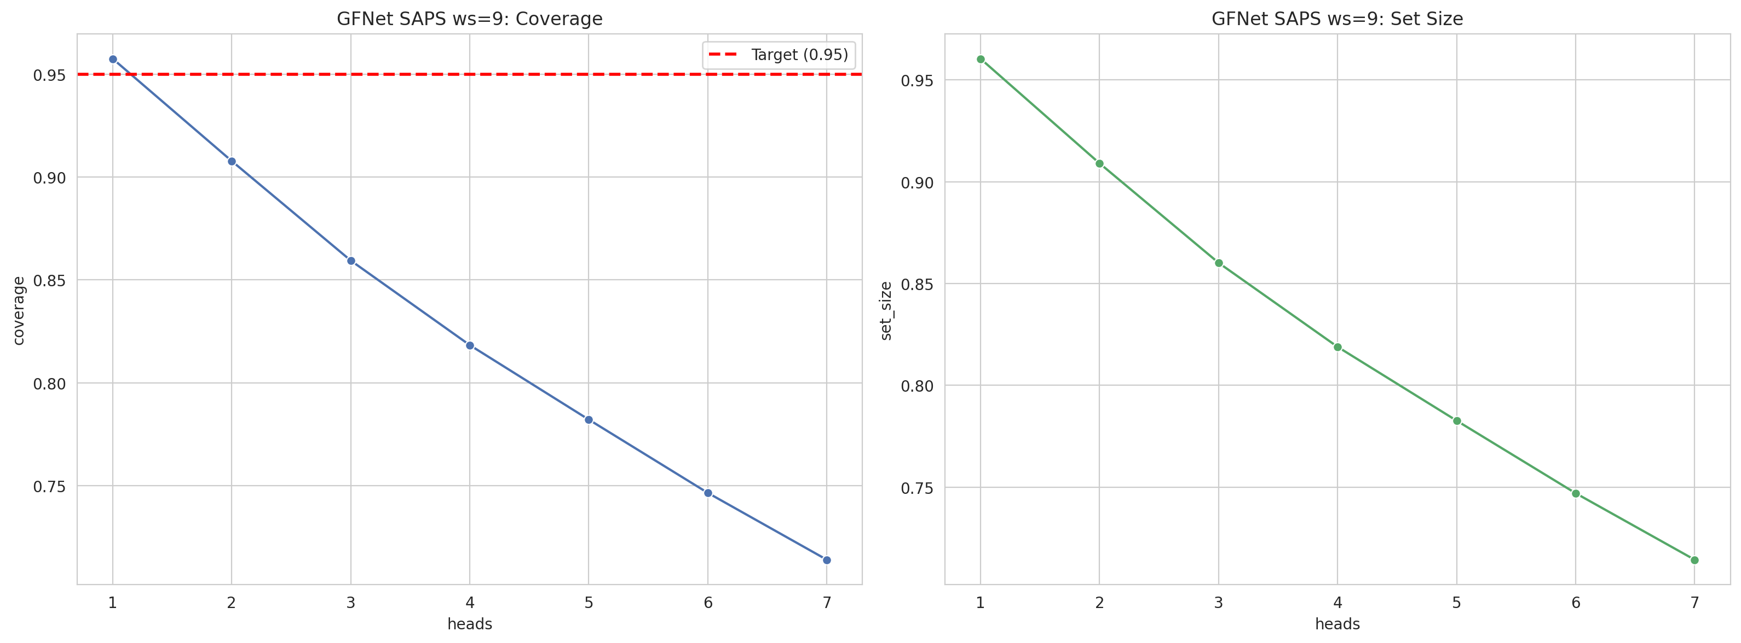
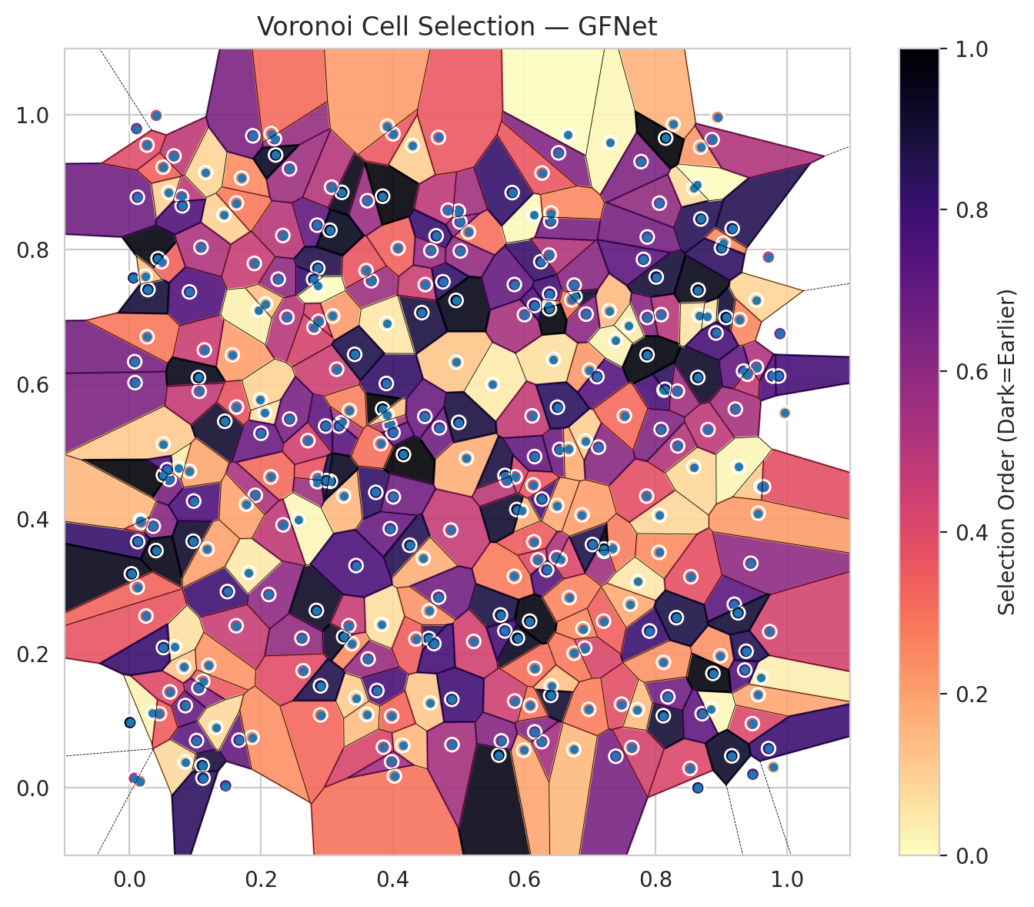
model_key | GFNet_MultiHead
model_name | GFNet
scoring_method | SAPS
window_size | 9
lambda | 0.5
k_iters | 1
empirical_coverage | 0.71396764138
avg_set_size | 0.71441294345
scene_coverage | 0.16652644461
scene_avg_set_size | 1.0309385183
uncertain_pixel_rate | 0.14338302612
mean_per_class_cov | 0.71601025601
runtime_sec | 279.54630429
alpha | 0.05

heads | coverage | set_size |  |  | class_id | class_coverage | support_count | Class | Pixels
1 | 0.95754786997 | 0.96036811637 |  |  | 0 | 0.72121710526 | 1216 | Class 0 | 11421
2 | 0.90782247291 | 0.90900994508 |  |  | 1 | 0.72443181818 | 704 | Class 1 | 7349
3 | 0.85943298204 | 0.86017515214 |  |  | 2 | 0.69964664311 | 283 | Class 2 | 9689
4 | 0.8183167582 | 0.81891049429 |  |  | 3 | 0.70695970696 | 1365 | Class 3 | 44706
5 | 0.78209885706 | 0.78269259314 |  |  | 4 | 0.71132075472 | 1590 | Class 4 | 81842
6 | 0.746474692 | 0.74706842808 |  |  | 5 | 0.71388101983 | 1059 | Class 5 | 42943
7 | 0.71396764138 | 0.71441294345 |  |  | 6 | 0.76 | 200 | Class 6 | 4107
 |  |  |  |  | 7 | 0.690625 | 320 | Class 7 | 22500
 |  |  |  |  |  |  |  | Uncertain | 37587
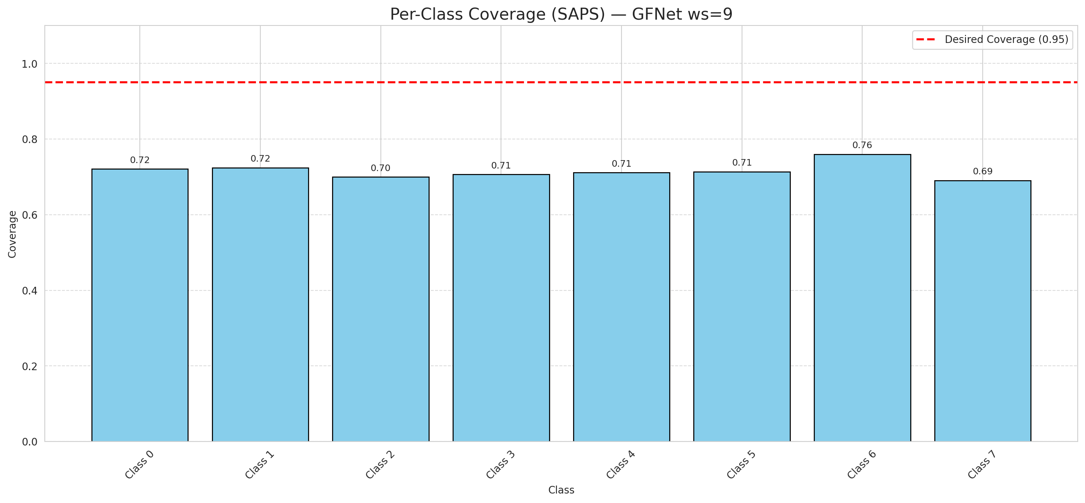

Cell Index | s1 | s2 | Selection_Order | Norm_Order(0-1) | Target
0 | 0.8129 | 0.5911 | 257 | 0.7671641791 | 5
1 | 0.0353 | 0.1117 | 9 | 0.026865671642 | 0
2 | 0.3968 | 0.3852 | 231 | 0.68955223881 | 2
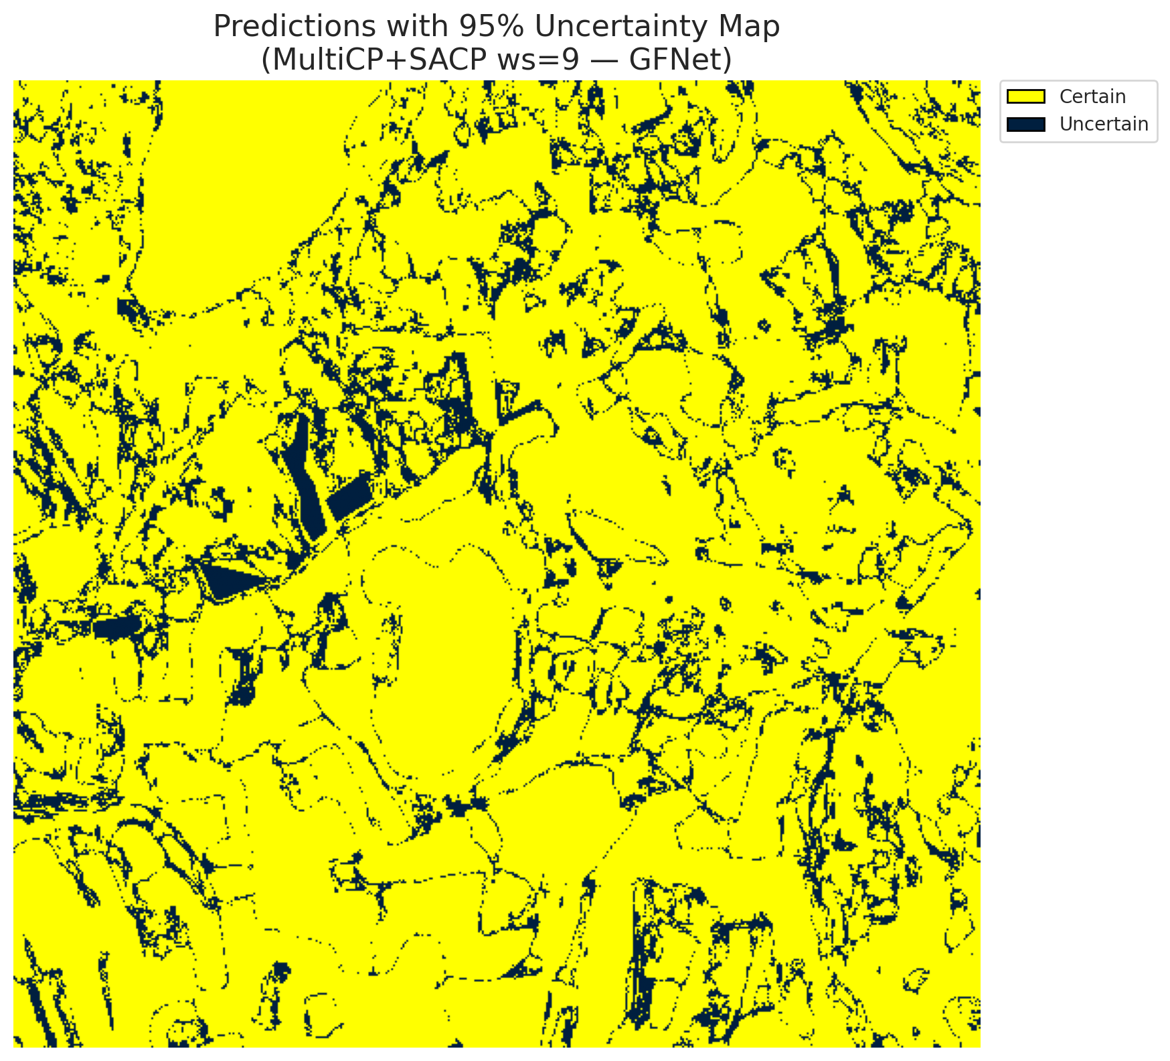
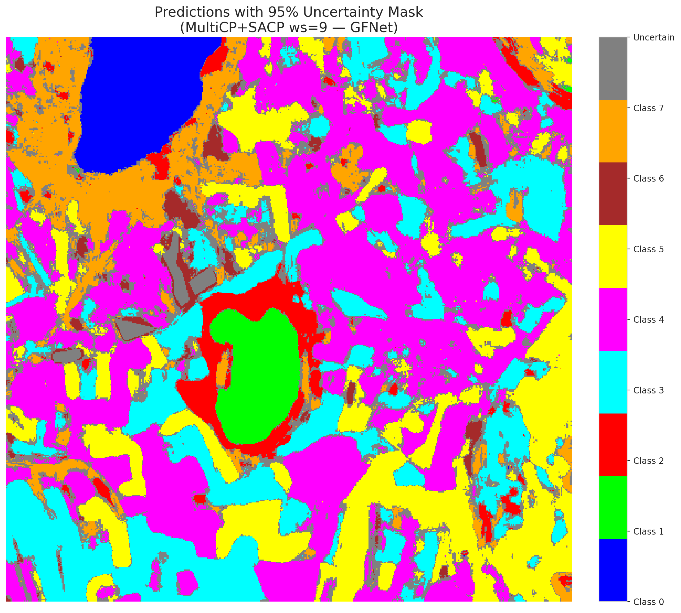
3 | 0.6924 | 0.2078 | 138 | 0.41194029851 | 5
4 | 0.1708 | 0.9058 | 81 | 0.24179104478 | 0
5 | 0.0681 | 0.9387 | 159 | 0.47462686567 | 3
6 | 0.0112 | 0.9793 | 211 | 0.62985074627 | 3
7 | 0.0089 | 0.6021 | 214 | 0.63880597015 | 5
8 | 0.2856 | 0.8359 | 239 | 0.71343283582 | 3
9 | 0.9716 | 0.7885 | 144 | 0.42985074627 | 2
10 | 0.1568 | 0.6433 | 68 | 0.20298507463 | 0
11 | 0.3232 | 0.8847 | 323 | 0.96417910448 | 0
12 | 0.3765 | 0.1448 | 256 | 0.76417910448 | 4
13 | 0.0366 | 0.3889 | 207 | 0.61791044776 | 1
14 | 0.615 | 0.3656 | 116 | 0.34626865672 | 0
15 | 0.3228 | 0.5425 | 174 | 0.51940298507 | 0
16 | 0.5901 | 0.2226 | 314 | 0.93731343284 | 4
17 | 0.2335 | 0.8206 | 166 | 0.49552238806 | 3
18 | 0.1493 | 0.2918 | 265 | 0.79104477612 | 5
19 | 0.8268 | 0.9857 | 54 | 0.16119402985 | 0
20 | 0.2866 | 0.772 | 289 | 0.86268656716 | 1
21 | 0.639 | 0.7337 | 264 | 0.78805970149 | 4
22 | 0.7484 | 0.1245 | 129 | 0.38507462687 | 2
23 | 0.9603 | 0.1645 | 11 | 0.032835820896 | 4
24 | 0.4031 | 0.0179 | 99 | 0.29552238806 | 0
25 | 0.6543 | 0.5029 | 227 | 0.6776119403 | 1
26 | 0.2122 | 0.2875 | 199 | 0.59402985075 | 0
27 | 0.4715 | 0.535 | 226 | 0.67462686567 | 5
28 | 0.9197 | 0.2729 | 242 | 0.7223880597 | 5
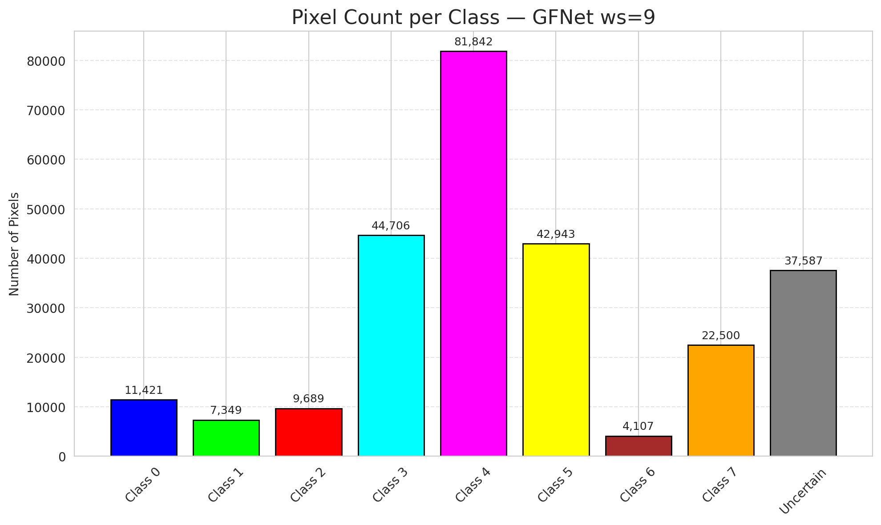
29 | 0.8143 | 0.5922 | 280 | 0.83582089552 | 5
30 | 0.3077 | 0.8923 | 168 | 0.50149253731 | 3
31 | 0.4158 | 0.0633 | 52 | 0.1552238806 | 3
32 | 0.2803 | 0.7556 | 272 | 0.81194029851 | 3
33 | 0.6213 | 0.3389 | 133 | 0.39701492537 | 4
34 | 0.8684 | 0.9517 | 72 | 0.21492537313 | 4
35 | 0.4969 | 0.6324 | 40 | 0.11940298507 | 3
36 | 0.2207 | 0.9642 | 193 | 0.57611940299 | 4
37 | 0.0518 | 0.5111 | 37 | 0.11044776119 | 4
38 | 0.6273 | 0.4291 | 262 | 0.78208955224 | 1
39 | 0.049 | 0.7815 | 110 | 0.32835820896 | 1
40 | 0.3385 | 0.2144 | 79 | 0.23582089552 | 5
41 | 0.9448 | 0.3338 | 200 | 0.59701492537 | 1
42 | 0.9963 | 0.557 | 53 | 0.15820895522 | 0
43 | 0.326 | 0.2248 | 309 | 0.9223880597 | 1
44 | 0.0012 | 0.0972 | 330 | 0.98507462687 | 5
45 | 0.1818 | 0.32 | 15 | 0.044776119403 | 4
46 | 0.5618 | 0.049 | 322 | 0.96119402985 | 4
47 | 0.0438 | 0.7862 | 324 | 0.9671641791 | 3
48 | 0.3189 | 0.5377 | 243 | 0.72537313433 | 1
49 | 0.8986 | 0.1964 | 77 | 0.22985074627 | 4
50 | 0.0916 | 0.7368 | 250 | 0.74626865672 | 3
51 | 0.5157 | 0.8257 | 100 | 0.29850746269 | 1
52 | 0.8642 | 0.6097 | 310 | 0.92537313433 | 4
53 | 0.0084 | 0.6332 | 221 | 0.65970149254 | 4
54 | 0.6667 | 0.9702 | 0 | 0 | 5
55 | 0.3631 | 0.1917 | 191 | 0.57014925373 | 0
56 | 0.3908 | 0.6008 | 274 | 0.81791044776 | 5
57 | 0.3852 | 0.563 | 334 | 0.99701492537 | 5
58 | 0.0797 | 0.8782 | 163 | 0.48656716418 | 5
59 | 0.368 | 0.7534 | 189 | 0.56417910448 | 4
60 | 0.586 | 0.1292 | 148 | 0.44179104478 | 4
61 | 0.9356 | 0.1752 | 249 | 0.74328358209 | 5
62 | 0.0129 | 0.3659 | 271 | 0.80895522388 | 4
63 | 0.2908 | 0.1086 | 107 | 0.31940298507 | 7
64 | 0.9471 | 0.0957 | 135 | 0.40298507463 | 6
65 | 0.0831 | 0.1798 | 41 | 0.1223880597 | 1
66 | 0.6271 | 0.0689 | 183 | 0.54626865672 | 4
67 | 0.3446 | 0.1337 | 36 | 0.10746268657 | 3
68 | 0.8579 | 0.8909 | 24 | 0.071641791045 | 3
69 | 0.6416 | 0.1514 | 42 | 0.12537313433 | 5
70 | 0.65 | 0.4196 | 59 | 0.17611940299 | 3
71 | 0.5027 | 0.8407 | 198 | 0.59104477612 | 4
72 | 0.8942 | 0.9962 | 87 | 0.25970149254 | 0
73 | 0.5125 | 0.4897 | 55 | 0.16417910448 | 3
74 | 0.2153 | 0.462 | 105 | 0.31343283582 | 4
75 | 0.2986 | 0.5376 | 241 | 0.71940298507 | 0
76 | 0.0973 | 0.3665 | 307 | 0.91641791045 | 0
77 | 0.8525 | 0.0292 | 136 | 0.40597014925 | 4
78 | 0.5853 | 0.3145 | 92 | 0.27462686567 | 1
79 | 0.9533 | 0.6251 | 173 | 0.51641791045 | 4
80 | 0.4448 | 0.7061 | 297 | 0.88656716418 | 4
81 | 0.6256 | 0.7817 | 270 | 0.80597014925 | 0
82 | 0.0407 | 0.3527 | 321 | 0.95820895522 | 3
83 | 0.4888 | 0.3831 | 155 | 0.46268656716 | 5
84 | 0.9735 | 0.2323 | 143 | 0.42686567164 | 0
85 | 0.0608 | 0.4585 | 220 | 0.65671641791 | 5
86 | 0.6448 | 0.6368 | 21 | 0.062686567164 | 0
87 | 0.5643 | 0.257 | 294 | 0.8776119403 | 3
88 | 0.9559 | 0.1385 | 64 | 0.19104477612 | 0
89 | 0.2265 | 0.7557 | 197 | 0.58805970149 | 1
90 | 0.098 | 0.4262 | 253 | 0.7552238806 | 4
91 | 0.5523 | 0.5995 | 14 | 0.041791044776 | 1
92 | 0.7217 | 0.3516 | 187 | 0.55820895522 | 5
93 | 0.7396 | 0.0472 | 218 | 0.65074626866 | 5
94 | 0.1439 | 0.8514 | 32 | 0.09552238806 | 1
95 | 0.7296 | 0.7088 | 48 | 0.14328358209 | 3
96 | 0.0255 | 0.2555 | 124 | 0.37014925373 | 4
97 | 0.9071 | 0.6989 | 303 | 0.90447761194 | 0
98 | 0.4086 | 0.8017 | 112 | 0.33432835821 | 4
99 | 0.615 | 0.8515 | 3 | 0.0089552238806 | 1
100 | 0.8688 | 0.8451 | 283 | 0.8447761194 | 4
101 | 0.0065 | 0.7576 | 287 | 0.85671641791 | 1
102 | 0.36 | 0.7685 | 123 | 0.3671641791 | 0
103 | 0.0125 | 0.8774 | 224 | 0.66865671642 | 4
104 | 0.1143 | 0.6505 | 151 | 0.45074626866 | 3
105 | 0.6934 | 0.5155 | 34 | 0.10149253731 | 4
106 | 0.6775 | 0.7296 | 312 | 0.93134328358 | 4
107 | 0.8632 | 0.8961 | 2 | 0.0059701492537 | 0
108 | 0.6124 | 0.5527 | 156 | 0.46567164179 | 3
109 | 0.3748 | 0.4391 | 276 | 0.82388059701 | 0
110 | 0.596 | 0.4117 | 56 | 0.1671641791 | 5
111 | 0.0601 | 0.8845 | 33 | 0.098507462687 | 4
112 | 0.0272 | 0.6701 | 95 | 0.28358208955 | 1
113 | 0.8052 | 0.35 | 80 | 0.23880597015 | 7
114 | 0.6165 | 0.1778 | 102 | 0.30447761194 | 4
115 | 0.734 | 0.3559 | 91 | 0.27164179104 | 0
116 | 0.5821 | 0.8843 | 273 | 0.81492537313 | 4
117 | 0.362 | 0.8722 | 190 | 0.5671641791 | 5
118 | 0.1631 | 0.8689 | 93 | 0.2776119403 | 4
119 | 0.9165 | 0.8308 | 284 | 0.84776119403 | 4
120 | 0.6163 | 0.0834 | 206 | 0.61492537313 | 3
121 | 0.111 | 0.0335 | 298 | 0.88955223881 | 3
122 | 0.0521 | 0.4647 | 331 | 0.98805970149 | 4
123 | 0.3051 | 0.8284 | 316 | 0.94328358209 | 4
124 | 0.0411 | 0.9988 | 130 | 0.38805970149 | 0
125 | 0.5892 | 0.4136 | 305 | 0.91044776119 | 0
126 | 0.1453 | 0.5447 | 306 | 0.91343283582 | 0
127 | 0.1669 | 0.0711 | 235 | 0.70149253731 | 4
128 | 0.8118 | 0.1074 | 302 | 0.90149253731 | 4
129 | 0.8782 | 0.7005 | 19 | 0.05671641791 | 4
130 | 0.9255 | 0.2602 | 301 | 0.89850746269 | 5
131 | 0.3259 | 0.4338 | 51 | 0.15223880597 | 3
132 | 0.1024 | 0.0705 | 236 | 0.70447761194 | 0
133 | 0.1092 | 0.8031 | 175 | 0.5223880597 | 1
134 | 0.1626 | 0.241 | 152 | 0.45373134328 | 3
135 | 0.6763 | 0.7468 | 205 | 0.61194029851 | 4
136 | 0.3964 | 0.5393 | 180 | 0.53731343284 | 5
137 | 0.5865 | 0.4622 | 139 | 0.41492537313 | 3
138 | 0.5003 | 0.8568 | 184 | 0.54925373134 | 5
139 | 0.5033 | 0.7977 | 194 | 0.57910447761 | 7
140 | 0.9602 | 0.4476 | 39 | 0.11641791045 | 3
141 | 0.2398 | 0.6994 | 165 | 0.49253731343 | 1
142 | 0.8845 | 0.1173 | 5 | 0.014925373134 | 0
143 | 0.6995 | 0.6206 | 73 | 0.21791044776 | 2
144 | 0.6526 | 0.9433 | 209 | 0.62388059701 | 2
145 | 0.6407 | 0.1377 | 304 | 0.90746268657 | 4
146 | 0.1162 | 0.9141 | 29 | 0.086567164179 | 0
147 | 0.8058 | 0.4052 | 27 | 0.080597014925 | 1
148 | 0.206 | 0.5578 | 20 | 0.059701492537 | 7
149 | 0.5236 | 0.2178 | 146 | 0.43582089552 | 7
150 | 0.2845 | 0.2637 | 311 | 0.92835820896 | 5
151 | 0.711 | 0.611 | 246 | 0.73432835821 | 0
152 | 0.1879 | 0.9686 | 215 | 0.64179104478 | 2
153 | 0.5009 | 0.5431 | 296 | 0.88358208955 | 0
154 | 0.7908 | 0.2332 | 267 | 0.79701492537 | 3
155 | 0.3919 | 0.5541 | 43 | 0.12835820896 | 3
156 | 0.2809 | 0.6844 | 142 | 0.42388059701 | 4
157 | 0.0285 | 0.7403 | 299 | 0.89253731343 | 0
158 | 0.3093 | 0.7011 | 70 | 0.20895522388 | 1
159 | 0.7304 | 0.9588 | 6 | 0.017910447761 | 3
160 | 0.4576 | 0.1266 | 38 | 0.11343283582 | 3
161 | 0.4169 | 0.4953 | 335 | 1 | 4
162 | 0.1053 | 0.6095 | 319 | 0.95223880597 | 0
163 | 0.8086 | 0.7031 | 167 | 0.49850746269 | 0
164 | 0.2159 | 0.9719 | 103 | 0.30746268657 | 0
165 | 0.8187 | 0.1355 | 225 | 0.67164179104 | 0
166 | 0.5712 | 0.4642 | 295 | 0.88059701493 | 0
167 | 0.6945 | 0.7038 | 202 | 0.60298507463 | 4
168 | 0.903 | 0.8091 | 83 | 0.24776119403 | 4
169 | 0.1119 | 0.1586 | 117 | 0.34925373134 | 0
170 | 0.3864 | 0.0607 | 140 | 0.41791044776 | 5
171 | 0.614 | 0.45 | 119 | 0.3552238806 | 5
172 | 0.4264 | 0.3606 | 286 | 0.85373134328 | 0
173 | 0.9478 | 0.0205 | 244 | 0.72835820896 | 5
174 | 0.764 | 0.0602 | 145 | 0.4328358209 | 0
175 | 0.4907 | 0.0645 | 181 | 0.54029850746 | 1
176 | 0.1059 | 0.1487 | 201 | 0.6 | 0
177 | 0.3058 | 0.4556 | 315 | 0.94029850746 | 3
178 | 0.286 | 0.455 | 188 | 0.56119402985 | 4
179 | 0.1065 | 0.5892 | 158 | 0.47164179104 | 4
180 | 0.0853 | 0.1224 | 232 | 0.69253731343 | 7
181 | 0.4304 | 0.9541 | 35 | 0.10447761194 | 1
182 | 0.721 | 0.2479 | 113 | 0.33731343284 | 4
183 | 0.3914 | 0.6902 | 17 | 0.050746268657 | 5
184 | 0.2865 | 0.46 | 122 | 0.36417910448 | 4
185 | 0.1318 | 0.0898 | 26 | 0.077611940299 | 3
186 | 0.2626 | 0.2225 | 195 | 0.58208955224 | 5
187 | 0.5738 | 0.457 | 164 | 0.48955223881 | 3
188 | 0.9791 | 0.0311 | 61 | 0.18208955224 | 4
189 | 0.8872 | 0.1703 | 326 | 0.97313432836 | 3
190 | 0.4554 | 0.2221 | 281 | 0.83880597015 | 4
191 | 0.8336 | 0.5081 | 170 | 0.50746268657 | 3
192 | 0.2004 | 0.5269 | 229 | 0.68358208955 | 4
193 | 0.3852 | 0.8789 | 329 | 0.98208955224 | 0
194 | 0.3154 | 0.622 | 149 | 0.4447761194 | 3
195 | 0.7733 | 0.3066 | 16 | 0.04776119403 | 7
196 | 0.0689 | 0.2099 | 22 | 0.065671641791 | 3
197 | 0.4468 | 0.3413 | 57 | 0.17014925373 | 5
198 | 0.6895 | 0.2366 | 84 | 0.25074626866 | 0
199 | 0.4846 | 0.8582 | 162 | 0.48358208955 | 4
200 | 0.4665 | 0.82 | 268 | 0.8 | 0
201 | 0.0516 | 0.9221 | 111 | 0.33134328358 | 0
202 | 0.287 | 0.7465 | 1 | 0.0029850746269 | 5
203 | 0.6345 | 0.324 | 247 | 0.73731343284 | 6
204 | 0.6087 | 0.2478 | 325 | 0.97014925373 | 4
205 | 0.0806 | 0.8647 | 251 | 0.74925373134 | 0
206 | 0.6382 | 0.7914 | 169 | 0.50447761194 | 4
207 | 0.6725 | 0.725 | 97 | 0.28955223881 | 4
208 | 0.2716 | 0.5159 | 147 | 0.43880597015 | 0
209 | 0.399 | 0.1071 | 108 | 0.3223880597 | 4
210 | 0.1902 | 0.7791 | 153 | 0.45671641791 | 0
211 | 0.9531 | 0.7245 | 30 | 0.089552238806 | 1
212 | 0.2996 | 0.4566 | 293 | 0.87462686567 | 1
213 | 0.8537 | 0.3138 | 126 | 0.37611940299 | 5
214 | 0.8859 | 0.9629 | 172 | 0.51343283582 | 4
215 | 0.2644 | 0.1742 | 131 | 0.39104477612 | 3
216 | 0.5996 | 0.0564 | 63 | 0.18805970149 | 5
217 | 0.2569 | 0.399 | 4 | 0.011940298507 | 0
218 | 0.7864 | 0.4336 | 128 | 0.38208955224 | 3
219 | 0.8085 | 0.5326 | 213 | 0.63582089552 | 3
220 | 0.4703 | 0.2835 | 222 | 0.66268656716 | 4
221 | 0.6676 | 0.5033 | 58 | 0.17313432836 | 3
222 | 0.3427 | 0.6441 | 290 | 0.86567164179 | 4
223 | 0.1632 | 0.5659 | 125 | 0.37313432836 | 7
224 | 0.6162 | 0.4923 | 233 | 0.69552238806 | 3
225 | 0.2437 | 0.9195 | 186 | 0.5552238806 | 3
226 | 0.9782 | 0.6118 | 252 | 0.75223880597 | 3
227 | 0.8059 | 0.8686 | 196 | 0.58507462687 | 0
228 | 0.6762 | 0.2002 | 94 | 0.28059701493 | 3
229 | 0.8121 | 0.1867 | 75 | 0.22388059701 | 0
230 | 0.121 | 0.1822 | 74 | 0.22089552239 | 0
231 | 0.8332 | 0.5894 | 185 | 0.55223880597 | 0
232 | 0.6375 | 0.7158 | 98 | 0.29253731343 | 7
233 | 0.6756 | 0.0572 | 49 | 0.14626865672 | 5
234 | 0.0169 | 0.3976 | 50 | 0.14925373134 | 4
235 | 0.6688 | 0.2828 | 86 | 0.25671641791 | 5
236 | 0.47 | 0.9663 | 118 | 0.35223880597 | 6
237 | 0.2908 | 0.1518 | 288 | 0.85970149254 | 2
238 | 0.4494 | 0.552 | 228 | 0.68059701493 | 5
239 | 0.801 | 0.759 | 300 | 0.89552238806 | 6
240 | 0.9376 | 0.2031 | 285 | 0.85074626866 | 4
241 | 0.6549 | 0.3396 | 137 | 0.40895522388 | 4
242 | 0.9213 | 0.5627 | 178 | 0.53134328358 | 3
243 | 0.7391 | 0.665 | 8 | 0.023880597015 | 3
244 | 0.7874 | 0.8184 | 219 | 0.65373134328 | 3
245 | 0.0745 | 0.4753 | 12 | 0.035820895522 | 4
246 | 0.9717 | 0.0586 | 266 | 0.79402985075 | 6
247 | 0.9871 | 0.6119 | 258 | 0.77014925373 | 0
248 | 0.6984 | 0.1169 | 89 | 0.26567164179 | 4
249 | 0.9338 | 0.6191 | 237 | 0.70746268657 | 3
250 | 0.7874 | 0.699 | 204 | 0.60895522388 | 2
251 | 0.1969 | 0.7098 | 10 | 0.029850746269 | 4
252 | 0.4014 | 0.4324 | 223 | 0.66567164179 | 0
253 | 0.45 | 0.7477 | 150 | 0.44776119403 | 0
254 | 0.0079 | 0.0144 | 171 | 0.51044776119 | 5
255 | 0.0849 | 0.0387 | 25 | 0.074626865672 | 5
256 | 0.7871 | 0.6435 | 327 | 0.97611940299 | 0
257 | 0.9279 | 0.6958 | 85 | 0.25373134328 | 3
258 | 0.0245 | 0.7601 | 45 | 0.13432835821 | 5
259 | 0.9642 | 0.4474 | 127 | 0.37910447761 | 4
260 | 0.0182 | 0.3948 | 106 | 0.31641791045 | 0
261 | 0.1868 | 0.0752 | 78 | 0.2328358209 | 4
262 | 0.3822 | 0.5114 | 101 | 0.30149253731 | 4
263 | 0.0576 | 0.4729 | 248 | 0.74029850746 | 4
264 | 0.858 | 0.4768 | 28 | 0.083582089552 | 3
265 | 0.6275 | 0.9134 | 121 | 0.36119402985 | 1
266 | 0.7132 | 0.5063 | 203 | 0.60597014925 | 3
267 | 0.8647 | 0.7396 | 320 | 0.9552238806 | 2
268 | 0.6007 | 0.703 | 179 | 0.53432835821 | 4
269 | 0.1994 | 0.5765 | 31 | 0.092537313433 | 4
270 | 0.0916 | 0.4704 | 62 | 0.18507462687 | 0
271 | 0.401 | 0.528 | 230 | 0.68656716418 | 0
272 | 0.8797 | 0.5324 | 161 | 0.48059701493 | 4
273 | 0.6509 | 0.5655 | 279 | 0.8328358209 | 0
274 | 0.8663 | 0.702 | 18 | 0.053731343284 | 0
275 | 0.399 | 0.0389 | 182 | 0.54328358209 | 1
276 | 0.8709 | 0.1104 | 238 | 0.71044776119 | 6
277 | 0.0461 | 0.1104 | 115 | 0.34328358209 | 1
278 | 0.1466 | 0.0033 | 245 | 0.73134328358 | 7
279 | 0.0034 | 0.3181 | 317 | 0.94626865672 | 0
280 | 0.778 | 0.9304 | 212 | 0.6328358209 | 4
281 | 0.8643 | 0.0003 | 282 | 0.84179104478 | 4
282 | 0.3833 | 0.2428 | 23 | 0.068656716418 | 3
283 | 0.9396 | 0.6146 | 157 | 0.46865671642 | 0
284 | 0.2225 | 0.9402 | 313 | 0.93432835821 | 3
285 | 0.2879 | 0.6932 | 141 | 0.42089552239 | 4
286 | 0.0124 | 0.2984 | 109 | 0.32537313433 | 3
287 | 0.6496 | 0.3422 | 176 | 0.52537313433 | 4
288 | 0.4903 | 0.1317 | 263 | 0.78507462687 | 5
289 | 0.7215 | 0.355 | 332 | 0.99104477612 | 3
290 | 0.4769 | 0.7519 | 275 | 0.82089552239 | 5
291 | 0.3339 | 0.2411 | 154 | 0.45970149254 | 2
292 | 0.0619 | 0.1428 | 134 | 0.4 | 3
293 | 0.9159 | 0.0478 | 308 | 0.91940298507 | 3
294 | 0.8918 | 0.6758 | 259 | 0.77313432836 | 3
295 | 0.9261 | 0.4771 | 7 | 0.020895522388 | 3
296 | 0.7723 | 0.1164 | 47 | 0.14029850746 | 7
297 | 0.956 | 0.4081 | 71 | 0.21194029851 | 6
298 | 0.0271 | 0.9548 | 132 | 0.39402985075 | 3
299 | 0.4585 | 0.7982 | 192 | 0.57313432836 | 4
300 | 0.4357 | 0.2214 | 114 | 0.34029850746 | 4
301 | 0.6386 | 0.7118 | 328 | 0.97910447761 | 1
302 | 0.3347 | 0.5607 | 88 | 0.26268656716 | 2
303 | 0.1917 | 0.4347 | 177 | 0.52835820896 | 4
304 | 0.4009 | 0.9715 | 120 | 0.35820895522 | 0
305 | 0.4968 | 0.7242 | 318 | 0.94925373134 | 0
306 | 0.9891 | 0.6748 | 210 | 0.62686567164 | 5
307 | 0.1184 | 0.3548 | 66 | 0.19701492537 | 4
308 | 0.0521 | 0.2087 | 269 | 0.80298507463 | 0
309 | 0.7816 | 0.7851 | 240 | 0.71641791045 | 0
310 | 0.9003 | 0.8021 | 277 | 0.82686567164 | 4
311 | 0.6096 | 0.1225 | 96 | 0.28656716418 | 4
312 | 0.7617 | 0.2731 | 60 | 0.17910447761 | 1
313 | 0.5656 | 0.07 | 208 | 0.62089552239 | 3
314 | 0.6406 | 0.8418 | 217 | 0.64776119403 | 0
315 | 0.2339 | 0.3909 | 160 | 0.4776119403 | 3
316 | 0.8153 | 0.9653 | 333 | 0.99402985075 | 3
317 | 0.1122 | 0.0148 | 278 | 0.82985074627 | 0
318 | 0.7041 | 0.3617 | 291 | 0.86865671642 | 3
319 | 0.8316 | 0.2531 | 292 | 0.87164179104 | 0
320 | 0.2438 | 0.548 | 216 | 0.6447761194 | 1
321 | 0.2071 | 0.719 | 44 | 0.13134328358 | 3
322 | 0.7592 | 0.6865 | 13 | 0.038805970149 | 4
323 | 0.5854 | 0.7478 | 234 | 0.69850746269 | 3
324 | 0.7527 | 0.5529 | 104 | 0.31044776119 | 0
325 | 0.6159 | 0.7166 | 254 | 0.75820895522 | 0
326 | 0.178 | 0.4216 | 65 | 0.19402985075 | 5
327 | 0.4557 | 0.263 | 76 | 0.22686567164 | 1
328 | 0.4631 | 0.2146 | 260 | 0.77611940299 | 4
329 | 0.571 | 0.2334 | 261 | 0.77910447761 | 3
330 | 0.6411 | 0.854 | 82 | 0.2447761194 | 0
331 | 0.6882 | 0.4057 | 67 | 0.2 | 1
332 | 0.3611 | 0.1093 | 46 | 0.13731343284 | 3
333 | 0.3448 | 0.3304 | 255 | 0.76119402985 | 4
334 | 0.3923 | 0.983 | 69 | 0.20597014925 | 1
335 | 0.016 | 0.01 | 90 | 0.26865671642 | 3

ViT_RAPS_ws9
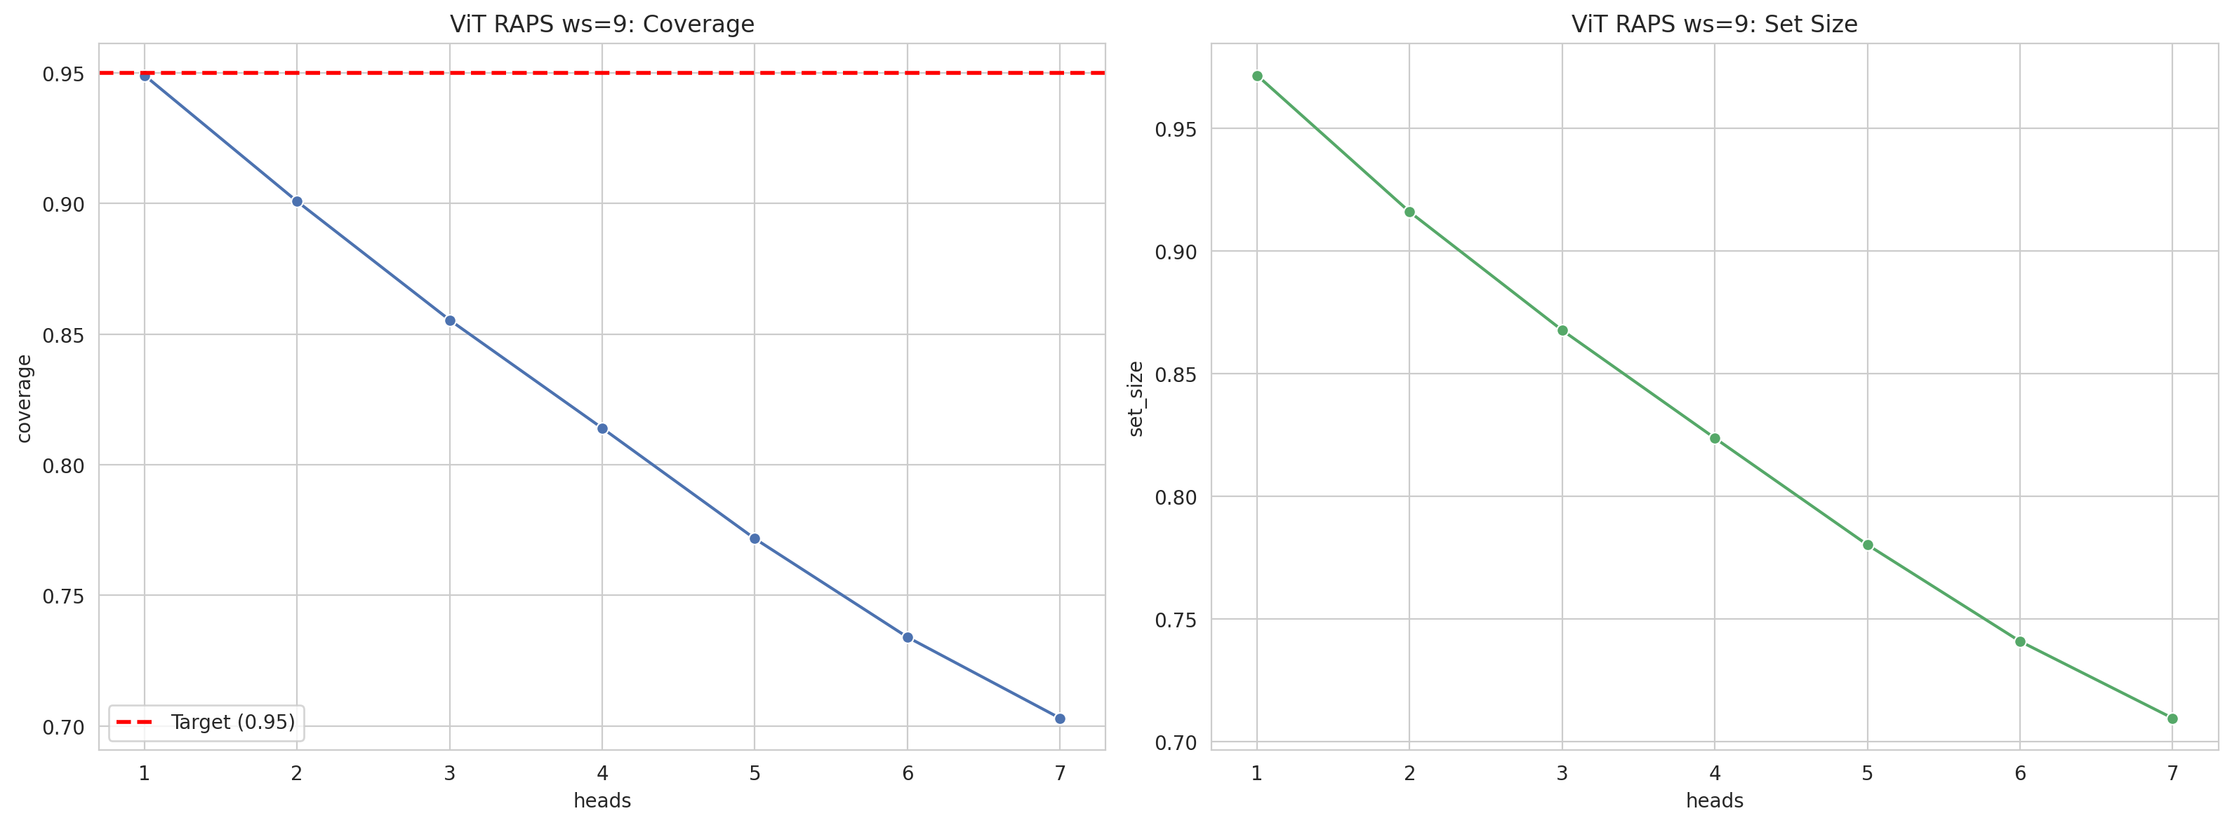
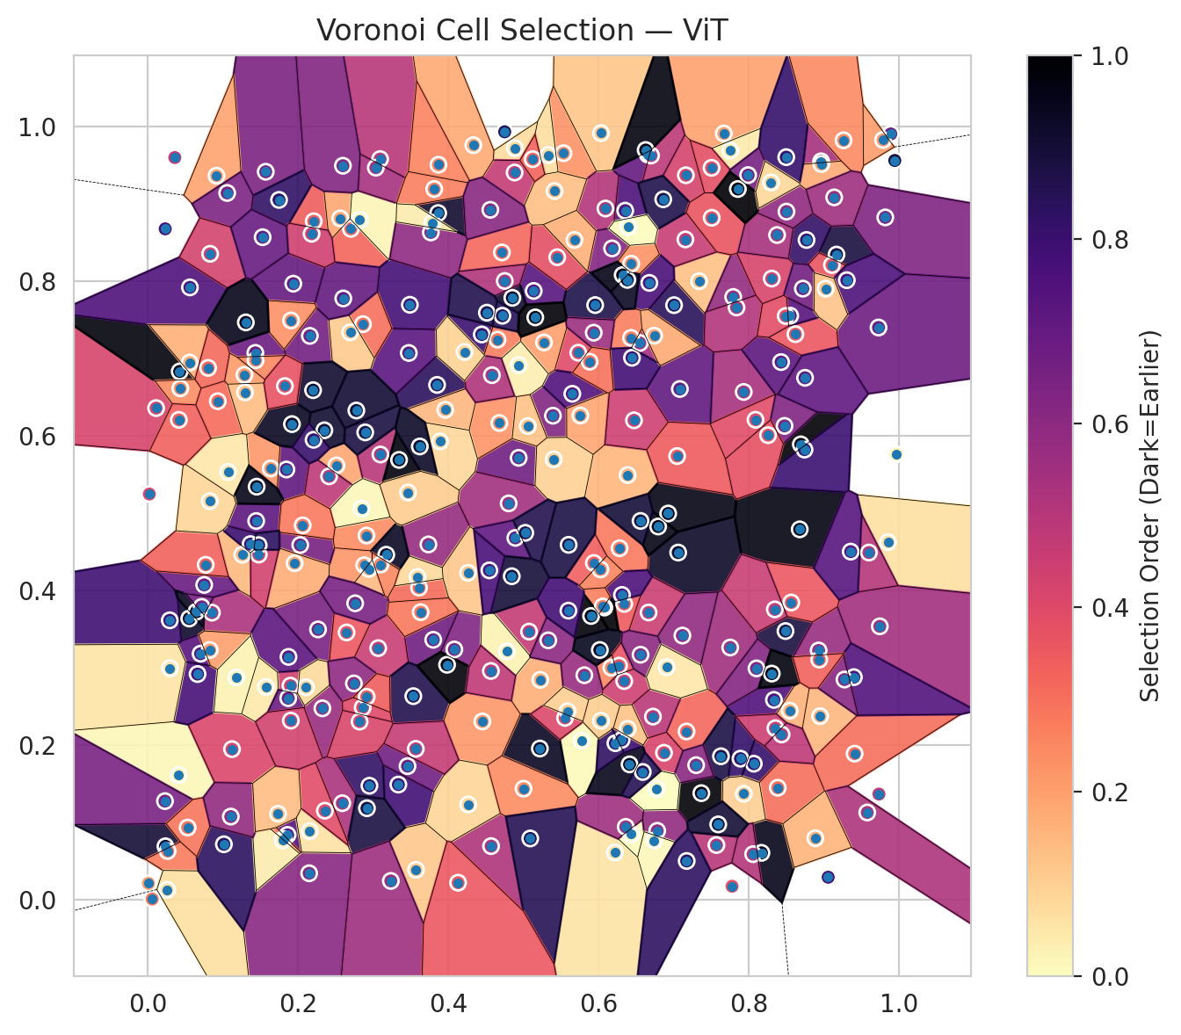
model_key | ViT_UNet_MultiHead
model_name | ViT
scoring_method | RAPS
window_size | 9
lambda | 0.5
k_iters | 1
empirical_coverage | 0.70298352382
avg_set_size | 0.70966305477
scene_coverage | 0.20044743585
scene_avg_set_size | 1.2385386242
uncertain_pixel_rate | 0.28946685791
mean_per_class_cov | 0.71242934969
runtime_sec | 275.91546488
alpha | 0.05

heads | coverage | set_size |  |  | class_id | class_coverage | support_count | Class | Pixels
1 | 0.94908713077 | 0.97164910197 |  |  | 0 | 0.69572368421 | 1216 | Class 0 | 11234
2 | 0.90084607392 | 0.91598634407 |  |  | 1 | 0.69034090909 | 704 | Class 1 | 7475
3 | 0.85542526347 | 0.86774528722 |  |  | 2 | 0.69964664311 | 283 | Class 2 | 5500
4 | 0.81401217159 | 0.82380881698 |  |  | 3 | 0.68864468864 | 1365 | Class 3 | 35023
5 | 0.77170847558 | 0.78031764881 |  |  | 4 | 0.70251572327 | 1590 | Class 4 | 72527
6 | 0.73400623423 | 0.74098263322 |  |  | 5 | 0.7044381492 | 1059 | Class 5 | 37417
7 | 0.70298352382 | 0.70966305477 |  |  | 6 | 0.69 | 200 | Class 6 | 1763
 |  |  |  |  | 7 | 0.828125 | 320 | Class 7 | 15323
 |  |  |  |  |  |  |  | Uncertain | 75882
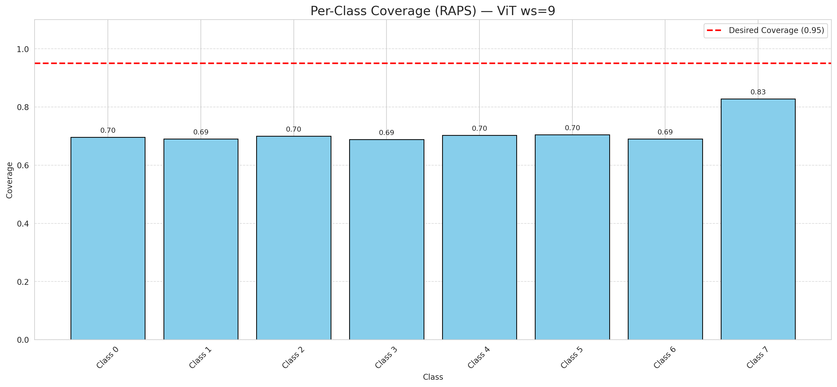

Cell Index | s1 | s2 | Selection_Order | Norm_Order(0-1) | Target
0 | 0.1847 | 0.5568 | 239 | 0.71343283582 | 5
1 | 0.9854 | 0.4628 | 22 | 0.065671641791 | 0
2 | 0.0113 | 0.6362 | 141 | 0.42089552239 | 2
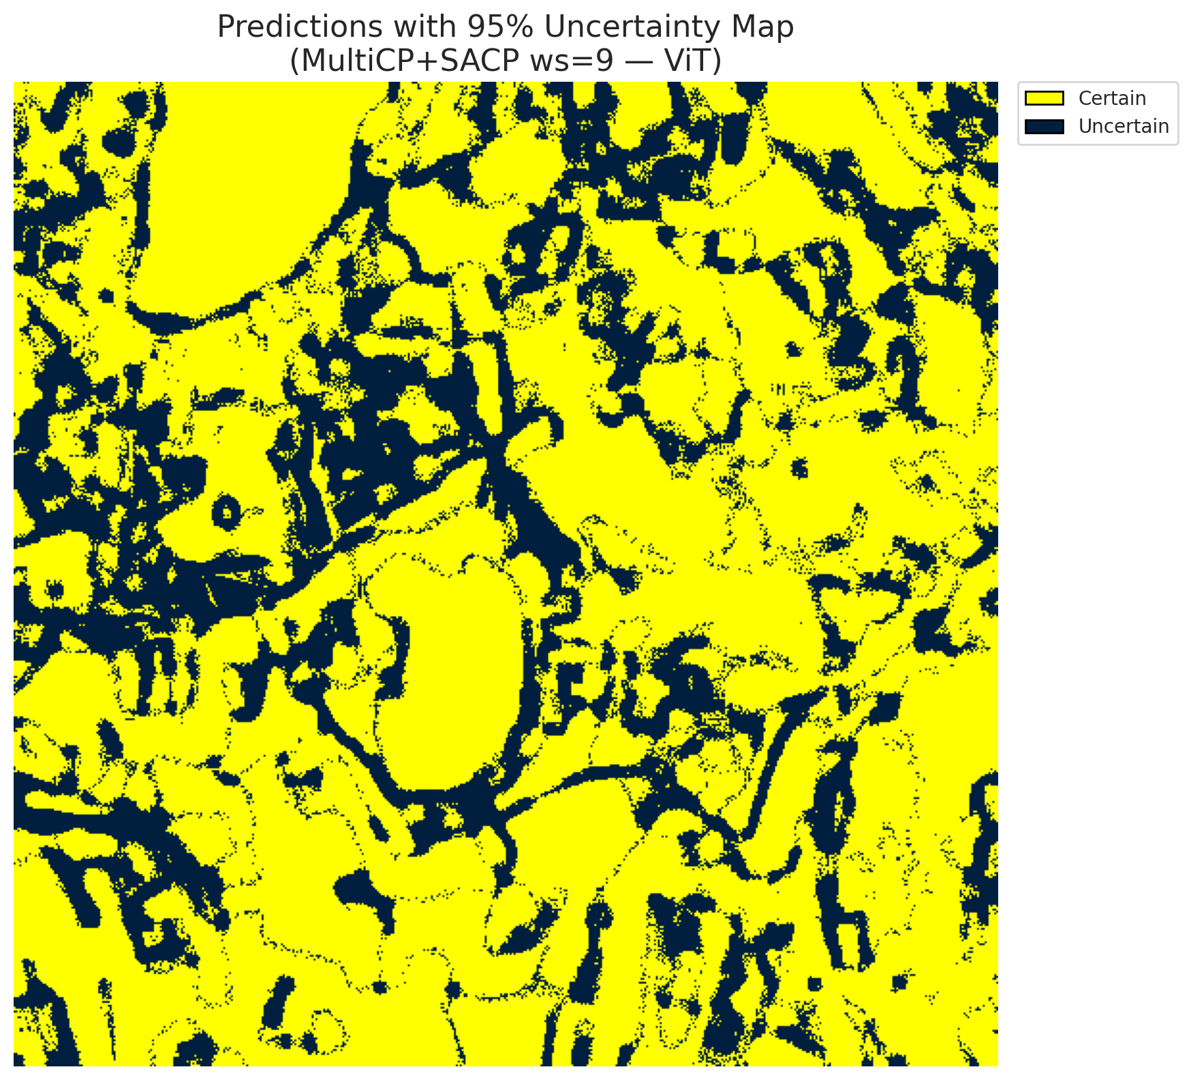
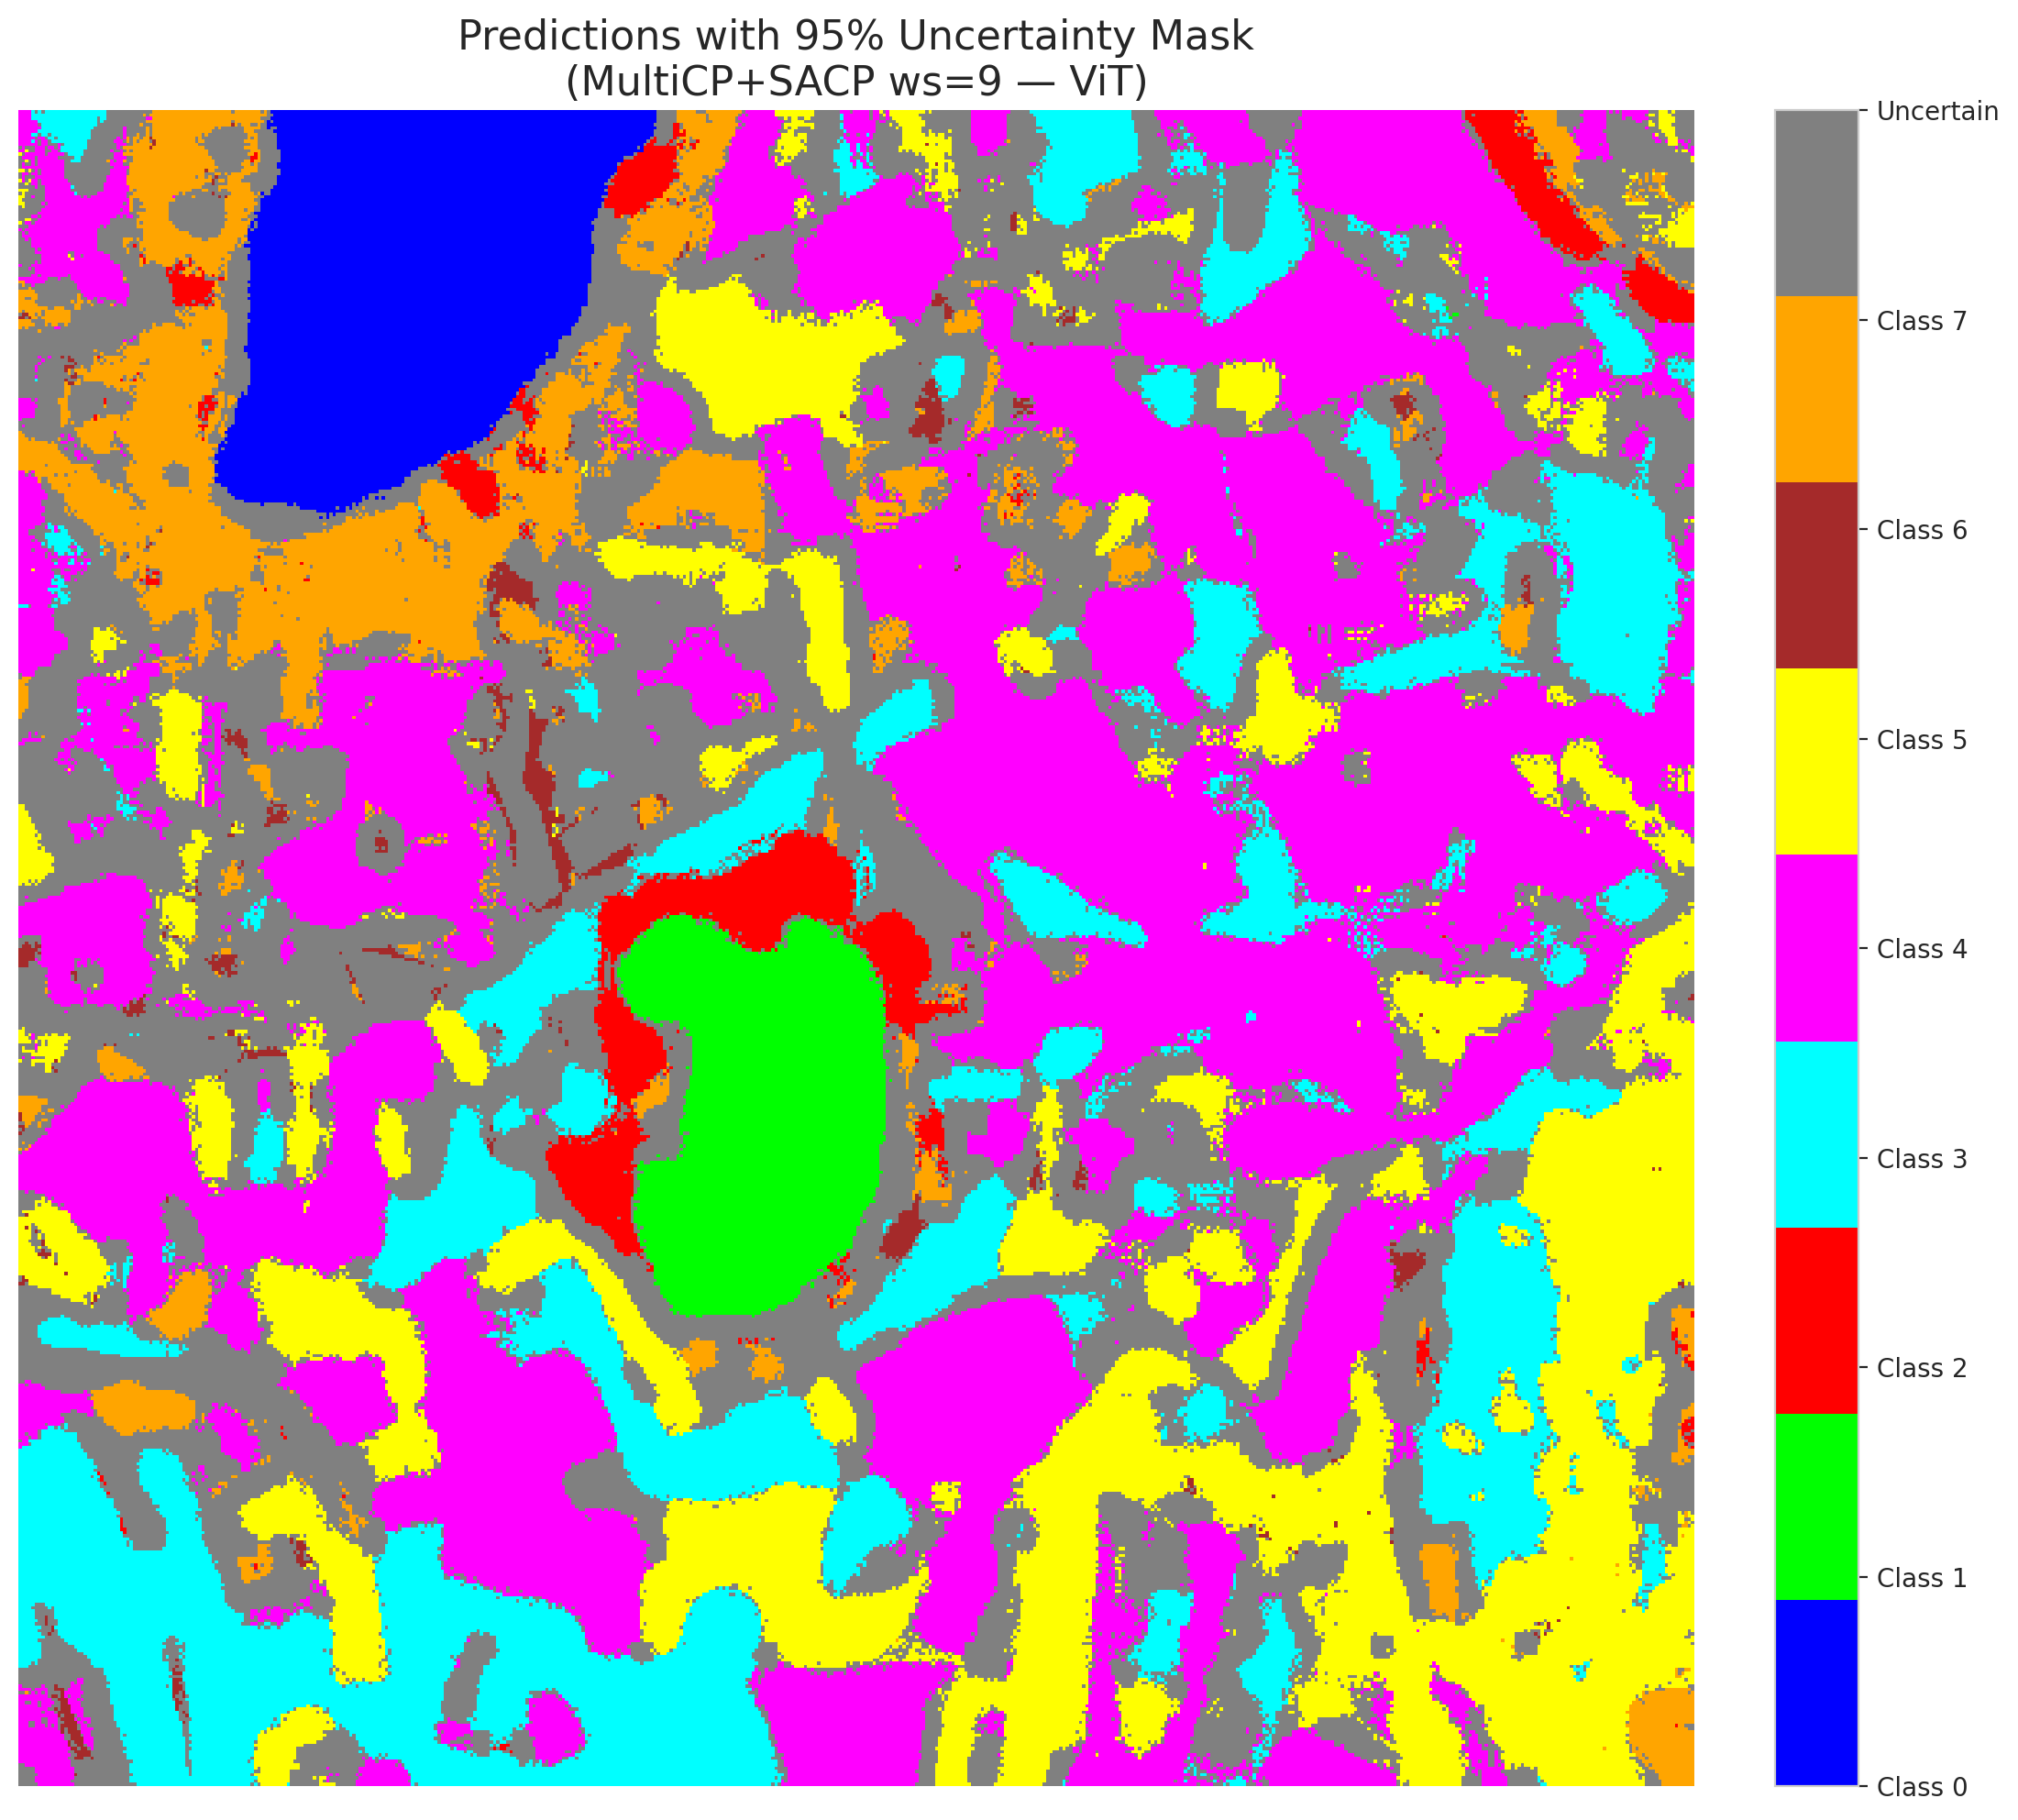
3 | 0.8963 | 0.9553 | 181 | 0.54029850746 | 5
4 | 0.7061 | 0.4494 | 309 | 0.9223880597 | 0
5 | 0.7369 | 0.1383 | 332 | 0.99104477612 | 3
6 | 0.7006 | 0.7693 | 282 | 0.84179104478 | 3
7 | 0.3337 | 0.1494 | 264 | 0.78805970149 | 5
8 | 0.9744 | 0.354 | 182 | 0.54328358209 | 3
9 | 0.0427 | 0.6836 | 328 | 0.97910447761 | 2
10 | 0.8949 | 0.2378 | 51 | 0.15223880597 | 0
11 | 0.8169 | 0.0611 | 319 | 0.95223880597 | 0
12 | 0.1434 | 0.7076 | 229 | 0.68358208955 | 4
13 | 0.0023 | 0.5251 | 136 | 0.40597014925 | 1
14 | 0.8489 | 0.3479 | 297 | 0.88656716418 | 0
15 | 0.2883 | 0.4331 | 74 | 0.22089552239 | 0
16 | 0.6172 | 0.3005 | 83 | 0.24776119403 | 4
17 | 0.1638 | 0.5582 | 73 | 0.21791044776 | 3
18 | 0.5226 | 0.2848 | 57 | 0.17014925373 | 5
19 | 0.1939 | 0.7971 | 233 | 0.69552238806 | 0
20 | 0.1921 | 0.6155 | 314 | 0.93731343284 | 1
21 | 0.6219 | 0.0614 | 19 | 0.05671641791 | 4
22 | 0.7933 | 0.6571 | 179 | 0.53432835821 | 2
23 | 0.6436 | 0.0852 | 1 | 0.0029850746269 | 4
24 | 0.5731 | 0.7078 | 133 | 0.39701492537 | 0
25 | 0.2514 | 0.5621 | 63 | 0.18805970149 | 1
26 | 0.3737 | 0.4599 | 193 | 0.57611940299 | 0
27 | 0.2952 | 0.1479 | 276 | 0.82388059701 | 5
28 | 0.0554 | 0.3641 | 308 | 0.91940298507 | 5
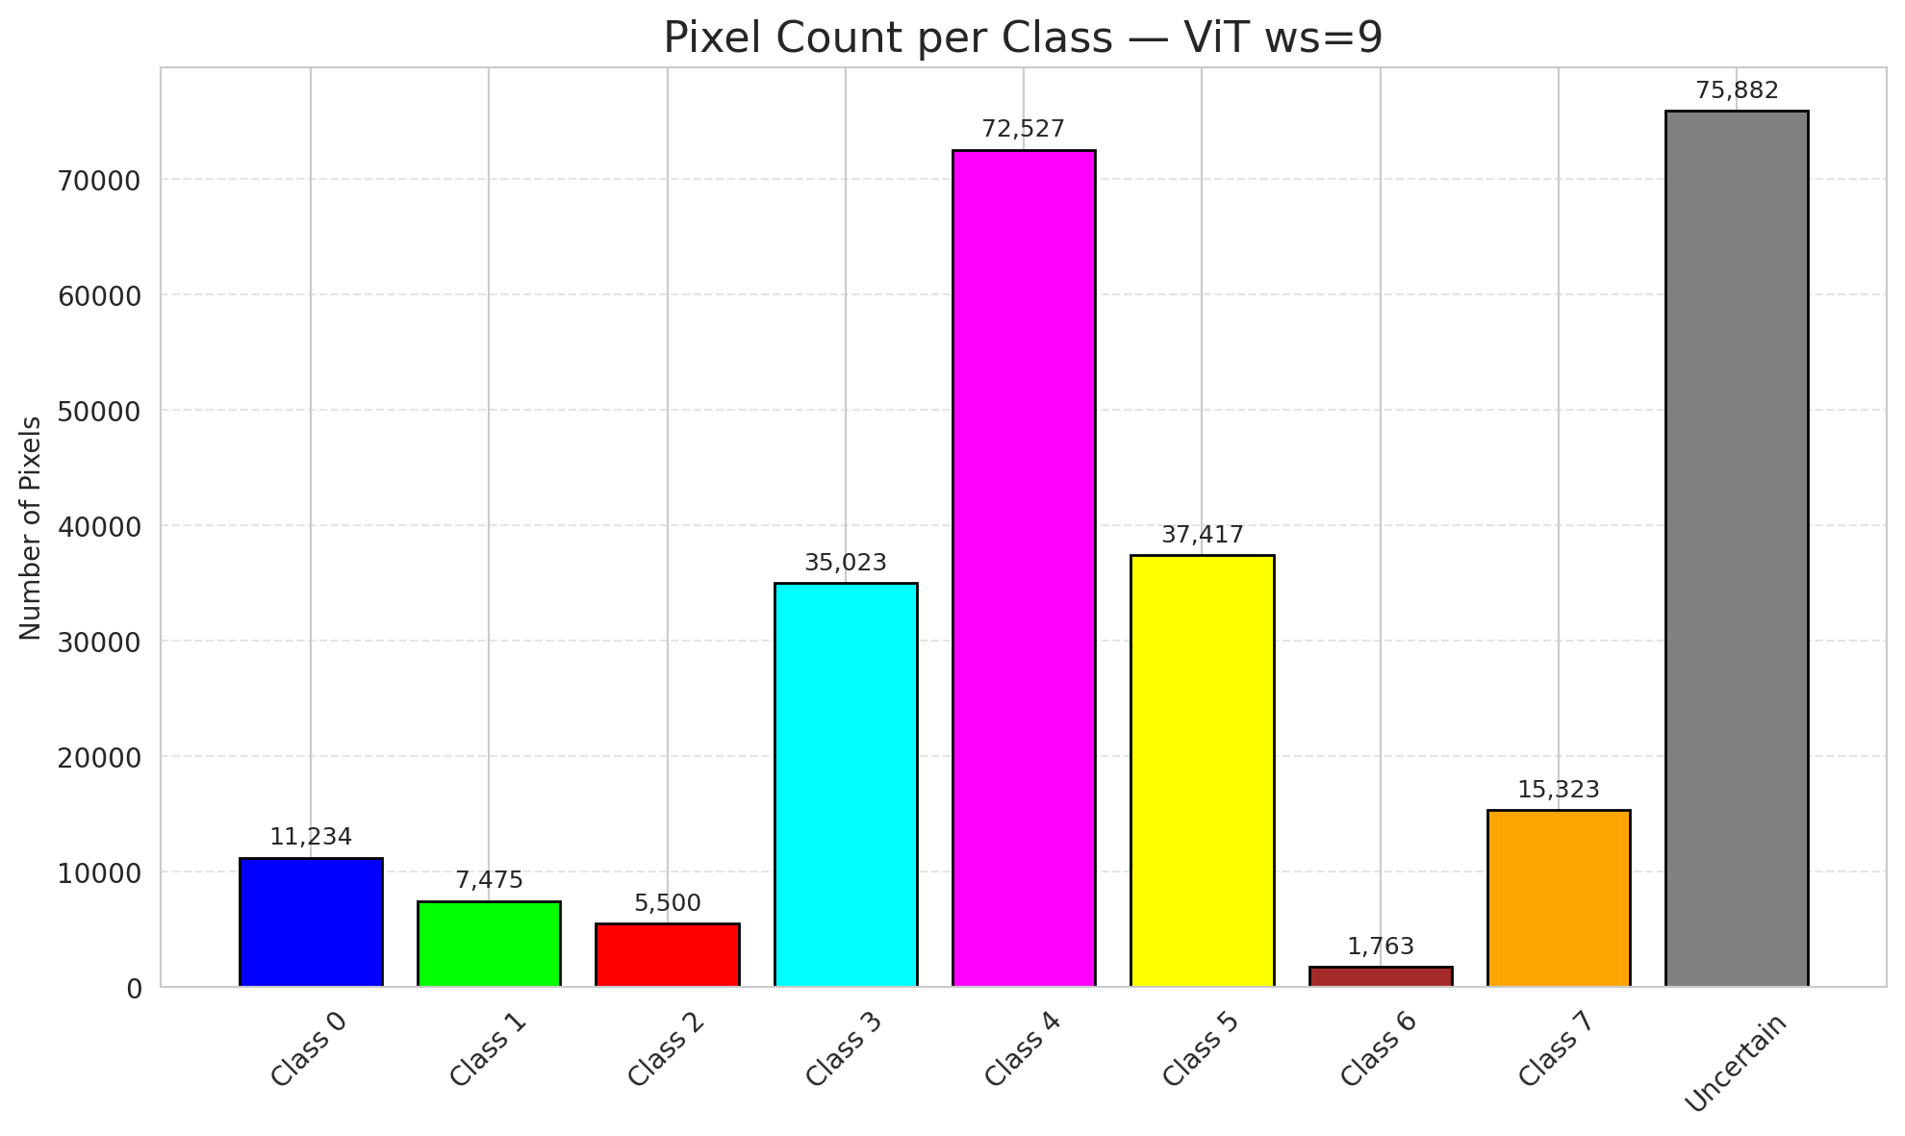
29 | 0.9168 | 0.8347 | 296 | 0.88358208955 | 5
30 | 0.1863 | 0.0843 | 248 | 0.74029850746 | 3
31 | 0.0705 | 0.3186 | 244 | 0.72835820896 | 3
32 | 0.8678 | 0.4794 | 324 | 0.9671641791 | 3
33 | 0.2591 | 0.1253 | 177 | 0.52835820896 | 4
34 | 0.7753 | 0.3266 | 185 | 0.55223880597 | 4
35 | 0.2211 | 0.8778 | 115 | 0.34328358209 | 3
36 | 0.0856 | 0.3717 | 176 | 0.52537313433 | 4
37 | 0.843 | 0.6957 | 240 | 0.71641791045 | 4
38 | 0.6363 | 0.0947 | 187 | 0.55820895522 | 1
39 | 0.5535 | 0.9658 | 77 | 0.22985074627 | 1
40 | 0.3094 | 0.9582 | 166 | 0.49552238806 | 5
41 | 0.3801 | 0.3366 | 226 | 0.67462686567 | 1
42 | 0.0413 | 0.1618 | 6 | 0.017910447761 | 0
43 | 0.2031 | 0.4592 | 221 | 0.65970149254 | 1
44 | 0.734 | 0.8003 | 44 | 0.13134328358 | 5
45 | 0.3852 | 0.6662 | 281 | 0.83880597015 | 4
46 | 0.4938 | 0.5719 | 224 | 0.66865671642 | 4
47 | 0.5076 | 0.3472 | 156 | 0.46567164179 | 3
48 | 0.2159 | 0.7296 | 222 | 0.66268656716 | 1
49 | 0.9732 | 0.1371 | 159 | 0.47462686567 | 4
50 | 0.4447 | 0.7314 | 267 | 0.79701492537 | 3
51 | 0.8769 | 0.8536 | 274 | 0.81791044776 | 1
52 | 0.7172 | 0.218 | 107 | 0.31940298507 | 4
53 | 0.5774 | 0.2061 | 3 | 0.0089552238806 | 4
54 | 0.8335 | 0.2589 | 250 | 0.74626865672 | 5
55 | 0.763 | 0.186 | 293 | 0.87462686567 | 0
56 | 0.0295 | 0.3618 | 265 | 0.79104477612 | 5
57 | 0.4888 | 0.9724 | 24 | 0.071641791045 | 5
58 | 0.6725 | 0.2373 | 164 | 0.48955223881 | 5
59 | 0.9409 | 0.1894 | 101 | 0.30149253731 | 4
60 | 0.6356 | 0.8915 | 255 | 0.76119402985 | 4
61 | 0.7163 | 0.9373 | 142 | 0.42388059701 | 5
62 | 0.6281 | 0.455 | 94 | 0.28059701493 | 4
63 | 0.9817 | 0.8828 | 213 | 0.63582089552 | 7
64 | 0.2705 | 0.868 | 108 | 0.3223880597 | 6
65 | 0.1289 | 0.6792 | 71 | 0.21194029851 | 1
66 | 0.6667 | 0.3719 | 151 | 0.45074626866 | 4
67 | 0.8067 | 0.1764 | 272 | 0.81194029851 | 3
68 | 0.5138 | 0.7877 | 246 | 0.73432835821 | 3
69 | 0.4805 | 0.513 | 184 | 0.54925373134 | 5
70 | 0.5394 | 0.6264 | 210 | 0.62686567164 | 3
71 | 0.4884 | 0.9408 | 157 | 0.46865671642 | 4
72 | 0.5652 | 0.6547 | 251 | 0.74925373134 | 0
73 | 0.8502 | 0.8903 | 198 | 0.59104477612 | 3
74 | 0.893 | 0.3228 | 192 | 0.57313432836 | 4
75 | 0.7157 | 0.8543 | 154 | 0.45970149254 | 0
76 | 0.6677 | 0.7981 | 256 | 0.76417910448 | 0
77 | 0.4894 | 0.4684 | 238 | 0.71044776119 | 4
78 | 0.0563 | 0.7923 | 252 | 0.75223880597 | 1
79 | 0.7778 | 0.0179 | 129 | 0.38507462687 | 4
80 | 0.6343 | 0.383 | 117 | 0.34925373134 | 4
81 | 0.6872 | 0.1905 | 139 | 0.41492537313 | 0
82 | 0.2563 | 0.8815 | 62 | 0.18507462687 | 3
83 | 0.6782 | 0.0896 | 196 | 0.58507462687 | 5
84 | 0.2415 | 0.548 | 161 | 0.48059701493 | 0
85 | 0.2326 | 0.248 | 190 | 0.5671641791 | 5
86 | 0.0435 | 0.6617 | 79 | 0.23582089552 | 0
87 | 0.2268 | 0.35 | 217 | 0.64776119403 | 3
88 | 0.349 | 0.7698 | 261 | 0.77910447761 | 0
89 | 0.1123 | 0.1952 | 137 | 0.40895522388 | 1
90 | 0.73 | 0.1745 | 203 | 0.60597014925 | 4
91 | 0.809 | 0.6211 | 132 | 0.39402985075 | 1
92 | 0.2824 | 0.8796 | 7 | 0.020895522388 | 5
93 | 0.1901 | 0.2773 | 146 | 0.43582089552 | 5
94 | 0.6093 | 0.8943 | 169 | 0.50447761194 | 1
95 | 0.8103 | 0.2996 | 207 | 0.61791044776 | 3
96 | 0.126 | 0.4466 | 49 | 0.14626865672 | 4
97 | 0.655 | 0.7204 | 183 | 0.54626865672 | 0
98 | 0.3459 | 0.1732 | 225 | 0.67164179104 | 4
99 | 0.215 | 0.0347 | 205 | 0.61194029851 | 1
100 | 0.0362 | 0.9602 | 158 | 0.47164179104 | 4
101 | 0.7668 | 0.9913 | 66 | 0.19701492537 | 1
102 | 0.3069 | 0.3258 | 153 | 0.45671641791 | 0
103 | 0.1956 | 0.4356 | 58 | 0.17313432836 | 4
104 | 0.3098 | 0.5762 | 167 | 0.49850746269 | 3
105 | 0.4082 | 0.3241 | 211 | 0.62985074627 | 4
106 | 0.4752 | 0.9935 | 285 | 0.85074626866 | 4
107 | 0.9727 | 0.7404 | 227 | 0.6776119403 | 0
108 | 0.3476 | 0.7075 | 243 | 0.72537313433 | 3
109 | 0.0237 | 0.0696 | 302 | 0.90149253731 | 0
110 | 0.3572 | 0.0391 | 38 | 0.11343283582 | 5
111 | 0.137 | 0.4603 | 269 | 0.80298507463 | 4
112 | 0.3346 | 0.5692 | 327 | 0.97611940299 | 1
113 | 0.2866 | 0.7447 | 100 | 0.29850746269 | 7
114 | 0.6313 | 0.3946 | 253 | 0.7552238806 | 4
115 | 0.7083 | 0.6609 | 236 | 0.70447761194 | 0
116 | 0.4335 | 0.9762 | 61 | 0.18208955224 | 4
117 | 0.8693 | 0.5893 | 333 | 0.99402985075 | 5
118 | 0.0665 | 0.2923 | 258 | 0.77014925373 | 4
119 | 0.1572 | 0.9418 | 215 | 0.64179104478 | 4
120 | 0.0934 | 0.6451 | 104 | 0.31044776119 | 3
121 | 0.2896 | 0.6048 | 295 | 0.88059701493 | 3
122 | 0.0753 | 0.4076 | 231 | 0.68955223881 | 4
123 | 0.1875 | 0.3145 | 241 | 0.71940298507 | 4
124 | 0.8546 | 0.2449 | 54 | 0.16119402985 | 0
125 | 0.0827 | 0.3234 | 68 | 0.20298507463 | 0
126 | 0.2913 | 0.4714 | 80 | 0.23880597015 | 0
127 | 0.3612 | 0.404 | 103 | 0.30746268657 | 4
128 | 0.0649 | 0.3729 | 315 | 0.94029850746 | 4
129 | 0.3037 | 0.9471 | 180 | 0.53731343284 | 4
130 | 0.1071 | 0.5536 | 16 | 0.04776119403 | 5
131 | 0.8386 | 0.1453 | 102 | 0.30447761194 | 3
132 | 0.6656 | 0.964 | 234 | 0.69850746269 | 0
133 | 0.9399 | 0.2883 | 249 | 0.74328358209 | 1
134 | 0.522 | 0.196 | 313 | 0.93432835821 | 3
135 | 0.4571 | 0.0698 | 174 | 0.51940298507 | 4
136 | 0.7756 | 0.9691 | 14 | 0.041791044776 | 5
137 | 0.989 | 0.9907 | 230 | 0.68656716418 | 3
138 | 0.6078 | 0.3783 | 334 | 0.99701492537 | 5
139 | 0.4854 | 0.7788 | 307 | 0.91641791045 | 7
140 | 0.0011 | 0.0217 | 70 | 0.20895522388 | 3
141 | 0.6034 | 0.9918 | 40 | 0.11940298507 | 1
142 | 0.789 | 0.1829 | 273 | 0.81492537313 | 0
143 | 0.1445 | 0.4902 | 242 | 0.7223880597 | 2
144 | 0.0773 | 0.4336 | 110 | 0.32835820896 | 2
145 | 0.6772 | 0.1438 | 0 | 0 | 4
146 | 0.2944 | 0.4282 | 48 | 0.14328358209 | 0
147 | 0.0231 | 0.128 | 216 | 0.6447761194 | 1
148 | 0.2848 | 0.5063 | 4 | 0.011940298507 | 7
149 | 0.6388 | 0.5496 | 52 | 0.1552238806 | 7
150 | 0.5956 | 0.7694 | 291 | 0.86865671642 | 5
151 | 0.2919 | 0.1188 | 294 | 0.8776119403 | 0
152 | 0.3536 | 0.2637 | 288 | 0.85970149254 | 2
153 | 0.4656 | 0.7247 | 91 | 0.27164179104 | 0
154 | 0.5275 | 0.7211 | 67 | 0.2 | 3
155 | 0.0234 | 0.868 | 259 | 0.77313432836 | 3
156 | 0.7793 | 0.7799 | 194 | 0.57910447761 | 4
157 | 0.4455 | 0.231 | 72 | 0.21492537313 | 0
158 | 0.6057 | 0.3797 | 88 | 0.26268656716 | 1
159 | 0.6928 | 0.4999 | 323 | 0.96417910448 | 3
160 | 0.1451 | 0.5346 | 320 | 0.9552238806 | 3
161 | 0.2157 | 0.0891 | 20 | 0.059701492537 | 4
162 | 0.2352 | 0.6075 | 304 | 0.90746268657 | 0
163 | 0.1437 | 0.6981 | 84 | 0.25074626866 | 0
164 | 0.4681 | 0.6169 | 75 | 0.22388059701 | 0
165 | 0.6794 | 0.4831 | 322 | 0.96119402985 | 0
166 | 0.8476 | 0.6132 | 212 | 0.6328358209 | 0
167 | 0.7934 | 0.1375 | 34 | 0.10149253731 | 4
168 | 0.67 | 0.9628 | 163 | 0.48656716418 | 4
169 | 0.5759 | 0.6266 | 64 | 0.19104477612 | 0
170 | 0.5404 | 0.5699 | 32 | 0.09552238806 | 5
171 | 0.8966 | 0.9517 | 60 | 0.17910447761 | 5
172 | 0.4781 | 0.3215 | 8 | 0.023880597015 | 0
173 | 0.8355 | 0.2223 | 150 | 0.44776119403 | 5
174 | 0.5332 | 0.3359 | 202 | 0.60298507463 | 0
175 | 0.6414 | 0.1755 | 317 | 0.94626865672 | 1
176 | 0.4846 | 0.4188 | 299 | 0.89253731343 | 0
177 | 0.8499 | 0.9607 | 271 | 0.80895522388 | 3
178 | 0.5812 | 0.2908 | 191 | 0.57014925373 | 4
179 | 0.8742 | 0.5825 | 268 | 0.8 | 4
180 | 0.2696 | 0.7343 | 37 | 0.11044776119 | 7
181 | 0.9262 | 0.9825 | 82 | 0.2447761194 | 1
182 | 0.6473 | 0.6204 | 149 | 0.4447761194 | 4
183 | 0.4715 | 0.8375 | 106 | 0.31641791045 | 5
184 | 0.5451 | 0.8313 | 128 | 0.38208955224 | 4
185 | 0.5939 | 0.4359 | 113 | 0.33731343284 | 3
186 | 0.1811 | 0.079 | 97 | 0.28955223881 | 5
187 | 0.7837 | 0.7663 | 171 | 0.51044776119 | 3
188 | 0.1749 | 0.9054 | 275 | 0.82089552239 | 4
189 | 0.5902 | 0.3674 | 329 | 0.98208955224 | 3
190 | 0.9963 | 0.5766 | 10 | 0.029850746269 | 4
191 | 0.8306 | 0.8037 | 140 | 0.41791044776 | 3
192 | 0.6589 | 0.1657 | 284 | 0.84776119403 | 4
193 | 0.4267 | 0.1237 | 29 | 0.086567164179 | 0
194 | 0.7047 | 0.5742 | 116 | 0.34626865672 | 3
195 | 0.1575 | 0.2755 | 15 | 0.044776119403 | 7
196 | 0.6434 | 0.727 | 90 | 0.26865671642 | 3
197 | 0.6018 | 0.3234 | 316 | 0.94328358209 | 5
198 | 0.4265 | 0.4232 | 39 | 0.11641791045 | 0
199 | 0.5937 | 0.7337 | 189 | 0.56417910448 | 4
200 | 0.2604 | 0.778 | 235 | 0.70149253731 | 0
201 | 0.0267 | 0.0634 | 92 | 0.27462686567 | 0
202 | 0.3769 | 0.8633 | 200 | 0.59701492537 | 5
203 | 0.3962 | 0.634 | 50 | 0.14925373134 | 6
204 | 0.0917 | 0.9367 | 65 | 0.19402985075 | 4
205 | 0.6181 | 0.8427 | 208 | 0.62089552239 | 0
206 | 0.8621 | 0.7318 | 121 | 0.36119402985 | 4
207 | 0.8552 | 0.7557 | 247 | 0.73731343284 | 4
208 | 0.9274 | 0.2852 | 206 | 0.61492537313 | 0
209 | 0.026 | 0.0133 | 21 | 0.062686567164 | 4
210 | 0.6436 | 0.8229 | 76 | 0.22686567164 | 0
211 | 0.1909 | 0.7495 | 78 | 0.2328358209 | 1
212 | 0.6862 | 0.9062 | 290 | 0.86567164179 | 1
213 | 0.9107 | 0.8212 | 123 | 0.3671641791 | 5
214 | 0.1871 | 0.2611 | 228 | 0.68059701493 | 4
215 | 0.5003 | 0.1441 | 81 | 0.24179104478 | 3
216 | 0.1015 | 0.0722 | 280 | 0.83582089552 | 5
217 | 0.6628 | 0.9699 | 325 | 0.97014925373 | 0
218 | 0.5026 | 0.4749 | 287 | 0.85671641791 | 3
219 | 0.3985 | 0.3043 | 331 | 0.98805970149 | 3
220 | 0.8306 | 0.2929 | 326 | 0.97313432836 | 4
221 | 0.9599 | 0.4494 | 168 | 0.50149253731 | 3
222 | 0.0828 | 0.5159 | 30 | 0.089552238806 | 4
223 | 0.2648 | 0.3461 | 118 | 0.35223880597 | 7
224 | 0.872 | 0.7907 | 223 | 0.66567164179 | 3
225 | 0.072 | 0.3792 | 220 | 0.65671641791 | 3
226 | 0.6446 | 0.7013 | 262 | 0.78208955224 | 3
227 | 0.1059 | 0.9144 | 214 | 0.63880597015 | 0
228 | 0.56 | 0.3743 | 263 | 0.78507462687 | 3
229 | 0.7507 | 0.8823 | 122 | 0.36417910448 | 0
230 | 0.0832 | 0.8357 | 143 | 0.42686567164 | 0
231 | 0.9577 | 0.1133 | 175 | 0.5223880597 | 0
232 | 0.3592 | 0.4178 | 26 | 0.077611940299 | 7
233 | 0.4753 | 0.8006 | 172 | 0.51343283582 | 5
234 | 0.3867 | 0.8884 | 305 | 0.91044776119 | 4
235 | 0.494 | 0.6917 | 11 | 0.032835820896 | 5
236 | 0.9787 | 0.983 | 69 | 0.20597014925 | 6
237 | 0.0533 | 0.0938 | 96 | 0.28656716418 | 2
238 | 0.5681 | 0.8536 | 55 | 0.16417910448 | 5
239 | 0.9137 | 0.9087 | 186 | 0.5552238806 | 6
240 | 0.5416 | 0.9169 | 45 | 0.13432835821 | 4
241 | 0.6322 | 0.8083 | 321 | 0.95820895522 | 4
242 | 0.7505 | 0.9469 | 127 | 0.37910447761 | 3
243 | 0.8058 | 0.0594 | 170 | 0.50746268657 | 3
244 | 0.2202 | 0.6594 | 306 | 0.91343283582 | 3
245 | 0.5092 | 0.0797 | 286 | 0.85373134328 | 4
246 | 0.8377 | 0.86 | 178 | 0.53134328358 | 6
247 | 0.6742 | 0.7298 | 59 | 0.17611940299 | 0
248 | 0.4721 | 0.7556 | 283 | 0.8447761194 | 4
249 | 0.2778 | 0.6331 | 303 | 0.90447761194 | 3
250 | 0.757 | 0.0712 | 165 | 0.49253731343 | 2
251 | 0.3814 | 0.9195 | 89 | 0.26567164179 | 4
252 | 0.8492 | 0.7553 | 130 | 0.38805970149 | 0
253 | 0.2108 | 0.2752 | 25 | 0.074626865672 | 0
254 | 0.5555 | 0.2356 | 135 | 0.40298507463 | 5
255 | 0.3893 | 0.5931 | 27 | 0.080597014925 | 5
256 | 0.5333 | 0.9633 | 23 | 0.068656716418 | 0
257 | 0.0416 | 0.621 | 112 | 0.33432835821 | 3
258 | 0.2762 | 0.3838 | 218 | 0.65074626866 | 5
259 | 0.2599 | 0.9496 | 209 | 0.62388059701 | 4
260 | 0.1797 | 0.0773 | 13 | 0.038805970149 | 0
261 | 0.4582 | 0.6788 | 173 | 0.51641791045 | 4
262 | 0.2745 | 0.2802 | 199 | 0.59402985075 | 4
263 | 0.656 | 0.4903 | 300 | 0.89552238806 | 4
264 | 0.4218 | 0.7087 | 31 | 0.092537313433 | 3
265 | 0.3789 | 0.8759 | 12 | 0.035820895522 | 1
266 | 0.3569 | 0.1956 | 155 | 0.46268656716 | 3
267 | 0.2182 | 0.8616 | 147 | 0.43880597015 | 2
268 | 0.8437 | 0.2142 | 162 | 0.48358208955 | 4
269 | 0.6397 | 0.8704 | 2 | 0.0059701492537 | 4
270 | 0.4548 | 0.4264 | 257 | 0.7671641791 | 0
271 | 0.3176 | 0.4466 | 312 | 0.93134328358 | 0
272 | 0.506 | 0.6129 | 43 | 0.12835820896 | 4
273 | 0.7992 | 0.9375 | 219 | 0.65373134328 | 0
274 | 0.3871 | 0.9509 | 87 | 0.25970149254 | 0
275 | 0.3099 | 0.4338 | 85 | 0.25373134328 | 1
276 | 0.5589 | 0.2442 | 33 | 0.098507462687 | 6
277 | 0.2862 | 0.249 | 134 | 0.4 | 1
278 | 0.1107 | 0.108 | 195 | 0.58208955224 | 7
279 | 0.1181 | 0.2878 | 9 | 0.026865671642 | 0
280 | 0.3622 | 0.5866 | 310 | 0.92537313433 | 4
281 | 0.7855 | 0.9195 | 335 | 1 | 4
282 | 0.6343 | 0.2832 | 148 | 0.44179104478 | 3
283 | 0.1296 | 0.6565 | 46 | 0.13731343284 | 0
284 | 0.1479 | 0.4468 | 145 | 0.4328358209 | 3
285 | 0.6225 | 0.2029 | 277 | 0.82686567164 | 4
286 | 0.4561 | 0.8926 | 204 | 0.60895522388 | 3
287 | 0.4515 | 0.7596 | 289 | 0.86268656716 | 4
288 | 0.6384 | 0.802 | 311 | 0.92835820896 | 5
289 | 0.2359 | 0.1156 | 131 | 0.39104477612 | 3
290 | 0.6741 | 0.0771 | 5 | 0.014925373134 | 5
291 | 0.1307 | 0.747 | 318 | 0.94925373134 | 2
292 | 0.3634 | 0.3723 | 95 | 0.28358208955 | 3
293 | 0.6273 | 0.3032 | 124 | 0.37014925373 | 3
294 | 0.8749 | 0.6754 | 237 | 0.70746268657 | 3
295 | 0.8938 | 0.3109 | 111 | 0.33134328358 | 3
296 | 0.3466 | 0.527 | 36 | 0.10746268657 | 7
297 | 0.9943 | 0.9564 | 298 | 0.88955223881 | 6
298 | 0.1736 | 0.1116 | 47 | 0.14029850746 | 3
299 | 0.8566 | 0.3848 | 119 | 0.3552238806 | 4
300 | 0.5603 | 0.4594 | 292 | 0.87164179104 | 4
301 | 0.3237 | 0.0248 | 188 | 0.56119402985 | 1
302 | 0.7117 | 0.3421 | 197 | 0.58805970149 | 2
303 | 0.8347 | 0.3759 | 152 | 0.45373134328 | 4
304 | 0.8257 | 0.6012 | 126 | 0.37611940299 | 0
305 | 0.2821 | 0.2308 | 138 | 0.41194029851 | 0
306 | 0.7594 | 0.0979 | 301 | 0.89850746269 | 5
307 | 0.9305 | 0.8016 | 254 | 0.75820895522 | 4
308 | 0.9024 | 0.7906 | 41 | 0.1223880597 | 0
309 | 0.1827 | 0.6647 | 125 | 0.37313432836 | 0
310 | 0.6034 | 0.2319 | 35 | 0.10447761194 | 4
311 | 0.0559 | 0.6951 | 56 | 0.1671641791 | 4
312 | 0.2064 | 0.4846 | 93 | 0.2776119403 | 1
313 | 0.2916 | 0.2629 | 114 | 0.34029850746 | 3
314 | 0.1531 | 0.8572 | 232 | 0.69253731343 | 0
315 | 0.4132 | 0.0225 | 120 | 0.35820895522 | 3
316 | 0.9057 | 0.0296 | 260 | 0.77611940299 | 3
317 | 0.6308 | 0.2071 | 266 | 0.79402985075 | 0
318 | 0.1906 | 0.2321 | 144 | 0.42985074627 | 3
319 | 0.9357 | 0.4506 | 245 | 0.73134328358 | 0
320 | 0.0061 | 0.0014 | 98 | 0.29253731343 | 1
321 | 0.0805 | 0.6882 | 105 | 0.31343283582 | 3
322 | 0.5125 | 0.9581 | 109 | 0.32537313433 | 4
323 | 0.4568 | 0.2963 | 160 | 0.4776119403 | 3
324 | 0.8297 | 0.9279 | 28 | 0.083582089552 | 0
325 | 0.7174 | 0.0506 | 278 | 0.82985074627 | 0
326 | 0.656 | 0.3173 | 201 | 0.6 | 5
327 | 0.6026 | 0.4276 | 86 | 0.25671641791 | 1
328 | 0.8886 | 0.08 | 53 | 0.15820895522 | 4
329 | 0.2209 | 0.5952 | 270 | 0.80597014925 | 3
330 | 0.0298 | 0.2998 | 18 | 0.053731343284 | 0
331 | 0.1478 | 0.459 | 279 | 0.8328358209 | 1
332 | 0.5883 | 0.6962 | 99 | 0.29552238806 | 3
333 | 0.6388 | 0.2214 | 42 | 0.12537313433 | 4
334 | 0.5159 | 0.7535 | 330 | 0.98507462687 | 1
335 | 0.6907 | 0.3012 | 17 | 0.050746268657 | 3

ViT_SAPS_ws9
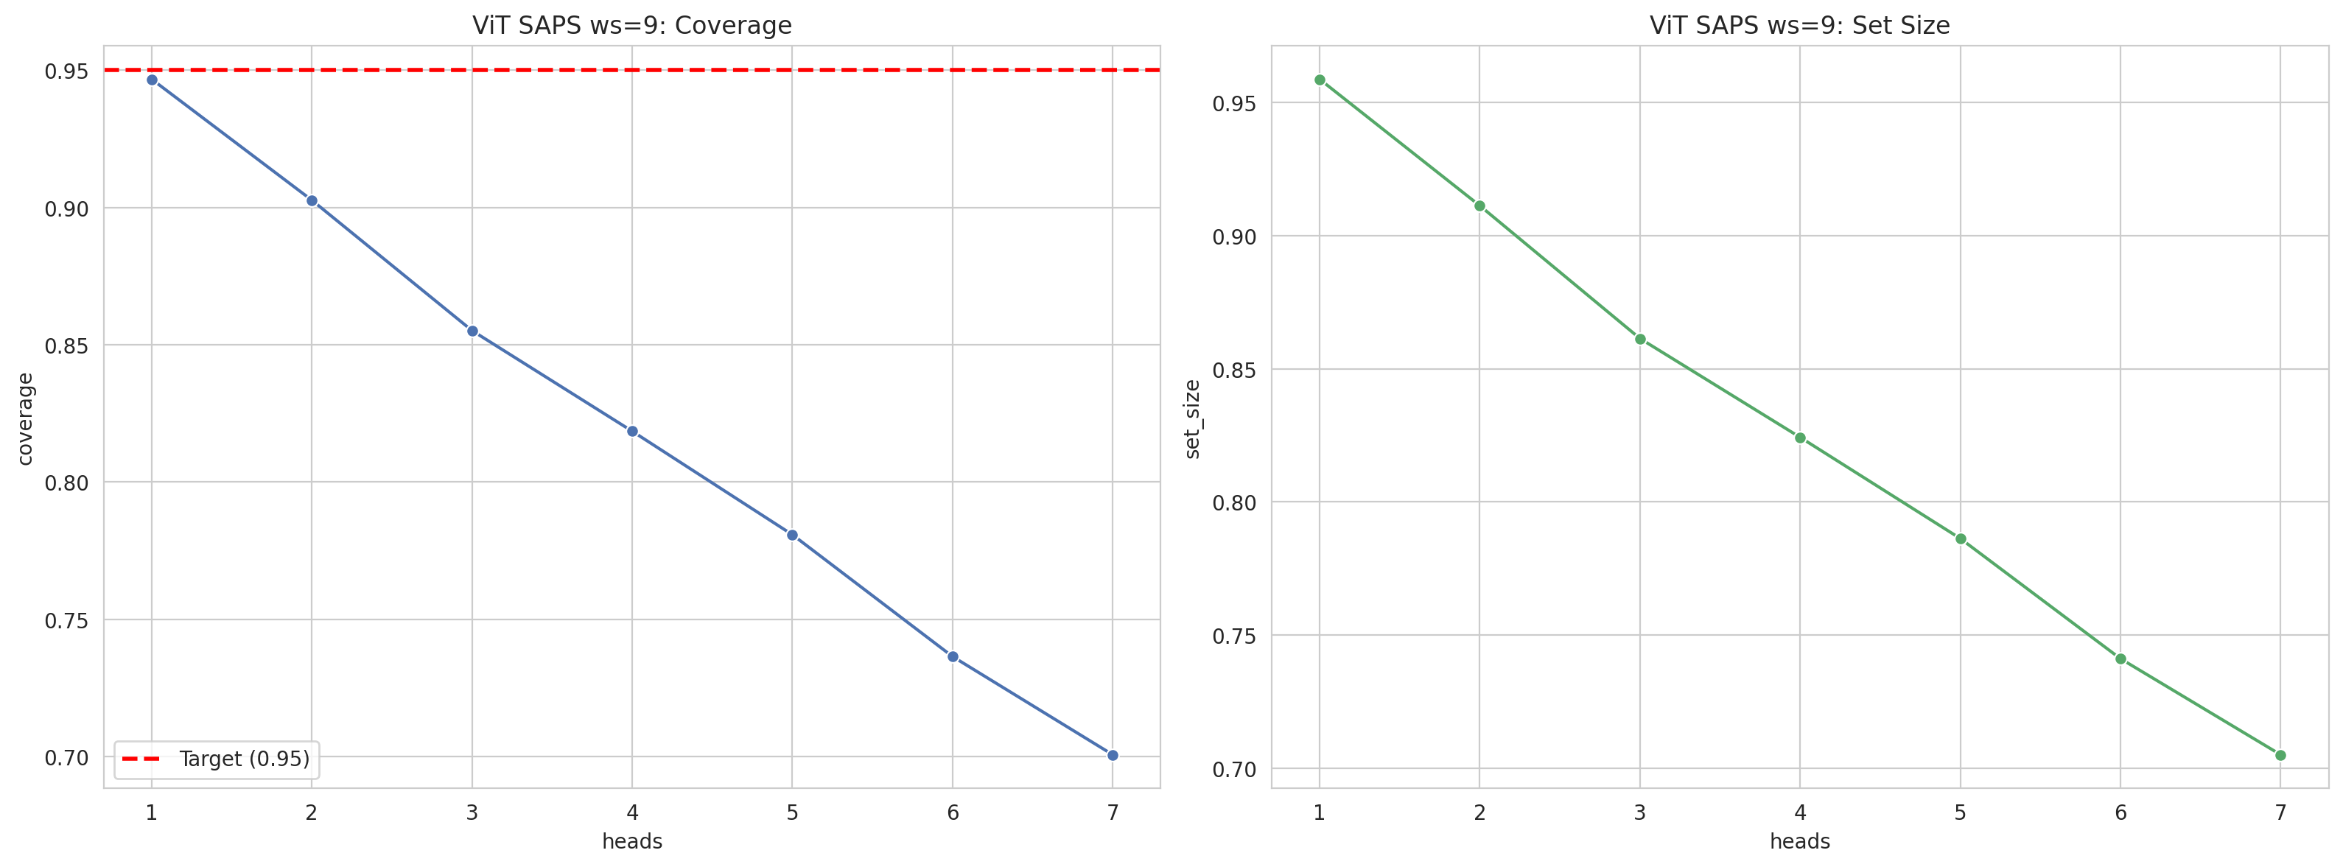
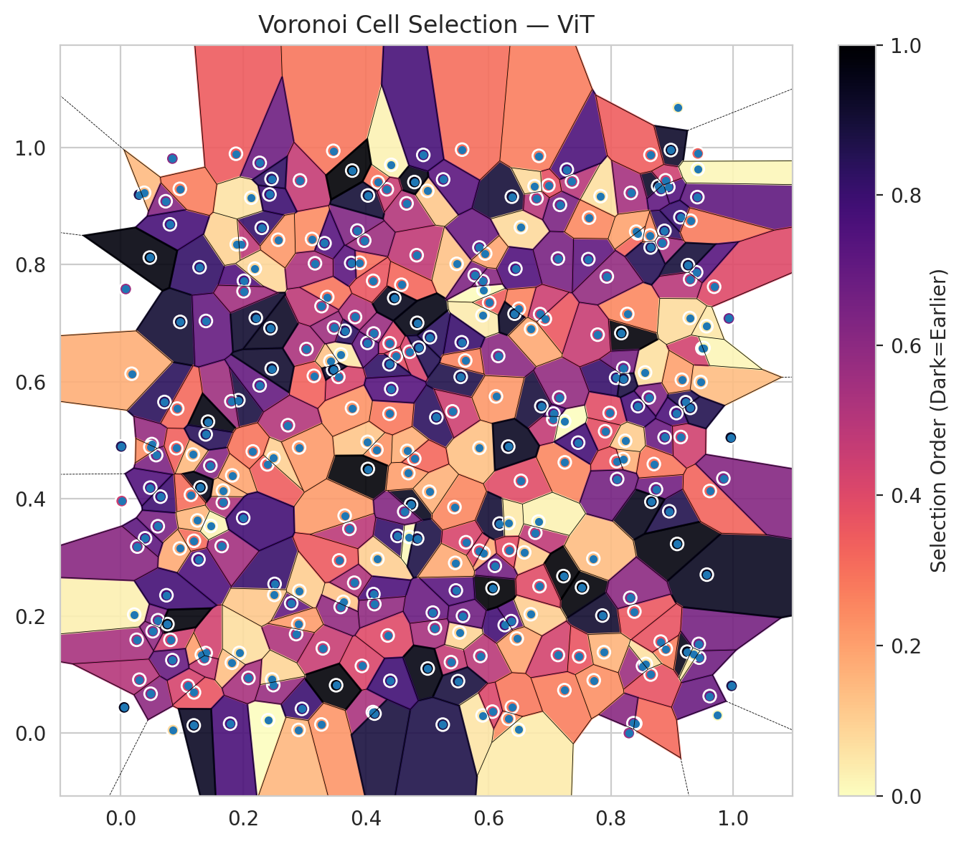
model_key | ViT_UNet_MultiHead
model_name | ViT
scoring_method | SAPS
window_size | 9
lambda | 0.5
k_iters | 1
empirical_coverage | 0.70060857949
avg_set_size | 0.70506160012
scene_coverage | 0.17069486405
scene_avg_set_size | 1.0362311888
uncertain_pixel_rate | 0.16275024414
mean_per_class_cov | 0.71099525469
runtime_sec | 272.16290813
alpha | 0.05

heads | coverage | set_size |  |  | class_id | class_coverage | support_count | Class | Pixels
1 | 0.94671218643 | 0.95873534214 |  |  | 0 | 0.68174342105 | 1216 | Class 0 | 11656
2 | 0.90262728217 | 0.9112364554 |  |  | 1 | 0.67897727273 | 704 | Class 1 | 7903
3 | 0.85512839543 | 0.86136262431 |  |  | 2 | 0.71024734982 | 283 | Class 2 | 6386
4 | 0.81846519222 | 0.82425411904 |  |  | 3 | 0.68644688645 | 1365 | Class 3 | 39713
5 | 0.78076295087 | 0.78625500965 |  |  | 4 | 0.69811320755 | 1590 | Class 4 | 83205
6 | 0.73638117857 | 0.74113106724 |  |  | 5 | 0.72993389991 | 1059 | Class 5 | 44863
7 | 0.70060857949 | 0.70506160012 |  |  | 6 | 0.74 | 200 | Class 6 | 3311
 |  |  |  |  | 7 | 0.7625 | 320 | Class 7 | 22443
 |  |  |  |  |  |  |  | Uncertain | 42664
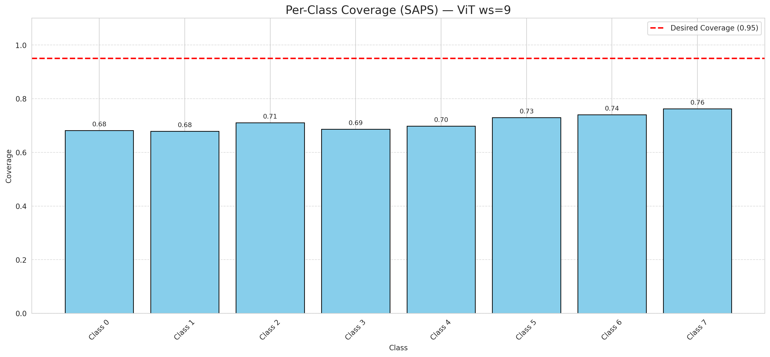

Cell Index | s1 | s2 | Selection_Order | Norm_Order(0-1) | Target
0 | 0.9412 | 0.9151 | 239 | 0.71343283582 | 5
1 | 0.7366 | 0.9417 | 165 | 0.49253731343 | 0
2 | 0.2301 | 0.8627 | 272 | 0.81194029851 | 2
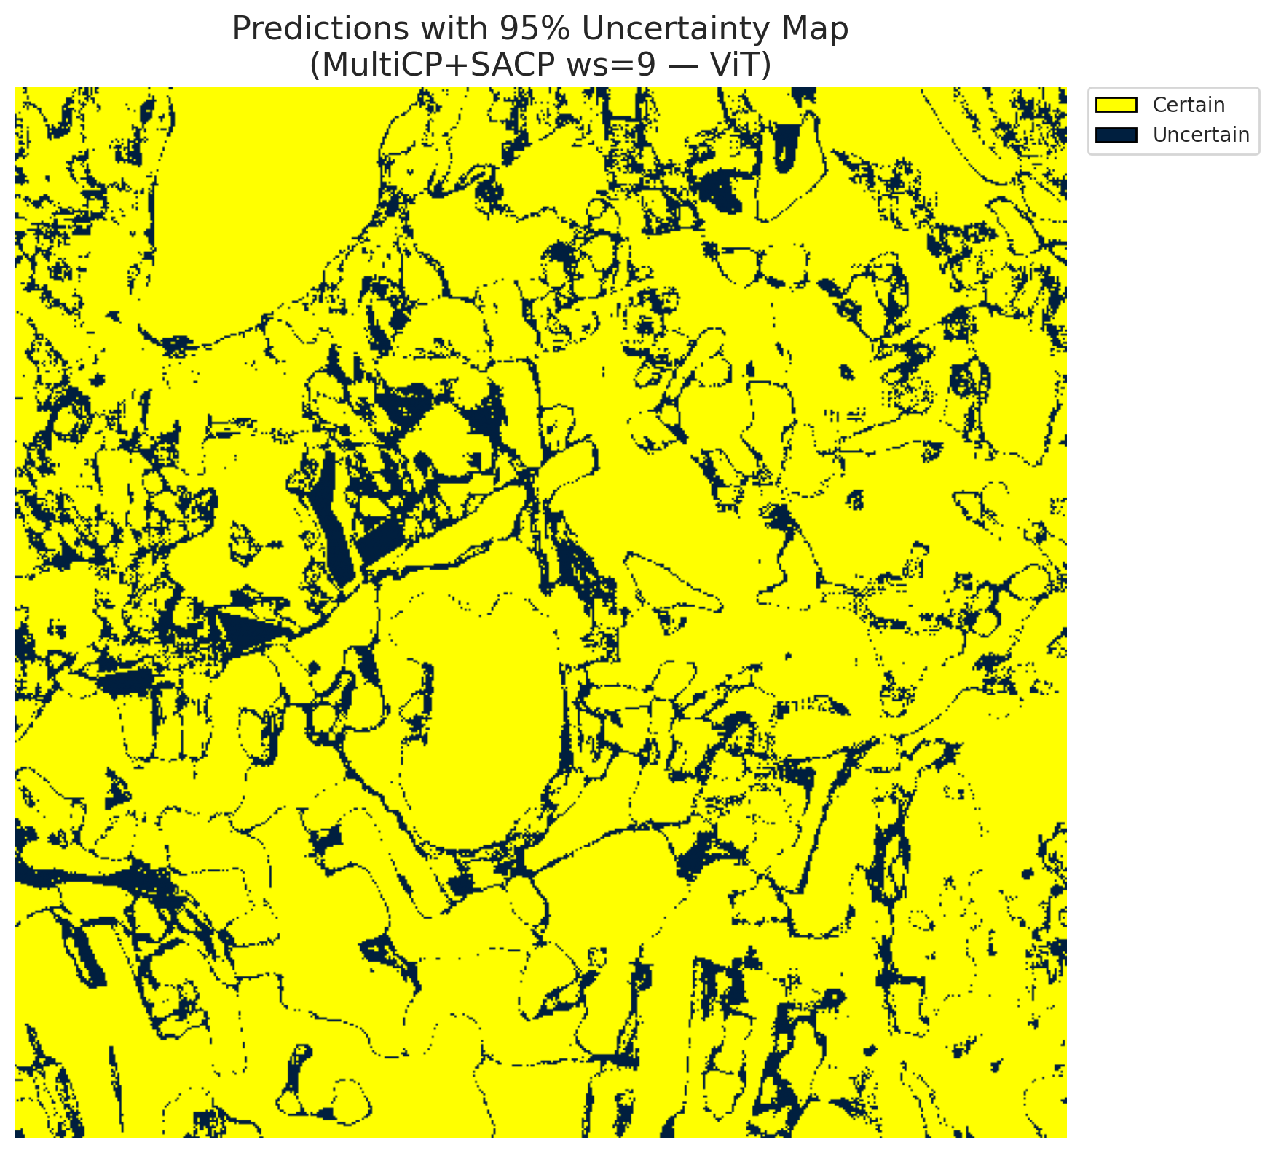
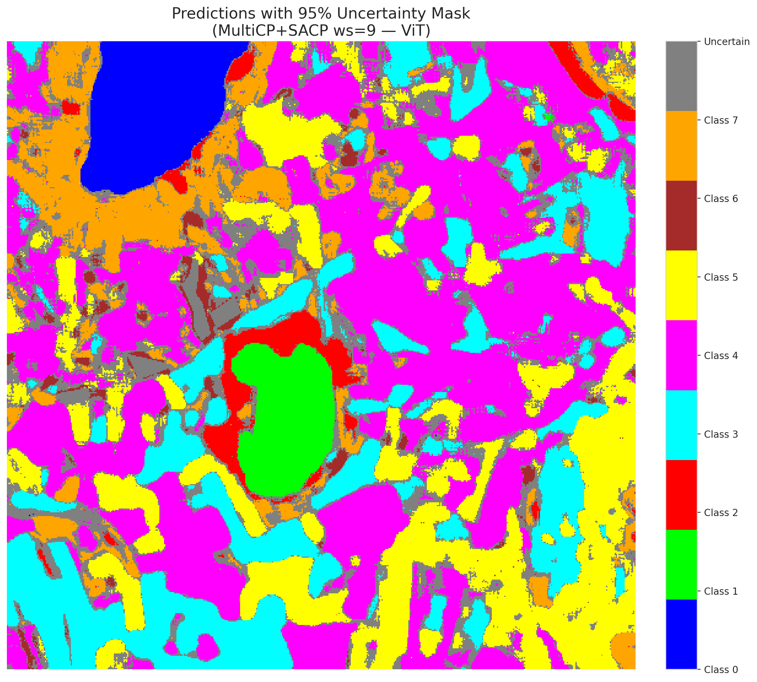
3 | 0.7529 | 0.2491 | 331 | 0.98805970149 | 5
4 | 0.2405 | 0.0223 | 1 | 0.0029850746269 | 0
5 | 0.9441 | 0.129 | 225 | 0.67164179104 | 3
6 | 0.2782 | 0.222 | 235 | 0.70149253731 | 3
7 | 0.0259 | 0.1595 | 178 | 0.53134328358 | 5
8 | 0.4517 | 0.3368 | 273 | 0.81492537313 | 3
9 | 0.1195 | 0.0697 | 122 | 0.36417910448 | 2
10 | 0.8938 | 0.9323 | 248 | 0.74029850746 | 0
11 | 0.5922 | 0.3078 | 58 | 0.17313432836 | 0
12 | 0.6532 | 0.4308 | 132 | 0.39402985075 | 4
13 | 0.1286 | 0.7954 | 274 | 0.81791044776 | 1
14 | 0.7832 | 0.9167 | 21 | 0.062686567164 | 0
15 | 0.4173 | 0.4839 | 77 | 0.22985074627 | 0
16 | 0.4738 | 0.3904 | 316 | 0.94328358209 | 4
17 | 0.7248 | 0.4624 | 84 | 0.25074626866 | 3
18 | 0.3593 | 0.6465 | 16 | 0.04776119403 | 5
19 | 0.5852 | 0.3115 | 136 | 0.40597014925 | 0
20 | 0.0577 | 0.4747 | 214 | 0.63880597015 | 1
21 | 0.8772 | 0.9339 | 309 | 0.9223880597 | 4
22 | 0.5549 | 0.6083 | 290 | 0.86567164179 | 2
23 | 0.4717 | 0.6511 | 140 | 0.41791044776 | 4
24 | 0.1268 | 0.2968 | 252 | 0.75223880597 | 0
25 | 0.9958 | 0.5047 | 313 | 0.93432835821 | 1
26 | 0.1386 | 0.1369 | 145 | 0.4328358209 | 0
27 | 0.1194 | 0.3284 | 103 | 0.30746268657 | 5
28 | 0.081 | 0.1594 | 147 | 0.43880597015 | 5
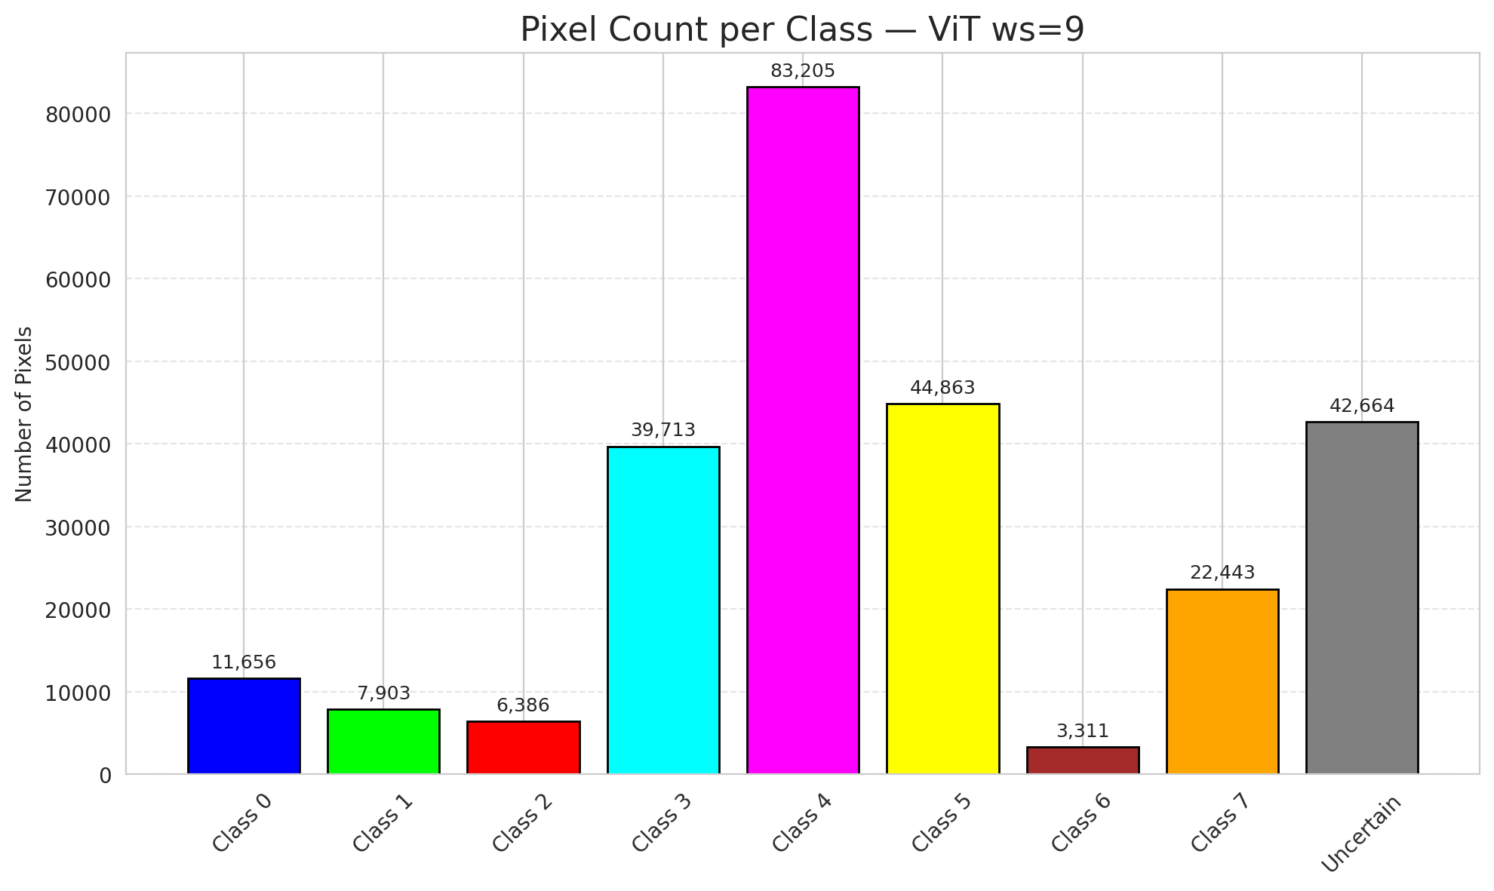
29 | 0.4665 | 0.9044 | 169 | 0.50447761194 | 5
30 | 0.9136 | 0.8808 | 268 | 0.8 | 3
31 | 0.337 | 0.7445 | 98 | 0.29253731343 | 3
32 | 0.6183 | 0.3579 | 302 | 0.90149253731 | 3
33 | 0.5047 | 0.676 | 280 | 0.83582089552 | 4
34 | 0.3861 | 0.858 | 211 | 0.62985074627 | 4
35 | 0.1919 | 0.5684 | 295 | 0.88059701493 | 3
36 | 0.5151 | 0.5392 | 279 | 0.8328358209 | 4
37 | 0.9246 | 0.1392 | 320 | 0.9552238806 | 4
38 | 0.3899 | 0.8031 | 100 | 0.29850746269 | 1
39 | 0.9926 | 0.708 | 220 | 0.65671641791 | 1
40 | 0.7981 | 0.5467 | 130 | 0.38805970149 | 5
41 | 0.8437 | 0.8532 | 108 | 0.3223880597 | 1
42 | 0.6384 | 0.9158 | 300 | 0.89552238806 | 0
43 | 0.0713 | 0.5654 | 281 | 0.83880597015 | 1
44 | 0.483 | 0.8159 | 159 | 0.47462686567 | 5
45 | 0.6268 | 0.1846 | 263 | 0.78507462687 | 4
46 | 0.0487 | 0.0674 | 199 | 0.59402985075 | 4
47 | 0.5572 | 0.9961 | 102 | 0.30447761194 | 3
48 | 0.9614 | 0.0634 | 229 | 0.68358208955 | 1
49 | 0.8525 | 0.1148 | 189 | 0.56417910448 | 4
50 | 0.8954 | 0.3789 | 289 | 0.86268656716 | 3
51 | 0.097 | 0.7021 | 303 | 0.90447761194 | 1
52 | 0.2511 | 0.2549 | 270 | 0.80597014925 | 4
53 | 0.419 | 0.2974 | 33 | 0.098507462687 | 4
54 | 0.6372 | 0.1913 | 244 | 0.72835820896 | 5
55 | 0.6326 | 0.0246 | 80 | 0.23880597015 | 0
56 | 0.4115 | 0.0361 | 177 | 0.52835820896 | 5
57 | 0.3824 | 0.7104 | 171 | 0.51044776119 | 5
58 | 0.7862 | 0.2009 | 306 | 0.91343283582 | 5
59 | 0.3031 | 0.6558 | 176 | 0.52537313433 | 4
60 | 0.4357 | 0.1668 | 133 | 0.39701492537 | 4
61 | 0.0219 | 0.2025 | 10 | 0.029850746269 | 5
62 | 0.1813 | 0.1203 | 45 | 0.13432835821 | 4
63 | 0.1805 | 0.5666 | 187 | 0.55820895522 | 7
64 | 0.8399 | 0.0167 | 104 | 0.31044776119 | 6
65 | 0.7242 | 0.0735 | 89 | 0.26567164179 | 1
66 | 0.1323 | 0.1341 | 68 | 0.20298507463 | 4
67 | 0.6692 | 0.2031 | 34 | 0.10149253731 | 3
68 | 0.8875 | 0.8575 | 277 | 0.82686567164 | 3
69 | 0.5094 | 0.2059 | 230 | 0.68656716418 | 5
70 | 0.5483 | 0.8012 | 42 | 0.12537313433 | 3
71 | 0.0604 | 0.3533 | 216 | 0.6447761194 | 4
72 | 0.0606 | 0.1929 | 210 | 0.62686567164 | 0
73 | 0.0481 | 0.4192 | 249 | 0.74328358209 | 3
74 | 0.82 | 0.4678 | 55 | 0.16417910448 | 4
75 | 0.4675 | 0.4819 | 56 | 0.1671641791 | 0
76 | 0.1096 | 0.0807 | 142 | 0.42388059701 | 0
77 | 0.6014 | 0.7349 | 113 | 0.33731343284 | 4
78 | 0.0297 | 0.9193 | 288 | 0.85970149254 | 1
79 | 0.587 | 0.1319 | 164 | 0.48955223881 | 4
80 | 0.8559 | 0.6158 | 22 | 0.065671641791 | 4
81 | 0.4491 | 0.6434 | 127 | 0.37910447761 | 0
82 | 0.2444 | 0.6913 | 311 | 0.92835820896 | 3
83 | 0.862 | 0.573 | 213 | 0.63582089552 | 5
84 | 0.6865 | 0.5584 | 298 | 0.88955223881 | 0
85 | 0.1666 | 0.3938 | 173 | 0.51641791045 | 5
86 | 0.9082 | 0.3231 | 326 | 0.97313432836 | 0
87 | 0.4029 | 0.4973 | 40 | 0.11940298507 | 3
88 | 0.4385 | 0.6297 | 276 | 0.82388059701 | 0
89 | 0.188 | 0.9891 | 116 | 0.34626865672 | 1
90 | 0.6531 | 0.8638 | 25 | 0.074626865672 | 4
91 | 0.3277 | 0.729 | 161 | 0.48059701493 | 1
92 | 0.8171 | 0.683 | 329 | 0.98208955224 | 5
93 | 0.7632 | 0.8092 | 237 | 0.70746268657 | 5
94 | 0.907 | 0.5465 | 255 | 0.76119402985 | 1
95 | 0.7907 | 0.5154 | 128 | 0.38208955224 | 3
96 | 0.5919 | 0.7565 | 2 | 0.0059701492537 | 4
97 | 0.3632 | 0.2243 | 41 | 0.1223880597 | 0
98 | 0.9467 | 0.5995 | 47 | 0.14029850746 | 4
99 | 0.9743 | 0.0305 | 5 | 0.014925373134 | 1
100 | 0.5854 | 0.8291 | 227 | 0.6776119403 | 4
101 | 0.8878 | 0.5051 | 228 | 0.68059701493 | 1
102 | 0.9435 | 0.1525 | 219 | 0.65373134328 | 0
103 | 0.8839 | 0.8373 | 183 | 0.54626865672 | 4
104 | 0.6465 | 0.1617 | 63 | 0.18805970149 | 3
105 | 0.6586 | 0.3087 | 37 | 0.11044776119 | 4
106 | 0.2267 | 0.5937 | 233 | 0.69552238806 | 4
107 | 0.0964 | 0.3154 | 59 | 0.17611940299 | 0
108 | 0.3469 | 0.9941 | 96 | 0.28656716418 | 3
109 | 0.3732 | 0.3489 | 163 | 0.48656716418 | 0
110 | 0.706 | 0.536 | 158 | 0.47164179104 | 5
111 | 0.4387 | 0.5453 | 93 | 0.2776119403 | 4
112 | 0.1935 | 0.1371 | 23 | 0.068656716418 | 1
113 | 0.0921 | 0.5542 | 105 | 0.31343283582 | 7
114 | 0.539 | 0.1214 | 156 | 0.46567164179 | 4
115 | 0.6069 | 0.2476 | 334 | 0.99701492537 | 0
116 | 0.0506 | 0.4936 | 193 | 0.57611940299 | 4
117 | 0.0396 | 0.3327 | 240 | 0.71641791045 | 5
118 | 0.0648 | 0.4038 | 265 | 0.79104477612 | 4
119 | 0.4197 | 0.9406 | 99 | 0.29552238806 | 4
120 | 0.2862 | 0.1692 | 174 | 0.51940298507 | 3
121 | 0.5505 | 0.089 | 297 | 0.88656716418 | 3
122 | 0.5004 | 0.9258 | 39 | 0.11641791045 | 4
123 | 0.6161 | 0.644 | 202 | 0.60298507463 | 4
124 | 0.3298 | 0.1449 | 153 | 0.45671641791 | 0
125 | 0.6767 | 0.3422 | 160 | 0.4776119403 | 0
126 | 0.2506 | 0.2361 | 38 | 0.11343283582 | 0
127 | 0.5529 | 0.1719 | 30 | 0.089552238806 | 4
128 | 0.8327 | 0.9223 | 181 | 0.54029850746 | 4
129 | 0.1785 | 0.0163 | 256 | 0.76417910448 | 4
130 | 0.3775 | 0.5549 | 75 | 0.22388059701 | 5
131 | 0.3152 | 0.61 | 111 | 0.33134328358 | 3
132 | 0.8737 | 0.4162 | 223 | 0.66567164179 | 0
133 | 0.8819 | 0.9288 | 238 | 0.71044776119 | 1
134 | 0.1362 | 0.1279 | 157 | 0.46865671642 | 3
135 | 0.6787 | 0.913 | 167 | 0.49850746269 | 4
136 | 0.1965 | 0.835 | 162 | 0.48358208955 | 5
137 | 0.1462 | 0.4568 | 206 | 0.61492537313 | 3
138 | 0.5128 | 0.1794 | 180 | 0.53731343284 | 5
139 | 0.4033 | 0.4511 | 332 | 0.99104477612 | 7
140 | 0.7169 | 0.9019 | 215 | 0.64179104478 | 3
141 | 0.2268 | 0.9735 | 226 | 0.67462686567 | 1
142 | 0.3974 | 0.8409 | 188 | 0.56119402985 | 0
143 | 0.201 | 0.7723 | 250 | 0.74626865672 | 2
144 | 0.7136 | 0.1336 | 143 | 0.42686567164 | 2
145 | 0.5855 | 0.4871 | 44 | 0.13134328358 | 4
146 | 0.1668 | 0.4142 | 50 | 0.14925373134 | 0
147 | 0.8442 | 0.5584 | 257 | 0.7671641791 | 1
148 | 0.5906 | 0.0304 | 18 | 0.053731343284 | 7
149 | 0.4124 | 0.2375 | 253 | 0.7552238806 | 7
150 | 0.0745 | 0.2355 | 261 | 0.77910447761 | 5
151 | 0.2915 | 0.2429 | 35 | 0.10447761194 | 0
152 | 0.4415 | 0.9702 | 8 | 0.023880597015 | 2
153 | 0.93 | 0.8748 | 92 | 0.27462686567 | 0
154 | 0.7226 | 0.2682 | 333 | 0.99402985075 | 3
155 | 0.3936 | 0.1149 | 138 | 0.41194029851 | 3
156 | 0.1893 | 0.8345 | 31 | 0.092537313433 | 4
157 | 0.458 | 0.7655 | 106 | 0.31641791045 | 0
158 | 0.7239 | 0.5326 | 0 | 0 | 1
159 | 0.4708 | 0.3349 | 3 | 0.0089552238806 | 3
160 | 0.7466 | 0.496 | 260 | 0.77611940299 | 3
161 | 0.6923 | 0.7073 | 119 | 0.3552238806 | 4
162 | 0.4389 | 0.6657 | 135 | 0.40298507463 | 0
163 | 0.8702 | 0.4595 | 95 | 0.28358208955 | 0
164 | 0.6442 | 0.7928 | 251 | 0.74925373134 | 0
165 | 0.9686 | 0.7621 | 134 | 0.4 | 0
166 | 0.0906 | 0.4866 | 112 | 0.33432835821 | 0
167 | 0.5414 | 0.5494 | 149 | 0.4447761194 | 4
168 | 0.5905 | 0.7717 | 204 | 0.60895522388 | 4
169 | 0.4838 | 0.3324 | 292 | 0.87164179104 | 0
170 | 0.7483 | 0.1312 | 123 | 0.3671641791 | 5
171 | 0.4838 | 0.7005 | 322 | 0.96119402985 | 5
172 | 0.2957 | 0.0416 | 267 | 0.79701492537 | 0
173 | 0.5904 | 0.7134 | 13 | 0.038805970149 | 5
174 | 0.3122 | 0.8436 | 81 | 0.24179104478 | 0
175 | 0.0842 | 0.1248 | 232 | 0.69253731343 | 1
176 | 0.5635 | 0.326 | 139 | 0.41492537313 | 0
177 | 0.2188 | 0.7931 | 27 | 0.080597014925 | 3
178 | 0.7136 | 0.8103 | 217 | 0.64776119403 | 4
179 | 0.865 | 0.1002 | 125 | 0.37313432836 | 4
180 | 0.8897 | 0.1441 | 88 | 0.26268656716 | 7
181 | 0.5262 | 0.9452 | 242 | 0.7223880597 | 1
182 | 0.3421 | 0.6351 | 43 | 0.12835820896 | 4
183 | 0.3655 | 0.6869 | 278 | 0.82985074627 | 5
184 | 0.1389 | 0.7037 | 234 | 0.69850746269 | 4
185 | 0.0761 | 0.1863 | 328 | 0.97910447761 | 3
186 | 0.3481 | 0.6925 | 186 | 0.5552238806 | 5
187 | 0.5566 | 0.6673 | 269 | 0.80298507463 | 3
188 | 0.9494 | 0.657 | 144 | 0.42985074627 | 4
189 | 0.3551 | 0.6083 | 141 | 0.42089552239 | 3
190 | 0.5623 | 0.6362 | 86 | 0.25671641791 | 4
191 | 0.1176 | 0.4757 | 49 | 0.14626865672 | 3
192 | 0.4415 | 0.5876 | 247 | 0.73731343284 | 4
193 | 0.2925 | 0.9436 | 155 | 0.46268656716 | 0
194 | 0.2902 | 0.0056 | 51 | 0.15223880597 | 3
195 | 0.5586 | 0.2004 | 224 | 0.66865671642 | 7
196 | 0.359 | 0.2155 | 195 | 0.58208955224 | 3
197 | 0.2464 | 0.6223 | 305 | 0.91044776119 | 5
198 | 0.3515 | 0.0819 | 330 | 0.98507462687 | 0
199 | 0.8268 | 0.7157 | 83 | 0.24776119403 | 4
200 | 0.2392 | 0.4589 | 115 | 0.34328358209 | 0
201 | 0.13 | 0.4196 | 321 | 0.95820895522 | 0
202 | 0.1647 | 0.3196 | 182 | 0.54328358209 | 5
203 | 0.547 | 0.2437 | 243 | 0.72537313433 | 6
204 | 0.3326 | 0.8364 | 245 | 0.73134328358 | 4
205 | 0.0303 | 0.0914 | 168 | 0.50149253731 | 0
206 | 0.6331 | 0.3587 | 15 | 0.044776119403 | 4
207 | 0.3275 | 0.015 | 74 | 0.22089552239 | 4
208 | 0.3655 | 0.3714 | 70 | 0.20895522388 | 0
209 | 0.027 | 0.3186 | 205 | 0.61194029851 | 4
210 | 0.0381 | 0.9225 | 48 | 0.14328358209 | 0
211 | 0.8234 | 0.4991 | 36 | 0.10746268657 | 1
212 | 0.7281 | 0.9621 | 254 | 0.75820895522 | 1
213 | 0.8384 | 0.2077 | 118 | 0.35223880597 | 5
214 | 0.9419 | 0.9896 | 110 | 0.32835820896 | 4
215 | 0.6491 | 0.006 | 14 | 0.041791044776 | 3
216 | 0.4793 | 0.9408 | 323 | 0.96417910448 | 5
...

