SACP_AlexNet
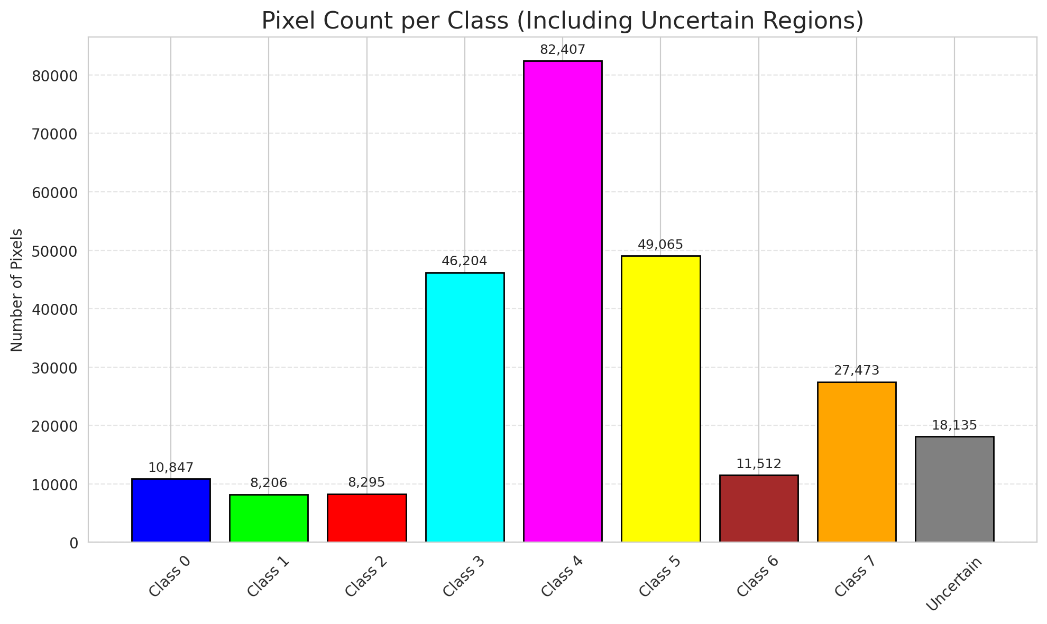
SACP - AlexNet |  |  |  |  |  |  |  |  | Per-Class Coverage
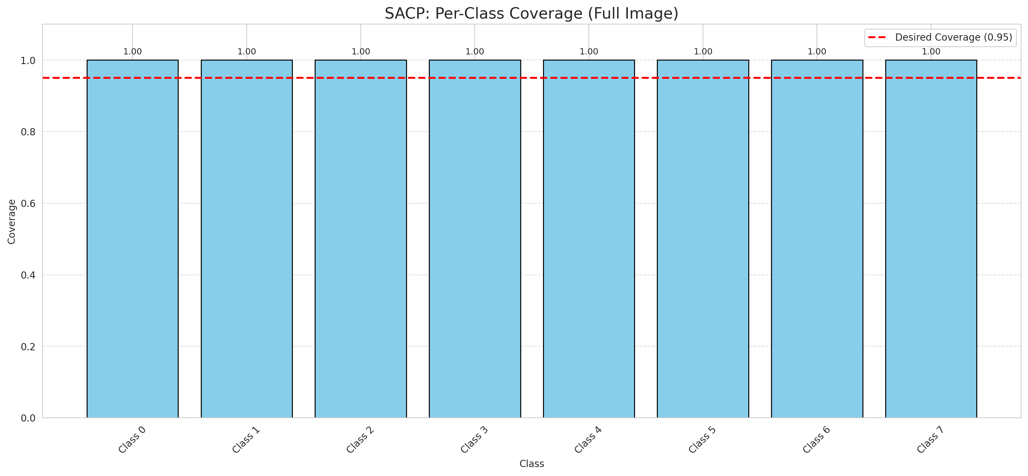
Summary
model_name | method | window_size | target_coverage | empirical_coverage | avg_set_size | median_set_size | singleton_rate | empty_set_rate | runtime_sec | alpha | lambda | k | q_hat | mean_per_class_coverage
AlexNet | SACP | 3 | 0.95 | 1 | 1 | 1 | 1 | 0 | 86.825465593 | 0.05 | 0.5 | 1 | 0.81919987371 | 1

Per-Class Coverage Values
class_id | class_coverage | support_count
0 | 1 | 1216
1 | 1 | 704
2 | 1 | 283
3 | 1 | 1365
4 | 1 | 1590
5 | 1 | 1059
6 | 1 | 200
7 | 1 | 320

Pixel Counts
class_id | label | pixel_count
0 | Class 0 | 10847
1 | Class 1 | 8206
2 | Class 2 | 8295
3 | Class 3 | 46204 |  |  |  |  |  |  | Certain vs Uncertain Map
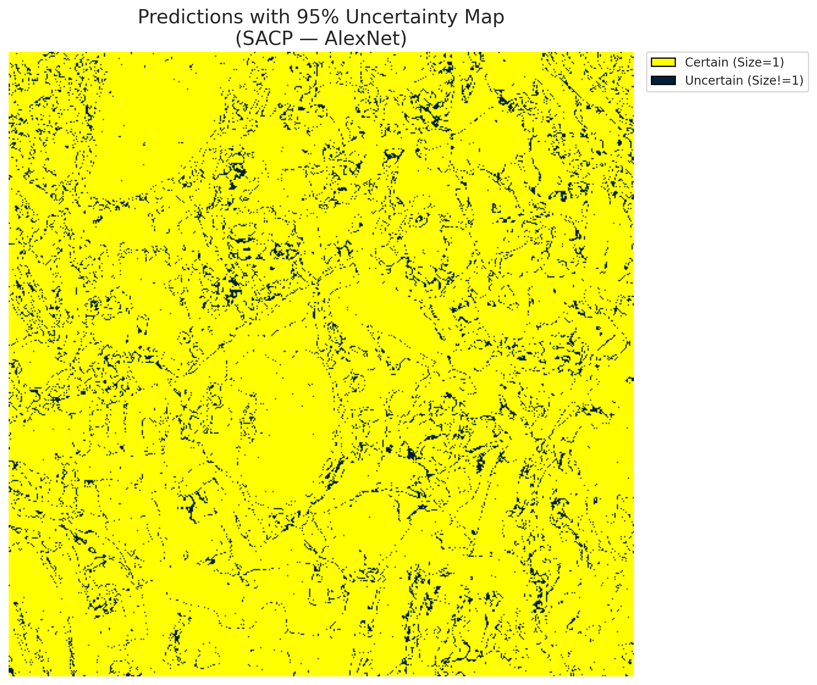
4 | Class 4 | 82407
5 | Class 5 | 49065
6 | Class 6 | 11512
7 | Class 7 | 27473
8 | Uncertain | 18135

SACP Parameters
q_hat | alpha | lambda | k | avg_set_size_eval
0.81919987371 | 0.05 | 0.5 | 1 | 1

 |  |  |  |  |  |  |  |  | Class Map with Uncertain Mask
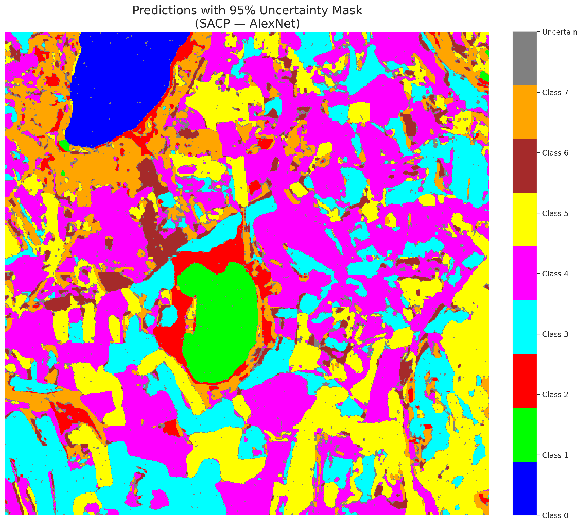

 |  |  |  |  |  |  |  |  | Pixel Counts

SACP_GFNet
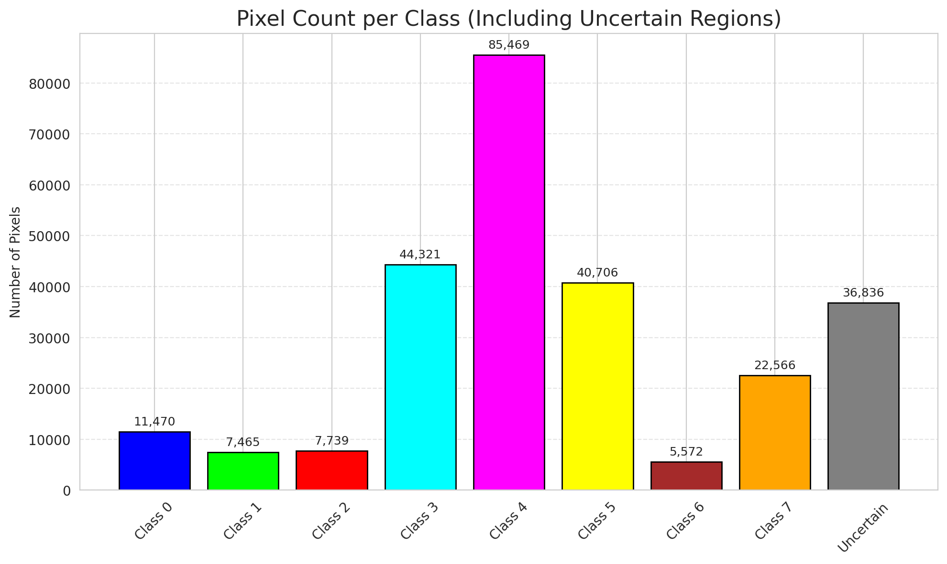
SACP - GFNet |  |  |  |  |  |  |  |  | Per-Class Coverage
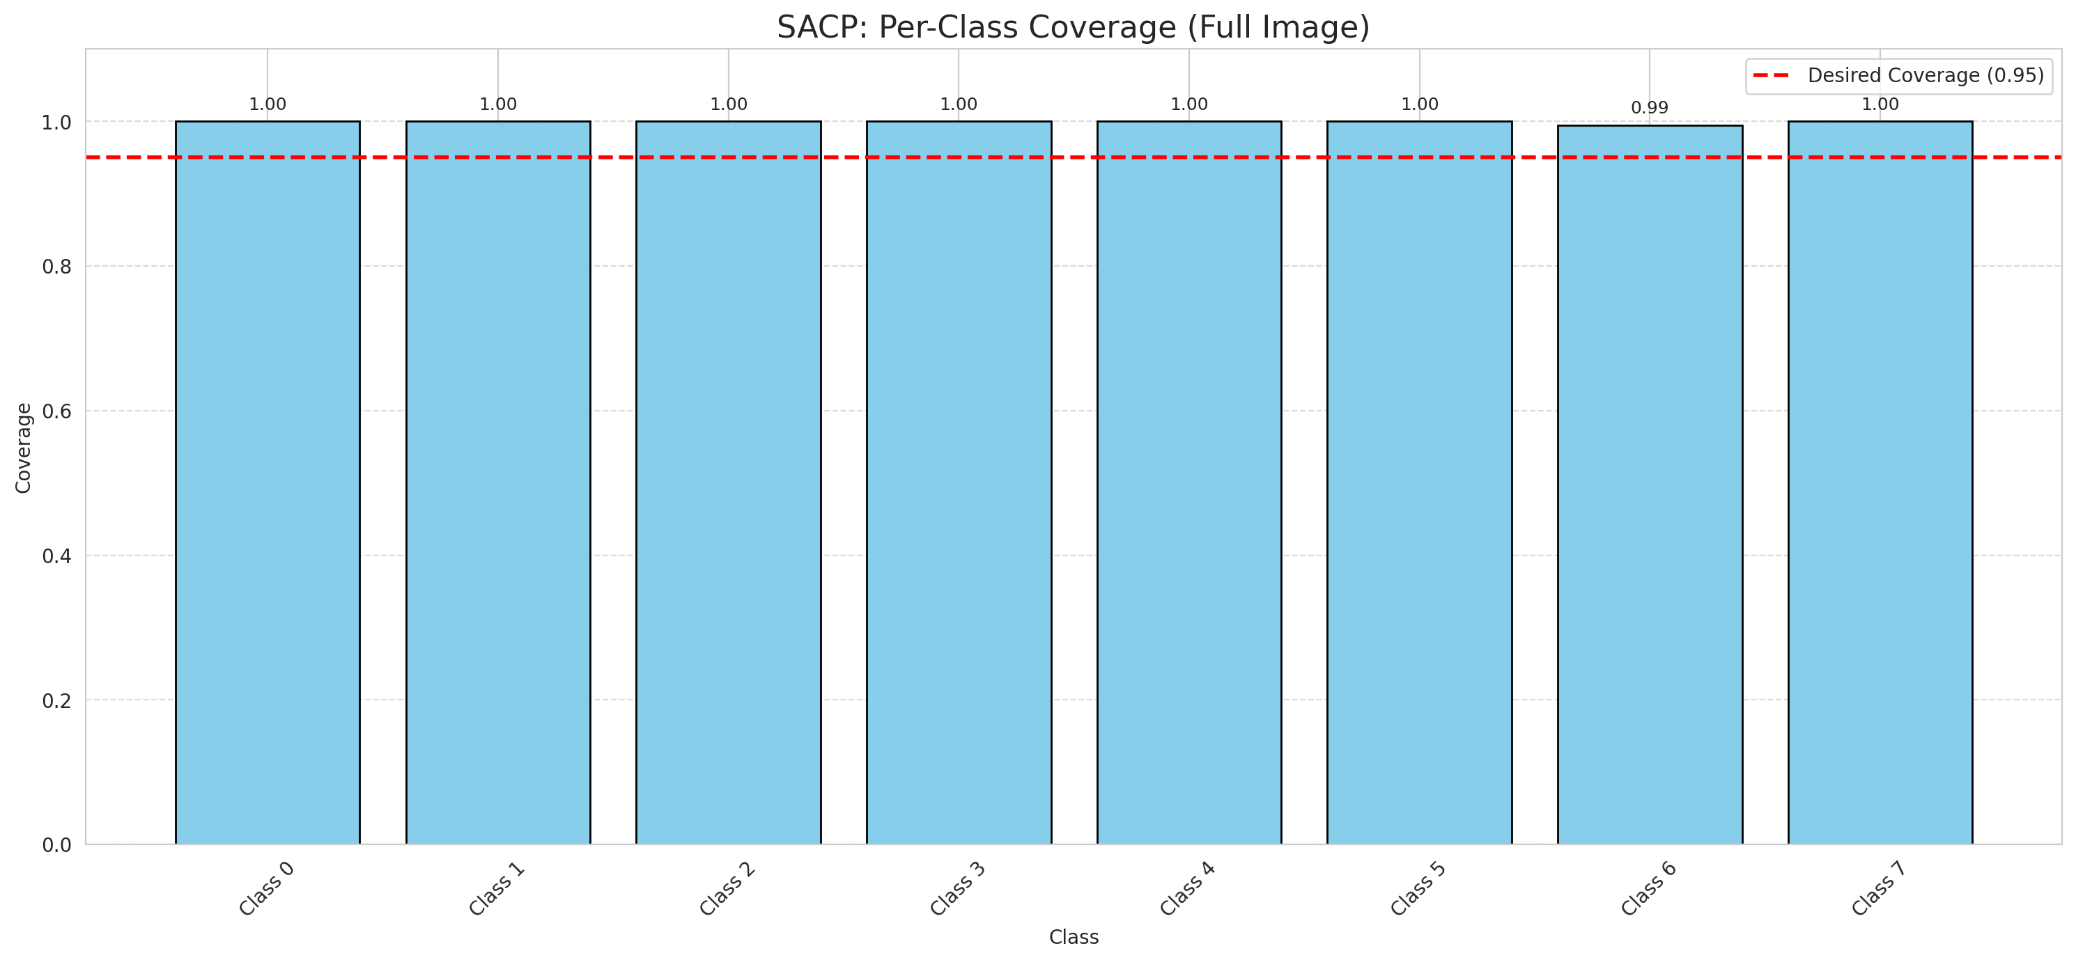
Summary
model_name | method | window_size | target_coverage | empirical_coverage | avg_set_size | median_set_size | singleton_rate | empty_set_rate | runtime_sec | alpha | lambda | k | q_hat | mean_per_class_coverage
GFNet | SACP | 3 | 0.95 | 0.99985156598 | 1 | 1 | 1 | 0 | 78.332447471 | 0.05 | 0.5 | 1 | 0.81210393564 | 0.999375

Per-Class Coverage Values
class_id | class_coverage | support_count
0 | 1 | 1216
1 | 1 | 704
2 | 1 | 283
3 | 1 | 1365
4 | 1 | 1590
5 | 1 | 1059
6 | 0.995 | 200
7 | 1 | 320

Pixel Counts
class_id | label | pixel_count
0 | Class 0 | 11470
1 | Class 1 | 7465
2 | Class 2 | 7739
3 | Class 3 | 44321 |  |  |  |  |  |  | Certain vs Uncertain Map
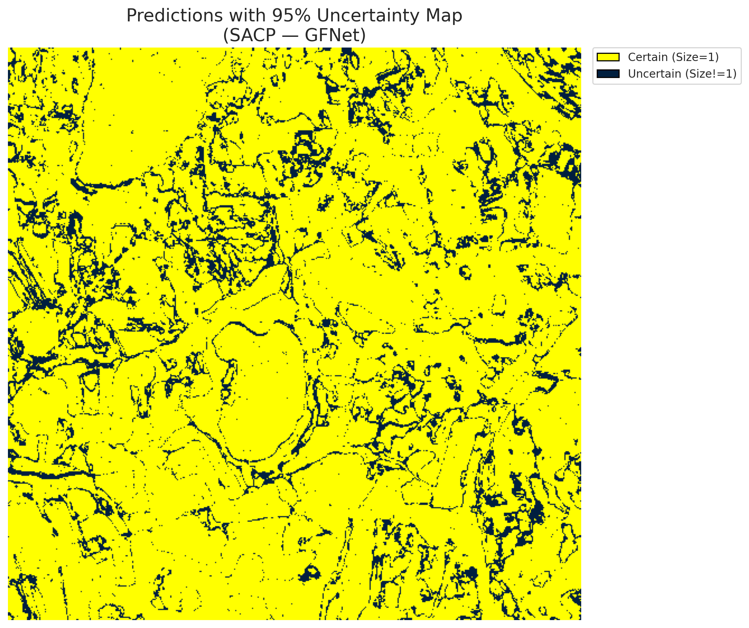
4 | Class 4 | 85469
5 | Class 5 | 40706
6 | Class 6 | 5572
7 | Class 7 | 22566
8 | Uncertain | 36836

SACP Parameters
q_hat | alpha | lambda | k | avg_set_size_eval
0.81210393564 | 0.05 | 0.5 | 1 | 1

 |  |  |  |  |  |  |  |  | Class Map with Uncertain Mask
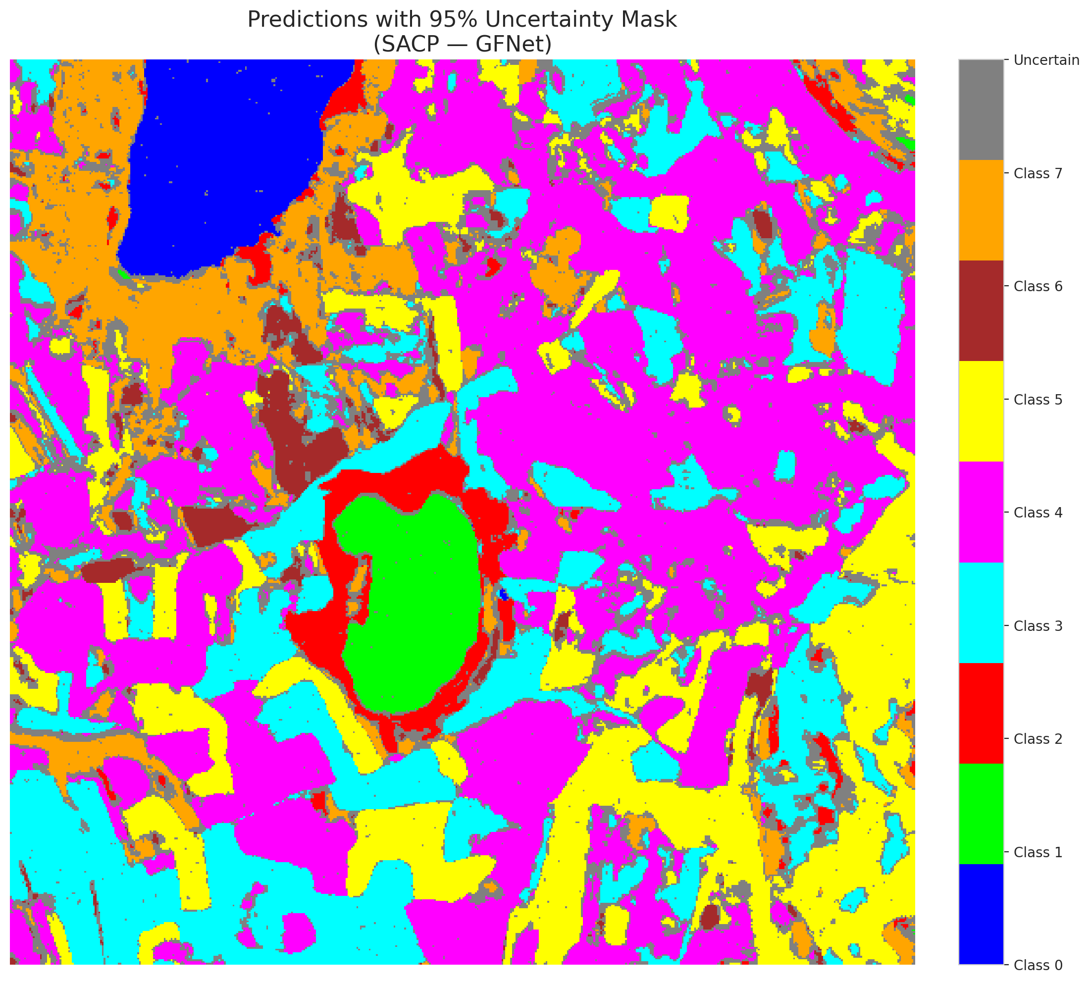

 |  |  |  |  |  |  |  |  | Pixel Counts

SACP_ViT
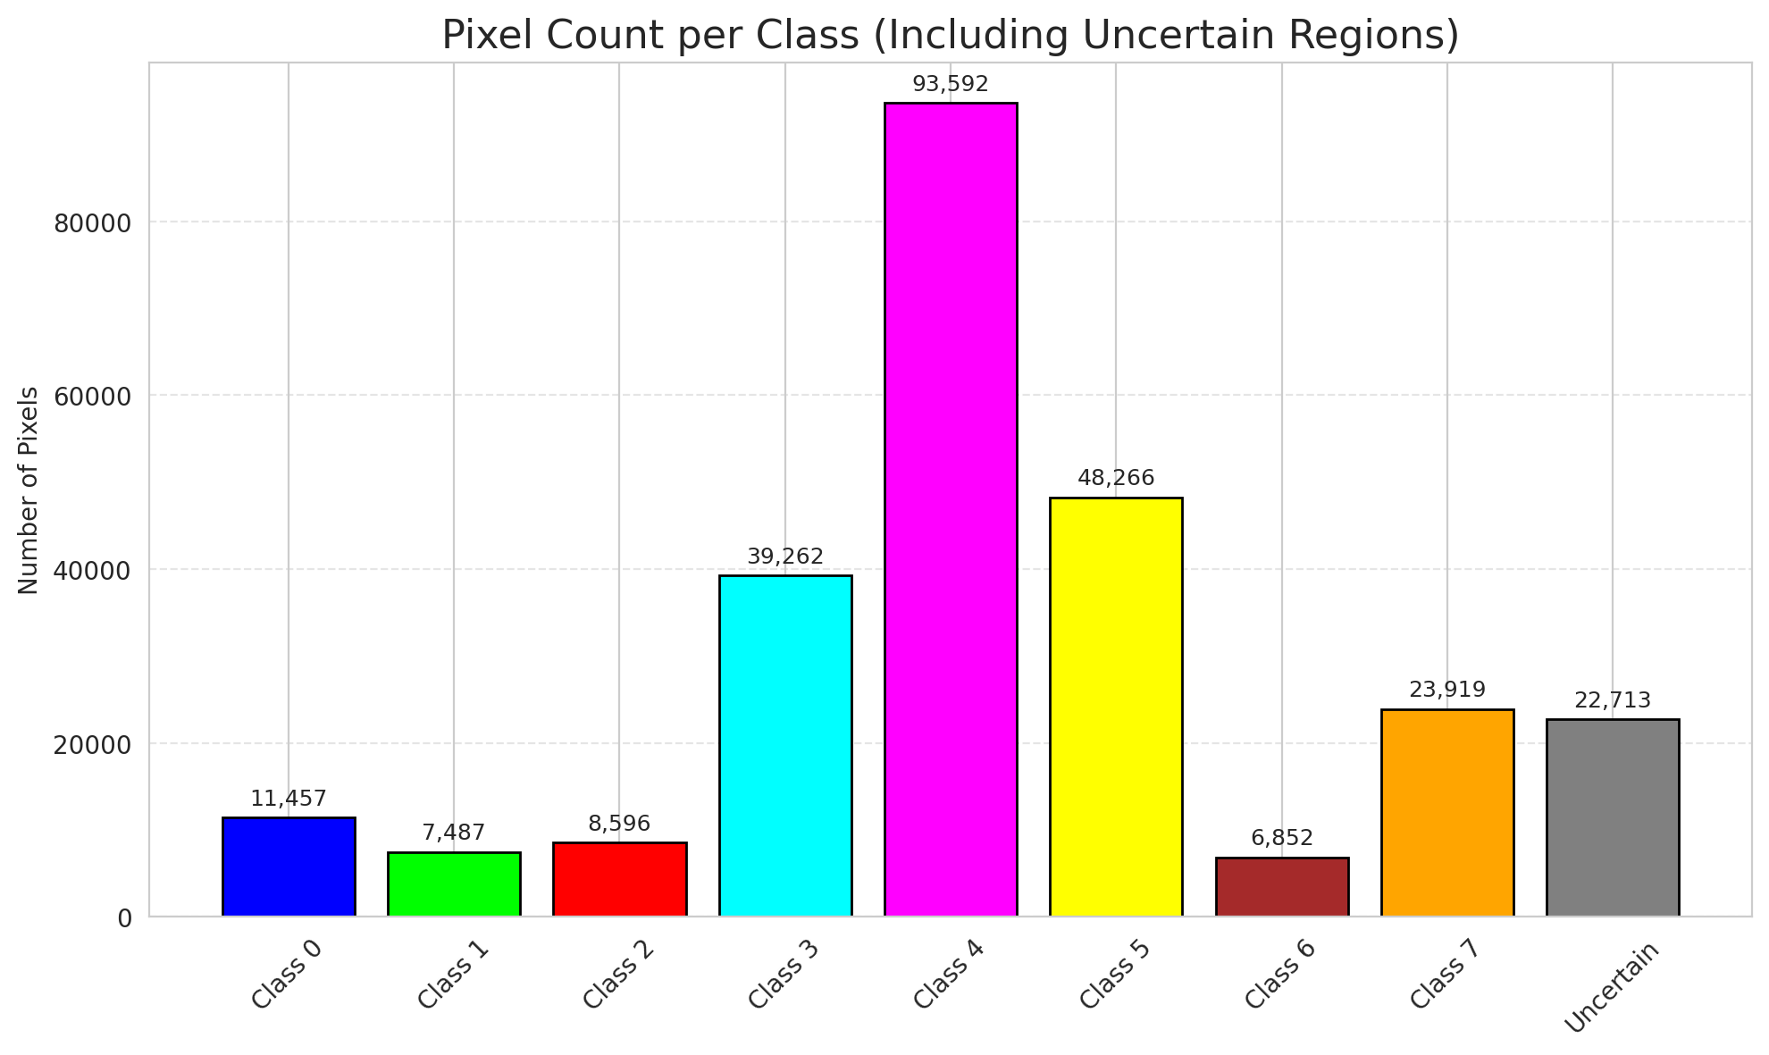
SACP - ViT |  |  |  |  |  |  |  |  | Per-Class Coverage

Summary
model_name | method | window_size | target_coverage | empirical_coverage | avg_set_size | median_set_size | singleton_rate | empty_set_rate | runtime_sec | alpha | lambda | k | q_hat | mean_per_class_coverage
ViT | SACP | 3 | 0.95 | 0.99970313196 | 1.0008906041 | 1 | 0.99910939587 | 0 | 101.57290909 | 0.05 | 0.5 | 1 | 0.78739519546 | 0.99950657895

Per-Class Coverage Values
class_id | class_coverage | support_count
0 | 0.99917763158 | 1216
1 | 1 | 704
2 | 1 | 283
3 | 1 | 1365
4 | 1 | 1590
5 | 1 | 1059
6 | 1 | 200
7 | 0.996875 | 320

Pixel Counts
class_id | label | pixel_count
0 | Class 0 | 11457
1 | Class 1 | 7487
2 | Class 2 | 8596
3 | Class 3 | 39262 |  |  |  |  |  |  | Certain vs Uncertain Map
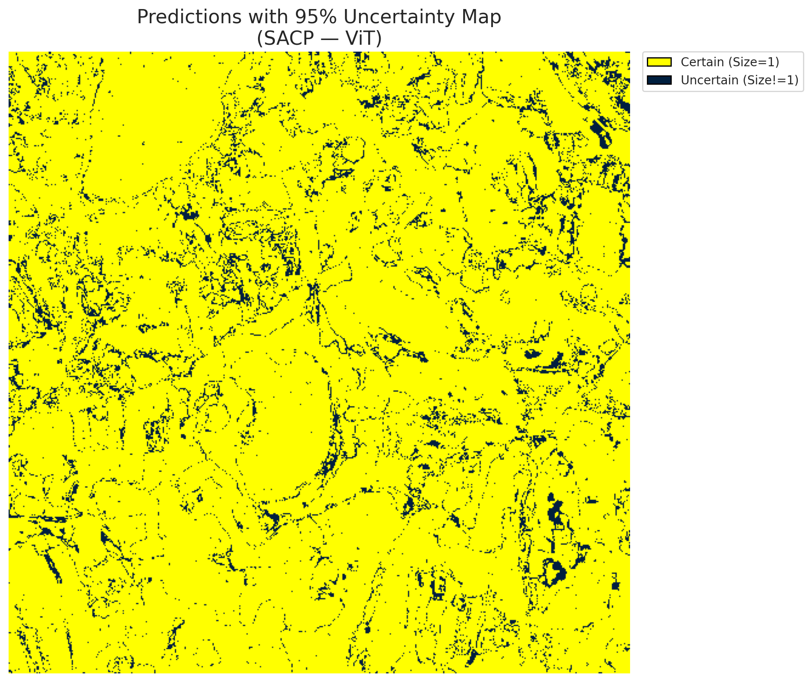
4 | Class 4 | 93592
5 | Class 5 | 48266
6 | Class 6 | 6852
7 | Class 7 | 23919
8 | Uncertain | 22713

SACP Parameters
q_hat | alpha | lambda | k | avg_set_size_eval
0.78739519546 | 0.05 | 0.5 | 1 | 1.0008906041

 |  |  |  |  |  |  |  |  | Class Map with Uncertain Mask
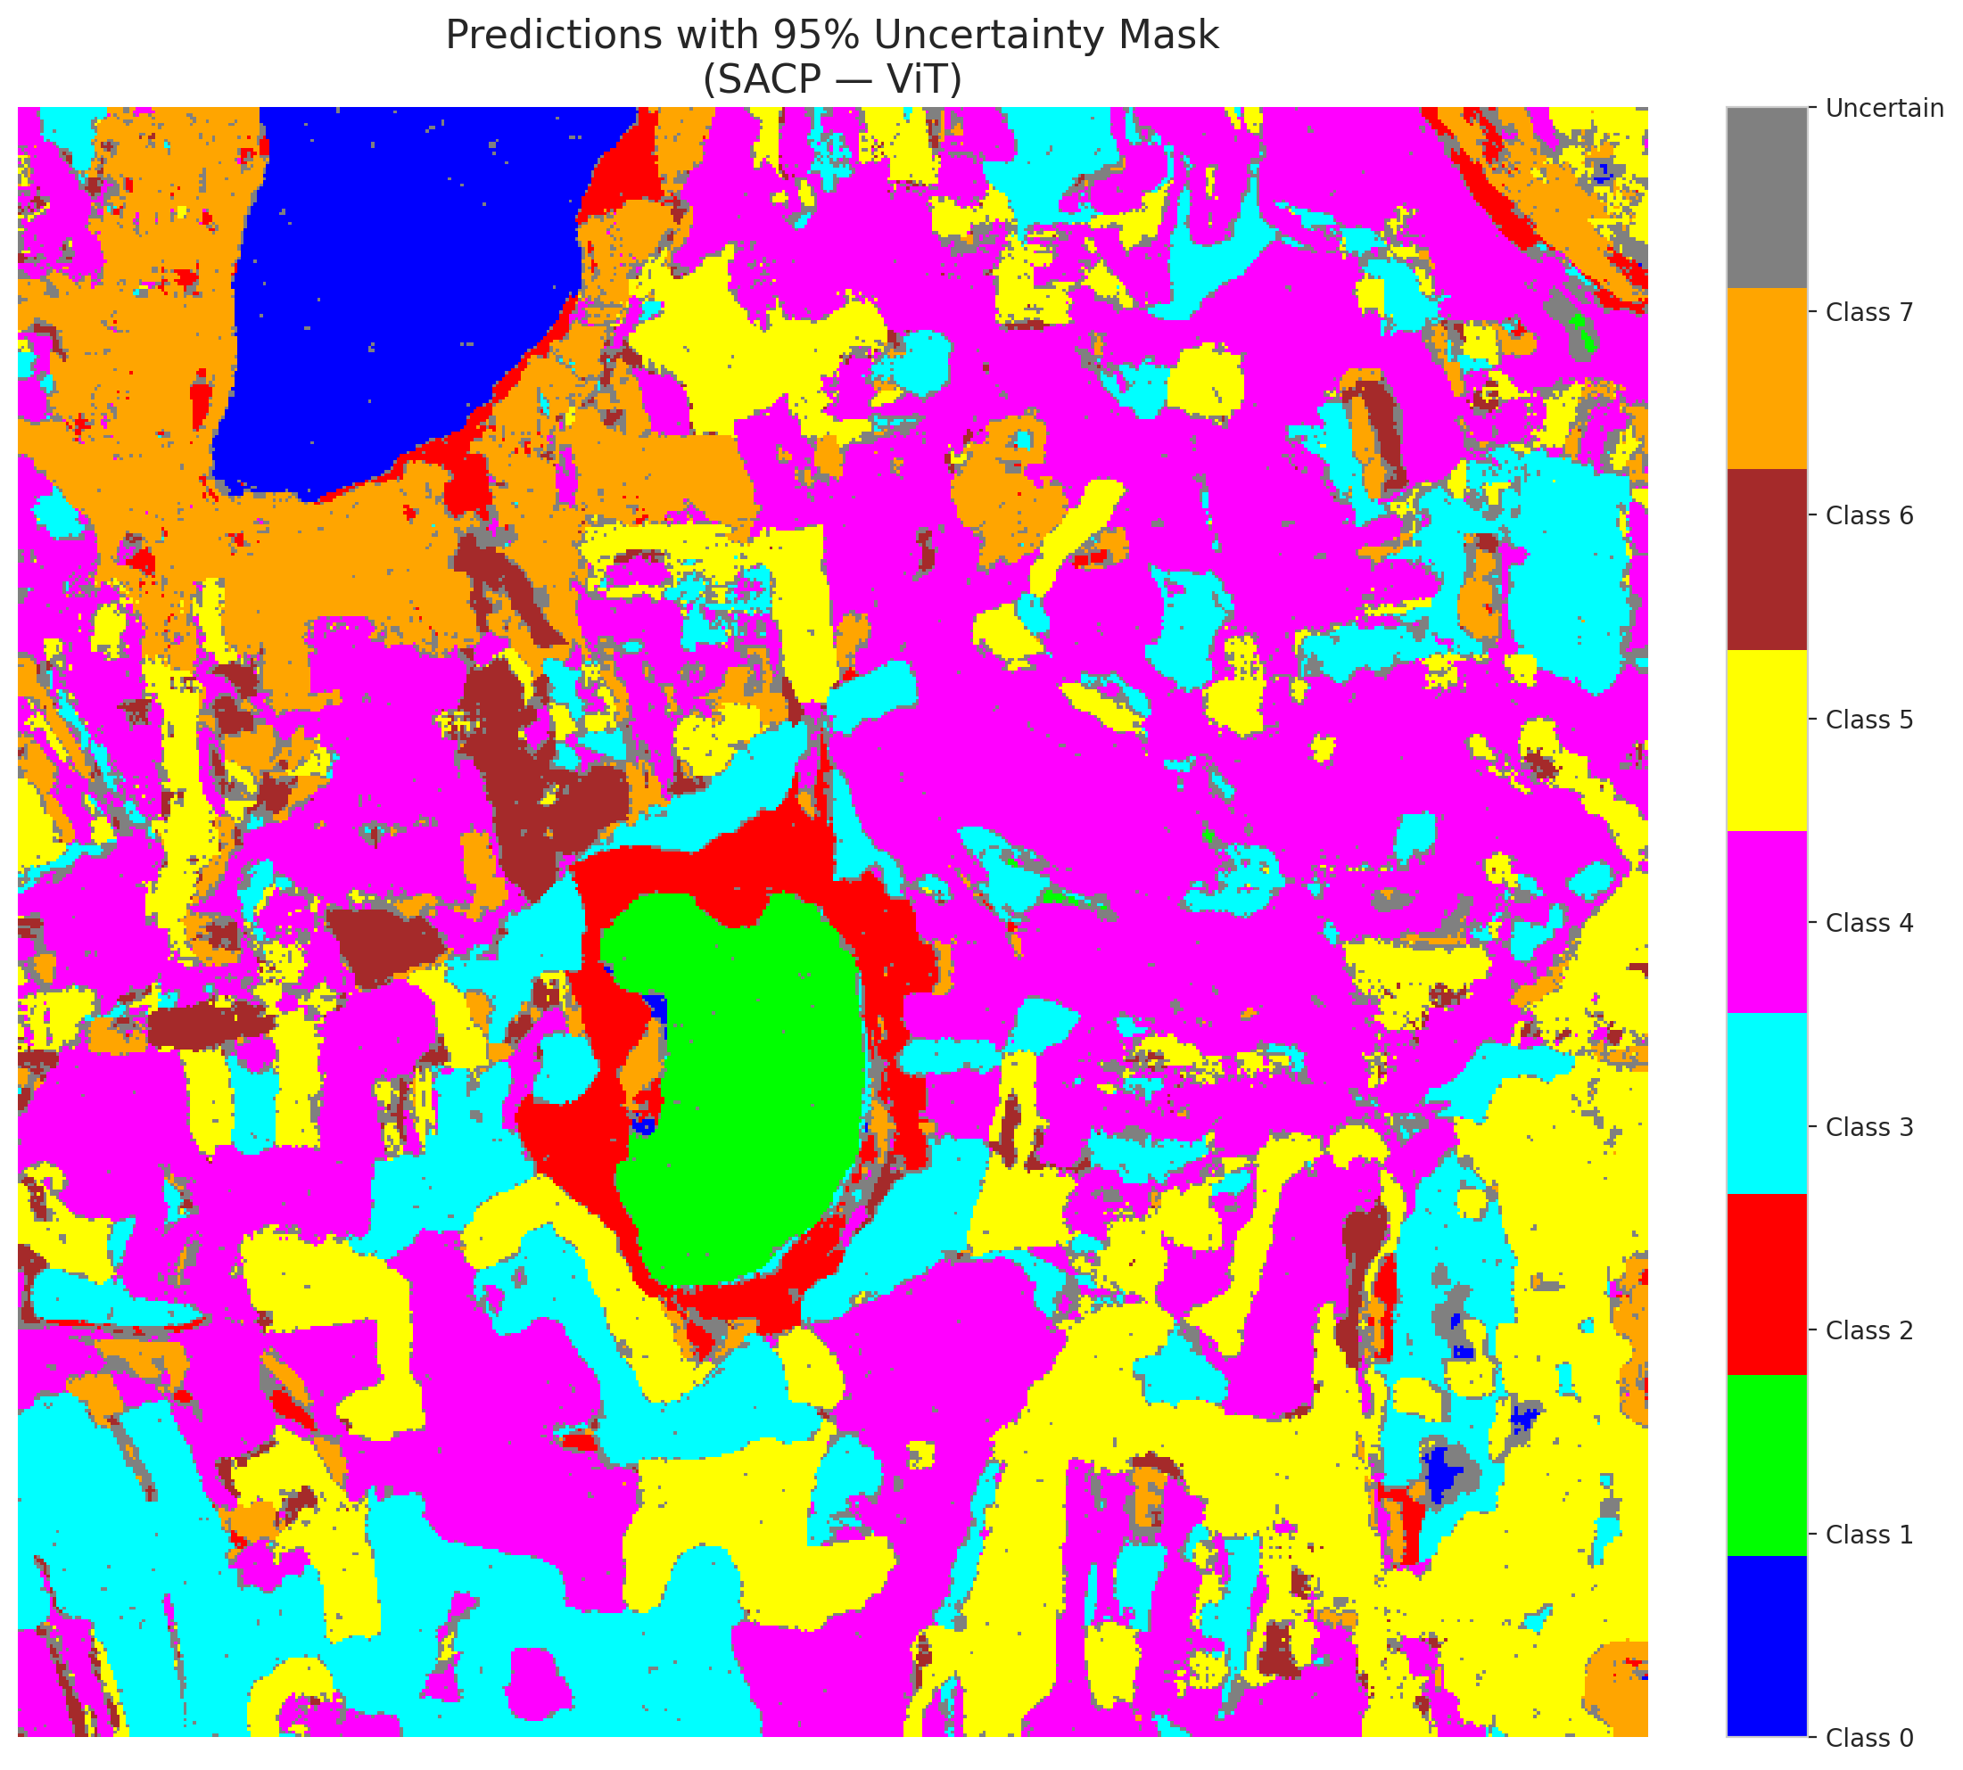

 |  |  |  |  |  |  |  |  | Pixel Counts

