SACP_AlexNet
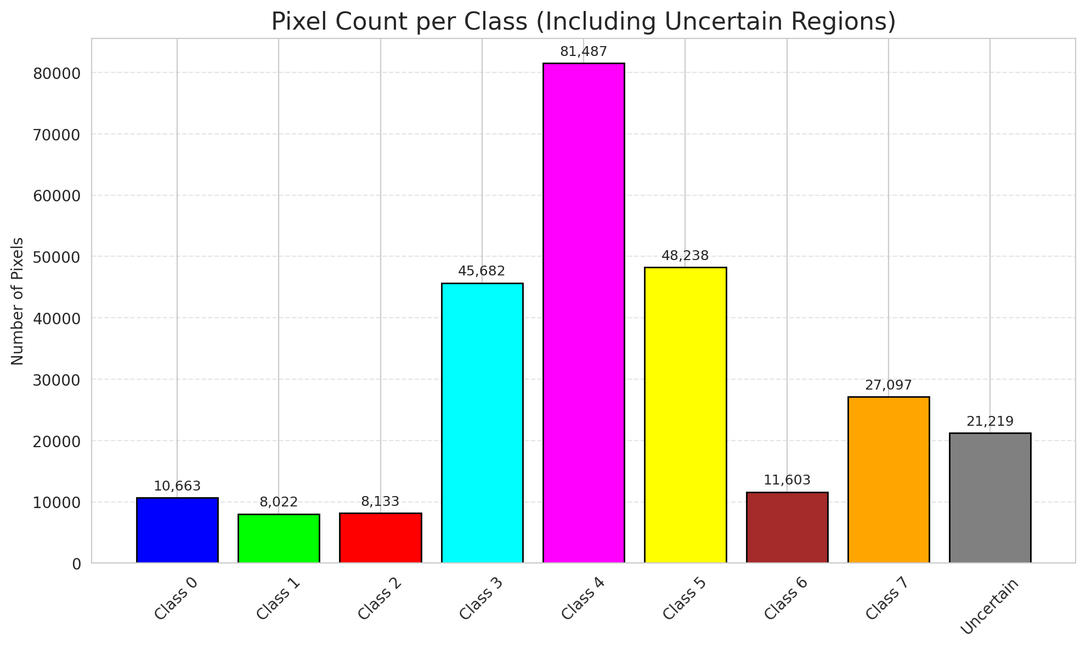
SACP - AlexNet |  |  |  |  |  |  |  |  | Per-Class Coverage
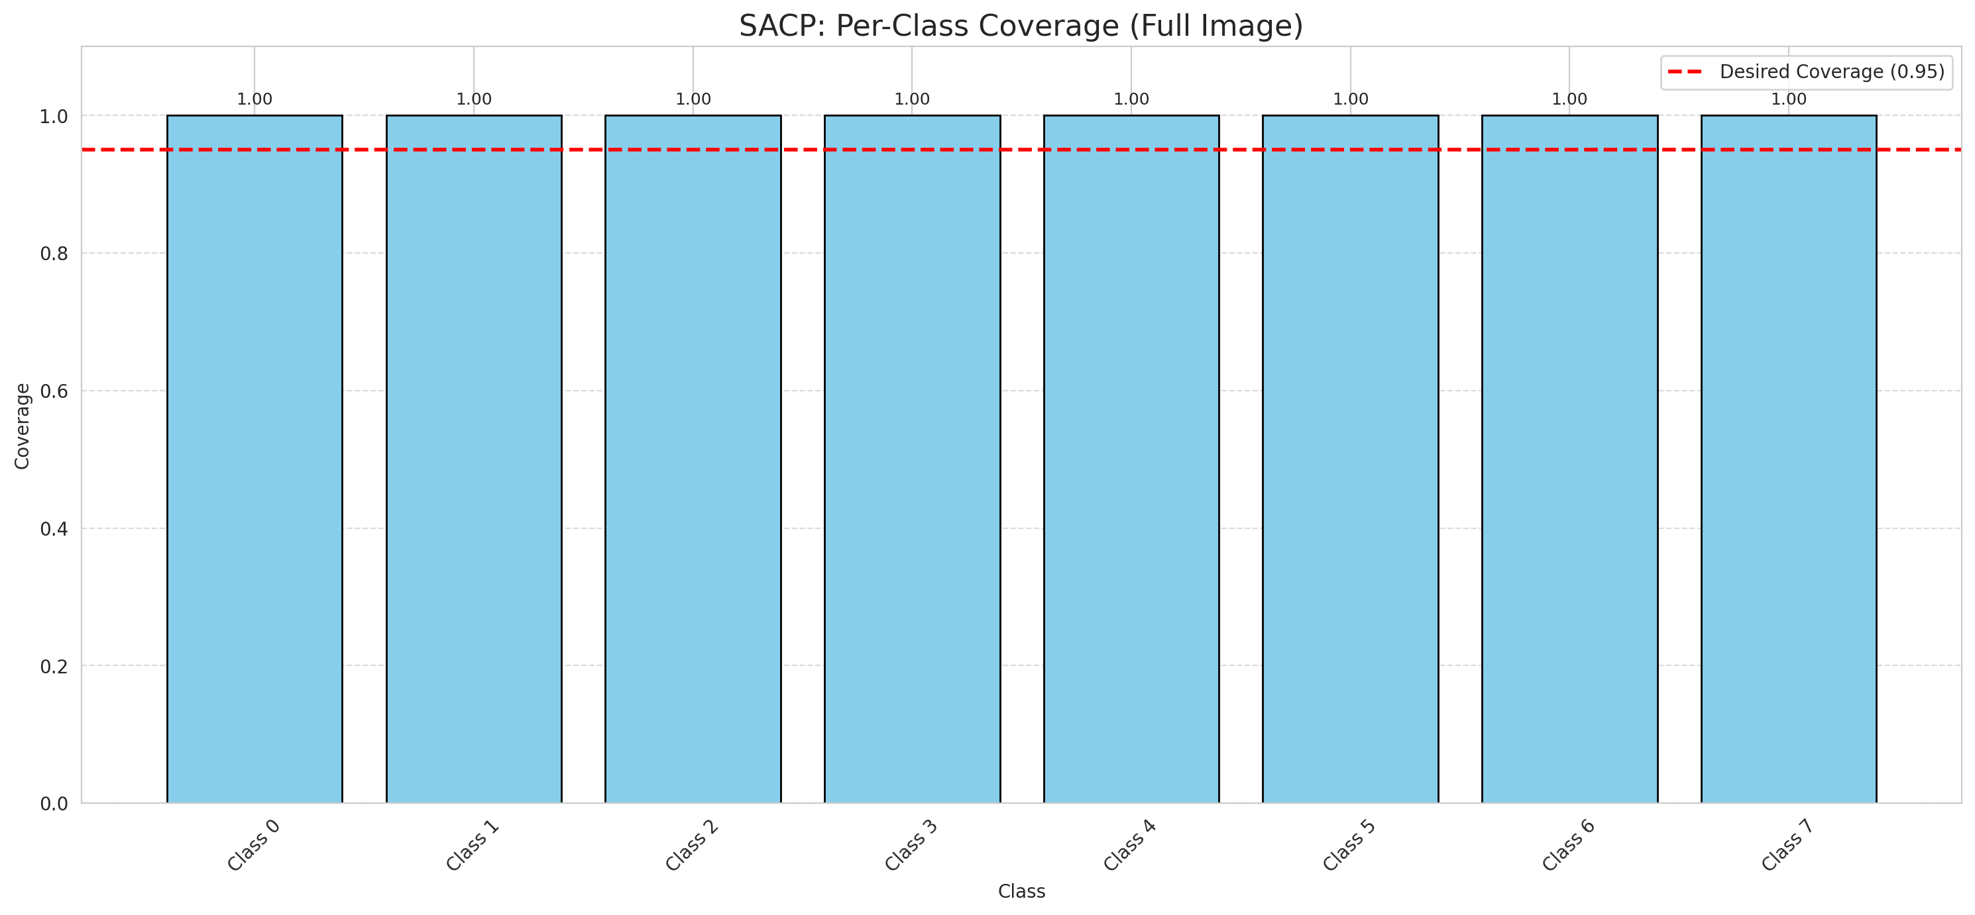
Summary
model_name | method | window_size | target_coverage | empirical_coverage | avg_set_size | median_set_size | singleton_rate | empty_set_rate | runtime_sec | alpha | lambda | k | q_hat | mean_per_class_coverage
AlexNet | SACP | 5 | 0.95 | 1 | 1 | 1 | 1 | 0 | 91.485055341 | 0.05 | 0.5 | 1 | 0.75250937891 | 1

Per-Class Coverage Values
class_id | class_coverage | support_count
0 | 1 | 1216
1 | 1 | 704
2 | 1 | 283
3 | 1 | 1365
4 | 1 | 1590
5 | 1 | 1059
6 | 1 | 200
7 | 1 | 320

Pixel Counts
class_id | label | pixel_count
0 | Class 0 | 10663
1 | Class 1 | 8022
2 | Class 2 | 8133
3 | Class 3 | 45682 |  |  |  |  |  |  | Certain vs Uncertain Map
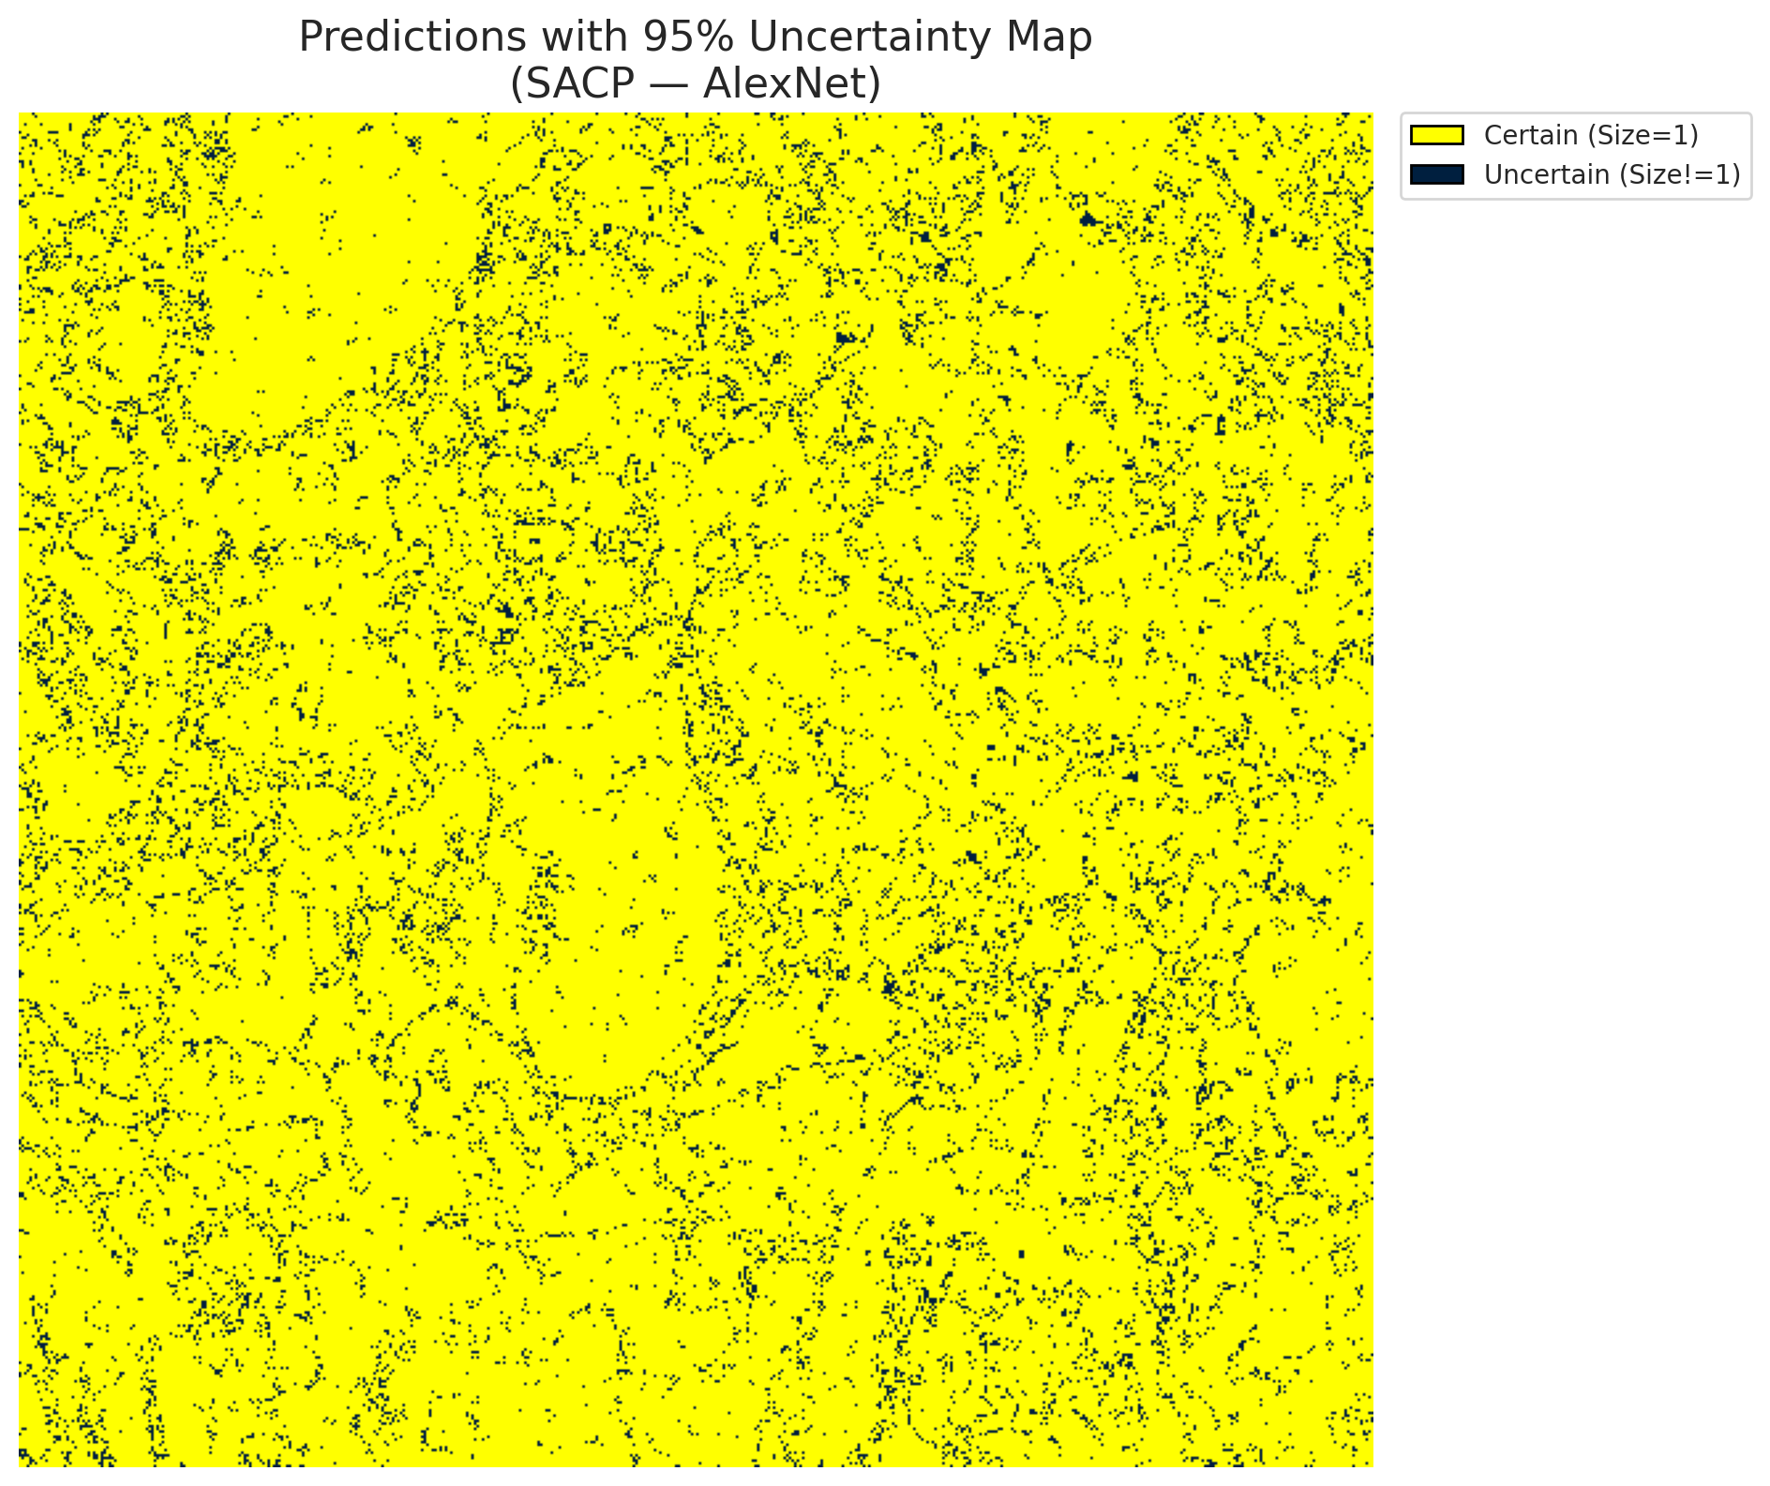
4 | Class 4 | 81487
5 | Class 5 | 48238
6 | Class 6 | 11603
7 | Class 7 | 27097
8 | Uncertain | 21219

SACP Parameters
q_hat | alpha | lambda | k | avg_set_size_eval
0.75250937891 | 0.05 | 0.5 | 1 | 1

 |  |  |  |  |  |  |  |  | Class Map with Uncertain Mask
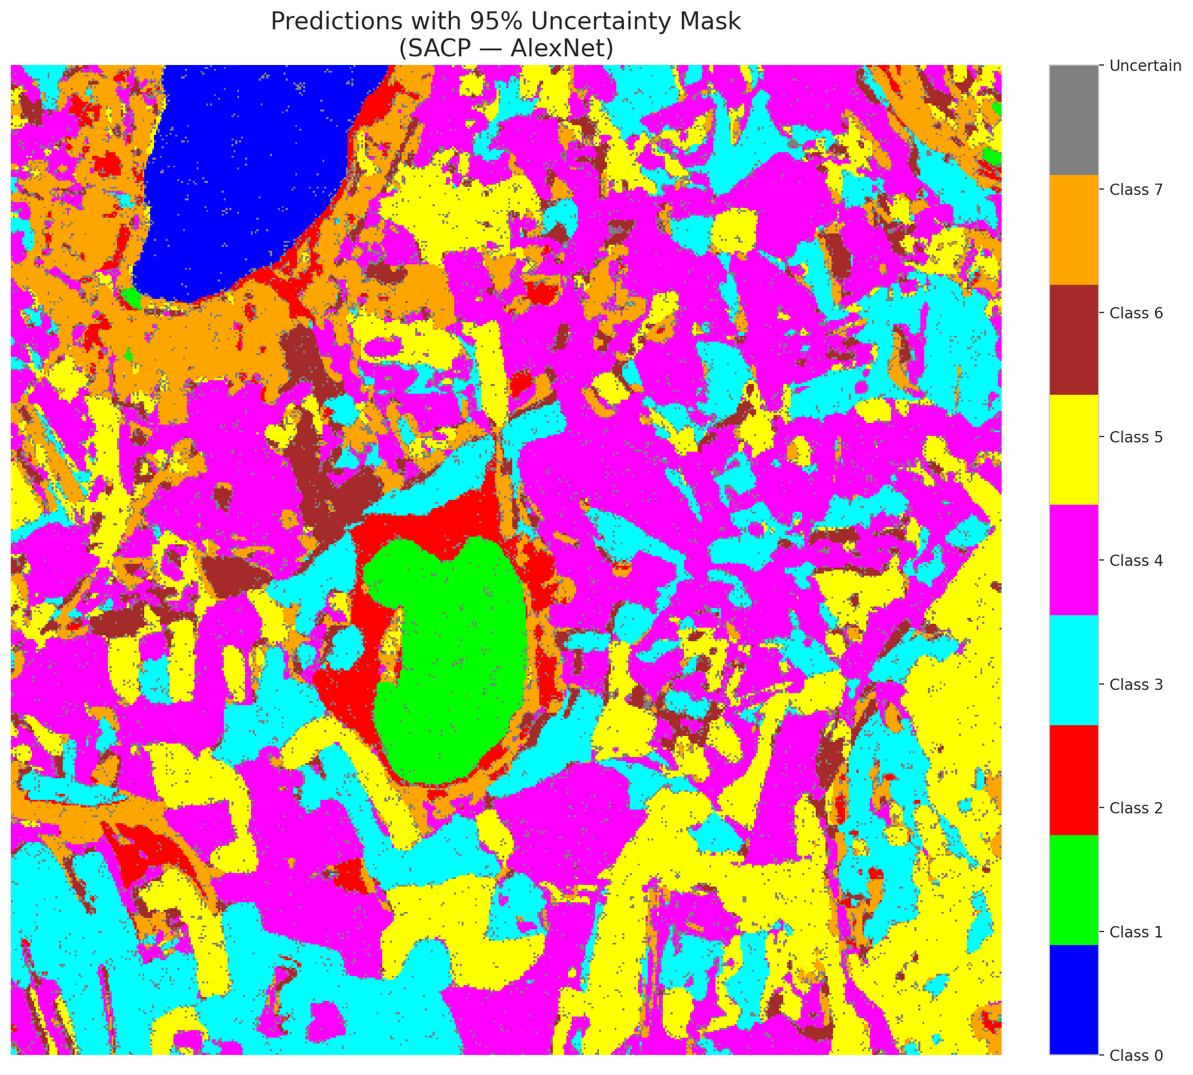

 |  |  |  |  |  |  |  |  | Pixel Counts

SACP_GFNet
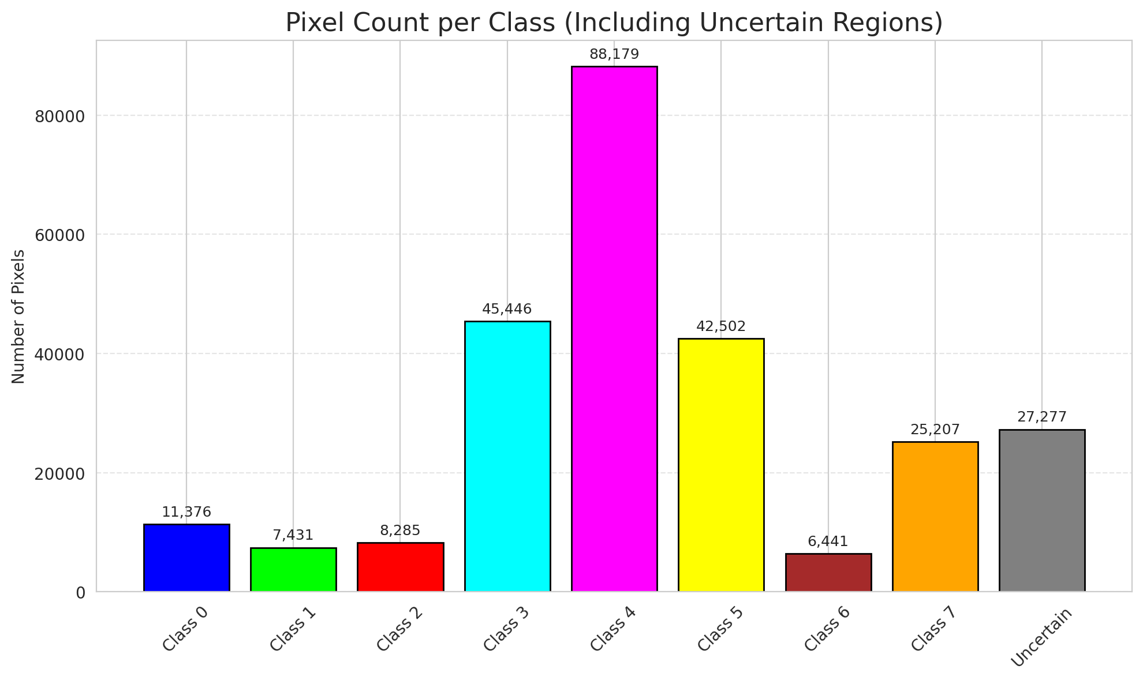
SACP - GFNet |  |  |  |  |  |  |  |  | Per-Class Coverage

Summary
model_name | method | window_size | target_coverage | empirical_coverage | avg_set_size | median_set_size | singleton_rate | empty_set_rate | runtime_sec | alpha | lambda | k | q_hat | mean_per_class_coverage
GFNet | SACP | 5 | 0.95 | 1 | 1.000148434 | 1 | 0.99985156598 | 0 | 83.244717499 | 0.05 | 0.5 | 1 | 0.74669552807 | 1

Per-Class Coverage Values
class_id | class_coverage | support_count
0 | 1 | 1216
1 | 1 | 704
2 | 1 | 283
3 | 1 | 1365
4 | 1 | 1590
5 | 1 | 1059
6 | 1 | 200
7 | 1 | 320

Pixel Counts
class_id | label | pixel_count
0 | Class 0 | 11376
1 | Class 1 | 7431
2 | Class 2 | 8285
3 | Class 3 | 45446 |  |  |  |  |  |  | Certain vs Uncertain Map
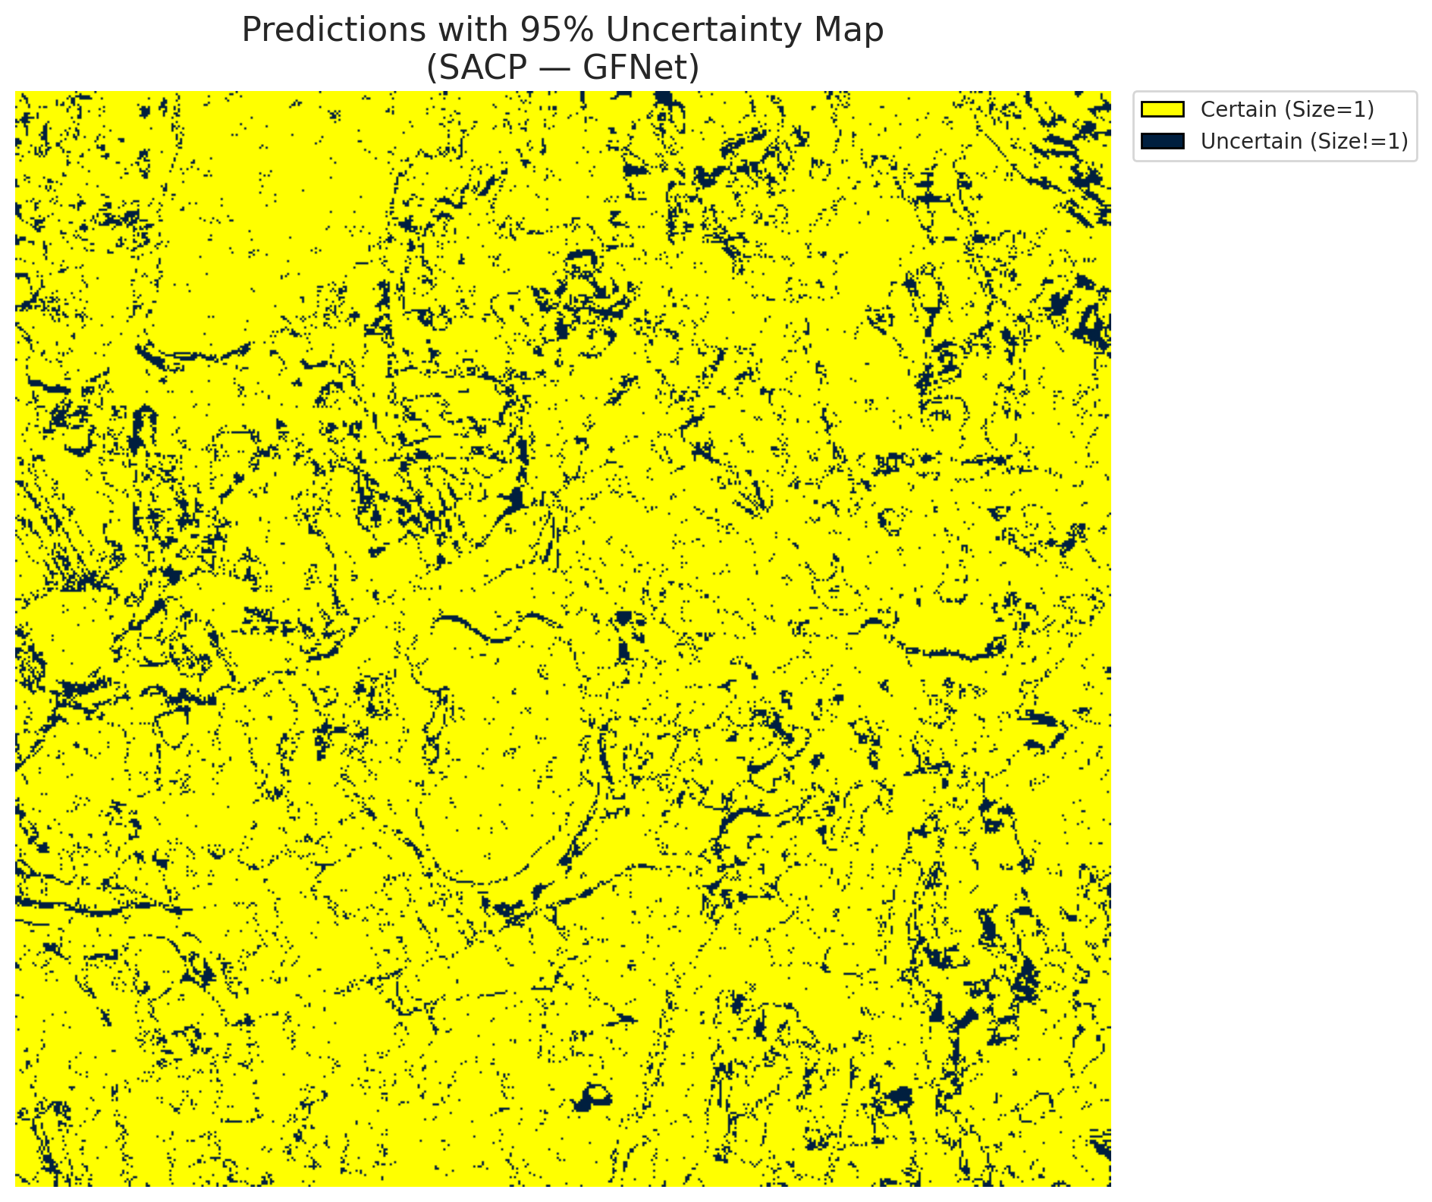
4 | Class 4 | 88179
5 | Class 5 | 42502
6 | Class 6 | 6441
7 | Class 7 | 25207
8 | Uncertain | 27277

SACP Parameters
q_hat | alpha | lambda | k | avg_set_size_eval
0.74669552807 | 0.05 | 0.5 | 1 | 1.000148434

 |  |  |  |  |  |  |  |  | Class Map with Uncertain Mask
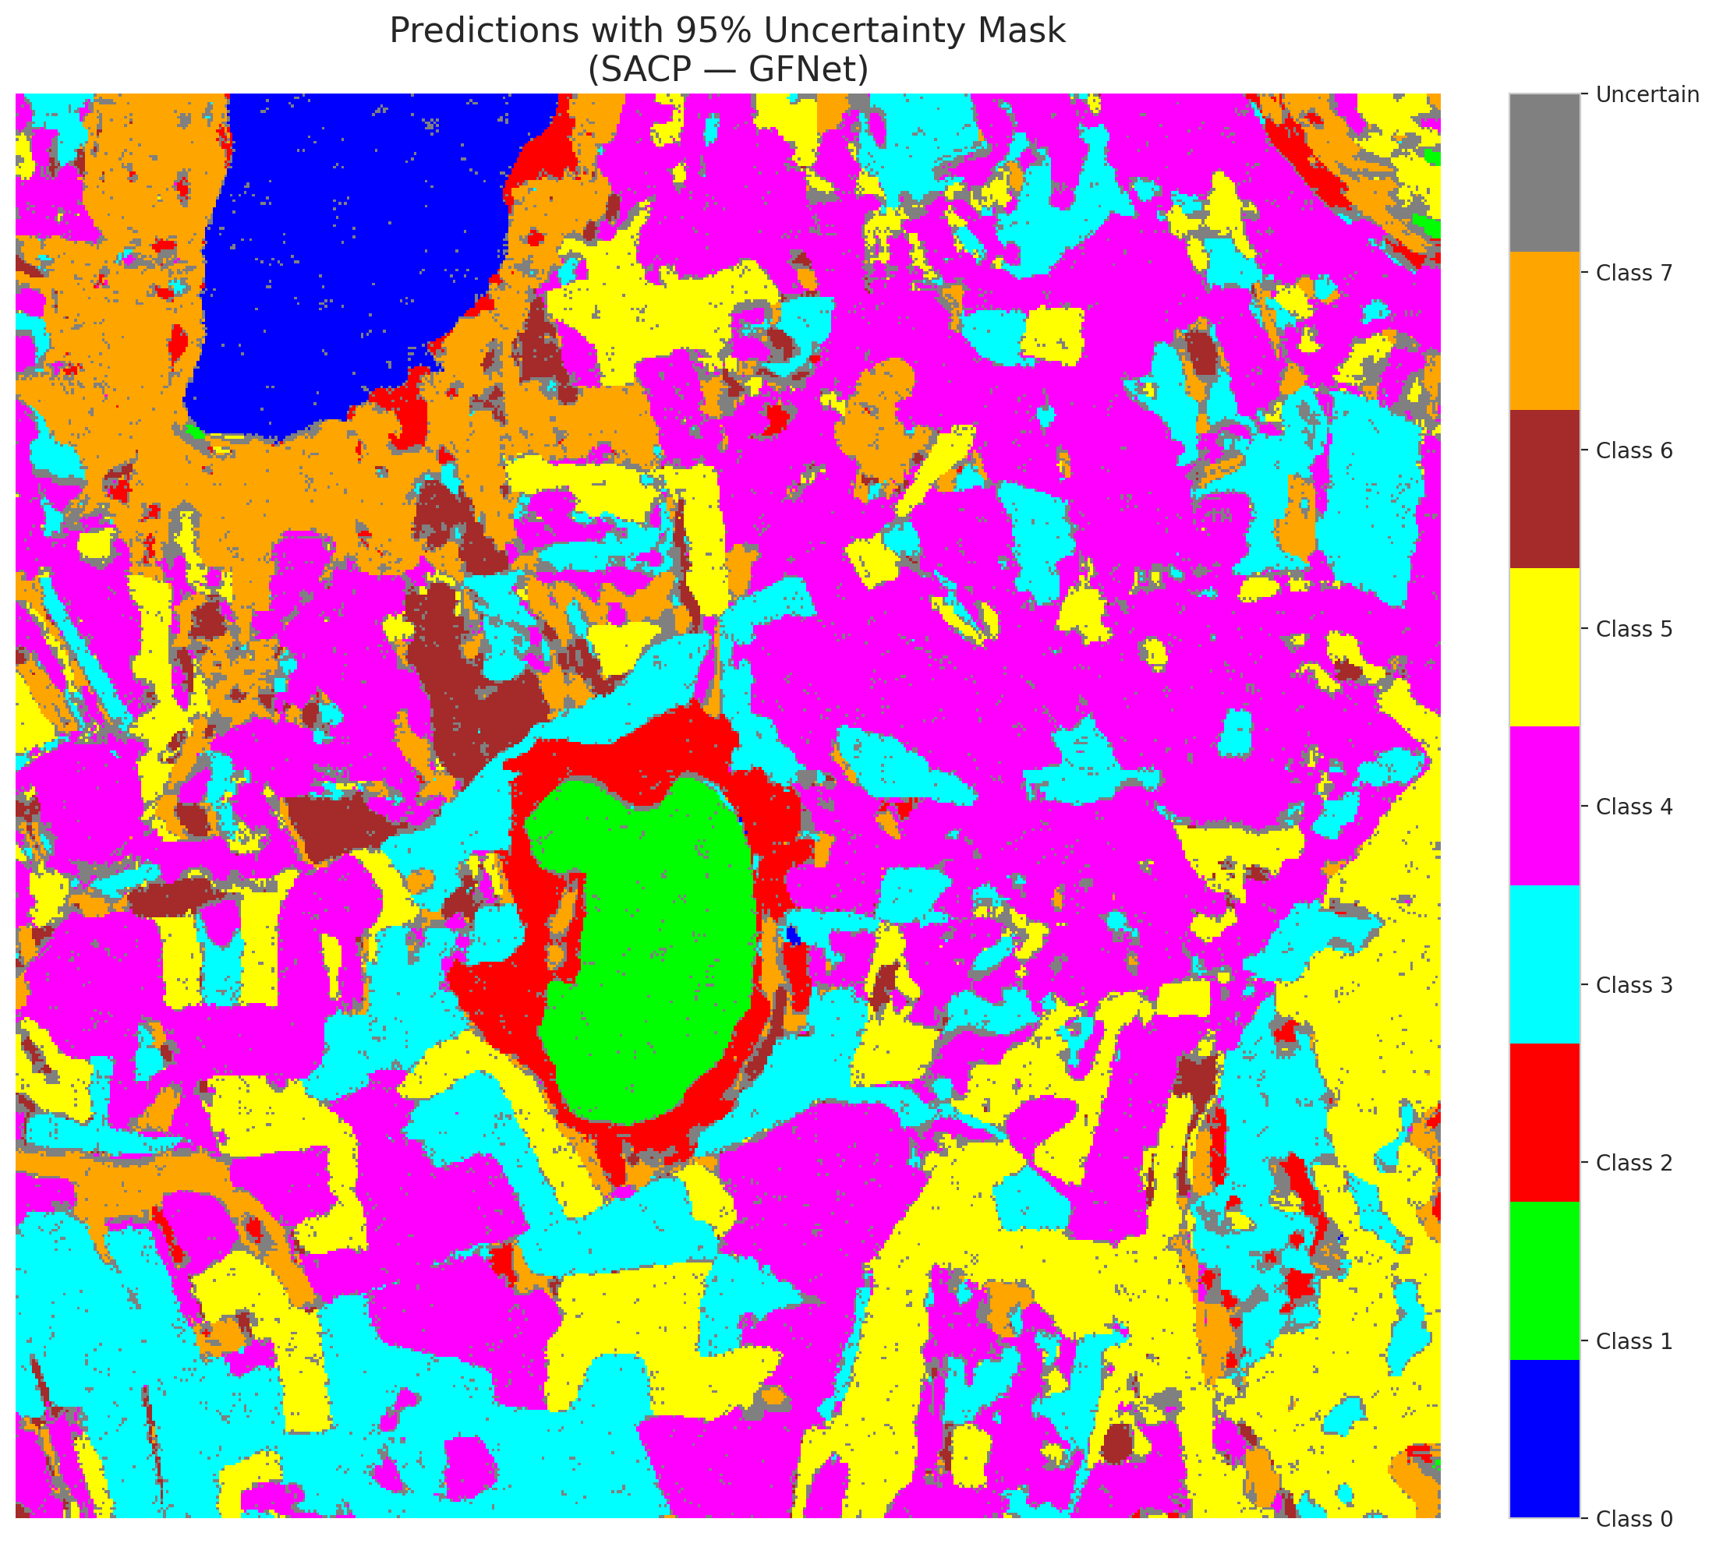

 |  |  |  |  |  |  |  |  | Pixel Counts

SACP_ViT
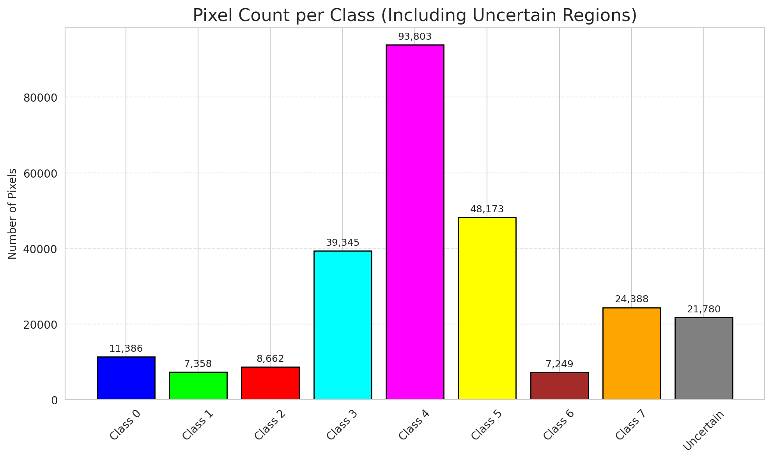
SACP - ViT |  |  |  |  |  |  |  |  | Per-Class Coverage

Summary
model_name | method | window_size | target_coverage | empirical_coverage | avg_set_size | median_set_size | singleton_rate | empty_set_rate | runtime_sec | alpha | lambda | k | q_hat | mean_per_class_coverage
ViT | SACP | 5 | 0.95 | 0.99985156598 | 1.0005937361 | 1 | 0.99940626392 | 0 | 98.66140499 | 0.05 | 0.5 | 1 | 0.72367502485 | 0.99989720395

Per-Class Coverage Values
class_id | class_coverage | support_count
0 | 0.99917763158 | 1216
1 | 1 | 704
2 | 1 | 283
3 | 1 | 1365
4 | 1 | 1590
5 | 1 | 1059
6 | 1 | 200
7 | 1 | 320

Pixel Counts
class_id | label | pixel_count
0 | Class 0 | 11386
1 | Class 1 | 7358
2 | Class 2 | 8662
3 | Class 3 | 39345 |  |  |  |  |  |  | Certain vs Uncertain Map
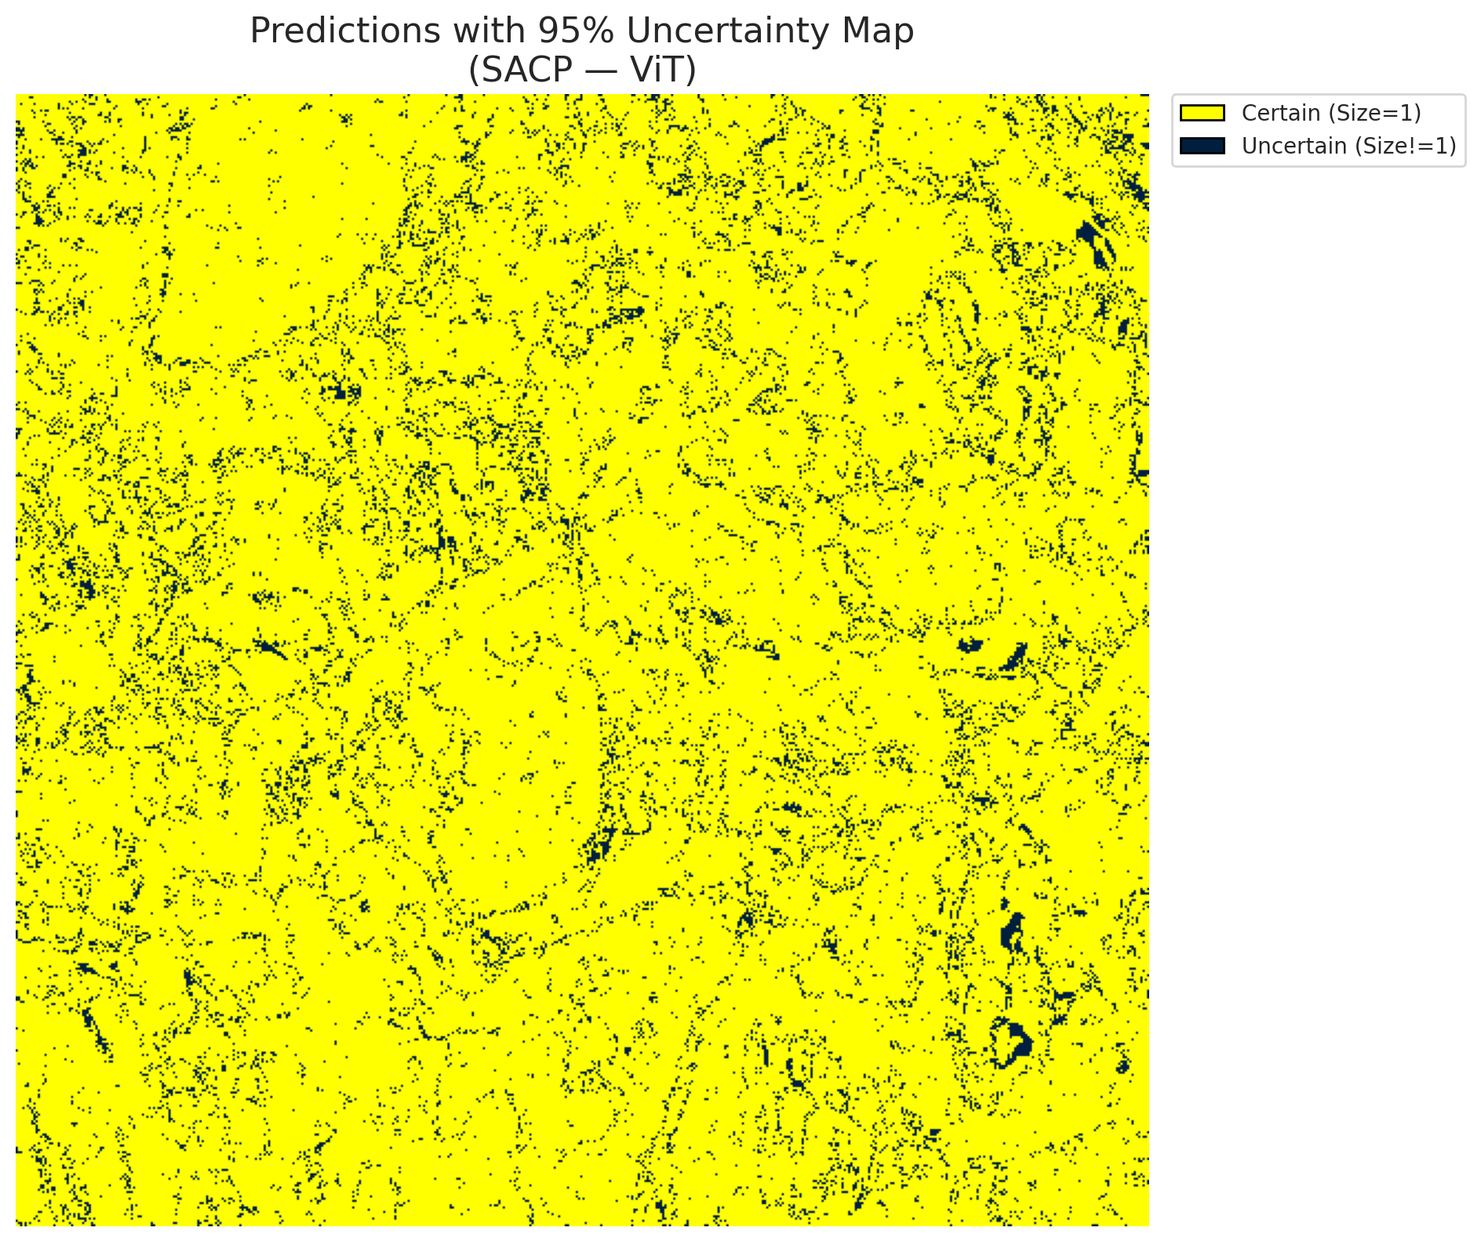
4 | Class 4 | 93803
5 | Class 5 | 48173
6 | Class 6 | 7249
7 | Class 7 | 24388
8 | Uncertain | 21780

SACP Parameters
q_hat | alpha | lambda | k | avg_set_size_eval
0.72367502485 | 0.05 | 0.5 | 1 | 1.0005937361

 |  |  |  |  |  |  |  |  | Class Map with Uncertain Mask
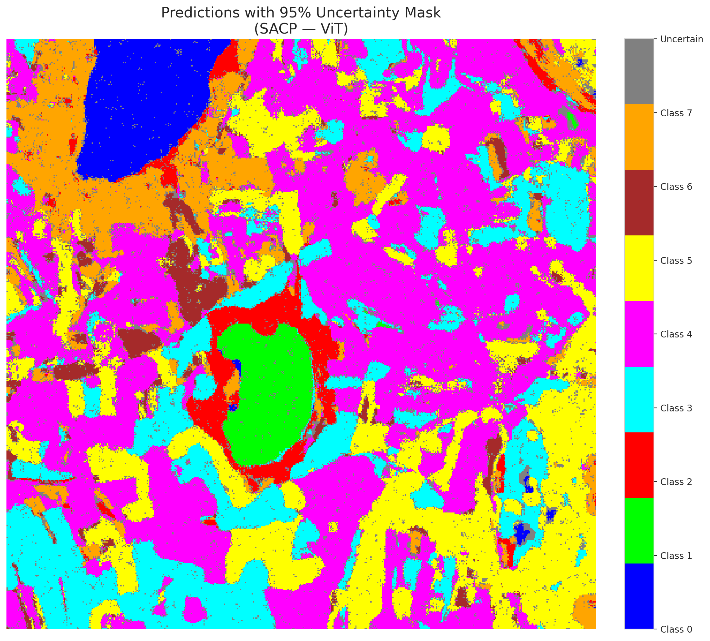

 |  |  |  |  |  |  |  |  | Pixel Counts

