SACP_AlexNet
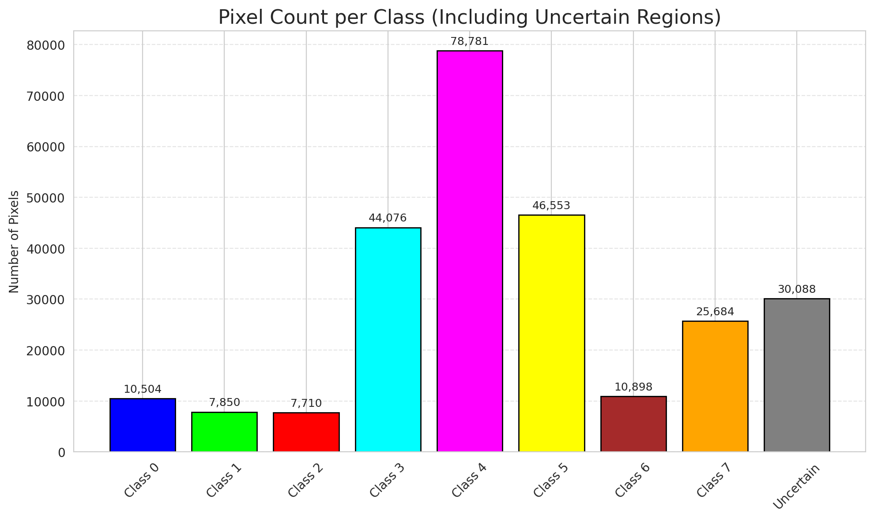
SACP - AlexNet |  |  |  |  |  |  |  |  | Per-Class Coverage
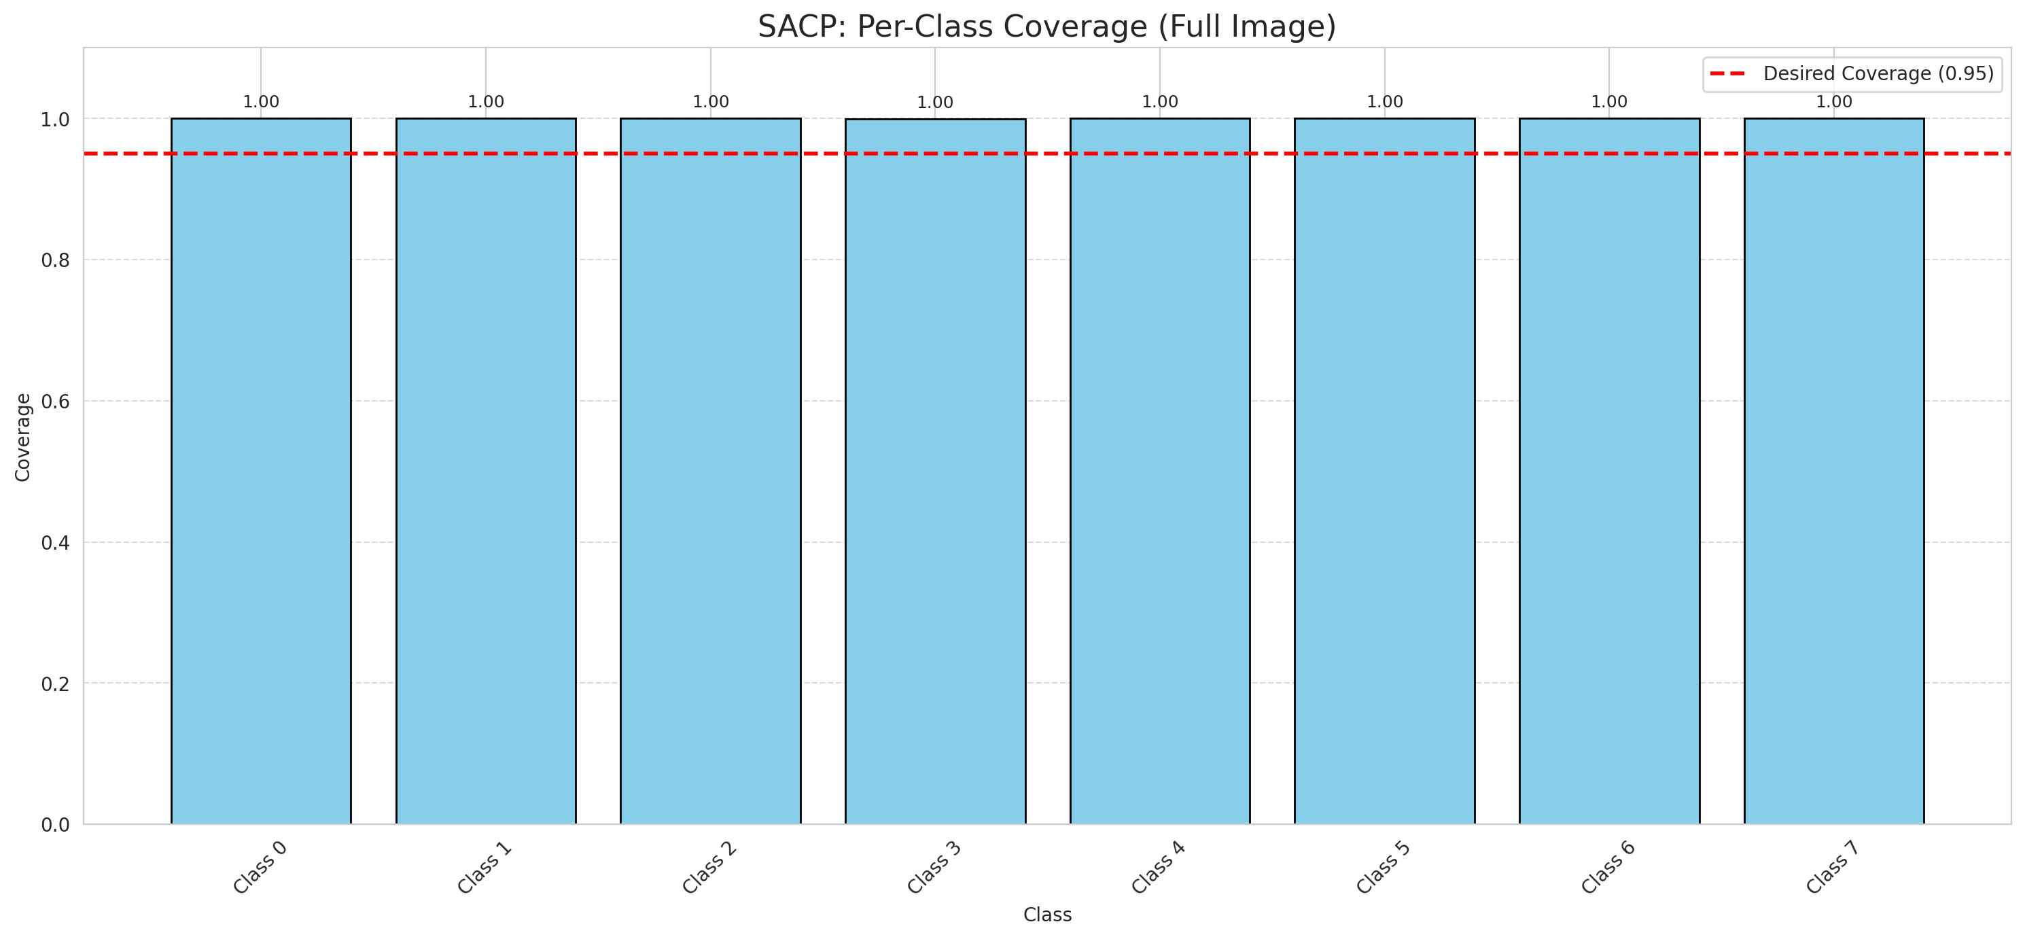
Summary
model_name | method | window_size | target_coverage | empirical_coverage | avg_set_size | median_set_size | singleton_rate | empty_set_rate | runtime_sec | alpha | lambda | k | q_hat | mean_per_class_coverage
AlexNet | SACP | 7 | 0.95 | 0.99985156598 | 1 | 1 | 1 | 0 | 102.29047438 | 0.05 | 0.5 | 1 | 0.73693958923 | 0.99990842491

Per-Class Coverage Values
class_id | class_coverage | support_count
0 | 1 | 1216
1 | 1 | 704
2 | 1 | 283
3 | 0.99926739927 | 1365
4 | 1 | 1590
5 | 1 | 1059
6 | 1 | 200
7 | 1 | 320

Pixel Counts
class_id | label | pixel_count
0 | Class 0 | 10504
1 | Class 1 | 7850
2 | Class 2 | 7710
3 | Class 3 | 44076 |  |  |  |  |  |  | Certain vs Uncertain Map
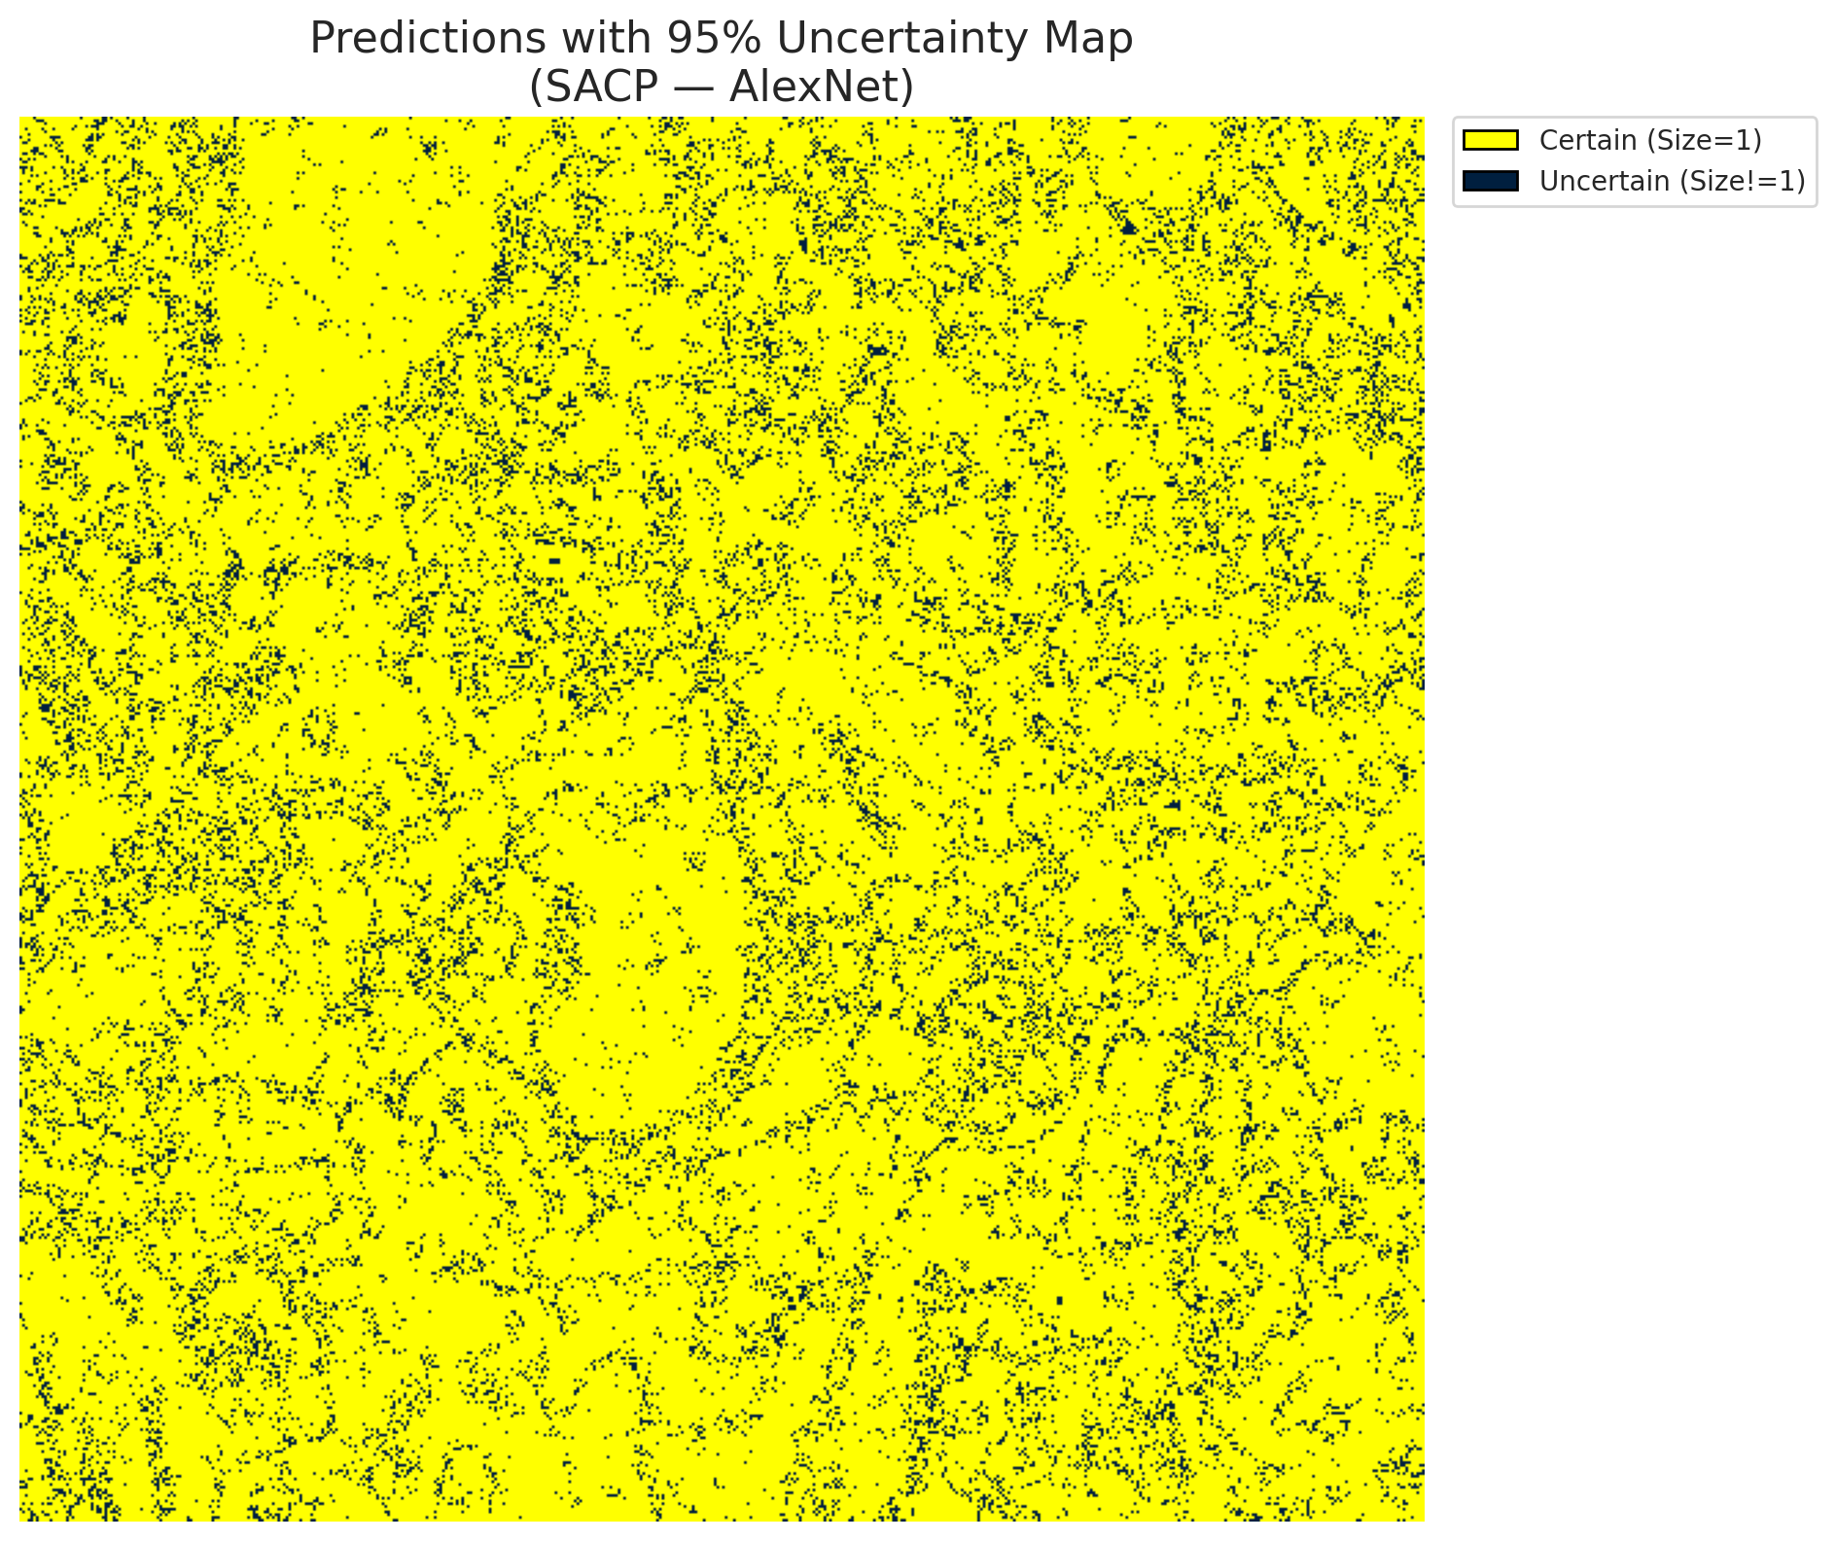
4 | Class 4 | 78781
5 | Class 5 | 46553
6 | Class 6 | 10898
7 | Class 7 | 25684
8 | Uncertain | 30088

SACP Parameters
q_hat | alpha | lambda | k | avg_set_size_eval
0.73693958923 | 0.05 | 0.5 | 1 | 1

 |  |  |  |  |  |  |  |  | Class Map with Uncertain Mask
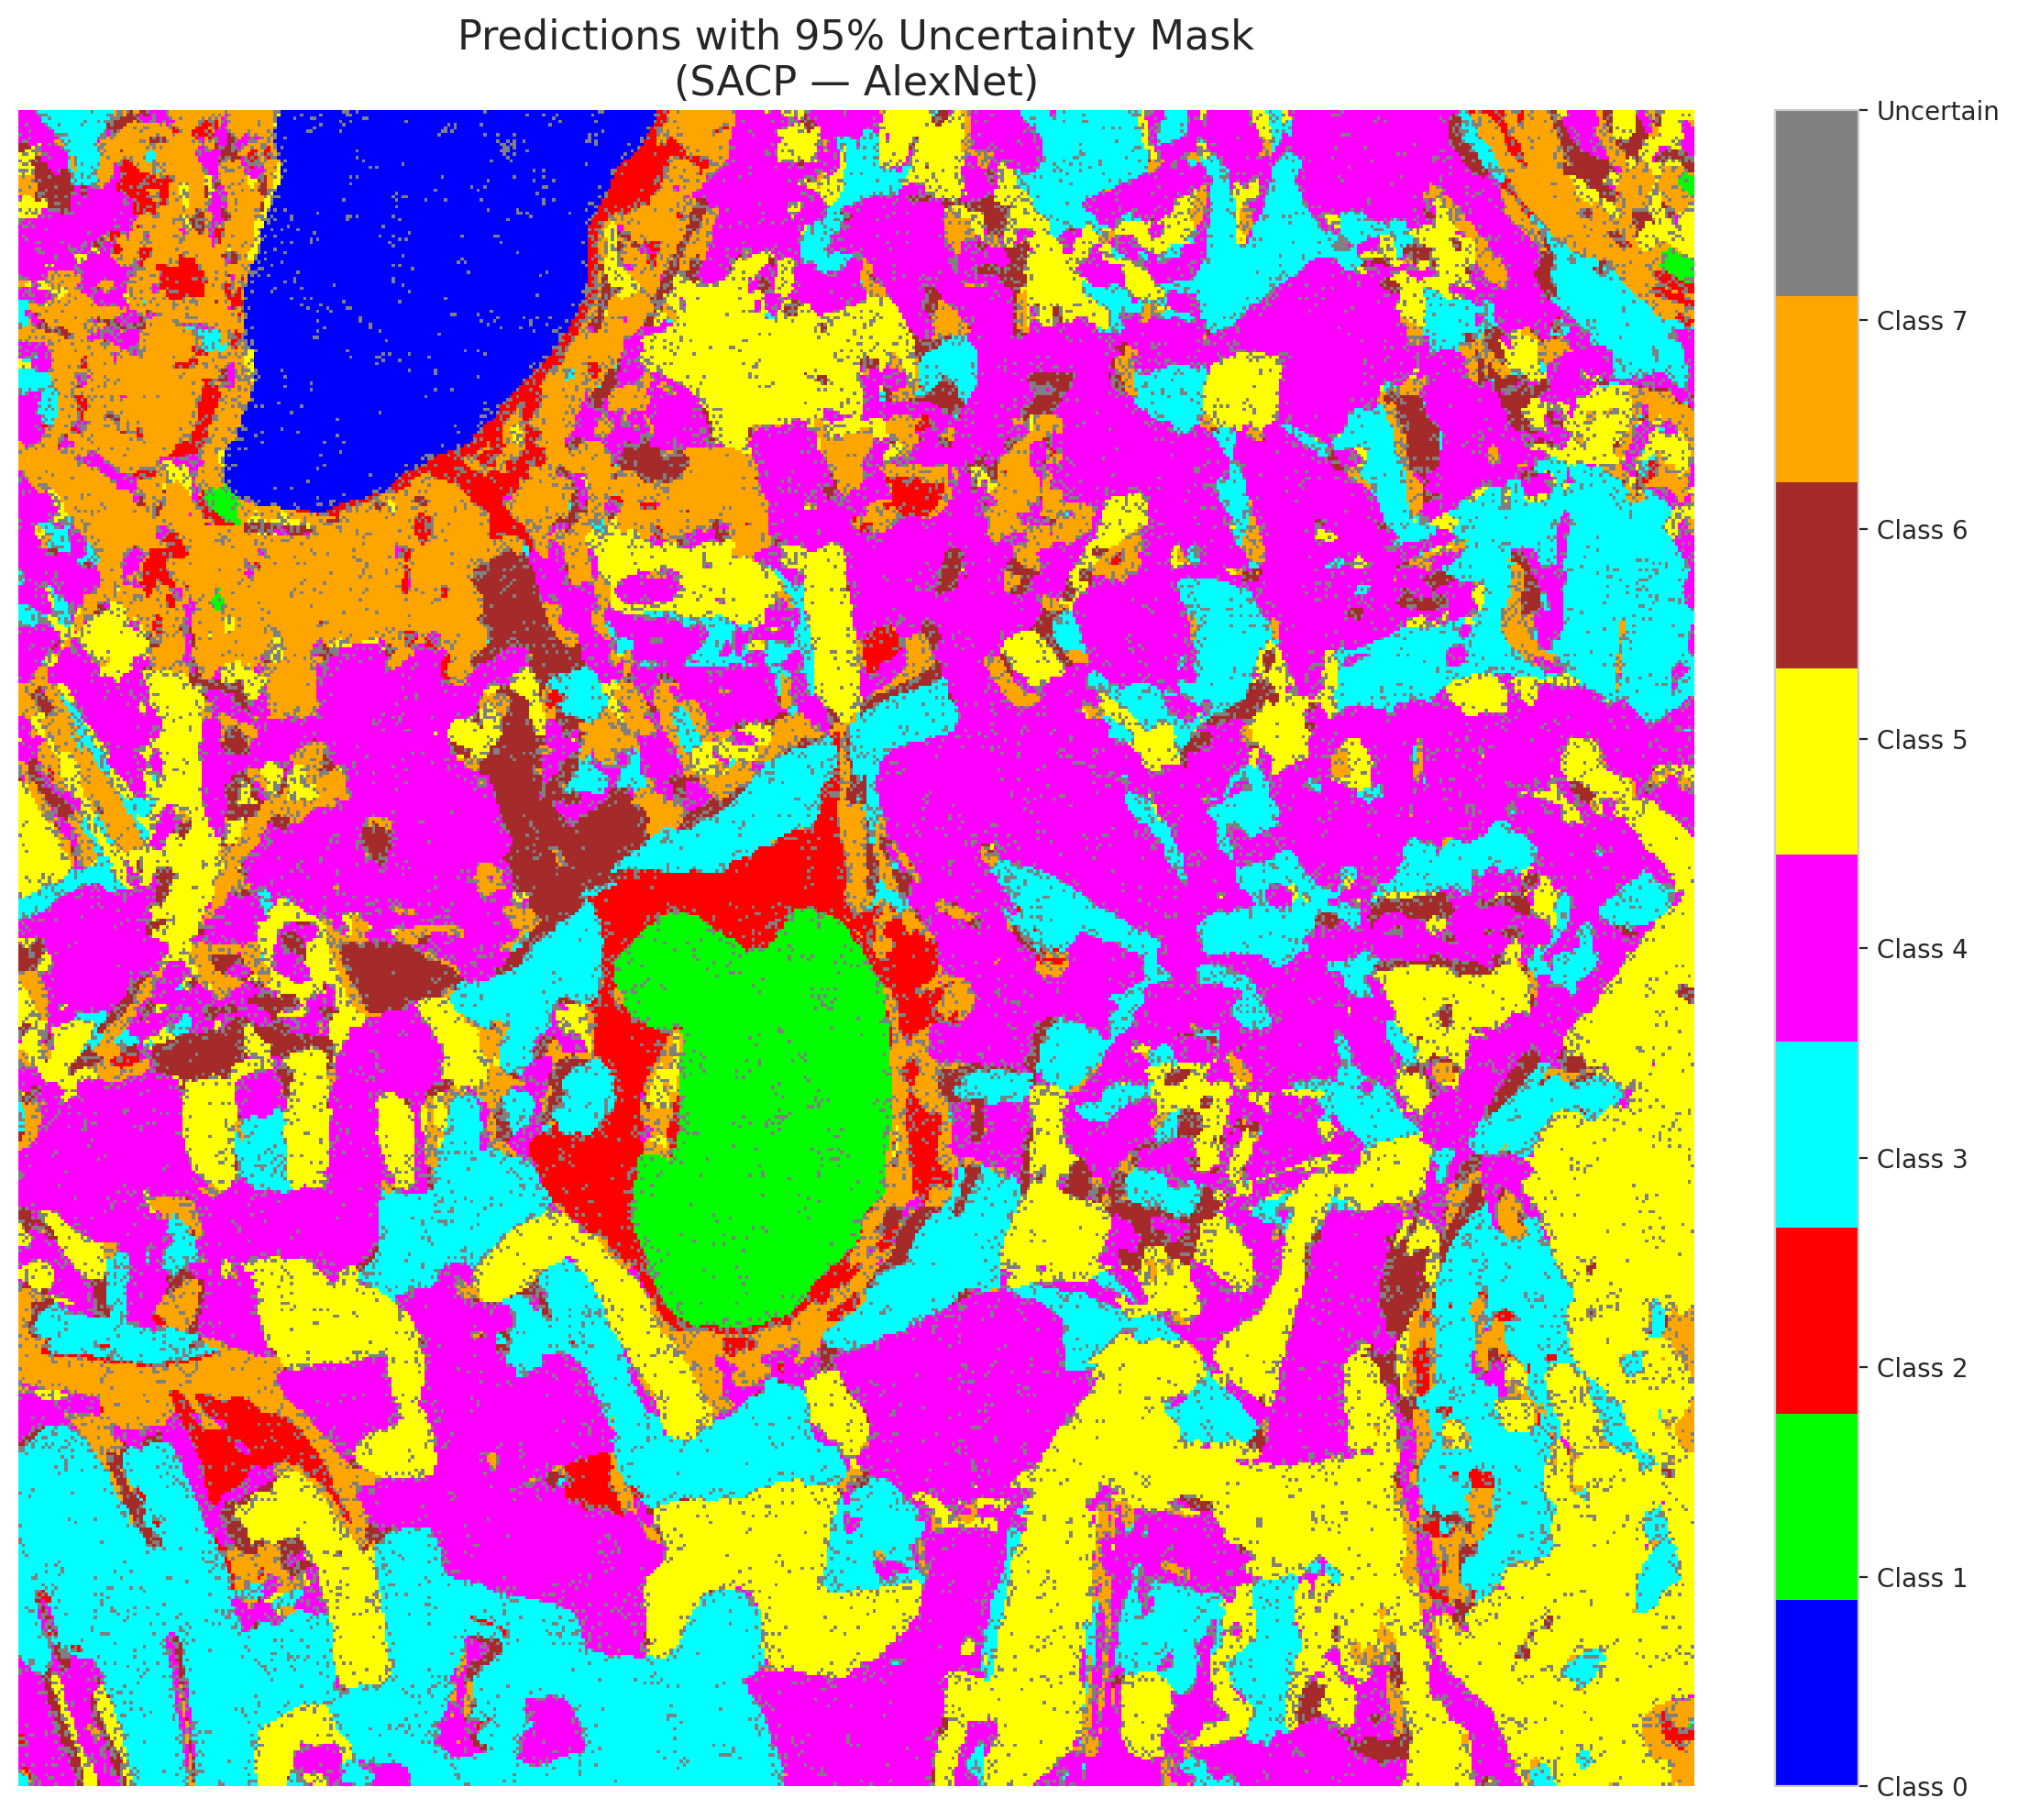

 |  |  |  |  |  |  |  |  | Pixel Counts

SACP_GFNet
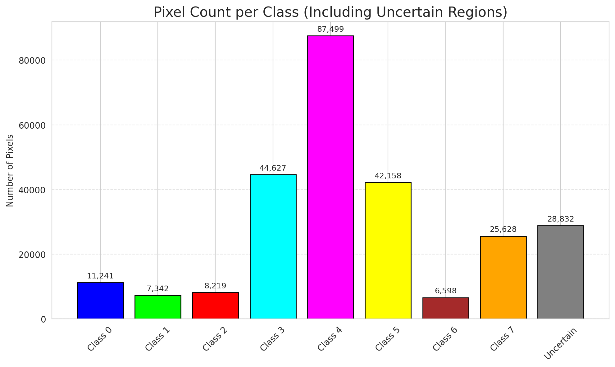
SACP - GFNet |  |  |  |  |  |  |  |  | Per-Class Coverage

Summary
model_name | method | window_size | target_coverage | empirical_coverage | avg_set_size | median_set_size | singleton_rate | empty_set_rate | runtime_sec | alpha | lambda | k | q_hat | mean_per_class_coverage
GFNet | SACP | 7 | 0.95 | 1 | 1.000148434 | 1 | 0.99985156598 | 0 | 95.348064604 | 0.05 | 0.5 | 1 | 0.7314997011 | 1

Per-Class Coverage Values
class_id | class_coverage | support_count
0 | 1 | 1216
1 | 1 | 704
2 | 1 | 283
3 | 1 | 1365
4 | 1 | 1590
5 | 1 | 1059
6 | 1 | 200
7 | 1 | 320

Pixel Counts
class_id | label | pixel_count
0 | Class 0 | 11241
1 | Class 1 | 7342
2 | Class 2 | 8219
3 | Class 3 | 44627 |  |  |  |  |  |  | Certain vs Uncertain Map
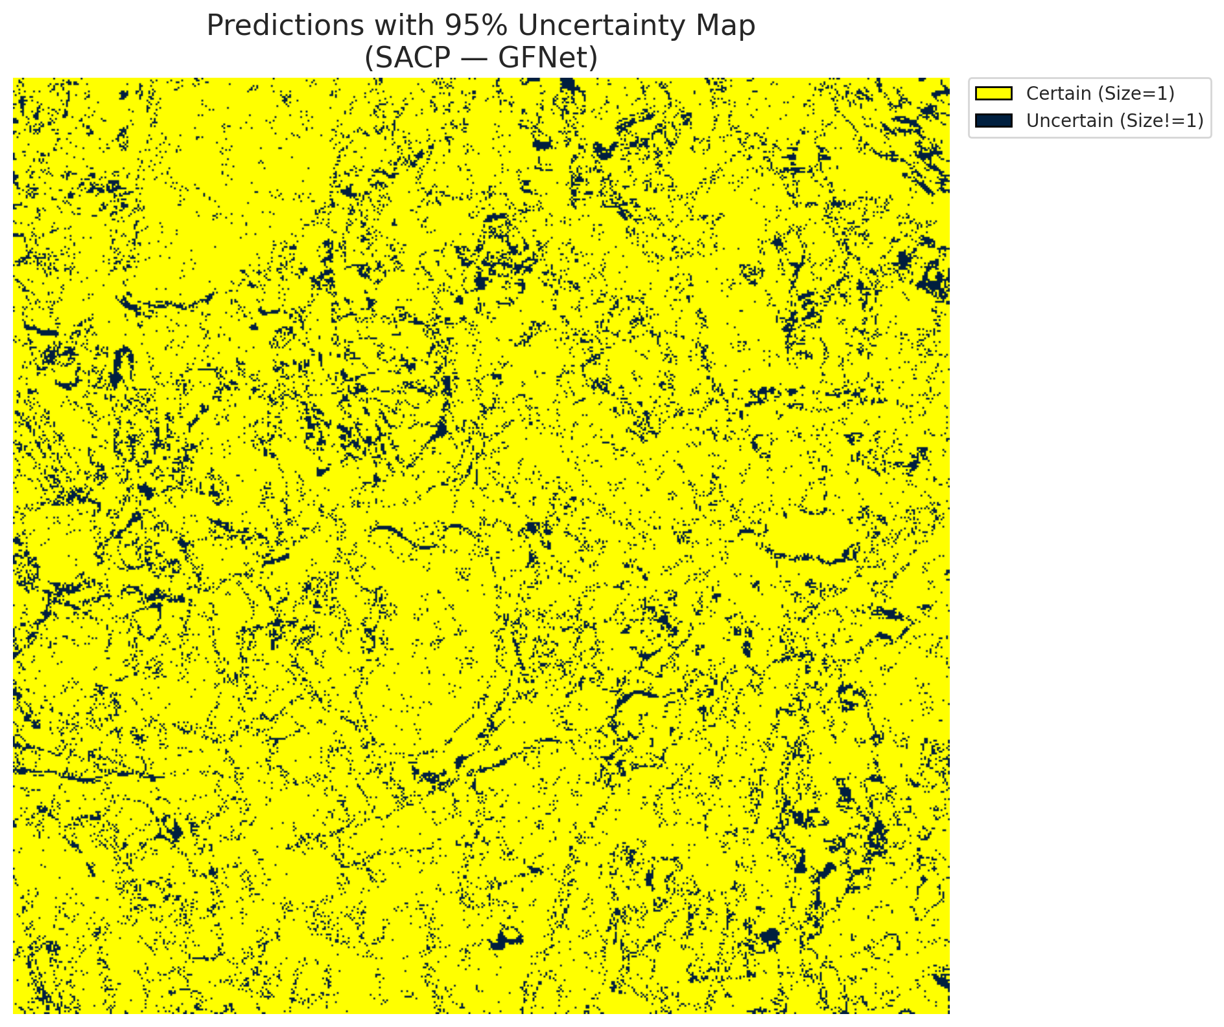
4 | Class 4 | 87499
5 | Class 5 | 42158
6 | Class 6 | 6598
7 | Class 7 | 25628
8 | Uncertain | 28832

SACP Parameters
q_hat | alpha | lambda | k | avg_set_size_eval
0.7314997011 | 0.05 | 0.5 | 1 | 1.000148434

 |  |  |  |  |  |  |  |  | Class Map with Uncertain Mask
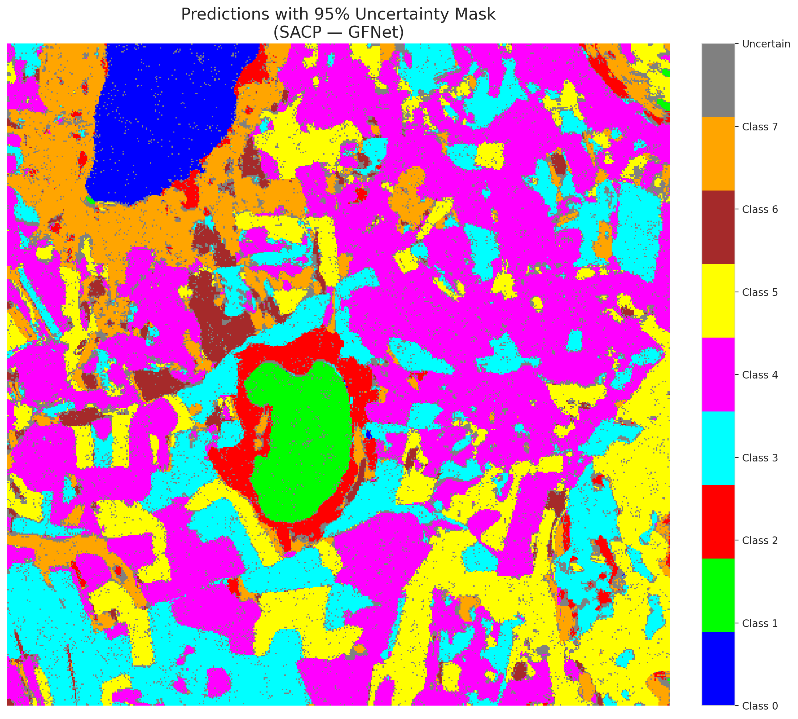

 |  |  |  |  |  |  |  |  | Pixel Counts

SACP_ViT
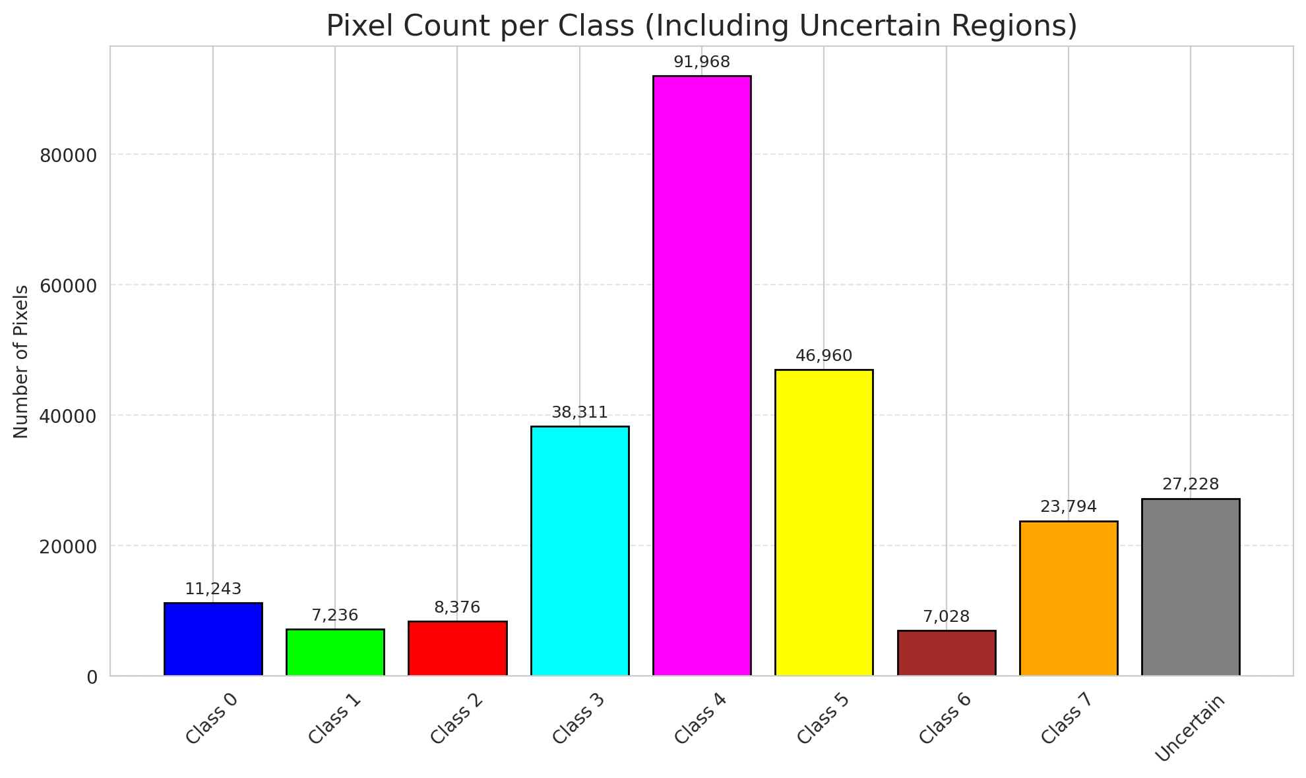
SACP - ViT |  |  |  |  |  |  |  |  | Per-Class Coverage

Summary
model_name | method | window_size | target_coverage | empirical_coverage | avg_set_size | median_set_size | singleton_rate | empty_set_rate | runtime_sec | alpha | lambda | k | q_hat | mean_per_class_coverage
ViT | SACP | 7 | 0.95 | 0.99970313196 | 1.0004453021 | 1 | 0.99955469794 | 0 | 110.99624636 | 0.05 | 0.5 | 1 | 0.70913014527 | 0.99980562886

Per-Class Coverage Values
class_id | class_coverage | support_count
0 | 0.99917763158 | 1216
1 | 1 | 704
2 | 1 | 283
3 | 0.99926739927 | 1365
4 | 1 | 1590
5 | 1 | 1059
6 | 1 | 200
7 | 1 | 320

Pixel Counts
class_id | label | pixel_count
0 | Class 0 | 11243
1 | Class 1 | 7236
2 | Class 2 | 8376
3 | Class 3 | 38311 |  |  |  |  |  |  | Certain vs Uncertain Map
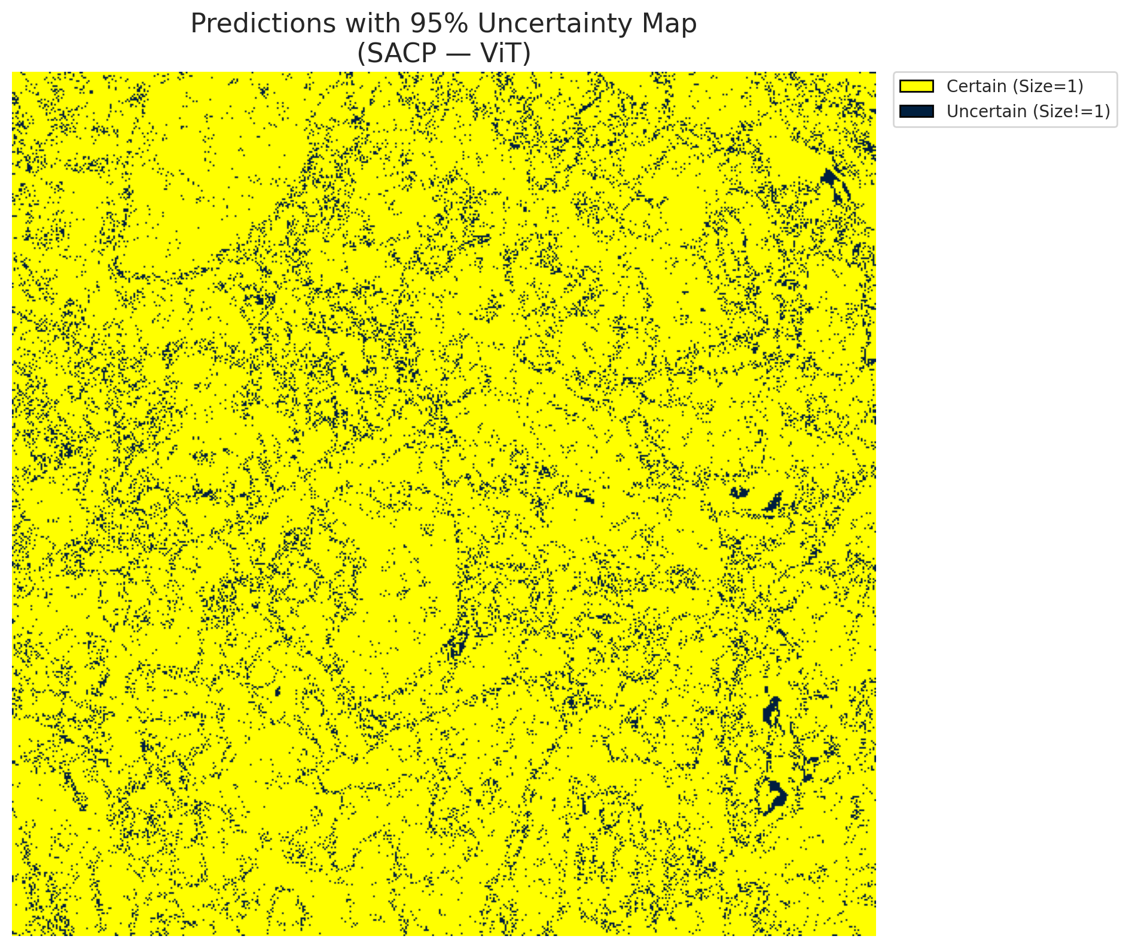
4 | Class 4 | 91968
5 | Class 5 | 46960
6 | Class 6 | 7028
7 | Class 7 | 23794
8 | Uncertain | 27228

SACP Parameters
q_hat | alpha | lambda | k | avg_set_size_eval
0.70913014527 | 0.05 | 0.5 | 1 | 1.0004453021

 |  |  |  |  |  |  |  |  | Class Map with Uncertain Mask
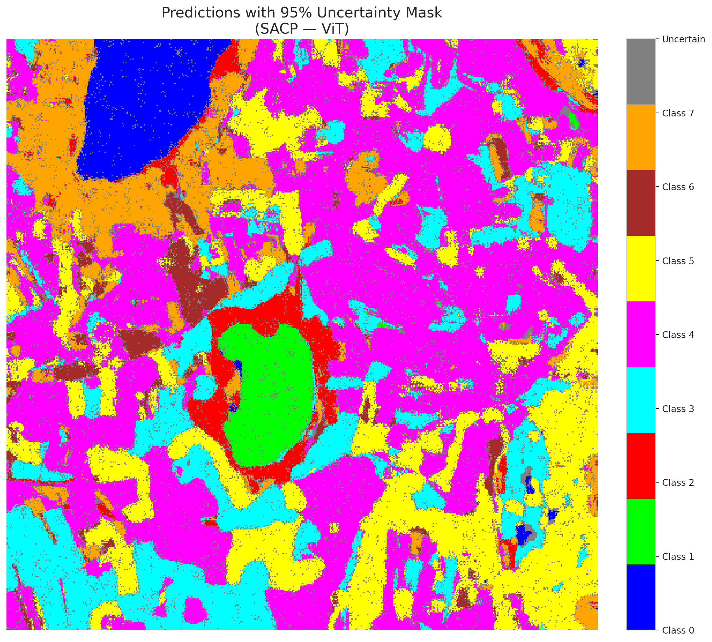

 |  |  |  |  |  |  |  |  | Pixel Counts

