SACP_AlexNet
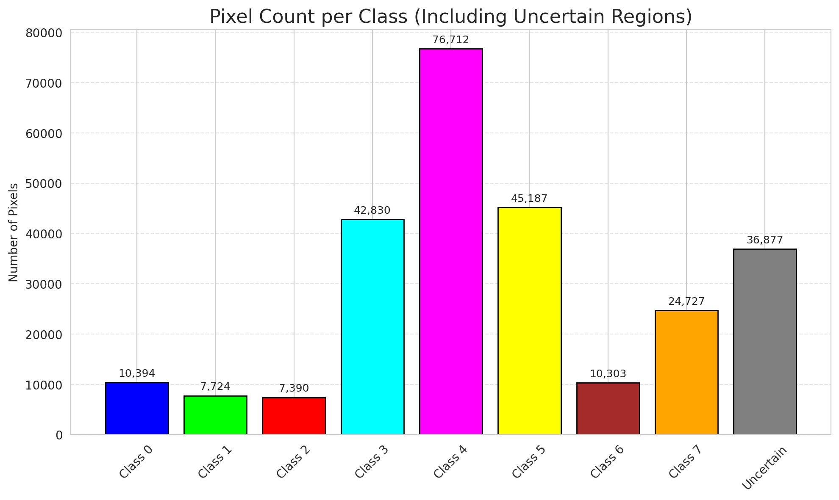
SACP - AlexNet |  |  |  |  |  |  |  |  | Per-Class Coverage
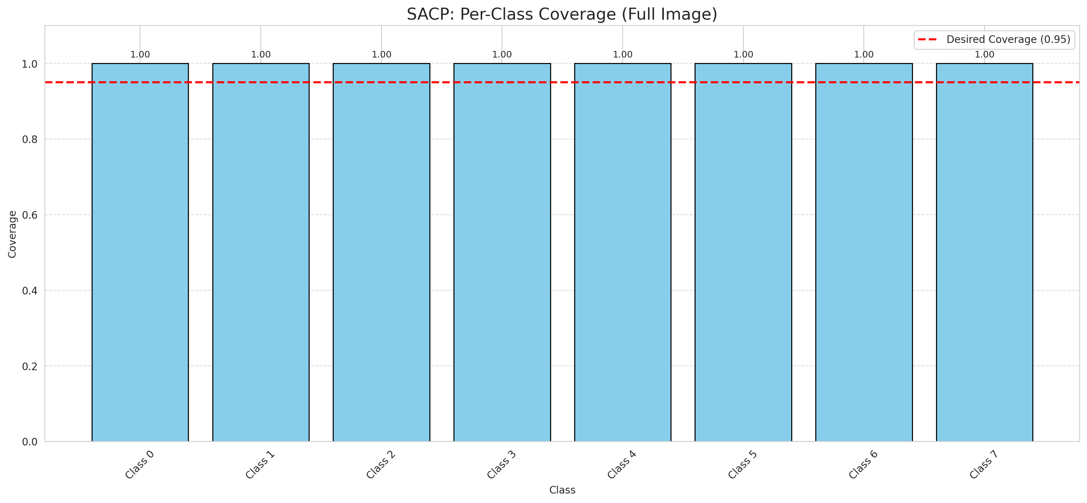
Summary
model_name | method | window_size | target_coverage | empirical_coverage | avg_set_size | median_set_size | singleton_rate | empty_set_rate | runtime_sec | alpha | lambda | k | q_hat | mean_per_class_coverage
AlexNet | SACP | 9 | 0.95 | 1 | 1 | 1 | 1 | 0 | 121.4578887 | 0.05 | 0.5 | 1 | 0.73007994943 | 1

Per-Class Coverage Values
class_id | class_coverage | support_count
0 | 1 | 1216
1 | 1 | 704
2 | 1 | 283
3 | 1 | 1365
4 | 1 | 1590
5 | 1 | 1059
6 | 1 | 200
7 | 1 | 320

Pixel Counts
class_id | label | pixel_count
0 | Class 0 | 10394
1 | Class 1 | 7724
2 | Class 2 | 7390
3 | Class 3 | 42830 |  |  |  |  |  |  | Certain vs Uncertain Map
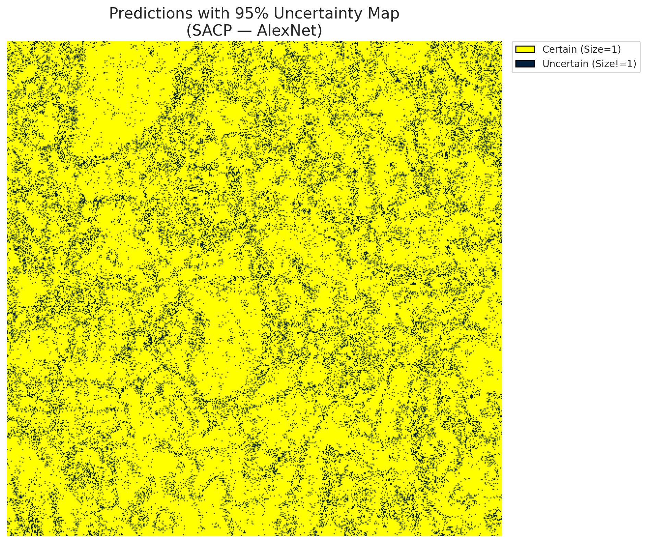
4 | Class 4 | 76712
5 | Class 5 | 45187
6 | Class 6 | 10303
7 | Class 7 | 24727
8 | Uncertain | 36877

SACP Parameters
q_hat | alpha | lambda | k | avg_set_size_eval
0.73007994943 | 0.05 | 0.5 | 1 | 1

 |  |  |  |  |  |  |  |  | Class Map with Uncertain Mask
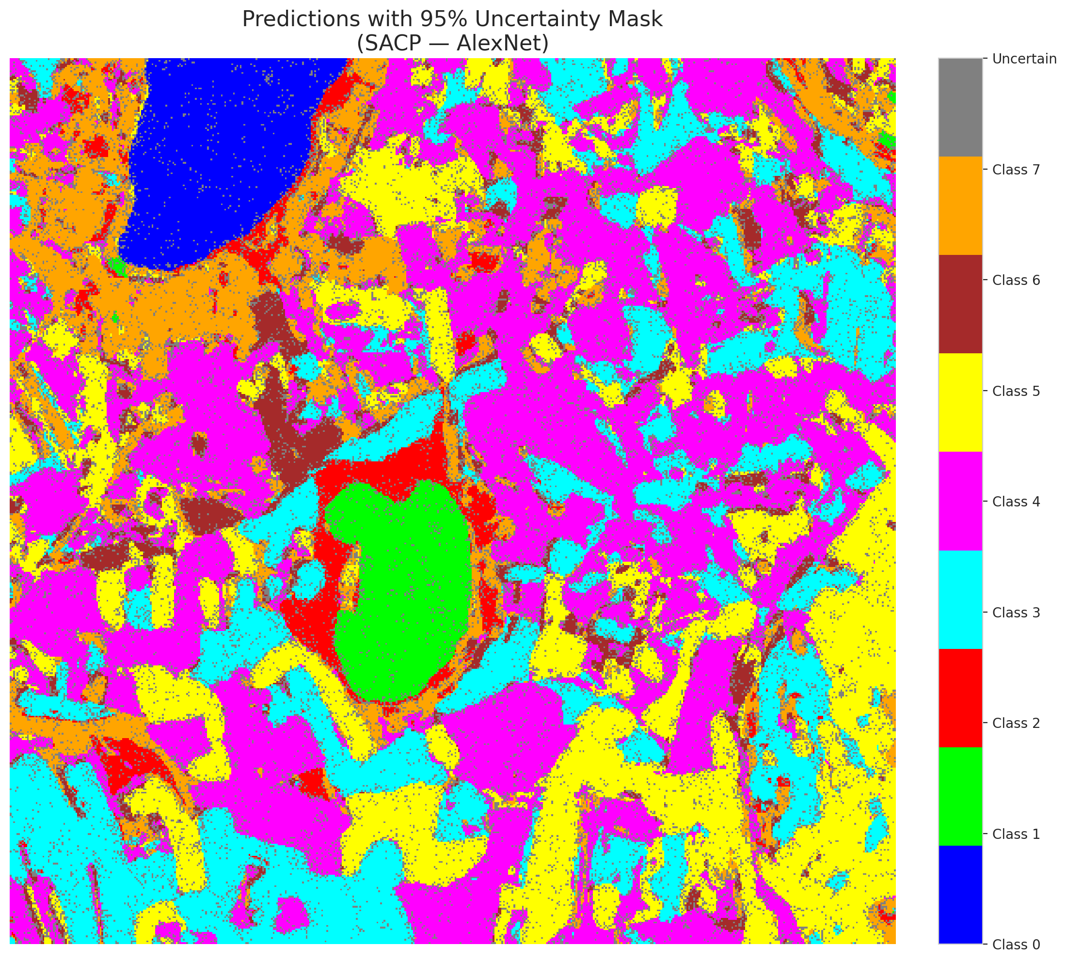

 |  |  |  |  |  |  |  |  | Pixel Counts

SACP_GFNet
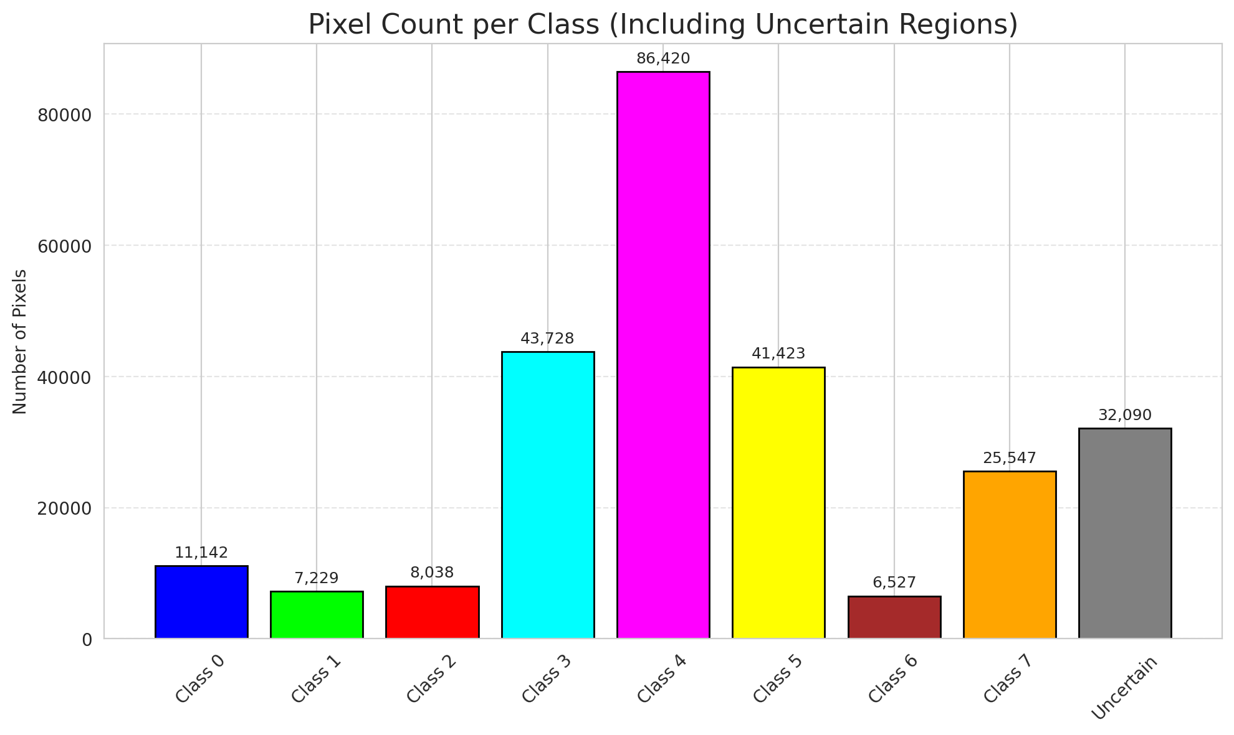
SACP - GFNet |  |  |  |  |  |  |  |  | Per-Class Coverage

Summary
model_name | method | window_size | target_coverage | empirical_coverage | avg_set_size | median_set_size | singleton_rate | empty_set_rate | runtime_sec | alpha | lambda | k | q_hat | mean_per_class_coverage
GFNet | SACP | 9 | 0.95 | 1 | 1.000148434 | 1 | 0.99985156598 | 0 | 109.66677884 | 0.05 | 0.5 | 1 | 0.72409964681 | 1

Per-Class Coverage Values
class_id | class_coverage | support_count
0 | 1 | 1216
1 | 1 | 704
2 | 1 | 283
3 | 1 | 1365
4 | 1 | 1590
5 | 1 | 1059
6 | 1 | 200
7 | 1 | 320

Pixel Counts
class_id | label | pixel_count
0 | Class 0 | 11142
1 | Class 1 | 7229
2 | Class 2 | 8038
3 | Class 3 | 43728 |  |  |  |  |  |  | Certain vs Uncertain Map
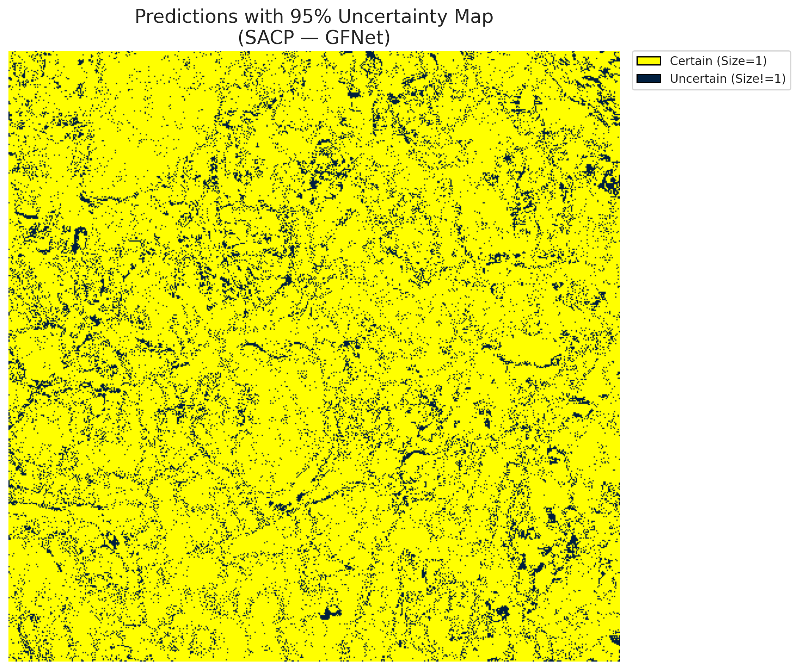
4 | Class 4 | 86420
5 | Class 5 | 41423
6 | Class 6 | 6527
7 | Class 7 | 25547
8 | Uncertain | 32090

SACP Parameters
q_hat | alpha | lambda | k | avg_set_size_eval
0.72409964681 | 0.05 | 0.5 | 1 | 1.000148434

 |  |  |  |  |  |  |  |  | Class Map with Uncertain Mask
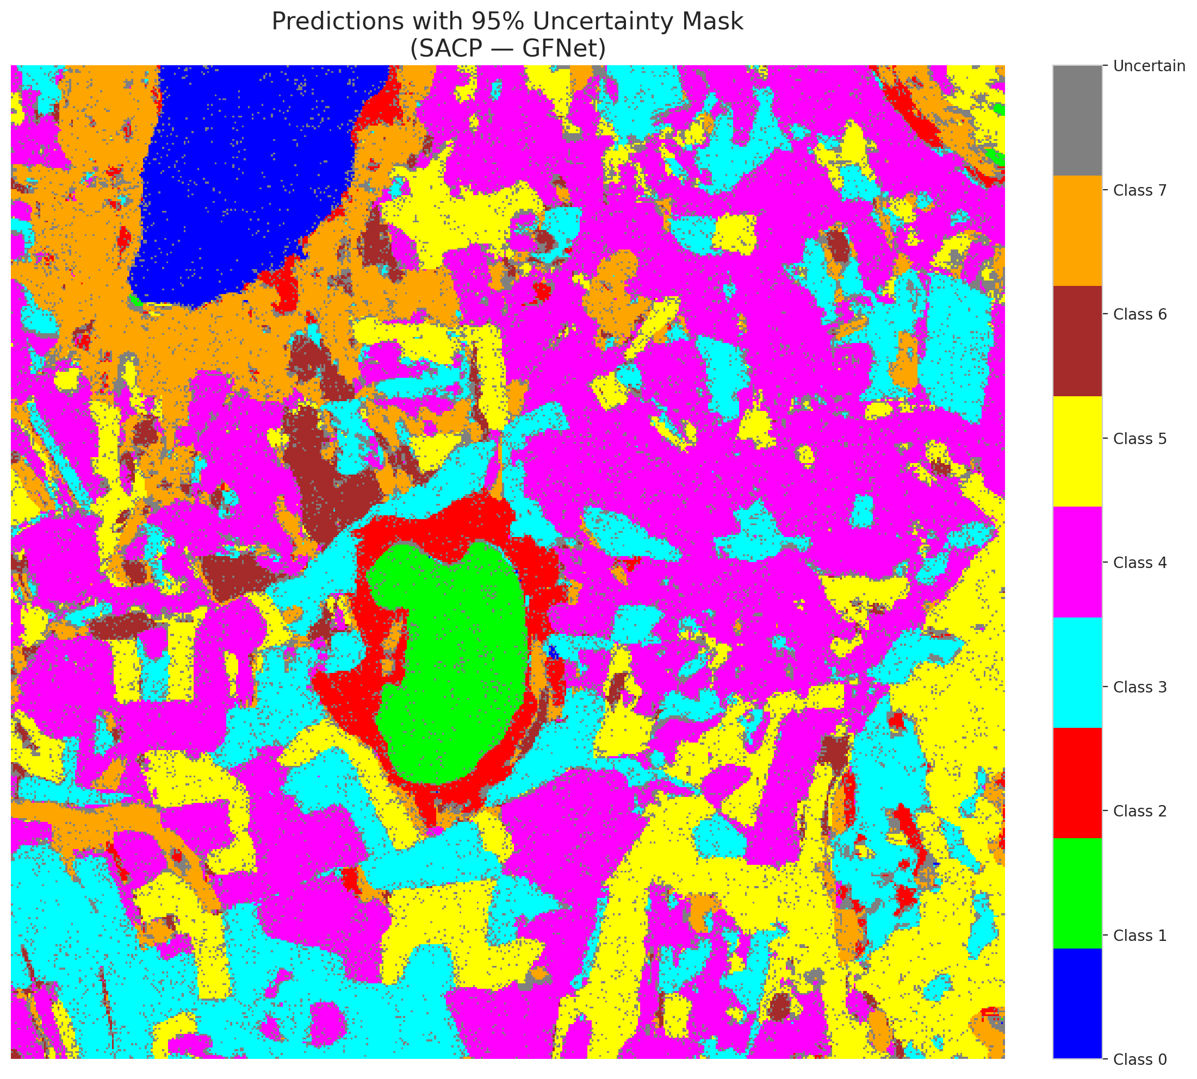

 |  |  |  |  |  |  |  |  | Pixel Counts

SACP_ViT
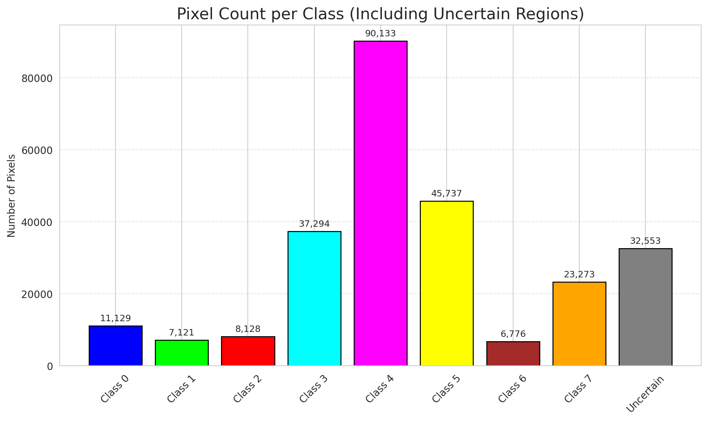
SACP - ViT |  |  |  |  |  |  |  |  | Per-Class Coverage

Summary
model_name | method | window_size | target_coverage | empirical_coverage | avg_set_size | median_set_size | singleton_rate | empty_set_rate | runtime_sec | alpha | lambda | k | q_hat | mean_per_class_coverage
ViT | SACP | 9 | 0.95 | 0.99970313196 | 1.0004453021 | 1 | 0.99955469794 | 0 | 123.30201192 | 0.05 | 0.5 | 1 | 0.70203609839 | 0.99980562886

Per-Class Coverage Values
class_id | class_coverage | support_count
0 | 0.99917763158 | 1216
1 | 1 | 704
2 | 1 | 283
3 | 0.99926739927 | 1365
4 | 1 | 1590
5 | 1 | 1059
6 | 1 | 200
7 | 1 | 320

Pixel Counts
class_id | label | pixel_count
0 | Class 0 | 11129
1 | Class 1 | 7121
2 | Class 2 | 8128
3 | Class 3 | 37294 |  |  |  |  |  |  | Certain vs Uncertain Map
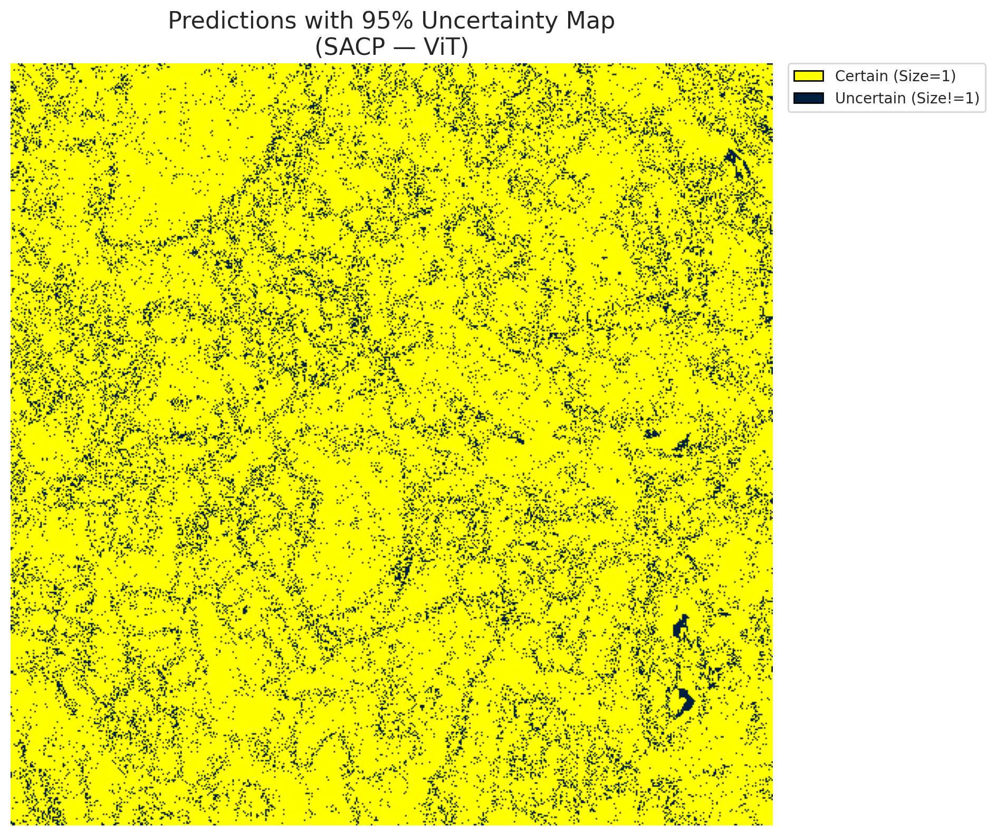
4 | Class 4 | 90133
5 | Class 5 | 45737
6 | Class 6 | 6776
7 | Class 7 | 23273
8 | Uncertain | 32553

SACP Parameters
q_hat | alpha | lambda | k | avg_set_size_eval
0.70203609839 | 0.05 | 0.5 | 1 | 1.0004453021

 |  |  |  |  |  |  |  |  | Class Map with Uncertain Mask
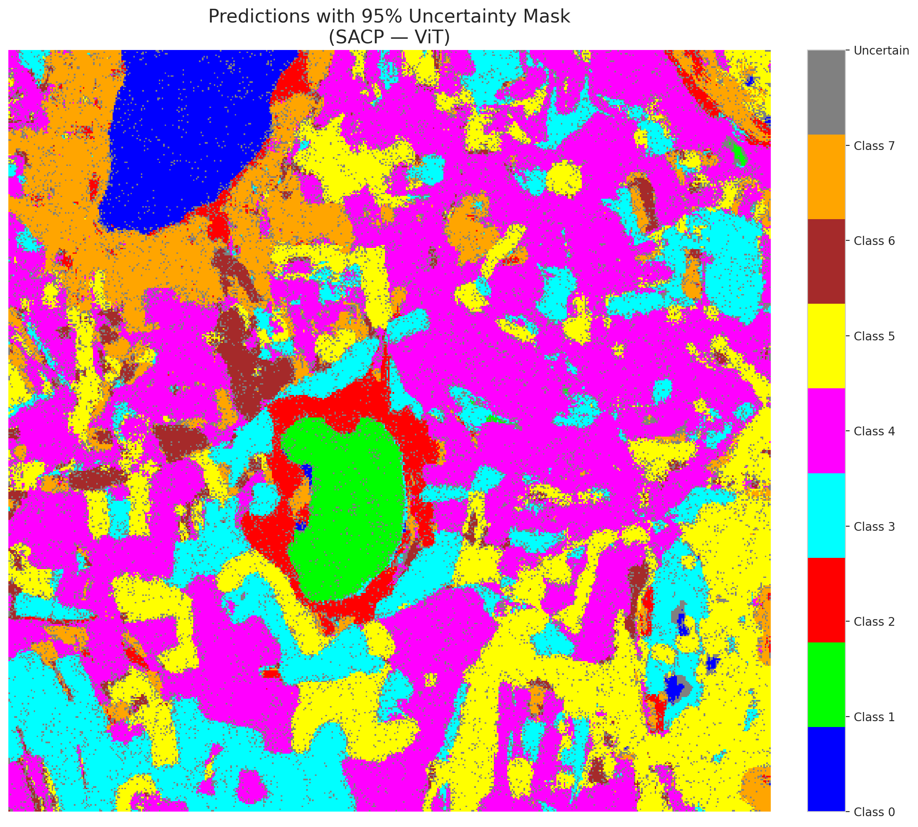

 |  |  |  |  |  |  |  |  | Pixel Counts

