Sheet1
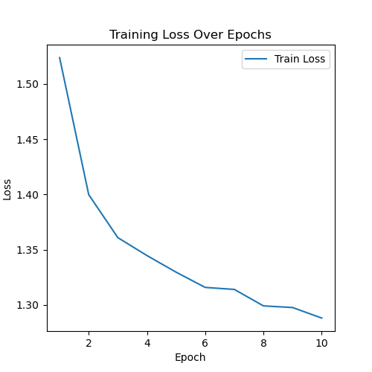
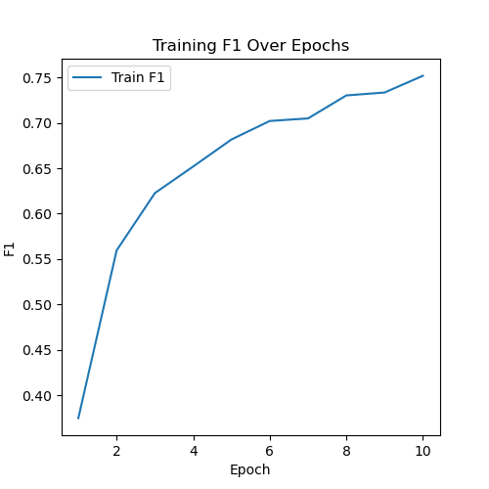
Epoch | Epoch Time (seconds) | Train Loss | Train PR | Train SE | Train SP | Train F1 | Valid Loss | Valid PR | Valid SE | Valid SP | Valid F1
1 | 33 | 1.5237739176 | 0.34411092514 | 0.46238813337 | 0.89270016443 | 0.37469531573 | 1.5462525427 | 0.77611672728 | 0.17317103835 | 0.99540552245 | 0.23067941613
2 | 26 | 1.3997408956 | 0.52099348943 | 0.61435436309 | 0.94985085404 | 0.55946654644 | 1.4697101128 | 0.78722133868 | 0.39938179618 | 0.98883843098 | 0.4568669813
3 | 26 | 1.3608362675 | 0.59860127092 | 0.6558862235 | 0.96174743886 | 0.6226706376 | 1.3286818886 | 0.77798965304 | 0.63226816512 | 0.98534562945 | 0.66836310162
4 | 26 | 1.3446238518 | 0.630704506 | 0.68130735574 | 0.96517148865 | 0.65194600127 | 1.5459798062 | 0.74204873659 | 0.31260556521 | 0.99443754395 | 0.38295467101
5 | 26 | 1.3295877904 | 0.68072515057 | 0.68889698644 | 0.97181371499 | 0.68172777322 | 1.4972569573 | 0.77333908838 | 0.35744955007 | 0.99466892542 | 0.42786779253
6 | 26 | 1.3157858759 | 0.70083373571 | 0.7089051125 | 0.97390258277 | 0.70211132683 | 1.5174212873 | 0.857659621 | 0.28898282775 | 0.99841291818 | 0.39618300992
7 | 26 | 1.3139667004 | 0.70623351504 | 0.70839600879 | 0.97439444315 | 0.704916004 | 1.4673155272 | 0.8247420117 | 0.38187133874 | 0.99599441214 | 0.47374851257
8 | 26 | 1.299056375 | 0.73240858341 | 0.73166852438 | 0.97690788255 | 0.73025190205 | 1.3056521392 | 0.8275301444 | 0.67058608472 | 0.98865135433 | 0.7174796965
9 | 26 | 1.2975956559 | 0.74374310631 | 0.73066344547 | 0.97836346212 | 0.7334829304 | 1.2764139855 | 0.70163471967 | 0.85388081404 | 0.97102589537 | 0.76216475762
10 | 26 | 1.2880428404 | 0.75809703329 | 0.74894137718 | 0.97945952163 | 0.7518906667 | 1.2662716699 | 0.78451765079 | 0.80016158158 | 0.98245484771 | 0.78374428207

