PowerAndLight
Level | Location | Type | Sub Type | Number Of | Notes | Detail | Connects to |  | General NOTES
GF | Entrance | Power | Double Wall Socket | 1 |  | 35mm Recess | C1.R3 | GF Main Cottage Ring Main | deep sockets everywhere
GF | Entrance | Light | Pendant | 1 | Radial to Relay |  | C2.U1.R1 | Radial to Relay | NO LIGHT SWITCHES (ALL CONTROLLED BY RELAYS)
GF | Entrance External | Light | Updown Light Wall Mounted | 1 | Radial to Relay |  | C2.U1.R2 | Radial to Relay
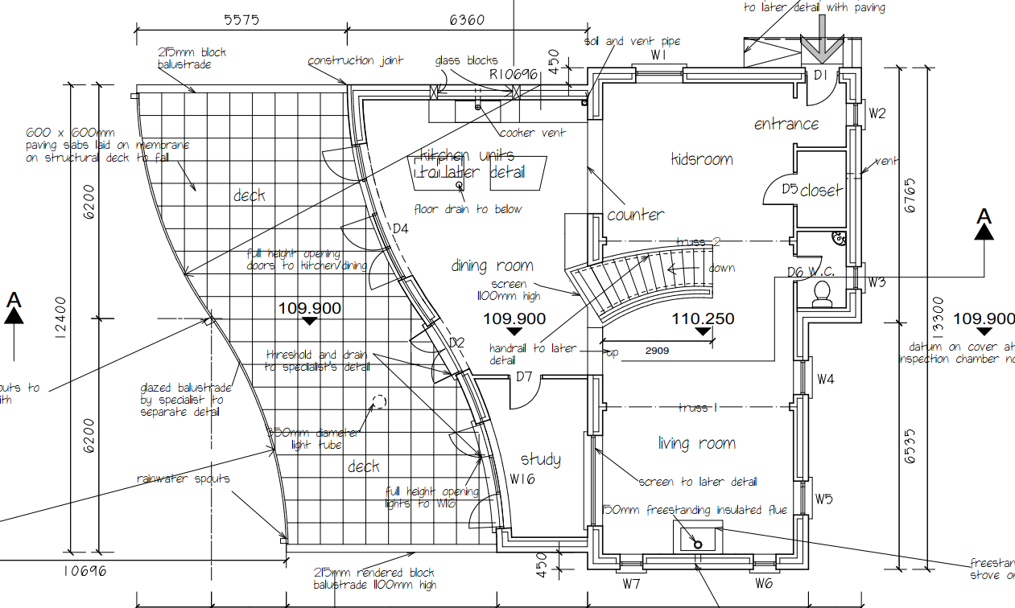
GF | Closet | Power | Double Wall Socket | 1 |  |  | C1.R3 | GF Main Cottage Ring Main
GF | Closet | Light | Pendant | 1 | Radial to Relay |  | C2.U1.R3 | Radial to Relay
GF | W.C | Light | Pendant | 1 | Radial to Relay |  | C2.U1.R4 | Radial to Relay
GF | Kids Room | Power | Double Wall Socket | 9 | Includes 2 spurs to Truss power |  | C1.R3 | GF Main Cottage Ring Main
GF | Kids Room | Light | 5A Lamp Socket | 1 | Radial to Relay, In Floor recess |  | C2.U1.R5 | Radial to Relay
GF | Kids Room | Power | Floor Socket | 1 | Dual Socket in Floor recess |  | C1.R3 | GF Main Cottage Ring Main
GF | Kids Room | Light | Pendant | 1 | Radial to Relay |  | C2.U1.R6 | Radial to Relay
GF | Kids Room | Light | Pendant | 1 | Radial to Relay |  | C2.U1.R7 | Radial to Relay
GF | Kids Room | Light | Wall wash Uplighters | 2 | Radial to Relay, Not decided exactly which models to use here |  | C2.U1.R8 | Radial to Relay
GF | Kids Room | Light | Wall wash Uplighters | 2 | Radial to Relay, Not decided exactly which models to use here |  | C2.U1.R9 | Radial to Relay
GF | Kids Room | Light | 5A Lamp Socket | 1 | Radial to Relay |  | C2.U1.R10 | Radial to Relay
GF | Kids Room | Light | 5A Lamp Socket | 1 | Radial to Relay |  | C2.U1.R11 | Radial to Relay
GF | Kids Room | Light | 5A Lamp Socket | 1 | Radial to Relay |  | C2.U1.R12 | Radial to Relay
GF | Kids Room | Light | 5A Lamp Socket | 1 | Radial to Relay |  | C2.U1.R13 | Radial to Relay
GF | Stairs | Light | Tread Wash LEDs | 1 | Radial to Relay, Set of LEDs |  | C2.U1.R14 | Radial to Relay
GF | Living Room | Power | Double Wall Socket | 10 | Includes 2 spurs to Truss power and 1 spur to wall mounted TV |  | C1.R3 | GF Main Cottage Ring Main
GF | Living Room | Power | Single Spur to Electric Velux | 1 | Spur from socket on ring |  | C1.R3 | GF Main Cottage Ring Main
GF | Living Room | Light | 5A Lamp Socket | 1 | Radial to Relay, In Floor recess |  | C2.U1.R15 | Radial to Relay
GF | Living Room | Power | Floor Socket | 1 |  |  | C1.R3 | GF Main Cottage Ring Main
GF | Living Room | Light | Pendant | 1 | Radial to Relay |  | C2.U1.R16 | Radial to Relay
GF | Living Room | Light | Pendant | 1 | Radial to Relay |  | C2.U2.R1 | Radial to Relay
GF | Living Room | Light | Wall wash Uplighters | 2 | Radial to Relay |  | C2.U2.R2 | Radial to Relay
GF | Living Room | Light | Wall wash Uplighters | 2 | Radial to Relay |  | C2.U2.R3 | Radial to Relay
GF | Living Room | Light | 5A Lamp Socket | 1 | Radial to Relay |  | C2.U2.R4 | Radial to Relay
GF | Living Room | Light | 5A Lamp Socket | 1 | Radial to Relay |  | C2.U2.R5 | Radial to Relay
GF | Living Room | Light | 5A Lamp Socket | 1 | Radial to Relay |  | C2.U2.R6 | Radial to Relay
GF | Living Room | Light | 5A Lamp Socket | 1 | Radial to Relay |  | C2.U2.R7 | Radial to Relay
GF | Kitchen | Power | Oven 1 | 1 | Put appliance switch inside cupboard |  | C1.R1 | Radial to RCBO
GF | Kitchen | Power | Oven 2 | 1 | Put appliance switch inside cupboard |  | C1.R2 | Radial to RCBO
GF | Kitchen | Power | Cooker Hood | 1 | Put appliance switch inside cupboard (spur off ring?) |  | C1.R4 | GF Kitchen Study Ring Main
GF | Kitchen | Power | Fridge | 1 | Put appliance switch inside cupboard (spur off ring?) |  | C1.R4 | GF Kitchen Study Ring Main
GF | Kitchen | Power | Wine Cooler | 1 | In Island |  | C1.R4 | GF Kitchen Study Ring Main
GF | Kitchen | Power | Gas Hob Power | 1 |  |  | C1.R4 | GF Kitchen Study Ring Main
GF | Kitchen | Power | Wall Sockets | 8 | Includes Island, and spur to wall mounted TV |  | C1.R4 | GF Kitchen Study Ring Main
GF | Kitchen | Power | Dish Washer | 1 | In Island |  | C1.R4 | GF Kitchen Study Ring Main
GF | Kitchen | Light | Island Pendant | 1 |  |  | C2.U2.R8 | Radial to Relay
GF | Kitchen | Light | Island Spotlight cluster | 1 |  |  | C2.U2.R9 | Radial to Relay
GF | Kitchen | Light | Worktop lighting | 1 | Under the high shelf units, set of led lights |  | C2.U2.R10 | Radial to Relay
GF | Kitchen | Light | Kicker plate led lights | 1 |  |  | C2.U2.R11 | Radial to Relay
GF | Kitchen | Light | Wall wash uplighters | 2 |  |  | C2.U2.R12 | Radial to Relay
GF | Kitchen | Light | Wall wash uplighters | 2 |  |  | C2.U2.R13 | Radial to Relay
GF | Kitchen | Light | Center Pendant | 1 |  |  | C2.U2.R14 | Radial to Relay
GF | Kitchen | Light | Center Spotlight Cluster | 1 |  |  | C2.U2.R15 | Radial to Relay
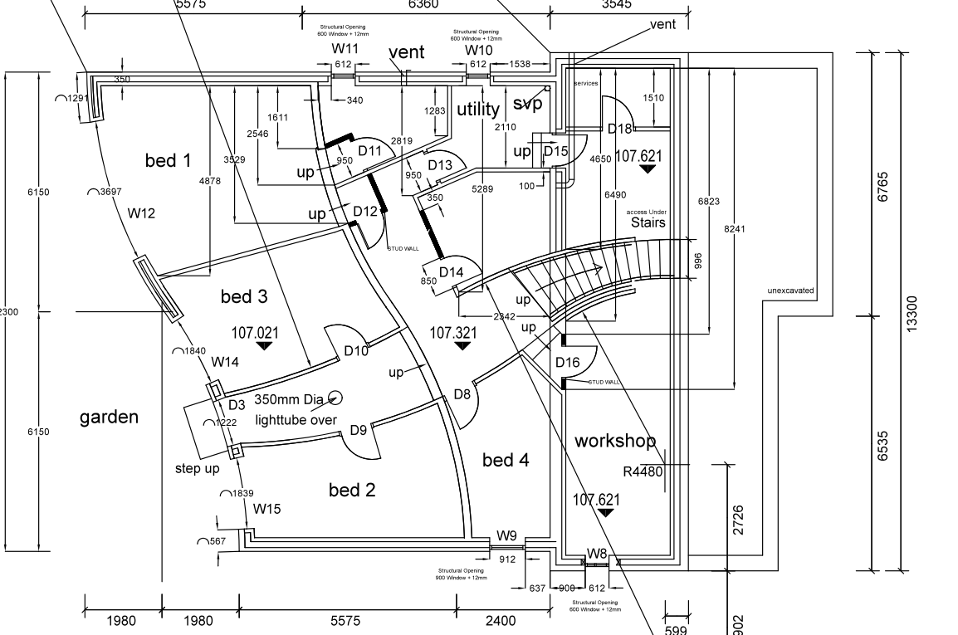
GF | Kitchen | Light | LED Step light | 1 | Between kitchen and kidsroom |  | C2.U2.R16 | Radial to Relay
GF | Kitchen | Light | LED Step light | 1 | Between kitchen and main up step |  | C2.U3.R1 | Radial to Relay
GF | Kitchen | Light | 5A Lamp Socket | 1 |  |  | C2.U3.R2 | Radial to Relay
GF | Kitchen | Light | 5A Lamp Socket | 1 |  |  | C2.U3.R3 | Radial to Relay
GF | Study | Power | Double Wall Socket | 4 |  |  | C1.R4 | GF Kitchen Study Ring Main
GF | Study | Light | Pendant | 1 |  |  | C2.U3.R4 | Radial to Relay
GF | Study | Light | Spotlight cluster | 1 |  |  | C2.U3.R5 | Radial to Relay
GF | Study | Light | 5A Lamp Socket | 1 |  |  | C2.U3.R6 | Radial to Relay
GF | Deck | Power | External Double Wall Socket | 2 | External (off of ring or separate RCBO?) |  | C1.R4 | GF Kitchen Study Ring Main
GF | Deck | Light | Parapet Wall Light | 4 | 1 radial connection to relay |  | C2.U3.R7 | Radial to Relay
GF | Deck | Light | External Door light | 1 | 1 radial connection to relay |  | C2.U3.R8 | Radial to Relay
LGF | Services | Power | Gas Boiler | 1 | <3 amps |  | C1.R5 | LGF Ring Ring Main A
LGF | Services | Power | MHRV Fans | 1 | <3 amps |  | C1.R5 | LGF Ring Ring Main A
LGF | Services | Power | Sockets | 4 |  |  | C1.R5 | LGF Ring Ring Main A
LGF | Services | Power | Smoke Alarm | 1 |  |  | C1.R6 | Radial to RCBO
LGF | Services | Power | Rainwater pump | 1 |  |  | C1.R11 | Radial to RCBO
LGF | Services | Power | Sewerage Pump | 1 |  |  | C1.R8 | Radial to RCBO
LGF | Services | Power | Shed/Garage Power | 1 |  |  | C1.R9 | Radial to RCBO
LGF | Services | Power | Garden Lights | 1 |  |  | C1.R10 | Radial to RCBO
LGF | Services | Light | Pendant | 1 | Consider battery backed emergency light |  | C2.U3.R9 | Radial to Relay
LGF | Services | Power | Underfloor heating pump | 1 |  |  | C1.R5 | LGF Ring Ring Main A
LGF | Utility | Power | Washing machine | 1 |  |  | C1.R5 | LGF Ring Ring Main A
LGF | Utility | Power | Dryer | 1 |  |  | C1.R5 | LGF Ring Ring Main A
LGF | Utility | Power | Sockets | 4 |  |  | C1.R5 | LGF Ring Ring Main A
LGF | Utility | Light | Downlights | 5 | LED slimline lights (8W) |  | C2.U3.R10 | Radial to Relay
LGF | Utility | Light | Kicker Plate LEDS | 1 |  |  | C2.U3.R11 | Radial to Relay
LGF | Ensuite | Power | Shaver socket | 1 |  |  | C1.R5 | LGF Ring Ring Main A
LGF | Ensuite | Light | downlights | 4 | 1 in shower (Zone 1) |  | C2.U3.R12 | Radial to Relay
LGF | Ensuite | Light | spotlights | 2 |  |  | C2.U3.R13 | Radial to Relay
LGF | Main bathroom | Power | Shaver socket | 1 |  |  | C1.R5 | LGF Ring Ring Main A
LGF | Main bathroom | Power | Heated Mirror | 1 |  |  | C1.R5 | LGF Ring Ring Main A
LGF | Main bathroom | Light | downlights | 5 | 1 in shower , 1 over bath(Zone 1) |  | C2.U3.R14 | Radial to Relay
LGF | Main bathroom | Light | spotlights | 2 |  |  | C2.U3.R15 | Radial to Relay
LGF | Workshop | Power | Wall sockets | 6 |  |  | C1.R5 | LGF Ring Ring Main A
LGF | Workshop Noth | Light | Downlights | 4 | 8W LED Downlighters |  | C2.U3.R16 | Radial to Relay
LGF | Workshop Understairs | Light | Downlights | 1 | 8W LED Downlighters |  | C3.U4.R1 | Radial to Relay
LGF | Workshop South | Light | Downlights | 6 | 8W LED Downlighters |  | C3.U4.R2 | Radial to Relay
LGF | Workshop South | Light | 5A Lamp Socket | 1 |  |  | C3.U4.R3 | Radial to Relay
LGF | Workshop South | Light | 5A Lamp Socket | 1 |  |  | C3.U4.R4 | Radial to Relay
LGF | Main Bathroom Hallway | Power | Double Wall Socket | 2 |  |  | C1.R6 | LGF Ring Ring Main B
LGF | Main Bathroom Hallway | Light | Downlights | 4 | 8W LED Downlighters |  | C3.U4.R5 | Radial to Relay
LGF | Main Bathroom Hallway | Light | Low level washers | 1 | LEDs |  | C3.U4.R6 | Radial to Relay
LGF | Main Hallway | Power | Double Wall Socket | 2 |  |  | C1.R6 | LGF Ring Ring Main B
LGF | Main Hallway | Light | Downlights | 8 | 8W LED Downlighters |  | C3.U4.R7 | Radial to Relay
LGF | Main Hallway | Light | Low level washers | 1 | LED |  | C3.U4.R8 | Radial to Relay
LGF | Main Hallway | Light | Ceiling washers | 1 | LED |  | C3.U4.R9 | Radial to Relay
LGF | Door Outside | Light | Outside Light | 1 |  |  | C3.U4.R10 | Radial to Relay
LGF | Door Outside | Power | External socket | 1 |  |  | C1.R6 | LGF Ring Ring Main B
LGF | BR1 | Power | Wall sockets | 6 |  |  | C1.R6 | LGF Ring Ring Main B
LGF | BR1 | Light | downlights | 6 |  |  | C3.U4.R11 | Radial to Relay
LGF | BR1 | Light | downlights | 4 |  |  | C3.U4.R12 | Radial to Relay
LGF | BR1 | Light | 5A Lamp Socket | 1 |  |  | C3.U4.R13 | Radial to Relay
LGF | BR1 | Light | 5A Lamp Socket | 1 |  |  | C3.U4.R14 | Radial to Relay
LGF | BR2 | Power | Wall Sockets | 5 |  |  | C1.R6 | LGF Ring Ring Main B
LGF | BR2 | Light | downlights | 6 |  |  | C3.U4.R15 | Radial to Relay
LGF | BR2 | Light | 5A Lamp Socket | 1 |  |  | C3.U4.R16 | Radial to Relay
LGF | BR2 | Light | 5A Lamp Socket | 1 |  |  | C3.U5.R1 | Radial to Relay
LGF | BR3 | Power | Wall Sockets | 5 |  |  | C1.R6 | LGF Ring Ring Main B
LGF | BR3 | Light | downlights | 6 |  |  | C3.U5.R2 | Radial to Relay
LGF | BR3 | Light | 5A Lamp Socket | 1 |  |  | C3.U5.R3 | Radial to Relay
LGF | BR3 | Light | 5A Lamp Socket | 1 |  |  | C3.U5.R4 | Radial to Relay
LGF | BR4 | Power | Wall Sockets | 4 |  |  | C1.R6 | LGF Ring Ring Main B
LGF | BR4 | Light | downlights | 5 |  |  | C3.U5.R5 | Radial to Relay
LGF | BR4 | Light | 5A Lamp Socket | 1 |  |  | C3.U5.R6 | Radial to Relay
LGF | External Light | Light | Security Light | 1 |  |  | C3.U5.R7 | Radial to Relay
LGF | External Light | Light | Security Light | 1 |  |  | C3.U5.R8 | Radial to Relay
LGF | External Light | Light | Security Light | 1 |  |  | C3.U5.R9 | Radial to Relay
LGF | External Light | Light | Security Light | 1 |  |  | C3.U5.R10 | Radial to Relay
GF | External Light | Light | Security Light | 1 |  |  | C3.U5.R11 | Radial to Relay
GF | External Light | Light | Security Light | 1 |  |  | C3.U5.R12 | Radial to Relay

 | Lights
 | Services |  | Downlights | 2 | 8W LED Downlighters | Radial to DIN Mounted Relay
 | Workshop North |  | Downlights | 4 | 8W LED Downlighters | Radial to DIN Mounted Relay
 | UnderStairs |  | Downlights | 1 | 8W LED Downlighters | Radial to DIN Mounted Relay
 | Workshop South |  | Downlights | 6 | 8W LED Downlighters | Radial to DIN Mounted Relay
 | Stair Led Washlights |  | LED Wash | 2 | 8W Strips

