MAIN
NAME
COLLABORATORS
 |  | INPUTS
 |  | ENTER DATA/FORMULAS
INPUT PARAMETERS
W'e | 100 | W, electrical input power at full power)
W_glass | 10 | lb, weight of empty tank
Geometry (outer dims)
L | 0.508 | m, length of tank
W | 0.254 | m, width of tank
H | 0.3048 | m, height of tank
Fixed Temperatures
T_initial | 15 | oC, initial temperature
T_inf | 21 | oC, ambient temperature (assumed constant)
T_set | 27 | oC, set point temperature (target)
Thermal Properties
rho_glass |  | kg/m^3, density of glass | CITE SOURCE HERE
c_glass |  | J/kg/K, specific heat of glass
rho_H2O | 999 | kg/m^3, density of H2O
c_H2O | 4200 | J/kg/K, specific heat of H2O
Heat Transfer Coefficients
U_surface | 13 | W/m^2/K, HT coef for H2O surface
U_sides | 8.5 | W/m^2/K, HT coef for outside wall
U_floor | 3 | W/m^2/K, HT coef for floor

DERIVED PARAMETERS
M_glass |  | kg, mass of glass
A_glass |  | m^2, outer area of glass
t_glass |  | m, thickness of glass
M_H2O |  | kg, mass of H2O
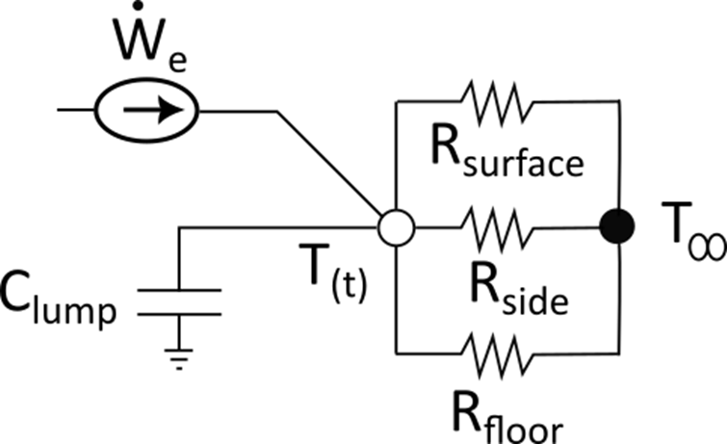
Asurf = Afloor |  | m^2, surface area of floor and surface
Asides |  | m^2, surface area of outside side walls
CAPACITANCES
C_glass |  | J/K, total capacitance of glass
C_H2O |  | J/K, total capacitance of H2O
C_lump |  | J/K, total lumped capacitance
RESISTANCES
R_surface |  | K/W, thermal resistance at surface
R_side |  | K/W, thermal resistance at side wall
R_floor |  | K/W, thermal resistance at floor
R_equiv |  | K/W, equivalent thermal resistance
TIME CONSTANT
tau |  | sec, time constant of lumped node
STEADY-STATE (even tho' you don't reach it…)
T_ss |  | oC, steady state temperature (if heater left on)
TARGET
q_target |  | dimensionless temperature when set point is reached

RESULTS
time to target |  | sec, time to reach target temperature
time to target |  | hours
W'e_reset |  | W, power to maintain target

