RawDataPlot
Raw Data
 | T1, wooden floor | T2_MiracleThaw
0 | 4.3 | 4.1
4 | 5.3 | 5.3
8 | 5.6 | 6.6
13 | 5.9 | 7.3
21 | 6.5 | 8.5
25 | 7.4 | 9.6
31 | 8 | 10.3
39 | 8.6 | 11.3
47 | 9.5 | 12.3

RawData
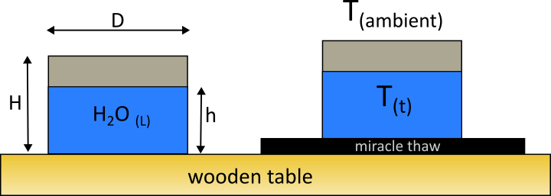
DO NOT MODIFY THIS WORKSHEET. MAKE A COPY IF NEEDED
RAW DATA FROM IN-CLASS EXPERIMENT: 1/16/2024
vol | 0.5 | liters, volume of water added
D | 0.098425 | m, inner diameter of cup
H | 0.085725 | m, height of cup
m_cup | 0.1 | kg, mass of cup

Tinf | 22.3 | oC, room temperature
time (min) | T1, wooden floor | T2_MiracleThaw
0 | 4.3 | 4.1
4 | 5.3 | 5.3
8 | 5.6 | 6.6
13 | 5.9 | 7.3
21 | 6.5 | 8.5
25 | 7.4 | 9.6
31 | 8 | 10.3
39 | 8.6 | 11.3
47 | 9.5 | 12.3

