Optimization Result Analysis
19 | 20 | 21 | 22 | 23 | 0 | 0 | 0
 | Highest Positive/Gain: |  |  | Lowest Positive/Gain:
13 | 16 | 12 | 22 | 14
Net Profit % over Backtested Intervals
Net Profit % with Random Parameter Deviations
4 | 3 | 5 | 6 | 5
9 | 13 | 7 | 16 | 9
10000.0 | 10000.0 | 10000.0 | 10000.0 | 10000.0
9976.062 | 9884.256 | 10368.676 | 9889.892 | 10093.48
0.308 | 0.188 | 0.417 | 0.273 | 0.357
0.924 | 0.65 | 3.505 | 0.678 | 1.6
2.079 | 2.819 | 4.907 | 1.807 | 2.881
6 | 8 | 6 | 11 | 7
46.154 | 50.0 | 50.0 | 50.0 | 50.0
53.846 | 50.0 | 50.0 | 50.0 | 50.0
7 | 8 | 6 | 11 | 7
10.156 | 12.484 | 9.707 | 17.376 | 11.115
-23.938 | -115.744 | 368.676 | -110.108 | 93.48
-0.239 | -1.157 | 3.687 | -1.101 | 0.935
72.57 | 71.807 | 103.169 | 38.569 | 49.84
34.913 | 25.474 | 21.024 | 21.345 | 17.302
-1.841 | -7.234 | 30.723 | -5.005 | 6.677
-0.018 | -0.072 | 0.307 | -0.05 | 0.067
-1.841 | -7.234 | 30.723 | -5.005 | 6.677
Net Profit % over Backtested Timeframes
Net Profit % with Random Symbols
149.923 | 121.812 | 162.417 | 88.591 | 137.5
212.5 | 259.0 | 225.0 | 174.667 | 220.6
122.111 | 90.154 | 117.714 | 56.312 | 91.333
290.28 | 215.422 | 515.843 | 231.412 | 249.198
-314.219 | -331.166 | -147.168 | -341.519 | -155.718
-3.491 | -2.288 | -0.942 | -2.444 | -1.067
-1.061 | -5.05 | 17.486 | -4.809 | 4.282
-0.144 | -1.085 | 3.324 | -1.052 | 1.144
-0.304 | -2.207 | 18.569 | -1.968 | 4.013
-0.206 | -1.549 | 7.257 | -1.564 | 2.119
0.98 | 0.83 | 1.729 | 0.847 | 1.216
-0.014 | -0.109 | 2.031 | -0.085 | 0.543
-0.135 | -0.941 | 3.154 | -1.037 | 1.005
-0.193 | -1.344 | 6.885 | -1.543 | 1.861
1 | 1 | 1 | 1 | 1
205.6 | -0.348 | 44.548 | 1.224 | -53.46
2.0 | 1.0 | 4.0 | 3.0 | 2.0
5.0 | 4.0 | 4.0 | 7.0 | 3.0
-88.566 | -62.21 | -75.332 | -51.286 | -54.229
204.916 | 158.095 | 376.424 | 91.69 | 143.972
1 | -3 | 4 | 1 | -1
-0.025 | -0.101 | 0.298 | -0.13 | 0.134
2022-06-09 | 2022-09-07 | 2022-12-06 | 2023-03-06 | 2023-06-04
19 | 20 | 21 | 22 | 23
...
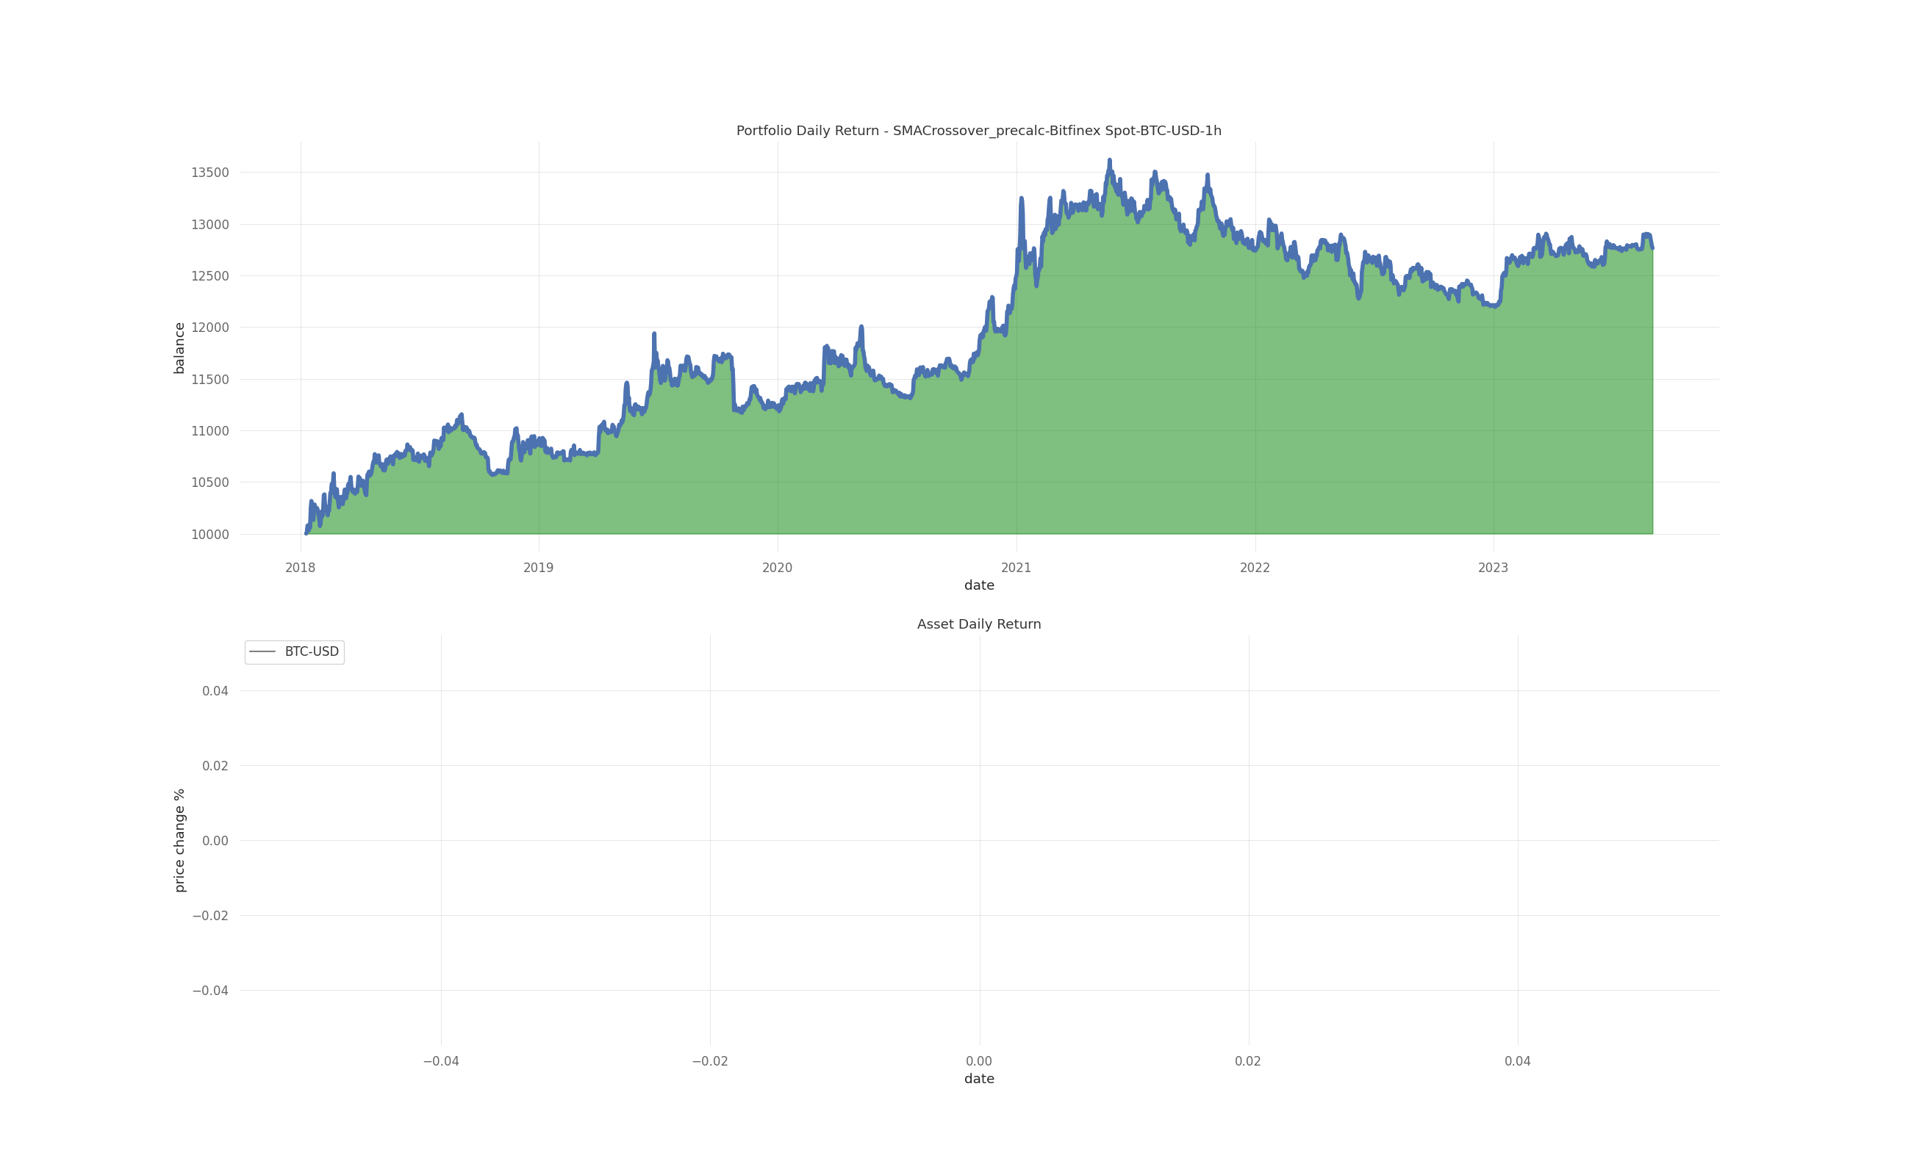
Backtest Metrics for 4 Random Pairs From
2018-01-01 to 2023-09-01 on 1h Candles
 |  |  | XMR-USD | BTC-USD
 |  |  | 332 | 334
 |  |  | 106 | 107
 |  |  | 226 | 227
 |  |  | 10000 | 10000
 |  |  | 10105.401 | 12764.061
 |  |  | 0.319 | 0.32
 |  |  | 1.009 | 1.281
 |  |  | 2.151 | 2.717
 |  |  | 166 | 167
 |  |  | 50 | 50
 |  |  | 50 | 50
 |  |  | 166 | 167
 |  |  | 284.885 | 317.885
 |  |  | 105.401 | 2764.061
 |  |  | 1.054 | 27.641
 |  |  | 113.124 | 117.811
 |  |  | 52.592 | 43.355
 |  |  | 0.317 | 8.276
 |  |  | 0.003 | 0.083
 |  |  | 0.317 | 8.276
 |  |  | 148.931 | 148.039
 |  |  | 285.811 | 270.327
 |  |  | 84.73 | 90.396
 |  |  | 11991.105 | 12605.739
 |  |  | -11885.703 | -9841.678
 |  |  | -20.035 | -10.467
 |  |  | 0.186 | 4.417
 |  |  | 0.065 | 0.637
 |  |  | 0.009 | 0.422
 |  |  | 0.093 | 0.942
 |  |  | 1.01 | 1.105
 |  |  | 0.003 | 0.251
 |  |  | 0.063 | 0.633
 |  |  | 0.09 | 0.936
 |  |  | 1 | 1
 |  |  | 0 | -68.31
 |  |  | 4 | 4
 |  |  | 13 | 14
 |  |  | -277.732 | -344.728
 |  |  | 631.931 | 919.421
 |  |  | -2 | -1
 |  |  | 0.003 | 0.07
 |  |  | 3 | 4
 |  |  | XMR-USD | BTC-USD
...

