Sheet1
https://booking.uz.gov.ua/cabinet/profile/
 |  | Requarements
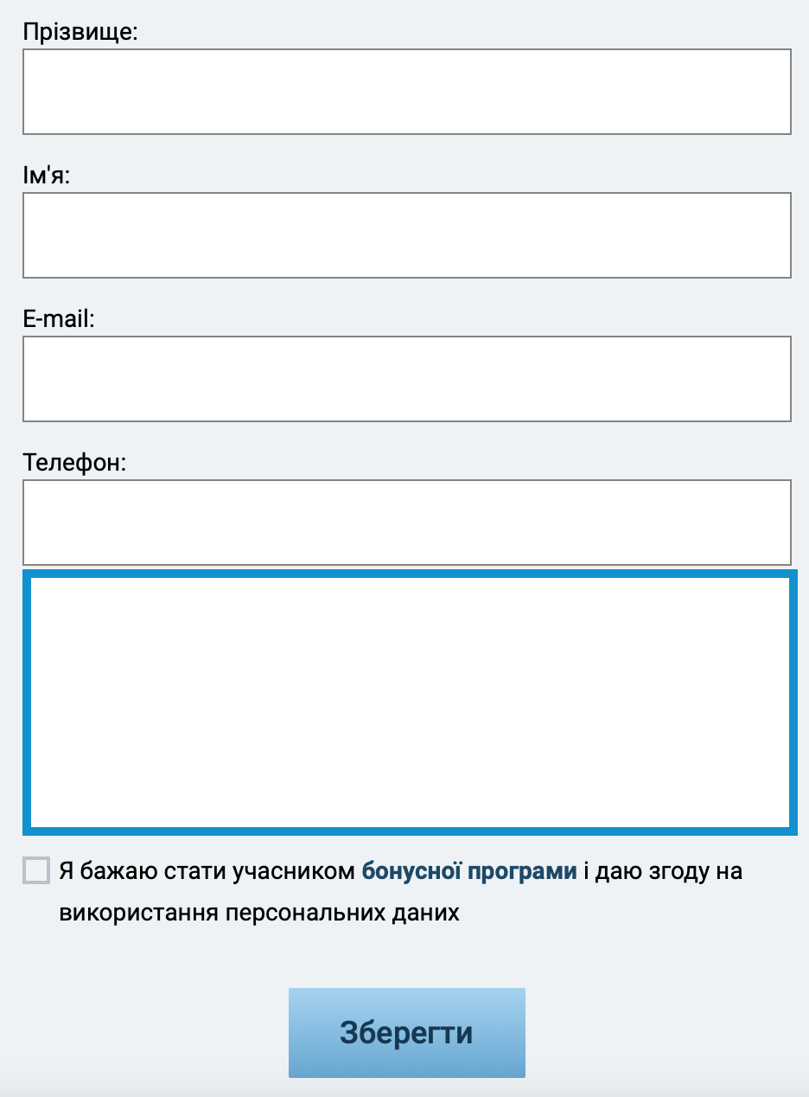 |  | 1.The fields are required* (name,email,chekbox). 2.in the name field is required, you can enter only Russian and English characters without numbers or special simbols, the minimum length of the name is 3, the maximum is 25 characters 3.in the lastname field isnt't s required, you can enter only Russian and English characters without numbers or special simbols, the minimum length of the name is 3, the maximum is 25 characters 4.email field is required, must have one character "@" and latin symbols and nubmers 5.the phone number field isn't required, only available for digits and has a ''+' symbol, the minimum and maximum number of digits is 12, 6.the checkboxes is required 7.The button is always availble. 8.You can change language on the site (eng,укр(ua))

 |  | table of making decisions | 5*5=25 TC
 |  | conditions | status | TC1 | TC2 | TC3 | TC4 | TC5 | TC6 | TC7 | TC8 | TC9 | TC10 | TC11 | TC12 | TC13 | TC14 | TC15 | TC16 | TC17 | TC18 | TC19 | TC20
 |  | lastname | true,false | TRUE | TRUE | TRUE | TRUE | TRUE | TRUE | TRUE | TRUE | TRUE | TRUE | TRUE | TRUE | FALSE | FALSE | FALSE | FALSE | FALSE | FALSE | FALSE | FALSE
 |  | name | true,false | TRUE | TRUE | TRUE | TRUE | TRUE | TRUE | FALSE | FALSE | FALSE | FALSE | FALSE | FALSE | TRUE | TRUE | TRUE | TRUE | TRUE | TRUE | FALSE | FALSE
 |  | email | true,false | TRUE | TRUE | TRUE | FALSE | FALSE | FALSE | TRUE | TRUE | TRUE | FALSE | FALSE | FALSE | TRUE | TRUE | TRUE | FALSE | FALSE | FALSE | TRUE | TRUE
 |  | phone | true,false | TRUE | TRUE | FALSE | FALSE | TRUE | TRUE | FALSE | FALSE | TRUE | TRUE | FALSE | FALSE | TRUE | TRUE | FALSE | FALSE | TRUE | TRUE | FALSE | FALSE
 |  | the bonus program | true,false | TRUE | FALSE | TRUE | FALSE | TRUE | FALSE | TRUE | FALSE | TRUE | FALSE | TRUE | FALSE | TRUE | FALSE | TRUE | FALSE | TRUE | FALSE | TRUE | FALSE
 |  |  | results
 |  |  | TRUE | x |  | x |  |  |  |  |  |  |  |  |  | x |  | x
 |  |  | FALSE |  | x |  | x | x | x | x | x | x | x | x | x |  | x |  | x | x | x | x | x
 |  |  |  | TC21 | TC22 | TC23 | TC24 | TC25
 |  |  | lastname | FALSE | FALSE | FALSE | FALSE | TRUE
 |  |  | name | FALSE | FALSE | FALSE | FALSE | TRUE
 |  |  | email | TRUE | FALSE | FALSE | FALSE | TRUE
 |  |  | phone | TRUE | TRUE | FALSE | FALSE | TRUE
 |  |  | the bonus program | TRUE | FALSE | TRUE | FALSE | TRUE
 |  |  | results
 |  |  | TRUE
 |  |  | FALSE | x | x | x | x | x
 |  |  |  |  |  |  |  | remove duplicates

 |  | equivalent partitioning | REQ
 | pisitive test | 15 | 2
 | postive test | 15 | 3
 | negative test | -10,50 | 2
 | negative test | -10,50 | 3

 |  | Boundaries values | REQ
 | pisitive test | -1,0,2,3,15,25,26 | 2
 | postive test | -1,0,2,3,15,25,26 | 3

 | Conditions | PairWise | REQ 8
 | Safari is only used macOS | browsers | language | OS
 |  | Chrome | EN | wndows
 |  | Mazila | UA | mac
 |  | Safari

 |  | browsers | language | OS
 | 1 | Chrome | EN | wndows
 | 2 | Chrome | UA | mac

 | *3 | Mazila | UA | wndows | *swap cells Languge
 | *4 | Mazila | EN | mac | *swap cells Languge

 | 5 | Safari | EN | mac
 | 6 | Safari | UA | mac

