Лист1
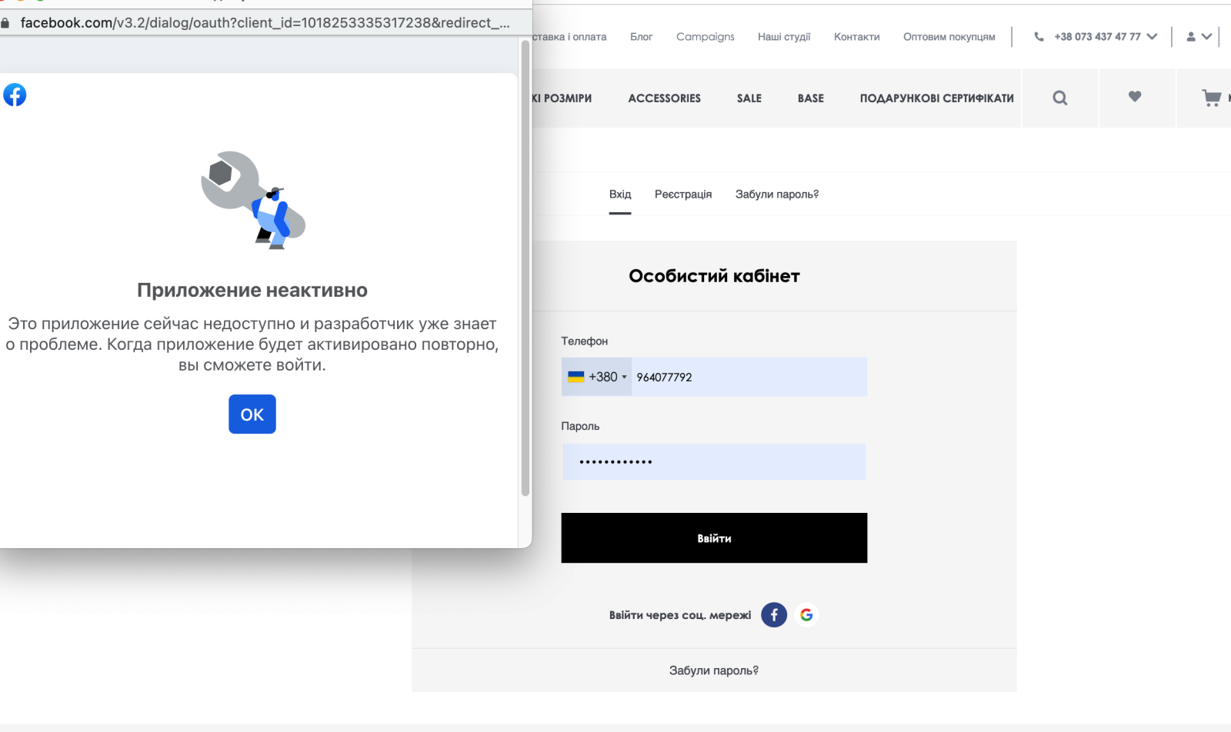
Bug report |  |  | Priority | Low(P3)> Medium(P2)> High(P1)
Version | 1.0 |  | Severity | Trivial(S1),Mainor(S2),Major(S3), Critical(S4),Blocked(S5)
Date of create | 2022-08-09 |  | Statuses | New,Canceled,Opened,Fixed,Closed
Project | https://vovk.com/
Creator | Mishin Daniel
Enviroument | Apple MacBookPro,MacOS Montarey,Safari Lenovo b50-10,Windows 8.1,Google,FireFox
Status | New
Summary (What?Where?When?) | authorization using facebook in the form of authorization
Steps to reproduse | Actual result | Expected result | Priority | Severity | comments
1.open the site https://vovk.com/ 2.enter in the autorization form in up of the site on the right 3.click on button "enter with Facebook" | open new window -Log Into Facebook Error Accessing App We're sorry, but the application you're trying to use doesn't exist or has been disabled. | open new window for authorization displayed fields for entering information | P1 | S5 | Error Accessing App We're sorry, but the application you're trying to use doesn't exist or has been disabled.

