Лист1
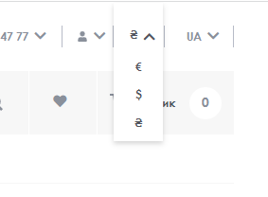
Bug report |  |  | Priority | Low(P3)> Medium(P2)> High(P1)
Version | 1.0 |  | Severity | Trivial(S1),Mainor(S2),Major(S3), Critical(S4),Blocked(S5)
Date of create | 2022-08-09 |  | Statuses | New,Canceled,Opened,Fixed,Closed
Project | https://vovk.com/
Creator | Mishin Daniel
Enviroument | Apple MacBookPro,MacOS Montarey,Safari Lenovo b50-10,Windows 8.1,Google,FireFox
Status | New
Summary (What?Where?When?) | the menu currency does not close on the site page when clicked outside the menu
Steps to reproduse | Actual result | Expected result | Priority | Severity | comments
1.Open the site https://vovk.com/ 2.Click on the menu currency up of the site on the right | the menu currency does not close when clicked outside the menu currency | the menu currency closed when clicked outside the menu currency | P3 | S2

