Лист1
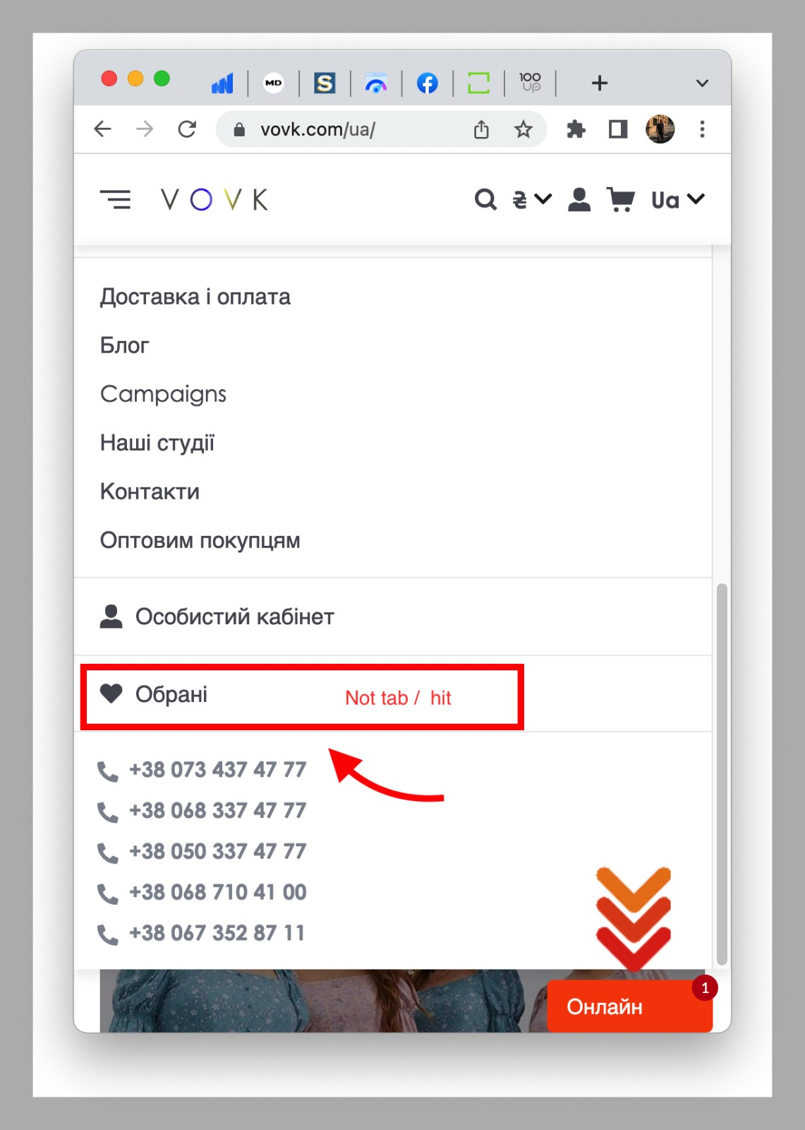
Bug report |  |  | Priority | Low(P3)> Medium(P2)> High(P1)
Version | 1.0 |  | Severity | Trivial(S1),Mainor(S2),Major(S3), Critical(S4),Blocked(S5)
Date of create | 2022-08-09 |  | Statuses | New,Canceled,Opened,Fixed,Closed
Project | https://vovk.com/
Creator | Mishin Daniel
Enviroument | Apple MacBookPro,MacOS Montarey,Safari Lenovo b50-10,Windows 8.1,Google,FireFox Apple Iphone 7plus iSO 15.5
Status | New
Summary (What?Where?When?) | the "favorites» button in the mobile version of the site does not work
Steps to reproduse | Actual result | Expected result | Priority | Severity | comments
1.open the site https://vovk.com/ in the mobile version 2.enter in "burger" menu 3.click on the buttton "Favorites" | doesn't open window "favorites" | opened window "favorites" | P1 | S5

