Лист1
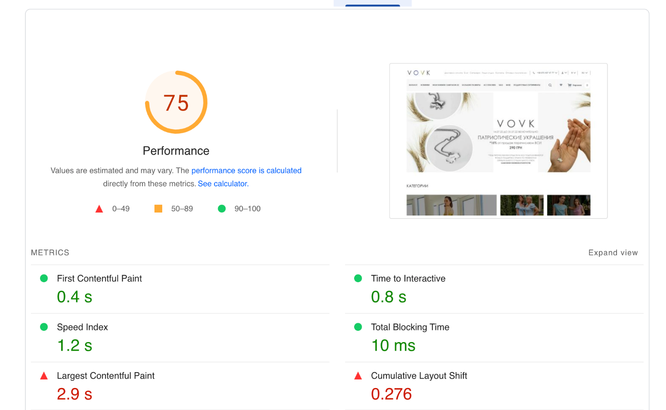
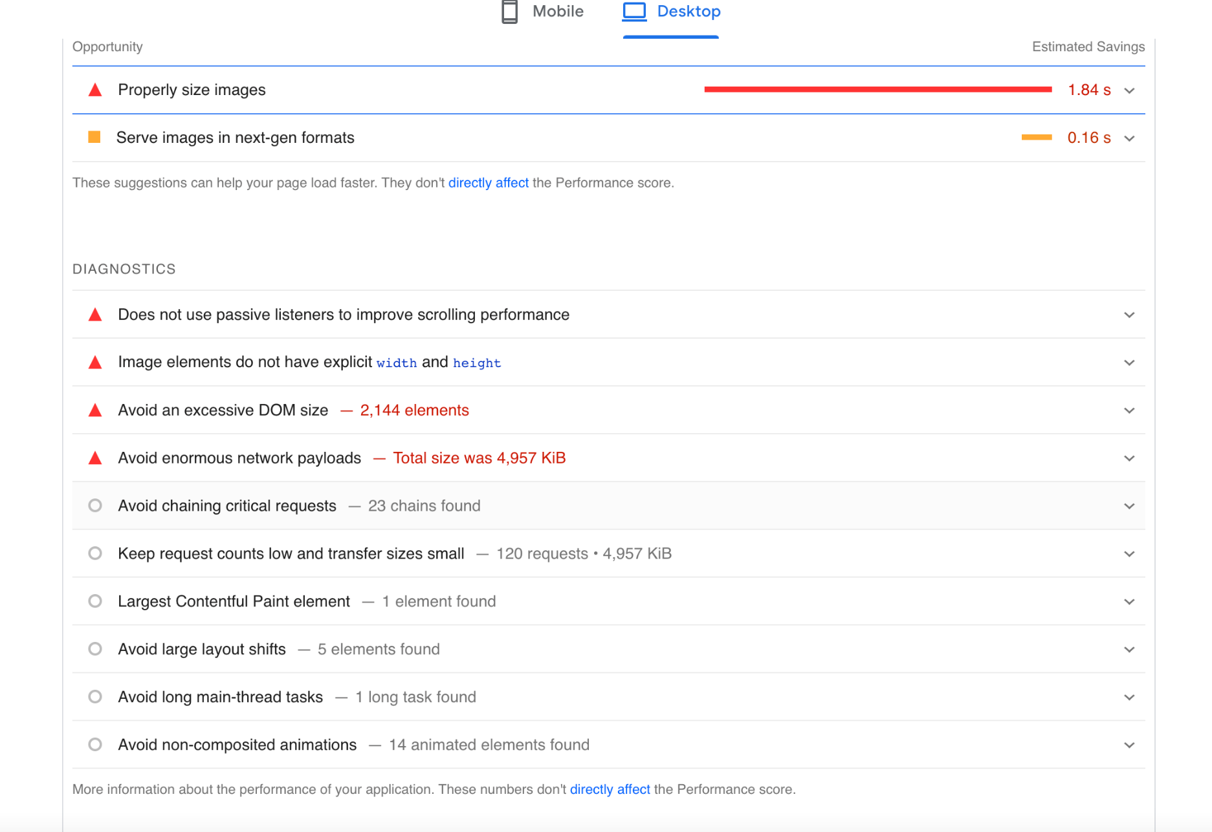
Bug report VOVK |  |  | Priority | Low(P3)> Medium(P2)> High(P1)
Version | 1.0 |  | Severity | Trivial(S1),Mainor(S2),Major(S3), Critical(S4),Blocked(S5)
Date of create | 2022-07-30 |  | Statuses | New,Canceled,Opened,Fixed,Closed
Project | https://vovk.com/
Creator | Mishin Daniel
Enviroument | Apple MacBookPro,MacOS Montarey,Safari Lenovo b50-10,Windows 8.1,Google,FireFox
Status | New
Summary (What?Where?When?) | Perfomance testing of the site vovk.com,page speed
Steps to reproduse | Actual result | Expected result | Priority | Severity | comments
1.open site PageSpeed -testing perfomance used tool the pageSpeed 2.chose desktop version 3.click on Run the test | displayed 75 points of the site’s speed | site speed at least 90 points | P2 | S3

