Лист1
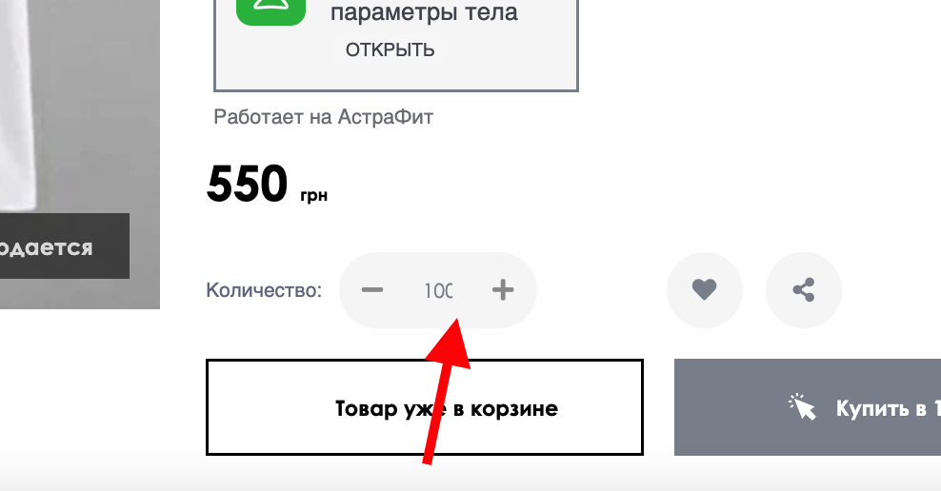
Bug report VOVK |  |  | Priority | Low(P3)> Medium(P2)> High(P1)
Version | 1.0 |  | Severity | Trivial(S1),Mainor(S2),Major(S3), Critical(S4),Blocked(S5)
Date of create | 2022-07-30 |  | Statuses | New,Canceled,Opened,Fixed,Closed
Project | https://vovk.com/
Creator | Mishin Daniel
Enviroument | Apple MacBookPro,MacOS Montarey,Safari Lenovo b50-10,Windows 8.1,Google,FireFox
Status | New
Summary (What?Where?When?) | incorrect display count items in the cards of items adding more than 100
Steps to reproduse | Actual result | Expected result | Priority | Severity | comments
1 Open the site https://vovk.com/ua/ 2 open card of item 3 set count items more than 100 in COUNT | number 100 displayed outside the display form | number 100 and more displaed full in the display form | P1 | S1

