Лист1
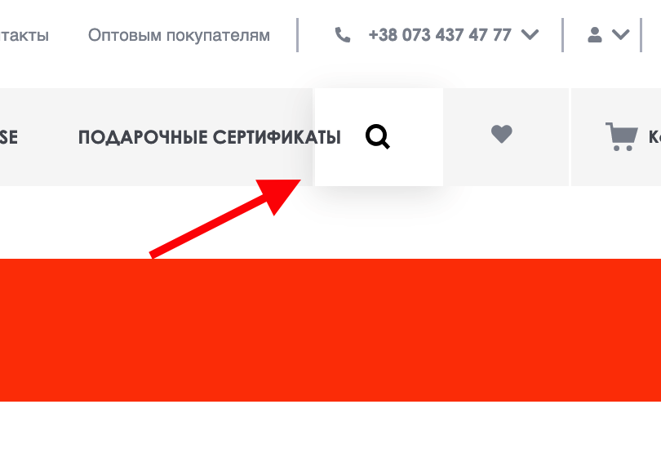
Bug report VOVK |  |  | Priority | Low(P3)> Medium(P2)> High(P1)
Version | 1.0 |  | Severity | Trivial(S1),Mainor(S2),Major(S3), Critical(S4),Blocked(S5)
Date of create | 2022-07-30 |  | Statuses | New,Canceled,Opened,Fixed,Closed
Project | https://vovk.com/
Creator | Mishin Daniel
Enviroument | Apple MacBookPro,MacOS Montarey,Safari Lenovo b50-10,Windows 8.1,Google,FireFox
Status | New
Summary (What?Where?When?) | the navigation menu of the site is displayed on top of the search button
Steps to reproduse | Actual result | Expected result | Priority | Severity | comments
1.open the site vovk.com/ 2.set for certain break points -> 1481px - 1551px - 1726px + | the navigation menu of the site is displayed on top of the search button for certain break points 1481px - 1551px - 1726px + | navigation menu is displayed search button next | P1 | S2

