SOURCES
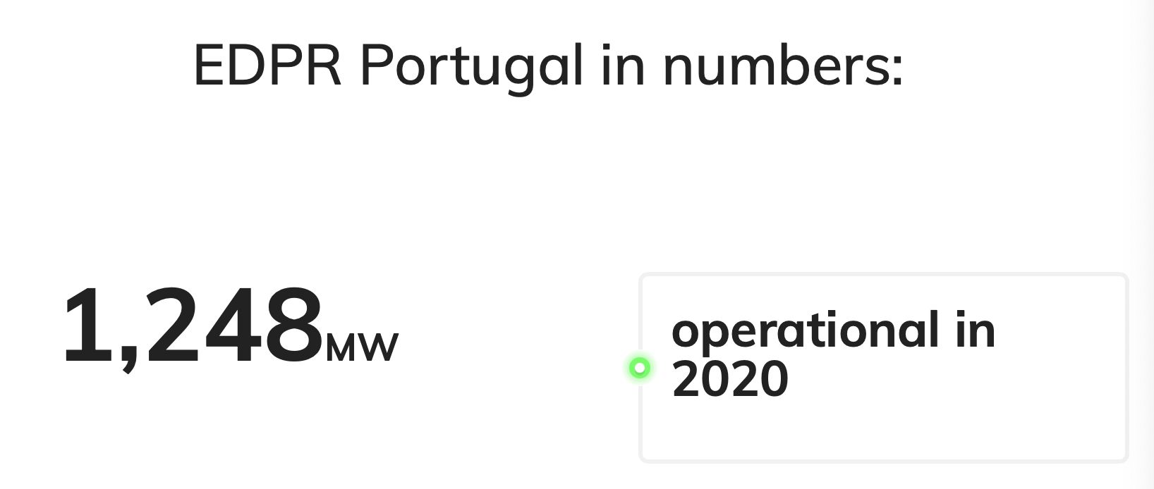
https://openinframap.org/stats/area/Portugal/plants

https://www.thewindpower.net

https://portugal.edp.com/pt-pt/edp-portugal/

https://www.edpr.com/en/portugal#about

Hydro
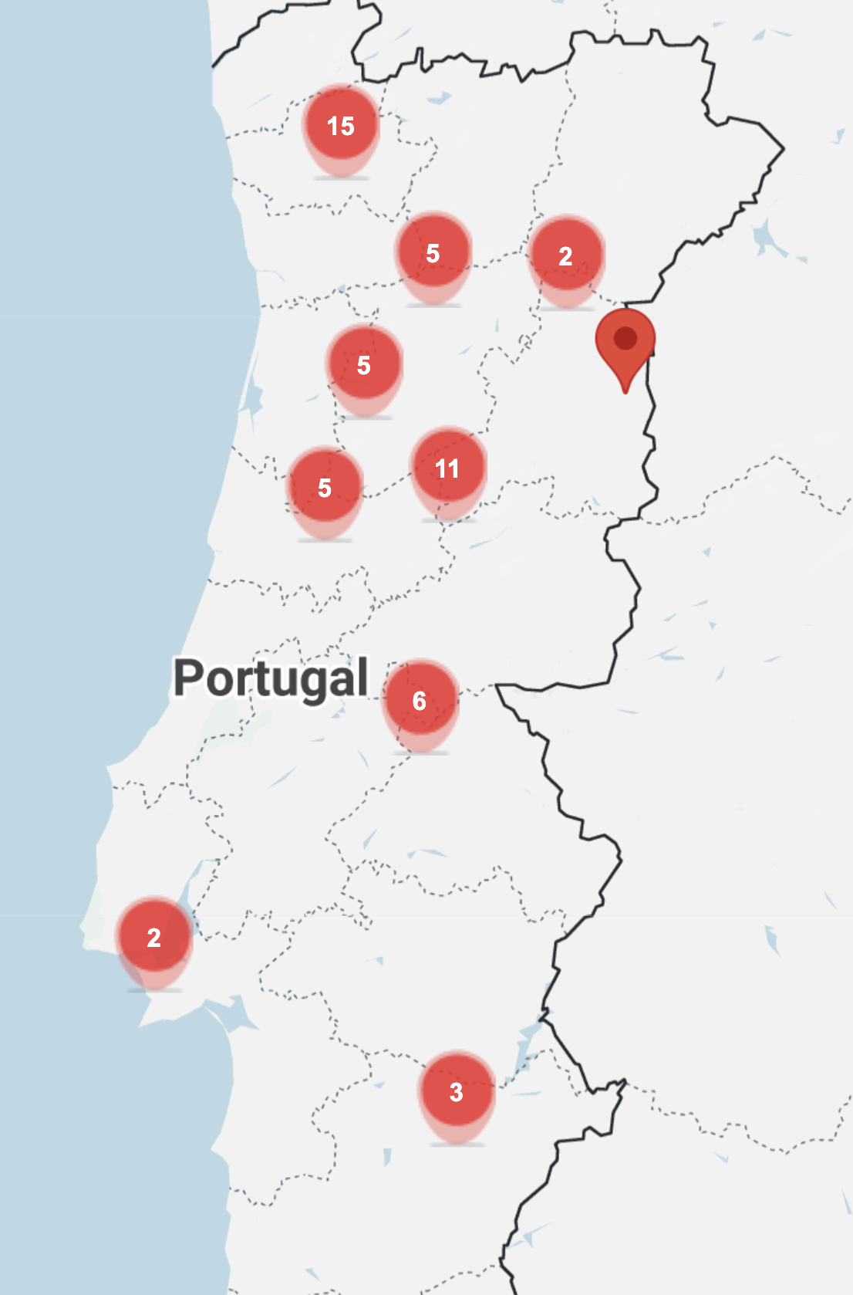
Plant Name | Type 1 | Type 2 | Sold | Total Capacity (MW) | Average Annual Productivity (GWh) | Total Storage (hm3) | latitude | longitude | Link | Capacity Factor | Prod in kWh
Central Hidroelétrica de Frades II | hydro | hydro - water-pumped-storage | n | 736 | 1441 |  | 41.681065 | -8.020615 | https://www.openstreetmap.org/#map=18/41.681065/-8.020615 | 0.22350233274 | 41124.429224
Central Hidroelétrica do Alto Lindoso | hydro | hydro - water-storage | n | 630 | 909.6 | 347.9 | 41.869469 | -8.202796 | https://www.openstreetmap.org/#map=18/41.869469/-8.202796 | 0.16481843879 | 25958.90411
Central Hidroeléctrica da Aguieira | hydro | hydro - water-pumped-storage | n | 336 | 193 | 216 | 40.340019 | -8.196959 | https://www.openstreetmap.org/#map=17/40.340019/-8.196959 | 0.065571319852 | 5507.9908676
Central Hidroeléctrica do Alqueva I | hydro | hydro - water-pumped-storage | n | 256 | 381 | 12 | 38.197062 | -7.496458 | https://www.openstreetmap.org/#map=19/38.197062/-7.496458 | 0.16989511986 | 10873.287671
Central Hidroeléctrica do Alqueva II | hydro | hydro - water-pumped-storage | n | 256 | 381 |  | 38.193774 | -7.496978 | https://www.openstreetmap.org/#map=17/38.193774/-7.496978 | 0.16989511986 | 10873.287671
Central Hidroelétrica da Valeira | hydro | hydro - run-of-the-river | n | 236 | 663 | 13 | 41.160361 | -7.373859 | https://www.openstreetmap.org/#map=18/41.160361/-7.373859 | 0.32069886232 | 18921.232877
Central Hidroelétrica de Salamonde II | hydro | hydro - water-pumped-storage | n | 223 | 386 |  | 41.689645 | -8.091023 | https://www.openstreetmap.org/#map=19/41.689645/-8.091023 | 0.19759608494 | 11015.981735
Central Hidroelétrica do Carrapatelo | hydro | hydro - run-of-the-river | n | 201 | 783 | 15.6 | 41.084503 | -8.130264 | https://www.openstreetmap.org/#map=18/41.084503/-8.130264 | 0.44469433654 | 22345.890411
Central Hidroelétrica de Frades I | hydro | hydro - water-pumped-storage | n | 191.4 | 220 |  | 40.741831 | -8.321999 | https://www.openstreetmap.org/#map=19/40.741831/-8.321999 | 0.13121293235 | 6278.5388128
Central Hidroelétrica do Pocinho | hydro | hydro - run-of-the-river | n | 186 | 406.2 | 12 | 41.134326 | -7.114144 | https://www.openstreetmap.org/#map=19/41.134326/-7.114144 | 0.24930033878 | 11592.465753
Central Hidroelétrica da Régua | hydro | hydro - run-of-the-river | n | 180 | 620.8 | 12 | 41.147105 | -7.739793 | https://www.openstreetmap.org/#map=19/41.147105/-7.739793 | 0.39370877727 | 17716.894977
Central Hidroelétrica de Castelo do Bode | hydro | hydro - water-storage | n | 159 | 361 | 902.5 | 39.542604 | -8.31926 | https://www.openstreetmap.org/#map=19/39.542604/-8.319260 | 0.25918267712 | 10302.511416
Central Hidroeléctrica do Ribeiradio | hydro | hydro - water-storage | n | 147.2 | 117 | 84.6 | 40.741787 | -8.322047 | https://www.openstreetmap.org/#map=18/40.741787/-8.322047 | 0.090734812388 | 3339.0410959
Central Hidroeléctrica do Torrão | hydro | hydro - water-pumped-storage | n | 137 | 221 | 40.4 | 41.096607 | -8.263108 | https://www.openstreetmap.org/#map=19/41.096607/-8.263108 | 0.18414825184 | 6307.0776256
Central Hidroelétrica de Fratel | hydro | hydro - water-storage | n | 132 | 327 |  | 39.542652 | -7.802905 | https://www.openstreetmap.org/#map=19/39.542652/-7.802905 | 0.28279369033 | 9332.1917808
Central Hidroelétrica de Vilarinho das Furnas | hydro | hydro - water-pumped-storage | n | 125 | 194 | 97.5 | 41.700133 | -8.176162 | https://www.openstreetmap.org/#map=18/41.700133/-8.176162 | 0.17716894977 | 5536.5296804
Central Hidroelétrica de Crestuma-Lever | hydro | hydro - run-of-the-river | n | 117 | 311 | 22.5 | 41.07172 | -8.48593 | https://www.openstreetmap.org/#map=19/41.071720/-8.485930 | 0.30343831714 | 8875.5707763
Central Hidroelétrica do Cabril | hydro | hydro - water-storage | n | 106 | 289 | 615 | 39.917476 | -8.132273 | https://www.openstreetmap.org/#map=19/39.917476/-8.132273 | 0.31123459981 | 8247.716895
Central Hidroelétrica de Vila Nova I | hydro | hydro - water-pumped-storage | n | 88 | 383.9 | 92.1 | 41.702016 | -8.007156 | https://www.openstreetmap.org/#map=19/41.702016/-8.007156 | 0.49800228311 | 10956.050228
Central Hidroelétrica de Belver | hydro | hydro - run-of-the-river | n | 80.7 | 180 | 7.5 | 39.480694 | -7.998363 | https://www.openstreetmap.org/#map=19/39.480694/-7.998363 | 0.25462137801 | 5136.9863014
Central Hidroeléctrica do Alto Rabagão | hydro | hydro - water-storage | n | 68 | 83 | 550.1 | 41.73846 | -7.85921 | https://www.openstreetmap.org/#map=18/41.738460/-7.859210 | 0.13933655654 | 2368.7214612
Central Hidroeléctrica do Caniçada | hydro | hydro - water-storage | n | 62 | 345 | 144.4 | 41.652788133 | -8.230853649 | https://www.openstreetmap.org/#map=17/41.6528/-8.2309 | 0.63521873619 | 9845.890411
Central Hidroeléctrica do Tabuaço | hydro | hydro - water-storage | n | 58 | 123 | 95.5 | 40.987365076 | -7.5346364108 | https://www.openstreetmap.org/#map=17/40.9874/-7.5346 | 0.24208786018 | 3510.2739726
Central Hidroelétrica da Paradela | hydro | hydro - water-storage | n | 53 | 254 |  | 41.770093 | -7.953123 | https://www.openstreetmap.org/#map=19/41.770093/-7.953123 | 0.54708365641 | 7248.8584475
Central Hidroelétrica do Lindoso | hydro | hydro - water-storage | n | 44.1 | 909.6 | 347.9 | 41.85919 | -8.27071 | https://www.openstreetmap.org/#map=16/41.85919/-8.27071 | 2.3545491256 | 25958.90411
Central Hidroelétrica de Bouçã | hydro | hydro - run-of-the-river | n | 44 | 141 | 7.9 | 39.853896 | -8.219734 | https://www.openstreetmap.org/#map=19/39.853896/-8.219734 | 0.36581569116 | 4023.9726027
Central Hidroelétrica de Salamonde I | hydro | hydro - water-storage | n | 42 | 244 | 55 | 41.689979 | -8.092179 | https://www.openstreetmap.org/#map=19/41.689979/-8.092179 | 0.66318764949 | 6963.4703196
Central Hidroelétrica de Pracana | hydro | hydro - water-storage | n | 41 | 53 | 69.3 | 39.564978 | -7.812929 | https://www.openstreetmap.org/#map=19/39.564978/-7.812929 | 0.14756654416 | 1512.5570776
Central Hidroelétrica do Caldeirão | hydro | hydro - run-of-the-river | n | 40 | 47 | 3.5 | 40.531647 | -7.329766 | https://www.openstreetmap.org/#map=19/40.531647/-7.329766 | 0.13413242009 | 1341.3242009
Central Hidroelétrica de Varosa | hydro | hydro - run-of-the-river | n | 24.5 | 60 | 12.9 | 41.140884 | -7.775745 | https://www.openstreetmap.org/#map=18/41.140884/-7.775745 | 0.27956388035 | 1712.3287671
Central Hidroelétrica de Santa Luzia | hydro | hydro - water-storage | n | 24.4 | 54 | 50.5 | 40.079773 | -7.818559 | https://www.openstreetmap.org/#map=19/40.079773/-7.818559 | 0.25263867056 | 1541.0958904
Central Hidroelétrica de Raiva | hydro | hydro - run-of-the-river | n | 24 | 46 | 12 | 40.309574846 | -8.2488031112 | https://www.openstreetmap.org/#map=17/40.3096/-8.2488 | 0.21879756469 | 1312.7853881
Central Hidroelétrica de Vila Cova | hydro | hydro - run-of-the-river | n | 23.4 | 64 |  | 40.379685 | -7.727911 | https://www.openstreetmap.org/#map=18/40.379685/-7.727911 | 0.3122194903 | 1826.4840183
Central Hidroeléctrica de Sabugueiro I & II | hydro | hydro - run-of-the-river | n | 22.5 | 76 |  | 40.396613 | -7.662427 | https://www.openstreetmap.org/#map=19/40.396613/-7.662427 | 0.38559107052 | 2168.9497717
Central Hidroeléctrica da Touvedo | hydro | hydro - run-of-the-river | n | 22 | 78 | 4.5 | 41.812765504 | -8.3535253103 | https://www.openstreetmap.org/#map=17/41.8128/-8.3535 | 0.40473225405 | 2226.0273973
Central Hidroelétrica de Ponte de Jugais | hydro | hydro - run-of-the-river | n | 20.3 | 57 |  | 40.384983 | -7.705002 | https://www.openstreetmap.org/#map=19/40.384983/-7.705002 | 0.32053444902 | 1626.7123288
Central Hidroelétrica do Desterro | hydro | hydro - run-of-the-river | n | 13.2 | 40 |  | 40.398074 | -7.687326 | https://www.openstreetmap.org/#map=19/40.398074/-7.687326 | 0.34592500346 | 1141.5525114
Central Hidroelétrica do Pedrogão | hydro | hydro - water-storage | n | 10 | 45 | 54 | 38.11043852 | -7.6291667432 | https://www.openstreetmap.org/#map=17/38.1104/-7.6292 | 0.51369863014 | 1284.2465753
Central Hidroelétrica de Bouçoais-Sonim | hydro | hydro- small-hydro | n | 10 | 30 |  | 41.71735 | -7.204719 | https://www.openstreetmap.org/#map=19/41.717350/-7.204719 | 0.34246575342 | 856.16438356
Central Hidroelétrica de Rebordelo | hydro | hydro- small-hydro | n | 10 | 24 |  | 41.740702 | -7.174735 | https://www.openstreetmap.org/#map=19/41.740702/-7.174735 | 0.27397260274 | 684.93150685
Central Hidroelétrica do Ermal | hydro | hydro- small-hydro | n | 10 | 29 | 17.13 | 41.578095 | -8.152727 | https://www.openstreetmap.org/#map=19/41.578095/-8.152727 | 0.33105022831 | 827.62557078
Central Hidroelétrica do Senhora do Porto | hydro | hydro- small-hydro | n | 8.8 | 19 | 1.1 | 41.569466372 | -8.1962828025 | https://www.openstreetmap.org/#map=17/41.5695/-8.1963 | 0.24647156496 | 542.23744292
Central Hidroelétrica da Ermida | hydro | hydro- small-hydro | n | 7 | 0.9 |  | 40.714167 | -8.353432 | https://www.openstreetmap.org/#map=19/40.714167/-8.353432 | 0.014677103718 | 25.684931507
Central Hidroelétrica de France | hydro | hydro- small-hydro | n | 7 | 25.7 |  | 41.884459 | -8.761326 | https://www.openstreetmap.org/#map=19/41.884459/-8.761326 | 0.41911285062 | 733.44748858
Central Hidroelétrica do Guillhofrei | hydro | hydro- small-hydro | n | 4 | 11 |  | 41.585731 | -8.138383 | https://www.openstreetmap.org/#map=19/41.585731/-8.138383 | 0.31392694064 | 313.92694064
Central Hidroelétrica do Ponte da Esperança | hydro | hydro- small-hydro | n | 2.8 | 8 | 17.13 | 41.576507021 | -8.1577146178 | https://www.openstreetmap.org/#map=17/41.5765/-8.1577 | 0.3261578604 | 228.31050228
Central Hidroelétrica do Caniços | hydro | hydro- small-hydro | n | 0.9 | 3.8 |  | 41.364391704 | -8.4290809106 | https://www.openstreetmap.org/#map=17/41.3644/-8.4291 | 0.48198883815 | 108.44748858
Central Hidroelétrica da Ribafeita | hydro | hydro- small-hydro | n | 0.9 | 4.8 | 0.1 | 40.762186327 | -7.977820757 | https://www.openstreetmap.org/#map=17/40.7622/-7.9778 | 0.60882800609 | 136.98630137
Central Hidroelétrica do Rei de Moinhos | hydro | hydro- small-hydro | n | 0.8 | 2.2 |  | 40.260000688 | -8.0302552345 | https://www.openstreetmap.org/#map=17/40.2600/-8.0303 | 0.31392694064 | 62.785388128
Central Hidroelétrica do Rei do Pateiro | hydro | hydro- small-hydro | n | 0.3 | 0.1 |  | 40.512596485 | -7.3644647497 | https://www.openstreetmap.org/#map=17/40.5126/-7.3645 | 0.038051750381 | 2.8538812785
Central Hidroelétrica do Riba Côa | hydro | hydro- small-hydro | n | 0.1 | 0.5 | 0 | 40.698575725 | -6.930727303 | https://www.openstreetmap.org/#map=17/40.6986/-6.9307 | 0.57077625571 | 14.269406393

52 Plants according to EDP website

Photovoltaic
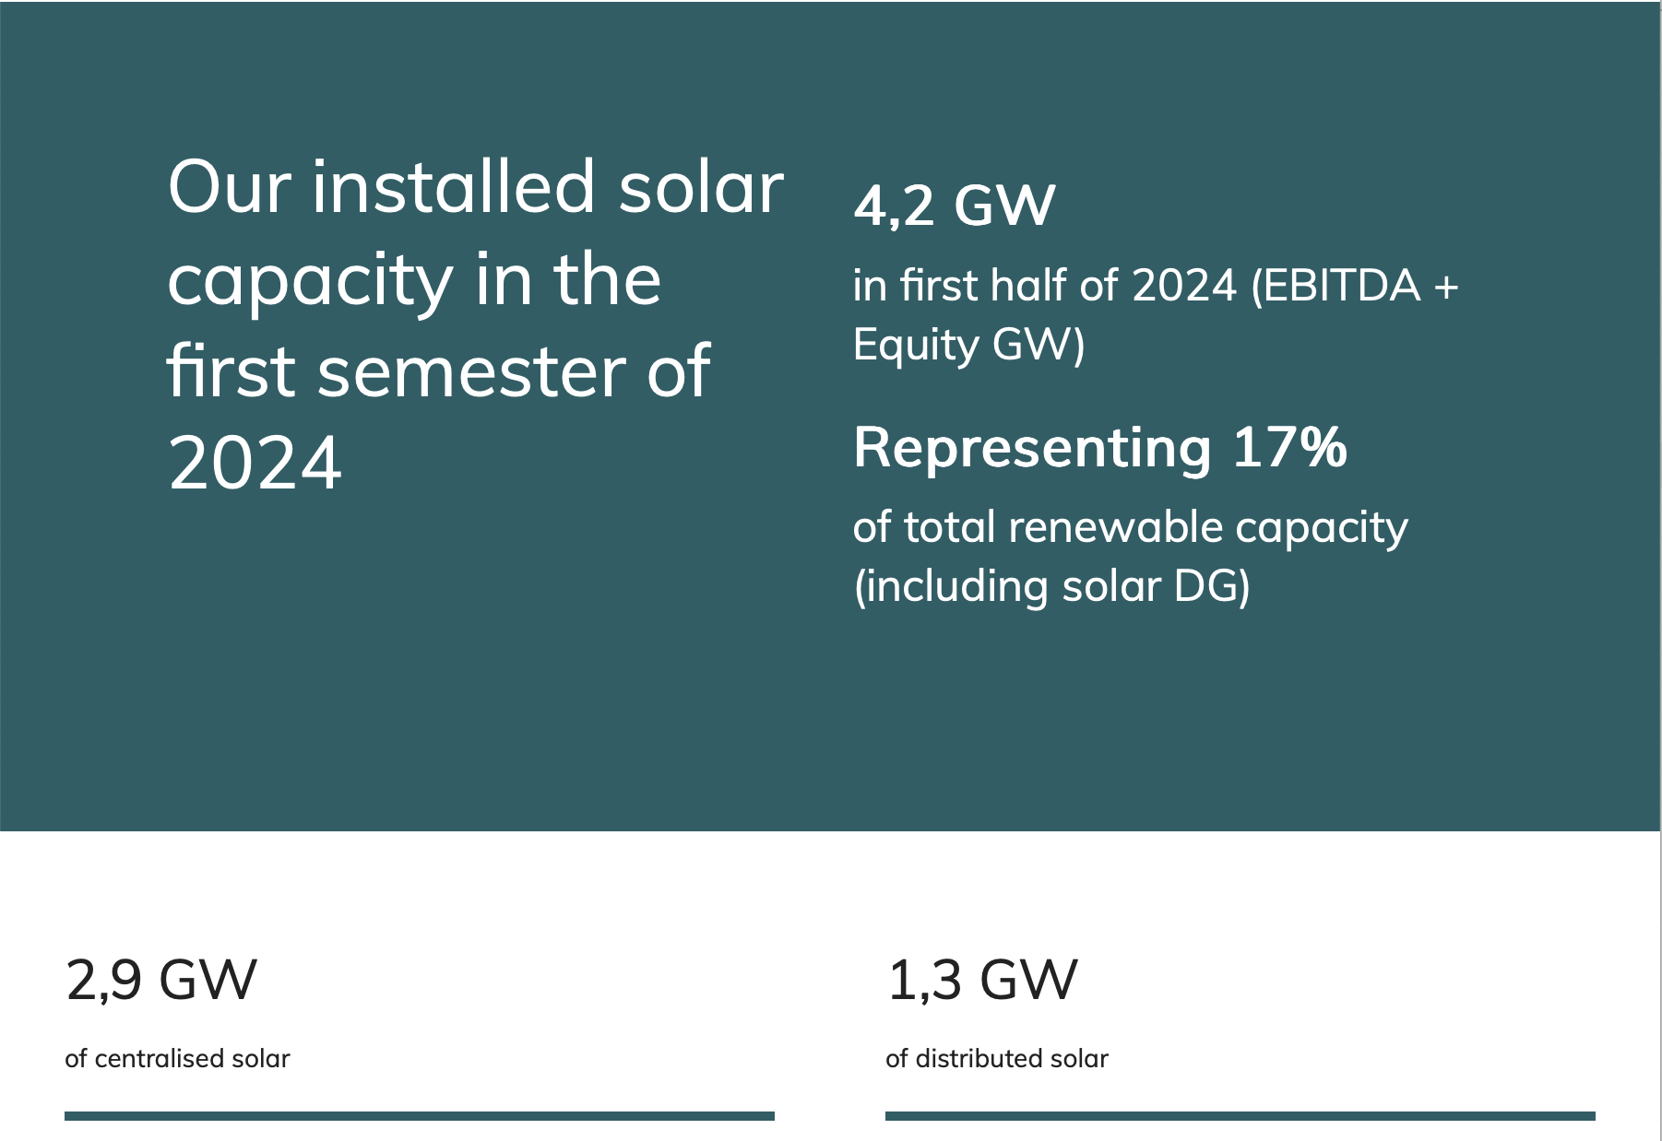
Plant Name | Type 1 | Type 2 | Sold | capacity_MW | Estimated Annual Production GWh | latitude | longitude | Link
Central Fotovoltaica da Cerca | solar | solar - photovoltaic | n | 202 | 330 | 39.1018 | -8.8241 | https://www.openstreetmap.org/#map=17/39.1018/-8.8241
Parque Solar Escalabis | solar | solar - photovoltaic | n | 189 |  | 39.20778 | -8.80795 | https://www.openstreetmap.org/#map=13/39.20778/-8.80795
Central Solar Fotovoltaica Ourika! | solar | solar - photovoltaic | n | 60 |  | 37.66813 | -8.18945 | https://www.openstreetmap.org/#map=15/37.66813/-8.18945
Central Fotovoltaica Alcochete I | solar | solar - photovoltaic | n | 32.89 |  | 38.70021 | -8.89004 | https://www.openstreetmap.org/#map=15/38.70021/-8.89004
Central Fotovoltaica Monte de Vez | solar | solar - photovoltaic | n | 21 |  | 39.99645 | -8.40076 | https://www.openstreetmap.org/#map=15/39.99645/-8.40076
Central Fotovoltaica Alcochete II | solar | solar - photovoltaic | n | 12.72 |  | 38.69499 | -8.89313 | https://www.openstreetmap.org/#map=15/38.69499/-8.89313
Central Fotovoltaica Mina de Orgueirel | solar | solar - photovoltaic | n | 8.4 |  | 40.30853 | -7.14453 | https://www.openstreetmap.org/#map=16/40.30853/-7.14453
Central Solar Flutuante de Alqueva | solar | solar - photovoltaic | n | 5 |  | 38.199339 | -7.497547 | https://www.openstreetmap.org/#map=17/38.199339/-7.497547
Central Fotovoltaica de Alta Concentração de Estoi | solar | solar - photovoltaic | n | 3 |  | 37.07684 | -7.85666 | https://www.openstreetmap.org/#map=16/37.07684/-7.85666
Central Fotovoltaica da Navigator Figueira | solar | solar - photovoltaic | n | 2.6 |  | 40.064196 | -8.852609 | https://www.openstreetmap.org/#map=17/40.064196/-8.852609
Central Fotovoltaica Estarreja | solar | solar - photovoltaic | n | 2.48 |  | 40.824145 | -8.555346 | https://www.openstreetmap.org/#map=17/40.824145/-8.555346
https://www.edpr.com/en/news/2024/03/18/edp-surpasses-500-mwp-installed-solar-capacity-portugal-its-largest-solar-plant#:~:text=EDP%20now%20owns%20540%20MWp,located%20in%20the%20Lisbon%20district.

Pivot
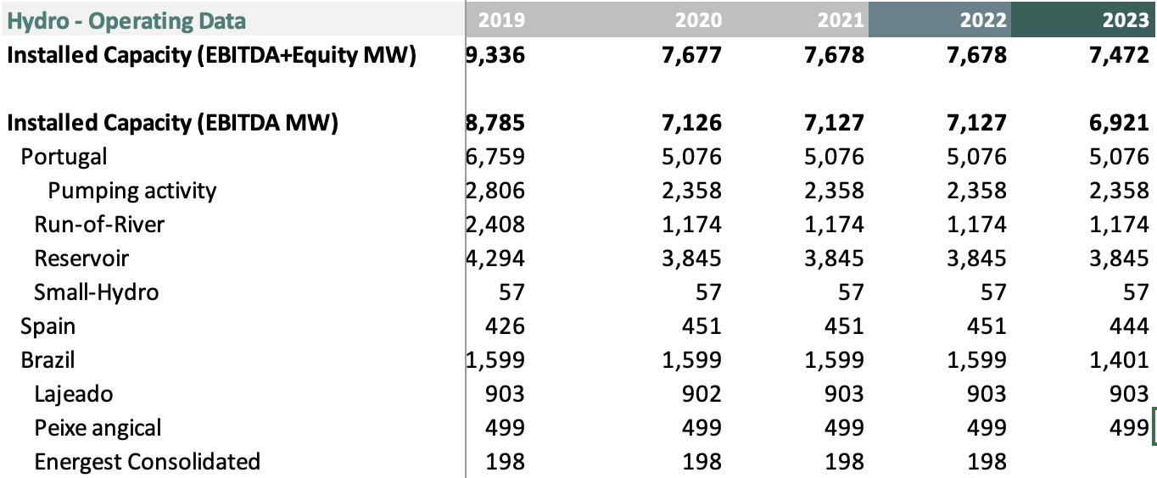
Sold | (Multiple Items) | Sold | (All)

Row Labels | Sum of Total Capacity (MW) |  | Sum of Total Capacity (MW)
gas | 2039 | hydro - run-of-the-river | 134.6
hydro | 5330.6 | hydro - water-pumped-storage | 2146.1
solar | 719.09 | hydro - water-storage | 3851.9
wind | 1725 | Grand Total | 6132.6
Grand Total | 9813.69

Renewable Share | 79%

