EZBuck design calculator
EZBuck Design Spreadsheet |  | Rev. 1.0
Yellow cell | is the input parameters
Blue cell | is the calculated parameters
 | is the cell with comment |  | Step1: Buck regulator IC selection
 |  |  | 4
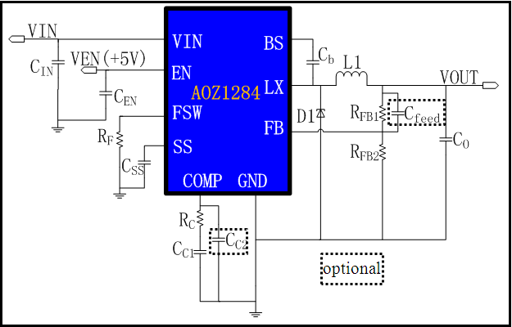
Typical application schematic
 |  |  | Step2: Define the system specification
 |  |  | Enter Application Parameters
 |  |  | Input Voltage: | 12 | V
 |  |  | Output Voltage: | 5 | V
 |  |  | Maximum Output Current: | 0.8 | A
 |  |  | Maximum Output Voltage Ripple%: | 3 | %
 |  |  | Ambient Temperature | 25 | ℃

 |  |  | Step3: RF selection
 |  |  | Switching Frequency needed: | 200 | kHz
 |  |  | Rcommend value for RF : | 250 | kΩ

 |  |  | Step4: Power stage component selection
 |  |  | Inductor Selection (L1)
 |  |  | Recommended L: | 10.42 | µH
 |  |  | Recommended ISATURATE: | 6.00 | A
 |  |  | Enter The Chosen Inductor Value: | 22 | µH
 |  |  | Enter The DCR of Chosen Inductor: | 100 | mΩ

 |  |  | Diode Selection (D1)
 |  |  | Enter The Diode Saturation Voltage: | 0.4 | V

Efficiency vs Load Current
 | Efficiency vs Load Current
0000000 | 37.59%
0000000 | 53.90%
0000000 | 63.02%
0000000 | 68.84%
0000000 | 72.87%
0000000 | 75.84%
0000000 | 78.10%
0000000 | 79.89%
0000000 | 81.33%
0000000 | 82.53%
0000000 | 83.53%
0000000 | 84.38%
0000000 | 85.12%
0000000 | 85.75%
0000000 | 86.31%
0000000 | 86.81%
0000000 | 87.25%
0000000 | 87.64%
0000000 | 87.99%
0000000 | 88.31%
0000000 | 88.60%
0000000 | 88.87%
0000000 | 89.11%
0000000 | 89.33%
0000000 | 89.54%
0000000 | 89.73%
0000000 | 89.91%
0000000 | 90.07%
0000000 | 90.22%
0000000 | 90.36%
0000000 | 90.49%
0000000 | 90.62%
0000000 | 90.73%
0000000 | 90.84%
0000000 | 90.94%
0000000 | 91.04%
0000000 | 91.13%
0000000 | 91.21%
0000000 | 91.30%
0000000 | 91.37%
0000000 | 91.44%
0000000 | 91.51%
0000000 | 91.58%
0000000 | 91.64%
0000000 | 91.70%
0000000 | 91.75%
0000000 | 91.80%
0000000 | 91.86%
0000000 | 91.90%
0000000 | 91.95%
...
Calculated Efficiency vs Load Current |  |  | Capacitor Selection (CIN and CO)
 |  |  | Minimum Recommended Input Capacitance: | 22 | µF
 |  |  | Minimum Input Capacitor RMS current rating: | 0.39 | Arms
 |  |  | Minimum Recommended Output Capacitance: | 3 | µF
 |  |  | Maximum Output Capacitor ESR: | 226 | mΩ
 |  |  | Enter The chosen Output Capacitor Value: | 1500 | µF
 |  |  | Enter The chosen Output Capacitor ESR: | 177 | mΩ

 |  |  | Output Voltage Characteristics
 |  |  | Estimated Output Voltage Ripple: | 118 | mV

 |  |  | Step5: Control component selection
 |  |  | Feedback Resistors Selection(RFB1, RFB2)
 |  |  | Enter a Value for RFB2: | 10 | kΩ
 |  |  | Recommended Value for RFB1: | 52.5 | kΩ

 |  |  | Compensation Component Selection (RC, CC1, CC2)
 |  |  | Enter Desired Crossover Frequency: | 20 | kHz
Calculated Bode Plot |  |  | Recommended Value for CC1: | 2.7042754951 | nF
Close loop Gain&Phase
 | Gain (dB) | Phase Margin
0001 | 72.12 | 172.26998577
0001 | 72.10 | 171.53437813
0001 | 72.08 | 170.73110278
0001 | 72.06 | 169.85459852
0001 | 72.03 | 168.89971174
0002 | 72.00 | 167.85881982
0002 | 71.96 | 166.72723196
0002 | 71.91 | 165.49814273
0002 | 71.86 | 164.16657144
0002 | 71.80 | 162.72599252
0003 | 71.72 | 161.17229761
0003 | 71.63 | 159.50130327
0003 | 71.52 | 157.70928486
0003 | 71.40 | 155.79681796
0004 | 71.25 | 153.76327334
0004 | 71.08 | 151.61265854
0004 | 70.89 | 149.3508267
0005 | 70.67 | 146.98713142
0005 | 70.41 | 144.53300352
0006 | 70.13 | 142.00424673
0006 | 69.81 | 139.41824871
0007 | 69.45 | 136.79564304
0008 | 69.06 | 134.15747523
0008 | 68.63 | 131.52663411
0009 | 68.16 | 128.92439534
0010 | 67.66 | 126.37191985
0011 | 67.12 | 123.88741518
0012 | 66.56 | 121.48789935
0013 | 65.96 | 119.1865226
0014 | 65.34 | 116.99475404
0016 | 64.69 | 114.91604758
0017 | 64.02 | 112.95767374
0019 | 63.34 | 111.12001448
0021 | 62.63 | 109.40392843
0023 | 61.91 | 107.80589596
0025 | 61.18 | 106.32328966
0028 | 60.44 | 104.95127151
0030 | 59.69 | 103.68390083
0033 | 58.93 | 102.51667411
0036 | 58.16 | 101.4426855
0040 | 57.39 | 100.45637194
0044 | 56.62 | 99.551698176
0048 | 55.84 | 98.722985183
0052 | 55.05 | 97.964417681
0058 | 54.27 | 97.27088442
0063 | 53.48 | 96.637205267
0069 | 52.69 | 96.058761431
0076 | 51.89 | 95.530978864
0083 | 51.10 | 95.049831519
0091 | 50.31 | 94.611330467
...
 |  |  | Recommended Value for RC: | 963.20121747 | kΩ
 |  |  | Recommended Value for CC2: | 265.6433393 | pF
 |  |  | Recommend Value for Cfeedforward: | 218.57319094 | pF
 |  |  | Enter The Chosen Value for CC1: | 2.7 | nF
 |  |  | Enter The Chosen Value for RC: | 963 | kΩ
 |  |  | Enter The Chosen Value for CC2: | 265 | pF
 |  |  | Enter The Chosen Value for Cfeedforward: | 220 | pF

 |  |  | Loop Characteristics
 |  |  | Expected Crossover Frequency: | 34.674 | kHz
 |  |  | Expected Phase Margin: | 70.226538814 | °

 |  |  | Step6: Thermal Performance
 |  |  | Thermal Characteristics
 |  |  | Internal Power Dissipation: | 0.040509945621 | W
 |  |  | Junction Temperature: | 27.511616628 | ℃

 |  |  | For datasheets,evaluation note,please visit: www.aosmd.com

