EZBuck design calculator
EZBuck Design Spreadsheet |  | Rev. 1.0
Yellow cell | is the input parameters
Blue cell | is the calculated parameters
 | is the cell with comment |  | Step1: Buck regulator IC selection
 |  |  | 4
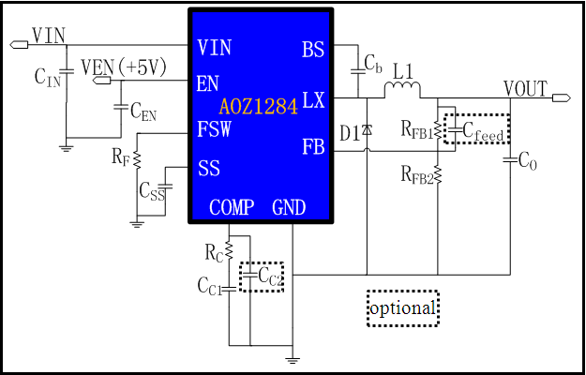
Typical application schematic
 |  |  | Step2: Define the system specification
 |  |  | Enter Application Parameters
 |  |  | Input Voltage: | 12 | V
 |  |  | Output Voltage: | 5 | V
 |  |  | Maximum Output Current: | 0.8 | A
 |  |  | Maximum Output Voltage Ripple%: | 3 | %
 |  |  | Ambient Temperature | 25 | ℃

 |  |  | Step3: RF selection
 |  |  | Switching Frequency needed: | 200 | kHz
 |  |  | Rcommend value for RF : | 250 | kΩ

 |  |  | Step4: Power stage component selection
 |  |  | Inductor Selection (L1)
 |  |  | Recommended L: | 10.42 | µH
 |  |  | Recommended ISATURATE: | 6.00 | A
 |  |  | Enter The Chosen Inductor Value: | 22 | µH
 |  |  | Enter The DCR of Chosen Inductor: | 100 | mΩ

 |  |  | Diode Selection (D1)
 |  |  | Enter The Diode Saturation Voltage: | 0.4 | V

Efficiency vs Load Current
 | Efficiency vs Load Current
0.002667 | 45.93%
0.005333 | 61.98%
0.008000 | 70.14%
0.010667 | 75.09%
0.013333 | 78.40%
0.016000 | 80.77%
0.018667 | 82.55%
0.021333 | 83.94%
0.024000 | 85.05%
0.026667 | 85.96%
0.029333 | 86.71%
0.032000 | 87.35%
0.034667 | 87.90%
0.037333 | 88.37%
0.040000 | 88.78%
0.042667 | 89.14%
0.045333 | 89.46%
0.048000 | 89.75%
0.050667 | 90.01%
0.053333 | 90.24%
0.056000 | 90.45%
0.058667 | 90.64%
0.061333 | 90.81%
0.064000 | 90.97%
0.066667 | 91.12%
0.069333 | 91.25%
0.072000 | 91.38%
0.074667 | 91.49%
0.077333 | 91.60%
0.080000 | 91.70%
0.082667 | 91.79%
0.085333 | 91.87%
0.088000 | 91.95%
0.090667 | 92.03%
0.093333 | 92.10%
0.096000 | 92.17%
0.098667 | 92.23%
0.101333 | 92.29%
0.104000 | 92.34%
0.106667 | 92.39%
0.109333 | 92.44%
0.112000 | 92.49%
0.114667 | 92.53%
0.117333 | 92.57%
0.120000 | 92.61%
0.122667 | 92.65%
0.125333 | 92.68%
0.128000 | 92.71%
0.130667 | 92.74%
0.133333 | 92.77%
...
Calculated Efficiency vs Load Current |  |  | Capacitor Selection (CIN and CO)
 |  |  | Minimum Recommended Input Capacitance: | 22 | µF
 |  |  | Minimum Input Capacitor RMS current rating: | 0.39 | Arms
 |  |  | Minimum Recommended Output Capacitance: | 3 | µF
 |  |  | Maximum Output Capacitor ESR: | 226 | mΩ
 |  |  | Enter The chosen Output Capacitor Value: | 4700 | µF
 |  |  | Enter The chosen Output Capacitor ESR: | 1 | mΩ

 |  |  | Output Voltage Characteristics
 |  |  | Estimated Output Voltage Ripple: | 1 | mV

 |  |  | Step5: Control component selection
 |  |  | Feedback Resistors Selection(RFB1, RFB2)
 |  |  | Enter a Value for RFB2: | 10 | kΩ
 |  |  | Recommended Value for RFB1: | 52.5 | kΩ

 |  |  | Compensation Component Selection (RC, CC1, CC2)
 |  |  | Enter Desired Crossover Frequency: | 10 | kHz
Calculated Bode Plot |  |  | Recommended Value for CC1: | 7.0763515339 | nF
Close loop Gain&Phase
 | Gain (dB) | Phase Margin
1.000 | 71.71 | 160.58101187
1.097 | 71.62 | 158.85357056
1.202 | 71.51 | 157.00103705
1.318 | 71.39 | 155.02182266
1.445 | 71.24 | 152.91774013
1.585 | 71.07 | 150.68798884
1.738 | 70.87 | 148.34110601
1.906 | 70.65 | 145.88402433
2.089 | 70.39 | 143.33009107
2.291 | 70.10 | 140.69192134
2.512 | 69.78 | 137.9882511
2.754 | 69.41 | 135.23813771
3.020 | 69.01 | 132.46099616
3.311 | 68.58 | 129.68099972
3.631 | 68.10 | 126.9171536
3.981 | 67.59 | 124.1905949
4.365 | 67.05 | 121.51927651
4.786 | 66.47 | 118.91930361
5.248 | 65.85 | 116.40291398
5.754 | 65.21 | 113.98095351
6.310 | 64.55 | 111.66040978
6.918 | 63.85 | 109.4468335
7.586 | 63.14 | 107.34285194
8.318 | 62.40 | 105.35056757
9.120 | 61.65 | 103.47001259
10.000 | 60.88 | 101.70141236
10.965 | 60.09 | 100.04401621
12.023 | 59.29 | 98.497930728
13.183 | 58.47 | 97.0626391
14.454 | 57.65 | 95.738424733
15.849 | 56.81 | 94.522360843
17.378 | 55.97 | 93.414949164
19.055 | 55.11 | 92.413213516
20.893 | 54.26 | 91.514396744
22.909 | 53.40 | 90.71285003
25.119 | 52.54 | 90.002495657
27.542 | 51.68 | 89.375087443
30.200 | 50.82 | 88.820892161
33.113 | 49.96 | 88.329992033
36.308 | 49.11 | 87.890930995
39.811 | 48.26 | 87.492667524
43.652 | 47.41 | 87.124123647
47.863 | 46.57 | 86.774784207
52.481 | 45.74 | 86.434654646
57.544 | 44.90 | 86.09470177
63.096 | 44.07 | 85.746513808
69.183 | 43.25 | 85.382553287
75.858 | 42.42 | 84.995775492
83.176 | 41.60 | 84.579838369
91.201 | 40.78 | 84.128598747
...
 |  |  | Recommended Value for RC: | 1153.3607163 | kΩ
 |  |  | Recommended Value for CC2: | 0 | pF
 |  |  | Recommend Value for Cfeedforward: | 2288.7708219 | pF
 |  |  | Enter The Chosen Value for CC1: | 6.8 | nF
 |  |  | Enter The Chosen Value for RC: | 1000 | kΩ
 |  |  | Enter The Chosen Value for CC2: | 150 | pF
 |  |  | Enter The Chosen Value for Cfeedforward: | 0 | pF

 |  |  | Loop Characteristics
 |  |  | Expected Crossover Frequency: | 3.3113 | kHz
 |  |  | Expected Phase Margin: | 11.499380812 | °

 |  |  | Step6: Thermal Performance
 |  |  | Thermal Characteristics
 |  |  | Internal Power Dissipation: | 0.040509945621 | W
 |  |  | Junction Temperature: | 27.511616628 | ℃

 |  |  | For datasheets,evaluation note,please visit: www.aosmd.com

