EZBuck design calculator
EZBuck Design Spreadsheet |  | Rev. 1.0
Yellow cell | is the input parameters
Blue cell | is the calculated parameters
 | is the cell with comment |  | Step1: Buck regulator IC selection
 |  |  | 4
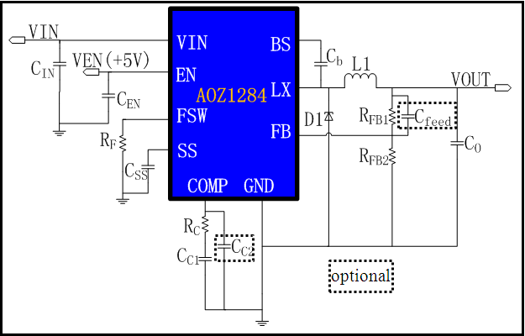
Typical application schematic
 |  |  | Step2: Define the system specification
 |  |  | Enter Application Parameters
 |  |  | Input Voltage: | 12 | V
 |  |  | Output Voltage: | 6 | V
 |  |  | Maximum Output Current: | 0.8 | A
 |  |  | Maximum Output Voltage Ripple%: | 3 | %
 |  |  | Ambient Temperature | 25 | ℃

 |  |  | Step3: RF selection
 |  |  | Switching Frequency needed: | 200 | kHz
 |  |  | Rcommend value for RF : | 250 | kΩ

 |  |  | Step4: Power stage component selection
 |  |  | Inductor Selection (L1)
 |  |  | Recommended L: | 10.71 | µH
 |  |  | Recommended ISATURATE: | 6.00 | A
 |  |  | Enter The Chosen Inductor Value: | 22 | µH
 |  |  | Enter The DCR of Chosen Inductor: | 100 | mΩ

 |  |  | Diode Selection (D1)
 |  |  | Enter The Diode Saturation Voltage: | 0.4 | V

Efficiency vs Load Current
 | Efficiency vs Load Current
0.002667 | 50.62%
0.005333 | 66.41%
0.008000 | 74.12%
0.010667 | 78.68%
0.013333 | 81.69%
0.016000 | 83.83%
0.018667 | 85.43%
0.021333 | 86.66%
0.024000 | 87.65%
0.026667 | 88.45%
0.029333 | 89.11%
0.032000 | 89.67%
0.034667 | 90.15%
0.037333 | 90.57%
0.040000 | 90.93%
0.042667 | 91.24%
0.045333 | 91.52%
0.048000 | 91.77%
0.050667 | 92.00%
0.053333 | 92.20%
0.056000 | 92.38%
0.058667 | 92.54%
0.061333 | 92.70%
0.064000 | 92.83%
0.066667 | 92.96%
0.069333 | 93.08%
0.072000 | 93.18%
0.074667 | 93.28%
0.077333 | 93.37%
0.080000 | 93.46%
0.082667 | 93.54%
0.085333 | 93.61%
0.088000 | 93.68%
0.090667 | 93.75%
0.093333 | 93.81%
0.096000 | 93.86%
0.098667 | 93.92%
0.101333 | 93.97%
0.104000 | 94.02%
0.106667 | 94.06%
0.109333 | 94.10%
0.112000 | 94.14%
0.114667 | 94.18%
0.117333 | 94.21%
0.120000 | 94.25%
0.122667 | 94.28%
0.125333 | 94.31%
0.128000 | 94.34%
0.130667 | 94.36%
0.133333 | 94.39%
...
Calculated Efficiency vs Load Current |  |  | Capacitor Selection (CIN and CO)
 |  |  | Minimum Recommended Input Capacitance: | 22 | µF
 |  |  | Minimum Input Capacitor RMS current rating: | 0.40 | Arms
 |  |  | Minimum Recommended Output Capacitance: | 2 | µF
 |  |  | Maximum Output Capacitor ESR: | 264 | mΩ
 |  |  | Enter The chosen Output Capacitor Value: | 4700 | µF
 |  |  | Enter The chosen Output Capacitor ESR: | 1 | mΩ

 |  |  | Output Voltage Characteristics
 |  |  | Estimated Output Voltage Ripple: | 1 | mV

 |  |  | Step5: Control component selection
 |  |  | Feedback Resistors Selection(RFB1, RFB2)
 |  |  | Enter a Value for RFB2: | 10 | kΩ
 |  |  | Recommended Value for RFB1: | 65 | kΩ

 |  |  | Compensation Component Selection (RC, CC1, CC2)
 |  |  | Enter Desired Crossover Frequency: | 10 | kHz
Calculated Bode Plot |  |  | Recommended Value for CC1: | 6.4770849143 | nF
Close loop Gain&Phase
 | Gain (dB) | Phase Margin
1.000 | 70.84 | 160.37987672
1.097 | 70.75 | 158.63318759
1.202 | 70.64 | 156.75960248
1.318 | 70.51 | 154.75737427
1.445 | 70.37 | 152.62816414
1.585 | 70.19 | 150.37095005
1.738 | 70.00 | 147.99411908
1.906 | 69.77 | 145.5043907
2.089 | 69.51 | 142.91493888
2.291 | 69.22 | 140.23815437
2.512 | 68.89 | 137.49260245
2.754 | 68.53 | 134.69715662
3.020 | 68.13 | 131.8710494
3.311 | 67.69 | 129.03838107
3.631 | 67.21 | 126.21804868
3.981 | 66.69 | 123.43121711
4.365 | 66.14 | 120.69594311
4.786 | 65.55 | 118.0285828
5.248 | 64.93 | 115.44176581
5.754 | 64.28 | 112.94698092
6.310 | 63.60 | 110.55208403
6.918 | 62.90 | 108.26382831
7.586 | 62.17 | 106.08635927
8.318 | 61.41 | 104.0237093
9.120 | 60.64 | 102.07819492
10.000 | 59.85 | 100.25272863
10.965 | 59.03 | 98.549546673
12.023 | 58.21 | 96.971993224
13.183 | 57.36 | 95.522849181
14.454 | 56.51 | 94.205588251
15.849 | 55.64 | 93.020215156
17.378 | 54.76 | 91.969629918
19.055 | 53.88 | 91.052660563
20.893 | 52.99 | 90.267502853
22.909 | 52.10 | 89.60884302
25.119 | 51.21 | 89.070076693
27.542 | 50.32 | 88.641957406
30.200 | 49.43 | 88.313489155
33.113 | 48.55 | 88.072994086
36.308 | 47.67 | 87.907715501
39.811 | 46.80 | 87.805249409
43.652 | 45.94 | 87.753640998
47.863 | 45.08 | 87.741888891
52.481 | 44.23 | 87.760174441
57.544 | 43.39 | 87.799980853
63.096 | 42.55 | 87.854112563
69.183 | 41.72 | 87.916600383
75.858 | 40.89 | 87.9826245
83.176 | 40.07 | 88.048316032
91.201 | 39.25 | 88.110664918
...
 |  |  | Recommended Value for RC: | 1369.8686212 | kΩ
 |  |  | Recommended Value for CC2: | 0 | pF
 |  |  | Recommend Value for Cfeedforward: | 925.62480695 | pF
 |  |  | Enter The Chosen Value for CC1: | 6.8 | nF
 |  |  | Enter The Chosen Value for RC: | 1000 | kΩ
 |  |  | Enter The Chosen Value for CC2: | 0 | pF
 |  |  | Enter The Chosen Value for Cfeedforward: | 0 | pF

 |  |  | Loop Characteristics
 |  |  | Expected Crossover Frequency: | 7.2444 | kHz
 |  |  | Expected Phase Margin: | 55.828134129 | °

 |  |  | Step6: Thermal Performance
 |  |  | Thermal Characteristics
 |  |  | Internal Power Dissipation: | 0.043445465186 | W
 |  |  | Junction Temperature: | 27.693618842 | ℃

 |  |  | For datasheets,evaluation note,please visit: www.aosmd.com

