EZBuck design calculator
EZBuck Design Spreadsheet |  | Rev. 1.0
Yellow cell | is the input parameters
Blue cell | is the calculated parameters
 | is the cell with comment |  | Step1: Buck regulator IC selection
 |  |  | 4
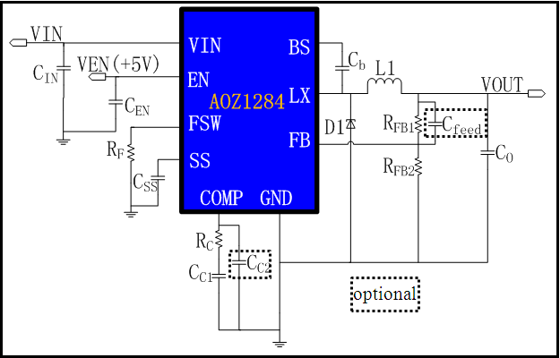
Typical application schematic
 |  |  | Step2: Define the system specification
 |  |  | Enter Application Parameters
 |  |  | Input Voltage: | 12 | V
 |  |  | Output Voltage: | 5 | V
 |  |  | Maximum Output Current: | 0.8 | A
 |  |  | Maximum Output Voltage Ripple%: | 3 | %
 |  |  | Ambient Temperature | 25 | ℃

 |  |  | Step3: RF selection
 |  |  | Switching Frequency needed: | 200 | kHz
 |  |  | Rcommend value for RF : | 250 | kΩ

 |  |  | Step4: Power stage component selection
 |  |  | Inductor Selection (L1)
 |  |  | Recommended L: | 10.42 | µH
 |  |  | Recommended ISATURATE: | 6.00 | A
 |  |  | Enter The Chosen Inductor Value: | 22 | µH
 |  |  | Enter The DCR of Chosen Inductor: | 100 | mΩ

 |  |  | Diode Selection (D1)
 |  |  | Enter The Diode Saturation Voltage: | 0.4 | V

Efficiency vs Load Current
 | Efficiency vs Load Current
0000000 | 43.51%
0000000 | 59.74%
0000000 | 68.21%
0000000 | 73.42%
0000000 | 76.94%
0000000 | 79.48%
0000000 | 81.39%
0000000 | 82.89%
0000000 | 84.09%
0000000 | 85.07%
0000000 | 85.89%
0000000 | 86.59%
0000000 | 87.18%
0000000 | 87.70%
0000000 | 88.15%
0000000 | 88.55%
0000000 | 88.90%
0000000 | 89.21%
0000000 | 89.50%
0000000 | 89.75%
0000000 | 89.98%
0000000 | 90.19%
0000000 | 90.38%
0000000 | 90.56%
0000000 | 90.72%
0000000 | 90.87%
0000000 | 91.00%
0000000 | 91.13%
0000000 | 91.25%
0000000 | 91.36%
0000000 | 91.46%
0000000 | 91.56%
0000000 | 91.65%
0000000 | 91.73%
0000000 | 91.81%
0000000 | 91.88%
0000000 | 91.95%
0000000 | 92.02%
0000000 | 92.08%
0000000 | 92.13%
0000000 | 92.19%
0000000 | 92.24%
0000000 | 92.29%
0000000 | 92.34%
0000000 | 92.38%
0000000 | 92.42%
0000000 | 92.46%
0000000 | 92.50%
0000000 | 92.53%
0000000 | 92.57%
...
Calculated Efficiency vs Load Current |  |  | Capacitor Selection (CIN and CO)
 |  |  | Minimum Recommended Input Capacitance: | 22 | µF
 |  |  | Minimum Input Capacitor RMS current rating: | 0.39 | Arms
 |  |  | Minimum Recommended Output Capacitance: | 3 | µF
 |  |  | Maximum Output Capacitor ESR: | 226 | mΩ
 |  |  | Enter The chosen Output Capacitor Value: | 4700 | µF
 |  |  | Enter The chosen Output Capacitor ESR: | 45 | mΩ

 |  |  | Output Voltage Characteristics
 |  |  | Estimated Output Voltage Ripple: | 30 | mV

 |  |  | Step5: Control component selection
 |  |  | Feedback Resistors Selection(RFB1, RFB2)
 |  |  | Enter a Value for RFB2: | 10 | kΩ
 |  |  | Recommended Value for RFB1: | 52.5 | kΩ

 |  |  | Compensation Component Selection (RC, CC1, CC2)
 |  |  | Enter Desired Crossover Frequency: | 20 | kHz
Calculated Bode Plot |  |  | Recommended Value for CC1: | 2.7042754951 | nF
Close loop Gain&Phase
 | Gain (dB) | Phase Margin
0001 | 72.16 | 172.83076926
0001 | 72.15 | 172.14131029
0001 | 72.14 | 171.38615684
0001 | 72.13 | 170.55918752
0001 | 72.12 | 169.65438193
0002 | 72.11 | 168.66300731
0002 | 72.09 | 167.57864146
0002 | 72.07 | 166.39224991
0002 | 72.04 | 165.09580414
0002 | 72.01 | 163.67883891
0003 | 71.97 | 162.13209711
0003 | 71.93 | 160.44486133
0003 | 71.87 | 158.60516716
0003 | 71.81 | 156.60349773
0004 | 71.73 | 154.42686606
0004 | 71.64 | 152.06470123
0004 | 71.54 | 149.50586599
0005 | 71.41 | 146.74055327
0005 | 71.26 | 143.75895184
0006 | 71.08 | 140.55459327
0006 | 70.88 | 137.12194565
0007 | 70.64 | 133.45983604
0008 | 70.36 | 129.56930602
0008 | 70.03 | 125.45750612
0009 | 69.66 | 121.13449179
0010 | 69.23 | 116.61731949
0011 | 68.74 | 111.92679987
0012 | 68.19 | 107.09168659
0013 | 67.58 | 102.14403597
0014 | 66.90 | 97.123351766
0016 | 66.14 | 92.060525078
0017 | 65.32 | 87.003772041
0019 | 64.42 | 81.991183344
0021 | 63.46 | 77.0666814
0023 | 62.43 | 72.264340688
0025 | 61.34 | 67.62111303
0028 | 60.19 | 63.165919618
0030 | 58.98 | 58.9211256
0033 | 57.72 | 54.910124948
0036 | 56.42 | 51.143799353
0040 | 55.07 | 47.632990865
0044 | 53.69 | 44.382387458
0048 | 52.28 | 41.393729712
0052 | 50.84 | 38.664509843
0058 | 49.38 | 36.191540669
0063 | 47.90 | 33.968735597
0069 | 46.40 | 31.989884701
0076 | 44.89 | 30.247331173
0083 | 43.36 | 28.734099184
0091 | 41.83 | 27.442565274
...
 |  |  | Recommended Value for RC: | 3018.0304814 | kΩ
 |  |  | Recommended Value for CC2: | 60.078815076 | pF
 |  |  | Recommend Value for Cfeedforward: | 4781.8832876 | pF
 |  |  | Enter The Chosen Value for CC1: | 1.5 | nF
 |  |  | Enter The Chosen Value for RC: | 10 | kΩ
 |  |  | Enter The Chosen Value for CC2: | 0 | pF
 |  |  | Enter The Chosen Value for Cfeedforward: | 0 | pF

 |  |  | Loop Characteristics
 |  |  | Expected Crossover Frequency: | 1.5849 | kHz
 |  |  | Expected Phase Margin: | 69.017670335 | °

 |  |  | Step6: Thermal Performance
 |  |  | Thermal Characteristics
 |  |  | Internal Power Dissipation: | 0.040509945621 | W
 |  |  | Junction Temperature: | 27.511616628 | ℃

 |  |  | For datasheets,evaluation note,please visit: www.aosmd.com

