EZBuck design calculator
EZBuck Design Spreadsheet |  | Rev. 1.0
Yellow cell | is the input parameters
Blue cell | is the calculated parameters
 | is the cell with comment |  | Step1: Buck regulator IC selection
 |  |  | 4
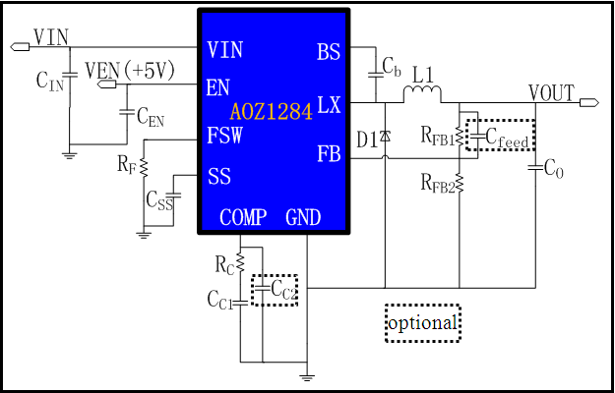
Typical application schematic
 |  |  | Step2: Define the system specification
 |  |  | Enter Application Parameters
 |  |  | Input Voltage: | 12 | V
 |  |  | Output Voltage: | 5 | V
 |  |  | Maximum Output Current: | 0.8 | A
 |  |  | Maximum Output Voltage Ripple%: | 3 | %
 |  |  | Ambient Temperature | 25 | ℃

 |  |  | Step3: RF selection
 |  |  | Switching Frequency needed: | 200 | kHz
 |  |  | Rcommend value for RF : | 250 | kΩ

 |  |  | Step4: Power stage component selection
 |  |  | Inductor Selection (L1)
 |  |  | Recommended L: | 10.42 | µH
 |  |  | Recommended ISATURATE: | 6.00 | A
 |  |  | Enter The Chosen Inductor Value: | 22 | µH
 |  |  | Enter The DCR of Chosen Inductor: | 100 | mΩ

 |  |  | Diode Selection (D1)
 |  |  | Enter The Diode Saturation Voltage: | 0.4 | V

Efficiency vs Load Current
 | Efficiency vs Load Current
0000000 | 45.93%
0000000 | 61.98%
0000000 | 70.14%
0000000 | 75.09%
0000000 | 78.40%
0000000 | 80.77%
0000000 | 82.55%
0000000 | 83.94%
0000000 | 85.05%
0000000 | 85.96%
0000000 | 86.71%
0000000 | 87.35%
0000000 | 87.90%
0000000 | 88.37%
0000000 | 88.78%
0000000 | 89.14%
0000000 | 89.46%
0000000 | 89.75%
0000000 | 90.01%
0000000 | 90.24%
0000000 | 90.45%
0000000 | 90.64%
0000000 | 90.81%
0000000 | 90.97%
0000000 | 91.12%
0000000 | 91.25%
0000000 | 91.38%
0000000 | 91.49%
0000000 | 91.60%
0000000 | 91.70%
0000000 | 91.79%
0000000 | 91.87%
0000000 | 91.95%
0000000 | 92.03%
0000000 | 92.10%
0000000 | 92.17%
0000000 | 92.23%
0000000 | 92.29%
0000000 | 92.34%
0000000 | 92.39%
0000000 | 92.44%
0000000 | 92.49%
0000000 | 92.53%
0000000 | 92.57%
0000000 | 92.61%
0000000 | 92.65%
0000000 | 92.68%
0000000 | 92.71%
0000000 | 92.74%
0000000 | 92.77%
...
Calculated Efficiency vs Load Current |  |  | Capacitor Selection (CIN and CO)
 |  |  | Minimum Recommended Input Capacitance: | 22 | µF
 |  |  | Minimum Input Capacitor RMS current rating: | 0.39 | Arms
 |  |  | Minimum Recommended Output Capacitance: | 3 | µF
 |  |  | Maximum Output Capacitor ESR: | 226 | mΩ
 |  |  | Enter The chosen Output Capacitor Value: | 4700 | µF
 |  |  | Enter The chosen Output Capacitor ESR: | 1 | mΩ

 |  |  | Output Voltage Characteristics
 |  |  | Estimated Output Voltage Ripple: | 1 | mV

 |  |  | Step5: Control component selection
 |  |  | Feedback Resistors Selection(RFB1, RFB2)
 |  |  | Enter a Value for RFB2: | 10 | kΩ
 |  |  | Recommended Value for RFB1: | 52.5 | kΩ

 |  |  | Compensation Component Selection (RC, CC1, CC2)
 |  |  | Enter Desired Crossover Frequency: | 10 | kHz
Calculated Bode Plot |  |  | Recommended Value for CC1: | 7.0763515339 | nF
Close loop Gain&Phase
 | Gain (dB) | Phase Margin
0001 | 71.71 | 160.58101187
0001 | 71.62 | 158.85357056
0001 | 71.51 | 157.00103705
0001 | 71.39 | 155.02182266
0001 | 71.24 | 152.91774013
0002 | 71.07 | 150.68798884
0002 | 70.87 | 148.34110601
0002 | 70.65 | 145.88402433
0002 | 70.39 | 143.33009107
0002 | 70.10 | 140.69192134
0003 | 69.78 | 137.9882511
0003 | 69.41 | 135.23813771
0003 | 69.01 | 132.46099616
0003 | 68.58 | 129.68099972
0004 | 68.10 | 126.9171536
0004 | 67.59 | 124.1905949
0004 | 67.05 | 121.51927651
0005 | 66.47 | 118.91930361
0005 | 65.85 | 116.40291398
0006 | 65.21 | 113.98095351
0006 | 64.55 | 111.66040978
0007 | 63.85 | 109.4468335
0008 | 63.14 | 107.34285194
0008 | 62.40 | 105.35056757
0009 | 61.65 | 103.47001259
0010 | 60.88 | 101.70141236
0011 | 60.09 | 100.04401621
0012 | 59.29 | 98.497930728
0013 | 58.47 | 97.0626391
0014 | 57.65 | 95.738424733
0016 | 56.81 | 94.522360843
0017 | 55.97 | 93.414949164
0019 | 55.11 | 92.413213516
0021 | 54.26 | 91.514396744
0023 | 53.40 | 90.71285003
0025 | 52.54 | 90.002495657
0028 | 51.68 | 89.375087443
0030 | 50.82 | 88.820892161
0033 | 49.96 | 88.329992033
0036 | 49.11 | 87.890930995
0040 | 48.26 | 87.492667524
0044 | 47.41 | 87.124123647
0048 | 46.57 | 86.774784207
0052 | 45.74 | 86.434654646
0058 | 44.90 | 86.09470177
0063 | 44.07 | 85.746513808
0069 | 43.25 | 85.382553287
0076 | 42.42 | 84.995775492
0083 | 41.60 | 84.579838369
0091 | 40.78 | 84.128598747
...
 |  |  | Recommended Value for RC: | 1153.3607163 | kΩ
 |  |  | Recommended Value for CC2: | 0 | pF
 |  |  | Recommend Value for Cfeedforward: | 2288.7708219 | pF
 |  |  | Enter The Chosen Value for CC1: | 6.8 | nF
 |  |  | Enter The Chosen Value for RC: | 1000 | kΩ
 |  |  | Enter The Chosen Value for CC2: | 150 | pF
 |  |  | Enter The Chosen Value for Cfeedforward: | 0 | pF

 |  |  | Loop Characteristics
 |  |  | Expected Crossover Frequency: | 3.3113 | kHz
 |  |  | Expected Phase Margin: | 11.499380812 | °

 |  |  | Step6: Thermal Performance
 |  |  | Thermal Characteristics
 |  |  | Internal Power Dissipation: | 0.040509945621 | W
 |  |  | Junction Temperature: | 27.511616628 | ℃

 |  |  | For datasheets,evaluation note,please visit: www.aosmd.com

