duplicates
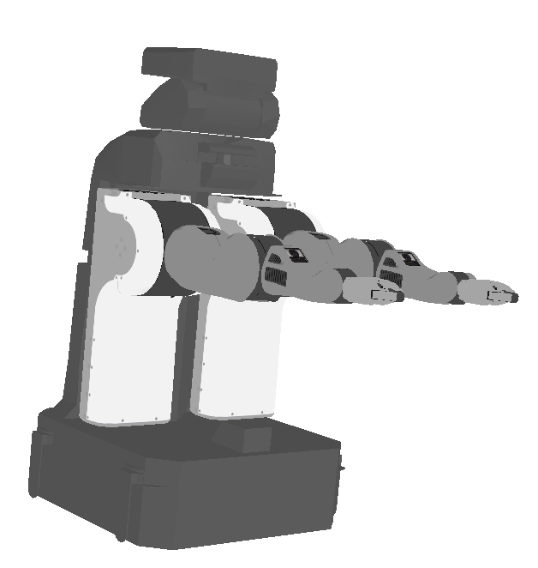

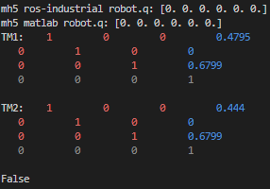
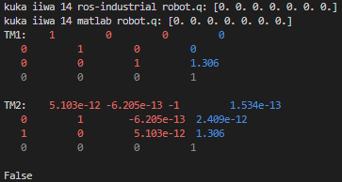
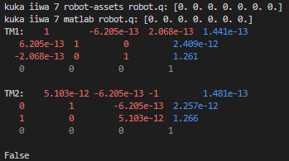
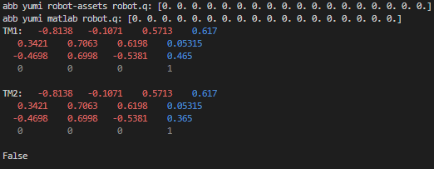
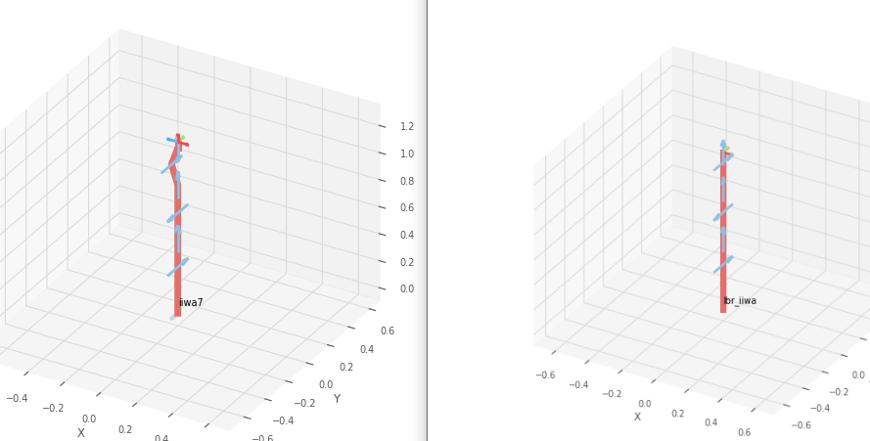
Robot | Type | Source | Manufacturer | # URDF files | Differences in links and joints | Differences in meshes | Difference in FK zero position
ur5 | robotic arm | robot-assets | universal robots | 1 | None | None | No
ur5 | robotic arm | matlab | universal robots | 1
ur10 | robotic arm | robot-assets | universal robots | 1 | None | None | No
ur10 | robotic arm | matlab | universal robots | 1
valkyrie | humanoid robot | matlab | NASA | 1 | difference in number of URDF files, links, joints, names, etc. | None
valkyrie | humanoid robot | robot-assets | NASA | 16
yumi | dual arm robot | robot-assets | abb | 1 | robot-assets URDF has one extra link and joint, which is named 'world' | None | Yes, z-axis translation is smaller in matlab
yumi | dual arm robot | matlab | abb | 1
Kuka iiwa | robotic arm | robot-assets | kuka | 1 | matlab URDF has 3 extra links and joints, which seem to be related to be for end effectors | One URDF uses .obj for visualisation | Yes, in rotation and translation in z
Kuka iiwa 7 | robotic arm | matlab | Kuka | 1
Kuka iiwa 14 | robotic arm | matlab | Kuka | 1 | matlab URDF has one extra link and joint which is the world link | One URDF uses .obj for visualisation | Yes, in rotation
kuka lbr iiwa 14 r829 | robotic arm | ros-industrial | kuka | 1
motoman mh5 | robotic arm | ros-industrial | Yaskawa Motoman Robotics | 1 | None | None | Yes, x-axis translation is smaller in ros-industrial URDF
motoman mh5 | robotic arm | matlab | Yaskawa Motoman Robotics | 1
Franka panda | robotic arm | robot-assets | Franka Emika | 1 | robot-assets URDF has two extra links and joints, world and end effector frame | None | No
Franka panda | robotic arm | matlab | Franka Emika | 1
PR2 | mobile manipulator | robot-assets | Willow Garage | 1 | matlab URDF has 49 more links and 58 more joints | None
PR2 | mobile manipulator | matlab | Willow Garage | 1

analysis
Row Labels | Count of Type
2-finger gripper | 2
3-finger gripper | 3
dual arm robot | 5
humanoid robot | 7
mobile manipulator | 4
mobile robot | 13
quadrupedal robot | 1
robotic arm | 36
robotic arm with 2f gripper | 4
robotic arm with 3f gripper | 5
Grand Total | 80

Row Labels | Count of Type
matlab | 46
random git repos | 1
robot-assets | 15
ros-industrial | 18
Grand Total | 80

Count of Type | Column Labels
Row Labels | matlab | random git repos | robot-assets | ros-industrial | Grand Total
abb | 4 |  | 1 | 4 | 9
Adept MobileRobots | 3 |  |  |  | 3
 | matlab | random git repos | robot-assets | ros-industrial
abb | 4 |  | 1 | 4
Adept MobileRobots | 3
ANYbotics |  |  | 1
Barret Technology |  |  | 1
Boston Dynamics | 1
Clearpath robotics | 3
Fanuc | 2
Fetch Robotics |  |  | 1
Fictitious character |  |  | 1
Franka Emika | 1 |  | 1
Halodi Robotics |  |  | 1
Kinova Robotics | 12 |  | 1
kuka | 2 |  | 1 | 4
NASA | 1 |  | 1
Paaila Technology |  |  | 1
Quanser | 3
Rethink Robotics | 2
robotiq |  |  | 1 | 3
Robotis | 7
schunk |  | 1
staubli |  |  |  | 2
universal robots | 3 |  | 2
Willow Garage | 1 |  | 1
Yaskawa Motoman Robotics | 1 |  |  | 5
ANYbotics |  |  | 1 |  | 1
Barret Technology |  |  | 1 |  | 1
Boston Dynamics | 1 |  |  |  | 1
Clearpath robotics | 3 |  |  |  | 3
Fanuc | 2 |  |  |  | 2
Fetch Robotics |  |  | 1 |  | 1
Fictitious character |  |  | 1 |  | 1
Franka Emika | 1 |  | 1 |  | 2
Halodi Robotics |  |  | 1 |  | 1
Kinova Robotics | 12 |  | 1 |  | 13
kuka | 2 |  | 1 | 4 | 7
NASA | 1 |  | 1 |  | 2
Paaila Technology |  |  | 1 |  | 1
Quanser | 3 |  |  |  | 3
Rethink Robotics | 2 |  |  |  | 2
robotiq |  |  | 1 | 3 | 4
Robotis | 7 |  |  |  | 7
schunk |  | 1 |  |  | 1
staubli |  |  |  | 2 | 2
universal robots | 3 |  | 2 |  | 5
Willow Garage | 1 |  | 1 |  | 2
Yaskawa Motoman Robotics | 1 |  |  | 5 | 6
Grand Total | 46 | 1 | 15 | 18 | 80

Count of Manufacturer provides URDF file | Column Labels
Row Labels | N/A | No | Yes | Grand Total
abb |  | 1 |  | 1
Adept MobileRobots |  |  | 1 | 1
ANYbotics |  |  | 1 | 1
Barret Technology |  | 1 |  | 1
Boston Dynamics |  |  | 1 | 1
Clearpath robotics |  |  | 1 | 1
Fanuc |  | 1 |  | 1
Fetch Robotics |  | 1 |  | 1
Fictitious character | 1 |  |  | 1
Franka Emika |  |  | 1 | 1
Halodi Robotics |  |  | 1 | 1
Kinova Robotics |  |  | 1 | 1
kuka |  | 1 |  | 1
NASA |  | 1 |  | 1
Paaila Technology |  | 1 |  | 1
Quanser |  |  | 1 | 1
Rethink Robotics |  |  | 1 | 1
robotiq |  | 1 |  | 1
Robotis |  |  | 1 | 1
schunk |  | 1 |  | 1
staubli |  | 1 |  | 1
universal robots |  |  | 1 | 1
Willow Garage |  |  | 1 | 1
Yaskawa Motoman Robotics |  | 1 |  | 1
Grand Total | 1 | 11 | 12 | 24

Row Labels | Count of Accessed
N/A | 1
No | 13
Yes | 10
Grand Total | 24

Row Labels | Count of Manufacturer provides URDF file
N/A | 1
No | 11
Yes | 12
Grand Total | 24

