Cover_Sheet
Monthly Birth Registrations
Registration based data presented in this spreadsheet are final for the years up to and including 2024, but provisional and subject to change thereafter.
Information on the quality of births data is available from the Background Quality Report for births at the link below
BQR Births
Date of release: 11 March 2026
Date of next Release: 13 April 2026
These tables, as well as previous reports, are available from the NISRA website at the
Monthly Births webpage
This is an Official Statistics publication.
Accredited official statistics are called National Statistics in the Statistics and Registration Service Act 2007 (https://osr.statisticsauthority.gov.uk/accredited-official-statistics/).
Accredited official statistics are produced to high professional standards set out in the Code of Practice for Official Statistics. They are produced free from any political interference.
This publication contains Official Statistics. Our statistical practice is regulated by the Office for Statistics Regulation (OSR).
Official Statistics are statistics which have not been independently reviewed by the Office for Statistical Regulation (OSR) and
so are not yet accredited. OSR sets the standards of trustworthiness, quality and value in the Code of Practice for Statistics that all producers of official statistics should adhere to.
Vital Statistics publications seek to apply the Code of Practice to ensure that outputs:
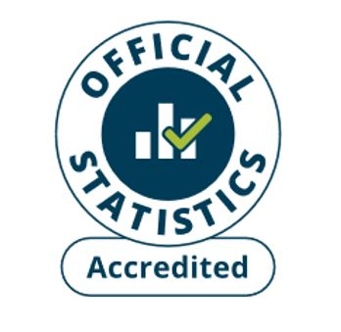
- meet identified and intended user needs;
- are well explained, relevant and readily accessible;
- are produced according to sound methods, systems and processes, and
- are managed impartially and objectively in the public interest.
You are welcome to contact us directly with any comments about how we meet these standards.
Alternatively, you can contact OSR by emailing regulation@statistics.gov.uk or via the OSR website.
Contact Information
If you have any queries about this publication please contact our Customer Services Section at:
Customer Services
Northern Ireland Statistics and Research Agency
Colby House
Stranmillis Court
Belfast BT9 5RR
Phone: +44 (0)300 200 7836
email: info@nisra.gov.uk
Responsible Statistician: Suzanne Napier
User Feedback
We are constantly trying to improve our service and would like to hear your feedback on how we are doing.
Please use the contacts details above to let us know your thoughts.
Customer Survey
Would you like to sign up to our User List to receive info on our latest releases?
Add Me to the User list

