Hoja1
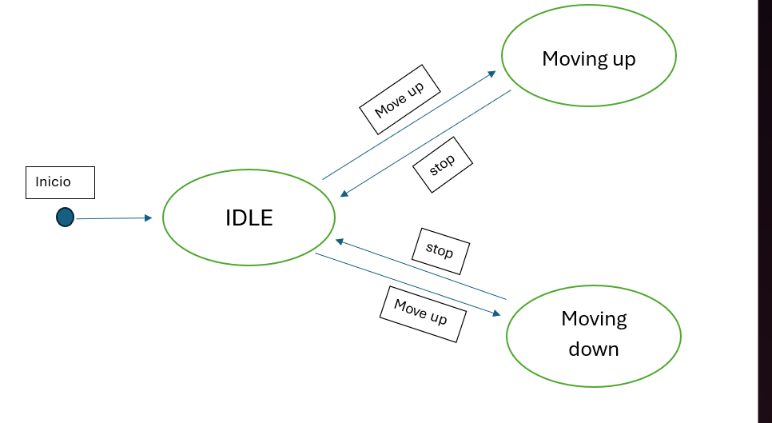
Function that validates credit card numbers: - Valid card numbers: Length between 13 and 16 digits, containing only numeric digits.

Ejercicio_1
Input (Cards number) | Outpout | Answer
1234567891234 | true | 16 => longitud >=13 y es solo numerica
1234567899876540 | true | 16 => longitud >=13 y es solo numerica
12345678998765400 | false | longitud > 16
123456789123 | false | longitud < 13
123456789123ABC | false | valor no numericos

2. Function that validates dates. - Valid years: Between 1900 and 2100. - Valid months: Between 1 and 12. - Valid days: Between 1 and 31.

Ejercicio_2
Input (date) | Outpout | Answer
01/01/1900 | True | year >= 1900 y months >= 1 y days >= 1
31/12/2100 | True | year <= 2100 y months <= 12 y days <= 31
32/13/2101 | false | no se cumple que year <= 2100 y months <= 12 y days <= 32
00/00/1899 | false | No se cumple que year >= 1900 y months >= 1 y days >= 1

3. Function that checks the eligibility of a passenger to book a flight. - Eligible ages: Between 18 and 65. - Frequent flyers: True or False.

Ejercicio_3
Input (age) | Input (frequent) | Outpout | Answer
18 | True | True | age >= 18 y frequent flyers = True
18 | False | False | No se cumple con frequent flyers = True
65 | True | True | age <= 65 y frequent flyers = True
65 | False | False | No se cumple con frequent flyers = True
17 | True or false | False | No se cumple con age >= 18
66 | False or false | False | No se cumple con age <= 65

4. Function that validates URLs. - Valid URLs: Length less than or equal to 255, starting with "http://" or "https://".

Ejercicio_4
Input (URLs) | Outpout | Answer
http://google.com…(255 length) | True | length <=255 y empieza =http://
https://google.com…(255 length) | True | length <=255 y empieza =https://
google.com…(255 length) | False | No cumple con "Empieza con https:// o http://"
http://google.com…(256 length) | False | No cumle con length <=255
https://google.com…(256 length) | False | No cumle con length <=255

Boundary Value Analysis

1. Function that calculates the eligibility of a person for a loan based on their income and credit score. The eligibility rules are as follows: - If the income is less than $30,000, the person is not eligible for a loan. - If the income is between $30,000 and $60,000 (inclusive) and the credit score is above 700, the person is eligible for a standard loan. - If the income is between $30,000 and $60,000 (inclusive) and the credit score is below or equal to 700, the person is eligible for a secured loan. - If the income is greater than $60,000 and the credit score is above 750, the person is eligible for a premium loan. - If the income is greater than $60,000 and the credit score is between 700 and 750 (inclusive), the person is eligible for a standard loan.

Ejercicio_5
Test para el Income
Income | Validacion | Credit Score | Output
29,999 | invalido (Income < 30,000) | 750 | No elegible
30,000 | valido | 750 | Standard loan
60,000 | valido | 750 | Standard loan
60,001 | valido | 751 | Premium loan

Test para el Credit Score (rango 30,000 y 60,000)
Income | Credit Score | Validacion | Output
40,000 | 699 | valido | Secured loan
40,000 | 700 | valido | Secured loan
40,000 | 701 | valido | Standard loan

Test para el Credit Score (ingresos > 60,000)
Income | Credit Score | Validacion | Output
70,000 | 699 (credit score < 700) | invalido | No elegible
70,000 | 700 | valido | Standard loan
70,000 | 750 | valido | Standard loan
70,000 | 751 | valido | Premium loan

2. Function that determines the category of a product in an e-commerce system based on its price. The product categories and pricing rules are as follows: - Category A: Products priced between $10 and $50 (inclusive). - Category B: Products priced between $51 and $100 (inclusive). - Category C: Products priced between $101 and $200 (inclusive). - Category D: Products priced above $200.

Ejercicio_6

Price | Validacion | Categoria
9 | Invalido | sin categoria
10 | valido | A
50 | valido | A
51 | valido | B
100 | valido | B
101 | valido | C
200 | valido | C
201 | valido | D

Function that calculates the cost of shipping for packages based on their weight and dimensions. The shipping cost rules are as follows: - If the weight of the package is less than or equal to 1 kg and the dimensions (length, width, and height) are each less than or equal to 10 cm, the cost is $5. - If the weight is between 1 and 5 kg (inclusive) and the dimensions are each between 11 and 30 cm (inclusive), the cost is $10. - If the weight is greater than 5 kg or any of the dimensions is greater than 30 cm, the cost is $20.

Ejercicio_7

Weight (kg) | dimensions (cm) | validacion | cost
0.9 | 9x9x9 | valido | 5
0.9 | 11x11x11 | invalido por dimensiones | error
1 | 10x10x10 | valido | 5
1.1 | 11x11x11 | valido | 10
1.1 | 10x10x10 | invalido por dimensiones | error
5 | 30x30x30 | valido | 10
5 | 31x31x31 | valido | 20
5.1 | 31x31x31 | valido | 20

decision table

Create the decision table for a system that provides weather advisories based on temperature and humidity. The rules are: - Weather recommendation "High temperature and humidity. Stay hydrated." for temperature > 30 and humidity > 70. - Weather recommendation "Low temperature. Don't forget your jacket!" for temperature < 0 and any humidity. - No weather recommendation for any other temperature and humidity combination.

Ejercicio_8

Temperature | humidity | Weather recommendation
>30 | >70 | "High temperature and humidity. Stay hydrated."
<0 | Cualquiera | "Low temperature. Don't forget your jacket!"
0-30 | >70 | no recomendaciones
0-30 | <71 | no recomendaciones
>30 | <71 | no recomendaciones

Create the decision table for a system that authenticates users based on their username and password. The rules are: - Returns "Admin" for username "admin" and password "admin123". - Returns "User" for any other username with at least 5 characters and password with at least 8 characters. - Returns "Invalid" if the username or password lenghts are not met.

Ejercicio_9

Usarname | password | output
admin | admin123 | Admin
danie (length >= 5) | abcdefgh (length >= 8) | User
dani (length < 5) | abcdefg (length < 8) | invalid
admin | admin1234 | invalid

State Transition

Draw the state transition diagram for a simple vending machine that dispenses drinks. - It has two states: "Ready" and "Dispensing". - Goes from Ready to Dispensing when inserting a coin and asks you to select the drink. - After selecting the drink, thanks you and goes from Dispensing to Ready.

Ejercicio_10

Draw the state transition diagram for an elevator system. - The states are "Idle", "Moving Up" and "Moving Down". - The elevator can only move up or down if the state is in "Idle" state. - The elevator can only stop if the state is either "Moving Down" or "Moving Up"

Ejercicio_11

