Emi
declared in BAUGeneral
Static coefficients for combustion emissions in transport
~PRCCOMEMI
TechName | CommName | OILLPG | OILGSL | OILKER | OILDST | OILHFO | OILNEU | GASNAT | BIOLIQ | GASP2G
TRA* | SE_TRACO2N | 63.10 | 69.30 | 71.90 | 74.10 | 78.00 | 0.00 | 56.10 | 0.00 | 56.10
TRA* | SE_TRACOXN
TRA* | SE_TRACH4N |  |  |  |  |  |  |  |  |  | TRA* | SE_TRACH4N | 0.062 | 0.033 | 0.000 | 0.004 | 0.000 | 0.000 | 0.092 | 0.260 | 0.000
TRA* | SE_TRASO2N |  |  |  |  |  |  |  |  |  | TRA* | SE_TRASO2N
TRA* | SE_TRANOXN |  |  |  |  |  |  |  |  |  | TRA* | SE_TRANOXN
TRA* | SE_TRAN2ON |  |  |  |  |  |  |  |  |  | TRA* | SE_TRAN2ON | 0.000 | 0.003 | 0.000 | 0.004 | 0.000 | 0.000 | 0.003 | 0.041 | 0.000
TRA* | SE_TRAPMAN
TRA* | SE_TRAPMBN
TRA* | SE_TRAVOCN
TRA* | SE_TRASF6N
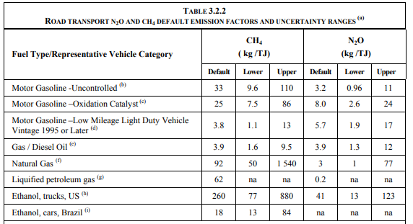
TRA* | SE_TRACXFN
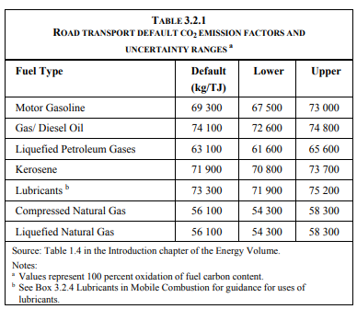
Dynamic coefficients for combustion emissions in transport
~COMEMI
CommName | TRALPG | *TRAGSL | TRAJTK | TRADST | TRAHFO | TRAGAS | TRAGSLSP95
TRACO2N | 63.10 | 69.30 | 71.90 | 74.10 | 78.00 | 56.10 | 56.10
TRACOXN | 0.00 | 0.00 | 0.00 | 0.00 | 0.00 | 0.00 | 0.00
TRACH4N | 0.06 | 0.03 | 0.00 | 0.00 | 0.00 | 0.09 | 0.00
TRASO2N | 0.00 | 0.00 | 0.00 | 0.00 | 0.00 | 0.00 | 0.00
TRANOXN | 0.00 | 0.00 | 0.00 | 0.00 | 0.00 | 0.00 | 0.00
TRAN2ON | 0.00 | 0.00 | 0.00 | 0.00 | 0.00 | 0.00 | 0.00
TRAPMAN | 0.00 | 0.00 | 0.00 | 0.00 | 0.00 | 0.00 | 0.00
TRAPMBN | 0.00 | 0.00 | 0.00 | 0.00 | 0.00 | 0.00 | 0.00
TRAVOCN | 0.00 | 0.00 | 0.00 | 0.00 | 0.00 | 0.00 | 0.00
TRASF6N | 0.00 | 0.00 | 0.00 | 0.00 | 0.00 | 0.00 | 0.00
TRACXFN | 0.00 | 0.00 | 0.00 | 0.00 | 0.00 | 0.00 | 0.00

