Двойной СМ
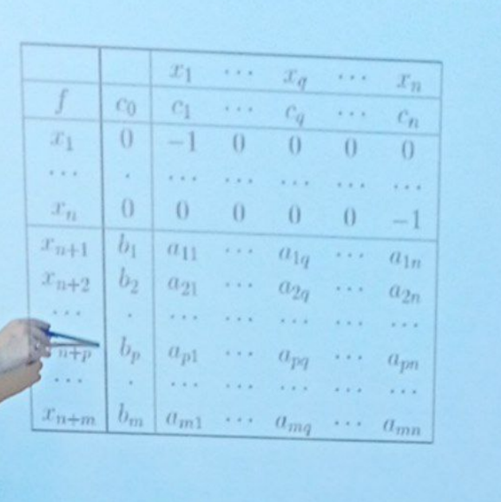
 |  | x1 | x2 | x3 | x4
f | 0 | -1 | -1 | -2 | 1
x1 | 0 | -1 | 0 | 0 | 0
x2 | 0 | 0 | -1 | 0 | 0
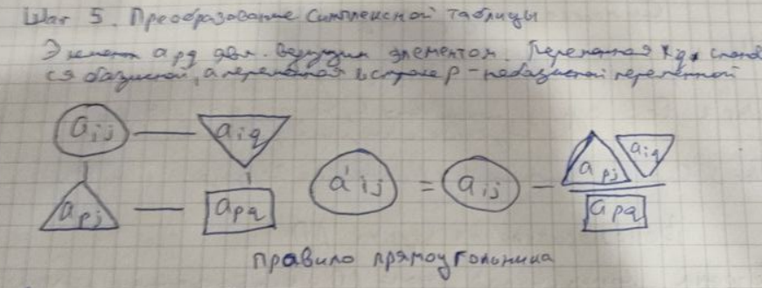
x3 | 0 | 0 | 0 | -1 | 0
x4 | 0 | 0 | 0 | 0 | -1
x5 | 0 | -1 | 1 | -3 | 1
x6 | -2 | 1 | -2 | 1 | -2
c/a |  |  | 0.5 |  | -0.5

 |  | x1 | x6 | x3 | x4
f | -1 | -0.5 | -2 | -1.5 | 0
x1 | 0 | -1 | 0 | 0 | 0
x2 | 0 | 0 | -1 | 0 | 0
x3 | 0 | 0 | 0 | -1 | 0
x4 | 1 | -0.5 | 1 | -0.5 | 0
x5 | -1 | -0.5 | 0 | -2.5 | 0
x2 | 0 | 0 | 0 | 0 | 0
c/a |  | 1 |  | 0.6

 |  | x1 | x6 | x5 | x4
f | -0.4 | -0.2 | -2 | 0 | 0
x1 | 0 | -1 | 0 | 0 | 0
x2 | 0 | 0 | -1 | 0 | 0
x3 | 0.4 | 0.2 | 0 | 0 | 0
x4 | 1.2 | -0.4 | 1 | 0 | 0
x5 | 0 | 0 | 0 | 0 | 0
x2 | 0 | 0 | 0 | 0 | 0
c/a

