Kosten Tool
CST |  |  |  | Natural Gas |  |  |  | PV (no TES, boiler) |  |  |  | TES

 | from Cost Input | Used here | Unit |  | from Cost Input | Used here | Unit |  | from Cost Input | Used here | Unit |  | from Cost Input | Used here | Unit
Reference Quantitiy |  |  |  | Reference Quantitiy | 5 | 5 | MWth | Reference Quantitiy | 100 | 100 | MWp (gross) | Reference Quantitiy | 50 | 50 | MWh
Solar Field | 16.3 | 16.3 | MW | Reference Cost | 360 | 360 | $/kW | Reference Cost | 850 | 850 | $/kWp | Reference Cost | 85 | 85 | $/kWh
Solar Field (Refl. Area) | 26,160 | 26,160 | m² | EoS Coeff | 0.70 | 0.70 | - | EoS Coeff | 0.98 | 0.98 |  | EoS Coeff | 0.80 | 0.80
Steam Gen | 5.4 | 5.4 | MW
Backup Heater | 10 | 0 | MW | MW | Main equipment ($/kW) | Turnkey Costs ($/kW) | Relative | MWp (DC) |  | Turnkey Costs ($/kW) | Relative | MWh |  | Turnkey Costs ($/kWh) | Relative
Referrence Cost |  |  |  | 0.5 | 479 | 718 | 200% | 0.5 |  | 945 | 111% | 0.5 |  | 214 | 251%
Solar Field | 610 | 610 | $/kW | 0.77 | 421 | 631 | 175% | 1 |  | 932 | 110% | 1 |  | 186 | 219%
Solar Field (Refl. Area)
Steam Gen | 60 | 60 | $/kW | 1.5 | 344 | 517 | 144% | 1.5 |  | 924 | 109% | 2 |  | 162 | 190%
Backup Heater | 200 | 200 | $/kW | 2 | 316 | 474 | 132% | 3 |  | 912 | 107% | 3 |  | 149 | 176%
EoS Coeff |  |  |  | 2.5 | 295 | 443 | 123% | 4 |  | 907 | 107% | 5 |  | 135 | 158%
Solar Field EoS Coeff | 0.80 | 0.80 |  | 3 | 280 | 420 | 117% | 5 |  | 902 | 106% | 10 |  | 117 | 138%
Steam Gen EoS Coeff | 0.80 | 0.80 |  | 3.5 | 267 | 401 | 111% | 7.5 |  | 895 | 105% | 15 |  | 108 | 127%
Backup Heater EoS Coeff | 0.80 | 0.80 |  | 4 | 257 | 385 | 107% | 10 |  | 890 | 105% | 20 |  | 102 | 120%
 |  |  |  | 4.5 | 248 | 372 | 103% | 12.5 |  | 886 | 104% | 30 |  | 94 | 111%
 |  |  |  | 5 | 240 | 360 | 100% | 15 |  | 883 | 104% | 40 |  | 89 | 105%
 |  |  |  | 6 | 227 | 341 | 95% | 20 |  | 878 | 103% | 50 |  | 85 | 100%
 |  |  |  | 7 | 217 | 325 | 90% | 30 |  | 871 | 102% | 75 |  | 78 | 92%
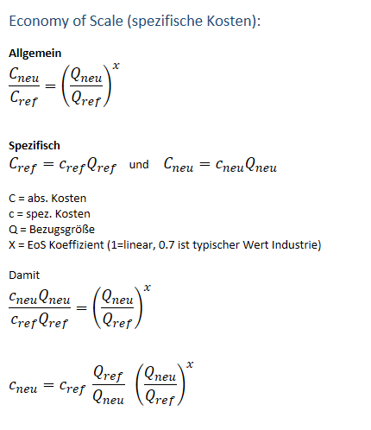
 |  |  |  | 8 | 208 | 313 | 87% | 40 |  | 866 | 102% | 100 |  | 74 | 87%
 |  |  |  | 9 | 201 | 302 | 84% | 50 |  | 862 | 101% | 125 |  | 71 | 83%
 |  |  |  | 10 | 195 | 292 | 81% | 75 |  | 855 | 101% | 150 |  | 68 | 80%
 |  |  |  | 12 | 185 | 277 | 77% | 100 |  | 850 | 100% | 200 |  | 64 | 76%
 |  |  |  | 15 | 173 | 259 | 72% | 125 |  | 846 | 100% | 250 |  | 62 | 72%
 |  |  |  | 19 | 161 | 241 | 67% | 150 |  | 843 | 99% | 300 |  | 59 | 70%
 |  |  |  | 26 | 146 | 220 | 61% | 240 |  | 835 | 98% | 350 |  | 58 | 68%
 |  |  |  | 30 | 140 | 210 | 58% | 300 |  | 832 | 98% | 400 |  | 56 | 66%

1. Aggregiere annual Heat in GWh
2. Berechne neue m²
3. Berechne neuen spezifischen Kosten mit EoS
4. Berechne neue Gesamtkosten
5. Berechne neue turnkey Cost for Capex and Opex
6. Gebe neue Kosten in Optimierer

PV
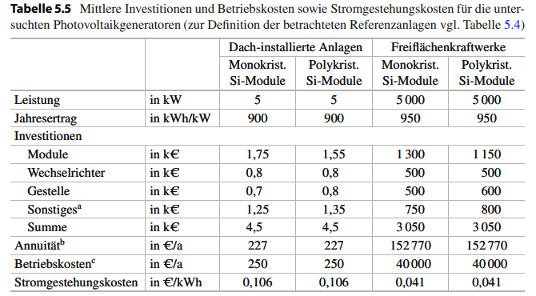
name | value | unit | EoS | Description
pv_peak_capacity | 100 | MW
pv_total_efficiency | 0.83
pv_ac_capacity | 83.3
pv_pv_land_use_factor |  | m²/kW
pv_site_prep | 0 | $/kW
pv_pv_modules | 0 | $/kW
pv_AC_DC_modules | 0 | $/kW
pv_turnkey_cost | 850 | $/kW |  | Either all of above or use the turnkey
pv_EPC_contingencies | 2% | %
pv_owner_cost | 2% | %
pv_OM_variable | 0 | $/MWh
pv_OM_fixed | 2% | %
pv_auxiliary_consumption | 3% | %
CAPEX
capex_site_prep | 0 | $
capex_pv_modules | 0 | $
capex_ac_dc_modules | 0 | $
capex_turnkey | 85,000,000 | $
capex_EPC | 1,700,000 | $
capex_owner_cost | 34,000 | $
total_capex | 86,734,000 | $
fixed_OM | 1,734,680 | $ |  | Wartungskosten, Betriebsführungskosten, Reparatur, Pacht, Versicherung
turnkey cost | 884,687 | $/MW

WIND
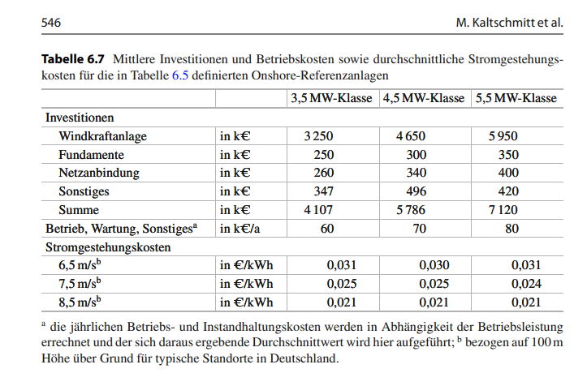
name | value | unit | EoS | Description
wind_peak_capacity | 100 | MW
wind_total_efficiency | 90 | %
wind_land_use_factor
wind_site_prep |  | $/MW
wind_turnkey_cost | 1650 | $/kW
wind_EPC_contingencies | 2% | %
wind_owner_cost | 2% | %
wind_OM_variable | 0 | $/MWh
wind_OM_fixed | 5% | %
CAPEX
capex_site_prep | 0
capex_turnkey | 165,000,000 | $
capex_EPC | 3,300,000 | $
capex_owner_cost | 66,000 | $
total_capex | 168,366,000 | $
fixed_OM | 8,250,000 | $
turnkey cost | 1,766,160 | $/MW

BackUpBoiler
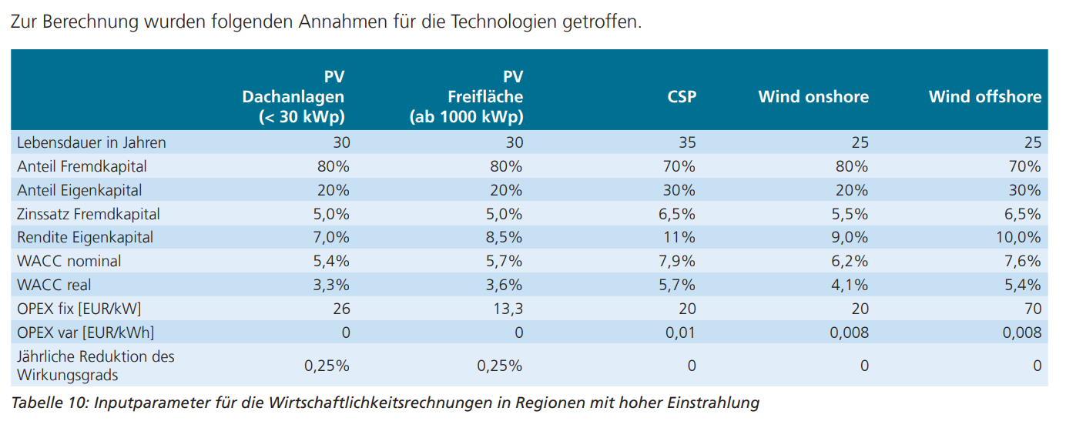
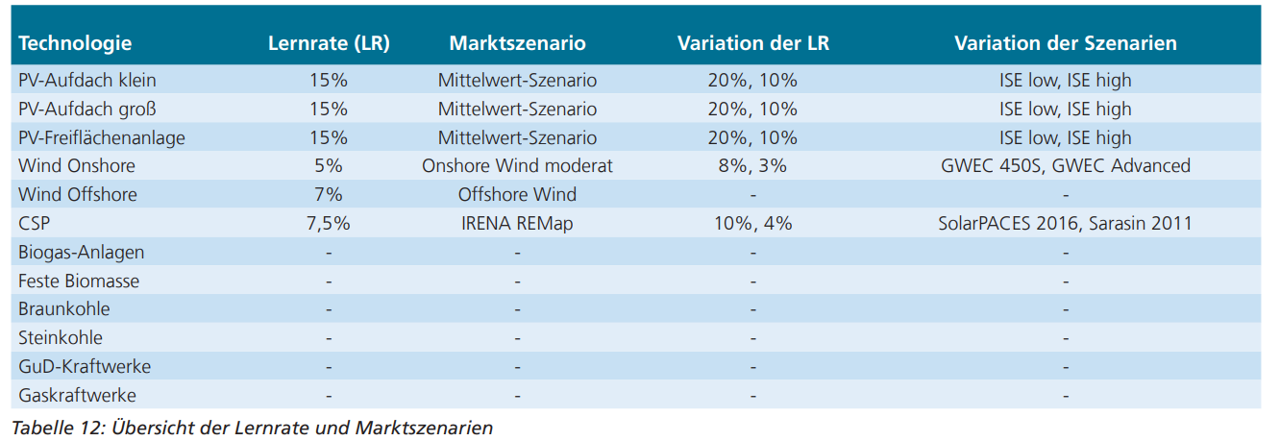
technisch
Wirkungsgrad | 0.85
Opex
var Bertriebskosten | 25 | €/MWh | Preis Erdgas
CO2 Preise DE | 35 | €/t_CO2

