Fits
Systematic configuration
Physics |  |  | Injection detection |  | Fit (sigma-clip)
Line E [eV] | Half-window [eV] | Channel ID | Min jump [eV] | Threshold x median | Sigma thresh | Min inliers | Max iter
6660 | 60 | 2 | 20 | 3 | 1 | 4 | 10

Discharge | Inj # | A | tau | t_0 | C_bg | A err | tau err | tau err rel [%] | red. chi2 | pts used | Fit (log) | Fit (linear) | Start frame | Finish frame
2025-04-29--10-19 | 1 | 1295.8587863 | 1.3713109132 | 100 | 102 | 14.013997445 | 0.039508140226 | 2.8810490639 | 197.06965094 | 4/7 | 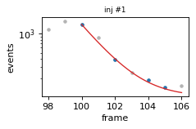 | 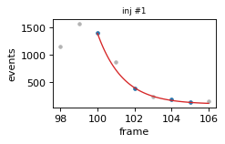 | 98 | 106
2025-04-29--10-19 | 2 | 1725.6935265 | 1.5315559891 | 147 | 102 | 31.012058645 | 0.028617472948 | 1.8685228063 | 64.812837632 | 5/7 | 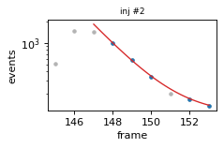 | 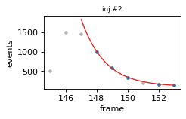 | 145 | 153
2025-04-29--10-19 | 3 | 1112.3823852 | 1.707980312 | 195 | 102 | 13.479614873 | 0.041688984763 | 2.4408352057 | 196.92468288 | 5/6 | 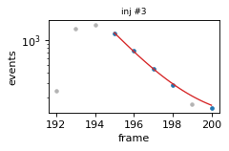 | 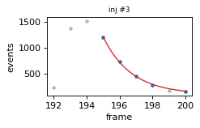 | 192 | 200
2025-04-29--10-19 | 4 | 804.8454802 | 1.8132366683 | 282 | 102 | 16.969238073 | 0.07435854473 | 4.1008736494 | 317.0997731 | 5/6 | 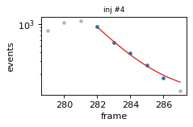 | 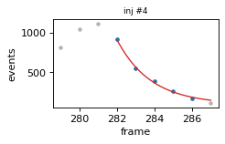 | 279 | 287

