Fits
Systematic configuration
Physics |  |  | Injection detection |  | Fit (sigma-clip)
Line E [eV] | Half-window [eV] | Channel ID | Min jump [eV] | Threshold x median | Sigma thresh | Min inliers | Max iter
6660 | 60 | 2 | 20 | 3 | 1 | 4 | 10

Discharge | Inj # | A | tau | t_0 | C_bg | A err | tau err | tau err rel [%] | red. chi2 | pts used | Fit (log) | Fit (linear) | Start frame | Finish frame
2025-04-29--10-19 | 1 | 1295.8587863 | 1.3713109132 | 100 | 102 | 14.013997445 | 0.039508140226 | 2.8810490639 | 197.06965094 | 4/7 | 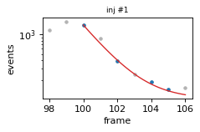 | 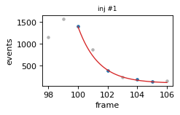 | 98 | 106
2025-04-29--10-19 | 2 | 1725.6935265 | 1.5315559891 | 147 | 102 | 31.012058645 | 0.028617472948 | 1.8685228063 | 64.812837632 | 5/7 | 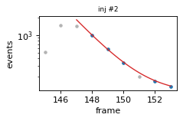 | 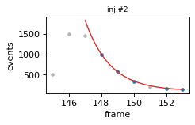 | 145 | 153
2025-04-29--10-19 | 3 | 1112.3823852 | 1.707980312 | 195 | 102 | 13.479614873 | 0.041688984763 | 2.4408352057 | 196.92468288 | 5/6 | 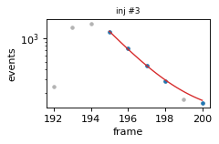 | 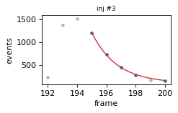 | 192 | 200
2025-04-29--10-19 | 4 | 804.8454802 | 1.8132366683 | 282 | 102 | 16.969238073 | 0.07435854473 | 4.1008736494 | 317.0997731 | 5/6 | 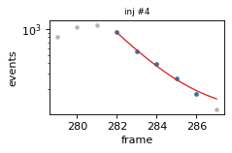 | 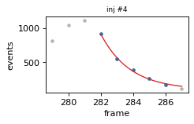 | 279 | 287
2025-04-29--10-24 | 1 | 921.02445289 | 1.5146845934 | 105 | 96 | 33.516786693 | 0.11434981889 | 7.5494145374 | 1186.6138481 | 4/6 | 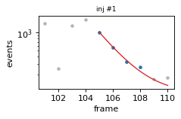 | 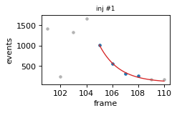 | 101 | 110
2025-04-29--10-24 | 2 | 1291.3508765 | 1.9009758313 | 151 | 96 | 31.503357856 | 0.093509897198 | 4.9190471366 | 1097.4796712 | 5/6 | 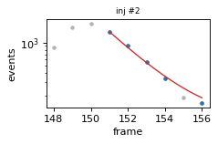 | 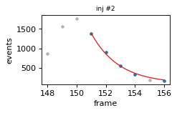 | 148 | 156
2025-04-29--10-24 | 3 | 1791.1444578 | 1.5716834943 | 199 | 96 | 75.781957226 | 0.068258622062 | 4.3430259534 | 443.01945669 | 5/8 | 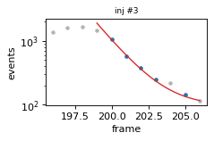 | 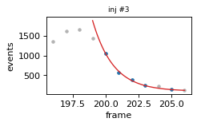 | 196 | 206
2025-04-29--10-24 | 4 | 1505.912093 | 2.7734388025 | 284 | 96 | 102.97863348 | 0.26015450018 | 9.3802141929 | 2674.6420419 | 5/8 | 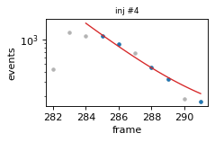 | 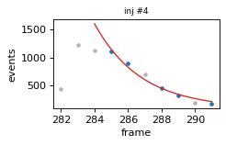 | 282 | 291
2025-04-29--10-42 | 1 | 1213.2767706 | 2.310766566 | 112 | 64.5 | 99.702964335 | 0.22903427055 | 9.91161435 | 1778.2865636 | 5/8 | 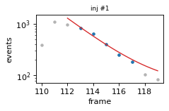 | 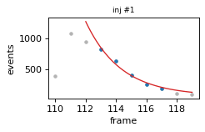 | 110 | 119

