Arkusz1
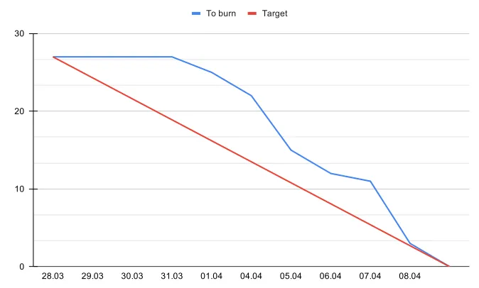
Burn up
 | Sprint 1 | Sprint 2 | Sprint 3 | Sprint 4 | Sprint 5 | Sprint 6 | Sprint 7 | Sprint 8 | Sprint 9 | Sprint 10 | Sprint 11
Total Done | 27 | 51 | 82 | 103 | 132 | 152 | 175 | 202
Done | 27 | 24 | 31 | 21 | 29 | 20 | 23 | 27
In Progress | 0 | 5 | 0 | 6 | 0 | 5 | 8 | 0
Target | 28 | 56 | 84 | 112 | 140 | 168 | 198 | 230 | 260 | 285 | 313
Project size | 290 | 290 | 290 | 290 | 290 | 290 | 313 | 313 | 313 | 313 | 313
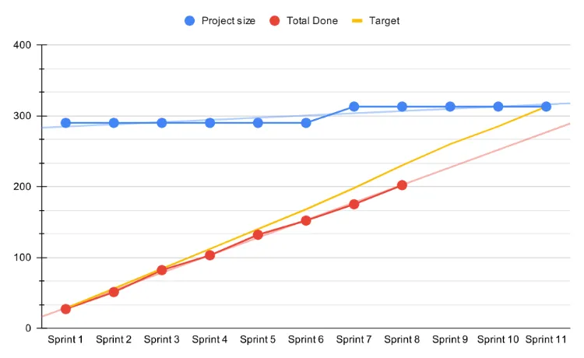

 |  |  |  |  |  |  |  |  | srednia | 25.25

Burn down
 | Estymacja [SP] | 2023-03-28 | 2023-03-29 | 2023-03-30 | 2023-03-31 | 2023-04-01 | 2023-04-04 | 2023-04-05 | 2023-04-06 | 2023-04-07 | 2023-04-08
Task 1 | 2 | In progress | In progress | Testing | RC
Task 2 | 3 | In progress | In progress | In progress | Testing | RC
Task 3 | 8 | In progress | In progress | In progress | In progress | In progress | In progress | Testing | Testing | RC
Task 4 | 5 | In progress | In progress | In progress | In progress | Testing | RC
Task 5 | 3 |  |  | In progress |  | In progress | Testing | RC
Task 6 | 2 |  |  |  | In progress | Testing | RC
Task 7 | 1 |  |  |  |  |  | In progress | Testing | RC
Task 8 | 3 |  |  |  |  |  | In progress | In progress | In progress | Testing | RC

