Sheet1
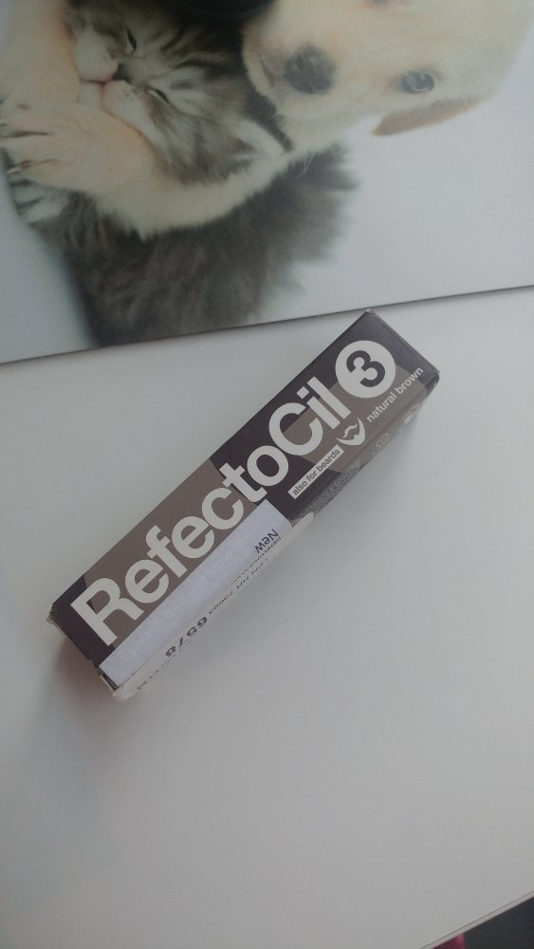
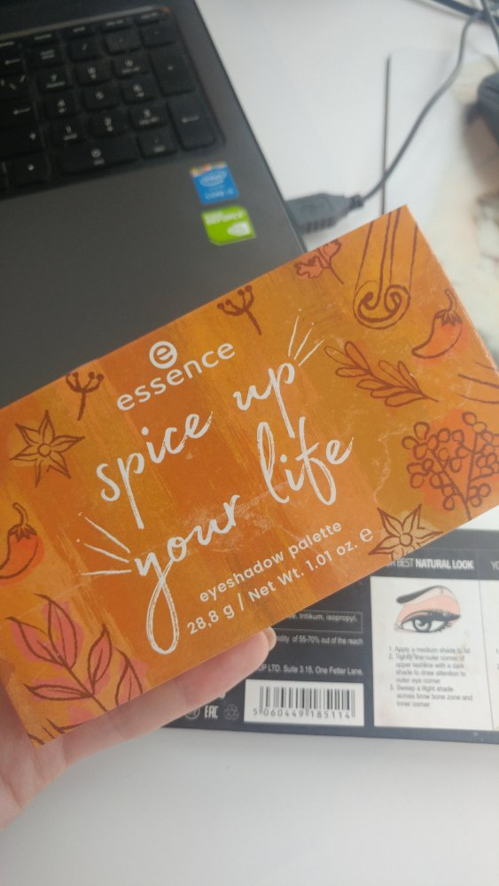
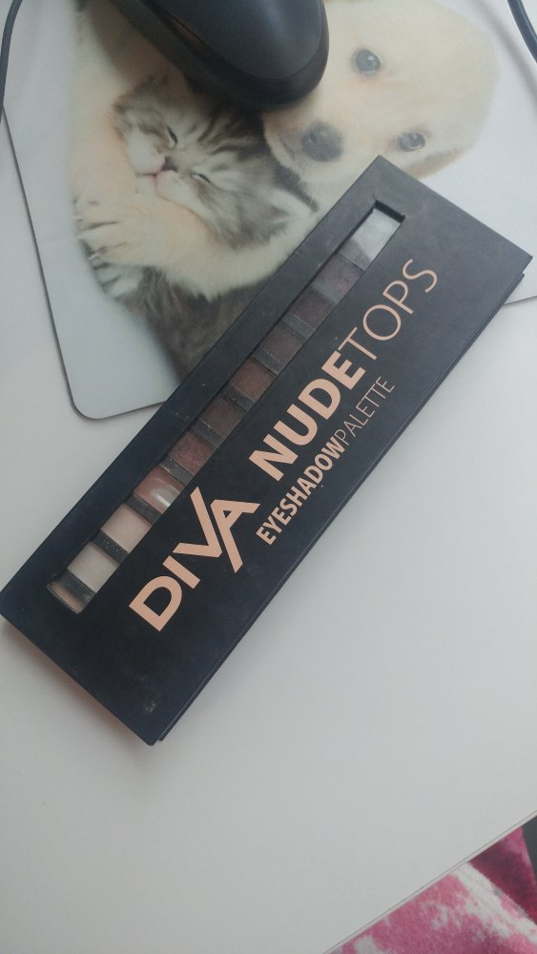
LPNRR736936578 | Refectocil | Descr 1
4059729020666 | Spice up your life | Descr 2
5060449185114 | Diva eyeshadow | Descr 3

