Página1
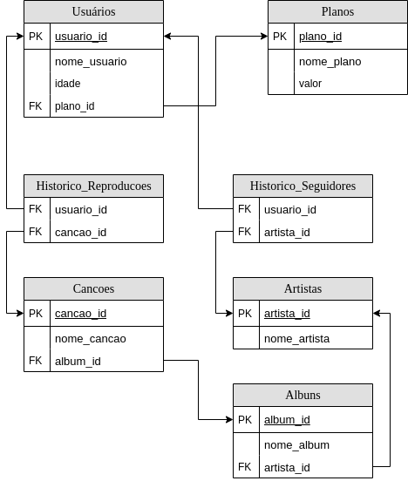
USUARIOS |  |  |  | CANCOES |  |  | HISTORICO_REPRODUCOES
usuario_id | nome_usuario | idade | plano_id | cancao_id | nome_cancao | album_id | usuario_id | cancao_id
1 | Thati | 23 | 1 | 1 | "Soul For Us" | 1 | 1 | 1
2 | Cintia | 35 | 2 | 2 | "Reflections Of Magic" | 1 | 1 | 6
3 | Bill | 20 | 3 | 3 | "Dance With Her Own" | 1 | 1 | 14
4 | Roger | 45 | 1 | 4 | "Troubles Of My Inner Fire" | 2 | 1 | 16
 |  |  |  | 5 | "Time Fireworks" | 2 | 2 | 13
PLANOS |  |  |  | 6 | "Magic Circus" | 3 | 2 | 17
plano_id | nome_plano | valor |  | 7 | "Honey, So Do I" | 3 | 2 | 2
1 | gratuito | 0 |  | 8 | "Sweetie, Let's Go Wild" | 3 | 2 | 15
2 | familiar | 7,99 |  | 9 | "She Knows" | 3 | 3 | 4
3 | universitário | 5.99 |  | 10 | "Fantasy For Me" | 4 | 3 | 16
 |  |  |  | 11 | "Celebration Of More" | 4 | 3 | 6
ARTISTAS |  |  |  | 12 | "Rock His Everything" | 4 | 4 | 3
artista_id | nome_artista |  |  | 13 | "Home Forever" | 4 | 4 | 18
1 | Walter Phoenix |  |  | 14 | "Diamond Power" | 4 | 4 | 11
2 | Peter Strong |  |  | 15 | "Honey, Let's Be Silly" | 4
3 | Lance Day |  |  | 16 | "Thang Of Thunder" | 5 | HISTORICO_SEGUIDORES
4 | Freedie Shannon |  |  | 17 | "Words Of Her Life" | 5 | usuario_id | artista_id
 |  |  |  | 18 | "Without My Streets" | 5 | 1 | 1
ALBUNS |  |  |  |  |  |  | 1 | 4
album_id | nome_album | artista_id |  |  |  |  | 2 | 1
1 | Envious | 1 |  |  |  |  | 3 | 2
2 | Exuberant | 1 |  |  |  |  | 3 | 1
3 | Hallowed Steam | 2 |  |  |  |  | 4 | 4
4 | Incandescent | 3
5 | Temporary Culture | 4

