DEFECTS
ID | Defects | Functional/ Non-Functional | Pictures
1 | Checklist nr. - 3.3-3.5 ( In options there is WEB option which not working, but in specification its written that should be Google Drive, wich not exist (High priority)) | F | 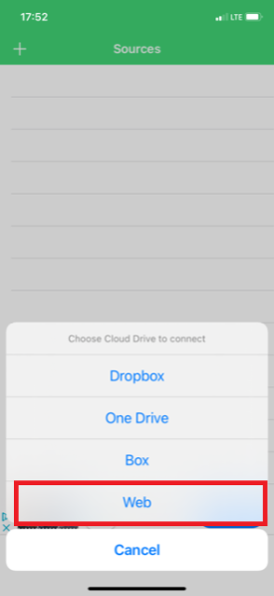 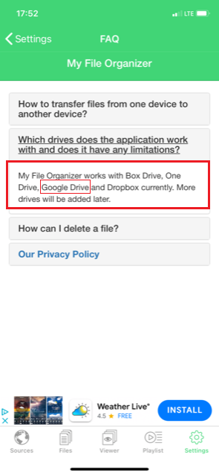
2 | Checklist nr. - 3.7 ( No warnings that is not downloading, but its starts when you turn on internet connection.)(Medium priority) | F | 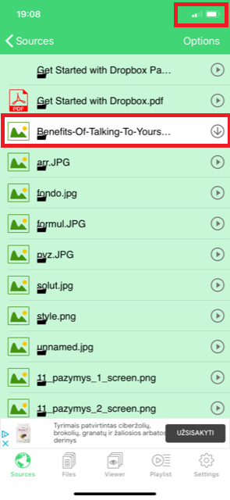 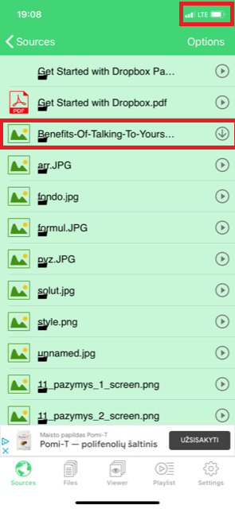
3 | Checklist nr. - 4.4 ( its only for deleting, its totally not needed, because swipe left, gives you delete option.)(Medium priority) | NF | 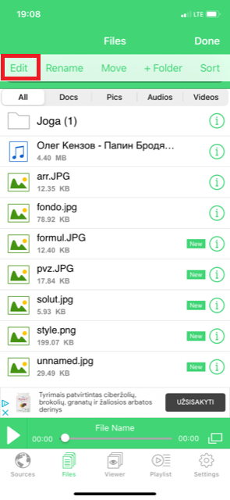 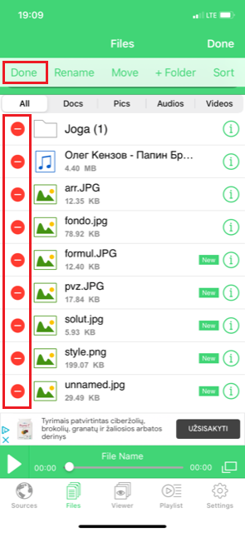 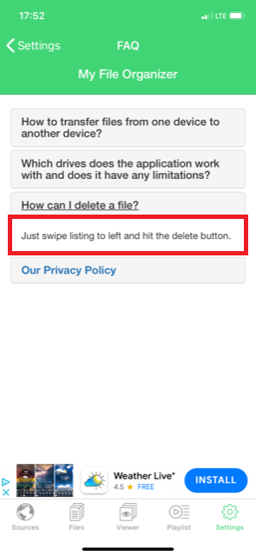
4 | Checklist nr. - 4.7, 4.9, 5.3 (Have no borders, you can write unlimited symbols) (Low priority) | F | 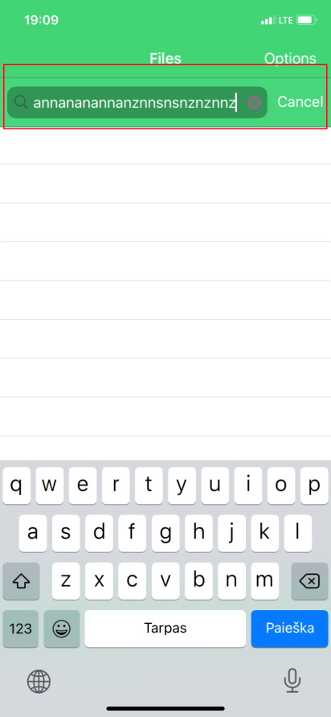
5 | Checklist nr. - 5.4 (when you have no files in playlist, EDIT button doesnt react, and not even giving any messages.) (medium priority) | F | 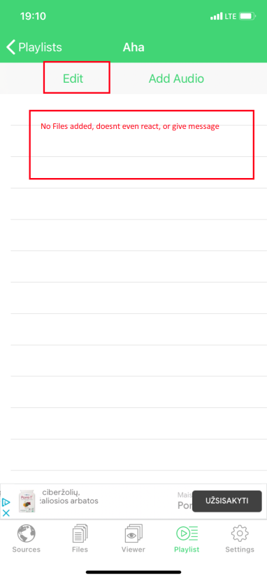
6 | Checklist nr. - 7.1 (Every third open files with internet connection, pops-up ads.)(Lowest priority) | NF | 