Sheet1
Words | Images0.png | Images1.png | Images2.png
Skirt | 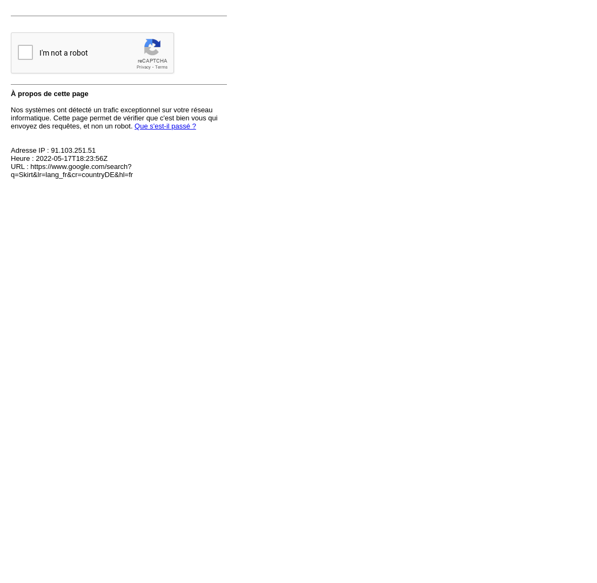 |  | 
Bikini | 
Dress pants | 
Jumper | 
Sneakers | 
Hoodie | 
Vest | 
High heels | 
Flip flops | 
Handbag | 
Tank top | 
Singlet | 
Boots | 
Shorts | 
Polo shirt | 
Umbrella | 
Dress | 
Hawaiian shirt | 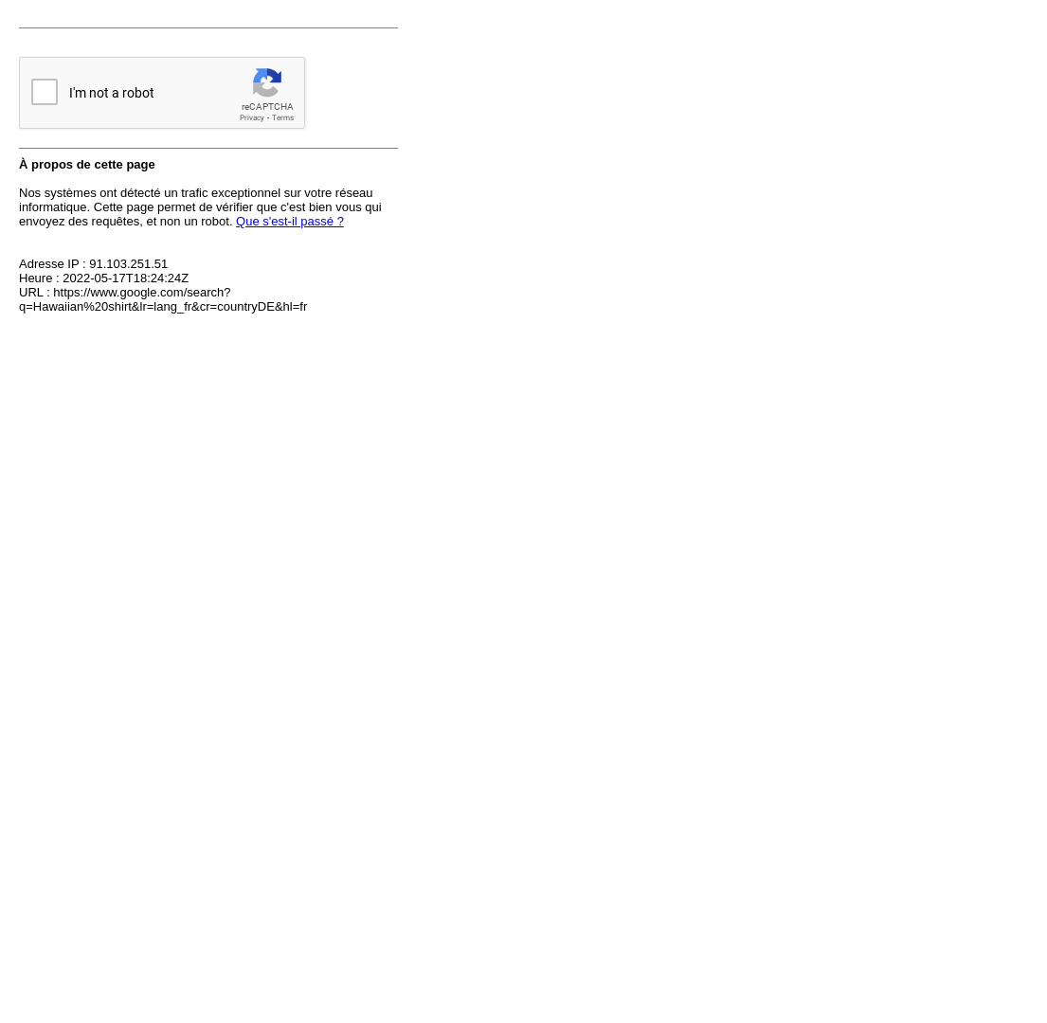
Mittens | 
Socks | 
Swimsuit | 
Trench coat | 
Winter coat | 
Straw hat | 
Cap | 
Scarf | 
Sweater | 
Shirt | 
Jeans | 
Gloves | 
Cap | 
Suit | 
Hawaiian shirt | 
Singlet | 
Business shoes | 
Flip flops | 
Shorts | 
Cardigan | 
Jacket | 
Sport shoes | 
Bow tie | 
Sleeveless shirt | 
Vest | 
Long-sleeve top | 
Polo shirt | 
Jumper | 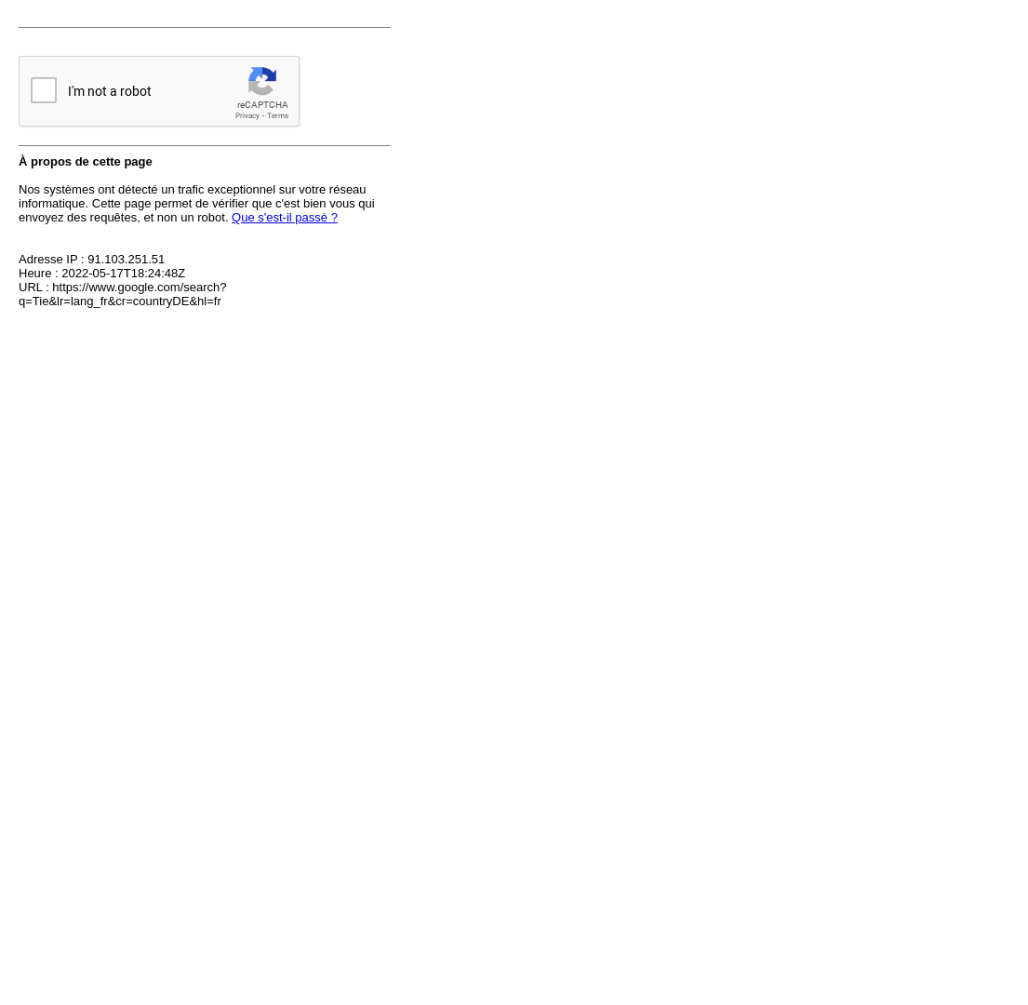
Trench coat | 
Bathrobe | 
Cargo pants | 
Swimsuit | 
Blazer | 
T-shirt | 
Belt | 
Underpants | 
Waistcoat | 
Socks | 
Tie | 
Pullover | 
Umbrella | 
Scarf | 
Sunglasses | 
Glasses | 
Boots | 
Wallet | 
Handbag | 
Watch | 
Wedding dress | 
Sweater | 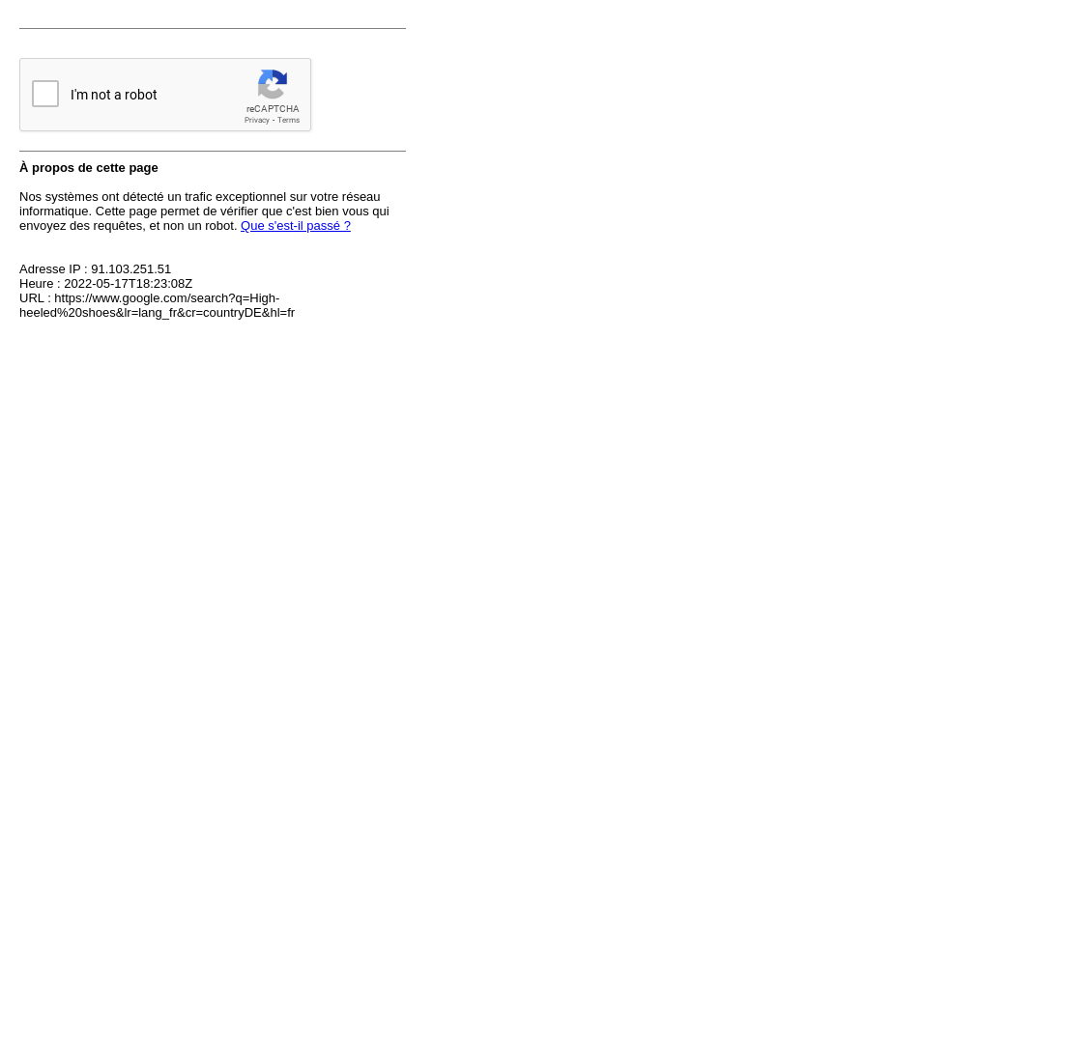
T-shirt | 
Sheath dress | 
Dress | 
Gym clothes | 
Bra | 
Tank top | 
Shorts | 
Hoodie | 
Jeans | 
Long coat | 
Uniform | 
Coat | 
Dress pants | 
Swimsuit | 
Long-sleeve top | 
Skirt | 
Thong | 
Hat | 
Necklace | 
Ring | 
Earrings | 
Perfume | 
Mittens | 
Sunglasses | 
Handbag | 
Bracelet | 
Purse | 
Watch | 
Umbrella | 
Scarf | 
Slip | 
High-heeled shoes | 
Flip-flops | 
Boots | 
Stockings | 
Jacket | 
Overalls | 
Mittens | 
Beanie | 
Baby apron | 
Socks | 
Diaper | 
Singlet | 
Shoes | 
Safety pin | 
T-shirt | 
Dress | 
Singlet | 
Cap | 
One-piece bathing suit | 
Hawaiian shirt | 
Sunglasses | 
Swim trunks | 
Straw hat | 
Polo shirt | 
Overalls | 
Bikini | 
Shorts | 
Tank top | 
Flip flops | 
Skirt | 
Bikini
Dress pants
Jumper
Sneakers
Hoodie
Vest
High heels
Flip flops
Handbag
Tank top
Singlet
Boots
Shorts
Polo shirt
Umbrella
Dress
Hawaiian shirt
Mittens
Socks
Swimsuit
Trench coat
Winter coat
Straw hat
Cap
Scarf
Sunglasses
Apron
Necklace
Watch
Socks
Tie
Bow tie
Purse
Ring
Gloves
Scarf
Umbrella
Boots
Mittens
Stockings
Earmuffs
Hair clip
Hair band
Safety pin
Pocket watch
Beanie
Cap
Beret
Straw hat
Derby hat
Helmet
Top hat
Mortar board
Toner
Mirror
Brightener
Makeup kit
Nail polish
Lip gloss
Lip liner
Foundation
Eyeliner
Eye shadow
Lipstick
Mascara
Cleanser
Tanning lotion
Bronzer
Moisturizer
Face cream
Concealer
Primer
Blush
Brush
Perfume
Hand lotion
Razor
Tissues
Sunglasses
Hand mirror
Wet wipe
Toothbrush
Sunscreen
Deodorant
Toothpaste
Cotton swab
Tweezers
Scissors
Mouthwash
Dental floss
Comb
Hair spray
Hair clip
Hair band
Hairbrush
Bobby pin
Hair dryer
Hair gel

