Sheet1
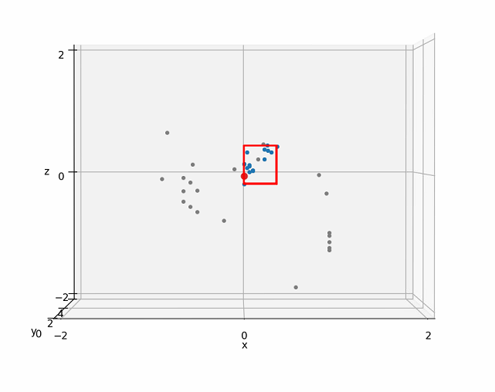
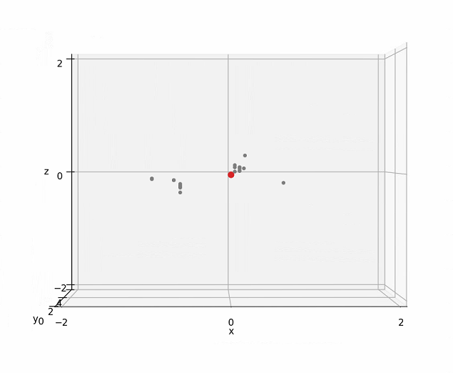
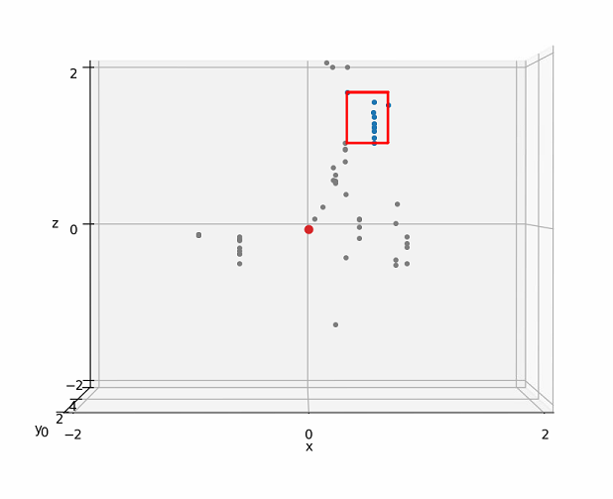
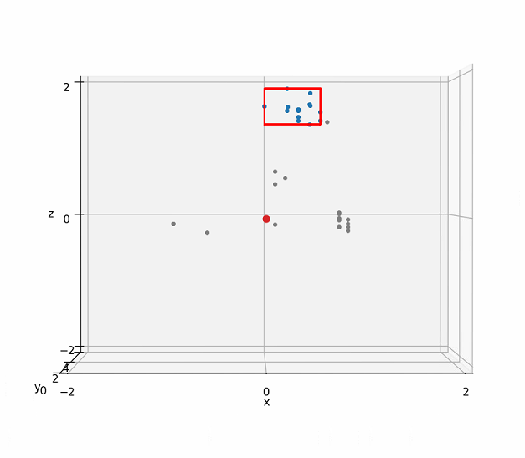
 | human is stable, no moving

Radar |  | 1m | 2m | 3m | 4m

 |  | very clear | still clear | poor with noise | can't detect

