Home
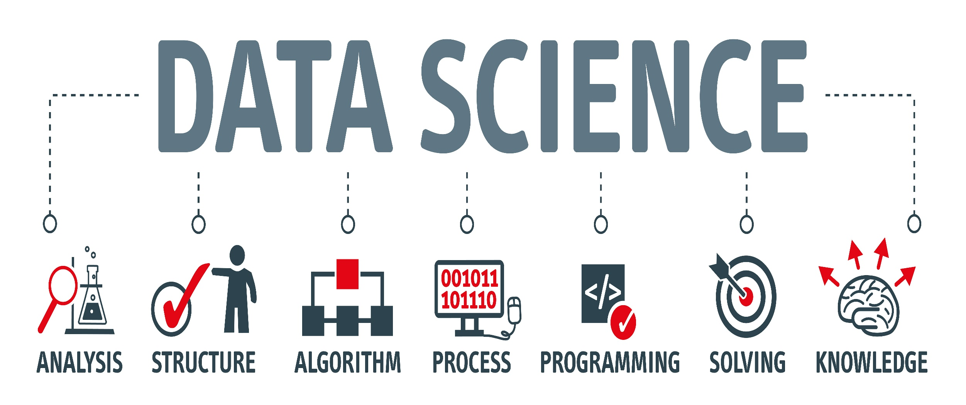
Dashboard

Cleaned Data

Raw Data

Navigation

Dashboard
DATA SCIENCE SALARIES REPORT 2023
$137,570
Average Salary(USD)
3755
Job Count
Navigation

Top 5 Average salaries by Job Title
Top five locations for salary and job availability
Average Salaries by experience level
 | Total
Data Science Tech Lead | $375,000
Cloud Data Architect | $250,000
Data Lead | $212,500
Data Analytics Lead | $211,255
Principal Data Scientist | $198,171
 | Average of Salary(USD) | Job Count
United States | $151,822 | 3040
Canada | $131,918 | 87
United Kingdom | $86,890 | 172
Spain | $57,676 | 77
India | $30,198 | 58
 | Total
Executive | $194,931
Senior | $153,051
Mid/Intermediate | $104,526
Entry | $78,546

Home

Average Salaries by company size
Average Salaries by Work Model
Average Salaries by Year
Cleaned Data
 | Total
Small | $78,227
Large | $118,301
Medium | $143,131
 | Total
Remote | $144,316
Onsite | $136,481
Hybrid | $78,401
 | Total
2020 | $92,303
2021 | $94,087
2022 | $133,339
2023 | $149,046

Raw Data

Avg Salary by year
Year | Average of Salary(USD)
2020 | $92,303
2021 | $94,087
2022 | $133,339
2023 | $149,046

Avg salary by Job Title
Job Titles | Average of Salary(USD)
Data Science Tech Lead | $375,000
Cloud Data Architect | $250,000
Data Lead | $212,500
Data Analytics Lead | $211,255
Principal Data Scientist | $198,171

Avg Salary by company location
Company_location | Average of Salary(USD) | Job Count
United States | $151,822 | 3040
Canada | $131,918 | 87
United Kingdom | $86,890 | 172
Spain | $57,676 | 77
India | $30,198 | 58

Avg Salary by exp level
Experience Level | Average of Salary(USD)
Executive | $194,931
Senior | $153,051
Mid/Intermediate | $104,526
Entry | $78,546

Avg Salary by Work Model
Work Model | Average of Salary(USD)
Remote | $144,316
Onsite | $136,481
Hybrid | $78,401

Avg Salary by company size
Company Size | Average of Salary(USD)
Small | $78,227
Large | $118,301
Medium | $143,131

